pre1
Use File, Preference to set Report Heading
Long Form Torque vs. Position Report - Knee Extension/Flexion
Name: |  |  |  | TR030_FP3061, | ID: | TR030 | Right/Left: | 29.09.2023 29.09.2023
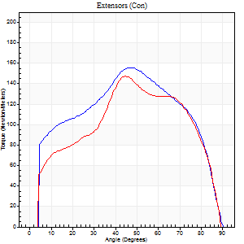
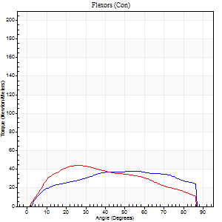
Right Side Curves Left Side Curves
Isokinetic Con/Con |  |  |  | Extensors (Con) |  | Flexors (Con)
Speed 60/60 d/s 3 Reps |  |  |  | Value | Cof Var | %BW | Value | Cof Var | %BW | Ratio

TORQUE PARAMETERS
Peak Torque (Newton-Meters - Best Repetition)
Right |  |  |  | 156 | 0.03 | 173 | 38 | 0.41 | 42 | 24
Left |  |  |  | 148 | 0.07 | 164 | 43 | 0.43 | 48 | 29
Deficit |  |  |  | 5 |  |  | 13
Work per Repetition (Newton-Meters - Best Repetition)
Right |  |  |  | 171 | 0.1 | 191 | 43 | 0.43 | 48 | 25
Left |  |  |  | 152 | 0.08 | 170 | 45 | 0.43 | 51 | 29
Deficit |  |  |  | 11 |  |  | 3
Average Power per Repetition (Watts - Best Repetition)
Right |  |  |  | 108 | 0.11 | 121 | 29 | 0.43 | 33 | 27
Left |  |  |  | 97 | 0.08 | 108 | 29 | 0.43 | 33 | 30
Deficit |  |  |  | 10 |  |  | 0
POSITION PARAMETERS
Joint Angle at Peak Torque (Degrees)
Right |  |  |  | 47 | 0.08 |  | 49 | 0.53
Left |  |  |  | 49 | 0.13 |  | 22 | 0.4
Range of Motion (Degrees)
Right |  |  |  | 0 | -0.47 |  | 90 | 0
Left |  |  |  | 0 | -4.24 |  | 90 | 0
TIME PARAMETERS
Time to Peak Torque (Seconds)
Right |  |  |  | 0.76 | 0.05 |  | 0.83 | 0.49
Left |  |  |  | 0.76 | 0.02 |  | 0.39 | 0.34
Time Peak Torque Held (Seconds)
Right |  |  |  | 0.03 | 0.33 |  | 0.07 | 0.31
Left |  |  |  | 0.05 | 0.65 |  | 0.04 | 1.73
Force Decay Time (Seconds)
Right |  |  |  | 0.8 | 0.08 |  | 0.61 | 0.6
Left |  |  |  | 0.8 | 0.12 |  | 1.09 | 0.04
Reciprocal Delay (Seconds)
Right |  |  |  | 0.31 | 0.25 |  | 0.29 | 0.25
Left |  |  |  | 0.14 | 0.3 |  | 0.22 | 0.55
Delay Time (Seconds)
Right |  |  |  | -0.01 | 0 |  | 0.03 | 1.35
Left |  |  |  | -0.01 | -4.24 |  | 0.01 | 1.73
HUMAC2015® Version: 15.000.0074 © Computer Sports Medicine, Inc. www.csmisolutions.com

Use File, Preference to set Report Heading
Long Form Torque vs. Position Report - Knee Extension/Flexion
Name: |  |  |  | TR030_FP3061, | ID: | TR030 | Right/Left: | 29.09.2023 29.09.2023
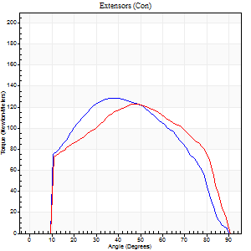
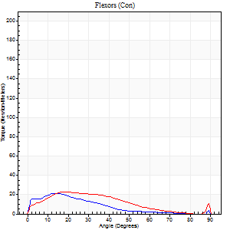
Right Side Curves Left Side Curves
Isokinetic Con/Con |  |  |  | Extensors (Con) |  | Flexors (Con)
Speed 120/120 d/s 3 Reps |  |  |  | Value | Cof Var | %BW | Value | Cof Var | %BW | Ratio

TORQUE PARAMETERS
Peak Torque (Newton-Meters - Best Repetition)
Right |  |  |  | 129 | 0.09 | 143 | 22 | 0.41 | 24 | 17
Left |  |  |  | 123 | 0.15 | 137 | 23 | 0.15 | 27 | 19
Deficit |  |  |  | 4 |  |  | 6
Work per Repetition (Newton-Meters - Best Repetition)
Right |  |  |  | 140 | 0.14 | 155 | 12 | 0.47 | 15 | 9
Left |  |  |  | 132 | 0.2 | 146 | 19 | 0.15 | 21 | 14
Deficit |  |  |  | 6 |  |  | 36
Average Power per Repetition (Watts - Best Repetition)
Right |  |  |  | 159 | 0.14 | 176 | 14 | 0.56 | 15 | 9
Left |  |  |  | 148 | 0.23 | 165 | 20 | 0.09 | 22 | 14
Deficit |  |  |  | 7 |  |  | 30
POSITION PARAMETERS
Joint Angle at Peak Torque (Degrees)
Right |  |  |  | 35 | 0.14 |  | 19 | 0.25
Left |  |  |  | 43 | 0.14 |  | 20 | 0.03
Range of Motion (Degrees)
Right |  |  |  | 0 | 0.28 |  | 90 | 0
Left |  |  |  | 0 | 0.2 |  | 90 | 0
TIME PARAMETERS
Time to Peak Torque (Seconds)
Right |  |  |  | 0.53 | 0.03 |  | 0.21 | 0.38
Left |  |  |  | 0.43 | 0.05 |  | 0.24 | 0.06
Time Peak Torque Held (Seconds)
Right |  |  |  | 0.03 | 0.57 |  | 0.01 | 0.43
Left |  |  |  | 0.02 | 0 |  | 0.02 | 0.5
Force Decay Time (Seconds)
Right |  |  |  | 0.32 | 0.08 |  | 0.73 | 0.12
Left |  |  |  | 0.42 | 0.08 |  | 0.61 | 0.07
Reciprocal Delay (Seconds)
Right |  |  |  | 0.11 | 0.07 |  | 0.15 | 0.31
Left |  |  |  | 0.14 | 0 |  | 0.17 | 0.18
Delay Time (Seconds)
Right |  |  |  | -0.05 | -0.16 |  | 0.04 | 1.16
Left |  |  |  | -0.02 | -0.28 |  | -0.02 | -0.69
HUMAC2015® Version: 15.000.0074 © Computer Sports Medicine, Inc. www.csmisolutions.com

Use File, Preference to set Report Heading
Long Form Torque vs. Position Report - Knee Extension/Flexion
Name: |  |  |  | TR030_FP3061, | ID: | TR030 | Right/Left: | 29.09.2023 29.09.2023
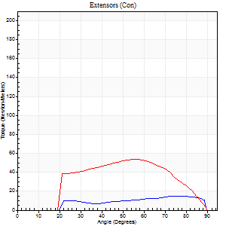
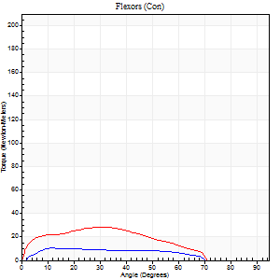
Right Side Curves Left Side Curves
Isokinetic Con/Con |  |  |  | Extensors (Con) |  | Flexors (Con)
Speed 240/240 d/s 3 Reps |  |  |  | Value | Cof Var | %BW | Value | Cof Var | %BW | Ratio

TORQUE PARAMETERS
Peak Torque (Newton-Meters - Best Repetition)
Right |  |  |  | 15 | 0.14 | 18 | 11 | 0.03 | 12 | 73
Left |  |  |  | 53 | 0.37 | 60 | 28 | 0.22 | 33 | 54
Deficit |  |  |  | 72 |  |  | 62
Work per Repetition (Newton-Meters - Best Repetition)
Right |  |  |  | 14 | 0.23 | 15 | 9 | 0.13 | 12 | 70
Left |  |  |  | 49 | 0.83 | 54 | 24 | 0.29 | 27 | 50
Deficit |  |  |  | 72 |  |  | 61
Average Power per Repetition (Watts - Best Repetition)
Right |  |  |  | 23 | 0.29 | 26 | 15 | 0.13 | 18 | 65
Left |  |  |  | 87 | 0.68 | 97 | 45 | 0.32 | 51 | 52
Deficit |  |  |  | 74 |  |  | 67
POSITION PARAMETERS
Joint Angle at Peak Torque (Degrees)
Right |  |  |  | 75 | 0.02 |  | 15 | 0.33
Left |  |  |  | 40 | 0.81 |  | 25 | 0.68
Range of Motion (Degrees)
Right |  |  |  | 1 | 0 |  | 89 | 0.01
Left |  |  |  | 1 | 0.06 |  | 90 | 0.01
TIME PARAMETERS
Time to Peak Torque (Seconds)
Right |  |  |  | 0.2 | 0.14 |  | 0.21 | 0.33
Left |  |  |  | 0.25 | 0.09 |  | 0.21 | 0.39
Time Peak Torque Held (Seconds)
Right |  |  |  | 0.01 | 1.73 |  | 0.01 | 0.87
Left |  |  |  | 0 | 1.73 |  | 0.01 | 0.87
Force Decay Time (Seconds)
Right |  |  |  | 0.37 | 0.03 |  | 0.4 | 0.05
Left |  |  |  | 0.23 | 0.62 |  | 0.33 | 0.34
Reciprocal Delay (Seconds)
Right |  |  |  | 0.06 | 0.11 |  | 0.08 | 0.12
Left |  |  |  | 0.09 | 0.08 |  | 0.1 | 0.06
Delay Time (Seconds)
Right |  |  |  | -0.04 | 0 |  | 0 | -6.24
Left |  |  |  | -0.02 | -0.71 |  | -0.03 | -0.43
HUMAC2015® Version: 15.000.0074 © Computer Sports Medicine, Inc. www.csmisolutions.com

Use File, Preference to set Report Heading
Isometric - Knee Extension/Flexion
Name: |  |  |  | TR030_FP3061, | ID: | TR030 | Right/Left: | 29.09.2023 29.09.2023

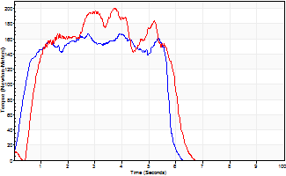
Isometric Extensors (Con) Angle 60 Time 10 Repetition 2 (Best Repetition)
 | Value | Cof Var | %BW
Peak Torque (Newton-Meters)
Right | 167 | 0.07 | 185
Left | 201 | 0.04 | 224
Deficit | 17
Average Torque (Newton-Meters)
Right | 83 | 0.06 | 92
Left | 98 | 0.05 | 107
Deficit | 15
Peak Torque Slope (Newton-Meters/Seconds)
Right | 74 | 0.14 | 82
Left | 54 | 0.24 | 60 |  | Right Side Curves Left Side Curves
Deficit | 27
Time to Half Peak Torque (Seconds)
Right | 0.42 | 0.24
Left | 0.75 | 0.06
Time to Peak Torque (Seconds)
Right | 2.39 | 0.21
Left | 4.28 | 0.2
HUMAC2015® Version: 15.000.0074 © Computer Sports Medicine, Inc. www.csmisolutions.com

pre2
Use File, Preference to set Report Heading
Long Form Torque vs. Position Report - Knee Extension/Flexion
Name: |  |  |  | TR030_FP3061, | ID: | TR030 | Right/Left: | 05.10.2023 05.10.2023
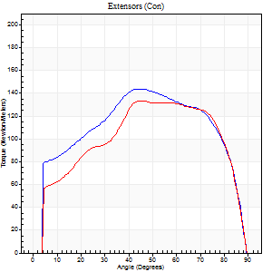
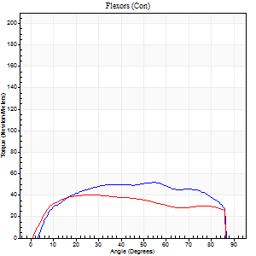
Right Side Curves Left Side Curves
Isokinetic Con/Con |  |  |  | Extensors (Con) |  | Flexors (Con)
Speed 60/60 d/s 3 Reps |  |  |  | Value | Cof Var | %BW | Value | Cof Var | %BW | Ratio

TORQUE PARAMETERS
Peak Torque (Newton-Meters - Best Repetition)
Right |  |  |  | 144 | 0.02 | 161 | 52 | 0.57 | 57 | 36
Left |  |  |  | 133 | 0.02 | 146 | 41 | 0.33 | 45 | 31
Deficit |  |  |  | 8 |  |  | 21
Work per Repetition (Newton-Meters - Best Repetition)
Right |  |  |  | 167 | 0.09 | 185 | 61 | 0.62 | 69 | 37
Left |  |  |  | 151 | 0.06 | 167 | 49 | 0.41 | 54 | 32
Deficit |  |  |  | 10 |  |  | 20
Average Power per Repetition (Watts - Best Repetition)
Right |  |  |  | 109 | 0.09 | 121 | 42 | 0.62 | 46 | 39
Left |  |  |  | 97 | 0.06 | 108 | 31 | 0.4 | 35 | 32
Deficit |  |  |  | 11 |  |  | 26
POSITION PARAMETERS
Joint Angle at Peak Torque (Degrees)
Right |  |  |  | 46 | 0.12 |  | 36 | 0.53
Left |  |  |  | 50 | 0.21 |  | 26 | 0.53
Range of Motion (Degrees)
Right |  |  |  | 0 | 2.55 |  | 90 | 0
Left |  |  |  | 0 | -1.41 |  | 90 | 0
TIME PARAMETERS
Time to Peak Torque (Seconds)
Right |  |  |  | 0.77 | 0.05 |  | 0.56 | 0.54
Left |  |  |  | 0.77 | 0.04 |  | 0.43 | 0.48
Time Peak Torque Held (Seconds)
Right |  |  |  | 0.05 | 0.54 |  | 0.04 | 0.35
Left |  |  |  | 0.03 | 0.17 |  | 0.05 | 0.57
Force Decay Time (Seconds)
Right |  |  |  | 0.75 | 0.13 |  | 0.84 | 0.35
Left |  |  |  | 0.83 | 0.2 |  | 1.03 | 0.22
Reciprocal Delay (Seconds)
Right |  |  |  | 0.07 | 0.4 |  | 0.15 | 0.46
Left |  |  |  | 0.15 | 0.05 |  | 0.19 | 0.53
Delay Time (Seconds)
Right |  |  |  | 0.01 | 0 |  | 0.07 | 0.31
Left |  |  |  | 0.01 | 0.47 |  | 0.01 | 0.43
HUMAC2015® Version: 15.000.0074 © Computer Sports Medicine, Inc. www.csmisolutions.com

Use File, Preference to set Report Heading
Long Form Torque vs. Position Report - Knee Extension/Flexion
Name: |  |  |  | TR030_FP3061, | ID: | TR030 | Right/Left: | 05.10.2023 05.10.2023
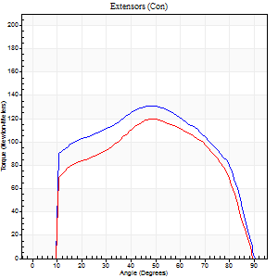
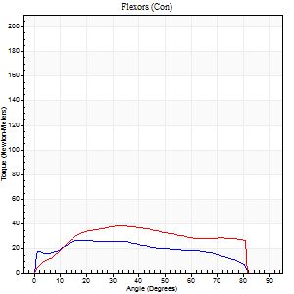
Right Side Curves Left Side Curves
Isokinetic Con/Con |  |  |  | Extensors (Con) |  | Flexors (Con)
Speed 120/120 d/s 3 Reps |  |  |  | Value | Cof Var | %BW | Value | Cof Var | %BW | Ratio

TORQUE PARAMETERS
Peak Torque (Newton-Meters - Best Repetition)
Right |  |  |  | 130 | 0.07 | 143 | 27 | 0.26 | 30 | 21
Left |  |  |  | 119 | 0.07 | 131 | 38 | 0.44 | 42 | 32
Deficit |  |  |  | 8 |  |  | 29
Work per Repetition (Newton-Meters - Best Repetition)
Right |  |  |  | 144 | 0.09 | 161 | 28 | 0.43 | 33 | 20
Left |  |  |  | 126 | 0.08 | 140 | 42 | 0.53 | 48 | 33
Deficit |  |  |  | 12 |  |  | 32
Average Power per Repetition (Watts - Best Repetition)
Right |  |  |  | 170 | 0.11 | 189 | 34 | 0.39 | 37 | 20
Left |  |  |  | 152 | 0.12 | 169 | 47 | 0.52 | 53 | 31
Deficit |  |  |  | 11 |  |  | 28
POSITION PARAMETERS
Joint Angle at Peak Torque (Degrees)
Right |  |  |  | 44 | 0.1 |  | 20 | 0.08
Left |  |  |  | 52 | 0.1 |  | 31 | 0.26
Range of Motion (Degrees)
Right |  |  |  | 0 | 0.09 |  | 90 | 0
Left |  |  |  | 0 | 0.94 |  | 90 | 0
TIME PARAMETERS
Time to Peak Torque (Seconds)
Right |  |  |  | 0.39 | 0.02 |  | 0.22 | 0.12
Left |  |  |  | 0.33 | 0.17 |  | 0.34 | 0.19
Time Peak Torque Held (Seconds)
Right |  |  |  | 0.02 | 0.35 |  | 0.01 | 1
Left |  |  |  | 0.02 | 0.35 |  | 0.02 | 1.08
Force Decay Time (Seconds)
Right |  |  |  | 0.4 | 0.09 |  | 0.6 | 0.07
Left |  |  |  | 0.48 | 0.11 |  | 0.5 | 0.07
Reciprocal Delay (Seconds)
Right |  |  |  | 0.08 | 0.18 |  | 0.16 | 0.29
Left |  |  |  | 0.1 | 0.14 |  | 0.16 | 0.16
Delay Time (Seconds)
Right |  |  |  | 0 | -1.41 |  | 0.02 | 3.28
Left |  |  |  | 0 | 1.41 |  | -0.02 | -0.35
HUMAC2015® Version: 15.000.0074 © Computer Sports Medicine, Inc. www.csmisolutions.com

Use File, Preference to set Report Heading
Long Form Torque vs. Position Report - Knee Extension/Flexion
Name: |  |  |  | TR030_FP3061, | ID: | TR030 | Right/Left: | 05.10.2023 05.10.2023
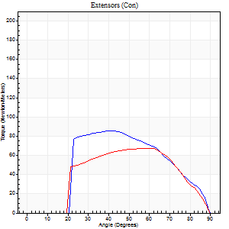
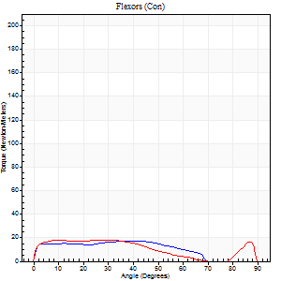
Right Side Curves Left Side Curves
Isokinetic Con/Con |  |  |  | Extensors (Con) |  | Flexors (Con)
Speed 240/240 d/s 3 Reps |  |  |  | Value | Cof Var | %BW | Value | Cof Var | %BW | Ratio

TORQUE PARAMETERS
Peak Torque (Newton-Meters - Best Repetition)
Right |  |  |  | 85 | 0.53 | 95 | 18 | 0.27 | 21 | 21
Left |  |  |  | 68 | 0.31 | 75 | 18 | 0.22 | 21 | 26
Deficit |  |  |  | 21 |  |  | 0
Work per Repetition (Newton-Meters - Best Repetition)
Right |  |  |  | 76 | 0.51 | 83 | 16 | 0.31 | 18 | 21
Left |  |  |  | 64 | 0.33 | 72 | 18 | 0.34 | 21 | 28
Deficit |  |  |  | 16 |  |  | 8
Average Power per Repetition (Watts - Best Repetition)
Right |  |  |  | 118 | 0.47 | 132 | 28 | 0.29 | 31 | 24
Left |  |  |  | 110 | 0.36 | 123 | 31 | 0.36 | 35 | 28
Deficit |  |  |  | 7 |  |  | 10
POSITION PARAMETERS
Joint Angle at Peak Torque (Degrees)
Right |  |  |  | 42 | 0.43 |  | 18 | 0.99
Left |  |  |  | 54 | 0.12 |  | 42 | 0.98
Range of Motion (Degrees)
Right |  |  |  | 0 | 0.24 |  | 90 | 0
Left |  |  |  | 0 | 0.35 |  | 89 | 0.01
TIME PARAMETERS
Time to Peak Torque (Seconds)
Right |  |  |  | 0.38 | 0 |  | 0.19 | 0.5
Left |  |  |  | 0.27 | 0.21 |  | 0.31 | 0.66
Time Peak Torque Held (Seconds)
Right |  |  |  | 0.01 | 0.87 |  | 0.01 | 0.87
Left |  |  |  | 0.01 | 0 |  | 0.01 | 1.73
Force Decay Time (Seconds)
Right |  |  |  | 0.26 | 0.34 |  | 0.38 | 0.24
Left |  |  |  | 0.32 | 0.07 |  | 0.25 | 0.74
Reciprocal Delay (Seconds)
Right |  |  |  | 0.11 | 0.06 |  | 0.16 | 0.1
Left |  |  |  | 0.06 | 0.11 |  | 0.14 | 0.07
Delay Time (Seconds)
Right |  |  |  | -0.01 | -6.13 |  | -0.03 | 0
Left |  |  |  | -0.02 | 0 |  | -0.03 | -0.22
HUMAC2015® Version: 15.000.0074 © Computer Sports Medicine, Inc. www.csmisolutions.com

Use File, Preference to set Report Heading
Isometric - Knee Extension/Flexion
Name: |  |  |  | TR030_FP3061, | ID: | TR030 | Right/Left: | 05.10.2023 05.10.2023

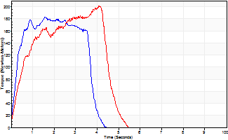
Isometric Extensors (Con) Angle 60 Time 10 Repetition 2 (Best Repetition)
 | Value | Cof Var | %BW
Peak Torque (Newton-Meters)
Right | 183 | 0 | 203
Left | 201 | 0.06 | 224
Deficit | 9
Average Torque (Newton-Meters)
Right | 68 | 0.08 | 75
Left | 72 | 0.11 | 80
Deficit | 6
Peak Torque Slope (Newton-Meters/Seconds)
Right | 116 | 0.11 | 129
Left | 72 | 0.26 | 79 |  | Right Side Curves Left Side Curves
Deficit | 38
Time to Half Peak Torque (Seconds)
Right | 0.25 | 0.03
Left | 0.47 | 0.24
Time to Peak Torque (Seconds)
Right | 1.7 | 0.11
Left | 3.32 | 0.32
HUMAC2015® Version: 15.000.0074 © Computer Sports Medicine, Inc. www.csmisolutions.com

mid1
Use File, Preference to set Report Heading
Long Form Torque vs. Position Report - Knee Extension/Flexion
Name: |  |  |  | TR030_FP3061, | ID: | TR030 | Right/Left: | 10.11.2023 10.11.2023
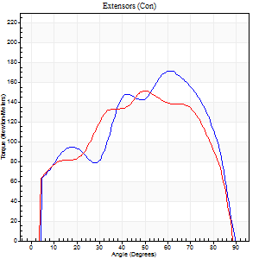
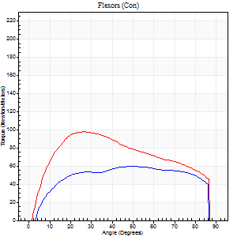
Right Side Curves Left Side Curves
Isokinetic Con/Con |  |  |  | Extensors (Con) |  | Flexors (Con)
Speed 60/60 d/s 3 Reps |  |  |  | Value | Cof Var | %BW | Value | Cof Var | %BW | Ratio

TORQUE PARAMETERS
Peak Torque (Newton-Meters - Best Repetition)
Right |  |  |  | 171 | 0.04 | 191 | 60 | 0.63 | 66 | 35
Left |  |  |  | 152 | 0.04 | 170 | 98 | 0.59 | 107 | 64
Deficit |  |  |  | 11 |  |  | 39
Work per Repetition (Newton-Meters - Best Repetition)
Right |  |  |  | 188 | 0.04 | 209 | 72 | 0.67 | 80 | 38
Left |  |  |  | 164 | 0.04 | 182 | 108 | 0.6 | 119 | 66
Deficit |  |  |  | 13 |  |  | 34
Average Power per Repetition (Watts - Best Repetition)
Right |  |  |  | 123 | 0.05 | 136 | 49 | 0.68 | 55 | 40
Left |  |  |  | 108 | 0.05 | 121 | 70 | 0.6 | 77 | 65
Deficit |  |  |  | 12 |  |  | 30
POSITION PARAMETERS
Joint Angle at Peak Torque (Degrees)
Right |  |  |  | 55 | 0.09 |  | 34 | 0.44
Left |  |  |  | 54 | 0.06 |  | 27 | 0.18
Range of Motion (Degrees)
Right |  |  |  | 0 | -2.83 |  | 90 | 0
Left |  |  |  | 0 | -1.41 |  | 90 | 0
TIME PARAMETERS
Time to Peak Torque (Seconds)
Right |  |  |  | 0.61 | 0 |  | 0.56 | 0.46
Left |  |  |  | 0.61 | 0.09 |  | 0.44 | 0.21
Time Peak Torque Held (Seconds)
Right |  |  |  | 0.07 | 0.61 |  | 0.04 | 1.04
Left |  |  |  | 0.08 | 0.74 |  | 0.04 | 0.74
Force Decay Time (Seconds)
Right |  |  |  | 0.89 | 0.12 |  | 0.88 | 0.31
Left |  |  |  | 0.86 | 0.04 |  | 1.04 | 0.14
Reciprocal Delay (Seconds)
Right |  |  |  | 0.08 | 0.28 |  | 0.19 | 0.53
Left |  |  |  | 0.17 | 0 |  | 0.2 | 0.19
Delay Time (Seconds)
Right |  |  |  | 0.02 | 0 |  | 0.08 | 0.25
Left |  |  |  | 0.04 | 0.2 |  | 0.02 | 0.49
HUMAC2015® Version: 15.000.0074 © Computer Sports Medicine, Inc. www.csmisolutions.com

Use File, Preference to set Report Heading
Long Form Torque vs. Position Report - Knee Extension/Flexion
Name: |  |  |  | TR030_FP3061, | ID: | TR030 | Right/Left: | 10.11.2023 10.11.2023
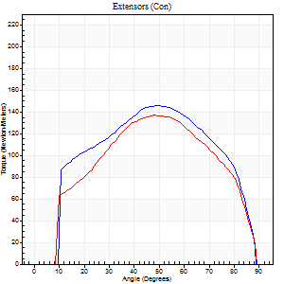
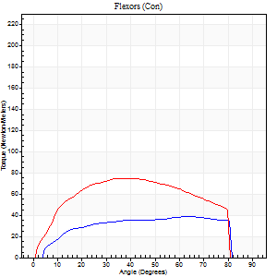
Right Side Curves Left Side Curves
Isokinetic Con/Con |  |  |  | Extensors (Con) |  | Flexors (Con)
Speed 120/120 d/s 3 Reps |  |  |  | Value | Cof Var | %BW | Value | Cof Var | %BW | Ratio

TORQUE PARAMETERS
Peak Torque (Newton-Meters - Best Repetition)
Right |  |  |  | 145 | 0.03 | 161 | 38 | 0.37 | 42 | 26
Left |  |  |  | 137 | 0.05 | 152 | 75 | 0.59 | 83 | 54
Deficit |  |  |  | 6 |  |  | 49
Work per Repetition (Newton-Meters - Best Repetition)
Right |  |  |  | 156 | 0.03 | 173 | 43 | 0.45 | 48 | 28
Left |  |  |  | 142 | 0.04 | 158 | 83 | 0.62 | 92 | 58
Deficit |  |  |  | 9 |  |  | 48
Average Power per Repetition (Watts - Best Repetition)
Right |  |  |  | 188 | 0.05 | 209 | 56 | 0.46 | 62 | 30
Left |  |  |  | 167 | 0.06 | 185 | 95 | 0.61 | 105 | 57
Deficit |  |  |  | 11 |  |  | 41
POSITION PARAMETERS
Joint Angle at Peak Torque (Degrees)
Right |  |  |  | 48 | 0.05 |  | 49 | 0.56
Left |  |  |  | 48 | 0.01 |  | 28 | 0.4
Range of Motion (Degrees)
Right |  |  |  | 0 | 1.41 |  | 89 | 0.01
Left |  |  |  | 0 | 0.28 |  | 90 | 0
TIME PARAMETERS
Time to Peak Torque (Seconds)
Right |  |  |  | 0.37 | 0.04 |  | 0.44 | 0.48
Left |  |  |  | 0.37 | 0 |  | 0.29 | 0.24
Time Peak Torque Held (Seconds)
Right |  |  |  | 0.03 | 0.33 |  | 0.04 | 1.18
Left |  |  |  | 0.03 | 0.22 |  | 0.01 | 1.15
Force Decay Time (Seconds)
Right |  |  |  | 0.43 | 0.04 |  | 0.32 | 0.52
Left |  |  |  | 0.44 | 0.01 |  | 0.55 | 0.12
Reciprocal Delay (Seconds)
Right |  |  |  | 0.06 | 0.47 |  | 0.14 | 0.3
Left |  |  |  | 0.14 | 0 |  | 0.16 | 0.15
Delay Time (Seconds)
Right |  |  |  | 0 | 1.41 |  | 0.04 | 1.09
Left |  |  |  | 0.01 | 0 |  | 0 | -3.46
HUMAC2015® Version: 15.000.0074 © Computer Sports Medicine, Inc. www.csmisolutions.com

Use File, Preference to set Report Heading
Long Form Torque vs. Position Report - Knee Extension/Flexion
Name: |  |  |  | TR030_FP3061, | ID: | TR030 | Right/Left: | 10.11.2023 10.11.2023
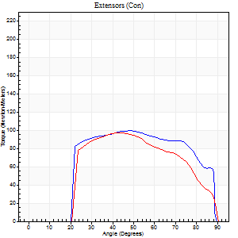
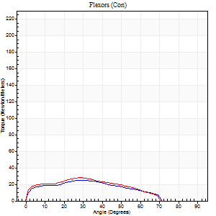
Right Side Curves Left Side Curves
Isokinetic Con/Con |  |  |  | Extensors (Con) |  | Flexors (Con)
Speed 240/240 d/s 3 Reps |  |  |  | Value | Cof Var | %BW | Value | Cof Var | %BW | Ratio

TORQUE PARAMETERS
Peak Torque (Newton-Meters - Best Repetition)
Right |  |  |  | 99 | 0.15 | 110 | 24 | 0.31 | 27 | 25
Left |  |  |  | 98 | 0.28 | 107 | 28 | 0.15 | 33 | 29
Deficit |  |  |  | 1 |  |  | 14
Work per Repetition (Newton-Meters - Best Repetition)
Right |  |  |  | 104 | 0.18 | 116 | 22 | 0.4 | 24 | 21
Left |  |  |  | 91 | 0.26 | 101 | 24 | 0.21 | 27 | 27
Deficit |  |  |  | 13 |  |  | 11
Average Power per Repetition (Watts - Best Repetition)
Right |  |  |  | 157 | 0.11 | 174 | 39 | 0.38 | 44 | 25
Left |  |  |  | 169 | 0.29 | 187 | 35 | 0.17 | 40 | 21
Deficit |  |  |  | 7 |  |  | 10
POSITION PARAMETERS
Joint Angle at Peak Torque (Degrees)
Right |  |  |  | 46 | 0.05 |  | 24 | 0.49
Left |  |  |  | 46 | 0.09 |  | 29 | 0.15
Range of Motion (Degrees)
Right |  |  |  | 0 | 0 |  | 89 | 0.01
Left |  |  |  | 0 | 0.13 |  | 90 | 0
TIME PARAMETERS
Time to Peak Torque (Seconds)
Right |  |  |  | 0.33 | 0.04 |  | 0.21 | 0.28
Left |  |  |  | 0.25 | 0.09 |  | 0.24 | 0.13
Time Peak Torque Held (Seconds)
Right |  |  |  | 0.01 | 0.43 |  | 0 | 1.73
Left |  |  |  | 0.01 | 0.87 |  | 0 | 1.73
Force Decay Time (Seconds)
Right |  |  |  | 0.28 | 0.04 |  | 0.33 | 0.14
Left |  |  |  | 0.28 | 0.09 |  | 0.38 | 0.28
Reciprocal Delay (Seconds)
Right |  |  |  | 0.12 | 0.35 |  | 0.18 | 0.03
Left |  |  |  | 0.08 | 0.18 |  | 0.11 | 0.14
Delay Time (Seconds)
Right |  |  |  | -0.07 | -0.2 |  | 0 | 0
Left |  |  |  | -0.01 | 0 |  | -0.03 | -0.22
HUMAC2015® Version: 15.000.0074 © Computer Sports Medicine, Inc. www.csmisolutions.com

Use File, Preference to set Report Heading
Isometric - Knee Extension/Flexion
Name: |  |  |  | TR030_FP3061, | ID: | TR030 | Right/Left: | 10.11.2023 10.11.2023

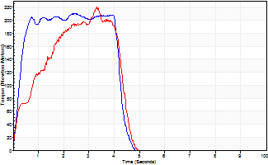
Isometric Extensors (Con) Angle 60 Time 10 Repetition 2 (Best Repetition)
 | Value | Cof Var | %BW
Peak Torque (Newton-Meters)
Right | 210 | 0.03 | 232
Left | 220 | 0.05 | 244
Deficit | 4
Average Torque (Newton-Meters)
Right | 81 | 0.02 | 89
Left | 76 | 0.07 | 83
Deficit | 7
Peak Torque Slope (Newton-Meters/Seconds)
Right | 86 | 0.39 | 95
Left | 67 | 0.07 | 74 |  | Right Side Curves Left Side Curves
Deficit | 22
Time to Half Peak Torque (Seconds)
Right | 0.43 | 0.56
Left | 0.62 | 0.46
Time to Peak Torque (Seconds)
Right | 3.3 | 0.37
Left | 3.32 | 0.01
HUMAC2015® Version: 15.000.0074 © Computer Sports Medicine, Inc. www.csmisolutions.com

mid2
Use File, Preference to set Report Heading
Isometric - Knee Extension/Flexion
Name: |  |  |  | TR030_FP3061, | ID: | TR030 | Right/Left: | 15.11.2023 15.11.2023

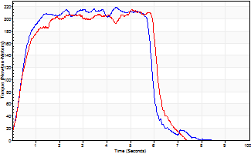
Isometric Extensors (Con) Angle 60 Time 10 Repetition 2 (Best Repetition)
 | Value | Cof Var | %BW
Peak Torque (Newton-Meters)
Right | 220 | 0.04 | 244
Left | 216 | 0.1 | 238
Deficit | 2
Average Torque (Newton-Meters)
Right | 126 | 0.05 | 140
Left | 118 | 0.08 | 131
Deficit | 6
Peak Torque Slope (Newton-Meters/Seconds)
Right | 54 | 0.06 | 60
Left | 82 | 0.44 | 91 |  | Right Side Curves Left Side Curves
Deficit | 34
Time to Half Peak Torque (Seconds)
Right | 0.4 | 0.13
Left | 0.41 | 0.09
Time to Peak Torque (Seconds)
Right | 4.11 | 0.09
Left | 3.65 | 0.53
HUMAC2015® Version: 15.000.0074 © Computer Sports Medicine, Inc. www.csmisolutions.com

Use File, Preference to set Report Heading
Long Form Torque vs. Position Report - Knee Extension/Flexion
Name: |  |  |  | TR030_FP3061, | ID: | TR030 | Right/Left: | 15.11.2023 15.11.2023
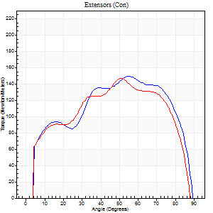
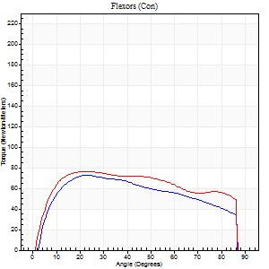
Right Side Curves Left Side Curves
Isokinetic Con/Con |  |  |  | Extensors (Con) |  | Flexors (Con)
Speed 60/60 d/s 3 Reps |  |  |  | Value | Cof Var | %BW | Value | Cof Var | %BW | Ratio

TORQUE PARAMETERS
Peak Torque (Newton-Meters - Best Repetition)
Right |  |  |  | 149 | 0.01 | 167 | 73 | 0.49 | 80 | 49
Left |  |  |  | 148 | 0.06 | 164 | 76 | 0.18 | 83 | 51
Deficit |  |  |  | 1 |  |  | 4
Work per Repetition (Newton-Meters - Best Repetition)
Right |  |  |  | 172 | 0.03 | 191 | 83 | 0.5 | 92 | 48
Left |  |  |  | 160 | 0.04 | 179 | 95 | 0.15 | 104 | 59
Deficit |  |  |  | 7 |  |  | 13
Average Power per Repetition (Watts - Best Repetition)
Right |  |  |  | 111 | 0.04 | 123 | 54 | 0.49 | 59 | 49
Left |  |  |  | 105 | 0.06 | 116 | 61 | 0.17 | 68 | 58
Deficit |  |  |  | 5 |  |  | 11
POSITION PARAMETERS
Joint Angle at Peak Torque (Degrees)
Right |  |  |  | 49 | 0.17 |  | 25 | 0.09
Left |  |  |  | 52 | 0.09 |  | 26 | 0.1
Range of Motion (Degrees)
Right |  |  |  | 0 | 0 |  | 90 | 0
Left |  |  |  | 0 | 0 |  | 90 | 0
TIME PARAMETERS
Time to Peak Torque (Seconds)
Right |  |  |  | 0.71 | 0.26 |  | 0.42 | 0.15
Left |  |  |  | 0.58 | 0.09 |  | 0.42 | 0.1
Time Peak Torque Held (Seconds)
Right |  |  |  | 0.03 | 0.33 |  | 0.03 | 1.15
Left |  |  |  | 0.04 | 0.42 |  | 0.04 | 1.29
Force Decay Time (Seconds)
Right |  |  |  | 0.83 | 0.16 |  | 1.05 | 0.07
Left |  |  |  | 0.87 | 0.08 |  | 1.06 | 0.06
Reciprocal Delay (Seconds)
Right |  |  |  | 0.15 | 0.34 |  | 0.23 | 0.49
Left |  |  |  | 0.16 | 0.23 |  | 0.22 | 0.14
Delay Time (Seconds)
Right |  |  |  | 0.01 | 0.47 |  | 0.06 | 0.57
Left |  |  |  | 0.04 | 0.47 |  | 0.02 | 0.25
HUMAC2015® Version: 15.000.0074 © Computer Sports Medicine, Inc. www.csmisolutions.com

Use File, Preference to set Report Heading
Long Form Torque vs. Position Report - Knee Extension/Flexion
Name: |  |  |  | TR030_FP3061, | ID: | TR030 | Right/Left: | 15.11.2023 15.11.2023
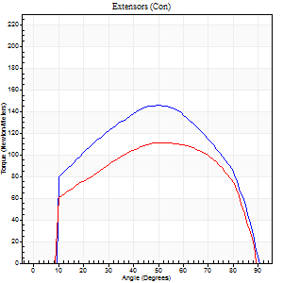
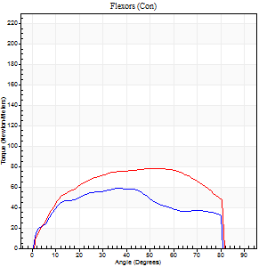
Right Side Curves Left Side Curves
Isokinetic Con/Con |  |  |  | Extensors (Con) |  | Flexors (Con)
Speed 120/120 d/s 3 Reps |  |  |  | Value | Cof Var | %BW | Value | Cof Var | %BW | Ratio

TORQUE PARAMETERS
Peak Torque (Newton-Meters - Best Repetition)
Right |  |  |  | 145 | 0.04 | 161 | 58 | 0.09 | 66 | 40
Left |  |  |  | 111 | 0.08 | 122 | 77 | 0.07 | 86 | 70
Deficit |  |  |  | 23 |  |  | 25
Work per Repetition (Newton-Meters - Best Repetition)
Right |  |  |  | 157 | 0.07 | 176 | 61 | 0.07 | 69 | 39
Left |  |  |  | 123 | 0.1 | 137 | 89 | 0.07 | 98 | 73
Deficit |  |  |  | 22 |  |  | 32
Average Power per Repetition (Watts - Best Repetition)
Right |  |  |  | 187 | 0.09 | 207 | 71 | 0.01 | 79 | 38
Left |  |  |  | 146 | 0.12 | 163 | 111 | 0.12 | 123 | 76
Deficit |  |  |  | 22 |  |  | 36
POSITION PARAMETERS
Joint Angle at Peak Torque (Degrees)
Right |  |  |  | 50 | 0.04 |  | 42 | 0.45
Left |  |  |  | 50 | 0.27 |  | 41 | 0.22
Range of Motion (Degrees)
Right |  |  |  | 0 | 0.79 |  | 90 | 0
Left |  |  |  | 0 | 0.35 |  | 90 | 0
TIME PARAMETERS
Time to Peak Torque (Seconds)
Right |  |  |  | 0.36 | 0.06 |  | 0.39 | 0.38
Left |  |  |  | 0.3 | 0.17 |  | 0.38 | 0.19
Time Peak Torque Held (Seconds)
Right |  |  |  | 0.02 | 0.25 |  | 0.02 | 1
Left |  |  |  | 0.03 | 0.33 |  | 0.05 | 0.53
Force Decay Time (Seconds)
Right |  |  |  | 0.45 | 0.06 |  | 0.41 | 0.49
Left |  |  |  | 0.45 | 0.26 |  | 0.41 | 0.33
Reciprocal Delay (Seconds)
Right |  |  |  | 0.11 | 0.26 |  | 0.16 | 0.13
Left |  |  |  | 0.19 | 0.11 |  | 0.13 | 0.15
Delay Time (Seconds)
Right |  |  |  | 0 | -1.41 |  | 0.01 | 1.73
Left |  |  |  | 0.01 | 0.47 |  | 0 | -3.46
HUMAC2015® Version: 15.000.0074 © Computer Sports Medicine, Inc. www.csmisolutions.com

Use File, Preference to set Report Heading
Long Form Torque vs. Position Report - Knee Extension/Flexion
Name: |  |  |  | TR030_FP3061, | ID: | TR030 | Right/Left: | 15.11.2023 15.11.2023
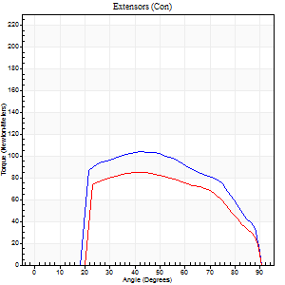
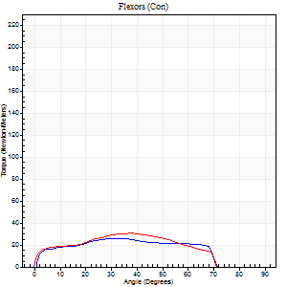
Right Side Curves Left Side Curves
Isokinetic Con/Con |  |  |  | Extensors (Con) |  | Flexors (Con)
Speed 240/240 d/s 3 Reps |  |  |  | Value | Cof Var | %BW | Value | Cof Var | %BW | Ratio

TORQUE PARAMETERS
Peak Torque (Newton-Meters - Best Repetition)
Right |  |  |  | 103 | 0.14 | 113 | 26 | 0.19 | 30 | 25
Left |  |  |  | 85 | 0.27 | 95 | 31 | 0.22 | 36 | 37
Deficit |  |  |  | 17 |  |  | 17
Work per Repetition (Newton-Meters - Best Repetition)
Right |  |  |  | 104 | 0.16 | 116 | 26 | 0.22 | 30 | 25
Left |  |  |  | 84 | 0.29 | 92 | 28 | 0.28 | 33 | 34
Deficit |  |  |  | 19 |  |  | 10
Average Power per Repetition (Watts - Best Repetition)
Right |  |  |  | 194 | 0.21 | 215 | 48 | 0.28 | 53 | 25
Left |  |  |  | 146 | 0.29 | 163 | 54 | 0.42 | 59 | 37
Deficit |  |  |  | 25 |  |  | 11
POSITION PARAMETERS
Joint Angle at Peak Torque (Degrees)
Right |  |  |  | 45 | 0.05 |  | 32 | 0.08
Left |  |  |  | 46 | 0.11 |  | 30 | 0.25
Range of Motion (Degrees)
Right |  |  |  | 0 | 0.28 |  | 90 | 0
Left |  |  |  | 0 | 1.41 |  | 90 | 0
TIME PARAMETERS
Time to Peak Torque (Seconds)
Right |  |  |  | 0.26 | 0.03 |  | 0.24 | 0.05
Left |  |  |  | 0.27 | 0.05 |  | 0.24 | 0.13
Time Peak Torque Held (Seconds)
Right |  |  |  | 0.01 | 0 |  | 0 | 0
Left |  |  |  | 0.03 | 1.73 |  | 0 | 0
Force Decay Time (Seconds)
Right |  |  |  | 0.27 | 0.06 |  | 0.33 | 0.08
Left |  |  |  | 0.27 | 0.19 |  | 0.37 | 0.31
Reciprocal Delay (Seconds)
Right |  |  |  | 0.19 | 0.19 |  | 0.18 | 0.15
Left |  |  |  | 0.15 | 0.05 |  | 0.19 | 0.08
Delay Time (Seconds)
Right |  |  |  | -0.02 | -0.28 |  | 0.01 | 1
Left |  |  |  | -0.02 | 0 |  | -0.02 | -0.25
HUMAC2015® Version: 15.000.0074 © Computer Sports Medicine, Inc. www.csmisolutions.com

post1
Use File, Preference to set Report Heading
Long Form Torque vs. Position Report - Knee Extension/Flexion
Name: |  |  |  | TR030_FP3061, | ID: | TR030 | Right/Left: | 06.12.2023 06.12.2023
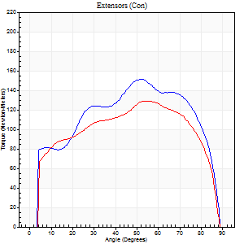
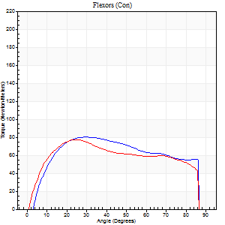
Right Side Curves Left Side Curves
Isokinetic Con/Con |  |  |  | Extensors (Con) |  | Flexors (Con)
Speed 60/60 d/s 3 Reps |  |  |  | Value | Cof Var | %BW | Value | Cof Var | %BW | Ratio

TORQUE PARAMETERS
Peak Torque (Newton-Meters - Best Repetition)
Right |  |  |  | 152 | 0.06 | 170 | 80 | 0.08 | 89 | 53
Left |  |  |  | 129 | 0.05 | 143 | 77 | 0.04 | 86 | 60
Deficit |  |  |  | 15 |  |  | 3
Work per Repetition (Newton-Meters - Best Repetition)
Right |  |  |  | 175 | 0.03 | 194 | 94 | 0.11 | 104 | 53
Left |  |  |  | 149 | 0.03 | 167 | 89 | 0.03 | 98 | 60
Deficit |  |  |  | 15 |  |  | 4
Average Power per Repetition (Watts - Best Repetition)
Right |  |  |  | 115 | 0.05 | 127 | 63 | 0.1 | 70 | 55
Left |  |  |  | 97 | 0.04 | 108 | 59 | 0.04 | 66 | 61
Deficit |  |  |  | 16 |  |  | 6
POSITION PARAMETERS
Joint Angle at Peak Torque (Degrees)
Right |  |  |  | 56 | 0.11 |  | 35 | 0.4
Left |  |  |  | 50 | 0.08 |  | 25 | 0.27
Range of Motion (Degrees)
Right |  |  |  | 0 | -1.41 |  | 90 | 0
Left |  |  |  | 0 | 0 |  | 90 | 0
TIME PARAMETERS
Time to Peak Torque (Seconds)
Right |  |  |  | 0.6 | 0.02 |  | 0.54 | 0.44
Left |  |  |  | 0.65 | 0.15 |  | 0.41 | 0.28
Time Peak Torque Held (Seconds)
Right |  |  |  | 0.04 | 0.25 |  | 0.03 | 0.96
Left |  |  |  | 0.03 | 0.17 |  | 0.05 | 0.25
Force Decay Time (Seconds)
Right |  |  |  | 0.94 | 0.12 |  | 0.9 | 0.28
Left |  |  |  | 0.84 | 0.08 |  | 1.05 | 0.13
Reciprocal Delay (Seconds)
Right |  |  |  | 0.14 | 0.4 |  | 0.14 | 0.28
Left |  |  |  | 0.19 | 0.19 |  | 0.17 | 0.09
Delay Time (Seconds)
Right |  |  |  | 0.04 | 0.2 |  | 0.08 | 0.12
Left |  |  |  | 0.02 | 0.28 |  | 0.02 | 0.92
HUMAC2015® Version: 15.000.0074 © Computer Sports Medicine, Inc. www.csmisolutions.com

Use File, Preference to set Report Heading
Long Form Torque vs. Position Report - Knee Extension/Flexion
Name: |  |  |  | TR030_FP3061, | ID: | TR030 | Right/Left: | 06.12.2023 06.12.2023
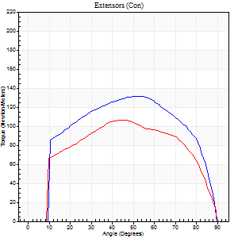
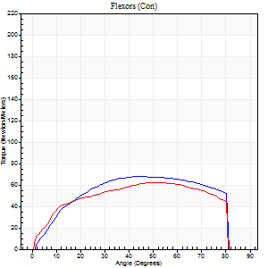
Right Side Curves Left Side Curves
Isokinetic Con/Con |  |  |  | Extensors (Con) |  | Flexors (Con)
Speed 120/120 d/s 3 Reps |  |  |  | Value | Cof Var | %BW | Value | Cof Var | %BW | Ratio

TORQUE PARAMETERS
Peak Torque (Newton-Meters - Best Repetition)
Right |  |  |  | 132 | 0.08 | 146 | 68 | 0.06 | 75 | 52
Left |  |  |  | 106 | 0.08 | 116 | 62 | 0.07 | 69 | 59
Deficit |  |  |  | 20 |  |  | 8
Work per Repetition (Newton-Meters - Best Repetition)
Right |  |  |  | 148 | 0.08 | 164 | 76 | 0.06 | 83 | 51
Left |  |  |  | 118 | 0.09 | 131 | 71 | 0.05 | 77 | 60
Deficit |  |  |  | 20 |  |  | 7
Average Power per Repetition (Watts - Best Repetition)
Right |  |  |  | 174 | 0.1 | 193 | 99 | 0.09 | 110 | 57
Left |  |  |  | 137 | 0.1 | 152 | 90 | 0.1 | 99 | 66
Deficit |  |  |  | 21 |  |  | 9
POSITION PARAMETERS
Joint Angle at Peak Torque (Degrees)
Right |  |  |  | 50 | 0.07 |  | 44 | 0.18
Left |  |  |  | 52 | 0.12 |  | 39 | 0.26
Range of Motion (Degrees)
Right |  |  |  | 0 | 0.71 |  | 90 | 0
Left |  |  |  | 0 | 0 |  | 90 | 0
TIME PARAMETERS
Time to Peak Torque (Seconds)
Right |  |  |  | 0.34 | 0.04 |  | 0.38 | 0.17
Left |  |  |  | 0.36 | 0.2 |  | 0.37 | 0.25
Time Peak Torque Held (Seconds)
Right |  |  |  | 0.03 | 0.69 |  | 0.04 | 1.03
Left |  |  |  | 0.11 | 1.28 |  | 0.07 | 0.52
Force Decay Time (Seconds)
Right |  |  |  | 0.45 | 0.01 |  | 0.39 | 0.27
Left |  |  |  | 0.39 | 0.31 |  | 0.38 | 0.25
Reciprocal Delay (Seconds)
Right |  |  |  | 0.14 | 0 |  | 0.13 | 0.16
Left |  |  |  | 0.12 | 0 |  | 0.15 | 0
Delay Time (Seconds)
Right |  |  |  | 0 | 0 |  | 0.04 | 0.27
Left |  |  |  | -0.01 | 0 |  | 0 | -1.73
HUMAC2015® Version: 15.000.0074 © Computer Sports Medicine, Inc. www.csmisolutions.com

Use File, Preference to set Report Heading
Long Form Torque vs. Position Report - Knee Extension/Flexion
Name: |  |  |  | TR030_FP3061, | ID: | TR030 | Right/Left: | 06.12.2023 06.12.2023
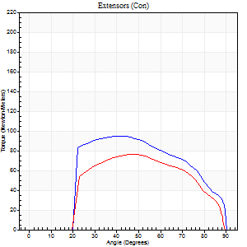
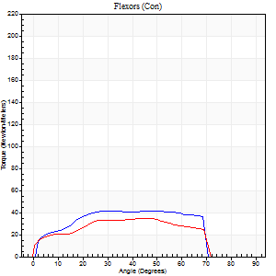
Right Side Curves Left Side Curves
Isokinetic Con/Con |  |  |  | Extensors (Con) |  | Flexors (Con)
Speed 240/240 d/s 3 Reps |  |  |  | Value | Cof Var | %BW | Value | Cof Var | %BW | Ratio

TORQUE PARAMETERS
Peak Torque (Newton-Meters - Best Repetition)
Right |  |  |  | 95 | 0.21 | 104 | 42 | 0.15 | 48 | 44
Left |  |  |  | 76 | 0.35 | 83 | 35 | 0.17 | 39 | 46
Deficit |  |  |  | 20 |  |  | 16
Work per Repetition (Newton-Meters - Best Repetition)
Right |  |  |  | 92 | 0.21 | 101 | 43 | 0.25 | 48 | 47
Left |  |  |  | 73 | 0.37 | 80 | 34 | 0.24 | 39 | 46
Deficit |  |  |  | 21 |  |  | 22
Average Power per Repetition (Watts - Best Repetition)
Right |  |  |  | 167 | 0.26 | 185 | 88 | 0.34 | 97 | 53
Left |  |  |  | 127 | 0.39 | 141 | 64 | 0.36 | 70 | 50
Deficit |  |  |  | 24 |  |  | 27
POSITION PARAMETERS
Joint Angle at Peak Torque (Degrees)
Right |  |  |  | 43 | 0.1 |  | 29 | 0.05
Left |  |  |  | 49 | 0.06 |  | 37 | 0.23
Range of Motion (Degrees)
Right |  |  |  | 0 | 0.61 |  | 90 | 0
Left |  |  |  | 0 | 0.2 |  | 90 | 0.01
TIME PARAMETERS
Time to Peak Torque (Seconds)
Right |  |  |  | 0.27 | 0 |  | 0.2 | 0.08
Left |  |  |  | 0.26 | 0.03 |  | 0.32 | 0.17
Time Peak Torque Held (Seconds)
Right |  |  |  | 0.01 | 0.87 |  | 0.01 | 0.87
Left |  |  |  | 0.01 | 0.87 |  | 0 | 1.73
Force Decay Time (Seconds)
Right |  |  |  | 0.27 | 0.04 |  | 0.32 | 0.12
Left |  |  |  | 0.3 | 0.05 |  | 0.28 | 0.18
Reciprocal Delay (Seconds)
Right |  |  |  | 0.17 | 0 |  | 0.14 | 0.12
Left |  |  |  | 0.14 | 0.1 |  | 0.16 | 0.12
Delay Time (Seconds)
Right |  |  |  | -0.03 | 0 |  | 0 | 1.73
Left |  |  |  | -0.02 | -0.28 |  | -0.06 | -0.54
HUMAC2015® Version: 15.000.0074 © Computer Sports Medicine, Inc. www.csmisolutions.com

Use File, Preference to set Report Heading
Isometric - Knee Extension/Flexion
Name: |  |  |  | TR030_FP3061, | ID: | TR030 | Right/Left: | 06.12.2023 06.12.2023

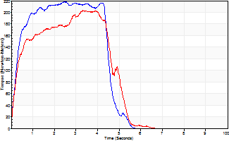
Isometric Extensors (Con) Angle 60 Time 10 Repetition 2 (Best Repetition)
 | Value | Cof Var | %BW
Peak Torque (Newton-Meters)
Right | 218 | 0.01 | 241
Left | 203 | 0.07 | 226
Deficit | 7
Average Torque (Newton-Meters)
Right | 100 | 0.07 | 110
Left | 84 | 0.13 | 92
Deficit | 16
Peak Torque Slope (Newton-Meters/Seconds)
Right | 88 | 0.34 | 98
Left | 64 | 0.03 | 71 |  | Right Side Curves Left Side Curves
Deficit | 28
Time to Half Peak Torque (Seconds)
Right | 0.23 | 0.18
Left | 0.25 | 0.14
Time to Peak Torque (Seconds)
Right | 3.23 | 0.34
Left | 3.1 | 0.1
HUMAC2015® Version: 15.000.0074 © Computer Sports Medicine, Inc. www.csmisolutions.com

post2
Use File, Preference to set Report Heading
Long Form Torque vs. Position Report - Knee Extension/Flexion
Name: |  |  |  | TR030_FP3061, | ID: | TR030 | Right/Left: | 08.12.2023 08.12.2023
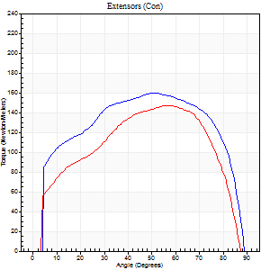
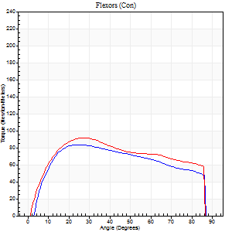
Right Side Curves Left Side Curves
Isokinetic Con/Con |  |  |  | Extensors (Con) |  | Flexors (Con)
Speed 60/60 d/s 3 Reps |  |  |  | Value | Cof Var | %BW | Value | Cof Var | %BW | Ratio

TORQUE PARAMETERS
Peak Torque (Newton-Meters - Best Repetition)
Right |  |  |  | 160 | 0.04 | 179 | 84 | 0.07 | 92 | 53
Left |  |  |  | 146 | 0.05 | 164 | 91 | 0.1 | 101 | 62
Deficit |  |  |  | 8 |  |  | 7
Work per Repetition (Newton-Meters - Best Repetition)
Right |  |  |  | 191 | 0.06 | 212 | 96 | 0.06 | 107 | 50
Left |  |  |  | 160 | 0.04 | 179 | 106 | 0.09 | 116 | 66
Deficit |  |  |  | 16 |  |  | 9
Average Power per Repetition (Watts - Best Repetition)
Right |  |  |  | 124 | 0.07 | 138 | 64 | 0.05 | 70 | 52
Left |  |  |  | 106 | 0.05 | 119 | 72 | 0.1 | 79 | 68
Deficit |  |  |  | 15 |  |  | 11
POSITION PARAMETERS
Joint Angle at Peak Torque (Degrees)
Right |  |  |  | 53 | 0.02 |  | 25 | 0.05
Left |  |  |  | 56 | 0.01 |  | 25 | 0.09
Range of Motion (Degrees)
Right |  |  |  | 0 | -1.41 |  | 90 | 0
Left |  |  |  | 0 | 0.47 |  | 90 | 0.01
TIME PARAMETERS
Time to Peak Torque (Seconds)
Right |  |  |  | 0.61 | 0.05 |  | 0.39 | 0.08
Left |  |  |  | 0.52 | 0.04 |  | 0.41 | 0.09
Time Peak Torque Held (Seconds)
Right |  |  |  | 0.05 | 0.11 |  | 0.04 | 0.79
Left |  |  |  | 0.05 | 0.4 |  | 0.05 | 0.45
Force Decay Time (Seconds)
Right |  |  |  | 0.87 | 0.02 |  | 1.05 | 0.05
Left |  |  |  | 0.93 | 0.02 |  | 1.04 | 0.08
Reciprocal Delay (Seconds)
Right |  |  |  | 0.12 | 0 |  | 0.16 | 0.3
Left |  |  |  | 0.09 | 0.22 |  | 0.17 | 0.1
Delay Time (Seconds)
Right |  |  |  | 0.02 | 0.28 |  | 0.06 | 0.27
Left |  |  |  | 0.05 | 0 |  | 0.02 | 0.5
HUMAC2015® Version: 15.000.0074 © Computer Sports Medicine, Inc. www.csmisolutions.com

Use File, Preference to set Report Heading
Long Form Torque vs. Position Report - Knee Extension/Flexion
Name: |  |  |  | TR030_FP3061, | ID: | TR030 | Right/Left: | 08.12.2023 08.12.2023
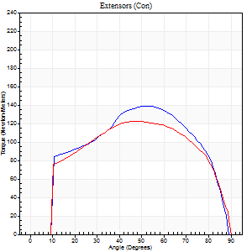
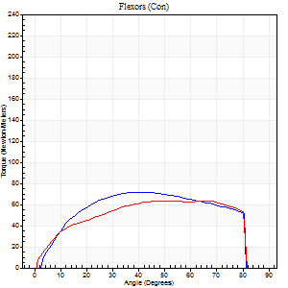
Right Side Curves Left Side Curves
Isokinetic Con/Con |  |  |  | Extensors (Con) |  | Flexors (Con)
Speed 120/120 d/s 3 Reps |  |  |  | Value | Cof Var | %BW | Value | Cof Var | %BW | Ratio

TORQUE PARAMETERS
Peak Torque (Newton-Meters - Best Repetition)
Right |  |  |  | 138 | 0.05 | 155 | 72 | 0.17 | 80 | 52
Left |  |  |  | 122 | 0.08 | 134 | 64 | 0.11 | 72 | 52
Deficit |  |  |  | 12 |  |  | 11
Work per Repetition (Newton-Meters - Best Repetition)
Right |  |  |  | 151 | 0.06 | 167 | 80 | 0.16 | 89 | 53
Left |  |  |  | 137 | 0.08 | 152 | 73 | 0.13 | 80 | 53
Deficit |  |  |  | 9 |  |  | 8
Average Power per Repetition (Watts - Best Repetition)
Right |  |  |  | 182 | 0.07 | 202 | 107 | 0.19 | 119 | 59
Left |  |  |  | 160 | 0.06 | 178 | 94 | 0.17 | 103 | 59
Deficit |  |  |  | 12 |  |  | 12
POSITION PARAMETERS
Joint Angle at Peak Torque (Degrees)
Right |  |  |  | 47 | 0.1 |  | 46 | 0.2
Left |  |  |  | 52 | 0.13 |  | 47 | 0.34
Range of Motion (Degrees)
Right |  |  |  | 0 | 0.2 |  | 90 | 0
Left |  |  |  | 0 | 0.28 |  | 90 | 0
TIME PARAMETERS
Time to Peak Torque (Seconds)
Right |  |  |  | 0.36 | 0.12 |  | 0.38 | 0.21
Left |  |  |  | 0.32 | 0.24 |  | 0.44 | 0.3
Time Peak Torque Held (Seconds)
Right |  |  |  | 0.03 | 0.22 |  | 0.04 | 0.87
Left |  |  |  | 0.03 | 0.58 |  | 0.03 | 0.57
Force Decay Time (Seconds)
Right |  |  |  | 0.42 | 0.11 |  | 0.35 | 0.08
Left |  |  |  | 0.46 | 0.17 |  | 0.35 | 0.45
Reciprocal Delay (Seconds)
Right |  |  |  | 0.06 | 0.11 |  | 0.11 | 0.09
Left |  |  |  | 0.11 | 0 |  | 0.11 | 0.05
Delay Time (Seconds)
Right |  |  |  | 0.01 | 0 |  | 0.06 | 0.27
Left |  |  |  | 0 | 0 |  | 0 | -1.73
HUMAC2015® Version: 15.000.0074 © Computer Sports Medicine, Inc. www.csmisolutions.com

Use File, Preference to set Report Heading
Long Form Torque vs. Position Report - Knee Extension/Flexion
Name: |  |  |  | TR030_FP3061, | ID: | TR030 | Right/Left: | 08.12.2023 08.12.2023
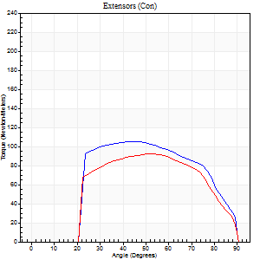
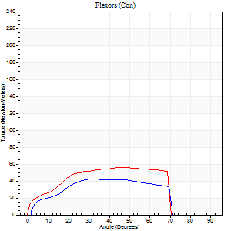
Right Side Curves Left Side Curves
Isokinetic Con/Con |  |  |  | Extensors (Con) |  | Flexors (Con)
Speed 240/240 d/s 3 Reps |  |  |  | Value | Cof Var | %BW | Value | Cof Var | %BW | Ratio

TORQUE PARAMETERS
Peak Torque (Newton-Meters - Best Repetition)
Right |  |  |  | 106 | 0.06 | 116 | 42 | 0.06 | 48 | 40
Left |  |  |  | 92 | 0.12 | 101 | 56 | 0.08 | 63 | 60
Deficit |  |  |  | 13 |  |  | 24
Work per Repetition (Newton-Meters - Best Repetition)
Right |  |  |  | 104 | 0.04 | 116 | 41 | 0.08 | 45 | 39
Left |  |  |  | 89 | 0.12 | 98 | 56 | 0.04 | 63 | 62
Deficit |  |  |  | 14 |  |  | 27
Average Power per Repetition (Watts - Best Repetition)
Right |  |  |  | 194 | 0.09 | 215 | 83 | 0.15 | 92 | 43
Left |  |  |  | 160 | 0.15 | 178 | 108 | 0.09 | 121 | 68
Deficit |  |  |  | 18 |  |  | 23
POSITION PARAMETERS
Joint Angle at Peak Torque (Degrees)
Right |  |  |  | 45 | 0.03 |  | 29 | 0.07
Left |  |  |  | 52 | 0.04 |  | 53 | 0.13
Range of Motion (Degrees)
Right |  |  |  | 0 | 1.41 |  | 90 | 0
Left |  |  |  | 0 | 0 |  | 90 | 0
TIME PARAMETERS
Time to Peak Torque (Seconds)
Right |  |  |  | 0.25 | 0.03 |  | 0.21 | 0.12
Left |  |  |  | 0.22 | 0.03 |  | 0.32 | 0.06
Time Peak Torque Held (Seconds)
Right |  |  |  | 0.02 | 0.35 |  | 0.02 | 1.73
Left |  |  |  | 0.01 | 1 |  | 0.02 | 0.65
Force Decay Time (Seconds)
Right |  |  |  | 0.26 | 0 |  | 0.31 | 0.27
Left |  |  |  | 0.31 | 0.07 |  | 0.2 | 0.3
Reciprocal Delay (Seconds)
Right |  |  |  | 0.14 | 0.1 |  | 0.15 | 0.33
Left |  |  |  | 0.16 | 0.18 |  | 0.22 | 0.05
Delay Time (Seconds)
Right |  |  |  | -0.01 | -0.47 |  | 0.01 | 6.76
Left |  |  |  | 0 | 0 |  | -0.02 | 0
HUMAC2015® Version: 15.000.0074 © Computer Sports Medicine, Inc. www.csmisolutions.com

Use File, Preference to set Report Heading
Isometric - Knee Extension/Flexion
Name: |  |  |  | TR030_FP3061, | ID: | TR030 | Right/Left: | 08.12.2023 08.12.2023

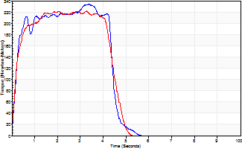
Isometric Extensors (Con) Angle 60 Time 10 Repetition 2 (Best Repetition)
 | Value | Cof Var | %BW
Peak Torque (Newton-Meters)
Right | 235 | 0.02 | 259
Left | 221 | 0.05 | 244
Deficit | 6
Average Torque (Newton-Meters)
Right | 126 | 0.22 | 140
Left | 92 | 0.07 | 101
Deficit | 27
Peak Torque Slope (Newton-Meters/Seconds)
Right | 69 | 0.03 | 77
Left | 91 | 0.21 | 101 |  | Right Side Curves Left Side Curves
Deficit | 24
Time to Half Peak Torque (Seconds)
Right | 0.19 | 0.11
Left | 0.21 | 0.2
Time to Peak Torque (Seconds)
Right | 3.39 | 0.01
Left | 2.76 | 0.26
HUMAC2015® Version: 15.000.0074 © Computer Sports Medicine, Inc. www.csmisolutions.com

