pre1
Use File, Preference to set Report Heading
Long Form Torque vs. Position Report - Knee Extension/Flexion
Name: |  |  |  | TR030_FP3063, | ID: | 3063 | Right/Left: | 25.09.2023 25.09.2023
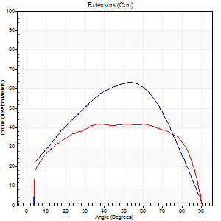
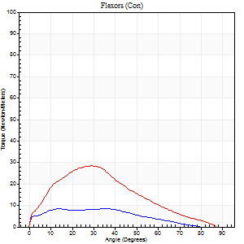
Right Side Curves Left Side Curves
Isokinetic Con/Con |  |  |  | Extensors (Con) |  | Flexors (Con)
Speed 60/60 d/s 3 Reps |  |  |  | Value | Cof Var | %BW | Value | Cof Var | %BW | Ratio

TORQUE PARAMETERS
Peak Torque (Newton-Meters - Best Repetition)
Right |  |  |  | 64 | 0.05 | 80 | 8 | 0.24 | 9 | 13
Left |  |  |  | 42 | 0.03 | 54 | 28 | 0.81 | 36 | 68
Deficit |  |  |  | 34 |  |  | 71
Work per Repetition (Newton-Meters - Best Repetition)
Right |  |  |  | 66 | 0.15 | 83 | 8 | 0.24 | 9 | 12
Left |  |  |  | 53 | 0.07 | 66 | 23 | 0.72 | 30 | 44
Deficit |  |  |  | 20 |  |  | 65
Average Power per Repetition (Watts - Best Repetition)
Right |  |  |  | 35 | 0.09 | 44 | 4 | 0.2 | 4 | 11
Left |  |  |  | 34 | 0.08 | 42 | 13 | 0.68 | 15 | 38
Deficit |  |  |  | 3 |  |  | 69
POSITION PARAMETERS
Joint Angle at Peak Torque (Degrees)
Right |  |  |  | 46 | 0.13 |  | 36 | 0.05
Left |  |  |  | 38 | 0.05 |  | 18 | 0.53
Range of Motion (Degrees)
Right |  |  |  | 0 | 0.2 |  | 89 | 0.01
Left |  |  |  | 1 | 0.08 |  | 90 | 0
TIME PARAMETERS
Time to Peak Torque (Seconds)
Right |  |  |  | 0.81 | 0.11 |  | 0.7 | 0.05
Left |  |  |  | 0.92 | 0.1 |  | 0.37 | 0.48
Time Peak Torque Held (Seconds)
Right |  |  |  | 0.03 | 0.33 |  | 0 | 0
Left |  |  |  | 0.01 | 1.73 |  | 0.19 | 0.67
Force Decay Time (Seconds)
Right |  |  |  | 0.77 | 0.15 |  | 0.97 | 0.07
Left |  |  |  | 0.64 | 0.06 |  | 1.09 | 0.07
Reciprocal Delay (Seconds)
Right |  |  |  | 0.19 | 0.4 |  | 0.35 | 0.29
Left |  |  |  | 0.26 | 0.56 |  | 0.14 | 0.49
Delay Time (Seconds)
Right |  |  |  | 0.17 | 1.98 |  | -0.03 | -0.94
Left |  |  |  | 0.06 | 1.2 |  | -0.04 | -0.83
HUMAC2015® Version: 15.000.0074 © Computer Sports Medicine, Inc. www.csmisolutions.com

Use File, Preference to set Report Heading
Long Form Torque vs. Position Report - Knee Extension/Flexion
Name: |  |  |  | TR030_FP3063, | ID: | 3063 | Right/Left: | 25.09.2023 25.09.2023
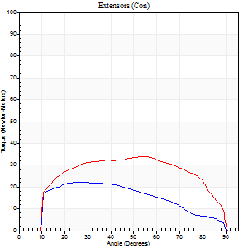
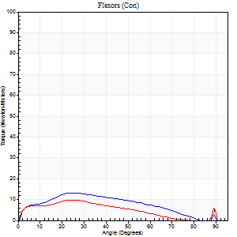
Right Side Curves Left Side Curves
Isokinetic Con/Con |  |  |  | Extensors (Con) |  | Flexors (Con)
Speed 120/120 d/s 3 Reps |  |  |  | Value | Cof Var | %BW | Value | Cof Var | %BW | Ratio

TORQUE PARAMETERS
Peak Torque (Newton-Meters - Best Repetition)
Right |  |  |  | 22 | 0.05 | 27 | 14 | 0.16 | 18 | 62
Left |  |  |  | 34 | 0.07 | 42 | 11 | 0.25 | 15 | 32
Deficit |  |  |  | 36 |  |  | 20
Work per Repetition (Newton-Meters - Best Repetition)
Right |  |  |  | 22 | 0.04 | 27 | 12 | 0.23 | 15 | 56
Left |  |  |  | 39 | 0.1 | 48 | 8 | 0.3 | 9 | 21
Deficit |  |  |  | 45 |  |  | 33
Average Power per Repetition (Watts - Best Repetition)
Right |  |  |  | 23 | 0.07 | 29 | 13 | 0.19 | 15 | 57
Left |  |  |  | 45 | 0.14 | 57 | 7 | 0.3 | 9 | 16
Deficit |  |  |  | 49 |  |  | 46
POSITION PARAMETERS
Joint Angle at Peak Torque (Degrees)
Right |  |  |  | 28 | 0.13 |  | 26 | 0.05
Left |  |  |  | 44 | 0.2 |  | 40 | 1.09
Range of Motion (Degrees)
Right |  |  |  | 1 | 0 |  | 90 | 0
Left |  |  |  | 1 | 0.51 |  | 90 | 0.01
TIME PARAMETERS
Time to Peak Torque (Seconds)
Right |  |  |  | 0.67 | 0.04 |  | 0.3 | 0.04
Left |  |  |  | 0.53 | 0.05 |  | 0.55 | 0.94
Time Peak Torque Held (Seconds)
Right |  |  |  | 0.02 | 1.73 |  | 0.01 | 1.15
Left |  |  |  | 0.03 | 0.33 |  | 0.07 | 1.36
Force Decay Time (Seconds)
Right |  |  |  | 0.24 | 0.23 |  | 0.54 | 0.05
Left |  |  |  | 0.37 | 0.17 |  | 0.39 | 1.02
Reciprocal Delay (Seconds)
Right |  |  |  | 0.1 | 0 |  | 0.11 | 0.6
Left |  |  |  | 0.17 | 0.53 |  | 0.12 | 0.35
Delay Time (Seconds)
Right |  |  |  | -0.05 | -0.13 |  | 0.02 | 1.73
Left |  |  |  | 0.02 | 3.11 |  | -0.04 | -0.42
HUMAC2015® Version: 15.000.0074 © Computer Sports Medicine, Inc. www.csmisolutions.com

Use File, Preference to set Report Heading
Long Form Torque vs. Position Report - Knee Extension/Flexion
Name: |  |  |  | TR030_FP3063, | ID: | 3063 | Right/Left: | 25.09.2023 25.09.2023
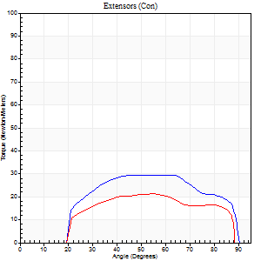
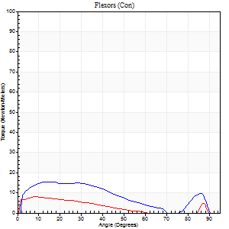
Right Side Curves Left Side Curves
Isokinetic Con/Con |  |  |  | Extensors (Con) |  | Flexors (Con)
Speed 240/240 d/s 3 Reps |  |  |  | Value | Cof Var | %BW | Value | Cof Var | %BW | Ratio

TORQUE PARAMETERS
Peak Torque (Newton-Meters - Best Repetition)
Right |  |  |  | 30 | 0.09 | 36 | 15 | 0.06 | 18 | 50
Left |  |  |  | 22 | 0.06 | 27 | 8 | 0.04 | 9 | 38
Deficit |  |  |  | 27 |  |  | 45
Work per Repetition (Newton-Meters - Best Repetition)
Right |  |  |  | 30 | 0.12 | 36 | 15 | 0.03 | 18 | 50
Left |  |  |  | 20 | 0.07 | 27 | 5 | 0.07 | 6 | 27
Deficit |  |  |  | 32 |  |  | 64
Average Power per Repetition (Watts - Best Repetition)
Right |  |  |  | 59 | 0.19 | 75 | 27 | 0.05 | 33 | 46
Left |  |  |  | 36 | 0.23 | 44 | 8 | 0.1 | 11 | 22
Deficit |  |  |  | 39 |  |  | 70
POSITION PARAMETERS
Joint Angle at Peak Torque (Degrees)
Right |  |  |  | 50 | 0.2 |  | 23 | 0.76
Left |  |  |  | 55 | 0 |  | 6 | 0.59
Range of Motion (Degrees)
Right |  |  |  | 2 | 0.22 |  | 90 | 0.01
Left |  |  |  | 1 | 0.1 |  | 89 | 0.01
TIME PARAMETERS
Time to Peak Torque (Seconds)
Right |  |  |  | 0.26 | 0.03 |  | 0.2 | 0.46
Left |  |  |  | 0.4 | 0.4 |  | 0.11 | 0.57
Time Peak Torque Held (Seconds)
Right |  |  |  | 0.02 | 1.73 |  | 0.02 | 0.89
Left |  |  |  | 0.01 | 0 |  | 0.02 | 1.32
Force Decay Time (Seconds)
Right |  |  |  | 0.23 | 0.07 |  | 0.32 | 0.35
Left |  |  |  | 0.27 | 0 |  | 0.54 | 0.19
Reciprocal Delay (Seconds)
Right |  |  |  | 0.08 | 0.53 |  | 0.05 | 0.29
Left |  |  |  | 0.09 | 0.37 |  | 0.06 | 0.09
Delay Time (Seconds)
Right |  |  |  | -0.04 | -0.71 |  | -0.03 | -0.22
Left |  |  |  | 0.08 | 0.09 |  | -0.04 | -0.16
HUMAC2015® Version: 15.000.0074 © Computer Sports Medicine, Inc. www.csmisolutions.com

Use File, Preference to set Report Heading
Isometric - Knee Extension/Flexion
Name: |  |  |  | TR030_FP3063, | ID: | 3063 | Right/Left: | 25.09.2023 25.09.2023

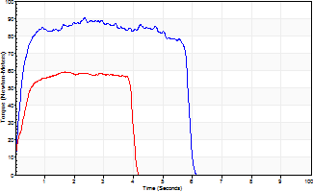
Isometric Extensors (Con) Angle 60 Time 10 Repetition 2 (Best Repetition)
 | Value | Cof Var | %BW
Peak Torque (Newton-Meters)
Right | 91 | 0.04 | 113
Left | 60 | 0.02 | 75
Deficit | 34
Average Torque (Newton-Meters)
Right | 72 | 0.29 | 89
Left | 24 | 0.09 | 30
Deficit | 66
Peak Torque Slope (Newton-Meters/Seconds)
Right | 39 | 0.02 | 49
Left | 35 | 0.21 | 44 |  | Right Side Curves Left Side Curves
Deficit | 10
Time to Half Peak Torque (Seconds)
Right | 0.16 | 0.14
Left | 0.2 | 0.24
Time to Peak Torque (Seconds)
Right | 2.24 | 0.06
Left | 1.92 | 0.19
HUMAC2015® Version: 15.000.0074 © Computer Sports Medicine, Inc. www.csmisolutions.com

pre2
Use File, Preference to set Report Heading
Long Form Torque vs. Position Report - Knee Extension/Flexion
Name: |  |  |  | TR030_FP3063, | ID: | TR030 | Right/Left: | 03.10.2023 03.10.2023
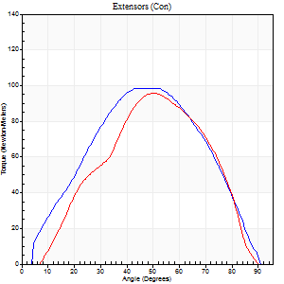
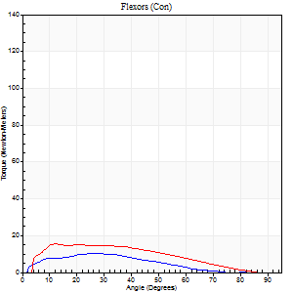
Right Side Curves Left Side Curves
Isokinetic Con/Con |  |  |  | Extensors (Con) |  | Flexors (Con)
Speed 60/60 d/s 3 Reps |  |  |  | Value | Cof Var | %BW | Value | Cof Var | %BW | Ratio

TORQUE PARAMETERS
Peak Torque (Newton-Meters - Best Repetition)
Right |  |  |  | 99 | 0.08 | 122 | 11 | 0.07 | 15 | 11
Left |  |  |  | 96 | 0.1 | 119 | 15 | 0.36 | 18 | 15
Deficit |  |  |  | 3 |  |  | 27
Work per Repetition (Newton-Meters - Best Repetition)
Right |  |  |  | 95 | 0.06 | 119 | 8 | 0.06 | 9 | 9
Left |  |  |  | 88 | 0.1 | 110 | 14 | 0.35 | 18 | 15
Deficit |  |  |  | 7 |  |  | 40
Average Power per Repetition (Watts - Best Repetition)
Right |  |  |  | 59 | 0.06 | 75 | 6 | 0.11 | 7 | 10
Left |  |  |  | 60 | 0.13 | 75 | 9 | 0.36 | 11 | 15
Deficit |  |  |  | 2 |  |  | 33
POSITION PARAMETERS
Joint Angle at Peak Torque (Degrees)
Right |  |  |  | 51 | 0.06 |  | 29 | 0.2
Left |  |  |  | 52 | 0.04 |  | 20 | 0.54
Range of Motion (Degrees)
Right |  |  |  | 1 | 0 |  | 90 | 0
Left |  |  |  | 3 | 1.05 |  | 89 | 0.01
TIME PARAMETERS
Time to Peak Torque (Seconds)
Right |  |  |  | 0.77 | 0.09 |  | 0.49 | 0.2
Left |  |  |  | 0.72 | 0.01 |  | 0.35 | 0.63
Time Peak Torque Held (Seconds)
Right |  |  |  | 0.08 | 0.76 |  | 0.05 | 0.8
Left |  |  |  | 0.07 | 0.25 |  | 0 | 0
Force Decay Time (Seconds)
Right |  |  |  | 0.77 | 0.12 |  | 1.05 | 0.22
Left |  |  |  | 0.77 | 0.04 |  | 1.17 | 0.18
Reciprocal Delay (Seconds)
Right |  |  |  | 0.26 | 0.27 |  | 0.09 | 0.07
Left |  |  |  | 0.11 | 0.07 |  | 0.09 | 0.07
Delay Time (Seconds)
Right |  |  |  | -0.09 | -0.07 |  | 0.02 | 0.65
Left |  |  |  | -0.04 | 0 |  | -0.04 | -0.27
HUMAC2015® Version: 15.000.0074 © Computer Sports Medicine, Inc. www.csmisolutions.com

Use File, Preference to set Report Heading
Long Form Torque vs. Position Report - Knee Extension/Flexion
Name: |  |  |  | TR030_FP3063, | ID: | TR030 | Right/Left: | 03.10.2023 03.10.2023
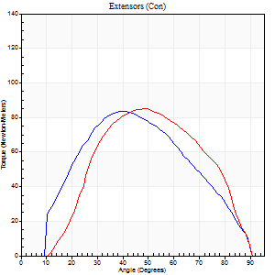
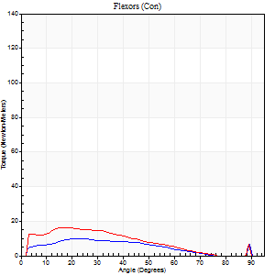
Right Side Curves Left Side Curves
Isokinetic Con/Con |  |  |  | Extensors (Con) |  | Flexors (Con)
Speed 120/120 d/s 3 Reps |  |  |  | Value | Cof Var | %BW | Value | Cof Var | %BW | Ratio

TORQUE PARAMETERS
Peak Torque (Newton-Meters - Best Repetition)
Right |  |  |  | 84 | 0.1 | 104 | 9 | 0.24 | 12 | 11
Left |  |  |  | 85 | 0.06 | 107 | 16 | 0.51 | 21 | 19
Deficit |  |  |  | 2 |  |  | 42
Work per Repetition (Newton-Meters - Best Repetition)
Right |  |  |  | 79 | 0.07 | 98 | 8 | 0.34 | 9 | 10
Left |  |  |  | 77 | 0.07 | 95 | 12 | 0.64 | 15 | 16
Deficit |  |  |  | 2 |  |  | 33
Average Power per Repetition (Watts - Best Repetition)
Right |  |  |  | 90 | 0.09 | 112 | 9 | 0.37 | 11 | 10
Left |  |  |  | 88 | 0.07 | 110 | 15 | 0.7 | 20 | 17
Deficit |  |  |  | 2 |  |  | 40
POSITION PARAMETERS
Joint Angle at Peak Torque (Degrees)
Right |  |  |  | 43 | 0.16 |  | 28 | 0.19
Left |  |  |  | 49 | 0.01 |  | 13 | 0.77
Range of Motion (Degrees)
Right |  |  |  | 1 | 0.07 |  | 90 | 0
Left |  |  |  | 1 | 0.25 |  | 90 | 0.01
TIME PARAMETERS
Time to Peak Torque (Seconds)
Right |  |  |  | 0.54 | 0.17 |  | 0.31 | 0.28
Left |  |  |  | 0.42 | 0 |  | 0.16 | 0.71
Time Peak Torque Held (Seconds)
Right |  |  |  | 0.03 | 0.33 |  | 0.01 | 1.73
Left |  |  |  | 0.02 | 0.35 |  | 0.02 | 1.25
Force Decay Time (Seconds)
Right |  |  |  | 0.34 | 0.14 |  | 0.56 | 0.11
Left |  |  |  | 0.42 | 0 |  | 0.78 | 0.37
Reciprocal Delay (Seconds)
Right |  |  |  | 0.12 | 0.12 |  | 0.07 | 0.14
Left |  |  |  | 0.09 | 0.07 |  | 0.07 | 0.14
Delay Time (Seconds)
Right |  |  |  | -0.06 | -0.11 |  | 0.02 | 0.69
Left |  |  |  | -0.01 | -1.41 |  | -0.03 | -0.35
HUMAC2015® Version: 15.000.0074 © Computer Sports Medicine, Inc. www.csmisolutions.com

Use File, Preference to set Report Heading
Long Form Torque vs. Position Report - Knee Extension/Flexion
Name: |  |  |  | TR030_FP3063, | ID: | TR030 | Right/Left: | 03.10.2023 03.10.2023
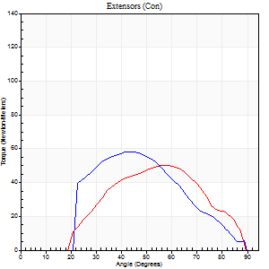
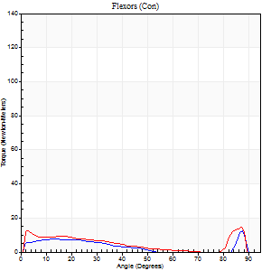
Right Side Curves Left Side Curves
Isokinetic Con/Con |  |  |  | Extensors (Con) |  | Flexors (Con)
Speed 240/240 d/s 3 Reps |  |  |  | Value | Cof Var | %BW | Value | Cof Var | %BW | Ratio

TORQUE PARAMETERS
Peak Torque (Newton-Meters - Best Repetition)
Right |  |  |  | 58 | 0.07 | 72 | 12 | 0.28 | 15 | 21
Left |  |  |  | 50 | 0.05 | 63 | 15 | 0.25 | 18 | 30
Deficit |  |  |  | 14 |  |  | 18
Work per Repetition (Newton-Meters - Best Repetition)
Right |  |  |  | 45 | 0.05 | 57 | 7 | 0.19 | 9 | 15
Left |  |  |  | 42 | 0.08 | 54 | 4 | 0.86 | 6 | 10
Deficit |  |  |  | 6 |  |  | 40
Average Power per Repetition (Watts - Best Repetition)
Right |  |  |  | 73 | 0.07 | 90 | 10 | 0.17 | 13 | 14
Left |  |  |  | 79 | 0.13 | 99 | 10 | 0.53 | 13 | 13
Deficit |  |  |  | 8 |  |  | 0
POSITION PARAMETERS
Joint Angle at Peak Torque (Degrees)
Right |  |  |  | 45 | 0.03 |  | 63 | 0.67
Left |  |  |  | 60 | 0.04 |  | 59 | 0.83
Range of Motion (Degrees)
Right |  |  |  | 1 | 0.06 |  | 90 | 0.01
Left |  |  |  | 2 | 0 |  | 89 | 0.01
TIME PARAMETERS
Time to Peak Torque (Seconds)
Right |  |  |  | 0.37 | 0.04 |  | 0.48 | 0.54
Left |  |  |  | 0.23 | 0 |  | 0.11 | 0.47
Time Peak Torque Held (Seconds)
Right |  |  |  | 0.01 | 0 |  | 0 | 0
Left |  |  |  | 0.02 | 0.92 |  | 0 | 0
Force Decay Time (Seconds)
Right |  |  |  | 0.23 | 0.03 |  | 0.18 | 1.35
Left |  |  |  | 0.28 | 0.04 |  | 0.22 | 1.5
Reciprocal Delay (Seconds)
Right |  |  |  | 0.08 | 0.09 |  | 0.06 | 0
Left |  |  |  | 0.06 | 0 |  | 0.05 | 0.11
Delay Time (Seconds)
Right |  |  |  | -0.05 | 0 |  | -0.02 | -0.35
Left |  |  |  | -0.03 | 0 |  | 0.25 | 1.01
HUMAC2015® Version: 15.000.0074 © Computer Sports Medicine, Inc. www.csmisolutions.com

Use File, Preference to set Report Heading
Isometric - Knee Extension/Flexion
Name: |  |  |  | TR030_FP3063, | ID: | TR030 | Right/Left: | 03.10.2023 03.10.2023

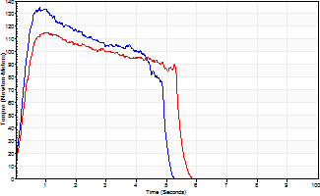
Isometric Extensors (Con) Angle 60 Time 10 Repetition 2 (Best Repetition)
 | Value | Cof Var | %BW
Peak Torque (Newton-Meters)
Right | 134 | 0.06 | 167
Left | 115 | 0 | 143
Deficit | 14
Average Torque (Newton-Meters)
Right | 53 | 0.03 | 66
Left | 53 | 0.12 | 66
Deficit | 0
Peak Torque Slope (Newton-Meters/Seconds)
Right | 171 | 0.2 | 213
Left | 140 | 0.11 | 175 |  | Right Side Curves Left Side Curves
Deficit | 18
Time to Half Peak Torque (Seconds)
Right | 0.19 | 0.45
Left | 0.25 | 0.14
Time to Peak Torque (Seconds)
Right | 0.87 | 0.15
Left | 0.88 | 0.11
HUMAC2015® Version: 15.000.0074 © Computer Sports Medicine, Inc. www.csmisolutions.com

mid1
Use File, Preference to set Report Heading
Long Form Torque vs. Position Report - Knee Extension/Flexion
Name: |  |  |  | TR030_FP3063, | ID: | TR030 | Right/Left: | 07.11.2023 07.11.2023
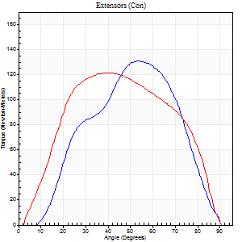
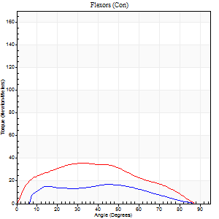
Right Side Curves Left Side Curves
Isokinetic Con/Con |  |  |  | Extensors (Con) |  | Flexors (Con)
Speed 60/60 d/s 3 Reps |  |  |  | Value | Cof Var | %BW | Value | Cof Var | %BW | Ratio

TORQUE PARAMETERS
Peak Torque (Newton-Meters - Best Repetition)
Right |  |  |  | 132 | 0.03 | 164 | 18 | 0.25 | 21 | 13
Left |  |  |  | 122 | 0.05 | 152 | 37 | 0.58 | 45 | 30
Deficit |  |  |  | 7 |  |  | 52
Work per Repetition (Newton-Meters - Best Repetition)
Right |  |  |  | 123 | 0.05 | 155 | 18 | 0.31 | 21 | 14
Left |  |  |  | 129 | 0.05 | 161 | 37 | 0.62 | 45 | 28
Deficit |  |  |  | 4 |  |  | 52
Average Power per Repetition (Watts - Best Repetition)
Right |  |  |  | 76 | 0.01 | 95 | 11 | 0.34 | 13 | 14
Left |  |  |  | 74 | 0.18 | 92 | 24 | 0.64 | 31 | 32
Deficit |  |  |  | 3 |  |  | 54
POSITION PARAMETERS
Joint Angle at Peak Torque (Degrees)
Right |  |  |  | 55 | 0.05 |  | 38 | 0.38
Left |  |  |  | 41 | 0.04 |  | 25 | 0.27
Range of Motion (Degrees)
Right |  |  |  | 1 | 0.06 |  | 90 | 0.01
Left |  |  |  | 0 | 0.47 |  | 90 | 0
TIME PARAMETERS
Time to Peak Torque (Seconds)
Right |  |  |  | 0.66 | 0.02 |  | 0.65 | 0.34
Left |  |  |  | 0.87 | 0.06 |  | 0.52 | 0.11
Time Peak Torque Held (Seconds)
Right |  |  |  | 0.04 | 0.66 |  | 0.04 | 0.88
Left |  |  |  | 0.06 | 0.44 |  | 0.03 | 1.48
Force Decay Time (Seconds)
Right |  |  |  | 0.85 | 0.08 |  | 0.86 | 0.33
Left |  |  |  | 0.64 | 0.07 |  | 1.07 | 0.12
Reciprocal Delay (Seconds)
Right |  |  |  | 0.17 | 0.56 |  | 0.09 | 0.25
Left |  |  |  | 0.1 | 0 |  | 0.18 | 0.58
Delay Time (Seconds)
Right |  |  |  | -0.09 | -0.58 |  | 0 | 25.16
Left |  |  |  | -0.04 | -0.71 |  | -0.06 | -0.73
HUMAC2015® Version: 15.000.0074 © Computer Sports Medicine, Inc. www.csmisolutions.com

Use File, Preference to set Report Heading
Long Form Torque vs. Position Report - Knee Extension/Flexion
Name: |  |  |  | TR030_FP3063, | ID: | TR030 | Right/Left: | 07.11.2023 07.11.2023
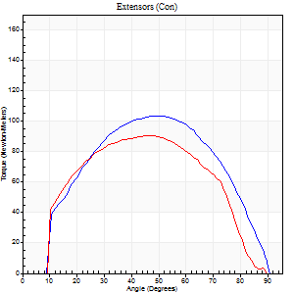
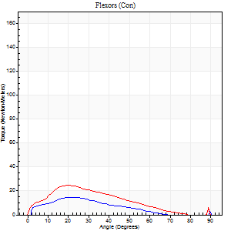
Right Side Curves Left Side Curves
Isokinetic Con/Con |  |  |  | Extensors (Con) |  | Flexors (Con)
Speed 120/120 d/s 3 Reps |  |  |  | Value | Cof Var | %BW | Value | Cof Var | %BW | Ratio

TORQUE PARAMETERS
Peak Torque (Newton-Meters - Best Repetition)
Right |  |  |  | 103 | 0.02 | 128 | 15 | 0.44 | 18 | 14
Left |  |  |  | 91 | 0.01 | 113 | 24 | 0.6 | 30 | 27
Deficit |  |  |  | 12 |  |  | 39
Work per Repetition (Newton-Meters - Best Repetition)
Right |  |  |  | 108 | 0.02 | 134 | 9 | 0.44 | 12 | 9
Left |  |  |  | 95 | 0.03 | 119 | 18 | 0.65 | 21 | 19
Deficit |  |  |  | 13 |  |  | 46
Average Power per Repetition (Watts - Best Repetition)
Right |  |  |  | 124 | 0.02 | 154 | 10 | 0.48 | 13 | 8
Left |  |  |  | 103 | 0.04 | 130 | 20 | 0.7 | 24 | 19
Deficit |  |  |  | 17 |  |  | 50
POSITION PARAMETERS
Joint Angle at Peak Torque (Degrees)
Right |  |  |  | 51 | 0.02 |  | 24 | 0.07
Left |  |  |  | 45 | 0.07 |  | 16 | 0.5
Range of Motion (Degrees)
Right |  |  |  | 1 | 0.18 |  | 90 | 0
Left |  |  |  | 0 | 0.76 |  | 89 | 0
TIME PARAMETERS
Time to Peak Torque (Seconds)
Right |  |  |  | 0.41 | 0 |  | 0.34 | 0.22
Left |  |  |  | 0.48 | 0.03 |  | 0.28 | 0.24
Time Peak Torque Held (Seconds)
Right |  |  |  | 0.03 | 0.57 |  | 0.01 | 0.87
Left |  |  |  | 0.03 | 0.62 |  | 0 | 0
Force Decay Time (Seconds)
Right |  |  |  | 0.43 | 0.05 |  | 0.63 | 0.1
Left |  |  |  | 0.41 | 0.05 |  | 0.7 | 0.22
Reciprocal Delay (Seconds)
Right |  |  |  | 0.27 | 0 |  | 0.17 | 0.62
Left |  |  |  | 0.09 | 0.16 |  | 0.18 | 0.09
Delay Time (Seconds)
Right |  |  |  | -0.04 | -0.35 |  | 0.08 | 1.77
Left |  |  |  | -0.01 | -0.47 |  | -0.06 | -0.71
HUMAC2015® Version: 15.000.0074 © Computer Sports Medicine, Inc. www.csmisolutions.com

Use File, Preference to set Report Heading
Long Form Torque vs. Position Report - Knee Extension/Flexion
Name: |  |  |  | TR030_FP3063, | ID: | TR030 | Right/Left: | 07.11.2023 07.11.2023
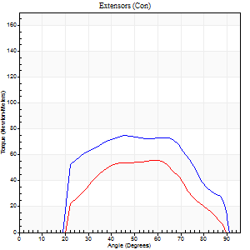
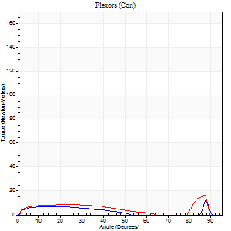
Right Side Curves Left Side Curves
Isokinetic Con/Con |  |  |  | Extensors (Con) |  | Flexors (Con)
Speed 240/240 d/s 3 Reps |  |  |  | Value | Cof Var | %BW | Value | Cof Var | %BW | Ratio

TORQUE PARAMETERS
Peak Torque (Newton-Meters - Best Repetition)
Right |  |  |  | 75 | 0.02 | 92 | 12 | 0.61 | 15 | 16
Left |  |  |  | 56 | 0.03 | 69 | 16 | 0.62 | 21 | 29
Deficit |  |  |  | 25 |  |  | 25
Work per Repetition (Newton-Meters - Best Repetition)
Right |  |  |  | 75 | 0.09 | 92 | 5 | 0.57 | 6 | 7
Left |  |  |  | 50 | 0.03 | 63 | 1 | 0.43 | 3 | 3
Deficit |  |  |  | 33 |  |  | 75
Average Power per Repetition (Watts - Best Repetition)
Right |  |  |  | 133 | 0.16 | 167 | 7 | 0.66 | 9 | 5
Left |  |  |  | 87 | 0.01 | 108 | 15 | 1.07 | 20 | 17
Deficit |  |  |  | 35 |  |  | 53
POSITION PARAMETERS
Joint Angle at Peak Torque (Degrees)
Right |  |  |  | 52 | 0.12 |  | 59 | 0.83
Left |  |  |  | 50 | 0.18 |  | 61 | 0.75
Range of Motion (Degrees)
Right |  |  |  | 2 | 0.03 |  | 90 | 0
Left |  |  |  | 1 | 0.11 |  | 89 | 0.01
TIME PARAMETERS
Time to Peak Torque (Seconds)
Right |  |  |  | 0.34 | 0.08 |  | 0.48 | 0.83
Left |  |  |  | 0.27 | 0.16 |  | 0.15 | 0.62
Time Peak Torque Held (Seconds)
Right |  |  |  | 0.01 | 0.87 |  | 0.08 | 1.63
Left |  |  |  | 0.01 | 0.87 |  | 0.05 | 1.73
Force Decay Time (Seconds)
Right |  |  |  | 0.26 | 0.08 |  | 0.33 | 1.41
Left |  |  |  | 0.25 | 0.14 |  | 0.27 | 1.5
Reciprocal Delay (Seconds)
Right |  |  |  | 0.17 | 0.12 |  | 0.07 | 0.25
Left |  |  |  | 0.06 | 0 |  | 0.08 | 0.25
Delay Time (Seconds)
Right |  |  |  | -0.09 | -0.07 |  | -0.02 | -0.69
Left |  |  |  | -0.02 | -0.28 |  | 0.29 | 1.03
HUMAC2015® Version: 15.000.0074 © Computer Sports Medicine, Inc. www.csmisolutions.com

Use File, Preference to set Report Heading
Isometric - Knee Extension/Flexion
Name: |  |  |  | TR030_FP3063, | ID: | TR030 | Right/Left: | 07.11.2023 07.11.2023

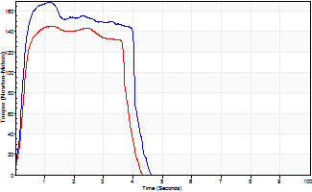
Isometric Extensors (Con) Angle 60 Time 10 Repetition 2 (Best Repetition)
 | Value | Cof Var | %BW
Peak Torque (Newton-Meters)
Right | 168 | 0.03 | 209
Left | 145 | 0.02 | 182
Deficit | 14
Average Torque (Newton-Meters)
Right | 61 | 0.11 | 77
Left | 52 | 0.03 | 66
Deficit | 16
Peak Torque Slope (Newton-Meters/Seconds)
Right | 226 | 0.31 | 283
Left | 193 | 0.34 | 241 |  | Right Side Curves Left Side Curves
Deficit | 15
Time to Half Peak Torque (Seconds)
Right | 0.19 | 0.33
Left | 0.19 | 0.65
Time to Peak Torque (Seconds)
Right | 0.92 | 0.34
Left | 0.97 | 0.36
HUMAC2015® Version: 15.000.0074 © Computer Sports Medicine, Inc. www.csmisolutions.com

mid2
Use File, Preference to set Report Heading
Long Form Torque vs. Position Report - Knee Extension/Flexion
Name: |  |  |  | TR030_FP3063, | ID: | TR030 | Right/Left: | 09.11.2023 09.11.2023
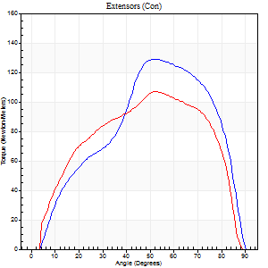
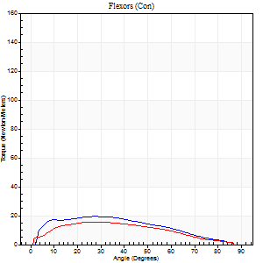
Right Side Curves Left Side Curves
Isokinetic Con/Con |  |  |  | Extensors (Con) |  | Flexors (Con)
Speed 60/60 d/s 3 Reps |  |  |  | Value | Cof Var | %BW | Value | Cof Var | %BW | Ratio

TORQUE PARAMETERS
Peak Torque (Newton-Meters - Best Repetition)
Right |  |  |  | 129 | 0.04 | 161 | 19 | 0.38 | 24 | 15
Left |  |  |  | 107 | 0.03 | 134 | 16 | 0.31 | 21 | 15
Deficit |  |  |  | 17 |  |  | 14
Work per Repetition (Newton-Meters - Best Repetition)
Right |  |  |  | 123 | 0.04 | 155 | 19 | 0.37 | 24 | 15
Left |  |  |  | 121 | 0.05 | 152 | 15 | 0.36 | 18 | 12
Deficit |  |  |  | 2 |  |  | 21
Average Power per Repetition (Watts - Best Repetition)
Right |  |  |  | 81 | 0.06 | 101 | 12 | 0.4 | 15 | 15
Left |  |  |  | 73 | 0.21 | 90 | 10 | 0.38 | 13 | 14
Deficit |  |  |  | 10 |  |  | 17
POSITION PARAMETERS
Joint Angle at Peak Torque (Degrees)
Right |  |  |  | 54 | 0.04 |  | 31 | 0.5
Left |  |  |  | 52 | 0.02 |  | 25 | 0.14
Range of Motion (Degrees)
Right |  |  |  | 1 | 0.07 |  | 90 | 0
Left |  |  |  | 0 | 0.79 |  | 90 | 0
TIME PARAMETERS
Time to Peak Torque (Seconds)
Right |  |  |  | 0.65 | 0.07 |  | 0.59 | 0.53
Left |  |  |  | 0.71 | 0.09 |  | 0.47 | 0.13
Time Peak Torque Held (Seconds)
Right |  |  |  | 0.05 | 0.45 |  | 0.06 | 1.59
Left |  |  |  | 0.04 | 0.57 |  | 0.06 | 1.73
Force Decay Time (Seconds)
Right |  |  |  | 0.86 | 0.05 |  | 0.94 | 0.26
Left |  |  |  | 0.86 | 0.02 |  | 1.04 | 0.17
Reciprocal Delay (Seconds)
Right |  |  |  | 0.12 | 0.28 |  | 0.09 | 0.27
Left |  |  |  | 0.15 | 0.05 |  | 0.2 | 0.62
Delay Time (Seconds)
Right |  |  |  | -0.04 | -0.47 |  | 0 | -21.7
Left |  |  |  | -0.02 | -1.98 |  | -0.02 | -0.87
HUMAC2015® Version: 15.000.0074 © Computer Sports Medicine, Inc. www.csmisolutions.com

Use File, Preference to set Report Heading
Long Form Torque vs. Position Report - Knee Extension/Flexion
Name: |  |  |  | TR030_FP3063, | ID: | TR030 | Right/Left: | 09.11.2023 09.11.2023
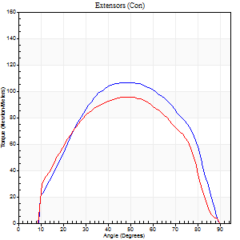
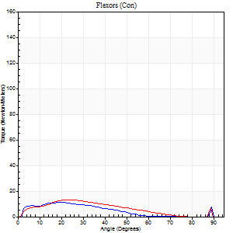
Right Side Curves Left Side Curves
Isokinetic Con/Con |  |  |  | Extensors (Con) |  | Flexors (Con)
Speed 120/120 d/s 3 Reps |  |  |  | Value | Cof Var | %BW | Value | Cof Var | %BW | Ratio

TORQUE PARAMETERS
Peak Torque (Newton-Meters - Best Repetition)
Right |  |  |  | 107 | 0.22 | 134 | 11 | 0.31 | 15 | 10
Left |  |  |  | 95 | 0.01 | 119 | 14 | 0.49 | 18 | 14
Deficit |  |  |  | 11 |  |  | 20
Work per Repetition (Newton-Meters - Best Repetition)
Right |  |  |  | 107 | 0.22 | 134 | 8 | 0.54 | 9 | 8
Left |  |  |  | 98 | 0.01 | 122 | 9 | 0.52 | 12 | 10
Deficit |  |  |  | 9 |  |  | 14
Average Power per Repetition (Watts - Best Repetition)
Right |  |  |  | 117 | 0.22 | 145 | 9 | 0.61 | 11 | 8
Left |  |  |  | 106 | 0.15 | 132 | 11 | 0.57 | 13 | 10
Deficit |  |  |  | 9 |  |  | 18
POSITION PARAMETERS
Joint Angle at Peak Torque (Degrees)
Right |  |  |  | 50 | 0.02 |  | 14 | 0.59
Left |  |  |  | 48 | 0.04 |  | 24 | 0.15
Range of Motion (Degrees)
Right |  |  |  | 1 | 0.03 |  | 90 | 0
Left |  |  |  | 1 | 0.88 |  | 89 | 0
TIME PARAMETERS
Time to Peak Torque (Seconds)
Right |  |  |  | 0.47 | 0.01 |  | 0.15 | 0.52
Left |  |  |  | 0.44 | 0.05 |  | 0.32 | 0.24
Time Peak Torque Held (Seconds)
Right |  |  |  | 0.05 | 0.22 |  | 0.01 | 1.73
Left |  |  |  | 0.02 | 0.5 |  | 0.01 | 1
Force Decay Time (Seconds)
Right |  |  |  | 0.38 | 0.07 |  | 0.81 | 0.33
Left |  |  |  | 0.43 | 0.07 |  | 0.59 | 0.11
Reciprocal Delay (Seconds)
Right |  |  |  | 0.15 | 0.09 |  | 0.06 | 0.1
Left |  |  |  | 0.1 | 0.14 |  | 0.12 | 0.34
Delay Time (Seconds)
Right |  |  |  | -0.08 | -0.09 |  | 0 | -1.73
Left |  |  |  | -0.02 | -1.41 |  | -0.02 | -0.87
HUMAC2015® Version: 15.000.0074 © Computer Sports Medicine, Inc. www.csmisolutions.com

Use File, Preference to set Report Heading
Long Form Torque vs. Position Report - Knee Extension/Flexion
Name: |  |  |  | TR030_FP3063, | ID: | TR030 | Right/Left: | 09.11.2023 09.11.2023
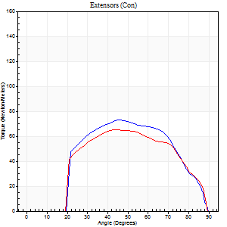
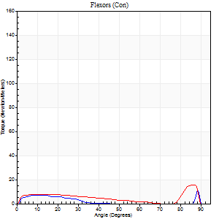
Right Side Curves Left Side Curves
Isokinetic Con/Con |  |  |  | Extensors (Con) |  | Flexors (Con)
Speed 240/240 d/s 3 Reps |  |  |  | Value | Cof Var | %BW | Value | Cof Var | %BW | Ratio

TORQUE PARAMETERS
Peak Torque (Newton-Meters - Best Repetition)
Right |  |  |  | 73 | 0.07 | 92 | 11 | 0.31 | 15 | 15
Left |  |  |  | 65 | 0.02 | 80 | 15 | 0.43 | 18 | 23
Deficit |  |  |  | 11 |  |  | 27
Work per Repetition (Newton-Meters - Best Repetition)
Right |  |  |  | 68 | 0.08 | 83 | 4 | 0.16 | 6 | 6
Left |  |  |  | 62 | 0.01 | 77 | 3 | 0.49 | 3 | 4
Deficit |  |  |  | 8 |  |  | 33
Average Power per Repetition (Watts - Best Repetition)
Right |  |  |  | 112 | 0.04 | 141 | 5 | 0.23 | 7 | 4
Left |  |  |  | 120 | 0.31 | 149 | 13 | 0.79 | 15 | 11
Deficit |  |  |  | 7 |  |  | 62
POSITION PARAMETERS
Joint Angle at Peak Torque (Degrees)
Right |  |  |  | 47 | 0.03 |  | 39 | 1.08
Left |  |  |  | 46 | 0.03 |  | 60 | 0.78
Range of Motion (Degrees)
Right |  |  |  | 1 | 0.06 |  | 90 | 0
Left |  |  |  | 1 | 0.8 |  | 89 | 0.01
TIME PARAMETERS
Time to Peak Torque (Seconds)
Right |  |  |  | 0.35 | 0.04 |  | 0.38 | 0.8
Left |  |  |  | 0.27 | 0 |  | 0.15 | 0.31
Time Peak Torque Held (Seconds)
Right |  |  |  | 0.01 | 0.87 |  | 0.01 | 1.73
Left |  |  |  | 0.01 | 0 |  | 0 | 0
Force Decay Time (Seconds)
Right |  |  |  | 0.24 | 0.02 |  | 0.37 | 0.82
Left |  |  |  | 0.25 | 0.08 |  | 0.26 | 1.53
Reciprocal Delay (Seconds)
Right |  |  |  | 0.12 | 0.06 |  | 0.07 | 0.14
Left |  |  |  | 0.06 | 0.11 |  | 0.1 | 0.42
Delay Time (Seconds)
Right |  |  |  | -0.08 | 0 |  | -0.02 | -0.5
Left |  |  |  | -0.02 | -0.28 |  | 0.28 | 1.03
HUMAC2015® Version: 15.000.0074 © Computer Sports Medicine, Inc. www.csmisolutions.com

Use File, Preference to set Report Heading
Isometric - Knee Extension/Flexion
Name: |  |  |  | TR030_FP3063, | ID: | TR030 | Right/Left: | 09.11.2023 09.11.2023

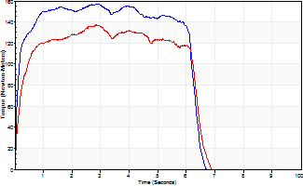
Isometric Extensors (Con) Angle 60 Time 10 Repetition 2 (Best Repetition)
 | Value | Cof Var | %BW
Peak Torque (Newton-Meters)
Right | 157 | 0.01 | 197
Left | 137 | 0.02 | 170
Deficit | 13
Average Torque (Newton-Meters)
Right | 91 | 0.07 | 113
Left | 77 | 0.01 | 95
Deficit | 15
Peak Torque Slope (Newton-Meters/Seconds)
Right | 67 | 0.14 | 83
Left | 152 | 0.73 | 190 |  | Right Side Curves Left Side Curves
Deficit | 56
Time to Half Peak Torque (Seconds)
Right | 0.13 | 0.26
Left | 0.16 | 0.41
Time to Peak Torque (Seconds)
Right | 2.59 | 0.16
Left | 1.86 | 0.75
HUMAC2015® Version: 15.000.0074 © Computer Sports Medicine, Inc. www.csmisolutions.com

post1
Use File, Preference to set Report Heading
Long Form Torque vs. Position Report - Knee Extension/Flexion
Name: |  |  |  | TR030_FP3063, | ID: | TR030 | Right/Left: | 04.12.2023 04.12.2023
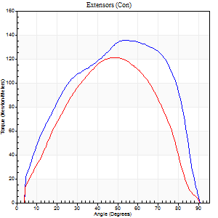
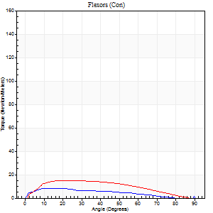
Right Side Curves Left Side Curves
Isokinetic Con/Con |  |  |  | Extensors (Con) |  | Flexors (Con)
Speed 60/60 d/s 3 Reps |  |  |  | Value | Cof Var | %BW | Value | Cof Var | %BW | Ratio

TORQUE PARAMETERS
Peak Torque (Newton-Meters - Best Repetition)
Right |  |  |  | 136 | 0.05 | 170 | 8 | 0.19 | 9 | 6
Left |  |  |  | 121 | 0.05 | 152 | 15 | 0.4 | 18 | 12
Deficit |  |  |  | 11 |  |  | 45
Work per Repetition (Newton-Meters - Best Repetition)
Right |  |  |  | 148 | 0.07 | 185 | 7 | 0.29 | 9 | 5
Left |  |  |  | 117 | 0.04 | 146 | 15 | 0.36 | 18 | 13
Deficit |  |  |  | 21 |  |  | 55
Average Power per Repetition (Watts - Best Repetition)
Right |  |  |  | 93 | 0.07 | 116 | 4 | 0.27 | 4 | 4
Left |  |  |  | 72 | 0.03 | 90 | 10 | 0.37 | 13 | 14
Deficit |  |  |  | 23 |  |  | 60
POSITION PARAMETERS
Joint Angle at Peak Torque (Degrees)
Right |  |  |  | 54 | 0.01 |  | 26 | 0.68
Left |  |  |  | 49 | 0.03 |  | 16 | 0.32
Range of Motion (Degrees)
Right |  |  |  | 0 | 0.71 |  | 90 | 0
Left |  |  |  | 0 | 0.57 |  | 90 | 0
TIME PARAMETERS
Time to Peak Torque (Seconds)
Right |  |  |  | 0.67 | 0.01 |  | 0.49 | 0.65
Left |  |  |  | 0.75 | 0.05 |  | 0.35 | 0.13
Time Peak Torque Held (Seconds)
Right |  |  |  | 0.04 | 0 |  | 0 | 0
Left |  |  |  | 0.07 | 0.23 |  | 0.23 | 1.73
Force Decay Time (Seconds)
Right |  |  |  | 0.87 | 0.01 |  | 1.13 | 0.33
Left |  |  |  | 0.76 | 0.02 |  | 0.99 | 0.36
Reciprocal Delay (Seconds)
Right |  |  |  | 0.33 | 0.17 |  | 0.15 | 0.67
Left |  |  |  | 0.15 | 0.09 |  | 0.18 | 0.39
Delay Time (Seconds)
Right |  |  |  | -0.05 | -0.16 |  | 0.02 | 1.8
Left |  |  |  | -0.01 | -0.47 |  | -0.02 | -0.89
HUMAC2015® Version: 15.000.0074 © Computer Sports Medicine, Inc. www.csmisolutions.com

Use File, Preference to set Report Heading
Long Form Torque vs. Position Report - Knee Extension/Flexion
Name: |  |  |  | TR030_FP3063, | ID: | TR030 | Right/Left: | 04.12.2023 04.12.2023
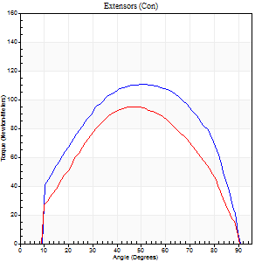
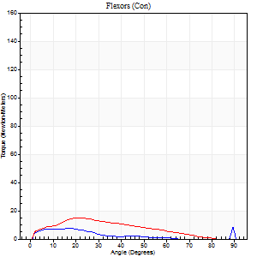
Right Side Curves Left Side Curves
Isokinetic Con/Con |  |  |  | Extensors (Con) |  | Flexors (Con)
Speed 120/120 d/s 3 Reps |  |  |  | Value | Cof Var | %BW | Value | Cof Var | %BW | Ratio

TORQUE PARAMETERS
Peak Torque (Newton-Meters - Best Repetition)
Right |  |  |  | 111 | 0.16 | 140 | 8 | 0.4 | 9 | 7
Left |  |  |  | 95 | 0.02 | 119 | 15 | 0.17 | 18 | 16
Deficit |  |  |  | 15 |  |  | 45
Work per Repetition (Newton-Meters - Best Repetition)
Right |  |  |  | 119 | 0.27 | 149 | 4 | 0.45 | 6 | 3
Left |  |  |  | 95 | 0.01 | 119 | 12 | 0.29 | 15 | 13
Deficit |  |  |  | 20 |  |  | 67
Average Power per Repetition (Watts - Best Repetition)
Right |  |  |  | 143 | 0.33 | 178 | 4 | 0.57 | 4 | 3
Left |  |  |  | 107 | 0.01 | 134 | 13 | 0.39 | 15 | 12
Deficit |  |  |  | 25 |  |  | 69
POSITION PARAMETERS
Joint Angle at Peak Torque (Degrees)
Right |  |  |  | 46 | 0.2 |  | 40 | 1.07
Left |  |  |  | 47 | 0.01 |  | 21 | 0.03
Range of Motion (Degrees)
Right |  |  |  | 1 | 0 |  | 89 | 0.01
Left |  |  |  | 1 | 0 |  | 90 | 0.01
TIME PARAMETERS
Time to Peak Torque (Seconds)
Right |  |  |  | 0.38 | 0 |  | 0.49 | 0.77
Left |  |  |  | 0.44 | 0.03 |  | 0.29 | 0.05
Time Peak Torque Held (Seconds)
Right |  |  |  | 0.04 | 0.43 |  | 0.01 | 1.73
Left |  |  |  | 0.03 | 0.46 |  | 0.03 | 0.22
Force Decay Time (Seconds)
Right |  |  |  | 0.38 | 0.05 |  | 0.62 | 0.81
Left |  |  |  | 0.39 | 0.04 |  | 0.65 | 0.22
Reciprocal Delay (Seconds)
Right |  |  |  | 0.25 | 0.08 |  | 0.11 | 0.3
Left |  |  |  | 0.18 | 0.63 |  | 0.11 | 0.3
Delay Time (Seconds)
Right |  |  |  | -0.02 | -0.28 |  | 0.03 | 0.58
Left |  |  |  | -0.02 | -1.98 |  | -0.02 | -0.49
HUMAC2015® Version: 15.000.0074 © Computer Sports Medicine, Inc. www.csmisolutions.com

Use File, Preference to set Report Heading
Long Form Torque vs. Position Report - Knee Extension/Flexion
Name: |  |  |  | TR030_FP3063, | ID: | TR030 | Right/Left: | 04.12.2023 04.12.2023
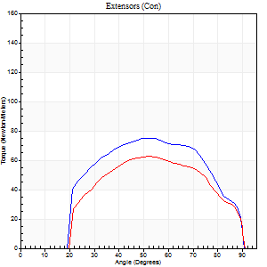
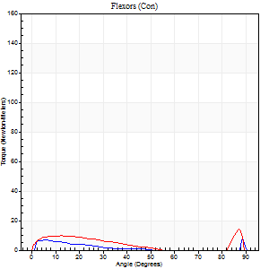
Right Side Curves Left Side Curves
Isokinetic Con/Con |  |  |  | Extensors (Con) |  | Flexors (Con)
Speed 240/240 d/s 3 Reps |  |  |  | Value | Cof Var | %BW | Value | Cof Var | %BW | Ratio

TORQUE PARAMETERS
Peak Torque (Newton-Meters - Best Repetition)
Right |  |  |  | 75 | 0.06 | 92 | 8 | 0.31 | 9 | 11
Left |  |  |  | 62 | 0.01 | 77 | 15 | 0.49 | 18 | 24
Deficit |  |  |  | 16 |  |  | 45
Work per Repetition (Newton-Meters - Best Repetition)
Right |  |  |  | 73 | 0.1 | 92 | 3 | 0.27 | 3 | 4
Left |  |  |  | 60 | 0.03 | 75 | 7 | 1.07 | 9 | 11
Deficit |  |  |  | 19 |  |  | 60
Average Power per Repetition (Watts - Best Repetition)
Right |  |  |  | 136 | 0.13 | 169 | 3 | 0.37 | 4 | 2
Left |  |  |  | 110 | 0.1 | 136 | 9 | 1.11 | 11 | 8
Deficit |  |  |  | 19 |  |  | 67
POSITION PARAMETERS
Joint Angle at Peak Torque (Degrees)
Right |  |  |  | 52 | 0.05 |  | 34 | 1.4
Left |  |  |  | 47 | 0.08 |  | 61 | 0.76
Range of Motion (Degrees)
Right |  |  |  | 1 | 0.09 |  | 90 | 0
Left |  |  |  | 0 | 0.2 |  | 90 | 0.01
TIME PARAMETERS
Time to Peak Torque (Seconds)
Right |  |  |  | 0.3 | 0.17 |  | 0.34 | 1.11
Left |  |  |  | 0.31 | 0.16 |  | 0.39 | 0.64
Time Peak Torque Held (Seconds)
Right |  |  |  | 0.02 | 0.35 |  | 0 | 1.73
Left |  |  |  | 0.01 | 0.87 |  | 0 | 0
Force Decay Time (Seconds)
Right |  |  |  | 0.25 | 0.02 |  | 0.56 | 0.86
Left |  |  |  | 0.27 | 0.06 |  | 0.26 | 1.57
Reciprocal Delay (Seconds)
Right |  |  |  | 0.32 | 0.15 |  | 0.07 | 0.17
Left |  |  |  | 0.09 | 0.16 |  | 0.15 | 0.55
Delay Time (Seconds)
Right |  |  |  | -0.05 | -0.39 |  | -0.02 | -0.25
Left |  |  |  | 0.02 | 3.3 |  | 0.11 | 2.79
HUMAC2015® Version: 15.000.0074 © Computer Sports Medicine, Inc. www.csmisolutions.com

Use File, Preference to set Report Heading
Isometric - Knee Extension/Flexion
Name: |  |  |  | TR030_FP3063, | ID: | TR030 | Right/Left: | 04.12.2023 04.12.2023

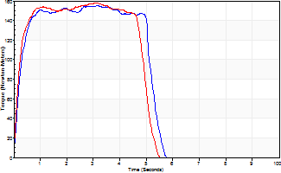
Isometric Extensors (Con) Angle 60 Time 10 Repetition 2 (Best Repetition)
 | Value | Cof Var | %BW
Peak Torque (Newton-Meters)
Right | 155 | 0.03 | 194
Left | 157 | 0.03 | 197
Deficit | 2
Average Torque (Newton-Meters)
Right | 81 | 0.06 | 101
Left | 73 | 0.01 | 92
Deficit | 10
Peak Torque Slope (Newton-Meters/Seconds)
Right | 49 | 0.28 | 61
Left | 159 | 0.73 | 198 |  | Right Side Curves Left Side Curves
Deficit | 69
Time to Half Peak Torque (Seconds)
Right | 0.21 | 0
Left | 0.19 | 0.18
Time to Peak Torque (Seconds)
Right | 3.84 | 0.25
Left | 2.04 | 0.76
HUMAC2015® Version: 15.000.0074 © Computer Sports Medicine, Inc. www.csmisolutions.com

post2
Use File, Preference to set Report Heading
Long Form Torque vs. Position Report - Knee Extension/Flexion
Name: |  |  |  | TR030_FP3063, | ID: | TR030 | Right/Left: | 08.12.2023 08.12.2023
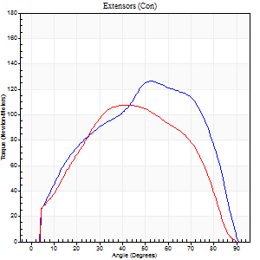
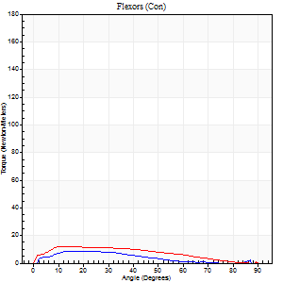
Right Side Curves Left Side Curves
Isokinetic Con/Con |  |  |  | Extensors (Con) |  | Flexors (Con)
Speed 60/60 d/s 3 Reps |  |  |  | Value | Cof Var | %BW | Value | Cof Var | %BW | Ratio

TORQUE PARAMETERS
Peak Torque (Newton-Meters - Best Repetition)
Right |  |  |  | 126 | 0.05 | 158 | 8 | 0.36 | 9 | 6
Left |  |  |  | 107 | 0.03 | 134 | 12 | 0.32 | 15 | 11
Deficit |  |  |  | 15 |  |  | 33
Work per Repetition (Newton-Meters - Best Repetition)
Right |  |  |  | 132 | 0.05 | 164 | 7 | 0.31 | 9 | 5
Left |  |  |  | 110 | 0.04 | 137 | 11 | 0.36 | 15 | 10
Deficit |  |  |  | 16 |  |  | 38
Average Power per Repetition (Watts - Best Repetition)
Right |  |  |  | 84 | 0.05 | 105 | 4 | 0.27 | 4 | 5
Left |  |  |  | 67 | 0.03 | 84 | 7 | 0.34 | 9 | 10
Deficit |  |  |  | 20 |  |  | 43
POSITION PARAMETERS
Joint Angle at Peak Torque (Degrees)
Right |  |  |  | 53 | 0.07 |  | 36 | 1.32
Left |  |  |  | 45 | 0.09 |  | 15 | 0.39
Range of Motion (Degrees)
Right |  |  |  | 1 | 0.07 |  | 90 | 0
Left |  |  |  | 0 | 0.47 |  | 90 | 0
TIME PARAMETERS
Time to Peak Torque (Seconds)
Right |  |  |  | 0.64 | 0.15 |  | 0.77 | 1.34
Left |  |  |  | 0.84 | 0.13 |  | 0.34 | 0.3
Time Peak Torque Held (Seconds)
Right |  |  |  | 0.04 | 0.53 |  | 0 | 0
Left |  |  |  | 0.05 | 0.11 |  | 0.05 | 1.4
Force Decay Time (Seconds)
Right |  |  |  | 0.86 | 0.05 |  | 0.91 | 1.02
Left |  |  |  | 0.71 | 0.1 |  | 1.19 | 0.03
Reciprocal Delay (Seconds)
Right |  |  |  | 0.49 | 0.07 |  | 0.21 | 0.22
Left |  |  |  | 0.19 | 0.11 |  | 0.24 | 0.47
Delay Time (Seconds)
Right |  |  |  | -0.01 | -0.47 |  | 0.01 | 3.77
Left |  |  |  | -0.01 | -1.41 |  | -0.02 | -0.89
HUMAC2015® Version: 15.000.0074 © Computer Sports Medicine, Inc. www.csmisolutions.com

Use File, Preference to set Report Heading
Long Form Torque vs. Position Report - Knee Extension/Flexion
Name: |  |  |  | TR030_FP3063, | ID: | TR030 | Right/Left: | 08.12.2023 08.12.2023
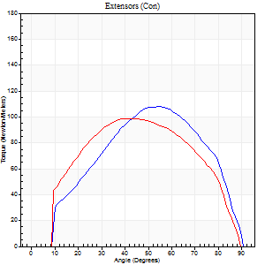
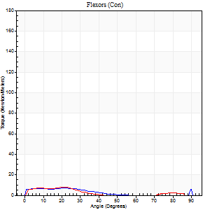
Right Side Curves Left Side Curves
Isokinetic Con/Con |  |  |  | Extensors (Con) |  | Flexors (Con)
Speed 120/120 d/s 3 Reps |  |  |  | Value | Cof Var | %BW | Value | Cof Var | %BW | Ratio

TORQUE PARAMETERS
Peak Torque (Newton-Meters - Best Repetition)
Right |  |  |  | 108 | 0.06 | 134 | 7 | 0.21 | 9 | 6
Left |  |  |  | 99 | 0.01 | 122 | 8 | 0.08 | 9 | 8
Deficit |  |  |  | 9 |  |  | 17
Work per Repetition (Newton-Meters - Best Repetition)
Right |  |  |  | 108 | 0.06 | 134 | 4 | 0.32 | 6 | 4
Left |  |  |  | 104 | 0.04 | 131 | 4 | 0.03 | 6 | 4
Deficit |  |  |  | 4 |  |  | 0
Average Power per Repetition (Watts - Best Repetition)
Right |  |  |  | 125 | 0.12 | 156 | 4 | 0.32 | 4 | 3
Left |  |  |  | 114 | 0.08 | 143 | 4 | 0.1 | 4 | 4
Deficit |  |  |  | 9 |  |  | 0
POSITION PARAMETERS
Joint Angle at Peak Torque (Degrees)
Right |  |  |  | 54 | 0.07 |  | 12 | 0.61
Left |  |  |  | 43 | 0.01 |  | 22 | 0.09
Range of Motion (Degrees)
Right |  |  |  | 1 | 0.74 |  | 90 | 0
Left |  |  |  | 0 | 0 |  | 90 | 0
TIME PARAMETERS
Time to Peak Torque (Seconds)
Right |  |  |  | 0.41 | 0.07 |  | 0.25 | 0.38
Left |  |  |  | 0.5 | 0.06 |  | 0.35 | 0.11
Time Peak Torque Held (Seconds)
Right |  |  |  | 0.03 | 0.22 |  | 0.01 | 1.73
Left |  |  |  | 0.03 | 0.46 |  | 0.02 | 0.92
Force Decay Time (Seconds)
Right |  |  |  | 0.51 | 0.25 |  | 0.86 | 0.16
Left |  |  |  | 0.39 | 0.11 |  | 0.87 | 0.21
Reciprocal Delay (Seconds)
Right |  |  |  | 0.36 | 0.18 |  | 0.19 | 0.23
Left |  |  |  | 0.19 | 0.33 |  | 0.2 | 0.19
Delay Time (Seconds)
Right |  |  |  | -0.05 | -0.13 |  | -0.04 | -0.9
Left |  |  |  | -0.02 | -0.28 |  | -0.05 | -0.25
HUMAC2015® Version: 15.000.0074 © Computer Sports Medicine, Inc. www.csmisolutions.com

Use File, Preference to set Report Heading
Long Form Torque vs. Position Report - Knee Extension/Flexion
Name: |  |  |  | TR030_FP3063, | ID: | TR030 | Right/Left: | 08.12.2023 08.12.2023
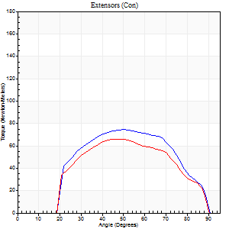
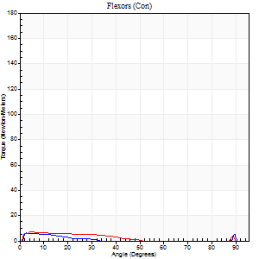
Right Side Curves Left Side Curves
Isokinetic Con/Con |  |  |  | Extensors (Con) |  | Flexors (Con)
Speed 240/240 d/s 3 Reps |  |  |  | Value | Cof Var | %BW | Value | Cof Var | %BW | Ratio

TORQUE PARAMETERS
Peak Torque (Newton-Meters - Best Repetition)
Right |  |  |  | 75 | 0.01 | 92 | 7 | 0.04 | 9 | 9
Left |  |  |  | 66 | 0.01 | 83 | 7 | 0.16 | 9 | 10
Deficit |  |  |  | 11 |  |  | 0
Work per Repetition (Newton-Meters - Best Repetition)
Right |  |  |  | 72 | 0.03 | 89 | 4 | 0.36 | 6 | 6
Left |  |  |  | 62 | 0.06 | 77 | 4 | 0.32 | 6 | 7
Deficit |  |  |  | 13 |  |  | 0
Average Power per Repetition (Watts - Best Repetition)
Right |  |  |  | 125 | 0.03 | 156 | 5 | 0.58 | 7 | 4
Left |  |  |  | 100 | 0.14 | 125 | 5 | 0.46 | 7 | 5
Deficit |  |  |  | 20 |  |  | 0
POSITION PARAMETERS
Joint Angle at Peak Torque (Degrees)
Right |  |  |  | 50 | 0.02 |  | 37 | 1.27
Left |  |  |  | 45 | 0.04 |  | 32 | 1.5
Range of Motion (Degrees)
Right |  |  |  | 1 | 0 |  | 90 | 0
Left |  |  |  | 0 | 0 |  | 90 | 0
TIME PARAMETERS
Time to Peak Torque (Seconds)
Right |  |  |  | 0.31 | 0.09 |  | 0.48 | 1.18
Left |  |  |  | 0.37 | 0.34 |  | 0.41 | 1.01
Time Peak Torque Held (Seconds)
Right |  |  |  | 0.01 | 1 |  | 0 | 0
Left |  |  |  | 0.01 | 0.87 |  | 0.01 | 1
Force Decay Time (Seconds)
Right |  |  |  | 0.25 | 0.02 |  | 0.48 | 0.97
Left |  |  |  | 0.26 | 0.02 |  | 0.49 | 0.87
Reciprocal Delay (Seconds)
Right |  |  |  | 0.38 | 0.04 |  | 0.06 | 0.29
Left |  |  |  | 0.09 | 0.07 |  | 0.14 | 0.38
Delay Time (Seconds)
Right |  |  |  | -0.07 | -0.2 |  | -0.02 | -0.35
Left |  |  |  | 0.08 | 2.36 |  | -0.07 | -0.38
HUMAC2015® Version: 15.000.0074 © Computer Sports Medicine, Inc. www.csmisolutions.com

Use File, Preference to set Report Heading
Isometric - Knee Extension/Flexion
Name: |  |  |  | TR030_FP3063, | ID: | TR030 | Right/Left: | 08.12.2023 08.12.2023

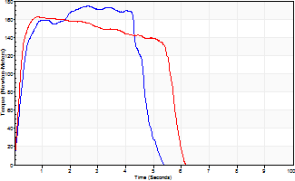
Isometric Extensors (Con) Angle 60 Time 10 Repetition 2 (Best Repetition)
 | Value | Cof Var | %BW
Peak Torque (Newton-Meters)
Right | 174 | 0.01 | 218
Left | 163 | 0.01 | 203
Deficit | 6
Average Torque (Newton-Meters)
Right | 85 | 0.12 | 107
Left | 83 | 0.05 | 104
Deficit | 3
Peak Torque Slope (Newton-Meters/Seconds)
Right | 66 | 0.12 | 83
Left | 193 | 0.17 | 241 |  | Right Side Curves Left Side Curves
Deficit | 66
Time to Half Peak Torque (Seconds)
Right | 0.26 | 0.05
Left | 0.18 | 0.04
Time to Peak Torque (Seconds)
Right | 2.82 | 0.11
Left | 0.94 | 0.17
HUMAC2015® Version: 15.000.0074 © Computer Sports Medicine, Inc. www.csmisolutions.com

