pre1
Use File, Preference to set Report Heading
Long Form Torque vs. Position Report - Knee Extension/Flexion
Name: |  |  |  | TR030_FP3064, | ID: | TR030 | Right/Left: | 26.09.2023 26.09.2023
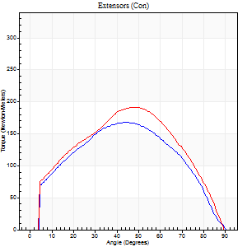
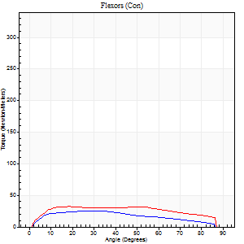
Right Side Curves Left Side Curves
Isokinetic Con/Con |  |  |  | Extensors (Con) |  | Flexors (Con)
Speed 60/60 d/s 3 Reps |  |  |  | Value | Cof Var | %BW | Value | Cof Var | %BW | Ratio

TORQUE PARAMETERS
Peak Torque (Newton-Meters - Best Repetition)
Right |  |  |  | 168 | 0.34 | 209 | 26 | 0.22 | 33 | 15
Left |  |  |  | 191 | 0.03 | 238 | 33 | 0.22 | 42 | 17
Deficit |  |  |  | 12 |  |  | 21
Work per Repetition (Newton-Meters - Best Repetition)
Right |  |  |  | 176 | 0.32 | 221 | 26 | 0.36 | 33 | 15
Left |  |  |  | 197 | 0.07 | 244 | 39 | 0.34 | 48 | 20
Deficit |  |  |  | 10 |  |  | 34
Average Power per Repetition (Watts - Best Repetition)
Right |  |  |  | 110 | 0.33 | 136 | 17 | 0.36 | 22 | 15
Left |  |  |  | 125 | 0.07 | 156 | 26 | 0.32 | 33 | 21
Deficit |  |  |  | 12 |  |  | 35
POSITION PARAMETERS
Joint Angle at Peak Torque (Degrees)
Right |  |  |  | 42 | 0.05 |  | 21 | 0.43
Left |  |  |  | 49 | 0.07 |  | 23 | 0.31
Range of Motion (Degrees)
Right |  |  |  | 0 | -0.47 |  | 90 | 0
Left |  |  |  | 0 | -1.41 |  | 90 | 0
TIME PARAMETERS
Time to Peak Torque (Seconds)
Right |  |  |  | 0.81 | 0.01 |  | 0.37 | 0.36
Left |  |  |  | 0.72 | 0.03 |  | 0.39 | 0.3
Time Peak Torque Held (Seconds)
Right |  |  |  | 0.13 | 1.12 |  | 0.04 | 1.5
Left |  |  |  | 0.05 | 0.25 |  | 0.04 | 0.71
Force Decay Time (Seconds)
Right |  |  |  | 0.63 | 0.29 |  | 1.12 | 0.15
Left |  |  |  | 0.81 | 0.06 |  | 1.07 | 0.12
Reciprocal Delay (Seconds)
Right |  |  |  | 0.16 | 0.23 |  | 0.29 | 0.12
Left |  |  |  | 0.15 | 0.05 |  | 0.18 | 0.48
Delay Time (Seconds)
Right |  |  |  | -0.02 | -0.28 |  | 0.03 | 0.57
Left |  |  |  | 0.01 | 0 |  | 0.02 | 0.49
HUMAC2015® Version: 15.000.0074 © Computer Sports Medicine, Inc. www.csmisolutions.com

Use File, Preference to set Report Heading
Long Form Torque vs. Position Report - Knee Extension/Flexion
Name: |  |  |  | TR030_FP3064, | ID: | TR030 | Right/Left: | 26.09.2023 26.09.2023
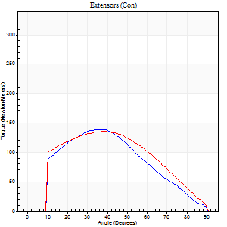
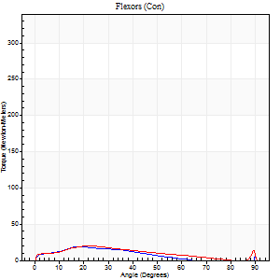
Right Side Curves Left Side Curves
Isokinetic Con/Con |  |  |  | Extensors (Con) |  | Flexors (Con)
Speed 120/120 d/s 3 Reps |  |  |  | Value | Cof Var | %BW | Value | Cof Var | %BW | Ratio

TORQUE PARAMETERS
Peak Torque (Newton-Meters - Best Repetition)
Right |  |  |  | 138 | 0.22 | 173 | 19 | 0.09 | 24 | 14
Left |  |  |  | 136 | 0.15 | 170 | 20 | 0.26 | 27 | 15
Deficit |  |  |  | 2 |  |  | 7
Work per Repetition (Newton-Meters - Best Repetition)
Right |  |  |  | 125 | 0.24 | 155 | 14 | 0.13 | 18 | 11
Left |  |  |  | 137 | 0.11 | 170 | 16 | 0.29 | 21 | 12
Deficit |  |  |  | 9 |  |  | 17
Average Power per Repetition (Watts - Best Repetition)
Right |  |  |  | 128 | 0.23 | 160 | 15 | 0.12 | 20 | 12
Left |  |  |  | 150 | 0.1 | 187 | 18 | 0.32 | 22 | 12
Deficit |  |  |  | 15 |  |  | 17
POSITION PARAMETERS
Joint Angle at Peak Torque (Degrees)
Right |  |  |  | 28 | 0.32 |  | 18 | 0.1
Left |  |  |  | 44 | 0.26 |  | 20 | 0.09
Range of Motion (Degrees)
Right |  |  |  | 0 | 0 |  | 90 | 0
Left |  |  |  | 0 | 0 |  | 90 | 0
TIME PARAMETERS
Time to Peak Torque (Seconds)
Right |  |  |  | 0.63 | 0.12 |  | 0.23 | 0.15
Left |  |  |  | 0.5 | 0 |  | 0.25 | 0.09
Time Peak Torque Held (Seconds)
Right |  |  |  | 0.03 | 0.43 |  | 0.01 | 0.87
Left |  |  |  | 0.04 | 0.53 |  | 0.02 | 1.25
Force Decay Time (Seconds)
Right |  |  |  | 0.3 | 0.23 |  | 0.68 | 0.14
Left |  |  |  | 0.41 | 0.18 |  | 0.66 | 0.06
Reciprocal Delay (Seconds)
Right |  |  |  | 0.28 | 0.27 |  | 0.34 | 0.12
Left |  |  |  | 0.43 | 0.12 |  | 0.32 | 0.02
Delay Time (Seconds)
Right |  |  |  | -0.04 | -0.35 |  | 0.01 | 0
Left |  |  |  | -0.02 | 0 |  | 0 | 3.46
HUMAC2015® Version: 15.000.0074 © Computer Sports Medicine, Inc. www.csmisolutions.com

Use File, Preference to set Report Heading
Long Form Torque vs. Position Report - Knee Extension/Flexion
Name: |  |  |  | TR030_FP3064, | ID: | TR030 | Right/Left: | 26.09.2023 26.09.2023
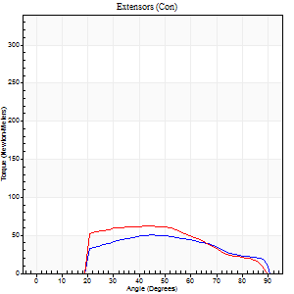
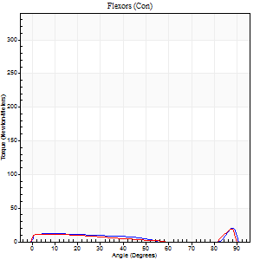
Right Side Curves Left Side Curves
Isokinetic Con/Con |  |  |  | Extensors (Con) |  | Flexors (Con)
Speed 240/240 d/s 3 Reps |  |  |  | Value | Cof Var | %BW | Value | Cof Var | %BW | Ratio

TORQUE PARAMETERS
Peak Torque (Newton-Meters - Best Repetition)
Right |  |  |  | 50 | 0.33 | 63 | 24 | 0.48 | 30 | 49
Left |  |  |  | 62 | 0.37 | 77 | 19 | 0.38 | 24 | 30
Deficit |  |  |  | 20 |  |  | 22
Work per Repetition (Newton-Meters - Best Repetition)
Right |  |  |  | 47 | 0.32 | 60 | 9 | 0.43 | 12 | 20
Left |  |  |  | 56 | 0.45 | 69 | 8 | 0.39 | 9 | 15
Deficit |  |  |  | 15 |  |  | 14
Average Power per Repetition (Watts - Best Repetition)
Right |  |  |  | 76 | 0.36 | 95 | 15 | 0.49 | 20 | 20
Left |  |  |  | 88 | 0.45 | 110 | 14 | 0.87 | 18 | 16
Deficit |  |  |  | 14 |  |  | 7
POSITION PARAMETERS
Joint Angle at Peak Torque (Degrees)
Right |  |  |  | 50 | 0.09 |  | 62 | 0.79
Left |  |  |  | 60 | 0.37 |  | 59 | 0.84
Range of Motion (Degrees)
Right |  |  |  | 0 | -1.41 |  | 90 | 0
Left |  |  |  | 0 | 0 |  | 89 | 0.01
TIME PARAMETERS
Time to Peak Torque (Seconds)
Right |  |  |  | 0.29 | 0.05 |  | 0.57 | 0.69
Left |  |  |  | 0.3 | 0.12 |  | 0.43 | 0.69
Time Peak Torque Held (Seconds)
Right |  |  |  | 0 | 1.73 |  | 0 | 0
Left |  |  |  | 0.01 | 0.87 |  | 0 | 1.73
Force Decay Time (Seconds)
Right |  |  |  | 0.34 | 0.1 |  | 0.13 | 3.24
Left |  |  |  | 0.39 | 0.35 |  | 3.03 | 1.71
Reciprocal Delay (Seconds)
Right |  |  |  | 0.25 | 0.03 |  | 0.34 | 0.12
Left |  |  |  | 0.09 | 0.07 |  | 0.43 | 0.29
Delay Time (Seconds)
Right |  |  |  | -0.03 | 0 |  | 0 | 0
Left |  |  |  | -0.02 | 0 |  | -0.03 | -0.22
HUMAC2015® Version: 15.000.0074 © Computer Sports Medicine, Inc. www.csmisolutions.com

Use File, Preference to set Report Heading
Isometric - Knee Extension/Flexion
Name: |  |  |  | TR030_FP3064, | ID: | TR030 | Right/Left: | 26.09.2023 26.09.2023

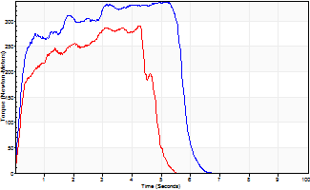
Isometric Extensors (Con) Angle 60 Time 10 Repetition 2 (Best Repetition)
 | Value | Cof Var | %BW
Peak Torque (Newton-Meters)
Right | 339 | 0.03 | 423
Left | 290 | 0.03 | 364
Deficit | 14
Average Torque (Newton-Meters)
Right | 172 | 0.03 | 215
Left | 115 | 0.05 | 143
Deficit | 33
Peak Torque Slope (Newton-Meters/Seconds)
Right | 66 | 0.05 | 82
Left | 90 | 0.19 | 112 |  | Right Side Curves Left Side Curves
Deficit | 27
Time to Half Peak Torque (Seconds)
Right | 0.41 | 0.66
Left | 0.24 | 0.06
Time to Peak Torque (Seconds)
Right | 5.18 | 0.02
Left | 3.68 | 0.22
HUMAC2015® Version: 15.000.0074 © Computer Sports Medicine, Inc. www.csmisolutions.com

pre2
Use File, Preference to set Report Heading
Long Form Torque vs. Position Report - Knee Extension/Flexion
Name: |  |  |  | TR030_FP3064, | ID: | TR030 | Right/Left: | 05.10.2023 05.10.2023
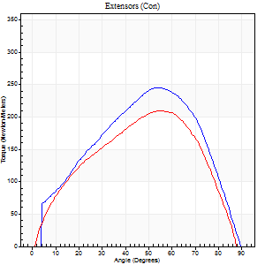
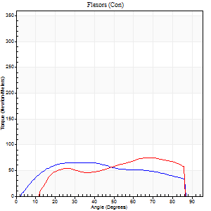
Right Side Curves Left Side Curves
Isokinetic Con/Con |  |  |  | Extensors (Con) |  | Flexors (Con)
Speed 60/60 d/s 3 Reps |  |  |  | Value | Cof Var | %BW | Value | Cof Var | %BW | Ratio

TORQUE PARAMETERS
Peak Torque (Newton-Meters - Best Repetition)
Right |  |  |  | 245 | 0.11 | 307 | 65 | 0.33 | 80 | 27
Left |  |  |  | 209 | 0.05 | 262 | 75 | 0.54 | 92 | 36
Deficit |  |  |  | 15 |  |  | 13
Work per Repetition (Newton-Meters - Best Repetition)
Right |  |  |  | 243 | 0.12 | 304 | 73 | 0.32 | 92 | 30
Left |  |  |  | 210 | 0.05 | 262 | 73 | 0.56 | 92 | 35
Deficit |  |  |  | 13 |  |  | 0
Average Power per Repetition (Watts - Best Repetition)
Right |  |  |  | 156 | 0.11 | 196 | 49 | 0.31 | 62 | 31
Left |  |  |  | 143 | 0.06 | 178 | 55 | 0.59 | 68 | 38
Deficit |  |  |  | 8 |  |  | 11
POSITION PARAMETERS
Joint Angle at Peak Torque (Degrees)
Right |  |  |  | 51 | 0.04 |  | 32 | 0.39
Left |  |  |  | 53 | 0.05 |  | 45 | 0.51
Range of Motion (Degrees)
Right |  |  |  | 0 | 0 |  | 90 | 0
Left |  |  |  | 1 | 1.41 |  | 90 | 0
TIME PARAMETERS
Time to Peak Torque (Seconds)
Right |  |  |  | 0.63 | 0.08 |  | 0.51 | 0.42
Left |  |  |  | 0.6 | 0.12 |  | 0.68 | 0.44
Time Peak Torque Held (Seconds)
Right |  |  |  | 0.04 | 0.27 |  | 0.02 | 1.38
Left |  |  |  | 0.07 | 0.29 |  | 0.04 | 1.04
Force Decay Time (Seconds)
Right |  |  |  | 0.85 | 0.07 |  | 0.96 | 0.26
Left |  |  |  | 0.78 | 0.12 |  | 0.72 | 0.49
Reciprocal Delay (Seconds)
Right |  |  |  | 0.14 | 0.1 |  | 0.18 | 0.41
Left |  |  |  | 0.1 | 0.34 |  | 0.1 | 0.69
Delay Time (Seconds)
Right |  |  |  | 0.01 | 0 |  | 0.04 | 0.35
Left |  |  |  | 0.04 | 0.35 |  | 0.02 | 1
HUMAC2015® Version: 15.000.0074 © Computer Sports Medicine, Inc. www.csmisolutions.com

Use File, Preference to set Report Heading
Long Form Torque vs. Position Report - Knee Extension/Flexion
Name: |  |  |  | TR030_FP3064, | ID: | TR030 | Right/Left: | 05.10.2023 05.10.2023
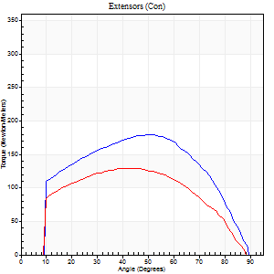
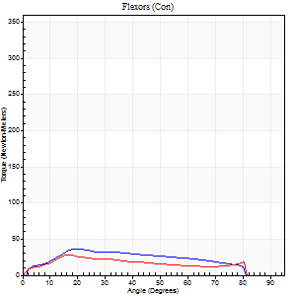
Right Side Curves Left Side Curves
Isokinetic Con/Con |  |  |  | Extensors (Con) |  | Flexors (Con)
Speed 120/120 d/s 3 Reps |  |  |  | Value | Cof Var | %BW | Value | Cof Var | %BW | Ratio

TORQUE PARAMETERS
Peak Torque (Newton-Meters - Best Repetition)
Right |  |  |  | 179 | 0.01 | 224 | 37 | 0.17 | 45 | 20
Left |  |  |  | 129 | 0.02 | 161 | 28 | 0.2 | 36 | 22
Deficit |  |  |  | 28 |  |  | 22
Work per Repetition (Newton-Meters - Best Repetition)
Right |  |  |  | 190 | 0.05 | 238 | 34 | 0.21 | 42 | 18
Left |  |  |  | 136 | 0.03 | 170 | 24 | 0.35 | 30 | 18
Deficit |  |  |  | 29 |  |  | 28
Average Power per Repetition (Watts - Best Repetition)
Right |  |  |  | 232 | 0.08 | 290 | 40 | 0.17 | 51 | 17
Left |  |  |  | 168 | 0.05 | 209 | 29 | 0.36 | 35 | 17
Deficit |  |  |  | 28 |  |  | 28
POSITION PARAMETERS
Joint Angle at Peak Torque (Degrees)
Right |  |  |  | 49 | 0.07 |  | 20 | 0.05
Left |  |  |  | 46 | 0.06 |  | 18 | 0.05
Range of Motion (Degrees)
Right |  |  |  | 0 | 0.66 |  | 90 | 0
Left |  |  |  | 0 | 0.71 |  | 90 | 0.01
TIME PARAMETERS
Time to Peak Torque (Seconds)
Right |  |  |  | 0.39 | 0.15 |  | 0.2 | 0.03
Left |  |  |  | 0.39 | 0.04 |  | 0.21 | 0.14
Time Peak Torque Held (Seconds)
Right |  |  |  | 0.03 | 0.17 |  | 0 | 1.73
Left |  |  |  | 0.05 | 0.45 |  | 0.01 | 0.87
Force Decay Time (Seconds)
Right |  |  |  | 0.42 | 0.02 |  | 0.61 | 0.04
Left |  |  |  | 0.38 | 0.05 |  | 0.61 | 0.03
Reciprocal Delay (Seconds)
Right |  |  |  | 0.1 | 0.34 |  | 0.15 | 0.16
Left |  |  |  | 0.06 | 0 |  | 0.12 | 0.36
Delay Time (Seconds)
Right |  |  |  | -0.01 | -1.41 |  | 0.02 | 0.65
Left |  |  |  | 0.01 | 0 |  | -0.01 | -2.29
HUMAC2015® Version: 15.000.0074 © Computer Sports Medicine, Inc. www.csmisolutions.com

Use File, Preference to set Report Heading
Long Form Torque vs. Position Report - Knee Extension/Flexion
Name: |  |  |  | TR030_FP3064, | ID: | TR030 | Right/Left: | 05.10.2023 05.10.2023
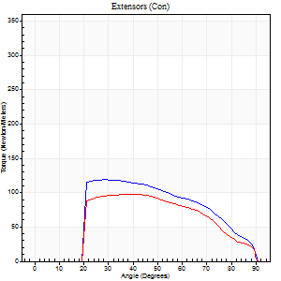
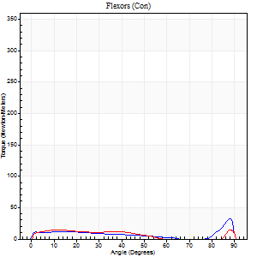
Right Side Curves Left Side Curves
Isokinetic Con/Con |  |  |  | Extensors (Con) |  | Flexors (Con)
Speed 240/240 d/s 3 Reps |  |  |  | Value | Cof Var | %BW | Value | Cof Var | %BW | Ratio

TORQUE PARAMETERS
Peak Torque (Newton-Meters - Best Repetition)
Right |  |  |  | 119 | 0.06 | 149 | 33 | 0.58 | 42 | 27
Left |  |  |  | 98 | 0.81 | 122 | 31 | 0.77 | 39 | 32
Deficit |  |  |  | 18 |  |  | 4
Work per Repetition (Newton-Meters - Best Repetition)
Right |  |  |  | 110 | 0.08 | 137 | 16 | 0.43 | 21 | 15
Left |  |  |  | 91 | 0.91 | 113 | 11 | 0.79 | 15 | 12
Deficit |  |  |  | 17 |  |  | 33
Average Power per Repetition (Watts - Best Repetition)
Right |  |  |  | 188 | 0.08 | 235 | 26 | 0.47 | 33 | 14
Left |  |  |  | 159 | 0.93 | 198 | 17 | 0.7 | 22 | 11
Deficit |  |  |  | 15 |  |  | 35
POSITION PARAMETERS
Joint Angle at Peak Torque (Degrees)
Right |  |  |  | 32 | 0.11 |  | 46 | 0.86
Left |  |  |  | 57 | 0.49 |  | 60 | 0.66
Range of Motion (Degrees)
Right |  |  |  | 0 | 0 |  | 90 | 0
Left |  |  |  | 0 | -0.28 |  | 90 | 0
TIME PARAMETERS
Time to Peak Torque (Seconds)
Right |  |  |  | 0.32 | 0.07 |  | 0.34 | 0.61
Left |  |  |  | 0.3 | 0.07 |  | 0.32 | 1.12
Time Peak Torque Held (Seconds)
Right |  |  |  | 0.02 | 0 |  | 0.02 | 0.87
Left |  |  |  | 0.01 | 0.87 |  | 0 | 1.73
Force Decay Time (Seconds)
Right |  |  |  | 0.22 | 0.07 |  | 0.27 | 0.6
Left |  |  |  | 0.31 | 0.25 |  | 0.2 | 1.35
Reciprocal Delay (Seconds)
Right |  |  |  | 0.19 | 0.11 |  | 0.26 | 0.33
Left |  |  |  | 0.2 | 0.59 |  | 0.19 | 0.46
Delay Time (Seconds)
Right |  |  |  | -0.02 | 0 |  | 0 | 9.64
Left |  |  |  | -0.01 | -0.47 |  | -0.02 | -1.32
HUMAC2015® Version: 15.000.0074 © Computer Sports Medicine, Inc. www.csmisolutions.com

Use File, Preference to set Report Heading
Isometric - Knee Extension/Flexion
Name: |  |  |  | TR030_FP3064, | ID: | TR030 | Right/Left: | 05.10.2023 05.10.2023

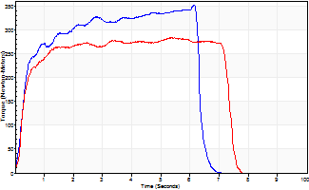
Isometric Extensors (Con) Angle 60 Time 10 Repetition 2 (Best Repetition)
 | Value | Cof Var | %BW
Peak Torque (Newton-Meters)
Right | 351 | 0.02 | 438
Left | 283 | 0 | 355
Deficit | 19
Average Torque (Newton-Meters)
Right | 239 | 0.16 | 298
Left | 190 | 0.17 | 238
Deficit | 20
Peak Torque Slope (Newton-Meters/Seconds)
Right | 57 | 0.13 | 71
Left | 71 | 0.23 | 89 |  | Right Side Curves Left Side Curves
Deficit | 20
Time to Half Peak Torque (Seconds)
Right | 0.26 | 0.38
Left | 0.25 | 0.17
Time to Peak Torque (Seconds)
Right | 6.64 | 0.11
Left | 4.7 | 0.23
HUMAC2015® Version: 15.000.0074 © Computer Sports Medicine, Inc. www.csmisolutions.com

mid1
Use File, Preference to set Report Heading
Long Form Torque vs. Position Report - Knee Extension/Flexion
Name: |  |  |  | TR030_FP3064, | ID: | TR030 | Right/Left: | 07.11.2023 07.11.2023
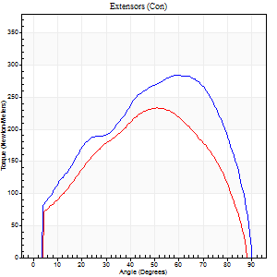
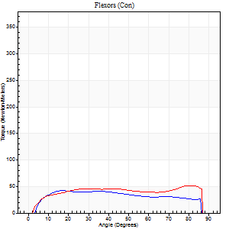
Right Side Curves Left Side Curves
Isokinetic Con/Con |  |  |  | Extensors (Con) |  | Flexors (Con)
Speed 60/60 d/s 3 Reps |  |  |  | Value | Cof Var | %BW | Value | Cof Var | %BW | Ratio

TORQUE PARAMETERS
Peak Torque (Newton-Meters - Best Repetition)
Right |  |  |  | 285 | 0.07 | 355 | 42 | 0.31 | 54 | 15
Left |  |  |  | 233 | 0.01 | 292 | 52 | 0.43 | 66 | 22
Deficit |  |  |  | 18 |  |  | 18
Work per Repetition (Newton-Meters - Best Repetition)
Right |  |  |  | 308 | 0.1 | 384 | 49 | 0.5 | 60 | 16
Left |  |  |  | 240 | 0.03 | 301 | 61 | 0.57 | 77 | 25
Deficit |  |  |  | 22 |  |  | 20
Average Power per Repetition (Watts - Best Repetition)
Right |  |  |  | 197 | 0.11 | 246 | 33 | 0.81 | 42 | 17
Left |  |  |  | 159 | 0.03 | 198 | 41 | 0.58 | 51 | 26
Deficit |  |  |  | 19 |  |  | 20
POSITION PARAMETERS
Joint Angle at Peak Torque (Degrees)
Right |  |  |  | 51 | 0.15 |  | 21 | 0.59
Left |  |  |  | 54 | 0.1 |  | 60 | 0.68
Range of Motion (Degrees)
Right |  |  |  | 0 | -1.41 |  | 90 | 0
Left |  |  |  | 0 | 0.76 |  | 90 | 0.01
TIME PARAMETERS
Time to Peak Torque (Seconds)
Right |  |  |  | 0.71 | 0.12 |  | 0.31 | 0.7
Left |  |  |  | 0.62 | 0 |  | 1 | 0.66
Time Peak Torque Held (Seconds)
Right |  |  |  | 0.05 | 0.35 |  | 1.3 | 1.7
Left |  |  |  | 0.04 | 0 |  | 0.01 | 1.15
Force Decay Time (Seconds)
Right |  |  |  | 0.85 | 0.14 |  | 0.8 | 1.02
Left |  |  |  | 0.88 | 0.08 |  | 0.5 | 1.42
Reciprocal Delay (Seconds)
Right |  |  |  | 0.32 | 0.67 |  | 0.17 | 0.18
Left |  |  |  | 0.06 | 0 |  | 0.11 | 0.67
Delay Time (Seconds)
Right |  |  |  | 0.01 | 0.47 |  | 0.07 | 0.38
Left |  |  |  | 0.02 | 0.28 |  | 0.01 | 1.15
HUMAC2015® Version: 15.000.0074 © Computer Sports Medicine, Inc. www.csmisolutions.com

Use File, Preference to set Report Heading
Long Form Torque vs. Position Report - Knee Extension/Flexion
Name: |  |  |  | TR030_FP3064, | ID: | TR030 | Right/Left: | 07.11.2023 07.11.2023
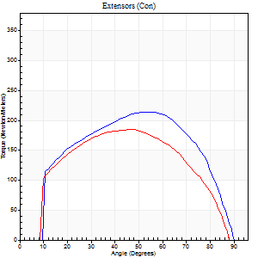
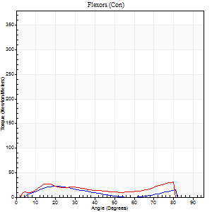
Right Side Curves Left Side Curves
Isokinetic Con/Con |  |  |  | Extensors (Con) |  | Flexors (Con)
Speed 120/120 d/s 3 Reps |  |  |  | Value | Cof Var | %BW | Value | Cof Var | %BW | Ratio

TORQUE PARAMETERS
Peak Torque (Newton-Meters - Best Repetition)
Right |  |  |  | 214 | 0.07 | 268 | 22 | 0.11 | 27 | 10
Left |  |  |  | 184 | 0.05 | 229 | 31 | 0.44 | 39 | 17
Deficit |  |  |  | 14 |  |  | 30
Work per Repetition (Newton-Meters - Best Repetition)
Right |  |  |  | 231 | 0.08 | 289 | 16 | 0.1 | 21 | 7
Left |  |  |  | 195 | 0.06 | 244 | 23 | 0.59 | 30 | 12
Deficit |  |  |  | 15 |  |  | 29
Average Power per Repetition (Watts - Best Repetition)
Right |  |  |  | 287 | 0.1 | 358 | 19 | 0.11 | 24 | 7
Left |  |  |  | 250 | 0.09 | 312 | 30 | 0.74 | 37 | 12
Deficit |  |  |  | 13 |  |  | 37
POSITION PARAMETERS
Joint Angle at Peak Torque (Degrees)
Right |  |  |  | 48 | 0.12 |  | 20 | 0.06
Left |  |  |  | 46 | 0.03 |  | 39 | 0.93
Range of Motion (Degrees)
Right |  |  |  | 1 | 0.74 |  | 90 | 0
Left |  |  |  | 1 | 1.14 |  | 89 | 0.01
TIME PARAMETERS
Time to Peak Torque (Seconds)
Right |  |  |  | 0.38 | 0.17 |  | 0.18 | 0.24
Left |  |  |  | 0.37 | 0.02 |  | 0.38 | 0.68
Time Peak Torque Held (Seconds)
Right |  |  |  | 0.03 | 0.46 |  | 0.01 | 1.73
Left |  |  |  | 0.05 | 0.12 |  | 0 | 0
Force Decay Time (Seconds)
Right |  |  |  | 0.4 | 0.07 |  | 0.63 | 0.02
Left |  |  |  | 0.38 | 0.07 |  | 0.63 | 0.86
Reciprocal Delay (Seconds)
Right |  |  |  | 0.15 | 0.38 |  | 0.1 | 0.56
Left |  |  |  | 0.05 | 0.13 |  | 0.12 | 0.96
Delay Time (Seconds)
Right |  |  |  | 0.01 | 0 |  | 0.04 | 1.35
Left |  |  |  | 0.02 | 0.71 |  | -0.01 | -5.68
HUMAC2015® Version: 15.000.0074 © Computer Sports Medicine, Inc. www.csmisolutions.com

Use File, Preference to set Report Heading
Long Form Torque vs. Position Report - Knee Extension/Flexion
Name: |  |  |  | TR030_FP3064, | ID: | TR030 | Right/Left: | 07.11.2023 07.11.2023
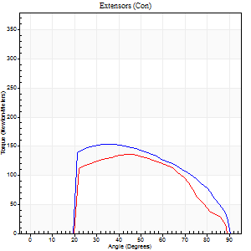
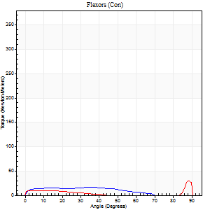
Right Side Curves Left Side Curves
Isokinetic Con/Con |  |  |  | Extensors (Con) |  | Flexors (Con)
Speed 240/240 d/s 3 Reps |  |  |  | Value | Cof Var | %BW | Value | Cof Var | %BW | Ratio

TORQUE PARAMETERS
Peak Torque (Newton-Meters - Best Repetition)
Right |  |  |  | 153 | 0.04 | 191 | 16 | 0.23 | 21 | 11
Left |  |  |  | 136 | 0.1 | 170 | 30 | 0.56 | 36 | 22
Deficit |  |  |  | 12 |  |  | 45
Work per Repetition (Newton-Meters - Best Repetition)
Right |  |  |  | 146 | 0.05 | 182 | 15 | 0.27 | 18 | 10
Left |  |  |  | 122 | 0.11 | 152 | 7 | 0.39 | 9 | 6
Deficit |  |  |  | 17 |  |  | 55
Average Power per Repetition (Watts - Best Repetition)
Right |  |  |  | 272 | 0.08 | 341 | 24 | 0.23 | 31 | 9
Left |  |  |  | 215 | 0.13 | 268 | 9 | 0.57 | 11 | 4
Deficit |  |  |  | 21 |  |  | 63
POSITION PARAMETERS
Joint Angle at Peak Torque (Degrees)
Right |  |  |  | 39 | 0.12 |  | 24 | 0.66
Left |  |  |  | 43 | 0.03 |  | 60 | 0.81
Range of Motion (Degrees)
Right |  |  |  | 0 | 0.85 |  | 90 | 0
Left |  |  |  | 0 | 0.47 |  | 90 | 0.01
TIME PARAMETERS
Time to Peak Torque (Seconds)
Right |  |  |  | 0.28 | 0.03 |  | 0.19 | 0.51
Left |  |  |  | 0.28 | 0.03 |  | 0.53 | 0.66
Time Peak Torque Held (Seconds)
Right |  |  |  | 0.02 | 0.5 |  | 0.02 | 0.5
Left |  |  |  | 0 | 0 |  | 0 | 1.73
Force Decay Time (Seconds)
Right |  |  |  | 0.26 | 0.08 |  | 0.36 | 0.22
Left |  |  |  | 0.29 | 0.02 |  | 0.38 | 1.55
Reciprocal Delay (Seconds)
Right |  |  |  | 0.1 | 0.14 |  | 0.13 | 0.37
Left |  |  |  | 0.15 | 0.38 |  | 0.18 | 0.28
Delay Time (Seconds)
Right |  |  |  | -0.01 | 0 |  | 0.01 | 3.12
Left |  |  |  | -0.01 | -1.41 |  | -0.03 | 0
HUMAC2015® Version: 15.000.0074 © Computer Sports Medicine, Inc. www.csmisolutions.com

Use File, Preference to set Report Heading
Isometric - Knee Extension/Flexion
Name: |  |  |  | TR030_FP3064, | ID: | TR030 | Right/Left: | 07.11.2023 07.11.2023

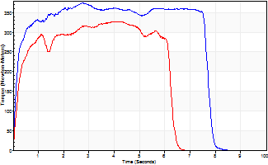
Isometric Extensors (Con) Angle 60 Time 10 Repetition 2 (Best Repetition)
 | Value | Cof Var | %BW
Peak Torque (Newton-Meters)
Right | 374 | 0.05 | 468
Left | 327 | 0 | 408
Deficit | 13
Average Torque (Newton-Meters)
Right | 266 | 0.22 | 331
Left | 224 | 0.15 | 280
Deficit | 16
Peak Torque Slope (Newton-Meters/Seconds)
Right | 136 | 0.32 | 170
Left | 80 | 0.25 | 100 |  | Right Side Curves Left Side Curves
Deficit | 41
Time to Half Peak Torque (Seconds)
Right | 0.18 | 0.24
Left | 0.19 | 0.27
Time to Peak Torque (Seconds)
Right | 3.4 | 0.27
Left | 4.93 | 0.25
HUMAC2015® Version: 15.000.0074 © Computer Sports Medicine, Inc. www.csmisolutions.com

mid2
Use File, Preference to set Report Heading
Long Form Torque vs. Position Report - Knee Extension/Flexion
Name: |  |  |  | TR030_FP3064, | ID: | TR030 | Right/Left: | 10.11.2023 10.11.2023
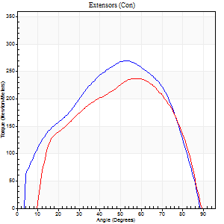
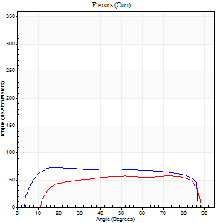
Right Side Curves Left Side Curves
Isokinetic Con/Con |  |  |  | Extensors (Con) |  | Flexors (Con)
Speed 60/60 d/s 3 Reps |  |  |  | Value | Cof Var | %BW | Value | Cof Var | %BW | Ratio

TORQUE PARAMETERS
Peak Torque (Newton-Meters - Best Repetition)
Right |  |  |  | 270 | 0.02 | 337 | 73 | 0.54 | 92 | 27
Left |  |  |  | 237 | 0.04 | 295 | 57 | 0.49 | 72 | 24
Deficit |  |  |  | 12 |  |  | 22
Work per Repetition (Newton-Meters - Best Repetition)
Right |  |  |  | 278 | 0.02 | 346 | 95 | 0.62 | 119 | 34
Left |  |  |  | 237 | 0.02 | 295 | 68 | 0.62 | 83 | 29
Deficit |  |  |  | 15 |  |  | 29
Average Power per Repetition (Watts - Best Repetition)
Right |  |  |  | 185 | 0.02 | 231 | 64 | 0.63 | 79 | 35
Left |  |  |  | 175 | 0.07 | 218 | 51 | 0.72 | 64 | 29
Deficit |  |  |  | 5 |  |  | 20
POSITION PARAMETERS
Joint Angle at Peak Torque (Degrees)
Right |  |  |  | 56 | 0.07 |  | 21 | 0.47
Left |  |  |  | 54 | 0.08 |  | 56 | 0.64
Range of Motion (Degrees)
Right |  |  |  | 1 | 0.14 |  | 90 | 0
Left |  |  |  | 1 | 0.73 |  | 89 | 0.01
TIME PARAMETERS
Time to Peak Torque (Seconds)
Right |  |  |  | 0.58 | 0.02 |  | 0.32 | 0.46
Left |  |  |  | 0.6 | 0.06 |  | 0.9 | 0.59
Time Peak Torque Held (Seconds)
Right |  |  |  | 0.05 | 0.12 |  | 0.07 | 0.61
Left |  |  |  | 0.05 | 0.47 |  | 0.02 | 0.89
Force Decay Time (Seconds)
Right |  |  |  | 0.89 | 0.06 |  | 1.09 | 0.2
Left |  |  |  | 0.81 | 0.07 |  | 0.63 | 1.2
Reciprocal Delay (Seconds)
Right |  |  |  | 0.06 | 0.11 |  | 0.09 | 0.55
Left |  |  |  | 0.05 | 0.28 |  | 0.09 | 0.53
Delay Time (Seconds)
Right |  |  |  | 0.02 | 0 |  | 0.04 | 0.5
Left |  |  |  | 0.02 | 0.71 |  | 0 | 0
HUMAC2015® Version: 15.000.0074 © Computer Sports Medicine, Inc. www.csmisolutions.com

Use File, Preference to set Report Heading
Long Form Torque vs. Position Report - Knee Extension/Flexion
Name: |  |  |  | TR030_FP3064, | ID: | TR030 | Right/Left: | 10.11.2023 10.11.2023
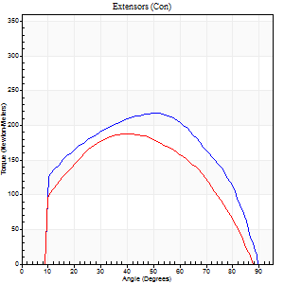
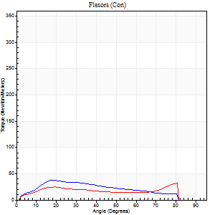
Right Side Curves Left Side Curves
Isokinetic Con/Con |  |  |  | Extensors (Con) |  | Flexors (Con)
Speed 120/120 d/s 3 Reps |  |  |  | Value | Cof Var | %BW | Value | Cof Var | %BW | Ratio

TORQUE PARAMETERS
Peak Torque (Newton-Meters - Best Repetition)
Right |  |  |  | 217 | 0.04 | 271 | 38 | 0.31 | 48 | 18
Left |  |  |  | 187 | 0.02 | 232 | 33 | 0.57 | 42 | 17
Deficit |  |  |  | 14 |  |  | 14
Work per Repetition (Newton-Meters - Best Repetition)
Right |  |  |  | 235 | 0.05 | 292 | 35 | 0.51 | 45 | 15
Left |  |  |  | 190 | 0.03 | 238 | 30 | 0.76 | 36 | 16
Deficit |  |  |  | 19 |  |  | 15
Average Power per Repetition (Watts - Best Repetition)
Right |  |  |  | 287 | 0.05 | 358 | 41 | 0.61 | 51 | 14
Left |  |  |  | 241 | 0.05 | 301 | 36 | 0.8 | 44 | 15
Deficit |  |  |  | 16 |  |  | 12
POSITION PARAMETERS
Joint Angle at Peak Torque (Degrees)
Right |  |  |  | 51 | 0.02 |  | 19 | 0.05
Left |  |  |  | 42 | 0.1 |  | 54 | 0.83
Range of Motion (Degrees)
Right |  |  |  | 1 | 0.15 |  | 90 | 0
Left |  |  |  | 1 | 0.67 |  | 89 | 0.01
TIME PARAMETERS
Time to Peak Torque (Seconds)
Right |  |  |  | 0.34 | 0.02 |  | 0.19 | 0.03
Left |  |  |  | 0.42 | 0.03 |  | 0.5 | 0.76
Time Peak Torque Held (Seconds)
Right |  |  |  | 0.06 | 0.54 |  | 0.01 | 0
Left |  |  |  | 0.02 | 0.65 |  | 0.01 | 1.73
Force Decay Time (Seconds)
Right |  |  |  | 0.4 | 0.09 |  | 0.78 | 0.3
Left |  |  |  | 0.38 | 0.11 |  | 0.45 | 1.36
Reciprocal Delay (Seconds)
Right |  |  |  | 0.11 | 0 |  | 0.12 | 0.1
Left |  |  |  | 0.05 | 0.39 |  | 0.11 | 0.22
Delay Time (Seconds)
Right |  |  |  | 0 | 0 |  | 0.02 | 0.87
Left |  |  |  | 0.01 | 0.47 |  | 0 | 0
HUMAC2015® Version: 15.000.0074 © Computer Sports Medicine, Inc. www.csmisolutions.com

Use File, Preference to set Report Heading
Long Form Torque vs. Position Report - Knee Extension/Flexion
Name: |  |  |  | TR030_FP3064, | ID: | TR030 | Right/Left: | 10.11.2023 10.11.2023
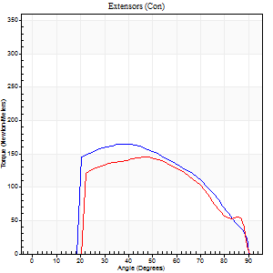
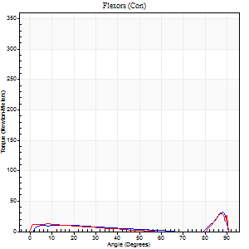
Right Side Curves Left Side Curves
Isokinetic Con/Con |  |  |  | Extensors (Con) |  | Flexors (Con)
Speed 240/240 d/s 3 Reps |  |  |  | Value | Cof Var | %BW | Value | Cof Var | %BW | Ratio

TORQUE PARAMETERS
Peak Torque (Newton-Meters - Best Repetition)
Right |  |  |  | 164 | 0.1 | 206 | 31 | 0.71 | 39 | 19
Left |  |  |  | 145 | 0.02 | 182 | 34 | 0.65 | 42 | 23
Deficit |  |  |  | 12 |  |  | 8
Work per Repetition (Newton-Meters - Best Repetition)
Right |  |  |  | 155 | 0.11 | 194 | 12 | 0.57 | 15 | 8
Left |  |  |  | 136 | 0.03 | 170 | 12 | 0.52 | 15 | 9
Deficit |  |  |  | 12 |  |  | 0
Average Power per Repetition (Watts - Best Repetition)
Right |  |  |  | 298 | 0.11 | 371 | 20 | 0.64 | 24 | 7
Left |  |  |  | 239 | 0.01 | 299 | 20 | 0.67 | 24 | 8
Deficit |  |  |  | 20 |  |  | 0
POSITION PARAMETERS
Joint Angle at Peak Torque (Degrees)
Right |  |  |  | 37 | 0.04 |  | 44 | 0.93
Left |  |  |  | 45 | 0.07 |  | 44 | 1
Range of Motion (Degrees)
Right |  |  |  | 0 | 0.71 |  | 90 | 0
Left |  |  |  | 0 | 0.61 |  | 90 | 0
TIME PARAMETERS
Time to Peak Torque (Seconds)
Right |  |  |  | 0.28 | 0.03 |  | 0.33 | 0.6
Left |  |  |  | 0.25 | 0.06 |  | 0.36 | 0.84
Time Peak Torque Held (Seconds)
Right |  |  |  | 0.02 | 0.35 |  | 0.01 | 1
Left |  |  |  | 0.03 | 0.43 |  | 0 | 1.73
Force Decay Time (Seconds)
Right |  |  |  | 0.22 | 0.03 |  | 0.35 | 0.9
Left |  |  |  | 0.26 | 0.1 |  | 0.43 | 1.23
Reciprocal Delay (Seconds)
Right |  |  |  | 0.14 | 0.2 |  | 0.16 | 0.41
Left |  |  |  | 0.16 | 0.05 |  | 0.15 | 0.04
Delay Time (Seconds)
Right |  |  |  | 0 | -1.41 |  | 0 | 0
Left |  |  |  | 0 | 1.41 |  | -0.02 | -0.5
HUMAC2015® Version: 15.000.0074 © Computer Sports Medicine, Inc. www.csmisolutions.com

Use File, Preference to set Report Heading
Isometric - Knee Extension/Flexion
Name: |  |  |  | TR030_FP3064, | ID: | TR030 | Right/Left: | 10.11.2023 10.11.2023

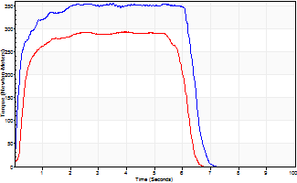
Isometric Extensors (Con) Angle 60 Time 10 Repetition 2 (Best Repetition)
 | Value | Cof Var | %BW
Peak Torque (Newton-Meters)
Right | 355 | 0.03 | 444
Left | 293 | 0.03 | 367
Deficit | 18
Average Torque (Newton-Meters)
Right | 214 | 0.05 | 268
Left | 164 | 0.05 | 206
Deficit | 23
Peak Torque Slope (Newton-Meters/Seconds)
Right | 101 | 0.15 | 126
Left | 75 | 0.21 | 93 |  | Right Side Curves Left Side Curves
Deficit | 26
Time to Half Peak Torque (Seconds)
Right | 0.13 | 0.26
Left | 0.29 | 0.15
Time to Peak Torque (Seconds)
Right | 3.84 | 0.12
Left | 4.51 | 0.19
HUMAC2015® Version: 15.000.0074 © Computer Sports Medicine, Inc. www.csmisolutions.com

post1
Use File, Preference to set Report Heading
Long Form Torque vs. Position Report - Knee Extension/Flexion
Name: |  |  |  | TR030_FP3064, | ID: | TR030 | Right/Left: | 05.12.2023 05.12.2023
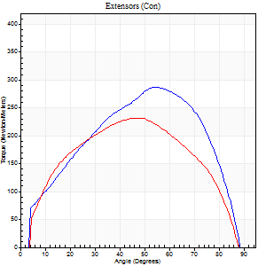
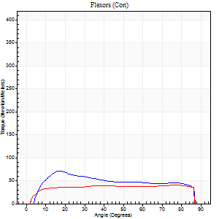
Right Side Curves Left Side Curves
Isokinetic Con/Con |  |  |  | Extensors (Con) |  | Flexors (Con)
Speed 60/60 d/s 3 Reps |  |  |  | Value | Cof Var | %BW | Value | Cof Var | %BW | Ratio

TORQUE PARAMETERS
Peak Torque (Newton-Meters - Best Repetition)
Right |  |  |  | 287 | 0.07 | 358 | 71 | 0.52 | 89 | 25
Left |  |  |  | 232 | 0.02 | 289 | 41 | 0.39 | 51 | 18
Deficit |  |  |  | 19 |  |  | 42
Work per Repetition (Newton-Meters - Best Repetition)
Right |  |  |  | 296 | 0.11 | 370 | 72 | 0.57 | 89 | 24
Left |  |  |  | 245 | 0.01 | 307 | 53 | 0.56 | 66 | 22
Deficit |  |  |  | 17 |  |  | 26
Average Power per Repetition (Watts - Best Repetition)
Right |  |  |  | 195 | 0.15 | 244 | 50 | 0.58 | 62 | 26
Left |  |  |  | 165 | 0.01 | 207 | 35 | 0.57 | 44 | 21
Deficit |  |  |  | 15 |  |  | 30
POSITION PARAMETERS
Joint Angle at Peak Torque (Degrees)
Right |  |  |  | 51 | 0.08 |  | 21 | 0.59
Left |  |  |  | 48 | 0.04 |  | 58 | 0.67
Range of Motion (Degrees)
Right |  |  |  | 1 | 0.13 |  | 89 | 0.01
Left |  |  |  | 1 | 0.07 |  | 90 | 0.01
TIME PARAMETERS
Time to Peak Torque (Seconds)
Right |  |  |  | 0.59 | 0.04 |  | 0.31 | 0.71
Left |  |  |  | 0.69 | 0.01 |  | 0.96 | 0.67
Time Peak Torque Held (Seconds)
Right |  |  |  | 0.05 | 0.33 |  | 0.03 | 1.15
Left |  |  |  | 0.05 | 0.11 |  | 0.01 | 0.87
Force Decay Time (Seconds)
Right |  |  |  | 0.83 | 0.07 |  | 1.12 | 0.23
Left |  |  |  | 0.76 | 0.02 |  | 0.55 | 1.26
Reciprocal Delay (Seconds)
Right |  |  |  | 0.06 | 0.24 |  | 0.1 | 0.15
Left |  |  |  | 0.08 | 0.28 |  | 0.09 | 0.33
Delay Time (Seconds)
Right |  |  |  | 0 | 4.24 |  | 0.06 | 0.37
Left |  |  |  | 0.02 | 0.28 |  | 0.02 | 0.35
HUMAC2015® Version: 15.000.0074 © Computer Sports Medicine, Inc. www.csmisolutions.com

Use File, Preference to set Report Heading
Long Form Torque vs. Position Report - Knee Extension/Flexion
Name: |  |  |  | TR030_FP3064, | ID: | TR030 | Right/Left: | 05.12.2023 05.12.2023
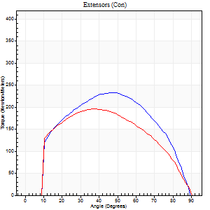
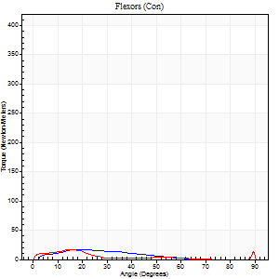
Right Side Curves Left Side Curves
Isokinetic Con/Con |  |  |  | Extensors (Con) |  | Flexors (Con)
Speed 120/120 d/s 3 Reps |  |  |  | Value | Cof Var | %BW | Value | Cof Var | %BW | Ratio

TORQUE PARAMETERS
Peak Torque (Newton-Meters - Best Repetition)
Right |  |  |  | 233 | 0.02 | 292 | 18 | 0.33 | 21 | 8
Left |  |  |  | 197 | 0.02 | 244 | 16 | 0.4 | 21 | 8
Deficit |  |  |  | 16 |  |  | 8
Work per Repetition (Newton-Meters - Best Repetition)
Right |  |  |  | 245 | 0.02 | 307 | 12 | 0.46 | 15 | 5
Left |  |  |  | 206 | 0.03 | 256 | 8 | 0.41 | 9 | 4
Deficit |  |  |  | 16 |  |  | 33
Average Power per Repetition (Watts - Best Repetition)
Right |  |  |  | 306 | 0.04 | 382 | 15 | 0.49 | 20 | 5
Left |  |  |  | 234 | 0.03 | 292 | 8 | 0.55 | 11 | 3
Deficit |  |  |  | 24 |  |  | 47
POSITION PARAMETERS
Joint Angle at Peak Torque (Degrees)
Right |  |  |  | 47 | 0.02 |  | 20 | 0.08
Left |  |  |  | 41 | 0.13 |  | 13 | 0.72
Range of Motion (Degrees)
Right |  |  |  | 1 | 0 |  | 90 | 0
Left |  |  |  | 0 | 0.47 |  | 90 | 0
TIME PARAMETERS
Time to Peak Torque (Seconds)
Right |  |  |  | 0.39 | 0.04 |  | 0.19 | 0.03
Left |  |  |  | 0.47 | 0.03 |  | 0.18 | 0.52
Time Peak Torque Held (Seconds)
Right |  |  |  | 0.03 | 0.17 |  | 0.01 | 1
Left |  |  |  | 0.03 | 0.35 |  | 0 | 0
Force Decay Time (Seconds)
Right |  |  |  | 0.38 | 0.04 |  | 0.64 | 0.05
Left |  |  |  | 0.4 | 0.1 |  | 0.87 | 0.28
Reciprocal Delay (Seconds)
Right |  |  |  | 0.11 | 0 |  | 0.08 | 0.07
Left |  |  |  | 0.13 | 0.33 |  | 0.15 | 0.07
Delay Time (Seconds)
Right |  |  |  | 0 | -1.41 |  | 0.04 | 0.31
Left |  |  |  | 0 | 0 |  | -0.01 | -1
HUMAC2015® Version: 15.000.0074 © Computer Sports Medicine, Inc. www.csmisolutions.com

Use File, Preference to set Report Heading
Long Form Torque vs. Position Report - Knee Extension/Flexion
Name: |  |  |  | TR030_FP3064, | ID: | TR030 | Right/Left: | 05.12.2023 05.12.2023
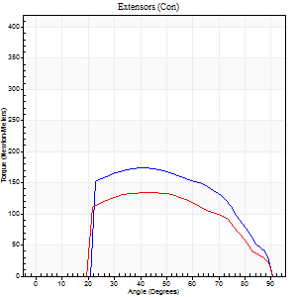
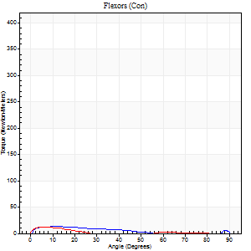
Right Side Curves Left Side Curves
Isokinetic Con/Con |  |  |  | Extensors (Con) |  | Flexors (Con)
Speed 240/240 d/s 3 Reps |  |  |  | Value | Cof Var | %BW | Value | Cof Var | %BW | Ratio

TORQUE PARAMETERS
Peak Torque (Newton-Meters - Best Repetition)
Right |  |  |  | 174 | 0.08 | 218 | 18 | 0.4 | 21 | 10
Left |  |  |  | 134 | 0.1 | 167 | 12 | 0.2 | 15 | 9
Deficit |  |  |  | 23 |  |  | 31
Work per Repetition (Newton-Meters - Best Repetition)
Right |  |  |  | 164 | 0.09 | 206 | 8 | 0.48 | 9 | 5
Left |  |  |  | 127 | 0.18 | 158 | 4 | 0.3 | 6 | 3
Deficit |  |  |  | 22 |  |  | 50
Average Power per Repetition (Watts - Best Repetition)
Right |  |  |  | 290 | 0.1 | 363 | 13 | 0.67 | 15 | 4
Left |  |  |  | 232 | 0.18 | 290 | 5 | 0.46 | 7 | 2
Deficit |  |  |  | 20 |  |  | 62
POSITION PARAMETERS
Joint Angle at Peak Torque (Degrees)
Right |  |  |  | 42 | 0.06 |  | 61 | 0.82
Left |  |  |  | 45 | 0.1 |  | 5 | 0.42
Range of Motion (Degrees)
Right |  |  |  | 0 | 0 |  | 90 | 0
Left |  |  |  | 0 | 0 |  | 90 | 0
TIME PARAMETERS
Time to Peak Torque (Seconds)
Right |  |  |  | 0.28 | 0.03 |  | 0.52 | 0.74
Left |  |  |  | 0.26 | 0.05 |  | 0.12 | 0.17
Time Peak Torque Held (Seconds)
Right |  |  |  | 0.02 | 0 |  | 0 | 0
Left |  |  |  | 0.01 | 0 |  | 0.01 | 1.15
Force Decay Time (Seconds)
Right |  |  |  | 0.27 | 0.06 |  | 0.25 | 2.13
Left |  |  |  | 0.29 | 0.07 |  | 0.88 | 0.21
Reciprocal Delay (Seconds)
Right |  |  |  | 0.22 | 0.13 |  | 0.25 | 0.18
Left |  |  |  | 0.15 | 0.28 |  | 0.24 | 0.08
Delay Time (Seconds)
Right |  |  |  | -0.03 | 0 |  | 0.01 | 1
Left |  |  |  | -0.01 | -1.41 |  | -0.02 | -0.49
HUMAC2015® Version: 15.000.0074 © Computer Sports Medicine, Inc. www.csmisolutions.com

Use File, Preference to set Report Heading
Isometric - Knee Extension/Flexion
Name: |  |  |  | TR030_FP3064, | ID: | TR030 | Right/Left: | 05.12.2023 05.12.2023

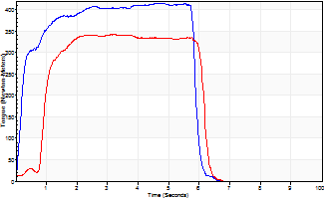
Isometric Extensors (Con) Angle 60 Time 10 Repetition 2 (Best Repetition)
 | Value | Cof Var | %BW
Peak Torque (Newton-Meters)
Right | 415 | 0.02 | 519
Left | 342 | 0.08 | 426
Deficit | 18
Average Torque (Newton-Meters)
Right | 224 | 0.11 | 280
Left | 175 | 0.17 | 218
Deficit | 22
Peak Torque Slope (Newton-Meters/Seconds)
Right | 87 | 0.04 | 109
Left | 107 | 0.34 | 134 |  | Right Side Curves Left Side Curves
Deficit | 19
Time to Half Peak Torque (Seconds)
Right | 0.2 | 0.07
Left | 1.23 | 0.33
Time to Peak Torque (Seconds)
Right | 4.82 | 0.02
Left | 3.91 | 0.27
HUMAC2015® Version: 15.000.0074 © Computer Sports Medicine, Inc. www.csmisolutions.com

post2
Use File, Preference to set Report Heading
Long Form Torque vs. Position Report - Knee Extension/Flexion
Name: |  |  |  | TR030_FP3064, | ID: | TR030 | Right/Left: | 08.12.2023 08.12.2023
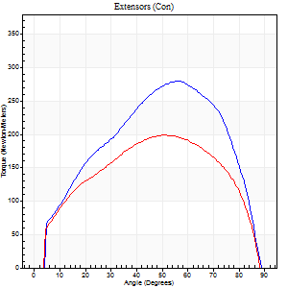
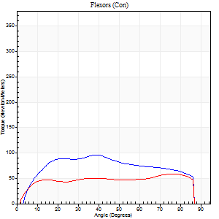
Right Side Curves Left Side Curves
Isokinetic Con/Con |  |  |  | Extensors (Con) |  | Flexors (Con)
Speed 60/60 d/s 3 Reps |  |  |  | Value | Cof Var | %BW | Value | Cof Var | %BW | Ratio

TORQUE PARAMETERS
Peak Torque (Newton-Meters - Best Repetition)
Right |  |  |  | 279 | 0.06 | 349 | 96 | 0.54 | 119 | 34
Left |  |  |  | 199 | 0.02 | 250 | 58 | 0.48 | 72 | 29
Deficit |  |  |  | 29 |  |  | 39
Work per Repetition (Newton-Meters - Best Repetition)
Right |  |  |  | 286 | 0.04 | 358 | 108 | 0.57 | 134 | 38
Left |  |  |  | 216 | 0.03 | 268 | 71 | 0.56 | 89 | 33
Deficit |  |  |  | 25 |  |  | 35
Average Power per Repetition (Watts - Best Repetition)
Right |  |  |  | 188 | 0.04 | 235 | 74 | 0.56 | 92 | 39
Left |  |  |  | 145 | 0.03 | 180 | 47 | 0.56 | 59 | 32
Deficit |  |  |  | 23 |  |  | 36
POSITION PARAMETERS
Joint Angle at Peak Torque (Degrees)
Right |  |  |  | 54 | 0.02 |  | 31 | 0.39
Left |  |  |  | 50 | 0.01 |  | 57 | 0.61
Range of Motion (Degrees)
Right |  |  |  | 0 | 0 |  | 90 | 0
Left |  |  |  | 1 | 0.25 |  | 90 | 0.01
TIME PARAMETERS
Time to Peak Torque (Seconds)
Right |  |  |  | 0.56 | 0.04 |  | 0.48 | 0.43
Left |  |  |  | 0.63 | 0 |  | 0.95 | 0.59
Time Peak Torque Held (Seconds)
Right |  |  |  | 0.04 | 0.27 |  | 0.04 | 0.96
Left |  |  |  | 0.08 | 0.42 |  | 0.11 | 1.16
Force Decay Time (Seconds)
Right |  |  |  | 0.89 | 0.02 |  | 0.94 | 0.23
Left |  |  |  | 0.76 | 0.05 |  | 0.43 | 1.03
Reciprocal Delay (Seconds)
Right |  |  |  | 0.09 | 0.47 |  | 0.12 | 0.3
Left |  |  |  | 0.05 | 0.13 |  | 0.08 | 0.37
Delay Time (Seconds)
Right |  |  |  | 0.01 | 0 |  | 0.05 | 0.4
Left |  |  |  | 0.04 | 0.35 |  | 0.02 | 0.69
HUMAC2015® Version: 15.000.0074 © Computer Sports Medicine, Inc. www.csmisolutions.com

Use File, Preference to set Report Heading
Long Form Torque vs. Position Report - Knee Extension/Flexion
Name: |  |  |  | TR030_FP3064, | ID: | TR030 | Right/Left: | 08.12.2023 08.12.2023
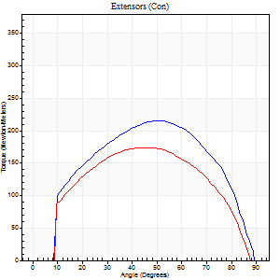
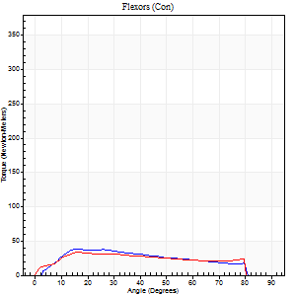
Right Side Curves Left Side Curves
Isokinetic Con/Con |  |  |  | Extensors (Con) |  | Flexors (Con)
Speed 120/120 d/s 3 Reps |  |  |  | Value | Cof Var | %BW | Value | Cof Var | %BW | Ratio

TORQUE PARAMETERS
Peak Torque (Newton-Meters - Best Repetition)
Right |  |  |  | 216 | 0.1 | 268 | 38 | 0.3 | 48 | 18
Left |  |  |  | 174 | 0.14 | 218 | 34 | 0.4 | 42 | 20
Deficit |  |  |  | 19 |  |  | 11
Work per Repetition (Newton-Meters - Best Repetition)
Right |  |  |  | 228 | 0.09 | 283 | 37 | 0.46 | 45 | 16
Left |  |  |  | 183 | 0.12 | 229 | 35 | 0.68 | 45 | 19
Deficit |  |  |  | 20 |  |  | 4
Average Power per Repetition (Watts - Best Repetition)
Right |  |  |  | 284 | 0.1 | 354 | 45 | 0.47 | 57 | 16
Left |  |  |  | 215 | 0.16 | 268 | 40 | 0.76 | 51 | 19
Deficit |  |  |  | 24 |  |  | 11
POSITION PARAMETERS
Joint Angle at Peak Torque (Degrees)
Right |  |  |  | 50 | 0 |  | 17 | 0.05
Left |  |  |  | 49 | 0.05 |  | 39 | 0.9
Range of Motion (Degrees)
Right |  |  |  | 1 | 0.04 |  | 90 | 0
Left |  |  |  | 1 | 0.61 |  | 90 | 0.01
TIME PARAMETERS
Time to Peak Torque (Seconds)
Right |  |  |  | 0.35 | 0 |  | 0.15 | 0.08
Left |  |  |  | 0.37 | 0.02 |  | 0.4 | 0.72
Time Peak Torque Held (Seconds)
Right |  |  |  | 0.04 | 0.43 |  | 0.03 | 1.73
Left |  |  |  | 0.03 | 0.33 |  | 0 | 0
Force Decay Time (Seconds)
Right |  |  |  | 0.4 | 0.05 |  | 0.64 | 0.09
Left |  |  |  | 0.45 | 0.09 |  | 0.58 | 0.75
Reciprocal Delay (Seconds)
Right |  |  |  | 0.12 | 0.12 |  | 0.08 | 0.08
Left |  |  |  | 0.09 | 0.31 |  | 0.13 | 0.17
Delay Time (Seconds)
Right |  |  |  | 0.01 | 0 |  | 0.04 | 0.16
Left |  |  |  | 0.01 | 1.41 |  | -0.02 | -1.25
HUMAC2015® Version: 15.000.0074 © Computer Sports Medicine, Inc. www.csmisolutions.com

Use File, Preference to set Report Heading
Long Form Torque vs. Position Report - Knee Extension/Flexion
Name: |  |  |  | TR030_FP3064, | ID: | TR030 | Right/Left: | 08.12.2023 08.12.2023
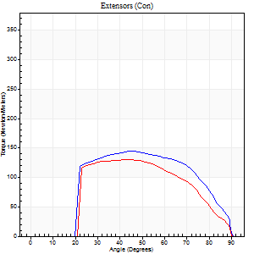
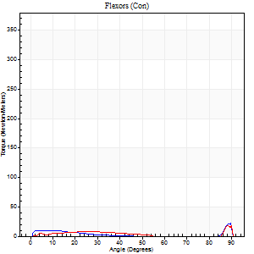
Right Side Curves Left Side Curves
Isokinetic Con/Con |  |  |  | Extensors (Con) |  | Flexors (Con)
Speed 240/240 d/s 3 Reps |  |  |  | Value | Cof Var | %BW | Value | Cof Var | %BW | Ratio

TORQUE PARAMETERS
Peak Torque (Newton-Meters - Best Repetition)
Right |  |  |  | 144 | 0.01 | 179 | 39 | 0.54 | 48 | 27
Left |  |  |  | 130 | 0.14 | 164 | 37 | 0.55 | 45 | 28
Deficit |  |  |  | 9 |  |  | 7
Work per Repetition (Newton-Meters - Best Repetition)
Right |  |  |  | 144 | 0.02 | 179 | 5 | 0.14 | 6 | 4
Left |  |  |  | 119 | 0.17 | 149 | 7 | 0.29 | 9 | 6
Deficit |  |  |  | 17 |  |  | 20
Average Power per Repetition (Watts - Best Repetition)
Right |  |  |  | 269 | 0.01 | 336 | 7 | 0.27 | 9 | 3
Left |  |  |  | 221 | 0.14 | 277 | 9 | 0.41 | 11 | 4
Deficit |  |  |  | 18 |  |  | 22
POSITION PARAMETERS
Joint Angle at Peak Torque (Degrees)
Right |  |  |  | 46 | 0.02 |  | 61 | 0.83
Left |  |  |  | 46 | 0.06 |  | 62 | 0.8
Range of Motion (Degrees)
Right |  |  |  | 0 | 0.94 |  | 90 | 0
Left |  |  |  | 0 | 1.41 |  | 90 | 0
TIME PARAMETERS
Time to Peak Torque (Seconds)
Right |  |  |  | 0.24 | 0 |  | 0.57 | 0.73
Left |  |  |  | 0.25 | 0 |  | 0.61 | 0.72
Time Peak Torque Held (Seconds)
Right |  |  |  | 0.01 | 0 |  | 0.02 | 1.32
Left |  |  |  | 0.02 | 0.69 |  | 0 | 0
Force Decay Time (Seconds)
Right |  |  |  | 0.28 | 0 |  | 0.23 | 2.34
Left |  |  |  | 0.26 | 0.06 |  | 0.24 | 2.35
Reciprocal Delay (Seconds)
Right |  |  |  | 0.18 | 0 |  | 0.17 | 0.21
Left |  |  |  | 0.25 | 0.38 |  | 0.16 | 0.45
Delay Time (Seconds)
Right |  |  |  | -0.01 | 0 |  | -0.01 | -2.65
Left |  |  |  | 0 | 0 |  | -0.03 | -0.22
HUMAC2015® Version: 15.000.0074 © Computer Sports Medicine, Inc. www.csmisolutions.com

Use File, Preference to set Report Heading
Isometric - Knee Extension/Flexion
Name: |  |  |  | TR030_FP3064, | ID: | TR030 | Right/Left: | 08.12.2023 08.12.2023

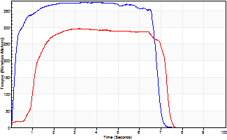
Isometric Extensors (Con) Angle 60 Time 10 Repetition 2 (Best Repetition)
 | Value | Cof Var | %BW
Peak Torque (Newton-Meters)
Right | 374 | 0.04 | 468
Left | 296 | 0.04 | 370
Deficit | 21
Average Torque (Newton-Meters)
Right | 239 | 0.17 | 298
Left | 176 | 0.02 | 221
Deficit | 26
Peak Torque Slope (Newton-Meters/Seconds)
Right | 98 | 0.14 | 122
Left | 93 | 0.34 | 116 |  | Right Side Curves Left Side Curves
Deficit | 5
Time to Half Peak Torque (Seconds)
Right | 0.16 | 0.27
Left | 0.65 | 0.95
Time to Peak Torque (Seconds)
Right | 4.09 | 0.09
Left | 4.07 | 0.31
HUMAC2015® Version: 15.000.0074 © Computer Sports Medicine, Inc. www.csmisolutions.com

