pre1
Use File, Preference to set Report Heading
Long Form Torque vs. Position Report - Knee Extension/Flexion
Name: |  |  |  | TR030_FP3065, | ID: | TR030 | Right/Left: | 29.09.2023 29.09.2023
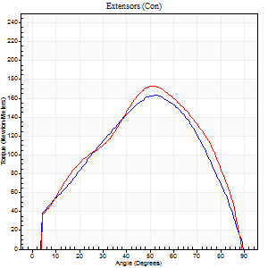
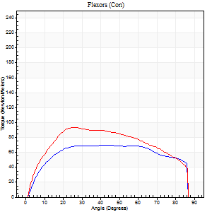
Right Side Curves Left Side Curves
Isokinetic Con/Con |  |  |  | Extensors (Con) |  | Flexors (Con)
Speed 60/60 d/s 3 Reps |  |  |  | Value | Cof Var | %BW | Value | Cof Var | %BW | Ratio

TORQUE PARAMETERS
Peak Torque (Newton-Meters - Best Repetition)
Right |  |  |  | 163 | 0.01 | 152 | 71 | 0.21 | 66 | 43
Left |  |  |  | 172 | 0.03 | 161 | 94 | 0.21 | 86 | 54
Deficit |  |  |  | 6 |  |  | 25
Work per Repetition (Newton-Meters - Best Repetition)
Right |  |  |  | 163 | 0.03 | 152 | 88 | 0.36 | 80 | 54
Left |  |  |  | 168 | 0.05 | 155 | 107 | 0.2 | 98 | 64
Deficit |  |  |  | 3 |  |  | 18
Average Power per Repetition (Watts - Best Repetition)
Right |  |  |  | 106 | 0.03 | 99 | 60 | 0.38 | 55 | 57
Left |  |  |  | 109 | 0.05 | 101 | 71 | 0.19 | 66 | 65
Deficit |  |  |  | 3 |  |  | 15
POSITION PARAMETERS
Joint Angle at Peak Torque (Degrees)
Right |  |  |  | 54 | 0.08 |  | 42 | 0.18
Left |  |  |  | 53 | 0.06 |  | 25 | 0.12
Range of Motion (Degrees)
Right |  |  |  | 0 | 0.35 |  | 90 | 0
Left |  |  |  | 0 | 1.41 |  | 90 | 0
TIME PARAMETERS
Time to Peak Torque (Seconds)
Right |  |  |  | 0.58 | 0.15 |  | 0.71 | 0.14
Left |  |  |  | 0.62 | 0.01 |  | 0.42 | 0.14
Time Peak Torque Held (Seconds)
Right |  |  |  | 0.05 | 0.39 |  | 0.07 | 1.02
Left |  |  |  | 0.03 | 0.17 |  | 0.05 | 0.62
Force Decay Time (Seconds)
Right |  |  |  | 0.86 | 0.07 |  | 0.72 | 0.08
Left |  |  |  | 0.88 | 0.05 |  | 1.04 | 0.11
Reciprocal Delay (Seconds)
Right |  |  |  | 0.17 | 0.33 |  | 0.14 | 0.49
Left |  |  |  | 0.16 | 0.59 |  | 0.14 | 0.5
Delay Time (Seconds)
Right |  |  |  | 0.01 | 1.41 |  | 0 | 6.24
Left |  |  |  | 0.05 | 0.57 |  | 0.02 | 0.35
HUMAC2015® Version: 15.000.0074 © Computer Sports Medicine, Inc. www.csmisolutions.com

Use File, Preference to set Report Heading
Long Form Torque vs. Position Report - Knee Extension/Flexion
Name: |  |  |  | TR030_FP3065, | ID: | TR030 | Right/Left: | 29.09.2023 29.09.2023
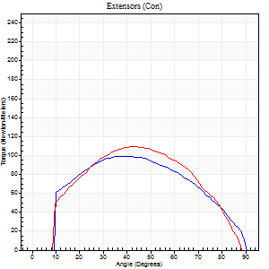
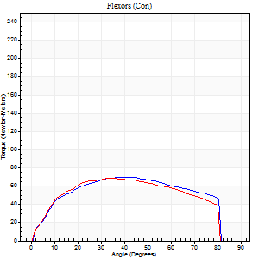
Right Side Curves Left Side Curves
Isokinetic Con/Con |  |  |  | Extensors (Con) |  | Flexors (Con)
Speed 120/120 d/s 3 Reps |  |  |  | Value | Cof Var | %BW | Value | Cof Var | %BW | Ratio

TORQUE PARAMETERS
Peak Torque (Newton-Meters - Best Repetition)
Right |  |  |  | 99 | 0.25 | 92 | 69 | 0.23 | 66 | 70
Left |  |  |  | 110 | 0.48 | 101 | 69 | 0.22 | 66 | 63
Deficit |  |  |  | 10 |  |  | 0
Work per Repetition (Newton-Meters - Best Repetition)
Right |  |  |  | 106 | 0.29 | 98 | 79 | 0.24 | 72 | 74
Left |  |  |  | 110 | 0.43 | 101 | 76 | 0.19 | 72 | 69
Deficit |  |  |  | 4 |  |  | 3
Average Power per Repetition (Watts - Best Repetition)
Right |  |  |  | 123 | 0.32 | 114 | 101 | 0.32 | 95 | 82
Left |  |  |  | 128 | 0.45 | 119 | 97 | 0.24 | 90 | 76
Deficit |  |  |  | 4 |  |  | 4
POSITION PARAMETERS
Joint Angle at Peak Torque (Degrees)
Right |  |  |  | 34 | 0.1 |  | 44 | 0.07
Left |  |  |  | 42 | 0.07 |  | 33 | 0.3
Range of Motion (Degrees)
Right |  |  |  | 1 | 0.74 |  | 90 | 0
Left |  |  |  | 1 | 1.05 |  | 90 | 0.01
TIME PARAMETERS
Time to Peak Torque (Seconds)
Right |  |  |  | 0.5 | 0.07 |  | 0.41 | 0.06
Left |  |  |  | 0.41 | 0.02 |  | 0.32 | 0.3
Time Peak Torque Held (Seconds)
Right |  |  |  | 0.02 | 0.35 |  | 0.05 | 0.87
Left |  |  |  | 0.04 | 0.25 |  | 0.01 | 0.87
Force Decay Time (Seconds)
Right |  |  |  | 0.31 | 0.13 |  | 0.38 | 0.14
Left |  |  |  | 0.36 | 0.1 |  | 0.49 | 0.14
Reciprocal Delay (Seconds)
Right |  |  |  | 0.09 | 0.07 |  | 0.12 | 0.25
Left |  |  |  | 0.11 | 0.13 |  | 0.09 | 0.31
Delay Time (Seconds)
Right |  |  |  | -0.01 | 0 |  | 0.01 | 2.29
Left |  |  |  | 0.01 | 1.41 |  | 0 | -1.73
HUMAC2015® Version: 15.000.0074 © Computer Sports Medicine, Inc. www.csmisolutions.com

Use File, Preference to set Report Heading
Long Form Torque vs. Position Report - Knee Extension/Flexion
Name: |  |  |  | TR030_FP3065, | ID: | TR030 | Right/Left: | 29.09.2023 29.09.2023
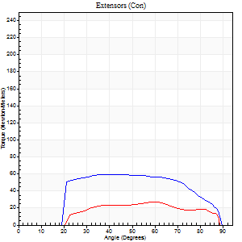
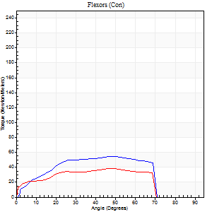
Right Side Curves Left Side Curves
Isokinetic Con/Con |  |  |  | Extensors (Con) |  | Flexors (Con)
Speed 240/240 d/s 3 Reps |  |  |  | Value | Cof Var | %BW | Value | Cof Var | %BW | Ratio

TORQUE PARAMETERS
Peak Torque (Newton-Meters - Best Repetition)
Right |  |  |  | 60 | 0.46 | 57 | 54 | 0.2 | 51 | 91
Left |  |  |  | 27 | 0.35 | 24 | 38 | 0.65 | 36 | 140
Deficit |  |  |  | 55 |  |  | 30
Work per Repetition (Newton-Meters - Best Repetition)
Right |  |  |  | 61 | 0.57 | 57 | 53 | 0.33 | 48 | 87
Left |  |  |  | 24 | 0.89 | 24 | 38 | 1.4 | 36 | 156
Deficit |  |  |  | 60 |  |  | 28
Average Power per Repetition (Watts - Best Repetition)
Right |  |  |  | 119 | 0.63 | 110 | 103 | 0.36 | 95 | 87
Left |  |  |  | 44 | 0.81 | 42 | 71 | 1.36 | 66 | 161
Deficit |  |  |  | 63 |  |  | 31
POSITION PARAMETERS
Joint Angle at Peak Torque (Degrees)
Right |  |  |  | 50 | 0.25 |  | 43 | 0.19
Left |  |  |  | 41 | 0.78 |  | 47 | 0.84
Range of Motion (Degrees)
Right |  |  |  | 2 | 0.03 |  | 89 | 0.01
Left |  |  |  | 1 | 0.58 |  | 89 | 0.01
TIME PARAMETERS
Time to Peak Torque (Seconds)
Right |  |  |  | 0.3 | 0.12 |  | 0.26 | 0.12
Left |  |  |  | 0.17 | 0.33 |  | 0.22 | 0.45
Time Peak Torque Held (Seconds)
Right |  |  |  | 0.01 | 1 |  | 0 | 1.73
Left |  |  |  | 0 | 1.73 |  | 0.01 | 1
Force Decay Time (Seconds)
Right |  |  |  | 0.24 | 0.2 |  | 0.25 | 0.19
Left |  |  |  | 0.22 | 0.71 |  | 0.25 | 1.08
Reciprocal Delay (Seconds)
Right |  |  |  | 0.05 | 0.13 |  | 0.06 | 0.24
Left |  |  |  | 0.09 | 0.16 |  | 0.07 | 0.08
Delay Time (Seconds)
Right |  |  |  | -0.02 | -0.28 |  | -0.01 | -1
Left |  |  |  | 0.23 | 1.41 |  | 0.09 | 2.04
HUMAC2015® Version: 15.000.0074 © Computer Sports Medicine, Inc. www.csmisolutions.com

Use File, Preference to set Report Heading
Isometric - Knee Extension/Flexion
Name: |  |  |  | TR030_FP3065, | ID: | TR030 | Right/Left: | 29.09.2023 29.09.2023

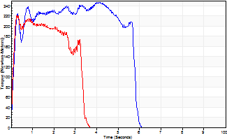
Isometric Extensors (Con) Angle 60 Time 10 Repetition 2 (Best Repetition)
 | Value | Cof Var | %BW
Peak Torque (Newton-Meters)
Right | 247 | 0.18 | 229
Left | 221 | 0.01 | 206
Deficit | 10
Average Torque (Newton-Meters)
Right | 127 | 0.53 | 119
Left | 69 | 0.07 | 66
Deficit | 46
Peak Torque Slope (Newton-Meters/Seconds)
Right | 469 | 1.09 | 435
Left | 818 | 0.69 | 759 |  | Right Side Curves Left Side Curves
Deficit | 43
Time to Half Peak Torque (Seconds)
Right | 0.16 | 0.23
Left | 0.11 | 0.26
Time to Peak Torque (Seconds)
Right | 2.27 | 1.16
Left | 0.51 | 0.69
HUMAC2015® Version: 15.000.0074 © Computer Sports Medicine, Inc. www.csmisolutions.com

pre2
Use File, Preference to set Report Heading
Long Form Torque vs. Position Report - Knee Extension/Flexion
Name: |  |  |  | TR030_FP3065, | ID: | TR030 | Right/Left: | 04.10.2023 04.10.2023
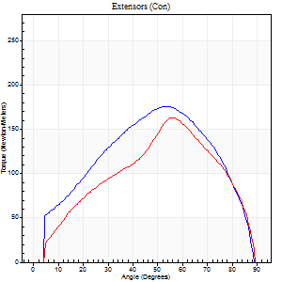
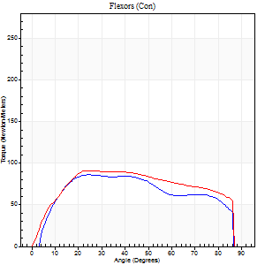
Right Side Curves Left Side Curves
Isokinetic Con/Con |  |  |  | Extensors (Con) |  | Flexors (Con)
Speed 60/60 d/s 3 Reps |  |  |  | Value | Cof Var | %BW | Value | Cof Var | %BW | Ratio

TORQUE PARAMETERS
Peak Torque (Newton-Meters - Best Repetition)
Right |  |  |  | 176 | 0.08 | 164 | 85 | 0.14 | 80 | 48
Left |  |  |  | 163 | 0.13 | 152 | 91 | 0.09 | 83 | 56
Deficit |  |  |  | 8 |  |  | 6
Work per Repetition (Newton-Meters - Best Repetition)
Right |  |  |  | 179 | 0.06 | 167 | 99 | 0.21 | 92 | 55
Left |  |  |  | 149 | 0.07 | 137 | 110 | 0.1 | 101 | 74
Deficit |  |  |  | 17 |  |  | 10
Average Power per Repetition (Watts - Best Repetition)
Right |  |  |  | 117 | 0.06 | 108 | 67 | 0.22 | 62 | 57
Left |  |  |  | 98 | 0.09 | 90 | 71 | 0.12 | 66 | 72
Deficit |  |  |  | 16 |  |  | 6
POSITION PARAMETERS
Joint Angle at Peak Torque (Degrees)
Right |  |  |  | 58 | 0.11 |  | 33 | 0.44
Left |  |  |  | 52 | 0.09 |  | 29 | 0.15
Range of Motion (Degrees)
Right |  |  |  | 0 | 0.2 |  | 90 | 0
Left |  |  |  | 0 | 0.24 |  | 90 | 0
TIME PARAMETERS
Time to Peak Torque (Seconds)
Right |  |  |  | 0.59 | 0.04 |  | 0.51 | 0.47
Left |  |  |  | 0.63 | 0.17 |  | 0.5 | 0.14
Time Peak Torque Held (Seconds)
Right |  |  |  | 0.07 | 0.91 |  | 0.12 | 0.94
Left |  |  |  | 0.04 | 0.43 |  | 0.04 | 0.66
Force Decay Time (Seconds)
Right |  |  |  | 0.91 | 0.03 |  | 0.84 | 0.21
Left |  |  |  | 0.84 | 0.08 |  | 0.99 | 0.12
Reciprocal Delay (Seconds)
Right |  |  |  | 0.13 | 0.05 |  | 0.11 | 0.33
Left |  |  |  | 0.19 | 0 |  | 0.15 | 0.08
Delay Time (Seconds)
Right |  |  |  | 0.02 | 0.28 |  | 0.05 | 0.22
Left |  |  |  | 0.02 | 0.28 |  | -0.01 | -0.87
HUMAC2015® Version: 15.000.0074 © Computer Sports Medicine, Inc. www.csmisolutions.com

Use File, Preference to set Report Heading
Long Form Torque vs. Position Report - Knee Extension/Flexion
Name: |  |  |  | TR030_FP3065, | ID: | TR030 | Right/Left: | 04.10.2023 04.10.2023
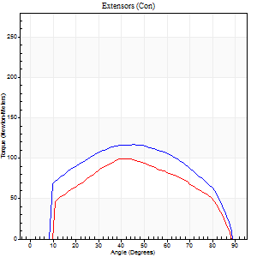
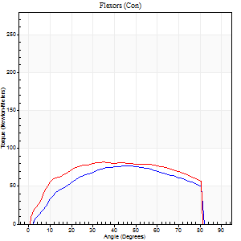
Right Side Curves Left Side Curves
Isokinetic Con/Con |  |  |  | Extensors (Con) |  | Flexors (Con)
Speed 120/120 d/s 3 Reps |  |  |  | Value | Cof Var | %BW | Value | Cof Var | %BW | Ratio

TORQUE PARAMETERS
Peak Torque (Newton-Meters - Best Repetition)
Right |  |  |  | 117 | 0.32 | 107 | 77 | 0.2 | 72 | 66
Left |  |  |  | 99 | 0.15 | 92 | 81 | 0.02 | 75 | 82
Deficit |  |  |  | 15 |  |  | 5
Work per Repetition (Newton-Meters - Best Repetition)
Right |  |  |  | 129 | 0.4 | 119 | 83 | 0.2 | 77 | 64
Left |  |  |  | 99 | 0.14 | 92 | 96 | 0.03 | 89 | 97
Deficit |  |  |  | 23 |  |  | 14
Average Power per Repetition (Watts - Best Repetition)
Right |  |  |  | 156 | 0.44 | 145 | 106 | 0.23 | 99 | 68
Left |  |  |  | 118 | 0.2 | 110 | 122 | 0.07 | 112 | 103
Deficit |  |  |  | 24 |  |  | 13
POSITION PARAMETERS
Joint Angle at Peak Torque (Degrees)
Right |  |  |  | 36 | 0.46 |  | 47 | 0.25
Left |  |  |  | 44 | 0.12 |  | 38 | 0.16
Range of Motion (Degrees)
Right |  |  |  | 1 | 0.13 |  | 90 | 0.01
Left |  |  |  | 0 | 0 |  | 90 | 0
TIME PARAMETERS
Time to Peak Torque (Seconds)
Right |  |  |  | 0.39 | 0.02 |  | 0.4 | 0.2
Left |  |  |  | 0.38 | 0.13 |  | 0.35 | 0.16
Time Peak Torque Held (Seconds)
Right |  |  |  | 0.02 | 0.5 |  | 0.01 | 0.87
Left |  |  |  | 0.02 | 0.65 |  | 0.06 | 0.6
Force Decay Time (Seconds)
Right |  |  |  | 0.32 | 0.38 |  | 0.38 | 0.33
Left |  |  |  | 0.42 | 0.07 |  | 0.39 | 0.13
Reciprocal Delay (Seconds)
Right |  |  |  | 0.09 | 0.16 |  | 0.1 | 0.32
Left |  |  |  | 0.09 | 0.16 |  | 0.11 | 0.11
Delay Time (Seconds)
Right |  |  |  | 0.01 | 0 |  | 0.04 | 0.83
Left |  |  |  | 0.02 | 0.28 |  | 0 | 0
HUMAC2015® Version: 15.000.0074 © Computer Sports Medicine, Inc. www.csmisolutions.com

Use File, Preference to set Report Heading
Long Form Torque vs. Position Report - Knee Extension/Flexion
Name: |  |  |  | TR030_FP3065, | ID: | TR030 | Right/Left: | 04.10.2023 04.10.2023
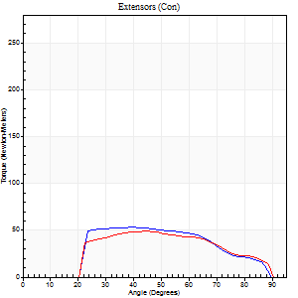
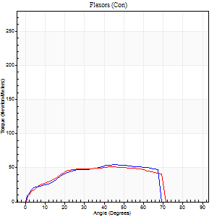
Right Side Curves Left Side Curves
Isokinetic Con/Con |  |  |  | Extensors (Con) |  | Flexors (Con)
Speed 240/240 d/s 3 Reps |  |  |  | Value | Cof Var | %BW | Value | Cof Var | %BW | Ratio

TORQUE PARAMETERS
Peak Torque (Newton-Meters - Best Repetition)
Right |  |  |  | 53 | 0.42 | 48 | 54 | 0.27 | 51 | 103
Left |  |  |  | 49 | 0.48 | 45 | 52 | 0.62 | 48 | 106
Deficit |  |  |  | 8 |  |  | 5
Work per Repetition (Newton-Meters - Best Repetition)
Right |  |  |  | 49 | 0.42 | 45 | 52 | 0.29 | 48 | 106
Left |  |  |  | 45 | 0.58 | 42 | 52 | 0.77 | 48 | 115
Deficit |  |  |  | 8 |  |  | 0
Average Power per Repetition (Watts - Best Repetition)
Right |  |  |  | 83 | 0.42 | 77 | 99 | 0.34 | 92 | 119
Left |  |  |  | 84 | 0.62 | 77 | 105 | 0.91 | 97 | 125
Deficit |  |  |  | 1 |  |  | 6
POSITION PARAMETERS
Joint Angle at Peak Torque (Degrees)
Right |  |  |  | 51 | 0.25 |  | 41 | 0.2
Left |  |  |  | 53 | 0.15 |  | 32 | 0.64
Range of Motion (Degrees)
Right |  |  |  | 1 | 0.14 |  | 90 | 0.01
Left |  |  |  | 1 | 0.05 |  | 90 | 0.01
TIME PARAMETERS
Time to Peak Torque (Seconds)
Right |  |  |  | 0.26 | 0.38 |  | 0.28 | 0.17
Left |  |  |  | 0.27 | 0.05 |  | 0.28 | 0.33
Time Peak Torque Held (Seconds)
Right |  |  |  | 0.02 | 0.92 |  | 0.02 | 0.69
Left |  |  |  | 0 | 1.73 |  | 0.01 | 0.87
Force Decay Time (Seconds)
Right |  |  |  | 0.27 | 0.19 |  | 0.24 | 0.21
Left |  |  |  | 0.28 | 0.13 |  | 0.3 | 0.47
Reciprocal Delay (Seconds)
Right |  |  |  | 0.07 | 0 |  | 0.09 | 0.22
Left |  |  |  | 0.08 | 0.28 |  | 0.08 | 0.08
Delay Time (Seconds)
Right |  |  |  | -0.02 | -0.85 |  | -0.03 | -0.33
Left |  |  |  | 0 | 4.24 |  | -0.04 | -0.27
HUMAC2015® Version: 15.000.0074 © Computer Sports Medicine, Inc. www.csmisolutions.com

Use File, Preference to set Report Heading
Isometric - Knee Extension/Flexion
Name: |  |  |  | TR030_FP3065, | ID: | TR030 | Right/Left: | 04.10.2023 04.10.2023

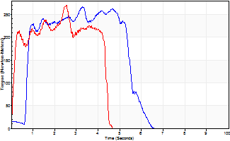
Isometric Extensors (Con) Angle 60 Time 10 Repetition 2 (Best Repetition)
 | Value | Cof Var | %BW
Peak Torque (Newton-Meters)
Right | 266 | 0.02 | 247
Left | 270 | 0.07 | 250
Deficit | 2
Average Torque (Newton-Meters)
Right | 119 | 0.04 | 110
Left | 102 | 0.07 | 95
Deficit | 15
Peak Torque Slope (Newton-Meters/Seconds)
Right | 81 | 0.08 | 75
Left | 106 | 0.12 | 99 |  | Right Side Curves Left Side Curves
Deficit | 24
Time to Half Peak Torque (Seconds)
Right | 0.43 | 1.05
Left | 0.23 | 0.55
Time to Peak Torque (Seconds)
Right | 3.42 | 0.06
Left | 2.62 | 0.05
HUMAC2015® Version: 15.000.0074 © Computer Sports Medicine, Inc. www.csmisolutions.com

mid1
Use File, Preference to set Report Heading
Long Form Torque vs. Position Report - Knee Extension/Flexion
Name: |  |  |  | TR030_FP3065, | ID: | TR030 | Right/Left: | 06.11.2023 06.11.2023
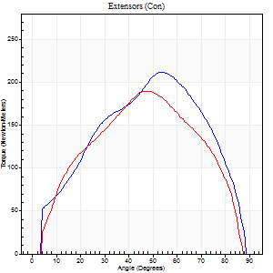
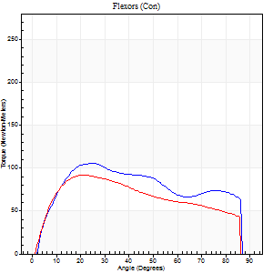
Right Side Curves Left Side Curves
Isokinetic Con/Con |  |  |  | Extensors (Con) |  | Flexors (Con)
Speed 60/60 d/s 3 Reps |  |  |  | Value | Cof Var | %BW | Value | Cof Var | %BW | Ratio

TORQUE PARAMETERS
Peak Torque (Newton-Meters - Best Repetition)
Right |  |  |  | 212 | 0.1 | 197 | 106 | 0.1 | 98 | 50
Left |  |  |  | 190 | 0.04 | 176 | 92 | 0.42 | 86 | 49
Deficit |  |  |  | 10 |  |  | 13
Work per Repetition (Newton-Meters - Best Repetition)
Right |  |  |  | 210 | 0.1 | 194 | 118 | 0.16 | 110 | 56
Left |  |  |  | 194 | 0.09 | 179 | 99 | 0.42 | 92 | 51
Deficit |  |  |  | 8 |  |  | 16
Average Power per Repetition (Watts - Best Repetition)
Right |  |  |  | 138 | 0.12 | 127 | 78 | 0.16 | 73 | 57
Left |  |  |  | 128 | 0.1 | 119 | 66 | 0.4 | 62 | 52
Deficit |  |  |  | 7 |  |  | 15
POSITION PARAMETERS
Joint Angle at Peak Torque (Degrees)
Right |  |  |  | 54 | 0.04 |  | 40 | 0.33
Left |  |  |  | 47 | 0.04 |  | 30 | 0.24
Range of Motion (Degrees)
Right |  |  |  | 0 | 0.28 |  | 90 | 0
Left |  |  |  | 1 | 0.8 |  | 90 | 0
TIME PARAMETERS
Time to Peak Torque (Seconds)
Right |  |  |  | 0.57 | 0.04 |  | 0.65 | 0.35
Left |  |  |  | 0.67 | 0.01 |  | 0.48 | 0.23
Time Peak Torque Held (Seconds)
Right |  |  |  | 0.02 | 0.25 |  | 0.04 | 0.69
Left |  |  |  | 0.06 | 0.51 |  | 0.04 | 0.9
Force Decay Time (Seconds)
Right |  |  |  | 0.91 | 0.03 |  | 0.81 | 0.31
Left |  |  |  | 0.74 | 0.03 |  | 0.95 | 0.19
Reciprocal Delay (Seconds)
Right |  |  |  | 0.12 | 0.24 |  | 0.16 | 0.2
Left |  |  |  | 0.09 | 0.07 |  | 0.08 | 0.54
Delay Time (Seconds)
Right |  |  |  | 0.02 | 0.28 |  | 0.03 | 0.46
Left |  |  |  | 0.04 | 0.71 |  | 0.02 | 0.35
HUMAC2015® Version: 15.000.0074 © Computer Sports Medicine, Inc. www.csmisolutions.com

Use File, Preference to set Report Heading
Long Form Torque vs. Position Report - Knee Extension/Flexion
Name: |  |  |  | TR030_FP3065, | ID: | TR030 | Right/Left: | 06.11.2023 06.11.2023
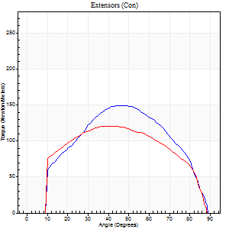
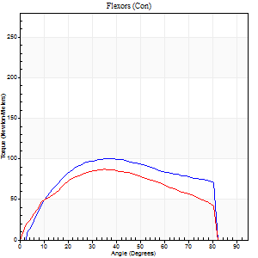
Right Side Curves Left Side Curves
Isokinetic Con/Con |  |  |  | Extensors (Con) |  | Flexors (Con)
Speed 120/120 d/s 3 Reps |  |  |  | Value | Cof Var | %BW | Value | Cof Var | %BW | Ratio

TORQUE PARAMETERS
Peak Torque (Newton-Meters - Best Repetition)
Right |  |  |  | 149 | 0.25 | 137 | 100 | 0.24 | 92 | 67
Left |  |  |  | 121 | 0.1 | 113 | 87 | 0.18 | 80 | 72
Deficit |  |  |  | 19 |  |  | 14
Work per Repetition (Newton-Meters - Best Repetition)
Right |  |  |  | 149 | 0.26 | 137 | 110 | 0.2 | 101 | 74
Left |  |  |  | 132 | 0.1 | 122 | 92 | 0.15 | 86 | 70
Deficit |  |  |  | 12 |  |  | 16
Average Power per Repetition (Watts - Best Repetition)
Right |  |  |  | 189 | 0.32 | 176 | 142 | 0.22 | 132 | 75
Left |  |  |  | 155 | 0.09 | 143 | 112 | 0.17 | 103 | 72
Deficit |  |  |  | 18 |  |  | 21
POSITION PARAMETERS
Joint Angle at Peak Torque (Degrees)
Right |  |  |  | 41 | 0.22 |  | 35 | 0.39
Left |  |  |  | 39 | 0.01 |  | 48 | 0.26
Range of Motion (Degrees)
Right |  |  |  | 1 | 0.79 |  | 90 | 0.01
Left |  |  |  | 0 | 0.66 |  | 90 | 0.01
TIME PARAMETERS
Time to Peak Torque (Seconds)
Right |  |  |  | 0.38 | 0.02 |  | 0.31 | 0.41
Left |  |  |  | 0.44 | 0 |  | 0.44 | 0.24
Time Peak Torque Held (Seconds)
Right |  |  |  | 0.03 | 0.33 |  | 0.03 | 0.58
Left |  |  |  | 0.02 | 0.25 |  | 0.02 | 0.35
Force Decay Time (Seconds)
Right |  |  |  | 0.35 | 0.19 |  | 0.44 | 0.34
Left |  |  |  | 0.35 | 0.08 |  | 0.36 | 0.25
Reciprocal Delay (Seconds)
Right |  |  |  | 0.08 | 0.28 |  | 0.09 | 0.19
Left |  |  |  | 0.09 | 0 |  | 0.11 | 0.13
Delay Time (Seconds)
Right |  |  |  | 0.01 | 0 |  | 0.01 | 0.87
Left |  |  |  | 0.01 | 0.47 |  | 0 | 0
HUMAC2015® Version: 15.000.0074 © Computer Sports Medicine, Inc. www.csmisolutions.com

Use File, Preference to set Report Heading
Long Form Torque vs. Position Report - Knee Extension/Flexion
Name: |  |  |  | TR030_FP3065, | ID: | TR030 | Right/Left: | 06.11.2023 06.11.2023
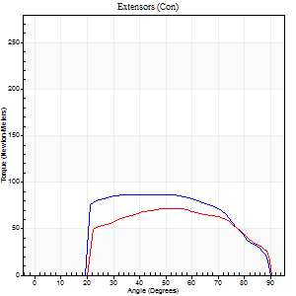
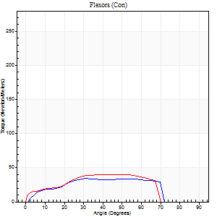
Right Side Curves Left Side Curves
Isokinetic Con/Con |  |  |  | Extensors (Con) |  | Flexors (Con)
Speed 240/240 d/s 3 Reps |  |  |  | Value | Cof Var | %BW | Value | Cof Var | %BW | Ratio

TORQUE PARAMETERS
Peak Torque (Newton-Meters - Best Repetition)
Right |  |  |  | 87 | 0.54 | 80 | 34 | 0.36 | 33 | 39
Left |  |  |  | 72 | 0.56 | 66 | 41 | 0.59 | 39 | 57
Deficit |  |  |  | 17 |  |  | 17
Work per Repetition (Newton-Meters - Best Repetition)
Right |  |  |  | 88 | 0.6 | 80 | 34 | 0.42 | 33 | 38
Left |  |  |  | 71 | 0.61 | 66 | 38 | 0.58 | 36 | 54
Deficit |  |  |  | 20 |  |  | 11
Average Power per Repetition (Watts - Best Repetition)
Right |  |  |  | 172 | 0.62 | 160 | 63 | 0.46 | 59 | 37
Left |  |  |  | 129 | 0.62 | 119 | 71 | 0.68 | 66 | 55
Deficit |  |  |  | 25 |  |  | 11
POSITION PARAMETERS
Joint Angle at Peak Torque (Degrees)
Right |  |  |  | 57 | 0.21 |  | 34 | 0.08
Left |  |  |  | 59 | 0.39 |  | 54 | 0.22
Range of Motion (Degrees)
Right |  |  |  | 2 | 0.22 |  | 90 | 0
Left |  |  |  | 1 | 0.62 |  | 90 | 0.01
TIME PARAMETERS
Time to Peak Torque (Seconds)
Right |  |  |  | 0.23 | 0.28 |  | 0.25 | 0.14
Left |  |  |  | 0.28 | 0.18 |  | 0.37 | 0.22
Time Peak Torque Held (Seconds)
Right |  |  |  | 0.02 | 0.25 |  | 0.07 | 0.74
Left |  |  |  | 0.01 | 0 |  | 0 | 1.73
Force Decay Time (Seconds)
Right |  |  |  | 0.26 | 0.2 |  | 0.23 | 0.3
Left |  |  |  | 0.31 | 0.34 |  | 0.21 | 0.1
Reciprocal Delay (Seconds)
Right |  |  |  | 0.07 | 0.2 |  | 0.06 | 0.29
Left |  |  |  | 0.08 | 0 |  | 0.08 | 0.12
Delay Time (Seconds)
Right |  |  |  | -0.02 | 0 |  | -0.01 | -1.89
Left |  |  |  | -0.02 | 0 |  | -0.02 | -1
HUMAC2015® Version: 15.000.0074 © Computer Sports Medicine, Inc. www.csmisolutions.com

Use File, Preference to set Report Heading
Isometric - Knee Extension/Flexion
Name: |  |  |  | TR030_FP3065, | ID: | TR030 | Right/Left: | 06.11.2023 06.11.2023

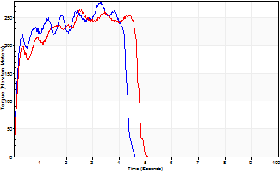
Isometric Extensors (Con) Angle 60 Time 10 Repetition 2 (Best Repetition)
 | Value | Cof Var | %BW
Peak Torque (Newton-Meters)
Right | 278 | 0.04 | 256
Left | 263 | 0.08 | 244
Deficit | 5
Average Torque (Newton-Meters)
Right | 100 | 0.13 | 92
Left | 107 | 0.2 | 98
Deficit | 6
Peak Torque Slope (Newton-Meters/Seconds)
Right | 84 | 0.07 | 78
Left | 112 | 0.04 | 104 |  | Right Side Curves Left Side Curves
Deficit | 24
Time to Half Peak Torque (Seconds)
Right | 0.15 | 0.19
Left | 0.15 | 0
Time to Peak Torque (Seconds)
Right | 3.35 | 0.02
Left | 2.28 | 0.12
HUMAC2015® Version: 15.000.0074 © Computer Sports Medicine, Inc. www.csmisolutions.com

mid2
Use File, Preference to set Report Heading
Long Form Torque vs. Position Report - Knee Extension/Flexion
Name: |  |  |  | TR030_FP3065, | ID: | TR030 | Right/Left: | 09.11.2023 09.11.2023
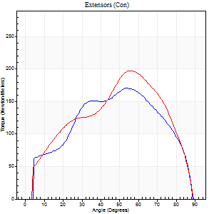
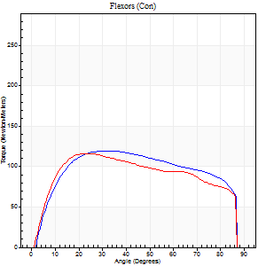
Right Side Curves Left Side Curves
Isokinetic Con/Con |  |  |  | Extensors (Con) |  | Flexors (Con)
Speed 60/60 d/s 3 Reps |  |  |  | Value | Cof Var | %BW | Value | Cof Var | %BW | Ratio

TORQUE PARAMETERS
Peak Torque (Newton-Meters - Best Repetition)
Right |  |  |  | 171 | 0.06 | 158 | 119 | 0.12 | 110 | 70
Left |  |  |  | 198 | 0.06 | 185 | 117 | 0.1 | 107 | 59
Deficit |  |  |  | 14 |  |  | 2
Work per Repetition (Newton-Meters - Best Repetition)
Right |  |  |  | 178 | 0.01 | 164 | 145 | 0.13 | 134 | 82
Left |  |  |  | 193 | 0.03 | 179 | 138 | 0.18 | 128 | 72
Deficit |  |  |  | 8 |  |  | 5
Average Power per Repetition (Watts - Best Repetition)
Right |  |  |  | 117 | 0.01 | 108 | 97 | 0.11 | 90 | 83
Left |  |  |  | 130 | 0.04 | 121 | 91 | 0.17 | 84 | 70
Deficit |  |  |  | 10 |  |  | 6
POSITION PARAMETERS
Joint Angle at Peak Torque (Degrees)
Right |  |  |  | 54 | 0.01 |  | 40 | 0.14
Left |  |  |  | 53 | 0.11 |  | 30 | 0.21
Range of Motion (Degrees)
Right |  |  |  | 0 | 2.36 |  | 90 | 0.01
Left |  |  |  | 1 | 0.25 |  | 90 | 0
TIME PARAMETERS
Time to Peak Torque (Seconds)
Right |  |  |  | 0.59 | 0 |  | 0.63 | 0.11
Left |  |  |  | 0.61 | 0.25 |  | 0.49 | 0.22
Time Peak Torque Held (Seconds)
Right |  |  |  | 0.04 | 0.53 |  | 0.07 | 0.43
Left |  |  |  | 0.04 | 0.16 |  | 0.08 | 0.22
Force Decay Time (Seconds)
Right |  |  |  | 0.88 | 0.02 |  | 0.76 | 0.15
Left |  |  |  | 0.87 | 0.1 |  | 0.93 | 0.11
Reciprocal Delay (Seconds)
Right |  |  |  | 0.1 | 0.71 |  | 0.14 | 0.3
Left |  |  |  | 0.11 | 0.2 |  | 0.13 | 0.26
Delay Time (Seconds)
Right |  |  |  | 0.02 | 0.28 |  | 0.05 | 0.47
Left |  |  |  | 0.04 | 0.61 |  | 0.02 | 1.25
HUMAC2015® Version: 15.000.0074 © Computer Sports Medicine, Inc. www.csmisolutions.com

Use File, Preference to set Report Heading
Long Form Torque vs. Position Report - Knee Extension/Flexion
Name: |  |  |  | TR030_FP3065, | ID: | TR030 | Right/Left: | 09.11.2023 09.11.2023
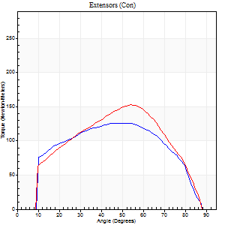
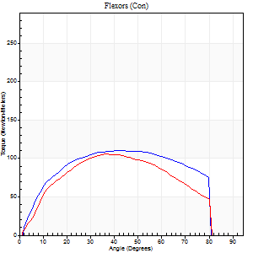
Right Side Curves Left Side Curves
Isokinetic Con/Con |  |  |  | Extensors (Con) |  | Flexors (Con)
Speed 120/120 d/s 3 Reps |  |  |  | Value | Cof Var | %BW | Value | Cof Var | %BW | Ratio

TORQUE PARAMETERS
Peak Torque (Newton-Meters - Best Repetition)
Right |  |  |  | 126 | 0.21 | 116 | 110 | 0.13 | 101 | 87
Left |  |  |  | 153 | 0.27 | 143 | 106 | 0.06 | 98 | 69
Deficit |  |  |  | 18 |  |  | 4
Work per Repetition (Newton-Meters - Best Repetition)
Right |  |  |  | 134 | 0.23 | 125 | 125 | 0.15 | 116 | 93
Left |  |  |  | 148 | 0.23 | 137 | 111 | 0.03 | 104 | 75
Deficit |  |  |  | 9 |  |  | 11
Average Power per Repetition (Watts - Best Repetition)
Right |  |  |  | 172 | 0.27 | 160 | 158 | 0.12 | 147 | 92
Left |  |  |  | 185 | 0.29 | 171 | 136 | 0.02 | 125 | 74
Deficit |  |  |  | 7 |  |  | 14
POSITION PARAMETERS
Joint Angle at Peak Torque (Degrees)
Right |  |  |  | 43 | 0.36 |  | 44 | 0.02
Left |  |  |  | 46 | 0.27 |  | 38 | 0.14
Range of Motion (Degrees)
Right |  |  |  | 1 | 0.35 |  | 89 | 0.01
Left |  |  |  | 1 | 0.12 |  | 89 | 0.01
TIME PARAMETERS
Time to Peak Torque (Seconds)
Right |  |  |  | 0.32 | 0 |  | 0.36 | 0.02
Left |  |  |  | 0.3 | 0 |  | 0.35 | 0.11
Time Peak Torque Held (Seconds)
Right |  |  |  | 0.05 | 0.33 |  | 0.04 | 0.25
Left |  |  |  | 0.03 | 0.33 |  | 0.02 | 0.25
Force Decay Time (Seconds)
Right |  |  |  | 0.33 | 0.45 |  | 0.35 | 0.06
Left |  |  |  | 0.41 | 0.23 |  | 0.42 | 0.1
Reciprocal Delay (Seconds)
Right |  |  |  | 0.05 | 0.28 |  | 0.08 | 0.15
Left |  |  |  | 0.06 | 0.11 |  | 0.1 | 0.06
Delay Time (Seconds)
Right |  |  |  | 0.02 | 0 |  | 0.05 | 0.75
Left |  |  |  | 0.04 | 0.47 |  | -0.01 | -0.87
HUMAC2015® Version: 15.000.0074 © Computer Sports Medicine, Inc. www.csmisolutions.com

Use File, Preference to set Report Heading
Long Form Torque vs. Position Report - Knee Extension/Flexion
Name: |  |  |  | TR030_FP3065, | ID: | TR030 | Right/Left: | 09.11.2023 09.11.2023
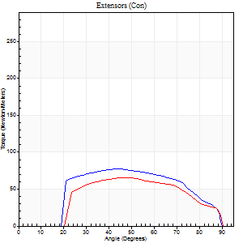
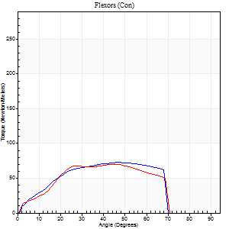
Right Side Curves Left Side Curves
Isokinetic Con/Con |  |  |  | Extensors (Con) |  | Flexors (Con)
Speed 240/240 d/s 3 Reps |  |  |  | Value | Cof Var | %BW | Value | Cof Var | %BW | Ratio

TORQUE PARAMETERS
Peak Torque (Newton-Meters - Best Repetition)
Right |  |  |  | 77 | 0.12 | 72 | 73 | 0.11 | 69 | 95
Left |  |  |  | 65 | 0.33 | 60 | 71 | 0.26 | 66 | 108
Deficit |  |  |  | 16 |  |  | 4
Work per Repetition (Newton-Meters - Best Repetition)
Right |  |  |  | 76 | 0.16 | 72 | 68 | 0.1 | 63 | 89
Left |  |  |  | 62 | 0.45 | 57 | 65 | 0.25 | 60 | 104
Deficit |  |  |  | 18 |  |  | 4
Average Power per Repetition (Watts - Best Repetition)
Right |  |  |  | 149 | 0.17 | 138 | 133 | 0.13 | 123 | 89
Left |  |  |  | 125 | 0.49 | 116 | 124 | 0.31 | 114 | 99
Deficit |  |  |  | 16 |  |  | 7
POSITION PARAMETERS
Joint Angle at Peak Torque (Degrees)
Right |  |  |  | 51 | 0.21 |  | 48 | 0.02
Left |  |  |  | 60 | 0.2 |  | 38 | 0.15
Range of Motion (Degrees)
Right |  |  |  | 1 | 0.09 |  | 90 | 0.01
Left |  |  |  | 1 | 0.26 |  | 90 | 0
TIME PARAMETERS
Time to Peak Torque (Seconds)
Right |  |  |  | 0.25 | 0.08 |  | 0.28 | 0.02
Left |  |  |  | 0.22 | 0.19 |  | 0.27 | 0.09
Time Peak Torque Held (Seconds)
Right |  |  |  | 0.01 | 0.87 |  | 0 | 0
Left |  |  |  | 0.01 | 1 |  | 0.01 | 0.87
Force Decay Time (Seconds)
Right |  |  |  | 0.25 | 0.16 |  | 0.24 | 0.04
Left |  |  |  | 0.3 | 0.25 |  | 0.27 | 0.19
Reciprocal Delay (Seconds)
Right |  |  |  | 0.07 | 0 |  | 0.06 | 0.09
Left |  |  |  | 0.1 | 0.14 |  | 0.07 | 0.23
Delay Time (Seconds)
Right |  |  |  | -0.02 | 0 |  | -0.01 | -0.43
Left |  |  |  | -0.02 | 0 |  | -0.04 | -0.25
HUMAC2015® Version: 15.000.0074 © Computer Sports Medicine, Inc. www.csmisolutions.com

Use File, Preference to set Report Heading
Isometric - Knee Extension/Flexion
Name: |  |  |  | TR030_FP3065, | ID: | TR030 | Right/Left: | 09.11.2023 09.11.2023

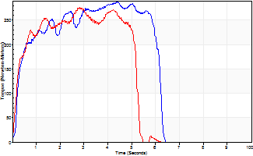
Isometric Extensors (Con) Angle 60 Time 10 Repetition 2 (Best Repetition)
 | Value | Cof Var | %BW
Peak Torque (Newton-Meters)
Right | 287 | 0.01 | 265
Left | 277 | 0.01 | 256
Deficit | 4
Average Torque (Newton-Meters)
Right | 151 | 0.17 | 140
Left | 123 | 0.02 | 113
Deficit | 18
Peak Torque Slope (Newton-Meters/Seconds)
Right | 89 | 0.22 | 83
Left | 98 | 0.04 | 91 |  | Right Side Curves Left Side Curves
Deficit | 9
Time to Half Peak Torque (Seconds)
Right | 0.22 | 0.41
Left | 0.63 | 0.9
Time to Peak Torque (Seconds)
Right | 3.78 | 0.22
Left | 2.89 | 0.04
HUMAC2015® Version: 15.000.0074 © Computer Sports Medicine, Inc. www.csmisolutions.com

post1
Use File, Preference to set Report Heading
Long Form Torque vs. Position Report - Knee Extension/Flexion
Name: |  |  |  | TR030_FP3065, | ID: | TR030 | Right/Left: | 04.12.2023 04.12.2023
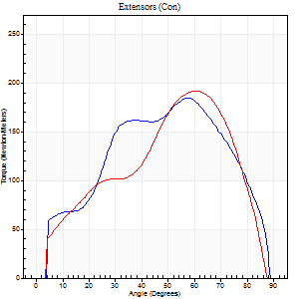
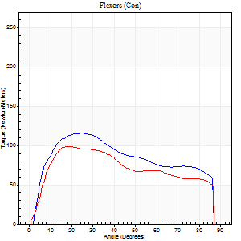
Right Side Curves Left Side Curves
Isokinetic Con/Con |  |  |  | Extensors (Con) |  | Flexors (Con)
Speed 60/60 d/s 3 Reps |  |  |  | Value | Cof Var | %BW | Value | Cof Var | %BW | Ratio

TORQUE PARAMETERS
Peak Torque (Newton-Meters - Best Repetition)
Right |  |  |  | 184 | 0.03 | 170 | 115 | 0.18 | 107 | 62
Left |  |  |  | 191 | 0.03 | 176 | 99 | 0.07 | 92 | 52
Deficit |  |  |  | 4 |  |  | 14
Work per Repetition (Newton-Meters - Best Repetition)
Right |  |  |  | 187 | 0.07 | 173 | 127 | 0.18 | 119 | 68
Left |  |  |  | 178 | 0.02 | 164 | 107 | 0.05 | 98 | 60
Deficit |  |  |  | 5 |  |  | 16
Average Power per Repetition (Watts - Best Repetition)
Right |  |  |  | 121 | 0.09 | 112 | 84 | 0.16 | 77 | 69
Left |  |  |  | 120 | 0.02 | 112 | 71 | 0.04 | 66 | 59
Deficit |  |  |  | 1 |  |  | 15
POSITION PARAMETERS
Joint Angle at Peak Torque (Degrees)
Right |  |  |  | 56 | 0.05 |  | 21 | 0.14
Left |  |  |  | 59 | 0.05 |  | 22 | 0.16
Range of Motion (Degrees)
Right |  |  |  | 0 | 0 |  | 90 | 0
Left |  |  |  | 0 | 0.39 |  | 90 | 0.01
TIME PARAMETERS
Time to Peak Torque (Seconds)
Right |  |  |  | 0.56 | 0.11 |  | 0.34 | 0.15
Left |  |  |  | 0.49 | 0.12 |  | 0.36 | 0.1
Time Peak Torque Held (Seconds)
Right |  |  |  | 0.02 | 0.25 |  | 0.04 | 0
Left |  |  |  | 0.04 | 0 |  | 0.03 | 0.78
Force Decay Time (Seconds)
Right |  |  |  | 0.96 | 0.05 |  | 1.11 | 0.05
Left |  |  |  | 0.97 | 0.05 |  | 1.1 | 0.05
Reciprocal Delay (Seconds)
Right |  |  |  | 0.12 | 0.31 |  | 0.16 | 0.13
Left |  |  |  | 0.07 | 0.2 |  | 0.12 | 0.2
Delay Time (Seconds)
Right |  |  |  | 0.01 | 0.47 |  | 0.04 | 0
Left |  |  |  | 0.04 | 0.35 |  | 0.01 | 1.15
HUMAC2015® Version: 15.000.0074 © Computer Sports Medicine, Inc. www.csmisolutions.com

Use File, Preference to set Report Heading
Long Form Torque vs. Position Report - Knee Extension/Flexion
Name: |  |  |  | TR030_FP3065, | ID: | TR030 | Right/Left: | 04.12.2023 04.12.2023
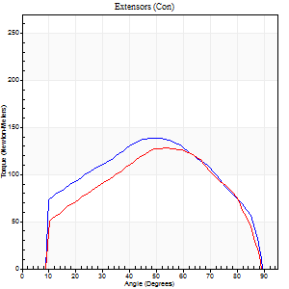
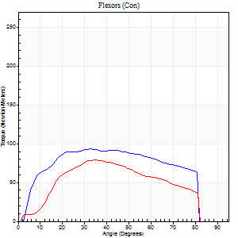
Right Side Curves Left Side Curves
Isokinetic Con/Con |  |  |  | Extensors (Con) |  | Flexors (Con)
Speed 120/120 d/s 3 Reps |  |  |  | Value | Cof Var | %BW | Value | Cof Var | %BW | Ratio

TORQUE PARAMETERS
Peak Torque (Newton-Meters - Best Repetition)
Right |  |  |  | 138 | 0.18 | 128 | 94 | 0.18 | 86 | 68
Left |  |  |  | 127 | 0.25 | 119 | 79 | 0.09 | 72 | 62
Deficit |  |  |  | 8 |  |  | 16
Work per Repetition (Newton-Meters - Best Repetition)
Right |  |  |  | 146 | 0.23 | 137 | 107 | 0.2 | 98 | 73
Left |  |  |  | 129 | 0.26 | 119 | 79 | 0.05 | 72 | 61
Deficit |  |  |  | 12 |  |  | 27
Average Power per Repetition (Watts - Best Repetition)
Right |  |  |  | 183 | 0.22 | 169 | 137 | 0.19 | 127 | 75
Left |  |  |  | 161 | 0.3 | 149 | 95 | 0.05 | 88 | 59
Deficit |  |  |  | 12 |  |  | 31
POSITION PARAMETERS
Joint Angle at Peak Torque (Degrees)
Right |  |  |  | 56 | 0.19 |  | 37 | 0.12
Left |  |  |  | 43 | 0.45 |  | 34 | 0.15
Range of Motion (Degrees)
Right |  |  |  | 1 | 0 |  | 90 | 0
Left |  |  |  | 1 | 0.05 |  | 90 | 0
TIME PARAMETERS
Time to Peak Torque (Seconds)
Right |  |  |  | 0.28 | 0.44 |  | 0.31 | 0.13
Left |  |  |  | 0.31 | 0.05 |  | 0.32 | 0.14
Time Peak Torque Held (Seconds)
Right |  |  |  | 0.02 | 0.92 |  | 0.02 | 0.92
Left |  |  |  | 0.02 | 0.89 |  | 0.01 | 0.87
Force Decay Time (Seconds)
Right |  |  |  | 0.47 | 0.22 |  | 0.44 | 0.13
Left |  |  |  | 0.37 | 0.39 |  | 0.49 | 0.09
Reciprocal Delay (Seconds)
Right |  |  |  | 0.08 | 0.28 |  | 0.06 | 0.18
Left |  |  |  | 0.09 | 0.25 |  | 0.08 | 0.15
Delay Time (Seconds)
Right |  |  |  | 0 | 1.41 |  | 0.02 | 0.25
Left |  |  |  | 0.01 | 0 |  | 0 | 0
HUMAC2015® Version: 15.000.0074 © Computer Sports Medicine, Inc. www.csmisolutions.com

Use File, Preference to set Report Heading
Long Form Torque vs. Position Report - Knee Extension/Flexion
Name: |  |  |  | TR030_FP3065, | ID: | TR030 | Right/Left: | 04.12.2023 04.12.2023
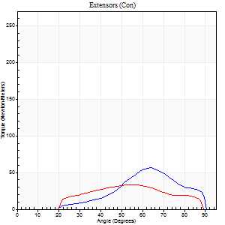
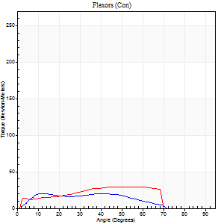
Right Side Curves Left Side Curves
Isokinetic Con/Con |  |  |  | Extensors (Con) |  | Flexors (Con)
Speed 240/240 d/s 3 Reps |  |  |  | Value | Cof Var | %BW | Value | Cof Var | %BW | Ratio

TORQUE PARAMETERS
Peak Torque (Newton-Meters - Best Repetition)
Right |  |  |  | 57 | 0.43 | 54 | 20 | 0.37 | 18 | 36
Left |  |  |  | 33 | 0.39 | 30 | 30 | 0.41 | 27 | 92
Deficit |  |  |  | 43 |  |  | 32
Work per Repetition (Newton-Meters - Best Repetition)
Right |  |  |  | 39 | 0.3 | 36 | 18 | 0.46 | 15 | 45
Left |  |  |  | 28 | 0.41 | 27 | 27 | 0.58 | 24 | 95
Deficit |  |  |  | 28 |  |  | 35
Average Power per Repetition (Watts - Best Repetition)
Right |  |  |  | 77 | 0.29 | 70 | 33 | 0.46 | 31 | 43
Left |  |  |  | 58 | 0.48 | 53 | 53 | 0.64 | 48 | 91
Deficit |  |  |  | 25 |  |  | 38
POSITION PARAMETERS
Joint Angle at Peak Torque (Degrees)
Right |  |  |  | 70 | 0.22 |  | 22 | 1.04
Left |  |  |  | 39 | 0.77 |  | 38 | 0.8
Range of Motion (Degrees)
Right |  |  |  | 2 | 0.14 |  | 90 | 0
Left |  |  |  | 2 | 0.08 |  | 89 | 0.01
TIME PARAMETERS
Time to Peak Torque (Seconds)
Right |  |  |  | 0.12 | 0.96 |  | 0.18 | 0.69
Left |  |  |  | 0.37 | 0.57 |  | 0.25 | 0.7
Time Peak Torque Held (Seconds)
Right |  |  |  | 0.07 | 1.62 |  | 0.05 | 1.42
Left |  |  |  | 0 | 0 |  | 0.01 | 0.87
Force Decay Time (Seconds)
Right |  |  |  | 0.28 | 0.12 |  | 0.32 | 0.42
Left |  |  |  | 0.2 | 0.69 |  | 0.29 | 0.65
Reciprocal Delay (Seconds)
Right |  |  |  | 0.06 | 0 |  | 0.06 | 0.2
Left |  |  |  | 0.06 | 0.24 |  | 0.05 | 0
Delay Time (Seconds)
Right |  |  |  | -0.02 | 0 |  | -0.01 | 0
Left |  |  |  | -0.01 | -0.47 |  | -0.03 | 0
HUMAC2015® Version: 15.000.0074 © Computer Sports Medicine, Inc. www.csmisolutions.com

Use File, Preference to set Report Heading
Isometric - Knee Extension/Flexion
Name: |  |  |  | TR030_FP3065, | ID: | TR030 | Right/Left: | 04.12.2023 04.12.2023

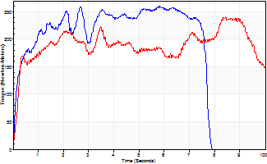
Isometric Extensors (Con) Angle 60 Time 10 Repetition 2 (Best Repetition)
 | Value | Cof Var | %BW
Peak Torque (Newton-Meters)
Right | 260 | 0.32 | 241
Left | 240 | 0.17 | 224
Deficit | 8
Average Torque (Newton-Meters)
Right | 175 | 0.25 | 161
Left | 188 | 0.36 | 176
Deficit | 7
Peak Torque Slope (Newton-Meters/Seconds)
Right | 91 | 0.48 | 85
Left | 37 | 0.18 | 34 |  | Right Side Curves Left Side Curves
Deficit | 60
Time to Half Peak Torque (Seconds)
Right | 0.25 | 0.34
Left | 0.42 | 0.61
Time to Peak Torque (Seconds)
Right | 3.79 | 0.75
Left | 6.79 | 0.34
HUMAC2015® Version: 15.000.0074 © Computer Sports Medicine, Inc. www.csmisolutions.com

post2
Use File, Preference to set Report Heading
Long Form Torque vs. Position Report - Knee Extension/Flexion
Name: |  |  |  | TR030_FP3065, | ID: | TR030 | Right/Left: | 07.12.2023 07.12.2023
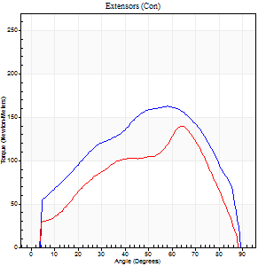
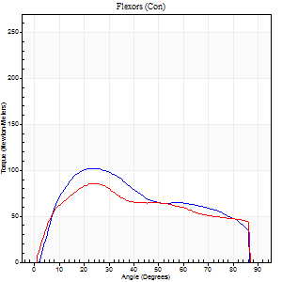
Right Side Curves Left Side Curves
Isokinetic Con/Con |  |  |  | Extensors (Con) |  | Flexors (Con)
Speed 60/60 d/s 3 Reps |  |  |  | Value | Cof Var | %BW | Value | Cof Var | %BW | Ratio

TORQUE PARAMETERS
Peak Torque (Newton-Meters - Best Repetition)
Right |  |  |  | 163 | 0.06 | 152 | 102 | 0.14 | 95 | 62
Left |  |  |  | 140 | 0.06 | 128 | 85 | 0.09 | 80 | 61
Deficit |  |  |  | 14 |  |  | 16
Work per Repetition (Newton-Meters - Best Repetition)
Right |  |  |  | 175 | 0.08 | 161 | 106 | 0.12 | 98 | 60
Left |  |  |  | 132 | 0.06 | 122 | 91 | 0.09 | 83 | 69
Deficit |  |  |  | 25 |  |  | 14
Average Power per Repetition (Watts - Best Repetition)
Right |  |  |  | 115 | 0.08 | 108 | 69 | 0.09 | 64 | 60
Left |  |  |  | 85 | 0.05 | 79 | 60 | 0.06 | 55 | 71
Deficit |  |  |  | 26 |  |  | 13
POSITION PARAMETERS
Joint Angle at Peak Torque (Degrees)
Right |  |  |  | 56 | 0.04 |  | 24 | 0.13
Left |  |  |  | 65 | 0.01 |  | 25 | 0.11
Range of Motion (Degrees)
Right |  |  |  | 1 | 0.28 |  | 90 | 0
Left |  |  |  | 0 | 0.61 |  | 90 | 0
TIME PARAMETERS
Time to Peak Torque (Seconds)
Right |  |  |  | 0.56 | 0.08 |  | 0.38 | 0.11
Left |  |  |  | 0.38 | 0.06 |  | 0.42 | 0.09
Time Peak Torque Held (Seconds)
Right |  |  |  | 0.05 | 0.39 |  | 0.05 | 0.29
Left |  |  |  | 0.05 | 0.81 |  | 0.04 | 0
Force Decay Time (Seconds)
Right |  |  |  | 0.89 | 0.07 |  | 1.04 | 0.09
Left |  |  |  | 1.07 | 0.03 |  | 1.04 | 0.08
Reciprocal Delay (Seconds)
Right |  |  |  | 0.11 | 0.47 |  | 0.11 | 0.27
Left |  |  |  | 0.09 | 0.25 |  | 0.16 | 0.15
Delay Time (Seconds)
Right |  |  |  | 0.02 | 0.28 |  | 0.04 | 0.25
Left |  |  |  | 0.05 | 0.28 |  | 0.01 | 2.29
HUMAC2015® Version: 15.000.0074 © Computer Sports Medicine, Inc. www.csmisolutions.com

Use File, Preference to set Report Heading
Long Form Torque vs. Position Report - Knee Extension/Flexion
Name: |  |  |  | TR030_FP3065, | ID: | TR030 | Right/Left: | 07.12.2023 07.12.2023
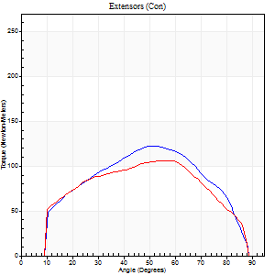
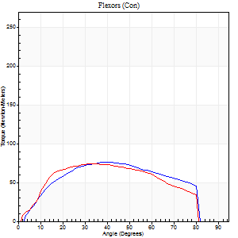
Right Side Curves Left Side Curves
Isokinetic Con/Con |  |  |  | Extensors (Con) |  | Flexors (Con)
Speed 120/120 d/s 3 Reps |  |  |  | Value | Cof Var | %BW | Value | Cof Var | %BW | Ratio

TORQUE PARAMETERS
Peak Torque (Newton-Meters - Best Repetition)
Right |  |  |  | 122 | 0.17 | 113 | 76 | 0.23 | 72 | 62
Left |  |  |  | 106 | 0.26 | 98 | 73 | 0.12 | 69 | 69
Deficit |  |  |  | 13 |  |  | 4
Work per Repetition (Newton-Meters - Best Repetition)
Right |  |  |  | 122 | 0.15 | 113 | 80 | 0.17 | 75 | 66
Left |  |  |  | 111 | 0.29 | 104 | 79 | 0.14 | 72 | 71
Deficit |  |  |  | 9 |  |  | 2
Average Power per Repetition (Watts - Best Repetition)
Right |  |  |  | 155 | 0.18 | 143 | 102 | 0.17 | 95 | 66
Left |  |  |  | 139 | 0.37 | 130 | 95 | 0.13 | 88 | 68
Deficit |  |  |  | 10 |  |  | 7
POSITION PARAMETERS
Joint Angle at Peak Torque (Degrees)
Right |  |  |  | 49 | 0.04 |  | 39 | 0.18
Left |  |  |  | 50 | 0.27 |  | 32 | 0.1
Range of Motion (Degrees)
Right |  |  |  | 1 | 0.08 |  | 90 | 0.01
Left |  |  |  | 1 | 0.15 |  | 90 | 0.01
TIME PARAMETERS
Time to Peak Torque (Seconds)
Right |  |  |  | 0.35 | 0.04 |  | 0.34 | 0.19
Left |  |  |  | 0.29 | 0 |  | 0.3 | 0.1
Time Peak Torque Held (Seconds)
Right |  |  |  | 0.02 | 0.5 |  | 0.04 | 1.15
Left |  |  |  | 0.01 | 1.15 |  | 0.04 | 0.42
Force Decay Time (Seconds)
Right |  |  |  | 0.41 | 0.05 |  | 0.4 | 0.08
Left |  |  |  | 0.43 | 0.22 |  | 0.47 | 0.07
Reciprocal Delay (Seconds)
Right |  |  |  | 0.08 | 0.09 |  | 0.07 | 0.09
Left |  |  |  | 0.06 | 0.33 |  | 0.09 | 0.27
Delay Time (Seconds)
Right |  |  |  | 0.01 | 0 |  | 0.02 | 0.25
Left |  |  |  | 0 | 1.41 |  | 0 | -1.73
HUMAC2015® Version: 15.000.0074 © Computer Sports Medicine, Inc. www.csmisolutions.com

Use File, Preference to set Report Heading
Long Form Torque vs. Position Report - Knee Extension/Flexion
Name: |  |  |  | TR030_FP3065, | ID: | TR030 | Right/Left: | 07.12.2023 07.12.2023
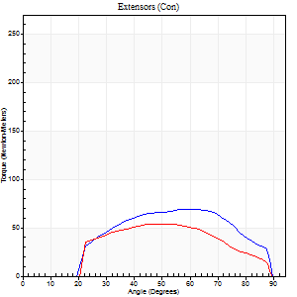
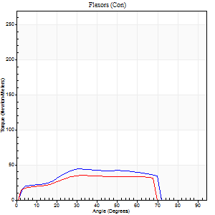
Right Side Curves Left Side Curves
Isokinetic Con/Con |  |  |  | Extensors (Con) |  | Flexors (Con)
Speed 240/240 d/s 3 Reps |  |  |  | Value | Cof Var | %BW | Value | Cof Var | %BW | Ratio

TORQUE PARAMETERS
Peak Torque (Newton-Meters - Best Repetition)
Right |  |  |  | 69 | 0.46 | 66 | 43 | 0.27 | 42 | 63
Left |  |  |  | 54 | 0.24 | 51 | 35 | 0.07 | 33 | 65
Deficit |  |  |  | 22 |  |  | 19
Work per Repetition (Newton-Meters - Best Repetition)
Right |  |  |  | 65 | 0.5 | 60 | 43 | 0.39 | 42 | 67
Left |  |  |  | 49 | 0.31 | 45 | 34 | 0.12 | 33 | 69
Deficit |  |  |  | 25 |  |  | 22
Average Power per Repetition (Watts - Best Repetition)
Right |  |  |  | 138 | 0.57 | 127 | 86 | 0.4 | 79 | 62
Left |  |  |  | 97 | 0.35 | 90 | 65 | 0.13 | 59 | 67
Deficit |  |  |  | 30 |  |  | 24
POSITION PARAMETERS
Joint Angle at Peak Torque (Degrees)
Right |  |  |  | 58 | 0.1 |  | 34 | 0.25
Left |  |  |  | 55 | 0.09 |  | 36 | 0.05
Range of Motion (Degrees)
Right |  |  |  | 2 | 0 |  | 90 | 0.01
Left |  |  |  | 2 | 0.09 |  | 89 | 0.01
TIME PARAMETERS
Time to Peak Torque (Seconds)
Right |  |  |  | 0.22 | 0.3 |  | 0.21 | 0.21
Left |  |  |  | 0.22 | 0.09 |  | 0.24 | 0.04
Time Peak Torque Held (Seconds)
Right |  |  |  | 0.02 | 0.35 |  | 0 | 1.73
Left |  |  |  | 0.01 | 0.87 |  | 0.01 | 0.87
Force Decay Time (Seconds)
Right |  |  |  | 0.26 | 0.12 |  | 0.27 | 0.27
Left |  |  |  | 0.27 | 0.09 |  | 0.26 | 0.06
Reciprocal Delay (Seconds)
Right |  |  |  | 0.05 | 0.28 |  | 0.04 | 0.13
Left |  |  |  | 0.06 | 0 |  | 0.05 | 0
Delay Time (Seconds)
Right |  |  |  | -0.02 | -0.71 |  | -0.02 | -0.69
Left |  |  |  | -0.01 | 0 |  | -0.02 | -0.25
HUMAC2015® Version: 15.000.0074 © Computer Sports Medicine, Inc. www.csmisolutions.com

Use File, Preference to set Report Heading
Isometric - Knee Extension/Flexion
Name: |  |  |  | TR030_FP3065, | ID: | TR030 | Right/Left: | 07.12.2023 07.12.2023

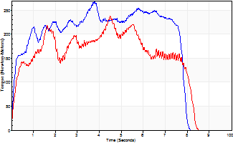
Isometric Extensors (Con) Angle 60 Time 10 Repetition 2 (Best Repetition)
 | Value | Cof Var | %BW
Peak Torque (Newton-Meters)
Right | 267 | 0.13 | 247
Left | 237 | 0 | 221
Deficit | 11
Average Torque (Newton-Meters)
Right | 172 | 0.16 | 161
Left | 170 | 0.13 | 158
Deficit | 2
Peak Torque Slope (Newton-Meters/Seconds)
Right | 71 | 0.49 | 66
Left | 53 | 0.35 | 49 |  | Right Side Curves Left Side Curves
Deficit | 25
Time to Half Peak Torque (Seconds)
Right | 0.39 | 0.69
Left | 0.25 | 0.43
Time to Peak Torque (Seconds)
Right | 5.09 | 0.37
Left | 5.93 | 0.34
HUMAC2015® Version: 15.000.0074 © Computer Sports Medicine, Inc. www.csmisolutions.com

