pre1
Use File, Preference to set Report Heading
Long Form Torque vs. Position Report - Knee Extension/Flexion
Name: |  |  |  | TR030_FP3066, | ID: | TR030 | Right/Left: | 14.09.2022 14.09.2022
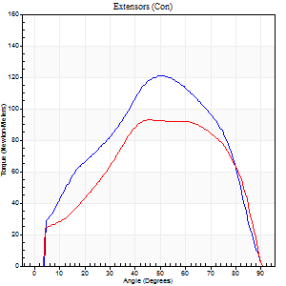
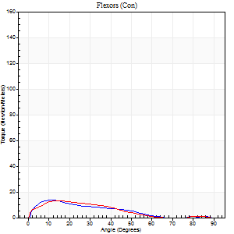
Right Side Curves Left Side Curves
Isokinetic Con/Con |  |  |  | Extensors (Con) |  | Flexors (Con)
Speed 60/60 d/s 3 Reps |  |  |  | Value | Cof Var | %BW | Value | Cof Var | %BW | Ratio

TORQUE PARAMETERS
Peak Torque (Newton-Meters - Best Repetition)
Right |  |  |  | 121 | 0.04 | 173 | 14 | 0.33 | 18 | 11
Left |  |  |  | 94 | 0.02 | 134 | 14 | 0.28 | 18 | 14
Deficit |  |  |  | 22 |  |  | 0
Work per Repetition (Newton-Meters - Best Repetition)
Right |  |  |  | 126 | 0.04 | 179 | 8 | 0.42 | 12 | 6
Left |  |  |  | 99 | 0.03 | 140 | 8 | 0.47 | 12 | 8
Deficit |  |  |  | 22 |  |  | 0
Average Power per Repetition (Watts - Best Repetition)
Right |  |  |  | 78 | 0.04 | 112 | 4 | 0.56 | 7 | 5
Left |  |  |  | 62 | 0.02 | 88 | 5 | 0.52 | 7 | 8
Deficit |  |  |  | 21 |  |  | 20
POSITION PARAMETERS
Joint Angle at Peak Torque (Degrees)
Right |  |  |  | 48 | 0.04 |  | 12 | 0.12
Left |  |  |  | 57 | 0.18 |  | 12 | 0.18
Range of Motion (Degrees)
Right |  |  |  | 0 | 0 |  | 90 | 0
Left |  |  |  | 0 | 1.01 |  | 90 | 0
TIME PARAMETERS
Time to Peak Torque (Seconds)
Right |  |  |  | 0.75 | 0.02 |  | 0.24 | 0.21
Left |  |  |  | 0.6 | 0.38 |  | 0.26 | 0.19
Time Peak Torque Held (Seconds)
Right |  |  |  | 0.05 | 0.45 |  | 0.02 | 1.73
Left |  |  |  | 0.04 | 0.31 |  | 0.02 | 0.92
Force Decay Time (Seconds)
Right |  |  |  | 0.8 | 0.06 |  | 2.25 | 0.31
Left |  |  |  | 0.95 | 0.17 |  | 1.69 | 0.16
Reciprocal Delay (Seconds)
Right |  |  |  | 0.72 | 0.07 |  | 0.25 | 0.14
Left |  |  |  | 1.19 | 0.11 |  | 0.2 | 0.28
Delay Time (Seconds)
Right |  |  |  | -0.05 | 0 |  | 0 | 0
Left |  |  |  | -0.01 | 0 |  | -0.01 | -1
HUMAC2015® Version: 15.000.0074 © Computer Sports Medicine, Inc. www.csmisolutions.com

Use File, Preference to set Report Heading
Long Form Torque vs. Position Report - Knee Extension/Flexion
Name: |  |  |  | TR030_FP3066, | ID: | TR030 | Right/Left: | 14.09.2022 14.09.2022
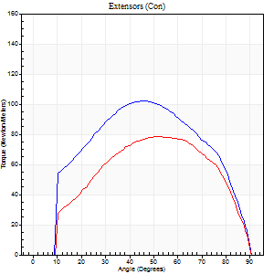
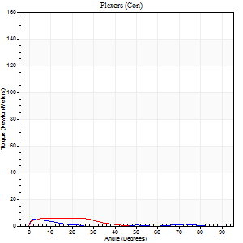
Right Side Curves Left Side Curves
Isokinetic Con/Con |  |  |  | Extensors (Con) |  | Flexors (Con)
Speed 120/120 d/s 3 Reps |  |  |  | Value | Cof Var | %BW | Value | Cof Var | %BW | Ratio

TORQUE PARAMETERS
Peak Torque (Newton-Meters - Best Repetition)
Right |  |  |  | 102 | 0.02 | 146 | 5 | 0.03 | 9 | 5
Left |  |  |  | 79 | 0.09 | 113 | 5 | 0.18 | 9 | 7
Deficit |  |  |  | 23 |  |  | 0
Work per Repetition (Newton-Meters - Best Repetition)
Right |  |  |  | 108 | 0.02 | 155 | 1 | 0.16 | 3 | 1
Left |  |  |  | 81 | 0.14 | 116 | 3 | 0.45 | 3 | 3
Deficit |  |  |  | 25 |  |  | 50
Average Power per Repetition (Watts - Best Repetition)
Right |  |  |  | 121 | 0.02 | 174 | 1 | 0.19 | 2 | 1
Left |  |  |  | 94 | 0.17 | 134 | 3 | 0.54 | 4 | 3
Deficit |  |  |  | 22 |  |  | 67
POSITION PARAMETERS
Joint Angle at Peak Torque (Degrees)
Right |  |  |  | 47 | 0.01 |  | 3 | 0.27
Left |  |  |  | 55 | 0.06 |  | 11 | 0.9
Range of Motion (Degrees)
Right |  |  |  | 0 | 1.41 |  | 90 | 0
Left |  |  |  | 0 | 0.79 |  | 90 | 0
TIME PARAMETERS
Time to Peak Torque (Seconds)
Right |  |  |  | 0.42 | 0 |  | 0.1 | 0.26
Left |  |  |  | 0.36 | 0.06 |  | 0.28 | 0.54
Time Peak Torque Held (Seconds)
Right |  |  |  | 0.03 | 0.17 |  | 0.04 | 1.1
Left |  |  |  | 0.02 | 0.25 |  | 0.03 | 1.73
Force Decay Time (Seconds)
Right |  |  |  | 0.42 | 0.04 |  | 1.94 | 0.11
Left |  |  |  | 0.51 | 0.07 |  | 1.13 | 0.19
Reciprocal Delay (Seconds)
Right |  |  |  | 0.67 | 0.46 |  | 0.25 | 0.23
Left |  |  |  | 0.85 | 0.23 |  | 0.3 | 0.34
Delay Time (Seconds)
Right |  |  |  | -0.02 | 0 |  | -0.01 | -1.73
Left |  |  |  | -0.02 | -0.85 |  | -0.08 | -0.33
HUMAC2015® Version: 15.000.0074 © Computer Sports Medicine, Inc. www.csmisolutions.com

Use File, Preference to set Report Heading
Long Form Torque vs. Position Report - Knee Extension/Flexion
Name: |  |  |  | TR030_FP3066, | ID: | TR030 | Right/Left: | 14.09.2022 14.09.2022
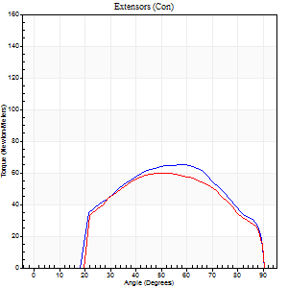
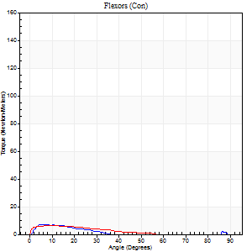
Right Side Curves Left Side Curves
Isokinetic Con/Con |  |  |  | Extensors (Con) |  | Flexors (Con)
Speed 240/240 d/s 3 Reps |  |  |  | Value | Cof Var | %BW | Value | Cof Var | %BW | Ratio

TORQUE PARAMETERS
Peak Torque (Newton-Meters - Best Repetition)
Right |  |  |  | 65 | 0.08 | 92 | 7 | 0.71 | 9 | 10
Left |  |  |  | 60 | 0.04 | 86 | 7 | 0.18 | 9 | 11
Deficit |  |  |  | 8 |  |  | 0
Work per Repetition (Newton-Meters - Best Repetition)
Right |  |  |  | 62 | 0.08 | 89 | 3 | 0.63 | 3 | 4
Left |  |  |  | 58 | 0.06 | 83 | 4 | 0.38 | 6 | 7
Deficit |  |  |  | 7 |  |  | 33
Average Power per Repetition (Watts - Best Repetition)
Right |  |  |  | 114 | 0.09 | 163 | 2 | 0.79 | 2 | 2
Left |  |  |  | 101 | 0.06 | 145 | 5 | 0.65 | 7 | 5
Deficit |  |  |  | 11 |  |  | 60
POSITION PARAMETERS
Joint Angle at Peak Torque (Degrees)
Right |  |  |  | 58 | 0.04 |  | 7 | 0.67
Left |  |  |  | 54 | 0.06 |  | 7 | 0.27
Range of Motion (Degrees)
Right |  |  |  | 1 | 0.05 |  | 90 | 0
Left |  |  |  | 0 | 0.13 |  | 90 | 0
TIME PARAMETERS
Time to Peak Torque (Seconds)
Right |  |  |  | 0.23 | 0.09 |  | 0.25 | 0.8
Left |  |  |  | 0.25 | 0.03 |  | 0.23 | 0.13
Time Peak Torque Held (Seconds)
Right |  |  |  | 0.02 | 0.25 |  | 0.06 | 0.87
Left |  |  |  | 0.01 | 0.43 |  | 0.02 | 1.25
Force Decay Time (Seconds)
Right |  |  |  | 0.29 | 0.03 |  | 1.52 | 0.17
Left |  |  |  | 0.3 | 0.05 |  | 1.06 | 0.45
Reciprocal Delay (Seconds)
Right |  |  |  | 1.02 | 0.42 |  | 0.13 | 0.04
Left |  |  |  | 0.92 | 0.14 |  | 0.15 | 0.28
Delay Time (Seconds)
Right |  |  |  | -0.03 | 0 |  | -0.02 | -0.25
Left |  |  |  | -0.03 | 0 |  | -0.07 | -0.25
HUMAC2015® Version: 15.000.0074 © Computer Sports Medicine, Inc. www.csmisolutions.com

Use File, Preference to set Report Heading
Isometric - Knee Extension/Flexion
Name: |  |  |  | TR030_FP3066, | ID: | TR030 | Right/Left: | 14.09.2022 14.09.2022

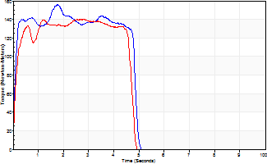
Isometric Extensors (Con) Angle 60 Time 10 Repetition 2 (Best Repetition)
 | Value | Cof Var | %BW
Peak Torque (Newton-Meters)
Right | 156 | 0.18 | 224
Left | 141 | 0.01 | 203
Deficit | 10
Average Torque (Newton-Meters)
Right | 66 | 0.31 | 95
Left | 61 | 0.11 | 86
Deficit | 8
Peak Torque Slope (Newton-Meters/Seconds)
Right | 88 | 0.49 | 126
Left | 159 | 0.72 | 228 |  | Right Side Curves Left Side Curves
Deficit | 45
Time to Half Peak Torque (Seconds)
Right | 0.08 | 0
Left | 0.09 | 0.16
Time to Peak Torque (Seconds)
Right | 2.26 | 0.32
Left | 1.77 | 0.73
HUMAC2015® Version: 15.000.0074 © Computer Sports Medicine, Inc. www.csmisolutions.com

mid1
Use File, Preference to set Report Heading
Long Form Torque vs. Position Report - Knee Extension/Flexion
Name: |  |  |  | TR030_FP3066, | ID: | TR030 | Right/Left: | 28.09.2022 28.09.2022
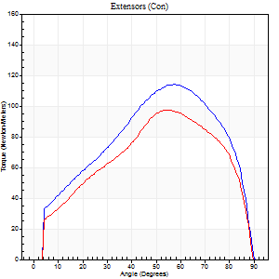
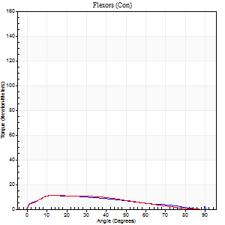
Right Side Curves Left Side Curves
Isokinetic Con/Con |  |  |  | Extensors (Con) |  | Flexors (Con)
Speed 60/60 d/s 3 Reps |  |  |  | Value | Cof Var | %BW | Value | Cof Var | %BW | Ratio

TORQUE PARAMETERS
Peak Torque (Newton-Meters - Best Repetition)
Right |  |  |  | 114 | 0.01 | 164 | 11 | 0.18 | 15 | 10
Left |  |  |  | 98 | 0.09 | 140 | 11 | 0.23 | 15 | 11
Deficit |  |  |  | 14 |  |  | 0
Work per Repetition (Newton-Meters - Best Repetition)
Right |  |  |  | 119 | 0.02 | 170 | 11 | 0.16 | 15 | 9
Left |  |  |  | 100 | 0.1 | 143 | 11 | 0.3 | 15 | 11
Deficit |  |  |  | 16 |  |  | 0
Average Power per Repetition (Watts - Best Repetition)
Right |  |  |  | 76 | 0.02 | 108 | 6 | 0.11 | 9 | 8
Left |  |  |  | 64 | 0.09 | 92 | 6 | 0.33 | 9 | 9
Deficit |  |  |  | 16 |  |  | 0
POSITION PARAMETERS
Joint Angle at Peak Torque (Degrees)
Right |  |  |  | 56 | 0.05 |  | 17 | 0.4
Left |  |  |  | 61 | 0.09 |  | 12 | 0.46
Range of Motion (Degrees)
Right |  |  |  | 0 | -1.41 |  | 90 | 0
Left |  |  |  | 0 | 0 |  | 90 | 0
TIME PARAMETERS
Time to Peak Torque (Seconds)
Right |  |  |  | 0.6 | 0.09 |  | 0.38 | 0.3
Left |  |  |  | 0.53 | 0.19 |  | 0.24 | 0.59
Time Peak Torque Held (Seconds)
Right |  |  |  | 0.06 | 0.37 |  | 0.04 | 0.96
Left |  |  |  | 0.03 | 0.17 |  | 0 | 0
Force Decay Time (Seconds)
Right |  |  |  | 0.92 | 0.07 |  | 1.29 | 0.14
Left |  |  |  | 0.99 | 0.06 |  | 1.42 | 0.15
Reciprocal Delay (Seconds)
Right |  |  |  | 0.65 | 0.01 |  | 0.4 | 0.08
Left |  |  |  | 0.7 | 0.01 |  | 0.19 | 0.51
Delay Time (Seconds)
Right |  |  |  | 0 | 0 |  | -0.04 | -0.27
Left |  |  |  | 0 | 1.41 |  | -0.03 | -0.33
HUMAC2015® Version: 15.000.0074 © Computer Sports Medicine, Inc. www.csmisolutions.com

Use File, Preference to set Report Heading
Long Form Torque vs. Position Report - Knee Extension/Flexion
Name: |  |  |  | TR030_FP3066, | ID: | TR030 | Right/Left: | 28.09.2022 28.09.2022
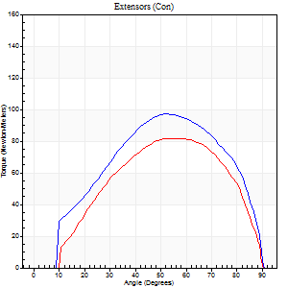
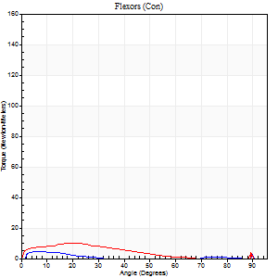
Right Side Curves Left Side Curves
Isokinetic Con/Con |  |  |  | Extensors (Con) |  | Flexors (Con)
Speed 120/120 d/s 3 Reps |  |  |  | Value | Cof Var | %BW | Value | Cof Var | %BW | Ratio

TORQUE PARAMETERS
Peak Torque (Newton-Meters - Best Repetition)
Right |  |  |  | 98 | 0.01 | 140 | 9 | 0.27 | 15 | 10
Left |  |  |  | 81 | 0.12 | 116 | 11 | 0.58 | 15 | 13
Deficit |  |  |  | 17 |  |  | 13
Work per Repetition (Newton-Meters - Best Repetition)
Right |  |  |  | 99 | 0.01 | 140 | 4 | 0.37 | 6 | 4
Left |  |  |  | 81 | 0.19 | 116 | 7 | 0.76 | 9 | 8
Deficit |  |  |  | 18 |  |  | 40
Average Power per Repetition (Watts - Best Repetition)
Right |  |  |  | 120 | 0.07 | 171 | 3 | 0.45 | 4 | 2
Left |  |  |  | 94 | 0.19 | 134 | 6 | 0.84 | 9 | 6
Deficit |  |  |  | 22 |  |  | 50
POSITION PARAMETERS
Joint Angle at Peak Torque (Degrees)
Right |  |  |  | 53 | 0.03 |  | 35 | 1.35
Left |  |  |  | 60 | 0.05 |  | 11 | 0.71
Range of Motion (Degrees)
Right |  |  |  | 1 | 0.07 |  | 90 | 0
Left |  |  |  | 1 | 0.2 |  | 90 | 0
TIME PARAMETERS
Time to Peak Torque (Seconds)
Right |  |  |  | 0.35 | 0.06 |  | 0.73 | 1.28
Left |  |  |  | 0.31 | 0.09 |  | 0.22 | 0.32
Time Peak Torque Held (Seconds)
Right |  |  |  | 0.04 | 0.16 |  | 0.05 | 1.56
Left |  |  |  | 0.03 | 0.88 |  | 0.03 | 1.73
Force Decay Time (Seconds)
Right |  |  |  | 0.46 | 0.15 |  | 0.55 | 1.31
Left |  |  |  | 0.51 | 0.08 |  | 1.04 | 0.13
Reciprocal Delay (Seconds)
Right |  |  |  | 0.66 | 0.07 |  | 0.15 | 0.31
Left |  |  |  | 0.32 | 0.02 |  | 0.12 | 0.47
Delay Time (Seconds)
Right |  |  |  | 0 | -1.41 |  | 0.05 | 2.12
Left |  |  |  | -0.02 | 0 |  | -0.05 | -0.33
HUMAC2015® Version: 15.000.0074 © Computer Sports Medicine, Inc. www.csmisolutions.com

Use File, Preference to set Report Heading
Long Form Torque vs. Position Report - Knee Extension/Flexion
Name: |  |  |  | TR030_FP3066, | ID: | TR030 | Right/Left: | 28.09.2022 28.09.2022
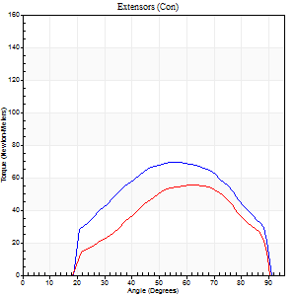

Right Side Curves Left Side Curves
Isokinetic Con/Con |  |  |  | Extensors (Con) |  | Flexors (Con)
Speed 240/240 d/s 3 Reps |  |  |  | Value | Cof Var | %BW | Value | Cof Var | %BW | Ratio

TORQUE PARAMETERS
Peak Torque (Newton-Meters - Best Repetition)
Right |  |  |  | 69 | 0.08 | 98 | 12 | 0.51 | 18 | 18
Left |  |  |  | 56 | 0.15 | 80 | 8 | 0.36 | 12 | 15
Deficit |  |  |  | 20 |  |  | 33
Work per Repetition (Newton-Meters - Best Repetition)
Right |  |  |  | 66 | 0.1 | 95 | 1 | 0.14 | 3 | 2
Left |  |  |  | 52 | 0.19 | 75 | 1 | 1.56 | 3 | 3
Deficit |  |  |  | 22 |  |  | 0
Average Power per Repetition (Watts - Best Repetition)
Right |  |  |  | 127 | 0.11 | 180 | 2 | 0.1 | 2 | 2
Left |  |  |  | 90 | 0.18 | 127 | 1 | 0.82 | 2 | 1
Deficit |  |  |  | 29 |  |  | 50
POSITION PARAMETERS
Joint Angle at Peak Torque (Degrees)
Right |  |  |  | 60 | 0.06 |  | 64 | 0.72
Left |  |  |  | 63 | 0.04 |  | 61 | 0.81
Range of Motion (Degrees)
Right |  |  |  | 1 | 0 |  | 90 | 0
Left |  |  |  | 1 | 0 |  | 90 | 0
TIME PARAMETERS
Time to Peak Torque (Seconds)
Right |  |  |  | 0.22 | 0 |  | 1.12 | 0.66
Left |  |  |  | 0.21 | 0.13 |  | 0.39 | 1.24
Time Peak Torque Held (Seconds)
Right |  |  |  | 0.02 | 0.35 |  | 0.03 | 1.73
Left |  |  |  | 0.02 | 0.69 |  | 0.04 | 1.73
Force Decay Time (Seconds)
Right |  |  |  | 0.29 | 0.05 |  | 0.08 | 7.84
Left |  |  |  | 0.32 | 0.05 |  | 0.22 | 3.08
Reciprocal Delay (Seconds)
Right |  |  |  | 0.59 | 0.27 |  | 0.12 | 0.1
Left |  |  |  | 0.47 | 0.16 |  | 0.11 | 0.33
Delay Time (Seconds)
Right |  |  |  | -0.02 | -0.28 |  | 0.02 | 1.8
Left |  |  |  | -0.03 | -0.47 |  | 0.5 | 1.11
HUMAC2015® Version: 15.000.0074 © Computer Sports Medicine, Inc. www.csmisolutions.com

Use File, Preference to set Report Heading
Isometric - Knee Extension/Flexion
Name: |  |  |  | TR030_FP3066, | ID: | TR030 | Right/Left: | 28.09.2022 28.09.2022

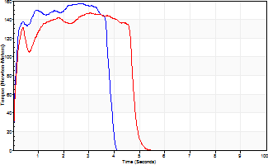
Isometric Extensors (Con) Angle 60 Time 10 Repetition 2 (Best Repetition)
 | Value | Cof Var | %BW
Peak Torque (Newton-Meters)
Right | 157 | 0.04 | 224
Left | 146 | 0.02 | 209
Deficit | 7
Average Torque (Newton-Meters)
Right | 57 | 0.01 | 80
Left | 64 | 0.16 | 92
Deficit | 11
Peak Torque Slope (Newton-Meters/Seconds)
Right | 59 | 0.01 | 84
Left | 58 | 0.13 | 82 |  | Right Side Curves Left Side Curves
Deficit | 1
Time to Half Peak Torque (Seconds)
Right | 0.11 | 0.07
Left | 0.11 | 0.07
Time to Peak Torque (Seconds)
Right | 2.62 | 0.05
Left | 2.74 | 0.15
HUMAC2015® Version: 15.000.0074 © Computer Sports Medicine, Inc. www.csmisolutions.com

post1
Use File, Preference to set Report Heading
Long Form Torque vs. Position Report - Knee Extension/Flexion
Name: |  |  |  | TR030_FP3066, | ID: | TR030 | Right/Left: | 06.12.2022 06.12.2022
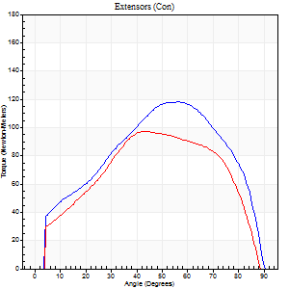
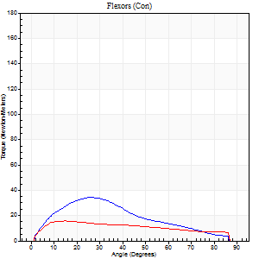
Right Side Curves Left Side Curves
Isokinetic Con/Con |  |  |  | Extensors (Con) |  | Flexors (Con)
Speed 60/60 d/s 3 Reps |  |  |  | Value | Cof Var | %BW | Value | Cof Var | %BW | Ratio

TORQUE PARAMETERS
Peak Torque (Newton-Meters - Best Repetition)
Right |  |  |  | 118 | 0.02 | 167 | 34 | 0.61 | 48 | 29
Left |  |  |  | 98 | 0.01 | 140 | 16 | 0.11 | 24 | 17
Deficit |  |  |  | 17 |  |  | 52
Work per Repetition (Newton-Meters - Best Repetition)
Right |  |  |  | 129 | 0.02 | 185 | 28 | 0.43 | 42 | 22
Left |  |  |  | 103 | 0.01 | 146 | 16 | 0.11 | 24 | 16
Deficit |  |  |  | 20 |  |  | 43
Average Power per Repetition (Watts - Best Repetition)
Right |  |  |  | 83 | 0.03 | 119 | 18 | 0.44 | 26 | 22
Left |  |  |  | 67 | 0 | 97 | 11 | 0.13 | 15 | 16
Deficit |  |  |  | 19 |  |  | 39
POSITION PARAMETERS
Joint Angle at Peak Torque (Degrees)
Right |  |  |  | 53 | 0.06 |  | 24 | 0.57
Left |  |  |  | 49 | 0.11 |  | 25 | 0.41
Range of Motion (Degrees)
Right |  |  |  | 0 | 1.41 |  | 90 | 0
Left |  |  |  | 0 | 1.41 |  | 90 | 0
TIME PARAMETERS
Time to Peak Torque (Seconds)
Right |  |  |  | 0.67 | 0.06 |  | 0.44 | 0.61
Left |  |  |  | 0.73 | 0.08 |  | 0.46 | 0.39
Time Peak Torque Held (Seconds)
Right |  |  |  | 0.09 | 0.44 |  | 0.04 | 0.87
Left |  |  |  | 0.08 | 0.33 |  | 0.01 | 1.73
Force Decay Time (Seconds)
Right |  |  |  | 0.83 | 0.08 |  | 1.06 | 0.27
Left |  |  |  | 0.75 | 0.07 |  | 1.09 | 0.17
Reciprocal Delay (Seconds)
Right |  |  |  | 0.34 | 0.57 |  | 0.21 | 0.41
Left |  |  |  | 0.18 | 0.77 |  | 0.16 | 0.51
Delay Time (Seconds)
Right |  |  |  | -0.01 | -0.47 |  | 0.01 | 2.65
Left |  |  |  | 0.01 | 1.41 |  | 0.01 | 1
HUMAC2015® Version: 15.000.0074 © Computer Sports Medicine, Inc. www.csmisolutions.com

Use File, Preference to set Report Heading
Long Form Torque vs. Position Report - Knee Extension/Flexion
Name: |  |  |  | TR030_FP3066, | ID: | TR030 | Right/Left: | 06.12.2022 06.12.2022
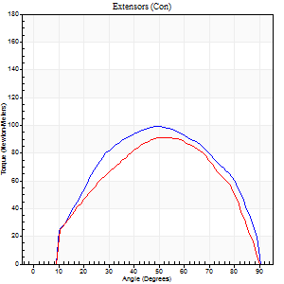
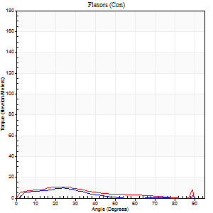
Right Side Curves Left Side Curves
Isokinetic Con/Con |  |  |  | Extensors (Con) |  | Flexors (Con)
Speed 120/120 d/s 3 Reps |  |  |  | Value | Cof Var | %BW | Value | Cof Var | %BW | Ratio

TORQUE PARAMETERS
Peak Torque (Newton-Meters - Best Repetition)
Right |  |  |  | 99 | 0.04 | 140 | 9 | 0.16 | 15 | 10
Left |  |  |  | 91 | 0.08 | 131 | 11 | 0.12 | 15 | 12
Deficit |  |  |  | 8 |  |  | 13
Work per Repetition (Newton-Meters - Best Repetition)
Right |  |  |  | 104 | 0.13 | 149 | 5 | 0.26 | 9 | 5
Left |  |  |  | 91 | 0.11 | 131 | 8 | 0.26 | 12 | 9
Deficit |  |  |  | 13 |  |  | 33
Average Power per Repetition (Watts - Best Repetition)
Right |  |  |  | 123 | 0.12 | 176 | 5 | 0.33 | 7 | 4
Left |  |  |  | 102 | 0.08 | 145 | 8 | 0.26 | 11 | 8
Deficit |  |  |  | 17 |  |  | 38
POSITION PARAMETERS
Joint Angle at Peak Torque (Degrees)
Right |  |  |  | 53 | 0.09 |  | 44 | 0.9
Left |  |  |  | 56 | 0.07 |  | 22 | 0.05
Range of Motion (Degrees)
Right |  |  |  | 1 | 0.28 |  | 90 | 0
Left |  |  |  | 0 | 0.54 |  | 90 | 0
TIME PARAMETERS
Time to Peak Torque (Seconds)
Right |  |  |  | 0.35 | 0.12 |  | 0.68 | 0.89
Left |  |  |  | 0.34 | 0.15 |  | 0.35 | 0.03
Time Peak Torque Held (Seconds)
Right |  |  |  | 0.02 | 0.25 |  | 0 | 0
Left |  |  |  | 0.03 | 0.22 |  | 0.01 | 1.73
Force Decay Time (Seconds)
Right |  |  |  | 0.44 | 0.09 |  | 0.37 | 1.36
Left |  |  |  | 0.51 | 0.05 |  | 0.69 | 0.24
Reciprocal Delay (Seconds)
Right |  |  |  | 0.32 | 0.02 |  | 0.17 | 0.73
Left |  |  |  | 0.12 | 0.4 |  | 0.19 | 0.17
Delay Time (Seconds)
Right |  |  |  | -0.02 | 0 |  | -0.03 | -1.33
Left |  |  |  | -0.01 | -0.47 |  | -0.06 | -0.1
HUMAC2015® Version: 15.000.0074 © Computer Sports Medicine, Inc. www.csmisolutions.com

Use File, Preference to set Report Heading
Long Form Torque vs. Position Report - Knee Extension/Flexion
Name: |  |  |  | TR030_FP3066, | ID: | TR030 | Right/Left: | 06.12.2022 06.12.2022
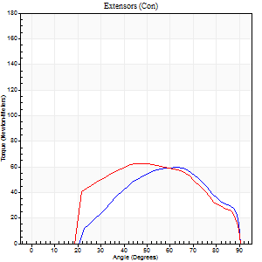
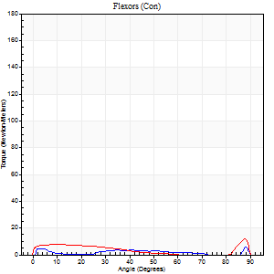
Right Side Curves Left Side Curves
Isokinetic Con/Con |  |  |  | Extensors (Con) |  | Flexors (Con)
Speed 240/240 d/s 3 Reps |  |  |  | Value | Cof Var | %BW | Value | Cof Var | %BW | Ratio

TORQUE PARAMETERS
Peak Torque (Newton-Meters - Best Repetition)
Right |  |  |  | 60 | 0.11 | 86 | 7 | 0.16 | 9 | 11
Left |  |  |  | 62 | 0.06 | 89 | 12 | 0.19 | 18 | 20
Deficit |  |  |  | 4 |  |  | 44
Work per Repetition (Newton-Meters - Best Repetition)
Right |  |  |  | 50 | 0.2 | 72 | 3 | 0.03 | 3 | 5
Left |  |  |  | 61 | 0.08 | 86 | 5 | 0.21 | 9 | 9
Deficit |  |  |  | 18 |  |  | 50
Average Power per Repetition (Watts - Best Repetition)
Right |  |  |  | 97 | 0.22 | 138 | 3 | 0.26 | 4 | 3
Left |  |  |  | 102 | 0.07 | 145 | 7 | 0.31 | 11 | 7
Deficit |  |  |  | 5 |  |  | 57
POSITION PARAMETERS
Joint Angle at Peak Torque (Degrees)
Right |  |  |  | 65 | 0.04 |  | 40 | 1.13
Left |  |  |  | 51 | 0.06 |  | 60 | 0.81
Range of Motion (Degrees)
Right |  |  |  | 2 | 0.03 |  | 90 | 0
Left |  |  |  | 0 | 0.71 |  | 90 | 0
TIME PARAMETERS
Time to Peak Torque (Seconds)
Right |  |  |  | 0.2 | 0 |  | 0.48 | 0.78
Left |  |  |  | 0.25 | 0.11 |  | 0.68 | 0.73
Time Peak Torque Held (Seconds)
Right |  |  |  | 0 | 1.73 |  | 0 | 0
Left |  |  |  | 0.01 | 0 |  | 0.04 | 1.5
Force Decay Time (Seconds)
Right |  |  |  | 0.32 | 0.05 |  | 0.44 | 1.22
Left |  |  |  | 0.31 | 0.02 |  | 0.19 | 1.37
Reciprocal Delay (Seconds)
Right |  |  |  | 0.29 | 0.26 |  | 0.06 | 0.09
Left |  |  |  | 0.13 | 0.44 |  | 0.25 | 0.29
Delay Time (Seconds)
Right |  |  |  | -0.04 | -0.2 |  | 0.09 | 2.41
Left |  |  |  | -0.02 | -0.71 |  | -0.07 | -0.23
HUMAC2015® Version: 15.000.0074 © Computer Sports Medicine, Inc. www.csmisolutions.com

Use File, Preference to set Report Heading
Isometric - Knee Extension/Flexion
Name: |  |  |  | TR030_FP3066, | ID: | TR030 | Right/Left: | 06.12.2022 06.12.2022

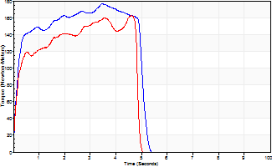
Isometric Extensors (Con) Angle 60 Time 10 Repetition 2 (Best Repetition)
 | Value | Cof Var | %BW
Peak Torque (Newton-Meters)
Right | 176 | 0.01 | 250
Left | 163 | 0.06 | 232
Deficit | 8
Average Torque (Newton-Meters)
Right | 79 | 0.19 | 113
Left | 75 | 0.09 | 107
Deficit | 5
Peak Torque Slope (Newton-Meters/Seconds)
Right | 94 | 0.42 | 135
Left | 36 | 0 | 51 |  | Right Side Curves Left Side Curves
Deficit | 62
Time to Half Peak Torque (Seconds)
Right | 0.16 | 0.14
Left | 0.15 | 0.28
Time to Peak Torque (Seconds)
Right | 2.63 | 0.43
Left | 4.39 | 0.07
HUMAC2015® Version: 15.000.0074 © Computer Sports Medicine, Inc. www.csmisolutions.com

post2
Use File, Preference to set Report Heading
Long Form Torque vs. Position Report - Knee Extension/Flexion
Name: |  |  |  | TR030_FP3066, | ID: | TR030 | Right/Left: | 08.12.2022 08.12.2022
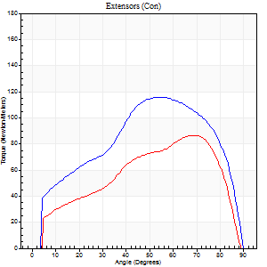
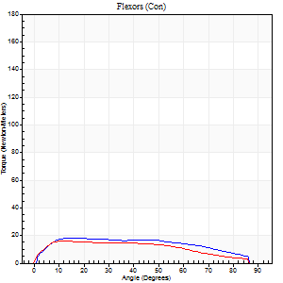
Right Side Curves Left Side Curves
Isokinetic Con/Con |  |  |  | Extensors (Con) |  | Flexors (Con)
Speed 60/60 d/s 3 Reps |  |  |  | Value | Cof Var | %BW | Value | Cof Var | %BW | Ratio

TORQUE PARAMETERS
Peak Torque (Newton-Meters - Best Repetition)
Right |  |  |  | 115 | 0.04 | 164 | 18 | 0.23 | 24 | 15
Left |  |  |  | 87 | 0.03 | 125 | 16 | 0.13 | 24 | 19
Deficit |  |  |  | 25 |  |  | 8
Work per Repetition (Newton-Meters - Best Repetition)
Right |  |  |  | 126 | 0.01 | 179 | 20 | 0.23 | 30 | 16
Left |  |  |  | 87 | 0.02 | 125 | 18 | 0.15 | 24 | 20
Deficit |  |  |  | 31 |  |  | 13
Average Power per Repetition (Watts - Best Repetition)
Right |  |  |  | 81 | 0.02 | 116 | 13 | 0.21 | 18 | 16
Left |  |  |  | 55 | 0.01 | 79 | 11 | 0.15 | 15 | 20
Deficit |  |  |  | 32 |  |  | 15
POSITION PARAMETERS
Joint Angle at Peak Torque (Degrees)
Right |  |  |  | 56 | 0.1 |  | 25 | 0.75
Left |  |  |  | 66 | 0.13 |  | 21 | 0.5
Range of Motion (Degrees)
Right |  |  |  | 0 | 1.41 |  | 90 | 0
Left |  |  |  | 0 | 0 |  | 90 | 0
TIME PARAMETERS
Time to Peak Torque (Seconds)
Right |  |  |  | 0.62 | 0.01 |  | 0.45 | 0.72
Left |  |  |  | 0.32 | 0.07 |  | 0.41 | 0.45
Time Peak Torque Held (Seconds)
Right |  |  |  | 0.05 | 0.4 |  | 0.02 | 1.73
Left |  |  |  | 0.05 | 0.25 |  | 0.14 | 0.91
Force Decay Time (Seconds)
Right |  |  |  | 0.93 | 0.12 |  | 1.08 | 0.3
Left |  |  |  | 1.09 | 0.14 |  | 1.01 | 0.18
Reciprocal Delay (Seconds)
Right |  |  |  | 0.26 | 0.08 |  | 0.23 | 0.09
Left |  |  |  | 0.17 | 0.42 |  | 0.22 | 0.09
Delay Time (Seconds)
Right |  |  |  | 0 | 1.41 |  | 0.02 | 0.69
Left |  |  |  | 0 | 0 |  | -0.02 | -0.35
HUMAC2015® Version: 15.000.0074 © Computer Sports Medicine, Inc. www.csmisolutions.com

Use File, Preference to set Report Heading
Long Form Torque vs. Position Report - Knee Extension/Flexion
Name: |  |  |  | TR030_FP3066, | ID: | TR030 | Right/Left: | 08.12.2022 08.12.2022
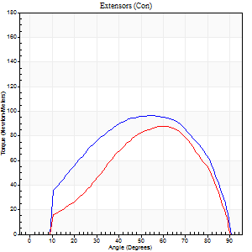

Right Side Curves Left Side Curves
Isokinetic Con/Con |  |  |  | Extensors (Con) |  | Flexors (Con)
Speed 120/120 d/s 3 Reps |  |  |  | Value | Cof Var | %BW | Value | Cof Var | %BW | Ratio

TORQUE PARAMETERS
Peak Torque (Newton-Meters - Best Repetition)
Right |  |  |  | 96 | 0.13 | 137 | 9 | 0.07 | 15 | 10
Left |  |  |  | 88 | 0.1 | 125 | 11 | 0.08 | 15 | 12
Deficit |  |  |  | 8 |  |  | 13
Work per Repetition (Newton-Meters - Best Repetition)
Right |  |  |  | 103 | 0.14 | 146 | 8 | 0.21 | 12 | 8
Left |  |  |  | 83 | 0.08 | 119 | 9 | 0.12 | 15 | 11
Deficit |  |  |  | 20 |  |  | 14
Average Power per Repetition (Watts - Best Repetition)
Right |  |  |  | 115 | 0.11 | 165 | 9 | 0.24 | 13 | 8
Left |  |  |  | 91 | 0.07 | 130 | 8 | 0.03 | 11 | 9
Deficit |  |  |  | 21 |  |  | 11
POSITION PARAMETERS
Joint Angle at Peak Torque (Degrees)
Right |  |  |  | 57 | 0.05 |  | 23 | 0.04
Left |  |  |  | 61 | 0.02 |  | 21 | 0.05
Range of Motion (Degrees)
Right |  |  |  | 1 | 0.96 |  | 90 | 0
Left |  |  |  | 0 | 0.2 |  | 90 | 0
TIME PARAMETERS
Time to Peak Torque (Seconds)
Right |  |  |  | 0.33 | 0.06 |  | 0.29 | 0.08
Left |  |  |  | 0.31 | 0.05 |  | 0.34 | 0.06
Time Peak Torque Held (Seconds)
Right |  |  |  | 0.04 | 0.25 |  | 0.01 | 1.73
Left |  |  |  | 0.04 | 0.16 |  | 0 | 1.73
Force Decay Time (Seconds)
Right |  |  |  | 0.48 | 0.04 |  | 0.6 | 0.1
Left |  |  |  | 0.54 | 0.01 |  | 0.66 | 0.19
Reciprocal Delay (Seconds)
Right |  |  |  | 0.23 | 0.66 |  | 0.11 | 0.44
Left |  |  |  | 0.19 | 0.15 |  | 0.18 | 0.18
Delay Time (Seconds)
Right |  |  |  | -0.01 | -0.47 |  | 0.01 | 3.46
Left |  |  |  | -0.04 | -0.2 |  | -0.05 | 0
HUMAC2015® Version: 15.000.0074 © Computer Sports Medicine, Inc. www.csmisolutions.com

Use File, Preference to set Report Heading
Long Form Torque vs. Position Report - Knee Extension/Flexion
Name: |  |  |  | TR030_FP3066, | ID: | TR030 | Right/Left: | 08.12.2022 08.12.2022
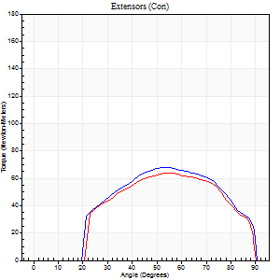
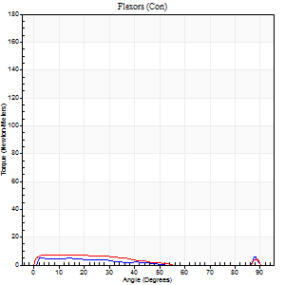
Right Side Curves Left Side Curves
Isokinetic Con/Con |  |  |  | Extensors (Con) |  | Flexors (Con)
Speed 240/240 d/s 3 Reps |  |  |  | Value | Cof Var | %BW | Value | Cof Var | %BW | Ratio

TORQUE PARAMETERS
Peak Torque (Newton-Meters - Best Repetition)
Right |  |  |  | 68 | 0.06 | 95 | 9 | 0.35 | 15 | 14
Left |  |  |  | 64 | 0.08 | 92 | 8 | 0.1 | 12 | 13
Deficit |  |  |  | 6 |  |  | 14
Work per Repetition (Newton-Meters - Best Repetition)
Right |  |  |  | 65 | 0.08 | 92 | 3 | 0.99 | 3 | 4
Left |  |  |  | 61 | 0.13 | 86 | 5 | 0.2 | 9 | 9
Deficit |  |  |  | 6 |  |  | 50
Average Power per Repetition (Watts - Best Repetition)
Right |  |  |  | 125 | 0.07 | 178 | 5 | 0.74 | 7 | 4
Left |  |  |  | 106 | 0.1 | 152 | 6 | 0.21 | 9 | 6
Deficit |  |  |  | 15 |  |  | 17
POSITION PARAMETERS
Joint Angle at Peak Torque (Degrees)
Right |  |  |  | 55 | 0.03 |  | 64 | 0.72
Left |  |  |  | 58 | 0.1 |  | 36 | 1.27
Range of Motion (Degrees)
Right |  |  |  | 1 | 0.07 |  | 90 | 0
Left |  |  |  | 0 | 0 |  | 90 | 0
TIME PARAMETERS
Time to Peak Torque (Seconds)
Right |  |  |  | 0.23 | 0.06 |  | 0.36 | 0.41
Left |  |  |  | 0.23 | 0 |  | 0.47 | 0.84
Time Peak Torque Held (Seconds)
Right |  |  |  | 0.01 | 0.87 |  | 0.03 | 1.73
Left |  |  |  | 0.01 | 0.43 |  | 0.01 | 1.73
Force Decay Time (Seconds)
Right |  |  |  | 0.27 | 0.02 |  | 0.07 | 5.2
Left |  |  |  | 0.33 | 0.04 |  | 0.37 | 1.06
Reciprocal Delay (Seconds)
Right |  |  |  | 0.28 | 0.1 |  | 0.09 | 0.33
Left |  |  |  | 0.19 | 0.3 |  | 0.14 | 0.21
Delay Time (Seconds)
Right |  |  |  | -0.03 | 0 |  | 0.33 | 0.96
Left |  |  |  | -0.03 | 0 |  | -0.07 | -0.09
HUMAC2015® Version: 15.000.0074 © Computer Sports Medicine, Inc. www.csmisolutions.com

Use File, Preference to set Report Heading
Isometric - Knee Extension/Flexion
Name: |  |  |  | TR030_FP3066, | ID: | TR030 | Right/Left: | 08.12.2022 08.12.2022

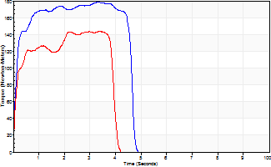
Isometric Extensors (Con) Angle 60 Time 10 Repetition 2 (Best Repetition)
 | Value | Cof Var | %BW
Peak Torque (Newton-Meters)
Right | 179 | 0.03 | 256
Left | 144 | 0.02 | 206
Deficit | 20
Average Torque (Newton-Meters)
Right | 76 | 0.12 | 107
Left | 60 | 0.12 | 86
Deficit | 21
Peak Torque Slope (Newton-Meters/Seconds)
Right | 98 | 0.41 | 139
Left | 42 | 0.12 | 60 |  | Right Side Curves Left Side Curves
Deficit | 57
Time to Half Peak Torque (Seconds)
Right | 0.12 | 0
Left | 0.11 | 0.06
Time to Peak Torque (Seconds)
Right | 2.53 | 0.44
Left | 3.66 | 0.1
HUMAC2015® Version: 15.000.0074 © Computer Sports Medicine, Inc. www.csmisolutions.com

