pre1
Use File, Preference to set Report Heading
Long Form Torque vs. Position Report - Knee Extension/Flexion
Name: |  |  |  | TR030_FP3068, | ID: | TR030 | Right/Left: | 21.09.2022 21.09.2022
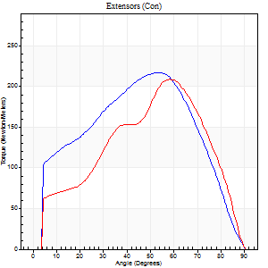
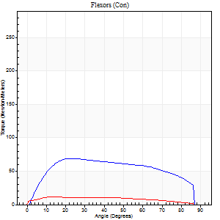
Right Side Curves Left Side Curves
Isokinetic Con/Con |  |  |  | Extensors (Con) |  | Flexors (Con)
Speed 60/60 d/s 3 Reps |  |  |  | Value | Cof Var | %BW | Value | Cof Var | %BW | Ratio

TORQUE PARAMETERS
Peak Torque (Newton-Meters - Best Repetition)
Right |  |  |  | 217 | 0.04 | 361 | 69 | 0.65 | 116 | 32
Left |  |  |  | 209 | 0.03 | 349 | 12 | 0.15 | 21 | 6
Deficit |  |  |  | 4 |  |  | 82
Work per Repetition (Newton-Meters - Best Repetition)
Right |  |  |  | 224 | 0.02 | 373 | 81 | 0.71 | 134 | 36
Left |  |  |  | 213 | 0.07 | 355 | 12 | 0.24 | 21 | 6
Deficit |  |  |  | 5 |  |  | 85
Average Power per Repetition (Watts - Best Repetition)
Right |  |  |  | 139 | 0.01 | 231 | 53 | 0.71 | 88 | 38
Left |  |  |  | 135 | 0.08 | 224 | 8 | 0.26 | 13 | 6
Deficit |  |  |  | 3 |  |  | 85
POSITION PARAMETERS
Joint Angle at Peak Torque (Degrees)
Right |  |  |  | 52 | 0.03 |  | 43 | 0.47
Left |  |  |  | 53 | 0.09 |  | 25 | 0.78
Range of Motion (Degrees)
Right |  |  |  | 0 | 0 |  | 90 | 0
Left |  |  |  | 0 | 0 |  | 90 | 0
TIME PARAMETERS
Time to Peak Torque (Seconds)
Right |  |  |  | 0.69 | 0.05 |  | 0.74 | 0.49
Left |  |  |  | 0.7 | 0 |  | 0.52 | 0.67
Time Peak Torque Held (Seconds)
Right |  |  |  | 0.07 | 0.67 |  | 0.04 | 0.25
Left |  |  |  | 0.05 | 0.33 |  | 0.04 | 1.26
Force Decay Time (Seconds)
Right |  |  |  | 0.84 | 0.09 |  | 0.76 | 0.46
Left |  |  |  | 0.89 | 0.1 |  | 1.1 | 0.42
Reciprocal Delay (Seconds)
Right |  |  |  | 0.59 | 0.36 |  | 0.64 | 0.13
Left |  |  |  | 1 | 0.56 |  | 0.45 | 0.2
Delay Time (Seconds)
Right |  |  |  | -0.03 | 0 |  | 0.02 | 1
Left |  |  |  | -0.02 | -1.41 |  | -0.03 | -0.43
HUMAC2015® Version: 15.000.0074 © Computer Sports Medicine, Inc. www.csmisolutions.com

Use File, Preference to set Report Heading
Long Form Torque vs. Position Report - Knee Extension/Flexion
Name: |  |  |  | TR030_FP3068, | ID: | TR030 | Right/Left: | 21.09.2022 21.09.2022
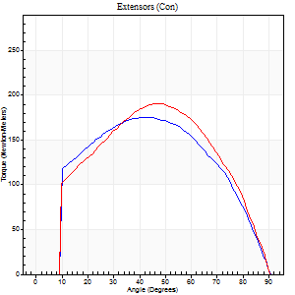
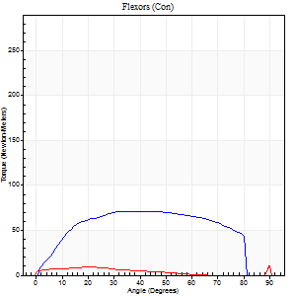
Right Side Curves Left Side Curves
Isokinetic Con/Con |  |  |  | Extensors (Con) |  | Flexors (Con)
Speed 120/120 d/s 3 Reps |  |  |  | Value | Cof Var | %BW | Value | Cof Var | %BW | Ratio

TORQUE PARAMETERS
Peak Torque (Newton-Meters - Best Repetition)
Right |  |  |  | 175 | 0.04 | 292 | 71 | 0.92 | 116 | 40
Left |  |  |  | 191 | 0.09 | 319 | 19 | 0.5 | 33 | 10
Deficit |  |  |  | 9 |  |  | 73
Work per Repetition (Newton-Meters - Best Repetition)
Right |  |  |  | 188 | 0.04 | 313 | 81 | 1.06 | 134 | 43
Left |  |  |  | 197 | 0.09 | 328 | 7 | 0.53 | 12 | 3
Deficit |  |  |  | 4 |  |  | 92
Average Power per Repetition (Watts - Best Repetition)
Right |  |  |  | 216 | 0.05 | 360 | 103 | 1.12 | 171 | 48
Left |  |  |  | 226 | 0.11 | 376 | 6 | 0.61 | 11 | 3
Deficit |  |  |  | 4 |  |  | 94
POSITION PARAMETERS
Joint Angle at Peak Torque (Degrees)
Right |  |  |  | 42 | 0.04 |  | 31 | 0.33
Left |  |  |  | 47 | 0.03 |  | 61 | 0.82
Range of Motion (Degrees)
Right |  |  |  | 0 | 4.24 |  | 90 | 0
Left |  |  |  | 0 | 2.83 |  | 90 | 0
TIME PARAMETERS
Time to Peak Torque (Seconds)
Right |  |  |  | 0.45 | 0.02 |  | 0.31 | 0.24
Left |  |  |  | 0.4 | 0.07 |  | 1.11 | 0.93
Time Peak Torque Held (Seconds)
Right |  |  |  | 0.03 | 0.33 |  | 0.05 | 0.33
Left |  |  |  | 0.03 | 0.33 |  | 0.01 | 1.15
Force Decay Time (Seconds)
Right |  |  |  | 0.4 | 0.03 |  | 0.49 | 0.28
Left |  |  |  | 0.44 | 0.03 |  | 0.03 | 27
Reciprocal Delay (Seconds)
Right |  |  |  | 0.19 | 0.45 |  | 0.24 | 0.47
Left |  |  |  | 0.55 | 0.97 |  | 0.45 | 0.59
Delay Time (Seconds)
Right |  |  |  | -0.01 | -0.47 |  | 0.04 | 0.69
Left |  |  |  | 0 | -1.41 |  | -0.04 | -0.88
HUMAC2015® Version: 15.000.0074 © Computer Sports Medicine, Inc. www.csmisolutions.com

Use File, Preference to set Report Heading
Long Form Torque vs. Position Report - Knee Extension/Flexion
Name: |  |  |  | TR030_FP3068, | ID: | TR030 | Right/Left: | 21.09.2022 21.09.2022
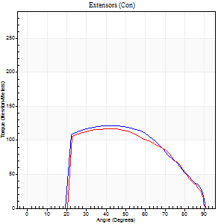
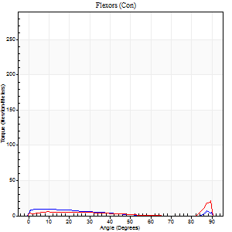
Right Side Curves Left Side Curves
Isokinetic Con/Con |  |  |  | Extensors (Con) |  | Flexors (Con)
Speed 240/240 d/s 3 Reps |  |  |  | Value | Cof Var | %BW | Value | Cof Var | %BW | Ratio

TORQUE PARAMETERS
Peak Torque (Newton-Meters - Best Repetition)
Right |  |  |  | 122 | 0.05 | 203 | 15 | 0.25 | 24 | 12
Left |  |  |  | 117 | 0.04 | 194 | 22 | 0.62 | 36 | 19
Deficit |  |  |  | 4 |  |  | 31
Work per Repetition (Newton-Meters - Best Repetition)
Right |  |  |  | 118 | 0.04 | 197 | 7 | 0.14 | 12 | 6
Left |  |  |  | 111 | 0.04 | 185 | 7 | 0.4 | 12 | 6
Deficit |  |  |  | 6 |  |  | 0
Average Power per Repetition (Watts - Best Repetition)
Right |  |  |  | 203 | 0.05 | 338 | 10 | 0.13 | 18 | 5
Left |  |  |  | 197 | 0.07 | 327 | 10 | 0.63 | 18 | 5
Deficit |  |  |  | 3 |  |  | 0
POSITION PARAMETERS
Joint Angle at Peak Torque (Degrees)
Right |  |  |  | 45 | 0.08 |  | 35 | 1.36
Left |  |  |  | 41 | 0.09 |  | 32 | 1.55
Range of Motion (Degrees)
Right |  |  |  | 0 | 0 |  | 90 | 0
Left |  |  |  | 0 | -0.28 |  | 90 | 0
TIME PARAMETERS
Time to Peak Torque (Seconds)
Right |  |  |  | 0.28 | 0.02 |  | 0.42 | 1
Left |  |  |  | 0.28 | 0.1 |  | 0.39 | 1.18
Time Peak Torque Held (Seconds)
Right |  |  |  | 0.03 | 0 |  | 0.01 | 0.87
Left |  |  |  | 0.01 | 0.43 |  | 0 | 1.73
Force Decay Time (Seconds)
Right |  |  |  | 0.27 | 0.06 |  | 0.27 | 1.47
Left |  |  |  | 0.27 | 0.06 |  | 0.48 | 0.98
Reciprocal Delay (Seconds)
Right |  |  |  | 0.56 | 0.24 |  | 0.84 | 0.29
Left |  |  |  | 0.17 | 0.58 |  | 0.55 | 0
Delay Time (Seconds)
Right |  |  |  | -0.04 | -0.2 |  | -0.02 | -0.65
Left |  |  |  | -0.01 | -0.47 |  | -0.04 | -0.5
HUMAC2015® Version: 15.000.0074 © Computer Sports Medicine, Inc. www.csmisolutions.com

Use File, Preference to set Report Heading
Isometric - Knee Extension/Flexion
Name: |  |  |  | TR030_FP3068, | ID: | TR030 | Right/Left: | 21.09.2022 21.09.2022

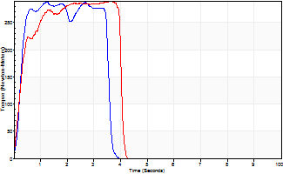
Isometric Extensors (Con) Angle 60 Time 10 Repetition 2 (Best Repetition)
 | Value | Cof Var | %BW
Peak Torque (Newton-Meters)
Right | 287 | 0.01 | 480
Left | 289 | 0.01 | 480
Deficit | 0
Average Torque (Newton-Meters)
Right | 102 | 0.07 | 170
Left | 115 | 0.08 | 191
Deficit | 12
Peak Torque Slope (Newton-Meters/Seconds)
Right | 229 | 0.77 | 381
Left | 82 | 0.01 | 137 |  | Right Side Curves Left Side Curves
Deficit | 64
Time to Half Peak Torque (Seconds)
Right | 0.81 | 0.98
Left | 0.24 | 0.18
Time to Peak Torque (Seconds)
Right | 2.71 | 0.76
Left | 3.52 | 0.02
HUMAC2015® Version: 15.000.0074 © Computer Sports Medicine, Inc. www.csmisolutions.com

pre2
Use File, Preference to set Report Heading
Long Form Torque vs. Position Report - Knee Extension/Flexion
Name: |  |  |  | TR030_FP3068, | ID: | TR030 | Right/Left: | 27.09.2022 27.09.2022
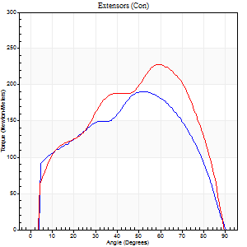
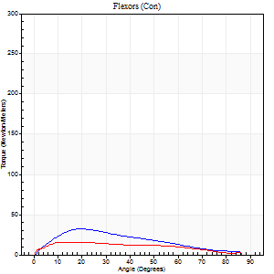
Right Side Curves Left Side Curves
Isokinetic Con/Con |  |  |  | Extensors (Con) |  | Flexors (Con)
Speed 60/60 d/s 3 Reps |  |  |  | Value | Cof Var | %BW | Value | Cof Var | %BW | Ratio

TORQUE PARAMETERS
Peak Torque (Newton-Meters - Best Repetition)
Right |  |  |  | 191 | 0.07 | 319 | 33 | 0.38 | 54 | 17
Left |  |  |  | 228 | 0.04 | 378 | 16 | 0.07 | 27 | 7
Deficit |  |  |  | 16 |  |  | 50
Work per Repetition (Newton-Meters - Best Repetition)
Right |  |  |  | 203 | 0.06 | 340 | 26 | 0.3 | 42 | 13
Left |  |  |  | 235 | 0.04 | 390 | 16 | 0.26 | 27 | 7
Deficit |  |  |  | 13 |  |  | 37
Average Power per Repetition (Watts - Best Repetition)
Right |  |  |  | 113 | 0.21 | 189 | 17 | 0.3 | 29 | 15
Left |  |  |  | 150 | 0.04 | 251 | 10 | 0.23 | 18 | 7
Deficit |  |  |  | 25 |  |  | 41
POSITION PARAMETERS
Joint Angle at Peak Torque (Degrees)
Right |  |  |  | 54 | 0.07 |  | 14 | 0.39
Left |  |  |  | 57 | 0.09 |  | 15 | 0.25
Range of Motion (Degrees)
Right |  |  |  | 0 | -0.28 |  | 90 | 0
Left |  |  |  | 0 | -0.28 |  | 90 | 0
TIME PARAMETERS
Time to Peak Torque (Seconds)
Right |  |  |  | 1.34 | 0.47 |  | 0.24 | 0.35
Left |  |  |  | 0.59 | 0.21 |  | 0.26 | 0.27
Time Peak Torque Held (Seconds)
Right |  |  |  | 0.05 | 0.12 |  | 0.03 | 1
Left |  |  |  | 0.04 | 0.25 |  | 0.02 | 0.92
Force Decay Time (Seconds)
Right |  |  |  | 0.91 | 0.08 |  | 1.25 | 0.08
Left |  |  |  | 0.96 | 0.08 |  | 1.24 | 0.02
Reciprocal Delay (Seconds)
Right |  |  |  | 1.02 | 0.37 |  | 0.29 | 0.12
Left |  |  |  | 1.36 | 1.27 |  | 0.32 | 0.43
Delay Time (Seconds)
Right |  |  |  | -0.69 | -0.95 |  | 0.03 | 0.22
Left |  |  |  | 0 | 0 |  | 0.03 | 0.57
HUMAC2015® Version: 15.000.0074 © Computer Sports Medicine, Inc. www.csmisolutions.com

Use File, Preference to set Report Heading
Long Form Torque vs. Position Report - Knee Extension/Flexion
Name: |  |  |  | TR030_FP3068, | ID: | TR030 | Right/Left: | 27.09.2022 27.09.2022
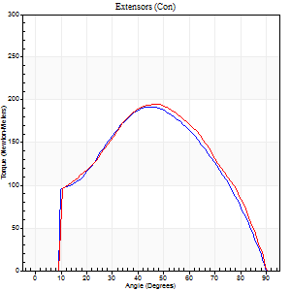
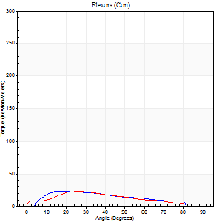
Right Side Curves Left Side Curves
Isokinetic Con/Con |  |  |  | Extensors (Con) |  | Flexors (Con)
Speed 120/120 d/s 3 Reps |  |  |  | Value | Cof Var | %BW | Value | Cof Var | %BW | Ratio

TORQUE PARAMETERS
Peak Torque (Newton-Meters - Best Repetition)
Right |  |  |  | 191 | 0.08 | 319 | 23 | 0.11 | 39 | 12
Left |  |  |  | 195 | 0.03 | 325 | 23 | 0.34 | 39 | 12
Deficit |  |  |  | 2 |  |  | 0
Work per Repetition (Newton-Meters - Best Repetition)
Right |  |  |  | 190 | 0.08 | 316 | 22 | 0.25 | 36 | 11
Left |  |  |  | 197 | 0.03 | 328 | 19 | 0.36 | 33 | 10
Deficit |  |  |  | 3 |  |  | 13
Average Power per Repetition (Watts - Best Repetition)
Right |  |  |  | 232 | 0.11 | 387 | 27 | 0.27 | 44 | 12
Left |  |  |  | 229 | 0.04 | 380 | 21 | 0.32 | 35 | 9
Deficit |  |  |  | 1 |  |  | 22
POSITION PARAMETERS
Joint Angle at Peak Torque (Degrees)
Right |  |  |  | 45 | 0.02 |  | 16 | 0.07
Left |  |  |  | 47 | 0.02 |  | 42 | 0.78
Range of Motion (Degrees)
Right |  |  |  | 0 | 0.71 |  | 90 | 0
Left |  |  |  | 0 | 4.24 |  | 90 | 0.01
TIME PARAMETERS
Time to Peak Torque (Seconds)
Right |  |  |  | 0.4 | 0 |  | 0.15 | 0.13
Left |  |  |  | 0.38 | 0.09 |  | 0.45 | 0.61
Time Peak Torque Held (Seconds)
Right |  |  |  | 0.03 | 0.22 |  | 0.02 | 0.92
Left |  |  |  | 0.03 | 0.46 |  | 0.01 | 1.73
Force Decay Time (Seconds)
Right |  |  |  | 0.4 | 0.04 |  | 0.63 | 0.02
Left |  |  |  | 0.44 | 0.07 |  | 0.42 | 0.66
Reciprocal Delay (Seconds)
Right |  |  |  | 0.07 | 0 |  | 0.11 | 0.05
Left |  |  |  | 0.46 | 1.29 |  | 0.46 | 0.59
Delay Time (Seconds)
Right |  |  |  | 0 | -1.41 |  | 0.04 | 0.83
Left |  |  |  | 0 | -1.41 |  | -0.01 | -1
HUMAC2015® Version: 15.000.0074 © Computer Sports Medicine, Inc. www.csmisolutions.com

Use File, Preference to set Report Heading
Long Form Torque vs. Position Report - Knee Extension/Flexion
Name: |  |  |  | TR030_FP3068, | ID: | TR030 | Right/Left: | 27.09.2022 27.09.2022
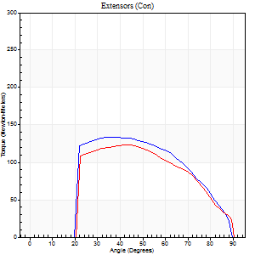
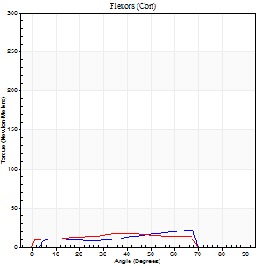
Right Side Curves Left Side Curves
Isokinetic Con/Con |  |  |  | Extensors (Con) |  | Flexors (Con)
Speed 240/240 d/s 3 Reps |  |  |  | Value | Cof Var | %BW | Value | Cof Var | %BW | Ratio

TORQUE PARAMETERS
Peak Torque (Newton-Meters - Best Repetition)
Right |  |  |  | 134 | 0.09 | 224 | 22 | 0.42 | 36 | 16
Left |  |  |  | 123 | 0.01 | 206 | 18 | 0.45 | 30 | 14
Deficit |  |  |  | 8 |  |  | 19
Work per Repetition (Newton-Meters - Best Repetition)
Right |  |  |  | 126 | 0.04 | 209 | 15 | 0.46 | 24 | 12
Left |  |  |  | 114 | 0.04 | 191 | 18 | 0.59 | 30 | 15
Deficit |  |  |  | 10 |  |  | 15
Average Power per Repetition (Watts - Best Repetition)
Right |  |  |  | 247 | 0.09 | 411 | 31 | 0.5 | 51 | 13
Left |  |  |  | 212 | 0.08 | 354 | 28 | 0.73 | 46 | 13
Deficit |  |  |  | 14 |  |  | 10
POSITION PARAMETERS
Joint Angle at Peak Torque (Degrees)
Right |  |  |  | 40 | 0.08 |  | 49 | 0.71
Left |  |  |  | 43 | 0.04 |  | 50 | 0.71
Range of Motion (Degrees)
Right |  |  |  | 0 | 0.09 |  | 89 | 0
Left |  |  |  | 0 | 2.36 |  | 90 | 0.01
TIME PARAMETERS
Time to Peak Torque (Seconds)
Right |  |  |  | 0.26 | 0.05 |  | 0.29 | 0.67
Left |  |  |  | 0.27 | 0.05 |  | 0.51 | 0.71
Time Peak Torque Held (Seconds)
Right |  |  |  | 0.02 | 0.65 |  | 0 | 0
Left |  |  |  | 0.02 | 0.35 |  | 0.01 | 0.87
Force Decay Time (Seconds)
Right |  |  |  | 0.23 | 0.03 |  | 0.23 | 0.73
Left |  |  |  | 0.26 | 0.16 |  | 0.18 | 1.31
Reciprocal Delay (Seconds)
Right |  |  |  | 0.04 | 0 |  | 0.11 | 0.47
Left |  |  |  | 0.44 | 1.22 |  | 0.72 | 1.31
Delay Time (Seconds)
Right |  |  |  | -0.01 | 0 |  | 0.04 | 0.66
Left |  |  |  | -0.02 | -0.71 |  | -0.03 | -0.57
HUMAC2015® Version: 15.000.0074 © Computer Sports Medicine, Inc. www.csmisolutions.com

Use File, Preference to set Report Heading
Isometric - Knee Extension/Flexion
Name: |  |  |  | TR030_FP3068, | ID: | TR030 | Right/Left: | 27.09.2022 27.09.2022

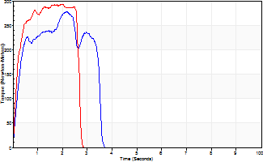
Isometric Extensors (Con) Angle 60 Time 10 Repetition 2 (Best Repetition)
 | Value | Cof Var | %BW
Peak Torque (Newton-Meters)
Right | 278 | 0 | 462
Left | 293 | 0.02 | 489
Deficit | 5
Average Torque (Newton-Meters)
Right | 77 | 0.23 | 128
Left | 85 | 0.14 | 143
Deficit | 10
Peak Torque Slope (Newton-Meters/Seconds)
Right | 129 | 0.48 | 214
Left | 148 | 0.3 | 247 |  | Right Side Curves Left Side Curves
Deficit | 13
Time to Half Peak Torque (Seconds)
Right | 0.22 | 0.16
Left | 0.18 | 0.16
Time to Peak Torque (Seconds)
Right | 3.25 | 0.48
Left | 2.45 | 0.28
HUMAC2015® Version: 15.000.0074 © Computer Sports Medicine, Inc. www.csmisolutions.com

mid1
Use File, Preference to set Report Heading
Long Form Torque vs. Position Report - Knee Extension/Flexion
Name: |  |  |  | TR030_FP3068, | ID: | TR030 | Right/Left: | 15.11.2022 15.11.2022
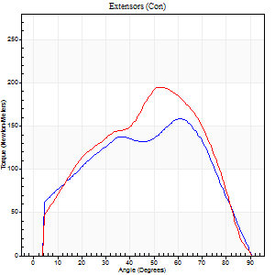
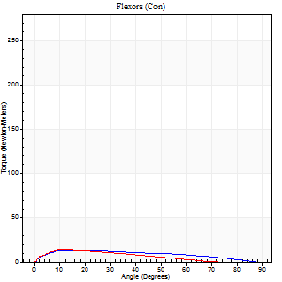
Right Side Curves Left Side Curves
Isokinetic Con/Con |  |  |  | Extensors (Con) |  | Flexors (Con)
Speed 60/60 d/s 3 Reps |  |  |  | Value | Cof Var | %BW | Value | Cof Var | %BW | Ratio

TORQUE PARAMETERS
Peak Torque (Newton-Meters - Best Repetition)
Right |  |  |  | 159 | 0.05 | 265 | 14 | 0.02 | 24 | 9
Left |  |  |  | 195 | 0.05 | 325 | 14 | 0.01 | 24 | 7
Deficit |  |  |  | 19 |  |  | 0
Work per Repetition (Newton-Meters - Best Repetition)
Right |  |  |  | 165 | 0.04 | 274 | 14 | 0.2 | 24 | 8
Left |  |  |  | 187 | 0.1 | 313 | 12 | 0.1 | 21 | 7
Deficit |  |  |  | 12 |  |  | 10
Average Power per Repetition (Watts - Best Repetition)
Right |  |  |  | 103 | 0.04 | 171 | 9 | 0.27 | 15 | 9
Left |  |  |  | 117 | 0.1 | 196 | 8 | 0.08 | 13 | 7
Deficit |  |  |  | 12 |  |  | 11
POSITION PARAMETERS
Joint Angle at Peak Torque (Degrees)
Right |  |  |  | 59 | 0.03 |  | 14 | 0.09
Left |  |  |  | 56 | 0.11 |  | 14 | 0.2
Range of Motion (Degrees)
Right |  |  |  | 0 | -0.47 |  | 90 | 0
Left |  |  |  | 0 | 1.41 |  | 90 | 0
TIME PARAMETERS
Time to Peak Torque (Seconds)
Right |  |  |  | 0.55 | 0.05 |  | 0.28 | 0.05
Left |  |  |  | 0.7 | 0.05 |  | 0.28 | 0.16
Time Peak Torque Held (Seconds)
Right |  |  |  | 0.04 | 0.25 |  | 0.1 | 1.2
Left |  |  |  | 0.03 | 0.62 |  | 0 | 0
Force Decay Time (Seconds)
Right |  |  |  | 1 | 0.04 |  | 1.27 | 0.19
Left |  |  |  | 0.94 | 0.12 |  | 1.29 | 0.02
Reciprocal Delay (Seconds)
Right |  |  |  | 0.96 | 0.53 |  | 0.38 | 0.07
Left |  |  |  | 0.71 | 0.48 |  | 0.2 | 0.15
Delay Time (Seconds)
Right |  |  |  | -0.01 | -0.47 |  | -0.01 | -2.29
Left |  |  |  | -0.04 | -0.47 |  | -0.01 | -1
HUMAC2015® Version: 15.000.0074 © Computer Sports Medicine, Inc. www.csmisolutions.com

Use File, Preference to set Report Heading
Long Form Torque vs. Position Report - Knee Extension/Flexion
Name: |  |  |  | TR030_FP3068, | ID: | TR030 | Right/Left: | 15.11.2022 15.11.2022
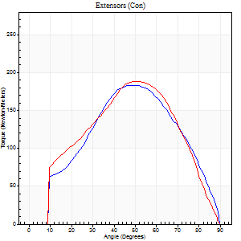
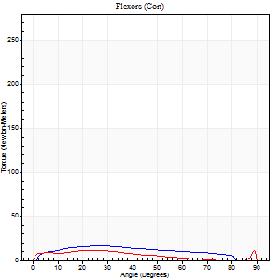
Right Side Curves Left Side Curves
Isokinetic Con/Con |  |  |  | Extensors (Con) |  | Flexors (Con)
Speed 120/120 d/s 3 Reps |  |  |  | Value | Cof Var | %BW | Value | Cof Var | %BW | Ratio

TORQUE PARAMETERS
Peak Torque (Newton-Meters - Best Repetition)
Right |  |  |  | 183 | 0.09 | 304 | 16 | 0.08 | 27 | 9
Left |  |  |  | 188 | 0.13 | 313 | 11 | 0.21 | 18 | 6
Deficit |  |  |  | 3 |  |  | 33
Work per Repetition (Newton-Meters - Best Repetition)
Right |  |  |  | 186 | 0.08 | 310 | 16 | 0.13 | 27 | 9
Left |  |  |  | 184 | 0.1 | 307 | 9 | 0.31 | 15 | 5
Deficit |  |  |  | 1 |  |  | 42
Average Power per Repetition (Watts - Best Repetition)
Right |  |  |  | 219 | 0.1 | 365 | 20 | 0.16 | 33 | 9
Left |  |  |  | 205 | 0.11 | 341 | 10 | 0.41 | 18 | 5
Deficit |  |  |  | 6 |  |  | 50
POSITION PARAMETERS
Joint Angle at Peak Torque (Degrees)
Right |  |  |  | 50 | 0.03 |  | 27 | 0.04
Left |  |  |  | 50 | 0.06 |  | 18 | 0.76
Range of Motion (Degrees)
Right |  |  |  | 0 | 0.61 |  | 90 | 0
Left |  |  |  | 0 | 0.2 |  | 90 | 0
TIME PARAMETERS
Time to Peak Torque (Seconds)
Right |  |  |  | 0.36 | 0 |  | 0.27 | 0.06
Left |  |  |  | 0.41 | 0.12 |  | 0.23 | 0.56
Time Peak Torque Held (Seconds)
Right |  |  |  | 0.04 | 0.42 |  | 0.03 | 0.88
Left |  |  |  | 0.03 | 0.33 |  | 0.01 | 1.73
Force Decay Time (Seconds)
Right |  |  |  | 0.44 | 0.02 |  | 0.54 | 0.05
Left |  |  |  | 0.46 | 0.08 |  | 0.72 | 0.39
Reciprocal Delay (Seconds)
Right |  |  |  | 0.09 | 0.16 |  | 0.14 | 0.25
Left |  |  |  | 0.12 | 0.24 |  | 0.16 | 0.06
Delay Time (Seconds)
Right |  |  |  | 0 | -1.41 |  | 0.03 | 0.22
Left |  |  |  | -0.03 | -0.94 |  | -0.02 | -0.92
HUMAC2015® Version: 15.000.0074 © Computer Sports Medicine, Inc. www.csmisolutions.com

Use File, Preference to set Report Heading
Long Form Torque vs. Position Report - Knee Extension/Flexion
Name: |  |  |  | TR030_FP3068, | ID: | TR030 | Right/Left: | 15.11.2022 15.11.2022
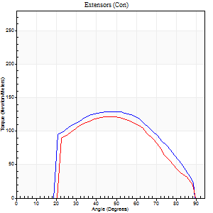
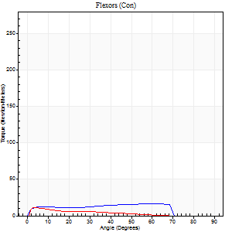
Right Side Curves Left Side Curves
Isokinetic Con/Con |  |  |  | Extensors (Con) |  | Flexors (Con)
Speed 240/240 d/s 3 Reps |  |  |  | Value | Cof Var | %BW | Value | Cof Var | %BW | Ratio

TORQUE PARAMETERS
Peak Torque (Newton-Meters - Best Repetition)
Right |  |  |  | 129 | 0.15 | 215 | 16 | 0.27 | 27 | 13
Left |  |  |  | 122 | 0.06 | 203 | 11 | 0.14 | 18 | 9
Deficit |  |  |  | 5 |  |  | 33
Work per Repetition (Newton-Meters - Best Repetition)
Right |  |  |  | 123 | 0.15 | 206 | 16 | 0.37 | 27 | 13
Left |  |  |  | 108 | 0.05 | 182 | 8 | 0.16 | 15 | 8
Deficit |  |  |  | 12 |  |  | 50
Average Power per Repetition (Watts - Best Repetition)
Right |  |  |  | 242 | 0.21 | 402 | 28 | 0.35 | 46 | 12
Left |  |  |  | 217 | 0.12 | 360 | 12 | 0.18 | 20 | 6
Deficit |  |  |  | 10 |  |  | 57
POSITION PARAMETERS
Joint Angle at Peak Torque (Degrees)
Right |  |  |  | 47 | 0.01 |  | 28 | 0.95
Left |  |  |  | 46 | 0.03 |  | 4 | 0.1
Range of Motion (Degrees)
Right |  |  |  | 0 | 0.18 |  | 89 | 0.01
Left |  |  |  | 1 | 0.12 |  | 89 | 0.01
TIME PARAMETERS
Time to Peak Torque (Seconds)
Right |  |  |  | 0.23 | 0 |  | 0.25 | 0.54
Left |  |  |  | 0.25 | 0.03 |  | 0.1 | 0.5
Time Peak Torque Held (Seconds)
Right |  |  |  | 0.01 | 0 |  | 0.02 | 0
Left |  |  |  | 0.01 | 0.43 |  | 0 | 0
Force Decay Time (Seconds)
Right |  |  |  | 0.27 | 0.04 |  | 0.3 | 0.43
Left |  |  |  | 0.25 | 0.11 |  | 0.51 | 0.06
Reciprocal Delay (Seconds)
Right |  |  |  | 0.04 | 0 |  | 0.14 | 0.33
Left |  |  |  | 0.05 | 0 |  | 0.1 | 0.48
Delay Time (Seconds)
Right |  |  |  | -0.01 | -0.47 |  | -0.01 | -2.65
Left |  |  |  | -0.02 | 0 |  | -0.04 | -0.79
HUMAC2015® Version: 15.000.0074 © Computer Sports Medicine, Inc. www.csmisolutions.com

Use File, Preference to set Report Heading
Isometric - Knee Extension/Flexion
Name: |  |  |  | TR030_FP3068, | ID: | TR030 | Right/Left: | 15.11.2022 15.11.2022

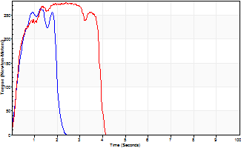
Isometric Extensors (Con) Angle 60 Time 10 Repetition 2 (Best Repetition)
 | Value | Cof Var | %BW
Peak Torque (Newton-Meters)
Right | 264 | 0.03 | 441
Left | 277 | 0.04 | 462
Deficit | 4
Average Torque (Newton-Meters)
Right | 75 | 0.39 | 125
Left | 94 | 0.36 | 155
Deficit | 20
Peak Torque Slope (Newton-Meters/Seconds)
Right | 208 | 0.56 | 346
Left | 153 | 0.2 | 255 |  | Right Side Curves Left Side Curves
Deficit | 26
Time to Half Peak Torque (Seconds)
Right | 0.3 | 0.02
Left | 0.25 | 0.17
Time to Peak Torque (Seconds)
Right | 2.02 | 0.53
Left | 2.04 | 0.24
HUMAC2015® Version: 15.000.0074 © Computer Sports Medicine, Inc. www.csmisolutions.com

post1
Use File, Preference to set Report Heading
Long Form Torque vs. Position Report - Knee Extension/Flexion
Name: |  |  |  | TR030_FP3068, | ID: | TR030 | Right/Left: | 06.12.2022 06.12.2022
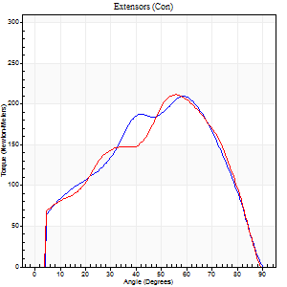
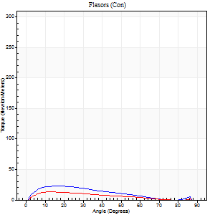
Right Side Curves Left Side Curves
Isokinetic Con/Con |  |  |  | Extensors (Con) |  | Flexors (Con)
Speed 60/60 d/s 3 Reps |  |  |  | Value | Cof Var | %BW | Value | Cof Var | %BW | Ratio

TORQUE PARAMETERS
Peak Torque (Newton-Meters - Best Repetition)
Right |  |  |  | 209 | 0.05 | 349 | 23 | 0.36 | 39 | 11
Left |  |  |  | 212 | 0.09 | 352 | 14 | 0.03 | 24 | 6
Deficit |  |  |  | 1 |  |  | 41
Work per Repetition (Newton-Meters - Best Repetition)
Right |  |  |  | 205 | 0.06 | 340 | 18 | 0.41 | 30 | 9
Left |  |  |  | 202 | 0.17 | 337 | 11 | 0.08 | 18 | 5
Deficit |  |  |  | 1 |  |  | 38
Average Power per Repetition (Watts - Best Repetition)
Right |  |  |  | 128 | 0.05 | 213 | 11 | 0.39 | 18 | 9
Left |  |  |  | 130 | 0.17 | 215 | 7 | 0.06 | 11 | 5
Deficit |  |  |  | 2 |  |  | 36
POSITION PARAMETERS
Joint Angle at Peak Torque (Degrees)
Right |  |  |  | 58 | 0.1 |  | 12 | 0.3
Left |  |  |  | 61 | 0.1 |  | 12 | 0.01
Range of Motion (Degrees)
Right |  |  |  | 0 | 0 |  | 90 | 0.01
Left |  |  |  | 0 | -0.47 |  | 90 | 0
TIME PARAMETERS
Time to Peak Torque (Seconds)
Right |  |  |  | 0.6 | 0.09 |  | 0.21 | 0.31
Left |  |  |  | 0.54 | 0.04 |  | 0.23 | 0.09
Time Peak Torque Held (Seconds)
Right |  |  |  | 0.04 | 0.66 |  | 0.02 | 1.73
Left |  |  |  | 0.03 | 0.17 |  | 0.02 | 1.73
Force Decay Time (Seconds)
Right |  |  |  | 0.98 | 0.13 |  | 1.28 | 0.11
Left |  |  |  | 1.01 | 0.08 |  | 1.32 | 0.02
Reciprocal Delay (Seconds)
Right |  |  |  | 0.24 | 1.01 |  | 0.28 | 0.32
Left |  |  |  | 0.15 | 0.09 |  | 0.36 | 0.87
Delay Time (Seconds)
Right |  |  |  | -0.01 | -0.47 |  | 0.03 | 1.32
Left |  |  |  | 0.01 | 0.47 |  | 0 | -1.73
HUMAC2015® Version: 15.000.0074 © Computer Sports Medicine, Inc. www.csmisolutions.com

Use File, Preference to set Report Heading
Long Form Torque vs. Position Report - Knee Extension/Flexion
Name: |  |  |  | TR030_FP3068, | ID: | TR030 | Right/Left: | 06.12.2022 06.12.2022
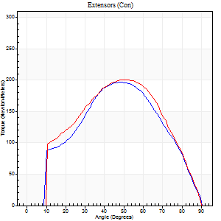
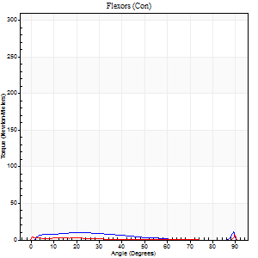
Right Side Curves Left Side Curves
Isokinetic Con/Con |  |  |  | Extensors (Con) |  | Flexors (Con)
Speed 120/120 d/s 3 Reps |  |  |  | Value | Cof Var | %BW | Value | Cof Var | %BW | Ratio

TORQUE PARAMETERS
Peak Torque (Newton-Meters - Best Repetition)
Right |  |  |  | 197 | 0.13 | 328 | 11 | 0.35 | 18 | 6
Left |  |  |  | 201 | 0.04 | 334 | 12 | 0.25 | 21 | 6
Deficit |  |  |  | 2 |  |  | 11
Work per Repetition (Newton-Meters - Best Repetition)
Right |  |  |  | 188 | 0.09 | 313 | 7 | 0.38 | 12 | 4
Left |  |  |  | 203 | 0.08 | 340 | 9 | 0.91 | 15 | 5
Deficit |  |  |  | 7 |  |  | 29
Average Power per Repetition (Watts - Best Repetition)
Right |  |  |  | 214 | 0.09 | 356 | 8 | 0.57 | 13 | 4
Left |  |  |  | 229 | 0.07 | 380 | 7 | 0.89 | 11 | 3
Deficit |  |  |  | 7 |  |  | 13
POSITION PARAMETERS
Joint Angle at Peak Torque (Degrees)
Right |  |  |  | 49 | 0.03 |  | 46 | 0.81
Left |  |  |  | 51 | 0.05 |  | 67 | 0.59
Range of Motion (Degrees)
Right |  |  |  | 0 | 0 |  | 90 | 0
Left |  |  |  | 0 | 0 |  | 90 | 0
TIME PARAMETERS
Time to Peak Torque (Seconds)
Right |  |  |  | 0.41 | 0.02 |  | 0.58 | 0.59
Left |  |  |  | 0.38 | 0.04 |  | 1.38 | 0.42
Time Peak Torque Held (Seconds)
Right |  |  |  | 0.03 | 0.17 |  | 0.03 | 1.73
Left |  |  |  | 0.03 | 0.33 |  | 0.01 | 1.15
Force Decay Time (Seconds)
Right |  |  |  | 0.43 | 0.03 |  | 0.51 | 0.94
Left |  |  |  | 0.47 | 0.02 |  | -0.08 | -7.59
Reciprocal Delay (Seconds)
Right |  |  |  | 0.33 | 0.78 |  | 0.13 | 0.09
Left |  |  |  | 0.7 | 0.91 |  | 0.53 | 0.47
Delay Time (Seconds)
Right |  |  |  | -0.03 | 0 |  | 0.03 | 0.17
Left |  |  |  | 0 | -1.41 |  | -0.22 | -1.18
HUMAC2015® Version: 15.000.0074 © Computer Sports Medicine, Inc. www.csmisolutions.com

Use File, Preference to set Report Heading
Long Form Torque vs. Position Report - Knee Extension/Flexion
Name: |  |  |  | TR030_FP3068, | ID: | TR030 | Right/Left: | 06.12.2022 06.12.2022
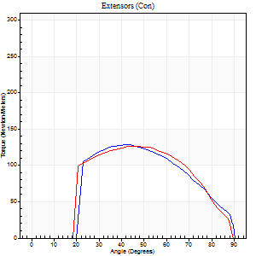
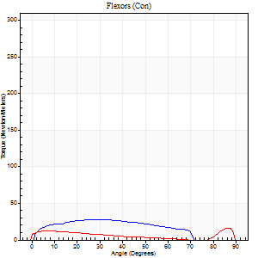
Right Side Curves Left Side Curves
Isokinetic Con/Con |  |  |  | Extensors (Con) |  | Flexors (Con)
Speed 240/240 d/s 3 Reps |  |  |  | Value | Cof Var | %BW | Value | Cof Var | %BW | Ratio

TORQUE PARAMETERS
Peak Torque (Newton-Meters - Best Repetition)
Right |  |  |  | 129 | 0.1 | 215 | 27 | 0.43 | 45 | 21
Left |  |  |  | 126 | 0.05 | 209 | 16 | 0.44 | 27 | 13
Deficit |  |  |  | 2 |  |  | 40
Work per Repetition (Newton-Meters - Best Repetition)
Right |  |  |  | 119 | 0.07 | 200 | 27 | 0.53 | 45 | 23
Left |  |  |  | 121 | 0.02 | 200 | 9 | 0.34 | 15 | 8
Deficit |  |  |  | 1 |  |  | 65
Average Power per Repetition (Watts - Best Repetition)
Right |  |  |  | 201 | 0.11 | 334 | 48 | 0.58 | 79 | 24
Left |  |  |  | 227 | 0.05 | 378 | 15 | 0.4 | 24 | 7
Deficit |  |  |  | 11 |  |  | 69
POSITION PARAMETERS
Joint Angle at Peak Torque (Degrees)
Right |  |  |  | 40 | 0.1 |  | 26 | 0.6
Left |  |  |  | 46 | 0.08 |  | 33 | 1.39
Range of Motion (Degrees)
Right |  |  |  | 0 | -0.2 |  | 90 | 0
Left |  |  |  | 0 | 0 |  | 89 | 0
TIME PARAMETERS
Time to Peak Torque (Seconds)
Right |  |  |  | 0.33 | 0.23 |  | 0.24 | 0.36
Left |  |  |  | 0.26 | 0.05 |  | 0.3 | 0.82
Time Peak Torque Held (Seconds)
Right |  |  |  | 0.01 | 0 |  | 0.01 | 1.73
Left |  |  |  | 0.01 | 0.43 |  | 0.01 | 1.73
Force Decay Time (Seconds)
Right |  |  |  | 0.27 | 0.08 |  | 0.36 | 0.1
Left |  |  |  | 0.27 | 0.06 |  | 0.34 | 0.78
Reciprocal Delay (Seconds)
Right |  |  |  | 0.56 | 0.57 |  | 0.5 | 0.29
Left |  |  |  | 0.07 | 0.61 |  | 0.37 | 0.69
Delay Time (Seconds)
Right |  |  |  | -0.04 | -0.35 |  | -0.01 | -3.46
Left |  |  |  | -0.02 | 0 |  | -0.04 | -0.57
HUMAC2015® Version: 15.000.0074 © Computer Sports Medicine, Inc. www.csmisolutions.com

Use File, Preference to set Report Heading
Isometric - Knee Extension/Flexion
Name: |  |  |  | TR030_FP3068, | ID: | TR030 | Right/Left: | 06.12.2022 06.12.2022

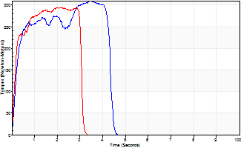
Isometric Extensors (Con) Angle 60 Time 10 Repetition 2 (Best Repetition)
 | Value | Cof Var | %BW
Peak Torque (Newton-Meters)
Right | 309 | 0.01 | 516
Left | 294 | 0.02 | 489
Deficit | 5
Average Torque (Newton-Meters)
Right | 114 | 0.02 | 191
Left | 104 | 0.18 | 173
Deficit | 8
Peak Torque Slope (Newton-Meters/Seconds)
Right | 119 | 0.2 | 198
Left | 139 | 0.42 | 231 |  | Right Side Curves Left Side Curves
Deficit | 14
Time to Half Peak Torque (Seconds)
Right | 0.19 | 0.18
Left | 0.17 | 0.12
Time to Peak Torque (Seconds)
Right | 3.01 | 0.21
Left | 2.95 | 0.4
HUMAC2015® Version: 15.000.0074 © Computer Sports Medicine, Inc. www.csmisolutions.com

post2
Use File, Preference to set Report Heading
Long Form Torque vs. Position Report - Knee Extension/Flexion
Name: |  |  |  | TR030_FP3068, | ID: | TR030 | Right/Left: | 08.12.2022 08.12.2022
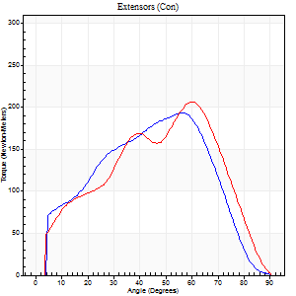
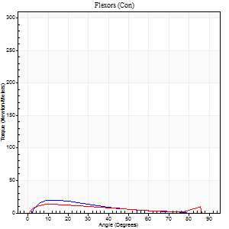
Right Side Curves Left Side Curves
Isokinetic Con/Con |  |  |  | Extensors (Con) |  | Flexors (Con)
Speed 60/60 d/s 3 Reps |  |  |  | Value | Cof Var | %BW | Value | Cof Var | %BW | Ratio

TORQUE PARAMETERS
Peak Torque (Newton-Meters - Best Repetition)
Right |  |  |  | 193 | 0.23 | 322 | 20 | 0.26 | 33 | 11
Left |  |  |  | 206 | 0.15 | 343 | 14 | 0.14 | 24 | 7
Deficit |  |  |  | 7 |  |  | 33
Work per Repetition (Newton-Meters - Best Repetition)
Right |  |  |  | 180 | 0.16 | 301 | 12 | 0.23 | 21 | 7
Left |  |  |  | 187 | 0.11 | 313 | 11 | 0.12 | 18 | 6
Deficit |  |  |  | 4 |  |  | 11
Average Power per Repetition (Watts - Best Repetition)
Right |  |  |  | 102 | 0.12 | 169 | 8 | 0.18 | 13 | 8
Left |  |  |  | 115 | 0.12 | 191 | 7 | 0.13 | 11 | 6
Deficit |  |  |  | 11 |  |  | 13
POSITION PARAMETERS
Joint Angle at Peak Torque (Degrees)
Right |  |  |  | 49 | 0.19 |  | 13 | 0.23
Left |  |  |  | 55 | 0.16 |  | 16 | 0.51
Range of Motion (Degrees)
Right |  |  |  | 0 | 4.24 |  | 90 | 0.01
Left |  |  |  | 0 | 0 |  | 90 | 0
TIME PARAMETERS
Time to Peak Torque (Seconds)
Right |  |  |  | 0.73 | 0.12 |  | 0.21 | 0.29
Left |  |  |  | 0.54 | 0.03 |  | 0.31 | 0.59
Time Peak Torque Held (Seconds)
Right |  |  |  | 0.11 | 0.49 |  | 0.03 | 0.96
Left |  |  |  | 0.04 | 0.31 |  | 0.03 | 0.62
Force Decay Time (Seconds)
Right |  |  |  | 0.75 | 0.23 |  | 1.27 | 0.08
Left |  |  |  | 0.93 | 0.16 |  | 1.25 | 0.12
Reciprocal Delay (Seconds)
Right |  |  |  | 0.19 | 0.67 |  | 0.21 | 0.26
Left |  |  |  | 0.31 | 0.02 |  | 0.29 | 0.52
Delay Time (Seconds)
Right |  |  |  | -0.1 | -0.71 |  | 0.05 | 0.25
Left |  |  |  | -0.02 | -0.28 |  | 0 | -10.54
HUMAC2015® Version: 15.000.0074 © Computer Sports Medicine, Inc. www.csmisolutions.com

Use File, Preference to set Report Heading
Long Form Torque vs. Position Report - Knee Extension/Flexion
Name: |  |  |  | TR030_FP3068, | ID: | TR030 | Right/Left: | 08.12.2022 08.12.2022
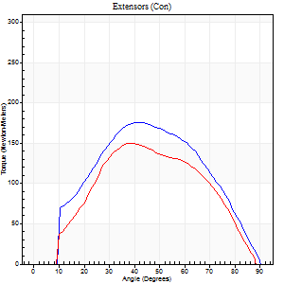
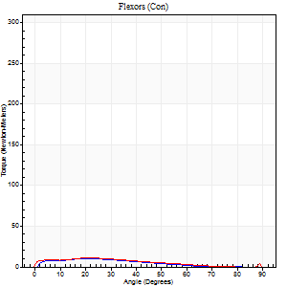
Right Side Curves Left Side Curves
Isokinetic Con/Con |  |  |  | Extensors (Con) |  | Flexors (Con)
Speed 120/120 d/s 3 Reps |  |  |  | Value | Cof Var | %BW | Value | Cof Var | %BW | Ratio

TORQUE PARAMETERS
Peak Torque (Newton-Meters - Best Repetition)
Right |  |  |  | 176 | 0.16 | 292 | 9 | 0.03 | 15 | 5
Left |  |  |  | 149 | 0.04 | 247 | 11 | 0.47 | 18 | 7
Deficit |  |  |  | 15 |  |  | 13
Work per Repetition (Newton-Meters - Best Repetition)
Right |  |  |  | 168 | 0.1 | 280 | 8 | 0.05 | 15 | 5
Left |  |  |  | 140 | 0.07 | 232 | 11 | 0.53 | 18 | 8
Deficit |  |  |  | 17 |  |  | 25
Average Power per Repetition (Watts - Best Repetition)
Right |  |  |  | 192 | 0.12 | 319 | 9 | 0.07 | 15 | 5
Left |  |  |  | 160 | 0.13 | 266 | 11 | 0.61 | 18 | 7
Deficit |  |  |  | 17 |  |  | 18
POSITION PARAMETERS
Joint Angle at Peak Torque (Degrees)
Right |  |  |  | 46 | 0.09 |  | 22 | 0
Left |  |  |  | 43 | 0.11 |  | 15 | 0.82
Range of Motion (Degrees)
Right |  |  |  | 0 | 0.28 |  | 90 | 0
Left |  |  |  | 0 | 7.07 |  | 89 | 0.01
TIME PARAMETERS
Time to Peak Torque (Seconds)
Right |  |  |  | 0.44 | 0.11 |  | 0.25 | 0.02
Left |  |  |  | 0.45 | 0.02 |  | 0.23 | 0.56
Time Peak Torque Held (Seconds)
Right |  |  |  | 0.03 | 0.35 |  | 0.01 | 1.73
Left |  |  |  | 0.02 | 0.49 |  | 0.29 | 1.49
Force Decay Time (Seconds)
Right |  |  |  | 0.41 | 0.09 |  | 0.61 | 0.04
Left |  |  |  | 0.41 | 0.08 |  | 0.46 | 0.32
Reciprocal Delay (Seconds)
Right |  |  |  | 0.09 | 0 |  | 0.15 | 0.17
Left |  |  |  | 0.09 | 0.25 |  | 0.29 | 0.36
Delay Time (Seconds)
Right |  |  |  | -0.03 | -0.47 |  | 0.02 | 0.5
Left |  |  |  | 0 | 0 |  | -0.03 | -0.75
HUMAC2015® Version: 15.000.0074 © Computer Sports Medicine, Inc. www.csmisolutions.com

Use File, Preference to set Report Heading
Long Form Torque vs. Position Report - Knee Extension/Flexion
Name: |  |  |  | TR030_FP3068, | ID: | TR030 | Right/Left: | 08.12.2022 08.12.2022
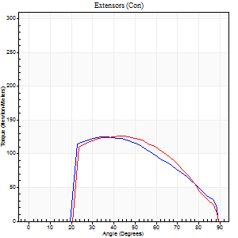
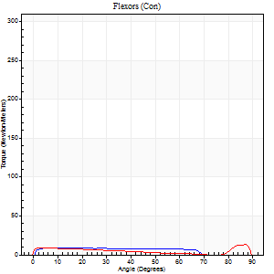
Right Side Curves Left Side Curves
Isokinetic Con/Con |  |  |  | Extensors (Con) |  | Flexors (Con)
Speed 240/240 d/s 3 Reps |  |  |  | Value | Cof Var | %BW | Value | Cof Var | %BW | Ratio

TORQUE PARAMETERS
Peak Torque (Newton-Meters - Best Repetition)
Right |  |  |  | 125 | 0.2 | 209 | 9 | 0.29 | 15 | 8
Left |  |  |  | 126 | 0.08 | 209 | 14 | 0.21 | 24 | 11
Deficit |  |  |  | 1 |  |  | 30
Work per Repetition (Newton-Meters - Best Repetition)
Right |  |  |  | 113 | 0.2 | 188 | 9 | 0.51 | 15 | 8
Left |  |  |  | 114 | 0.07 | 191 | 7 | 0.61 | 12 | 6
Deficit |  |  |  | 1 |  |  | 29
Average Power per Repetition (Watts - Best Repetition)
Right |  |  |  | 213 | 0.22 | 354 | 16 | 0.61 | 26 | 8
Left |  |  |  | 197 | 0.1 | 327 | 12 | 0.15 | 20 | 6
Deficit |  |  |  | 8 |  |  | 25
POSITION PARAMETERS
Joint Angle at Peak Torque (Degrees)
Right |  |  |  | 41 | 0.11 |  | 11 | 0.25
Left |  |  |  | 44 | 0.07 |  | 60 | 0.8
Range of Motion (Degrees)
Right |  |  |  | 0 | 1.41 |  | 89 | 0.01
Left |  |  |  | 0 | -4.24 |  | 89 | 0.01
TIME PARAMETERS
Time to Peak Torque (Seconds)
Right |  |  |  | 0.3 | 0.02 |  | 0.18 | 0.14
Left |  |  |  | 0.28 | 0.03 |  | 0.3 | 1.05
Time Peak Torque Held (Seconds)
Right |  |  |  | 0.01 | 1 |  | 0.19 | 1.34
Left |  |  |  | 0.01 | 0.43 |  | 0 | 0
Force Decay Time (Seconds)
Right |  |  |  | 0.24 | 0.11 |  | 0.29 | 0.8
Left |  |  |  | 0.29 | 0.05 |  | 0.2 | 1.47
Reciprocal Delay (Seconds)
Right |  |  |  | 0.06 | 0.24 |  | 0.14 | 0.48
Left |  |  |  | 0.06 | 0.33 |  | 0.39 | 0.29
Delay Time (Seconds)
Right |  |  |  | -0.04 | -0.2 |  | -0.02 | -0.92
Left |  |  |  | -0.03 | 0 |  | 0.14 | 2.43
HUMAC2015® Version: 15.000.0074 © Computer Sports Medicine, Inc. www.csmisolutions.com

Use File, Preference to set Report Heading
Isometric - Knee Extension/Flexion
Name: |  |  |  | TR030_FP3068, | ID: | TR030 | Right/Left: | 08.12.2022 08.12.2022

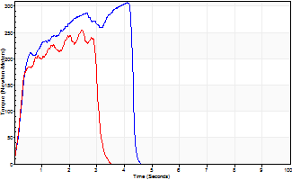
Isometric Extensors (Con) Angle 60 Time 10 Repetition 2 (Best Repetition)
 | Value | Cof Var | %BW
Peak Torque (Newton-Meters)
Right | 306 | 0.12 | 510
Left | 255 | 0.03 | 423
Deficit | 17
Average Torque (Newton-Meters)
Right | 106 | 0.17 | 176
Left | 62 | 0.01 | 104
Deficit | 41
Peak Torque Slope (Newton-Meters/Seconds)
Right | 75 | 0.07 | 124
Left | 103 | 0 | 172 |  | Right Side Curves Left Side Curves
Deficit | 28
Time to Half Peak Torque (Seconds)
Right | 0.31 | 0.16
Left | 0.34 | 0.29
Time to Peak Torque (Seconds)
Right | 3.95 | 0.05
Left | 2.39 | 0.03
HUMAC2015® Version: 15.000.0074 © Computer Sports Medicine, Inc. www.csmisolutions.com

