pre1
Use File, Preference to set Report Heading
Long Form Torque vs. Position Report - Knee Extension/Flexion
Name: |  |  |  | TR030_FP3069, | ID: | TR030 | Right/Left: | 14.09.2022 14.09.2022
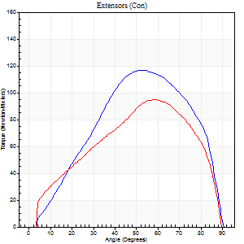
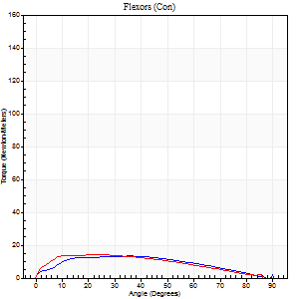
Right Side Curves Left Side Curves
Isokinetic Con/Con |  |  |  | Extensors (Con) |  | Flexors (Con)
Speed 60/60 d/s 3 Reps |  |  |  | Value | Cof Var | %BW | Value | Cof Var | %BW | Ratio

TORQUE PARAMETERS
Peak Torque (Newton-Meters - Best Repetition)
Right |  |  |  | 117 | 0.06 | 176 | 14 | 0.16 | 21 | 12
Left |  |  |  | 95 | 0.02 | 143 | 14 | 0.04 | 21 | 14
Deficit |  |  |  | 19 |  |  | 0
Work per Repetition (Newton-Meters - Best Repetition)
Right |  |  |  | 115 | 0.06 | 173 | 14 | 0.24 | 21 | 12
Left |  |  |  | 99 | 0.06 | 149 | 15 | 0.17 | 21 | 15
Deficit |  |  |  | 14 |  |  | 9
Average Power per Repetition (Watts - Best Repetition)
Right |  |  |  | 70 | 0.1 | 105 | 8 | 0.26 | 11 | 11
Left |  |  |  | 64 | 0.07 | 97 | 9 | 0.17 | 13 | 14
Deficit |  |  |  | 9 |  |  | 11
POSITION PARAMETERS
Joint Angle at Peak Torque (Degrees)
Right |  |  |  | 53 | 0 |  | 25 | 0.41
Left |  |  |  | 58 | 0.06 |  | 17 | 0.38
Range of Motion (Degrees)
Right |  |  |  | 1 | 0 |  | 90 | 0
Left |  |  |  | 0 | 0.16 |  | 90 | 0
TIME PARAMETERS
Time to Peak Torque (Seconds)
Right |  |  |  | 0.62 | 0.01 |  | 0.52 | 0.43
Left |  |  |  | 0.56 | 0.09 |  | 0.34 | 0.28
Time Peak Torque Held (Seconds)
Right |  |  |  | 0.06 | 0 |  | 0.03 | 1.73
Left |  |  |  | 0.05 | 0.2 |  | 0.01 | 1.73
Force Decay Time (Seconds)
Right |  |  |  | 0.85 | 0.01 |  | 1.17 | 0.3
Left |  |  |  | 0.94 | 0.07 |  | 1.24 | 0.08
Reciprocal Delay (Seconds)
Right |  |  |  | 0.48 | 0.32 |  | 0.46 | 1.06
Left |  |  |  | 0.16 | 0 |  | 0.2 | 0.06
Delay Time (Seconds)
Right |  |  |  | 0 | 0 |  | -0.04 | -1.52
Left |  |  |  | 0 | 1.41 |  | -0.03 | -0.58
HUMAC2015® Version: 15.000.0074 © Computer Sports Medicine, Inc. www.csmisolutions.com

Use File, Preference to set Report Heading
Long Form Torque vs. Position Report - Knee Extension/Flexion
Name: |  |  |  | TR030_FP3069, | ID: | TR030 | Right/Left: | 14.09.2022 14.09.2022
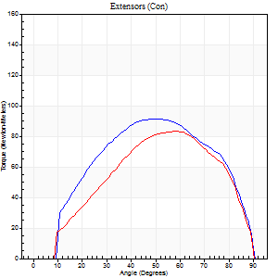
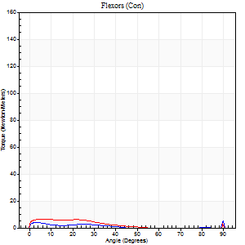
Right Side Curves Left Side Curves
Isokinetic Con/Con |  |  |  | Extensors (Con) |  | Flexors (Con)
Speed 120/120 d/s 3 Reps |  |  |  | Value | Cof Var | %BW | Value | Cof Var | %BW | Ratio

TORQUE PARAMETERS
Peak Torque (Newton-Meters - Best Repetition)
Right |  |  |  | 91 | 0.03 | 137 | 9 | 0.37 | 15 | 10
Left |  |  |  | 83 | 0.01 | 122 | 7 | 0.18 | 9 | 8
Deficit |  |  |  | 9 |  |  | 29
Work per Repetition (Newton-Meters - Best Repetition)
Right |  |  |  | 96 | 0.02 | 143 | 4 | 0.62 | 6 | 4
Left |  |  |  | 89 | 0.05 | 134 | 4 | 0.31 | 6 | 5
Deficit |  |  |  | 7 |  |  | 0
Average Power per Repetition (Watts - Best Repetition)
Right |  |  |  | 110 | 0.01 | 165 | 4 | 0.74 | 7 | 4
Left |  |  |  | 101 | 0.06 | 152 | 3 | 0.3 | 4 | 3
Deficit |  |  |  | 8 |  |  | 25
POSITION PARAMETERS
Joint Angle at Peak Torque (Degrees)
Right |  |  |  | 48 | 0.06 |  | 38 | 1.21
Left |  |  |  | 51 | 0.12 |  | 6 | 0.2
Range of Motion (Degrees)
Right |  |  |  | 0 | 0.28 |  | 90 | 0
Left |  |  |  | 0 | 0.47 |  | 90 | 0
TIME PARAMETERS
Time to Peak Torque (Seconds)
Right |  |  |  | 0.41 | 0.02 |  | 0.62 | 1.07
Left |  |  |  | 0.41 | 0.02 |  | 0.22 | 0
Time Peak Torque Held (Seconds)
Right |  |  |  | 0.03 | 0.58 |  | 0 | 0
Left |  |  |  | 0.03 | 0.57 |  | 0.01 | 1.73
Force Decay Time (Seconds)
Right |  |  |  | 0.44 | 0.05 |  | 0.64 | 1.03
Left |  |  |  | 0.49 | 0.09 |  | 0.89 | 0.08
Reciprocal Delay (Seconds)
Right |  |  |  | 0.26 | 0.44 |  | 0.29 | 0.29
Left |  |  |  | 0.2 | 0.21 |  | 0.31 | 0.14
Delay Time (Seconds)
Right |  |  |  | -0.01 | -0.47 |  | -0.05 | -0.39
Left |  |  |  | -0.03 | 0 |  | -0.07 | -0.14
HUMAC2015® Version: 15.000.0074 © Computer Sports Medicine, Inc. www.csmisolutions.com

Use File, Preference to set Report Heading
Long Form Torque vs. Position Report - Knee Extension/Flexion
Name: |  |  |  | TR030_FP3069, | ID: | TR030 | Right/Left: | 14.09.2022 14.09.2022
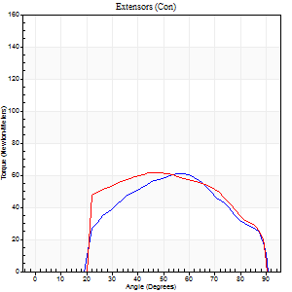
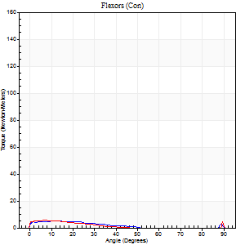
Right Side Curves Left Side Curves
Isokinetic Con/Con |  |  |  | Extensors (Con) |  | Flexors (Con)
Speed 240/240 d/s 3 Reps |  |  |  | Value | Cof Var | %BW | Value | Cof Var | %BW | Ratio

TORQUE PARAMETERS
Peak Torque (Newton-Meters - Best Repetition)
Right |  |  |  | 61 | 0.04 | 92 | 5 | 0.22 | 9 | 9
Left |  |  |  | 61 | 0.03 | 92 | 5 | 0.22 | 9 | 9
Deficit |  |  |  | 0 |  |  | 0
Work per Repetition (Newton-Meters - Best Repetition)
Right |  |  |  | 57 | 0.12 | 86 | 3 | 0.35 | 3 | 5
Left |  |  |  | 61 | 0.02 | 92 | 3 | 0.24 | 3 | 4
Deficit |  |  |  | 7 |  |  | 0
Average Power per Repetition (Watts - Best Repetition)
Right |  |  |  | 98 | 0.18 | 147 | 3 | 0.56 | 4 | 3
Left |  |  |  | 102 | 0.02 | 152 | 2 | 0.28 | 2 | 2
Deficit |  |  |  | 4 |  |  | 33
POSITION PARAMETERS
Joint Angle at Peak Torque (Degrees)
Right |  |  |  | 57 | 0.06 |  | 10 | 0.41
Left |  |  |  | 49 | 0.05 |  | 6 | 0.28
Range of Motion (Degrees)
Right |  |  |  | 0 | 1.41 |  | 90 | 0
Left |  |  |  | 0 | 0 |  | 90 | 0
TIME PARAMETERS
Time to Peak Torque (Seconds)
Right |  |  |  | 0.25 | 0.03 |  | 0.47 | 0.48
Left |  |  |  | 0.27 | 0.05 |  | 0.26 | 0.1
Time Peak Torque Held (Seconds)
Right |  |  |  | 0.01 | 0.87 |  | 0.05 | 1.4
Left |  |  |  | 0.01 | 0.87 |  | 0.02 | 1.73
Force Decay Time (Seconds)
Right |  |  |  | 0.33 | 0.17 |  | 0.81 | 0.31
Left |  |  |  | 0.31 | 0.02 |  | 0.85 | 0.02
Reciprocal Delay (Seconds)
Right |  |  |  | 0.2 | 0.38 |  | 0.53 | 0.14
Left |  |  |  | 0.12 | 0.12 |  | 0.57 | 0.4
Delay Time (Seconds)
Right |  |  |  | -0.05 | -0.16 |  | -0.21 | -0.83
Left |  |  |  | -0.04 | 0 |  | -0.08 | -0.38
HUMAC2015® Version: 15.000.0074 © Computer Sports Medicine, Inc. www.csmisolutions.com

Use File, Preference to set Report Heading
Isometric - Knee Extension/Flexion
Name: |  |  |  | TR030_FP3069, | ID: | TR030 | Right/Left: | 14.09.2022 14.09.2022

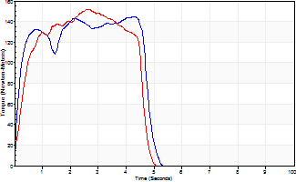
Isometric Extensors (Con) Angle 60 Time 10 Repetition 2 (Best Repetition)
 | Value | Cof Var | %BW
Peak Torque (Newton-Meters)
Right | 145 | 0.01 | 218
Left | 152 | 0.13 | 226
Deficit | 4
Average Torque (Newton-Meters)
Right | 62 | 0.04 | 92
Left | 60 | 0.07 | 89
Deficit | 4
Peak Torque Slope (Newton-Meters/Seconds)
Right | 62 | 0.42 | 93
Left | 59 | 0.33 | 88 |  | Right Side Curves Left Side Curves
Deficit | 5
Time to Half Peak Torque (Seconds)
Right | 0.14 | 0.16
Left | 0.32 | 0.04
Time to Peak Torque (Seconds)
Right | 3.28 | 0.43
Left | 2.99 | 0.21
HUMAC2015® Version: 15.000.0074 © Computer Sports Medicine, Inc. www.csmisolutions.com

pre2
Use File, Preference to set Report Heading
Long Form Torque vs. Position Report - Knee Extension/Flexion
Name: |  |  |  | TR030_FP3069, | ID: | TR030 | Right/Left: | 20.09.2022 20.09.2022
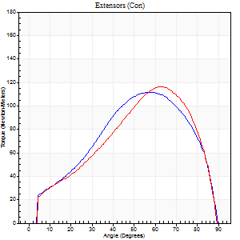
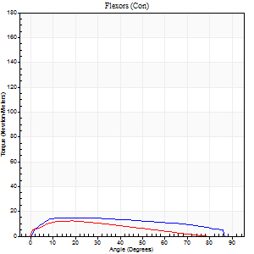
Right Side Curves Left Side Curves
Isokinetic Con/Con |  |  |  | Extensors (Con) |  | Flexors (Con)
Speed 60/60 d/s 3 Reps |  |  |  | Value | Cof Var | %BW | Value | Cof Var | %BW | Ratio

TORQUE PARAMETERS
Peak Torque (Newton-Meters - Best Repetition)
Right |  |  |  | 111 | 0.03 | 167 | 15 | 0.29 | 21 | 13
Left |  |  |  | 117 | 0.11 | 176 | 12 | 0.05 | 18 | 10
Deficit |  |  |  | 5 |  |  | 18
Work per Repetition (Newton-Meters - Best Repetition)
Right |  |  |  | 113 | 0.01 | 167 | 18 | 0.4 | 27 | 16
Left |  |  |  | 107 | 0.07 | 161 | 11 | 0.06 | 15 | 10
Deficit |  |  |  | 5 |  |  | 38
Average Power per Repetition (Watts - Best Repetition)
Right |  |  |  | 74 | 0.02 | 110 | 11 | 0.44 | 15 | 15
Left |  |  |  | 69 | 0.07 | 103 | 7 | 0.06 | 11 | 10
Deficit |  |  |  | 7 |  |  | 36
POSITION PARAMETERS
Joint Angle at Peak Torque (Degrees)
Right |  |  |  | 54 | 0.05 |  | 23 | 0.57
Left |  |  |  | 59 | 0.09 |  | 18 | 0.02
Range of Motion (Degrees)
Right |  |  |  | 0 | 0.94 |  | 90 | 0
Left |  |  |  | 0 | 0.47 |  | 90 | 0
TIME PARAMETERS
Time to Peak Torque (Seconds)
Right |  |  |  | 0.62 | 0.01 |  | 0.44 | 0.61
Left |  |  |  | 0.56 | 0.17 |  | 0.4 | 0.05
Time Peak Torque Held (Seconds)
Right |  |  |  | 0.09 | 0.27 |  | 0.18 | 0.87
Left |  |  |  | 0.04 | 0.16 |  | 0.07 | 0.89
Force Decay Time (Seconds)
Right |  |  |  | 0.84 | 0.1 |  | 1.01 | 0.01
Left |  |  |  | 0.98 | 0.1 |  | 1.16 | 0.06
Reciprocal Delay (Seconds)
Right |  |  |  | 0.16 | 0.41 |  | 0.3 | 0.39
Left |  |  |  | 0.15 | 0.05 |  | 0.36 | 0.14
Delay Time (Seconds)
Right |  |  |  | 0.01 | 0.47 |  | -0.02 | -2.5
Left |  |  |  | 0.01 | 1.41 |  | -0.04 | -0.13
HUMAC2015® Version: 15.000.0074 © Computer Sports Medicine, Inc. www.csmisolutions.com

Use File, Preference to set Report Heading
Long Form Torque vs. Position Report - Knee Extension/Flexion
Name: |  |  |  | TR030_FP3069, | ID: | TR030 | Right/Left: | 20.09.2022 20.09.2022
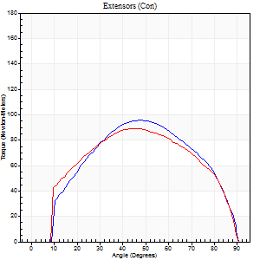
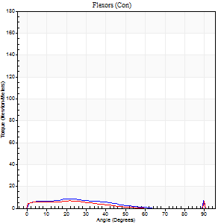
Right Side Curves Left Side Curves
Isokinetic Con/Con |  |  |  | Extensors (Con) |  | Flexors (Con)
Speed 120/120 d/s 3 Reps |  |  |  | Value | Cof Var | %BW | Value | Cof Var | %BW | Ratio

TORQUE PARAMETERS
Peak Torque (Newton-Meters - Best Repetition)
Right |  |  |  | 95 | 0.04 | 143 | 22 | 0.72 | 33 | 23
Left |  |  |  | 89 | 0.01 | 134 | 16 | 0.53 | 24 | 18
Deficit |  |  |  | 6 |  |  | 25
Work per Repetition (Newton-Meters - Best Repetition)
Right |  |  |  | 99 | 0.03 | 149 | 5 | 0.65 | 9 | 5
Left |  |  |  | 96 | 0.04 | 143 | 5 | 0.05 | 9 | 6
Deficit |  |  |  | 3 |  |  | 0
Average Power per Repetition (Watts - Best Repetition)
Right |  |  |  | 110 | 0.02 | 165 | 6 | 0.72 | 9 | 5
Left |  |  |  | 109 | 0.05 | 163 | 5 | 0.24 | 7 | 5
Deficit |  |  |  | 1 |  |  | 17
POSITION PARAMETERS
Joint Angle at Peak Torque (Degrees)
Right |  |  |  | 48 | 0.01 |  | 62 | 0.79
Left |  |  |  | 50 | 0.12 |  | 45 | 0.87
Range of Motion (Degrees)
Right |  |  |  | 0 | 0.47 |  | 90 | 0
Left |  |  |  | 0 | 0 |  | 90 | 0.01
TIME PARAMETERS
Time to Peak Torque (Seconds)
Right |  |  |  | 0.39 | 0 |  | 0.94 | 0.62
Left |  |  |  | 0.4 | 0.07 |  | 0.67 | 0.73
Time Peak Torque Held (Seconds)
Right |  |  |  | 0.03 | 0.33 |  | 0 | 0
Left |  |  |  | 0.01 | 0.43 |  | 0 | 1.73
Force Decay Time (Seconds)
Right |  |  |  | 0.46 | 0.02 |  | 0.18 | 3.5
Left |  |  |  | 0.5 | 0.09 |  | 0.54 | 1.15
Reciprocal Delay (Seconds)
Right |  |  |  | 0.33 | 0.39 |  | 0.35 | 0.36
Left |  |  |  | 0.17 | 0.12 |  | 0.5 | 0.08
Delay Time (Seconds)
Right |  |  |  | -0.01 | -0.47 |  | -0.05 | -0.53
Left |  |  |  | -0.01 | 0 |  | -0.07 | -0.16
HUMAC2015® Version: 15.000.0074 © Computer Sports Medicine, Inc. www.csmisolutions.com

Use File, Preference to set Report Heading
Long Form Torque vs. Position Report - Knee Extension/Flexion
Name: |  |  |  | TR030_FP3069, | ID: | TR030 | Right/Left: | 20.09.2022 20.09.2022
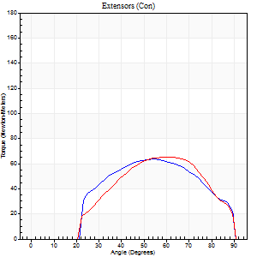
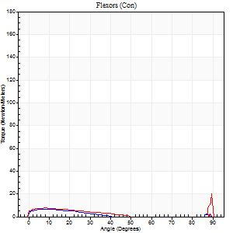
Right Side Curves Left Side Curves
Isokinetic Con/Con |  |  |  | Extensors (Con) |  | Flexors (Con)
Speed 240/240 d/s 3 Reps |  |  |  | Value | Cof Var | %BW | Value | Cof Var | %BW | Ratio

TORQUE PARAMETERS
Peak Torque (Newton-Meters - Best Repetition)
Right |  |  |  | 64 | 0.08 | 95 | 7 | 0.34 | 9 | 11
Left |  |  |  | 65 | 0.06 | 98 | 20 | 0.85 | 30 | 31
Deficit |  |  |  | 2 |  |  | 67
Work per Repetition (Newton-Meters - Best Repetition)
Right |  |  |  | 60 | 0.18 | 89 | 3 | 0.43 | 3 | 5
Left |  |  |  | 58 | 0 | 86 | 4 | 0.59 | 6 | 7
Deficit |  |  |  | 2 |  |  | 33
Average Power per Repetition (Watts - Best Repetition)
Right |  |  |  | 98 | 0.63 | 147 | 2 | 0.65 | 2 | 2
Left |  |  |  | 101 | 0.02 | 152 | 4 | 0.73 | 7 | 4
Deficit |  |  |  | 3 |  |  | 50
POSITION PARAMETERS
Joint Angle at Peak Torque (Degrees)
Right |  |  |  | 56 | 0.1 |  | 5 | 0.77
Left |  |  |  | 55 | 0.12 |  | 31 | 1.61
Range of Motion (Degrees)
Right |  |  |  | 0 | -1.41 |  | 90 | 0
Left |  |  |  | 0 | -0.47 |  | 90 | 0
TIME PARAMETERS
Time to Peak Torque (Seconds)
Right |  |  |  | 0.23 | 0.03 |  | 0.18 | 0.82
Left |  |  |  | 0.23 | 0 |  | 0.49 | 1.14
Time Peak Torque Held (Seconds)
Right |  |  |  | 0.01 | 0 |  | 0.31 | 1.62
Left |  |  |  | 0.02 | 0.87 |  | 0.04 | 1.54
Force Decay Time (Seconds)
Right |  |  |  | 0.33 | 0.09 |  | 1.32 | 0.22
Left |  |  |  | 0.33 | 0.09 |  | 0.8 | 0.88
Reciprocal Delay (Seconds)
Right |  |  |  | 0.38 | 0.07 |  | 0.44 | 0.78
Left |  |  |  | 0.2 | 0.78 |  | 0.65 | 0.17
Delay Time (Seconds)
Right |  |  |  | -0.02 | 0 |  | -0.07 | -0.61
Left |  |  |  | -0.01 | 0 |  | -0.07 | -0.38
HUMAC2015® Version: 15.000.0074 © Computer Sports Medicine, Inc. www.csmisolutions.com

Use File, Preference to set Report Heading
Isometric - Knee Extension/Flexion
Name: |  |  |  | TR030_FP3069, | ID: | TR030 | Right/Left: | 20.09.2022 20.09.2022

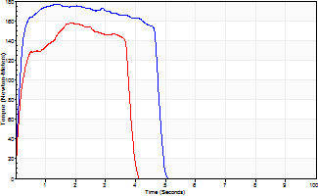
Isometric Extensors (Con) Angle 60 Time 10 Repetition 2 (Best Repetition)
 | Value | Cof Var | %BW
Peak Torque (Newton-Meters)
Right | 176 | 0.08 | 262
Left | 157 | 0.01 | 235
Deficit | 11
Average Torque (Newton-Meters)
Right | 79 | 0.18 | 116
Left | 53 | 0.04 | 80
Deficit | 33
Peak Torque Slope (Newton-Meters/Seconds)
Right | 128 | 0.61 | 192
Left | 84 | 0.02 | 126 |  | Right Side Curves Left Side Curves
Deficit | 34
Time to Half Peak Torque (Seconds)
Right | 0.12 | 0.06
Left | 0.14 | 0.2
Time to Peak Torque (Seconds)
Right | 2.23 | 0.55
Left | 1.88 | 0.03
HUMAC2015® Version: 15.000.0074 © Computer Sports Medicine, Inc. www.csmisolutions.com

