pre1
Use File, Preference to set Report Heading
Long Form Torque vs. Position Report - Knee Extension/Flexion
Name: |  |  |  | TR030_FP3070, | ID: | TR030 | Right/Left: | 29.09.2023 29.09.2023
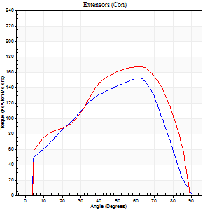
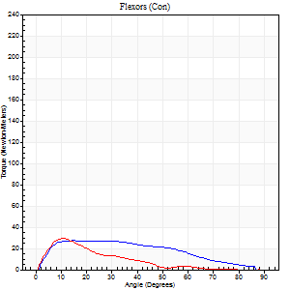
Right Side Curves Left Side Curves
Isokinetic Con/Con |  |  |  | Extensors (Con) |  | Flexors (Con)
Speed 60/60 d/s 3 Reps |  |  |  | Value | Cof Var | %BW | Value | Cof Var | %BW | Ratio

TORQUE PARAMETERS
Peak Torque (Newton-Meters - Best Repetition)
Right |  |  |  | 152 | 0.03 | 140 | 27 | 0.36 | 24 | 18
Left |  |  |  | 167 | 0.08 | 155 | 30 | 0.19 | 27 | 18
Deficit |  |  |  | 9 |  |  | 9
Work per Repetition (Newton-Meters - Best Repetition)
Right |  |  |  | 157 | 0.02 | 146 | 27 | 0.27 | 24 | 17
Left |  |  |  | 178 | 0.07 | 164 | 18 | 0.13 | 15 | 10
Deficit |  |  |  | 11 |  |  | 35
Average Power per Repetition (Watts - Best Repetition)
Right |  |  |  | 101 | 0.03 | 95 | 19 | 0.33 | 18 | 19
Left |  |  |  | 114 | 0.07 | 105 | 12 | 0.21 | 11 | 11
Deficit |  |  |  | 11 |  |  | 37
POSITION PARAMETERS
Joint Angle at Peak Torque (Degrees)
Right |  |  |  | 56 | 0.11 |  | 27 | 0.92
Left |  |  |  | 61 | 0.09 |  | 11 | 0.08
Range of Motion (Degrees)
Right |  |  |  | 0 | 4.24 |  | 90 | 0
Left |  |  |  | 0 | -0.47 |  | 90 | 0
TIME PARAMETERS
Time to Peak Torque (Seconds)
Right |  |  |  | 0.52 | 0 |  | 0.49 | 0.97
Left |  |  |  | 0.46 | 0.28 |  | 0.2 | 0.1
Time Peak Torque Held (Seconds)
Right |  |  |  | 0.06 | 0.48 |  | 0.1 | 1.56
Left |  |  |  | 0.06 | 0.55 |  | 0.02 | 0.87
Force Decay Time (Seconds)
Right |  |  |  | 0.92 | 0.11 |  | 0.98 | 0.4
Left |  |  |  | 1.01 | 0.1 |  | 1.34 | 0.1
Reciprocal Delay (Seconds)
Right |  |  |  | 0.74 | 0.15 |  | 0.5 | 0.91
Left |  |  |  | 0.33 | 0.19 |  | 0.24 | 0.11
Delay Time (Seconds)
Right |  |  |  | 0 | 4.24 |  | 0.02 | 2.96
Left |  |  |  | 0.04 | 0.2 |  | 0.03 | 0.22
HUMAC2015® Version: 15.000.0074 © Computer Sports Medicine, Inc. www.csmisolutions.com

Use File, Preference to set Report Heading
Long Form Torque vs. Position Report - Knee Extension/Flexion
Name: |  |  |  | TR030_FP3070, | ID: | TR030 | Right/Left: | 29.09.2023 29.09.2023
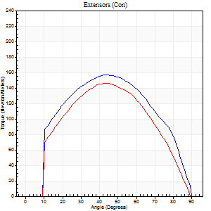
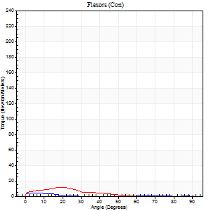
Right Side Curves Left Side Curves
Isokinetic Con/Con |  |  |  | Extensors (Con) |  | Flexors (Con)
Speed 120/120 d/s 3 Reps |  |  |  | Value | Cof Var | %BW | Value | Cof Var | %BW | Ratio

TORQUE PARAMETERS
Peak Torque (Newton-Meters - Best Repetition)
Right |  |  |  | 156 | 0.03 | 146 | 4 | 0.09 | 3 | 3
Left |  |  |  | 146 | 0.09 | 137 | 27 | 0.96 | 24 | 19
Deficit |  |  |  | 6 |  |  | 85
Work per Repetition (Newton-Meters - Best Repetition)
Right |  |  |  | 165 | 0.02 | 152 | 1 | 0.03 | 0 | 1
Left |  |  |  | 153 | 0.06 | 143 | 5 | 0.25 | 6 | 4
Deficit |  |  |  | 7 |  |  | 75
Average Power per Repetition (Watts - Best Repetition)
Right |  |  |  | 186 | 0.01 | 171 | 1 | 0.27 | 0 | 1
Left |  |  |  | 174 | 0.07 | 160 | 5 | 0.23 | 4 | 3
Deficit |  |  |  | 6 |  |  | 80
POSITION PARAMETERS
Joint Angle at Peak Torque (Degrees)
Right |  |  |  | 48 | 0.1 |  | 5 | 0.5
Left |  |  |  | 49 | 0.13 |  | 56 | 0.61
Range of Motion (Degrees)
Right |  |  |  | 0 | 4.24 |  | 90 | 0
Left |  |  |  | 0 | -0.47 |  | 90 | 0
TIME PARAMETERS
Time to Peak Torque (Seconds)
Right |  |  |  | 0.39 | 0.15 |  | 0.21 | 0.45
Left |  |  |  | 0.36 | 0.12 |  | 0.88 | 0.67
Time Peak Torque Held (Seconds)
Right |  |  |  | 0.02 | 0.65 |  | 0.01 | 1.73
Left |  |  |  | 0.05 | 0.4 |  | 0 | 0
Force Decay Time (Seconds)
Right |  |  |  | 0.47 | 0.05 |  | 1.7 | 0.24
Left |  |  |  | 0.45 | 0.08 |  | 0.32 | 2.03
Reciprocal Delay (Seconds)
Right |  |  |  | 0.66 | 0.06 |  | 0.56 | 0.34
Left |  |  |  | 0.69 | 0.15 |  | 0.45 | 0.15
Delay Time (Seconds)
Right |  |  |  | 0.01 | 0 |  | -0.06 | -0.29
Left |  |  |  | 0 | 0 |  | -0.06 | -0.44
HUMAC2015® Version: 15.000.0074 © Computer Sports Medicine, Inc. www.csmisolutions.com

Use File, Preference to set Report Heading
Long Form Torque vs. Position Report - Knee Extension/Flexion
Name: |  |  |  | TR030_FP3070, | ID: | TR030 | Right/Left: | 29.09.2023 29.09.2023
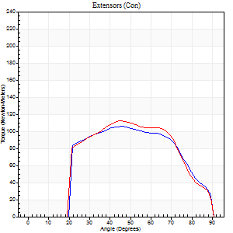
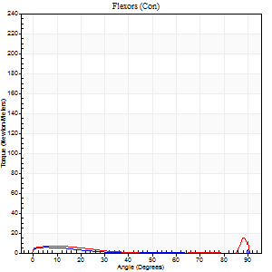
Right Side Curves Left Side Curves
Isokinetic Con/Con |  |  |  | Extensors (Con) |  | Flexors (Con)
Speed 240/240 d/s 3 Reps |  |  |  | Value | Cof Var | %BW | Value | Cof Var | %BW | Ratio

TORQUE PARAMETERS
Peak Torque (Newton-Meters - Best Repetition)
Right |  |  |  | 106 | 0.01 | 98 | 19 | 0.88 | 18 | 18
Left |  |  |  | 111 | 0.09 | 104 | 39 | 0.69 | 36 | 35
Deficit |  |  |  | 5 |  |  | 52
Work per Repetition (Newton-Meters - Best Repetition)
Right |  |  |  | 106 | 0.02 | 98 | 3 | 0.09 | 3 | 3
Left |  |  |  | 107 | 0.08 | 98 | 4 | 0.67 | 3 | 4
Deficit |  |  |  | 1 |  |  | 33
Average Power per Repetition (Watts - Best Repetition)
Right |  |  |  | 185 | 0.04 | 171 | 2 | 0.22 | 2 | 1
Left |  |  |  | 190 | 0.07 | 176 | 3 | 0.28 | 2 | 2
Deficit |  |  |  | 3 |  |  | 33
POSITION PARAMETERS
Joint Angle at Peak Torque (Degrees)
Right |  |  |  | 46 | 0.04 |  | 34 | 1.46
Left |  |  |  | 50 | 0.17 |  | 62 | 0.79
Range of Motion (Degrees)
Right |  |  |  | 0 | 0 |  | 90 | 0
Left |  |  |  | 0 | 0 |  | 90 | 0
TIME PARAMETERS
Time to Peak Torque (Seconds)
Right |  |  |  | 0.26 | 0.05 |  | 0.65 | 1.06
Left |  |  |  | 0.25 | 0 |  | 0.55 | 0.9
Time Peak Torque Held (Seconds)
Right |  |  |  | 0.01 | 0 |  | 0 | 0
Left |  |  |  | 0.01 | 0 |  | 0 | 0
Force Decay Time (Seconds)
Right |  |  |  | 0.3 | 0.05 |  | 0.71 | 1.18
Left |  |  |  | 0.31 | 0.1 |  | 0.19 | 2.74
Reciprocal Delay (Seconds)
Right |  |  |  | 0.76 | 0.1 |  | 0.69 | 0.13
Left |  |  |  | 0.39 | 0.27 |  | 0.53 | 0.2
Delay Time (Seconds)
Right |  |  |  | -0.01 | -0.47 |  | -0.08 | -0.08
Left |  |  |  | -0.01 | 0 |  | 0.19 | 2.43
HUMAC2015® Version: 15.000.0074 © Computer Sports Medicine, Inc. www.csmisolutions.com

Use File, Preference to set Report Heading
Isometric - Knee Extension/Flexion
Name: |  |  |  | TR030_FP3070, | ID: | TR030 | Right/Left: | 29.09.2023 29.09.2023

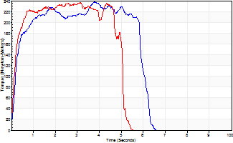
Isometric Extensors (Con) Angle 60 Time 10 Repetition 2 (Best Repetition)
 | Value | Cof Var | %BW
Peak Torque (Newton-Meters)
Right | 237 | 0 | 221
Left | 236 | 0.03 | 218
Deficit | 1
Average Torque (Newton-Meters)
Right | 137 | 0.06 | 128
Left | 108 | 0.02 | 101
Deficit | 21
Peak Torque Slope (Newton-Meters/Seconds)
Right | 63 | 0.24 | 58
Left | 75 | 0.22 | 70 |  | Right Side Curves Left Side Curves
Deficit | 17
Time to Half Peak Torque (Seconds)
Right | 0.17 | 0.42
Left | 0.21 | 0.34
Time to Peak Torque (Seconds)
Right | 4.53 | 0.24
Left | 3.6 | 0.18
HUMAC2015® Version: 15.000.0074 © Computer Sports Medicine, Inc. www.csmisolutions.com

pre2
Use File, Preference to set Report Heading
Long Form Torque vs. Position Report - Knee Extension/Flexion
Name: |  |  |  | TR030_FP3070, | ID: | TR030 | Right/Left: | 03.10.2023 03.10.2023
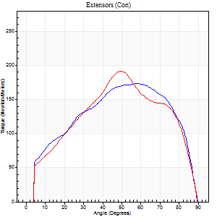
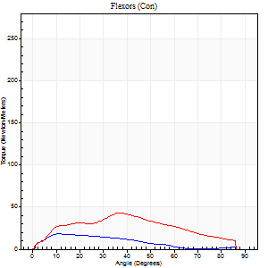
Right Side Curves Left Side Curves
Isokinetic Con/Con |  |  |  | Extensors (Con) |  | Flexors (Con)
Speed 60/60 d/s 3 Reps |  |  |  | Value | Cof Var | %BW | Value | Cof Var | %BW | Ratio

TORQUE PARAMETERS
Peak Torque (Newton-Meters - Best Repetition)
Right |  |  |  | 174 | 0.07 | 161 | 18 | 0.34 | 15 | 10
Left |  |  |  | 191 | 0.12 | 176 | 43 | 0.59 | 42 | 23
Deficit |  |  |  | 9 |  |  | 59
Work per Repetition (Newton-Meters - Best Repetition)
Right |  |  |  | 191 | 0.04 | 176 | 14 | 0.32 | 12 | 7
Left |  |  |  | 194 | 0.06 | 179 | 39 | 0.48 | 36 | 20
Deficit |  |  |  | 1 |  |  | 66
Average Power per Repetition (Watts - Best Repetition)
Right |  |  |  | 122 | 0.03 | 112 | 8 | 0.32 | 7 | 7
Left |  |  |  | 125 | 0.07 | 116 | 26 | 0.52 | 24 | 21
Deficit |  |  |  | 2 |  |  | 69
POSITION PARAMETERS
Joint Angle at Peak Torque (Degrees)
Right |  |  |  | 61 | 0.07 |  | 49 | 0.81
Left |  |  |  | 59 | 0.18 |  | 37 | 0.18
Range of Motion (Degrees)
Right |  |  |  | 0 | 0 |  | 90 | 0
Left |  |  |  | 0 | -1.41 |  | 90 | 0
TIME PARAMETERS
Time to Peak Torque (Seconds)
Right |  |  |  | 0.53 | 0.01 |  | 1.11 | 0.93
Left |  |  |  | 0.61 | 0.16 |  | 0.69 | 0.1
Time Peak Torque Held (Seconds)
Right |  |  |  | 0.18 | 0.73 |  | 0.01 | 1.73
Left |  |  |  | 0.04 | 0.57 |  | 0.07 | 1.34
Force Decay Time (Seconds)
Right |  |  |  | 0.88 | 0.08 |  | 0.5 | 2.01
Left |  |  |  | 0.99 | 0.18 |  | 0.83 | 0.04
Reciprocal Delay (Seconds)
Right |  |  |  | 0.49 | 0.81 |  | 0.39 | 0.28
Left |  |  |  | 0.14 | 0.24 |  | 0.36 | 0.15
Delay Time (Seconds)
Right |  |  |  | 0 | 1.41 |  | -0.01 | -4.58
Left |  |  |  | 0.01 | 0.47 |  | -0.03 | -1.21
HUMAC2015® Version: 15.000.0074 © Computer Sports Medicine, Inc. www.csmisolutions.com

Use File, Preference to set Report Heading
Long Form Torque vs. Position Report - Knee Extension/Flexion
Name: |  |  |  | TR030_FP3070, | ID: | TR030 | Right/Left: | 03.10.2023 03.10.2023
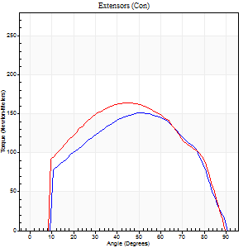
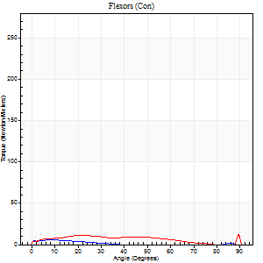
Right Side Curves Left Side Curves
Isokinetic Con/Con |  |  |  | Extensors (Con) |  | Flexors (Con)
Speed 120/120 d/s 3 Reps |  |  |  | Value | Cof Var | %BW | Value | Cof Var | %BW | Ratio

TORQUE PARAMETERS
Peak Torque (Newton-Meters - Best Repetition)
Right |  |  |  | 151 | 0.02 | 140 | 5 | 0.15 | 6 | 4
Left |  |  |  | 164 | 0.05 | 152 | 22 | 0.46 | 21 | 13
Deficit |  |  |  | 8 |  |  | 75
Work per Repetition (Newton-Meters - Best Repetition)
Right |  |  |  | 160 | 0.02 | 149 | 3 | 0.13 | 3 | 2
Left |  |  |  | 178 | 0.05 | 164 | 9 | 0.27 | 9 | 5
Deficit |  |  |  | 10 |  |  | 71
Average Power per Repetition (Watts - Best Repetition)
Right |  |  |  | 178 | 0.03 | 165 | 2 | 0.28 | 2 | 1
Left |  |  |  | 204 | 0.06 | 189 | 10 | 0.28 | 9 | 5
Deficit |  |  |  | 13 |  |  | 80
POSITION PARAMETERS
Joint Angle at Peak Torque (Degrees)
Right |  |  |  | 50 | 0.01 |  | 4 | 0.9
Left |  |  |  | 48 | 0.05 |  | 44 | 0.9
Range of Motion (Degrees)
Right |  |  |  | 0 | 0 |  | 90 | 0
Left |  |  |  | 0 | -1.41 |  | 90 | 0
TIME PARAMETERS
Time to Peak Torque (Seconds)
Right |  |  |  | 0.38 | 0.02 |  | 0.19 | 0.51
Left |  |  |  | 0.38 | 0.04 |  | 0.66 | 0.75
Time Peak Torque Held (Seconds)
Right |  |  |  | 0.02 | 0.87 |  | 0 | 0
Left |  |  |  | 0.04 | 0.13 |  | 0 | 1.73
Force Decay Time (Seconds)
Right |  |  |  | 0.51 | 0.05 |  | 1.15 | 0.22
Left |  |  |  | 0.45 | 0.06 |  | 0.38 | 1.36
Reciprocal Delay (Seconds)
Right |  |  |  | 0.2 | 0.24 |  | 0.49 | 0.15
Left |  |  |  | 0.3 | 0.12 |  | 0.43 | 0.08
Delay Time (Seconds)
Right |  |  |  | -0.01 | -0.47 |  | -0.07 | -0.21
Left |  |  |  | 0 | 0 |  | -0.06 | -0.24
HUMAC2015® Version: 15.000.0074 © Computer Sports Medicine, Inc. www.csmisolutions.com

Use File, Preference to set Report Heading
Long Form Torque vs. Position Report - Knee Extension/Flexion
Name: |  |  |  | TR030_FP3070, | ID: | TR030 | Right/Left: | 03.10.2023 03.10.2023
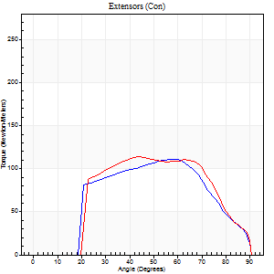
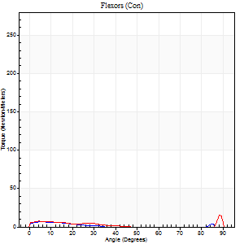
Right Side Curves Left Side Curves
Isokinetic Con/Con |  |  |  | Extensors (Con) |  | Flexors (Con)
Speed 240/240 d/s 3 Reps |  |  |  | Value | Cof Var | %BW | Value | Cof Var | %BW | Ratio

TORQUE PARAMETERS
Peak Torque (Newton-Meters - Best Repetition)
Right |  |  |  | 111 | 0.02 | 104 | 7 | 0.21 | 6 | 6
Left |  |  |  | 114 | 0.08 | 104 | 16 | 0.53 | 15 | 14
Deficit |  |  |  | 2 |  |  | 58
Work per Repetition (Newton-Meters - Best Repetition)
Right |  |  |  | 110 | 0.03 | 101 | 3 | 0.17 | 3 | 2
Left |  |  |  | 110 | 0.21 | 101 | 4 | 0.21 | 3 | 4
Deficit |  |  |  | 0 |  |  | 33
Average Power per Repetition (Watts - Best Repetition)
Right |  |  |  | 187 | 0.79 | 174 | 2 | 0.16 | 2 | 1
Left |  |  |  | 190 | 0.22 | 176 | 5 | 0.23 | 4 | 3
Deficit |  |  |  | 2 |  |  | 60
POSITION PARAMETERS
Joint Angle at Peak Torque (Degrees)
Right |  |  |  | 53 | 0.17 |  | 5 | 0.28
Left |  |  |  | 57 | 0.2 |  | 33 | 1.44
Range of Motion (Degrees)
Right |  |  |  | 0 | 0 |  | 90 | 0
Left |  |  |  | 0 | 0 |  | 90 | 0
TIME PARAMETERS
Time to Peak Torque (Seconds)
Right |  |  |  | 0.23 | 0.18 |  | 0.22 | 0.11
Left |  |  |  | 0.23 | 0.25 |  | 0.4 | 0.9
Time Peak Torque Held (Seconds)
Right |  |  |  | 0.01 | 0.43 |  | 0 | 0
Left |  |  |  | 0.01 | 0 |  | 0.01 | 1.73
Force Decay Time (Seconds)
Right |  |  |  | 0.34 | 0.1 |  | 0.91 | 0.03
Left |  |  |  | 0.35 | 0.14 |  | 0.48 | 0.76
Reciprocal Delay (Seconds)
Right |  |  |  | 0.19 | 0.37 |  | 0.63 | 0.27
Left |  |  |  | 0.21 | 0.17 |  | 0.39 | 0.3
Delay Time (Seconds)
Right |  |  |  | -0.02 | 0 |  | -0.08 | -0.18
Left |  |  |  | -0.03 | 0 |  | -0.06 | -0.1
HUMAC2015® Version: 15.000.0074 © Computer Sports Medicine, Inc. www.csmisolutions.com

Use File, Preference to set Report Heading
Isometric - Knee Extension/Flexion
Name: |  |  |  | TR030_FP3070, | ID: | TR030 | Right/Left: | 03.10.2023 03.10.2023

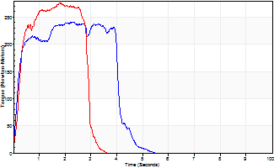
Isometric Extensors (Con) Angle 60 Time 10 Repetition 2 (Best Repetition)
 | Value | Cof Var | %BW
Peak Torque (Newton-Meters)
Right | 240 | 0.03 | 224
Left | 275 | 0.04 | 256
Deficit | 13
Average Torque (Newton-Meters)
Right | 91 | 0.13 | 83
Left | 81 | 0.11 | 75
Deficit | 10
Peak Torque Slope (Newton-Meters/Seconds)
Right | 179 | 0.38 | 166
Left | 155 | 0.4 | 144 |  | Right Side Curves Left Side Curves
Deficit | 14
Time to Half Peak Torque (Seconds)
Right | 0.18 | 0.04
Left | 0.25 | 0
Time to Peak Torque (Seconds)
Right | 1.8 | 0.42
Left | 2.38 | 0.36
HUMAC2015® Version: 15.000.0074 © Computer Sports Medicine, Inc. www.csmisolutions.com

mid1
Use File, Preference to set Report Heading
Long Form Torque vs. Position Report - Knee Extension/Flexion
Name: |  |  |  | TR030_FP3070, | ID: | TR030 | Right/Left: | 07.11.2023 07.11.2023
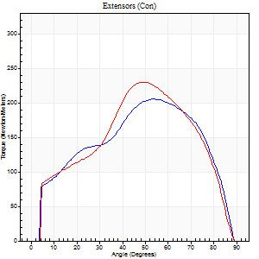
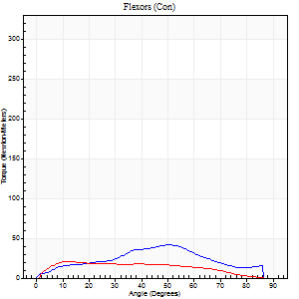
Right Side Curves Left Side Curves
Isokinetic Con/Con |  |  |  | Extensors (Con) |  | Flexors (Con)
Speed 60/60 d/s 3 Reps |  |  |  | Value | Cof Var | %BW | Value | Cof Var | %BW | Ratio

TORQUE PARAMETERS
Peak Torque (Newton-Meters - Best Repetition)
Right |  |  |  | 205 | 0.05 | 191 | 42 | 0.51 | 39 | 21
Left |  |  |  | 229 | 0.02 | 212 | 20 | 0.32 | 18 | 9
Deficit |  |  |  | 11 |  |  | 52
Work per Repetition (Newton-Meters - Best Repetition)
Right |  |  |  | 221 | 0.03 | 206 | 35 | 0.43 | 33 | 16
Left |  |  |  | 229 | 0.06 | 212 | 20 | 0.41 | 18 | 9
Deficit |  |  |  | 4 |  |  | 42
Average Power per Repetition (Watts - Best Repetition)
Right |  |  |  | 142 | 0.03 | 132 | 22 | 0.43 | 20 | 15
Left |  |  |  | 147 | 0.07 | 136 | 13 | 0.48 | 11 | 9
Deficit |  |  |  | 3 |  |  | 41
POSITION PARAMETERS
Joint Angle at Peak Torque (Degrees)
Right |  |  |  | 52 | 0.07 |  | 54 | 0.55
Left |  |  |  | 52 | 0.05 |  | 29 | 1.03
Range of Motion (Degrees)
Right |  |  |  | 0 | 0 |  | 90 | 0
Left |  |  |  | 0 | -1.41 |  | 90 | 0
TIME PARAMETERS
Time to Peak Torque (Seconds)
Right |  |  |  | 0.63 | 0.14 |  | 0.96 | 0.58
Left |  |  |  | 0.73 | 0.19 |  | 0.5 | 1.03
Time Peak Torque Held (Seconds)
Right |  |  |  | 0.06 | 0.17 |  | 0.01 | 0.87
Left |  |  |  | 0.04 | 0.31 |  | 0 | 0
Force Decay Time (Seconds)
Right |  |  |  | 0.86 | 0.07 |  | 0.6 | 0.87
Left |  |  |  | 0.88 | 0.07 |  | 1.13 | 0.25
Reciprocal Delay (Seconds)
Right |  |  |  | 1.17 | 0.79 |  | 0.42 | 0.27
Left |  |  |  | 0.41 | 0.83 |  | 0.27 | 0.32
Delay Time (Seconds)
Right |  |  |  | 0.01 | 1.41 |  | 0 | -12.12
Left |  |  |  | -0.05 | -1.73 |  | 0.01 | 1.56
HUMAC2015® Version: 15.000.0074 © Computer Sports Medicine, Inc. www.csmisolutions.com

Use File, Preference to set Report Heading
Long Form Torque vs. Position Report - Knee Extension/Flexion
Name: |  |  |  | TR030_FP3070, | ID: | TR030 | Right/Left: | 07.11.2023 07.11.2023
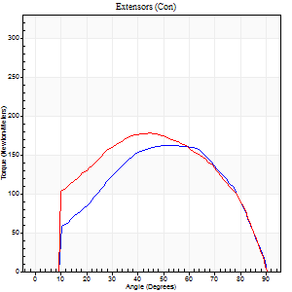
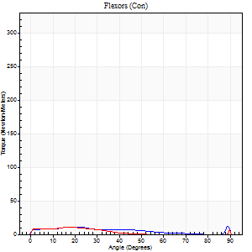
Right Side Curves Left Side Curves
Isokinetic Con/Con |  |  |  | Extensors (Con) |  | Flexors (Con)
Speed 120/120 d/s 3 Reps |  |  |  | Value | Cof Var | %BW | Value | Cof Var | %BW | Ratio

TORQUE PARAMETERS
Peak Torque (Newton-Meters - Best Repetition)
Right |  |  |  | 161 | 0.03 | 149 | 18 | 0.32 | 15 | 11
Left |  |  |  | 178 | 0.02 | 164 | 11 | 0.31 | 9 | 6
Deficit |  |  |  | 9 |  |  | 38
Work per Repetition (Newton-Meters - Best Repetition)
Right |  |  |  | 178 | 0.05 | 164 | 8 | 0.11 | 9 | 5
Left |  |  |  | 190 | 0.04 | 176 | 5 | 0.32 | 6 | 3
Deficit |  |  |  | 6 |  |  | 33
Average Power per Repetition (Watts - Best Repetition)
Right |  |  |  | 200 | 0.07 | 185 | 9 | 0.13 | 9 | 4
Left |  |  |  | 213 | 0.05 | 198 | 5 | 0.33 | 4 | 2
Deficit |  |  |  | 6 |  |  | 44
POSITION PARAMETERS
Joint Angle at Peak Torque (Degrees)
Right |  |  |  | 52 | 0.06 |  | 49 | 0.74
Left |  |  |  | 47 | 0.06 |  | 10 | 0.67
Range of Motion (Degrees)
Right |  |  |  | 0 | 1.41 |  | 90 | 0
Left |  |  |  | 0 | 0 |  | 90 | 0
TIME PARAMETERS
Time to Peak Torque (Seconds)
Right |  |  |  | 0.37 | 0.06 |  | 0.66 | 0.6
Left |  |  |  | 0.4 | 0.05 |  | 0.22 | 0.16
Time Peak Torque Held (Seconds)
Right |  |  |  | 0.05 | 0.2 |  | 0.01 | 1.73
Left |  |  |  | 0.03 | 0.57 |  | 0.01 | 1.73
Force Decay Time (Seconds)
Right |  |  |  | 0.48 | 0.08 |  | 0.32 | 1.26
Left |  |  |  | 0.45 | 0.08 |  | 0.89 | 0.15
Reciprocal Delay (Seconds)
Right |  |  |  | 0.3 | 0.22 |  | 0.46 | 0.26
Left |  |  |  | 0.14 | 0.47 |  | 0.38 | 0.42
Delay Time (Seconds)
Right |  |  |  | -0.02 | -0.71 |  | -0.05 | -0.25
Left |  |  |  | 0 | -1.41 |  | -0.05 | -0.47
HUMAC2015® Version: 15.000.0074 © Computer Sports Medicine, Inc. www.csmisolutions.com

Use File, Preference to set Report Heading
Long Form Torque vs. Position Report - Knee Extension/Flexion
Name: |  |  |  | TR030_FP3070, | ID: | TR030 | Right/Left: | 07.11.2023 07.11.2023
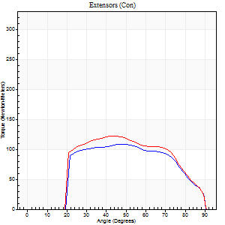
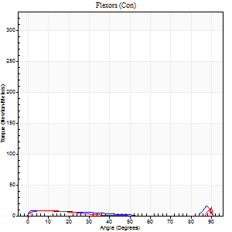
Right Side Curves Left Side Curves
Isokinetic Con/Con |  |  |  | Extensors (Con) |  | Flexors (Con)
Speed 240/240 d/s 3 Reps |  |  |  | Value | Cof Var | %BW | Value | Cof Var | %BW | Ratio

TORQUE PARAMETERS
Peak Torque (Newton-Meters - Best Repetition)
Right |  |  |  | 108 | 0.09 | 101 | 33 | 0.61 | 30 | 30
Left |  |  |  | 122 | 0.06 | 113 | 53 | 0.75 | 48 | 43
Deficit |  |  |  | 11 |  |  | 38
Work per Repetition (Newton-Meters - Best Repetition)
Right |  |  |  | 108 | 0.2 | 101 | 5 | 0.1 | 6 | 5
Left |  |  |  | 119 | 0.08 | 110 | 4 | 0.38 | 3 | 3
Deficit |  |  |  | 9 |  |  | 25
Average Power per Repetition (Watts - Best Repetition)
Right |  |  |  | 194 | 0.19 | 180 | 7 | 0.11 | 7 | 4
Left |  |  |  | 213 | 0.07 | 198 | 4 | 0.48 | 4 | 2
Deficit |  |  |  | 9 |  |  | 43
POSITION PARAMETERS
Joint Angle at Peak Torque (Degrees)
Right |  |  |  | 53 | 0.18 |  | 61 | 0.81
Left |  |  |  | 46 | 0.08 |  | 62 | 0.79
Range of Motion (Degrees)
Right |  |  |  | 0 | 0 |  | 90 | 0
Left |  |  |  | 0 | -4.24 |  | 90 | 0
TIME PARAMETERS
Time to Peak Torque (Seconds)
Right |  |  |  | 0.24 | 0.06 |  | 0.66 | 0.65
Left |  |  |  | 0.25 | 0 |  | 0.87 | 0.58
Time Peak Torque Held (Seconds)
Right |  |  |  | 0.01 | 0 |  | 0 | 0
Left |  |  |  | 0.01 | 0.87 |  | 0.01 | 1.73
Force Decay Time (Seconds)
Right |  |  |  | 0.33 | 0.12 |  | 0.11 | 3.65
Left |  |  |  | 0.3 | 0.05 |  | 0.24 | 2.74
Reciprocal Delay (Seconds)
Right |  |  |  | 0.31 | 0.11 |  | 0.41 | 0.32
Left |  |  |  | 0.35 | 0.24 |  | 0.39 | 0.53
Delay Time (Seconds)
Right |  |  |  | -0.02 | 0 |  | -0.04 | -0.31
Left |  |  |  | 0 | -1.41 |  | -0.08 | -0.22
HUMAC2015® Version: 15.000.0074 © Computer Sports Medicine, Inc. www.csmisolutions.com

Use File, Preference to set Report Heading
Isometric - Knee Extension/Flexion
Name: |  |  |  | TR030_FP3070, | ID: | TR030 | Right/Left: | 07.11.2023 07.11.2023

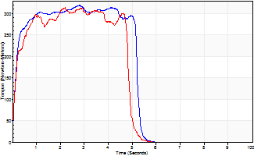
Isometric Extensors (Con) Angle 60 Time 10 Repetition 2 (Best Repetition)
 | Value | Cof Var | %BW
Peak Torque (Newton-Meters)
Right | 320 | 0.01 | 298
Left | 313 | 0.02 | 289
Deficit | 2
Average Torque (Newton-Meters)
Right | 155 | 0.01 | 143
Left | 137 | 0.03 | 128
Deficit | 11
Peak Torque Slope (Newton-Meters/Seconds)
Right | 114 | 0.09 | 106
Left | 152 | 0.04 | 141 |  | Right Side Curves Left Side Curves
Deficit | 25
Time to Half Peak Torque (Seconds)
Right | 0.15 | 0.09
Left | 0.16 | 0.05
Time to Peak Torque (Seconds)
Right | 2.97 | 0.08
Left | 2.09 | 0.06
HUMAC2015® Version: 15.000.0074 © Computer Sports Medicine, Inc. www.csmisolutions.com

mid2
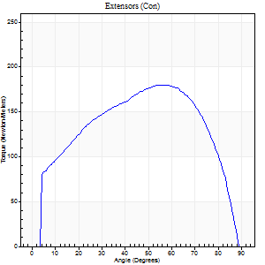
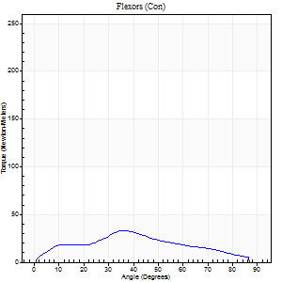
Use File, Preference to set Report Heading
Long Form Torque vs. Position Report - Knee Extension/Flexion
Name: |  |  |  | TR030_FP3070, | ID: | TR030 | Right/Left: | 09.11.2023 09.11.2023

Right Side Curves Left Side Curves
Isokinetic Con/Con |  |  |  | Extensors (Con) |  | Flexors (Con)
Speed 60/60 d/s 3 Reps |  |  |  | Value | Cof Var | %BW | Value | Cof Var | %BW | Ratio

TORQUE PARAMETERS
Peak Torque (Newton-Meters - Best Repetition)
Right |  |  |  | 180 | 0.06 | 167 | 33 | 0.32 | 30 | 18
Left |  |  |  | 161 | 0.11 | 149 | 56 | 0.44 | 51 | 34
Deficit |  |  |  | 0 |  |  | 0
Work per Repetition (Newton-Meters - Best Repetition)
Right |  |  |  | 202 | 0.08 | 188 | 28 | 0.28 | 27 | 14
Left |  |  |  | 191 | 0.12 | 176 | 64 | 0.53 | 60 | 33
Deficit |  |  |  | 0 |  |  | 0
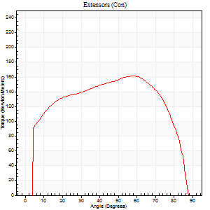
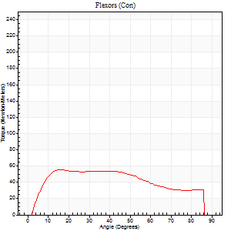
Average Power per Repetition (Watts - Best Repetition)
Right |  |  |  | 131 | 0.09 | 121 | 18 | 0.24 | 18 | 14
Left |  |  |  | 126 | 0.13 | 116 | 43 | 0.52 | 40 | 34
Deficit |  |  |  | 0 |  |  | 0
POSITION PARAMETERS
Joint Angle at Peak Torque (Degrees)
Right |  |  |  | 61 | 0.06 |  | 20 | 0.65
Left |  |  |  | 60 | 0.08 |  | 19 | 0.43
Range of Motion (Degrees)
Right |  |  |  | 0 | -1.41 |  | 90 | 0
Left |  |  |  | 0 | 0 |  | 90 | 0.01
TIME PARAMETERS
Time to Peak Torque (Seconds)
Right |  |  |  | 0.47 | 0.02 |  | 0.34 | 0.69
Left |  |  |  | 0.52 | 0.03 |  | 0.3 | 0.5
Time Peak Torque Held (Seconds)
Right |  |  |  | 0.05 | 0.54 |  | 0.01 | 1.73
Left |  |  |  | 0.06 | 0.29 |  | 0.03 | 0.46
Force Decay Time (Seconds)
Right |  |  |  | 1.01 | 0.08 |  | 1.17 | 0.16
Left |  |  |  | 0.98 | 0.08 |  | 1.16 | 0.08
Reciprocal Delay (Seconds)
Right |  |  |  | 0.51 | 1.03 |  | 0.28 | 0.18
Left |  |  |  | 0.12 | 0.62 |  | 0.17 | 0.13
Delay Time (Seconds)
Right |  |  |  | 0 | 4.24 |  | 0.03 | 0.58
Left |  |  |  | 0.04 | 0 |  | 0.04 | 0.42
HUMAC2015® Version: 15.000.0074 © Computer Sports Medicine, Inc. www.csmisolutions.com

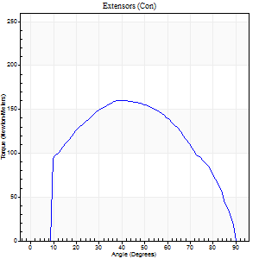
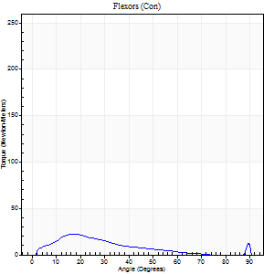
Use File, Preference to set Report Heading
Long Form Torque vs. Position Report - Knee Extension/Flexion
Name: |  |  |  | TR030_FP3070, | ID: | TR030 | Right/Left: | 09.11.2023 09.11.2023

Right Side Curves Left Side Curves
Isokinetic Con/Con |  |  |  | Extensors (Con) |  | Flexors (Con)
Speed 120/120 d/s 3 Reps |  |  |  | Value | Cof Var | %BW | Value | Cof Var | %BW | Ratio

TORQUE PARAMETERS
Peak Torque (Newton-Meters - Best Repetition)
Right |  |  |  | 160 | 0.02 | 149 | 23 | 0.55 | 21 | 14
Left |  |  |  | 156 | 0.09 | 146 | 31 | 0.44 | 30 | 20
Deficit |  |  |  | 0 |  |  | 0
Work per Repetition (Newton-Meters - Best Repetition)
Right |  |  |  | 172 | 0.05 | 161 | 14 | 0.35 | 12 | 8
Left |  |  |  | 164 | 0.08 | 152 | 18 | 0.32 | 15 | 11
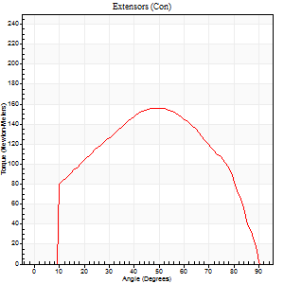
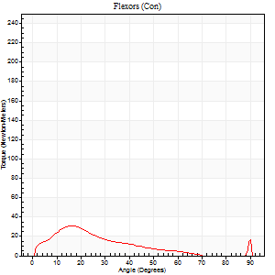
Deficit |  |  |  | 0 |  |  | 0
Average Power per Repetition (Watts - Best Repetition)
Right |  |  |  | 200 | 0.07 | 185 | 14 | 0.33 | 13 | 7
Left |  |  |  | 186 | 0.07 | 171 | 18 | 0.32 | 18 | 10
Deficit |  |  |  | 0 |  |  | 0
POSITION PARAMETERS
Joint Angle at Peak Torque (Degrees)
Right |  |  |  | 45 | 0.1 |  | 37 | 1.24
Left |  |  |  | 52 | 0.04 |  | 42 | 0.99
Range of Motion (Degrees)
Right |  |  |  | 0 | 0.16 |  | 90 | 0
Left |  |  |  | 0 | 0.47 |  | 90 | 0
TIME PARAMETERS
Time to Peak Torque (Seconds)
Right |  |  |  | 0.44 | 0.03 |  | 0.48 | 1.13
Left |  |  |  | 0.36 | 0.06 |  | 0.51 | 1
Time Peak Torque Held (Seconds)
Right |  |  |  | 0.03 | 0 |  | 0 | 0
Left |  |  |  | 0.03 | 0.46 |  | 0.01 | 1
Force Decay Time (Seconds)
Right |  |  |  | 0.41 | 0.11 |  | 0.42 | 1.26
Left |  |  |  | 0.48 | 0.06 |  | 0.39 | 1.13
Reciprocal Delay (Seconds)
Right |  |  |  | 0.35 | 0 |  | 0.21 | 0.52
Left |  |  |  | 0.25 | 0.14 |  | 0.18 | 0.37
Delay Time (Seconds)
Right |  |  |  | -0.01 | -1.41 |  | 0.02 | 2.5
Left |  |  |  | 0 | 1.41 |  | -0.01 | -1.15
HUMAC2015® Version: 15.000.0074 © Computer Sports Medicine, Inc. www.csmisolutions.com

Use File, Preference to set Report Heading
Long Form Torque vs. Position Report - Knee Extension/Flexion
Name: |  |  |  | TR030_FP3070, | ID: | TR030 | Right/Left: | 09.11.2023 09.11.2023

Right Side Curves Left Side Curves
Isokinetic Con/Con |  |  |  | Extensors (Con) |  | Flexors (Con)
Speed 240/240 d/s 3 Reps |  |  |  | Value | Cof Var | %BW | Value | Cof Var | %BW | Ratio

TORQUE PARAMETERS
Peak Torque (Newton-Meters - Best Repetition)
Right |  |  |  | 110 | 0.14 | 101 | 26 | 0.67 | 24 | 23
Left |  |  |  | 110 | 0.02 | 101 | 20 | 0.43 | 18 | 19
Deficit |  |  |  | 0 |  |  | 0
Work per Repetition (Newton-Meters - Best Repetition)
Right |  |  |  | 104 | 0.14 | 95 | 5 | 0.47 | 6 | 5
Left |  |  |  | 111 | 0.06 | 104 | 4 | 0.15 | 3 | 4
Deficit |  |  |  | 0 |  |  | 0
Average Power per Repetition (Watts - Best Repetition)
Right |  |  |  | 179 | 0.58 | 167 | 6 | 0.6 | 7 | 3
Left |  |  |  | 189 | 0.04 | 176 | 5 | 0.19 | 4 | 3
Deficit |  |  |  | 0 |  |  | 0
POSITION PARAMETERS
Joint Angle at Peak Torque (Degrees)
Right |  |  |  | 48 | 0.19 |  | 60 | 0.86
Left |  |  |  | 44 | 0.08 |  | 60 | 0.82
Range of Motion (Degrees)
Right |  |  |  | 0 | 0 |  | 90 | 0
Left |  |  |  | 0 | 0 |  | 90 | 0
TIME PARAMETERS
Time to Peak Torque (Seconds)
Right |  |  |  | 0.28 | 0.03 |  | 0.7 | 0.81
Left |  |  |  | 0.27 | 0 |  | 0.61 | 0.69
Time Peak Torque Held (Seconds)
Right |  |  |  | 0.01 | 0.43 |  | 0 | 0
Left |  |  |  | 0 | 1.73 |  | 0.01 | 1.73
Force Decay Time (Seconds)
Right |  |  |  | 0.31 | 0.15 |  | 0.29 | 2.66
Left |  |  |  | 0.29 | 0.06 |  | 0.23 | 1.37
Reciprocal Delay (Seconds)
Right |  |  |  | 0.5 | 0.27 |  | 0.44 | 0.34
Left |  |  |  | 0 | 0 |  | 0 | 0
Delay Time (Seconds)
Right |  |  |  | -0.02 | 0 |  | -0.03 | -0.94
Left |  |  |  | 0 | 0 |  | 0 | 0
HUMAC2015® Version: 15.000.0074 © Computer Sports Medicine, Inc. www.csmisolutions.com

Use File, Preference to set Report Heading
Isometric - Knee Extension/Flexion
Name: |  |  |  | TR030_FP3070, | ID: | TR030 | Right/Left: | 09.11.2023 09.11.2023

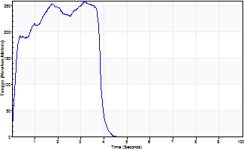
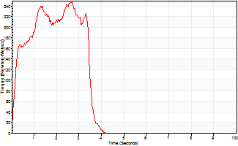
Isometric Extensors (Con) Angle 60 Time 10 Repetition 2 (Best Repetition)
 | Value | Cof Var | %BW
Peak Torque (Newton-Meters)
Right | 258 | 0.01 | 238
Left | 248 | 0.02 | 229
Deficit | 0
Average Torque (Newton-Meters)
Right | 102 | 0.12 | 95
Left | 76 | 0.05 | 72
Deficit | 0
Peak Torque Slope (Newton-Meters/Seconds)
Right | 82 | 0.17 | 76
Left | 92 | 0.13 | 85 |  | Right Side Curves Left Side Curves
Deficit | 0
Time to Half Peak Torque (Seconds)
Right | 0.17 | 0
Left | 0.19 | 0.11
Time to Peak Torque (Seconds)
Right | 3.54 | 0.16
Left | 2.9 | 0.1
HUMAC2015® Version: 15.000.0074 © Computer Sports Medicine, Inc. www.csmisolutions.com

post1
Use File, Preference to set Report Heading
Long Form Torque vs. Position Report - Knee Extension/Flexion
Name: |  |  |  | TR030_FP3070, | ID: | TR030 | Right/Left: | 05.12.2023 05.12.2023
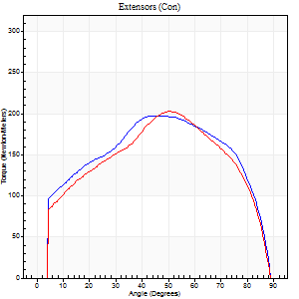
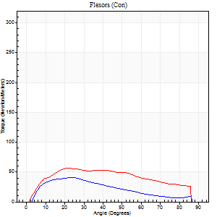
Right Side Curves Left Side Curves
Isokinetic Con/Con |  |  |  | Extensors (Con) |  | Flexors (Con)
Speed 60/60 d/s 3 Reps |  |  |  | Value | Cof Var | %BW | Value | Cof Var | %BW | Ratio

TORQUE PARAMETERS
Peak Torque (Newton-Meters - Best Repetition)
Right |  |  |  | 198 | 0.04 | 185 | 41 | 0.44 | 39 | 21
Left |  |  |  | 202 | 0.08 | 188 | 56 | 0.26 | 51 | 28
Deficit |  |  |  | 2 |  |  | 27
Work per Repetition (Newton-Meters - Best Repetition)
Right |  |  |  | 225 | 0.05 | 209 | 33 | 0.26 | 30 | 14
Left |  |  |  | 221 | 0.06 | 206 | 62 | 0.33 | 57 | 28
Deficit |  |  |  | 2 |  |  | 48
Average Power per Repetition (Watts - Best Repetition)
Right |  |  |  | 145 | 0.05 | 134 | 22 | 0.27 | 20 | 15
Left |  |  |  | 140 | 0.05 | 130 | 41 | 0.32 | 37 | 29
Deficit |  |  |  | 3 |  |  | 46
POSITION PARAMETERS
Joint Angle at Peak Torque (Degrees)
Right |  |  |  | 52 | 0.12 |  | 16 | 0.42
Left |  |  |  | 53 | 0.26 |  | 19 | 0.12
Range of Motion (Degrees)
Right |  |  |  | 0 | -0.28 |  | 90 | 0
Left |  |  |  | 0 | 0 |  | 90 | 0
TIME PARAMETERS
Time to Peak Torque (Seconds)
Right |  |  |  | 0.63 | 0.22 |  | 0.28 | 0.25
Left |  |  |  | 0.75 | 0.19 |  | 0.3 | 0.15
Time Peak Torque Held (Seconds)
Right |  |  |  | 0.06 | 0.33 |  | 0.03 | 1
Left |  |  |  | 0.04 | 0 |  | 0.05 | 0.2
Force Decay Time (Seconds)
Right |  |  |  | 0.86 | 0.13 |  | 1.21 | 0.07
Left |  |  |  | 0.88 | 0.25 |  | 1.13 | 0.05
Reciprocal Delay (Seconds)
Right |  |  |  | 0.16 | 0.35 |  | 0.33 | 0.35
Left |  |  |  | 0.16 | 0.05 |  | 0.18 | 0.11
Delay Time (Seconds)
Right |  |  |  | 0.01 | 0.47 |  | 0.03 | 1.21
Left |  |  |  | 0 | 4.24 |  | 0.04 | 0.25
HUMAC2015® Version: 15.000.0074 © Computer Sports Medicine, Inc. www.csmisolutions.com

Use File, Preference to set Report Heading
Long Form Torque vs. Position Report - Knee Extension/Flexion
Name: |  |  |  | TR030_FP3070, | ID: | TR030 | Right/Left: | 05.12.2023 05.12.2023
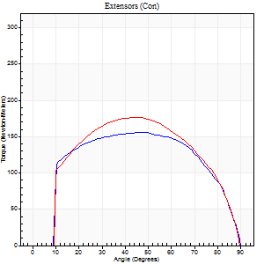

Right Side Curves Left Side Curves
Isokinetic Con/Con |  |  |  | Extensors (Con) |  | Flexors (Con)
Speed 120/120 d/s 3 Reps |  |  |  | Value | Cof Var | %BW | Value | Cof Var | %BW | Ratio

TORQUE PARAMETERS
Peak Torque (Newton-Meters - Best Repetition)
Right |  |  |  | 156 | 0.07 | 146 | 23 | 0.53 | 21 | 15
Left |  |  |  | 176 | 0.08 | 164 | 33 | 0.54 | 30 | 18
Deficit |  |  |  | 12 |  |  | 29
Work per Repetition (Newton-Meters - Best Repetition)
Right |  |  |  | 180 | 0.08 | 167 | 11 | 0.15 | 9 | 6
Left |  |  |  | 193 | 0.07 | 179 | 8 | 0.09 | 9 | 4
Deficit |  |  |  | 6 |  |  | 25
Average Power per Repetition (Watts - Best Repetition)
Right |  |  |  | 202 | 0.07 | 187 | 12 | 0.17 | 11 | 6
Left |  |  |  | 218 | 0.06 | 202 | 8 | 0.1 | 7 | 4
Deficit |  |  |  | 7 |  |  | 33
POSITION PARAMETERS
Joint Angle at Peak Torque (Degrees)
Right |  |  |  | 46 | 0.03 |  | 44 | 0.92
Left |  |  |  | 41 | 0.11 |  | 67 | 0.61
Range of Motion (Degrees)
Right |  |  |  | 0 | -4.24 |  | 90 | 0
Left |  |  |  | 0 | -0.28 |  | 90 | 0
TIME PARAMETERS
Time to Peak Torque (Seconds)
Right |  |  |  | 0.39 | 0.02 |  | 0.58 | 0.84
Left |  |  |  | 0.42 | 0.05 |  | 0.83 | 0.52
Time Peak Torque Held (Seconds)
Right |  |  |  | 0.04 | 0.27 |  | 0.01 | 1.73
Left |  |  |  | 0.03 | 0.33 |  | 0.01 | 0.43
Force Decay Time (Seconds)
Right |  |  |  | 0.43 | 0.05 |  | 0.35 | 1.27
Left |  |  |  | 0.4 | 0.09 |  | 0.14 | 2.52
Reciprocal Delay (Seconds)
Right |  |  |  | 0.25 | 0.58 |  | 0.53 | 0.6
Left |  |  |  | 0.2 | 0.38 |  | 0.42 | 0.45
Delay Time (Seconds)
Right |  |  |  | 0 | -1.41 |  | -0.02 | -1.08
Left |  |  |  | 0 | 1.41 |  | -0.05 | -0.47
HUMAC2015® Version: 15.000.0074 © Computer Sports Medicine, Inc. www.csmisolutions.com

Use File, Preference to set Report Heading
Long Form Torque vs. Position Report - Knee Extension/Flexion
Name: |  |  |  | TR030_FP3070, | ID: | TR030 | Right/Left: | 05.12.2023 05.12.2023

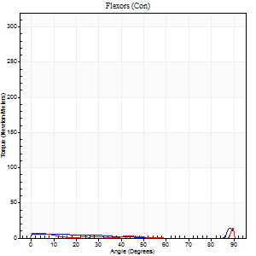
Right Side Curves Left Side Curves
Isokinetic Con/Con |  |  |  | Extensors (Con) |  | Flexors (Con)
Speed 240/240 d/s 3 Reps |  |  |  | Value | Cof Var | %BW | Value | Cof Var | %BW | Ratio

TORQUE PARAMETERS
Peak Torque (Newton-Meters - Best Repetition)
Right |  |  |  | 117 | 0.03 | 107 | 34 | 0.71 | 33 | 29
Left |  |  |  | 130 | 0.15 | 122 | 38 | 1.02 | 36 | 29
Deficit |  |  |  | 10 |  |  | 11
Work per Repetition (Newton-Meters - Best Repetition)
Right |  |  |  | 113 | 0.03 | 104 | 5 | 0.13 | 6 | 5
Left |  |  |  | 125 | 0.14 | 116 | 4 | 0.21 | 3 | 3
Deficit |  |  |  | 10 |  |  | 25
Average Power per Repetition (Watts - Best Repetition)
Right |  |  |  | 196 | 0.03 | 182 | 6 | 0.17 | 7 | 3
Left |  |  |  | 219 | 0.15 | 202 | 4 | 0.38 | 4 | 2
Deficit |  |  |  | 11 |  |  | 33
POSITION PARAMETERS
Joint Angle at Peak Torque (Degrees)
Right |  |  |  | 45 | 0.02 |  | 61 | 0.82
Left |  |  |  | 51 | 0.19 |  | 33 | 1.51
Range of Motion (Degrees)
Right |  |  |  | 0 | -0.71 |  | 90 | 0
Left |  |  |  | 0 | -0.28 |  | 90 | 0
TIME PARAMETERS
Time to Peak Torque (Seconds)
Right |  |  |  | 0.26 | 0 |  | 0.74 | 0.65
Left |  |  |  | 0.25 | 0.03 |  | 0.52 | 1.23
Time Peak Torque Held (Seconds)
Right |  |  |  | 0.01 | 0 |  | 0.04 | 1.52
Left |  |  |  | 0.01 | 0.43 |  | 0 | 1.73
Force Decay Time (Seconds)
Right |  |  |  | 0.29 | 0.02 |  | 0.09 | 4.33
Left |  |  |  | 0.32 | 0.15 |  | 0.46 | 1.22
Reciprocal Delay (Seconds)
Right |  |  |  | 0.31 | 0.14 |  | 0.68 | 0.57
Left |  |  |  | 0.3 | 0.12 |  | 0.59 | 0.49
Delay Time (Seconds)
Right |  |  |  | -0.02 | 0 |  | -0.06 | 0
Left |  |  |  | 0 | -1.41 |  | -0.05 | -0.81
HUMAC2015® Version: 15.000.0074 © Computer Sports Medicine, Inc. www.csmisolutions.com

Use File, Preference to set Report Heading
Isometric - Knee Extension/Flexion
Name: |  |  |  | TR030_FP3070, | ID: | TR030 | Right/Left: | 05.12.2023 05.12.2023

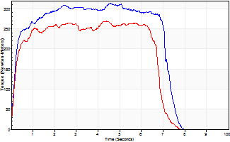
Isometric Extensors (Con) Angle 60 Time 10 Repetition 2 (Best Repetition)
 | Value | Cof Var | %BW
Peak Torque (Newton-Meters)
Right | 313 | 0.03 | 289
Left | 268 | 0 | 250
Deficit | 14
Average Torque (Newton-Meters)
Right | 206 | 0.22 | 191
Left | 168 | 0.04 | 155
Deficit | 18
Peak Torque Slope (Newton-Meters/Seconds)
Right | 160 | 0.56 | 149
Left | 135 | 0.53 | 126 |  | Right Side Curves Left Side Curves
Deficit | 16
Time to Half Peak Torque (Seconds)
Right | 0.19 | 0.07
Left | 0.17 | 0.08
Time to Peak Torque (Seconds)
Right | 3.19 | 0.6
Left | 3.18 | 0.54
HUMAC2015® Version: 15.000.0074 © Computer Sports Medicine, Inc. www.csmisolutions.com

post2
Use File, Preference to set Report Heading
Long Form Torque vs. Position Report - Knee Extension/Flexion
Name: |  |  |  | TR030_FP3070, | ID: | TR030 | Right/Left: | 07.12.2023 07.12.2023
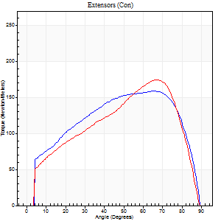
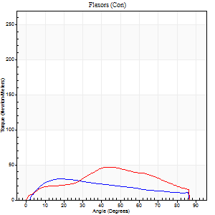
Right Side Curves Left Side Curves
Isokinetic Con/Con |  |  |  | Extensors (Con) |  | Flexors (Con)
Speed 60/60 d/s 3 Reps |  |  |  | Value | Cof Var | %BW | Value | Cof Var | %BW | Ratio

TORQUE PARAMETERS
Peak Torque (Newton-Meters - Best Repetition)
Right |  |  |  | 159 | 0.02 | 146 | 30 | 0.05 | 27 | 19
Left |  |  |  | 175 | 0.02 | 161 | 46 | 0.15 | 42 | 26
Deficit |  |  |  | 9 |  |  | 35
Work per Repetition (Newton-Meters - Best Repetition)
Right |  |  |  | 180 | 0.05 | 167 | 31 | 0.07 | 30 | 17
Left |  |  |  | 176 | 0.02 | 164 | 45 | 0.19 | 42 | 25
Deficit |  |  |  | 2 |  |  | 30
Average Power per Repetition (Watts - Best Repetition)
Right |  |  |  | 117 | 0.05 | 108 | 20 | 0.05 | 18 | 17
Left |  |  |  | 115 | 0.02 | 108 | 27 | 0.17 | 24 | 23
Deficit |  |  |  | 2 |  |  | 26
POSITION PARAMETERS
Joint Angle at Peak Torque (Degrees)
Right |  |  |  | 66 | 0.02 |  | 37 | 0.81
Left |  |  |  | 61 | 0.09 |  | 26 | 0.55
Range of Motion (Degrees)
Right |  |  |  | 0 | -0.47 |  | 90 | 0
Left |  |  |  | 0 | 1.41 |  | 90 | 0
TIME PARAMETERS
Time to Peak Torque (Seconds)
Right |  |  |  | 0.41 | 0 |  | 0.6 | 0.83
Left |  |  |  | 0.52 | 0.03 |  | 0.45 | 0.6
Time Peak Torque Held (Seconds)
Right |  |  |  | 0.06 | 0.33 |  | 0.05 | 0.87
Left |  |  |  | 0.04 | 0.25 |  | 0.02 | 0.89
Force Decay Time (Seconds)
Right |  |  |  | 1.08 | 0.03 |  | 0.85 | 0.67
Left |  |  |  | 1.02 | 0.09 |  | 1.07 | 0.19
Reciprocal Delay (Seconds)
Right |  |  |  | 0.37 | 0.65 |  | 0.26 | 0.09
Left |  |  |  | 0.57 | 0.31 |  | 0.21 | 0.29
Delay Time (Seconds)
Right |  |  |  | 0.02 | 0.28 |  | 0.05 | 0.12
Left |  |  |  | 0.04 | 0.2 |  | 0.02 | 1.5
HUMAC2015® Version: 15.000.0074 © Computer Sports Medicine, Inc. www.csmisolutions.com

Use File, Preference to set Report Heading
Long Form Torque vs. Position Report - Knee Extension/Flexion
Name: |  |  |  | TR030_FP3070, | ID: | TR030 | Right/Left: | 07.12.2023 07.12.2023
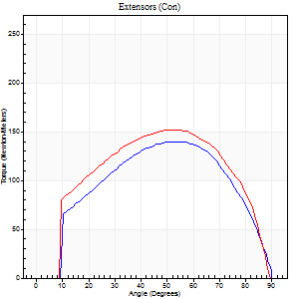
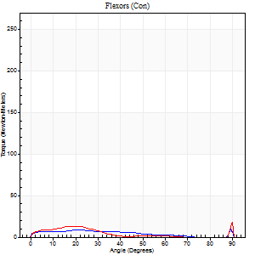
Right Side Curves Left Side Curves
Isokinetic Con/Con |  |  |  | Extensors (Con) |  | Flexors (Con)
Speed 120/120 d/s 3 Reps |  |  |  | Value | Cof Var | %BW | Value | Cof Var | %BW | Ratio

TORQUE PARAMETERS
Peak Torque (Newton-Meters - Best Repetition)
Right |  |  |  | 140 | 0.01 | 128 | 31 | 0.43 | 30 | 22
Left |  |  |  | 152 | 0.04 | 140 | 35 | 1.07 | 33 | 23
Deficit |  |  |  | 8 |  |  | 12
Work per Repetition (Newton-Meters - Best Repetition)
Right |  |  |  | 152 | 0.03 | 140 | 16 | 0.4 | 15 | 11
Left |  |  |  | 165 | 0.08 | 152 | 7 | 0.48 | 6 | 4
Deficit |  |  |  | 8 |  |  | 58
Average Power per Repetition (Watts - Best Repetition)
Right |  |  |  | 168 | 0.04 | 156 | 17 | 0.45 | 15 | 10
Left |  |  |  | 192 | 0.08 | 178 | 7 | 0.57 | 7 | 4
Deficit |  |  |  | 13 |  |  | 59
POSITION PARAMETERS
Joint Angle at Peak Torque (Degrees)
Right |  |  |  | 55 | 0.05 |  | 43 | 0.95
Left |  |  |  | 53 | 0.01 |  | 35 | 1.38
Range of Motion (Degrees)
Right |  |  |  | 0 | -0.47 |  | 90 | 0
Left |  |  |  | 0 | 4.24 |  | 90 | 0
TIME PARAMETERS
Time to Peak Torque (Seconds)
Right |  |  |  | 0.32 | 0.11 |  | 0.62 | 0.92
Left |  |  |  | 0.32 | 0.04 |  | 0.52 | 0.91
Time Peak Torque Held (Seconds)
Right |  |  |  | 0.03 | 0.58 |  | 0.02 | 0.92
Left |  |  |  | 0.03 | 0.17 |  | 0.1 | 1.41
Force Decay Time (Seconds)
Right |  |  |  | 0.54 | 0.04 |  | 0.35 | 1.32
Left |  |  |  | 0.49 | 0.01 |  | 0.45 | 1.15
Reciprocal Delay (Seconds)
Right |  |  |  | 0.58 | 0.2 |  | 1.14 | 0.63
Left |  |  |  | 0.46 | 0.05 |  | 0.3 | 0.36
Delay Time (Seconds)
Right |  |  |  | 0 | 1.41 |  | -0.05 | -0.6
Left |  |  |  | 0.02 | 0.71 |  | -0.06 | -0.62
HUMAC2015® Version: 15.000.0074 © Computer Sports Medicine, Inc. www.csmisolutions.com

Use File, Preference to set Report Heading
Long Form Torque vs. Position Report - Knee Extension/Flexion
Name: |  |  |  | TR030_FP3070, | ID: | TR030 | Right/Left: | 07.12.2023 07.12.2023
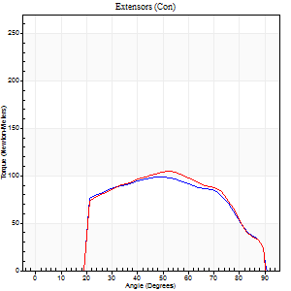
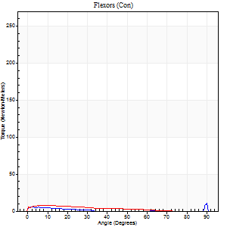
Right Side Curves Left Side Curves
Isokinetic Con/Con |  |  |  | Extensors (Con) |  | Flexors (Con)
Speed 240/240 d/s 3 Reps |  |  |  | Value | Cof Var | %BW | Value | Cof Var | %BW | Ratio

TORQUE PARAMETERS
Peak Torque (Newton-Meters - Best Repetition)
Right |  |  |  | 99 | 0.12 | 92 | 33 | 0.72 | 30 | 33
Left |  |  |  | 104 | 0.15 | 95 | 8 | 0.16 | 9 | 8
Deficit |  |  |  | 5 |  |  | 75
Work per Repetition (Newton-Meters - Best Repetition)
Right |  |  |  | 102 | 0.17 | 95 | 3 | 0.22 | 3 | 3
Left |  |  |  | 100 | 0.26 | 92 | 5 | 0.55 | 6 | 5
Deficit |  |  |  | 1 |  |  | 50
Average Power per Repetition (Watts - Best Repetition)
Right |  |  |  | 175 | 0.16 | 163 | 3 | 0.27 | 2 | 2
Left |  |  |  | 183 | 0.26 | 169 | 7 | 0.81 | 7 | 4
Deficit |  |  |  | 4 |  |  | 57
POSITION PARAMETERS
Joint Angle at Peak Torque (Degrees)
Right |  |  |  | 55 | 0.12 |  | 69 | 0.55
Left |  |  |  | 60 | 0.11 |  | 5 | 0.88
Range of Motion (Degrees)
Right |  |  |  | 0 | 0 |  | 90 | 0
Left |  |  |  | 0 | -0.28 |  | 90 | 0
TIME PARAMETERS
Time to Peak Torque (Seconds)
Right |  |  |  | 0.25 | 0.09 |  | 1.11 | 0.37
Left |  |  |  | 0.19 | 0.15 |  | 0.18 | 0.53
Time Peak Torque Held (Seconds)
Right |  |  |  | 0.01 | 0 |  | 0.03 | 1.73
Left |  |  |  | 0.02 | 1.25 |  | 0.01 | 1
Force Decay Time (Seconds)
Right |  |  |  | 0.33 | 0.1 |  | 0.03 | 9.27
Left |  |  |  | 0.35 | 0.11 |  | 0.83 | 0.35
Reciprocal Delay (Seconds)
Right |  |  |  | 0.54 | 0.36 |  | 0.77 | 0.12
Left |  |  |  | 0.6 | 0.07 |  | 0.61 | 0.1
Delay Time (Seconds)
Right |  |  |  | -0.02 | -0.71 |  | -0.08 | -0.39
Left |  |  |  | 0 | 0 |  | -0.07 | -0.23
HUMAC2015® Version: 15.000.0074 © Computer Sports Medicine, Inc. www.csmisolutions.com

Use File, Preference to set Report Heading
Isometric - Knee Extension/Flexion
Name: |  |  |  | TR030_FP3070, | ID: | TR030 | Right/Left: | 07.12.2023 07.12.2023

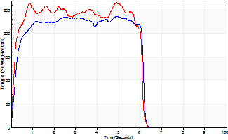
Isometric Extensors (Con) Angle 60 Time 10 Repetition 2 (Best Repetition)
 | Value | Cof Var | %BW
Peak Torque (Newton-Meters)
Right | 236 | 0.43 | 218
Left | 266 | 0.07 | 247
Deficit | 11
Average Torque (Newton-Meters)
Right | 133 | 0.82 | 122
Left | 145 | 0.66 | 134
Deficit | 8
Peak Torque Slope (Newton-Meters/Seconds)
Right | 48 | 0.52 | 44
Left | 223 | 0.86 | 207 |  | Right Side Curves Left Side Curves
Deficit | 79
Time to Half Peak Torque (Seconds)
Right | 0.32 | 0.44
Left | 0.2 | 0.35
Time to Peak Torque (Seconds)
Right | 5.35 | 0.11
Left | 2.99 | 0.91
HUMAC2015® Version: 15.000.0074 © Computer Sports Medicine, Inc. www.csmisolutions.com

