pre1
Use File, Preference to set Report Heading
Long Form Torque vs. Position Report - Knee Extension/Flexion
Name: |  |  |  | TR030_FP3071, | ID: | TR030 | Right/Left: | 15.09.2022 15.09.2022
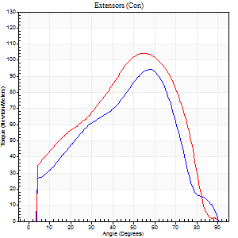
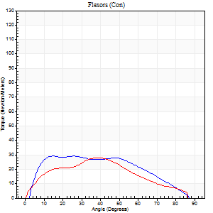
Right Side Curves Left Side Curves
Isokinetic Con/Con |  |  |  | Extensors (Con) |  | Flexors (Con)
Speed 60/60 d/s 3 Reps |  |  |  | Value | Cof Var | %BW | Value | Cof Var | %BW | Ratio

TORQUE PARAMETERS
Peak Torque (Newton-Meters - Best Repetition)
Right |  |  |  | 95 | 0.13 | 134 | 28 | 0.39 | 42 | 30
Left |  |  |  | 104 | 0.03 | 149 | 28 | 0.73 | 42 | 27
Deficit |  |  |  | 9 |  |  | 0
Work per Repetition (Newton-Meters - Best Repetition)
Right |  |  |  | 83 | 0.13 | 119 | 31 | 0.51 | 45 | 38
Left |  |  |  | 100 | 0.04 | 143 | 26 | 0.81 | 36 | 26
Deficit |  |  |  | 18 |  |  | 17
Average Power per Repetition (Watts - Best Repetition)
Right |  |  |  | 52 | 0.22 | 75 | 21 | 0.54 | 31 | 40
Left |  |  |  | 62 | 0.05 | 88 | 16 | 0.86 | 22 | 26
Deficit |  |  |  | 16 |  |  | 24
POSITION PARAMETERS
Joint Angle at Peak Torque (Degrees)
Right |  |  |  | 58 | 0.24 |  | 20 | 0.79
Left |  |  |  | 56 | 0.06 |  | 23 | 0.6
Range of Motion (Degrees)
Right |  |  |  | 0 | 0 |  | 88 | 0.02
Left |  |  |  | 0 | 0.71 |  | 90 | 0
TIME PARAMETERS
Time to Peak Torque (Seconds)
Right |  |  |  | 0.44 | 0.49 |  | 0.33 | 0.81
Left |  |  |  | 0.64 | 0.13 |  | 0.46 | 0.43
Time Peak Torque Held (Seconds)
Right |  |  |  | 0.04 | 0.27 |  | 0.01 | 1.73
Left |  |  |  | 0.04 | 0.43 |  | 0.07 | 1.26
Force Decay Time (Seconds)
Right |  |  |  | 0.93 | 0.25 |  | 1.21 | 0.3
Left |  |  |  | 0.93 | 0.04 |  | 1.33 | 0.51
Reciprocal Delay (Seconds)
Right |  |  |  | 0.13 | 0.87 |  | 0.17 | 0.06
Left |  |  |  | 0.14 | 0 |  | 0.25 | 0.42
Delay Time (Seconds)
Right |  |  |  | -0.04 | -0.35 |  | 0.02 | 0.65
Left |  |  |  | -0.02 | -1.41 |  | -0.02 | -1.32
HUMAC2015® Version: 15.000.0074 © Computer Sports Medicine, Inc. www.csmisolutions.com

Use File, Preference to set Report Heading
Long Form Torque vs. Position Report - Knee Extension/Flexion
Name: |  |  |  | TR030_FP3071, | ID: | TR030 | Right/Left: | 15.09.2022 15.09.2022
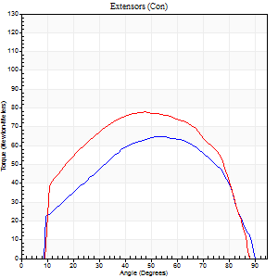
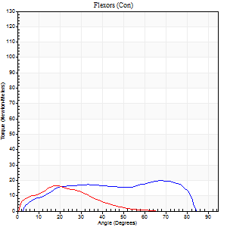
Right Side Curves Left Side Curves
Isokinetic Con/Con |  |  |  | Extensors (Con) |  | Flexors (Con)
Speed 120/120 d/s 3 Reps |  |  |  | Value | Cof Var | %BW | Value | Cof Var | %BW | Ratio

TORQUE PARAMETERS
Peak Torque (Newton-Meters - Best Repetition)
Right |  |  |  | 65 | 0.02 | 92 | 20 | 0.47 | 30 | 31
Left |  |  |  | 77 | 0.31 | 110 | 16 | 0.62 | 24 | 21
Deficit |  |  |  | 16 |  |  | 20
Work per Repetition (Newton-Meters - Best Repetition)
Right |  |  |  | 73 | 0.07 | 104 | 22 | 0.63 | 30 | 30
Left |  |  |  | 83 | 0.38 | 119 | 9 | 0.7 | 15 | 11
Deficit |  |  |  | 11 |  |  | 56
Average Power per Repetition (Watts - Best Repetition)
Right |  |  |  | 91 | 0.5 | 130 | 26 | 0.72 | 37 | 29
Left |  |  |  | 97 | 0.63 | 138 | 9 | 0.82 | 13 | 9
Deficit |  |  |  | 6 |  |  | 65
POSITION PARAMETERS
Joint Angle at Peak Torque (Degrees)
Right |  |  |  | 60 | 0.11 |  | 49 | 0.63
Left |  |  |  | 56 | 0.14 |  | 16 | 0.4
Range of Motion (Degrees)
Right |  |  |  | 1 | 0.03 |  | 89 | 0.02
Left |  |  |  | 1 | 0.14 |  | 89 | 0.02
TIME PARAMETERS
Time to Peak Torque (Seconds)
Right |  |  |  | 0.28 | 0.32 |  | 0.55 | 0.61
Left |  |  |  | 0.4 | 0.13 |  | 0.24 | 0.31
Time Peak Torque Held (Seconds)
Right |  |  |  | 0.02 | 0.87 |  | 0.08 | 1.73
Left |  |  |  | 0.03 | 0.33 |  | 0 | 0
Force Decay Time (Seconds)
Right |  |  |  | 0.5 | 0.11 |  | 0.27 | 0.42
Left |  |  |  | 0.47 | 0.16 |  | 1.05 | 0.51
Reciprocal Delay (Seconds)
Right |  |  |  | 0.05 | 0.57 |  | 0.07 | 0.14
Left |  |  |  | 0.2 | 0.07 |  | 0.1 | 0.44
Delay Time (Seconds)
Right |  |  |  | -0.01 | -0.47 |  | 0.05 | 0.29
Left |  |  |  | -0.06 | -0.11 |  | -0.02 | -0.87
HUMAC2015® Version: 15.000.0074 © Computer Sports Medicine, Inc. www.csmisolutions.com

Use File, Preference to set Report Heading
Long Form Torque vs. Position Report - Knee Extension/Flexion
Name: |  |  |  | TR030_FP3071, | ID: | TR030 | Right/Left: | 15.09.2022 15.09.2022
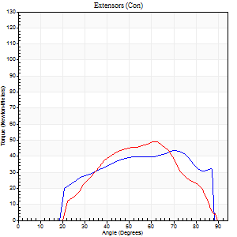
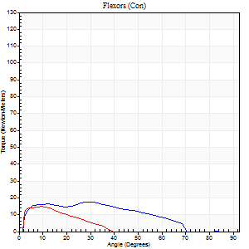
Right Side Curves Left Side Curves
Isokinetic Con/Con |  |  |  | Extensors (Con) |  | Flexors (Con)
Speed 240/240 d/s 3 Reps |  |  |  | Value | Cof Var | %BW | Value | Cof Var | %BW | Ratio

TORQUE PARAMETERS
Peak Torque (Newton-Meters - Best Repetition)
Right |  |  |  | 43 | 0.06 | 63 | 18 | 0.09 | 24 | 41
Left |  |  |  | 49 | 0.04 | 69 | 15 | 0.18 | 21 | 31
Deficit |  |  |  | 11 |  |  | 15
Work per Repetition (Newton-Meters - Best Repetition)
Right |  |  |  | 42 | 0.2 | 60 | 16 | 0.5 | 24 | 39
Left |  |  |  | 39 | 0.01 | 57 | 7 | 0.16 | 9 | 17
Deficit |  |  |  | 6 |  |  | 58
Average Power per Repetition (Watts - Best Repetition)
Right |  |  |  | 91 | 0.36 | 130 | 32 | 0.59 | 46 | 35
Left |  |  |  | 68 | 0.46 | 97 | 13 | 0.18 | 18 | 19
Deficit |  |  |  | 25 |  |  | 59
POSITION PARAMETERS
Joint Angle at Peak Torque (Degrees)
Right |  |  |  | 66 | 0.06 |  | 27 | 0.75
Left |  |  |  | 62 | 0.05 |  | 11 | 0.27
Range of Motion (Degrees)
Right |  |  |  | 2 | 0.06 |  | 89 | 0.02
Left |  |  |  | 2 | 0.16 |  | 89 | 0
TIME PARAMETERS
Time to Peak Torque (Seconds)
Right |  |  |  | 0.15 | 0.28 |  | 0.22 | 0.67
Left |  |  |  | 0.28 | 0.15 |  | 0.13 | 0.2
Time Peak Torque Held (Seconds)
Right |  |  |  | 0 | 1.73 |  | 0 | 1.73
Left |  |  |  | 0.01 | 0.87 |  | 0.01 | 0.43
Force Decay Time (Seconds)
Right |  |  |  | 0.32 | 0.05 |  | 0.35 | 0.51
Left |  |  |  | 0.3 | 0.07 |  | 0.44 | 0.03
Reciprocal Delay (Seconds)
Right |  |  |  | 0.04 | 0.2 |  | 0.05 | 0.12
Left |  |  |  | 0.06 | 0.11 |  | 0.05 | 0.25
Delay Time (Seconds)
Right |  |  |  | -0.01 | -0.47 |  | -0.03 | -0.33
Left |  |  |  | -0.04 | -0.2 |  | -0.01 | -1.56
HUMAC2015® Version: 15.000.0074 © Computer Sports Medicine, Inc. www.csmisolutions.com

Use File, Preference to set Report Heading
Isometric - Knee Extension/Flexion
Name: |  |  |  | TR030_FP3071, | ID: | TR030 | Right/Left: | 15.09.2022 15.09.2022

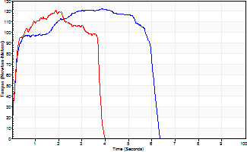
Isometric Extensors (Con) Angle 60 Time 10 Repetition 2 (Best Repetition)
 | Value | Cof Var | %BW
Peak Torque (Newton-Meters)
Right | 122 | 0.02 | 173
Left | 121 | 0.06 | 173
Deficit | 1
Average Torque (Newton-Meters)
Right | 65 | 0.23 | 92
Left | 39 | 0.02 | 57
Deficit | 40
Peak Torque Slope (Newton-Meters/Seconds)
Right | 32 | 0.05 | 46
Left | 64 | 0.41 | 91 |  | Right Side Curves Left Side Curves
Deficit | 50
Time to Half Peak Torque (Seconds)
Right | 0.13 | 0.26
Left | 0.25 | 0.64
Time to Peak Torque (Seconds)
Right | 3.92 | 0.03
Left | 2.51 | 0.35
HUMAC2015® Version: 15.000.0074 © Computer Sports Medicine, Inc. www.csmisolutions.com

pre2
Use File, Preference to set Report Heading
Long Form Torque vs. Position Report - Knee Extension/Flexion
Name: |  |  |  | TR030_FP3071, | ID: | TR030 | Right/Left: | 22.09.2022 22.09.2022
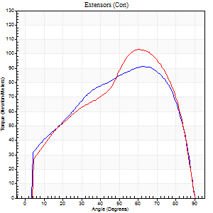
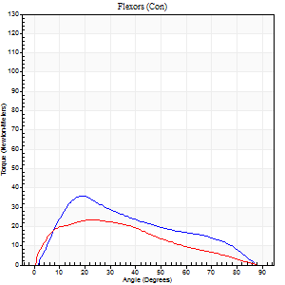
Right Side Curves Left Side Curves
Isokinetic Con/Con |  |  |  | Extensors (Con) |  | Flexors (Con)
Speed 60/60 d/s 3 Reps |  |  |  | Value | Cof Var | %BW | Value | Cof Var | %BW | Ratio

TORQUE PARAMETERS
Peak Torque (Newton-Meters - Best Repetition)
Right |  |  |  | 91 | 0.17 | 131 | 35 | 0.58 | 51 | 39
Left |  |  |  | 103 | 0.07 | 146 | 23 | 0.61 | 33 | 22
Deficit |  |  |  | 12 |  |  | 35
Work per Repetition (Newton-Meters - Best Repetition)
Right |  |  |  | 102 | 0.22 | 146 | 30 | 0.62 | 42 | 29
Left |  |  |  | 103 | 0.04 | 146 | 22 | 0.68 | 30 | 21
Deficit |  |  |  | 1 |  |  | 27
Average Power per Repetition (Watts - Best Repetition)
Right |  |  |  | 65 | 0.24 | 92 | 20 | 0.64 | 29 | 31
Left |  |  |  | 65 | 0.04 | 92 | 14 | 0.69 | 20 | 22
Deficit |  |  |  | 0 |  |  | 30
POSITION PARAMETERS
Joint Angle at Peak Torque (Degrees)
Right |  |  |  | 64 | 0.02 |  | 26 | 0.43
Left |  |  |  | 64 | 0.05 |  | 16 | 0.69
Range of Motion (Degrees)
Right |  |  |  | 0 | 0 |  | 90 | 0
Left |  |  |  | 0 | 0 |  | 90 | 0
TIME PARAMETERS
Time to Peak Torque (Seconds)
Right |  |  |  | 0.5 | 0.01 |  | 0.46 | 0.48
Left |  |  |  | 0.43 | 0.02 |  | 0.3 | 0.58
Time Peak Torque Held (Seconds)
Right |  |  |  | 0.03 | 0.62 |  | 0.01 | 1.73
Left |  |  |  | 0.03 | 0.22 |  | 0.06 | 0.88
Force Decay Time (Seconds)
Right |  |  |  | 1.06 | 0.04 |  | 1.09 | 0.21
Left |  |  |  | 1.07 | 0.06 |  | 1.21 | 0.18
Reciprocal Delay (Seconds)
Right |  |  |  | 0.09 | 0.31 |  | 0.2 | 0.33
Left |  |  |  | 0.09 | 0.42 |  | 0.17 | 0.12
Delay Time (Seconds)
Right |  |  |  | -0.06 | -0.33 |  | 0.04 | 1.92
Left |  |  |  | -0.02 | -0.71 |  | 0 | 0
HUMAC2015® Version: 15.000.0074 © Computer Sports Medicine, Inc. www.csmisolutions.com

Use File, Preference to set Report Heading
Long Form Torque vs. Position Report - Knee Extension/Flexion
Name: |  |  |  | TR030_FP3071, | ID: | TR030 | Right/Left: | 22.09.2022 22.09.2022
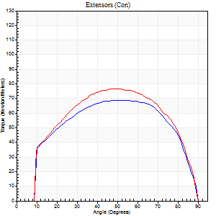
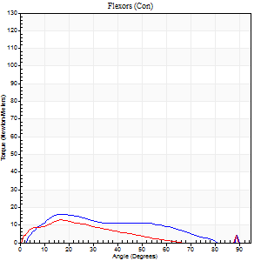
Right Side Curves Left Side Curves
Isokinetic Con/Con |  |  |  | Extensors (Con) |  | Flexors (Con)
Speed 120/120 d/s 3 Reps |  |  |  | Value | Cof Var | %BW | Value | Cof Var | %BW | Ratio

TORQUE PARAMETERS
Peak Torque (Newton-Meters - Best Repetition)
Right |  |  |  | 69 | 0.04 | 98 | 16 | 0.45 | 24 | 24
Left |  |  |  | 77 | 0.18 | 110 | 14 | 0.34 | 18 | 18
Deficit |  |  |  | 11 |  |  | 17
Work per Repetition (Newton-Meters - Best Repetition)
Right |  |  |  | 77 | 0.08 | 110 | 14 | 0.64 | 18 | 18
Left |  |  |  | 84 | 0.25 | 119 | 8 | 0.47 | 12 | 10
Deficit |  |  |  | 8 |  |  | 40
Average Power per Repetition (Watts - Best Repetition)
Right |  |  |  | 88 | 0.06 | 125 | 17 | 0.91 | 24 | 19
Left |  |  |  | 101 | 0.49 | 145 | 9 | 0.67 | 13 | 9
Deficit |  |  |  | 13 |  |  | 47
POSITION PARAMETERS
Joint Angle at Peak Torque (Degrees)
Right |  |  |  | 56 | 0.12 |  | 15 | 0.74
Left |  |  |  | 54 | 0.09 |  | 16 | 0.56
Range of Motion (Degrees)
Right |  |  |  | 1 | 0.68 |  | 90 | 0
Left |  |  |  | 1 | 0.14 |  | 89 | 0
TIME PARAMETERS
Time to Peak Torque (Seconds)
Right |  |  |  | 0.33 | 0.3 |  | 0.16 | 0.49
Left |  |  |  | 0.37 | 0.08 |  | 0.24 | 0.32
Time Peak Torque Held (Seconds)
Right |  |  |  | 0.05 | 0.54 |  | 0.12 | 0.94
Left |  |  |  | 0.02 | 1.73 |  | 0.02 | 1.73
Force Decay Time (Seconds)
Right |  |  |  | 0.45 | 0.04 |  | 0.84 | 0.29
Left |  |  |  | 0.45 | 0.08 |  | 0.93 | 0.5
Reciprocal Delay (Seconds)
Right |  |  |  | 0.08 | 0.18 |  | 0.08 | 0.49
Left |  |  |  | 0.14 | 0.81 |  | 0.1 | 0.3
Delay Time (Seconds)
Right |  |  |  | -0.03 | -0.47 |  | 0.02 | 2.29
Left |  |  |  | -0.03 | -0.47 |  | -0.02 | -0.65
HUMAC2015® Version: 15.000.0074 © Computer Sports Medicine, Inc. www.csmisolutions.com

Use File, Preference to set Report Heading
Long Form Torque vs. Position Report - Knee Extension/Flexion
Name: |  |  |  | TR030_FP3071, | ID: | TR030 | Right/Left: | 22.09.2022 22.09.2022
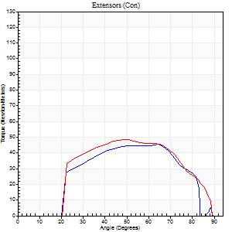
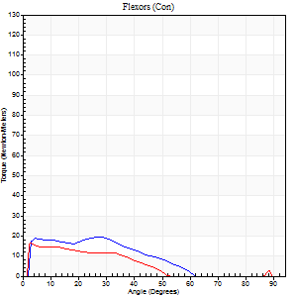
Right Side Curves Left Side Curves
Isokinetic Con/Con |  |  |  | Extensors (Con) |  | Flexors (Con)
Speed 240/240 d/s 3 Reps |  |  |  | Value | Cof Var | %BW | Value | Cof Var | %BW | Ratio

TORQUE PARAMETERS
Peak Torque (Newton-Meters - Best Repetition)
Right |  |  |  | 45 | 0.02 | 63 | 19 | 0.62 | 27 | 42
Left |  |  |  | 49 | 0.06 | 69 | 16 | 0.12 | 24 | 33
Deficit |  |  |  | 8 |  |  | 14
Work per Repetition (Newton-Meters - Best Repetition)
Right |  |  |  | 43 | 0.03 | 63 | 15 | 0.99 | 21 | 34
Left |  |  |  | 46 | 0.17 | 66 | 9 | 0.69 | 15 | 21
Deficit |  |  |  | 6 |  |  | 36
Average Power per Repetition (Watts - Best Repetition)
Right |  |  |  | 84 | 0.13 | 121 | 28 | 1.3 | 40 | 33
Left |  |  |  | 87 | 0.29 | 123 | 17 | 0.22 | 24 | 20
Deficit |  |  |  | 3 |  |  | 39
POSITION PARAMETERS
Joint Angle at Peak Torque (Degrees)
Right |  |  |  | 67 | 0.03 |  | 13 | 0.96
Left |  |  |  | 57 | 0.16 |  | 32 | 1.48
Range of Motion (Degrees)
Right |  |  |  | 2 | 0.29 |  | 90 | 0.01
Left |  |  |  | 1 | 0.1 |  | 89 | 0.01
TIME PARAMETERS
Time to Peak Torque (Seconds)
Right |  |  |  | 0.25 | 0.36 |  | 0.12 | 0.45
Left |  |  |  | 0.31 | 0.27 |  | 0.07 | 0.43
Time Peak Torque Held (Seconds)
Right |  |  |  | 0.03 | 1 |  | 0 | 0
Left |  |  |  | 0.01 | 0.43 |  | 0.01 | 1.15
Force Decay Time (Seconds)
Right |  |  |  | 0.29 | 0.1 |  | 0.88 | 0.69
Left |  |  |  | 0.28 | 0.1 |  | 0.31 | 0.77
Reciprocal Delay (Seconds)
Right |  |  |  | 0.16 | 0.88 |  | 0.05 | 0.33
Left |  |  |  | 0.07 | 0.4 |  | 0.05 | 0.11
Delay Time (Seconds)
Right |  |  |  | 0.02 | 5.19 |  | -0.03 | -0.33
Left |  |  |  | -0.04 | -0.35 |  | 0.13 | 2.14
HUMAC2015® Version: 15.000.0074 © Computer Sports Medicine, Inc. www.csmisolutions.com

Use File, Preference to set Report Heading
Isometric - Knee Extension/Flexion
Name: |  |  |  | TR030_FP3071, | ID: | TR030 | Right/Left: | 22.09.2022 22.09.2022

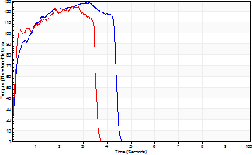
Isometric Extensors (Con) Angle 60 Time 10 Repetition 2 (Best Repetition)
 | Value | Cof Var | %BW
Peak Torque (Newton-Meters)
Right | 127 | 0.07 | 182
Left | 125 | 0 | 179
Deficit | 2
Average Torque (Newton-Meters)
Right | 49 | 0.17 | 69
Left | 39 | 0.02 | 57
Deficit | 19
Peak Torque Slope (Newton-Meters/Seconds)
Right | 40 | 0.02 | 57
Left | 67 | 0.21 | 95 |  | Right Side Curves Left Side Curves
Deficit | 41
Time to Half Peak Torque (Seconds)
Right | 0.16 | 0.04
Left | 0.12 | 0.06
Time to Peak Torque (Seconds)
Right | 3.12 | 0.05
Left | 2.19 | 0.22
HUMAC2015® Version: 15.000.0074 © Computer Sports Medicine, Inc. www.csmisolutions.com

mid1
Use File, Preference to set Report Heading
Long Form Torque vs. Position Report - Knee Extension/Flexion
Name: |  |  |  | TR030_FP3071, | ID: | TR030 | Right/Left: | 25.10.2022 25.10.2022
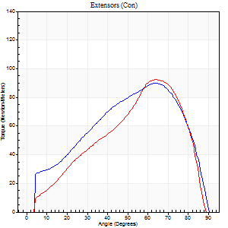
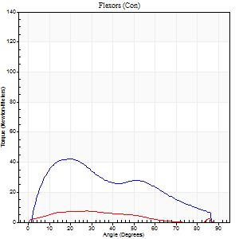
Right Side Curves Left Side Curves
Isokinetic Con/Con |  |  |  | Extensors (Con) |  | Flexors (Con)
Speed 60/60 d/s 3 Reps |  |  |  | Value | Cof Var | %BW | Value | Cof Var | %BW | Ratio

TORQUE PARAMETERS
Peak Torque (Newton-Meters - Best Repetition)
Right |  |  |  | 89 | 0.22 | 128 | 42 | 0.94 | 60 | 47
Left |  |  |  | 92 | 0.12 | 131 | 8 | 0.07 | 12 | 9
Deficit |  |  |  | 3 |  |  | 81
Work per Repetition (Newton-Meters - Best Repetition)
Right |  |  |  | 91 | 0.15 | 131 | 38 | 1 | 54 | 42
Left |  |  |  | 81 | 0.1 | 116 | 8 | 0.42 | 12 | 10
Deficit |  |  |  | 10 |  |  | 79
Average Power per Repetition (Watts - Best Repetition)
Right |  |  |  | 58 | 0.15 | 84 | 25 | 1.02 | 35 | 43
Left |  |  |  | 53 | 0.18 | 75 | 4 | 0.41 | 7 | 8
Deficit |  |  |  | 9 |  |  | 84
POSITION PARAMETERS
Joint Angle at Peak Torque (Degrees)
Right |  |  |  | 66 | 0.04 |  | 23 | 0.6
Left |  |  |  | 63 | 0.03 |  | 16 | 0.63
Range of Motion (Degrees)
Right |  |  |  | 0 | 1.04 |  | 90 | 0
Left |  |  |  | 0 | 1.1 |  | 89 | 0.02
TIME PARAMETERS
Time to Peak Torque (Seconds)
Right |  |  |  | 0.41 | 0.1 |  | 0.42 | 0.51
Left |  |  |  | 0.44 | 0.02 |  | 0.37 | 0.53
Time Peak Torque Held (Seconds)
Right |  |  |  | 0.06 | 0.6 |  | 0.16 | 1.46
Left |  |  |  | 0.04 | 0.75 |  | 0.01 | 1.73
Force Decay Time (Seconds)
Right |  |  |  | 1.05 | 0.02 |  | 0.98 | 0.47
Left |  |  |  | 1.03 | 0.01 |  | 1.35 | 0.1
Reciprocal Delay (Seconds)
Right |  |  |  | 0.31 | 0.86 |  | 0.22 | 0.66
Left |  |  |  | 0.17 | 0.93 |  | 0.32 | 0.82
Delay Time (Seconds)
Right |  |  |  | -0.01 | -1.41 |  | 0.04 | 1.56
Left |  |  |  | -0.02 | -0.28 |  | -0.03 | -0.67
HUMAC2015® Version: 15.000.0074 © Computer Sports Medicine, Inc. www.csmisolutions.com

Use File, Preference to set Report Heading
Long Form Torque vs. Position Report - Knee Extension/Flexion
Name: |  |  |  | TR030_FP3071, | ID: | TR030 | Right/Left: | 25.10.2022 25.10.2022
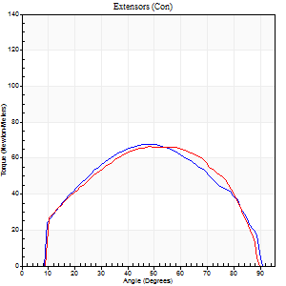
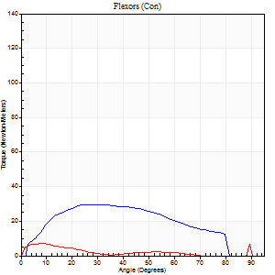
Right Side Curves Left Side Curves
Isokinetic Con/Con |  |  |  | Extensors (Con) |  | Flexors (Con)
Speed 120/120 d/s 3 Reps |  |  |  | Value | Cof Var | %BW | Value | Cof Var | %BW | Ratio

TORQUE PARAMETERS
Peak Torque (Newton-Meters - Best Repetition)
Right |  |  |  | 68 | 0.08 | 95 | 30 | 0.3 | 42 | 44
Left |  |  |  | 66 | 0.36 | 95 | 7 | 0.07 | 9 | 10
Deficit |  |  |  | 2 |  |  | 77
Work per Repetition (Newton-Meters - Best Repetition)
Right |  |  |  | 72 | 0.1 | 101 | 30 | 0.52 | 42 | 42
Left |  |  |  | 72 | 0.36 | 101 | 4 | 0.04 | 6 | 6
Deficit |  |  |  | 0 |  |  | 86
Average Power per Repetition (Watts - Best Repetition)
Right |  |  |  | 83 | 0.11 | 119 | 38 | 0.54 | 55 | 46
Left |  |  |  | 86 | 0.36 | 123 | 4 | 0.24 | 7 | 5
Deficit |  |  |  | 3 |  |  | 89
POSITION PARAMETERS
Joint Angle at Peak Torque (Degrees)
Right |  |  |  | 56 | 0.16 |  | 22 | 0.22
Left |  |  |  | 51 | 0.1 |  | 12 | 0.57
Range of Motion (Degrees)
Right |  |  |  | 1 | 0.03 |  | 90 | 0.01
Left |  |  |  | 1 | 0.17 |  | 88 | 0.03
TIME PARAMETERS
Time to Peak Torque (Seconds)
Right |  |  |  | 0.34 | 0.44 |  | 0.21 | 0.17
Left |  |  |  | 0.41 | 0.09 |  | 0.25 | 0.18
Time Peak Torque Held (Seconds)
Right |  |  |  | 0.05 | 0.62 |  | 0.03 | 1.15
Left |  |  |  | 0.01 | 0 |  | 0.01 | 1.73
Force Decay Time (Seconds)
Right |  |  |  | 0.43 | 0.12 |  | 0.57 | 0.19
Left |  |  |  | 0.45 | 0.11 |  | 0.93 | 0.28
Reciprocal Delay (Seconds)
Right |  |  |  | 0.11 | 0.77 |  | 0.05 | 0.11
Left |  |  |  | 0.12 | 0.85 |  | 0.16 | 0.53
Delay Time (Seconds)
Right |  |  |  | -0.03 | -0.94 |  | 0.01 | 0.87
Left |  |  |  | -0.02 | -0.85 |  | -0.05 | -0.6
HUMAC2015® Version: 15.000.0074 © Computer Sports Medicine, Inc. www.csmisolutions.com

Use File, Preference to set Report Heading
Long Form Torque vs. Position Report - Knee Extension/Flexion
Name: |  |  |  | TR030_FP3071, | ID: | TR030 | Right/Left: | 25.10.2022 25.10.2022
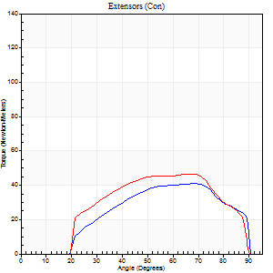
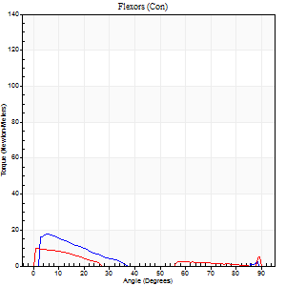
Right Side Curves Left Side Curves
Isokinetic Con/Con |  |  |  | Extensors (Con) |  | Flexors (Con)
Speed 240/240 d/s 3 Reps |  |  |  | Value | Cof Var | %BW | Value | Cof Var | %BW | Ratio

TORQUE PARAMETERS
Peak Torque (Newton-Meters - Best Repetition)
Right |  |  |  | 41 | 0.07 | 57 | 18 | 0.53 | 24 | 43
Left |  |  |  | 46 | 0.13 | 66 | 9 | 0.41 | 15 | 21
Deficit |  |  |  | 12 |  |  | 46
Work per Repetition (Newton-Meters - Best Repetition)
Right |  |  |  | 41 | 0.09 | 57 | 7 | 0.69 | 9 | 17
Left |  |  |  | 46 | 0.16 | 66 | 4 | 0.49 | 6 | 9
Deficit |  |  |  | 12 |  |  | 40
Average Power per Repetition (Watts - Best Repetition)
Right |  |  |  | 77 | 0.52 | 110 | 5 | 0.77 | 7 | 6
Left |  |  |  | 75 | 0.14 | 108 | 3 | 0.58 | 4 | 4
Deficit |  |  |  | 3 |  |  | 40
POSITION PARAMETERS
Joint Angle at Peak Torque (Degrees)
Right |  |  |  | 64 | 0.09 |  | 4 | 0.42
Left |  |  |  | 67 | 0.01 |  | 5 | 0.72
Range of Motion (Degrees)
Right |  |  |  | 2 | 0.11 |  | 90 | 0
Left |  |  |  | 1 | 0.94 |  | 90 | 0
TIME PARAMETERS
Time to Peak Torque (Seconds)
Right |  |  |  | 0.21 | 0.13 |  | 0.05 | 0.53
Left |  |  |  | 0.23 | 0.12 |  | 0.18 | 0.51
Time Peak Torque Held (Seconds)
Right |  |  |  | 0.02 | 0.5 |  | 0.03 | 1.15
Left |  |  |  | 0.01 | 1 |  | 0.02 | 1
Force Decay Time (Seconds)
Right |  |  |  | 0.28 | 0.07 |  | 1.23 | 0.18
Left |  |  |  | 0.36 | 0.1 |  | 1.27 | 0.23
Reciprocal Delay (Seconds)
Right |  |  |  | 0.22 | 0.43 |  | 0.04 | 0.13
Left |  |  |  | 0.35 | 0.4 |  | 0.15 | 0.32
Delay Time (Seconds)
Right |  |  |  | -0.04 | -0.2 |  | -0.03 | -0.22
Left |  |  |  | -0.05 | -0.39 |  | -0.06 | 0
HUMAC2015® Version: 15.000.0074 © Computer Sports Medicine, Inc. www.csmisolutions.com

Use File, Preference to set Report Heading
Isometric - Knee Extension/Flexion
Name: |  |  |  | TR030_FP3071, | ID: | TR030 | Right/Left: | 25.10.2022 25.10.2022

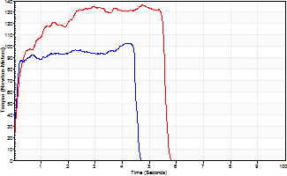
Isometric Extensors (Con) Angle 60 Time 10 Repetition 2 (Best Repetition)
 | Value | Cof Var | %BW
Peak Torque (Newton-Meters)
Right | 103 | 0.09 | 146
Left | 137 | 0.15 | 197
Deficit | 25
Average Torque (Newton-Meters)
Right | 42 | 0.26 | 60
Left | 68 | 0.22 | 95
Deficit | 38
Peak Torque Slope (Newton-Meters/Seconds)
Right | 161 | 1.03 | 229
Left | 43 | 0.28 | 61 |  | Right Side Curves Left Side Curves
Deficit | 73
Time to Half Peak Torque (Seconds)
Right | 0.09 | 0.07
Left | 0.17 | 0.13
Time to Peak Torque (Seconds)
Right | 2.33 | 1.08
Left | 3.65 | 0.42
HUMAC2015® Version: 15.000.0074 © Computer Sports Medicine, Inc. www.csmisolutions.com

mid2
Use File, Preference to set Report Heading
Long Form Torque vs. Position Report - Knee Extension/Flexion
Name: |  |  |  | TR030_FP3071, | ID: | TR030 | Right/Left: | 27.10.2022 27.10.2022
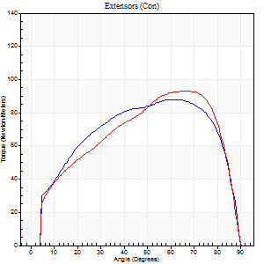
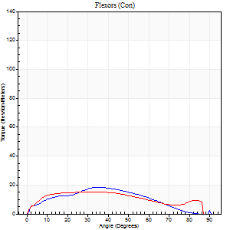
Right Side Curves Left Side Curves
Isokinetic Con/Con |  |  |  | Extensors (Con) |  | Flexors (Con)
Speed 60/60 d/s 3 Reps |  |  |  | Value | Cof Var | %BW | Value | Cof Var | %BW | Ratio

TORQUE PARAMETERS
Peak Torque (Newton-Meters - Best Repetition)
Right |  |  |  | 88 | 0.09 | 125 | 19 | 0.64 | 27 | 22
Left |  |  |  | 94 | 0.09 | 134 | 15 | 0.38 | 21 | 16
Deficit |  |  |  | 6 |  |  | 21
Work per Repetition (Newton-Meters - Best Repetition)
Right |  |  |  | 103 | 0.12 | 146 | 16 | 0.62 | 24 | 16
Left |  |  |  | 100 | 0.11 | 143 | 16 | 0.4 | 24 | 16
Deficit |  |  |  | 3 |  |  | 0
Average Power per Repetition (Watts - Best Repetition)
Right |  |  |  | 67 | 0.12 | 97 | 11 | 0.64 | 15 | 16
Left |  |  |  | 65 | 0.11 | 92 | 11 | 0.38 | 15 | 17
Deficit |  |  |  | 3 |  |  | 0
POSITION PARAMETERS
Joint Angle at Peak Torque (Degrees)
Right |  |  |  | 65 | 0.06 |  | 33 | 0.21
Left |  |  |  | 65 | 0.05 |  | 36 | 0.24
Range of Motion (Degrees)
Right |  |  |  | 0 | 0.2 |  | 89 | 0.02
Left |  |  |  | 0 | 0.71 |  | 90 | 0.01
TIME PARAMETERS
Time to Peak Torque (Seconds)
Right |  |  |  | 0.39 | 0.07 |  | 0.64 | 0.06
Left |  |  |  | 0.4 | 0.07 |  | 0.67 | 0.23
Time Peak Torque Held (Seconds)
Right |  |  |  | 0.05 | 0.29 |  | 0.04 | 1.1
Left |  |  |  | 0.06 | 0.78 |  | 0.12 | 0.96
Force Decay Time (Seconds)
Right |  |  |  | 1.05 | 0.07 |  | 0.91 | 0.18
Left |  |  |  | 1.05 | 0.07 |  | 0.77 | 0.3
Reciprocal Delay (Seconds)
Right |  |  |  | 0.14 | 0.91 |  | 0.3 | 0.61
Left |  |  |  | 0.12 | 0.68 |  | 0.19 | 0.18
Delay Time (Seconds)
Right |  |  |  | -0.01 | -0.47 |  | -0.03 | -2.13
Left |  |  |  | -0.01 | -0.47 |  | -0.02 | -1.08
HUMAC2015® Version: 15.000.0074 © Computer Sports Medicine, Inc. www.csmisolutions.com

Use File, Preference to set Report Heading
Long Form Torque vs. Position Report - Knee Extension/Flexion
Name: |  |  |  | TR030_FP3071, | ID: | TR030 | Right/Left: | 27.10.2022 27.10.2022
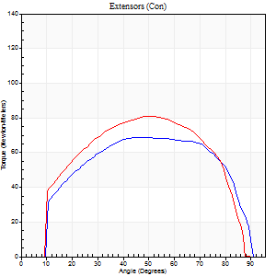
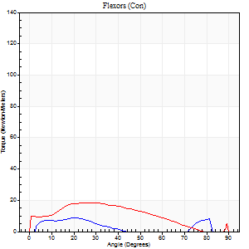
Right Side Curves Left Side Curves
Isokinetic Con/Con |  |  |  | Extensors (Con) |  | Flexors (Con)
Speed 120/120 d/s 3 Reps |  |  |  | Value | Cof Var | %BW | Value | Cof Var | %BW | Ratio

TORQUE PARAMETERS
Peak Torque (Newton-Meters - Best Repetition)
Right |  |  |  | 69 | 0.07 | 98 | 8 | 0.38 | 12 | 12
Left |  |  |  | 81 | 0.05 | 116 | 19 | 0.79 | 27 | 23
Deficit |  |  |  | 15 |  |  | 57
Work per Repetition (Newton-Meters - Best Repetition)
Right |  |  |  | 79 | 0.1 | 113 | 5 | 0.4 | 9 | 7
Left |  |  |  | 87 | 0.08 | 125 | 16 | 1.29 | 24 | 19
Deficit |  |  |  | 9 |  |  | 67
Average Power per Repetition (Watts - Best Repetition)
Right |  |  |  | 94 | 0.07 | 134 | 5 | 0.31 | 7 | 5
Left |  |  |  | 87 | 0.36 | 123 | 16 | 1.39 | 22 | 18
Deficit |  |  |  | 7 |  |  | 69
POSITION PARAMETERS
Joint Angle at Peak Torque (Degrees)
Right |  |  |  | 59 | 0.19 |  | 36 | 1.1
Left |  |  |  | 53 | 0.11 |  | 11 | 1.33
Range of Motion (Degrees)
Right |  |  |  | 1 | 0.09 |  | 89 | 0.01
Left |  |  |  | 0 | 0.66 |  | 90 | 0
TIME PARAMETERS
Time to Peak Torque (Seconds)
Right |  |  |  | 0.22 | 0.03 |  | 0.4 | 1.02
Left |  |  |  | 0.4 | 0.44 |  | 0.22 | 0.97
Time Peak Torque Held (Seconds)
Right |  |  |  | 0.02 | 0.5 |  | 0.01 | 1.73
Left |  |  |  | 0.01 | 0.43 |  | 0.03 | 1.25
Force Decay Time (Seconds)
Right |  |  |  | 0.49 | 0.19 |  | 0.56 | 0.73
Left |  |  |  | 0.49 | 0.11 |  | 1.03 | 0.44
Reciprocal Delay (Seconds)
Right |  |  |  | 0.05 | 0.16 |  | 0.08 | 0.18
Left |  |  |  | 0.09 | 0.47 |  | 0.17 | 0.41
Delay Time (Seconds)
Right |  |  |  | 0 | -1.41 |  | 0.06 | 0.64
Left |  |  |  | 0.02 | 1.41 |  | -0.07 | -0.91
HUMAC2015® Version: 15.000.0074 © Computer Sports Medicine, Inc. www.csmisolutions.com

Use File, Preference to set Report Heading
Long Form Torque vs. Position Report - Knee Extension/Flexion
Name: |  |  |  | TR030_FP3071, | ID: | TR030 | Right/Left: | 27.10.2022 27.10.2022
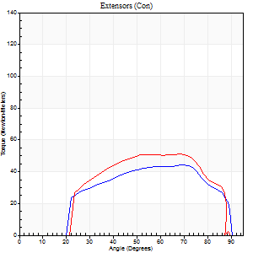
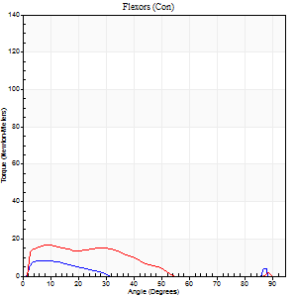
Right Side Curves Left Side Curves
Isokinetic Con/Con |  |  |  | Extensors (Con) |  | Flexors (Con)
Speed 240/240 d/s 3 Reps |  |  |  | Value | Cof Var | %BW | Value | Cof Var | %BW | Ratio

TORQUE PARAMETERS
Peak Torque (Newton-Meters - Best Repetition)
Right |  |  |  | 43 | 0.02 | 63 | 8 | 0.13 | 12 | 19
Left |  |  |  | 52 | 0.02 | 75 | 16 | 0.26 | 24 | 32
Deficit |  |  |  | 16 |  |  | 50
Work per Repetition (Newton-Meters - Best Repetition)
Right |  |  |  | 43 | 0.02 | 63 | 3 | 0.31 | 3 | 6
Left |  |  |  | 50 | 0.03 | 72 | 11 | 0.5 | 15 | 22
Deficit |  |  |  | 14 |  |  | 75
Average Power per Repetition (Watts - Best Repetition)
Right |  |  |  | 86 | 0.05 | 123 | 3 | 0.33 | 4 | 3
Left |  |  |  | 100 | 0.62 | 143 | 20 | 0.67 | 29 | 20
Deficit |  |  |  | 14 |  |  | 85
POSITION PARAMETERS
Joint Angle at Peak Torque (Degrees)
Right |  |  |  | 65 | 0.1 |  | 6 | 0.13
Left |  |  |  | 68 | 0.02 |  | 8 | 0.22
Range of Motion (Degrees)
Right |  |  |  | 1 | 0.39 |  | 90 | 0.01
Left |  |  |  | 2 | 0.31 |  | 90 | 0.01
TIME PARAMETERS
Time to Peak Torque (Seconds)
Right |  |  |  | 0.16 | 0.04 |  | 0.11 | 0.09
Left |  |  |  | 0.32 | 0.71 |  | 0.11 | 0.2
Time Peak Torque Held (Seconds)
Right |  |  |  | 0 | 1.73 |  | 0 | 1.73
Left |  |  |  | 0.05 | 0.39 |  | 0.01 | 1.73
Force Decay Time (Seconds)
Right |  |  |  | 0.32 | 0.13 |  | 1.01 | 0.03
Left |  |  |  | 0.28 | 0.09 |  | 0.56 | 0.39
Reciprocal Delay (Seconds)
Right |  |  |  | 0.06 | 0.33 |  | 0.06 | 0.17
Left |  |  |  | 0.17 | 0.83 |  | 0.05 | 0.33
Delay Time (Seconds)
Right |  |  |  | -0.03 | 0 |  | -0.03 | 0
Left |  |  |  | 0.02 | 2.83 |  | -0.03 | -0.22
HUMAC2015® Version: 15.000.0074 © Computer Sports Medicine, Inc. www.csmisolutions.com

Use File, Preference to set Report Heading
Isometric - Knee Extension/Flexion
Name: |  |  |  | TR030_FP3071, | ID: | TR030 | Right/Left: | 27.10.2022 27.10.2022

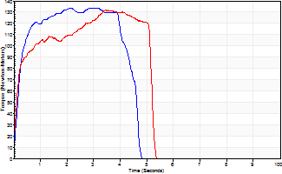
Isometric Extensors (Con) Angle 60 Time 10 Repetition 2 (Best Repetition)
 | Value | Cof Var | %BW
Peak Torque (Newton-Meters)
Right | 134 | 0.04 | 191
Left | 132 | 0.02 | 188
Deficit | 2
Average Torque (Newton-Meters)
Right | 54 | 0.18 | 77
Left | 58 | 0.3 | 83
Deficit | 7
Peak Torque Slope (Newton-Meters/Seconds)
Right | 46 | 0 | 66
Left | 75 | 0.46 | 107 |  | Right Side Curves Left Side Curves
Deficit | 38
Time to Half Peak Torque (Seconds)
Right | 0.18 | 0.16
Left | 0.16 | 0.05
Time to Peak Torque (Seconds)
Right | 2.79 | 0.05
Left | 2.57 | 0.48
HUMAC2015® Version: 15.000.0074 © Computer Sports Medicine, Inc. www.csmisolutions.com

post1
Use File, Preference to set Report Heading
Long Form Torque vs. Position Report - Knee Extension/Flexion
Name: |  |  |  | TR030_FP3071, | ID: | TR030 | Right/Left: | 21.11.2022 21.11.2022
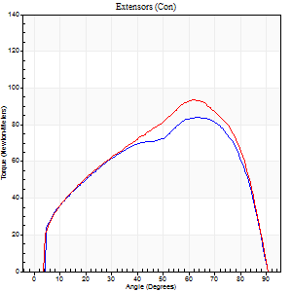
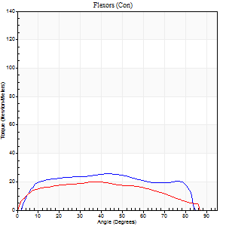
Right Side Curves Left Side Curves
Isokinetic Con/Con |  |  |  | Extensors (Con) |  | Flexors (Con)
Speed 60/60 d/s 3 Reps |  |  |  | Value | Cof Var | %BW | Value | Cof Var | %BW | Ratio

TORQUE PARAMETERS
Peak Torque (Newton-Meters - Best Repetition)
Right |  |  |  | 84 | 0.05 | 119 | 26 | 0.4 | 36 | 31
Left |  |  |  | 94 | 0.07 | 134 | 20 | 0.39 | 30 | 22
Deficit |  |  |  | 10 |  |  | 21
Work per Repetition (Newton-Meters - Best Repetition)
Right |  |  |  | 92 | 0.04 | 131 | 30 | 0.4 | 42 | 32
Left |  |  |  | 98 | 0.02 | 140 | 22 | 0.39 | 30 | 22
Deficit |  |  |  | 6 |  |  | 27
Average Power per Repetition (Watts - Best Repetition)
Right |  |  |  | 58 | 0.01 | 84 | 21 | 0.45 | 31 | 36
Left |  |  |  | 62 | 0.01 | 88 | 14 | 0.4 | 20 | 23
Deficit |  |  |  | 6 |  |  | 33
POSITION PARAMETERS
Joint Angle at Peak Torque (Degrees)
Right |  |  |  | 64 | 0.03 |  | 39 | 0.09
Left |  |  |  | 63 | 0.11 |  | 39 | 0.01
Range of Motion (Degrees)
Right |  |  |  | 0 | 0.88 |  | 88 | 0.04
Left |  |  |  | 0 | 0.28 |  | 90 | 0.01
TIME PARAMETERS
Time to Peak Torque (Seconds)
Right |  |  |  | 0.38 | 0.04 |  | 0.69 | 0.05
Left |  |  |  | 0.44 | 0.37 |  | 0.71 | 0.08
Time Peak Torque Held (Seconds)
Right |  |  |  | 0.04 | 0.81 |  | 0.09 | 0.48
Left |  |  |  | 0.05 | 0.78 |  | 0.04 | 0.96
Force Decay Time (Seconds)
Right |  |  |  | 1.04 | 0.03 |  | 0.71 | 0.14
Left |  |  |  | 1.02 | 0.08 |  | 0.8 | 0.04
Reciprocal Delay (Seconds)
Right |  |  |  | 0.05 | 0.13 |  | 0.17 | 0.38
Left |  |  |  | 0.06 | 0 |  | 0.2 | 0.57
Delay Time (Seconds)
Right |  |  |  | 0 | -1.41 |  | 0.02 | 1.5
Left |  |  |  | 0.01 | 0.47 |  | -0.03 | -0.88
HUMAC2015® Version: 15.000.0074 © Computer Sports Medicine, Inc. www.csmisolutions.com

Use File, Preference to set Report Heading
Long Form Torque vs. Position Report - Knee Extension/Flexion
Name: |  |  |  | TR030_FP3071, | ID: | TR030 | Right/Left: | 21.11.2022 21.11.2022
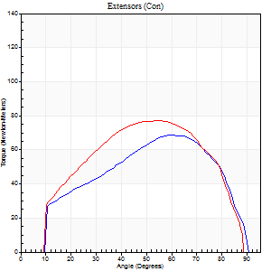
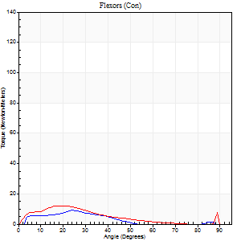
Right Side Curves Left Side Curves
Isokinetic Con/Con |  |  |  | Extensors (Con) |  | Flexors (Con)
Speed 120/120 d/s 3 Reps |  |  |  | Value | Cof Var | %BW | Value | Cof Var | %BW | Ratio

TORQUE PARAMETERS
Peak Torque (Newton-Meters - Best Repetition)
Right |  |  |  | 69 | 0.11 | 98 | 9 | 0.42 | 15 | 14
Left |  |  |  | 77 | 0.02 | 110 | 12 | 0.46 | 18 | 16
Deficit |  |  |  | 11 |  |  | 22
Work per Repetition (Newton-Meters - Best Repetition)
Right |  |  |  | 69 | 0.12 | 98 | 5 | 0.55 | 9 | 8
Left |  |  |  | 80 | 0.01 | 113 | 8 | 0.57 | 12 | 10
Deficit |  |  |  | 14 |  |  | 33
Average Power per Repetition (Watts - Best Repetition)
Right |  |  |  | 81 | 0.53 | 116 | 6 | 0.67 | 9 | 7
Left |  |  |  | 97 | 0.42 | 138 | 9 | 0.61 | 13 | 9
Deficit |  |  |  | 16 |  |  | 33
POSITION PARAMETERS
Joint Angle at Peak Torque (Degrees)
Right |  |  |  | 57 | 0.25 |  | 21 | 0.54
Left |  |  |  | 51 | 0.06 |  | 14 | 0.59
Range of Motion (Degrees)
Right |  |  |  | 1 | 0.03 |  | 90 | 0
Left |  |  |  | 1 | 1.01 |  | 90 | 0.01
TIME PARAMETERS
Time to Peak Torque (Seconds)
Right |  |  |  | 0.3 | 0.17 |  | 0.3 | 0.19
Left |  |  |  | 0.37 | 0.06 |  | 0.25 | 0.24
Time Peak Torque Held (Seconds)
Right |  |  |  | 0.01 | 1.15 |  | 0.01 | 1.15
Left |  |  |  | 0.03 | 0 |  | 0.02 | 1.25
Force Decay Time (Seconds)
Right |  |  |  | 0.47 | 0.3 |  | 0.86 | 0.34
Left |  |  |  | 0.44 | 0.05 |  | 0.69 | 0.2
Reciprocal Delay (Seconds)
Right |  |  |  | 0.16 | 0.53 |  | 0.1 | 0.22
Left |  |  |  | 0.12 | 0.31 |  | 0.15 | 0.5
Delay Time (Seconds)
Right |  |  |  | -0.05 | -0.28 |  | 0.08 | 0.46
Left |  |  |  | 0.06 | 1.41 |  | -0.04 | -0.71
HUMAC2015® Version: 15.000.0074 © Computer Sports Medicine, Inc. www.csmisolutions.com

Use File, Preference to set Report Heading
Long Form Torque vs. Position Report - Knee Extension/Flexion
Name: |  |  |  | TR030_FP3071, | ID: | TR030 | Right/Left: | 21.11.2022 21.11.2022

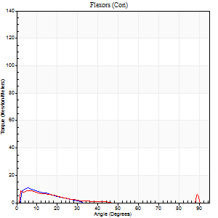
Right Side Curves Left Side Curves
Isokinetic Con/Con |  |  |  | Extensors (Con) |  | Flexors (Con)
Speed 240/240 d/s 3 Reps |  |  |  | Value | Cof Var | %BW | Value | Cof Var | %BW | Ratio

TORQUE PARAMETERS
Peak Torque (Newton-Meters - Best Repetition)
Right |  |  |  | 46 | 0.05 | 66 | 11 | 0.35 | 15 | 24
Left |  |  |  | 49 | 0.03 | 69 | 9 | 0.26 | 15 | 19
Deficit |  |  |  | 6 |  |  | 13
Work per Repetition (Newton-Meters - Best Repetition)
Right |  |  |  | 47 | 0.08 | 69 | 3 | 0.21 | 3 | 6
Left |  |  |  | 47 | 0.06 | 69 | 3 | 0.23 | 3 | 6
Deficit |  |  |  | 0 |  |  | 0
Average Power per Repetition (Watts - Best Repetition)
Right |  |  |  | 91 | 0.1 | 130 | 3 | 0.25 | 4 | 3
Left |  |  |  | 87 | 0.58 | 123 | 4 | 0.43 | 7 | 5
Deficit |  |  |  | 4 |  |  | 25
POSITION PARAMETERS
Joint Angle at Peak Torque (Degrees)
Right |  |  |  | 69 | 0.02 |  | 7 | 0.43
Left |  |  |  | 59 | 0.14 |  | 5 | 0.42
Range of Motion (Degrees)
Right |  |  |  | 1 | 0.59 |  | 90 | 0.01
Left |  |  |  | 1 | 1.17 |  | 90 | 0.01
TIME PARAMETERS
Time to Peak Torque (Seconds)
Right |  |  |  | 0.16 | 0.18 |  | 0.14 | 0.71
Left |  |  |  | 0.25 | 0.25 |  | 0.12 | 0.93
Time Peak Torque Held (Seconds)
Right |  |  |  | 0.02 | 0.99 |  | 0.02 | 1.38
Left |  |  |  | 0.01 | 1 |  | 0.03 | 1.08
Force Decay Time (Seconds)
Right |  |  |  | 0.32 | 0.14 |  | 0.75 | 0.08
Left |  |  |  | 0.3 | 0.17 |  | 0.85 | 0.16
Reciprocal Delay (Seconds)
Right |  |  |  | 0.05 | 0.13 |  | 0.07 | 0.67
Left |  |  |  | 0.08 | 0.75 |  | 0.11 | 0.92
Delay Time (Seconds)
Right |  |  |  | -0.02 | -0.28 |  | -0.04 | -0.31
Left |  |  |  | -0.02 | -0.28 |  | -0.05 | -0.81
HUMAC2015® Version: 15.000.0074 © Computer Sports Medicine, Inc. www.csmisolutions.com

Use File, Preference to set Report Heading
Isometric - Knee Extension/Flexion
Name: |  |  |  | TR030_FP3071, | ID: | TR030 | Right/Left: | 21.11.2022 21.11.2022

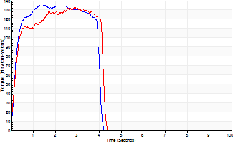
Isometric Extensors (Con) Angle 60 Time 10 Repetition 2 (Best Repetition)
 | Value | Cof Var | %BW
Peak Torque (Newton-Meters)
Right | 136 | 0.01 | 194
Left | 133 | 0 | 191
Deficit | 2
Average Torque (Newton-Meters)
Right | 49 | 0.06 | 69
Left | 54 | 0.08 | 77
Deficit | 10
Peak Torque Slope (Newton-Meters/Seconds)
Right | 91 | 0.06 | 130
Left | 46 | 0.23 | 66 |  | Right Side Curves Left Side Curves
Deficit | 49
Time to Half Peak Torque (Seconds)
Right | 0.2 | 0.14
Left | 0.19 | 0.19
Time to Peak Torque (Seconds)
Right | 1.54 | 0.06
Left | 3.43 | 0.23
HUMAC2015® Version: 15.000.0074 © Computer Sports Medicine, Inc. www.csmisolutions.com

post2
Use File, Preference to set Report Heading
Long Form Torque vs. Position Report - Knee Extension/Flexion
Name: |  |  |  | TR030_FP3071, | ID: | TR030 | Right/Left: | 23.11.2022 23.11.2022
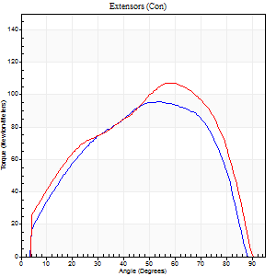
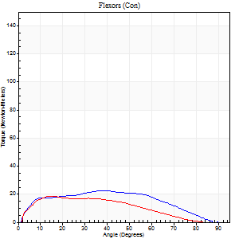
Right Side Curves Left Side Curves
Isokinetic Con/Con |  |  |  | Extensors (Con) |  | Flexors (Con)
Speed 60/60 d/s 3 Reps |  |  |  | Value | Cof Var | %BW | Value | Cof Var | %BW | Ratio

TORQUE PARAMETERS
Peak Torque (Newton-Meters - Best Repetition)
Right |  |  |  | 95 | 0.05 | 134 | 23 | 0.39 | 33 | 24
Left |  |  |  | 107 | 0.02 | 152 | 19 | 0.43 | 27 | 18
Deficit |  |  |  | 11 |  |  | 18
Work per Repetition (Newton-Meters - Best Repetition)
Right |  |  |  | 102 | 0.01 | 146 | 23 | 0.39 | 33 | 23
Left |  |  |  | 115 | 0.03 | 164 | 16 | 0.59 | 24 | 14
Deficit |  |  |  | 12 |  |  | 29
Average Power per Repetition (Watts - Best Repetition)
Right |  |  |  | 66 | 0.07 | 95 | 15 | 0.41 | 22 | 23
Left |  |  |  | 74 | 0.06 | 105 | 11 | 0.62 | 15 | 15
Deficit |  |  |  | 11 |  |  | 27
POSITION PARAMETERS
Joint Angle at Peak Torque (Degrees)
Right |  |  |  | 52 | 0.15 |  | 42 | 0.08
Left |  |  |  | 56 | 0.09 |  | 13 | 0.17
Range of Motion (Degrees)
Right |  |  |  | 0 | 1.01 |  | 88 | 0.02
Left |  |  |  | 0 | 0.81 |  | 89 | 0.01
TIME PARAMETERS
Time to Peak Torque (Seconds)
Right |  |  |  | 0.64 | 0.24 |  | 0.74 | 0.16
Left |  |  |  | 0.54 | 0.05 |  | 0.23 | 0.07
Time Peak Torque Held (Seconds)
Right |  |  |  | 0.08 | 0.15 |  | 0.04 | 1.29
Left |  |  |  | 0.06 | 0.5 |  | 0.01 | 1.73
Force Decay Time (Seconds)
Right |  |  |  | 0.81 | 0.15 |  | 0.75 | 0.13
Left |  |  |  | 0.89 | 0.07 |  | 1.34 | 0.11
Reciprocal Delay (Seconds)
Right |  |  |  | 0.09 | 0.58 |  | 0.16 | 0.85
Left |  |  |  | 0.07 | 0.4 |  | 0.11 | 0.6
Delay Time (Seconds)
Right |  |  |  | -0.01 | -0.47 |  | 0 | 0
Left |  |  |  | -0.04 | -0.2 |  | 0.02 | 0
HUMAC2015® Version: 15.000.0074 © Computer Sports Medicine, Inc. www.csmisolutions.com

Use File, Preference to set Report Heading
Long Form Torque vs. Position Report - Knee Extension/Flexion
Name: |  |  |  | TR030_FP3071, | ID: | TR030 | Right/Left: | 23.11.2022 23.11.2022
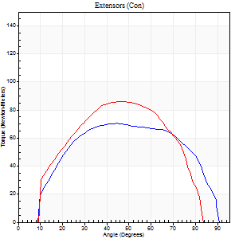
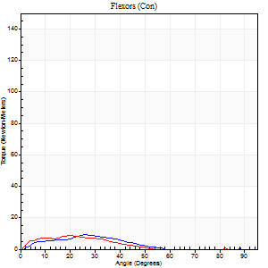
Right Side Curves Left Side Curves
Isokinetic Con/Con |  |  |  | Extensors (Con) |  | Flexors (Con)
Speed 120/120 d/s 3 Reps |  |  |  | Value | Cof Var | %BW | Value | Cof Var | %BW | Ratio

TORQUE PARAMETERS
Peak Torque (Newton-Meters - Best Repetition)
Right |  |  |  | 71 | 0.05 | 101 | 9 | 0.34 | 15 | 13
Left |  |  |  | 87 | 0.83 | 125 | 8 | 0.48 | 12 | 9
Deficit |  |  |  | 19 |  |  | 14
Work per Repetition (Newton-Meters - Best Repetition)
Right |  |  |  | 83 | 0.02 | 119 | 5 | 0.42 | 9 | 7
Left |  |  |  | 83 | 0.87 | 119 | 5 | 0.83 | 9 | 7
Deficit |  |  |  | 0 |  |  | 0
Average Power per Repetition (Watts - Best Repetition)
Right |  |  |  | 100 | 0.05 | 143 | 5 | 0.56 | 7 | 5
Left |  |  |  | 107 | 0.98 | 152 | 4 | 0.78 | 7 | 4
Deficit |  |  |  | 7 |  |  | 20
POSITION PARAMETERS
Joint Angle at Peak Torque (Degrees)
Right |  |  |  | 51 | 0.19 |  | 19 | 0.59
Left |  |  |  | 60 | 0.36 |  | 32 | 1.07
Range of Motion (Degrees)
Right |  |  |  | 1 | 0.98 |  | 90 | 0.01
Left |  |  |  | 1 | 0.09 |  | 85 | 0.04
TIME PARAMETERS
Time to Peak Torque (Seconds)
Right |  |  |  | 0.34 | 0.25 |  | 0.28 | 0.15
Left |  |  |  | 0.62 | 0.62 |  | 0.12 | 1.11
Time Peak Torque Held (Seconds)
Right |  |  |  | 0.06 | 1.17 |  | 0 | 1.73
Left |  |  |  | 0.04 | 0.71 |  | 0 | 0
Force Decay Time (Seconds)
Right |  |  |  | 0.4 | 0.13 |  | 0.96 | 0.44
Left |  |  |  | 0.37 | 0.11 |  | 0.85 | 0.2
Reciprocal Delay (Seconds)
Right |  |  |  | 0.08 | 0.66 |  | 0.17 | 0.95
Left |  |  |  | 0.87 | 1.32 |  | 0.1 | 0.5
Delay Time (Seconds)
Right |  |  |  | -0.01 | -0.47 |  | 0.01 | 3.61
Left |  |  |  | -0.29 | -1.32 |  | -0.04 | -1.33
HUMAC2015® Version: 15.000.0074 © Computer Sports Medicine, Inc. www.csmisolutions.com

Use File, Preference to set Report Heading
Long Form Torque vs. Position Report - Knee Extension/Flexion
Name: |  |  |  | TR030_FP3071, | ID: | TR030 | Right/Left: | 23.11.2022 23.11.2022
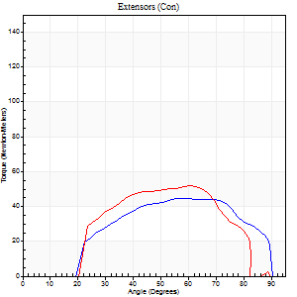
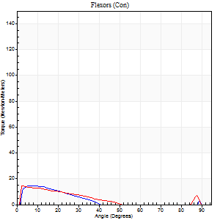
Right Side Curves Left Side Curves
Isokinetic Con/Con |  |  |  | Extensors (Con) |  | Flexors (Con)
Speed 240/240 d/s 3 Reps |  |  |  | Value | Cof Var | %BW | Value | Cof Var | %BW | Ratio

TORQUE PARAMETERS
Peak Torque (Newton-Meters - Best Repetition)
Right |  |  |  | 45 | 0.03 | 63 | 15 | 0.58 | 21 | 33
Left |  |  |  | 52 | 0.09 | 75 | 15 | 0.51 | 21 | 29
Deficit |  |  |  | 13 |  |  | 0
Work per Repetition (Newton-Meters - Best Repetition)
Right |  |  |  | 43 | 0.04 | 63 | 7 | 0.78 | 9 | 16
Left |  |  |  | 47 | 0.16 | 69 | 7 | 0.74 | 9 | 14
Deficit |  |  |  | 9 |  |  | 0
Average Power per Repetition (Watts - Best Repetition)
Right |  |  |  | 87 | 0.11 | 123 | 10 | 1.06 | 13 | 11
Left |  |  |  | 91 | 0.65 | 130 | 13 | 1.18 | 18 | 14
Deficit |  |  |  | 4 |  |  | 23
POSITION PARAMETERS
Joint Angle at Peak Torque (Degrees)
Right |  |  |  | 59 | 0.15 |  | 4 | 0.57
Left |  |  |  | 65 | 0.06 |  | 5 | 0.62
Range of Motion (Degrees)
Right |  |  |  | 2 | 0.28 |  | 90 | 0
Left |  |  |  | 1 | 0.09 |  | 89 | 0.01
TIME PARAMETERS
Time to Peak Torque (Seconds)
Right |  |  |  | 0.25 | 0.14 |  | 0.05 | 0.75
Left |  |  |  | 0.41 | 0.82 |  | 0.09 | 0.73
Time Peak Torque Held (Seconds)
Right |  |  |  | 0.01 | 0 |  | 0.02 | 0.5
Left |  |  |  | 0.01 | 0.87 |  | 0.02 | 1.38
Force Decay Time (Seconds)
Right |  |  |  | 0.27 | 0.12 |  | 0.92 | 0.45
Left |  |  |  | 0.31 | 0.08 |  | 1.03 | 0.61
Reciprocal Delay (Seconds)
Right |  |  |  | 0.09 | 0.08 |  | 0.05 | 0.29
Left |  |  |  | 0.08 | 0.09 |  | 0.06 | 0.27
Delay Time (Seconds)
Right |  |  |  | -0.04 | -0.2 |  | -0.03 | -0.22
Left |  |  |  | 0.03 | 2.55 |  | -0.03 | -0.35
HUMAC2015® Version: 15.000.0074 © Computer Sports Medicine, Inc. www.csmisolutions.com

Use File, Preference to set Report Heading
Isometric - Knee Extension/Flexion
Name: |  |  |  | TR030_FP3071, | ID: | TR030 | Right/Left: | 23.11.2022 23.11.2022

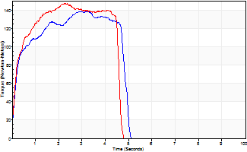
Isometric Extensors (Con) Angle 60 Time 10 Repetition 2 (Best Repetition)
 | Value | Cof Var | %BW
Peak Torque (Newton-Meters)
Right | 138 | 0.06 | 197
Left | 148 | 0.04 | 212
Deficit | 6
Average Torque (Newton-Meters)
Right | 58 | 0.12 | 83
Left | 60 | 0.06 | 86
Deficit | 2
Peak Torque Slope (Newton-Meters/Seconds)
Right | 48 | 0.32 | 69
Left | 65 | 0.4 | 92 |  | Right Side Curves Left Side Curves
Deficit | 26
Time to Half Peak Torque (Seconds)
Right | 0.2 | 0
Left | 0.19 | 0.04
Time to Peak Torque (Seconds)
Right | 3.51 | 0.26
Left | 3.08 | 0.37
HUMAC2015® Version: 15.000.0074 © Computer Sports Medicine, Inc. www.csmisolutions.com

