pre1
Use File, Preference to set Report Heading
Long Form Torque vs. Position Report - Knee Extension/Flexion
Name: |  |  |  | TR030_FP3072, | ID: | TR030 | Right/Left: | 27.09.2023 27.09.2023
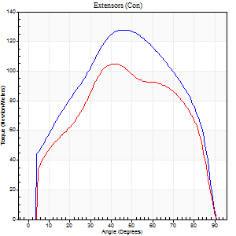
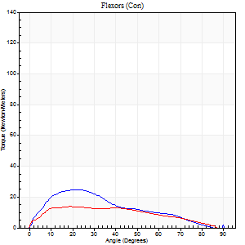
Right Side Curves Left Side Curves
Isokinetic Con/Con |  |  |  | Extensors (Con) |  | Flexors (Con)
Speed 60/60 d/s 3 Reps |  |  |  | Value | Cof Var | %BW | Value | Cof Var | %BW | Ratio

TORQUE PARAMETERS
Peak Torque (Newton-Meters - Best Repetition)
Right |  |  |  | 127 | 0.04 | 140 | 24 | 0.49 | 27 | 19
Left |  |  |  | 104 | 0.03 | 116 | 14 | 0.15 | 15 | 13
Deficit |  |  |  | 18 |  |  | 44
Work per Repetition (Newton-Meters - Best Repetition)
Right |  |  |  | 140 | 0.04 | 155 | 20 | 0.47 | 24 | 15
Left |  |  |  | 114 | 0.03 | 125 | 15 | 0.21 | 18 | 13
Deficit |  |  |  | 18 |  |  | 27
Average Power per Repetition (Watts - Best Repetition)
Right |  |  |  | 87 | 0.03 | 97 | 12 | 0.46 | 13 | 14
Left |  |  |  | 68 | 0.04 | 75 | 9 | 0.26 | 11 | 13
Deficit |  |  |  | 22 |  |  | 25
POSITION PARAMETERS
Joint Angle at Peak Torque (Degrees)
Right |  |  |  | 45 | 0.04 |  | 25 | 0.46
Left |  |  |  | 44 | 0.07 |  | 29 | 0.3
Range of Motion (Degrees)
Right |  |  |  | 0 | 0.47 |  | 90 | 0
Left |  |  |  | 0 | 0 |  | 90 | 0
TIME PARAMETERS
Time to Peak Torque (Seconds)
Right |  |  |  | 0.81 | 0.03 |  | 0.45 | 0.42
Left |  |  |  | 0.83 | 0.06 |  | 0.61 | 0.27
Time Peak Torque Held (Seconds)
Right |  |  |  | 0.05 | 0.29 |  | 0.05 | 0.92
Left |  |  |  | 0.05 | 0.12 |  | 0.01 | 1.73
Force Decay Time (Seconds)
Right |  |  |  | 0.72 | 0.02 |  | 1.08 | 0.14
Left |  |  |  | 0.72 | 0.06 |  | 1.01 | 0.11
Reciprocal Delay (Seconds)
Right |  |  |  | 1.2 | 0.57 |  | 0.25 | 0.22
Left |  |  |  | 0.47 | 0.02 |  | 0.37 | 0.12
Delay Time (Seconds)
Right |  |  |  | -0.02 | -0.85 |  | 0.03 | 1.32
Left |  |  |  | -0.05 | 0 |  | -0.07 | -0.31
HUMAC2015® Version: 15.000.0074 © Computer Sports Medicine, Inc. www.csmisolutions.com

Use File, Preference to set Report Heading
Long Form Torque vs. Position Report - Knee Extension/Flexion
Name: |  |  |  | TR030_FP3072, | ID: | TR030 | Right/Left: | 27.09.2023 27.09.2023
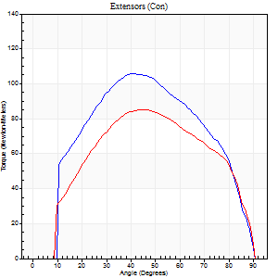
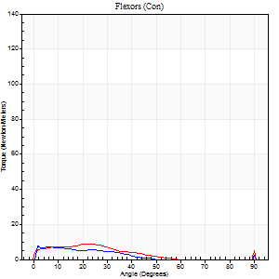
Right Side Curves Left Side Curves
Isokinetic Con/Con |  |  |  | Extensors (Con) |  | Flexors (Con)
Speed 120/120 d/s 3 Reps |  |  |  | Value | Cof Var | %BW | Value | Cof Var | %BW | Ratio

TORQUE PARAMETERS
Peak Torque (Newton-Meters - Best Repetition)
Right |  |  |  | 106 | 0.04 | 116 | 8 | 0.12 | 9 | 8
Left |  |  |  | 85 | 0.04 | 95 | 11 | 0.35 | 12 | 13
Deficit |  |  |  | 19 |  |  | 25
Work per Repetition (Newton-Meters - Best Repetition)
Right |  |  |  | 110 | 0.03 | 122 | 4 | 0.1 | 6 | 4
Left |  |  |  | 91 | 0.02 | 101 | 5 | 0.33 | 6 | 6
Deficit |  |  |  | 17 |  |  | 25
Average Power per Repetition (Watts - Best Repetition)
Right |  |  |  | 122 | 0.08 | 136 | 4 | 0.18 | 4 | 3
Left |  |  |  | 99 | 0.05 | 110 | 4 | 0.31 | 4 | 4
Deficit |  |  |  | 19 |  |  | 0
POSITION PARAMETERS
Joint Angle at Peak Torque (Degrees)
Right |  |  |  | 41 | 0.01 |  | 10 | 1.17
Left |  |  |  | 45 | 0.03 |  | 39 | 1.18
Range of Motion (Degrees)
Right |  |  |  | 1 | 0.79 |  | 90 | 0
Left |  |  |  | 0 | 0.28 |  | 90 | 0
TIME PARAMETERS
Time to Peak Torque (Seconds)
Right |  |  |  | 0.51 | 0.06 |  | 0.17 | 0.74
Left |  |  |  | 0.44 | 0.02 |  | 0.74 | 1.06
Time Peak Torque Held (Seconds)
Right |  |  |  | 0.02 | 0.69 |  | 0.01 | 1.15
Left |  |  |  | 0.03 | 1.08 |  | 0.03 | 1.73
Force Decay Time (Seconds)
Right |  |  |  | 0.39 | 0.05 |  | 0.95 | 0.24
Left |  |  |  | 0.44 | 0.09 |  | 0.63 | 1.15
Reciprocal Delay (Seconds)
Right |  |  |  | 0.48 | 0.15 |  | 0.16 | 0.35
Left |  |  |  | 0.5 | 0.08 |  | 0.31 | 0.1
Delay Time (Seconds)
Right |  |  |  | -0.06 | -0.24 |  | -0.03 | -1.48
Left |  |  |  | -0.02 | -0.28 |  | -0.08 | -0.25
HUMAC2015® Version: 15.000.0074 © Computer Sports Medicine, Inc. www.csmisolutions.com

Use File, Preference to set Report Heading
Long Form Torque vs. Position Report - Knee Extension/Flexion
Name: |  |  |  | TR030_FP3072, | ID: | TR030 | Right/Left: | 27.09.2023 27.09.2023
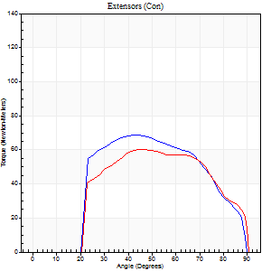
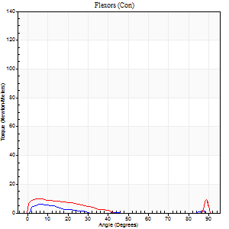
Right Side Curves Left Side Curves
Isokinetic Con/Con |  |  |  | Extensors (Con) |  | Flexors (Con)
Speed 240/240 d/s 3 Reps |  |  |  | Value | Cof Var | %BW | Value | Cof Var | %BW | Ratio

TORQUE PARAMETERS
Peak Torque (Newton-Meters - Best Repetition)
Right |  |  |  | 69 | 0.05 | 77 | 7 | 0.18 | 9 | 10
Left |  |  |  | 61 | 0.02 | 69 | 15 | 0.37 | 18 | 24
Deficit |  |  |  | 12 |  |  | 55
Work per Repetition (Newton-Meters - Best Repetition)
Right |  |  |  | 68 | 0.03 | 75 | 1 | 0.18 | 3 | 2
Left |  |  |  | 61 | 0.02 | 69 | 5 | 0.28 | 6 | 9
Deficit |  |  |  | 10 |  |  | 75
Average Power per Repetition (Watts - Best Repetition)
Right |  |  |  | 127 | 0.19 | 141 | 1 | 0.2 | 2 | 1
Left |  |  |  | 104 | 0.03 | 116 | 6 | 0.35 | 7 | 6
Deficit |  |  |  | 18 |  |  | 83
POSITION PARAMETERS
Joint Angle at Peak Torque (Degrees)
Right |  |  |  | 44 | 0.01 |  | 5 | 0.17
Left |  |  |  | 45 | 0.05 |  | 61 | 0.83
Range of Motion (Degrees)
Right |  |  |  | 2 | 0.08 |  | 90 | 0.01
Left |  |  |  | 0 | 0 |  | 90 | 0
TIME PARAMETERS
Time to Peak Torque (Seconds)
Right |  |  |  | 0.3 | 0.02 |  | 0.09 | 0.29
Left |  |  |  | 0.28 | 0.02 |  | 0.73 | 0.68
Time Peak Torque Held (Seconds)
Right |  |  |  | 0 | 1.73 |  | 0 | 1.73
Left |  |  |  | 0.01 | 0 |  | 0 | 0
Force Decay Time (Seconds)
Right |  |  |  | 0.23 | 0.07 |  | 1.15 | 0.13
Left |  |  |  | 0.29 | 0.04 |  | 0.22 | 2.32
Reciprocal Delay (Seconds)
Right |  |  |  | 0.55 | 0.06 |  | 0.07 | 0.21
Left |  |  |  | 0.99 | 0.05 |  | 0.37 | 0.23
Delay Time (Seconds)
Right |  |  |  | -0.04 | -0.2 |  | -0.01 | 0
Left |  |  |  | -0.02 | -0.28 |  | -0.06 | -0.24
HUMAC2015® Version: 15.000.0074 © Computer Sports Medicine, Inc. www.csmisolutions.com

Use File, Preference to set Report Heading
Isometric - Knee Extension/Flexion
Name: |  |  |  | TR030_FP3072, | ID: | TR030 | Right/Left: | 27.09.2023 27.09.2023

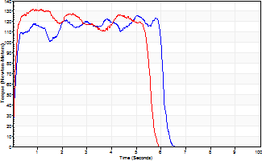
Isometric Extensors (Con) Angle 60 Time 10 Repetition 2 (Best Repetition)
 | Value | Cof Var | %BW
Peak Torque (Newton-Meters)
Right | 126 | 0.12 | 140
Left | 132 | 0 | 146
Deficit | 4
Average Torque (Newton-Meters)
Right | 69 | 0.11 | 77
Left | 66 | 0.05 | 75
Deficit | 4
Peak Torque Slope (Newton-Meters/Seconds)
Right | 28 | 0.07 | 31
Left | 143 | 0.16 | 159 |  | Right Side Curves Left Side Curves
Deficit | 81
Time to Half Peak Torque (Seconds)
Right | 0.09 | 0.22
Left | 0.08 | 0
Time to Peak Torque (Seconds)
Right | 4.43 | 0.18
Left | 1.02 | 0.16
HUMAC2015® Version: 15.000.0074 © Computer Sports Medicine, Inc. www.csmisolutions.com

pre2
Use File, Preference to set Report Heading
Long Form Torque vs. Position Report - Knee Extension/Flexion
Name: |  |  |  | TR030_FP3072, | ID: | TR030 | Right/Left: | 02.10.2023 02.10.2023
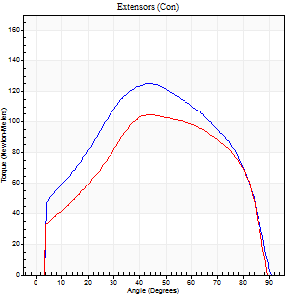
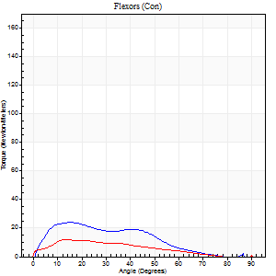
Right Side Curves Left Side Curves
Isokinetic Con/Con |  |  |  | Extensors (Con) |  | Flexors (Con)
Speed 60/60 d/s 3 Reps |  |  |  | Value | Cof Var | %BW | Value | Cof Var | %BW | Ratio

TORQUE PARAMETERS
Peak Torque (Newton-Meters - Best Repetition)
Right |  |  |  | 125 | 0.06 | 137 | 24 | 0.38 | 27 | 20
Left |  |  |  | 104 | 0.05 | 116 | 12 | 0.23 | 15 | 12
Deficit |  |  |  | 16 |  |  | 50
Work per Repetition (Newton-Meters - Best Repetition)
Right |  |  |  | 137 | 0.03 | 152 | 19 | 0.31 | 21 | 14
Left |  |  |  | 114 | 0.03 | 125 | 12 | 0.33 | 15 | 11
Deficit |  |  |  | 17 |  |  | 36
Average Power per Repetition (Watts - Best Repetition)
Right |  |  |  | 86 | 0.03 | 95 | 11 | 0.3 | 13 | 13
Left |  |  |  | 73 | 0.03 | 81 | 7 | 0.29 | 9 | 10
Deficit |  |  |  | 15 |  |  | 36
POSITION PARAMETERS
Joint Angle at Peak Torque (Degrees)
Right |  |  |  | 43 | 0.01 |  | 18 | 0.3
Left |  |  |  | 50 | 0.12 |  | 51 | 0.69
Range of Motion (Degrees)
Right |  |  |  | 0 | 0.71 |  | 90 | 0
Left |  |  |  | 0 | 1.41 |  | 90 | 0
TIME PARAMETERS
Time to Peak Torque (Seconds)
Right |  |  |  | 0.81 | 0.03 |  | 0.38 | 0.42
Left |  |  |  | 0.72 | 0.1 |  | 1.18 | 0.74
Time Peak Torque Held (Seconds)
Right |  |  |  | 0.05 | 0.45 |  | 0.06 | 0.6
Left |  |  |  | 0.09 | 0.51 |  | 0 | 0
Force Decay Time (Seconds)
Right |  |  |  | 0.71 | 0.03 |  | 1.18 | 0.18
Left |  |  |  | 0.79 | 0.06 |  | 0.62 | 1.41
Reciprocal Delay (Seconds)
Right |  |  |  | 0.31 | 0.07 |  | 0.35 | 0.47
Left |  |  |  | 0.58 | 0.13 |  | 0.42 | 0.14
Delay Time (Seconds)
Right |  |  |  | 0 | 0 |  | -0.02 | -2.27
Left |  |  |  | 0.01 | 1.41 |  | -0.08 | -0.6
HUMAC2015® Version: 15.000.0074 © Computer Sports Medicine, Inc. www.csmisolutions.com

Use File, Preference to set Report Heading
Long Form Torque vs. Position Report - Knee Extension/Flexion
Name: |  |  |  | TR030_FP3072, | ID: | TR030 | Right/Left: | 02.10.2023 02.10.2023
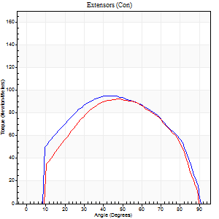
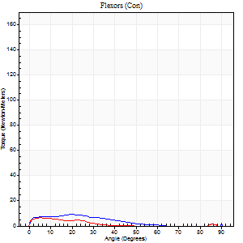
Right Side Curves Left Side Curves
Isokinetic Con/Con |  |  |  | Extensors (Con) |  | Flexors (Con)
Speed 120/120 d/s 3 Reps |  |  |  | Value | Cof Var | %BW | Value | Cof Var | %BW | Ratio

TORQUE PARAMETERS
Peak Torque (Newton-Meters - Best Repetition)
Right |  |  |  | 95 | 0.03 | 104 | 11 | 0.28 | 12 | 11
Left |  |  |  | 92 | 0.04 | 101 | 7 | 0.11 | 9 | 7
Deficit |  |  |  | 3 |  |  | 38
Work per Repetition (Newton-Meters - Best Repetition)
Right |  |  |  | 106 | 0.05 | 116 | 5 | 0.34 | 6 | 5
Left |  |  |  | 96 | 0.03 | 107 | 3 | 0.1 | 3 | 3
Deficit |  |  |  | 9 |  |  | 50
Average Power per Repetition (Watts - Best Repetition)
Right |  |  |  | 115 | 0.06 | 127 | 5 | 0.35 | 7 | 4
Left |  |  |  | 109 | 0.04 | 121 | 2 | 0.12 | 2 | 2
Deficit |  |  |  | 5 |  |  | 60
POSITION PARAMETERS
Joint Angle at Peak Torque (Degrees)
Right |  |  |  | 42 | 0.03 |  | 63 | 0.77
Left |  |  |  | 47 | 0.01 |  | 4 | 0.28
Range of Motion (Degrees)
Right |  |  |  | 0 | 1.41 |  | 90 | 0
Left |  |  |  | 0 | 0.47 |  | 90 | 0
TIME PARAMETERS
Time to Peak Torque (Seconds)
Right |  |  |  | 0.47 | 0.03 |  | 1.01 | 0.66
Left |  |  |  | 0.4 | 0.04 |  | 0.2 | 0.13
Time Peak Torque Held (Seconds)
Right |  |  |  | 0.03 | 0.33 |  | 0.03 | 1.05
Left |  |  |  | 0.02 | 0.5 |  | 0.08 | 0.45
Force Decay Time (Seconds)
Right |  |  |  | 0.43 | 0.05 |  | 0.1 | 6.7
Left |  |  |  | 0.47 | 0.03 |  | 1.11 | 0.17
Reciprocal Delay (Seconds)
Right |  |  |  | 0.6 | 0.09 |  | 0.32 | 0.22
Left |  |  |  | 0.58 | 0 |  | 0.45 | 0.2
Delay Time (Seconds)
Right |  |  |  | -0.02 | -0.28 |  | -0.03 | -0.88
Left |  |  |  | 0 | 0 |  | -0.08 | -0.25
HUMAC2015® Version: 15.000.0074 © Computer Sports Medicine, Inc. www.csmisolutions.com

Use File, Preference to set Report Heading
Long Form Torque vs. Position Report - Knee Extension/Flexion
Name: |  |  |  | TR030_FP3072, | ID: | TR030 | Right/Left: | 02.10.2023 02.10.2023
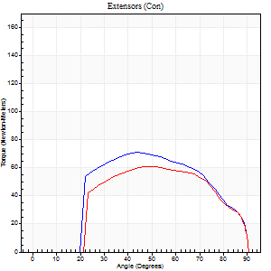
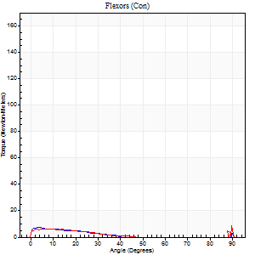
Right Side Curves Left Side Curves
Isokinetic Con/Con |  |  |  | Extensors (Con) |  | Flexors (Con)
Speed 240/240 d/s 3 Reps |  |  |  | Value | Cof Var | %BW | Value | Cof Var | %BW | Ratio

TORQUE PARAMETERS
Peak Torque (Newton-Meters - Best Repetition)
Right |  |  |  | 71 | 0.07 | 77 | 11 | 0.21 | 12 | 15
Left |  |  |  | 61 | 0.02 | 69 | 8 | 0.16 | 9 | 13
Deficit |  |  |  | 13 |  |  | 25
Work per Repetition (Newton-Meters - Best Repetition)
Right |  |  |  | 69 | 0.04 | 77 | 3 | 0.1 | 3 | 4
Left |  |  |  | 60 | 0.03 | 66 | 3 | 0.09 | 3 | 5
Deficit |  |  |  | 14 |  |  | 0
Average Power per Repetition (Watts - Best Repetition)
Right |  |  |  | 113 | 0.02 | 125 | 3 | 0.15 | 4 | 3
Left |  |  |  | 99 | 0.09 | 110 | 3 | 0.07 | 4 | 3
Deficit |  |  |  | 12 |  |  | 0
POSITION PARAMETERS
Joint Angle at Peak Torque (Degrees)
Right |  |  |  | 44 | 0.04 |  | 62 | 0.8
Left |  |  |  | 50 | 0.04 |  | 35 | 1.37
Range of Motion (Degrees)
Right |  |  |  | 0 | 0 |  | 90 | 0
Left |  |  |  | 0 | 0.47 |  | 90 | 0
TIME PARAMETERS
Time to Peak Torque (Seconds)
Right |  |  |  | 0.3 | 0.07 |  | 0.98 | 0.72
Left |  |  |  | 0.31 | 0.14 |  | 0.58 | 1.05
Time Peak Torque Held (Seconds)
Right |  |  |  | 0.01 | 0 |  | 0 | 0
Left |  |  |  | 0.01 | 1 |  | 0 | 0
Force Decay Time (Seconds)
Right |  |  |  | 0.28 | 0.04 |  | 0.08 | 9.98
Left |  |  |  | 0.31 | 0.07 |  | 0.58 | 0.87
Reciprocal Delay (Seconds)
Right |  |  |  | 0.61 | 0.16 |  | 0.4 | 0.18
Left |  |  |  | 0.73 | 0.17 |  | 0.37 | 0.21
Delay Time (Seconds)
Right |  |  |  | -0.04 | -0.2 |  | -0.04 | -0.25
Left |  |  |  | -0.06 | -0.47 |  | -0.07 | -0.08
HUMAC2015® Version: 15.000.0074 © Computer Sports Medicine, Inc. www.csmisolutions.com

Use File, Preference to set Report Heading
Isometric - Knee Extension/Flexion
Name: |  |  |  | TR030_FP3072, | ID: | TR030 | Right/Left: | 02.10.2023 02.10.2023

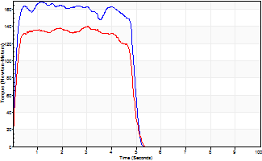
Isometric Extensors (Con) Angle 60 Time 10 Repetition 2 (Best Repetition)
 | Value | Cof Var | %BW
Peak Torque (Newton-Meters)
Right | 168 | 0.02 | 188
Left | 140 | 0.02 | 155
Deficit | 17
Average Torque (Newton-Meters)
Right | 79 | 0.01 | 86
Left | 65 | 0.02 | 72
Deficit | 17
Peak Torque Slope (Newton-Meters/Seconds)
Right | 148 | 0.58 | 164
Left | 46 | 0.08 | 51 |  | Right Side Curves Left Side Curves
Deficit | 69
Time to Half Peak Torque (Seconds)
Right | 0.1 | 0.14
Left | 0.13 | 0
Time to Peak Torque (Seconds)
Right | 1.88 | 0.56
Left | 3.16 | 0.06
HUMAC2015® Version: 15.000.0074 © Computer Sports Medicine, Inc. www.csmisolutions.com

mid1
Use File, Preference to set Report Heading
Long Form Torque vs. Position Report - Knee Extension/Flexion
Name: |  |  |  | TR030_FP3072, | ID: | TR030 | Right/Left: | 07.11.2023 07.11.2023
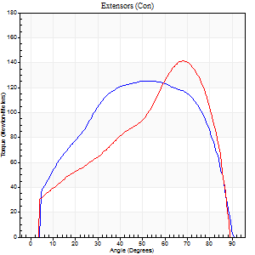
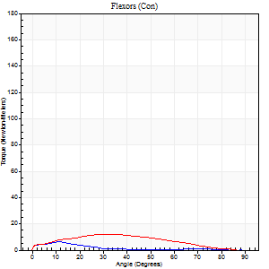
Right Side Curves Left Side Curves
Isokinetic Con/Con |  |  |  | Extensors (Con) |  | Flexors (Con)
Speed 60/60 d/s 3 Reps |  |  |  | Value | Cof Var | %BW | Value | Cof Var | %BW | Ratio

TORQUE PARAMETERS
Peak Torque (Newton-Meters - Best Repetition)
Right |  |  |  | 125 | 0.01 | 137 | 7 | 0.11 | 9 | 5
Left |  |  |  | 141 | 0.03 | 158 | 12 | 0.2 | 15 | 9
Deficit |  |  |  | 12 |  |  | 44
Work per Repetition (Newton-Meters - Best Repetition)
Right |  |  |  | 142 | 0.03 | 158 | 4 | 0.19 | 6 | 3
Left |  |  |  | 126 | 0.01 | 140 | 11 | 0.09 | 12 | 9
Deficit |  |  |  | 11 |  |  | 63
Average Power per Repetition (Watts - Best Repetition)
Right |  |  |  | 91 | 0.03 | 101 | 2 | 0.28 | 2 | 2
Left |  |  |  | 81 | 0 | 90 | 6 | 0.06 | 7 | 7
Deficit |  |  |  | 11 |  |  | 67
POSITION PARAMETERS
Joint Angle at Peak Torque (Degrees)
Right |  |  |  | 48 | 0.07 |  | 11 | 0.11
Left |  |  |  | 66 | 0.03 |  | 33 | 0.42
Range of Motion (Degrees)
Right |  |  |  | 0 | 0 |  | 90 | 0
Left |  |  |  | 0 | 0.28 |  | 90 | 0
TIME PARAMETERS
Time to Peak Torque (Seconds)
Right |  |  |  | 0.75 | 0.06 |  | 0.32 | 0.14
Left |  |  |  | 0.4 | 0.13 |  | 0.68 | 0.37
Time Peak Torque Held (Seconds)
Right |  |  |  | 0.05 | 0.35 |  | 0.53 | 1.7
Left |  |  |  | 0.04 | 0.42 |  | 0.05 | 1.4
Force Decay Time (Seconds)
Right |  |  |  | 0.78 | 0.04 |  | 0.9 | 1.01
Left |  |  |  | 1.11 | 0.05 |  | 0.94 | 0.3
Reciprocal Delay (Seconds)
Right |  |  |  | 0.39 | 0.16 |  | 0.49 | 0.07
Left |  |  |  | 0.41 | 0.12 |  | 0.37 | 0.08
Delay Time (Seconds)
Right |  |  |  | 0 | 0 |  | -0.06 | -0.18
Left |  |  |  | 0.03 | 0 |  | -0.06 | -0.17
HUMAC2015® Version: 15.000.0074 © Computer Sports Medicine, Inc. www.csmisolutions.com

Use File, Preference to set Report Heading
Long Form Torque vs. Position Report - Knee Extension/Flexion
Name: |  |  |  | TR030_FP3072, | ID: | TR030 | Right/Left: | 07.11.2023 07.11.2023
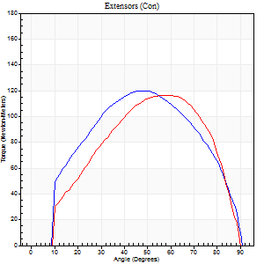
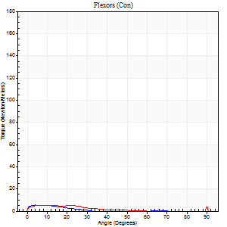
Right Side Curves Left Side Curves
Isokinetic Con/Con |  |  |  | Extensors (Con) |  | Flexors (Con)
Speed 120/120 d/s 3 Reps |  |  |  | Value | Cof Var | %BW | Value | Cof Var | %BW | Ratio

TORQUE PARAMETERS
Peak Torque (Newton-Meters - Best Repetition)
Right |  |  |  | 119 | 0.01 | 131 | 5 | 0.15 | 6 | 5
Left |  |  |  | 117 | 0.03 | 128 | 27 | 0.89 | 30 | 23
Deficit |  |  |  | 2 |  |  | 80
Work per Repetition (Newton-Meters - Best Repetition)
Right |  |  |  | 126 | 0.01 | 140 | 1 | 0.19 | 3 | 1
Left |  |  |  | 115 | 0.03 | 128 | 3 | 0.34 | 3 | 2
Deficit |  |  |  | 9 |  |  | 50
Average Power per Repetition (Watts - Best Repetition)
Right |  |  |  | 151 | 0.03 | 167 | 2 | 0.33 | 2 | 1
Left |  |  |  | 131 | 0.04 | 145 | 2 | 0.37 | 2 | 2
Deficit |  |  |  | 13 |  |  | 0
POSITION PARAMETERS
Joint Angle at Peak Torque (Degrees)
Right |  |  |  | 46 | 0.07 |  | 6 | 0.32
Left |  |  |  | 59 | 0 |  | 62 | 0.8
Range of Motion (Degrees)
Right |  |  |  | 1 | 1.13 |  | 90 | 0
Left |  |  |  | 1 | 0.92 |  | 90 | 0
TIME PARAMETERS
Time to Peak Torque (Seconds)
Right |  |  |  | 0.41 | 0.09 |  | 0.17 | 0.19
Left |  |  |  | 0.3 | 0.02 |  | 1.04 | 0.67
Time Peak Torque Held (Seconds)
Right |  |  |  | 0.02 | 0.25 |  | 0.04 | 1.73
Left |  |  |  | 0.05 | 0.25 |  | 0 | 0
Force Decay Time (Seconds)
Right |  |  |  | 0.4 | 0.02 |  | 1.23 | 0.2
Left |  |  |  | 0.52 | 0.05 |  | 0.26 | 2.85
Reciprocal Delay (Seconds)
Right |  |  |  | 0.39 | 0.05 |  | 0.22 | 0.58
Left |  |  |  | 0.33 | 0 |  | 0.21 | 0.11
Delay Time (Seconds)
Right |  |  |  | 0 | -1.41 |  | 0.03 | 2.66
Left |  |  |  | 0 | 0 |  | -0.07 | -0.31
HUMAC2015® Version: 15.000.0074 © Computer Sports Medicine, Inc. www.csmisolutions.com

Use File, Preference to set Report Heading
Long Form Torque vs. Position Report - Knee Extension/Flexion
Name: |  |  |  | TR030_FP3072, | ID: | TR030 | Right/Left: | 07.11.2023 07.11.2023
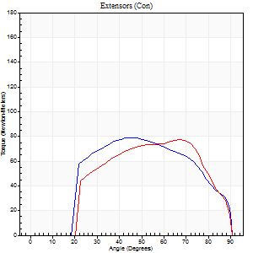

Right Side Curves Left Side Curves
Isokinetic Con/Con |  |  |  | Extensors (Con) |  | Flexors (Con)
Speed 240/240 d/s 3 Reps |  |  |  | Value | Cof Var | %BW | Value | Cof Var | %BW | Ratio

TORQUE PARAMETERS
Peak Torque (Newton-Meters - Best Repetition)
Right |  |  |  | 79 | 0.07 | 86 | 12 | 0.36 | 15 | 16
Left |  |  |  | 77 | 0.04 | 86 | 12 | 0.45 | 15 | 16
Deficit |  |  |  | 2 |  |  | 0
Work per Repetition (Newton-Meters - Best Repetition)
Right |  |  |  | 79 | 0.06 | 86 | 3 | 0.11 | 3 | 3
Left |  |  |  | 73 | 0.03 | 80 | 3 | 0.16 | 3 | 4
Deficit |  |  |  | 7 |  |  | 0
Average Power per Repetition (Watts - Best Repetition)
Right |  |  |  | 142 | 0.09 | 158 | 2 | 0.11 | 2 | 1
Left |  |  |  | 132 | 0.03 | 147 | 2 | 0.22 | 2 | 2
Deficit |  |  |  | 7 |  |  | 0
POSITION PARAMETERS
Joint Angle at Peak Torque (Degrees)
Right |  |  |  | 43 | 0.05 |  | 61 | 0.82
Left |  |  |  | 68 | 0.01 |  | 40 | 1.11
Range of Motion (Degrees)
Right |  |  |  | 1 | 1.03 |  | 90 | 0
Left |  |  |  | 0 | 0 |  | 90 | 0
TIME PARAMETERS
Time to Peak Torque (Seconds)
Right |  |  |  | 0.29 | 0.05 |  | 0.99 | 0.74
Left |  |  |  | 0.16 | 0.04 |  | 0.73 | 0.92
Time Peak Torque Held (Seconds)
Right |  |  |  | 0.01 | 0.43 |  | 0 | 0
Left |  |  |  | 0 | 1.73 |  | 0 | 0
Force Decay Time (Seconds)
Right |  |  |  | 0.26 | 0.1 |  | 0.14 | 5.18
Left |  |  |  | 0.38 | 0.02 |  | 0.48 | 1.24
Reciprocal Delay (Seconds)
Right |  |  |  | 0.57 | 0.04 |  | 0.22 | 0.36
Left |  |  |  | 0.46 | 0.12 |  | 0.28 | 0.35
Delay Time (Seconds)
Right |  |  |  | -0.03 | 0 |  | -0.04 | -0.67
Left |  |  |  | -0.02 | -0.71 |  | -0.1 | -0.16
HUMAC2015® Version: 15.000.0074 © Computer Sports Medicine, Inc. www.csmisolutions.com

Use File, Preference to set Report Heading
Isometric - Knee Extension/Flexion
Name: |  |  |  | TR030_FP3072, | ID: | TR030 | Right/Left: | 07.11.2023 07.11.2023

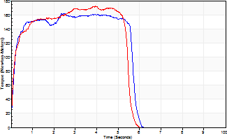
Isometric Extensors (Con) Angle 60 Time 10 Repetition 2 (Best Repetition)
 | Value | Cof Var | %BW
Peak Torque (Newton-Meters)
Right | 161 | 0.08 | 179
Left | 172 | 0.01 | 191
Deficit | 6
Average Torque (Newton-Meters)
Right | 85 | 0.09 | 95
Left | 85 | 0.01 | 95
Deficit | 0
Peak Torque Slope (Newton-Meters/Seconds)
Right | 66 | 0.33 | 73
Left | 44 | 0.16 | 48 |  | Right Side Curves Left Side Curves
Deficit | 34
Time to Half Peak Torque (Seconds)
Right | 0.15 | 0.05
Left | 0.16 | 0.14
Time to Peak Torque (Seconds)
Right | 3.01 | 0.26
Left | 4.44 | 0.16
HUMAC2015® Version: 15.000.0074 © Computer Sports Medicine, Inc. www.csmisolutions.com

mid2
Use File, Preference to set Report Heading
Long Form Torque vs. Position Report - Knee Extension/Flexion
Name: |  |  |  | TR030_FP3072, | ID: | TR030 | Right/Left: | 09.11.2023 09.11.2023
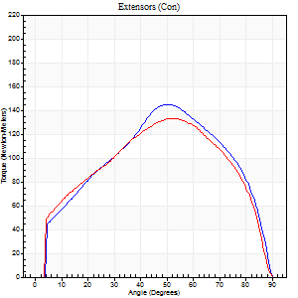
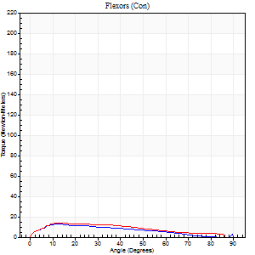
Right Side Curves Left Side Curves
Isokinetic Con/Con |  |  |  | Extensors (Con) |  | Flexors (Con)
Speed 60/60 d/s 3 Reps |  |  |  | Value | Cof Var | %BW | Value | Cof Var | %BW | Ratio

TORQUE PARAMETERS
Peak Torque (Newton-Meters - Best Repetition)
Right |  |  |  | 145 | 0.05 | 161 | 12 | 0.1 | 15 | 8
Left |  |  |  | 133 | 0.04 | 146 | 14 | 0.17 | 15 | 10
Deficit |  |  |  | 8 |  |  | 10
Work per Repetition (Newton-Meters - Best Repetition)
Right |  |  |  | 149 | 0.04 | 167 | 11 | 0.05 | 12 | 7
Left |  |  |  | 144 | 0.04 | 161 | 12 | 0.2 | 15 | 8
Deficit |  |  |  | 4 |  |  | 11
Average Power per Repetition (Watts - Best Repetition)
Right |  |  |  | 96 | 0.13 | 105 | 6 | 0.08 | 7 | 6
Left |  |  |  | 92 | 0.04 | 101 | 9 | 0.22 | 11 | 10
Deficit |  |  |  | 4 |  |  | 33
POSITION PARAMETERS
Joint Angle at Peak Torque (Degrees)
Right |  |  |  | 51 | 0.02 |  | 17 | 0.37
Left |  |  |  | 53 | 0.04 |  | 18 | 0.38
Range of Motion (Degrees)
Right |  |  |  | 0 | 0.13 |  | 90 | 0
Left |  |  |  | 0 | 0 |  | 90 | 0
TIME PARAMETERS
Time to Peak Torque (Seconds)
Right |  |  |  | 0.68 | 0.02 |  | 0.33 | 0.33
Left |  |  |  | 0.65 | 0.02 |  | 0.34 | 0.28
Time Peak Torque Held (Seconds)
Right |  |  |  | 0.05 | 0.25 |  | 0.01 | 1.73
Left |  |  |  | 0.04 | 0.35 |  | 0 | 0
Force Decay Time (Seconds)
Right |  |  |  | 0.83 | 0.02 |  | 1.26 | 0.15
Left |  |  |  | 0.87 | 0.01 |  | 1.2 | 0.06
Reciprocal Delay (Seconds)
Right |  |  |  | 0.16 | 0.35 |  | 0.26 | 0.1
Left |  |  |  | 0.16 | 0.21 |  | 0.2 | 0.5
Delay Time (Seconds)
Right |  |  |  | -0.01 | -0.47 |  | -0.01 | -1.73
Left |  |  |  | 0 | -1.41 |  | -0.01 | -3.77
HUMAC2015® Version: 15.000.0074 © Computer Sports Medicine, Inc. www.csmisolutions.com

Use File, Preference to set Report Heading
Long Form Torque vs. Position Report - Knee Extension/Flexion
Name: |  |  |  | TR030_FP3072, | ID: | TR030 | Right/Left: | 09.11.2023 09.11.2023
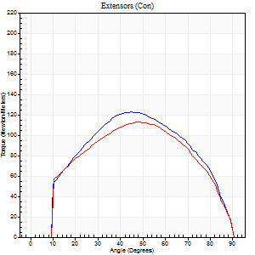

Right Side Curves Left Side Curves
Isokinetic Con/Con |  |  |  | Extensors (Con) |  | Flexors (Con)
Speed 120/120 d/s 3 Reps |  |  |  | Value | Cof Var | %BW | Value | Cof Var | %BW | Ratio

TORQUE PARAMETERS
Peak Torque (Newton-Meters - Best Repetition)
Right |  |  |  | 122 | 0.01 | 134 | 5 | 0.05 | 6 | 4
Left |  |  |  | 113 | 0.01 | 125 | 7 | 0.1 | 9 | 6
Deficit |  |  |  | 8 |  |  | 20
Work per Repetition (Newton-Meters - Best Repetition)
Right |  |  |  | 127 | 0.02 | 140 | 3 | 0.06 | 3 | 2
Left |  |  |  | 119 | 0.01 | 131 | 4 | 0.29 | 6 | 3
Deficit |  |  |  | 6 |  |  | 33
Average Power per Repetition (Watts - Best Repetition)
Right |  |  |  | 151 | 0.03 | 167 | 2 | 0.09 | 2 | 1
Left |  |  |  | 130 | 0.01 | 145 | 3 | 0.32 | 4 | 2
Deficit |  |  |  | 14 |  |  | 33
POSITION PARAMETERS
Joint Angle at Peak Torque (Degrees)
Right |  |  |  | 46 | 0.04 |  | 11 | 0.18
Left |  |  |  | 48 | 0.03 |  | 38 | 1.19
Range of Motion (Degrees)
Right |  |  |  | 1 | 0 |  | 90 | 0
Left |  |  |  | 0 | 0.28 |  | 90 | 0
TIME PARAMETERS
Time to Peak Torque (Seconds)
Right |  |  |  | 0.44 | 0 |  | 0.2 | 0.11
Left |  |  |  | 0.41 | 0.02 |  | 0.54 | 0.98
Time Peak Torque Held (Seconds)
Right |  |  |  | 0.02 | 0.25 |  | 0.02 | 0.25
Left |  |  |  | 0.02 | 0.35 |  | 0.32 | 1.41
Force Decay Time (Seconds)
Right |  |  |  | 0.38 | 0.07 |  | 0.86 | 0.06
Left |  |  |  | 0.47 | 0.02 |  | 0.31 | 1.85
Reciprocal Delay (Seconds)
Right |  |  |  | 0.25 | 0.09 |  | 0.11 | 0.1
Left |  |  |  | 0.19 | 0.22 |  | 0.19 | 0.21
Delay Time (Seconds)
Right |  |  |  | -0.04 | -0.2 |  | 0.04 | 0.13
Left |  |  |  | -0.02 | 0 |  | -0.05 | -0.35
HUMAC2015® Version: 15.000.0074 © Computer Sports Medicine, Inc. www.csmisolutions.com

Use File, Preference to set Report Heading
Long Form Torque vs. Position Report - Knee Extension/Flexion
Name: |  |  |  | TR030_FP3072, | ID: | TR030 | Right/Left: | 09.11.2023 09.11.2023
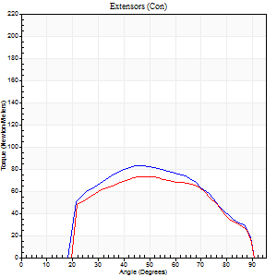
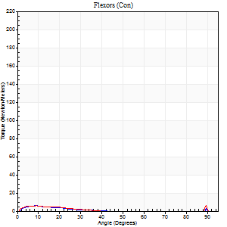
Right Side Curves Left Side Curves
Isokinetic Con/Con |  |  |  | Extensors (Con) |  | Flexors (Con)
Speed 240/240 d/s 3 Reps |  |  |  | Value | Cof Var | %BW | Value | Cof Var | %BW | Ratio

TORQUE PARAMETERS
Peak Torque (Newton-Meters - Best Repetition)
Right |  |  |  | 83 | 0.02 | 92 | 5 | 0.1 | 6 | 7
Left |  |  |  | 73 | 0.04 | 80 | 5 | 0.05 | 6 | 7
Deficit |  |  |  | 11 |  |  | 0
Work per Repetition (Newton-Meters - Best Repetition)
Right |  |  |  | 79 | 0.02 | 86 | 3 | 0.23 | 3 | 3
Left |  |  |  | 71 | 0.07 | 77 | 3 | 0.04 | 3 | 4
Deficit |  |  |  | 10 |  |  | 0
Average Power per Repetition (Watts - Best Repetition)
Right |  |  |  | 152 | 0.04 | 169 | 3 | 0.48 | 4 | 2
Left |  |  |  | 130 | 0.08 | 145 | 2 | 0.1 | 2 | 2
Deficit |  |  |  | 14 |  |  | 33
POSITION PARAMETERS
Joint Angle at Peak Torque (Degrees)
Right |  |  |  | 47 | 0.05 |  | 7 | 0.27
Left |  |  |  | 51 | 0.06 |  | 8 | 0.3
Range of Motion (Degrees)
Right |  |  |  | 2 | 0.05 |  | 90 | 0
Left |  |  |  | 1 | 0.44 |  | 90 | 0
TIME PARAMETERS
Time to Peak Torque (Seconds)
Right |  |  |  | 0.29 | 0.05 |  | 0.1 | 0.24
Left |  |  |  | 0.26 | 0.03 |  | 0.17 | 0.41
Time Peak Torque Held (Seconds)
Right |  |  |  | 0.01 | 0.43 |  | 0 | 1.73
Left |  |  |  | 0 | 1.73 |  | 0.03 | 1.2
Force Decay Time (Seconds)
Right |  |  |  | 0.22 | 0.07 |  | 1.09 | 0.41
Left |  |  |  | 0.27 | 0.02 |  | 0.84 | 0.17
Reciprocal Delay (Seconds)
Right |  |  |  | 0.18 | 0.08 |  | 0.06 | 0.1
Left |  |  |  | 0.22 | 0.22 |  | 0.08 | 0.39
Delay Time (Seconds)
Right |  |  |  | -0.05 | -0.16 |  | -0.02 | -0.35
Left |  |  |  | -0.04 | -0.35 |  | -0.04 | -0.31
HUMAC2015® Version: 15.000.0074 © Computer Sports Medicine, Inc. www.csmisolutions.com

Use File, Preference to set Report Heading
Isometric - Knee Extension/Flexion
Name: |  |  |  | TR030_FP3072, | ID: | TR030 | Right/Left: | 09.11.2023 09.11.2023

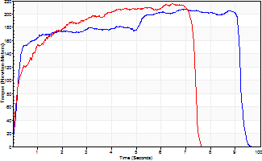
Isometric Extensors (Con) Angle 60 Time 10 Repetition 2 (Best Repetition)
 | Value | Cof Var | %BW
Peak Torque (Newton-Meters)
Right | 207 | 0 | 229
Left | 216 | 0.02 | 238
Deficit | 4
Average Torque (Newton-Meters)
Right | 168 | 0.03 | 188
Left | 137 | 0.07 | 152
Deficit | 19
Peak Torque Slope (Newton-Meters/Seconds)
Right | 29 | 0.01 | 33
Left | 33 | 0.02 | 37 |  | Right Side Curves Left Side Curves
Deficit | 12
Time to Half Peak Torque (Seconds)
Right | 0.22 | 0.1
Left | 0.28 | 0.18
Time to Peak Torque (Seconds)
Right | 7.07 | 0.01
Left | 6.45 | 0
HUMAC2015® Version: 15.000.0074 © Computer Sports Medicine, Inc. www.csmisolutions.com

post1
Use File, Preference to set Report Heading
Long Form Torque vs. Position Report - Knee Extension/Flexion
Name: |  |  |  | TR030_FP3072, | ID: | TR030 | Right/Left: | 04.12.2023 04.12.2023
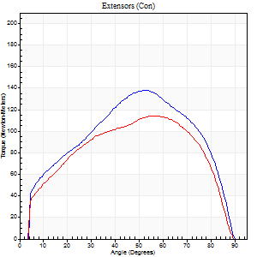
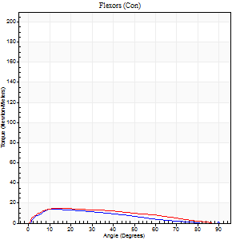
Right Side Curves Left Side Curves
Isokinetic Con/Con |  |  |  | Extensors (Con) |  | Flexors (Con)
Speed 60/60 d/s 3 Reps |  |  |  | Value | Cof Var | %BW | Value | Cof Var | %BW | Ratio

TORQUE PARAMETERS
Peak Torque (Newton-Meters - Best Repetition)
Right |  |  |  | 138 | 0.08 | 155 | 14 | 0.21 | 15 | 10
Left |  |  |  | 114 | 0.13 | 125 | 15 | 0.18 | 18 | 13
Deficit |  |  |  | 18 |  |  | 9
Work per Repetition (Newton-Meters - Best Repetition)
Right |  |  |  | 148 | 0.06 | 164 | 11 | 0.08 | 12 | 7
Left |  |  |  | 125 | 0.07 | 137 | 14 | 0.2 | 15 | 11
Deficit |  |  |  | 16 |  |  | 20
Average Power per Repetition (Watts - Best Repetition)
Right |  |  |  | 96 | 0.08 | 105 | 7 | 0.04 | 9 | 7
Left |  |  |  | 82 | 0.08 | 90 | 9 | 0.2 | 11 | 11
Deficit |  |  |  | 15 |  |  | 22
POSITION PARAMETERS
Joint Angle at Peak Torque (Degrees)
Right |  |  |  | 52 | 0.03 |  | 13 | 0.1
Left |  |  |  | 64 | 0.12 |  | 18 | 0.28
Range of Motion (Degrees)
Right |  |  |  | 1 | 0.06 |  | 90 | 0
Left |  |  |  | 0 | 0.28 |  | 90 | 0
TIME PARAMETERS
Time to Peak Torque (Seconds)
Right |  |  |  | 0.67 | 0.06 |  | 0.22 | 0.05
Left |  |  |  | 0.52 | 0.11 |  | 0.35 | 0.26
Time Peak Torque Held (Seconds)
Right |  |  |  | 0.06 | 0.27 |  | 0.03 | 1.25
Left |  |  |  | 0.12 | 0.72 |  | 0.11 | 0.42
Force Decay Time (Seconds)
Right |  |  |  | 0.82 | 0.04 |  | 1.28 | 0.1
Left |  |  |  | 0.96 | 0.06 |  | 1.09 | 0.07
Reciprocal Delay (Seconds)
Right |  |  |  | 0.12 | 0.68 |  | 0.15 | 0.31
Left |  |  |  | 0.11 | 0.06 |  | 0.17 | 0.09
Delay Time (Seconds)
Right |  |  |  | -0.01 | -0.47 |  | 0.05 | 0.81
Left |  |  |  | 0 | -1.41 |  | -0.01 | -0.43
HUMAC2015® Version: 15.000.0074 © Computer Sports Medicine, Inc. www.csmisolutions.com

Use File, Preference to set Report Heading
Long Form Torque vs. Position Report - Knee Extension/Flexion
Name: |  |  |  | TR030_FP3072, | ID: | TR030 | Right/Left: | 04.12.2023 04.12.2023
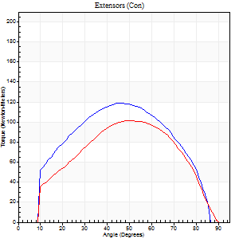
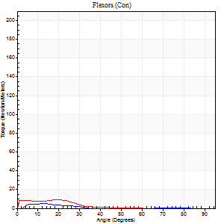
Right Side Curves Left Side Curves
Isokinetic Con/Con |  |  |  | Extensors (Con) |  | Flexors (Con)
Speed 120/120 d/s 3 Reps |  |  |  | Value | Cof Var | %BW | Value | Cof Var | %BW | Ratio

TORQUE PARAMETERS
Peak Torque (Newton-Meters - Best Repetition)
Right |  |  |  | 119 | 0.11 | 131 | 5 | 0.12 | 6 | 5
Left |  |  |  | 102 | 0.06 | 113 | 9 | 0.35 | 12 | 9
Deficit |  |  |  | 15 |  |  | 43
Work per Repetition (Newton-Meters - Best Repetition)
Right |  |  |  | 119 | 0.12 | 131 | 1 | 0.2 | 3 | 1
Left |  |  |  | 103 | 0.03 | 113 | 4 | 0.53 | 6 | 4
Deficit |  |  |  | 14 |  |  | 67
Average Power per Repetition (Watts - Best Repetition)
Right |  |  |  | 152 | 0.18 | 169 | 2 | 0.18 | 2 | 1
Left |  |  |  | 122 | 0.07 | 136 | 4 | 0.55 | 4 | 3
Deficit |  |  |  | 20 |  |  | 50
POSITION PARAMETERS
Joint Angle at Peak Torque (Degrees)
Right |  |  |  | 49 | 0.06 |  | 11 | 0.26
Left |  |  |  | 48 | 0.03 |  | 11 | 0.61
Range of Motion (Degrees)
Right |  |  |  | 1 | 0.03 |  | 89 | 0.03
Left |  |  |  | 1 | 0.23 |  | 90 | 0
TIME PARAMETERS
Time to Peak Torque (Seconds)
Right |  |  |  | 0.39 | 0.04 |  | 0.14 | 0.26
Left |  |  |  | 0.43 | 0.03 |  | 0.21 | 0.53
Time Peak Torque Held (Seconds)
Right |  |  |  | 0.03 | 0.17 |  | 0.01 | 1.15
Left |  |  |  | 0.02 | 0.99 |  | 0.01 | 1.73
Force Decay Time (Seconds)
Right |  |  |  | 0.39 | 0.05 |  | 0.96 | 0.09
Left |  |  |  | 0.42 | 0.12 |  | 0.9 | 0.16
Reciprocal Delay (Seconds)
Right |  |  |  | 0.05 | 0.39 |  | 0.08 | 0.15
Left |  |  |  | 0.13 | 0 |  | 0.13 | 0.41
Delay Time (Seconds)
Right |  |  |  | -0.02 | -0.28 |  | 0.03 | 0.46
Left |  |  |  | -0.02 | 0 |  | -0.04 | -1.15
HUMAC2015® Version: 15.000.0074 © Computer Sports Medicine, Inc. www.csmisolutions.com

Use File, Preference to set Report Heading
Long Form Torque vs. Position Report - Knee Extension/Flexion
Name: |  |  |  | TR030_FP3072, | ID: | TR030 | Right/Left: | 04.12.2023 04.12.2023
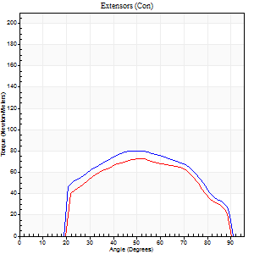
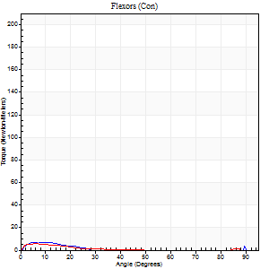
Right Side Curves Left Side Curves
Isokinetic Con/Con |  |  |  | Extensors (Con) |  | Flexors (Con)
Speed 240/240 d/s 3 Reps |  |  |  | Value | Cof Var | %BW | Value | Cof Var | %BW | Ratio

TORQUE PARAMETERS
Peak Torque (Newton-Meters - Best Repetition)
Right |  |  |  | 80 | 0.03 | 89 | 7 | 0.12 | 9 | 8
Left |  |  |  | 73 | 0.05 | 80 | 5 | 0.1 | 6 | 7
Deficit |  |  |  | 8 |  |  | 20
Work per Repetition (Newton-Meters - Best Repetition)
Right |  |  |  | 77 | 0.04 | 86 | 3 | 0.13 | 3 | 4
Left |  |  |  | 69 | 0.05 | 77 | 3 | 0.06 | 3 | 4
Deficit |  |  |  | 11 |  |  | 0
Average Power per Repetition (Watts - Best Repetition)
Right |  |  |  | 141 | 0.05 | 156 | 2 | 0.21 | 2 | 1
Left |  |  |  | 122 | 0.06 | 136 | 2 | 0.08 | 2 | 2
Deficit |  |  |  | 13 |  |  | 0
POSITION PARAMETERS
Joint Angle at Peak Torque (Degrees)
Right |  |  |  | 50 | 0.02 |  | 6 | 0.53
Left |  |  |  | 51 | 0.02 |  | 7 | 0.28
Range of Motion (Degrees)
Right |  |  |  | 1 | 0.2 |  | 90 | 0
Left |  |  |  | 1 | 0.34 |  | 90 | 0
TIME PARAMETERS
Time to Peak Torque (Seconds)
Right |  |  |  | 0.28 | 0.03 |  | 0.13 | 0.27
Left |  |  |  | 0.26 | 0 |  | 0.22 | 0.16
Time Peak Torque Held (Seconds)
Right |  |  |  | 0.01 | 0 |  | 0.04 | 1.18
Left |  |  |  | 0.01 | 1.73 |  | 0 | 0
Force Decay Time (Seconds)
Right |  |  |  | 0.26 | 0.02 |  | 0.91 | 0.13
Left |  |  |  | 0.28 | 0.06 |  | 0.9 | 0.11
Reciprocal Delay (Seconds)
Right |  |  |  | 0.12 | 0 |  | 0.08 | 0.08
Left |  |  |  | 0.2 | 0.14 |  | 0.12 | 0.25
Delay Time (Seconds)
Right |  |  |  | -0.04 | -0.35 |  | -0.03 | -0.22
Left |  |  |  | -0.04 | -0.2 |  | -0.07 | -0.21
HUMAC2015® Version: 15.000.0074 © Computer Sports Medicine, Inc. www.csmisolutions.com

Use File, Preference to set Report Heading
Isometric - Knee Extension/Flexion
Name: |  |  |  | TR030_FP3072, | ID: | TR030 | Right/Left: | 04.12.2023 04.12.2023

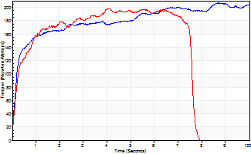
Isometric Extensors (Con) Angle 60 Time 10 Repetition 2 (Best Repetition)
 | Value | Cof Var | %BW
Peak Torque (Newton-Meters)
Right | 206 | 0.03 | 229
Left | 198 | 0.02 | 221
Deficit | 4
Average Torque (Newton-Meters)
Right | 179 | 0.25 | 200
Left | 148 | 0.07 | 164
Deficit | 17
Peak Torque Slope (Newton-Meters/Seconds)
Right | 50 | 0.5 | 55
Left | 49 | 0.37 | 54 |  | Right Side Curves Left Side Curves
Deficit | 1
Time to Half Peak Torque (Seconds)
Right | 0.22 | 0.13
Left | 0.24 | 0.06
Time to Peak Torque (Seconds)
Right | 6.34 | 0.52
Left | 5.39 | 0.36
HUMAC2015® Version: 15.000.0074 © Computer Sports Medicine, Inc. www.csmisolutions.com

post2
Use File, Preference to set Report Heading
Long Form Torque vs. Position Report - Knee Extension/Flexion
Name: |  |  |  | TR030_FP3072, | ID: | TR030 | Right/Left: | 07.12.2023 07.12.2023
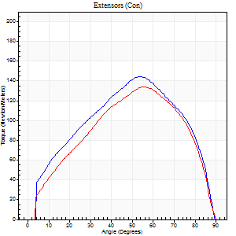
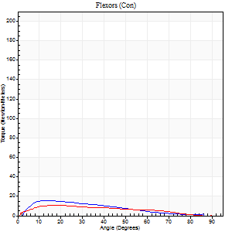
Right Side Curves Left Side Curves
Isokinetic Con/Con |  |  |  | Extensors (Con) |  | Flexors (Con)
Speed 60/60 d/s 3 Reps |  |  |  | Value | Cof Var | %BW | Value | Cof Var | %BW | Ratio

TORQUE PARAMETERS
Peak Torque (Newton-Meters - Best Repetition)
Right |  |  |  | 145 | 0.03 | 161 | 16 | 0.28 | 18 | 11
Left |  |  |  | 134 | 0.06 | 149 | 11 | 0.15 | 12 | 8
Deficit |  |  |  | 7 |  |  | 33
Work per Repetition (Newton-Meters - Best Repetition)
Right |  |  |  | 149 | 0.01 | 167 | 12 | 0.21 | 15 | 8
Left |  |  |  | 134 | 0.04 | 149 | 9 | 0.14 | 12 | 7
Deficit |  |  |  | 10 |  |  | 22
Average Power per Repetition (Watts - Best Repetition)
Right |  |  |  | 97 | 0.01 | 108 | 8 | 0.18 | 9 | 8
Left |  |  |  | 86 | 0.04 | 95 | 6 | 0.14 | 7 | 7
Deficit |  |  |  | 11 |  |  | 25
POSITION PARAMETERS
Joint Angle at Peak Torque (Degrees)
Right |  |  |  | 54 | 0.01 |  | 21 | 0.65
Left |  |  |  | 54 | 0.05 |  | 28 | 0.32
Range of Motion (Degrees)
Right |  |  |  | 1 | 0.06 |  | 90 | 0
Left |  |  |  | 0 | 0.28 |  | 90 | 0
TIME PARAMETERS
Time to Peak Torque (Seconds)
Right |  |  |  | 0.61 | 0.01 |  | 0.34 | 0.63
Left |  |  |  | 0.59 | 0.02 |  | 0.54 | 0.32
Time Peak Torque Held (Seconds)
Right |  |  |  | 0.05 | 0.25 |  | 0.04 | 0.83
Left |  |  |  | 0.04 | 0.27 |  | 0 | 0
Force Decay Time (Seconds)
Right |  |  |  | 0.87 | 0.02 |  | 1.11 | 0.23
Left |  |  |  | 0.88 | 0.04 |  | 1.03 | 0.17
Reciprocal Delay (Seconds)
Right |  |  |  | 0.06 | 0.11 |  | 0.12 | 0.47
Left |  |  |  | 0.14 | 0.15 |  | 0.14 | 0.34
Delay Time (Seconds)
Right |  |  |  | 0 | -1.41 |  | 0.03 | 1.05
Left |  |  |  | -0.01 | -0.47 |  | -0.02 | -1.73
HUMAC2015® Version: 15.000.0074 © Computer Sports Medicine, Inc. www.csmisolutions.com

Use File, Preference to set Report Heading
Long Form Torque vs. Position Report - Knee Extension/Flexion
Name: |  |  |  | TR030_FP3072, | ID: | TR030 | Right/Left: | 07.12.2023 07.12.2023
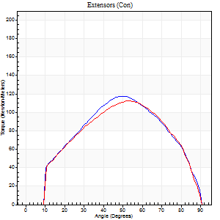
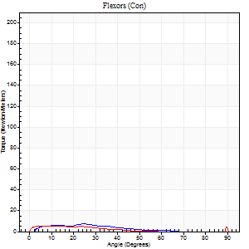
Right Side Curves Left Side Curves
Isokinetic Con/Con |  |  |  | Extensors (Con) |  | Flexors (Con)
Speed 120/120 d/s 3 Reps |  |  |  | Value | Cof Var | %BW | Value | Cof Var | %BW | Ratio

TORQUE PARAMETERS
Peak Torque (Newton-Meters - Best Repetition)
Right |  |  |  | 118 | 0.03 | 131 | 7 | 0.1 | 9 | 6
Left |  |  |  | 113 | 0.07 | 125 | 5 | 0.03 | 6 | 5
Deficit |  |  |  | 5 |  |  | 20
Work per Repetition (Newton-Meters - Best Repetition)
Right |  |  |  | 117 | 0.02 | 128 | 4 | 0.2 | 6 | 3
Left |  |  |  | 114 | 0.08 | 125 | 3 | 0.23 | 3 | 2
Deficit |  |  |  | 2 |  |  | 33
Average Power per Repetition (Watts - Best Repetition)
Right |  |  |  | 138 | 0.04 | 154 | 5 | 0.22 | 7 | 4
Left |  |  |  | 129 | 0.09 | 143 | 3 | 0.3 | 4 | 2
Deficit |  |  |  | 7 |  |  | 40
POSITION PARAMETERS
Joint Angle at Peak Torque (Degrees)
Right |  |  |  | 50 | 0.09 |  | 14 | 0.68
Left |  |  |  | 52 | 0.05 |  | 8 | 0.3
Range of Motion (Degrees)
Right |  |  |  | 1 | 0.07 |  | 90 | 0
Left |  |  |  | 0 | 0.71 |  | 90 | 0
TIME PARAMETERS
Time to Peak Torque (Seconds)
Right |  |  |  | 0.41 | 0.07 |  | 0.2 | 0.48
Left |  |  |  | 0.38 | 0.07 |  | 0.23 | 0.11
Time Peak Torque Held (Seconds)
Right |  |  |  | 0.03 | 0 |  | 0.01 | 1.73
Left |  |  |  | 0.02 | 0.49 |  | 0.34 | 1.48
Force Decay Time (Seconds)
Right |  |  |  | 0.4 | 0.1 |  | 0.73 | 0.14
Left |  |  |  | 0.49 | 0.02 |  | 0.59 | 1.02
Reciprocal Delay (Seconds)
Right |  |  |  | 0.17 | 0.12 |  | 0.1 | 0.06
Left |  |  |  | 0.22 | 0.09 |  | 0.2 | 0.18
Delay Time (Seconds)
Right |  |  |  | -0.02 | -2.83 |  | 0.07 | 0.57
Left |  |  |  | -0.02 | -0.28 |  | -0.05 | -0.2
HUMAC2015® Version: 15.000.0074 © Computer Sports Medicine, Inc. www.csmisolutions.com

Use File, Preference to set Report Heading
Long Form Torque vs. Position Report - Knee Extension/Flexion
Name: |  |  |  | TR030_FP3072, | ID: | TR030 | Right/Left: | 07.12.2023 07.12.2023
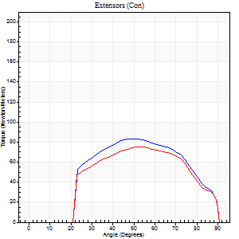

Right Side Curves Left Side Curves
Isokinetic Con/Con |  |  |  | Extensors (Con) |  | Flexors (Con)
Speed 240/240 d/s 3 Reps |  |  |  | Value | Cof Var | %BW | Value | Cof Var | %BW | Ratio

TORQUE PARAMETERS
Peak Torque (Newton-Meters - Best Repetition)
Right |  |  |  | 84 | 0.03 | 92 | 9 | 0.16 | 12 | 11
Left |  |  |  | 75 | 0.04 | 83 | 7 | 0.1 | 9 | 9
Deficit |  |  |  | 11 |  |  | 29
Work per Repetition (Newton-Meters - Best Repetition)
Right |  |  |  | 79 | 0.02 | 86 | 4 | 0.07 | 6 | 5
Left |  |  |  | 72 | 0.03 | 80 | 3 | 0.15 | 3 | 4
Deficit |  |  |  | 9 |  |  | 33
Average Power per Repetition (Watts - Best Repetition)
Right |  |  |  | 134 | 0.02 | 149 | 5 | 0.16 | 7 | 4
Left |  |  |  | 121 | 0.05 | 134 | 3 | 0.17 | 4 | 2
Deficit |  |  |  | 10 |  |  | 40
POSITION PARAMETERS
Joint Angle at Peak Torque (Degrees)
Right |  |  |  | 49 | 0 |  | 34 | 1.44
Left |  |  |  | 50 | 0.03 |  | 6 | 0.37
Range of Motion (Degrees)
Right |  |  |  | 0 | 0.47 |  | 90 | 0
Left |  |  |  | 0 | 1.41 |  | 90 | 0
TIME PARAMETERS
Time to Peak Torque (Seconds)
Right |  |  |  | 0.25 | 0.03 |  | 0.47 | 1.11
Left |  |  |  | 0.26 | 0.03 |  | 0.21 | 0.12
Time Peak Torque Held (Seconds)
Right |  |  |  | 0.01 | 1 |  | 0.03 | 1.73
Left |  |  |  | 0.01 | 0.87 |  | 0 | 0
Force Decay Time (Seconds)
Right |  |  |  | 0.31 | 0 |  | 0.37 | 1.31
Left |  |  |  | 0.32 | 0 |  | 0.8 | 0.06
Reciprocal Delay (Seconds)
Right |  |  |  | 0.42 | 0.44 |  | 0.21 | 0.26
Left |  |  |  | 0.17 | 0 |  | 0.41 | 0.26
Delay Time (Seconds)
Right |  |  |  | -0.02 | -0.28 |  | -0.06 | -0.27
Left |  |  |  | -0.04 | 0 |  | -0.07 | -0.14
HUMAC2015® Version: 15.000.0074 © Computer Sports Medicine, Inc. www.csmisolutions.com

Use File, Preference to set Report Heading
Isometric - Knee Extension/Flexion
Name: |  |  |  | TR030_FP3072, | ID: | TR030 | Right/Left: | 07.12.2023 07.12.2023

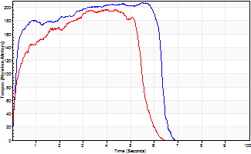
Isometric Extensors (Con) Angle 60 Time 10 Repetition 2 (Best Repetition)
 | Value | Cof Var | %BW
Peak Torque (Newton-Meters)
Right | 207 | 0.02 | 229
Left | 197 | 0.01 | 218
Deficit | 5
Average Torque (Newton-Meters)
Right | 119 | 0.13 | 131
Left | 98 | 0.03 | 107
Deficit | 18
Peak Torque Slope (Newton-Meters/Seconds)
Right | 46 | 0.13 | 51
Left | 45 | 0.1 | 50 |  | Right Side Curves Left Side Curves
Deficit | 1
Time to Half Peak Torque (Seconds)
Right | 0.17 | 0
Left | 0.22 | 0.19
Time to Peak Torque (Seconds)
Right | 4.95 | 0.15
Left | 4.67 | 0.1
HUMAC2015® Version: 15.000.0074 © Computer Sports Medicine, Inc. www.csmisolutions.com

