pre1
Use File, Preference to set Report Heading
Long Form Torque vs. Position Report - Knee Extension/Flexion
Name: |  |  |  | TR030_FP3075, | ID: | TR030 | Right/Left: | 16.09.2022 16.09.2022
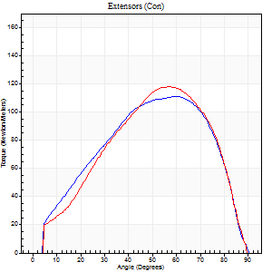
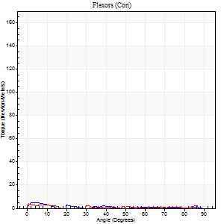
Right Side Curves Left Side Curves
Isokinetic Con/Con |  |  |  | Extensors (Con) |  | Flexors (Con)
Speed 60/60 d/s 3 Reps |  |  |  | Value | Cof Var | %BW | Value | Cof Var | %BW | Ratio

TORQUE PARAMETERS
Peak Torque (Newton-Meters - Best Repetition)
Right |  |  |  | 111 | 0.11 | 140 | 5 | 0.35 | 6 | 5
Left |  |  |  | 118 | 0.11 | 146 | 4 | 0.05 | 6 | 3
Deficit |  |  |  | 6 |  |  | 25
Work per Repetition (Newton-Meters - Best Repetition)
Right |  |  |  | 114 | 0.12 | 143 | 1 | 0.2 | 3 | 1
Left |  |  |  | 113 | 0.15 | 140 | 1 | 0.07 | 3 | 1
Deficit |  |  |  | 1 |  |  | 0
Average Power per Repetition (Watts - Best Repetition)
Right |  |  |  | 70 | 0.15 | 88 | 1 | 0.16 | 2 | 1
Left |  |  |  | 71 | 0.17 | 88 | 1 | 0.18 | 2 | 1
Deficit |  |  |  | 1 |  |  | 0
POSITION PARAMETERS
Joint Angle at Peak Torque (Degrees)
Right |  |  |  | 58 | 0.09 |  | 3 | 0.61
Left |  |  |  | 52 | 0.1 |  | 29 | 1.7
Range of Motion (Degrees)
Right |  |  |  | 0 | 0 |  | 90 | 0
Left |  |  |  | 0 | 1.41 |  | 90 | 0
TIME PARAMETERS
Time to Peak Torque (Seconds)
Right |  |  |  | 0.54 | 0.12 |  | 0.22 | 0.61
Left |  |  |  | 0.62 | 0.15 |  | 0.98 | 1.55
Time Peak Torque Held (Seconds)
Right |  |  |  | 0.08 | 0.55 |  | 0.52 | 1.68
Left |  |  |  | 0.05 | 0.29 |  | 0.03 | 0.88
Force Decay Time (Seconds)
Right |  |  |  | 0.96 | 0.12 |  | 2.48 | 0.61
Left |  |  |  | 0.86 | 0.11 |  | 2.31 | 0.84
Reciprocal Delay (Seconds)
Right |  |  |  | 0.48 | 0.1 |  | 0.64 | 0.17
Left |  |  |  | 0.52 | 0.63 |  | 0.52 | 0.23
Delay Time (Seconds)
Right |  |  |  | -0.03 | -0.47 |  | -0.12 | -0.38
Left |  |  |  | 0 | 0 |  | -0.09 | -0.13
HUMAC2015® Version: 15.000.0074 © Computer Sports Medicine, Inc. www.csmisolutions.com

Use File, Preference to set Report Heading
Long Form Torque vs. Position Report - Knee Extension/Flexion
Name: |  |  |  | TR030_FP3075, | ID: | TR030 | Right/Left: | 16.09.2022 16.09.2022
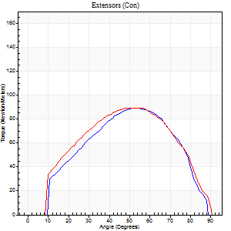
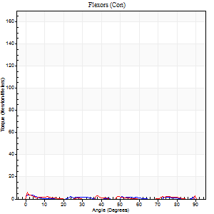
Right Side Curves Left Side Curves
Isokinetic Con/Con |  |  |  | Extensors (Con) |  | Flexors (Con)
Speed 120/120 d/s 3 Reps |  |  |  | Value | Cof Var | %BW | Value | Cof Var | %BW | Ratio

TORQUE PARAMETERS
Peak Torque (Newton-Meters - Best Repetition)
Right |  |  |  | 89 | 0.14 | 113 | 4 | 0.21 | 6 | 5
Left |  |  |  | 89 | 0.08 | 113 | 7 | 0.34 | 9 | 8
Deficit |  |  |  | 0 |  |  | 40
Work per Repetition (Newton-Meters - Best Repetition)
Right |  |  |  | 92 | 0.13 | 116 | 1 | 0.13 | 3 | 1
Left |  |  |  | 92 | 0.08 | 116 | 1 | 0.26 | 3 | 1
Deficit |  |  |  | 0 |  |  | 0
Average Power per Repetition (Watts - Best Repetition)
Right |  |  |  | 94 | 0.14 | 116 | 0 | 0.18 | 0 | 0
Left |  |  |  | 98 | 0.06 | 123 | 1 | 0.49 | 2 | 1
Deficit |  |  |  | 4 |  |  | 0
POSITION PARAMETERS
Joint Angle at Peak Torque (Degrees)
Right |  |  |  | 54 | 0.02 |  | 21 | 0.93
Left |  |  |  | 56 | 0.03 |  | 30 | 1.71
Range of Motion (Degrees)
Right |  |  |  | 0 | 1.41 |  | 89 | 0.01
Left |  |  |  | 0 | 4.24 |  | 90 | 0
TIME PARAMETERS
Time to Peak Torque (Seconds)
Right |  |  |  | 0.35 | 0.04 |  | 0.83 | 0.72
Left |  |  |  | 0.34 | 0.1 |  | 0.88 | 1.58
Time Peak Torque Held (Seconds)
Right |  |  |  | 0.03 | 0.33 |  | 0.02 | 1.38
Left |  |  |  | 0.04 | 0.63 |  | 0.01 | 1.73
Force Decay Time (Seconds)
Right |  |  |  | 0.61 | 0.01 |  | 2.47 | 0.25
Left |  |  |  | 0.53 | 0.1 |  | 1.9 | 0.98
Reciprocal Delay (Seconds)
Right |  |  |  | 0.23 | 0.93 |  | 0.51 | 0.68
Left |  |  |  | 0.39 | 0.57 |  | 0.5 | 0.73
Delay Time (Seconds)
Right |  |  |  | -0.02 | -0.85 |  | -0.07 | -1.02
Left |  |  |  | -0.02 | -0.28 |  | -0.08 | -0.49
HUMAC2015® Version: 15.000.0074 © Computer Sports Medicine, Inc. www.csmisolutions.com

Use File, Preference to set Report Heading
Long Form Torque vs. Position Report - Knee Extension/Flexion
Name: |  |  |  | TR030_FP3075, | ID: | TR030 | Right/Left: | 16.09.2022 16.09.2022
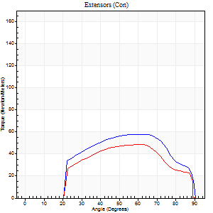
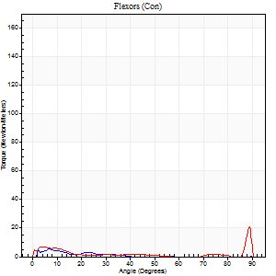
Right Side Curves Left Side Curves
Isokinetic Con/Con |  |  |  | Extensors (Con) |  | Flexors (Con)
Speed 240/240 d/s 3 Reps |  |  |  | Value | Cof Var | %BW | Value | Cof Var | %BW | Ratio

TORQUE PARAMETERS
Peak Torque (Newton-Meters - Best Repetition)
Right |  |  |  | 57 | 0.31 | 72 | 11 | 0.61 | 15 | 19
Left |  |  |  | 49 | 0.2 | 60 | 20 | 0.6 | 27 | 42
Deficit |  |  |  | 14 |  |  | 47
Work per Repetition (Newton-Meters - Best Repetition)
Right |  |  |  | 56 | 0.81 | 69 | 1 | 0.9 | 3 | 2
Left |  |  |  | 45 | 0.25 | 57 | 3 | 0.57 | 3 | 6
Deficit |  |  |  | 20 |  |  | 50
Average Power per Repetition (Watts - Best Repetition)
Right |  |  |  | 95 | 0.63 | 119 | 1 | 1.12 | 2 | 1
Left |  |  |  | 74 | 0.27 | 92 | 6 | 0.94 | 7 | 8
Deficit |  |  |  | 22 |  |  | 83
POSITION PARAMETERS
Joint Angle at Peak Torque (Degrees)
Right |  |  |  | 43 | 0.79 |  | 31 | 1.63
Left |  |  |  | 61 | 0.05 |  | 31 | 1.64
Range of Motion (Degrees)
Right |  |  |  | 0 | 0.2 |  | 90 | 0
Left |  |  |  | 0 | 0.16 |  | 90 | 0
TIME PARAMETERS
Time to Peak Torque (Seconds)
Right |  |  |  | 0.2 | 0.03 |  | 0.34 | 1.33
Left |  |  |  | 0.41 | 0.62 |  | 0.09 | 0.48
Time Peak Torque Held (Seconds)
Right |  |  |  | 0.01 | 1.73 |  | 0.1 | 1.73
Left |  |  |  | 0.01 | 0.87 |  | 0 | 0
Force Decay Time (Seconds)
Right |  |  |  | 0.25 | 0.76 |  | 1.16 | 1.22
Left |  |  |  | 0.34 | 0.08 |  | 0.97 | 0.94
Reciprocal Delay (Seconds)
Right |  |  |  | 0.34 | 0.43 |  | 0.26 | 0.44
Left |  |  |  | 0.16 | 0.23 |  | 0.19 | 0.34
Delay Time (Seconds)
Right |  |  |  | -0.02 | -0.28 |  | 0.2 | 2.13
Left |  |  |  | -0.04 | -0.35 |  | 0.2 | 2.71
HUMAC2015® Version: 15.000.0074 © Computer Sports Medicine, Inc. www.csmisolutions.com

Use File, Preference to set Report Heading
Isometric - Knee Extension/Flexion
Name: |  |  |  | TR030_FP3075, | ID: | TR030 | Right/Left: | 16.09.2022 16.09.2022

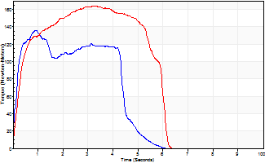
Isometric Extensors (Con) Angle 60 Time 10 Repetition 2 (Best Repetition)
 | Value | Cof Var | %BW
Peak Torque (Newton-Meters)
Right | 136 | 0.06 | 170
Left | 164 | 0.06 | 206
Deficit | 17
Average Torque (Newton-Meters)
Right | 54 | 0.03 | 69
Left | 83 | 0.06 | 104
Deficit | 34
Peak Torque Slope (Newton-Meters/Seconds)
Right | 146 | 0.41 | 183
Left | 58 | 0.11 | 72 |  | Right Side Curves Left Side Curves
Deficit | 60
Time to Half Peak Torque (Seconds)
Right | 0.19 | 0.27
Left | 0.29 | 0.05
Time to Peak Torque (Seconds)
Right | 1.24 | 0.36
Left | 2.96 | 0.17
HUMAC2015® Version: 15.000.0074 © Computer Sports Medicine, Inc. www.csmisolutions.com

pre2
Use File, Preference to set Report Heading
Long Form Torque vs. Position Report - Knee Extension/Flexion
Name: |  |  |  | TR030_FP3075, | ID: | TR030 | Right/Left: | 19.09.2022 19.09.2022
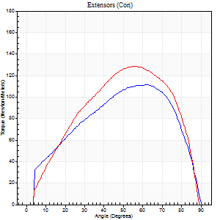
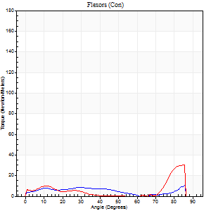
Right Side Curves Left Side Curves
Isokinetic Con/Con |  |  |  | Extensors (Con) |  | Flexors (Con)
Speed 60/60 d/s 3 Reps |  |  |  | Value | Cof Var | %BW | Value | Cof Var | %BW | Ratio

TORQUE PARAMETERS
Peak Torque (Newton-Meters - Best Repetition)
Right |  |  |  | 111 | 0.03 | 140 | 11 | 0.55 | 15 | 10
Left |  |  |  | 129 | 0.12 | 161 | 30 | 0.77 | 36 | 23
Deficit |  |  |  | 14 |  |  | 64
Work per Repetition (Newton-Meters - Best Repetition)
Right |  |  |  | 118 | 0.06 | 146 | 8 | 0.67 | 9 | 7
Left |  |  |  | 134 | 0.17 | 167 | 9 | 0.66 | 12 | 7
Deficit |  |  |  | 12 |  |  | 14
Average Power per Repetition (Watts - Best Repetition)
Right |  |  |  | 75 | 0.09 | 95 | 2 | 0.42 | 2 | 3
Left |  |  |  | 88 | 0.18 | 110 | 4 | 0.46 | 4 | 5
Deficit |  |  |  | 15 |  |  | 50
POSITION PARAMETERS
Joint Angle at Peak Torque (Degrees)
Right |  |  |  | 56 | 0.12 |  | 47 | 0.85
Left |  |  |  | 53 | 0.07 |  | 58 | 0.85
Range of Motion (Degrees)
Right |  |  |  | 0 | 0.71 |  | 90 | 0
Left |  |  |  | 0 | 0.81 |  | 90 | 0
TIME PARAMETERS
Time to Peak Torque (Seconds)
Right |  |  |  | 0.64 | 0.34 |  | 1.72 | 0.92
Left |  |  |  | 0.56 | 0.03 |  | 1.37 | 0.86
Time Peak Torque Held (Seconds)
Right |  |  |  | 0.07 | 0.35 |  | 0.02 | 1.73
Left |  |  |  | 0.07 | 0.23 |  | 0 | 0
Force Decay Time (Seconds)
Right |  |  |  | 0.9 | 0.11 |  | 0.83 | 1.07
Left |  |  |  | 0.85 | 0.06 |  | 0.58 | 1.48
Reciprocal Delay (Seconds)
Right |  |  |  | 0.76 | 0.06 |  | 0.51 | 0.43
Left |  |  |  | 0.14 | 0.81 |  | 0.19 | 0.48
Delay Time (Seconds)
Right |  |  |  | -0.05 | -1.13 |  | -0.02 | -2.36
Left |  |  |  | 0.01 | 0.47 |  | -0.05 | -1.08
HUMAC2015® Version: 15.000.0074 © Computer Sports Medicine, Inc. www.csmisolutions.com

Use File, Preference to set Report Heading
Long Form Torque vs. Position Report - Knee Extension/Flexion
Name: |  |  |  | TR030_FP3075, | ID: | TR030 | Right/Left: | 19.09.2022 19.09.2022
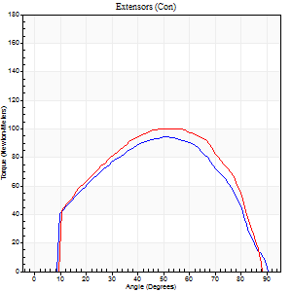
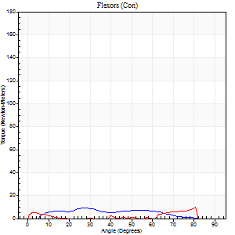
Right Side Curves Left Side Curves
Isokinetic Con/Con |  |  |  | Extensors (Con) |  | Flexors (Con)
Speed 120/120 d/s 3 Reps |  |  |  | Value | Cof Var | %BW | Value | Cof Var | %BW | Ratio

TORQUE PARAMETERS
Peak Torque (Newton-Meters - Best Repetition)
Right |  |  |  | 94 | 0.05 | 116 | 9 | 0.27 | 12 | 10
Left |  |  |  | 100 | 0.02 | 125 | 9 | 0.41 | 12 | 9
Deficit |  |  |  | 7 |  |  | 0
Work per Repetition (Newton-Meters - Best Repetition)
Right |  |  |  | 99 | 0.04 | 122 | 7 | 0.55 | 9 | 7
Left |  |  |  | 104 | 0.03 | 131 | 3 | 0.35 | 3 | 3
Deficit |  |  |  | 5 |  |  | 60
Average Power per Repetition (Watts - Best Repetition)
Right |  |  |  | 112 | 0.14 | 141 | 8 | 0.63 | 11 | 7
Left |  |  |  | 125 | 0.04 | 156 | 2 | 0.65 | 2 | 2
Deficit |  |  |  | 10 |  |  | 75
POSITION PARAMETERS
Joint Angle at Peak Torque (Degrees)
Right |  |  |  | 54 | 0.05 |  | 19 | 0.64
Left |  |  |  | 51 | 0.06 |  | 55 | 0.79
Range of Motion (Degrees)
Right |  |  |  | 1 | 1.07 |  | 90 | 0
Left |  |  |  | 0 | 0.2 |  | 89 | 0.02
TIME PARAMETERS
Time to Peak Torque (Seconds)
Right |  |  |  | 0.39 | 0.15 |  | 0.27 | 0.2
Left |  |  |  | 0.34 | 0.11 |  | 1.36 | 0.73
Time Peak Torque Held (Seconds)
Right |  |  |  | 0.03 | 0.33 |  | 0.01 | 1
Left |  |  |  | 0.02 | 0.49 |  | 1.7 | 1.72
Force Decay Time (Seconds)
Right |  |  |  | 0.56 | 0.24 |  | 0.7 | 0.25
Left |  |  |  | 0.47 | 0.11 |  | 0.16 | 0.36
Reciprocal Delay (Seconds)
Right |  |  |  | 0.49 | 0.61 |  | 0.15 | 0.87
Left |  |  |  | 0.12 | 0.4 |  | 0.16 | 0.39
Delay Time (Seconds)
Right |  |  |  | -0.03 | -0.47 |  | 0.02 | 6.01
Left |  |  |  | 0.02 | 0.28 |  | -0.03 | -0.88
HUMAC2015® Version: 15.000.0074 © Computer Sports Medicine, Inc. www.csmisolutions.com

Use File, Preference to set Report Heading
Long Form Torque vs. Position Report - Knee Extension/Flexion
Name: |  |  |  | TR030_FP3075, | ID: | TR030 | Right/Left: | 19.09.2022 19.09.2022
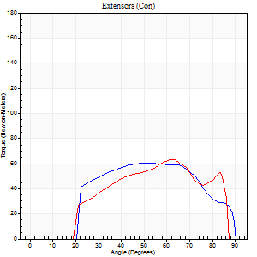
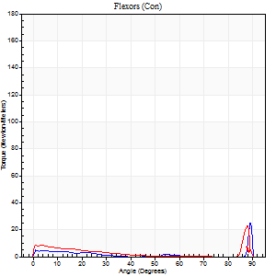
Right Side Curves Left Side Curves
Isokinetic Con/Con |  |  |  | Extensors (Con) |  | Flexors (Con)
Speed 240/240 d/s 3 Reps |  |  |  | Value | Cof Var | %BW | Value | Cof Var | %BW | Ratio

TORQUE PARAMETERS
Peak Torque (Newton-Meters - Best Repetition)
Right |  |  |  | 60 | 0.07 | 75 | 26 | 0.64 | 33 | 43
Left |  |  |  | 62 | 0.06 | 77 | 23 | 0.82 | 30 | 37
Deficit |  |  |  | 4 |  |  | 11
Work per Repetition (Newton-Meters - Best Repetition)
Right |  |  |  | 60 | 0.08 | 75 | 4 | 0.49 | 6 | 7
Left |  |  |  | 57 | 0.02 | 72 | 5 | 0.4 | 6 | 10
Deficit |  |  |  | 5 |  |  | 25
Average Power per Repetition (Watts - Best Repetition)
Right |  |  |  | 104 | 0.15 | 130 | 5 | 0.7 | 7 | 5
Left |  |  |  | 99 | 0.01 | 123 | 5 | 0.56 | 7 | 5
Deficit |  |  |  | 5 |  |  | 0
POSITION PARAMETERS
Joint Angle at Peak Torque (Degrees)
Right |  |  |  | 53 | 0.13 |  | 60 | 0.85
Left |  |  |  | 58 | 0.12 |  | 32 | 1.52
Range of Motion (Degrees)
Right |  |  |  | 0 | 0.11 |  | 90 | 0
Left |  |  |  | 0 | 0.61 |  | 89 | 0.02
TIME PARAMETERS
Time to Peak Torque (Seconds)
Right |  |  |  | 0.26 | 0 |  | 0.65 | 0.86
Left |  |  |  | 0.22 | 0.16 |  | 0.34 | 0.99
Time Peak Torque Held (Seconds)
Right |  |  |  | 0.03 | 1.42 |  | 0 | 1.73
Left |  |  |  | 0.02 | 1.73 |  | 0.01 | 1.15
Force Decay Time (Seconds)
Right |  |  |  | 0.31 | 0.07 |  | 0.43 | 1.88
Left |  |  |  | 0.32 | 0.07 |  | 0.88 | 0.69
Reciprocal Delay (Seconds)
Right |  |  |  | 0.18 | 0.55 |  | 0.16 | 0.36
Left |  |  |  | 0.1 | 0.34 |  | 0.17 | 0.24
Delay Time (Seconds)
Right |  |  |  | -0.04 | -0.2 |  | -0.03 | -0.57
Left |  |  |  | 0 | 0 |  | -0.04 | -0.27
HUMAC2015® Version: 15.000.0074 © Computer Sports Medicine, Inc. www.csmisolutions.com

Use File, Preference to set Report Heading
Isometric - Knee Extension/Flexion
Name: |  |  |  | TR030_FP3075, | ID: | TR030 | Right/Left: | 19.09.2022 19.09.2022

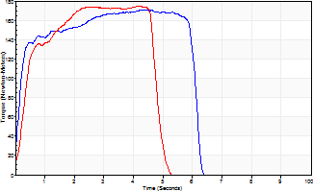
Isometric Extensors (Con) Angle 60 Time 10 Repetition 2 (Best Repetition)
 | Value | Cof Var | %BW
Peak Torque (Newton-Meters)
Right | 171 | 0.05 | 215
Left | 175 | 0.02 | 218
Deficit | 2
Average Torque (Newton-Meters)
Right | 95 | 0.27 | 119
Left | 73 | 0.08 | 92
Deficit | 23
Peak Torque Slope (Newton-Meters/Seconds)
Right | 40 | 0.02 | 50
Left | 45 | 0.05 | 56 |  | Right Side Curves Left Side Curves
Deficit | 10
Time to Half Peak Torque (Seconds)
Right | 0.15 | 0.09
Left | 0.35 | 0.04
Time to Peak Torque (Seconds)
Right | 4.12 | 0.04
Left | 4 | 0.07
HUMAC2015® Version: 15.000.0074 © Computer Sports Medicine, Inc. www.csmisolutions.com

mid1
Use File, Preference to set Report Heading
Long Form Torque vs. Position Report - Knee Extension/Flexion
Name: |  |  |  | TR030_FP3075, | ID: | TR030 | Right/Left: | 25.10.2022 25.10.2022
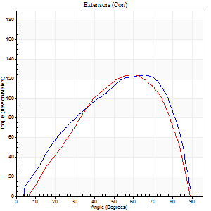
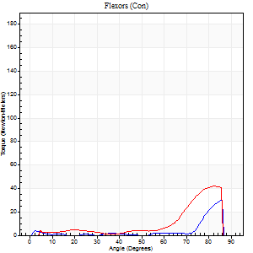
Right Side Curves Left Side Curves
Isokinetic Con/Con |  |  |  | Extensors (Con) |  | Flexors (Con)
Speed 60/60 d/s 3 Reps |  |  |  | Value | Cof Var | %BW | Value | Cof Var | %BW | Ratio

TORQUE PARAMETERS
Peak Torque (Newton-Meters - Best Repetition)
Right |  |  |  | 123 | 0.04 | 155 | 30 | 1.15 | 36 | 24
Left |  |  |  | 125 | 0.04 | 155 | 42 | 1.14 | 54 | 34
Deficit |  |  |  | 1 |  |  | 29
Work per Repetition (Newton-Meters - Best Repetition)
Right |  |  |  | 126 | 0.01 | 158 | 5 | 0.63 | 6 | 4
Left |  |  |  | 114 | 0.06 | 143 | 14 | 1.11 | 18 | 12
Deficit |  |  |  | 10 |  |  | 60
Average Power per Repetition (Watts - Best Repetition)
Right |  |  |  | 82 | 0.01 | 103 | 3 | 0.62 | 4 | 4
Left |  |  |  | 78 | 0.07 | 97 | 15 | 1.21 | 20 | 19
Deficit |  |  |  | 5 |  |  | 80
POSITION PARAMETERS
Joint Angle at Peak Torque (Degrees)
Right |  |  |  | 62 | 0.06 |  | 50 | 0.79
Left |  |  |  | 58 | 0.04 |  | 61 | 0.66
Range of Motion (Degrees)
Right |  |  |  | 0 | 0 |  | 90 | 0
Left |  |  |  | 2 | 1.12 |  | 90 | 0
TIME PARAMETERS
Time to Peak Torque (Seconds)
Right |  |  |  | 0.51 | 0 |  | 1.15 | 0.78
Left |  |  |  | 0.52 | 0.07 |  | 0.63 | 0.29
Time Peak Torque Held (Seconds)
Right |  |  |  | 0.07 | 0.48 |  | 0.45 | 1.71
Left |  |  |  | 0.06 | 0.09 |  | 0.01 | 0.87
Force Decay Time (Seconds)
Right |  |  |  | 0.99 | 0.05 |  | 0.44 | 0.68
Left |  |  |  | 0.88 | 0.01 |  | 0.53 | 1.36
Reciprocal Delay (Seconds)
Right |  |  |  | 0.26 | 0.27 |  | 0.24 | 0.54
Left |  |  |  | 0.22 | 0.06 |  | 0.12 | 0.3
Delay Time (Seconds)
Right |  |  |  | 0.01 | 0 |  | 0 | -4.58
Left |  |  |  | 0.03 | 0 |  | 0.48 | 0.97
HUMAC2015® Version: 15.000.0074 © Computer Sports Medicine, Inc. www.csmisolutions.com

Use File, Preference to set Report Heading
Long Form Torque vs. Position Report - Knee Extension/Flexion
Name: |  |  |  | TR030_FP3075, | ID: | TR030 | Right/Left: | 25.10.2022 25.10.2022
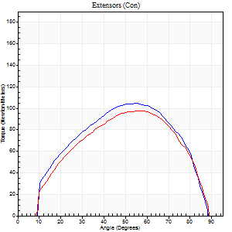
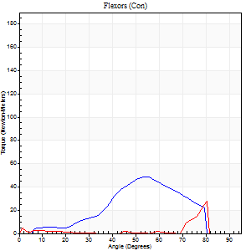
Right Side Curves Left Side Curves
Isokinetic Con/Con |  |  |  | Extensors (Con) |  | Flexors (Con)
Speed 120/120 d/s 3 Reps |  |  |  | Value | Cof Var | %BW | Value | Cof Var | %BW | Ratio

TORQUE PARAMETERS
Peak Torque (Newton-Meters - Best Repetition)
Right |  |  |  | 104 | 0.04 | 131 | 49 | 1.06 | 60 | 47
Left |  |  |  | 98 | 0.05 | 122 | 27 | 0.77 | 33 | 28
Deficit |  |  |  | 6 |  |  | 44
Work per Repetition (Newton-Meters - Best Repetition)
Right |  |  |  | 104 | 0 | 131 | 33 | 1.22 | 42 | 31
Left |  |  |  | 99 | 0.07 | 122 | 4 | 0.56 | 6 | 4
Deficit |  |  |  | 5 |  |  | 88
Average Power per Repetition (Watts - Best Repetition)
Right |  |  |  | 134 | 0.01 | 167 | 39 | 1.24 | 48 | 29
Left |  |  |  | 124 | 0.1 | 154 | 5 | 0.92 | 7 | 4
Deficit |  |  |  | 7 |  |  | 87
POSITION PARAMETERS
Joint Angle at Peak Torque (Degrees)
Right |  |  |  | 55 | 0.01 |  | 25 | 1.06
Left |  |  |  | 57 | 0.01 |  | 54 | 0.83
Range of Motion (Degrees)
Right |  |  |  | 1 | 0.03 |  | 90 | 0
Left |  |  |  | 1 | 0.17 |  | 90 | 0
TIME PARAMETERS
Time to Peak Torque (Seconds)
Right |  |  |  | 0.31 | 0.02 |  | 0.24 | 0.83
Left |  |  |  | 0.29 | 0 |  | 0.64 | 1.15
Time Peak Torque Held (Seconds)
Right |  |  |  | 0.04 | 0.25 |  | 0.01 | 0.87
Left |  |  |  | 0.02 | 0.5 |  | 0 | 0
Force Decay Time (Seconds)
Right |  |  |  | 0.43 | 0.01 |  | 0.79 | 0.66
Left |  |  |  | 0.48 | 0.03 |  | 0.69 | 1.42
Reciprocal Delay (Seconds)
Right |  |  |  | 0.07 | 0.2 |  | 0.12 | 0.87
Left |  |  |  | 0.13 | 0.05 |  | 0.07 | 0.09
Delay Time (Seconds)
Right |  |  |  | 0 | 1.41 |  | 0.02 | 2.79
Left |  |  |  | 0 | 1.41 |  | 0.35 | 1.71
HUMAC2015® Version: 15.000.0074 © Computer Sports Medicine, Inc. www.csmisolutions.com

Use File, Preference to set Report Heading
Long Form Torque vs. Position Report - Knee Extension/Flexion
Name: |  |  |  | TR030_FP3075, | ID: | TR030 | Right/Left: | 25.10.2022 25.10.2022
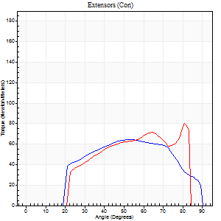
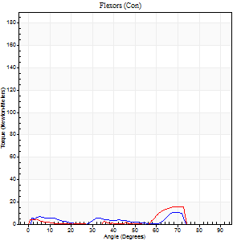
Right Side Curves Left Side Curves
Isokinetic Con/Con |  |  |  | Extensors (Con) |  | Flexors (Con)
Speed 240/240 d/s 3 Reps |  |  |  | Value | Cof Var | %BW | Value | Cof Var | %BW | Ratio

TORQUE PARAMETERS
Peak Torque (Newton-Meters - Best Repetition)
Right |  |  |  | 65 | 0.04 | 80 | 11 | 0.38 | 15 | 17
Left |  |  |  | 80 | 0.2 | 101 | 15 | 0.6 | 18 | 19
Deficit |  |  |  | 19 |  |  | 27
Work per Repetition (Newton-Meters - Best Repetition)
Right |  |  |  | 62 | 0.04 | 77 | 4 | 0.51 | 6 | 7
Left |  |  |  | 65 | 0.11 | 80 | 4 | 0.57 | 6 | 6
Deficit |  |  |  | 4 |  |  | 0
Average Power per Repetition (Watts - Best Repetition)
Right |  |  |  | 114 | 0.03 | 143 | 5 | 0.67 | 7 | 4
Left |  |  |  | 129 | 0.17 | 160 | 3 | 0.75 | 4 | 2
Deficit |  |  |  | 12 |  |  | 40
POSITION PARAMETERS
Joint Angle at Peak Torque (Degrees)
Right |  |  |  | 52 | 0.02 |  | 48 | 0.86
Left |  |  |  | 61 | 0.29 |  | 50 | 0.86
Range of Motion (Degrees)
Right |  |  |  | 0 | 0.35 |  | 90 | 0
Left |  |  |  | 0 | 0.61 |  | 88 | 0.04
TIME PARAMETERS
Time to Peak Torque (Seconds)
Right |  |  |  | 0.22 | 0 |  | 0.49 | 0.83
Left |  |  |  | 0.22 | 0 |  | 1.01 | 0.85
Time Peak Torque Held (Seconds)
Right |  |  |  | 0.02 | 0.92 |  | 0.02 | 1.73
Left |  |  |  | 0 | 1.73 |  | 0.01 | 1.73
Force Decay Time (Seconds)
Right |  |  |  | 0.29 | 0.09 |  | 0.6 | 1.23
Left |  |  |  | 0.35 | 0.2 |  | 0.91 | 1.39
Reciprocal Delay (Seconds)
Right |  |  |  | 0.11 | 0.61 |  | 0.19 | 0.27
Left |  |  |  | 0.11 | 0.13 |  | 0.19 | 0.5
Delay Time (Seconds)
Right |  |  |  | -0.01 | 0 |  | -0.01 | -2.41
Left |  |  |  | 0 | 1.41 |  | 0.1 | 2.6
HUMAC2015® Version: 15.000.0074 © Computer Sports Medicine, Inc. www.csmisolutions.com

Use File, Preference to set Report Heading
Isometric - Knee Extension/Flexion
Name: |  |  |  | TR030_FP3075, | ID: | TR030 | Right/Left: | 25.10.2022 25.10.2022

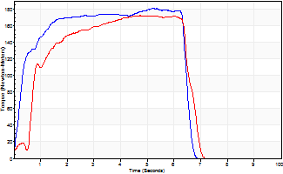
Isometric Extensors (Con) Angle 60 Time 10 Repetition 2 (Best Repetition)
 | Value | Cof Var | %BW
Peak Torque (Newton-Meters)
Right | 182 | 0.09 | 226
Left | 172 | 0.02 | 215
Deficit | 5
Average Torque (Newton-Meters)
Right | 104 | 0.07 | 131
Left | 107 | 0.09 | 134
Deficit | 3
Peak Torque Slope (Newton-Meters/Seconds)
Right | 35 | 0.01 | 44
Left | 36 | 0.17 | 45 |  | Right Side Curves Left Side Curves
Deficit | 3
Time to Half Peak Torque (Seconds)
Right | 0.37 | 0.29
Left | 0.48 | 0.74
Time to Peak Torque (Seconds)
Right | 4.86 | 0.1
Left | 5.31 | 0.15
HUMAC2015® Version: 15.000.0074 © Computer Sports Medicine, Inc. www.csmisolutions.com

mid2
Use File, Preference to set Report Heading
Long Form Torque vs. Position Report - Knee Extension/Flexion
Name: |  |  |  | TR030_FP3075, | ID: | TR030 | Right/Left: | 27.10.2022 27.10.2022
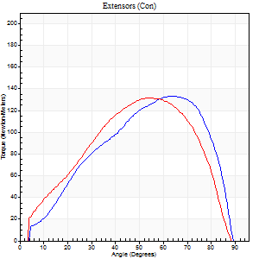
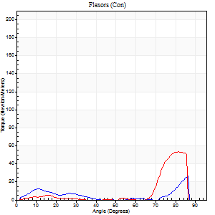
Right Side Curves Left Side Curves
Isokinetic Con/Con |  |  |  | Extensors (Con) |  | Flexors (Con)
Speed 60/60 d/s 3 Reps |  |  |  | Value | Cof Var | %BW | Value | Cof Var | %BW | Ratio

TORQUE PARAMETERS
Peak Torque (Newton-Meters - Best Repetition)
Right |  |  |  | 133 | 0.04 | 167 | 26 | 0.88 | 33 | 19
Left |  |  |  | 132 | 0.02 | 164 | 53 | 0.28 | 66 | 40
Deficit |  |  |  | 1 |  |  | 51
Work per Repetition (Newton-Meters - Best Repetition)
Right |  |  |  | 129 | 0.01 | 161 | 8 | 0.95 | 9 | 6
Left |  |  |  | 132 | 0.01 | 164 | 14 | 0.7 | 18 | 10
Deficit |  |  |  | 2 |  |  | 40
Average Power per Repetition (Watts - Best Repetition)
Right |  |  |  | 85 | 0.01 | 105 | 3 | 0.93 | 4 | 4
Left |  |  |  | 87 | 0.01 | 108 | 7 | 0.59 | 9 | 8
Deficit |  |  |  | 2 |  |  | 57
POSITION PARAMETERS
Joint Angle at Peak Torque (Degrees)
Right |  |  |  | 62 | 0.04 |  | 63 | 0.66
Left |  |  |  | 55 | 0.05 |  | 84 | 0.03
Range of Motion (Degrees)
Right |  |  |  | 1 | 0 |  | 90 | 0
Left |  |  |  | 1 | 0.07 |  | 90 | 0
TIME PARAMETERS
Time to Peak Torque (Seconds)
Right |  |  |  | 0.49 | 0 |  | 1.8 | 0.57
Left |  |  |  | 0.55 | 0.08 |  | 1.8 | 0.42
Time Peak Torque Held (Seconds)
Right |  |  |  | 0.05 | 0.25 |  | 0.02 | 1.73
Left |  |  |  | 0.07 | 0.52 |  | 0.01 | 1.15
Force Decay Time (Seconds)
Right |  |  |  | 0.99 | 0.03 |  | 0.57 | 1.4
Left |  |  |  | 0.87 | 0.01 |  | 0.1 | 0.52
Reciprocal Delay (Seconds)
Right |  |  |  | 0.22 | 0.03 |  | 0.1 | 0.17
Left |  |  |  | 0.22 | 0.06 |  | 0.1 | 0.1
Delay Time (Seconds)
Right |  |  |  | 0.02 | 0 |  | 0.22 | 0.41
Left |  |  |  | 0.04 | 0.2 |  | 0.69 | 1.74
HUMAC2015® Version: 15.000.0074 © Computer Sports Medicine, Inc. www.csmisolutions.com

Use File, Preference to set Report Heading
Long Form Torque vs. Position Report - Knee Extension/Flexion
Name: |  |  |  | TR030_FP3075, | ID: | TR030 | Right/Left: | 27.10.2022 27.10.2022
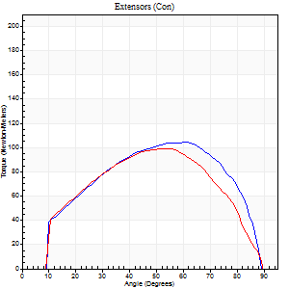
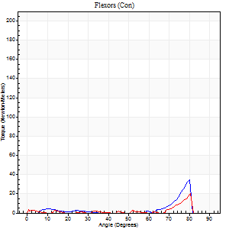
Right Side Curves Left Side Curves
Isokinetic Con/Con |  |  |  | Extensors (Con) |  | Flexors (Con)
Speed 120/120 d/s 3 Reps |  |  |  | Value | Cof Var | %BW | Value | Cof Var | %BW | Ratio

TORQUE PARAMETERS
Peak Torque (Newton-Meters - Best Repetition)
Right |  |  |  | 104 | 0.01 | 131 | 34 | 0.71 | 42 | 32
Left |  |  |  | 99 | 0.01 | 122 | 20 | 0.71 | 27 | 21
Deficit |  |  |  | 5 |  |  | 40
Work per Repetition (Newton-Meters - Best Repetition)
Right |  |  |  | 110 | 0.02 | 137 | 4 | 0.61 | 6 | 4
Left |  |  |  | 104 | 0.02 | 131 | 3 | 0.43 | 3 | 3
Deficit |  |  |  | 5 |  |  | 33
Average Power per Repetition (Watts - Best Repetition)
Right |  |  |  | 139 | 0.03 | 174 | 5 | 0.97 | 7 | 4
Left |  |  |  | 132 | 0.06 | 165 | 1 | 0.41 | 2 | 1
Deficit |  |  |  | 5 |  |  | 80
POSITION PARAMETERS
Joint Angle at Peak Torque (Degrees)
Right |  |  |  | 61 | 0.01 |  | 55 | 0.8
Left |  |  |  | 55 | 0.02 |  | 55 | 0.84
Range of Motion (Degrees)
Right |  |  |  | 1 | 0 |  | 90 | 0
Left |  |  |  | 1 | 0.97 |  | 90 | 0
TIME PARAMETERS
Time to Peak Torque (Seconds)
Right |  |  |  | 0.25 | 0.03 |  | 0.87 | 1.04
Left |  |  |  | 0.29 | 0 |  | 1.93 | 0.8
Time Peak Torque Held (Seconds)
Right |  |  |  | 0.04 | 0.63 |  | 0 | 0
Left |  |  |  | 0.04 | 0.31 |  | 0 | 0
Force Decay Time (Seconds)
Right |  |  |  | 0.49 | 0.04 |  | 0.64 | 1.39
Left |  |  |  | 0.47 | 0.11 |  | 0.9 | 1.43
Reciprocal Delay (Seconds)
Right |  |  |  | 0.07 | 0 |  | 0.06 | 0
Left |  |  |  | 0.11 | 0.26 |  | 0.25 | 0.5
Delay Time (Seconds)
Right |  |  |  | 0.01 | 0 |  | 0.51 | 1.12
Left |  |  |  | 0.02 | 0 |  | -0.06 | -1.86
HUMAC2015® Version: 15.000.0074 © Computer Sports Medicine, Inc. www.csmisolutions.com

Use File, Preference to set Report Heading
Long Form Torque vs. Position Report - Knee Extension/Flexion
Name: |  |  |  | TR030_FP3075, | ID: | TR030 | Right/Left: | 27.10.2022 27.10.2022
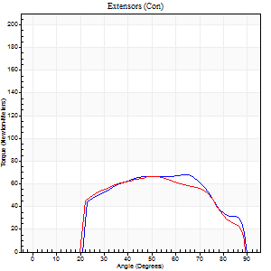
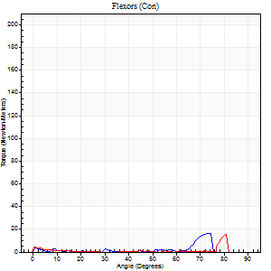
Right Side Curves Left Side Curves
Isokinetic Con/Con |  |  |  | Extensors (Con) |  | Flexors (Con)
Speed 240/240 d/s 3 Reps |  |  |  | Value | Cof Var | %BW | Value | Cof Var | %BW | Ratio

TORQUE PARAMETERS
Peak Torque (Newton-Meters - Best Repetition)
Right |  |  |  | 68 | 0.06 | 83 | 16 | 0.63 | 21 | 24
Left |  |  |  | 66 | 0.05 | 83 | 15 | 0.54 | 18 | 22
Deficit |  |  |  | 2 |  |  | 8
Work per Repetition (Newton-Meters - Best Repetition)
Right |  |  |  | 66 | 0.05 | 83 | 3 | 0.5 | 3 | 4
Left |  |  |  | 64 | 0.04 | 80 | 1 | 0.29 | 3 | 2
Deficit |  |  |  | 4 |  |  | 50
Average Power per Repetition (Watts - Best Repetition)
Right |  |  |  | 126 | 0.05 | 158 | 4 | 0.92 | 4 | 3
Left |  |  |  | 117 | 0.08 | 145 | 0 | 0.2 | 0 | 0
Deficit |  |  |  | 7 |  |  | 0
POSITION PARAMETERS
Joint Angle at Peak Torque (Degrees)
Right |  |  |  | 57 | 0.1 |  | 52 | 0.85
Left |  |  |  | 50 | 0.02 |  | 55 | 0.86
Range of Motion (Degrees)
Right |  |  |  | 0 | 0.2 |  | 90 | 0.01
Left |  |  |  | 0 | 0.47 |  | 90 | 0
TIME PARAMETERS
Time to Peak Torque (Seconds)
Right |  |  |  | 0.21 | 0.07 |  | 0.74 | 1.1
Left |  |  |  | 0.22 | 0.09 |  | 2.4 | 0.84
Time Peak Torque Held (Seconds)
Right |  |  |  | 0.02 | 0.87 |  | 0.01 | 1.73
Left |  |  |  | 0.01 | 0.87 |  | 0 | 0
Force Decay Time (Seconds)
Right |  |  |  | 0.3 | 0.11 |  | 0.92 | 1.47
Left |  |  |  | 0.31 | 0.05 |  | 1.14 | 1.46
Reciprocal Delay (Seconds)
Right |  |  |  | 0.06 | 0.11 |  | 0.2 | 0.27
Left |  |  |  | 0.16 | 0.41 |  | 0.54 | 0.46
Delay Time (Seconds)
Right |  |  |  | -0.01 | 0 |  | 0.44 | 1.83
Left |  |  |  | 0 | 4.24 |  | 0.11 | 2.96
HUMAC2015® Version: 15.000.0074 © Computer Sports Medicine, Inc. www.csmisolutions.com

Use File, Preference to set Report Heading
Isometric - Knee Extension/Flexion
Name: |  |  |  | TR030_FP3075, | ID: | TR030 | Right/Left: | 27.10.2022 27.10.2022

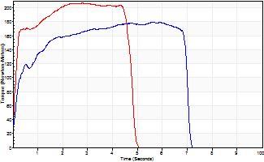
Isometric Extensors (Con) Angle 60 Time 10 Repetition 2 (Best Repetition)
 | Value | Cof Var | %BW
Peak Torque (Newton-Meters)
Right | 179 | 0.01 | 224
Left | 206 | 0.05 | 256
Deficit | 13
Average Torque (Newton-Meters)
Right | 111 | 0.05 | 140
Left | 102 | 0.08 | 128
Deficit | 9
Peak Torque Slope (Newton-Meters/Seconds)
Right | 39 | 0.18 | 49
Left | 74 | 0.22 | 93 |  | Right Side Curves Left Side Curves
Deficit | 47
Time to Half Peak Torque (Seconds)
Right | 0.21 | 0.07
Left | 0.12 | 0.06
Time to Peak Torque (Seconds)
Right | 5.19 | 0.19
Left | 3.17 | 0.18
HUMAC2015® Version: 15.000.0074 © Computer Sports Medicine, Inc. www.csmisolutions.com

post1
Use File, Preference to set Report Heading
Long Form Torque vs. Position Report - Knee Extension/Flexion
Name: |  |  |  | TR030_FP3075, | ID: | TR030 | Right/Left: | 21.11.2022 21.11.2022
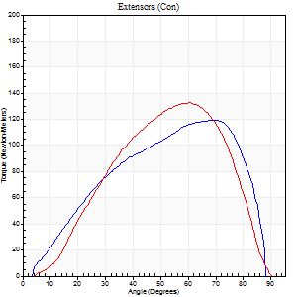
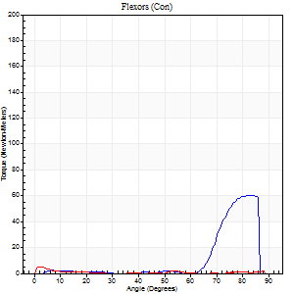
Right Side Curves Left Side Curves
Isokinetic Con/Con |  |  |  | Extensors (Con) |  | Flexors (Con)
Speed 60/60 d/s 3 Reps |  |  |  | Value | Cof Var | %BW | Value | Cof Var | %BW | Ratio

TORQUE PARAMETERS
Peak Torque (Newton-Meters - Best Repetition)
Right |  |  |  | 119 | 0.04 | 149 | 60 | 0.8 | 75 | 50
Left |  |  |  | 133 | 0.01 | 167 | 5 | 0.37 | 6 | 4
Deficit |  |  |  | 10 |  |  | 91
Work per Repetition (Newton-Meters - Best Repetition)
Right |  |  |  | 118 | 0.04 | 146 | 18 | 0.91 | 21 | 15
Left |  |  |  | 140 | 0.09 | 176 | 1 | 0.1 | 3 | 1
Deficit |  |  |  | 16 |  |  | 92
Average Power per Repetition (Watts - Best Repetition)
Right |  |  |  | 79 | 0.05 | 99 | 9 | 0.7 | 11 | 11
Left |  |  |  | 90 | 0.09 | 112 | 0 | 0.09 | 0 | 0
Deficit |  |  |  | 12 |  |  | 0
POSITION PARAMETERS
Joint Angle at Peak Torque (Degrees)
Right |  |  |  | 64 | 0.06 |  | 58 | 0.8
Left |  |  |  | 61 | 0 |  | 30 | 1.66
Range of Motion (Degrees)
Right |  |  |  | 0 | 0.85 |  | 90 | 0
Left |  |  |  | 0 | 0.28 |  | 90 | 0
TIME PARAMETERS
Time to Peak Torque (Seconds)
Right |  |  |  | 0.4 | 0.25 |  | 0.87 | 0.92
Left |  |  |  | 0.5 | 0.03 |  | 0.99 | 1.63
Time Peak Torque Held (Seconds)
Right |  |  |  | 0.06 | 0.33 |  | 0.02 | 1.73
Left |  |  |  | 0.07 | 0.29 |  | 0.17 | 1.58
Force Decay Time (Seconds)
Right |  |  |  | 1.02 | 0.07 |  | 0.56 | 1.44
Left |  |  |  | 0.96 | 0.02 |  | 1.82 | 0.93
Reciprocal Delay (Seconds)
Right |  |  |  | 0.15 | 0.28 |  | 0.14 | 0.53
Left |  |  |  | 0.27 | 0.35 |  | 0.12 | 0.22
Delay Time (Seconds)
Right |  |  |  | 0.02 | 0.28 |  | 0.5 | 1.76
Left |  |  |  | -0.01 | -1.41 |  | -0.03 | -0.88
HUMAC2015® Version: 15.000.0074 © Computer Sports Medicine, Inc. www.csmisolutions.com

Use File, Preference to set Report Heading
Long Form Torque vs. Position Report - Knee Extension/Flexion
Name: |  |  |  | TR030_FP3075, | ID: | TR030 | Right/Left: | 21.11.2022 21.11.2022
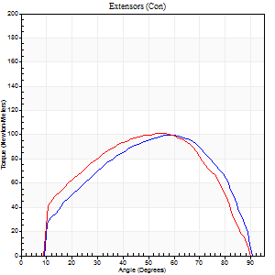
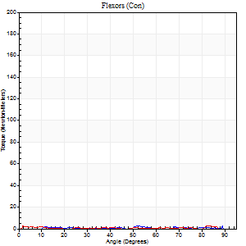
Right Side Curves Left Side Curves
Isokinetic Con/Con |  |  |  | Extensors (Con) |  | Flexors (Con)
Speed 120/120 d/s 3 Reps |  |  |  | Value | Cof Var | %BW | Value | Cof Var | %BW | Ratio

TORQUE PARAMETERS
Peak Torque (Newton-Meters - Best Repetition)
Right |  |  |  | 99 | 0.02 | 122 | 3 | 0.22 | 3 | 3
Left |  |  |  | 102 | 0.01 | 128 | 3 | 0.03 | 3 | 3
Deficit |  |  |  | 3 |  |  | 0
Work per Repetition (Newton-Meters - Best Repetition)
Right |  |  |  | 102 | 0.04 | 128 | 1 | 0.08 | 3 | 1
Left |  |  |  | 106 | 0.07 | 131 | 1 | 0.12 | 3 | 1
Deficit |  |  |  | 4 |  |  | 0
Average Power per Repetition (Watts - Best Repetition)
Right |  |  |  | 124 | 0.04 | 154 | 0 | 0.04 | 0 | 0
Left |  |  |  | 125 | 0.06 | 156 | 0 | 0.19 | 0 | 0
Deficit |  |  |  | 1 |  |  | 0
POSITION PARAMETERS
Joint Angle at Peak Torque (Degrees)
Right |  |  |  | 59 | 0.01 |  | 61 | 0.36
Left |  |  |  | 57 | 0.03 |  | 29 | 1.61
Range of Motion (Degrees)
Right |  |  |  | 1 | 0.07 |  | 90 | 0
Left |  |  |  | 1 | 0 |  | 90 | 0
TIME PARAMETERS
Time to Peak Torque (Seconds)
Right |  |  |  | 0.3 | 0.05 |  | 1.9 | 0.66
Left |  |  |  | 0.34 | 0.12 |  | 0.89 | 1.68
Time Peak Torque Held (Seconds)
Right |  |  |  | 0.02 | 0.65 |  | 0.78 | 1.72
Left |  |  |  | 0.03 | 0.67 |  | 0 | 0
Force Decay Time (Seconds)
Right |  |  |  | 0.48 | 0.05 |  | 0.97 | 1.61
Left |  |  |  | 0.47 | 0.07 |  | 2.12 | 0.8
Reciprocal Delay (Seconds)
Right |  |  |  | 0.31 | 0.49 |  | 0.06 | 0.1
Left |  |  |  | 0.14 | 0.1 |  | 0.16 | 0.7
Delay Time (Seconds)
Right |  |  |  | -0.01 | -0.47 |  | 0.19 | 0.14
Left |  |  |  | -0.04 | -0.61 |  | -0.01 | -3.85
HUMAC2015® Version: 15.000.0074 © Computer Sports Medicine, Inc. www.csmisolutions.com

Use File, Preference to set Report Heading
Long Form Torque vs. Position Report - Knee Extension/Flexion
Name: |  |  |  | TR030_FP3075, | ID: | TR030 | Right/Left: | 21.11.2022 21.11.2022
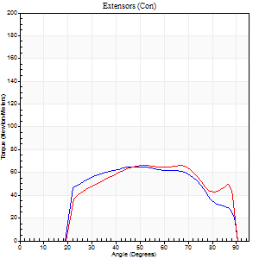
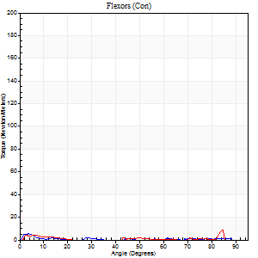
Right Side Curves Left Side Curves
Isokinetic Con/Con |  |  |  | Extensors (Con) |  | Flexors (Con)
Speed 240/240 d/s 3 Reps |  |  |  | Value | Cof Var | %BW | Value | Cof Var | %BW | Ratio

TORQUE PARAMETERS
Peak Torque (Newton-Meters - Best Repetition)
Right |  |  |  | 65 | 0.01 | 80 | 5 | 0.23 | 6 | 8
Left |  |  |  | 66 | 0.03 | 83 | 8 | 0.42 | 9 | 12
Deficit |  |  |  | 2 |  |  | 33
Work per Repetition (Newton-Meters - Best Repetition)
Right |  |  |  | 66 | 0.04 | 83 | 1 | 0.2 | 3 | 2
Left |  |  |  | 68 | 0.06 | 83 | 1 | 0.32 | 3 | 2
Deficit |  |  |  | 2 |  |  | 0
Average Power per Repetition (Watts - Best Repetition)
Right |  |  |  | 116 | 0 | 145 | 0 | 0.13 | 0 | 0
Left |  |  |  | 121 | 0.04 | 152 | 1 | 0.31 | 2 | 1
Deficit |  |  |  | 4 |  |  | 0
POSITION PARAMETERS
Joint Angle at Peak Torque (Degrees)
Right |  |  |  | 51 | 0.01 |  | 3 | 0.7
Left |  |  |  | 51 | 0.03 |  | 29 | 1.65
Range of Motion (Degrees)
Right |  |  |  | 0 | 0.18 |  | 90 | 0
Left |  |  |  | 1 | 1.01 |  | 90 | 0
TIME PARAMETERS
Time to Peak Torque (Seconds)
Right |  |  |  | 0.25 | 0.06 |  | 0.09 | 0.65
Left |  |  |  | 0.23 | 0 |  | 0.81 | 1.64
Time Peak Torque Held (Seconds)
Right |  |  |  | 0.02 | 0.35 |  | 0.01 | 1
Left |  |  |  | 0.01 | 1 |  | 0.01 | 0.87
Force Decay Time (Seconds)
Right |  |  |  | 0.28 | 0.02 |  | 3.17 | 0.06
Left |  |  |  | 0.28 | 0.11 |  | 1.61 | 0.82
Reciprocal Delay (Seconds)
Right |  |  |  | 0.25 | 0.28 |  | 0.19 | 0.36
Left |  |  |  | 0.18 | 0.47 |  | 0.14 | 0.59
Delay Time (Seconds)
Right |  |  |  | -0.04 | -0.2 |  | -0.05 | -0.54
Left |  |  |  | -0.01 | -1.41 |  | -0.04 | -0.87
HUMAC2015® Version: 15.000.0074 © Computer Sports Medicine, Inc. www.csmisolutions.com

Use File, Preference to set Report Heading
Isometric - Knee Extension/Flexion
Name: |  |  |  | TR030_FP3075, | ID: | TR030 | Right/Left: | 21.11.2022 21.11.2022

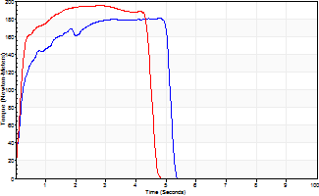
Isometric Extensors (Con) Angle 60 Time 10 Repetition 2 (Best Repetition)
 | Value | Cof Var | %BW
Peak Torque (Newton-Meters)
Right | 180 | 0.09 | 226
Left | 195 | 0.01 | 244
Deficit | 8
Average Torque (Newton-Meters)
Right | 83 | 0.11 | 104
Left | 94 | 0.1 | 116
Deficit | 12
Peak Torque Slope (Newton-Meters/Seconds)
Right | 44 | 0.11 | 55
Left | 69 | 0.18 | 86 |  | Right Side Curves Left Side Curves
Deficit | 36
Time to Half Peak Torque (Seconds)
Right | 0.22 | 0.03
Left | 0.17 | 0.13
Time to Peak Torque (Seconds)
Right | 4.18 | 0.2
Left | 3.19 | 0.17
HUMAC2015® Version: 15.000.0074 © Computer Sports Medicine, Inc. www.csmisolutions.com

post2
Use File, Preference to set Report Heading
Long Form Torque vs. Position Report - Knee Extension/Flexion
Name: |  |  |  | TR030_FP3075, | ID: | TR030 | Right/Left: | 23.11.2022 23.11.2022
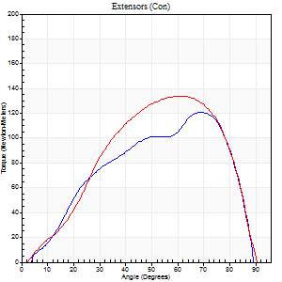
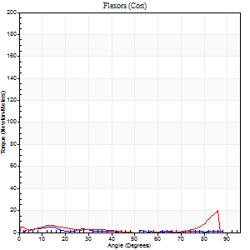
Right Side Curves Left Side Curves
Isokinetic Con/Con |  |  |  | Extensors (Con) |  | Flexors (Con)
Speed 60/60 d/s 3 Reps |  |  |  | Value | Cof Var | %BW | Value | Cof Var | %BW | Ratio

TORQUE PARAMETERS
Peak Torque (Newton-Meters - Best Repetition)
Right |  |  |  | 121 | 0.04 | 152 | 5 | 0.37 | 6 | 4
Left |  |  |  | 134 | 0.01 | 167 | 20 | 0.84 | 27 | 15
Deficit |  |  |  | 10 |  |  | 73
Work per Repetition (Newton-Meters - Best Repetition)
Right |  |  |  | 114 | 0.06 | 143 | 3 | 0.43 | 3 | 2
Left |  |  |  | 137 | 0.04 | 170 | 3 | 0.9 | 3 | 2
Deficit |  |  |  | 17 |  |  | 0
Average Power per Repetition (Watts - Best Repetition)
Right |  |  |  | 76 | 0.07 | 95 | 1 | 0.26 | 2 | 1
Left |  |  |  | 91 | 0.05 | 114 | 1 | 0.67 | 2 | 1
Deficit |  |  |  | 16 |  |  | 0
POSITION PARAMETERS
Joint Angle at Peak Torque (Degrees)
Right |  |  |  | 69 | 0.02 |  | 10 | 0.35
Left |  |  |  | 57 | 0.04 |  | 59 | 0.79
Range of Motion (Degrees)
Right |  |  |  | 1 | 0.26 |  | 90 | 0
Left |  |  |  | 0 | 0 |  | 90 | 0
TIME PARAMETERS
Time to Peak Torque (Seconds)
Right |  |  |  | 0.33 | 0.09 |  | 0.23 | 0.53
Left |  |  |  | 0.53 | 0.01 |  | 0.71 | 1.07
Time Peak Torque Held (Seconds)
Right |  |  |  | 0.04 | 0.48 |  | 0.03 | 0.33
Left |  |  |  | 0.07 | 0.14 |  | 0.01 | 1.73
Force Decay Time (Seconds)
Right |  |  |  | 1.12 | 0.03 |  | 2.65 | 0.32
Left |  |  |  | 0.92 | 0.03 |  | 1.22 | 1.61
Reciprocal Delay (Seconds)
Right |  |  |  | 0.23 | 0.12 |  | 0.09 | 0.06
Left |  |  |  | 0.1 | 0.14 |  | 0.2 | 0.44
Delay Time (Seconds)
Right |  |  |  | 0.02 | 0.28 |  | 0.12 | 0.82
Left |  |  |  | 0.05 | 0.16 |  | 1.87 | 1.33
HUMAC2015® Version: 15.000.0074 © Computer Sports Medicine, Inc. www.csmisolutions.com

Use File, Preference to set Report Heading
Long Form Torque vs. Position Report - Knee Extension/Flexion
Name: |  |  |  | TR030_FP3075, | ID: | TR030 | Right/Left: | 23.11.2022 23.11.2022
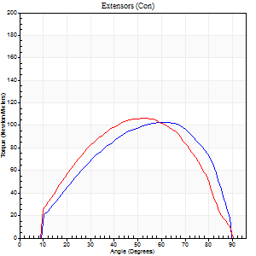
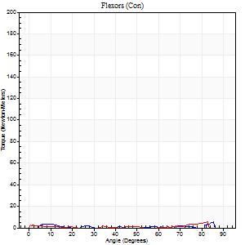
Right Side Curves Left Side Curves
Isokinetic Con/Con |  |  |  | Extensors (Con) |  | Flexors (Con)
Speed 120/120 d/s 3 Reps |  |  |  | Value | Cof Var | %BW | Value | Cof Var | %BW | Ratio

TORQUE PARAMETERS
Peak Torque (Newton-Meters - Best Repetition)
Right |  |  |  | 103 | 0.03 | 128 | 5 | 0.34 | 6 | 5
Left |  |  |  | 106 | 0.04 | 131 | 5 | 0.24 | 6 | 5
Deficit |  |  |  | 3 |  |  | 0
Work per Repetition (Newton-Meters - Best Repetition)
Right |  |  |  | 103 | 0.02 | 128 | 1 | 0.25 | 3 | 1
Left |  |  |  | 106 | 0.01 | 131 | 1 | 0.32 | 3 | 1
Deficit |  |  |  | 3 |  |  | 0
Average Power per Repetition (Watts - Best Repetition)
Right |  |  |  | 129 | 0.02 | 160 | 0 | 0.1 | 0 | 0
Left |  |  |  | 123 | 0.02 | 154 | 1 | 0.49 | 2 | 1
Deficit |  |  |  | 5 |  |  | 0
POSITION PARAMETERS
Joint Angle at Peak Torque (Degrees)
Right |  |  |  | 62 | 0.02 |  | 62 | 0.63
Left |  |  |  | 53 | 0.08 |  | 56 | 0.86
Range of Motion (Degrees)
Right |  |  |  | 1 | 0.03 |  | 90 | 0
Left |  |  |  | 0 | 0 |  | 90 | 0.01
TIME PARAMETERS
Time to Peak Torque (Seconds)
Right |  |  |  | 0.26 | 0.03 |  | 2.14 | 0.68
Left |  |  |  | 0.32 | 0.09 |  | 0.58 | 0.95
Time Peak Torque Held (Seconds)
Right |  |  |  | 0.02 | 0.25 |  | 0 | 0
Left |  |  |  | 0.04 | 0.58 |  | 0.01 | 1.73
Force Decay Time (Seconds)
Right |  |  |  | 0.51 | 0.03 |  | 0.68 | 1.43
Left |  |  |  | 0.49 | 0.12 |  | 1.25 | 1.61
Reciprocal Delay (Seconds)
Right |  |  |  | 0.16 | 0.23 |  | 0.06 | 0.17
Left |  |  |  | 0.09 | 0.63 |  | 0.21 | 0.64
Delay Time (Seconds)
Right |  |  |  | 0 | 1.41 |  | 0.25 | 0.38
Left |  |  |  | 0.01 | 1.41 |  | 1.36 | 0.95
HUMAC2015® Version: 15.000.0074 © Computer Sports Medicine, Inc. www.csmisolutions.com

Use File, Preference to set Report Heading
Long Form Torque vs. Position Report - Knee Extension/Flexion
Name: |  |  |  | TR030_FP3075, | ID: | TR030 | Right/Left: | 23.11.2022 23.11.2022
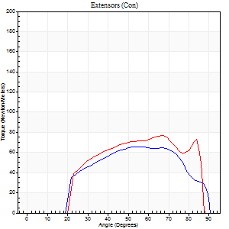
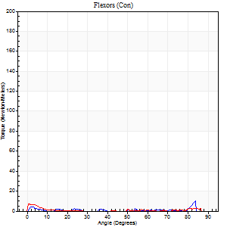
Right Side Curves Left Side Curves
Isokinetic Con/Con |  |  |  | Extensors (Con) |  | Flexors (Con)
Speed 240/240 d/s 3 Reps |  |  |  | Value | Cof Var | %BW | Value | Cof Var | %BW | Ratio

TORQUE PARAMETERS
Peak Torque (Newton-Meters - Best Repetition)
Right |  |  |  | 65 | 0.06 | 80 | 9 | 0.55 | 12 | 15
Left |  |  |  | 77 | 0.09 | 95 | 8 | 0.46 | 9 | 11
Deficit |  |  |  | 16 |  |  | 14
Work per Repetition (Newton-Meters - Best Repetition)
Right |  |  |  | 65 | 0.07 | 80 | 1 | 0.39 | 3 | 2
Left |  |  |  | 75 | 0.1 | 92 | 1 | 0.22 | 3 | 2
Deficit |  |  |  | 13 |  |  | 0
Average Power per Repetition (Watts - Best Repetition)
Right |  |  |  | 120 | 0.07 | 149 | 1 | 0.28 | 2 | 1
Left |  |  |  | 130 | 0.08 | 163 | 1 | 0.11 | 2 | 1
Deficit |  |  |  | 8 |  |  | 0
POSITION PARAMETERS
Joint Angle at Peak Torque (Degrees)
Right |  |  |  | 54 | 0.04 |  | 29 | 1.66
Left |  |  |  | 59 | 0.12 |  | 1 | 0.44
Range of Motion (Degrees)
Right |  |  |  | 0 | 0.81 |  | 90 | 0.01
Left |  |  |  | 0 | 1.77 |  | 89 | 0.02
TIME PARAMETERS
Time to Peak Torque (Seconds)
Right |  |  |  | 0.21 | 0 |  | 0.59 | 1.56
Left |  |  |  | 0.23 | 0.12 |  | 0.11 | 0.71
Time Peak Torque Held (Seconds)
Right |  |  |  | 0.01 | 0.87 |  | 0 | 0
Left |  |  |  | 0 | 1.73 |  | 0 | 0
Force Decay Time (Seconds)
Right |  |  |  | 0.31 | 0.02 |  | 1.77 | 0.83
Left |  |  |  | 0.34 | 0.1 |  | 2.63 | 0.18
Reciprocal Delay (Seconds)
Right |  |  |  | 0.09 | 0.63 |  | 0.19 | 0.22
Left |  |  |  | 0.11 | 0.77 |  | 0.57 | 1.25
Delay Time (Seconds)
Right |  |  |  | -0.01 | -1.41 |  | 0.37 | 1.99
Left |  |  |  | -0.01 | 0 |  | -0.08 | -0.53
HUMAC2015® Version: 15.000.0074 © Computer Sports Medicine, Inc. www.csmisolutions.com

Use File, Preference to set Report Heading
Isometric - Knee Extension/Flexion
Name: |  |  |  | TR030_FP3075, | ID: | TR030 | Right/Left: | 23.11.2022 23.11.2022

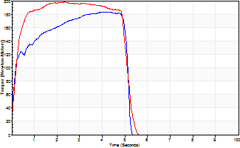
Isometric Extensors (Con) Angle 60 Time 10 Repetition 2 (Best Repetition)
 | Value | Cof Var | %BW
Peak Torque (Newton-Meters)
Right | 183 | 0.03 | 229
Left | 198 | 0.01 | 247
Deficit | 8
Average Torque (Newton-Meters)
Right | 81 | 0.05 | 101
Left | 94 | 0.03 | 116
Deficit | 13
Peak Torque Slope (Newton-Meters/Seconds)
Right | 43 | 0.12 | 54
Left | 84 | 0.34 | 105 |  | Right Side Curves Left Side Curves
Deficit | 49
Time to Half Peak Torque (Seconds)
Right | 0.31 | 0.74
Left | 0.16 | 0.32
Time to Peak Torque (Seconds)
Right | 4.48 | 0.09
Left | 3.07 | 0.33
HUMAC2015® Version: 15.000.0074 © Computer Sports Medicine, Inc. www.csmisolutions.com

