pre1
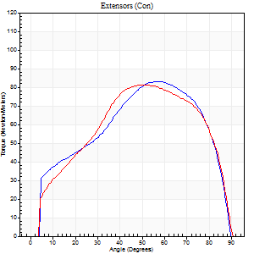
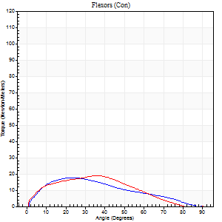
Use File, Preference to set Report Heading
Long Form Torque vs. Position Report - Knee Extension/Flexion
Name: |  |  |  | TR030_FP3076, | ID: | TR030 | Right/Left: | 26.09.2023 26.09.2023

Right Side Curves Left Side Curves
Isokinetic Con/Con |  |  |  | Extensors (Con) |  | Flexors (Con)
Speed 60/60 d/s 3 Reps |  |  |  | Value | Cof Var | %BW | Value | Cof Var | %BW | Ratio

TORQUE PARAMETERS
Peak Torque (Newton-Meters - Best Repetition)
Right |  |  |  | 83 | 0.04 | 104 | 18 | 0.24 | 21 | 21
Left |  |  |  | 81 | 0.04 | 101 | 19 | 0.24 | 24 | 23
Deficit |  |  |  | 2 |  |  | 7
Work per Repetition (Newton-Meters - Best Repetition)
Right |  |  |  | 88 | 0.05 | 110 | 15 | 0.26 | 18 | 17
Left |  |  |  | 88 | 0.04 | 110 | 16 | 0.23 | 21 | 18
Deficit |  |  |  | 0 |  |  | 8
Average Power per Repetition (Watts - Best Repetition)
Right |  |  |  | 57 | 0.07 | 70 | 10 | 0.33 | 13 | 18
Left |  |  |  | 56 | 0.05 | 70 | 10 | 0.23 | 13 | 18
Deficit |  |  |  | 2 |  |  | 0
POSITION PARAMETERS
Joint Angle at Peak Torque (Degrees)
Right |  |  |  | 57 | 0.01 |  | 22 | 0.24
Left |  |  |  | 52 | 0.03 |  | 26 | 0.41
Range of Motion (Degrees)
Right |  |  |  | 0 | 0 |  | 90 | 0
Left |  |  |  | 0 | 0.47 |  | 90 | 0
TIME PARAMETERS
Time to Peak Torque (Seconds)
Right |  |  |  | 0.61 | 0.06 |  | 0.39 | 0.26
Left |  |  |  | 0.7 | 0.01 |  | 0.49 | 0.36
Time Peak Torque Held (Seconds)
Right |  |  |  | 0.07 | 0.31 |  | 0.11 | 1.15
Left |  |  |  | 0.05 | 0.57 |  | 0.11 | 0.54
Force Decay Time (Seconds)
Right |  |  |  | 0.91 | 0.03 |  | 1.16 | 0.36
Left |  |  |  | 0.84 | 0.04 |  | 1.06 | 0.08
Reciprocal Delay (Seconds)
Right |  |  |  | 0.12 | 0.17 |  | 0.21 | 0.13
Left |  |  |  | 0.26 | 0.08 |  | 0.2 | 0.1
Delay Time (Seconds)
Right |  |  |  | -0.04 | -0.2 |  | 0.02 | 0.25
Left |  |  |  | -0.04 | -0.35 |  | 0 | -4.58
HUMAC2015® Version: 15.000.0074 © Computer Sports Medicine, Inc. www.csmisolutions.com

Use File, Preference to set Report Heading
Long Form Torque vs. Position Report - Knee Extension/Flexion
Name: |  |  |  | TR030_FP3076, | ID: | TR030 | Right/Left: | 26.09.2023 26.09.2023
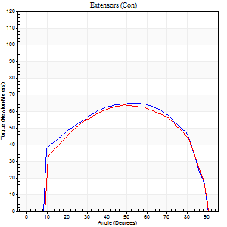
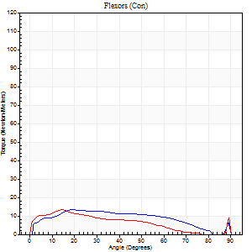
Right Side Curves Left Side Curves
Isokinetic Con/Con |  |  |  | Extensors (Con) |  | Flexors (Con)
Speed 120/120 d/s 3 Reps |  |  |  | Value | Cof Var | %BW | Value | Cof Var | %BW | Ratio

TORQUE PARAMETERS
Peak Torque (Newton-Meters - Best Repetition)
Right |  |  |  | 65 | 0.08 | 80 | 14 | 0.23 | 18 | 21
Left |  |  |  | 64 | 0.04 | 80 | 14 | 0.07 | 18 | 21
Deficit |  |  |  | 2 |  |  | 0
Work per Repetition (Newton-Meters - Best Repetition)
Right |  |  |  | 75 | 0.09 | 92 | 14 | 0.37 | 18 | 18
Left |  |  |  | 72 | 0.05 | 89 | 9 | 0.06 | 12 | 13
Deficit |  |  |  | 4 |  |  | 30
Average Power per Repetition (Watts - Best Repetition)
Right |  |  |  | 85 | 0.1 | 105 | 15 | 0.41 | 20 | 18
Left |  |  |  | 82 | 0.06 | 103 | 11 | 0.07 | 13 | 13
Deficit |  |  |  | 4 |  |  | 27
POSITION PARAMETERS
Joint Angle at Peak Torque (Degrees)
Right |  |  |  | 49 | 0.15 |  | 19 | 0.12
Left |  |  |  | 50 | 0.06 |  | 16 | 0.13
Range of Motion (Degrees)
Right |  |  |  | 0 | 0.54 |  | 90 | 0
Left |  |  |  | 0 | 1.06 |  | 90 | 0
TIME PARAMETERS
Time to Peak Torque (Seconds)
Right |  |  |  | 0.42 | 0.24 |  | 0.24 | 0.19
Left |  |  |  | 0.4 | 0.04 |  | 0.24 | 0.15
Time Peak Torque Held (Seconds)
Right |  |  |  | 0.05 | 0.12 |  | 0.03 | 0.94
Left |  |  |  | 0.02 | 0.65 |  | 0.02 | 0.87
Force Decay Time (Seconds)
Right |  |  |  | 0.42 | 0.12 |  | 0.62 | 0.07
Left |  |  |  | 0.46 | 0.04 |  | 0.66 | 0.07
Reciprocal Delay (Seconds)
Right |  |  |  | 0.22 | 0.43 |  | 0.18 | 0.31
Left |  |  |  | 0.2 | 0.14 |  | 0.18 | 0.29
Delay Time (Seconds)
Right |  |  |  | 0 | 0 |  | 0.02 | 0.25
Left |  |  |  | -0.02 | -0.28 |  | -0.03 | -0.43
HUMAC2015® Version: 15.000.0074 © Computer Sports Medicine, Inc. www.csmisolutions.com

Use File, Preference to set Report Heading
Long Form Torque vs. Position Report - Knee Extension/Flexion
Name: |  |  |  | TR030_FP3076, | ID: | TR030 | Right/Left: | 26.09.2023 26.09.2023
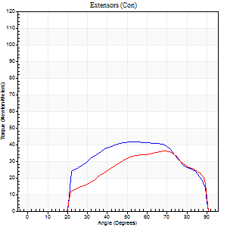
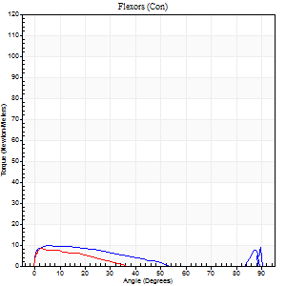
Right Side Curves Left Side Curves
Isokinetic Con/Con |  |  |  | Extensors (Con) |  | Flexors (Con)
Speed 240/240 d/s 3 Reps |  |  |  | Value | Cof Var | %BW | Value | Cof Var | %BW | Ratio

TORQUE PARAMETERS
Peak Torque (Newton-Meters - Best Repetition)
Right |  |  |  | 42 | 0.05 | 54 | 9 | 0.07 | 12 | 23
Left |  |  |  | 37 | 0.26 | 45 | 8 | 0.06 | 9 | 22
Deficit |  |  |  | 13 |  |  | 14
Work per Repetition (Newton-Meters - Best Repetition)
Right |  |  |  | 41 | 0.02 | 51 | 7 | 0.27 | 9 | 17
Left |  |  |  | 33 | 0.23 | 42 | 4 | 0.09 | 6 | 12
Deficit |  |  |  | 20 |  |  | 40
Average Power per Repetition (Watts - Best Repetition)
Right |  |  |  | 67 | 0.06 | 84 | 10 | 0.38 | 13 | 15
Left |  |  |  | 55 | 0.27 | 68 | 4 | 0.18 | 4 | 7
Deficit |  |  |  | 18 |  |  | 60
POSITION PARAMETERS
Joint Angle at Peak Torque (Degrees)
Right |  |  |  | 51 | 0.1 |  | 8 | 0.46
Left |  |  |  | 65 | 0.04 |  | 32 | 1.53
Range of Motion (Degrees)
Right |  |  |  | 0 | -1.41 |  | 90 | 0
Left |  |  |  | 0 | 0 |  | 90 | 0
TIME PARAMETERS
Time to Peak Torque (Seconds)
Right |  |  |  | 0.31 | 0.2 |  | 0.17 | 0.26
Left |  |  |  | 0.24 | 0.06 |  | 0.37 | 1.06
Time Peak Torque Held (Seconds)
Right |  |  |  | 0.02 | 0.35 |  | 0.01 | 1.73
Left |  |  |  | 0 | 1.73 |  | 0 | 1.73
Force Decay Time (Seconds)
Right |  |  |  | 0.3 | 0.09 |  | 0.64 | 0.33
Left |  |  |  | 0.39 | 0.04 |  | 0.53 | 0.86
Reciprocal Delay (Seconds)
Right |  |  |  | 0.25 | 0.43 |  | 0.31 | 0.16
Left |  |  |  | 0.21 | 0.07 |  | 0.61 | 0.41
Delay Time (Seconds)
Right |  |  |  | -0.04 | -0.47 |  | -0.03 | -0.88
Left |  |  |  | -0.04 | -0.2 |  | -0.04 | -0.31
HUMAC2015® Version: 15.000.0074 © Computer Sports Medicine, Inc. www.csmisolutions.com

Use File, Preference to set Report Heading
Isometric - Knee Extension/Flexion
Name: |  |  |  | TR030_FP3076, | ID: | TR030 | Right/Left: | 26.09.2023 26.09.2023

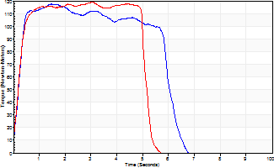
Isometric Extensors (Con) Angle 60 Time 10 Repetition 2 (Best Repetition)
 | Value | Cof Var | %BW
Peak Torque (Newton-Meters)
Right | 118 | 0.14 | 146
Left | 119 | 0.21 | 149
Deficit | 1
Average Torque (Newton-Meters)
Right | 64 | 0.57 | 80
Left | 57 | 0.53 | 72
Deficit | 11
Peak Torque Slope (Newton-Meters/Seconds)
Right | 80 | 0.93 | 100
Left | 39 | 0.11 | 48 |  | Right Side Curves Left Side Curves
Deficit | 52
Time to Half Peak Torque (Seconds)
Right | 0.42 | 0.64
Left | 0.97 | 1.09
Time to Peak Torque (Seconds)
Right | 3.64 | 0.85
Left | 2.88 | 0.1
HUMAC2015® Version: 15.000.0074 © Computer Sports Medicine, Inc. www.csmisolutions.com

pre2
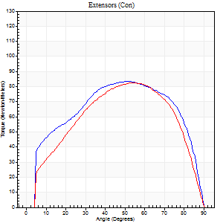
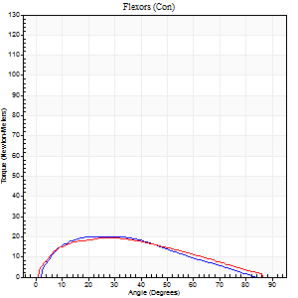
Use File, Preference to set Report Heading
Long Form Torque vs. Position Report - Knee Extension/Flexion
Name: |  |  |  | TR030_FP3094, | ID: | TR030 | Right/Left: | 04.10.2023 04.10.2023

Right Side Curves Left Side Curves
Isokinetic Con/Con |  |  |  | Extensors (Con) |  | Flexors (Con)
Speed 60/60 d/s 3 Reps |  |  |  | Value | Cof Var | %BW | Value | Cof Var | %BW | Ratio

TORQUE PARAMETERS
Peak Torque (Newton-Meters - Best Repetition)
Right |  |  |  | 84 | 0.02 | 113 | 20 | 0.28 | 27 | 24
Left |  |  |  | 83 | 0.03 | 110 | 19 | 0.16 | 24 | 23
Deficit |  |  |  | 2 |  |  | 7
Work per Repetition (Newton-Meters - Best Repetition)
Right |  |  |  | 98 | 0.04 | 131 | 18 | 0.28 | 24 | 18
Left |  |  |  | 88 | 0.02 | 116 | 19 | 0.19 | 24 | 22
Deficit |  |  |  | 10 |  |  | 7
Average Power per Repetition (Watts - Best Repetition)
Right |  |  |  | 61 | 0.04 | 81 | 12 | 0.27 | 15 | 20
Left |  |  |  | 57 | 0.02 | 77 | 13 | 0.18 | 18 | 23
Deficit |  |  |  | 7 |  |  | 8
POSITION PARAMETERS
Joint Angle at Peak Torque (Degrees)
Right |  |  |  | 52 | 0 |  | 22 | 0.14
Left |  |  |  | 53 | 0.04 |  | 25 | 0.4
Range of Motion (Degrees)
Right |  |  |  | 0 | 0.71 |  | 90 | 0
Left |  |  |  | 0 | 0.85 |  | 90 | 0
TIME PARAMETERS
Time to Peak Torque (Seconds)
Right |  |  |  | 0.68 | 0 |  | 0.39 | 0.09
Left |  |  |  | 0.65 | 0.02 |  | 0.45 | 0.35
Time Peak Torque Held (Seconds)
Right |  |  |  | 0.06 | 0.71 |  | 0.05 | 1.73
Left |  |  |  | 0.08 | 0.25 |  | 0.06 | 1.73
Force Decay Time (Seconds)
Right |  |  |  | 0.84 | 0.06 |  | 1.11 | 0.09
Left |  |  |  | 0.82 | 0.06 |  | 1.01 | 0.05
Reciprocal Delay (Seconds)
Right |  |  |  | 0.19 | 0.62 |  | 0.25 | 0.49
Left |  |  |  | 0.13 | 0.33 |  | 0.13 | 0.46
Delay Time (Seconds)
Right |  |  |  | -0.02 | -0.28 |  | 0.02 | 1.38
Left |  |  |  | 0 | 0 |  | 0 | -1.73
HUMAC2015® Version: 15.000.0074 © Computer Sports Medicine, Inc. www.csmisolutions.com

Use File, Preference to set Report Heading
Long Form Torque vs. Position Report - Knee Extension/Flexion
Name: |  |  |  | TR030_FP3094, | ID: | TR030 | Right/Left: | 04.10.2023 04.10.2023
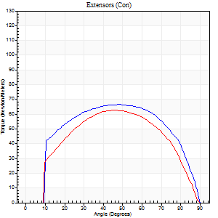
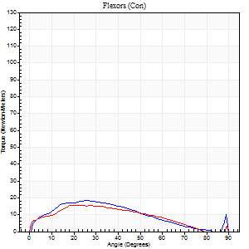
Right Side Curves Left Side Curves
Isokinetic Con/Con |  |  |  | Extensors (Con) |  | Flexors (Con)
Speed 120/120 d/s 3 Reps |  |  |  | Value | Cof Var | %BW | Value | Cof Var | %BW | Ratio

TORQUE PARAMETERS
Peak Torque (Newton-Meters - Best Repetition)
Right |  |  |  | 66 | 0.11 | 89 | 18 | 0.08 | 24 | 27
Left |  |  |  | 62 | 0.1 | 83 | 16 | 0.08 | 21 | 26
Deficit |  |  |  | 6 |  |  | 8
Work per Repetition (Newton-Meters - Best Repetition)
Right |  |  |  | 75 | 0.07 | 98 | 15 | 0.06 | 21 | 20
Left |  |  |  | 65 | 0.09 | 86 | 14 | 0.18 | 18 | 21
Deficit |  |  |  | 13 |  |  | 9
Average Power per Repetition (Watts - Best Repetition)
Right |  |  |  | 83 | 0.18 | 110 | 18 | 0.08 | 24 | 22
Left |  |  |  | 72 | 0.1 | 97 | 15 | 0.15 | 20 | 21
Deficit |  |  |  | 13 |  |  | 17
POSITION PARAMETERS
Joint Angle at Peak Torque (Degrees)
Right |  |  |  | 50 | 0.16 |  | 19 | 0.31
Left |  |  |  | 45 | 0.11 |  | 20 | 0.11
Range of Motion (Degrees)
Right |  |  |  | 0 | 0.2 |  | 90 | 0
Left |  |  |  | 0 | 0.81 |  | 90 | 0.01
TIME PARAMETERS
Time to Peak Torque (Seconds)
Right |  |  |  | 0.44 | 0.02 |  | 0.21 | 0.26
Left |  |  |  | 0.44 | 0.15 |  | 0.26 | 0.11
Time Peak Torque Held (Seconds)
Right |  |  |  | 0.04 | 0.71 |  | 0 | 0
Left |  |  |  | 0.02 | 1 |  | 0.01 | 1
Force Decay Time (Seconds)
Right |  |  |  | 0.44 | 0.22 |  | 0.62 | 0.07
Left |  |  |  | 0.42 | 0.14 |  | 0.6 | 0.01
Reciprocal Delay (Seconds)
Right |  |  |  | 0.09 | 0.25 |  | 0.13 | 0.13
Left |  |  |  | 0.1 | 0 |  | 0.14 | 0.11
Delay Time (Seconds)
Right |  |  |  | -0.04 | -0.61 |  | 0.01 | 0.87
Left |  |  |  | -0.01 | -0.47 |  | -0.02 | -0.49
HUMAC2015® Version: 15.000.0074 © Computer Sports Medicine, Inc. www.csmisolutions.com

Use File, Preference to set Report Heading
Long Form Torque vs. Position Report - Knee Extension/Flexion
Name: |  |  |  | TR030_FP3094, | ID: | TR030 | Right/Left: | 04.10.2023 04.10.2023
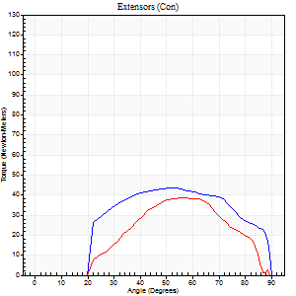
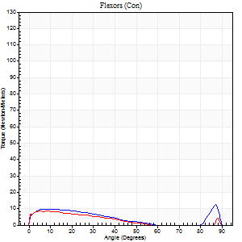
Right Side Curves Left Side Curves
Isokinetic Con/Con |  |  |  | Extensors (Con) |  | Flexors (Con)
Speed 240/240 d/s 3 Reps |  |  |  | Value | Cof Var | %BW | Value | Cof Var | %BW | Ratio

TORQUE PARAMETERS
Peak Torque (Newton-Meters - Best Repetition)
Right |  |  |  | 43 | 0.36 | 57 | 12 | 0.24 | 15 | 28
Left |  |  |  | 38 | 0.07 | 51 | 8 | 0.12 | 12 | 21
Deficit |  |  |  | 13 |  |  | 33
Work per Repetition (Newton-Meters - Best Repetition)
Right |  |  |  | 43 | 0.46 | 57 | 9 | 0.35 | 12 | 22
Left |  |  |  | 31 | 0.1 | 42 | 5 | 0.23 | 6 | 17
Deficit |  |  |  | 28 |  |  | 43
Average Power per Repetition (Watts - Best Repetition)
Right |  |  |  | 75 | 0.73 | 99 | 15 | 0.37 | 20 | 20
Left |  |  |  | 46 | 0.07 | 62 | 7 | 0.31 | 9 | 15
Deficit |  |  |  | 39 |  |  | 53
POSITION PARAMETERS
Joint Angle at Peak Torque (Degrees)
Right |  |  |  | 60 | 0.1 |  | 36 | 1.23
Left |  |  |  | 58 | 0.1 |  | 6 | 0.52
Range of Motion (Degrees)
Right |  |  |  | 0 | 0.47 |  | 90 | 0
Left |  |  |  | 0 | 0 |  | 89 | 0.01
TIME PARAMETERS
Time to Peak Torque (Seconds)
Right |  |  |  | 0.29 | 0.07 |  | 0.32 | 0.73
Left |  |  |  | 0.35 | 0.06 |  | 0.17 | 0.23
Time Peak Torque Held (Seconds)
Right |  |  |  | 0.01 | 1.15 |  | 0.01 | 1
Left |  |  |  | 0.01 | 1.73 |  | 0.03 | 1.73
Force Decay Time (Seconds)
Right |  |  |  | 0.33 | 0.16 |  | 0.32 | 0.71
Left |  |  |  | 0.35 | 0.17 |  | 0.59 | 0.13
Reciprocal Delay (Seconds)
Right |  |  |  | 0.09 | 0.22 |  | 0.16 | 0.22
Left |  |  |  | 0.09 | 0.16 |  | 0.15 | 0.04
Delay Time (Seconds)
Right |  |  |  | -0.01 | -5.66 |  | -0.02 | -0.5
Left |  |  |  | -0.05 | 0 |  | -0.05 | -0.12
HUMAC2015® Version: 15.000.0074 © Computer Sports Medicine, Inc. www.csmisolutions.com

Use File, Preference to set Report Heading
Isometric - Knee Extension/Flexion
Name: |  |  |  | TR030_FP3094, | ID: | TR030 | Right/Left: | 04.10.2023 04.10.2023

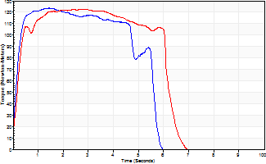
Isometric Extensors (Con) Angle 60 Time 10 Repetition 2 (Best Repetition)
 | Value | Cof Var | %BW
Peak Torque (Newton-Meters)
Right | 123 | 0.11 | 164
Left | 123 | 0.36 | 164
Deficit | 0
Average Torque (Newton-Meters)
Right | 61 | 0.27 | 80
Left | 71 | 0.38 | 95
Deficit | 13
Peak Torque Slope (Newton-Meters/Seconds)
Right | 86 | 1.02 | 114
Left | 44 | 0.62 | 59 |  | Right Side Curves Left Side Curves
Deficit | 48
Time to Half Peak Torque (Seconds)
Right | 0.28 | 0.64
Left | 0.35 | 0.57
Time to Peak Torque (Seconds)
Right | 4.47 | 0.96
Left | 3.47 | 0.29
HUMAC2015® Version: 15.000.0074 © Computer Sports Medicine, Inc. www.csmisolutions.com

mid1
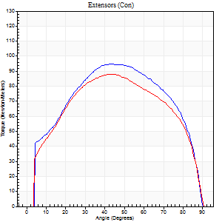
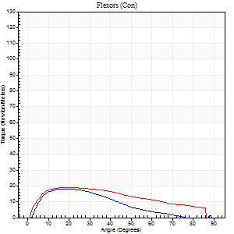
Use File, Preference to set Report Heading
Long Form Torque vs. Position Report - Knee Extension/Flexion
Name: |  |  |  | TR030_FP3076, | ID: | TR030 | Right/Left: | 08.11.2023 08.11.2023

Right Side Curves Left Side Curves
Isokinetic Con/Con |  |  |  | Extensors (Con) |  | Flexors (Con)
Speed 60/60 d/s 3 Reps |  |  |  | Value | Cof Var | %BW | Value | Cof Var | %BW | Ratio

TORQUE PARAMETERS
Peak Torque (Newton-Meters - Best Repetition)
Right |  |  |  | 95 | 0.09 | 119 | 18 | 0.08 | 21 | 19
Left |  |  |  | 88 | 0.06 | 110 | 19 | 0.11 | 24 | 22
Deficit |  |  |  | 7 |  |  | 7
Work per Repetition (Newton-Meters - Best Repetition)
Right |  |  |  | 108 | 0.06 | 134 | 14 | 0.06 | 18 | 12
Left |  |  |  | 100 | 0.04 | 125 | 20 | 0.22 | 27 | 20
Deficit |  |  |  | 8 |  |  | 33
Average Power per Repetition (Watts - Best Repetition)
Right |  |  |  | 68 | 0.09 | 86 | 8 | 0.04 | 11 | 12
Left |  |  |  | 65 | 0.05 | 81 | 13 | 0.22 | 15 | 20
Deficit |  |  |  | 4 |  |  | 38
POSITION PARAMETERS
Joint Angle at Peak Torque (Degrees)
Right |  |  |  | 43 | 0.01 |  | 14 | 0.06
Left |  |  |  | 40 | 0.08 |  | 21 | 0.18
Range of Motion (Degrees)
Right |  |  |  | 0 | 0.28 |  | 90 | 0
Left |  |  |  | 0 | 1.41 |  | 90 | 0
TIME PARAMETERS
Time to Peak Torque (Seconds)
Right |  |  |  | 0.82 | 0.01 |  | 0.22 | 0.07
Left |  |  |  | 0.86 | 0.03 |  | 0.35 | 0.12
Time Peak Torque Held (Seconds)
Right |  |  |  | 0.07 | 0.62 |  | 0.02 | 0.92
Left |  |  |  | 0.06 | 0.24 |  | 0.08 | 1
Force Decay Time (Seconds)
Right |  |  |  | 0.69 | 0.06 |  | 1.41 | 0.08
Left |  |  |  | 0.63 | 0.06 |  | 1.09 | 0.09
Reciprocal Delay (Seconds)
Right |  |  |  | 0.31 | 0.16 |  | 0.18 | 0.07
Left |  |  |  | 0.15 | 0.28 |  | 0.14 | 0.45
Delay Time (Seconds)
Right |  |  |  | -0.02 | -0.28 |  | 0.06 | 0.18
Left |  |  |  | 0 | 4.24 |  | 0.02 | 0.69
HUMAC2015® Version: 15.000.0074 © Computer Sports Medicine, Inc. www.csmisolutions.com

Use File, Preference to set Report Heading
Long Form Torque vs. Position Report - Knee Extension/Flexion
Name: |  |  |  | TR030_FP3076, | ID: | TR030 | Right/Left: | 08.11.2023 08.11.2023
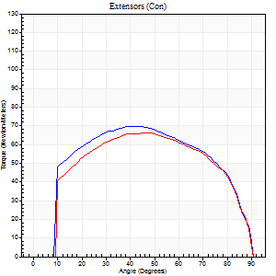
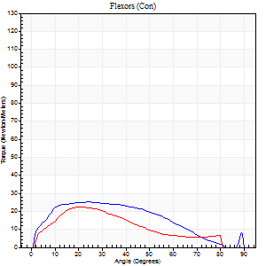
Right Side Curves Left Side Curves
Isokinetic Con/Con |  |  |  | Extensors (Con) |  | Flexors (Con)
Speed 120/120 d/s 3 Reps |  |  |  | Value | Cof Var | %BW | Value | Cof Var | %BW | Ratio

TORQUE PARAMETERS
Peak Torque (Newton-Meters - Best Repetition)
Right |  |  |  | 69 | 0.06 | 86 | 26 | 0.2 | 33 | 37
Left |  |  |  | 66 | 0.05 | 83 | 23 | 0.28 | 30 | 35
Deficit |  |  |  | 4 |  |  | 11
Work per Repetition (Newton-Meters - Best Repetition)
Right |  |  |  | 81 | 0.06 | 101 | 24 | 0.35 | 30 | 30
Left |  |  |  | 76 | 0.04 | 95 | 18 | 0.22 | 21 | 23
Deficit |  |  |  | 7 |  |  | 28
Average Power per Repetition (Watts - Best Repetition)
Right |  |  |  | 93 | 0.06 | 116 | 29 | 0.37 | 35 | 31
Left |  |  |  | 88 | 0.03 | 110 | 21 | 0.25 | 26 | 24
Deficit |  |  |  | 5 |  |  | 28
POSITION PARAMETERS
Joint Angle at Peak Torque (Degrees)
Right |  |  |  | 40 | 0.03 |  | 21 | 0.32
Left |  |  |  | 41 | 0.12 |  | 19 | 0.09
Range of Motion (Degrees)
Right |  |  |  | 0 | 0.11 |  | 90 | 0
Left |  |  |  | 1 | 0.77 |  | 89 | 0.01
TIME PARAMETERS
Time to Peak Torque (Seconds)
Right |  |  |  | 0.5 | 0.01 |  | 0.22 | 0.25
Left |  |  |  | 0.46 | 0.03 |  | 0.24 | 0.04
Time Peak Torque Held (Seconds)
Right |  |  |  | 0.04 | 0.25 |  | 0.01 | 0.87
Left |  |  |  | 0.02 | 0.65 |  | 0.02 | 1.25
Force Decay Time (Seconds)
Right |  |  |  | 0.35 | 0.07 |  | 0.62 | 0.07
Left |  |  |  | 0.38 | 0.12 |  | 0.58 | 0.02
Reciprocal Delay (Seconds)
Right |  |  |  | 0.12 | 0.35 |  | 0.13 | 0.2
Left |  |  |  | 0.08 | 0.28 |  | 0.12 | 0.29
Delay Time (Seconds)
Right |  |  |  | -0.03 | -0.47 |  | 0.01 | 1.73
Left |  |  |  | 0 | 1.41 |  | -0.01 | -0.87
HUMAC2015® Version: 15.000.0074 © Computer Sports Medicine, Inc. www.csmisolutions.com

Use File, Preference to set Report Heading
Long Form Torque vs. Position Report - Knee Extension/Flexion
Name: |  |  |  | TR030_FP3076, | ID: | TR030 | Right/Left: | 08.11.2023 08.11.2023
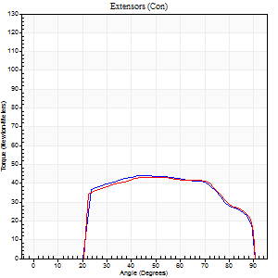
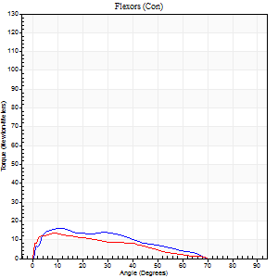
Right Side Curves Left Side Curves
Isokinetic Con/Con |  |  |  | Extensors (Con) |  | Flexors (Con)
Speed 240/240 d/s 3 Reps |  |  |  | Value | Cof Var | %BW | Value | Cof Var | %BW | Ratio

TORQUE PARAMETERS
Peak Torque (Newton-Meters - Best Repetition)
Right |  |  |  | 45 | 0.03 | 57 | 16 | 0.14 | 21 | 36
Left |  |  |  | 43 | 0.07 | 54 | 14 | 0.04 | 18 | 31
Deficit |  |  |  | 3 |  |  | 17
Work per Repetition (Newton-Meters - Best Repetition)
Right |  |  |  | 46 | 0.03 | 57 | 12 | 0.13 | 15 | 26
Left |  |  |  | 46 | 0.09 | 57 | 12 | 0.2 | 15 | 26
Deficit |  |  |  | 0 |  |  | 0
Average Power per Repetition (Watts - Best Repetition)
Right |  |  |  | 80 | 0.02 | 99 | 23 | 0.17 | 29 | 29
Left |  |  |  | 79 | 0.11 | 99 | 20 | 0.22 | 24 | 25
Deficit |  |  |  | 1 |  |  | 13
POSITION PARAMETERS
Joint Angle at Peak Torque (Degrees)
Right |  |  |  | 50 | 0.1 |  | 11 | 0.15
Left |  |  |  | 47 | 0.03 |  | 35 | 1.25
Range of Motion (Degrees)
Right |  |  |  | 1 | 0.47 |  | 90 | 0.01
Left |  |  |  | 1 | 0.43 |  | 89 | 0.01
TIME PARAMETERS
Time to Peak Torque (Seconds)
Right |  |  |  | 0.26 | 0.03 |  | 0.12 | 0.05
Left |  |  |  | 0.32 | 0.02 |  | 0.28 | 0.75
Time Peak Torque Held (Seconds)
Right |  |  |  | 0.01 | 1.73 |  | 0.01 | 1
Left |  |  |  | 0.02 | 0.35 |  | 0.01 | 1.73
Force Decay Time (Seconds)
Right |  |  |  | 0.28 | 0.13 |  | 0.41 | 0.09
Left |  |  |  | 0.26 | 0.06 |  | 0.28 | 0.72
Reciprocal Delay (Seconds)
Right |  |  |  | 0.1 | 0.28 |  | 0.1 | 0.35
Left |  |  |  | 0.06 | 0.11 |  | 0.09 | 0.34
Delay Time (Seconds)
Right |  |  |  | -0.05 | 0 |  | 0.01 | 3.12
Left |  |  |  | -0.03 | 0 |  | -0.03 | -0.22
HUMAC2015® Version: 15.000.0074 © Computer Sports Medicine, Inc. www.csmisolutions.com

Use File, Preference to set Report Heading
Isometric - Knee Extension/Flexion
Name: |  |  |  | TR030_FP3076, | ID: | TR030 | Right/Left: | 08.11.2023 08.11.2023

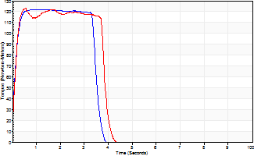
Isometric Extensors (Con) Angle 60 Time 10 Repetition 2 (Best Repetition)
 | Value | Cof Var | %BW
Peak Torque (Newton-Meters)
Right | 122 | 0.01 | 152
Left | 123 | 0.01 | 155
Deficit | 1
Average Torque (Newton-Meters)
Right | 43 | 0.05 | 54
Left | 46 | 0.03 | 57
Deficit | 6
Peak Torque Slope (Newton-Meters/Seconds)
Right | 128 | 0.1 | 159
Left | 228 | 0.63 | 284 |  | Right Side Curves Left Side Curves
Deficit | 44
Time to Half Peak Torque (Seconds)
Right | 0.09 | 0.07
Left | 0.11 | 0.13
Time to Peak Torque (Seconds)
Right | 1.01 | 0.11
Left | 0.95 | 0.63
HUMAC2015® Version: 15.000.0074 © Computer Sports Medicine, Inc. www.csmisolutions.com

mid2
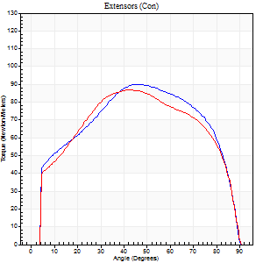
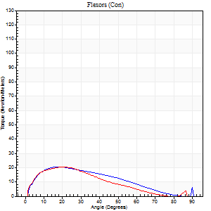
Use File, Preference to set Report Heading
Long Form Torque vs. Position Report - Knee Extension/Flexion
Name: |  |  |  | TR030_FP3076, | ID: | TR030 | Right/Left: | 10.11.2023 10.11.2023

Right Side Curves Left Side Curves
Isokinetic Con/Con |  |  |  | Extensors (Con) |  | Flexors (Con)
Speed 60/60 d/s 3 Reps |  |  |  | Value | Cof Var | %BW | Value | Cof Var | %BW | Ratio

TORQUE PARAMETERS
Peak Torque (Newton-Meters - Best Repetition)
Right |  |  |  | 89 | 0.06 | 113 | 20 | 0.2 | 27 | 23
Left |  |  |  | 87 | 0.07 | 107 | 20 | 0.31 | 27 | 23
Deficit |  |  |  | 3 |  |  | 0
Work per Repetition (Newton-Meters - Best Repetition)
Right |  |  |  | 104 | 0.04 | 131 | 18 | 0.19 | 21 | 17
Left |  |  |  | 102 | 0.05 | 128 | 16 | 0.28 | 21 | 16
Deficit |  |  |  | 3 |  |  | 8
Average Power per Repetition (Watts - Best Repetition)
Right |  |  |  | 68 | 0.06 | 86 | 11 | 0.21 | 13 | 16
Left |  |  |  | 64 | 0.05 | 79 | 11 | 0.26 | 13 | 17
Deficit |  |  |  | 6 |  |  | 0
POSITION PARAMETERS
Joint Angle at Peak Torque (Degrees)
Right |  |  |  | 45 | 0.09 |  | 16 | 0.12
Left |  |  |  | 38 | 0.11 |  | 19 | 0.23
Range of Motion (Degrees)
Right |  |  |  | 0 | 0.81 |  | 90 | 0
Left |  |  |  | 0 | 0 |  | 90 | 0.01
TIME PARAMETERS
Time to Peak Torque (Seconds)
Right |  |  |  | 0.8 | 0.14 |  | 0.25 | 0.19
Left |  |  |  | 0.88 | 0.09 |  | 0.33 | 0.23
Time Peak Torque Held (Seconds)
Right |  |  |  | 0.06 | 0.18 |  | 0.02 | 1.73
Left |  |  |  | 0.02 | 0.25 |  | 0.08 | 0.22
Force Decay Time (Seconds)
Right |  |  |  | 0.69 | 0.05 |  | 1.3 | 0.1
Left |  |  |  | 0.66 | 0.1 |  | 1.11 | 0.07
Reciprocal Delay (Seconds)
Right |  |  |  | 0.17 | 0.75 |  | 0.16 | 0.31
Left |  |  |  | 0.09 | 0.58 |  | 0.17 | 0.09
Delay Time (Seconds)
Right |  |  |  | 0 | -4.24 |  | 0.05 | 0.69
Left |  |  |  | 0 | 0 |  | 0.02 | 0
HUMAC2015® Version: 15.000.0074 © Computer Sports Medicine, Inc. www.csmisolutions.com

Use File, Preference to set Report Heading
Long Form Torque vs. Position Report - Knee Extension/Flexion
Name: |  |  |  | TR030_FP3076, | ID: | TR030 | Right/Left: | 10.11.2023 10.11.2023
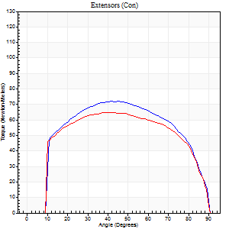
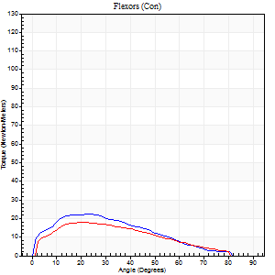
Right Side Curves Left Side Curves
Isokinetic Con/Con |  |  |  | Extensors (Con) |  | Flexors (Con)
Speed 120/120 d/s 3 Reps |  |  |  | Value | Cof Var | %BW | Value | Cof Var | %BW | Ratio

TORQUE PARAMETERS
Peak Torque (Newton-Meters - Best Repetition)
Right |  |  |  | 72 | 0.07 | 89 | 23 | 0.13 | 30 | 32
Left |  |  |  | 65 | 0.08 | 80 | 18 | 0.02 | 21 | 27
Deficit |  |  |  | 9 |  |  | 24
Work per Repetition (Newton-Meters - Best Repetition)
Right |  |  |  | 83 | 0.06 | 104 | 19 | 0.16 | 24 | 23
Left |  |  |  | 77 | 0.08 | 95 | 16 | 0.05 | 21 | 21
Deficit |  |  |  | 7 |  |  | 14
Average Power per Repetition (Watts - Best Repetition)
Right |  |  |  | 95 | 0.06 | 119 | 22 | 0.15 | 26 | 23
Left |  |  |  | 88 | 0.08 | 110 | 19 | 0.06 | 24 | 22
Deficit |  |  |  | 7 |  |  | 14
POSITION PARAMETERS
Joint Angle at Peak Torque (Degrees)
Right |  |  |  | 42 | 0.07 |  | 22 | 0.27
Left |  |  |  | 41 | 0.13 |  | 24 | 0.14
Range of Motion (Degrees)
Right |  |  |  | 0 | 0.61 |  | 90 | 0.01
Left |  |  |  | 0 | 1.23 |  | 90 | 0.01
TIME PARAMETERS
Time to Peak Torque (Seconds)
Right |  |  |  | 0.47 | 0.06 |  | 0.23 | 0.36
Left |  |  |  | 0.43 | 0.16 |  | 0.26 | 0.12
Time Peak Torque Held (Seconds)
Right |  |  |  | 0.04 | 0.5 |  | 0.04 | 1.29
Left |  |  |  | 0.03 | 0.88 |  | 0.03 | 1.42
Force Decay Time (Seconds)
Right |  |  |  | 0.36 | 0.07 |  | 0.56 | 0.05
Left |  |  |  | 0.37 | 0.22 |  | 0.55 | 0.13
Reciprocal Delay (Seconds)
Right |  |  |  | 0.09 | 0.22 |  | 0.12 | 0.26
Left |  |  |  | 0.12 | 0.06 |  | 0.12 | 0.25
Delay Time (Seconds)
Right |  |  |  | -0.03 | -0.47 |  | 0.01 | 2.41
Left |  |  |  | 0 | -4.24 |  | 0.01 | 0.87
HUMAC2015® Version: 15.000.0074 © Computer Sports Medicine, Inc. www.csmisolutions.com

Use File, Preference to set Report Heading
Long Form Torque vs. Position Report - Knee Extension/Flexion
Name: |  |  |  | TR030_FP3076, | ID: | TR030 | Right/Left: | 10.11.2023 10.11.2023
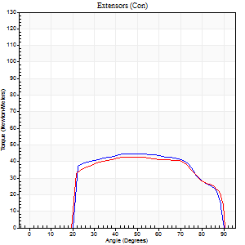
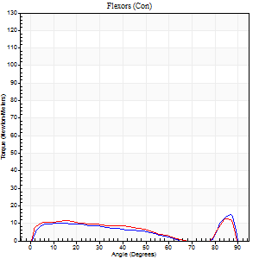
Right Side Curves Left Side Curves
Isokinetic Con/Con |  |  |  | Extensors (Con) |  | Flexors (Con)
Speed 240/240 d/s 3 Reps |  |  |  | Value | Cof Var | %BW | Value | Cof Var | %BW | Ratio

TORQUE PARAMETERS
Peak Torque (Newton-Meters - Best Repetition)
Right |  |  |  | 45 | 0.03 | 57 | 15 | 0.28 | 18 | 33
Left |  |  |  | 42 | 0.03 | 54 | 12 | 0.12 | 15 | 29
Deficit |  |  |  | 6 |  |  | 18
Work per Repetition (Newton-Meters - Best Repetition)
Right |  |  |  | 46 | 0.02 | 57 | 9 | 0.23 | 12 | 21
Left |  |  |  | 46 | 0.06 | 57 | 11 | 0.21 | 15 | 24
Deficit |  |  |  | 0 |  |  | 13
Average Power per Repetition (Watts - Best Repetition)
Right |  |  |  | 81 | 0.01 | 101 | 15 | 0.19 | 20 | 19
Left |  |  |  | 78 | 0.09 | 97 | 18 | 0.26 | 22 | 23
Deficit |  |  |  | 4 |  |  | 17
POSITION PARAMETERS
Joint Angle at Peak Torque (Degrees)
Right |  |  |  | 46 | 0.03 |  | 62 | 0.69
Left |  |  |  | 46 | 0.06 |  | 35 | 1.23
Range of Motion (Degrees)
Right |  |  |  | 0 | 0.13 |  | 90 | 0.01
Left |  |  |  | 1 | 0.22 |  | 89 | 0.01
TIME PARAMETERS
Time to Peak Torque (Seconds)
Right |  |  |  | 0.29 | 0.05 |  | 0.42 | 0.58
Left |  |  |  | 0.34 | 0.02 |  | 0.29 | 0.69
Time Peak Torque Held (Seconds)
Right |  |  |  | 0.01 | 1 |  | 0.02 | 1.73
Left |  |  |  | 0.01 | 1.73 |  | 0 | 0
Force Decay Time (Seconds)
Right |  |  |  | 0.26 | 0.06 |  | 0.14 | 1.11
Left |  |  |  | 0.26 | 0.13 |  | 0.3 | 0.71
Reciprocal Delay (Seconds)
Right |  |  |  | 0.08 | 0.09 |  | 0.11 | 0.24
Left |  |  |  | 0.09 | 0.08 |  | 0.1 | 0.48
Delay Time (Seconds)
Right |  |  |  | -0.05 | -0.16 |  | 0.01 | 0.87
Left |  |  |  | -0.02 | -0.85 |  | -0.03 | -0.22
HUMAC2015® Version: 15.000.0074 © Computer Sports Medicine, Inc. www.csmisolutions.com

Use File, Preference to set Report Heading
Isometric - Knee Extension/Flexion
Name: |  |  |  | TR030_FP3076, | ID: | TR030 | Right/Left: | 10.11.2023 10.11.2023

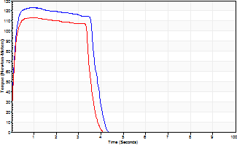
Isometric Extensors (Con) Angle 60 Time 10 Repetition 2 (Best Repetition)
 | Value | Cof Var | %BW
Peak Torque (Newton-Meters)
Right | 123 | 0.03 | 155
Left | 113 | 0 | 140
Deficit | 9
Average Torque (Newton-Meters)
Right | 43 | 0.12 | 54
Left | 38 | 0.11 | 48
Deficit | 13
Peak Torque Slope (Newton-Meters/Seconds)
Right | 138 | 0.23 | 173
Left | 140 | 0.41 | 174 |  | Right Side Curves Left Side Curves
Deficit | 1
Time to Half Peak Torque (Seconds)
Right | 0.09 | 0
Left | 0.14 | 0.37
Time to Peak Torque (Seconds)
Right | 1.02 | 0.2
Left | 1.12 | 0.41
HUMAC2015® Version: 15.000.0074 © Computer Sports Medicine, Inc. www.csmisolutions.com

post1
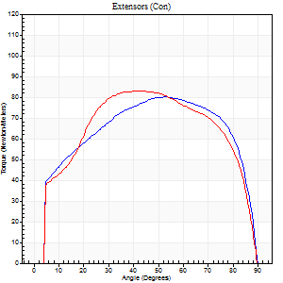
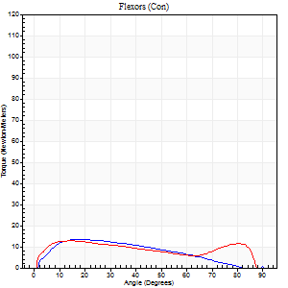
Use File, Preference to set Report Heading
Long Form Torque vs. Position Report - Knee Extension/Flexion
Name: |  |  |  | TR030_FP3076, | ID: | TR030 | Right/Left: | 27.11.2023 27.11.2023

Right Side Curves Left Side Curves
Isokinetic Con/Con |  |  |  | Extensors (Con) |  | Flexors (Con)
Speed 60/60 d/s 3 Reps |  |  |  | Value | Cof Var | %BW | Value | Cof Var | %BW | Ratio

TORQUE PARAMETERS
Peak Torque (Newton-Meters - Best Repetition)
Right |  |  |  | 80 | 0.07 | 101 | 14 | 0.04 | 18 | 17
Left |  |  |  | 83 | 0.06 | 104 | 12 | 0.03 | 15 | 15
Deficit |  |  |  | 3 |  |  | 10
Work per Repetition (Newton-Meters - Best Repetition)
Right |  |  |  | 96 | 0.05 | 119 | 12 | 0.06 | 15 | 13
Left |  |  |  | 98 | 0.05 | 122 | 14 | 0.14 | 18 | 14
Deficit |  |  |  | 1 |  |  | 10
Average Power per Repetition (Watts - Best Repetition)
Right |  |  |  | 62 | 0.05 | 77 | 8 | 0.08 | 11 | 13
Left |  |  |  | 62 | 0.04 | 77 | 9 | 0.16 | 11 | 15
Deficit |  |  |  | 0 |  |  | 11
POSITION PARAMETERS
Joint Angle at Peak Torque (Degrees)
Right |  |  |  | 50 | 0.11 |  | 17 | 0.02
Left |  |  |  | 42 | 0.03 |  | 13 | 0.14
Range of Motion (Degrees)
Right |  |  |  | 1 | 0.94 |  | 90 | 0
Left |  |  |  | 0 | 0.85 |  | 89 | 0.02
TIME PARAMETERS
Time to Peak Torque (Seconds)
Right |  |  |  | 0.73 | 0.14 |  | 0.29 | 0.07
Left |  |  |  | 0.79 | 0.04 |  | 0.25 | 0.16
Time Peak Torque Held (Seconds)
Right |  |  |  | 0.09 | 0.24 |  | 0.07 | 1.05
Left |  |  |  | 0.07 | 0.52 |  | 0.04 | 1.73
Force Decay Time (Seconds)
Right |  |  |  | 0.76 | 0.1 |  | 1.18 | 0.01
Left |  |  |  | 0.66 | 0.04 |  | 1.22 | 0
Reciprocal Delay (Seconds)
Right |  |  |  | 0.21 | 0.34 |  | 0.15 | 0.52
Left |  |  |  | 0.06 | 0.33 |  | 0.17 | 0.24
Delay Time (Seconds)
Right |  |  |  | -0.01 | -1.41 |  | 0.06 | 0.44
Left |  |  |  | 0 | 0 |  | 0.01 | 1
HUMAC2015® Version: 15.000.0074 © Computer Sports Medicine, Inc. www.csmisolutions.com

Use File, Preference to set Report Heading
Long Form Torque vs. Position Report - Knee Extension/Flexion
Name: |  |  |  | TR030_FP3076, | ID: | TR030 | Right/Left: | 27.11.2023 27.11.2023
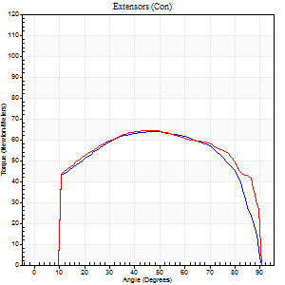
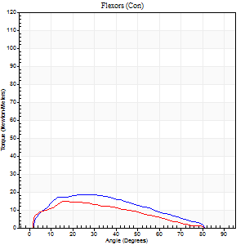
Right Side Curves Left Side Curves
Isokinetic Con/Con |  |  |  | Extensors (Con) |  | Flexors (Con)
Speed 120/120 d/s 3 Reps |  |  |  | Value | Cof Var | %BW | Value | Cof Var | %BW | Ratio

TORQUE PARAMETERS
Peak Torque (Newton-Meters - Best Repetition)
Right |  |  |  | 64 | 0.05 | 80 | 19 | 0.21 | 24 | 30
Left |  |  |  | 64 | 0.07 | 80 | 15 | 0.15 | 18 | 23
Deficit |  |  |  | 0 |  |  | 21
Work per Repetition (Newton-Meters - Best Repetition)
Right |  |  |  | 75 | 0.04 | 92 | 16 | 0.3 | 21 | 22
Left |  |  |  | 77 | 0.06 | 95 | 12 | 0.17 | 15 | 16
Deficit |  |  |  | 4 |  |  | 25
Average Power per Repetition (Watts - Best Repetition)
Right |  |  |  | 86 | 0.05 | 108 | 20 | 0.29 | 24 | 23
Left |  |  |  | 88 | 0.06 | 110 | 14 | 0.19 | 18 | 16
Deficit |  |  |  | 2 |  |  | 30
POSITION PARAMETERS
Joint Angle at Peak Torque (Degrees)
Right |  |  |  | 46 | 0.05 |  | 22 | 0.12
Left |  |  |  | 43 | 0.11 |  | 18 | 0.13
Range of Motion (Degrees)
Right |  |  |  | 0 | 1.41 |  | 90 | 0
Left |  |  |  | 0 | 1.41 |  | 90 | 0
TIME PARAMETERS
Time to Peak Torque (Seconds)
Right |  |  |  | 0.44 | 0.02 |  | 0.23 | 0.08
Left |  |  |  | 0.46 | 0.06 |  | 0.24 | 0.17
Time Peak Torque Held (Seconds)
Right |  |  |  | 0.06 | 0.29 |  | 0.02 | 1.08
Left |  |  |  | 0.06 | 0.46 |  | 0.01 | 1.73
Force Decay Time (Seconds)
Right |  |  |  | 0.39 | 0.03 |  | 0.58 | 0.05
Left |  |  |  | 0.35 | 0.1 |  | 0.63 | 0.06
Reciprocal Delay (Seconds)
Right |  |  |  | 0.11 | 0.13 |  | 0.13 | 0.16
Left |  |  |  | 0.12 | 0 |  | 0.16 | 0.34
Delay Time (Seconds)
Right |  |  |  | -0.04 | 0 |  | 0.05 | 0.2
Left |  |  |  | -0.01 | -0.47 |  | -0.01 | -1
HUMAC2015® Version: 15.000.0074 © Computer Sports Medicine, Inc. www.csmisolutions.com

Use File, Preference to set Report Heading
Long Form Torque vs. Position Report - Knee Extension/Flexion
Name: |  |  |  | TR030_FP3076, | ID: | TR030 | Right/Left: | 27.11.2023 27.11.2023
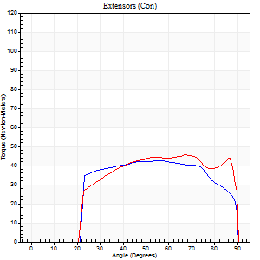
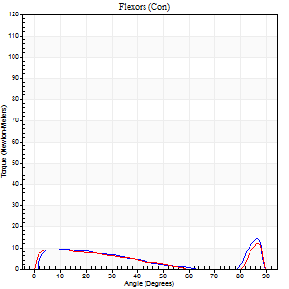
Right Side Curves Left Side Curves
Isokinetic Con/Con |  |  |  | Extensors (Con) |  | Flexors (Con)
Speed 240/240 d/s 3 Reps |  |  |  | Value | Cof Var | %BW | Value | Cof Var | %BW | Ratio

TORQUE PARAMETERS
Peak Torque (Newton-Meters - Best Repetition)
Right |  |  |  | 42 | 0.03 | 54 | 14 | 0.32 | 18 | 32
Left |  |  |  | 46 | 0.07 | 57 | 12 | 0.17 | 15 | 26
Deficit |  |  |  | 9 |  |  | 10
Work per Repetition (Newton-Meters - Best Repetition)
Right |  |  |  | 45 | 0.02 | 57 | 7 | 0.17 | 9 | 15
Left |  |  |  | 47 | 0.09 | 60 | 7 | 0.12 | 9 | 14
Deficit |  |  |  | 6 |  |  | 0
Average Power per Repetition (Watts - Best Repetition)
Right |  |  |  | 80 | 0.03 | 99 | 11 | 0.11 | 13 | 14
Left |  |  |  | 80 | 0.06 | 99 | 10 | 0.12 | 13 | 12
Deficit |  |  |  | 0 |  |  | 9
POSITION PARAMETERS
Joint Angle at Peak Torque (Degrees)
Right |  |  |  | 55 | 0.03 |  | 64 | 0.61
Left |  |  |  | 56 | 0.16 |  | 61 | 0.75
Range of Motion (Degrees)
Right |  |  |  | 0 | 0.16 |  | 90 | 0.01
Left |  |  |  | 0 | 0.2 |  | 89 | 0.01
TIME PARAMETERS
Time to Peak Torque (Seconds)
Right |  |  |  | 0.24 | 0.06 |  | 0.48 | 0.5
Left |  |  |  | 0.25 | 0.03 |  | 0.49 | 0.57
Time Peak Torque Held (Seconds)
Right |  |  |  | 0.03 | 0.46 |  | 0.01 | 1.73
Left |  |  |  | 0.01 | 1.73 |  | 0 | 0
Force Decay Time (Seconds)
Right |  |  |  | 0.28 | 0.04 |  | 0.17 | 1.07
Left |  |  |  | 0.32 | 0.19 |  | 0.19 | 1.41
Reciprocal Delay (Seconds)
Right |  |  |  | 0.12 | 0.24 |  | 0.1 | 0.06
Left |  |  |  | 0.08 | 0.09 |  | 0.15 | 0.23
Delay Time (Seconds)
Right |  |  |  | -0.04 | -0.2 |  | 0.06 | 0.55
Left |  |  |  | -0.02 | 0 |  | -0.04 | -0.25
HUMAC2015® Version: 15.000.0074 © Computer Sports Medicine, Inc. www.csmisolutions.com

Use File, Preference to set Report Heading
Isometric - Knee Extension/Flexion
Name: |  |  |  | TR030_FP3076, | ID: | TR030 | Right/Left: | 27.11.2023 27.11.2023

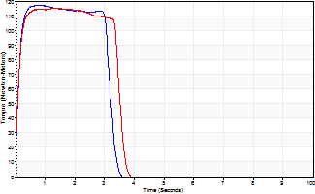
Isometric Extensors (Con) Angle 60 Time 10 Repetition 2 (Best Repetition)
 | Value | Cof Var | %BW
Peak Torque (Newton-Meters)
Right | 117 | 0 | 146
Left | 115 | 0.01 | 143
Deficit | 1
Average Torque (Newton-Meters)
Right | 38 | 0.05 | 48
Left | 38 | 0 | 48
Deficit | 0
Peak Torque Slope (Newton-Meters/Seconds)
Right | 204 | 0.18 | 255
Left | 88 | 0.2 | 110 |  | Right Side Curves Left Side Curves
Deficit | 57
Time to Half Peak Torque (Seconds)
Right | 0.09 | 0.07
Left | 0.09 | 0.07
Time to Peak Torque (Seconds)
Right | 0.64 | 0.19
Left | 1.51 | 0.2
HUMAC2015® Version: 15.000.0074 © Computer Sports Medicine, Inc. www.csmisolutions.com

post2
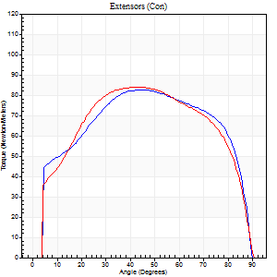
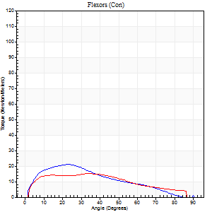
Use File, Preference to set Report Heading
Long Form Torque vs. Position Report - Knee Extension/Flexion
Name: |  |  |  | TR030_FP3076, | ID: | TR030 | Right/Left: | 30.11.2023 30.11.2023

Right Side Curves Left Side Curves
Isokinetic Con/Con |  |  |  | Extensors (Con) |  | Flexors (Con)
Speed 60/60 d/s 3 Reps |  |  |  | Value | Cof Var | %BW | Value | Cof Var | %BW | Ratio

TORQUE PARAMETERS
Peak Torque (Newton-Meters - Best Repetition)
Right |  |  |  | 83 | 0.06 | 104 | 20 | 0.21 | 27 | 25
Left |  |  |  | 84 | 0.04 | 104 | 15 | 0.05 | 18 | 18
Deficit |  |  |  | 2 |  |  | 27
Work per Repetition (Newton-Meters - Best Repetition)
Right |  |  |  | 99 | 0.05 | 122 | 18 | 0.17 | 21 | 18
Left |  |  |  | 99 | 0.03 | 122 | 16 | 0.08 | 21 | 16
Deficit |  |  |  | 0 |  |  | 8
Average Power per Repetition (Watts - Best Repetition)
Right |  |  |  | 64 | 0.05 | 79 | 11 | 0.16 | 13 | 17
Left |  |  |  | 64 | 0.03 | 79 | 10 | 0.07 | 13 | 16
Deficit |  |  |  | 0 |  |  | 9
POSITION PARAMETERS
Joint Angle at Peak Torque (Degrees)
Right |  |  |  | 44 | 0.05 |  | 20 | 0.17
Left |  |  |  | 41 | 0 |  | 26 | 0.47
Range of Motion (Degrees)
Right |  |  |  | 0 | 0.71 |  | 90 | 0
Left |  |  |  | 0 | 1.41 |  | 90 | 0
TIME PARAMETERS
Time to Peak Torque (Seconds)
Right |  |  |  | 0.77 | 0.06 |  | 0.34 | 0.15
Left |  |  |  | 0.83 | 0 |  | 0.46 | 0.39
Time Peak Torque Held (Seconds)
Right |  |  |  | 0.04 | 0.67 |  | 0.02 | 1.73
Left |  |  |  | 0.08 | 0.33 |  | 0.06 | 1.45
Force Decay Time (Seconds)
Right |  |  |  | 0.72 | 0.1 |  | 1.18 | 0.01
Left |  |  |  | 0.63 | 0.06 |  | 1.04 | 0.2
Reciprocal Delay (Seconds)
Right |  |  |  | 0.19 | 0.27 |  | 0.2 | 0.24
Left |  |  |  | 0.22 | 0.03 |  | 0.15 | 0.63
Delay Time (Seconds)
Right |  |  |  | 0 | -1.41 |  | 0.03 | 0.46
Left |  |  |  | 0 | 0 |  | 0.01 | 2.29
HUMAC2015® Version: 15.000.0074 © Computer Sports Medicine, Inc. www.csmisolutions.com

Use File, Preference to set Report Heading
Long Form Torque vs. Position Report - Knee Extension/Flexion
Name: |  |  |  | TR030_FP3076, | ID: | TR030 | Right/Left: | 30.11.2023 30.11.2023
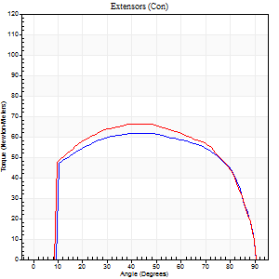
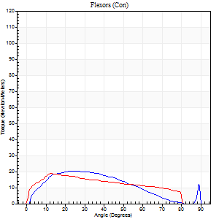
Right Side Curves Left Side Curves
Isokinetic Con/Con |  |  |  | Extensors (Con) |  | Flexors (Con)
Speed 120/120 d/s 3 Reps |  |  |  | Value | Cof Var | %BW | Value | Cof Var | %BW | Ratio

TORQUE PARAMETERS
Peak Torque (Newton-Meters - Best Repetition)
Right |  |  |  | 62 | 0.05 | 77 | 20 | 0.16 | 27 | 33
Left |  |  |  | 66 | 0.06 | 83 | 19 | 0.17 | 24 | 29
Deficit |  |  |  | 6 |  |  | 7
Work per Repetition (Newton-Meters - Best Repetition)
Right |  |  |  | 75 | 0.04 | 92 | 18 | 0.18 | 21 | 24
Left |  |  |  | 79 | 0.07 | 98 | 19 | 0.25 | 24 | 24
Deficit |  |  |  | 5 |  |  | 7
Average Power per Repetition (Watts - Best Repetition)
Right |  |  |  | 85 | 0.04 | 105 | 21 | 0.18 | 26 | 25
Left |  |  |  | 90 | 0.06 | 112 | 22 | 0.28 | 26 | 24
Deficit |  |  |  | 6 |  |  | 5
POSITION PARAMETERS
Joint Angle at Peak Torque (Degrees)
Right |  |  |  | 45 | 0.11 |  | 21 | 0.27
Left |  |  |  | 41 | 0.06 |  | 15 | 0.14
Range of Motion (Degrees)
Right |  |  |  | 0 | 0 |  | 90 | 0
Left |  |  |  | 0 | 1.01 |  | 90 | 0.01
TIME PARAMETERS
Time to Peak Torque (Seconds)
Right |  |  |  | 0.42 | 0.07 |  | 0.21 | 0.25
Left |  |  |  | 0.44 | 0.08 |  | 0.21 | 0.16
Time Peak Torque Held (Seconds)
Right |  |  |  | 0.01 | 1.73 |  | 0.04 | 0.87
Left |  |  |  | 0.04 | 0.66 |  | 0.01 | 1.73
Force Decay Time (Seconds)
Right |  |  |  | 0.42 | 0.06 |  | 0.57 | 0.07
Left |  |  |  | 0.36 | 0.07 |  | 0.64 | 0.02
Reciprocal Delay (Seconds)
Right |  |  |  | 0.11 | 0.07 |  | 0.13 | 0.05
Left |  |  |  | 0.1 | 0.14 |  | 0.16 | 0.37
Delay Time (Seconds)
Right |  |  |  | -0.03 | 0 |  | 0.04 | 0.35
Left |  |  |  | 0.01 | 2.83 |  | -0.01 | -0.43
HUMAC2015® Version: 15.000.0074 © Computer Sports Medicine, Inc. www.csmisolutions.com

Use File, Preference to set Report Heading
Long Form Torque vs. Position Report - Knee Extension/Flexion
Name: |  |  |  | TR030_FP3076, | ID: | TR030 | Right/Left: | 30.11.2023 30.11.2023
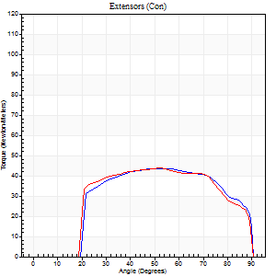
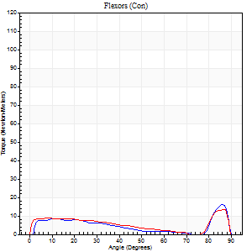
Right Side Curves Left Side Curves
Isokinetic Con/Con |  |  |  | Extensors (Con) |  | Flexors (Con)
Speed 240/240 d/s 3 Reps |  |  |  | Value | Cof Var | %BW | Value | Cof Var | %BW | Ratio

TORQUE PARAMETERS
Peak Torque (Newton-Meters - Best Repetition)
Right |  |  |  | 43 | 0.04 | 54 | 16 | 0.25 | 21 | 38
Left |  |  |  | 43 | 0.04 | 54 | 14 | 0.2 | 18 | 31
Deficit |  |  |  | 0 |  |  | 17
Work per Repetition (Newton-Meters - Best Repetition)
Right |  |  |  | 46 | 0.03 | 57 | 7 | 0.53 | 9 | 15
Left |  |  |  | 46 | 0.05 | 57 | 7 | 0.58 | 9 | 15
Deficit |  |  |  | 0 |  |  | 0
Average Power per Repetition (Watts - Best Repetition)
Right |  |  |  | 83 | 0.04 | 103 | 12 | 0.16 | 15 | 14
Left |  |  |  | 80 | 0.05 | 99 | 12 | 0.08 | 15 | 15
Deficit |  |  |  | 4 |  |  | 0
POSITION PARAMETERS
Joint Angle at Peak Torque (Degrees)
Right |  |  |  | 51 | 0.09 |  | 62 | 0.7
Left |  |  |  | 53 | 0.01 |  | 61 | 0.75
Range of Motion (Degrees)
Right |  |  |  | 1 | 0.71 |  | 90 | 0
Left |  |  |  | 0 | 1.41 |  | 89 | 0.01
TIME PARAMETERS
Time to Peak Torque (Seconds)
Right |  |  |  | 0.27 | 0.05 |  | 0.27 | 1.1
Left |  |  |  | 0.25 | 0 |  | 0.29 | 0.97
Time Peak Torque Held (Seconds)
Right |  |  |  | 0.02 | 0.87 |  | 0 | 1.73
Left |  |  |  | 0.01 | 1.73 |  | 0.02 | 1.25
Force Decay Time (Seconds)
Right |  |  |  | 0.27 | 0.04 |  | 0.17 | 1.13
Left |  |  |  | 0.31 | 0.05 |  | 0.16 | 1.35
Reciprocal Delay (Seconds)
Right |  |  |  | 0.1 | 0.28 |  | 0.1 | 0.22
Left |  |  |  | 0.16 | 0.27 |  | 0.17 | 0.12
Delay Time (Seconds)
Right |  |  |  | -0.05 | -0.16 |  | 0.17 | 1.64
Left |  |  |  | -0.01 | -1.41 |  | 0.15 | 2.03
HUMAC2015® Version: 15.000.0074 © Computer Sports Medicine, Inc. www.csmisolutions.com

Use File, Preference to set Report Heading
Isometric - Knee Extension/Flexion
Name: |  |  |  | TR030_FP3076, | ID: | TR030 | Right/Left: | 30.11.2023 30.11.2023

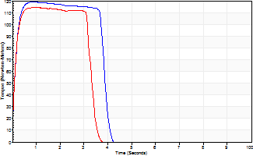
Isometric Extensors (Con) Angle 60 Time 10 Repetition 2 (Best Repetition)
 | Value | Cof Var | %BW
Peak Torque (Newton-Meters)
Right | 119 | 0.07 | 149
Left | 114 | 0 | 143
Deficit | 5
Average Torque (Newton-Meters)
Right | 43 | 0.01 | 54
Left | 38 | 0.03 | 48
Deficit | 13
Peak Torque Slope (Newton-Meters/Seconds)
Right | 132 | 0.93 | 165
Left | 130 | 0.09 | 162 |  | Right Side Curves Left Side Curves
Deficit | 2
Time to Half Peak Torque (Seconds)
Right | 1.68 | 1.32
Left | 0.11 | 0.07
Time to Peak Torque (Seconds)
Right | 2.44 | 0.9
Left | 0.93 | 0.08
HUMAC2015® Version: 15.000.0074 © Computer Sports Medicine, Inc. www.csmisolutions.com

