pre1
Use File, Preference to set Report Heading
Long Form Torque vs. Position Report - Knee Extension/Flexion
Name: |  |  |  | TR030_FP3079, | ID: | TR030 | Right/Left: | 23.09.2022 23.09.2022
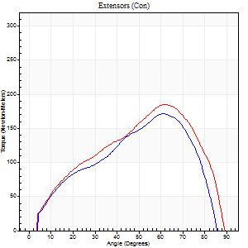
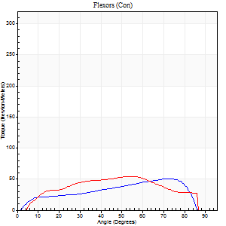
Right Side Curves Left Side Curves
Isokinetic Con/Con |  |  |  | Extensors (Con) |  | Flexors (Con)
Speed 60/60 d/s 3 Reps |  |  |  | Value | Cof Var | %BW | Value | Cof Var | %BW | Ratio

TORQUE PARAMETERS
Peak Torque (Newton-Meters - Best Repetition)
Right |  |  |  | 171 | 0.1 | 310 | 50 | 0.49 | 92 | 29
Left |  |  |  | 184 | 0.04 | 334 | 54 | 0.6 | 98 | 29
Deficit |  |  |  | 7 |  |  | 8
Work per Repetition (Newton-Meters - Best Repetition)
Right |  |  |  | 157 | 0.1 | 286 | 58 | 0.58 | 107 | 37
Left |  |  |  | 179 | 0.06 | 325 | 56 | 0.61 | 101 | 31
Deficit |  |  |  | 12 |  |  | 5
Average Power per Repetition (Watts - Best Repetition)
Right |  |  |  | 108 | 0.17 | 196 | 39 | 0.58 | 70 | 36
Left |  |  |  | 118 | 0.05 | 215 | 37 | 0.62 | 68 | 31
Deficit |  |  |  | 8 |  |  | 5
POSITION PARAMETERS
Joint Angle at Peak Torque (Degrees)
Right |  |  |  | 59 | 0.04 |  | 35 | 0.94
Left |  |  |  | 58 | 0.07 |  | 51 | 0.72
Range of Motion (Degrees)
Right |  |  |  | 1 | 0.05 |  | 88 | 0.02
Left |  |  |  | 0 | 0.18 |  | 90 | 0
TIME PARAMETERS
Time to Peak Torque (Seconds)
Right |  |  |  | 0.49 | 0.19 |  | 0.57 | 0.96
Left |  |  |  | 0.5 | 0.07 |  | 0.85 | 0.68
Time Peak Torque Held (Seconds)
Right |  |  |  | 0.03 | 0.33 |  | 0.17 | 1.48
Left |  |  |  | 0.04 | 0.31 |  | 0.03 | 1.15
Force Decay Time (Seconds)
Right |  |  |  | 0.94 | 0.06 |  | 0.71 | 0.78
Left |  |  |  | 0.92 | 0.11 |  | 0.64 | 0.89
Reciprocal Delay (Seconds)
Right |  |  |  | 0.06 | 0.24 |  | 0.07 | 0.16
Left |  |  |  | 0.17 | 0.36 |  | 0.09 | 0.4
Delay Time (Seconds)
Right |  |  |  | 0.01 | 1.41 |  | 0.01 | 2.29
Left |  |  |  | 0.02 | 0.71 |  | -0.01 | -1.56
HUMAC2015® Version: 15.000.0074 © Computer Sports Medicine, Inc. www.csmisolutions.com

Use File, Preference to set Report Heading
Long Form Torque vs. Position Report - Knee Extension/Flexion
Name: |  |  |  | TR030_FP3079, | ID: | TR030 | Right/Left: | 23.09.2022 23.09.2022
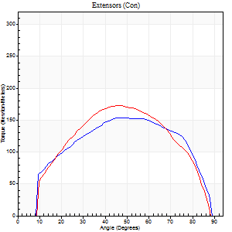
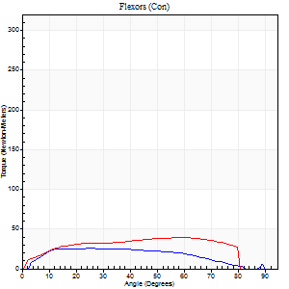
Right Side Curves Left Side Curves
Isokinetic Con/Con |  |  |  | Extensors (Con) |  | Flexors (Con)
Speed 120/120 d/s 3 Reps |  |  |  | Value | Cof Var | %BW | Value | Cof Var | %BW | Ratio

TORQUE PARAMETERS
Peak Torque (Newton-Meters - Best Repetition)
Right |  |  |  | 153 | 0.14 | 277 | 26 | 0.25 | 48 | 17
Left |  |  |  | 172 | 0.18 | 313 | 39 | 0.44 | 72 | 23
Deficit |  |  |  | 11 |  |  | 34
Work per Repetition (Newton-Meters - Best Repetition)
Right |  |  |  | 167 | 0.17 | 304 | 27 | 0.42 | 51 | 16
Left |  |  |  | 174 | 0.18 | 316 | 43 | 0.57 | 77 | 25
Deficit |  |  |  | 4 |  |  | 38
Average Power per Repetition (Watts - Best Repetition)
Right |  |  |  | 206 | 0.28 | 374 | 34 | 0.44 | 62 | 17
Left |  |  |  | 217 | 0.21 | 393 | 54 | 0.57 | 99 | 25
Deficit |  |  |  | 5 |  |  | 37
POSITION PARAMETERS
Joint Angle at Peak Torque (Degrees)
Right |  |  |  | 49 | 0.02 |  | 27 | 0.22
Left |  |  |  | 47 | 0.02 |  | 52 | 0.54
Range of Motion (Degrees)
Right |  |  |  | 1 | 0.03 |  | 89 | 0.01
Left |  |  |  | 1 | 0.09 |  | 89 | 0.01
TIME PARAMETERS
Time to Peak Torque (Seconds)
Right |  |  |  | 0.38 | 0 |  | 0.24 | 0.18
Left |  |  |  | 0.37 | 0.02 |  | 0.47 | 0.49
Time Peak Torque Held (Seconds)
Right |  |  |  | 0.02 | 0 |  | 0.05 | 0.81
Left |  |  |  | 0.03 | 0.43 |  | 0.01 | 1
Force Decay Time (Seconds)
Right |  |  |  | 0.41 | 0.01 |  | 0.51 | 0.15
Left |  |  |  | 0.4 | 0.04 |  | 0.32 | 0.75
Reciprocal Delay (Seconds)
Right |  |  |  | 0.05 | 0.16 |  | 0.06 | 0.17
Left |  |  |  | 0.05 | 0.13 |  | 0.06 | 0.09
Delay Time (Seconds)
Right |  |  |  | -0.02 | 0 |  | 0.02 | 0
Left |  |  |  | 0 | 1.41 |  | -0.01 | -0.87
HUMAC2015® Version: 15.000.0074 © Computer Sports Medicine, Inc. www.csmisolutions.com

Use File, Preference to set Report Heading
Long Form Torque vs. Position Report - Knee Extension/Flexion
Name: |  |  |  | TR030_FP3079, | ID: | TR030 | Right/Left: | 23.09.2022 23.09.2022
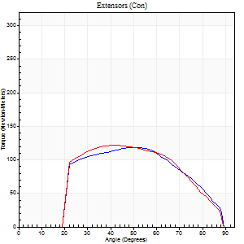
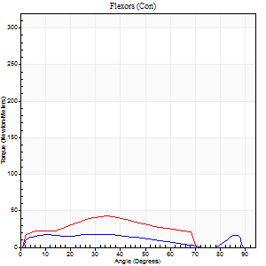
Right Side Curves Left Side Curves
Isokinetic Con/Con |  |  |  | Extensors (Con) |  | Flexors (Con)
Speed 240/240 d/s 3 Reps |  |  |  | Value | Cof Var | %BW | Value | Cof Var | %BW | Ratio

TORQUE PARAMETERS
Peak Torque (Newton-Meters - Best Repetition)
Right |  |  |  | 118 | 0.21 | 215 | 18 | 0.35 | 33 | 15
Left |  |  |  | 122 | 0.34 | 221 | 42 | 0.08 | 77 | 34
Deficit |  |  |  | 3 |  |  | 58
Work per Repetition (Newton-Meters - Best Repetition)
Right |  |  |  | 113 | 0.3 | 206 | 18 | 0.63 | 33 | 16
Left |  |  |  | 115 | 0.34 | 209 | 37 | 0.14 | 66 | 32
Deficit |  |  |  | 2 |  |  | 52
Average Power per Repetition (Watts - Best Repetition)
Right |  |  |  | 221 | 0.31 | 402 | 34 | 0.71 | 62 | 15
Left |  |  |  | 239 | 0.38 | 435 | 71 | 0.11 | 130 | 30
Deficit |  |  |  | 8 |  |  | 52
POSITION PARAMETERS
Joint Angle at Peak Torque (Degrees)
Right |  |  |  | 55 | 0.08 |  | 41 | 1.03
Left |  |  |  | 50 | 0.17 |  | 38 | 0.09
Range of Motion (Degrees)
Right |  |  |  | 1 | 0.39 |  | 89 | 0.01
Left |  |  |  | 1 | 0.03 |  | 89 | 0.01
TIME PARAMETERS
Time to Peak Torque (Seconds)
Right |  |  |  | 0.21 | 0.07 |  | 0.27 | 0.83
Left |  |  |  | 0.23 | 0.12 |  | 0.24 | 0.09
Time Peak Torque Held (Seconds)
Right |  |  |  | 0.01 | 0.87 |  | 0 | 1.73
Left |  |  |  | 0.02 | 0.69 |  | 0 | 0
Force Decay Time (Seconds)
Right |  |  |  | 0.28 | 0.04 |  | 0.3 | 0.84
Left |  |  |  | 0.24 | 0.13 |  | 0.25 | 0.14
Reciprocal Delay (Seconds)
Right |  |  |  | 0.05 | 0.39 |  | 0.06 | 0.29
Left |  |  |  | 0.05 | 0.16 |  | 0.04 | 0
Delay Time (Seconds)
Right |  |  |  | -0.02 | 0 |  | -0.01 | -0.87
Left |  |  |  | -0.01 | 0 |  | -0.01 | -0.43
HUMAC2015® Version: 15.000.0074 © Computer Sports Medicine, Inc. www.csmisolutions.com

Use File, Preference to set Report Heading
Isometric - Knee Extension/Flexion
Name: |  |  |  | TR030_FP3079, | ID: | TR030 | Right/Left: | 23.09.2022 23.09.2022

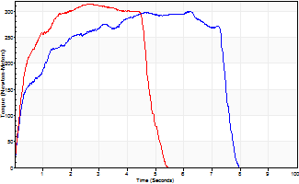
Isometric Extensors (Con) Angle 60 Time 10 Repetition 2 (Best Repetition)
 | Value | Cof Var | %BW
Peak Torque (Newton-Meters)
Right | 301 | 0 | 545
Left | 315 | 0.02 | 572
Deficit | 4
Average Torque (Newton-Meters)
Right | 191 | 0.08 | 349
Left | 146 | 0.07 | 265
Deficit | 23
Peak Torque Slope (Newton-Meters/Seconds)
Right | 58 | 0.13 | 105
Left | 122 | 0.32 | 222 |  | Right Side Curves Left Side Curves
Deficit | 53
Time to Half Peak Torque (Seconds)
Right | 0.42 | 0.07
Left | 0.32 | 0.15
Time to Peak Torque (Seconds)
Right | 5.7 | 0.13
Left | 3.26 | 0.3
HUMAC2015® Version: 15.000.0074 © Computer Sports Medicine, Inc. www.csmisolutions.com

pre2
Use File, Preference to set Report Heading
Long Form Torque vs. Position Report - Knee Extension/Flexion
Name: |  |  |  | TR030_FP3079, | ID: | TR030 | Right/Left: | 27.09.2022 27.09.2022
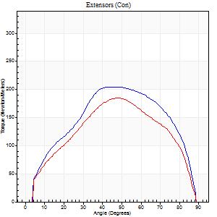
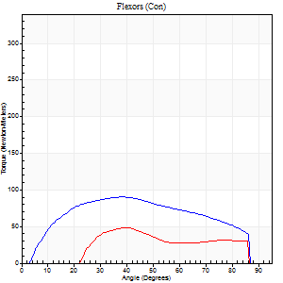
Right Side Curves Left Side Curves
Isokinetic Con/Con |  |  |  | Extensors (Con) |  | Flexors (Con)
Speed 60/60 d/s 3 Reps |  |  |  | Value | Cof Var | %BW | Value | Cof Var | %BW | Ratio

TORQUE PARAMETERS
Peak Torque (Newton-Meters - Best Repetition)
Right |  |  |  | 205 | 0.18 | 373 | 91 | 0.74 | 164 | 44
Left |  |  |  | 184 | 0.13 | 334 | 49 | 0.48 | 89 | 26
Deficit |  |  |  | 10 |  |  | 46
Work per Repetition (Newton-Meters - Best Repetition)
Right |  |  |  | 218 | 0.17 | 396 | 99 | 0.81 | 179 | 45
Left |  |  |  | 187 | 0.28 | 340 | 46 | 0.5 | 83 | 25
Deficit |  |  |  | 14 |  |  | 53
Average Power per Repetition (Watts - Best Repetition)
Right |  |  |  | 144 | 0.16 | 262 | 66 | 0.79 | 121 | 46
Left |  |  |  | 124 | 0.18 | 224 | 32 | 0.53 | 57 | 26
Deficit |  |  |  | 14 |  |  | 52
POSITION PARAMETERS
Joint Angle at Peak Torque (Degrees)
Right |  |  |  | 51 | 0.08 |  | 36 | 0.42
Left |  |  |  | 47 | 0.1 |  | 40 | 0.39
Range of Motion (Degrees)
Right |  |  |  | 2 | 1.07 |  | 90 | 0
Left |  |  |  | 4 | 1.22 |  | 90 | 0
TIME PARAMETERS
Time to Peak Torque (Seconds)
Right |  |  |  | 0.66 | 0.11 |  | 0.57 | 0.41
Left |  |  |  | 0.66 | 0.04 |  | 0.53 | 0.55
Time Peak Torque Held (Seconds)
Right |  |  |  | 0.07 | 0.52 |  | 0.04 | 0.88
Left |  |  |  | 0.04 | 0.57 |  | 0.05 | 0.75
Force Decay Time (Seconds)
Right |  |  |  | 0.77 | 0.08 |  | 0.85 | 0.22
Left |  |  |  | 0.6 | 0.41 |  | 0.8 | 0.34
Reciprocal Delay (Seconds)
Right |  |  |  | 0.13 | 0.76 |  | 0.07 | 0.43
Left |  |  |  | 0.1 | 0.34 |  | 0.08 | 0.33
Delay Time (Seconds)
Right |  |  |  | 0 | 1.41 |  | 0.01 | 2.65
Left |  |  |  | 0.01 | 0.47 |  | -0.01 | -2
HUMAC2015® Version: 15.000.0074 © Computer Sports Medicine, Inc. www.csmisolutions.com

Use File, Preference to set Report Heading
Long Form Torque vs. Position Report - Knee Extension/Flexion
Name: |  |  |  | TR030_FP3079, | ID: | TR030 | Right/Left: | 27.09.2022 27.09.2022
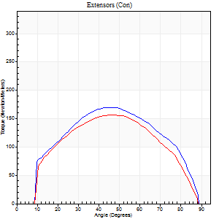
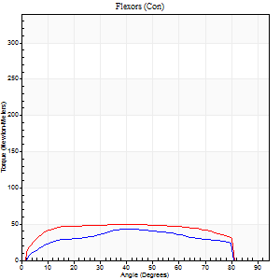
Right Side Curves Left Side Curves
Isokinetic Con/Con |  |  |  | Extensors (Con) |  | Flexors (Con)
Speed 120/120 d/s 3 Reps |  |  |  | Value | Cof Var | %BW | Value | Cof Var | %BW | Ratio

TORQUE PARAMETERS
Peak Torque (Newton-Meters - Best Repetition)
Right |  |  |  | 170 | 0.15 | 307 | 43 | 0.42 | 77 | 26
Left |  |  |  | 156 | 0.28 | 283 | 50 | 0.71 | 92 | 32
Deficit |  |  |  | 8 |  |  | 14
Work per Repetition (Newton-Meters - Best Repetition)
Right |  |  |  | 175 | 0.13 | 319 | 45 | 0.51 | 80 | 26
Left |  |  |  | 159 | 0.35 | 289 | 61 | 0.89 | 110 | 38
Deficit |  |  |  | 9 |  |  | 27
Average Power per Repetition (Watts - Best Repetition)
Right |  |  |  | 219 | 0.16 | 398 | 55 | 0.5 | 99 | 25
Left |  |  |  | 196 | 0.42 | 356 | 76 | 0.91 | 138 | 39
Deficit |  |  |  | 11 |  |  | 28
POSITION PARAMETERS
Joint Angle at Peak Torque (Degrees)
Right |  |  |  | 43 | 0.16 |  | 36 | 0.51
Left |  |  |  | 41 | 0.22 |  | 25 | 0.52
Range of Motion (Degrees)
Right |  |  |  | 1 | 0.04 |  | 89 | 0.01
Left |  |  |  | 1 | 0.24 |  | 89 | 0.01
TIME PARAMETERS
Time to Peak Torque (Seconds)
Right |  |  |  | 0.38 | 0.02 |  | 0.31 | 0.47
Left |  |  |  | 0.37 | 0 |  | 0.26 | 0.32
Time Peak Torque Held (Seconds)
Right |  |  |  | 0.03 | 0.33 |  | 0.02 | 1
Left |  |  |  | 0.03 | 0.22 |  | 0.03 | 0.43
Force Decay Time (Seconds)
Right |  |  |  | 0.35 | 0.14 |  | 0.45 | 0.27
Left |  |  |  | 0.35 | 0.22 |  | 0.57 | 0.29
Reciprocal Delay (Seconds)
Right |  |  |  | 0.05 | 0 |  | 0.06 | 0.09
Left |  |  |  | 0.06 | 0 |  | 0.06 | 0.4
Delay Time (Seconds)
Right |  |  |  | 0 | -1.41 |  | 0.03 | 0.78
Left |  |  |  | 0.01 | 0 |  | 0 | -1.73
HUMAC2015® Version: 15.000.0074 © Computer Sports Medicine, Inc. www.csmisolutions.com

Use File, Preference to set Report Heading
Long Form Torque vs. Position Report - Knee Extension/Flexion
Name: |  |  |  | TR030_FP3079, | ID: | TR030 | Right/Left: | 27.09.2022 27.09.2022
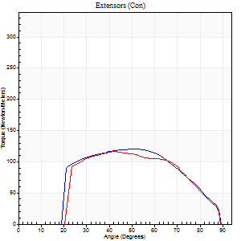
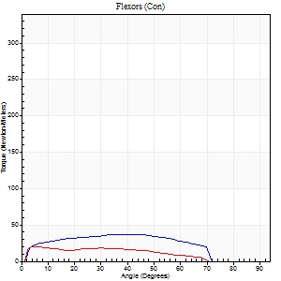
Right Side Curves Left Side Curves
Isokinetic Con/Con |  |  |  | Extensors (Con) |  | Flexors (Con)
Speed 240/240 d/s 3 Reps |  |  |  | Value | Cof Var | %BW | Value | Cof Var | %BW | Ratio

TORQUE PARAMETERS
Peak Torque (Newton-Meters - Best Repetition)
Right |  |  |  | 119 | 0.17 | 218 | 37 | 0.52 | 66 | 31
Left |  |  |  | 117 | 0.73 | 212 | 20 | 0.28 | 36 | 17
Deficit |  |  |  | 2 |  |  | 44
Work per Repetition (Newton-Meters - Best Repetition)
Right |  |  |  | 119 | 0.33 | 218 | 37 | 0.62 | 66 | 31
Left |  |  |  | 108 | 0.73 | 197 | 18 | 0.45 | 33 | 16
Deficit |  |  |  | 9 |  |  | 52
Average Power per Repetition (Watts - Best Repetition)
Right |  |  |  | 249 | 0.4 | 453 | 79 | 0.64 | 143 | 32
Left |  |  |  | 227 | 0.8 | 413 | 34 | 0.47 | 62 | 15
Deficit |  |  |  | 9 |  |  | 57
POSITION PARAMETERS
Joint Angle at Peak Torque (Degrees)
Right |  |  |  | 45 | 0.15 |  | 30 | 0.36
Left |  |  |  | 50 | 0.15 |  | 14 | 1.14
Range of Motion (Degrees)
Right |  |  |  | 2 | 0.13 |  | 89 | 0.01
Left |  |  |  | 2 | 0.18 |  | 89 | 0.01
TIME PARAMETERS
Time to Peak Torque (Seconds)
Right |  |  |  | 0.22 | 0.09 |  | 0.18 | 0.19
Left |  |  |  | 0.22 | 0.16 |  | 0.13 | 0.71
Time Peak Torque Held (Seconds)
Right |  |  |  | 0.02 | 0.5 |  | 0.01 | 0.87
Left |  |  |  | 0.01 | 0.87 |  | 0 | 1.73
Force Decay Time (Seconds)
Right |  |  |  | 0.21 | 0.1 |  | 0.28 | 0.15
Left |  |  |  | 0.25 | 0.12 |  | 0.38 | 0.24
Reciprocal Delay (Seconds)
Right |  |  |  | 0.05 | 0.16 |  | 0.04 | 0.13
Left |  |  |  | 0.05 | 0.16 |  | 0.05 | 0.12
Delay Time (Seconds)
Right |  |  |  | -0.02 | 0 |  | -0.01 | -0.87
Left |  |  |  | -0.01 | 0 |  | -0.02 | -0.25
HUMAC2015® Version: 15.000.0074 © Computer Sports Medicine, Inc. www.csmisolutions.com

Use File, Preference to set Report Heading
Isometric - Knee Extension/Flexion
Name: |  |  |  | TR030_FP3079, | ID: | TR030 | Right/Left: | 27.09.2022 27.09.2022

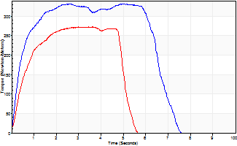
Isometric Extensors (Con) Angle 60 Time 10 Repetition 2 (Best Repetition)
 | Value | Cof Var | %BW
Peak Torque (Newton-Meters)
Right | 332 | 0.02 | 602
Left | 273 | 0.03 | 495
Deficit | 18
Average Torque (Newton-Meters)
Right | 201 | 0.04 | 364
Left | 119 | 0.03 | 218
Deficit | 41
Peak Torque Slope (Newton-Meters/Seconds)
Right | 100 | 0.29 | 182
Left | 75 | 0.21 | 137 |  | Right Side Curves Left Side Curves
Deficit | 25
Time to Half Peak Torque (Seconds)
Right | 0.41 | 0.19
Left | 0.44 | 0.14
Time to Peak Torque (Seconds)
Right | 4.1 | 0.31
Left | 4.13 | 0.18
HUMAC2015® Version: 15.000.0074 © Computer Sports Medicine, Inc. www.csmisolutions.com

mid1
Use File, Preference to set Report Heading
Long Form Torque vs. Position Report - Knee Extension/Flexion
Name: |  |  |  | TR030_FP3079, | ID: | TR030 | Right/Left: | 04.11.2022 04.11.2022
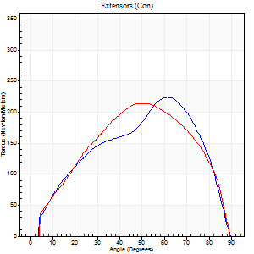
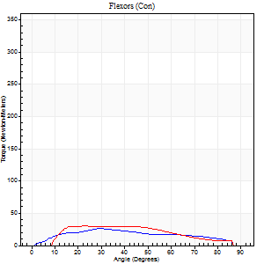
Right Side Curves Left Side Curves
Isokinetic Con/Con |  |  |  | Extensors (Con) |  | Flexors (Con)
Speed 60/60 d/s 3 Reps |  |  |  | Value | Cof Var | %BW | Value | Cof Var | %BW | Ratio

TORQUE PARAMETERS
Peak Torque (Newton-Meters - Best Repetition)
Right |  |  |  | 224 | 0.15 | 405 | 26 | 0.15 | 48 | 12
Left |  |  |  | 214 | 0.1 | 390 | 30 | 0.27 | 54 | 14
Deficit |  |  |  | 4 |  |  | 14
Work per Repetition (Newton-Meters - Best Repetition)
Right |  |  |  | 213 | 0.06 | 387 | 26 | 0.18 | 48 | 12
Left |  |  |  | 218 | 0.17 | 396 | 28 | 0.36 | 51 | 13
Deficit |  |  |  | 2 |  |  | 10
Average Power per Repetition (Watts - Best Repetition)
Right |  |  |  | 140 | 0.08 | 255 | 16 | 0.17 | 29 | 11
Left |  |  |  | 142 | 0.13 | 257 | 20 | 0.39 | 37 | 14
Deficit |  |  |  | 1 |  |  | 20
POSITION PARAMETERS
Joint Angle at Peak Torque (Degrees)
Right |  |  |  | 57 | 0.14 |  | 30 | 0.51
Left |  |  |  | 55 | 0.06 |  | 18 | 0.42
Range of Motion (Degrees)
Right |  |  |  | 0 | 0.88 |  | 90 | 0
Left |  |  |  | 1 | 1.16 |  | 90 | 0
TIME PARAMETERS
Time to Peak Torque (Seconds)
Right |  |  |  | 0.47 | 0.03 |  | 0.5 | 0.53
Left |  |  |  | 0.61 | 0.11 |  | 0.29 | 0.41
Time Peak Torque Held (Seconds)
Right |  |  |  | 0.04 | 0 |  | 0.01 | 1.73
Left |  |  |  | 0.04 | 0.5 |  | 0.02 | 1.73
Force Decay Time (Seconds)
Right |  |  |  | 0.95 | 0.13 |  | 1.02 | 0.2
Left |  |  |  | 0.84 | 0.07 |  | 1.17 | 0.17
Reciprocal Delay (Seconds)
Right |  |  |  | 0.51 | 0.22 |  | 0.15 | 0.44
Left |  |  |  | 0.12 | 0.06 |  | 0.11 | 0.63
Delay Time (Seconds)
Right |  |  |  | 0.01 | 0 |  | 0.03 | 0.17
Left |  |  |  | 0.01 | 0.47 |  | -0.03 | -0.43
HUMAC2015® Version: 15.000.0074 © Computer Sports Medicine, Inc. www.csmisolutions.com

Use File, Preference to set Report Heading
Long Form Torque vs. Position Report - Knee Extension/Flexion
Name: |  |  |  | TR030_FP3079, | ID: | TR030 | Right/Left: | 04.11.2022 04.11.2022
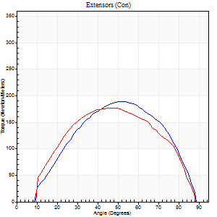
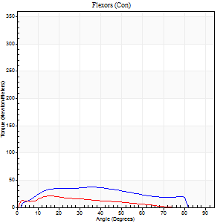
Right Side Curves Left Side Curves
Isokinetic Con/Con |  |  |  | Extensors (Con) |  | Flexors (Con)
Speed 120/120 d/s 3 Reps |  |  |  | Value | Cof Var | %BW | Value | Cof Var | %BW | Ratio

TORQUE PARAMETERS
Peak Torque (Newton-Meters - Best Repetition)
Right |  |  |  | 188 | 0.18 | 343 | 37 | 0.34 | 66 | 19
Left |  |  |  | 176 | 0.21 | 319 | 22 | 0.02 | 39 | 12
Deficit |  |  |  | 6 |  |  | 41
Work per Repetition (Newton-Meters - Best Repetition)
Right |  |  |  | 180 | 0.14 | 328 | 38 | 0.46 | 69 | 21
Left |  |  |  | 176 | 0.28 | 319 | 22 | 0.18 | 39 | 12
Deficit |  |  |  | 2 |  |  | 43
Average Power per Repetition (Watts - Best Repetition)
Right |  |  |  | 229 | 0.18 | 415 | 47 | 0.46 | 86 | 21
Left |  |  |  | 223 | 0.31 | 404 | 26 | 0.19 | 46 | 12
Deficit |  |  |  | 3 |  |  | 45
POSITION PARAMETERS
Joint Angle at Peak Torque (Degrees)
Right |  |  |  | 52 | 0.03 |  | 27 | 0.4
Left |  |  |  | 52 | 0.1 |  | 17 | 0.21
Range of Motion (Degrees)
Right |  |  |  | 1 | 0.04 |  | 89 | 0
Left |  |  |  | 1 | 0 |  | 89 | 0.01
TIME PARAMETERS
Time to Peak Torque (Seconds)
Right |  |  |  | 0.33 | 0.04 |  | 0.26 | 0.3
Left |  |  |  | 0.35 | 0.06 |  | 0.19 | 0.17
Time Peak Torque Held (Seconds)
Right |  |  |  | 0.03 | 0.33 |  | 0 | 0
Left |  |  |  | 0.03 | 0.22 |  | 0.01 | 1.73
Force Decay Time (Seconds)
Right |  |  |  | 0.42 | 0.01 |  | 0.53 | 0.15
Left |  |  |  | 0.44 | 0.1 |  | 0.62 | 0.09
Reciprocal Delay (Seconds)
Right |  |  |  | 0.05 | 0.13 |  | 0.06 | 0.1
Left |  |  |  | 0.05 | 0.16 |  | 0.06 | 0.17
Delay Time (Seconds)
Right |  |  |  | 0.01 | 0 |  | 0 | 6.24
Left |  |  |  | 0 | 1.41 |  | -0.03 | -0.57
HUMAC2015® Version: 15.000.0074 © Computer Sports Medicine, Inc. www.csmisolutions.com

Use File, Preference to set Report Heading
Long Form Torque vs. Position Report - Knee Extension/Flexion
Name: |  |  |  | TR030_FP3079, | ID: | TR030 | Right/Left: | 04.11.2022 04.11.2022
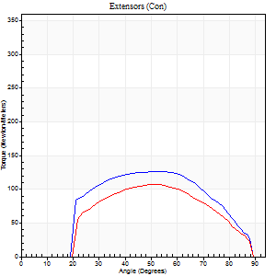
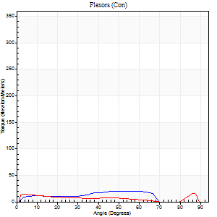
Right Side Curves Left Side Curves
Isokinetic Con/Con |  |  |  | Extensors (Con) |  | Flexors (Con)
Speed 240/240 d/s 3 Reps |  |  |  | Value | Cof Var | %BW | Value | Cof Var | %BW | Ratio

TORQUE PARAMETERS
Peak Torque (Newton-Meters - Best Repetition)
Right |  |  |  | 126 | 0.15 | 229 | 20 | 0.32 | 36 | 16
Left |  |  |  | 107 | 0.56 | 194 | 16 | 0.04 | 30 | 15
Deficit |  |  |  | 15 |  |  | 20
Work per Repetition (Newton-Meters - Best Repetition)
Right |  |  |  | 121 | 0.21 | 221 | 16 | 0.47 | 30 | 13
Left |  |  |  | 96 | 0.65 | 176 | 9 | 0.7 | 18 | 10
Deficit |  |  |  | 20 |  |  | 42
Average Power per Repetition (Watts - Best Repetition)
Right |  |  |  | 257 | 0.29 | 466 | 33 | 0.49 | 59 | 13
Left |  |  |  | 197 | 0.72 | 358 | 17 | 0.3 | 31 | 9
Deficit |  |  |  | 23 |  |  | 48
POSITION PARAMETERS
Joint Angle at Peak Torque (Degrees)
Right |  |  |  | 52 | 0.03 |  | 22 | 1.23
Left |  |  |  | 51 | 0.03 |  | 32 | 1.49
Range of Motion (Degrees)
Right |  |  |  | 2 | 0 |  | 89 | 0.01
Left |  |  |  | 2 | 0.06 |  | 89 | 0.01
TIME PARAMETERS
Time to Peak Torque (Seconds)
Right |  |  |  | 0.2 | 0 |  | 0.16 | 0.87
Left |  |  |  | 0.22 | 0.09 |  | 0.08 | 0.22
Time Peak Torque Held (Seconds)
Right |  |  |  | 0.01 | 0.43 |  | 0.01 | 1
Left |  |  |  | 0.01 | 0.87 |  | 0 | 0
Force Decay Time (Seconds)
Right |  |  |  | 0.24 | 0.05 |  | 0.35 | 0.44
Left |  |  |  | 0.26 | 0.02 |  | 0.32 | 0.78
Reciprocal Delay (Seconds)
Right |  |  |  | 0.03 | 0 |  | 0.05 | 0.2
Left |  |  |  | 0.04 | 0.2 |  | 0.05 | 0
Delay Time (Seconds)
Right |  |  |  | -0.01 | 0 |  | -0.01 | -0.43
Left |  |  |  | -0.02 | 0 |  | 0.11 | 2.22
HUMAC2015® Version: 15.000.0074 © Computer Sports Medicine, Inc. www.csmisolutions.com

Use File, Preference to set Report Heading
Isometric - Knee Extension/Flexion
Name: |  |  |  | TR030_FP3079, | ID: | TR030 | Right/Left: | 04.11.2022 04.11.2022

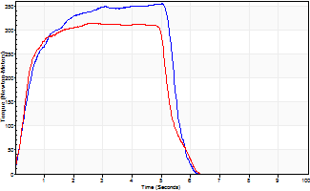
Isometric Extensors (Con) Angle 60 Time 10 Repetition 2 (Best Repetition)
 | Value | Cof Var | %BW
Peak Torque (Newton-Meters)
Right | 354 | 0.03 | 644
Left | 315 | 0.09 | 572
Deficit | 11
Average Torque (Newton-Meters)
Right | 168 | 0.05 | 304
Left | 152 | 0.07 | 277
Deficit | 10
Peak Torque Slope (Newton-Meters/Seconds)
Right | 70 | 0.03 | 128
Left | 118 | 0.52 | 214 |  | Right Side Curves Left Side Curves
Deficit | 40
Time to Half Peak Torque (Seconds)
Right | 0.52 | 0.16
Left | 0.49 | 0.36
Time to Peak Torque (Seconds)
Right | 5.01 | 0
Left | 3.87 | 0.44
HUMAC2015® Version: 15.000.0074 © Computer Sports Medicine, Inc. www.csmisolutions.com

mid2
Use File, Preference to set Report Heading
Long Form Torque vs. Position Report - Knee Extension/Flexion
Name: |  |  |  | TR030_FP3079, | ID: | TR030 | Right/Left: | 07.11.2022 07.11.2022
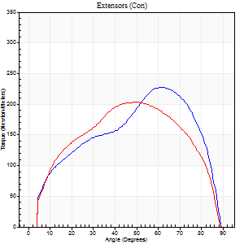
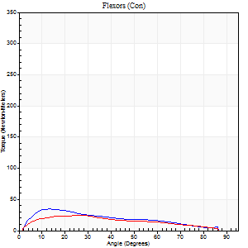
Right Side Curves Left Side Curves
Isokinetic Con/Con |  |  |  | Extensors (Con) |  | Flexors (Con)
Speed 60/60 d/s 3 Reps |  |  |  | Value | Cof Var | %BW | Value | Cof Var | %BW | Ratio

TORQUE PARAMETERS
Peak Torque (Newton-Meters - Best Repetition)
Right |  |  |  | 228 | 0.03 | 414 | 34 | 0.37 | 63 | 15
Left |  |  |  | 203 | 0.19 | 370 | 24 | 0.24 | 45 | 12
Deficit |  |  |  | 11 |  |  | 28
Work per Repetition (Newton-Meters - Best Repetition)
Right |  |  |  | 228 | 0.05 | 414 | 28 | 0.33 | 51 | 12
Left |  |  |  | 221 | 0.23 | 402 | 23 | 0.35 | 42 | 10
Deficit |  |  |  | 3 |  |  | 19
Average Power per Repetition (Watts - Best Repetition)
Right |  |  |  | 151 | 0.07 | 275 | 19 | 0.29 | 35 | 13
Left |  |  |  | 144 | 0.27 | 262 | 15 | 0.3 | 26 | 10
Deficit |  |  |  | 5 |  |  | 21
POSITION PARAMETERS
Joint Angle at Peak Torque (Degrees)
Right |  |  |  | 61 | 0.03 |  | 14 | 0.05
Left |  |  |  | 52 | 0.06 |  | 20 | 0.36
Range of Motion (Degrees)
Right |  |  |  | 0 | 0.76 |  | 90 | 0
Left |  |  |  | 1 | 0.24 |  | 89 | 0
TIME PARAMETERS
Time to Peak Torque (Seconds)
Right |  |  |  | 0.47 | 0.07 |  | 0.23 | 0.05
Left |  |  |  | 0.62 | 0.1 |  | 0.35 | 0.35
Time Peak Torque Held (Seconds)
Right |  |  |  | 0.05 | 0.53 |  | 0.04 | 0.9
Left |  |  |  | 0.07 | 0.23 |  | 0.03 | 0.43
Force Decay Time (Seconds)
Right |  |  |  | 0.98 | 0.03 |  | 1.21 | 0.08
Left |  |  |  | 0.81 | 0.06 |  | 1.07 | 0.06
Reciprocal Delay (Seconds)
Right |  |  |  | 0.09 | 0.37 |  | 0.11 | 0.57
Left |  |  |  | 0.06 | 0.24 |  | 0.08 | 0.08
Delay Time (Seconds)
Right |  |  |  | 0.02 | 0 |  | 0.01 | 2.65
Left |  |  |  | -0.01 | 0 |  | 0 | 0
HUMAC2015® Version: 15.000.0074 © Computer Sports Medicine, Inc. www.csmisolutions.com

Use File, Preference to set Report Heading
Long Form Torque vs. Position Report - Knee Extension/Flexion
Name: |  |  |  | TR030_FP3079, | ID: | TR030 | Right/Left: | 07.11.2022 07.11.2022
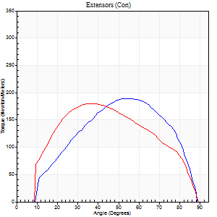
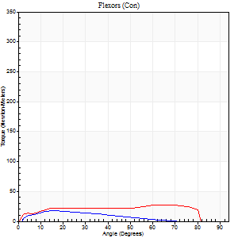
Right Side Curves Left Side Curves
Isokinetic Con/Con |  |  |  | Extensors (Con) |  | Flexors (Con)
Speed 120/120 d/s 3 Reps |  |  |  | Value | Cof Var | %BW | Value | Cof Var | %BW | Ratio

TORQUE PARAMETERS
Peak Torque (Newton-Meters - Best Repetition)
Right |  |  |  | 190 | 0.15 | 346 | 18 | 0.15 | 33 | 9
Left |  |  |  | 180 | 0.27 | 328 | 27 | 0.33 | 51 | 15
Deficit |  |  |  | 5 |  |  | 35
Work per Repetition (Newton-Meters - Best Repetition)
Right |  |  |  | 182 | 0.16 | 331 | 12 | 0.2 | 21 | 7
Left |  |  |  | 183 | 0.32 | 334 | 31 | 0.51 | 57 | 17
Deficit |  |  |  | 1 |  |  | 61
Average Power per Repetition (Watts - Best Repetition)
Right |  |  |  | 230 | 0.2 | 418 | 15 | 0.24 | 26 | 7
Left |  |  |  | 226 | 0.35 | 411 | 37 | 0.54 | 68 | 16
Deficit |  |  |  | 2 |  |  | 59
POSITION PARAMETERS
Joint Angle at Peak Torque (Degrees)
Right |  |  |  | 55 | 0.02 |  | 26 | 0.36
Left |  |  |  | 45 | 0.18 |  | 34 | 0.79
Range of Motion (Degrees)
Right |  |  |  | 1 | 0 |  | 90 | 0.01
Left |  |  |  | 1 | 0.24 |  | 89 | 0.01
TIME PARAMETERS
Time to Peak Torque (Seconds)
Right |  |  |  | 0.31 | 0 |  | 0.26 | 0.39
Left |  |  |  | 0.43 | 0.1 |  | 0.34 | 0.64
Time Peak Torque Held (Seconds)
Right |  |  |  | 0.01 | 0.43 |  | 0.02 | 0.5
Left |  |  |  | 0.02 | 0.35 |  | 0.02 | 0.92
Force Decay Time (Seconds)
Right |  |  |  | 0.47 | 0.03 |  | 0.56 | 0.12
Left |  |  |  | 0.39 | 0.17 |  | 0.47 | 0.47
Reciprocal Delay (Seconds)
Right |  |  |  | 0.05 | 0.39 |  | 0.07 | 0.09
Left |  |  |  | 0.04 | 0.35 |  | 0.06 | 0.2
Delay Time (Seconds)
Right |  |  |  | 0 | 0 |  | 0.01 | 0
Left |  |  |  | -0.01 | -0.47 |  | -0.02 | -0.92
HUMAC2015® Version: 15.000.0074 © Computer Sports Medicine, Inc. www.csmisolutions.com

Use File, Preference to set Report Heading
Long Form Torque vs. Position Report - Knee Extension/Flexion
Name: |  |  |  | TR030_FP3079, | ID: | TR030 | Right/Left: | 07.11.2022 07.11.2022
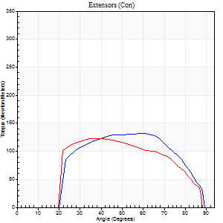
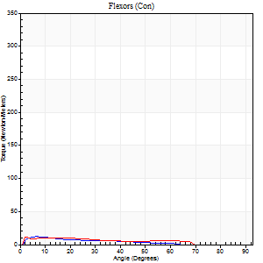
Right Side Curves Left Side Curves
Isokinetic Con/Con |  |  |  | Extensors (Con) |  | Flexors (Con)
Speed 240/240 d/s 3 Reps |  |  |  | Value | Cof Var | %BW | Value | Cof Var | %BW | Ratio

TORQUE PARAMETERS
Peak Torque (Newton-Meters - Best Repetition)
Right |  |  |  | 132 | 0.12 | 238 | 12 | 0.19 | 21 | 9
Left |  |  |  | 122 | 0.14 | 221 | 12 | 0.28 | 21 | 10
Deficit |  |  |  | 7 |  |  | 0
Work per Repetition (Newton-Meters - Best Repetition)
Right |  |  |  | 127 | 0.19 | 232 | 7 | 0.36 | 12 | 5
Left |  |  |  | 117 | 0.18 | 212 | 8 | 0.33 | 15 | 7
Deficit |  |  |  | 9 |  |  | 17
Average Power per Repetition (Watts - Best Repetition)
Right |  |  |  | 271 | 0.25 | 492 | 13 | 0.54 | 24 | 5
Left |  |  |  | 248 | 0.24 | 451 | 16 | 0.4 | 29 | 6
Deficit |  |  |  | 8 |  |  | 19
POSITION PARAMETERS
Joint Angle at Peak Torque (Degrees)
Right |  |  |  | 58 | 0.05 |  | 5 | 0.23
Left |  |  |  | 45 | 0.3 |  | 24 | 1.34
Range of Motion (Degrees)
Right |  |  |  | 2 | 0.06 |  | 89 | 0.01
Left |  |  |  | 1 | 0.09 |  | 89 | 0.01
TIME PARAMETERS
Time to Peak Torque (Seconds)
Right |  |  |  | 0.17 | 0.12 |  | 0.07 | 0.14
Left |  |  |  | 0.26 | 0.05 |  | 0.21 | 1.11
Time Peak Torque Held (Seconds)
Right |  |  |  | 0.01 | 0.43 |  | 0 | 1.73
Left |  |  |  | 0.02 | 0.35 |  | 0.01 | 1.73
Force Decay Time (Seconds)
Right |  |  |  | 0.27 | 0.02 |  | 0.52 | 0.21
Left |  |  |  | 0.22 | 0.22 |  | 0.38 | 0.5
Reciprocal Delay (Seconds)
Right |  |  |  | 0.04 | 0 |  | 0.05 | 0.11
Left |  |  |  | 0.04 | 0.2 |  | 0.05 | 0.2
Delay Time (Seconds)
Right |  |  |  | -0.01 | 0 |  | -0.01 | -0.43
Left |  |  |  | -0.01 | -0.47 |  | -0.01 | -1
HUMAC2015® Version: 15.000.0074 © Computer Sports Medicine, Inc. www.csmisolutions.com

Use File, Preference to set Report Heading
Isometric - Knee Extension/Flexion
Name: |  |  |  | TR030_FP3079, | ID: | TR030 | Right/Left: | 07.11.2022 07.11.2022

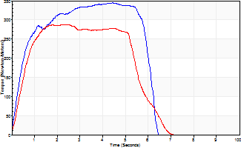
Isometric Extensors (Con) Angle 60 Time 10 Repetition 2 (Best Repetition)
 | Value | Cof Var | %BW
Peak Torque (Newton-Meters)
Right | 344 | 0.05 | 626
Left | 287 | 0.03 | 522
Deficit | 17
Average Torque (Newton-Meters)
Right | 186 | 0.02 | 337
Left | 146 | 0.16 | 265
Deficit | 21
Peak Torque Slope (Newton-Meters/Seconds)
Right | 78 | 0.14 | 141
Left | 132 | 0.07 | 240 |  | Right Side Curves Left Side Curves
Deficit | 41
Time to Half Peak Torque (Seconds)
Right | 0.43 | 0
Left | 0.4 | 0.35
Time to Peak Torque (Seconds)
Right | 4.76 | 0.1
Left | 2.24 | 0.1
HUMAC2015® Version: 15.000.0074 © Computer Sports Medicine, Inc. www.csmisolutions.com

post1
Use File, Preference to set Report Heading
Long Form Torque vs. Position Report - Knee Extension/Flexion
Name: |  |  |  | TR030_FP3079, | ID: | TR030 | Right/Left: | 07.12.2022 07.12.2022
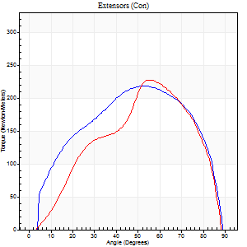
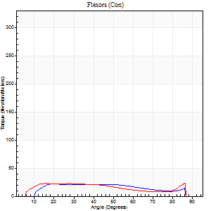
Right Side Curves Left Side Curves
Isokinetic Con/Con |  |  |  | Extensors (Con) |  | Flexors (Con)
Speed 60/60 d/s 3 Reps |  |  |  | Value | Cof Var | %BW | Value | Cof Var | %BW | Ratio

TORQUE PARAMETERS
Peak Torque (Newton-Meters - Best Repetition)
Right |  |  |  | 218 | 0.04 | 396 | 22 | 0.03 | 39 | 10
Left |  |  |  | 228 | 0.06 | 414 | 23 | 0.33 | 42 | 10
Deficit |  |  |  | 4 |  |  | 6
Work per Repetition (Newton-Meters - Best Repetition)
Right |  |  |  | 240 | 0.12 | 435 | 22 | 0.12 | 39 | 9
Left |  |  |  | 229 | 0.11 | 417 | 23 | 0.28 | 42 | 10
Deficit |  |  |  | 5 |  |  | 6
Average Power per Repetition (Watts - Best Repetition)
Right |  |  |  | 158 | 0.07 | 288 | 16 | 0.14 | 29 | 10
Left |  |  |  | 151 | 0.09 | 275 | 16 | 0.32 | 29 | 11
Deficit |  |  |  | 4 |  |  | 0
POSITION PARAMETERS
Joint Angle at Peak Torque (Degrees)
Right |  |  |  | 57 | 0.06 |  | 15 | 0.3
Left |  |  |  | 57 | 0.13 |  | 52 | 0.58
Range of Motion (Degrees)
Right |  |  |  | 1 | 0.58 |  | 90 | 0
Left |  |  |  | 1 | 0.75 |  | 90 | 0.01
TIME PARAMETERS
Time to Peak Torque (Seconds)
Right |  |  |  | 0.55 | 0.1 |  | 0.21 | 0.21
Left |  |  |  | 0.59 | 0.1 |  | 0.88 | 0.53
Time Peak Torque Held (Seconds)
Right |  |  |  | 0.05 | 0.35 |  | 0.17 | 1.38
Left |  |  |  | 0.04 | 0.31 |  | 0.04 | 0.87
Force Decay Time (Seconds)
Right |  |  |  | 0.86 | 0.08 |  | 1.1 | 0.27
Left |  |  |  | 0.9 | 0.09 |  | 0.6 | 0.81
Reciprocal Delay (Seconds)
Right |  |  |  | 0.16 | 0.14 |  | 0.13 | 0.57
Left |  |  |  | 0.11 | 0.61 |  | 0.09 | 0.22
Delay Time (Seconds)
Right |  |  |  | 0.03 | 0 |  | 0 | 0
Left |  |  |  | 0.02 | 0.28 |  | -0.03 | -1.21
HUMAC2015® Version: 15.000.0074 © Computer Sports Medicine, Inc. www.csmisolutions.com

Use File, Preference to set Report Heading
Long Form Torque vs. Position Report - Knee Extension/Flexion
Name: |  |  |  | TR030_FP3079, | ID: | TR030 | Right/Left: | 07.12.2022 07.12.2022
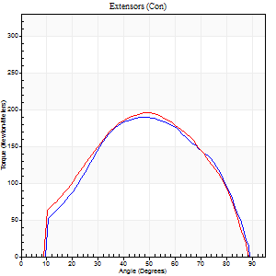
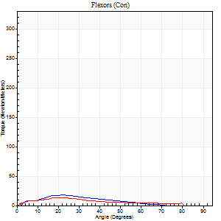
Right Side Curves Left Side Curves
Isokinetic Con/Con |  |  |  | Extensors (Con) |  | Flexors (Con)
Speed 120/120 d/s 3 Reps |  |  |  | Value | Cof Var | %BW | Value | Cof Var | %BW | Ratio

TORQUE PARAMETERS
Peak Torque (Newton-Meters - Best Repetition)
Right |  |  |  | 190 | 0.06 | 346 | 18 | 0.04 | 33 | 9
Left |  |  |  | 195 | 0.1 | 355 | 14 | 0.46 | 24 | 7
Deficit |  |  |  | 3 |  |  | 23
Work per Repetition (Newton-Meters - Best Repetition)
Right |  |  |  | 195 | 0.07 | 355 | 12 | 0.06 | 21 | 6
Left |  |  |  | 190 | 0.15 | 346 | 9 | 0.38 | 18 | 5
Deficit |  |  |  | 3 |  |  | 22
Average Power per Repetition (Watts - Best Repetition)
Right |  |  |  | 247 | 0.09 | 448 | 16 | 0.06 | 29 | 6
Left |  |  |  | 238 | 0.18 | 433 | 11 | 0.4 | 20 | 5
Deficit |  |  |  | 4 |  |  | 31
POSITION PARAMETERS
Joint Angle at Peak Torque (Degrees)
Right |  |  |  | 51 | 0.12 |  | 24 | 0.07
Left |  |  |  | 52 | 0.09 |  | 23 | 0.74
Range of Motion (Degrees)
Right |  |  |  | 1 | 0.07 |  | 90 | 0
Left |  |  |  | 1 | 0.05 |  | 90 | 0.01
TIME PARAMETERS
Time to Peak Torque (Seconds)
Right |  |  |  | 0.37 | 0.02 |  | 0.22 | 0.07
Left |  |  |  | 0.35 | 0 |  | 0.31 | 0.53
Time Peak Torque Held (Seconds)
Right |  |  |  | 0.03 | 0 |  | 0.02 | 0.92
Left |  |  |  | 0.02 | 0.5 |  | 0.02 | 0.92
Force Decay Time (Seconds)
Right |  |  |  | 0.41 | 0.12 |  | 0.56 | 0.02
Left |  |  |  | 0.45 | 0.12 |  | 0.59 | 0.33
Reciprocal Delay (Seconds)
Right |  |  |  | 0.06 | 0.11 |  | 0.07 | 0.16
Left |  |  |  | 0.05 | 0.16 |  | 0.1 | 0.24
Delay Time (Seconds)
Right |  |  |  | 0 | 1.41 |  | 0.02 | 0
Left |  |  |  | 0.01 | 0 |  | -0.01 | -1
HUMAC2015® Version: 15.000.0074 © Computer Sports Medicine, Inc. www.csmisolutions.com

Use File, Preference to set Report Heading
Long Form Torque vs. Position Report - Knee Extension/Flexion
Name: |  |  |  | TR030_FP3079, | ID: | TR030 | Right/Left: | 07.12.2022 07.12.2022
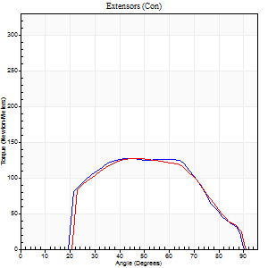
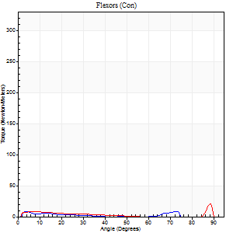
Right Side Curves Left Side Curves
Isokinetic Con/Con |  |  |  | Extensors (Con) |  | Flexors (Con)
Speed 240/240 d/s 3 Reps |  |  |  | Value | Cof Var | %BW | Value | Cof Var | %BW | Ratio

TORQUE PARAMETERS
Peak Torque (Newton-Meters - Best Repetition)
Right |  |  |  | 126 | 0.03 | 229 | 8 | 0.27 | 15 | 6
Left |  |  |  | 127 | 0.06 | 232 | 22 | 0.7 | 39 | 17
Deficit |  |  |  | 1 |  |  | 63
Work per Repetition (Newton-Meters - Best Repetition)
Right |  |  |  | 122 | 0.03 | 221 | 5 | 0.42 | 9 | 4
Left |  |  |  | 118 | 0.09 | 215 | 8 | 0.62 | 15 | 7
Deficit |  |  |  | 3 |  |  | 33
Average Power per Repetition (Watts - Best Repetition)
Right |  |  |  | 260 | 0.09 | 473 | 10 | 0.63 | 18 | 4
Left |  |  |  | 237 | 0.15 | 431 | 10 | 0.76 | 18 | 4
Deficit |  |  |  | 9 |  |  | 0
POSITION PARAMETERS
Joint Angle at Peak Torque (Degrees)
Right |  |  |  | 45 | 0.12 |  | 33 | 1.08
Left |  |  |  | 49 | 0.19 |  | 63 | 0.71
Range of Motion (Degrees)
Right |  |  |  | 2 | 0.06 |  | 89 | 0.01
Left |  |  |  | 1 | 0.09 |  | 90 | 0.01
TIME PARAMETERS
Time to Peak Torque (Seconds)
Right |  |  |  | 0.25 | 0.03 |  | 0.31 | 0.79
Left |  |  |  | 0.25 | 0 |  | 0.7 | 0.37
Time Peak Torque Held (Seconds)
Right |  |  |  | 0.01 | 0.43 |  | 0.17 | 1.73
Left |  |  |  | 0.01 | 0.87 |  | 0 | 0
Force Decay Time (Seconds)
Right |  |  |  | 0.22 | 0.1 |  | 0.22 | 0.79
Left |  |  |  | 0.27 | 0.19 |  | 0.23 | 2.13
Reciprocal Delay (Seconds)
Right |  |  |  | 0.04 | 0.47 |  | 0.06 | 0
Left |  |  |  | 0.2 | 1 |  | 0.19 | 0.37
Delay Time (Seconds)
Right |  |  |  | -0.01 | 0 |  | -0.01 | 0
Left |  |  |  | -0.01 | 0 |  | 0 | 33.45
HUMAC2015® Version: 15.000.0074 © Computer Sports Medicine, Inc. www.csmisolutions.com

Use File, Preference to set Report Heading
Isometric - Knee Extension/Flexion
Name: |  |  |  | TR030_FP3079, | ID: | TR030 | Right/Left: | 07.12.2022 07.12.2022

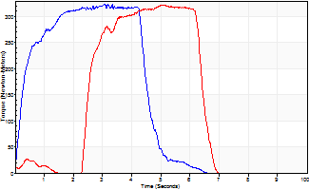
Isometric Extensors (Con) Angle 60 Time 10 Repetition 2 (Best Repetition)
 | Value | Cof Var | %BW
Peak Torque (Newton-Meters)
Right | 324 | 0.03 | 590
Left | 323 | 0.1 | 587
Deficit | 0
Average Torque (Newton-Meters)
Right | 136 | 0.01 | 247
Left | 122 | 0.11 | 221
Deficit | 10
Peak Torque Slope (Newton-Meters/Seconds)
Right | 106 | 0.14 | 192
Left | 96 | 0.28 | 175 |  | Right Side Curves Left Side Curves
Deficit | 9
Time to Half Peak Torque (Seconds)
Right | 0.28 | 0.03
Left | 1.41 | 1.1
Time to Peak Torque (Seconds)
Right | 3.32 | 0.11
Left | 3.97 | 0.38
HUMAC2015® Version: 15.000.0074 © Computer Sports Medicine, Inc. www.csmisolutions.com

