pre1
Use File, Preference to set Report Heading
Long Form Torque vs. Position Report - Knee Extension/Flexion
Name: |  |  |  | TR030_FP3082, | ID: | TR030 | Right/Left: | 15.09.2022 15.09.2022
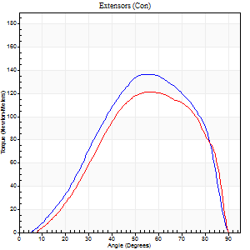
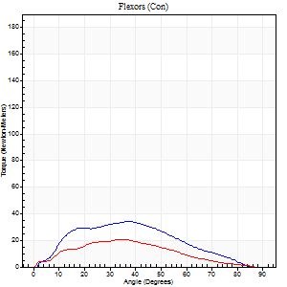
Right Side Curves Left Side Curves
Isokinetic Con/Con |  |  |  | Extensors (Con) |  | Flexors (Con)
Speed 60/60 d/s 3 Reps |  |  |  | Value | Cof Var | %BW | Value | Cof Var | %BW | Ratio

TORQUE PARAMETERS
Peak Torque (Newton-Meters - Best Repetition)
Right |  |  |  | 137 | 0.03 | 179 | 34 | 0.71 | 45 | 25
Left |  |  |  | 121 | 0.01 | 158 | 20 | 0.42 | 27 | 17
Deficit |  |  |  | 12 |  |  | 40
Work per Repetition (Newton-Meters - Best Repetition)
Right |  |  |  | 130 | 0.03 | 170 | 30 | 0.8 | 39 | 23
Left |  |  |  | 122 | 0.05 | 161 | 16 | 0.44 | 21 | 13
Deficit |  |  |  | 6 |  |  | 45
Average Power per Repetition (Watts - Best Repetition)
Right |  |  |  | 81 | 0.05 | 108 | 19 | 0.93 | 24 | 23
Left |  |  |  | 79 | 0.04 | 103 | 11 | 0.44 | 15 | 14
Deficit |  |  |  | 2 |  |  | 42
POSITION PARAMETERS
Joint Angle at Peak Torque (Degrees)
Right |  |  |  | 54 | 0.01 |  | 38 | 0.12
Left |  |  |  | 55 | 0.01 |  | 40 | 0.16
Range of Motion (Degrees)
Right |  |  |  | 1 | 0.96 |  | 90 | 0
Left |  |  |  | 2 | 1.23 |  | 90 | 0
TIME PARAMETERS
Time to Peak Torque (Seconds)
Right |  |  |  | 0.69 | 0.14 |  | 0.69 | 0.1
Left |  |  |  | 0.61 | 0.02 |  | 0.66 | 0.4
Time Peak Torque Held (Seconds)
Right |  |  |  | 0.05 | 0.12 |  | 0.05 | 0.22
Left |  |  |  | 0.05 | 0 |  | 0 | 0
Force Decay Time (Seconds)
Right |  |  |  | 0.86 | 0.02 |  | 1.55 | 0.78
Left |  |  |  | 0.86 | 0.02 |  | 0.86 | 0.13
Reciprocal Delay (Seconds)
Right |  |  |  | 0.16 | 0.39 |  | 0.11 | 0.09
Left |  |  |  | 0.22 | 0.35 |  | 0.14 | 0.47
Delay Time (Seconds)
Right |  |  |  | -0.08 | -1.23 |  | 0.01 | 6.24
Left |  |  |  | -0.01 | -0.47 |  | 0.03 | 5.11
HUMAC2015® Version: 15.000.0074 © Computer Sports Medicine, Inc. www.csmisolutions.com

Use File, Preference to set Report Heading
Long Form Torque vs. Position Report - Knee Extension/Flexion
Name: |  |  |  | TR030_FP3082, | ID: | TR030 | Right/Left: | 15.09.2022 15.09.2022
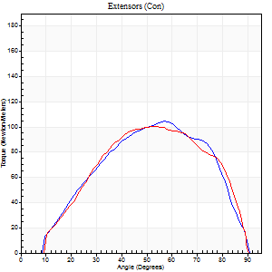
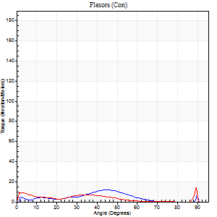
Right Side Curves Left Side Curves
Isokinetic Con/Con |  |  |  | Extensors (Con) |  | Flexors (Con)
Speed 120/120 d/s 3 Reps |  |  |  | Value | Cof Var | %BW | Value | Cof Var | %BW | Ratio

TORQUE PARAMETERS
Peak Torque (Newton-Meters - Best Repetition)
Right |  |  |  | 104 | 0.04 | 137 | 12 | 0.49 | 15 | 12
Left |  |  |  | 100 | 0.02 | 131 | 19 | 0.68 | 24 | 19
Deficit |  |  |  | 4 |  |  | 36
Work per Repetition (Newton-Meters - Best Repetition)
Right |  |  |  | 100 | 0.01 | 131 | 7 | 0.63 | 9 | 7
Left |  |  |  | 100 | 0.02 | 131 | 5 | 0.66 | 6 | 5
Deficit |  |  |  | 0 |  |  | 20
Average Power per Repetition (Watts - Best Repetition)
Right |  |  |  | 115 | 0.04 | 152 | 7 | 0.67 | 9 | 6
Left |  |  |  | 117 | 0.03 | 154 | 5 | 0.87 | 7 | 4
Deficit |  |  |  | 2 |  |  | 29
POSITION PARAMETERS
Joint Angle at Peak Torque (Degrees)
Right |  |  |  | 59 | 0.03 |  | 49 | 0.81
Left |  |  |  | 54 | 0.04 |  | 16 | 1.58
Range of Motion (Degrees)
Right |  |  |  | 1 | 0.1 |  | 90 | 0
Left |  |  |  | 1 | 0.05 |  | 90 | 0
TIME PARAMETERS
Time to Peak Torque (Seconds)
Right |  |  |  | 0.38 | 0.02 |  | 0.55 | 0.73
Left |  |  |  | 0.37 | 0 |  | 0.27 | 1.48
Time Peak Torque Held (Seconds)
Right |  |  |  | 0.02 | 0.35 |  | 0.01 | 0.43
Left |  |  |  | 0.03 | 0.22 |  | 0 | 1.73
Force Decay Time (Seconds)
Right |  |  |  | 0.5 | 0.02 |  | 0.45 | 0.99
Left |  |  |  | 0.45 | 0.06 |  | 2 | 1.12
Reciprocal Delay (Seconds)
Right |  |  |  | 0.19 | 0.33 |  | 0.06 | 0.09
Left |  |  |  | 0.32 | 0.46 |  | 0.1 | 0.56
Delay Time (Seconds)
Right |  |  |  | -0.07 | -0.4 |  | 0.01 | 0.87
Left |  |  |  | -0.02 | -0.28 |  | -0.04 | -1.54
HUMAC2015® Version: 15.000.0074 © Computer Sports Medicine, Inc. www.csmisolutions.com

Use File, Preference to set Report Heading
Long Form Torque vs. Position Report - Knee Extension/Flexion
Name: |  |  |  | TR030_FP3082, | ID: | TR030 | Right/Left: | 15.09.2022 15.09.2022
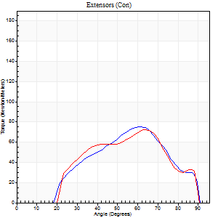
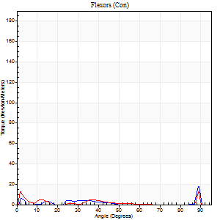
Right Side Curves Left Side Curves
Isokinetic Con/Con |  |  |  | Extensors (Con) |  | Flexors (Con)
Speed 240/240 d/s 3 Reps |  |  |  | Value | Cof Var | %BW | Value | Cof Var | %BW | Ratio

TORQUE PARAMETERS
Peak Torque (Newton-Meters - Best Repetition)
Right |  |  |  | 76 | 0.04 | 101 | 18 | 0.44 | 24 | 23
Left |  |  |  | 72 | 0.04 | 95 | 12 | 0.4 | 15 | 17
Deficit |  |  |  | 5 |  |  | 31
Work per Repetition (Newton-Meters - Best Repetition)
Right |  |  |  | 64 | 0.02 | 83 | 3 | 0.15 | 3 | 4
Left |  |  |  | 61 | 0.08 | 80 | 3 | 0.39 | 3 | 4
Deficit |  |  |  | 4 |  |  | 0
Average Power per Repetition (Watts - Best Repetition)
Right |  |  |  | 118 | 0.02 | 156 | 3 | 0.25 | 4 | 3
Left |  |  |  | 122 | 0.27 | 160 | 3 | 0.53 | 4 | 2
Deficit |  |  |  | 3 |  |  | 0
POSITION PARAMETERS
Joint Angle at Peak Torque (Degrees)
Right |  |  |  | 61 | 0.01 |  | 63 | 0.7
Left |  |  |  | 63 | 0.01 |  | 4 | 0.85
Range of Motion (Degrees)
Right |  |  |  | 2 | 0.08 |  | 90 | 0
Left |  |  |  | 2 | 0.02 |  | 90 | 0
TIME PARAMETERS
Time to Peak Torque (Seconds)
Right |  |  |  | 0.25 | 0.03 |  | 0.64 | 0.69
Left |  |  |  | 0.22 | 0.19 |  | 0.06 | 1.01
Time Peak Torque Held (Seconds)
Right |  |  |  | 0.01 | 0.87 |  | 0.01 | 1.73
Left |  |  |  | 0.01 | 0.87 |  | 0 | 0
Force Decay Time (Seconds)
Right |  |  |  | 0.29 | 0.03 |  | 0.27 | 1.51
Left |  |  |  | 0.3 | 0.03 |  | 1.04 | 0.15
Reciprocal Delay (Seconds)
Right |  |  |  | 0.17 | 0 |  | 0.06 | 0.1
Left |  |  |  | 0.38 | 0.43 |  | 0.05 | 0.12
Delay Time (Seconds)
Right |  |  |  | -0.05 | -0.13 |  | -0.01 | -0.43
Left |  |  |  | -0.05 | -0.64 |  | -0.02 | -0.35
HUMAC2015® Version: 15.000.0074 © Computer Sports Medicine, Inc. www.csmisolutions.com

Use File, Preference to set Report Heading
Isometric - Knee Extension/Flexion
Name: |  |  |  | TR030_FP3082, | ID: | TR030 | Right/Left: | 15.09.2022 15.09.2022

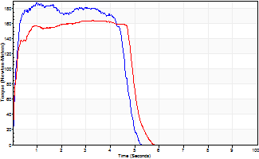
Isometric Extensors (Con) Angle 60 Time 10 Repetition 2 (Best Repetition)
 | Value | Cof Var | %BW
Peak Torque (Newton-Meters)
Right | 187 | 0.03 | 247
Left | 164 | 0 | 215
Deficit | 12
Average Torque (Newton-Meters)
Right | 80 | 0.01 | 104
Left | 77 | 0.01 | 101
Deficit | 3
Peak Torque Slope (Newton-Meters/Seconds)
Right | 191 | 0.77 | 252
Left | 94 | 0.43 | 124 |  | Right Side Curves Left Side Curves
Deficit | 51
Time to Half Peak Torque (Seconds)
Right | 0.11 | 0.2
Left | 0.13 | 0.11
Time to Peak Torque (Seconds)
Right | 2.06 | 0.75
Left | 2.49 | 0.44
HUMAC2015® Version: 15.000.0074 © Computer Sports Medicine, Inc. www.csmisolutions.com

pre2
Use File, Preference to set Report Heading
Long Form Torque vs. Position Report - Knee Extension/Flexion
Name: |  |  |  | TR030_FP3082, | ID: | TR030 | Right/Left: | 27.09.2022 27.09.2022
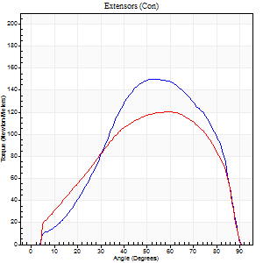
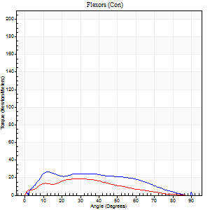
Right Side Curves Left Side Curves
Isokinetic Con/Con |  |  |  | Extensors (Con) |  | Flexors (Con)
Speed 60/60 d/s 3 Reps |  |  |  | Value | Cof Var | %BW | Value | Cof Var | %BW | Ratio

TORQUE PARAMETERS
Peak Torque (Newton-Meters - Best Repetition)
Right |  |  |  | 151 | 0.04 | 197 | 27 | 0.55 | 36 | 18
Left |  |  |  | 121 | 0.02 | 158 | 19 | 0.65 | 24 | 16
Deficit |  |  |  | 20 |  |  | 30
Work per Repetition (Newton-Meters - Best Repetition)
Right |  |  |  | 148 | 0.09 | 194 | 26 | 0.69 | 33 | 17
Left |  |  |  | 126 | 0.09 | 167 | 15 | 0.82 | 21 | 12
Deficit |  |  |  | 15 |  |  | 42
Average Power per Repetition (Watts - Best Repetition)
Right |  |  |  | 95 | 0.08 | 125 | 13 | 0.58 | 18 | 14
Left |  |  |  | 80 | 0.08 | 105 | 9 | 0.87 | 11 | 11
Deficit |  |  |  | 16 |  |  | 31
POSITION PARAMETERS
Joint Angle at Peak Torque (Degrees)
Right |  |  |  | 55 | 0.01 |  | 31 | 0.53
Left |  |  |  | 60 | 0.02 |  | 24 | 0.85
Range of Motion (Degrees)
Right |  |  |  | 0 | 0 |  | 90 | 0
Left |  |  |  | 0 | 0.16 |  | 90 | 0
TIME PARAMETERS
Time to Peak Torque (Seconds)
Right |  |  |  | 0.61 | 0.02 |  | 0.74 | 0.14
Left |  |  |  | 0.51 | 0.06 |  | 0.55 | 0.65
Time Peak Torque Held (Seconds)
Right |  |  |  | 0.06 | 0.37 |  | 0.03 | 1
Left |  |  |  | 0.07 | 0.48 |  | 0.02 | 1.08
Force Decay Time (Seconds)
Right |  |  |  | 0.87 | 0.03 |  | 1.01 | 0.3
Left |  |  |  | 0.96 | 0.06 |  | 1.23 | 0.41
Reciprocal Delay (Seconds)
Right |  |  |  | 0.31 | 0.2 |  | 0.22 | 0.69
Left |  |  |  | 0.19 | 0.18 |  | 0.28 | 0.18
Delay Time (Seconds)
Right |  |  |  | -0.01 | 0 |  | 0.06 | 1.83
Left |  |  |  | -0.01 | 0 |  | -0.08 | -0.5
HUMAC2015® Version: 15.000.0074 © Computer Sports Medicine, Inc. www.csmisolutions.com

Use File, Preference to set Report Heading
Long Form Torque vs. Position Report - Knee Extension/Flexion
Name: |  |  |  | TR030_FP3082, | ID: | TR030 | Right/Left: | 27.09.2022 27.09.2022
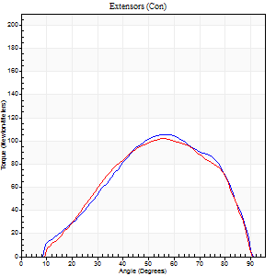
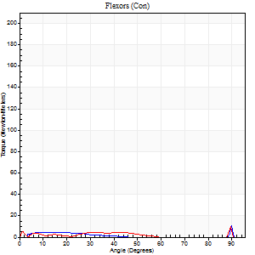
Right Side Curves Left Side Curves
Isokinetic Con/Con |  |  |  | Extensors (Con) |  | Flexors (Con)
Speed 120/120 d/s 3 Reps |  |  |  | Value | Cof Var | %BW | Value | Cof Var | %BW | Ratio

TORQUE PARAMETERS
Peak Torque (Newton-Meters - Best Repetition)
Right |  |  |  | 106 | 0.01 | 140 | 11 | 0.49 | 15 | 10
Left |  |  |  | 102 | 0.01 | 134 | 11 | 0.16 | 15 | 11
Deficit |  |  |  | 4 |  |  | 0
Work per Repetition (Newton-Meters - Best Repetition)
Right |  |  |  | 99 | 0.01 | 131 | 4 | 0.49 | 6 | 4
Left |  |  |  | 95 | 0.01 | 125 | 3 | 0.93 | 3 | 3
Deficit |  |  |  | 4 |  |  | 33
Average Power per Repetition (Watts - Best Repetition)
Right |  |  |  | 119 | 0.01 | 156 | 3 | 0.67 | 4 | 3
Left |  |  |  | 114 | 0.03 | 149 | 3 | 0.75 | 4 | 3
Deficit |  |  |  | 4 |  |  | 0
POSITION PARAMETERS
Joint Angle at Peak Torque (Degrees)
Right |  |  |  | 56 | 0.06 |  | 46 | 0.86
Left |  |  |  | 54 | 0.02 |  | 60 | 0.84
Range of Motion (Degrees)
Right |  |  |  | 1 | 0 |  | 90 | 0
Left |  |  |  | 1 | 0.06 |  | 90 | 0
TIME PARAMETERS
Time to Peak Torque (Seconds)
Right |  |  |  | 0.34 | 0.08 |  | 0.69 | 0.64
Left |  |  |  | 0.38 | 0.06 |  | 0.43 | 1.47
Time Peak Torque Held (Seconds)
Right |  |  |  | 0.03 | 0.43 |  | 0.01 | 1.73
Left |  |  |  | 0.02 | 0.5 |  | 0 | 0
Force Decay Time (Seconds)
Right |  |  |  | 0.47 | 0.07 |  | 0.67 | 1.05
Left |  |  |  | 0.46 | 0.03 |  | 0.48 | 1.82
Reciprocal Delay (Seconds)
Right |  |  |  | 0.29 | 0 |  | 0.07 | 0.14
Left |  |  |  | 0.19 | 0.19 |  | 0.07 | 0.08
Delay Time (Seconds)
Right |  |  |  | -0.01 | 0 |  | 0.27 | 0.38
Left |  |  |  | -0.03 | -0.47 |  | 0.41 | 1.8
HUMAC2015® Version: 15.000.0074 © Computer Sports Medicine, Inc. www.csmisolutions.com

Use File, Preference to set Report Heading
Long Form Torque vs. Position Report - Knee Extension/Flexion
Name: |  |  |  | TR030_FP3082, | ID: | TR030 | Right/Left: | 27.09.2022 27.09.2022
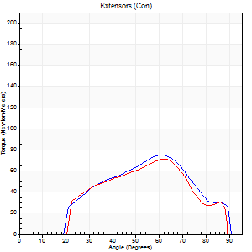
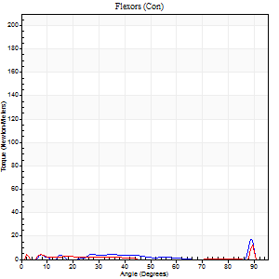
Right Side Curves Left Side Curves
Isokinetic Con/Con |  |  |  | Extensors (Con) |  | Flexors (Con)
Speed 240/240 d/s 3 Reps |  |  |  | Value | Cof Var | %BW | Value | Cof Var | %BW | Ratio

TORQUE PARAMETERS
Peak Torque (Newton-Meters - Best Repetition)
Right |  |  |  | 76 | 0.05 | 101 | 18 | 0.65 | 24 | 23
Left |  |  |  | 71 | 0.02 | 92 | 12 | 0.6 | 15 | 17
Deficit |  |  |  | 7 |  |  | 31
Work per Repetition (Newton-Meters - Best Repetition)
Right |  |  |  | 64 | 0.01 | 83 | 3 | 0.36 | 3 | 4
Left |  |  |  | 58 | 0.09 | 77 | 1 | 0.69 | 3 | 2
Deficit |  |  |  | 9 |  |  | 50
Average Power per Repetition (Watts - Best Repetition)
Right |  |  |  | 125 | 0.01 | 165 | 3 | 0.43 | 4 | 2
Left |  |  |  | 111 | 0.1 | 145 | 2 | 0.4 | 2 | 2
Deficit |  |  |  | 11 |  |  | 33
POSITION PARAMETERS
Joint Angle at Peak Torque (Degrees)
Right |  |  |  | 62 | 0.01 |  | 63 | 0.73
Left |  |  |  | 64 | 0.03 |  | 65 | 0.64
Range of Motion (Degrees)
Right |  |  |  | 2 | 0.02 |  | 90 | 0
Left |  |  |  | 2 | 0.05 |  | 90 | 0
TIME PARAMETERS
Time to Peak Torque (Seconds)
Right |  |  |  | 0.2 | 0.03 |  | 0.78 | 0.61
Left |  |  |  | 0.26 | 0.29 |  | 0.52 | 1.09
Time Peak Torque Held (Seconds)
Right |  |  |  | 0 | 1.73 |  | 0 | 1.73
Left |  |  |  | 0.01 | 0.87 |  | 0.04 | 1.73
Force Decay Time (Seconds)
Right |  |  |  | 0.29 | 0.02 |  | 0.37 | 1.57
Left |  |  |  | 0.3 | 0.02 |  | 0.26 | 1.67
Reciprocal Delay (Seconds)
Right |  |  |  | 0.39 | 0.2 |  | 0.06 | 0.2
Left |  |  |  | 0.36 | 0.42 |  | 0.05 | 0.11
Delay Time (Seconds)
Right |  |  |  | -0.03 | 0 |  | 0.15 | 0.21
Left |  |  |  | 0 | 0 |  | 0.33 | 1.81
HUMAC2015® Version: 15.000.0074 © Computer Sports Medicine, Inc. www.csmisolutions.com

Use File, Preference to set Report Heading
Isometric - Knee Extension/Flexion
Name: |  |  |  | TR030_FP3082, | ID: | TR030 | Right/Left: | 27.09.2022 27.09.2022

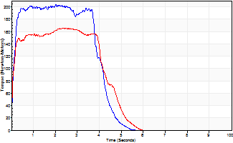
Isometric Extensors (Con) Angle 60 Time 10 Repetition 2 (Best Repetition)
 | Value | Cof Var | %BW
Peak Torque (Newton-Meters)
Right | 203 | 0.04 | 268
Left | 165 | 0.03 | 218
Deficit | 19
Average Torque (Newton-Meters)
Right | 80 | 0.08 | 104
Left | 69 | 0.04 | 92
Deficit | 14
Peak Torque Slope (Newton-Meters/Seconds)
Right | 218 | 0.52 | 287
Left | 87 | 0.14 | 114 |  | Right Side Curves Left Side Curves
Deficit | 60
Time to Half Peak Torque (Seconds)
Right | 0.1 | 0
Left | 0.06 | 0
Time to Peak Torque (Seconds)
Right | 1.44 | 0.56
Left | 2.07 | 0.17
HUMAC2015® Version: 15.000.0074 © Computer Sports Medicine, Inc. www.csmisolutions.com

mid1
Use File, Preference to set Report Heading
Long Form Torque vs. Position Report - Knee Extension/Flexion
Name: |  |  |  | TR030_FP3082, | ID: | TR030 | Right/Left: | 04.11.2022 04.11.2022
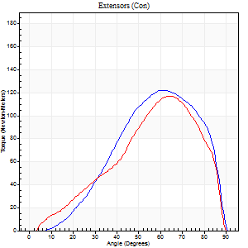
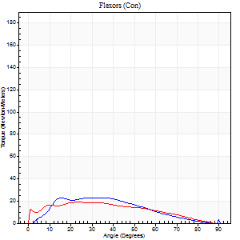
Right Side Curves Left Side Curves
Isokinetic Con/Con |  |  |  | Extensors (Con) |  | Flexors (Con)
Speed 60/60 d/s 3 Reps |  |  |  | Value | Cof Var | %BW | Value | Cof Var | %BW | Ratio

TORQUE PARAMETERS
Peak Torque (Newton-Meters - Best Repetition)
Right |  |  |  | 122 | 0.03 | 161 | 23 | 0.74 | 30 | 19
Left |  |  |  | 117 | 0.1 | 152 | 19 | 0.6 | 24 | 16
Deficit |  |  |  | 4 |  |  | 18
Work per Repetition (Newton-Meters - Best Repetition)
Right |  |  |  | 107 | 0.05 | 140 | 23 | 0.8 | 30 | 22
Left |  |  |  | 102 | 0.11 | 134 | 19 | 0.76 | 24 | 19
Deficit |  |  |  | 5 |  |  | 18
Average Power per Repetition (Watts - Best Repetition)
Right |  |  |  | 69 | 0.12 | 90 | 14 | 0.81 | 18 | 20
Left |  |  |  | 67 | 0.12 | 88 | 12 | 0.75 | 15 | 18
Deficit |  |  |  | 3 |  |  | 14
POSITION PARAMETERS
Joint Angle at Peak Torque (Degrees)
Right |  |  |  | 61 | 0.02 |  | 24 | 0.69
Left |  |  |  | 62 | 0.04 |  | 26 | 0.48
Range of Motion (Degrees)
Right |  |  |  | 0 | 0.64 |  | 90 | 0
Left |  |  |  | 0 | 0 |  | 90 | 0
TIME PARAMETERS
Time to Peak Torque (Seconds)
Right |  |  |  | 0.52 | 0.01 |  | 0.46 | 0.66
Left |  |  |  | 0.48 | 0.09 |  | 0.54 | 0.35
Time Peak Torque Held (Seconds)
Right |  |  |  | 0.04 | 0.27 |  | 0.17 | 0.53
Left |  |  |  | 0.04 | 0.13 |  | 0.06 | 1.73
Force Decay Time (Seconds)
Right |  |  |  | 1.07 | 0.1 |  | 1.07 | 0.31
Left |  |  |  | 1.02 | 0.04 |  | 1.02 | 0.22
Reciprocal Delay (Seconds)
Right |  |  |  | 0.23 | 0.06 |  | 0.2 | 0.54
Left |  |  |  | 0.06 | 0 |  | 0.15 | 0.55
Delay Time (Seconds)
Right |  |  |  | -0.01 | 0 |  | -0.01 | -7.7
Left |  |  |  | 0 | -4.24 |  | -0.04 | -1.3
HUMAC2015® Version: 15.000.0074 © Computer Sports Medicine, Inc. www.csmisolutions.com

Use File, Preference to set Report Heading
Long Form Torque vs. Position Report - Knee Extension/Flexion
Name: |  |  |  | TR030_FP3082, | ID: | TR030 | Right/Left: | 04.11.2022 04.11.2022
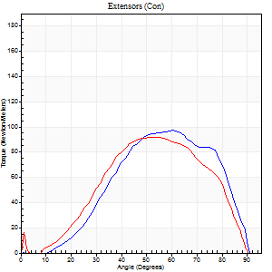
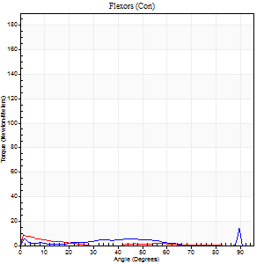
Right Side Curves Left Side Curves
Isokinetic Con/Con |  |  |  | Extensors (Con) |  | Flexors (Con)
Speed 120/120 d/s 3 Reps |  |  |  | Value | Cof Var | %BW | Value | Cof Var | %BW | Ratio

TORQUE PARAMETERS
Peak Torque (Newton-Meters - Best Repetition)
Right |  |  |  | 98 | 0.01 | 128 | 14 | 0.64 | 18 | 14
Left |  |  |  | 92 | 0.02 | 122 | 9 | 0.56 | 12 | 10
Deficit |  |  |  | 6 |  |  | 30
Work per Repetition (Newton-Meters - Best Repetition)
Right |  |  |  | 92 | 0.06 | 122 | 1 | 0.6 | 3 | 1
Left |  |  |  | 84 | 0.08 | 110 | 3 | 0.55 | 3 | 3
Deficit |  |  |  | 9 |  |  | 50
Average Power per Repetition (Watts - Best Repetition)
Right |  |  |  | 106 | 0.18 | 138 | 1 | 0.27 | 2 | 1
Left |  |  |  | 91 | 0.1 | 119 | 2 | 0.89 | 2 | 2
Deficit |  |  |  | 14 |  |  | 50
POSITION PARAMETERS
Joint Angle at Peak Torque (Degrees)
Right |  |  |  | 60 | 0.02 |  | 65 | 0.65
Left |  |  |  | 57 | 0.11 |  | 5 | 0.72
Range of Motion (Degrees)
Right |  |  |  | 1 | 0.19 |  | 90 | 0
Left |  |  |  | 1 | 0.09 |  | 90 | 0
TIME PARAMETERS
Time to Peak Torque (Seconds)
Right |  |  |  | 0.32 | 0.04 |  | 0.44 | 0.74
Left |  |  |  | 0.49 | 0.23 |  | 0.08 | 0.7
Time Peak Torque Held (Seconds)
Right |  |  |  | 0.03 | 0 |  | 0.05 | 1.55
Left |  |  |  | 0.02 | 0.65 |  | 0.01 | 0
Force Decay Time (Seconds)
Right |  |  |  | 0.51 | 0.02 |  | 0.34 | 1.71
Left |  |  |  | 0.49 | 0.17 |  | 2.01 | 0.89
Reciprocal Delay (Seconds)
Right |  |  |  | 0.22 | 0.09 |  | 0.08 | 0.08
Left |  |  |  | 0.17 | 0.36 |  | 0.07 | 0.25
Delay Time (Seconds)
Right |  |  |  | -0.04 | -0.35 |  | 0.46 | 0.69
Left |  |  |  | 0 | -15.56 |  | 0.01 | 5.32
HUMAC2015® Version: 15.000.0074 © Computer Sports Medicine, Inc. www.csmisolutions.com

Use File, Preference to set Report Heading
Long Form Torque vs. Position Report - Knee Extension/Flexion
Name: |  |  |  | TR030_FP3082, | ID: | TR030 | Right/Left: | 04.11.2022 04.11.2022
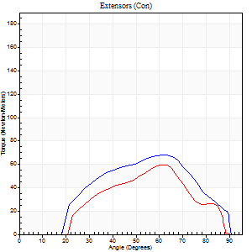
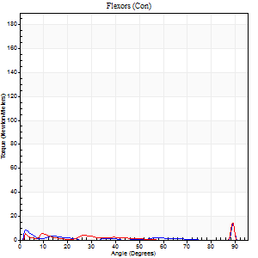
Right Side Curves Left Side Curves
Isokinetic Con/Con |  |  |  | Extensors (Con) |  | Flexors (Con)
Speed 240/240 d/s 3 Reps |  |  |  | Value | Cof Var | %BW | Value | Cof Var | %BW | Ratio

TORQUE PARAMETERS
Peak Torque (Newton-Meters - Best Repetition)
Right |  |  |  | 68 | 0.05 | 89 | 14 | 0.56 | 18 | 20
Left |  |  |  | 60 | 0.07 | 77 | 15 | 0.6 | 21 | 25
Deficit |  |  |  | 12 |  |  | 9
Work per Repetition (Newton-Meters - Best Repetition)
Right |  |  |  | 61 | 0.16 | 80 | 1 | 0.58 | 3 | 2
Left |  |  |  | 45 | 0.01 | 60 | 3 | 0.25 | 3 | 6
Deficit |  |  |  | 27 |  |  | 50
Average Power per Repetition (Watts - Best Repetition)
Right |  |  |  | 110 | 0.16 | 145 | 2 | 0.56 | 2 | 2
Left |  |  |  | 87 | 0.1 | 114 | 2 | 0.37 | 2 | 2
Deficit |  |  |  | 21 |  |  | 0
POSITION PARAMETERS
Joint Angle at Peak Torque (Degrees)
Right |  |  |  | 62 | 0.02 |  | 66 | 0.63
Left |  |  |  | 62 | 0.06 |  | 36 | 1.28
Range of Motion (Degrees)
Right |  |  |  | 2 | 0.02 |  | 90 | 0
Left |  |  |  | 2 | 0.02 |  | 90 | 0.01
TIME PARAMETERS
Time to Peak Torque (Seconds)
Right |  |  |  | 0.23 | 0.12 |  | 0.58 | 0.54
Left |  |  |  | 0.3 | 0.17 |  | 0.37 | 1.15
Time Peak Torque Held (Seconds)
Right |  |  |  | 0 | 1.73 |  | 0 | 0
Left |  |  |  | 0 | 1.73 |  | 0 | 0
Force Decay Time (Seconds)
Right |  |  |  | 0.3 | 0.05 |  | 0.44 | 1.62
Left |  |  |  | 0.29 | 0.03 |  | 0.62 | 0.88
Reciprocal Delay (Seconds)
Right |  |  |  | 0.22 | 0.03 |  | 0.05 | 0.2
Left |  |  |  | 0.14 | 0.37 |  | 0.05 | 0.12
Delay Time (Seconds)
Right |  |  |  | -0.04 | -0.47 |  | 0.15 | 1.85
Left |  |  |  | 0 | 0 |  | -0.02 | -0.35
HUMAC2015® Version: 15.000.0074 © Computer Sports Medicine, Inc. www.csmisolutions.com

Use File, Preference to set Report Heading
Isometric - Knee Extension/Flexion
Name: |  |  |  | TR030_FP3082, | ID: | TR030 | Right/Left: | 04.11.2022 04.11.2022

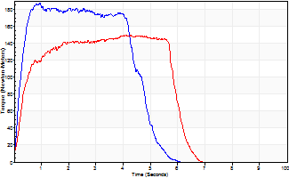
Isometric Extensors (Con) Angle 60 Time 10 Repetition 2 (Best Repetition)
 | Value | Cof Var | %BW
Peak Torque (Newton-Meters)
Right | 187 | 0.01 | 247
Left | 149 | 0.01 | 197
Deficit | 20
Average Torque (Newton-Meters)
Right | 80 | 0.05 | 104
Left | 80 | 0.01 | 104
Deficit | 0
Peak Torque Slope (Newton-Meters/Seconds)
Right | 197 | 0.39 | 259
Left | 36 | 0.02 | 48 |  | Right Side Curves Left Side Curves
Deficit | 82
Time to Half Peak Torque (Seconds)
Right | 0.19 | 0.18
Left | 0.25 | 0.34
Time to Peak Torque (Seconds)
Right | 1.3 | 0.39
Left | 4.12 | 0.01
HUMAC2015® Version: 15.000.0074 © Computer Sports Medicine, Inc. www.csmisolutions.com

mid2
Use File, Preference to set Report Heading
Long Form Torque vs. Position Report - Knee Extension/Flexion
Name: |  |  |  | TR030_FP3082, | ID: | TR030 | Right/Left: | 08.11.2022 08.11.2022
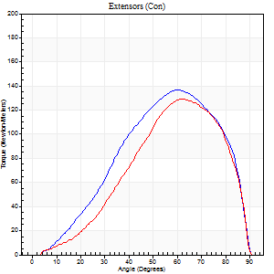
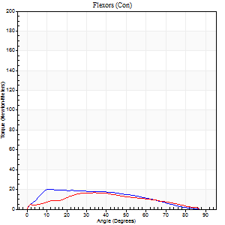
Right Side Curves Left Side Curves
Isokinetic Con/Con |  |  |  | Extensors (Con) |  | Flexors (Con)
Speed 60/60 d/s 3 Reps |  |  |  | Value | Cof Var | %BW | Value | Cof Var | %BW | Ratio

TORQUE PARAMETERS
Peak Torque (Newton-Meters - Best Repetition)
Right |  |  |  | 137 | 0.02 | 179 | 20 | 0.64 | 27 | 15
Left |  |  |  | 129 | 0.08 | 170 | 16 | 0.67 | 21 | 13
Deficit |  |  |  | 6 |  |  | 20
Work per Repetition (Newton-Meters - Best Repetition)
Right |  |  |  | 130 | 0.04 | 170 | 19 | 0.76 | 24 | 15
Left |  |  |  | 114 | 0.04 | 149 | 15 | 0.77 | 21 | 13
Deficit |  |  |  | 13 |  |  | 21
Average Power per Repetition (Watts - Best Repetition)
Right |  |  |  | 84 | 0.36 | 110 | 12 | 0.8 | 15 | 14
Left |  |  |  | 73 | 0.04 | 97 | 9 | 0.78 | 11 | 12
Deficit |  |  |  | 13 |  |  | 25
POSITION PARAMETERS
Joint Angle at Peak Torque (Degrees)
Right |  |  |  | 59 | 0.03 |  | 16 | 1.13
Left |  |  |  | 61 | 0.04 |  | 24 | 0.82
Range of Motion (Degrees)
Right |  |  |  | 0 | 0.47 |  | 90 | 0
Left |  |  |  | 0 | 0 |  | 90 | 0
TIME PARAMETERS
Time to Peak Torque (Seconds)
Right |  |  |  | 0.54 | 0.05 |  | 0.41 | 1.01
Left |  |  |  | 0.49 | 0.01 |  | 0.58 | 0.6
Time Peak Torque Held (Seconds)
Right |  |  |  | 0.05 | 0.11 |  | 0.03 | 0.94
Left |  |  |  | 0.05 | 0.43 |  | 0.1 | 1.73
Force Decay Time (Seconds)
Right |  |  |  | 0.97 | 0.05 |  | 1.34 | 0.28
Left |  |  |  | 0.98 | 0.07 |  | 1.12 | 0.28
Reciprocal Delay (Seconds)
Right |  |  |  | 0.3 | 0.05 |  | 0.32 | 0.62
Left |  |  |  | 0.2 | 0.03 |  | 0.26 | 0.02
Delay Time (Seconds)
Right |  |  |  | 0 | 0 |  | -0.05 | -0.87
Left |  |  |  | -0.01 | 0 |  | -0.12 | -0.09
HUMAC2015® Version: 15.000.0074 © Computer Sports Medicine, Inc. www.csmisolutions.com

Use File, Preference to set Report Heading
Long Form Torque vs. Position Report - Knee Extension/Flexion
Name: |  |  |  | TR030_FP3082, | ID: | TR030 | Right/Left: | 08.11.2022 08.11.2022
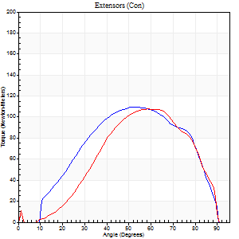
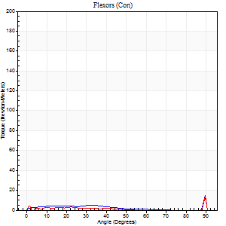
Right Side Curves Left Side Curves
Isokinetic Con/Con |  |  |  | Extensors (Con) |  | Flexors (Con)
Speed 120/120 d/s 3 Reps |  |  |  | Value | Cof Var | %BW | Value | Cof Var | %BW | Ratio

TORQUE PARAMETERS
Peak Torque (Newton-Meters - Best Repetition)
Right |  |  |  | 110 | 0.03 | 146 | 14 | 0.5 | 18 | 12
Left |  |  |  | 107 | 0.03 | 140 | 15 | 0.55 | 21 | 14
Deficit |  |  |  | 2 |  |  | 9
Work per Repetition (Newton-Meters - Best Repetition)
Right |  |  |  | 108 | 0.02 | 143 | 4 | 0.41 | 6 | 4
Left |  |  |  | 99 | 0.03 | 131 | 4 | 1.15 | 6 | 4
Deficit |  |  |  | 9 |  |  | 0
Average Power per Repetition (Watts - Best Repetition)
Right |  |  |  | 102 | 0.43 | 134 | 4 | 0.48 | 4 | 4
Left |  |  |  | 119 | 0.04 | 156 | 4 | 0.66 | 4 | 3
Deficit |  |  |  | 14 |  |  | 0
POSITION PARAMETERS
Joint Angle at Peak Torque (Degrees)
Right |  |  |  | 53 | 0.02 |  | 63 | 0.72
Left |  |  |  | 57 | 0.03 |  | 60 | 0.85
Range of Motion (Degrees)
Right |  |  |  | 0 | 0.47 |  | 90 | 0
Left |  |  |  | 1 | 0 |  | 90 | 0
TIME PARAMETERS
Time to Peak Torque (Seconds)
Right |  |  |  | 0.37 | 0.02 |  | 0.79 | 0.55
Left |  |  |  | 0.32 | 0.02 |  | 0.41 | 1.54
Time Peak Torque Held (Seconds)
Right |  |  |  | 0.03 | 0.43 |  | 0.01 | 0.87
Left |  |  |  | 0.02 | 0.49 |  | 0 | 1.73
Force Decay Time (Seconds)
Right |  |  |  | 0.58 | 0.25 |  | 0.34 | 1.61
Left |  |  |  | 0.48 | 0.02 |  | 0.49 | 1.71
Reciprocal Delay (Seconds)
Right |  |  |  | 0.27 | 0.1 |  | 0.19 | 0.84
Left |  |  |  | 0.18 | 0.08 |  | 0.08 | 0.07
Delay Time (Seconds)
Right |  |  |  | -0.02 | 0 |  | 0.05 | 3.59
Left |  |  |  | -0.01 | -0.47 |  | 0.38 | 1.82
HUMAC2015® Version: 15.000.0074 © Computer Sports Medicine, Inc. www.csmisolutions.com

Use File, Preference to set Report Heading
Long Form Torque vs. Position Report - Knee Extension/Flexion
Name: |  |  |  | TR030_FP3082, | ID: | TR030 | Right/Left: | 08.11.2022 08.11.2022
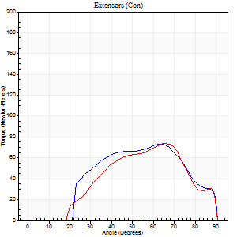
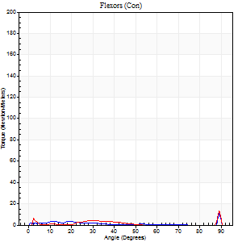
Right Side Curves Left Side Curves
Isokinetic Con/Con |  |  |  | Extensors (Con) |  | Flexors (Con)
Speed 240/240 d/s 3 Reps |  |  |  | Value | Cof Var | %BW | Value | Cof Var | %BW | Ratio

TORQUE PARAMETERS
Peak Torque (Newton-Meters - Best Repetition)
Right |  |  |  | 73 | 0.02 | 95 | 11 | 0.43 | 15 | 15
Left |  |  |  | 73 | 0.04 | 95 | 14 | 0.57 | 18 | 19
Deficit |  |  |  | 0 |  |  | 20
Work per Repetition (Newton-Meters - Best Repetition)
Right |  |  |  | 68 | 0.06 | 89 | 1 | 0.05 | 3 | 2
Left |  |  |  | 61 | 0.03 | 80 | 1 | 0.21 | 3 | 2
Deficit |  |  |  | 10 |  |  | 0
Average Power per Repetition (Watts - Best Repetition)
Right |  |  |  | 112 | 0.3 | 147 | 2 | 0.12 | 2 | 2
Left |  |  |  | 122 | 0.04 | 160 | 2 | 0.25 | 2 | 2
Deficit |  |  |  | 8 |  |  | 0
POSITION PARAMETERS
Joint Angle at Peak Torque (Degrees)
Right |  |  |  | 63 | 0.01 |  | 64 | 0.7
Left |  |  |  | 65 | 0.02 |  | 36 | 1.28
Range of Motion (Degrees)
Right |  |  |  | 0 | 0.2 |  | 90 | 0
Left |  |  |  | 2 | 0 |  | 90 | 0
TIME PARAMETERS
Time to Peak Torque (Seconds)
Right |  |  |  | 0.44 | 0.27 |  | 0.89 | 0.47
Left |  |  |  | 0.19 | 0.04 |  | 0.39 | 1.37
Time Peak Torque Held (Seconds)
Right |  |  |  | 0 | 0 |  | 0 | 0
Left |  |  |  | 0 | 0 |  | 0.01 | 1.73
Force Decay Time (Seconds)
Right |  |  |  | 0.43 | 0.28 |  | 0.3 | 1.59
Left |  |  |  | 0.32 | 0.02 |  | 0.65 | 0.91
Reciprocal Delay (Seconds)
Right |  |  |  | 0.44 | 0.37 |  | 0.12 | 0.52
Left |  |  |  | 0.61 | 0.22 |  | 0.04 | 0.13
Delay Time (Seconds)
Right |  |  |  | -0.28 | -0.44 |  | 0.06 | 1.8
Left |  |  |  | -0.02 | -0.28 |  | 0.06 | 2.28
HUMAC2015® Version: 15.000.0074 © Computer Sports Medicine, Inc. www.csmisolutions.com

Use File, Preference to set Report Heading
Isometric - Knee Extension/Flexion
Name: |  |  |  | TR030_FP3082, | ID: | TR030 | Right/Left: | 08.11.2022 08.11.2022

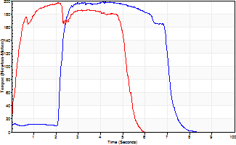
Isometric Extensors (Con) Angle 60 Time 10 Repetition 2 (Best Repetition)
 | Value | Cof Var | %BW
Peak Torque (Newton-Meters)
Right | 198 | 0.03 | 259
Left | 197 | 0.01 | 259
Deficit | 1
Average Torque (Newton-Meters)
Right | 95 | 0.08 | 125
Left | 91 | 0.17 | 119
Deficit | 4
Peak Torque Slope (Newton-Meters/Seconds)
Right | 85 | 0.39 | 113
Left | 124 | 0.2 | 164 |  | Right Side Curves Left Side Curves
Deficit | 31
Time to Half Peak Torque (Seconds)
Right | 1.38 | 0.85
Left | 0.2 | 0.28
Time to Peak Torque (Seconds)
Right | 3.15 | 0.42
Left | 1.82 | 0.21
HUMAC2015® Version: 15.000.0074 © Computer Sports Medicine, Inc. www.csmisolutions.com

post1
Use File, Preference to set Report Heading
Long Form Torque vs. Position Report - Knee Extension/Flexion
Name: |  |  |  | TR030_FP3082, | ID: | TR030 | Right/Left: | 05.12.2022 05.12.2022
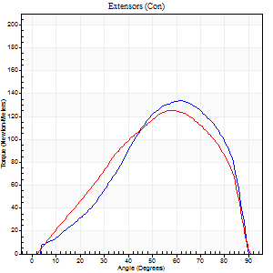
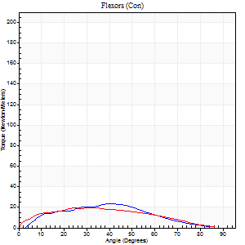
Right Side Curves Left Side Curves
Isokinetic Con/Con |  |  |  | Extensors (Con) |  | Flexors (Con)
Speed 60/60 d/s 3 Reps |  |  |  | Value | Cof Var | %BW | Value | Cof Var | %BW | Ratio

TORQUE PARAMETERS
Peak Torque (Newton-Meters - Best Repetition)
Right |  |  |  | 134 | 0.03 | 176 | 23 | 0.81 | 30 | 17
Left |  |  |  | 125 | 0.02 | 164 | 20 | 0.23 | 27 | 16
Deficit |  |  |  | 7 |  |  | 12
Work per Repetition (Newton-Meters - Best Repetition)
Right |  |  |  | 119 | 0.04 | 158 | 19 | 0.85 | 24 | 16
Left |  |  |  | 121 | 0.06 | 158 | 19 | 0.23 | 24 | 16
Deficit |  |  |  | 1 |  |  | 0
Average Power per Repetition (Watts - Best Repetition)
Right |  |  |  | 77 | 0.04 | 101 | 13 | 0.86 | 18 | 17
Left |  |  |  | 75 | 0.05 | 99 | 12 | 0.25 | 15 | 16
Deficit |  |  |  | 3 |  |  | 8
POSITION PARAMETERS
Joint Angle at Peak Torque (Degrees)
Right |  |  |  | 61 | 0.03 |  | 30 | 0.67
Left |  |  |  | 60 | 0.05 |  | 20 | 0.56
Range of Motion (Degrees)
Right |  |  |  | 1 | 0.16 |  | 90 | 0
Left |  |  |  | 0 | 0 |  | 90 | 0
TIME PARAMETERS
Time to Peak Torque (Seconds)
Right |  |  |  | 0.51 | 0.06 |  | 0.5 | 0.65
Left |  |  |  | 0.5 | 0.11 |  | 0.47 | 0.26
Time Peak Torque Held (Seconds)
Right |  |  |  | 0.06 | 0.17 |  | 0 | 0
Left |  |  |  | 0.05 | 0.25 |  | 0.02 | 0.87
Force Decay Time (Seconds)
Right |  |  |  | 0.96 | 0.04 |  | 1.11 | 0.4
Left |  |  |  | 0.99 | 0.06 |  | 1.15 | 0.13
Reciprocal Delay (Seconds)
Right |  |  |  | 0.22 | 0.03 |  | 0.09 | 0.11
Left |  |  |  | 0.19 | 0 |  | 0.19 | 0.5
Delay Time (Seconds)
Right |  |  |  | 0.01 | 0 |  | 0.07 | 0.29
Left |  |  |  | -0.01 | -1.41 |  | -0.11 | -0.48
HUMAC2015® Version: 15.000.0074 © Computer Sports Medicine, Inc. www.csmisolutions.com

Use File, Preference to set Report Heading
Long Form Torque vs. Position Report - Knee Extension/Flexion
Name: |  |  |  | TR030_FP3082, | ID: | TR030 | Right/Left: | 05.12.2022 05.12.2022
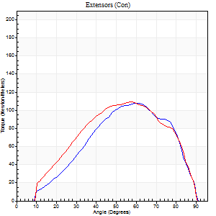
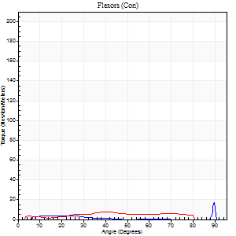
Right Side Curves Left Side Curves
Isokinetic Con/Con |  |  |  | Extensors (Con) |  | Flexors (Con)
Speed 120/120 d/s 3 Reps |  |  |  | Value | Cof Var | %BW | Value | Cof Var | %BW | Ratio

TORQUE PARAMETERS
Peak Torque (Newton-Meters - Best Repetition)
Right |  |  |  | 108 | 0.02 | 143 | 18 | 0.6 | 24 | 16
Left |  |  |  | 108 | 0.08 | 143 | 8 | 0.33 | 12 | 8
Deficit |  |  |  | 0 |  |  | 54
Work per Repetition (Newton-Meters - Best Repetition)
Right |  |  |  | 100 | 0.03 | 131 | 3 | 0.44 | 3 | 3
Left |  |  |  | 106 | 0.1 | 140 | 7 | 0.58 | 9 | 6
Deficit |  |  |  | 5 |  |  | 60
Average Power per Repetition (Watts - Best Repetition)
Right |  |  |  | 121 | 0.03 | 158 | 3 | 0.59 | 4 | 2
Left |  |  |  | 128 | 0.1 | 169 | 7 | 0.64 | 9 | 5
Deficit |  |  |  | 5 |  |  | 57
POSITION PARAMETERS
Joint Angle at Peak Torque (Degrees)
Right |  |  |  | 61 | 0.01 |  | 62 | 0.76
Left |  |  |  | 59 | 0.05 |  | 26 | 0.71
Range of Motion (Degrees)
Right |  |  |  | 1 | 0.04 |  | 90 | 0
Left |  |  |  | 1 | 0 |  | 90 | 0
TIME PARAMETERS
Time to Peak Torque (Seconds)
Right |  |  |  | 0.28 | 0 |  | 0.79 | 0.55
Left |  |  |  | 0.31 | 0.02 |  | 0.37 | 0.53
Time Peak Torque Held (Seconds)
Right |  |  |  | 0.05 | 0.81 |  | 0.04 | 1.33
Left |  |  |  | 0.03 | 0.33 |  | 0.02 | 0.69
Force Decay Time (Seconds)
Right |  |  |  | 0.49 | 0.07 |  | 0.38 | 1.69
Left |  |  |  | 0.49 | 0.07 |  | 0.67 | 0.46
Reciprocal Delay (Seconds)
Right |  |  |  | 0.26 | 0.16 |  | 0.06 | 0.1
Left |  |  |  | 0.13 | 0.11 |  | 0.09 | 0.11
Delay Time (Seconds)
Right |  |  |  | -0.01 | 0 |  | 0.23 | 0.29
Left |  |  |  | -0.01 | 0 |  | 0.06 | 0.87
HUMAC2015® Version: 15.000.0074 © Computer Sports Medicine, Inc. www.csmisolutions.com

Use File, Preference to set Report Heading
Long Form Torque vs. Position Report - Knee Extension/Flexion
Name: |  |  |  | TR030_FP3082, | ID: | TR030 | Right/Left: | 05.12.2022 05.12.2022
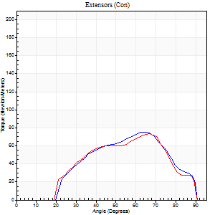
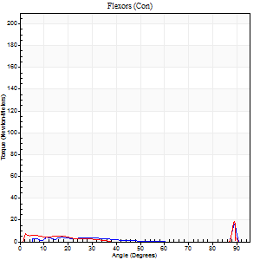
Right Side Curves Left Side Curves
Isokinetic Con/Con |  |  |  | Extensors (Con) |  | Flexors (Con)
Speed 240/240 d/s 3 Reps |  |  |  | Value | Cof Var | %BW | Value | Cof Var | %BW | Ratio

TORQUE PARAMETERS
Peak Torque (Newton-Meters - Best Repetition)
Right |  |  |  | 76 | 0.04 | 101 | 16 | 0.57 | 21 | 21
Left |  |  |  | 73 | 0.02 | 95 | 19 | 0.83 | 24 | 26
Deficit |  |  |  | 4 |  |  | 14
Work per Repetition (Newton-Meters - Best Repetition)
Right |  |  |  | 65 | 0.01 | 86 | 4 | 0.4 | 6 | 6
Left |  |  |  | 62 | 0.1 | 83 | 3 | 0.29 | 3 | 4
Deficit |  |  |  | 4 |  |  | 33
Average Power per Repetition (Watts - Best Repetition)
Right |  |  |  | 127 | 0.01 | 167 | 5 | 0.57 | 7 | 4
Left |  |  |  | 124 | 0.14 | 163 | 3 | 0.25 | 4 | 2
Deficit |  |  |  | 2 |  |  | 40
POSITION PARAMETERS
Joint Angle at Peak Torque (Degrees)
Right |  |  |  | 66 | 0.01 |  | 60 | 0.82
Left |  |  |  | 65 | 0.05 |  | 32 | 1.52
Range of Motion (Degrees)
Right |  |  |  | 2 | 0 |  | 90 | 0
Left |  |  |  | 2 | 0.1 |  | 90 | 0.01
TIME PARAMETERS
Time to Peak Torque (Seconds)
Right |  |  |  | 0.19 | 0.04 |  | 0.57 | 0.81
Left |  |  |  | 0.2 | 0.21 |  | 0.34 | 1.31
Time Peak Torque Held (Seconds)
Right |  |  |  | 0.01 | 0 |  | 0 | 1.73
Left |  |  |  | 0 | 0 |  | 0 | 0
Force Decay Time (Seconds)
Right |  |  |  | 0.3 | 0.02 |  | 0.41 | 1.46
Left |  |  |  | 0.31 | 0.04 |  | 0.69 | 0.56
Reciprocal Delay (Seconds)
Right |  |  |  | 0.28 | 0.18 |  | 0.06 | 0.1
Left |  |  |  | 0.11 | 0.07 |  | 0.05 | 0.29
Delay Time (Seconds)
Right |  |  |  | -0.03 | 0 |  | 0.16 | 0.41
Left |  |  |  | 0.01 | 4.24 |  | -0.03 | -0.22
HUMAC2015® Version: 15.000.0074 © Computer Sports Medicine, Inc. www.csmisolutions.com

Use File, Preference to set Report Heading
Isometric - Knee Extension/Flexion
Name: |  |  |  | TR030_FP3082, | ID: | TR030 | Right/Left: | 05.12.2022 05.12.2022

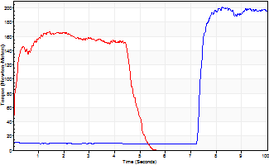
Isometric Extensors (Con) Angle 60 Time 10 Repetition 2 (Best Repetition)
 | Value | Cof Var | %BW
Peak Torque (Newton-Meters)
Right | 201 | 0.01 | 265
Left | 167 | 0.02 | 221
Deficit | 17
Average Torque (Newton-Meters)
Right | 95 | 0.34 | 125
Left | 73 | 0.01 | 95
Deficit | 23
Peak Torque Slope (Newton-Meters/Seconds)
Right | 151 | 1.02 | 199
Left | 117 | 0.28 | 154 |  | Right Side Curves Left Side Curves
Deficit | 23
Time to Half Peak Torque (Seconds)
Right | 3.73 | 1.38
Left | 0.12 | 0.47
Time to Peak Torque (Seconds)
Right | 4.76 | 1.03
Left | 1.72 | 0.25
HUMAC2015® Version: 15.000.0074 © Computer Sports Medicine, Inc. www.csmisolutions.com

post2
Use File, Preference to set Report Heading
Long Form Torque vs. Position Report - Knee Extension/Flexion
Name: |  |  |  | TR030_FP3082, | ID: | TR030 | Right/Left: | 09.12.2022 09.12.2022
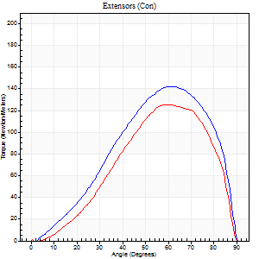
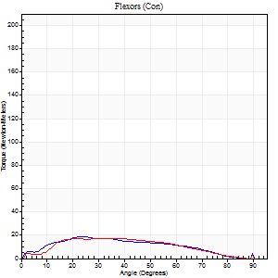
Right Side Curves Left Side Curves
Isokinetic Con/Con |  |  |  | Extensors (Con) |  | Flexors (Con)
Speed 60/60 d/s 3 Reps |  |  |  | Value | Cof Var | %BW | Value | Cof Var | %BW | Ratio

TORQUE PARAMETERS
Peak Torque (Newton-Meters - Best Repetition)
Right |  |  |  | 142 | 0.04 | 188 | 19 | 0.22 | 24 | 13
Left |  |  |  | 126 | 0.03 | 167 | 18 | 0.32 | 24 | 14
Deficit |  |  |  | 11 |  |  | 7
Work per Repetition (Newton-Meters - Best Repetition)
Right |  |  |  | 129 | 0.05 | 170 | 18 | 0.28 | 24 | 14
Left |  |  |  | 114 | 0.04 | 149 | 16 | 0.34 | 21 | 14
Deficit |  |  |  | 12 |  |  | 8
Average Power per Repetition (Watts - Best Repetition)
Right |  |  |  | 82 | 0.06 | 108 | 10 | 0.26 | 13 | 12
Left |  |  |  | 73 | 0.06 | 97 | 10 | 0.34 | 13 | 14
Deficit |  |  |  | 11 |  |  | 0
POSITION PARAMETERS
Joint Angle at Peak Torque (Degrees)
Right |  |  |  | 62 | 0.01 |  | 29 | 0.24
Left |  |  |  | 61 | 0.01 |  | 26 | 0.49
Range of Motion (Degrees)
Right |  |  |  | 0 | 0.11 |  | 90 | 0
Left |  |  |  | 1 | 1.19 |  | 90 | 0
TIME PARAMETERS
Time to Peak Torque (Seconds)
Right |  |  |  | 0.48 | 0.03 |  | 0.55 | 0.22
Left |  |  |  | 0.52 | 0 |  | 0.54 | 0.35
Time Peak Torque Held (Seconds)
Right |  |  |  | 0.06 | 0 |  | 0.11 | 0.75
Left |  |  |  | 0.06 | 0 |  | 0.07 | 0.77
Force Decay Time (Seconds)
Right |  |  |  | 0.99 | 0.02 |  | 0.93 | 0.2
Left |  |  |  | 0.98 | 0.02 |  | 1.02 | 0.26
Reciprocal Delay (Seconds)
Right |  |  |  | 0.17 | 0.17 |  | 0.14 | 0.35
Left |  |  |  | 0.16 | 0.05 |  | 0.14 | 0.53
Delay Time (Seconds)
Right |  |  |  | 0 | -1.41 |  | -0.01 | -5.68
Left |  |  |  | -0.01 | -0.47 |  | -0.05 | -0.71
HUMAC2015® Version: 15.000.0074 © Computer Sports Medicine, Inc. www.csmisolutions.com

Use File, Preference to set Report Heading
Long Form Torque vs. Position Report - Knee Extension/Flexion
Name: |  |  |  | TR030_FP3082, | ID: | TR030 | Right/Left: | 09.12.2022 09.12.2022
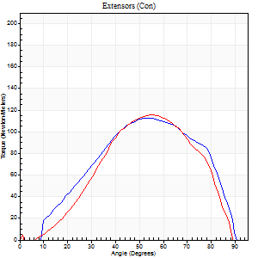
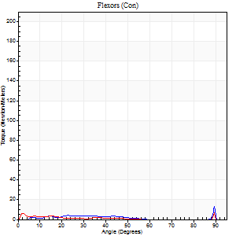
Right Side Curves Left Side Curves
Isokinetic Con/Con |  |  |  | Extensors (Con) |  | Flexors (Con)
Speed 120/120 d/s 3 Reps |  |  |  | Value | Cof Var | %BW | Value | Cof Var | %BW | Ratio

TORQUE PARAMETERS
Peak Torque (Newton-Meters - Best Repetition)
Right |  |  |  | 113 | 0.01 | 149 | 14 | 0.75 | 18 | 12
Left |  |  |  | 115 | 0.05 | 152 | 12 | 0.41 | 15 | 11
Deficit |  |  |  | 2 |  |  | 10
Work per Repetition (Newton-Meters - Best Repetition)
Right |  |  |  | 108 | 0.03 | 143 | 3 | 0.34 | 3 | 2
Left |  |  |  | 100 | 0.03 | 131 | 1 | 0.85 | 3 | 1
Deficit |  |  |  | 8 |  |  | 50
Average Power per Repetition (Watts - Best Repetition)
Right |  |  |  | 132 | 0.17 | 174 | 2 | 0.42 | 2 | 2
Left |  |  |  | 119 | 0.04 | 156 | 2 | 0.84 | 2 | 2
Deficit |  |  |  | 10 |  |  | 0
POSITION PARAMETERS
Joint Angle at Peak Torque (Degrees)
Right |  |  |  | 57 | 0.06 |  | 37 | 1.21
Left |  |  |  | 56 | 0.02 |  | 31 | 1.66
Range of Motion (Degrees)
Right |  |  |  | 1 | 0 |  | 90 | 0
Left |  |  |  | 1 | 0.12 |  | 90 | 0
TIME PARAMETERS
Time to Peak Torque (Seconds)
Right |  |  |  | 0.32 | 0.11 |  | 0.56 | 1.01
Left |  |  |  | 0.32 | 0.02 |  | 0.18 | 1.49
Time Peak Torque Held (Seconds)
Right |  |  |  | 0.02 | 0.5 |  | 0 | 0
Left |  |  |  | 0.02 | 0.35 |  | 0 | 1.73
Force Decay Time (Seconds)
Right |  |  |  | 0.48 | 0.07 |  | 0.72 | 0.93
Left |  |  |  | 0.49 | 0.03 |  | 0.7 | 0.92
Reciprocal Delay (Seconds)
Right |  |  |  | 0.23 | 0.03 |  | 0.07 | 0
Left |  |  |  | 0.13 | 0.05 |  | 0.06 | 0.09
Delay Time (Seconds)
Right |  |  |  | -0.01 | 0 |  | 0.1 | 0.78
Left |  |  |  | 0.01 | 2.36 |  | 0.2 | 1.86
HUMAC2015® Version: 15.000.0074 © Computer Sports Medicine, Inc. www.csmisolutions.com

Use File, Preference to set Report Heading
Long Form Torque vs. Position Report - Knee Extension/Flexion
Name: |  |  |  | TR030_FP3082, | ID: | TR030 | Right/Left: | 09.12.2022 09.12.2022
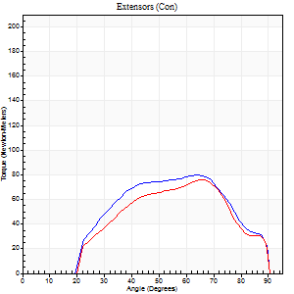
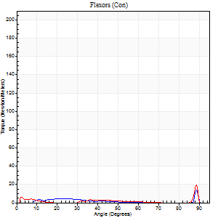
Right Side Curves Left Side Curves
Isokinetic Con/Con |  |  |  | Extensors (Con) |  | Flexors (Con)
Speed 240/240 d/s 3 Reps |  |  |  | Value | Cof Var | %BW | Value | Cof Var | %BW | Ratio

TORQUE PARAMETERS
Peak Torque (Newton-Meters - Best Repetition)
Right |  |  |  | 80 | 0 | 104 | 14 | 0.52 | 18 | 17
Left |  |  |  | 76 | 0.07 | 101 | 19 | 0.67 | 24 | 25
Deficit |  |  |  | 5 |  |  | 29
Work per Repetition (Newton-Meters - Best Repetition)
Right |  |  |  | 72 | 0.04 | 95 | 3 | 0.27 | 3 | 4
Left |  |  |  | 65 | 0.14 | 86 | 3 | 0.62 | 3 | 4
Deficit |  |  |  | 9 |  |  | 0
Average Power per Repetition (Watts - Best Repetition)
Right |  |  |  | 145 | 0.04 | 191 | 3 | 0.38 | 4 | 2
Left |  |  |  | 128 | 0.15 | 169 | 6 | 0.77 | 9 | 5
Deficit |  |  |  | 12 |  |  | 50
POSITION PARAMETERS
Joint Angle at Peak Torque (Degrees)
Right |  |  |  | 64 | 0 |  | 61 | 0.79
Left |  |  |  | 66 | 0.03 |  | 63 | 0.73
Range of Motion (Degrees)
Right |  |  |  | 2 | 0 |  | 90 | 0
Left |  |  |  | 2 | 0.03 |  | 90 | 0.01
TIME PARAMETERS
Time to Peak Torque (Seconds)
Right |  |  |  | 0.19 | 0.04 |  | 0.67 | 0.81
Left |  |  |  | 0.18 | 0.08 |  | 0.43 | 1.22
Time Peak Torque Held (Seconds)
Right |  |  |  | 0 | 1.73 |  | 0.05 | 1.73
Left |  |  |  | 0 | 1.73 |  | 0 | 0
Force Decay Time (Seconds)
Right |  |  |  | 0.31 | 0.02 |  | 0.33 | 1.55
Left |  |  |  | 0.32 | 0.04 |  | 0.29 | 1.61
Reciprocal Delay (Seconds)
Right |  |  |  | 0.38 | 0.21 |  | 0.05 | 0.29
Left |  |  |  | 0.22 | 0.51 |  | 0.06 | 0.1
Delay Time (Seconds)
Right |  |  |  | -0.03 | 0 |  | 0.1 | 1.1
Left |  |  |  | 0 | 0 |  | 0.31 | 1.9
HUMAC2015® Version: 15.000.0074 © Computer Sports Medicine, Inc. www.csmisolutions.com

Use File, Preference to set Report Heading
Isometric - Knee Extension/Flexion
Name: |  |  |  | TR030_FP3082, | ID: | TR030 | Right/Left: | 09.12.2022 09.12.2022

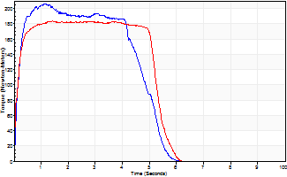
Isometric Extensors (Con) Angle 60 Time 10 Repetition 2 (Best Repetition)
 | Value | Cof Var | %BW
Peak Torque (Newton-Meters)
Right | 206 | 0.02 | 271
Left | 183 | 0.01 | 241
Deficit | 11
Average Torque (Newton-Meters)
Right | 91 | 0.04 | 119
Left | 94 | 0.08 | 122
Deficit | 3
Peak Torque Slope (Newton-Meters/Seconds)
Right | 272 | 0.28 | 359
Left | 129 | 0.33 | 170 |  | Right Side Curves Left Side Curves
Deficit | 53
Time to Half Peak Torque (Seconds)
Right | 0.13 | 0.22
Left | 0.11 | 0.06
Time to Peak Torque (Seconds)
Right | 0.93 | 0.3
Left | 1.82 | 0.32
HUMAC2015® Version: 15.000.0074 © Computer Sports Medicine, Inc. www.csmisolutions.com

