pre1
Use File, Preference to set Report Heading
Long Form Torque vs. Position Report - Knee Extension/Flexion
Name: |  |  |  | TR030_FP3083, | ID: | TR030 | Right/Left: | 26.09.2022 26.09.2022
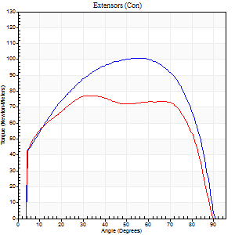
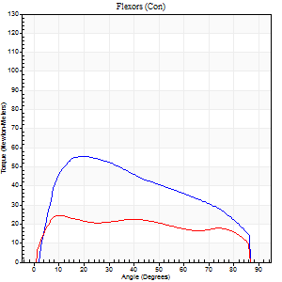
Right Side Curves Left Side Curves
Isokinetic Con/Con |  |  |  | Extensors (Con) |  | Flexors (Con)
Speed 60/60 d/s 3 Reps |  |  |  | Value | Cof Var | %BW | Value | Cof Var | %BW | Ratio

TORQUE PARAMETERS
Peak Torque (Newton-Meters - Best Repetition)
Right |  |  |  | 100 | 0.01 | 125 | 56 | 0.07 | 69 | 55
Left |  |  |  | 77 | 0.07 | 95 | 24 | 0.15 | 30 | 32
Deficit |  |  |  | 23 |  |  | 56
Work per Repetition (Newton-Meters - Best Repetition)
Right |  |  |  | 119 | 0.01 | 149 | 58 | 0.05 | 72 | 49
Left |  |  |  | 96 | 0.1 | 119 | 28 | 0.17 | 36 | 30
Deficit |  |  |  | 19 |  |  | 51
Average Power per Repetition (Watts - Best Repetition)
Right |  |  |  | 77 | 0.03 | 97 | 40 | 0.08 | 51 | 52
Left |  |  |  | 63 | 0.11 | 79 | 19 | 0.18 | 24 | 30
Deficit |  |  |  | 18 |  |  | 53
POSITION PARAMETERS
Joint Angle at Peak Torque (Degrees)
Right |  |  |  | 51 | 0.12 |  | 27 | 0.31
Left |  |  |  | 49 | 0.34 |  | 15 | 0.29
Range of Motion (Degrees)
Right |  |  |  | 0 | 0 |  | 90 | 0
Left |  |  |  | 0 | 0.9 |  | 90 | 0
TIME PARAMETERS
Time to Peak Torque (Seconds)
Right |  |  |  | 0.72 | 0.18 |  | 0.43 | 0.34
Left |  |  |  | 0.86 | 0.17 |  | 0.27 | 0.29
Time Peak Torque Held (Seconds)
Right |  |  |  | 0.09 | 0.11 |  | 0.03 | 0.92
Left |  |  |  | 0.09 | 0.66 |  | 0.26 | 1.6
Force Decay Time (Seconds)
Right |  |  |  | 0.78 | 0.11 |  | 1.03 | 0.08
Left |  |  |  | 0.74 | 0.41 |  | 0.99 | 0.48
Reciprocal Delay (Seconds)
Right |  |  |  | 0.19 | 0.18 |  | 0.16 | 0.21
Left |  |  |  | 0.18 | 0.08 |  | 0.12 | 0.38
Delay Time (Seconds)
Right |  |  |  | -0.02 | -0.28 |  | 0.04 | 0.25
Left |  |  |  | 0 | 0 |  | 0.01 | 2.29
HUMAC2015® Version: 15.000.0074 © Computer Sports Medicine, Inc. www.csmisolutions.com

Use File, Preference to set Report Heading
Long Form Torque vs. Position Report - Knee Extension/Flexion
Name: |  |  |  | TR030_FP3083, | ID: | TR030 | Right/Left: | 26.09.2022 26.09.2022
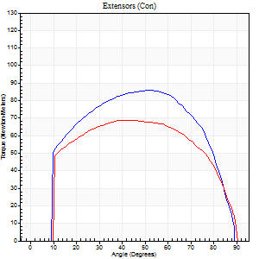
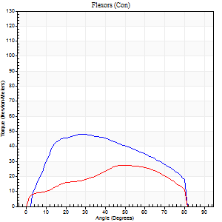
Right Side Curves Left Side Curves
Isokinetic Con/Con |  |  |  | Extensors (Con) |  | Flexors (Con)
Speed 120/120 d/s 3 Reps |  |  |  | Value | Cof Var | %BW | Value | Cof Var | %BW | Ratio

TORQUE PARAMETERS
Peak Torque (Newton-Meters - Best Repetition)
Right |  |  |  | 85 | 0.03 | 107 | 49 | 0.04 | 60 | 57
Left |  |  |  | 69 | 0.04 | 86 | 27 | 0.16 | 33 | 39
Deficit |  |  |  | 19 |  |  | 44
Work per Repetition (Newton-Meters - Best Repetition)
Right |  |  |  | 96 | 0.02 | 119 | 50 | 0.04 | 63 | 52
Left |  |  |  | 80 | 0.06 | 101 | 27 | 0.13 | 33 | 34
Deficit |  |  |  | 17 |  |  | 46
Average Power per Repetition (Watts - Best Repetition)
Right |  |  |  | 119 | 0.06 | 149 | 62 | 0.04 | 77 | 52
Left |  |  |  | 90 | 0.04 | 112 | 31 | 0.17 | 40 | 34
Deficit |  |  |  | 24 |  |  | 50
POSITION PARAMETERS
Joint Angle at Peak Torque (Degrees)
Right |  |  |  | 50 | 0.06 |  | 30 | 0.12
Left |  |  |  | 41 | 0.08 |  | 44 | 0.54
Range of Motion (Degrees)
Right |  |  |  | 1 | 0.08 |  | 90 | 0
Left |  |  |  | 0 | 0.16 |  | 89 | 0.01
TIME PARAMETERS
Time to Peak Torque (Seconds)
Right |  |  |  | 0.34 | 0.02 |  | 0.27 | 0.1
Left |  |  |  | 0.48 | 0.09 |  | 0.46 | 0.47
Time Peak Torque Held (Seconds)
Right |  |  |  | 0.04 | 0.42 |  | 0.03 | 0.57
Left |  |  |  | 0.03 | 0.87 |  | 0.01 | 1.73
Force Decay Time (Seconds)
Right |  |  |  | 0.4 | 0.09 |  | 0.49 | 0.09
Left |  |  |  | 0.37 | 0.05 |  | 0.41 | 0.49
Reciprocal Delay (Seconds)
Right |  |  |  | 0.05 | 0.13 |  | 0.08 | 0.33
Left |  |  |  | 0.13 | 0.05 |  | 0.13 | 0.28
Delay Time (Seconds)
Right |  |  |  | 0 | 0 |  | 0.03 | 0.17
Left |  |  |  | -0.01 | -0.47 |  | -0.01 | -0.43
HUMAC2015® Version: 15.000.0074 © Computer Sports Medicine, Inc. www.csmisolutions.com

Use File, Preference to set Report Heading
Long Form Torque vs. Position Report - Knee Extension/Flexion
Name: |  |  |  | TR030_FP3083, | ID: | TR030 | Right/Left: | 26.09.2022 26.09.2022
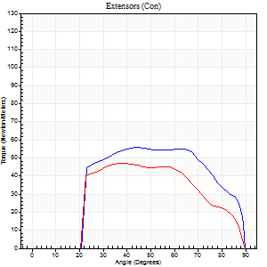
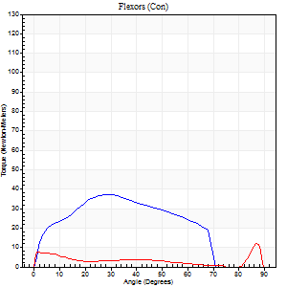
Right Side Curves Left Side Curves
Isokinetic Con/Con |  |  |  | Extensors (Con) |  | Flexors (Con)
Speed 240/240 d/s 3 Reps |  |  |  | Value | Cof Var | %BW | Value | Cof Var | %BW | Ratio

TORQUE PARAMETERS
Peak Torque (Newton-Meters - Best Repetition)
Right |  |  |  | 56 | 0.01 | 69 | 37 | 0.78 | 45 | 66
Left |  |  |  | 47 | 0.12 | 60 | 12 | 0.15 | 15 | 26
Deficit |  |  |  | 15 |  |  | 67
Work per Repetition (Newton-Meters - Best Repetition)
Right |  |  |  | 57 | 0.01 | 72 | 34 | 0.85 | 42 | 60
Left |  |  |  | 45 | 0.15 | 57 | 5 | 0.68 | 6 | 12
Deficit |  |  |  | 21 |  |  | 84
Average Power per Repetition (Watts - Best Repetition)
Right |  |  |  | 106 | 0.05 | 132 | 65 | 0.89 | 81 | 61
Left |  |  |  | 75 | 0.18 | 95 | 8 | 0.03 | 11 | 11
Deficit |  |  |  | 29 |  |  | 88
POSITION PARAMETERS
Joint Angle at Peak Torque (Degrees)
Right |  |  |  | 49 | 0.19 |  | 35 | 0.74
Left |  |  |  | 46 | 0.2 |  | 59 | 0.83
Range of Motion (Degrees)
Right |  |  |  | 0 | 0.61 |  | 89 | 0
Left |  |  |  | 0 | 0.47 |  | 89 | 0
TIME PARAMETERS
Time to Peak Torque (Seconds)
Right |  |  |  | 0.27 | 0.08 |  | 0.25 | 0.45
Left |  |  |  | 0.28 | 0.12 |  | 0.27 | 1.28
Time Peak Torque Held (Seconds)
Right |  |  |  | 0.04 | 1.03 |  | 0 | 1.73
Left |  |  |  | 0.03 | 1.08 |  | 0.02 | 1.25
Force Decay Time (Seconds)
Right |  |  |  | 0.24 | 0.07 |  | 0.29 | 0.45
Left |  |  |  | 0.26 | 0.08 |  | 0.19 | 1.46
Reciprocal Delay (Seconds)
Right |  |  |  | 0.05 | 0 |  | 0.09 | 0.4
Left |  |  |  | 0.06 | 0 |  | 0.12 | 0.3
Delay Time (Seconds)
Right |  |  |  | -0.02 | -0.28 |  | 0 | 3.46
Left |  |  |  | -0.02 | 0 |  | 0.19 | 2.01
HUMAC2015® Version: 15.000.0074 © Computer Sports Medicine, Inc. www.csmisolutions.com

Use File, Preference to set Report Heading
Isometric - Knee Extension/Flexion
Name: |  |  |  | TR030_FP3083, | ID: | TR030 | Right/Left: | 26.09.2022 26.09.2022

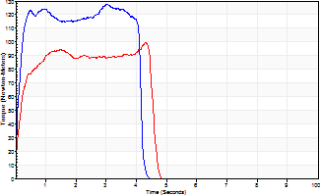
Isometric Extensors (Con) Angle 60 Time 10 Repetition 2 (Best Repetition)
 | Value | Cof Var | %BW
Peak Torque (Newton-Meters)
Right | 127 | 0.03 | 158
Left | 99 | 0.01 | 122
Deficit | 22
Average Torque (Newton-Meters)
Right | 64 | 0.19 | 80
Left | 39 | 0.14 | 48
Deficit | 38
Peak Torque Slope (Newton-Meters/Seconds)
Right | 51 | 0.13 | 63
Left | 64 | 0.66 | 80 |  | Right Side Curves Left Side Curves
Deficit | 21
Time to Half Peak Torque (Seconds)
Right | 0.12 | 0.12
Left | 0.15 | 0.19
Time to Peak Torque (Seconds)
Right | 2.72 | 0.16
Left | 2.9 | 0.67
HUMAC2015® Version: 15.000.0074 © Computer Sports Medicine, Inc. www.csmisolutions.com

pre2
Use File, Preference to set Report Heading
Long Form Torque vs. Position Report - Knee Extension/Flexion
Name: |  |  |  | TR030_FP3083, | ID: | TR030 | Right/Left: | 30.09.2022 30.09.2022
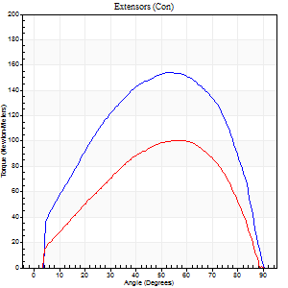
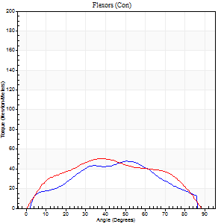
Right Side Curves Left Side Curves
Isokinetic Con/Con |  |  |  | Extensors (Con) |  | Flexors (Con)
Speed 60/60 d/s 3 Reps |  |  |  | Value | Cof Var | %BW | Value | Cof Var | %BW | Ratio

TORQUE PARAMETERS
Peak Torque (Newton-Meters - Best Repetition)
Right |  |  |  | 155 | 0.04 | 194 | 47 | 0.62 | 60 | 31
Left |  |  |  | 100 | 0.02 | 125 | 50 | 0.69 | 63 | 50
Deficit |  |  |  | 35 |  |  | 5
Work per Repetition (Newton-Meters - Best Repetition)
Right |  |  |  | 165 | 0.03 | 206 | 46 | 0.67 | 57 | 28
Left |  |  |  | 100 | 0.03 | 125 | 53 | 0.7 | 66 | 53
Deficit |  |  |  | 39 |  |  | 13
Average Power per Repetition (Watts - Best Repetition)
Right |  |  |  | 108 | 0.38 | 134 | 30 | 0.69 | 37 | 28
Left |  |  |  | 63 | 0.04 | 79 | 34 | 0.71 | 42 | 54
Deficit |  |  |  | 42 |  |  | 12
POSITION PARAMETERS
Joint Angle at Peak Torque (Degrees)
Right |  |  |  | 52 | 0.05 |  | 41 | 0.27
Left |  |  |  | 54 | 0.07 |  | 26 | 0.52
Range of Motion (Degrees)
Right |  |  |  | 1 | 0 |  | 90 | 0
Left |  |  |  | 0 | 0.64 |  | 89 | 0.01
TIME PARAMETERS
Time to Peak Torque (Seconds)
Right |  |  |  | 0.63 | 0 |  | 0.75 | 0.1
Left |  |  |  | 0.74 | 0.09 |  | 0.49 | 0.38
Time Peak Torque Held (Seconds)
Right |  |  |  | 0.05 | 0.35 |  | 0.03 | 0.87
Left |  |  |  | 0.05 | 0.2 |  | 0.04 | 0.67
Force Decay Time (Seconds)
Right |  |  |  | 0.82 | 0.06 |  | 0.78 | 0.21
Left |  |  |  | 0.88 | 0.05 |  | 1.03 | 0.22
Reciprocal Delay (Seconds)
Right |  |  |  | 0.13 | 0.05 |  | 0.1 | 0.46
Left |  |  |  | 0.14 | 0.16 |  | 0.16 | 0.2
Delay Time (Seconds)
Right |  |  |  | 0 | -1.41 |  | 0.03 | 0.75
Left |  |  |  | 0.02 | 8.96 |  | -0.02 | -0.5
HUMAC2015® Version: 15.000.0074 © Computer Sports Medicine, Inc. www.csmisolutions.com

Use File, Preference to set Report Heading
Long Form Torque vs. Position Report - Knee Extension/Flexion
Name: |  |  |  | TR030_FP3083, | ID: | TR030 | Right/Left: | 30.09.2022 30.09.2022
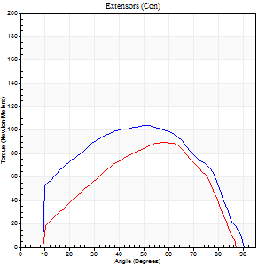
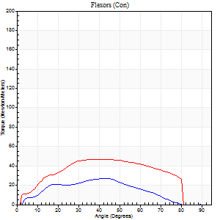
Right Side Curves Left Side Curves
Isokinetic Con/Con |  |  |  | Extensors (Con) |  | Flexors (Con)
Speed 120/120 d/s 3 Reps |  |  |  | Value | Cof Var | %BW | Value | Cof Var | %BW | Ratio

TORQUE PARAMETERS
Peak Torque (Newton-Meters - Best Repetition)
Right |  |  |  | 104 | 0.04 | 131 | 27 | 0.36 | 33 | 26
Left |  |  |  | 89 | 0.1 | 113 | 47 | 0.65 | 60 | 53
Deficit |  |  |  | 14 |  |  | 43
Work per Repetition (Newton-Meters - Best Repetition)
Right |  |  |  | 111 | 0.04 | 140 | 23 | 0.46 | 30 | 21
Left |  |  |  | 81 | 0.1 | 101 | 50 | 0.73 | 63 | 62
Deficit |  |  |  | 27 |  |  | 54
Average Power per Repetition (Watts - Best Repetition)
Right |  |  |  | 130 | 0.04 | 163 | 28 | 0.48 | 35 | 22
Left |  |  |  | 103 | 0.14 | 130 | 62 | 0.76 | 77 | 60
Deficit |  |  |  | 21 |  |  | 55
POSITION PARAMETERS
Joint Angle at Peak Torque (Degrees)
Right |  |  |  | 47 | 0.06 |  | 34 | 0.26
Left |  |  |  | 54 | 0.08 |  | 37 | 0.45
Range of Motion (Degrees)
Right |  |  |  | 1 | 0 |  | 90 | 0
Left |  |  |  | 1 | 0.12 |  | 90 | 0.01
TIME PARAMETERS
Time to Peak Torque (Seconds)
Right |  |  |  | 0.42 | 0.05 |  | 0.3 | 0.2
Left |  |  |  | 0.29 | 0.07 |  | 0.37 | 0.29
Time Peak Torque Held (Seconds)
Right |  |  |  | 0.02 | 1.25 |  | 0.01 | 1
Left |  |  |  | 0.03 | 0.43 |  | 0.02 | 0.35
Force Decay Time (Seconds)
Right |  |  |  | 0.4 | 0.09 |  | 0.49 | 0.16
Left |  |  |  | 0.44 | 0.09 |  | 0.45 | 0.3
Reciprocal Delay (Seconds)
Right |  |  |  | 0.07 | 0.2 |  | 0.07 | 0.23
Left |  |  |  | 0.06 | 0.11 |  | 0.06 | 0.24
Delay Time (Seconds)
Right |  |  |  | -0.04 | -0.2 |  | 0.05 | 0.53
Left |  |  |  | 0.05 | 0.39 |  | -0.01 | -1.15
HUMAC2015® Version: 15.000.0074 © Computer Sports Medicine, Inc. www.csmisolutions.com

Use File, Preference to set Report Heading
Long Form Torque vs. Position Report - Knee Extension/Flexion
Name: |  |  |  | TR030_FP3083, | ID: | TR030 | Right/Left: | 30.09.2022 30.09.2022
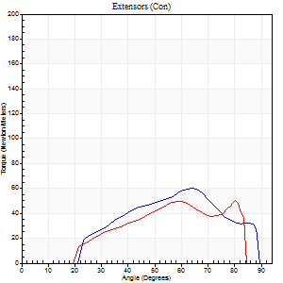
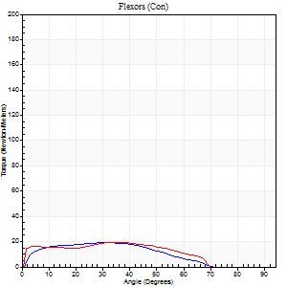
Right Side Curves Left Side Curves
Isokinetic Con/Con |  |  |  | Extensors (Con) |  | Flexors (Con)
Speed 240/240 d/s 3 Reps |  |  |  | Value | Cof Var | %BW | Value | Cof Var | %BW | Ratio

TORQUE PARAMETERS
Peak Torque (Newton-Meters - Best Repetition)
Right |  |  |  | 61 | 0.11 | 77 | 19 | 0.12 | 24 | 31
Left |  |  |  | 50 | 0.17 | 63 | 19 | 0.17 | 24 | 38
Deficit |  |  |  | 18 |  |  | 0
Work per Repetition (Newton-Meters - Best Repetition)
Right |  |  |  | 49 | 0.11 | 60 | 16 | 0.3 | 21 | 33
Left |  |  |  | 41 | 0.26 | 51 | 19 | 0.19 | 24 | 47
Deficit |  |  |  | 17 |  |  | 14
Average Power per Repetition (Watts - Best Repetition)
Right |  |  |  | 101 | 0.24 | 125 | 31 | 0.33 | 40 | 31
Left |  |  |  | 80 | 0.27 | 99 | 35 | 0.21 | 44 | 44
Deficit |  |  |  | 21 |  |  | 11
POSITION PARAMETERS
Joint Angle at Peak Torque (Degrees)
Right |  |  |  | 59 | 0.14 |  | 52 | 0.59
Left |  |  |  | 68 | 0.16 |  | 30 | 0.66
Range of Motion (Degrees)
Right |  |  |  | 2 | 0.08 |  | 89 | 0.01
Left |  |  |  | 1 | 0.12 |  | 87 | 0.03
TIME PARAMETERS
Time to Peak Torque (Seconds)
Right |  |  |  | 0.17 | 0.08 |  | 0.33 | 0.51
Left |  |  |  | 0.19 | 0.04 |  | 0.23 | 0.49
Time Peak Torque Held (Seconds)
Right |  |  |  | 0 | 1.73 |  | 0.01 | 1.73
Left |  |  |  | 0 | 1.73 |  | 0 | 0
Force Decay Time (Seconds)
Right |  |  |  | 0.29 | 0.14 |  | 0.19 | 0.73
Left |  |  |  | 0.35 | 0.19 |  | 0.31 | 0.33
Reciprocal Delay (Seconds)
Right |  |  |  | 0.04 | 0.47 |  | 0.05 | 0.11
Left |  |  |  | 0.05 | 0.13 |  | 0.05 | 0
Delay Time (Seconds)
Right |  |  |  | -0.02 | -0.71 |  | -0.02 | 0
Left |  |  |  | 0 | -1.41 |  | -0.03 | -0.22
HUMAC2015® Version: 15.000.0074 © Computer Sports Medicine, Inc. www.csmisolutions.com

Use File, Preference to set Report Heading
Isometric - Knee Extension/Flexion
Name: |  |  |  | TR030_FP3083, | ID: | TR030 | Right/Left: | 30.09.2022 30.09.2022

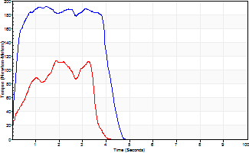
Isometric Extensors (Con) Angle 60 Time 10 Repetition 2 (Best Repetition)
 | Value | Cof Var | %BW
Peak Torque (Newton-Meters)
Right | 191 | 0.06 | 238
Left | 114 | 0.06 | 143
Deficit | 40
Average Torque (Newton-Meters)
Right | 75 | 0.13 | 92
Left | 31 | 0.07 | 39
Deficit | 58
Peak Torque Slope (Newton-Meters/Seconds)
Right | 131 | 0.48 | 164
Left | 60 | 0.04 | 75 |  | Right Side Curves Left Side Curves
Deficit | 54
Time to Half Peak Torque (Seconds)
Right | 0.15 | 0.09
Left | 0.34 | 0.75
Time to Peak Torque (Seconds)
Right | 2.08 | 0.43
Left | 1.86 | 0.02
HUMAC2015® Version: 15.000.0074 © Computer Sports Medicine, Inc. www.csmisolutions.com

mid1
Use File, Preference to set Report Heading
Long Form Torque vs. Position Report - Knee Extension/Flexion
Name: |  |  |  | TR030_FP3083, | ID: | TR030 | Right/Left: | 25.10.2022 25.10.2022
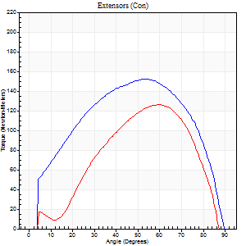
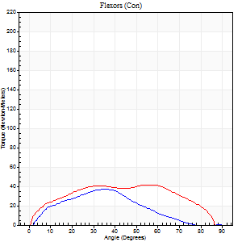
Right Side Curves Left Side Curves
Isokinetic Con/Con |  |  |  | Extensors (Con) |  | Flexors (Con)
Speed 60/60 d/s 3 Reps |  |  |  | Value | Cof Var | %BW | Value | Cof Var | %BW | Ratio

TORQUE PARAMETERS
Peak Torque (Newton-Meters - Best Repetition)
Right |  |  |  | 152 | 0.05 | 191 | 37 | 0.63 | 45 | 24
Left |  |  |  | 126 | 0.03 | 158 | 42 | 0.41 | 54 | 33
Deficit |  |  |  | 17 |  |  | 13
Work per Repetition (Newton-Meters - Best Repetition)
Right |  |  |  | 168 | 0.08 | 209 | 30 | 0.67 | 36 | 18
Left |  |  |  | 114 | 0.02 | 143 | 47 | 0.56 | 60 | 42
Deficit |  |  |  | 32 |  |  | 37
Average Power per Repetition (Watts - Best Repetition)
Right |  |  |  | 108 | 0.1 | 134 | 20 | 0.68 | 24 | 19
Left |  |  |  | 74 | 0.02 | 92 | 31 | 0.56 | 40 | 42
Deficit |  |  |  | 31 |  |  | 35
POSITION PARAMETERS
Joint Angle at Peak Torque (Degrees)
Right |  |  |  | 52 | 0.01 |  | 42 | 0.41
Left |  |  |  | 58 | 0.05 |  | 38 | 0.68
Range of Motion (Degrees)
Right |  |  |  | 0 | 0.28 |  | 90 | 0
Left |  |  |  | 1 | 0.85 |  | 89 | 0.02
TIME PARAMETERS
Time to Peak Torque (Seconds)
Right |  |  |  | 0.68 | 0.09 |  | 0.73 | 0.33
Left |  |  |  | 0.49 | 0.03 |  | 0.66 | 0.66
Time Peak Torque Held (Seconds)
Right |  |  |  | 0.06 | 0.46 |  | 0.03 | 1.05
Left |  |  |  | 0.05 | 0.35 |  | 0.03 | 1
Force Decay Time (Seconds)
Right |  |  |  | 0.83 | 0.05 |  | 0.81 | 0.4
Left |  |  |  | 0.94 | 0.05 |  | 0.83 | 0.52
Reciprocal Delay (Seconds)
Right |  |  |  | 0.14 | 0.15 |  | 0.17 | 0.03
Left |  |  |  | 0.09 | 0.58 |  | 0.1 | 0.4
Delay Time (Seconds)
Right |  |  |  | -0.03 | -1.41 |  | 0.04 | 0.27
Left |  |  |  | 0 | 0 |  | -0.01 | -2.65
HUMAC2015® Version: 15.000.0074 © Computer Sports Medicine, Inc. www.csmisolutions.com

Use File, Preference to set Report Heading
Long Form Torque vs. Position Report - Knee Extension/Flexion
Name: |  |  |  | TR030_FP3083, | ID: | TR030 | Right/Left: | 25.10.2022 25.10.2022
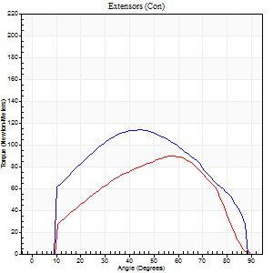
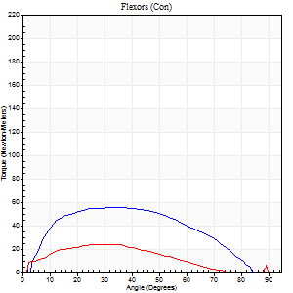
Right Side Curves Left Side Curves
Isokinetic Con/Con |  |  |  | Extensors (Con) |  | Flexors (Con)
Speed 120/120 d/s 3 Reps |  |  |  | Value | Cof Var | %BW | Value | Cof Var | %BW | Ratio

TORQUE PARAMETERS
Peak Torque (Newton-Meters - Best Repetition)
Right |  |  |  | 114 | 0.02 | 143 | 56 | 0.44 | 69 | 49
Left |  |  |  | 89 | 0.11 | 113 | 24 | 0.37 | 30 | 27
Deficit |  |  |  | 21 |  |  | 56
Work per Repetition (Newton-Meters - Best Repetition)
Right |  |  |  | 122 | 0.04 | 152 | 57 | 0.46 | 72 | 47
Left |  |  |  | 85 | 0.09 | 107 | 19 | 0.47 | 24 | 22
Deficit |  |  |  | 30 |  |  | 67
Average Power per Repetition (Watts - Best Repetition)
Right |  |  |  | 150 | 0.06 | 187 | 75 | 0.49 | 95 | 50
Left |  |  |  | 99 | 0.19 | 123 | 23 | 0.48 | 29 | 23
Deficit |  |  |  | 34 |  |  | 69
POSITION PARAMETERS
Joint Angle at Peak Torque (Degrees)
Right |  |  |  | 45 | 0.02 |  | 27 | 0.41
Left |  |  |  | 54 | 0.1 |  | 35 | 0.46
Range of Motion (Degrees)
Right |  |  |  | 1 | 0.8 |  | 89 | 0.01
Left |  |  |  | 1 | 0.07 |  | 90 | 0
TIME PARAMETERS
Time to Peak Torque (Seconds)
Right |  |  |  | 0.41 | 0.02 |  | 0.23 | 0.42
Left |  |  |  | 0.36 | 0.06 |  | 0.35 | 0.32
Time Peak Torque Held (Seconds)
Right |  |  |  | 0.04 | 0.27 |  | 0.04 | 0.74
Left |  |  |  | 0.01 | 0.43 |  | 0.02 | 0.5
Force Decay Time (Seconds)
Right |  |  |  | 0.36 | 0.08 |  | 0.5 | 0.16
Left |  |  |  | 0.45 | 0.12 |  | 0.47 | 0.3
Reciprocal Delay (Seconds)
Right |  |  |  | 0.06 | 0.54 |  | 0.07 | 0.62
Left |  |  |  | 0.08 | 0.18 |  | 0.07 | 0.31
Delay Time (Seconds)
Right |  |  |  | -0.01 | -0.47 |  | 0.02 | 0.35
Left |  |  |  | -0.01 | -0.47 |  | 0 | -1.73
HUMAC2015® Version: 15.000.0074 © Computer Sports Medicine, Inc. www.csmisolutions.com

Use File, Preference to set Report Heading
Long Form Torque vs. Position Report - Knee Extension/Flexion
Name: |  |  |  | TR030_FP3083, | ID: | TR030 | Right/Left: | 25.10.2022 25.10.2022
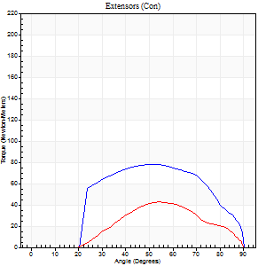
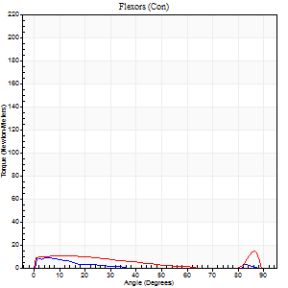
Right Side Curves Left Side Curves
Isokinetic Con/Con |  |  |  | Extensors (Con) |  | Flexors (Con)
Speed 240/240 d/s 3 Reps |  |  |  | Value | Cof Var | %BW | Value | Cof Var | %BW | Ratio

TORQUE PARAMETERS
Peak Torque (Newton-Meters - Best Repetition)
Right |  |  |  | 79 | 0.09 | 98 | 9 | 0.25 | 12 | 12
Left |  |  |  | 43 | 0.15 | 54 | 14 | 0.33 | 18 | 31
Deficit |  |  |  | 45 |  |  | 30
Work per Repetition (Newton-Meters - Best Repetition)
Right |  |  |  | 76 | 0.09 | 95 | 3 | 0.13 | 3 | 4
Left |  |  |  | 33 | 0.22 | 42 | 5 | 0.64 | 6 | 17
Deficit |  |  |  | 57 |  |  | 50
Average Power per Repetition (Watts - Best Repetition)
Right |  |  |  | 132 | 0.08 | 165 | 2 | 0.14 | 2 | 2
Left |  |  |  | 51 | 0.15 | 64 | 7 | 0.28 | 9 | 14
Deficit |  |  |  | 61 |  |  | 71
POSITION PARAMETERS
Joint Angle at Peak Torque (Degrees)
Right |  |  |  | 51 | 0.02 |  | 5 | 0.07
Left |  |  |  | 54 | 0.01 |  | 38 | 1.13
Range of Motion (Degrees)
Right |  |  |  | 1 | 0.52 |  | 90 | 0
Left |  |  |  | 1 | 0.82 |  | 89 | 0.01
TIME PARAMETERS
Time to Peak Torque (Seconds)
Right |  |  |  | 0.26 | 0.08 |  | 0.11 | 0.16
Left |  |  |  | 0.25 | 0.11 |  | 0.2 | 0.39
Time Peak Torque Held (Seconds)
Right |  |  |  | 0.01 | 0.87 |  | 0 | 1.73
Left |  |  |  | 0 | 1.73 |  | 0.01 | 1.73
Force Decay Time (Seconds)
Right |  |  |  | 0.28 | 0.04 |  | 1.06 | 0.2
Left |  |  |  | 0.3 | 0.12 |  | 0.46 | 0.93
Reciprocal Delay (Seconds)
Right |  |  |  | 0.33 | 0.04 |  | 0.11 | 0.27
Left |  |  |  | 0.07 | 0.4 |  | 0.12 | 0.58
Delay Time (Seconds)
Right |  |  |  | -0.05 | -0.28 |  | -0.02 | -0.92
Left |  |  |  | 0.05 | 1.98 |  | 0.17 | 1.32
HUMAC2015® Version: 15.000.0074 © Computer Sports Medicine, Inc. www.csmisolutions.com

Use File, Preference to set Report Heading
Isometric - Knee Extension/Flexion
Name: |  |  |  | TR030_FP3083, | ID: | TR030 | Right/Left: | 25.10.2022 25.10.2022

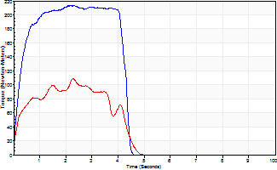
Isometric Extensors (Con) Angle 60 Time 10 Repetition 2 (Best Repetition)
 | Value | Cof Var | %BW
Peak Torque (Newton-Meters)
Right | 213 | 0.05 | 265
Left | 108 | 0.02 | 134
Deficit | 49
Average Torque (Newton-Meters)
Right | 83 | 0.1 | 104
Left | 37 | 0.05 | 45
Deficit | 56
Peak Torque Slope (Newton-Meters/Seconds)
Right | 92 | 0.03 | 115
Left | 49 | 0.02 | 61 |  | Right Side Curves Left Side Curves
Deficit | 47
Time to Half Peak Torque (Seconds)
Right | 0.26 | 0.13
Left | 0.16 | 0.44
Time to Peak Torque (Seconds)
Right | 2.26 | 0.02
Left | 2.21 | 0.04
HUMAC2015® Version: 15.000.0074 © Computer Sports Medicine, Inc. www.csmisolutions.com

mid2
Use File, Preference to set Report Heading
Long Form Torque vs. Position Report - Knee Extension/Flexion
Name: |  |  |  | TR030_FP3083, | ID: | TR030 | Right/Left: | 27.10.2022 27.10.2022
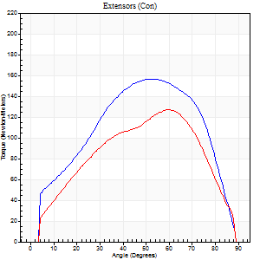
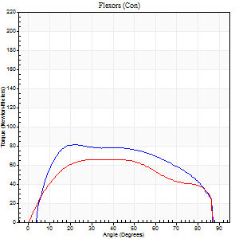
Right Side Curves Left Side Curves
Isokinetic Con/Con |  |  |  | Extensors (Con) |  | Flexors (Con)
Speed 60/60 d/s 3 Reps |  |  |  | Value | Cof Var | %BW | Value | Cof Var | %BW | Ratio

TORQUE PARAMETERS
Peak Torque (Newton-Meters - Best Repetition)
Right |  |  |  | 157 | 0.03 | 197 | 81 | 0.63 | 101 | 52
Left |  |  |  | 127 | 0 | 158 | 65 | 0.76 | 80 | 51
Deficit |  |  |  | 19 |  |  | 20
Work per Repetition (Newton-Meters - Best Repetition)
Right |  |  |  | 164 | 0 | 206 | 94 | 0.72 | 116 | 57
Left |  |  |  | 126 | 0.01 | 158 | 76 | 0.84 | 95 | 60
Deficit |  |  |  | 23 |  |  | 19
Average Power per Repetition (Watts - Best Repetition)
Right |  |  |  | 110 | 0.01 | 136 | 64 | 0.72 | 79 | 58
Left |  |  |  | 83 | 0.02 | 103 | 50 | 0.84 | 62 | 60
Deficit |  |  |  | 25 |  |  | 22
POSITION PARAMETERS
Joint Angle at Peak Torque (Degrees)
Right |  |  |  | 56 | 0.05 |  | 32 | 0.78
Left |  |  |  | 60 | 0 |  | 38 | 0.22
Range of Motion (Degrees)
Right |  |  |  | 1 | 0.06 |  | 90 | 0
Left |  |  |  | 1 | 0.47 |  | 89 | 0
TIME PARAMETERS
Time to Peak Torque (Seconds)
Right |  |  |  | 0.58 | 0.02 |  | 0.5 | 0.83
Left |  |  |  | 0.49 | 0.01 |  | 0.57 | 0.44
Time Peak Torque Held (Seconds)
Right |  |  |  | 0.06 | 0.37 |  | 0.03 | 1.2
Left |  |  |  | 0.04 | 0.25 |  | 0.1 | 0.82
Force Decay Time (Seconds)
Right |  |  |  | 0.88 | 0.06 |  | 0.92 | 0.47
Left |  |  |  | 0.98 | 0.01 |  | 0.76 | 0.24
Reciprocal Delay (Seconds)
Right |  |  |  | 0.08 | 0.35 |  | 0.11 | 0.27
Left |  |  |  | 0.07 | 0.4 |  | 0.13 | 0.46
Delay Time (Seconds)
Right |  |  |  | 0.01 | 0.47 |  | 0.05 | 0.35
Left |  |  |  | 0.04 | 1.01 |  | 0.12 | 1.73
HUMAC2015® Version: 15.000.0074 © Computer Sports Medicine, Inc. www.csmisolutions.com

Use File, Preference to set Report Heading
Long Form Torque vs. Position Report - Knee Extension/Flexion
Name: |  |  |  | TR030_FP3083, | ID: | TR030 | Right/Left: | 27.10.2022 27.10.2022
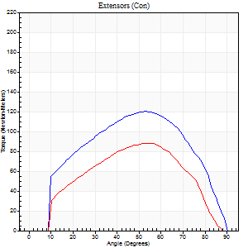
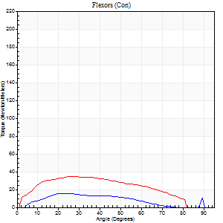
Right Side Curves Left Side Curves
Isokinetic Con/Con |  |  |  | Extensors (Con) |  | Flexors (Con)
Speed 120/120 d/s 3 Reps |  |  |  | Value | Cof Var | %BW | Value | Cof Var | %BW | Ratio

TORQUE PARAMETERS
Peak Torque (Newton-Meters - Best Repetition)
Right |  |  |  | 121 | 0.05 | 152 | 15 | 0.27 | 18 | 12
Left |  |  |  | 88 | 0.23 | 110 | 34 | 0.37 | 42 | 38
Deficit |  |  |  | 27 |  |  | 56
Work per Repetition (Newton-Meters - Best Repetition)
Right |  |  |  | 125 | 0.02 | 155 | 12 | 0.49 | 15 | 10
Left |  |  |  | 84 | 0.19 | 104 | 35 | 0.59 | 45 | 42
Deficit |  |  |  | 33 |  |  | 65
Average Power per Repetition (Watts - Best Repetition)
Right |  |  |  | 148 | 0.13 | 185 | 15 | 0.53 | 20 | 10
Left |  |  |  | 99 | 0.19 | 123 | 44 | 0.6 | 55 | 44
Deficit |  |  |  | 33 |  |  | 66
POSITION PARAMETERS
Joint Angle at Peak Torque (Degrees)
Right |  |  |  | 50 | 0.07 |  | 28 | 0.22
Left |  |  |  | 52 | 0.08 |  | 29 | 0.51
Range of Motion (Degrees)
Right |  |  |  | 1 | 0.07 |  | 90 | 0
Left |  |  |  | 1 | 0.71 |  | 89 | 0.01
TIME PARAMETERS
Time to Peak Torque (Seconds)
Right |  |  |  | 0.37 | 0 |  | 0.26 | 0.32
Left |  |  |  | 0.33 | 0 |  | 0.3 | 0.35
Time Peak Torque Held (Seconds)
Right |  |  |  | 0.03 | 0.33 |  | 0.01 | 1.73
Left |  |  |  | 0.03 | 0.96 |  | 0.02 | 1.73
Force Decay Time (Seconds)
Right |  |  |  | 0.42 | 0.04 |  | 0.58 | 0.04
Left |  |  |  | 0.43 | 0.11 |  | 0.5 | 0.31
Reciprocal Delay (Seconds)
Right |  |  |  | 0.13 | 0.54 |  | 0.07 | 0.44
Left |  |  |  | 0.11 | 0.51 |  | 0.09 | 0.51
Delay Time (Seconds)
Right |  |  |  | -0.02 | -0.71 |  | 0.06 | 0.1
Left |  |  |  | 0 | 1.41 |  | -0.01 | -2.65
HUMAC2015® Version: 15.000.0074 © Computer Sports Medicine, Inc. www.csmisolutions.com

Use File, Preference to set Report Heading
Long Form Torque vs. Position Report - Knee Extension/Flexion
Name: |  |  |  | TR030_FP3083, | ID: | TR030 | Right/Left: | 27.10.2022 27.10.2022
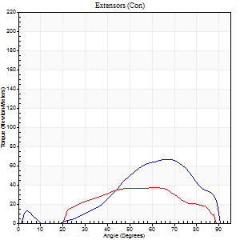
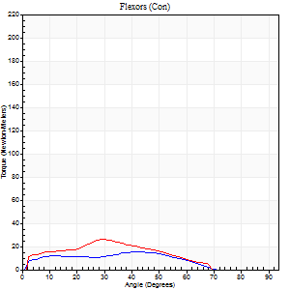
Right Side Curves Left Side Curves
Isokinetic Con/Con |  |  |  | Extensors (Con) |  | Flexors (Con)
Speed 240/240 d/s 3 Reps |  |  |  | Value | Cof Var | %BW | Value | Cof Var | %BW | Ratio

TORQUE PARAMETERS
Peak Torque (Newton-Meters - Best Repetition)
Right |  |  |  | 66 | 0.31 | 83 | 15 | 0.17 | 18 | 22
Left |  |  |  | 37 | 0.34 | 45 | 26 | 0.2 | 33 | 70
Deficit |  |  |  | 45 |  |  | 42
Work per Repetition (Newton-Meters - Best Repetition)
Right |  |  |  | 53 | 0.27 | 66 | 14 | 0.33 | 18 | 26
Left |  |  |  | 33 | 0.41 | 42 | 19 | 0.9 | 24 | 58
Deficit |  |  |  | 38 |  |  | 29
Average Power per Repetition (Watts - Best Repetition)
Right |  |  |  | 101 | 0.29 | 125 | 26 | 0.45 | 33 | 26
Left |  |  |  | 59 | 0.47 | 75 | 37 | 0.53 | 46 | 63
Deficit |  |  |  | 42 |  |  | 30
POSITION PARAMETERS
Joint Angle at Peak Torque (Degrees)
Right |  |  |  | 57 | 0.19 |  | 55 | 0.5
Left |  |  |  | 56 | 0.23 |  | 38 | 1.12
Range of Motion (Degrees)
Right |  |  |  | 2 | 0.12 |  | 90 | 0
Left |  |  |  | 1 | 0.71 |  | 89 | 0.01
TIME PARAMETERS
Time to Peak Torque (Seconds)
Right |  |  |  | 0.21 | 0.2 |  | 0.38 | 0.47
Left |  |  |  | 0.2 | 0 |  | 0.1 | 1.04
Time Peak Torque Held (Seconds)
Right |  |  |  | 0.01 | 0.87 |  | 0 | 0
Left |  |  |  | 0.02 | 1.38 |  | 0 | 1.73
Force Decay Time (Seconds)
Right |  |  |  | 0.27 | 0.15 |  | 0.21 | 0.62
Left |  |  |  | 0.27 | 0.23 |  | 0.3 | 0.88
Reciprocal Delay (Seconds)
Right |  |  |  | 0.14 | 0.1 |  | 0.05 | 0.2
Left |  |  |  | 0.05 | 0.16 |  | 0.08 | 0.6
Delay Time (Seconds)
Right |  |  |  | -0.04 | -0.2 |  | -0.02 | -0.49
Left |  |  |  | -0.02 | -0.28 |  | 0.11 | 2.55
HUMAC2015® Version: 15.000.0074 © Computer Sports Medicine, Inc. www.csmisolutions.com

Use File, Preference to set Report Heading
Isometric - Knee Extension/Flexion
Name: |  |  |  | TR030_FP3083, | ID: | TR030 | Right/Left: | 27.10.2022 27.10.2022

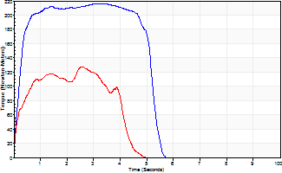
Isometric Extensors (Con) Angle 60 Time 10 Repetition 2 (Best Repetition)
 | Value | Cof Var | %BW
Peak Torque (Newton-Meters)
Right | 216 | 0.03 | 268
Left | 127 | 0.02 | 158
Deficit | 41
Average Torque (Newton-Meters)
Right | 104 | 0.3 | 131
Left | 45 | 0.01 | 57
Deficit | 57
Peak Torque Slope (Newton-Meters/Seconds)
Right | 148 | 0.49 | 185
Left | 86 | 0.37 | 107 |  | Right Side Curves Left Side Curves
Deficit | 42
Time to Half Peak Torque (Seconds)
Right | 0.22 | 0.03
Left | 0.2 | 0.03
Time to Peak Torque (Seconds)
Right | 2.18 | 0.51
Left | 1.99 | 0.39
HUMAC2015® Version: 15.000.0074 © Computer Sports Medicine, Inc. www.csmisolutions.com

post1
Use File, Preference to set Report Heading
Long Form Torque vs. Position Report - Knee Extension/Flexion
Name: |  |  |  | TR030_FP3083, | ID: | TR030 | Right/Left: | 21.11.2022 21.11.2022
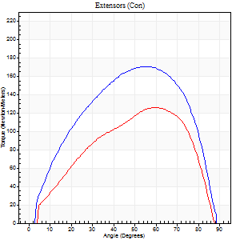
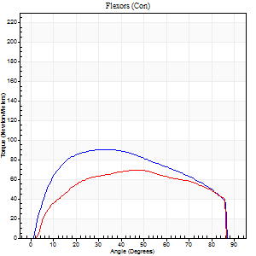
Right Side Curves Left Side Curves
Isokinetic Con/Con |  |  |  | Extensors (Con) |  | Flexors (Con)
Speed 60/60 d/s 3 Reps |  |  |  | Value | Cof Var | %BW | Value | Cof Var | %BW | Ratio

TORQUE PARAMETERS
Peak Torque (Newton-Meters - Best Repetition)
Right |  |  |  | 171 | 0.02 | 215 | 91 | 0.77 | 113 | 53
Left |  |  |  | 126 | 0.05 | 158 | 69 | 0.58 | 86 | 55
Deficit |  |  |  | 26 |  |  | 24
Work per Repetition (Newton-Meters - Best Repetition)
Right |  |  |  | 186 | 0.02 | 232 | 106 | 0.82 | 131 | 57
Left |  |  |  | 125 | 0.05 | 155 | 81 | 0.65 | 101 | 65
Deficit |  |  |  | 33 |  |  | 23
Average Power per Repetition (Watts - Best Repetition)
Right |  |  |  | 122 | 0.02 | 152 | 69 | 0.83 | 86 | 57
Left |  |  |  | 82 | 0.05 | 103 | 54 | 0.67 | 68 | 66
Deficit |  |  |  | 33 |  |  | 22
POSITION PARAMETERS
Joint Angle at Peak Torque (Degrees)
Right |  |  |  | 54 | 0 |  | 31 | 0.4
Left |  |  |  | 58 | 0.03 |  | 30 | 0.68
Range of Motion (Degrees)
Right |  |  |  | 0 | 1.01 |  | 90 | 0
Left |  |  |  | 0 | 0.85 |  | 90 | 0
TIME PARAMETERS
Time to Peak Torque (Seconds)
Right |  |  |  | 0.59 | 0.02 |  | 0.57 | 0.09
Left |  |  |  | 0.5 | 0.07 |  | 0.56 | 0.43
Time Peak Torque Held (Seconds)
Right |  |  |  | 0.07 | 0.57 |  | 0.04 | 0.58
Left |  |  |  | 0.08 | 0.18 |  | 0.03 | 0.88
Force Decay Time (Seconds)
Right |  |  |  | 0.85 | 0.07 |  | 0.98 | 0.26
Left |  |  |  | 0.91 | 0.07 |  | 0.96 | 0.36
Reciprocal Delay (Seconds)
Right |  |  |  | 0.12 | 0.17 |  | 0.15 | 0.52
Left |  |  |  | 0.08 | 0.28 |  | 0.17 | 0.72
Delay Time (Seconds)
Right |  |  |  | 0.02 | 0.71 |  | 0.05 | 0.6
Left |  |  |  | 0.05 | 0.13 |  | -0.05 | -1.75
HUMAC2015® Version: 15.000.0074 © Computer Sports Medicine, Inc. www.csmisolutions.com

Use File, Preference to set Report Heading
Long Form Torque vs. Position Report - Knee Extension/Flexion
Name: |  |  |  | TR030_FP3083, | ID: | TR030 | Right/Left: | 21.11.2022 21.11.2022
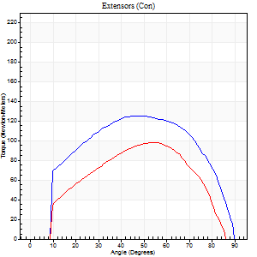
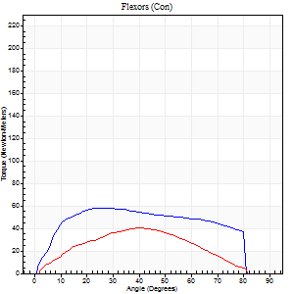
Right Side Curves Left Side Curves
Isokinetic Con/Con |  |  |  | Extensors (Con) |  | Flexors (Con)
Speed 120/120 d/s 3 Reps |  |  |  | Value | Cof Var | %BW | Value | Cof Var | %BW | Ratio

TORQUE PARAMETERS
Peak Torque (Newton-Meters - Best Repetition)
Right |  |  |  | 126 | 0.04 | 158 | 58 | 0.66 | 72 | 46
Left |  |  |  | 98 | 0.09 | 122 | 41 | 0.76 | 51 | 42
Deficit |  |  |  | 23 |  |  | 30
Work per Repetition (Newton-Meters - Best Repetition)
Right |  |  |  | 138 | 0.08 | 173 | 66 | 0.74 | 83 | 48
Left |  |  |  | 95 | 0.05 | 119 | 35 | 0.87 | 45 | 37
Deficit |  |  |  | 31 |  |  | 47
Average Power per Repetition (Watts - Best Repetition)
Right |  |  |  | 161 | 0.08 | 200 | 80 | 0.72 | 99 | 50
Left |  |  |  | 122 | 0.09 | 152 | 43 | 0.9 | 53 | 35
Deficit |  |  |  | 24 |  |  | 46
POSITION PARAMETERS
Joint Angle at Peak Torque (Degrees)
Right |  |  |  | 46 | 0.06 |  | 35 | 0.58
Left |  |  |  | 53 | 0.09 |  | 22 | 0.79
Range of Motion (Degrees)
Right |  |  |  | 0 | 0.18 |  | 90 | 0
Left |  |  |  | 1 | 0.57 |  | 90 | 0.01
TIME PARAMETERS
Time to Peak Torque (Seconds)
Right |  |  |  | 0.38 | 0.02 |  | 0.3 | 0.51
Left |  |  |  | 0.31 | 0.02 |  | 0.24 | 0.54
Time Peak Torque Held (Seconds)
Right |  |  |  | 0.02 | 0.25 |  | 0.03 | 1.05
Left |  |  |  | 0.02 | 0 |  | 0 | 1.73
Force Decay Time (Seconds)
Right |  |  |  | 0.41 | 0.06 |  | 0.45 | 0.38
Left |  |  |  | 0.45 | 0.13 |  | 0.64 | 0.38
Reciprocal Delay (Seconds)
Right |  |  |  | 0.1 | 0.14 |  | 0.09 | 0.12
Left |  |  |  | 0.06 | 0.24 |  | 0.08 | 0.39
Delay Time (Seconds)
Right |  |  |  | 0 | 0 |  | 0.04 | 0.88
Left |  |  |  | 0.04 | 1.77 |  | -0.01 | -3.12
HUMAC2015® Version: 15.000.0074 © Computer Sports Medicine, Inc. www.csmisolutions.com

Use File, Preference to set Report Heading
Long Form Torque vs. Position Report - Knee Extension/Flexion
Name: |  |  |  | TR030_FP3083, | ID: | TR030 | Right/Left: | 21.11.2022 21.11.2022
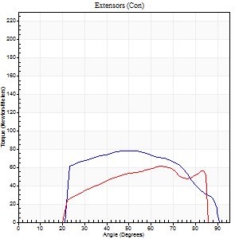
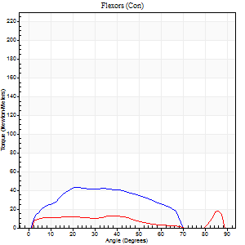
Right Side Curves Left Side Curves
Isokinetic Con/Con |  |  |  | Extensors (Con) |  | Flexors (Con)
Speed 240/240 d/s 3 Reps |  |  |  | Value | Cof Var | %BW | Value | Cof Var | %BW | Ratio

TORQUE PARAMETERS
Peak Torque (Newton-Meters - Best Repetition)
Right |  |  |  | 79 | 0.04 | 98 | 43 | 0.18 | 54 | 55
Left |  |  |  | 61 | 0.07 | 77 | 18 | 0.24 | 21 | 29
Deficit |  |  |  | 22 |  |  | 59
Work per Repetition (Newton-Meters - Best Repetition)
Right |  |  |  | 76 | 0.05 | 95 | 39 | 0.28 | 48 | 52
Left |  |  |  | 49 | 0.02 | 60 | 7 | 1.11 | 9 | 14
Deficit |  |  |  | 36 |  |  | 83
Average Power per Repetition (Watts - Best Repetition)
Right |  |  |  | 148 | 0.07 | 185 | 81 | 0.31 | 101 | 55
Left |  |  |  | 124 | 0.21 | 154 | 12 | 0.58 | 15 | 10
Deficit |  |  |  | 16 |  |  | 85
POSITION PARAMETERS
Joint Angle at Peak Torque (Degrees)
Right |  |  |  | 51 | 0.01 |  | 22 | 0.1
Left |  |  |  | 56 | 0.13 |  | 59 | 0.8
Range of Motion (Degrees)
Right |  |  |  | 1 | 0.37 |  | 90 | 0.01
Left |  |  |  | 2 | 0.28 |  | 87 | 0.02
TIME PARAMETERS
Time to Peak Torque (Seconds)
Right |  |  |  | 0.25 | 0.03 |  | 0.15 | 0.07
Left |  |  |  | 0.26 | 0.03 |  | 0.12 | 0.61
Time Peak Torque Held (Seconds)
Right |  |  |  | 0.01 | 0.43 |  | 0.01 | 0
Left |  |  |  | 0.01 | 1.73 |  | 0 | 0
Force Decay Time (Seconds)
Right |  |  |  | 0.26 | 0.04 |  | 0.33 | 0.04
Left |  |  |  | 0.27 | 0.15 |  | 0.17 | 1.43
Reciprocal Delay (Seconds)
Right |  |  |  | 0.06 | 0 |  | 0.06 | 0.17
Left |  |  |  | 0.05 | 0.16 |  | 0.05 | 0.25
Delay Time (Seconds)
Right |  |  |  | -0.03 | 0 |  | 0.01 | 0.87
Left |  |  |  | -0.02 | 0 |  | 0.22 | 1
HUMAC2015® Version: 15.000.0074 © Computer Sports Medicine, Inc. www.csmisolutions.com

Use File, Preference to set Report Heading
Isometric - Knee Extension/Flexion
Name: |  |  |  | TR030_FP3083, | ID: | TR030 | Right/Left: | 21.11.2022 21.11.2022

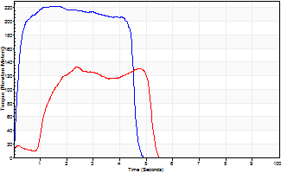
Isometric Extensors (Con) Angle 60 Time 10 Repetition 2 (Best Repetition)
 | Value | Cof Var | %BW
Peak Torque (Newton-Meters)
Right | 222 | 0.02 | 277
Left | 133 | 0.04 | 167
Deficit | 40
Average Torque (Newton-Meters)
Right | 118 | 0.17 | 146
Left | 65 | 0.18 | 80
Deficit | 45
Peak Torque Slope (Newton-Meters/Seconds)
Right | 135 | 0.43 | 168
Left | 71 | 0.18 | 89 |  | Right Side Curves Left Side Curves
Deficit | 47
Time to Half Peak Torque (Seconds)
Right | 0.13 | 0.26
Left | 0.65 | 1.11
Time to Peak Torque (Seconds)
Right | 2.31 | 0.41
Left | 2.07 | 0.22
HUMAC2015® Version: 15.000.0074 © Computer Sports Medicine, Inc. www.csmisolutions.com

post2
Use File, Preference to set Report Heading
Long Form Torque vs. Position Report - Knee Extension/Flexion
Name: |  |  |  | TR030_FP3083, | ID: | TR030 | Right/Left: | 23.11.2022 23.11.2022
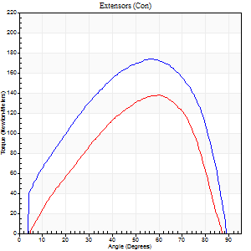
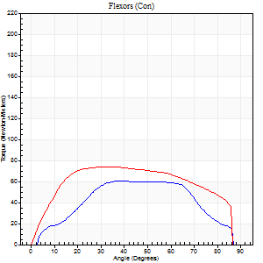
Right Side Curves Left Side Curves
Isokinetic Con/Con |  |  |  | Extensors (Con) |  | Flexors (Con)
Speed 60/60 d/s 3 Reps |  |  |  | Value | Cof Var | %BW | Value | Cof Var | %BW | Ratio

TORQUE PARAMETERS
Peak Torque (Newton-Meters - Best Repetition)
Right |  |  |  | 174 | 0.04 | 218 | 60 | 0.65 | 75 | 34
Left |  |  |  | 138 | 0.03 | 173 | 75 | 0.56 | 92 | 54
Deficit |  |  |  | 20 |  |  | 20
Work per Repetition (Newton-Meters - Best Repetition)
Right |  |  |  | 186 | 0.04 | 232 | 62 | 0.63 | 77 | 34
Left |  |  |  | 136 | 0.09 | 170 | 89 | 0.7 | 113 | 66
Deficit |  |  |  | 27 |  |  | 30
Average Power per Repetition (Watts - Best Repetition)
Right |  |  |  | 124 | 0.06 | 154 | 42 | 0.64 | 53 | 34
Left |  |  |  | 93 | 0.1 | 116 | 59 | 0.71 | 75 | 63
Deficit |  |  |  | 25 |  |  | 29
POSITION PARAMETERS
Joint Angle at Peak Torque (Degrees)
Right |  |  |  | 55 | 0.03 |  | 41 | 0.41
Left |  |  |  | 58 | 0.04 |  | 28 | 0.62
Range of Motion (Degrees)
Right |  |  |  | 1 | 0.47 |  | 90 | 0
Left |  |  |  | 2 | 1.33 |  | 88 | 0.03
TIME PARAMETERS
Time to Peak Torque (Seconds)
Right |  |  |  | 0.58 | 0.1 |  | 0.69 | 0.38
Left |  |  |  | 0.47 | 0.06 |  | 0.47 | 0.59
Time Peak Torque Held (Seconds)
Right |  |  |  | 0.07 | 0.09 |  | 0.15 | 1.06
Left |  |  |  | 0.06 | 0.17 |  | 0.01 | 1.73
Force Decay Time (Seconds)
Right |  |  |  | 0.87 | 0.02 |  | 0.67 | 0.44
Left |  |  |  | 0.91 | 0.04 |  | 1.05 | 0.31
Reciprocal Delay (Seconds)
Right |  |  |  | 0.11 | 0.06 |  | 0.16 | 0.54
Left |  |  |  | 0.06 | 0.11 |  | 0.13 | 0.46
Delay Time (Seconds)
Right |  |  |  | 0 | 4.24 |  | 0.02 | 1.31
Left |  |  |  | 0.05 | 0.13 |  | -0.01 | -2
HUMAC2015® Version: 15.000.0074 © Computer Sports Medicine, Inc. www.csmisolutions.com

Use File, Preference to set Report Heading
Long Form Torque vs. Position Report - Knee Extension/Flexion
Name: |  |  |  | TR030_FP3083, | ID: | TR030 | Right/Left: | 23.11.2022 23.11.2022
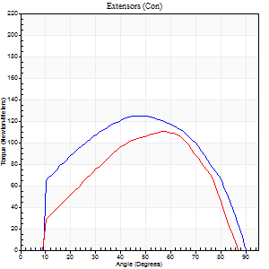
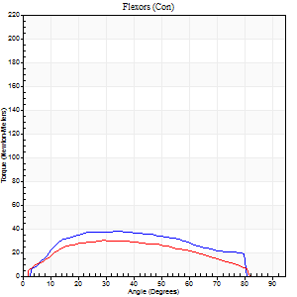
Right Side Curves Left Side Curves
Isokinetic Con/Con |  |  |  | Extensors (Con) |  | Flexors (Con)
Speed 120/120 d/s 3 Reps |  |  |  | Value | Cof Var | %BW | Value | Cof Var | %BW | Ratio

TORQUE PARAMETERS
Peak Torque (Newton-Meters - Best Repetition)
Right |  |  |  | 125 | 0.02 | 155 | 38 | 0.43 | 48 | 30
Left |  |  |  | 110 | 0.06 | 137 | 30 | 0.33 | 36 | 27
Deficit |  |  |  | 12 |  |  | 21
Work per Repetition (Newton-Meters - Best Repetition)
Right |  |  |  | 134 | 0.04 | 167 | 39 | 0.49 | 48 | 29
Left |  |  |  | 110 | 0.03 | 137 | 34 | 0.49 | 42 | 31
Deficit |  |  |  | 18 |  |  | 14
Average Power per Repetition (Watts - Best Repetition)
Right |  |  |  | 163 | 0.06 | 204 | 49 | 0.54 | 62 | 30
Left |  |  |  | 135 | 0.01 | 169 | 41 | 0.49 | 51 | 30
Deficit |  |  |  | 17 |  |  | 16
POSITION PARAMETERS
Joint Angle at Peak Torque (Degrees)
Right |  |  |  | 46 | 0.01 |  | 36 | 0.53
Left |  |  |  | 55 | 0.06 |  | 33 | 0.59
Range of Motion (Degrees)
Right |  |  |  | 1 | 0.17 |  | 90 | 0.01
Left |  |  |  | 1 | 0.15 |  | 88 | 0.02
TIME PARAMETERS
Time to Peak Torque (Seconds)
Right |  |  |  | 0.39 | 0.02 |  | 0.35 | 0.41
Left |  |  |  | 0.28 | 0.05 |  | 0.32 | 0.52
Time Peak Torque Held (Seconds)
Right |  |  |  | 0.03 | 0.22 |  | 0.02 | 1.08
Left |  |  |  | 0.03 | 0.43 |  | 0.03 | 1.05
Force Decay Time (Seconds)
Right |  |  |  | 0.4 | 0.07 |  | 0.46 | 0.25
Left |  |  |  | 0.47 | 0.04 |  | 0.46 | 0.39
Reciprocal Delay (Seconds)
Right |  |  |  | 0.08 | 0.28 |  | 0.11 | 0.33
Left |  |  |  | 0.05 | 0.28 |  | 0.1 | 0.42
Delay Time (Seconds)
Right |  |  |  | 0 | -1.41 |  | 0.01 | 3.77
Left |  |  |  | 0.03 | 0.94 |  | 0 | 0
HUMAC2015® Version: 15.000.0074 © Computer Sports Medicine, Inc. www.csmisolutions.com

Use File, Preference to set Report Heading
Long Form Torque vs. Position Report - Knee Extension/Flexion
Name: |  |  |  | TR030_FP3083, | ID: | TR030 | Right/Left: | 23.11.2022 23.11.2022
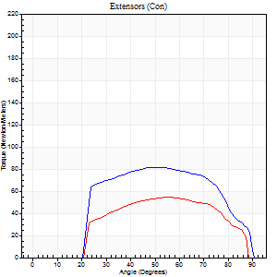
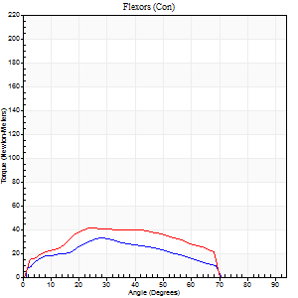
Right Side Curves Left Side Curves
Isokinetic Con/Con |  |  |  | Extensors (Con) |  | Flexors (Con)
Speed 240/240 d/s 3 Reps |  |  |  | Value | Cof Var | %BW | Value | Cof Var | %BW | Ratio

TORQUE PARAMETERS
Peak Torque (Newton-Meters - Best Repetition)
Right |  |  |  | 81 | 0.11 | 101 | 33 | 0.46 | 42 | 40
Left |  |  |  | 54 | 0.12 | 69 | 42 | 0.21 | 54 | 78
Deficit |  |  |  | 33 |  |  | 23
Work per Repetition (Newton-Meters - Best Repetition)
Right |  |  |  | 81 | 0.12 | 101 | 26 | 0.49 | 33 | 32
Left |  |  |  | 52 | 0.13 | 66 | 38 | 0.27 | 48 | 74
Deficit |  |  |  | 37 |  |  | 32
Average Power per Repetition (Watts - Best Repetition)
Right |  |  |  | 150 | 0.1 | 187 | 51 | 0.51 | 64 | 34
Left |  |  |  | 102 | 0.18 | 127 | 73 | 0.26 | 90 | 72
Deficit |  |  |  | 32 |  |  | 30
POSITION PARAMETERS
Joint Angle at Peak Torque (Degrees)
Right |  |  |  | 53 | 0.05 |  | 21 | 0.64
Left |  |  |  | 55 | 0.12 |  | 25 | 0.05
Range of Motion (Degrees)
Right |  |  |  | 1 | 0.07 |  | 89 | 0.01
Left |  |  |  | 1 | 0.5 |  | 89 | 0.02
TIME PARAMETERS
Time to Peak Torque (Seconds)
Right |  |  |  | 0.22 | 0.1 |  | 0.16 | 0.42
Left |  |  |  | 0.22 | 0.19 |  | 0.21 | 0.06
Time Peak Torque Held (Seconds)
Right |  |  |  | 0.01 | 1 |  | 0.01 | 0
Left |  |  |  | 0.01 | 0.87 |  | 0 | 1.73
Force Decay Time (Seconds)
Right |  |  |  | 0.29 | 0.03 |  | 0.34 | 0.24
Left |  |  |  | 0.27 | 0.16 |  | 0.3 | 0.02
Reciprocal Delay (Seconds)
Right |  |  |  | 0.05 | 0.16 |  | 0.07 | 0.08
Left |  |  |  | 0.04 | 0 |  | 0.06 | 0.17
Delay Time (Seconds)
Right |  |  |  | -0.02 | 0 |  | 0.01 | 1.73
Left |  |  |  | -0.02 | -0.28 |  | -0.03 | 0
HUMAC2015® Version: 15.000.0074 © Computer Sports Medicine, Inc. www.csmisolutions.com

Use File, Preference to set Report Heading
Isometric - Knee Extension/Flexion
Name: |  |  |  | TR030_FP3083, | ID: | TR030 | Right/Left: | 23.11.2022 23.11.2022

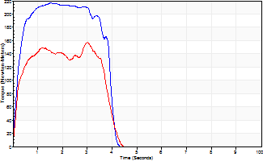
Isometric Extensors (Con) Angle 60 Time 10 Repetition 2 (Best Repetition)
 | Value | Cof Var | %BW
Peak Torque (Newton-Meters)
Right | 217 | 0.03 | 271
Left | 157 | 0.02 | 197
Deficit | 28
Average Torque (Newton-Meters)
Right | 76 | 0.12 | 95
Left | 54 | 0.03 | 69
Deficit | 29
Peak Torque Slope (Newton-Meters/Seconds)
Right | 139 | 0.26 | 173
Left | 119 | 0.55 | 148 |  | Right Side Curves Left Side Curves
Deficit | 15
Time to Half Peak Torque (Seconds)
Right | 0.18 | 0.16
Left | 0.16 | 0.23
Time to Peak Torque (Seconds)
Right | 1.86 | 0.24
Left | 2.14 | 0.57
HUMAC2015® Version: 15.000.0074 © Computer Sports Medicine, Inc. www.csmisolutions.com

