pre1
Use File, Preference to set Report Heading
Long Form Torque vs. Position Report - Knee Extension/Flexion
Name: |  |  |  | TR030_FP3084, | ID: | TR030 | Right/Left: | 16.09.2022 16.09.2022
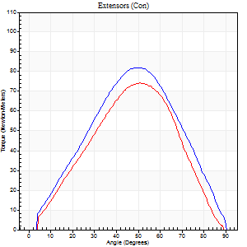
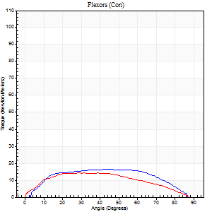
Right Side Curves Left Side Curves
Isokinetic Con/Con |  |  |  | Extensors (Con) |  | Flexors (Con)
Speed 60/60 d/s 3 Reps |  |  |  | Value | Cof Var | %BW | Value | Cof Var | %BW | Ratio

TORQUE PARAMETERS
Peak Torque (Newton-Meters - Best Repetition)
Right |  |  |  | 83 | 0.08 | 119 | 16 | 0.46 | 24 | 20
Left |  |  |  | 75 | 0.17 | 107 | 14 | 0.1 | 18 | 18
Deficit |  |  |  | 10 |  |  | 17
Work per Repetition (Newton-Meters - Best Repetition)
Right |  |  |  | 75 | 0.04 | 107 | 19 | 0.61 | 27 | 25
Left |  |  |  | 64 | 0.21 | 92 | 15 | 0.14 | 21 | 23
Deficit |  |  |  | 15 |  |  | 21
Average Power per Repetition (Watts - Best Repetition)
Right |  |  |  | 46 | 0.05 | 66 | 10 | 0.63 | 13 | 22
Left |  |  |  | 40 | 0.33 | 57 | 9 | 0.19 | 13 | 22
Deficit |  |  |  | 13 |  |  | 10
POSITION PARAMETERS
Joint Angle at Peak Torque (Degrees)
Right |  |  |  | 48 | 0.09 |  | 37 | 0.29
Left |  |  |  | 47 | 0.21 |  | 38 | 0.43
Range of Motion (Degrees)
Right |  |  |  | 0 | 0.71 |  | 90 | 0
Left |  |  |  | 0 | 0.39 |  | 90 | 0
TIME PARAMETERS
Time to Peak Torque (Seconds)
Right |  |  |  | 0.82 | 0.08 |  | 0.88 | 0.26
Left |  |  |  | 0.86 | 0.25 |  | 0.86 | 0.33
Time Peak Torque Held (Seconds)
Right |  |  |  | 0.04 | 0.35 |  | 0.08 | 1.73
Left |  |  |  | 0.03 | 0.88 |  | 0.06 | 0.93
Force Decay Time (Seconds)
Right |  |  |  | 0.76 | 0.05 |  | 0.85 | 0.34
Left |  |  |  | 0.78 | 0.18 |  | 0.81 | 0.34
Reciprocal Delay (Seconds)
Right |  |  |  | 0.77 | 0.5 |  | 0.35 | 1.18
Left |  |  |  | 0.12 | 0 |  | 0.26 | 0.31
Delay Time (Seconds)
Right |  |  |  | -0.07 | -0.2 |  | 0.06 | 5.13
Left |  |  |  | 0.02 | 1.41 |  | -0.13 | -0.66
HUMAC2015® Version: 15.000.0074 © Computer Sports Medicine, Inc. www.csmisolutions.com

Use File, Preference to set Report Heading
Long Form Torque vs. Position Report - Knee Extension/Flexion
Name: |  |  |  | TR030_FP3084, | ID: | TR030 | Right/Left: | 16.09.2022 16.09.2022
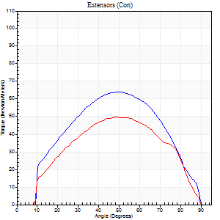
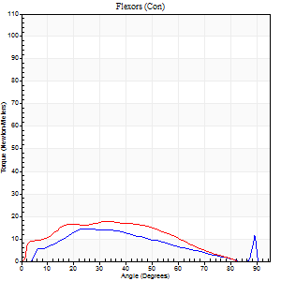
Right Side Curves Left Side Curves
Isokinetic Con/Con |  |  |  | Extensors (Con) |  | Flexors (Con)
Speed 120/120 d/s 3 Reps |  |  |  | Value | Cof Var | %BW | Value | Cof Var | %BW | Ratio

TORQUE PARAMETERS
Peak Torque (Newton-Meters - Best Repetition)
Right |  |  |  | 64 | 0.09 | 92 | 15 | 0.19 | 21 | 23
Left |  |  |  | 50 | 0.1 | 72 | 18 | 0.25 | 24 | 35
Deficit |  |  |  | 21 |  |  | 15
Work per Repetition (Newton-Meters - Best Repetition)
Right |  |  |  | 64 | 0.11 | 92 | 12 | 0.21 | 18 | 19
Left |  |  |  | 49 | 0.13 | 69 | 16 | 0.28 | 24 | 33
Deficit |  |  |  | 23 |  |  | 25
Average Power per Repetition (Watts - Best Repetition)
Right |  |  |  | 71 | 0.48 | 101 | 14 | 0.29 | 20 | 20
Left |  |  |  | 58 | 0.37 | 84 | 18 | 0.29 | 26 | 31
Deficit |  |  |  | 18 |  |  | 22
POSITION PARAMETERS
Joint Angle at Peak Torque (Degrees)
Right |  |  |  | 52 | 0.06 |  | 26 | 0.08
Left |  |  |  | 50 | 0.06 |  | 28 | 0.19
Range of Motion (Degrees)
Right |  |  |  | 1 | 0 |  | 90 | 0
Left |  |  |  | 1 | 0 |  | 90 | 0
TIME PARAMETERS
Time to Peak Torque (Seconds)
Right |  |  |  | 0.45 | 0.03 |  | 0.3 | 0.22
Left |  |  |  | 0.42 | 0.07 |  | 0.37 | 0.17
Time Peak Torque Held (Seconds)
Right |  |  |  | 0.03 | 0.57 |  | 0.01 | 1
Left |  |  |  | 0.04 | 0.69 |  | 0.02 | 1.32
Force Decay Time (Seconds)
Right |  |  |  | 0.42 | 0.1 |  | 0.56 | 0.06
Left |  |  |  | 0.41 | 0.06 |  | 0.52 | 0.14
Reciprocal Delay (Seconds)
Right |  |  |  | 0.2 | 0.42 |  | 0.07 | 0.14
Left |  |  |  | 0.08 | 0.09 |  | 0.11 | 0.33
Delay Time (Seconds)
Right |  |  |  | -0.06 | -0.11 |  | 0.04 | 0.96
Left |  |  |  | -0.01 | 0 |  | -0.05 | -0.49
HUMAC2015® Version: 15.000.0074 © Computer Sports Medicine, Inc. www.csmisolutions.com

Use File, Preference to set Report Heading
Long Form Torque vs. Position Report - Knee Extension/Flexion
Name: |  |  |  | TR030_FP3084, | ID: | TR030 | Right/Left: | 16.09.2022 16.09.2022
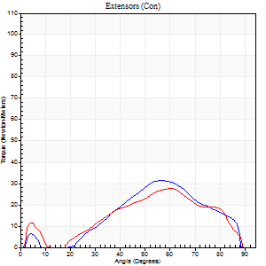
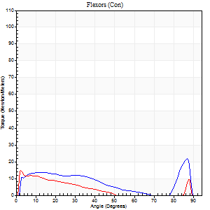
Right Side Curves Left Side Curves
Isokinetic Con/Con |  |  |  | Extensors (Con) |  | Flexors (Con)
Speed 240/240 d/s 3 Reps |  |  |  | Value | Cof Var | %BW | Value | Cof Var | %BW | Ratio

TORQUE PARAMETERS
Peak Torque (Newton-Meters - Best Repetition)
Right |  |  |  | 31 | 0.12 | 45 | 22 | 0.39 | 30 | 70
Left |  |  |  | 27 | 0.12 | 39 | 15 | 0.31 | 21 | 55
Deficit |  |  |  | 13 |  |  | 31
Work per Repetition (Newton-Meters - Best Repetition)
Right |  |  |  | 26 | 0.18 | 36 | 9 | 1.13 | 15 | 37
Left |  |  |  | 23 | 0.18 | 33 | 7 | 0.73 | 9 | 29
Deficit |  |  |  | 11 |  |  | 29
Average Power per Repetition (Watts - Best Repetition)
Right |  |  |  | 45 | 0.23 | 64 | 19 | 0.6 | 26 | 42
Left |  |  |  | 41 | 0.36 | 59 | 11 | 0.18 | 15 | 27
Deficit |  |  |  | 9 |  |  | 42
POSITION PARAMETERS
Joint Angle at Peak Torque (Degrees)
Right |  |  |  | 59 | 0.06 |  | 65 | 0.6
Left |  |  |  | 61 | 0.01 |  | 34 | 1.38
Range of Motion (Degrees)
Right |  |  |  | 2 | 0.02 |  | 89 | 0.01
Left |  |  |  | 2 | 0.06 |  | 89 | 0.01
TIME PARAMETERS
Time to Peak Torque (Seconds)
Right |  |  |  | 0.26 | 0.03 |  | 0.14 | 0.56
Left |  |  |  | 0.23 | 0.03 |  | 0.08 | 0.8
Time Peak Torque Held (Seconds)
Right |  |  |  | 0 | 1.73 |  | 0 | 1.73
Left |  |  |  | 0 | 0 |  | 0.01 | 0.87
Force Decay Time (Seconds)
Right |  |  |  | 0.29 | 0.11 |  | 0.14 | 1.24
Left |  |  |  | 0.3 | 0.02 |  | 0.33 | 0.82
Reciprocal Delay (Seconds)
Right |  |  |  | 0.08 | 0.18 |  | 0.05 | 0.12
Left |  |  |  | 0.06 | 0 |  | 0.06 | 0.2
Delay Time (Seconds)
Right |  |  |  | -0.01 | -4.24 |  | 0.24 | 0.98
Left |  |  |  | -0.03 | 0 |  | 0.17 | 1.79
HUMAC2015® Version: 15.000.0074 © Computer Sports Medicine, Inc. www.csmisolutions.com

Use File, Preference to set Report Heading
Isometric - Knee Extension/Flexion
Name: |  |  |  | TR030_FP3084, | ID: | TR030 | Right/Left: | 16.09.2022 16.09.2022

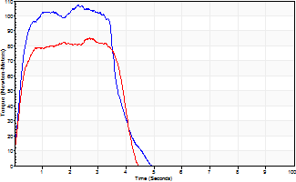
Isometric Extensors (Con) Angle 60 Time 10 Repetition 2 (Best Repetition)
 | Value | Cof Var | %BW
Peak Torque (Newton-Meters)
Right | 107 | 0.02 | 152
Left | 85 | 0.08 | 122
Deficit | 20
Average Torque (Newton-Meters)
Right | 39 | 0.05 | 57
Left | 30 | 0.13 | 42
Deficit | 24
Peak Torque Slope (Newton-Meters/Seconds)
Right | 47 | 0.22 | 66
Left | 41 | 0.18 | 58 |  | Right Side Curves Left Side Curves
Deficit | 12
Time to Half Peak Torque (Seconds)
Right | 0.25 | 0.19
Left | 0.22 | 0.1
Time to Peak Torque (Seconds)
Right | 2.67 | 0.2
Left | 2.27 | 0.26
HUMAC2015® Version: 15.000.0074 © Computer Sports Medicine, Inc. www.csmisolutions.com

pre2
Use File, Preference to set Report Heading
Long Form Torque vs. Position Report - Knee Extension/Flexion
Name: |  |  |  | TR030_FP3084, | ID: | TR030 | Right/Left: | 28.09.2022 28.09.2022
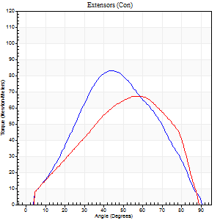
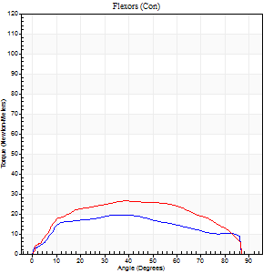
Right Side Curves Left Side Curves
Isokinetic Con/Con |  |  |  | Extensors (Con) |  | Flexors (Con)
Speed 60/60 d/s 3 Reps |  |  |  | Value | Cof Var | %BW | Value | Cof Var | %BW | Ratio

TORQUE PARAMETERS
Peak Torque (Newton-Meters - Best Repetition)
Right |  |  |  | 83 | 0.11 | 119 | 19 | 0.14 | 27 | 23
Left |  |  |  | 68 | 0.09 | 95 | 27 | 0.22 | 39 | 40
Deficit |  |  |  | 18 |  |  | 30
Work per Repetition (Newton-Meters - Best Repetition)
Right |  |  |  | 73 | 0.11 | 104 | 22 | 0.2 | 30 | 30
Left |  |  |  | 65 | 0.11 | 92 | 30 | 0.24 | 42 | 46
Deficit |  |  |  | 11 |  |  | 27
Average Power per Repetition (Watts - Best Repetition)
Right |  |  |  | 45 | 0.29 | 64 | 13 | 0.18 | 18 | 29
Left |  |  |  | 42 | 0.3 | 59 | 19 | 0.23 | 26 | 45
Deficit |  |  |  | 7 |  |  | 32
POSITION PARAMETERS
Joint Angle at Peak Torque (Degrees)
Right |  |  |  | 46 | 0.05 |  | 38 | 0.08
Left |  |  |  | 54 | 0.13 |  | 40 | 0.21
Range of Motion (Degrees)
Right |  |  |  | 1 | 0.16 |  | 90 | 0
Left |  |  |  | 0 | 0 |  | 90 | 0
TIME PARAMETERS
Time to Peak Torque (Seconds)
Right |  |  |  | 0.86 | 0.03 |  | 0.76 | 0.02
Left |  |  |  | 0.64 | 0.2 |  | 0.74 | 0.2
Time Peak Torque Held (Seconds)
Right |  |  |  | 0.06 | 0.27 |  | 0.03 | 1.73
Left |  |  |  | 0.02 | 0.92 |  | 0.04 | 0.87
Force Decay Time (Seconds)
Right |  |  |  | 0.72 | 0.05 |  | 0.86 | 0.16
Left |  |  |  | 0.91 | 0.14 |  | 0.79 | 0.17
Reciprocal Delay (Seconds)
Right |  |  |  | 0.75 | 0.64 |  | 0.26 | 0.27
Left |  |  |  | 0.1 | 0.28 |  | 0.13 | 0.27
Delay Time (Seconds)
Right |  |  |  | -0.06 | -0.11 |  | -0.03 | -1.67
Left |  |  |  | 0.01 | 0 |  | -0.03 | -0.46
HUMAC2015® Version: 15.000.0074 © Computer Sports Medicine, Inc. www.csmisolutions.com

Use File, Preference to set Report Heading
Long Form Torque vs. Position Report - Knee Extension/Flexion
Name: |  |  |  | TR030_FP3084, | ID: | TR030 | Right/Left: | 28.09.2022 28.09.2022
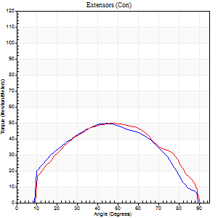
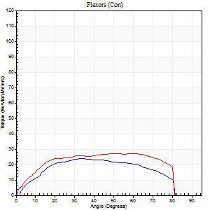
Right Side Curves Left Side Curves
Isokinetic Con/Con |  |  |  | Extensors (Con) |  | Flexors (Con)
Speed 120/120 d/s 3 Reps |  |  |  | Value | Cof Var | %BW | Value | Cof Var | %BW | Ratio

TORQUE PARAMETERS
Peak Torque (Newton-Meters - Best Repetition)
Right |  |  |  | 50 | 0.29 | 72 | 24 | 0.39 | 36 | 49
Left |  |  |  | 50 | 0.02 | 72 | 27 | 0.04 | 39 | 54
Deficit |  |  |  | 0 |  |  | 10
Work per Repetition (Newton-Meters - Best Repetition)
Right |  |  |  | 49 | 0.36 | 69 | 26 | 0.44 | 36 | 53
Left |  |  |  | 52 | 0.08 | 75 | 31 | 0.08 | 45 | 61
Deficit |  |  |  | 5 |  |  | 17
Average Power per Repetition (Watts - Best Repetition)
Right |  |  |  | 60 | 0.74 | 86 | 32 | 0.48 | 46 | 53
Left |  |  |  | 59 | 0.62 | 84 | 35 | 0.06 | 51 | 59
Deficit |  |  |  | 2 |  |  | 9
POSITION PARAMETERS
Joint Angle at Peak Torque (Degrees)
Right |  |  |  | 54 | 0.15 |  | 42 | 0.32
Left |  |  |  | 50 | 0.06 |  | 45 | 0.14
Range of Motion (Degrees)
Right |  |  |  | 1 | 0 |  | 90 | 0
Left |  |  |  | 1 | 0 |  | 89 | 0.01
TIME PARAMETERS
Time to Peak Torque (Seconds)
Right |  |  |  | 0.4 | 0.14 |  | 0.41 | 0.25
Left |  |  |  | 0.4 | 0.05 |  | 0.46 | 0.13
Time Peak Torque Held (Seconds)
Right |  |  |  | 0.02 | 0.5 |  | 0 | 1.73
Left |  |  |  | 0.03 | 0.57 |  | 0.05 | 1.22
Force Decay Time (Seconds)
Right |  |  |  | 0.45 | 0.15 |  | 0.41 | 0.26
Left |  |  |  | 0.42 | 0.05 |  | 0.35 | 0.22
Reciprocal Delay (Seconds)
Right |  |  |  | 0.07 | 0 |  | 0.07 | 0.14
Left |  |  |  | 0.09 | 0.63 |  | 0.08 | 0.18
Delay Time (Seconds)
Right |  |  |  | -0.01 | -1.41 |  | 0 | -9.64
Left |  |  |  | -0.02 | -0.28 |  | -0.03 | -0.57
HUMAC2015® Version: 15.000.0074 © Computer Sports Medicine, Inc. www.csmisolutions.com

Use File, Preference to set Report Heading
Long Form Torque vs. Position Report - Knee Extension/Flexion
Name: |  |  |  | TR030_FP3084, | ID: | TR030 | Right/Left: | 28.09.2022 28.09.2022
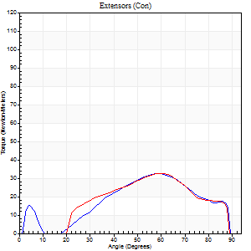
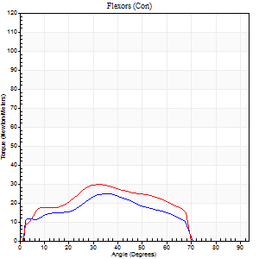
Right Side Curves Left Side Curves
Isokinetic Con/Con |  |  |  | Extensors (Con) |  | Flexors (Con)
Speed 240/240 d/s 3 Reps |  |  |  | Value | Cof Var | %BW | Value | Cof Var | %BW | Ratio

TORQUE PARAMETERS
Peak Torque (Newton-Meters - Best Repetition)
Right |  |  |  | 33 | 0.46 | 48 | 24 | 0.18 | 36 | 75
Left |  |  |  | 33 | 0.39 | 48 | 30 | 0.34 | 42 | 92
Deficit |  |  |  | 0 |  |  | 18
Work per Repetition (Newton-Meters - Best Repetition)
Right |  |  |  | 27 | 0.54 | 39 | 20 | 1.42 | 30 | 75
Left |  |  |  | 27 | 0.41 | 39 | 26 | 0.31 | 36 | 95
Deficit |  |  |  | 0 |  |  | 21
Average Power per Repetition (Watts - Best Repetition)
Right |  |  |  | 55 | 0.67 | 79 | 41 | 0.9 | 59 | 75
Left |  |  |  | 55 | 0.71 | 79 | 49 | 0.33 | 70 | 89
Deficit |  |  |  | 0 |  |  | 16
POSITION PARAMETERS
Joint Angle at Peak Torque (Degrees)
Right |  |  |  | 65 | 0.19 |  | 70 | 0.43
Left |  |  |  | 59 | 0.04 |  | 23 | 0.75
Range of Motion (Degrees)
Right |  |  |  | 2 | 0.09 |  | 89 | 0.01
Left |  |  |  | 2 | 0.08 |  | 89 | 0.01
TIME PARAMETERS
Time to Peak Torque (Seconds)
Right |  |  |  | 0.23 | 0.18 |  | 0.16 | 0.51
Left |  |  |  | 0.19 | 0.04 |  | 0.18 | 0.57
Time Peak Torque Held (Seconds)
Right |  |  |  | 0.01 | 1.73 |  | 0 | 0
Left |  |  |  | 0.01 | 0.87 |  | 0 | 1.73
Force Decay Time (Seconds)
Right |  |  |  | 0.33 | 0.27 |  | 0.11 | 1.24
Left |  |  |  | 0.29 | 0.02 |  | 0.34 | 0.36
Reciprocal Delay (Seconds)
Right |  |  |  | 0.05 | 0.16 |  | 0.04 | 0.13
Left |  |  |  | 0.04 | 0 |  | 0.05 | 0.12
Delay Time (Seconds)
Right |  |  |  | -0.02 | 0 |  | 0.23 | 0.96
Left |  |  |  | -0.02 | 0 |  | -0.03 | -0.22
HUMAC2015® Version: 15.000.0074 © Computer Sports Medicine, Inc. www.csmisolutions.com

Use File, Preference to set Report Heading
Isometric - Knee Extension/Flexion
Name: |  |  |  | TR030_FP3084, | ID: | TR030 | Right/Left: | 28.09.2022 28.09.2022

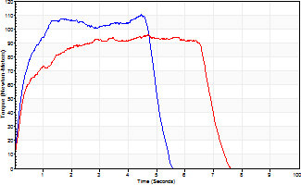
Isometric Extensors (Con) Angle 60 Time 10 Repetition 2 (Best Repetition)
 | Value | Cof Var | %BW
Peak Torque (Newton-Meters)
Right | 110 | 0.05 | 158
Left | 96 | 0.19 | 137
Deficit | 12
Average Torque (Newton-Meters)
Right | 52 | 0.04 | 75
Left | 58 | 0.26 | 83
Deficit | 12
Peak Torque Slope (Newton-Meters/Seconds)
Right | 31 | 0.16 | 44
Left | 20 | 0.28 | 29 |  | Right Side Curves Left Side Curves
Deficit | 34
Time to Half Peak Torque (Seconds)
Right | 0.28 | 0.15
Left | 0.31 | 0.16
Time to Peak Torque (Seconds)
Right | 3.88 | 0.21
Left | 5.03 | 0.09
HUMAC2015® Version: 15.000.0074 © Computer Sports Medicine, Inc. www.csmisolutions.com

mid1
Use File, Preference to set Report Heading
Long Form Torque vs. Position Report - Knee Extension/Flexion
Name: |  |  |  | TR030_FP3084, | ID: | TR030 | Right/Left: | 25.10.2022 25.10.2022
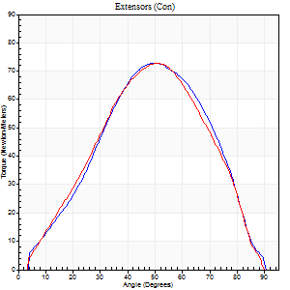
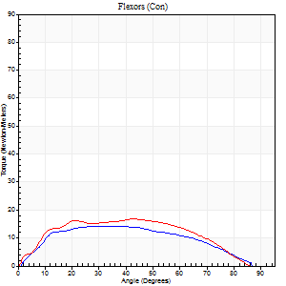
Right Side Curves Left Side Curves
Isokinetic Con/Con |  |  |  | Extensors (Con) |  | Flexors (Con)
Speed 60/60 d/s 3 Reps |  |  |  | Value | Cof Var | %BW | Value | Cof Var | %BW | Ratio

TORQUE PARAMETERS
Peak Torque (Newton-Meters - Best Repetition)
Right |  |  |  | 73 | 0.1 | 104 | 15 | 0.23 | 21 | 20
Left |  |  |  | 73 | 0.12 | 104 | 16 | 0.1 | 24 | 22
Deficit |  |  |  | 0 |  |  | 8
Work per Repetition (Newton-Meters - Best Repetition)
Right |  |  |  | 71 | 0.12 | 101 | 15 | 0.66 | 21 | 21
Left |  |  |  | 64 | 0.1 | 92 | 18 | 0.2 | 24 | 28
Deficit |  |  |  | 10 |  |  | 15
Average Power per Repetition (Watts - Best Repetition)
Right |  |  |  | 44 | 0.24 | 64 | 9 | 0.79 | 13 | 20
Left |  |  |  | 40 | 0.3 | 57 | 11 | 0.22 | 15 | 28
Deficit |  |  |  | 9 |  |  | 18
POSITION PARAMETERS
Joint Angle at Peak Torque (Degrees)
Right |  |  |  | 51 | 0.1 |  | 26 | 0.53
Left |  |  |  | 49 | 0.04 |  | 40 | 0.26
Range of Motion (Degrees)
Right |  |  |  | 1 | 0.08 |  | 90 | 0
Left |  |  |  | 1 | 0.58 |  | 90 | 0
TIME PARAMETERS
Time to Peak Torque (Seconds)
Right |  |  |  | 0.72 | 0.17 |  | 0.5 | 0.42
Left |  |  |  | 0.76 | 0.06 |  | 0.75 | 0.19
Time Peak Torque Held (Seconds)
Right |  |  |  | 0.05 | 0.99 |  | 0.01 | 0.87
Left |  |  |  | 0.03 | 0.69 |  | 0.06 | 1.73
Force Decay Time (Seconds)
Right |  |  |  | 0.82 | 0.05 |  | 1.39 | 0.32
Left |  |  |  | 0.79 | 0.04 |  | 0.79 | 0.32
Reciprocal Delay (Seconds)
Right |  |  |  | 0.37 | 0.27 |  | 0.26 | 0.9
Left |  |  |  | 0.11 | 0.13 |  | 0.12 | 0.36
Delay Time (Seconds)
Right |  |  |  | -0.07 | -0.2 |  | 0 | 0
Left |  |  |  | -0.06 | 0 |  | -0.04 | -0.69
HUMAC2015® Version: 15.000.0074 © Computer Sports Medicine, Inc. www.csmisolutions.com

Use File, Preference to set Report Heading
Long Form Torque vs. Position Report - Knee Extension/Flexion
Name: |  |  |  | TR030_FP3084, | ID: | TR030 | Right/Left: | 25.10.2022 25.10.2022
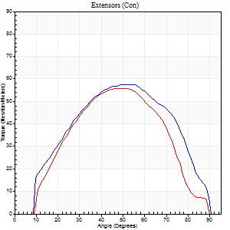
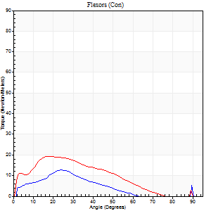
Right Side Curves Left Side Curves
Isokinetic Con/Con |  |  |  | Extensors (Con) |  | Flexors (Con)
Speed 120/120 d/s 3 Reps |  |  |  | Value | Cof Var | %BW | Value | Cof Var | %BW | Ratio

TORQUE PARAMETERS
Peak Torque (Newton-Meters - Best Repetition)
Right |  |  |  | 57 | 0.19 | 80 | 12 | 0.38 | 18 | 21
Left |  |  |  | 56 | 0.25 | 80 | 19 | 0.61 | 27 | 34
Deficit |  |  |  | 2 |  |  | 36
Work per Repetition (Newton-Meters - Best Repetition)
Right |  |  |  | 58 | 0.22 | 83 | 7 | 0.57 | 9 | 12
Left |  |  |  | 50 | 0.23 | 72 | 15 | 0.72 | 21 | 30
Deficit |  |  |  | 14 |  |  | 55
Average Power per Repetition (Watts - Best Repetition)
Right |  |  |  | 66 | 0.28 | 95 | 7 | 0.67 | 11 | 11
Left |  |  |  | 58 | 0.46 | 84 | 17 | 0.79 | 24 | 29
Deficit |  |  |  | 12 |  |  | 59
POSITION PARAMETERS
Joint Angle at Peak Torque (Degrees)
Right |  |  |  | 49 | 0.09 |  | 18 | 0.58
Left |  |  |  | 55 | 0.13 |  | 15 | 0.6
Range of Motion (Degrees)
Right |  |  |  | 1 | 0 |  | 90 | 0
Left |  |  |  | 1 | 0.06 |  | 89 | 0
TIME PARAMETERS
Time to Peak Torque (Seconds)
Right |  |  |  | 0.44 | 0.14 |  | 0.3 | 0.13
Left |  |  |  | 0.37 | 0.21 |  | 0.35 | 0.46
Time Peak Torque Held (Seconds)
Right |  |  |  | 0.01 | 1 |  | 0 | 0
Left |  |  |  | 0.03 | 0.35 |  | 0.06 | 1
Force Decay Time (Seconds)
Right |  |  |  | 0.42 | 0.1 |  | 0.88 | 0.42
Left |  |  |  | 0.45 | 0.12 |  | 0.69 | 0.23
Reciprocal Delay (Seconds)
Right |  |  |  | 0.51 | 0.37 |  | 0.2 | 0.75
Left |  |  |  | 0.08 | 0 |  | 0.08 | 0.14
Delay Time (Seconds)
Right |  |  |  | -0.05 | -0.13 |  | 0.01 | 6.93
Left |  |  |  | -0.02 | 0 |  | -0.03 | -0.33
HUMAC2015® Version: 15.000.0074 © Computer Sports Medicine, Inc. www.csmisolutions.com

Use File, Preference to set Report Heading
Long Form Torque vs. Position Report - Knee Extension/Flexion
Name: |  |  |  | TR030_FP3084, | ID: | TR030 | Right/Left: | 25.10.2022 25.10.2022
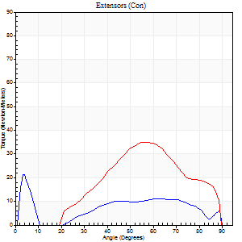
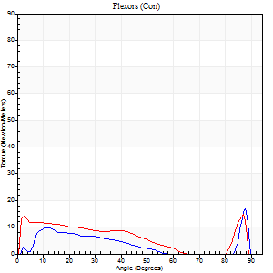
Right Side Curves Left Side Curves
Isokinetic Con/Con |  |  |  | Extensors (Con) |  | Flexors (Con)
Speed 240/240 d/s 3 Reps |  |  |  | Value | Cof Var | %BW | Value | Cof Var | %BW | Ratio

TORQUE PARAMETERS
Peak Torque (Newton-Meters - Best Repetition)
Right |  |  |  | 22 | 0.2 | 30 | 16 | 0.38 | 24 | 75
Left |  |  |  | 35 | 0.43 | 51 | 15 | 0.37 | 21 | 42
Deficit |  |  |  | 38 |  |  | 8
Work per Repetition (Newton-Meters - Best Repetition)
Right |  |  |  | 12 | 0.14 | 18 | 4 | 1.09 | 6 | 33
Left |  |  |  | 27 | 0.42 | 39 | 4 | 0.63 | 6 | 15
Deficit |  |  |  | 55 |  |  | 0
Average Power per Repetition (Watts - Best Repetition)
Right |  |  |  | 18 | 0.16 | 26 | 5 | 0.56 | 7 | 28
Left |  |  |  | 51 | 0.6 | 73 | 7 | 0.26 | 11 | 14
Deficit |  |  |  | 65 |  |  | 29
POSITION PARAMETERS
Joint Angle at Peak Torque (Degrees)
Right |  |  |  | 20 | 1.41 |  | 65 | 0.6
Left |  |  |  | 66 | 0.2 |  | 36 | 1.25
Range of Motion (Degrees)
Right |  |  |  | 2 | 0.03 |  | 90 | 0
Left |  |  |  | 2 | 0 |  | 89 | 0.01
TIME PARAMETERS
Time to Peak Torque (Seconds)
Right |  |  |  | 0.63 | 0.06 |  | 0.26 | 0.27
Left |  |  |  | 0.22 | 0.03 |  | 0.12 | 0.33
Time Peak Torque Held (Seconds)
Right |  |  |  | 0 | 1.73 |  | 0 | 0
Left |  |  |  | 0.02 | 0.69 |  | 0.01 | 1.73
Force Decay Time (Seconds)
Right |  |  |  | 0.11 | 1.27 |  | 0.19 | 1.5
Left |  |  |  | 0.33 | 0.22 |  | 0.36 | 0.82
Reciprocal Delay (Seconds)
Right |  |  |  | 0.11 | 0.47 |  | 0.06 | 0
Left |  |  |  | 0.05 | 0.13 |  | 0.05 | 0
Delay Time (Seconds)
Right |  |  |  | -0.06 | -0.47 |  | 0.27 | 0.59
Left |  |  |  | -0.02 | -0.28 |  | 0.13 | 1.63
HUMAC2015® Version: 15.000.0074 © Computer Sports Medicine, Inc. www.csmisolutions.com

Use File, Preference to set Report Heading
Isometric - Knee Extension/Flexion
Name: |  |  |  | TR030_FP3084, | ID: | TR030 | Right/Left: | 25.10.2022 25.10.2022

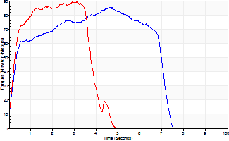
Isometric Extensors (Con) Angle 60 Time 10 Repetition 2 (Best Repetition)
 | Value | Cof Var | %BW
Peak Torque (Newton-Meters)
Right | 85 | 0.01 | 122
Left | 89 | 0.11 | 128
Deficit | 5
Average Torque (Newton-Meters)
Right | 50 | 0.09 | 72
Left | 34 | 0.05 | 48
Deficit | 32
Peak Torque Slope (Newton-Meters/Seconds)
Right | 23 | 0.16 | 33
Left | 31 | 0.05 | 44 |  | Right Side Curves Left Side Curves
Deficit | 24
Time to Half Peak Torque (Seconds)
Right | 0.25 | 0.11
Left | 0.25 | 0.14
Time to Peak Torque (Seconds)
Right | 4.13 | 0.17
Left | 2.79 | 0.06
HUMAC2015® Version: 15.000.0074 © Computer Sports Medicine, Inc. www.csmisolutions.com

mid2
Use File, Preference to set Report Heading
Long Form Torque vs. Position Report - Knee Extension/Flexion
Name: |  |  |  | TR030_FP3084, | ID: | TR030 | Right/Left: | 27.10.2022 27.10.2022
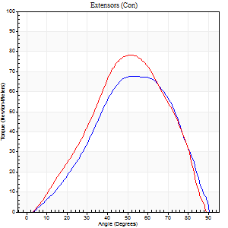
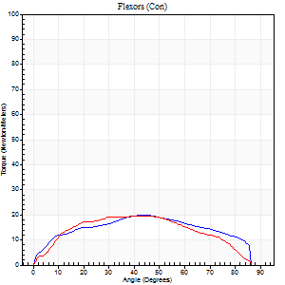
Right Side Curves Left Side Curves
Isokinetic Con/Con |  |  |  | Extensors (Con) |  | Flexors (Con)
Speed 60/60 d/s 3 Reps |  |  |  | Value | Cof Var | %BW | Value | Cof Var | %BW | Ratio

TORQUE PARAMETERS
Peak Torque (Newton-Meters - Best Repetition)
Right |  |  |  | 68 | 0.13 | 95 | 20 | 0.31 | 30 | 30
Left |  |  |  | 79 | 0.07 | 113 | 19 | 0.17 | 27 | 24
Deficit |  |  |  | 14 |  |  | 7
Work per Repetition (Newton-Meters - Best Repetition)
Right |  |  |  | 60 | 0.12 | 86 | 22 | 0.45 | 30 | 36
Left |  |  |  | 66 | 0.07 | 95 | 22 | 0.25 | 30 | 33
Deficit |  |  |  | 10 |  |  | 0
Average Power per Repetition (Watts - Best Repetition)
Right |  |  |  | 36 | 0.13 | 51 | 13 | 0.45 | 18 | 36
Left |  |  |  | 42 | 0.32 | 59 | 13 | 0.26 | 18 | 31
Deficit |  |  |  | 14 |  |  | 0
POSITION PARAMETERS
Joint Angle at Peak Torque (Degrees)
Right |  |  |  | 51 | 0.06 |  | 35 | 0.24
Left |  |  |  | 51 | 0.04 |  | 34 | 0.3
Range of Motion (Degrees)
Right |  |  |  | 1 | 0.07 |  | 90 | 0
Left |  |  |  | 0 | 0.61 |  | 90 | 0
TIME PARAMETERS
Time to Peak Torque (Seconds)
Right |  |  |  | 0.75 | 0.07 |  | 0.69 | 0.25
Left |  |  |  | 0.72 | 0.08 |  | 0.68 | 0.16
Time Peak Torque Held (Seconds)
Right |  |  |  | 0.04 | 0.75 |  | 0.03 | 0.87
Left |  |  |  | 0.02 | 1.08 |  | 0.06 | 1.73
Force Decay Time (Seconds)
Right |  |  |  | 0.83 | 0.04 |  | 0.9 | 0.16
Left |  |  |  | 0.84 | 0.02 |  | 0.88 | 0.22
Reciprocal Delay (Seconds)
Right |  |  |  | 0.27 | 0 |  | 0.1 | 0.06
Left |  |  |  | 0.13 | 0.05 |  | 0.16 | 0.63
Delay Time (Seconds)
Right |  |  |  | -0.05 | -0.64 |  | -0.02 | -1.62
Left |  |  |  | 0 | -1.41 |  | -0.07 | -0.7
HUMAC2015® Version: 15.000.0074 © Computer Sports Medicine, Inc. www.csmisolutions.com

Use File, Preference to set Report Heading
Long Form Torque vs. Position Report - Knee Extension/Flexion
Name: |  |  |  | TR030_FP3084, | ID: | TR030 | Right/Left: | 27.10.2022 27.10.2022
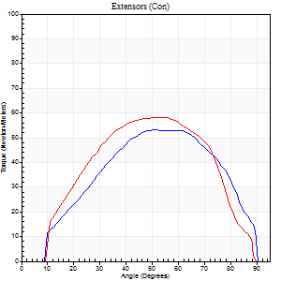
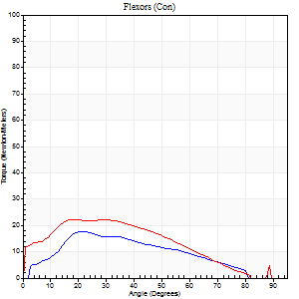
Right Side Curves Left Side Curves
Isokinetic Con/Con |  |  |  | Extensors (Con) |  | Flexors (Con)
Speed 120/120 d/s 3 Reps |  |  |  | Value | Cof Var | %BW | Value | Cof Var | %BW | Ratio

TORQUE PARAMETERS
Peak Torque (Newton-Meters - Best Repetition)
Right |  |  |  | 53 | 0.36 | 75 | 18 | 0.21 | 24 | 33
Left |  |  |  | 58 | 0.25 | 83 | 22 | 0.19 | 30 | 37
Deficit |  |  |  | 9 |  |  | 19
Work per Repetition (Newton-Meters - Best Repetition)
Right |  |  |  | 53 | 0.37 | 75 | 15 | 0.21 | 21 | 28
Left |  |  |  | 57 | 0.29 | 80 | 22 | 0.25 | 30 | 38
Deficit |  |  |  | 7 |  |  | 31
Average Power per Repetition (Watts - Best Repetition)
Right |  |  |  | 60 | 0.53 | 86 | 18 | 0.24 | 26 | 30
Left |  |  |  | 68 | 0.47 | 97 | 24 | 0.25 | 35 | 35
Deficit |  |  |  | 12 |  |  | 25
POSITION PARAMETERS
Joint Angle at Peak Torque (Degrees)
Right |  |  |  | 52 | 0.15 |  | 27 | 0.2
Left |  |  |  | 50 | 0.06 |  | 21 | 0.13
Range of Motion (Degrees)
Right |  |  |  | 1 | 0.03 |  | 90 | 0
Left |  |  |  | 1 | 0.07 |  | 89 | 0.01
TIME PARAMETERS
Time to Peak Torque (Seconds)
Right |  |  |  | 0.4 | 0.14 |  | 0.29 | 0.18
Left |  |  |  | 0.37 | 0.06 |  | 0.29 | 0.13
Time Peak Torque Held (Seconds)
Right |  |  |  | 0.03 | 0.33 |  | 0.01 | 0.87
Left |  |  |  | 0.03 | 1.15 |  | 0 | 1.73
Force Decay Time (Seconds)
Right |  |  |  | 0.42 | 0.17 |  | 0.55 | 0.09
Left |  |  |  | 0.43 | 0.08 |  | 0.59 | 0.04
Reciprocal Delay (Seconds)
Right |  |  |  | 0.13 | 0.05 |  | 0.07 | 0
Left |  |  |  | 0.06 | 0 |  | 0.13 | 0.41
Delay Time (Seconds)
Right |  |  |  | -0.06 | -0.11 |  | 0.01 | 1
Left |  |  |  | -0.01 | -0.47 |  | -0.05 | -0.69
HUMAC2015® Version: 15.000.0074 © Computer Sports Medicine, Inc. www.csmisolutions.com

Use File, Preference to set Report Heading
Long Form Torque vs. Position Report - Knee Extension/Flexion
Name: |  |  |  | TR030_FP3084, | ID: | TR030 | Right/Left: | 27.10.2022 27.10.2022
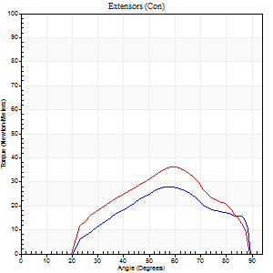
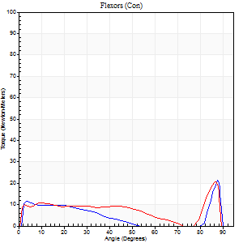
Right Side Curves Left Side Curves
Isokinetic Con/Con |  |  |  | Extensors (Con) |  | Flexors (Con)
Speed 240/240 d/s 3 Reps |  |  |  | Value | Cof Var | %BW | Value | Cof Var | %BW | Ratio

TORQUE PARAMETERS
Peak Torque (Newton-Meters - Best Repetition)
Right |  |  |  | 28 | 0.42 | 42 | 22 | 0.33 | 30 | 76
Left |  |  |  | 37 | 0.37 | 54 | 20 | 0.26 | 30 | 56
Deficit |  |  |  | 22 |  |  | 6
Work per Repetition (Newton-Meters - Best Repetition)
Right |  |  |  | 23 | 0.39 | 33 | 14 | 0.75 | 18 | 59
Left |  |  |  | 30 | 0.37 | 42 | 9 | 1.09 | 15 | 32
Deficit |  |  |  | 23 |  |  | 30
Average Power per Repetition (Watts - Best Repetition)
Right |  |  |  | 44 | 0.57 | 64 | 25 | 0.59 | 35 | 57
Left |  |  |  | 55 | 0.49 | 79 | 16 | 0.44 | 22 | 29
Deficit |  |  |  | 20 |  |  | 36
POSITION PARAMETERS
Joint Angle at Peak Torque (Degrees)
Right |  |  |  | 62 | 0.13 |  | 62 | 0.72
Left |  |  |  | 56 | 0.08 |  | 60 | 0.75
Range of Motion (Degrees)
Right |  |  |  | 2 | 0.05 |  | 89 | 0.01
Left |  |  |  | 1 | 0.06 |  | 89 | 0.01
TIME PARAMETERS
Time to Peak Torque (Seconds)
Right |  |  |  | 0.26 | 0.22 |  | 0.28 | 0.7
Left |  |  |  | 0.23 | 0.12 |  | 0.12 | 0.22
Time Peak Torque Held (Seconds)
Right |  |  |  | 0.04 | 1.5 |  | 0.01 | 1.15
Left |  |  |  | 0.01 | 0.87 |  | 0 | 1.73
Force Decay Time (Seconds)
Right |  |  |  | 0.27 | 0.04 |  | 0.15 | 1.38
Left |  |  |  | 0.28 | 0.06 |  | 0.16 | 1.47
Reciprocal Delay (Seconds)
Right |  |  |  | 0.05 | 0.39 |  | 0.05 | 0.2
Left |  |  |  | 0.06 | 0.11 |  | 0.05 | 0.11
Delay Time (Seconds)
Right |  |  |  | -0.03 | -0.47 |  | 0.1 | 1.91
Left |  |  |  | -0.02 | -0.28 |  | 0.25 | 1.01
HUMAC2015® Version: 15.000.0074 © Computer Sports Medicine, Inc. www.csmisolutions.com

Use File, Preference to set Report Heading
Isometric - Knee Extension/Flexion
Name: |  |  |  | TR030_FP3084, | ID: | TR030 | Right/Left: | 27.10.2022 27.10.2022

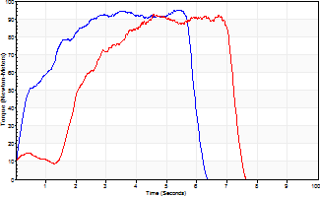
Isometric Extensors (Con) Angle 60 Time 10 Repetition 2 (Best Repetition)
 | Value | Cof Var | %BW
Peak Torque (Newton-Meters)
Right | 95 | 0.04 | 134
Left | 92 | 0.1 | 131
Deficit | 3
Average Torque (Newton-Meters)
Right | 47 | 0.07 | 69
Left | 46 | 0.06 | 66
Deficit | 3
Peak Torque Slope (Newton-Meters/Seconds)
Right | 21 | 0.12 | 30
Left | 20 | 0.07 | 29 |  | Right Side Curves Left Side Curves
Deficit | 2
Time to Half Peak Torque (Seconds)
Right | 0.38 | 0.04
Left | 1.15 | 1.02
Time to Peak Torque (Seconds)
Right | 4.89 | 0.16
Left | 4.47 | 0.03
HUMAC2015® Version: 15.000.0074 © Computer Sports Medicine, Inc. www.csmisolutions.com

post1
Use File, Preference to set Report Heading
Long Form Torque vs. Position Report - Knee Extension/Flexion
Name: |  |  |  | TR030_FP3084, | ID: | TR030 | Right/Left: | 21.11.2022 21.11.2022
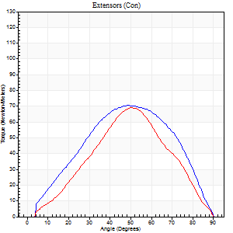
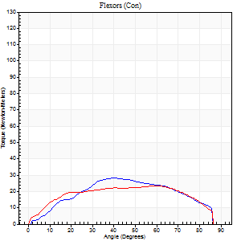
Right Side Curves Left Side Curves
Isokinetic Con/Con |  |  |  | Extensors (Con) |  | Flexors (Con)
Speed 60/60 d/s 3 Reps |  |  |  | Value | Cof Var | %BW | Value | Cof Var | %BW | Ratio

TORQUE PARAMETERS
Peak Torque (Newton-Meters - Best Repetition)
Right |  |  |  | 71 | 0.13 | 101 | 28 | 0.44 | 42 | 40
Left |  |  |  | 69 | 0.03 | 98 | 23 | 0.16 | 33 | 33
Deficit |  |  |  | 2 |  |  | 19
Work per Repetition (Newton-Meters - Best Repetition)
Right |  |  |  | 68 | 0.13 | 95 | 28 | 0.51 | 42 | 42
Left |  |  |  | 61 | 0.06 | 86 | 27 | 0.27 | 39 | 44
Deficit |  |  |  | 10 |  |  | 5
Average Power per Repetition (Watts - Best Repetition)
Right |  |  |  | 43 | 0.42 | 62 | 18 | 0.54 | 26 | 42
Left |  |  |  | 40 | 0.12 | 57 | 17 | 0.26 | 24 | 42
Deficit |  |  |  | 7 |  |  | 6
POSITION PARAMETERS
Joint Angle at Peak Torque (Degrees)
Right |  |  |  | 47 | 0.03 |  | 39 | 0.02
Left |  |  |  | 48 | 0.05 |  | 43 | 0.43
Range of Motion (Degrees)
Right |  |  |  | 1 | 0.07 |  | 90 | 0
Left |  |  |  | 0 | 0.11 |  | 90 | 0
TIME PARAMETERS
Time to Peak Torque (Seconds)
Right |  |  |  | 0.78 | 0.02 |  | 0.75 | 0.1
Left |  |  |  | 0.74 | 0.08 |  | 0.79 | 0.37
Time Peak Torque Held (Seconds)
Right |  |  |  | 0.06 | 0.33 |  | 0.05 | 0.4
Left |  |  |  | 0.05 | 0.66 |  | 0.03 | 0.94
Force Decay Time (Seconds)
Right |  |  |  | 0.72 | 0.06 |  | 0.82 | 0.01
Left |  |  |  | 0.76 | 0.08 |  | 0.74 | 0.36
Reciprocal Delay (Seconds)
Right |  |  |  | 0.18 | 0.2 |  | 0.11 | 0.24
Left |  |  |  | 0.14 | 0.24 |  | 0.15 | 0.14
Delay Time (Seconds)
Right |  |  |  | -0.04 | -0.35 |  | 0.02 | 0.87
Left |  |  |  | 0 | 1.41 |  | -0.02 | -0.25
HUMAC2015® Version: 15.000.0074 © Computer Sports Medicine, Inc. www.csmisolutions.com

Use File, Preference to set Report Heading
Long Form Torque vs. Position Report - Knee Extension/Flexion
Name: |  |  |  | TR030_FP3084, | ID: | TR030 | Right/Left: | 21.11.2022 21.11.2022
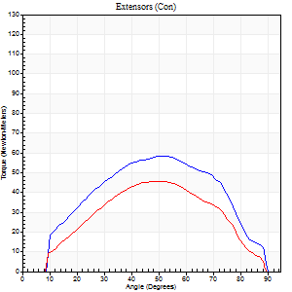
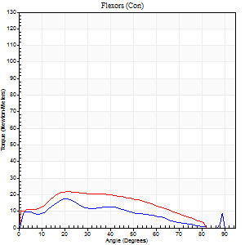
Right Side Curves Left Side Curves
Isokinetic Con/Con |  |  |  | Extensors (Con) |  | Flexors (Con)
Speed 120/120 d/s 3 Reps |  |  |  | Value | Cof Var | %BW | Value | Cof Var | %BW | Ratio

TORQUE PARAMETERS
Peak Torque (Newton-Meters - Best Repetition)
Right |  |  |  | 58 | 0.48 | 83 | 18 | 0.18 | 24 | 30
Left |  |  |  | 46 | 0.24 | 66 | 22 | 0.23 | 30 | 47
Deficit |  |  |  | 21 |  |  | 19
Work per Repetition (Newton-Meters - Best Repetition)
Right |  |  |  | 58 | 0.52 | 83 | 14 | 0.14 | 18 | 23
Left |  |  |  | 42 | 0.24 | 60 | 22 | 0.35 | 30 | 52
Deficit |  |  |  | 28 |  |  | 38
Average Power per Repetition (Watts - Best Repetition)
Right |  |  |  | 70 | 0.73 | 99 | 16 | 0.14 | 22 | 23
Left |  |  |  | 51 | 0.46 | 73 | 23 | 0.34 | 33 | 45
Deficit |  |  |  | 27 |  |  | 30
POSITION PARAMETERS
Joint Angle at Peak Torque (Degrees)
Right |  |  |  | 50 | 0.1 |  | 27 | 0.27
Left |  |  |  | 45 | 0.13 |  | 22 | 0.05
Range of Motion (Degrees)
Right |  |  |  | 1 | 0.2 |  | 90 | 0
Left |  |  |  | 1 | 0.17 |  | 89 | 0.01
TIME PARAMETERS
Time to Peak Torque (Seconds)
Right |  |  |  | 0.37 | 0.02 |  | 0.3 | 0.2
Left |  |  |  | 0.4 | 0.07 |  | 0.3 | 0.13
Time Peak Torque Held (Seconds)
Right |  |  |  | 0.01 | 1.73 |  | 0.04 | 0.79
Left |  |  |  | 0.01 | 1.15 |  | 0.01 | 1.73
Force Decay Time (Seconds)
Right |  |  |  | 0.43 | 0.08 |  | 0.51 | 0.18
Left |  |  |  | 0.4 | 0.09 |  | 0.57 | 0.05
Reciprocal Delay (Seconds)
Right |  |  |  | 0.07 | 0.2 |  | 0.08 | 0.48
Left |  |  |  | 0.09 | 0 |  | 0.13 | 0.25
Delay Time (Seconds)
Right |  |  |  | -0.01 | -0.47 |  | 0 | 9.17
Left |  |  |  | 0 | -1.41 |  | -0.05 | -0.54
HUMAC2015® Version: 15.000.0074 © Computer Sports Medicine, Inc. www.csmisolutions.com

Use File, Preference to set Report Heading
Long Form Torque vs. Position Report - Knee Extension/Flexion
Name: |  |  |  | TR030_FP3084, | ID: | TR030 | Right/Left: | 21.11.2022 21.11.2022
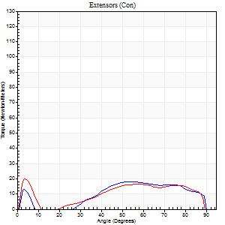
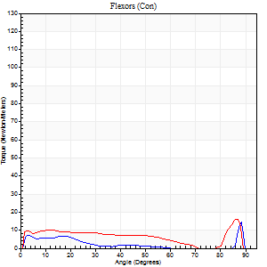
Right Side Curves Left Side Curves
Isokinetic Con/Con |  |  |  | Extensors (Con) |  | Flexors (Con)
Speed 240/240 d/s 3 Reps |  |  |  | Value | Cof Var | %BW | Value | Cof Var | %BW | Ratio

TORQUE PARAMETERS
Peak Torque (Newton-Meters - Best Repetition)
Right |  |  |  | 18 | 0.28 | 24 | 15 | 0.22 | 21 | 85
Left |  |  |  | 20 | 0.5 | 30 | 16 | 0.33 | 24 | 80
Deficit |  |  |  | 13 |  |  | 8
Work per Repetition (Newton-Meters - Best Repetition)
Right |  |  |  | 15 | 0.5 | 21 | 5 | 0.81 | 9 | 36
Left |  |  |  | 9 | 0.75 | 15 | 4 | 0.92 | 6 | 43
Deficit |  |  |  | 36 |  |  | 25
Average Power per Repetition (Watts - Best Repetition)
Right |  |  |  | 27 | 0.72 | 40 | 8 | 0.66 | 11 | 30
Left |  |  |  | 17 | 0.57 | 24 | 11 | 0.63 | 15 | 65
Deficit |  |  |  | 37 |  |  | 27
POSITION PARAMETERS
Joint Angle at Peak Torque (Degrees)
Right |  |  |  | 74 | 0.23 |  | 35 | 1.3
Left |  |  |  | 31 | 1.54 |  | 61 | 0.74
Range of Motion (Degrees)
Right |  |  |  | 2 | 0.03 |  | 90 | 0
Left |  |  |  | 1 | 0.13 |  | 89 | 0.01
TIME PARAMETERS
Time to Peak Torque (Seconds)
Right |  |  |  | 0.23 | 0.31 |  | 0.13 | 0.89
Left |  |  |  | 0.3 | 1.13 |  | 0.13 | 0.5
Time Peak Torque Held (Seconds)
Right |  |  |  | 0.01 | 1.73 |  | 0.02 | 1.32
Left |  |  |  | 0.01 | 1.73 |  | 0.01 | 1
Force Decay Time (Seconds)
Right |  |  |  | 0.42 | 0.34 |  | 0.38 | 0.83
Left |  |  |  | 0.24 | 1.48 |  | 0.18 | 1.54
Reciprocal Delay (Seconds)
Right |  |  |  | 0.11 | 0.55 |  | 0.06 | 0.2
Left |  |  |  | 0.08 | 0.09 |  | 0.07 | 0.16
Delay Time (Seconds)
Right |  |  |  | -0.06 | -0.71 |  | 0.13 | 2.06
Left |  |  |  | 0.19 | 1.56 |  | 0.31 | 0.61
HUMAC2015® Version: 15.000.0074 © Computer Sports Medicine, Inc. www.csmisolutions.com

Use File, Preference to set Report Heading
Isometric - Knee Extension/Flexion
Name: |  |  |  | TR030_FP3084, | ID: | TR030 | Right/Left: | 21.11.2022 21.11.2022

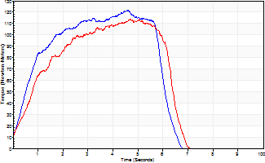
Isometric Extensors (Con) Angle 60 Time 10 Repetition 2 (Best Repetition)
 | Value | Cof Var | %BW
Peak Torque (Newton-Meters)
Right | 122 | 0.03 | 173
Left | 114 | 0.03 | 164
Deficit | 7
Average Torque (Newton-Meters)
Right | 60 | 0 | 86
Left | 57 | 0 | 80
Deficit | 5
Peak Torque Slope (Newton-Meters/Seconds)
Right | 26 | 0.18 | 38
Left | 24 | 0.13 | 35 |  | Right Side Curves Left Side Curves
Deficit | 8
Time to Half Peak Torque (Seconds)
Right | 0.69 | 0.06
Left | 0.75 | 0.2
Time to Peak Torque (Seconds)
Right | 5.14 | 0.15
Left | 5.04 | 0.1
HUMAC2015® Version: 15.000.0074 © Computer Sports Medicine, Inc. www.csmisolutions.com

post2
Use File, Preference to set Report Heading
Long Form Torque vs. Position Report - Knee Extension/Flexion
Name: |  |  |  | TR030_FP3084, | ID: | TR030 | Right/Left: | 23.11.2022 23.11.2022
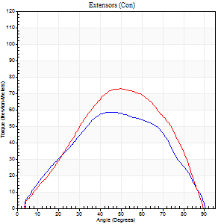
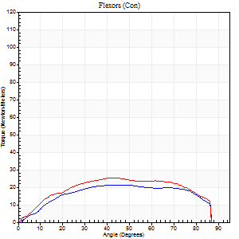
Right Side Curves Left Side Curves
Isokinetic Con/Con |  |  |  | Extensors (Con) |  | Flexors (Con)
Speed 60/60 d/s 3 Reps |  |  |  | Value | Cof Var | %BW | Value | Cof Var | %BW | Ratio

TORQUE PARAMETERS
Peak Torque (Newton-Meters - Best Repetition)
Right |  |  |  | 58 | 0.1 | 83 | 22 | 0.18 | 30 | 37
Left |  |  |  | 73 | 0.14 | 104 | 26 | 0.3 | 36 | 35
Deficit |  |  |  | 20 |  |  | 16
Work per Repetition (Newton-Meters - Best Repetition)
Right |  |  |  | 58 | 0.11 | 83 | 24 | 0.26 | 36 | 42
Left |  |  |  | 68 | 0.15 | 95 | 28 | 0.41 | 42 | 42
Deficit |  |  |  | 14 |  |  | 14
Average Power per Repetition (Watts - Best Repetition)
Right |  |  |  | 37 | 0.29 | 53 | 15 | 0.24 | 22 | 41
Left |  |  |  | 44 | 0.32 | 64 | 18 | 0.43 | 26 | 41
Deficit |  |  |  | 16 |  |  | 17
POSITION PARAMETERS
Joint Angle at Peak Torque (Degrees)
Right |  |  |  | 44 | 0.12 |  | 41 | 0.14
Left |  |  |  | 50 | 0.01 |  | 42 | 0.24
Range of Motion (Degrees)
Right |  |  |  | 1 | 0 |  | 90 | 0
Left |  |  |  | 1 | 0.47 |  | 90 | 0
TIME PARAMETERS
Time to Peak Torque (Seconds)
Right |  |  |  | 0.88 | 0.07 |  | 0.75 | 0.12
Left |  |  |  | 0.7 | 0.01 |  | 0.78 | 0.15
Time Peak Torque Held (Seconds)
Right |  |  |  | 0.04 | 0.16 |  | 0.03 | 1.73
Left |  |  |  | 0.04 | 1.09 |  | 0.02 | 0.89
Force Decay Time (Seconds)
Right |  |  |  | 0.71 | 0.14 |  | 0.78 | 0.13
Left |  |  |  | 0.8 | 0.05 |  | 0.79 | 0.24
Reciprocal Delay (Seconds)
Right |  |  |  | 0.21 | 0.2 |  | 0.12 | 0.18
Left |  |  |  | 0.16 | 0.27 |  | 0.11 | 0.18
Delay Time (Seconds)
Right |  |  |  | -0.05 | -0.13 |  | 0.03 | 0.78
Left |  |  |  | 0 | 1.41 |  | -0.02 | -0.35
HUMAC2015® Version: 15.000.0074 © Computer Sports Medicine, Inc. www.csmisolutions.com

Use File, Preference to set Report Heading
Long Form Torque vs. Position Report - Knee Extension/Flexion
Name: |  |  |  | TR030_FP3084, | ID: | TR030 | Right/Left: | 23.11.2022 23.11.2022
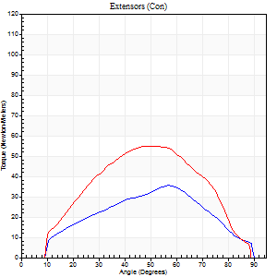
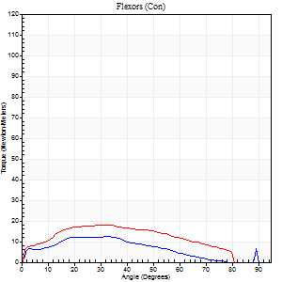
Right Side Curves Left Side Curves
Isokinetic Con/Con |  |  |  | Extensors (Con) |  | Flexors (Con)
Speed 120/120 d/s 3 Reps |  |  |  | Value | Cof Var | %BW | Value | Cof Var | %BW | Ratio

TORQUE PARAMETERS
Peak Torque (Newton-Meters - Best Repetition)
Right |  |  |  | 35 | 0.38 | 51 | 12 | 0.22 | 18 | 35
Left |  |  |  | 54 | 0.13 | 77 | 18 | 0.22 | 24 | 32
Deficit |  |  |  | 35 |  |  | 31
Work per Repetition (Newton-Meters - Best Repetition)
Right |  |  |  | 31 | 0.42 | 45 | 9 | 0.41 | 15 | 30
Left |  |  |  | 52 | 0.14 | 75 | 18 | 0.34 | 24 | 34
Deficit |  |  |  | 39 |  |  | 46
Average Power per Repetition (Watts - Best Repetition)
Right |  |  |  | 36 | 0.49 | 51 | 12 | 0.45 | 18 | 33
Left |  |  |  | 61 | 0.53 | 88 | 21 | 0.36 | 31 | 34
Deficit |  |  |  | 41 |  |  | 43
POSITION PARAMETERS
Joint Angle at Peak Torque (Degrees)
Right |  |  |  | 63 | 0.08 |  | 29 | 0.15
Left |  |  |  | 50 | 0.07 |  | 31 | 0.04
Range of Motion (Degrees)
Right |  |  |  | 1 | 0.12 |  | 89 | 0
Left |  |  |  | 1 | 0.1 |  | 90 | 0.01
TIME PARAMETERS
Time to Peak Torque (Seconds)
Right |  |  |  | 0.35 | 0.12 |  | 0.33 | 0.08
Left |  |  |  | 0.4 | 0.05 |  | 0.37 | 0.09
Time Peak Torque Held (Seconds)
Right |  |  |  | 0.03 | 0.88 |  | 0.01 | 1.73
Left |  |  |  | 0.03 | 0.75 |  | 0.02 | 0.92
Force Decay Time (Seconds)
Right |  |  |  | 0.52 | 0.1 |  | 0.58 | 0.09
Left |  |  |  | 0.41 | 0.01 |  | 0.48 | 0.05
Reciprocal Delay (Seconds)
Right |  |  |  | 0.09 | 0.07 |  | 0.08 | 0.2
Left |  |  |  | 0.08 | 0.18 |  | 0.09 | 0.13
Delay Time (Seconds)
Right |  |  |  | -0.04 | -0.2 |  | 0.02 | 3.3
Left |  |  |  | 0 | -1.41 |  | -0.03 | -0.22
HUMAC2015® Version: 15.000.0074 © Computer Sports Medicine, Inc. www.csmisolutions.com

Use File, Preference to set Report Heading
Long Form Torque vs. Position Report - Knee Extension/Flexion
Name: |  |  |  | TR030_FP3084, | ID: | TR030 | Right/Left: | 23.11.2022 23.11.2022
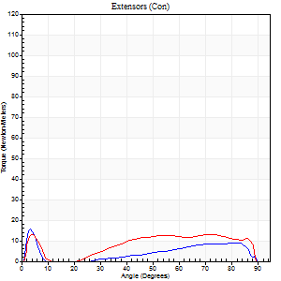
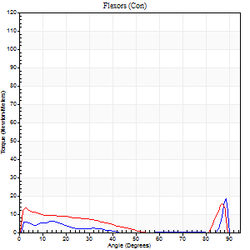
Right Side Curves Left Side Curves
Isokinetic Con/Con |  |  |  | Extensors (Con) |  | Flexors (Con)
Speed 240/240 d/s 3 Reps |  |  |  | Value | Cof Var | %BW | Value | Cof Var | %BW | Ratio

TORQUE PARAMETERS
Peak Torque (Newton-Meters - Best Repetition)
Right |  |  |  | 16 | 0.2 | 24 | 19 | 0.52 | 27 | 117
Left |  |  |  | 14 | 0.08 | 18 | 15 | 0.18 | 21 | 110
Deficit |  |  |  | 17 |  |  | 21
Work per Repetition (Newton-Meters - Best Repetition)
Right |  |  |  | 8 | 1.37 | 12 | 3 | 1.13 | 3 | 33
Left |  |  |  | 9 | 0.72 | 15 | 4 | 0.92 | 6 | 43
Deficit |  |  |  | 14 |  |  | 33
Average Power per Repetition (Watts - Best Repetition)
Right |  |  |  | 12 | 0.79 | 18 | 6 | 0.36 | 9 | 50
Left |  |  |  | 16 | 0.56 | 22 | 6 | 0.13 | 9 | 38
Deficit |  |  |  | 25 |  |  | 0
POSITION PARAMETERS
Joint Angle at Peak Torque (Degrees)
Right |  |  |  | 3 | 0.1 |  | 62 | 0.72
Left |  |  |  | 54 | 0.8 |  | 59 | 0.82
Range of Motion (Degrees)
Right |  |  |  | 2 | 0 |  | 90 | 0
Left |  |  |  | 1 | 0.03 |  | 89 | 0.01
TIME PARAMETERS
Time to Peak Torque (Seconds)
Right |  |  |  | 0.16 | 0.14 |  | 0.07 | 0.38
Left |  |  |  | 0.14 | 0.37 |  | 0.12 | 0.49
Time Peak Torque Held (Seconds)
Right |  |  |  | 0 | 0 |  | 0 | 1.73
Left |  |  |  | 0 | 0 |  | 0 | 1.73
Force Decay Time (Seconds)
Right |  |  |  | 0.03 | 0.22 |  | 0.22 | 1.58
Left |  |  |  | 0.3 | 0.76 |  | 0.22 | 1.5
Reciprocal Delay (Seconds)
Right |  |  |  | 0.11 | 0.06 |  | 0.06 | 0.1
Left |  |  |  | 0.05 | 0.13 |  | 0.05 | 0.11
Delay Time (Seconds)
Right |  |  |  | 0.46 | 0.06 |  | 0.48 | 0.72
Left |  |  |  | 0.17 | 1.66 |  | 0.23 | 0.98
HUMAC2015® Version: 15.000.0074 © Computer Sports Medicine, Inc. www.csmisolutions.com

Use File, Preference to set Report Heading
Isometric - Knee Extension/Flexion
Name: |  |  |  | TR030_FP3084, | ID: | TR030 | Right/Left: | 23.11.2022 23.11.2022

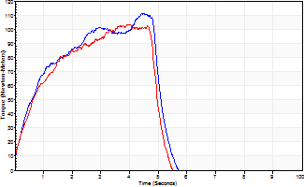
Isometric Extensors (Con) Angle 60 Time 10 Repetition 2 (Best Repetition)
 | Value | Cof Var | %BW
Peak Torque (Newton-Meters)
Right | 111 | 0.05 | 158
Left | 103 | 0.02 | 146
Deficit | 7
Average Torque (Newton-Meters)
Right | 43 | 0.01 | 63
Left | 41 | 0.02 | 57
Deficit | 6
Peak Torque Slope (Newton-Meters/Seconds)
Right | 27 | 0.05 | 38
Left | 26 | 0.01 | 37 |  | Right Side Curves Left Side Curves
Deficit | 1
Time to Half Peak Torque (Seconds)
Right | 0.7 | 0.05
Left | 0.59 | 0.17
Time to Peak Torque (Seconds)
Right | 4.19 | 0.1
Left | 3.9 | 0.01
HUMAC2015® Version: 15.000.0074 © Computer Sports Medicine, Inc. www.csmisolutions.com

