pre1
Use File, Preference to set Report Heading
Long Form Torque vs. Position Report - Knee Extension/Flexion
Name: |  |  |  | TR030_FP3085, | ID: | TR030 | Right/Left: | 16.09.2022 16.09.2022
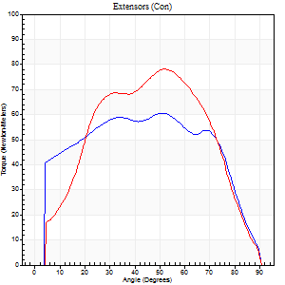
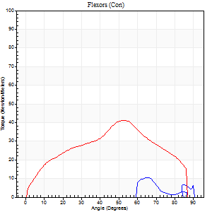
Right Side Curves Left Side Curves
Isokinetic Con/Con |  |  |  | Extensors (Con) |  | Flexors (Con)
Speed 60/60 d/s 3 Reps |  |  |  | Value | Cof Var | %BW | Value | Cof Var | %BW | Ratio

TORQUE PARAMETERS
Peak Torque (Newton-Meters - Best Repetition)
Right |  |  |  | 61 | 0.65 | 30 | 11 | 0.38 | 6 | 18
Left |  |  |  | 79 | 0.12 | 36 | 41 | 0.23 | 18 | 52
Deficit |  |  |  | 22 |  |  | 73
Work per Repetition (Newton-Meters - Best Repetition)
Right |  |  |  | 73 | 0.8 | 36 | 5 | 0.33 | 3 | 7
Left |  |  |  | 84 | 0.12 | 39 | 43 | 0.2 | 21 | 52
Deficit |  |  |  | 13 |  |  | 88
Average Power per Repetition (Watts - Best Repetition)
Right |  |  |  | 44 | 0.75 | 20 | 4 | 0.14 | 2 | 9
Left |  |  |  | 54 | 0.12 | 26 | 28 | 0.34 | 13 | 52
Deficit |  |  |  | 19 |  |  | 86
POSITION PARAMETERS
Joint Angle at Peak Torque (Degrees)
Right |  |  |  | 55 | 0.22 |  | 40 | 0.59
Left |  |  |  | 51 | 0.01 |  | 62 | 0.14
Range of Motion (Degrees)
Right |  |  |  | 30 | 1.42 |  | 90 | 0
Left |  |  |  | 0 | 2.83 |  | 90 | 0
TIME PARAMETERS
Time to Peak Torque (Seconds)
Right |  |  |  | 0.79 | 0.05 |  | 0.48 | 0.69
Left |  |  |  | 0.67 | 0 |  | 1.22 | 0.33
Time Peak Torque Held (Seconds)
Right |  |  |  | 0.02 | 1.08 |  | 0.13 | 1.67
Left |  |  |  | 0.01 | 0.87 |  | 0.05 | 0.94
Force Decay Time (Seconds)
Right |  |  |  | 0.6 | 0.63 |  | 0.91 | 0.5
Left |  |  |  | 0.89 | 0.02 |  | 0.4 | 0.37
Reciprocal Delay (Seconds)
Right |  |  |  | 0.55 | 0.32 |  | 0.48 | 0.72
Left |  |  |  | 0.15 | 0.34 |  | 0.23 | 0.2
Delay Time (Seconds)
Right |  |  |  | -0.2 | -1.14 |  | -0.06 | -0.37
Left |  |  |  | 0 | 4.24 |  | 0 | 1.73
HUMAC2015® Version: 15.000.0074 © Computer Sports Medicine, Inc. www.csmisolutions.com

Use File, Preference to set Report Heading
Long Form Torque vs. Position Report - Knee Extension/Flexion
Name: |  |  |  | TR030_FP3085, | ID: | TR030 | Right/Left: | 16.09.2022 16.09.2022
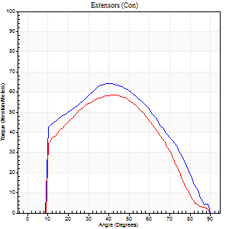
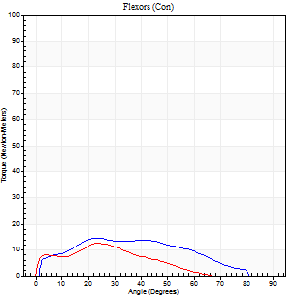
Right Side Curves Left Side Curves
Isokinetic Con/Con |  |  |  | Extensors (Con) |  | Flexors (Con)
Speed 120/120 d/s 3 Reps |  |  |  | Value | Cof Var | %BW | Value | Cof Var | %BW | Ratio

TORQUE PARAMETERS
Peak Torque (Newton-Meters - Best Repetition)
Right |  |  |  | 64 | 0.18 | 30 | 15 | 0.23 | 6 | 23
Left |  |  |  | 58 | 0.08 | 27 | 12 | 0.6 | 6 | 21
Deficit |  |  |  | 9 |  |  | 18
Work per Repetition (Newton-Meters - Best Repetition)
Right |  |  |  | 68 | 0.19 | 33 | 14 | 0.45 | 6 | 20
Left |  |  |  | 57 | 0.07 | 27 | 8 | 0.52 | 3 | 14
Deficit |  |  |  | 16 |  |  | 40
Average Power per Repetition (Watts - Best Repetition)
Right |  |  |  | 80 | 0.21 | 37 | 17 | 0.49 | 9 | 21
Left |  |  |  | 62 | 0.09 | 29 | 9 | 0.59 | 4 | 15
Deficit |  |  |  | 23 |  |  | 47
POSITION PARAMETERS
Joint Angle at Peak Torque (Degrees)
Right |  |  |  | 37 | 0.07 |  | 22 | 0.22
Left |  |  |  | 39 | 0.07 |  | 16 | 0.68
Range of Motion (Degrees)
Right |  |  |  | 0 | 1.13 |  | 90 | 0.01
Left |  |  |  | 0 | 0.28 |  | 90 | 0.01
TIME PARAMETERS
Time to Peak Torque (Seconds)
Right |  |  |  | 0.52 | 0.03 |  | 0.25 | 0.3
Left |  |  |  | 0.57 | 0.01 |  | 0.31 | 0.54
Time Peak Torque Held (Seconds)
Right |  |  |  | 0.04 | 0.25 |  | 0.02 | 0.65
Left |  |  |  | 0.03 | 0.88 |  | 0.09 | 1.73
Force Decay Time (Seconds)
Right |  |  |  | 0.31 | 0.17 |  | 0.57 | 0.15
Left |  |  |  | 0.37 | 0.07 |  | 0.6 | 0.36
Reciprocal Delay (Seconds)
Right |  |  |  | 0.08 | 0.18 |  | 0.12 | 0.43
Left |  |  |  | 0.09 | 0.07 |  | 0.24 | 0.21
Delay Time (Seconds)
Right |  |  |  | -0.03 | 0 |  | 0.02 | 0.99
Left |  |  |  | -0.04 | 0 |  | -0.03 | -0.17
HUMAC2015® Version: 15.000.0074 © Computer Sports Medicine, Inc. www.csmisolutions.com

Use File, Preference to set Report Heading
Long Form Torque vs. Position Report - Knee Extension/Flexion
Name: |  |  |  | TR030_FP3085, | ID: | TR030 | Right/Left: | 16.09.2022 16.09.2022
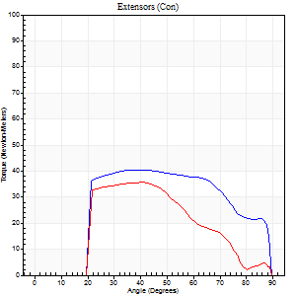
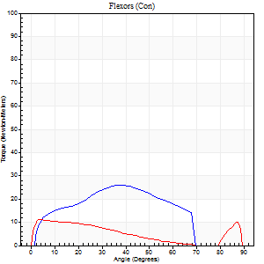
Right Side Curves Left Side Curves
Isokinetic Con/Con |  |  |  | Extensors (Con) |  | Flexors (Con)
Speed 240/240 d/s 3 Reps |  |  |  | Value | Cof Var | %BW | Value | Cof Var | %BW | Ratio

TORQUE PARAMETERS
Peak Torque (Newton-Meters - Best Repetition)
Right |  |  |  | 41 | 0.02 | 18 | 26 | 0.32 | 12 | 63
Left |  |  |  | 35 | 0.13 | 18 | 11 | 0.42 | 6 | 31
Deficit |  |  |  | 13 |  |  | 58
Work per Repetition (Newton-Meters - Best Repetition)
Right |  |  |  | 42 | 0.06 | 21 | 23 | 0.31 | 12 | 55
Left |  |  |  | 34 | 0.24 | 15 | 8 | 0.67 | 3 | 24
Deficit |  |  |  | 19 |  |  | 65
Average Power per Repetition (Watts - Best Repetition)
Right |  |  |  | 78 | 0.11 | 37 | 43 | 0.3 | 20 | 55
Left |  |  |  | 54 | 0.3 | 26 | 14 | 0.92 | 7 | 26
Deficit |  |  |  | 31 |  |  | 67
POSITION PARAMETERS
Joint Angle at Peak Torque (Degrees)
Right |  |  |  | 40 | 0.1 |  | 27 | 0.69
Left |  |  |  | 36 | 0.15 |  | 6 | 0.93
Range of Motion (Degrees)
Right |  |  |  | 1 | 0.39 |  | 89 | 0.01
Left |  |  |  | 0 | 0.94 |  | 89 | 0.01
TIME PARAMETERS
Time to Peak Torque (Seconds)
Right |  |  |  | 0.29 | 0 |  | 0.21 | 0.45
Left |  |  |  | 0.45 | 0.09 |  | 0.19 | 0.84
Time Peak Torque Held (Seconds)
Right |  |  |  | 0.02 | 0.69 |  | 0 | 1.73
Left |  |  |  | 0.01 | 1.73 |  | 0.03 | 1.25
Force Decay Time (Seconds)
Right |  |  |  | 0.21 | 0.07 |  | 0.31 | 0.26
Left |  |  |  | 0.24 | 0.15 |  | 0.58 | 0.16
Reciprocal Delay (Seconds)
Right |  |  |  | 0.05 | 0.13 |  | 0.07 | 0.38
Left |  |  |  | 0.09 | 0.08 |  | 0.16 | 0.37
Delay Time (Seconds)
Right |  |  |  | -0.02 | -0.28 |  | -0.02 | -0.92
Left |  |  |  | 0.16 | 1.87 |  | -0.04 | -0.43
HUMAC2015® Version: 15.000.0074 © Computer Sports Medicine, Inc. www.csmisolutions.com

Use File, Preference to set Report Heading
Isometric - Knee Extension/Flexion
Name: |  |  |  | TR030_FP3085, | ID: | TR030 | Right/Left: | 16.09.2022 16.09.2022

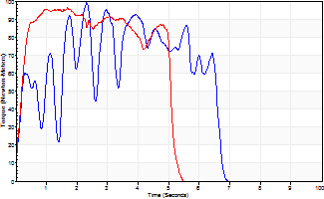
Isometric Extensors (Con) Angle 60 Time 10 Repetition 2 (Best Repetition)
 | Value | Cof Var | %BW
Peak Torque (Newton-Meters)
Right | 99 | 0.01 | 48
Left | 96 | 0.11 | 45
Deficit | 3
Average Torque (Newton-Meters)
Right | 46 | 0.15 | 21
Left | 43 | 0.1 | 21
Deficit | 6
Peak Torque Slope (Newton-Meters/Seconds)
Right | 43 | 0.28 | 20
Left | 57 | 0.74 | 27 |  | Right Side Curves Left Side Curves
Deficit | 25
Time to Half Peak Torque (Seconds)
Right | 0.2 | 0.03
Left | 0.69 | 1.05
Time to Peak Torque (Seconds)
Right | 2.85 | 0.27
Left | 3.12 | 0.65
HUMAC2015® Version: 15.000.0074 © Computer Sports Medicine, Inc. www.csmisolutions.com

pre2
Use File, Preference to set Report Heading
Long Form Torque vs. Position Report - Knee Extension/Flexion
Name: |  |  |  | TR030_FP3085, | ID: | TR030 | Right/Left: | 21.09.2022 21.09.2022
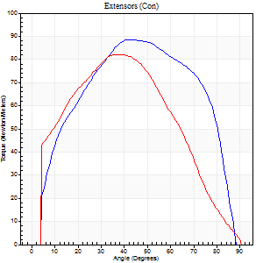
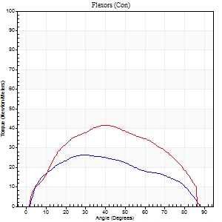
Right Side Curves Left Side Curves
Isokinetic Con/Con |  |  |  | Extensors (Con) |  | Flexors (Con)
Speed 60/60 d/s 3 Reps |  |  |  | Value | Cof Var | %BW | Value | Cof Var | %BW | Ratio

TORQUE PARAMETERS
Peak Torque (Newton-Meters - Best Repetition)
Right |  |  |  | 88 | 0.18 | 42 | 26 | 0.37 | 12 | 29
Left |  |  |  | 81 | 0.05 | 39 | 42 | 0.36 | 21 | 52
Deficit |  |  |  | 8 |  |  | 39
Work per Repetition (Newton-Meters - Best Repetition)
Right |  |  |  | 99 | 0.28 | 48 | 28 | 0.36 | 12 | 29
Left |  |  |  | 92 | 0.06 | 45 | 43 | 0.35 | 21 | 47
Deficit |  |  |  | 7 |  |  | 34
Average Power per Repetition (Watts - Best Repetition)
Right |  |  |  | 65 | 0.36 | 31 | 19 | 0.34 | 9 | 29
Left |  |  |  | 59 | 0.11 | 29 | 29 | 0.35 | 13 | 49
Deficit |  |  |  | 9 |  |  | 34
POSITION PARAMETERS
Joint Angle at Peak Torque (Degrees)
Right |  |  |  | 38 | 0.16 |  | 39 | 0.57
Left |  |  |  | 42 | 0.11 |  | 35 | 0.18
Range of Motion (Degrees)
Right |  |  |  | 1 | 0.18 |  | 88 | 0.02
Left |  |  |  | 0 | 0.85 |  | 89 | 0.01
TIME PARAMETERS
Time to Peak Torque (Seconds)
Right |  |  |  | 0.82 | 0.03 |  | 0.62 | 0.59
Left |  |  |  | 0.77 | 0.01 |  | 0.58 | 0.16
Time Peak Torque Held (Seconds)
Right |  |  |  | 0.05 | 0.54 |  | 0.02 | 1.73
Left |  |  |  | 0.1 | 0.57 |  | 0.06 | 1.06
Force Decay Time (Seconds)
Right |  |  |  | 0.6 | 0.17 |  | 0.82 | 0.45
Left |  |  |  | 0.62 | 0.09 |  | 0.85 | 0.06
Reciprocal Delay (Seconds)
Right |  |  |  | 0.07 | 0 |  | 0.11 | 0.6
Left |  |  |  | 0.07 | 0.2 |  | 0.17 | 0.36
Delay Time (Seconds)
Right |  |  |  | -0.04 | -0.2 |  | 0.05 | 0.53
Left |  |  |  | -0.01 | -2.83 |  | 0.02 | 0.25
HUMAC2015® Version: 15.000.0074 © Computer Sports Medicine, Inc. www.csmisolutions.com

Use File, Preference to set Report Heading
Long Form Torque vs. Position Report - Knee Extension/Flexion
Name: |  |  |  | TR030_FP3085, | ID: | TR030 | Right/Left: | 21.09.2022 21.09.2022
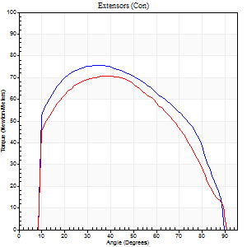
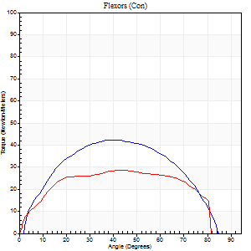
Right Side Curves Left Side Curves
Isokinetic Con/Con |  |  |  | Extensors (Con) |  | Flexors (Con)
Speed 120/120 d/s 3 Reps |  |  |  | Value | Cof Var | %BW | Value | Cof Var | %BW | Ratio

TORQUE PARAMETERS
Peak Torque (Newton-Meters - Best Repetition)
Right |  |  |  | 76 | 0.1 | 36 | 42 | 0.09 | 21 | 55
Left |  |  |  | 71 | 0.08 | 33 | 28 | 0.13 | 12 | 40
Deficit |  |  |  | 7 |  |  | 32
Work per Repetition (Newton-Meters - Best Repetition)
Right |  |  |  | 88 | 0.19 | 42 | 45 | 0.19 | 21 | 51
Left |  |  |  | 76 | 0.09 | 36 | 33 | 0.15 | 15 | 43
Deficit |  |  |  | 14 |  |  | 27
Average Power per Repetition (Watts - Best Repetition)
Right |  |  |  | 108 | 0.28 | 51 | 57 | 0.17 | 26 | 53
Left |  |  |  | 87 | 0.07 | 42 | 38 | 0.12 | 18 | 44
Deficit |  |  |  | 19 |  |  | 33
POSITION PARAMETERS
Joint Angle at Peak Torque (Degrees)
Right |  |  |  | 37 | 0.08 |  | 38 | 0.18
Left |  |  |  | 37 | 0.04 |  | 28 | 0.44
Range of Motion (Degrees)
Right |  |  |  | 1 | 0.35 |  | 89 | 0.01
Left |  |  |  | 1 | 0 |  | 90 | 0.01
TIME PARAMETERS
Time to Peak Torque (Seconds)
Right |  |  |  | 0.5 | 0.1 |  | 0.33 | 0.19
Left |  |  |  | 0.49 | 0.01 |  | 0.29 | 0.38
Time Peak Torque Held (Seconds)
Right |  |  |  | 0.03 | 0.33 |  | 0.03 | 0.88
Left |  |  |  | 0.05 | 0.2 |  | 0.1 | 1.08
Force Decay Time (Seconds)
Right |  |  |  | 0.3 | 0.07 |  | 0.41 | 0.19
Left |  |  |  | 0.3 | 0.05 |  | 0.43 | 0.21
Reciprocal Delay (Seconds)
Right |  |  |  | 0.05 | 0.39 |  | 0.07 | 0.08
Left |  |  |  | 0.08 | 0.09 |  | 0.12 | 0.3
Delay Time (Seconds)
Right |  |  |  | -0.03 | -0.47 |  | 0.02 | 0.35
Left |  |  |  | -0.01 | 0 |  | 0 | -3.46
HUMAC2015® Version: 15.000.0074 © Computer Sports Medicine, Inc. www.csmisolutions.com

Use File, Preference to set Report Heading
Long Form Torque vs. Position Report - Knee Extension/Flexion
Name: |  |  |  | TR030_FP3085, | ID: | TR030 | Right/Left: | 21.09.2022 21.09.2022
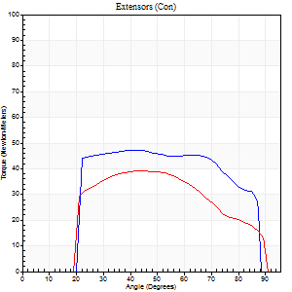
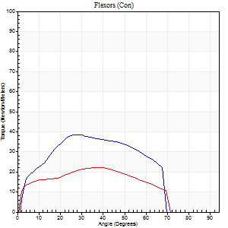
Right Side Curves Left Side Curves
Isokinetic Con/Con |  |  |  | Extensors (Con) |  | Flexors (Con)
Speed 240/240 d/s 3 Reps |  |  |  | Value | Cof Var | %BW | Value | Cof Var | %BW | Ratio

TORQUE PARAMETERS
Peak Torque (Newton-Meters - Best Repetition)
Right |  |  |  | 47 | 0.01 | 21 | 38 | 0.17 | 18 | 80
Left |  |  |  | 39 | 0.04 | 18 | 22 | 0.31 | 9 | 55
Deficit |  |  |  | 17 |  |  | 43
Work per Repetition (Newton-Meters - Best Repetition)
Right |  |  |  | 50 | 0.04 | 24 | 35 | 0.21 | 18 | 70
Left |  |  |  | 38 | 0.04 | 18 | 22 | 0.42 | 9 | 57
Deficit |  |  |  | 24 |  |  | 38
Average Power per Repetition (Watts - Best Repetition)
Right |  |  |  | 104 | 0.12 | 48 | 76 | 0.19 | 35 | 73
Left |  |  |  | 66 | 0.01 | 31 | 39 | 0.43 | 18 | 59
Deficit |  |  |  | 37 |  |  | 49
POSITION PARAMETERS
Joint Angle at Peak Torque (Degrees)
Right |  |  |  | 39 | 0.11 |  | 30 | 0.1
Left |  |  |  | 41 | 0.14 |  | 28 | 0.67
Range of Motion (Degrees)
Right |  |  |  | 2 | 0.03 |  | 89 | 0.01
Left |  |  |  | 1 | 0.04 |  | 89 | 0.01
TIME PARAMETERS
Time to Peak Torque (Seconds)
Right |  |  |  | 0.26 | 0.08 |  | 0.18 | 0.08
Left |  |  |  | 0.32 | 0.04 |  | 0.23 | 0.46
Time Peak Torque Held (Seconds)
Right |  |  |  | 0.02 | 0.92 |  | 0.01 | 1.15
Left |  |  |  | 0.01 | 1 |  | 0.01 | 1.15
Force Decay Time (Seconds)
Right |  |  |  | 0.19 | 0.17 |  | 0.26 | 0.1
Left |  |  |  | 0.22 | 0.12 |  | 0.31 | 0.37
Reciprocal Delay (Seconds)
Right |  |  |  | 0.04 | 0.35 |  | 0.05 | 0
Left |  |  |  | 0.06 | 0.11 |  | 0.07 | 0
Delay Time (Seconds)
Right |  |  |  | -0.02 | -0.28 |  | 0 | -1.73
Left |  |  |  | -0.02 | 0 |  | -0.03 | -0.22
HUMAC2015® Version: 15.000.0074 © Computer Sports Medicine, Inc. www.csmisolutions.com

Use File, Preference to set Report Heading
Isometric - Knee Extension/Flexion
Name: |  |  |  | TR030_FP3085, | ID: | TR030 | Right/Left: | 21.09.2022 21.09.2022

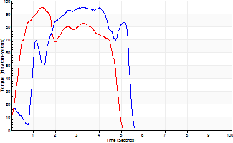
Isometric Extensors (Con) Angle 60 Time 10 Repetition 2 (Best Repetition)
 | Value | Cof Var | %BW
Peak Torque (Newton-Meters)
Right | 95 | 0.04 | 45
Left | 95 | 0.05 | 45
Deficit | 0
Average Torque (Newton-Meters)
Right | 38 | 0.02 | 18
Left | 38 | 0.05 | 18
Deficit | 0
Peak Torque Slope (Newton-Meters/Seconds)
Right | 34 | 0.13 | 16
Left | 89 | 0.2 | 42 |  | Right Side Curves Left Side Curves
Deficit | 61
Time to Half Peak Torque (Seconds)
Right | 0.81 | 0.29
Left | 0.31 | 0.07
Time to Peak Torque (Seconds)
Right | 2.95 | 0.17
Left | 1.2 | 0.25
HUMAC2015® Version: 15.000.0074 © Computer Sports Medicine, Inc. www.csmisolutions.com

mid1
Use File, Preference to set Report Heading
Long Form Torque vs. Position Report - Knee Extension/Flexion
Name: |  |  |  | TR030_FP3085, | ID: | TR030 | Right/Left: | 25.10.2022 25.10.2022
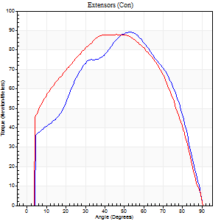
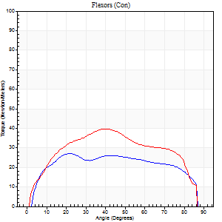
Right Side Curves Left Side Curves
Isokinetic Con/Con |  |  |  | Extensors (Con) |  | Flexors (Con)
Speed 60/60 d/s 3 Reps |  |  |  | Value | Cof Var | %BW | Value | Cof Var | %BW | Ratio

TORQUE PARAMETERS
Peak Torque (Newton-Meters - Best Repetition)
Right |  |  |  | 89 | 0.05 | 42 | 27 | 0.15 | 12 | 30
Left |  |  |  | 88 | 0.09 | 42 | 39 | 0.28 | 18 | 45
Deficit |  |  |  | 2 |  |  | 31
Work per Repetition (Newton-Meters - Best Repetition)
Right |  |  |  | 100 | 0.03 | 48 | 33 | 0.19 | 15 | 32
Left |  |  |  | 100 | 0.07 | 48 | 45 | 0.28 | 21 | 45
Deficit |  |  |  | 0 |  |  | 27
Average Power per Repetition (Watts - Best Repetition)
Right |  |  |  | 63 | 0.04 | 29 | 22 | 0.18 | 11 | 35
Left |  |  |  | 62 | 0.04 | 29 | 30 | 0.27 | 13 | 48
Deficit |  |  |  | 2 |  |  | 27
POSITION PARAMETERS
Joint Angle at Peak Torque (Degrees)
Right |  |  |  | 46 | 0.13 |  | 43 | 0.53
Left |  |  |  | 43 | 0.06 |  | 37 | 0.25
Range of Motion (Degrees)
Right |  |  |  | 0 | 0 |  | 90 | 0
Left |  |  |  | 0 | 1.41 |  | 90 | 0
TIME PARAMETERS
Time to Peak Torque (Seconds)
Right |  |  |  | 0.81 | 0.04 |  | 0.7 | 0.57
Left |  |  |  | 0.79 | 0.04 |  | 0.62 | 0.23
Time Peak Torque Held (Seconds)
Right |  |  |  | 0.05 | 0.53 |  | 0.01 | 1.73
Left |  |  |  | 0.08 | 0.57 |  | 0.05 | 0.29
Force Decay Time (Seconds)
Right |  |  |  | 0.76 | 0.17 |  | 0.76 | 0.47
Left |  |  |  | 0.67 | 0.02 |  | 0.82 | 0.18
Reciprocal Delay (Seconds)
Right |  |  |  | 0.09 | 0.25 |  | 0.21 | 0.27
Left |  |  |  | 0.09 | 0 |  | 0.19 | 0.03
Delay Time (Seconds)
Right |  |  |  | -0.01 | -1.41 |  | 0.06 | 0.1
Left |  |  |  | 0.02 | 0.28 |  | 0.02 | 0.5
HUMAC2015® Version: 15.000.0074 © Computer Sports Medicine, Inc. www.csmisolutions.com

Use File, Preference to set Report Heading
Long Form Torque vs. Position Report - Knee Extension/Flexion
Name: |  |  |  | TR030_FP3085, | ID: | TR030 | Right/Left: | 25.10.2022 25.10.2022
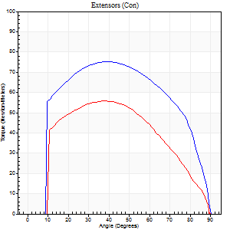
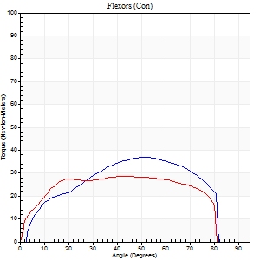
Right Side Curves Left Side Curves
Isokinetic Con/Con |  |  |  | Extensors (Con) |  | Flexors (Con)
Speed 120/120 d/s 3 Reps |  |  |  | Value | Cof Var | %BW | Value | Cof Var | %BW | Ratio

TORQUE PARAMETERS
Peak Torque (Newton-Meters - Best Repetition)
Right |  |  |  | 76 | 0.04 | 36 | 37 | 0.13 | 18 | 48
Left |  |  |  | 56 | 0.02 | 27 | 28 | 0.03 | 12 | 51
Deficit |  |  |  | 27 |  |  | 22
Work per Repetition (Newton-Meters - Best Repetition)
Right |  |  |  | 85 | 0.07 | 39 | 38 | 0.07 | 18 | 44
Left |  |  |  | 58 | 0.01 | 27 | 34 | 0.08 | 15 | 58
Deficit |  |  |  | 32 |  |  | 11
Average Power per Repetition (Watts - Best Repetition)
Right |  |  |  | 105 | 0.12 | 48 | 49 | 0.07 | 22 | 47
Left |  |  |  | 69 | 0.12 | 33 | 40 | 0.09 | 20 | 58
Deficit |  |  |  | 34 |  |  | 18
POSITION PARAMETERS
Joint Angle at Peak Torque (Degrees)
Right |  |  |  | 39 | 0.01 |  | 41 | 0.54
Left |  |  |  | 41 | 0.09 |  | 51 | 0.23
Range of Motion (Degrees)
Right |  |  |  | 1 | 0.07 |  | 89 | 0
Left |  |  |  | 0 | 0.61 |  | 90 | 0
TIME PARAMETERS
Time to Peak Torque (Seconds)
Right |  |  |  | 0.45 | 0.02 |  | 0.36 | 0.54
Left |  |  |  | 0.46 | 0.06 |  | 0.5 | 0.21
Time Peak Torque Held (Seconds)
Right |  |  |  | 0.05 | 0.11 |  | 0.12 | 1.24
Left |  |  |  | 0.02 | 1 |  | 0.04 | 1.1
Force Decay Time (Seconds)
Right |  |  |  | 0.3 | 0.02 |  | 0.29 | 0.03
Left |  |  |  | 0.38 | 0.09 |  | 0.32 | 0.24
Reciprocal Delay (Seconds)
Right |  |  |  | 0.06 | 0.24 |  | 0.07 | 0.14
Left |  |  |  | 0.15 | 0.38 |  | 0.17 | 0.21
Delay Time (Seconds)
Right |  |  |  | -0.01 | 0 |  | 0.02 | 0.5
Left |  |  |  | -0.02 | -0.71 |  | -0.02 | -0.35
HUMAC2015® Version: 15.000.0074 © Computer Sports Medicine, Inc. www.csmisolutions.com

Use File, Preference to set Report Heading
Long Form Torque vs. Position Report - Knee Extension/Flexion
Name: |  |  |  | TR030_FP3085, | ID: | TR030 | Right/Left: | 25.10.2022 25.10.2022
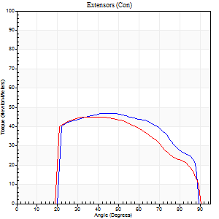
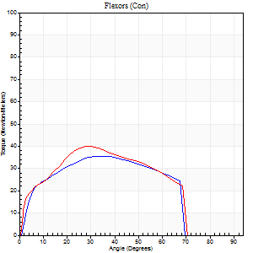
Right Side Curves Left Side Curves
Isokinetic Con/Con |  |  |  | Extensors (Con) |  | Flexors (Con)
Speed 240/240 d/s 3 Reps |  |  |  | Value | Cof Var | %BW | Value | Cof Var | %BW | Ratio

TORQUE PARAMETERS
Peak Torque (Newton-Meters - Best Repetition)
Right |  |  |  | 47 | 0 | 21 | 35 | 0.14 | 18 | 74
Left |  |  |  | 45 | 0.11 | 21 | 39 | 0.28 | 18 | 88
Deficit |  |  |  | 6 |  |  | 10
Work per Repetition (Newton-Meters - Best Repetition)
Right |  |  |  | 49 | 0 | 24 | 35 | 0.16 | 18 | 72
Left |  |  |  | 45 | 0.1 | 21 | 38 | 0.29 | 18 | 85
Deficit |  |  |  | 8 |  |  | 7
Average Power per Repetition (Watts - Best Repetition)
Right |  |  |  | 97 | 0.05 | 46 | 69 | 0.17 | 33 | 71
Left |  |  |  | 78 | 0.05 | 37 | 73 | 0.3 | 35 | 94
Deficit |  |  |  | 20 |  |  | 5
POSITION PARAMETERS
Joint Angle at Peak Torque (Degrees)
Right |  |  |  | 45 | 0.07 |  | 33 | 0.07
Left |  |  |  | 40 | 0.1 |  | 32 | 0.11
Range of Motion (Degrees)
Right |  |  |  | 2 | 0.17 |  | 89 | 0.01
Left |  |  |  | 1 | 0.05 |  | 89 | 0.01
TIME PARAMETERS
Time to Peak Torque (Seconds)
Right |  |  |  | 0.28 | 0.1 |  | 0.21 | 0.07
Left |  |  |  | 0.28 | 0.03 |  | 0.23 | 0.12
Time Peak Torque Held (Seconds)
Right |  |  |  | 0.01 | 1.73 |  | 0.02 | 0.92
Left |  |  |  | 0.03 | 0.43 |  | 0.01 | 0.87
Force Decay Time (Seconds)
Right |  |  |  | 0.22 | 0.09 |  | 0.27 | 0.08
Left |  |  |  | 0.2 | 0.08 |  | 0.27 | 0.09
Reciprocal Delay (Seconds)
Right |  |  |  | 0.06 | 0.24 |  | 0.05 | 0.2
Left |  |  |  | 0.05 | 0.16 |  | 0.08 | 0.15
Delay Time (Seconds)
Right |  |  |  | -0.03 | -0.47 |  | -0.01 | -0.43
Left |  |  |  | -0.02 | 0 |  | -0.03 | -0.22
HUMAC2015® Version: 15.000.0074 © Computer Sports Medicine, Inc. www.csmisolutions.com

Use File, Preference to set Report Heading
Isometric - Knee Extension/Flexion
Name: |  |  |  | TR030_FP3085, | ID: | TR030 | Right/Left: | 25.10.2022 25.10.2022

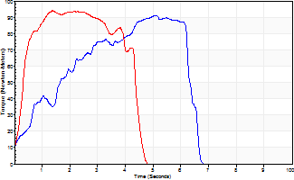
Isometric Extensors (Con) Angle 60 Time 10 Repetition 2 (Best Repetition)
 | Value | Cof Var | %BW
Peak Torque (Newton-Meters)
Right | 91 | 0.13 | 42
Left | 94 | 0.07 | 45
Deficit | 3
Average Torque (Newton-Meters)
Right | 42 | 0.16 | 21
Left | 37 | 0.04 | 18
Deficit | 13
Peak Torque Slope (Newton-Meters/Seconds)
Right | 18 | 0.03 | 8
Left | 68 | 0.23 | 32 |  | Right Side Curves Left Side Curves
Deficit | 74
Time to Half Peak Torque (Seconds)
Right | 1.26 | 0.32
Left | 0.33 | 0.09
Time to Peak Torque (Seconds)
Right | 4.7 | 0.11
Left | 1.56 | 0.17
HUMAC2015® Version: 15.000.0074 © Computer Sports Medicine, Inc. www.csmisolutions.com

mid2
Use File, Preference to set Report Heading
Long Form Torque vs. Position Report - Knee Extension/Flexion
Name: |  |  |  | TR030_FP3085, | ID: | TR030 | Right/Left: | 27.10.2022 27.10.2022
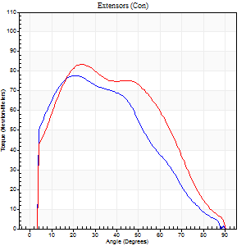
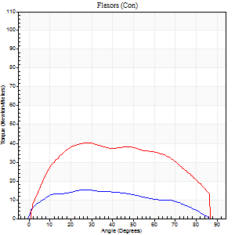
Right Side Curves Left Side Curves
Isokinetic Con/Con |  |  |  | Extensors (Con) |  | Flexors (Con)
Speed 60/60 d/s 3 Reps |  |  |  | Value | Cof Var | %BW | Value | Cof Var | %BW | Ratio

TORQUE PARAMETERS
Peak Torque (Newton-Meters - Best Repetition)
Right |  |  |  | 77 | 0.15 | 36 | 15 | 0.1 | 6 | 19
Left |  |  |  | 84 | 0.02 | 39 | 41 | 0.4 | 18 | 48
Deficit |  |  |  | 8 |  |  | 63
Work per Repetition (Newton-Meters - Best Repetition)
Right |  |  |  | 72 | 0.19 | 33 | 16 | 0.15 | 9 | 23
Left |  |  |  | 92 | 0.05 | 45 | 47 | 0.41 | 21 | 51
Deficit |  |  |  | 22 |  |  | 66
Average Power per Repetition (Watts - Best Repetition)
Right |  |  |  | 42 | 0.4 | 20 | 11 | 0.53 | 4 | 26
Left |  |  |  | 60 | 0.09 | 29 | 31 | 0.4 | 15 | 52
Deficit |  |  |  | 30 |  |  | 65
POSITION PARAMETERS
Joint Angle at Peak Torque (Degrees)
Right |  |  |  | 28 | 0.27 |  | 24 | 0.43
Left |  |  |  | 30 | 0.24 |  | 27 | 0.48
Range of Motion (Degrees)
Right |  |  |  | 0 | -0.28 |  | 89 | 0.02
Left |  |  |  | 0 | -4.24 |  | 89 | 0.01
TIME PARAMETERS
Time to Peak Torque (Seconds)
Right |  |  |  | 1.31 | 0.02 |  | 1.28 | 0.98
Left |  |  |  | 0.94 | 0.11 |  | 0.46 | 0.49
Time Peak Torque Held (Seconds)
Right |  |  |  | 0.02 | 0.65 |  | 0.01 | 1.73
Left |  |  |  | 0.06 | 0.54 |  | 0.04 | 0.57
Force Decay Time (Seconds)
Right |  |  |  | 0.48 | 0.28 |  | 1.12 | 0.16
Left |  |  |  | 0.49 | 0.21 |  | 1 | 0.2
Reciprocal Delay (Seconds)
Right |  |  |  | 0.4 | 0.05 |  | 2.72 | 0.46
Left |  |  |  | 0.09 | 0.07 |  | 0.21 | 0.11
Delay Time (Seconds)
Right |  |  |  | -0.04 | -5.66 |  | -0.83 | -1.72
Left |  |  |  | 0.01 | 0 |  | 0.02 | 0.25
HUMAC2015® Version: 15.000.0074 © Computer Sports Medicine, Inc. www.csmisolutions.com

Use File, Preference to set Report Heading
Long Form Torque vs. Position Report - Knee Extension/Flexion
Name: |  |  |  | TR030_FP3085, | ID: | TR030 | Right/Left: | 27.10.2022 27.10.2022
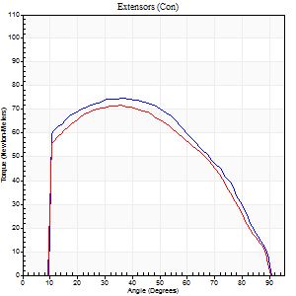
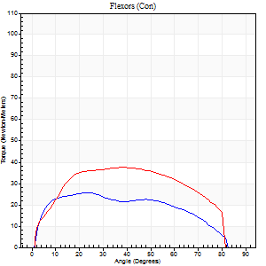
Right Side Curves Left Side Curves
Isokinetic Con/Con |  |  |  | Extensors (Con) |  | Flexors (Con)
Speed 120/120 d/s 3 Reps |  |  |  | Value | Cof Var | %BW | Value | Cof Var | %BW | Ratio

TORQUE PARAMETERS
Peak Torque (Newton-Meters - Best Repetition)
Right |  |  |  | 75 | 0.05 | 36 | 26 | 0.17 | 12 | 35
Left |  |  |  | 72 | 0.08 | 33 | 38 | 0.07 | 18 | 53
Deficit |  |  |  | 4 |  |  | 32
Work per Repetition (Newton-Meters - Best Repetition)
Right |  |  |  | 84 | 0.02 | 39 | 27 | 0.19 | 12 | 32
Left |  |  |  | 76 | 0.06 | 36 | 42 | 0.19 | 21 | 55
Deficit |  |  |  | 10 |  |  | 35
Average Power per Repetition (Watts - Best Repetition)
Right |  |  |  | 97 | 0.05 | 46 | 34 | 0.23 | 15 | 35
Left |  |  |  | 90 | 0.06 | 42 | 51 | 0.17 | 24 | 57
Deficit |  |  |  | 7 |  |  | 33
POSITION PARAMETERS
Joint Angle at Peak Torque (Degrees)
Right |  |  |  | 38 | 0.07 |  | 21 | 0.08
Left |  |  |  | 34 | 0.08 |  | 27 | 0.36
Range of Motion (Degrees)
Right |  |  |  | 0 | 0.9 |  | 90 | 0
Left |  |  |  | 0 | 0.66 |  | 89 | 0
TIME PARAMETERS
Time to Peak Torque (Seconds)
Right |  |  |  | 0.49 | 0.07 |  | 0.22 | 0.07
Left |  |  |  | 0.51 | 0.06 |  | 0.27 | 0.28
Time Peak Torque Held (Seconds)
Right |  |  |  | 0.04 | 0.42 |  | 0.02 | 0.87
Left |  |  |  | 0.03 | 0.22 |  | 0.01 | 1.73
Force Decay Time (Seconds)
Right |  |  |  | 0.32 | 0.09 |  | 0.59 | 0.09
Left |  |  |  | 0.3 | 0.12 |  | 0.53 | 0.16
Reciprocal Delay (Seconds)
Right |  |  |  | 0.09 | 0.31 |  | 0.11 | 0.18
Left |  |  |  | 0.08 | 0 |  | 0.13 | 0.13
Delay Time (Seconds)
Right |  |  |  | -0.02 | -0.28 |  | 0.02 | 0.35
Left |  |  |  | 0 | 0 |  | 0 | -1.73
HUMAC2015® Version: 15.000.0074 © Computer Sports Medicine, Inc. www.csmisolutions.com

Use File, Preference to set Report Heading
Long Form Torque vs. Position Report - Knee Extension/Flexion
Name: |  |  |  | TR030_FP3085, | ID: | TR030 | Right/Left: | 27.10.2022 27.10.2022
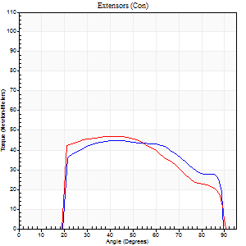
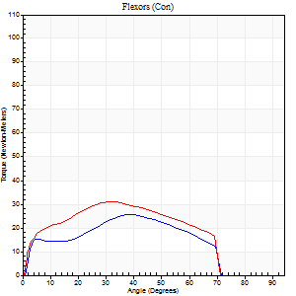
Right Side Curves Left Side Curves
Isokinetic Con/Con |  |  |  | Extensors (Con) |  | Flexors (Con)
Speed 240/240 d/s 3 Reps |  |  |  | Value | Cof Var | %BW | Value | Cof Var | %BW | Ratio

TORQUE PARAMETERS
Peak Torque (Newton-Meters - Best Repetition)
Right |  |  |  | 45 | 0.06 | 21 | 26 | 0.34 | 12 | 58
Left |  |  |  | 47 | 0.07 | 21 | 31 | 0.22 | 15 | 66
Deficit |  |  |  | 6 |  |  | 17
Work per Repetition (Newton-Meters - Best Repetition)
Right |  |  |  | 47 | 0.1 | 21 | 23 | 0.29 | 12 | 49
Left |  |  |  | 46 | 0.04 | 21 | 30 | 0.26 | 15 | 65
Deficit |  |  |  | 3 |  |  | 23
Average Power per Repetition (Watts - Best Repetition)
Right |  |  |  | 94 | 0.16 | 44 | 44 | 0.3 | 20 | 47
Left |  |  |  | 82 | 0.04 | 40 | 57 | 0.28 | 26 | 70
Deficit |  |  |  | 13 |  |  | 23
POSITION PARAMETERS
Joint Angle at Peak Torque (Degrees)
Right |  |  |  | 45 | 0.04 |  | 40 | 0.06
Left |  |  |  | 35 | 0.14 |  | 34 | 0.07
Range of Motion (Degrees)
Right |  |  |  | 2 | 0.11 |  | 89 | 0
Left |  |  |  | 1 | 0.77 |  | 89 | 0.01
TIME PARAMETERS
Time to Peak Torque (Seconds)
Right |  |  |  | 0.26 | 0.03 |  | 0.26 | 0.08
Left |  |  |  | 0.32 | 0.02 |  | 0.24 | 0.09
Time Peak Torque Held (Seconds)
Right |  |  |  | 0.02 | 0.92 |  | 0 | 1.73
Left |  |  |  | 0.01 | 0.87 |  | 0.01 | 0.43
Force Decay Time (Seconds)
Right |  |  |  | 0.21 | 0.07 |  | 0.25 | 0.05
Left |  |  |  | 0.21 | 0.07 |  | 0.27 | 0
Reciprocal Delay (Seconds)
Right |  |  |  | 0.05 | 0.16 |  | 0.06 | 0.1
Left |  |  |  | 0.06 | 0.11 |  | 0.08 | 0.33
Delay Time (Seconds)
Right |  |  |  | -0.02 | -0.28 |  | -0.01 | -0.87
Left |  |  |  | -0.02 | 0 |  | -0.02 | 0
HUMAC2015® Version: 15.000.0074 © Computer Sports Medicine, Inc. www.csmisolutions.com

Use File, Preference to set Report Heading
Isometric - Knee Extension/Flexion
Name: |  |  |  | TR030_FP3085, | ID: | TR030 | Right/Left: | 27.10.2022 27.10.2022

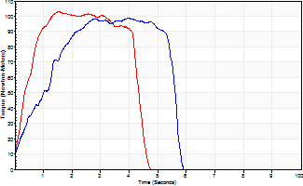
Isometric Extensors (Con) Angle 60 Time 10 Repetition 2 (Best Repetition)
 | Value | Cof Var | %BW
Peak Torque (Newton-Meters)
Right | 99 | 0.04 | 48
Left | 103 | 0.04 | 48
Deficit | 4
Average Torque (Newton-Meters)
Right | 45 | 0 | 21
Left | 39 | 0.01 | 18
Deficit | 12
Peak Torque Slope (Newton-Meters/Seconds)
Right | 25 | 0.39 | 12
Left | 67 | 0.3 | 32 |  | Right Side Curves Left Side Curves
Deficit | 63
Time to Half Peak Torque (Seconds)
Right | 1.51 | 0.49
Left | 0.34 | 0.08
Time to Peak Torque (Seconds)
Right | 5.28 | 0.35
Left | 1.87 | 0.26
HUMAC2015® Version: 15.000.0074 © Computer Sports Medicine, Inc. www.csmisolutions.com

post1
Use File, Preference to set Report Heading
Long Form Torque vs. Position Report - Knee Extension/Flexion
Name: |  |  |  | TR030_FP3085, | ID: | TR030 | Right/Left: | 21.11.2022 21.11.2022
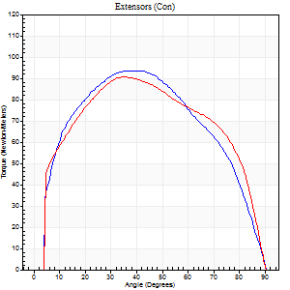
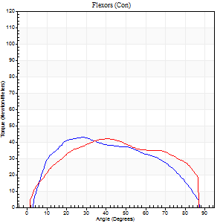
Right Side Curves Left Side Curves
Isokinetic Con/Con |  |  |  | Extensors (Con) |  | Flexors (Con)
Speed 60/60 d/s 3 Reps |  |  |  | Value | Cof Var | %BW | Value | Cof Var | %BW | Ratio

TORQUE PARAMETERS
Peak Torque (Newton-Meters - Best Repetition)
Right |  |  |  | 94 | 0.04 | 45 | 43 | 0.14 | 21 | 46
Left |  |  |  | 91 | 0.08 | 42 | 42 | 0.24 | 21 | 46
Deficit |  |  |  | 3 |  |  | 3
Work per Repetition (Newton-Meters - Best Repetition)
Right |  |  |  | 104 | 0.02 | 48 | 46 | 0.1 | 21 | 44
Left |  |  |  | 106 | 0.07 | 51 | 47 | 0.2 | 21 | 45
Deficit |  |  |  | 1 |  |  | 3
Average Power per Repetition (Watts - Best Repetition)
Right |  |  |  | 67 | 0.04 | 31 | 31 | 0.1 | 15 | 46
Left |  |  |  | 67 | 0.06 | 31 | 32 | 0.22 | 15 | 48
Deficit |  |  |  | 0 |  |  | 3
POSITION PARAMETERS
Joint Angle at Peak Torque (Degrees)
Right |  |  |  | 36 | 0.1 |  | 39 | 0.36
Left |  |  |  | 38 | 0.07 |  | 33 | 0.24
Range of Motion (Degrees)
Right |  |  |  | 0 | 1.41 |  | 90 | 0
Left |  |  |  | 0 | 0.47 |  | 89 | 0.01
TIME PARAMETERS
Time to Peak Torque (Seconds)
Right |  |  |  | 0.95 | 0.08 |  | 0.61 | 0.4
Left |  |  |  | 0.83 | 0.01 |  | 0.57 | 0.18
Time Peak Torque Held (Seconds)
Right |  |  |  | 0.07 | 0 |  | 0.02 | 0.65
Left |  |  |  | 0.07 | 0.69 |  | 0.24 | 1.44
Force Decay Time (Seconds)
Right |  |  |  | 0.54 | 0.06 |  | 0.82 | 0.3
Left |  |  |  | 0.59 | 0.09 |  | 0.7 | 0.35
Reciprocal Delay (Seconds)
Right |  |  |  | 0.08 | 0 |  | 0.09 | 0.48
Left |  |  |  | 0.09 | 0.67 |  | 0.13 | 0.4
Delay Time (Seconds)
Right |  |  |  | -0.04 | -0.2 |  | 0.05 | 0.54
Left |  |  |  | 0 | 1.41 |  | -0.01 | -4.33
HUMAC2015® Version: 15.000.0074 © Computer Sports Medicine, Inc. www.csmisolutions.com

Use File, Preference to set Report Heading
Long Form Torque vs. Position Report - Knee Extension/Flexion
Name: |  |  |  | TR030_FP3085, | ID: | TR030 | Right/Left: | 21.11.2022 21.11.2022
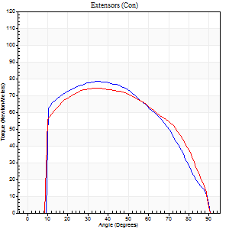
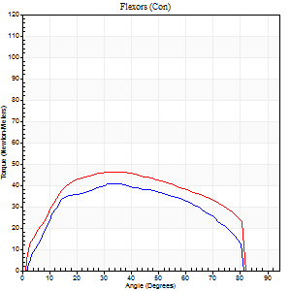
Right Side Curves Left Side Curves
Isokinetic Con/Con |  |  |  | Extensors (Con) |  | Flexors (Con)
Speed 120/120 d/s 3 Reps |  |  |  | Value | Cof Var | %BW | Value | Cof Var | %BW | Ratio

TORQUE PARAMETERS
Peak Torque (Newton-Meters - Best Repetition)
Right |  |  |  | 79 | 0.08 | 36 | 41 | 0.36 | 18 | 52
Left |  |  |  | 75 | 0.12 | 36 | 46 | 0.24 | 21 | 62
Deficit |  |  |  | 5 |  |  | 12
Work per Repetition (Newton-Meters - Best Repetition)
Right |  |  |  | 89 | 0.05 | 42 | 42 | 0.47 | 21 | 47
Left |  |  |  | 84 | 0.12 | 39 | 52 | 0.25 | 24 | 61
Deficit |  |  |  | 6 |  |  | 18
Average Power per Repetition (Watts - Best Repetition)
Right |  |  |  | 106 | 0.08 | 51 | 53 | 0.47 | 24 | 50
Left |  |  |  | 97 | 0.1 | 46 | 63 | 0.27 | 29 | 65
Deficit |  |  |  | 8 |  |  | 16
POSITION PARAMETERS
Joint Angle at Peak Torque (Degrees)
Right |  |  |  | 36 | 0.1 |  | 29 | 0.34
Left |  |  |  | 36 | 0.16 |  | 28 | 0.34
Range of Motion (Degrees)
Right |  |  |  | 0 | 0.66 |  | 90 | 0
Left |  |  |  | 1 | 0.34 |  | 89 | 0.01
TIME PARAMETERS
Time to Peak Torque (Seconds)
Right |  |  |  | 0.49 | 0.06 |  | 0.27 | 0.29
Left |  |  |  | 0.47 | 0.11 |  | 0.3 | 0.15
Time Peak Torque Held (Seconds)
Right |  |  |  | 0.02 | 0.99 |  | 0.01 | 1.73
Left |  |  |  | 0.04 | 0.69 |  | 0.04 | 0.9
Force Decay Time (Seconds)
Right |  |  |  | 0.32 | 0.16 |  | 0.51 | 0.14
Left |  |  |  | 0.3 | 0.12 |  | 0.49 | 0.2
Reciprocal Delay (Seconds)
Right |  |  |  | 0.06 | 0 |  | 0.1 | 0.2
Left |  |  |  | 0.08 | 0.09 |  | 0.12 | 0.44
Delay Time (Seconds)
Right |  |  |  | -0.02 | -0.28 |  | 0.02 | 0.25
Left |  |  |  | 0 | -1.41 |  | -0.02 | -1.32
HUMAC2015® Version: 15.000.0074 © Computer Sports Medicine, Inc. www.csmisolutions.com

Use File, Preference to set Report Heading
Long Form Torque vs. Position Report - Knee Extension/Flexion
Name: |  |  |  | TR030_FP3085, | ID: | TR030 | Right/Left: | 21.11.2022 21.11.2022
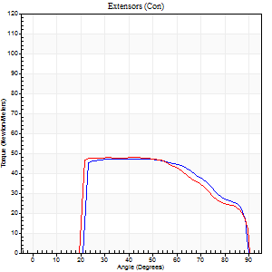
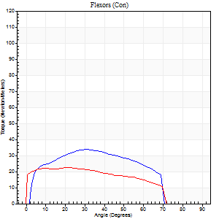
Right Side Curves Left Side Curves
Isokinetic Con/Con |  |  |  | Extensors (Con) |  | Flexors (Con)
Speed 240/240 d/s 3 Reps |  |  |  | Value | Cof Var | %BW | Value | Cof Var | %BW | Ratio

TORQUE PARAMETERS
Peak Torque (Newton-Meters - Best Repetition)
Right |  |  |  | 47 | 0.05 | 21 | 34 | 0.44 | 15 | 71
Left |  |  |  | 47 | 0.09 | 21 | 23 | 0.01 | 12 | 49
Deficit |  |  |  | 0 |  |  | 32
Work per Repetition (Newton-Meters - Best Repetition)
Right |  |  |  | 47 | 0.02 | 21 | 33 | 0.58 | 15 | 69
Left |  |  |  | 47 | 0.11 | 21 | 23 | 0.05 | 12 | 49
Deficit |  |  |  | 0 |  |  | 29
Average Power per Repetition (Watts - Best Repetition)
Right |  |  |  | 91 | 0.08 | 42 | 67 | 0.6 | 31 | 74
Left |  |  |  | 76 | 0.07 | 35 | 40 | 0.03 | 20 | 53
Deficit |  |  |  | 16 |  |  | 40
POSITION PARAMETERS
Joint Angle at Peak Torque (Degrees)
Right |  |  |  | 40 | 0.16 |  | 25 | 0.57
Left |  |  |  | 33 | 0.06 |  | 28 | 0.18
Range of Motion (Degrees)
Right |  |  |  | 1 | 0.16 |  | 89 | 0.01
Left |  |  |  | 0 | 0 |  | 89 | 0.01
TIME PARAMETERS
Time to Peak Torque (Seconds)
Right |  |  |  | 0.29 | 0.05 |  | 0.17 | 0.35
Left |  |  |  | 0.33 | 0.09 |  | 0.25 | 0.13
Time Peak Torque Held (Seconds)
Right |  |  |  | 0.03 | 0.69 |  | 0 | 1.73
Left |  |  |  | 0.02 | 0.5 |  | 0 | 0
Force Decay Time (Seconds)
Right |  |  |  | 0.19 | 0.11 |  | 0.33 | 0.24
Left |  |  |  | 0.21 | 0.1 |  | 0.3 | 0.14
Reciprocal Delay (Seconds)
Right |  |  |  | 0.05 | 0.28 |  | 0.06 | 0.24
Left |  |  |  | 0.06 | 0.24 |  | 0.14 | 0.21
Delay Time (Seconds)
Right |  |  |  | -0.02 | -0.28 |  | 0 | 1.73
Left |  |  |  | -0.02 | 0 |  | -0.04 | -0.71
HUMAC2015® Version: 15.000.0074 © Computer Sports Medicine, Inc. www.csmisolutions.com

Use File, Preference to set Report Heading
Isometric - Knee Extension/Flexion
Name: |  |  |  | TR030_FP3085, | ID: | TR030 | Right/Left: | 21.11.2022 21.11.2022

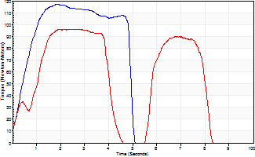
Isometric Extensors (Con) Angle 60 Time 10 Repetition 2 (Best Repetition)
 | Value | Cof Var | %BW
Peak Torque (Newton-Meters)
Right | 117 | 0.03 | 54
Left | 96 | 0.02 | 45
Deficit | 17
Average Torque (Newton-Meters)
Right | 58 | 0.12 | 27
Left | 50 | 0.23 | 24
Deficit | 14
Peak Torque Slope (Newton-Meters/Seconds)
Right | 63 | 0.34 | 30
Left | 35 | 0.05 | 17 |  | Right Side Curves Left Side Curves
Deficit | 44
Time to Half Peak Torque (Seconds)
Right | 0.45 | 0.14
Left | 0.76 | 0.47
Time to Peak Torque (Seconds)
Right | 2.38 | 0.31
Left | 2.76 | 0.03
HUMAC2015® Version: 15.000.0074 © Computer Sports Medicine, Inc. www.csmisolutions.com

post2
Use File, Preference to set Report Heading
Long Form Torque vs. Position Report - Knee Extension/Flexion
Name: |  |  |  | TR030_FP3085, | ID: | TR030 | Right/Left: | 26.11.2022 26.11.2022
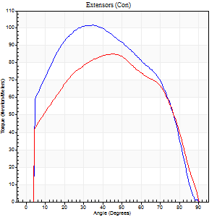
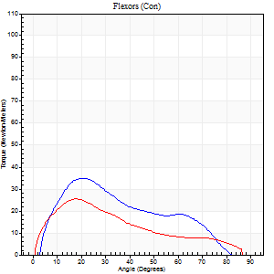
Right Side Curves Left Side Curves
Isokinetic Con/Con |  |  |  | Extensors (Con) |  | Flexors (Con)
Speed 60/60 d/s 3 Reps |  |  |  | Value | Cof Var | %BW | Value | Cof Var | %BW | Ratio

TORQUE PARAMETERS
Peak Torque (Newton-Meters - Best Repetition)
Right |  |  |  | 102 | 0.1 | 48 | 35 | 0.31 | 18 | 35
Left |  |  |  | 85 | 0.05 | 39 | 26 | 0.22 | 12 | 30
Deficit |  |  |  | 16 |  |  | 27
Work per Repetition (Newton-Meters - Best Repetition)
Right |  |  |  | 115 | 0.09 | 54 | 28 | 0.29 | 12 | 25
Left |  |  |  | 96 | 0.04 | 45 | 20 | 0.04 | 9 | 21
Deficit |  |  |  | 16 |  |  | 29
Average Power per Repetition (Watts - Best Repetition)
Right |  |  |  | 67 | 0.27 | 31 | 18 | 0.45 | 9 | 27
Left |  |  |  | 60 | 0.03 | 29 | 13 | 0.01 | 7 | 22
Deficit |  |  |  | 10 |  |  | 28
POSITION PARAMETERS
Joint Angle at Peak Torque (Degrees)
Right |  |  |  | 38 | 0.15 |  | 29 | 0.73
Left |  |  |  | 42 | 0.13 |  | 20 | 0.19
Range of Motion (Degrees)
Right |  |  |  | 0 | 0 |  | 90 | 0
Left |  |  |  | 0 | 0 |  | 90 | 0
TIME PARAMETERS
Time to Peak Torque (Seconds)
Right |  |  |  | 1.23 | 0.14 |  | 0.45 | 0.78
Left |  |  |  | 0.88 | 0.12 |  | 0.35 | 0.19
Time Peak Torque Held (Seconds)
Right |  |  |  | 0.16 | 0.87 |  | 0.01 | 1.73
Left |  |  |  | 0.05 | 0.2 |  | 0.15 | 1.14
Force Decay Time (Seconds)
Right |  |  |  | 0.5 | 0.09 |  | 1.35 | 0.62
Left |  |  |  | 0.69 | 0.14 |  | 1 | 0.28
Reciprocal Delay (Seconds)
Right |  |  |  | 0.71 | 0.26 |  | 0.17 | 0.19
Left |  |  |  | 0.22 | 0.03 |  | 0.21 | 0.17
Delay Time (Seconds)
Right |  |  |  | -0.23 | -0.49 |  | 0.06 | 0.17
Left |  |  |  | -0.02 | 0 |  | 0.01 | 0.87
HUMAC2015® Version: 15.000.0074 © Computer Sports Medicine, Inc. www.csmisolutions.com

Use File, Preference to set Report Heading
Long Form Torque vs. Position Report - Knee Extension/Flexion
Name: |  |  |  | TR030_FP3085, | ID: | TR030 | Right/Left: | 26.11.2022 26.11.2022
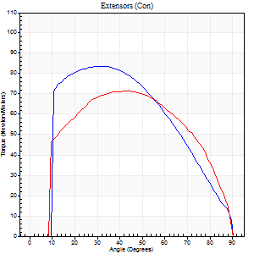
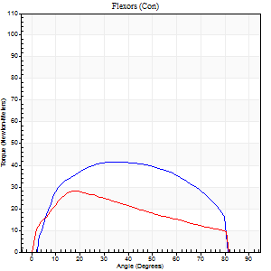
Right Side Curves Left Side Curves
Isokinetic Con/Con |  |  |  | Extensors (Con) |  | Flexors (Con)
Speed 120/120 d/s 3 Reps |  |  |  | Value | Cof Var | %BW | Value | Cof Var | %BW | Ratio

TORQUE PARAMETERS
Peak Torque (Newton-Meters - Best Repetition)
Right |  |  |  | 84 | 0.1 | 39 | 42 | 0.59 | 21 | 50
Left |  |  |  | 72 | 0.07 | 33 | 28 | 0.26 | 12 | 40
Deficit |  |  |  | 15 |  |  | 32
Work per Repetition (Newton-Meters - Best Repetition)
Right |  |  |  | 89 | 0.03 | 42 | 46 | 0.65 | 21 | 52
Left |  |  |  | 80 | 0.07 | 39 | 31 | 0.31 | 15 | 39
Deficit |  |  |  | 11 |  |  | 32
Average Power per Repetition (Watts - Best Repetition)
Right |  |  |  | 108 | 0.08 | 51 | 58 | 0.65 | 26 | 54
Left |  |  |  | 91 | 0.06 | 42 | 37 | 0.29 | 18 | 41
Deficit |  |  |  | 16 |  |  | 36
POSITION PARAMETERS
Joint Angle at Peak Torque (Degrees)
Right |  |  |  | 31 | 0.08 |  | 29 | 0.51
Left |  |  |  | 42 | 0.11 |  | 23 | 0.27
Range of Motion (Degrees)
Right |  |  |  | 0 | 1.24 |  | 90 | 0.01
Left |  |  |  | 0 | 0.47 |  | 90 | 0
TIME PARAMETERS
Time to Peak Torque (Seconds)
Right |  |  |  | 0.54 | 0.03 |  | 0.25 | 0.43
Left |  |  |  | 0.46 | 0.09 |  | 0.25 | 0.23
Time Peak Torque Held (Seconds)
Right |  |  |  | 0.05 | 0.33 |  | 0.01 | 1.15
Left |  |  |  | 0.01 | 0.87 |  | 0.02 | 0.65
Force Decay Time (Seconds)
Right |  |  |  | 0.25 | 0.06 |  | 0.52 | 0.24
Left |  |  |  | 0.4 | 0.07 |  | 0.56 | 0.12
Reciprocal Delay (Seconds)
Right |  |  |  | 0.07 | 0.4 |  | 0.1 | 0.36
Left |  |  |  | 0.11 | 0.18 |  | 0.13 | 0.13
Delay Time (Seconds)
Right |  |  |  | -0.01 | -0.47 |  | 0.03 | 0.35
Left |  |  |  | -0.02 | -0.71 |  | -0.01 | -0.87
HUMAC2015® Version: 15.000.0074 © Computer Sports Medicine, Inc. www.csmisolutions.com

Use File, Preference to set Report Heading
Long Form Torque vs. Position Report - Knee Extension/Flexion
Name: |  |  |  | TR030_FP3085, | ID: | TR030 | Right/Left: | 26.11.2022 26.11.2022
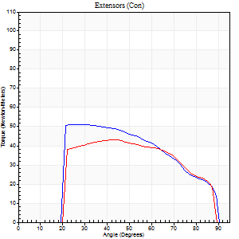
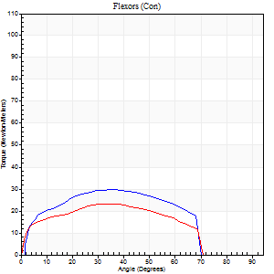
Right Side Curves Left Side Curves
Isokinetic Con/Con |  |  |  | Extensors (Con) |  | Flexors (Con)
Speed 240/240 d/s 3 Reps |  |  |  | Value | Cof Var | %BW | Value | Cof Var | %BW | Ratio

TORQUE PARAMETERS
Peak Torque (Newton-Meters - Best Repetition)
Right |  |  |  | 52 | 0.07 | 24 | 30 | 0.29 | 15 | 58
Left |  |  |  | 43 | 0.06 | 21 | 23 | 0.44 | 12 | 53
Deficit |  |  |  | 16 |  |  | 23
Work per Repetition (Newton-Meters - Best Repetition)
Right |  |  |  | 53 | 0.04 | 24 | 28 | 0.26 | 12 | 54
Left |  |  |  | 43 | 0.07 | 21 | 23 | 0.52 | 12 | 53
Deficit |  |  |  | 18 |  |  | 19
Average Power per Repetition (Watts - Best Repetition)
Right |  |  |  | 103 | 0.19 | 48 | 56 | 0.25 | 26 | 54
Left |  |  |  | 82 | 0.18 | 40 | 42 | 0.56 | 20 | 51
Deficit |  |  |  | 20 |  |  | 25
POSITION PARAMETERS
Joint Angle at Peak Torque (Degrees)
Right |  |  |  | 33 | 0.22 |  | 38 | 0.1
Left |  |  |  | 38 | 0.13 |  | 25 | 0.79
Range of Motion (Degrees)
Right |  |  |  | 1 | 0.51 |  | 89 | 0.01
Left |  |  |  | 1 | 0.39 |  | 89 | 0.01
TIME PARAMETERS
Time to Peak Torque (Seconds)
Right |  |  |  | 0.28 | 0.02 |  | 0.25 | 0.14
Left |  |  |  | 0.28 | 0.03 |  | 0.22 | 0.51
Time Peak Torque Held (Seconds)
Right |  |  |  | 0.03 | 0.57 |  | 0.02 | 0.5
Left |  |  |  | 0 | 0 |  | 0.04 | 1.73
Force Decay Time (Seconds)
Right |  |  |  | 0.17 | 0.06 |  | 0.23 | 0.16
Left |  |  |  | 0.23 | 0.14 |  | 0.32 | 0.28
Reciprocal Delay (Seconds)
Right |  |  |  | 0.04 | 0.47 |  | 0.08 | 0.12
Left |  |  |  | 0.05 | 0.16 |  | 0.1 | 0.22
Delay Time (Seconds)
Right |  |  |  | -0.02 | -0.28 |  | 0 | 1.73
Left |  |  |  | -0.02 | -0.71 |  | -0.04 | -0.31
HUMAC2015® Version: 15.000.0074 © Computer Sports Medicine, Inc. www.csmisolutions.com

Use File, Preference to set Report Heading
Isometric - Knee Extension/Flexion
Name: |  |  |  | TR030_FP3085, | ID: | TR030 | Right/Left: | 26.11.2022 26.11.2022

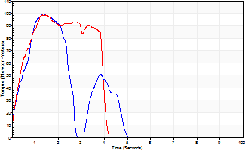
Isometric Extensors (Con) Angle 60 Time 10 Repetition 2 (Best Repetition)
 | Value | Cof Var | %BW
Peak Torque (Newton-Meters)
Right | 99 | 0.05 | 48
Left | 99 | 0.09 | 48
Deficit | 0
Average Torque (Newton-Meters)
Right | 27 | 0.05 | 12
Left | 33 | 0.01 | 15
Deficit | 17
Peak Torque Slope (Newton-Meters/Seconds)
Right | 74 | 0.11 | 35
Left | 67 | 0.51 | 32 |  | Right Side Curves Left Side Curves
Deficit | 9
Time to Half Peak Torque (Seconds)
Right | 0.34 | 0.47
Left | 0.73 | 0.73
Time to Peak Torque (Seconds)
Right | 1.38 | 0.06
Left | 2.08 | 0.43
HUMAC2015® Version: 15.000.0074 © Computer Sports Medicine, Inc. www.csmisolutions.com

