pre1
Use File, Preference to set Report Heading
Long Form Torque vs. Position Report - Knee Extension/Flexion
Name: |  |  |  | TR030_FP3086, | ID: | TR030 | Right/Left: | 26.09.2022 26.09.2022
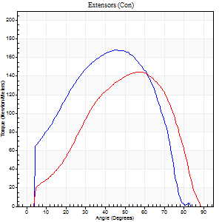
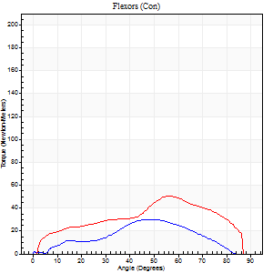
Right Side Curves Left Side Curves
Isokinetic Con/Con |  |  |  | Extensors (Con) |  | Flexors (Con)
Speed 60/60 d/s 3 Reps |  |  |  | Value | Cof Var | %BW | Value | Cof Var | %BW | Ratio

TORQUE PARAMETERS
Peak Torque (Newton-Meters - Best Repetition)
Right |  |  |  | 168 | 0.1 | 83 | 30 | 0.57 | 15 | 18
Left |  |  |  | 144 | 0.16 | 72 | 50 | 0.53 | 24 | 35
Deficit |  |  |  | 15 |  |  | 41
Work per Repetition (Newton-Meters - Best Repetition)
Right |  |  |  | 160 | 0.05 | 80 | 23 | 0.49 | 12 | 14
Left |  |  |  | 136 | 0.15 | 69 | 47 | 0.57 | 24 | 35
Deficit |  |  |  | 15 |  |  | 51
Average Power per Repetition (Watts - Best Repetition)
Right |  |  |  | 113 | 0.26 | 57 | 12 | 0.33 | 7 | 11
Left |  |  |  | 90 | 0.2 | 44 | 31 | 0.58 | 15 | 34
Deficit |  |  |  | 20 |  |  | 61
POSITION PARAMETERS
Joint Angle at Peak Torque (Degrees)
Right |  |  |  | 43 | 0.1 |  | 32 | 0.61
Left |  |  |  | 56 | 0.05 |  | 50 | 0.46
Range of Motion (Degrees)
Right |  |  |  | 0 | 2.83 |  | 86 | 0.03
Left |  |  |  | 1 | 0.47 |  | 90 | 0
TIME PARAMETERS
Time to Peak Torque (Seconds)
Right |  |  |  | 0.68 | 0.12 |  | 0.74 | 0.69
Left |  |  |  | 0.53 | 0.05 |  | 0.85 | 0.42
Time Peak Torque Held (Seconds)
Right |  |  |  | 0.07 | 0.16 |  | 0.04 | 1
Left |  |  |  | 0.06 | 0.18 |  | 0.04 | 1
Force Decay Time (Seconds)
Right |  |  |  | 0.69 | 0.1 |  | 0.89 | 0.39
Left |  |  |  | 0.88 | 0.04 |  | 0.64 | 0.55
Reciprocal Delay (Seconds)
Right |  |  |  | 0.11 | 0.06 |  | 0.51 | 0.37
Left |  |  |  | 0.1 | 0.42 |  | 0.12 | 0.38
Delay Time (Seconds)
Right |  |  |  | 0.75 | 1.21 |  | -0.02 | -0.99
Left |  |  |  | 0.04 | 0.71 |  | 0 | -6.93
HUMAC2015® Version: 15.000.0074 © Computer Sports Medicine, Inc. www.csmisolutions.com

Use File, Preference to set Report Heading
Long Form Torque vs. Position Report - Knee Extension/Flexion
Name: |  |  |  | TR030_FP3086, | ID: | TR030 | Right/Left: | 26.09.2022 26.09.2022
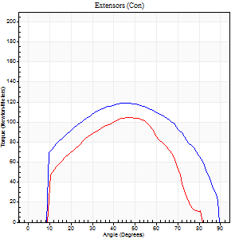
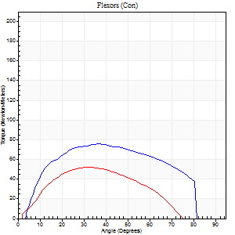
Right Side Curves Left Side Curves
Isokinetic Con/Con |  |  |  | Extensors (Con) |  | Flexors (Con)
Speed 120/120 d/s 3 Reps |  |  |  | Value | Cof Var | %BW | Value | Cof Var | %BW | Ratio

TORQUE PARAMETERS
Peak Torque (Newton-Meters - Best Repetition)
Right |  |  |  | 119 | 0.04 | 60 | 76 | 0.25 | 39 | 64
Left |  |  |  | 104 | 0.05 | 54 | 52 | 0.03 | 27 | 49
Deficit |  |  |  | 13 |  |  | 32
Work per Repetition (Newton-Meters - Best Repetition)
Right |  |  |  | 133 | 0.06 | 66 | 81 | 0.28 | 42 | 61
Left |  |  |  | 102 | 0.04 | 51 | 61 | 0.16 | 30 | 60
Deficit |  |  |  | 23 |  |  | 25
Average Power per Repetition (Watts - Best Repetition)
Right |  |  |  | 164 | 0.1 | 81 | 106 | 0.29 | 53 | 65
Left |  |  |  | 122 | 0.02 | 62 | 75 | 0.14 | 37 | 61
Deficit |  |  |  | 26 |  |  | 29
POSITION PARAMETERS
Joint Angle at Peak Torque (Degrees)
Right |  |  |  | 45 | 0.06 |  | 39 | 0.29
Left |  |  |  | 50 | 0.05 |  | 42 | 0.36
Range of Motion (Degrees)
Right |  |  |  | 1 | 0.06 |  | 89 | 0.01
Left |  |  |  | 1 | 0.71 |  | 86 | 0.05
TIME PARAMETERS
Time to Peak Torque (Seconds)
Right |  |  |  | 0.42 | 0 |  | 0.32 | 0.31
Left |  |  |  | 0.33 | 0.13 |  | 0.38 | 0.36
Time Peak Torque Held (Seconds)
Right |  |  |  | 0.04 | 0.57 |  | 0.05 | 0.65
Left |  |  |  | 0.03 | 0.43 |  | 0.02 | 1.32
Force Decay Time (Seconds)
Right |  |  |  | 0.35 | 0.02 |  | 0.39 | 0.21
Left |  |  |  | 0.43 | 0.05 |  | 0.38 | 0.31
Reciprocal Delay (Seconds)
Right |  |  |  | 0.05 | 0.39 |  | 0.06 | 0.2
Left |  |  |  | 0.06 | 0 |  | 0.07 | 0.38
Delay Time (Seconds)
Right |  |  |  | -0.01 | -1.41 |  | 0.03 | 0.46
Left |  |  |  | 0.01 | 2.83 |  | 0 | -4.58
HUMAC2015® Version: 15.000.0074 © Computer Sports Medicine, Inc. www.csmisolutions.com

Use File, Preference to set Report Heading
Long Form Torque vs. Position Report - Knee Extension/Flexion
Name: |  |  |  | TR030_FP3086, | ID: | TR030 | Right/Left: | 26.09.2022 26.09.2022
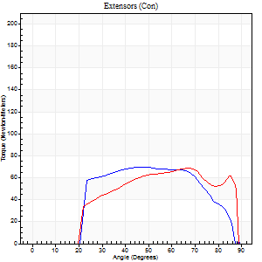
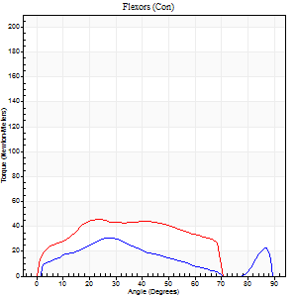
Right Side Curves Left Side Curves
Isokinetic Con/Con |  |  |  | Extensors (Con) |  | Flexors (Con)
Speed 240/240 d/s 3 Reps |  |  |  | Value | Cof Var | %BW | Value | Cof Var | %BW | Ratio

TORQUE PARAMETERS
Peak Torque (Newton-Meters - Best Repetition)
Right |  |  |  | 69 | 0.04 | 36 | 31 | 0.3 | 15 | 45
Left |  |  |  | 69 | 0.01 | 36 | 45 | 0.03 | 24 | 65
Deficit |  |  |  | 0 |  |  | 30
Work per Repetition (Newton-Meters - Best Repetition)
Right |  |  |  | 68 | 0.05 | 33 | 23 | 0.31 | 12 | 34
Left |  |  |  | 66 | 0.04 | 33 | 45 | 0.05 | 24 | 67
Deficit |  |  |  | 2 |  |  | 48
Average Power per Repetition (Watts - Best Repetition)
Right |  |  |  | 114 | 0.06 | 57 | 47 | 0.36 | 24 | 41
Left |  |  |  | 134 | 0.07 | 66 | 90 | 0.04 | 44 | 67
Deficit |  |  |  | 15 |  |  | 48
POSITION PARAMETERS
Joint Angle at Peak Torque (Degrees)
Right |  |  |  | 44 | 0.13 |  | 49 | 0.66
Left |  |  |  | 55 | 0.19 |  | 24 | 0.02
Range of Motion (Degrees)
Right |  |  |  | 0 | -0.47 |  | 90 | 0.01
Left |  |  |  | 1 | 0.16 |  | 88 | 0
TIME PARAMETERS
Time to Peak Torque (Seconds)
Right |  |  |  | 0.28 | 0.05 |  | 0.29 | 0.59
Left |  |  |  | 0.23 | 0.09 |  | 0.18 | 0.03
Time Peak Torque Held (Seconds)
Right |  |  |  | 0.02 | 0.35 |  | 0 | 1.73
Left |  |  |  | 0.01 | 0.87 |  | 0.01 | 0.87
Force Decay Time (Seconds)
Right |  |  |  | 0.28 | 0.12 |  | 0.21 | 0.7
Left |  |  |  | 0.28 | 0.1 |  | 0.3 | 0.02
Reciprocal Delay (Seconds)
Right |  |  |  | 0.07 | 0.2 |  | 0.27 | 0.38
Left |  |  |  | 0.04 | 0.2 |  | 0.06 | 0.29
Delay Time (Seconds)
Right |  |  |  | -0.01 | -4.24 |  | 0.03 | 0.17
Left |  |  |  | -0.01 | -0.47 |  | -0.02 | 0
HUMAC2015® Version: 15.000.0074 © Computer Sports Medicine, Inc. www.csmisolutions.com

Use File, Preference to set Report Heading
Isometric - Knee Extension/Flexion
Name: |  |  |  | TR030_FP3086, | ID: | TR030 | Right/Left: | 26.09.2022 26.09.2022

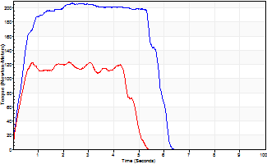
Isometric Extensors (Con) Angle 60 Time 10 Repetition 2 (Best Repetition)
 | Value | Cof Var | %BW
Peak Torque (Newton-Meters)
Right | 206 | 0.01 | 104
Left | 123 | 0.14 | 63
Deficit | 40
Average Torque (Newton-Meters)
Right | 108 | 0.17 | 54
Left | 53 | 0.13 | 27
Deficit | 51
Peak Torque Slope (Newton-Meters/Seconds)
Right | 88 | 0.56 | 44
Left | 55 | 0.33 | 28 |  | Right Side Curves Left Side Curves
Deficit | 37
Time to Half Peak Torque (Seconds)
Right | 1.18 | 0.98
Left | 1 | 1.06
Time to Peak Torque (Seconds)
Right | 3.88 | 0.56
Left | 2.58 | 0.19
HUMAC2015® Version: 15.000.0074 © Computer Sports Medicine, Inc. www.csmisolutions.com

pre2
Use File, Preference to set Report Heading
Long Form Torque vs. Position Report - Knee Extension/Flexion
Name: |  |  |  | TR030_FP3086, | ID: | TR030 | Right/Left: | 30.09.2022 30.09.2022
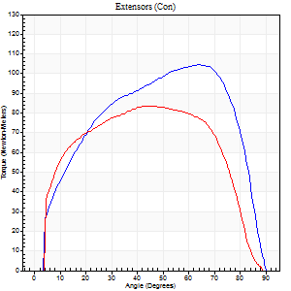
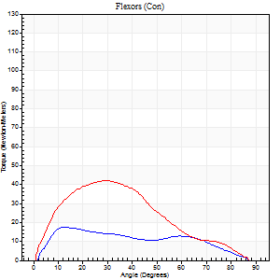
Right Side Curves Left Side Curves
Isokinetic Con/Con |  |  |  | Extensors (Con) |  | Flexors (Con)
Speed 60/60 d/s 3 Reps |  |  |  | Value | Cof Var | %BW | Value | Cof Var | %BW | Ratio

TORQUE PARAMETERS
Peak Torque (Newton-Meters - Best Repetition)
Right |  |  |  | 104 | 0.04 | 54 | 18 | 0.15 | 9 | 17
Left |  |  |  | 84 | 0.11 | 42 | 42 | 0.79 | 21 | 50
Deficit |  |  |  | 19 |  |  | 58
Work per Repetition (Newton-Meters - Best Repetition)
Right |  |  |  | 117 | 0.04 | 60 | 16 | 0.16 | 9 | 14
Left |  |  |  | 95 | 0.06 | 48 | 37 | 0.75 | 18 | 39
Deficit |  |  |  | 19 |  |  | 56
Average Power per Repetition (Watts - Best Repetition)
Right |  |  |  | 76 | 0.07 | 37 | 11 | 0.16 | 4 | 14
Left |  |  |  | 59 | 0.2 | 29 | 23 | 0.76 | 11 | 39
Deficit |  |  |  | 22 |  |  | 52
POSITION PARAMETERS
Joint Angle at Peak Torque (Degrees)
Right |  |  |  | 63 | 0.09 |  | 16 | 0.18
Left |  |  |  | 56 | 0.28 |  | 29 | 0.07
Range of Motion (Degrees)
Right |  |  |  | 0 | 1.41 |  | 90 | 0
Left |  |  |  | 0 | 0.2 |  | 90 | 0
TIME PARAMETERS
Time to Peak Torque (Seconds)
Right |  |  |  | 0.56 | 0.24 |  | 0.27 | 0.19
Left |  |  |  | 0.78 | 0.05 |  | 0.54 | 0.13
Time Peak Torque Held (Seconds)
Right |  |  |  | 0.1 | 0.62 |  | 0.02 | 1.32
Left |  |  |  | 0.05 | 1.38 |  | 0.03 | 1.15
Force Decay Time (Seconds)
Right |  |  |  | 0.97 | 0.06 |  | 1.22 | 0.02
Left |  |  |  | 0.91 | 0.34 |  | 0.99 | 0.04
Reciprocal Delay (Seconds)
Right |  |  |  | 0.13 | 0.22 |  | 0.17 | 0.33
Left |  |  |  | 0.19 | 0.19 |  | 0.21 | 0.07
Delay Time (Seconds)
Right |  |  |  | -0.05 | -0.13 |  | 0.04 | 0.27
Left |  |  |  | 0 | 7.07 |  | -0.02 | -1.51
HUMAC2015® Version: 15.000.0074 © Computer Sports Medicine, Inc. www.csmisolutions.com

Use File, Preference to set Report Heading
Long Form Torque vs. Position Report - Knee Extension/Flexion
Name: |  |  |  | TR030_FP3086, | ID: | TR030 | Right/Left: | 30.09.2022 30.09.2022
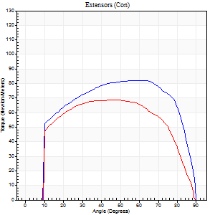
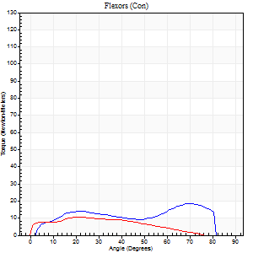
Right Side Curves Left Side Curves
Isokinetic Con/Con |  |  |  | Extensors (Con) |  | Flexors (Con)
Speed 120/120 d/s 3 Reps |  |  |  | Value | Cof Var | %BW | Value | Cof Var | %BW | Ratio

TORQUE PARAMETERS
Peak Torque (Newton-Meters - Best Repetition)
Right |  |  |  | 83 | 0.02 | 42 | 19 | 0.17 | 9 | 23
Left |  |  |  | 69 | 0.05 | 36 | 11 | 0.02 | 6 | 16
Deficit |  |  |  | 16 |  |  | 43
Work per Repetition (Newton-Meters - Best Repetition)
Right |  |  |  | 98 | 0.08 | 48 | 18 | 0.11 | 9 | 18
Left |  |  |  | 79 | 0.04 | 39 | 9 | 0.01 | 6 | 12
Deficit |  |  |  | 19 |  |  | 46
Average Power per Repetition (Watts - Best Repetition)
Right |  |  |  | 115 | 0.14 | 57 | 22 | 0.18 | 11 | 19
Left |  |  |  | 90 | 0.06 | 44 | 11 | 0.03 | 4 | 12
Deficit |  |  |  | 22 |  |  | 50
POSITION PARAMETERS
Joint Angle at Peak Torque (Degrees)
Right |  |  |  | 51 | 0.18 |  | 36 | 0.8
Left |  |  |  | 44 | 0.11 |  | 43 | 0.94
Range of Motion (Degrees)
Right |  |  |  | 0 | 0.16 |  | 90 | 0
Left |  |  |  | 0 | 0 |  | 90 | 0.01
TIME PARAMETERS
Time to Peak Torque (Seconds)
Right |  |  |  | 0.36 | 0.3 |  | 0.35 | 0.63
Left |  |  |  | 0.41 | 0.03 |  | 0.48 | 0.75
Time Peak Torque Held (Seconds)
Right |  |  |  | 0.05 | 0.87 |  | 0 | 1.73
Left |  |  |  | 0.02 | 0.92 |  | 0.02 | 1
Force Decay Time (Seconds)
Right |  |  |  | 0.44 | 0.07 |  | 0.48 | 0.6
Left |  |  |  | 0.43 | 0.12 |  | 0.38 | 0.87
Reciprocal Delay (Seconds)
Right |  |  |  | 0.14 | 0.2 |  | 0.13 | 0.13
Left |  |  |  | 0.09 | 0.07 |  | 0.17 | 0.03
Delay Time (Seconds)
Right |  |  |  | -0.03 | -1.41 |  | 0.03 | 0.92
Left |  |  |  | 0 | 0 |  | -0.02 | -0.25
HUMAC2015® Version: 15.000.0074 © Computer Sports Medicine, Inc. www.csmisolutions.com

Use File, Preference to set Report Heading
Long Form Torque vs. Position Report - Knee Extension/Flexion
Name: |  |  |  | TR030_FP3086, | ID: | TR030 | Right/Left: | 30.09.2022 30.09.2022
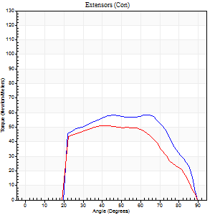
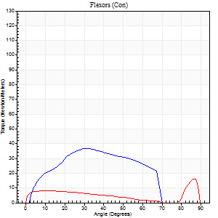
Right Side Curves Left Side Curves
Isokinetic Con/Con |  |  |  | Extensors (Con) |  | Flexors (Con)
Speed 240/240 d/s 3 Reps |  |  |  | Value | Cof Var | %BW | Value | Cof Var | %BW | Ratio

TORQUE PARAMETERS
Peak Torque (Newton-Meters - Best Repetition)
Right |  |  |  | 58 | 0.05 | 30 | 37 | 0.54 | 18 | 63
Left |  |  |  | 52 | 0.07 | 27 | 16 | 0.3 | 9 | 32
Deficit |  |  |  | 12 |  |  | 56
Work per Repetition (Newton-Meters - Best Repetition)
Right |  |  |  | 58 | 0.05 | 30 | 33 | 0.5 | 15 | 56
Left |  |  |  | 50 | 0.07 | 24 | 9 | 0.19 | 6 | 19
Deficit |  |  |  | 14 |  |  | 71
Average Power per Repetition (Watts - Best Repetition)
Right |  |  |  | 100 | 0.05 | 51 | 63 | 0.56 | 31 | 63
Left |  |  |  | 98 | 0.15 | 48 | 16 | 0.18 | 9 | 16
Deficit |  |  |  | 2 |  |  | 75
POSITION PARAMETERS
Joint Angle at Peak Torque (Degrees)
Right |  |  |  | 63 | 0.02 |  | 43 | 0.31
Left |  |  |  | 40 | 0.17 |  | 36 | 1.24
Range of Motion (Degrees)
Right |  |  |  | 0 | 0.33 |  | 90 | 0.01
Left |  |  |  | 1 | 0.75 |  | 89 | 0.01
TIME PARAMETERS
Time to Peak Torque (Seconds)
Right |  |  |  | 0.22 | 0.03 |  | 0.31 | 0.35
Left |  |  |  | 0.28 | 0.17 |  | 0.33 | 0.82
Time Peak Torque Held (Seconds)
Right |  |  |  | 0.04 | 1.26 |  | 0.01 | 0.87
Left |  |  |  | 0.01 | 0.87 |  | 0.04 | 0.88
Force Decay Time (Seconds)
Right |  |  |  | 0.3 | 0.15 |  | 0.23 | 0.22
Left |  |  |  | 0.25 | 0.1 |  | 0.26 | 0.74
Reciprocal Delay (Seconds)
Right |  |  |  | 0.07 | 0 |  | 0.11 | 0.3
Left |  |  |  | 0.06 | 0 |  | 0.13 | 0.23
Delay Time (Seconds)
Right |  |  |  | -0.04 | 0 |  | -0.01 | -3.12
Left |  |  |  | -0.02 | -0.71 |  | -0.03 | -0.35
HUMAC2015® Version: 15.000.0074 © Computer Sports Medicine, Inc. www.csmisolutions.com

Use File, Preference to set Report Heading
Isometric - Knee Extension/Flexion
Name: |  |  |  | TR030_FP3086, | ID: | TR030 | Right/Left: | 30.09.2022 30.09.2022

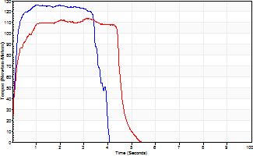
Isometric Extensors (Con) Angle 60 Time 10 Repetition 2 (Best Repetition)
 | Value | Cof Var | %BW
Peak Torque (Newton-Meters)
Right | 126 | 0.03 | 63
Left | 114 | 0.02 | 57
Deficit | 10
Average Torque (Newton-Meters)
Right | 47 | 0.04 | 24
Left | 47 | 0.15 | 24
Deficit | 0
Peak Torque Slope (Newton-Meters/Seconds)
Right | 126 | 0.11 | 63
Left | 51 | 0.22 | 25 |  | Right Side Curves Left Side Curves
Deficit | 60
Time to Half Peak Torque (Seconds)
Right | 0.11 | 0
Left | 0.13 | 0.05
Time to Peak Torque (Seconds)
Right | 1.06 | 0.09
Left | 2.63 | 0.24
HUMAC2015® Version: 15.000.0074 © Computer Sports Medicine, Inc. www.csmisolutions.com

mid1
Use File, Preference to set Report Heading
Long Form Torque vs. Position Report - Knee Extension/Flexion
Name: |  |  |  | TR030_FP3086, | ID: | TR030 | Right/Left: | 25.10.2022 25.10.2022
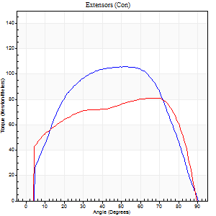
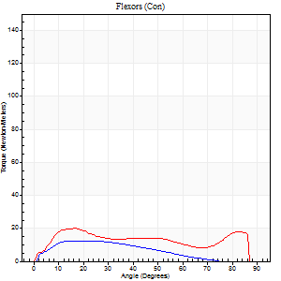
Right Side Curves Left Side Curves
Isokinetic Con/Con |  |  |  | Extensors (Con) |  | Flexors (Con)
Speed 60/60 d/s 3 Reps |  |  |  | Value | Cof Var | %BW | Value | Cof Var | %BW | Ratio

TORQUE PARAMETERS
Peak Torque (Newton-Meters - Best Repetition)
Right |  |  |  | 106 | 0.02 | 54 | 12 | 0.05 | 6 | 12
Left |  |  |  | 81 | 0.07 | 42 | 20 | 0.26 | 9 | 25
Deficit |  |  |  | 23 |  |  | 40
Work per Repetition (Newton-Meters - Best Repetition)
Right |  |  |  | 117 | 0.02 | 60 | 12 | 0.09 | 6 | 10
Left |  |  |  | 99 | 0.09 | 51 | 20 | 0.33 | 9 | 21
Deficit |  |  |  | 15 |  |  | 40
Average Power per Repetition (Watts - Best Repetition)
Right |  |  |  | 75 | 0.05 | 37 | 7 | 0.07 | 4 | 9
Left |  |  |  | 63 | 0.08 | 31 | 13 | 0.33 | 7 | 21
Deficit |  |  |  | 16 |  |  | 46
POSITION PARAMETERS
Joint Angle at Peak Torque (Degrees)
Right |  |  |  | 57 | 0.09 |  | 20 | 0.42
Left |  |  |  | 49 | 0.33 |  | 21 | 0.27
Range of Motion (Degrees)
Right |  |  |  | 0 | 1.41 |  | 89 | 0
Left |  |  |  | 0 | 1.41 |  | 90 | 0
TIME PARAMETERS
Time to Peak Torque (Seconds)
Right |  |  |  | 0.61 | 0.16 |  | 0.36 | 0.38
Left |  |  |  | 0.68 | 0.58 |  | 0.41 | 0.24
Time Peak Torque Held (Seconds)
Right |  |  |  | 0.1 | 0.16 |  | 0.02 | 1.73
Left |  |  |  | 0.05 | 0.76 |  | 0.01 | 1.73
Force Decay Time (Seconds)
Right |  |  |  | 0.88 | 0.12 |  | 1.14 | 0.12
Left |  |  |  | 0.79 | 0.33 |  | 1.15 | 0.08
Reciprocal Delay (Seconds)
Right |  |  |  | 0.12 | 0.06 |  | 0.21 | 0.13
Left |  |  |  | 0.21 | 0 |  | 0.23 | 0.45
Delay Time (Seconds)
Right |  |  |  | -0.06 | 0 |  | 0.02 | 1.5
Left |  |  |  | -0.01 | -1.41 |  | -0.01 | -0.43
HUMAC2015® Version: 15.000.0074 © Computer Sports Medicine, Inc. www.csmisolutions.com

Use File, Preference to set Report Heading
Long Form Torque vs. Position Report - Knee Extension/Flexion
Name: |  |  |  | TR030_FP3086, | ID: | TR030 | Right/Left: | 25.10.2022 25.10.2022
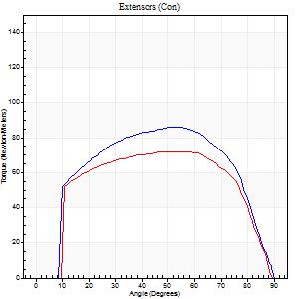
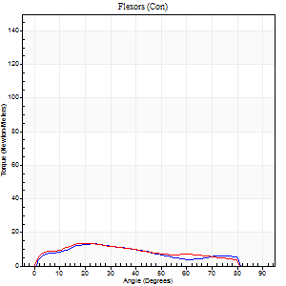
Right Side Curves Left Side Curves
Isokinetic Con/Con |  |  |  | Extensors (Con) |  | Flexors (Con)
Speed 120/120 d/s 3 Reps |  |  |  | Value | Cof Var | %BW | Value | Cof Var | %BW | Ratio

TORQUE PARAMETERS
Peak Torque (Newton-Meters - Best Repetition)
Right |  |  |  | 85 | 0.04 | 42 | 14 | 0.05 | 6 | 16
Left |  |  |  | 72 | 0.02 | 36 | 14 | 0.06 | 6 | 19
Deficit |  |  |  | 16 |  |  | 0
Work per Repetition (Newton-Meters - Best Repetition)
Right |  |  |  | 96 | 0.02 | 48 | 11 | 0.08 | 6 | 11
Left |  |  |  | 83 | 0.03 | 42 | 12 | 0.13 | 6 | 15
Deficit |  |  |  | 14 |  |  | 11
Average Power per Repetition (Watts - Best Repetition)
Right |  |  |  | 108 | 0.06 | 55 | 13 | 0.09 | 7 | 12
Left |  |  |  | 94 | 0.03 | 46 | 14 | 0.12 | 7 | 15
Deficit |  |  |  | 13 |  |  | 7
POSITION PARAMETERS
Joint Angle at Peak Torque (Degrees)
Right |  |  |  | 54 | 0.08 |  | 39 | 0.75
Left |  |  |  | 52 | 0.09 |  | 22 | 0.1
Range of Motion (Degrees)
Right |  |  |  | 0 | 0.2 |  | 90 | 0
Left |  |  |  | 0 | 0 |  | 89 | 0
TIME PARAMETERS
Time to Peak Torque (Seconds)
Right |  |  |  | 0.41 | 0.21 |  | 0.41 | 0.71
Left |  |  |  | 0.37 | 0.19 |  | 0.3 | 0.1
Time Peak Torque Held (Seconds)
Right |  |  |  | 0.06 | 0.5 |  | 0.02 | 0.5
Left |  |  |  | 0.05 | 0.85 |  | 0.04 | 0.42
Force Decay Time (Seconds)
Right |  |  |  | 0.46 | 0.04 |  | 0.44 | 0.55
Left |  |  |  | 0.44 | 0.03 |  | 0.55 | 0.09
Reciprocal Delay (Seconds)
Right |  |  |  | 0.12 | 0.12 |  | 0.17 | 0.24
Left |  |  |  | 0.09 | 0.37 |  | 0.16 | 0.28
Delay Time (Seconds)
Right |  |  |  | -0.05 | -0.28 |  | 0.02 | 2.11
Left |  |  |  | 0 | -1.41 |  | -0.02 | 0
HUMAC2015® Version: 15.000.0074 © Computer Sports Medicine, Inc. www.csmisolutions.com

Use File, Preference to set Report Heading
Long Form Torque vs. Position Report - Knee Extension/Flexion
Name: |  |  |  | TR030_FP3086, | ID: | TR030 | Right/Left: | 25.10.2022 25.10.2022
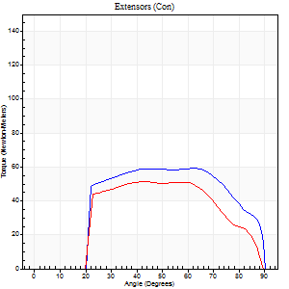
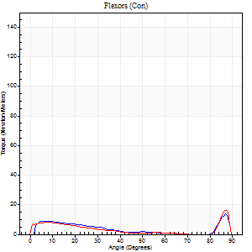
Right Side Curves Left Side Curves
Isokinetic Con/Con |  |  |  | Extensors (Con) |  | Flexors (Con)
Speed 240/240 d/s 3 Reps |  |  |  | Value | Cof Var | %BW | Value | Cof Var | %BW | Ratio

TORQUE PARAMETERS
Peak Torque (Newton-Meters - Best Repetition)
Right |  |  |  | 60 | 0.04 | 30 | 14 | 0.37 | 6 | 23
Left |  |  |  | 52 | 0.03 | 27 | 16 | 0.49 | 9 | 32
Deficit |  |  |  | 14 |  |  | 17
Work per Repetition (Newton-Meters - Best Repetition)
Right |  |  |  | 62 | 0.09 | 30 | 5 | 0.25 | 3 | 9
Left |  |  |  | 50 | 0.02 | 24 | 5 | 0.07 | 3 | 11
Deficit |  |  |  | 20 |  |  | 0
Average Power per Repetition (Watts - Best Repetition)
Right |  |  |  | 109 | 0.1 | 55 | 9 | 0.32 | 4 | 8
Left |  |  |  | 88 | 0.06 | 44 | 7 | 0.11 | 4 | 8
Deficit |  |  |  | 19 |  |  | 22
POSITION PARAMETERS
Joint Angle at Peak Torque (Degrees)
Right |  |  |  | 61 | 0.07 |  | 59 | 0.81
Left |  |  |  | 45 | 0.14 |  | 64 | 0.64
Range of Motion (Degrees)
Right |  |  |  | 0 | 0.2 |  | 89 | 0
Left |  |  |  | 0 | 0.28 |  | 89 | 0.01
TIME PARAMETERS
Time to Peak Torque (Seconds)
Right |  |  |  | 0.23 | 0.15 |  | 0.44 | 0.68
Left |  |  |  | 0.3 | 0.02 |  | 0.57 | 0.33
Time Peak Torque Held (Seconds)
Right |  |  |  | 0.06 | 0.87 |  | 0.01 | 1.73
Left |  |  |  | 0.02 | 0.87 |  | 0.05 | 1.73
Force Decay Time (Seconds)
Right |  |  |  | 0.28 | 0.11 |  | 0.23 | 1.4
Left |  |  |  | 0.26 | 0 |  | 0.11 | 1.27
Reciprocal Delay (Seconds)
Right |  |  |  | 0.08 | 0.09 |  | 0.12 | 0.13
Left |  |  |  | 0.06 | 0.11 |  | 0.16 | 0.36
Delay Time (Seconds)
Right |  |  |  | -0.04 | 0 |  | 0.01 | 2.29
Left |  |  |  | -0.02 | 0 |  | -0.04 | -0.31
HUMAC2015® Version: 15.000.0074 © Computer Sports Medicine, Inc. www.csmisolutions.com

Use File, Preference to set Report Heading
Isometric - Knee Extension/Flexion
Name: |  |  |  | TR030_FP3086, | ID: | TR030 | Right/Left: | 25.10.2022 25.10.2022

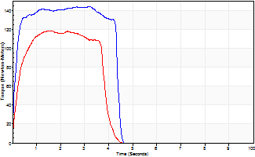
Isometric Extensors (Con) Angle 60 Time 10 Repetition 2 (Best Repetition)
 | Value | Cof Var | %BW
Peak Torque (Newton-Meters)
Right | 144 | 0.01 | 72
Left | 118 | 0.06 | 60
Deficit | 18
Average Torque (Newton-Meters)
Right | 58 | 0.08 | 30
Left | 43 | 0.04 | 21
Deficit | 26
Peak Torque Slope (Newton-Meters/Seconds)
Right | 53 | 0.11 | 27
Left | 100 | 0.2 | 50 |  | Right Side Curves Left Side Curves
Deficit | 47
Time to Half Peak Torque (Seconds)
Right | 0.11 | 0.13
Left | 0.17 | 0.44
Time to Peak Torque (Seconds)
Right | 2.9 | 0.13
Left | 1.32 | 0.26
HUMAC2015® Version: 15.000.0074 © Computer Sports Medicine, Inc. www.csmisolutions.com

mid2
Use File, Preference to set Report Heading
Long Form Torque vs. Position Report - Knee Extension/Flexion
Name: |  |  |  | TR030_FP3086, | ID: | TR030 | Right/Left: | 27.10.2022 27.10.2022
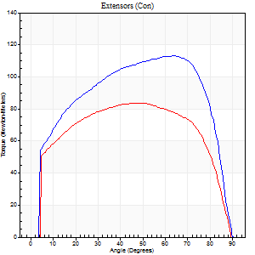
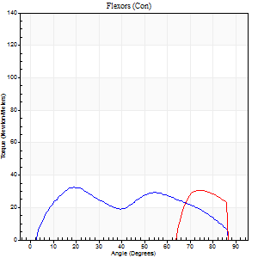
Right Side Curves Left Side Curves
Isokinetic Con/Con |  |  |  | Extensors (Con) |  | Flexors (Con)
Speed 60/60 d/s 3 Reps |  |  |  | Value | Cof Var | %BW | Value | Cof Var | %BW | Ratio

TORQUE PARAMETERS
Peak Torque (Newton-Meters - Best Repetition)
Right |  |  |  | 113 | 0.06 | 57 | 33 | 0.45 | 15 | 29
Left |  |  |  | 84 | 0.75 | 42 | 30 | 0.47 | 15 | 35
Deficit |  |  |  | 25 |  |  | 8
Work per Repetition (Newton-Meters - Best Repetition)
Right |  |  |  | 136 | 0.07 | 69 | 33 | 0.5 | 15 | 24
Left |  |  |  | 102 | 0.88 | 51 | 14 | 0.15 | 6 | 13
Deficit |  |  |  | 25 |  |  | 58
Average Power per Repetition (Watts - Best Repetition)
Right |  |  |  | 87 | 0.09 | 44 | 22 | 0.51 | 11 | 25
Left |  |  |  | 65 | 0.82 | 33 | 19 | 0.52 | 9 | 29
Deficit |  |  |  | 25 |  |  | 14
POSITION PARAMETERS
Joint Angle at Peak Torque (Degrees)
Right |  |  |  | 64 | 0.01 |  | 23 | 0.31
Left |  |  |  | 50 | 0.43 |  | 35 | 0.97
Range of Motion (Degrees)
Right |  |  |  | 0 | 0 |  | 90 | 0
Left |  |  |  | 32 | 1.41 |  | 89 | 0.03
TIME PARAMETERS
Time to Peak Torque (Seconds)
Right |  |  |  | 0.52 | 0 |  | 0.39 | 0.39
Left |  |  |  | 0.43 | 0.86 |  | 0.28 | 0.36
Time Peak Torque Held (Seconds)
Right |  |  |  | 0.16 | 0.68 |  | 0.07 | 0.35
Left |  |  |  | 0.03 | 1.73 |  | 0.04 | 1.73
Force Decay Time (Seconds)
Right |  |  |  | 0.95 | 0.1 |  | 1.07 | 0.12
Left |  |  |  | 0.48 | 0.67 |  | 0.88 | 0.6
Reciprocal Delay (Seconds)
Right |  |  |  | 0.14 | 0.51 |  | 0.22 | 0.19
Left |  |  |  | 0.16 | 0.39 |  | 0.2 | 0.61
Delay Time (Seconds)
Right |  |  |  | -0.07 | -0.2 |  | 0.05 | 0.72
Left |  |  |  | 0.09 | 1.26 |  | -0.02 | -0.69
HUMAC2015® Version: 15.000.0074 © Computer Sports Medicine, Inc. www.csmisolutions.com

Use File, Preference to set Report Heading
Long Form Torque vs. Position Report - Knee Extension/Flexion
Name: |  |  |  | TR030_FP3086, | ID: | TR030 | Right/Left: | 27.10.2022 27.10.2022
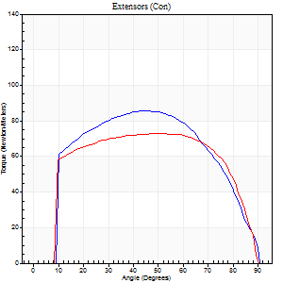
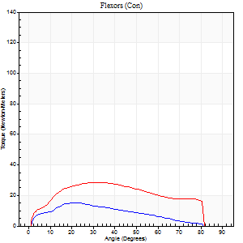
Right Side Curves Left Side Curves
Isokinetic Con/Con |  |  |  | Extensors (Con) |  | Flexors (Con)
Speed 120/120 d/s 3 Reps |  |  |  | Value | Cof Var | %BW | Value | Cof Var | %BW | Ratio

TORQUE PARAMETERS
Peak Torque (Newton-Meters - Best Repetition)
Right |  |  |  | 85 | 0.03 | 42 | 15 | 0.1 | 6 | 17
Left |  |  |  | 73 | 0.02 | 36 | 28 | 0.41 | 15 | 39
Deficit |  |  |  | 14 |  |  | 48
Work per Repetition (Newton-Meters - Best Repetition)
Right |  |  |  | 103 | 0.04 | 51 | 15 | 0.23 | 6 | 14
Left |  |  |  | 88 | 0.05 | 45 | 30 | 0.5 | 15 | 34
Deficit |  |  |  | 14 |  |  | 50
Average Power per Repetition (Watts - Best Repetition)
Right |  |  |  | 118 | 0.06 | 59 | 17 | 0.22 | 9 | 14
Left |  |  |  | 103 | 0.06 | 51 | 35 | 0.52 | 18 | 34
Deficit |  |  |  | 13 |  |  | 51
POSITION PARAMETERS
Joint Angle at Peak Torque (Degrees)
Right |  |  |  | 50 | 0.07 |  | 22 | 0.08
Left |  |  |  | 44 | 0.13 |  | 24 | 0.38
Range of Motion (Degrees)
Right |  |  |  | 0 | 0.47 |  | 90 | 0
Left |  |  |  | 0 | 0.2 |  | 90 | 0
TIME PARAMETERS
Time to Peak Torque (Seconds)
Right |  |  |  | 0.38 | 0.02 |  | 0.25 | 0.06
Left |  |  |  | 0.4 | 0.04 |  | 0.29 | 0.26
Time Peak Torque Held (Seconds)
Right |  |  |  | 0.07 | 0.31 |  | 0.01 | 1.73
Left |  |  |  | 0.03 | 1.48 |  | 0.02 | 0.49
Force Decay Time (Seconds)
Right |  |  |  | 0.41 | 0.04 |  | 0.6 | 0.04
Left |  |  |  | 0.4 | 0.11 |  | 0.57 | 0.16
Reciprocal Delay (Seconds)
Right |  |  |  | 0.11 | 0.13 |  | 0.16 | 0.13
Left |  |  |  | 0.13 | 0 |  | 0.17 | 0.33
Delay Time (Seconds)
Right |  |  |  | -0.05 | -0.16 |  | 0.02 | 0.99
Left |  |  |  | -0.01 | -0.47 |  | -0.01 | -2
HUMAC2015® Version: 15.000.0074 © Computer Sports Medicine, Inc. www.csmisolutions.com

Use File, Preference to set Report Heading
Long Form Torque vs. Position Report - Knee Extension/Flexion
Name: |  |  |  | TR030_FP3086, | ID: | TR030 | Right/Left: | 27.10.2022 27.10.2022
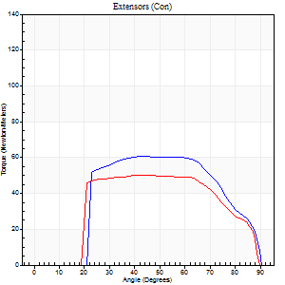
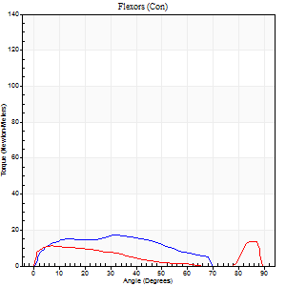
Right Side Curves Left Side Curves
Isokinetic Con/Con |  |  |  | Extensors (Con) |  | Flexors (Con)
Speed 240/240 d/s 3 Reps |  |  |  | Value | Cof Var | %BW | Value | Cof Var | %BW | Ratio

TORQUE PARAMETERS
Peak Torque (Newton-Meters - Best Repetition)
Right |  |  |  | 61 | 0.02 | 30 | 18 | 0.34 | 9 | 29
Left |  |  |  | 50 | 0.02 | 24 | 14 | 0.26 | 6 | 27
Deficit |  |  |  | 18 |  |  | 23
Work per Repetition (Newton-Meters - Best Repetition)
Right |  |  |  | 61 | 0.02 | 30 | 15 | 0.41 | 6 | 24
Left |  |  |  | 53 | 0.03 | 27 | 9 | 0.22 | 6 | 18
Deficit |  |  |  | 13 |  |  | 36
Average Power per Repetition (Watts - Best Repetition)
Right |  |  |  | 106 | 0.03 | 53 | 26 | 0.43 | 13 | 25
Left |  |  |  | 95 | 0.05 | 48 | 14 | 0.24 | 7 | 15
Deficit |  |  |  | 10 |  |  | 46
POSITION PARAMETERS
Joint Angle at Peak Torque (Degrees)
Right |  |  |  | 56 | 0.17 |  | 31 | 0.56
Left |  |  |  | 46 | 0.13 |  | 31 | 1.49
Range of Motion (Degrees)
Right |  |  |  | 1 | 0.75 |  | 89 | 0.01
Left |  |  |  | 0 | 0.16 |  | 89 | 0.01
TIME PARAMETERS
Time to Peak Torque (Seconds)
Right |  |  |  | 0.22 | 0.16 |  | 0.27 | 0.37
Left |  |  |  | 0.28 | 0.05 |  | 0.28 | 0.79
Time Peak Torque Held (Seconds)
Right |  |  |  | 0.02 | 0.35 |  | 0 | 0
Left |  |  |  | 0.01 | 1.15 |  | 0.04 | 1.32
Force Decay Time (Seconds)
Right |  |  |  | 0.29 | 0.2 |  | 0.31 | 0.31
Left |  |  |  | 0.27 | 0.04 |  | 0.32 | 0.71
Reciprocal Delay (Seconds)
Right |  |  |  | 0.06 | 0.11 |  | 0.11 | 0.05
Left |  |  |  | 0.05 | 0.13 |  | 0.15 | 0.23
Delay Time (Seconds)
Right |  |  |  | -0.04 | -0.2 |  | 0 | 6.24
Left |  |  |  | -0.02 | -0.71 |  | -0.04 | -0.9
HUMAC2015® Version: 15.000.0074 © Computer Sports Medicine, Inc. www.csmisolutions.com

Use File, Preference to set Report Heading
Isometric - Knee Extension/Flexion
Name: |  |  |  | TR030_FP3086, | ID: | TR030 | Right/Left: | 27.10.2022 27.10.2022

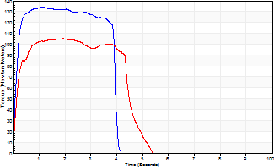
Isometric Extensors (Con) Angle 60 Time 10 Repetition 2 (Best Repetition)
 | Value | Cof Var | %BW
Peak Torque (Newton-Meters)
Right | 134 | 0.02 | 66
Left | 106 | 0 | 54
Deficit | 21
Average Torque (Newton-Meters)
Right | 50 | 0.02 | 24
Left | 53 | 0.13 | 27
Deficit | 5
Peak Torque Slope (Newton-Meters/Seconds)
Right | 122 | 0.44 | 61
Left | 70 | 0.17 | 35 |  | Right Side Curves Left Side Curves
Deficit | 43
Time to Half Peak Torque (Seconds)
Right | 0.11 | 0.07
Left | 0.14 | 0.15
Time to Peak Torque (Seconds)
Right | 1.57 | 0.43
Left | 1.7 | 0.17
HUMAC2015® Version: 15.000.0074 © Computer Sports Medicine, Inc. www.csmisolutions.com

post1
Use File, Preference to set Report Heading
Long Form Torque vs. Position Report - Knee Extension/Flexion
Name: |  |  |  | TR030_FP3086, | ID: | TR030 | Right/Left: | 21.11.2022 21.11.2022
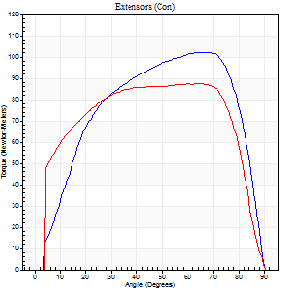
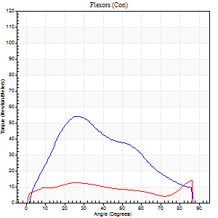
Right Side Curves Left Side Curves
Isokinetic Con/Con |  |  |  | Extensors (Con) |  | Flexors (Con)
Speed 60/60 d/s 3 Reps |  |  |  | Value | Cof Var | %BW | Value | Cof Var | %BW | Ratio

TORQUE PARAMETERS
Peak Torque (Newton-Meters - Best Repetition)
Right |  |  |  | 102 | 0.04 | 51 | 54 | 0.86 | 27 | 53
Left |  |  |  | 87 | 0.01 | 45 | 14 | 0.11 | 6 | 16
Deficit |  |  |  | 15 |  |  | 75
Work per Repetition (Newton-Meters - Best Repetition)
Right |  |  |  | 121 | 0.03 | 60 | 46 | 0.84 | 24 | 38
Left |  |  |  | 108 | 0.06 | 54 | 14 | 0.13 | 6 | 12
Deficit |  |  |  | 10 |  |  | 71
Average Power per Repetition (Watts - Best Repetition)
Right |  |  |  | 77 | 0.04 | 40 | 30 | 0.83 | 15 | 39
Left |  |  |  | 68 | 0.1 | 33 | 8 | 0.14 | 4 | 12
Deficit |  |  |  | 12 |  |  | 73
POSITION PARAMETERS
Joint Angle at Peak Torque (Degrees)
Right |  |  |  | 63 | 0.04 |  | 21 | 0.23
Left |  |  |  | 58 | 0.13 |  | 46 | 0.77
Range of Motion (Degrees)
Right |  |  |  | 0 | 0.2 |  | 90 | 0
Left |  |  |  | 0 | 0.47 |  | 90 | 0
TIME PARAMETERS
Time to Peak Torque (Seconds)
Right |  |  |  | 0.5 | 0.18 |  | 0.36 | 0.2
Left |  |  |  | 0.67 | 0.41 |  | 0.82 | 0.71
Time Peak Torque Held (Seconds)
Right |  |  |  | 0.09 | 0.27 |  | 0.04 | 1.1
Left |  |  |  | 0.28 | 0.55 |  | 0.02 | 1.73
Force Decay Time (Seconds)
Right |  |  |  | 0.98 | 0.06 |  | 1.12 | 0.05
Left |  |  |  | 0.72 | 0.14 |  | 0.73 | 0.76
Reciprocal Delay (Seconds)
Right |  |  |  | 0.22 | 0.03 |  | 0.15 | 0.47
Left |  |  |  | 0.24 | 0.57 |  | 0.25 | 0.12
Delay Time (Seconds)
Right |  |  |  | -0.03 | -1.41 |  | 0.02 | 1.32
Left |  |  |  | -0.06 | -0.94 |  | -0.01 | -0.87
HUMAC2015® Version: 15.000.0074 © Computer Sports Medicine, Inc. www.csmisolutions.com

Use File, Preference to set Report Heading
Long Form Torque vs. Position Report - Knee Extension/Flexion
Name: |  |  |  | TR030_FP3086, | ID: | TR030 | Right/Left: | 21.11.2022 21.11.2022
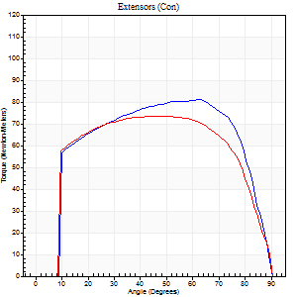
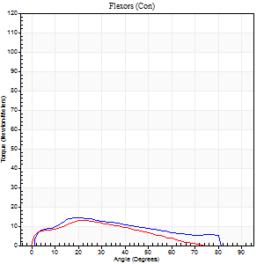
Right Side Curves Left Side Curves
Isokinetic Con/Con |  |  |  | Extensors (Con) |  | Flexors (Con)
Speed 120/120 d/s 3 Reps |  |  |  | Value | Cof Var | %BW | Value | Cof Var | %BW | Ratio

TORQUE PARAMETERS
Peak Torque (Newton-Meters - Best Repetition)
Right |  |  |  | 81 | 0.05 | 42 | 15 | 0.07 | 6 | 18
Left |  |  |  | 73 | 0.03 | 36 | 12 | 0.21 | 6 | 17
Deficit |  |  |  | 10 |  |  | 18
Work per Repetition (Newton-Meters - Best Repetition)
Right |  |  |  | 95 | 0.04 | 48 | 14 | 0.09 | 6 | 14
Left |  |  |  | 88 | 0.05 | 45 | 9 | 0.1 | 6 | 11
Deficit |  |  |  | 7 |  |  | 30
Average Power per Repetition (Watts - Best Repetition)
Right |  |  |  | 109 | 0.06 | 55 | 15 | 0.06 | 7 | 14
Left |  |  |  | 98 | 0.05 | 48 | 11 | 0.1 | 4 | 11
Deficit |  |  |  | 10 |  |  | 27
POSITION PARAMETERS
Joint Angle at Peak Torque (Degrees)
Right |  |  |  | 55 | 0.1 |  | 22 | 0.07
Left |  |  |  | 47 | 0.01 |  | 23 | 0.08
Range of Motion (Degrees)
Right |  |  |  | 0 | 0 |  | 90 | 0
Left |  |  |  | 0 | 0.47 |  | 90 | 0
TIME PARAMETERS
Time to Peak Torque (Seconds)
Right |  |  |  | 0.37 | 0.19 |  | 0.22 | 0.07
Left |  |  |  | 0.44 | 0.02 |  | 0.31 | 0.12
Time Peak Torque Held (Seconds)
Right |  |  |  | 0.05 | 0.87 |  | 0.01 | 1.73
Left |  |  |  | 0.05 | 0.87 |  | 0.01 | 1
Force Decay Time (Seconds)
Right |  |  |  | 0.47 | 0.18 |  | 0.6 | 0.09
Left |  |  |  | 0.41 | 0.1 |  | 0.59 | 0.04
Reciprocal Delay (Seconds)
Right |  |  |  | 0.15 | 0 |  | 0.13 | 0.15
Left |  |  |  | 0.08 | 0.09 |  | 0.21 | 0.1
Delay Time (Seconds)
Right |  |  |  | -0.05 | -0.13 |  | 0.05 | 0.65
Left |  |  |  | -0.01 | -1.41 |  | -0.02 | -0.69
HUMAC2015® Version: 15.000.0074 © Computer Sports Medicine, Inc. www.csmisolutions.com

Use File, Preference to set Report Heading
Long Form Torque vs. Position Report - Knee Extension/Flexion
Name: |  |  |  | TR030_FP3086, | ID: | TR030 | Right/Left: | 21.11.2022 21.11.2022
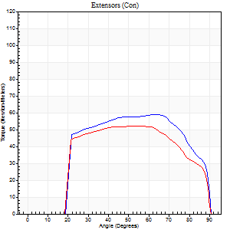
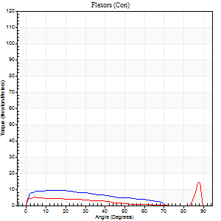
Right Side Curves Left Side Curves
Isokinetic Con/Con |  |  |  | Extensors (Con) |  | Flexors (Con)
Speed 240/240 d/s 3 Reps |  |  |  | Value | Cof Var | %BW | Value | Cof Var | %BW | Ratio

TORQUE PARAMETERS
Peak Torque (Newton-Meters - Best Repetition)
Right |  |  |  | 58 | 0.05 | 30 | 9 | 0.03 | 6 | 16
Left |  |  |  | 52 | 0.04 | 27 | 15 | 0.3 | 6 | 29
Deficit |  |  |  | 12 |  |  | 36
Work per Repetition (Newton-Meters - Best Repetition)
Right |  |  |  | 62 | 0.08 | 30 | 8 | 0.08 | 3 | 13
Left |  |  |  | 56 | 0.08 | 27 | 5 | 0.21 | 3 | 10
Deficit |  |  |  | 11 |  |  | 33
Average Power per Repetition (Watts - Best Repetition)
Right |  |  |  | 112 | 0.06 | 55 | 13 | 0.05 | 7 | 12
Left |  |  |  | 92 | 0.06 | 46 | 9 | 0.32 | 4 | 10
Deficit |  |  |  | 18 |  |  | 31
POSITION PARAMETERS
Joint Angle at Peak Torque (Degrees)
Right |  |  |  | 64 | 0.01 |  | 13 | 0.09
Left |  |  |  | 46 | 0.11 |  | 61 | 0.75
Range of Motion (Degrees)
Right |  |  |  | 0 | 0.61 |  | 90 | 0.01
Left |  |  |  | 0 | 0 |  | 89 | 0.01
TIME PARAMETERS
Time to Peak Torque (Seconds)
Right |  |  |  | 0.19 | 0 |  | 0.18 | 0.08
Left |  |  |  | 0.3 | 0.05 |  | 0.57 | 0.6
Time Peak Torque Held (Seconds)
Right |  |  |  | 0 | 1.73 |  | 0.03 | 0.88
Left |  |  |  | 0.01 | 0.87 |  | 0.02 | 1.73
Force Decay Time (Seconds)
Right |  |  |  | 0.34 | 0.03 |  | 0.38 | 0.08
Left |  |  |  | 0.28 | 0.14 |  | 0.17 | 1.43
Reciprocal Delay (Seconds)
Right |  |  |  | 0.06 | 0.11 |  | 0.12 | 0.17
Left |  |  |  | 0.08 | 0.28 |  | 0.17 | 0.13
Delay Time (Seconds)
Right |  |  |  | -0.03 | 0 |  | -0.01 | -2.29
Left |  |  |  | -0.01 | -0.47 |  | -0.04 | -0.31
HUMAC2015® Version: 15.000.0074 © Computer Sports Medicine, Inc. www.csmisolutions.com

Use File, Preference to set Report Heading
Isometric - Knee Extension/Flexion
Name: |  |  |  | TR030_FP3086, | ID: | TR030 | Right/Left: | 21.11.2022 21.11.2022

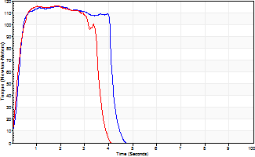
Isometric Extensors (Con) Angle 60 Time 10 Repetition 2 (Best Repetition)
 | Value | Cof Var | %BW
Peak Torque (Newton-Meters)
Right | 115 | 0.01 | 57
Left | 115 | 0.01 | 57
Deficit | 0
Average Torque (Newton-Meters)
Right | 45 | 0.01 | 24
Left | 38 | 0.03 | 18
Deficit | 15
Peak Torque Slope (Newton-Meters/Seconds)
Right | 64 | 0.04 | 32
Left | 88 | 0.23 | 44 |  | Right Side Curves Left Side Curves
Deficit | 28
Time to Half Peak Torque (Seconds)
Right | 0.25 | 0.09
Left | 0.27 | 0.26
Time to Peak Torque (Seconds)
Right | 1.83 | 0.03
Left | 1.55 | 0.25
HUMAC2015® Version: 15.000.0074 © Computer Sports Medicine, Inc. www.csmisolutions.com

post2
Use File, Preference to set Report Heading
Long Form Torque vs. Position Report - Knee Extension/Flexion
Name: |  |  |  | TR030_FP3086, | ID: | TR030 | Right/Left: | 23.11.2022 23.11.2022
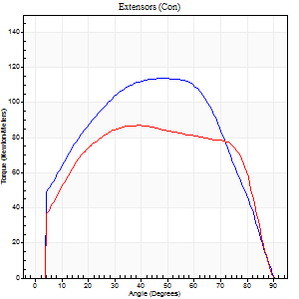
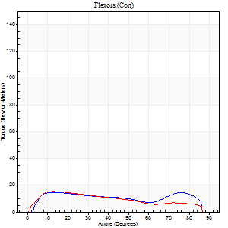
Right Side Curves Left Side Curves
Isokinetic Con/Con |  |  |  | Extensors (Con) |  | Flexors (Con)
Speed 60/60 d/s 3 Reps |  |  |  | Value | Cof Var | %BW | Value | Cof Var | %BW | Ratio

TORQUE PARAMETERS
Peak Torque (Newton-Meters - Best Repetition)
Right |  |  |  | 114 | 0.05 | 57 | 15 | 0.02 | 6 | 13
Left |  |  |  | 87 | 0.01 | 45 | 15 | 0.08 | 6 | 17
Deficit |  |  |  | 24 |  |  | 0
Work per Repetition (Newton-Meters - Best Repetition)
Right |  |  |  | 129 | 0.01 | 66 | 16 | 0.19 | 9 | 13
Left |  |  |  | 107 | 0.02 | 54 | 15 | 0.02 | 6 | 14
Deficit |  |  |  | 17 |  |  | 8
Average Power per Repetition (Watts - Best Repetition)
Right |  |  |  | 80 | 0.01 | 40 | 11 | 0.18 | 4 | 14
Left |  |  |  | 69 | 0.05 | 35 | 9 | 0.01 | 4 | 13
Deficit |  |  |  | 14 |  |  | 18
POSITION PARAMETERS
Joint Angle at Peak Torque (Degrees)
Right |  |  |  | 53 | 0.1 |  | 13 | 0.02
Left |  |  |  | 43 | 0.14 |  | 18 | 0.3
Range of Motion (Degrees)
Right |  |  |  | 0 | 1.41 |  | 90 | 0
Left |  |  |  | 0 | 1.41 |  | 90 | 0
TIME PARAMETERS
Time to Peak Torque (Seconds)
Right |  |  |  | 0.65 | 0.11 |  | 0.21 | 0.08
Left |  |  |  | 0.81 | 0.08 |  | 0.33 | 0.3
Time Peak Torque Held (Seconds)
Right |  |  |  | 0.11 | 0.44 |  | 0.37 | 1.59
Left |  |  |  | 0.07 | 0.61 |  | 0.02 | 1.73
Force Decay Time (Seconds)
Right |  |  |  | 0.8 | 0.07 |  | 0.91 | 0.65
Left |  |  |  | 0.67 | 0.23 |  | 1.17 | 0.15
Reciprocal Delay (Seconds)
Right |  |  |  | 0.19 | 0.07 |  | 0.19 | 0.19
Left |  |  |  | 0.19 | 0.27 |  | 0.19 | 0.34
Delay Time (Seconds)
Right |  |  |  | -0.05 | -0.13 |  | 0.05 | 0.4
Left |  |  |  | 0.02 | 2.12 |  | 0 | -1.73
HUMAC2015® Version: 15.000.0074 © Computer Sports Medicine, Inc. www.csmisolutions.com

Use File, Preference to set Report Heading
Long Form Torque vs. Position Report - Knee Extension/Flexion
Name: |  |  |  | TR030_FP3086, | ID: | TR030 | Right/Left: | 23.11.2022 23.11.2022
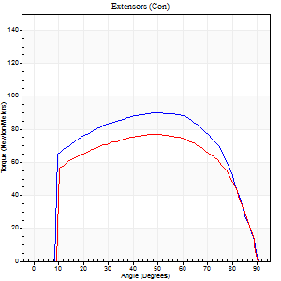
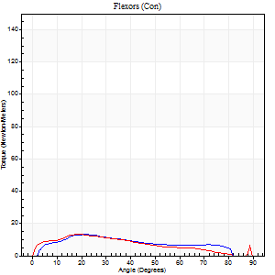
Right Side Curves Left Side Curves
Isokinetic Con/Con |  |  |  | Extensors (Con) |  | Flexors (Con)
Speed 120/120 d/s 3 Reps |  |  |  | Value | Cof Var | %BW | Value | Cof Var | %BW | Ratio

TORQUE PARAMETERS
Peak Torque (Newton-Meters - Best Repetition)
Right |  |  |  | 89 | 0.05 | 45 | 14 | 0.12 | 6 | 15
Left |  |  |  | 77 | 0.04 | 39 | 14 | 0.06 | 6 | 18
Deficit |  |  |  | 14 |  |  | 0
Work per Repetition (Newton-Meters - Best Repetition)
Right |  |  |  | 104 | 0.06 | 54 | 12 | 0.18 | 6 | 12
Left |  |  |  | 91 | 0.06 | 45 | 12 | 0.12 | 6 | 13
Deficit |  |  |  | 13 |  |  | 0
Average Power per Repetition (Watts - Best Repetition)
Right |  |  |  | 115 | 0.07 | 57 | 14 | 0.18 | 7 | 12
Left |  |  |  | 100 | 0.04 | 51 | 13 | 0.12 | 7 | 13
Deficit |  |  |  | 13 |  |  | 7
POSITION PARAMETERS
Joint Angle at Peak Torque (Degrees)
Right |  |  |  | 50 | 0.01 |  | 23 | 0.03
Left |  |  |  | 46 | 0.02 |  | 21 | 0.11
Range of Motion (Degrees)
Right |  |  |  | 0 | 0.47 |  | 90 | 0
Left |  |  |  | 0 | 0.16 |  | 89 | 0
TIME PARAMETERS
Time to Peak Torque (Seconds)
Right |  |  |  | 0.44 | 0.02 |  | 0.25 | 0.06
Left |  |  |  | 0.43 | 0.02 |  | 0.29 | 0.14
Time Peak Torque Held (Seconds)
Right |  |  |  | 0.03 | 0.62 |  | 0.01 | 1
Left |  |  |  | 0.03 | 0.62 |  | 0.02 | 0.92
Force Decay Time (Seconds)
Right |  |  |  | 0.45 | 0.07 |  | 0.58 | 0.03
Left |  |  |  | 0.42 | 0.07 |  | 0.57 | 0.08
Reciprocal Delay (Seconds)
Right |  |  |  | 0.11 | 0.06 |  | 0.16 | 0.13
Left |  |  |  | 0.08 | 0.09 |  | 0.19 | 0.14
Delay Time (Seconds)
Right |  |  |  | -0.05 | -0.13 |  | 0.06 | 0.24
Left |  |  |  | -0.01 | 0 |  | -0.02 | -0.25
HUMAC2015® Version: 15.000.0074 © Computer Sports Medicine, Inc. www.csmisolutions.com

Use File, Preference to set Report Heading
Long Form Torque vs. Position Report - Knee Extension/Flexion
Name: |  |  |  | TR030_FP3086, | ID: | TR030 | Right/Left: | 23.11.2022 23.11.2022
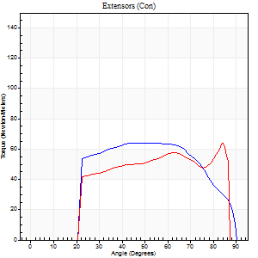
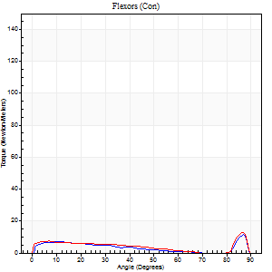
Right Side Curves Left Side Curves
Isokinetic Con/Con |  |  |  | Extensors (Con) |  | Flexors (Con)
Speed 240/240 d/s 3 Reps |  |  |  | Value | Cof Var | %BW | Value | Cof Var | %BW | Ratio

TORQUE PARAMETERS
Peak Torque (Newton-Meters - Best Repetition)
Right |  |  |  | 64 | 0.04 | 33 | 11 | 0.14 | 6 | 17
Left |  |  |  | 64 | 0.16 | 33 | 12 | 0.19 | 6 | 19
Deficit |  |  |  | 0 |  |  | 11
Work per Repetition (Newton-Meters - Best Repetition)
Right |  |  |  | 65 | 0.04 | 33 | 7 | 0.09 | 3 | 10
Left |  |  |  | 58 | 0.1 | 30 | 7 | 0.06 | 3 | 12
Deficit |  |  |  | 10 |  |  | 0
Average Power per Repetition (Watts - Best Repetition)
Right |  |  |  | 114 | 0.04 | 57 | 11 | 0.17 | 4 | 10
Left |  |  |  | 103 | 0.09 | 51 | 10 | 0.11 | 4 | 10
Deficit |  |  |  | 10 |  |  | 9
POSITION PARAMETERS
Joint Angle at Peak Torque (Degrees)
Right |  |  |  | 57 | 0.16 |  | 61 | 0.73
Left |  |  |  | 57 | 0.4 |  | 60 | 0.77
Range of Motion (Degrees)
Right |  |  |  | 0 | 4.24 |  | 89 | 0.01
Left |  |  |  | 0 | 0.16 |  | 88 | 0.01
TIME PARAMETERS
Time to Peak Torque (Seconds)
Right |  |  |  | 0.19 | 0.04 |  | 0.47 | 0.53
Left |  |  |  | 0.27 | 0.05 |  | 0.51 | 0.58
Time Peak Torque Held (Seconds)
Right |  |  |  | 0.01 | 1.73 |  | 0 | 1.73
Left |  |  |  | 0 | 1.73 |  | 0 | 0
Force Decay Time (Seconds)
Right |  |  |  | 0.33 | 0.18 |  | 0.18 | 1.4
Left |  |  |  | 0.35 | 0.36 |  | 0.18 | 1.4
Reciprocal Delay (Seconds)
Right |  |  |  | 0.05 | 0.13 |  | 0.18 | 0.31
Left |  |  |  | 0.05 | 0.28 |  | 0.17 | 0.21
Delay Time (Seconds)
Right |  |  |  | -0.03 | 0 |  | 0 | 10.54
Left |  |  |  | -0.02 | -0.28 |  | -0.04 | -0.25
HUMAC2015® Version: 15.000.0074 © Computer Sports Medicine, Inc. www.csmisolutions.com

Use File, Preference to set Report Heading
Isometric - Knee Extension/Flexion
Name: |  |  |  | TR030_FP3086, | ID: | TR030 | Right/Left: | 23.11.2022 23.11.2022

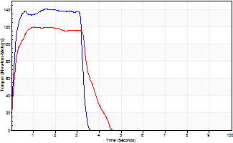
Isometric Extensors (Con) Angle 60 Time 10 Repetition 2 (Best Repetition)
 | Value | Cof Var | %BW
Peak Torque (Newton-Meters)
Right | 140 | 0.02 | 69
Left | 119 | 0 | 60
Deficit | 15
Average Torque (Newton-Meters)
Right | 46 | 0.05 | 24
Left | 47 | 0.1 | 24
Deficit | 3
Peak Torque Slope (Newton-Meters/Seconds)
Right | 96 | 0.04 | 48
Left | 118 | 0.2 | 59 |  | Right Side Curves Left Side Curves
Deficit | 19
Time to Half Peak Torque (Seconds)
Right | 0.13 | 0.22
Left | 0.14 | 0.15
Time to Peak Torque (Seconds)
Right | 1.47 | 0.06
Left | 1.16 | 0.2
HUMAC2015® Version: 15.000.0074 © Computer Sports Medicine, Inc. www.csmisolutions.com

