pre1
Use File, Preference to set Report Heading
Long Form Torque vs. Position Report - Knee Extension/Flexion
Name: |  |  |  | TR030_FP3087, | ID: | TR030 | Right/Left: | 25.09.2023 25.09.2023
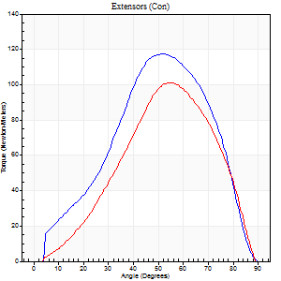
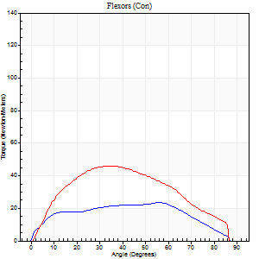
Right Side Curves Left Side Curves
Isokinetic Con/Con |  |  |  | Extensors (Con) |  | Flexors (Con)
Speed 60/60 d/s 3 Reps |  |  |  | Value | Cof Var | %BW | Value | Cof Var | %BW | Ratio

TORQUE PARAMETERS
Peak Torque (Newton-Meters - Best Repetition)
Right |  |  |  | 118 | 0.14 | 110 | 23 | 0.17 | 21 | 20
Left |  |  |  | 102 | 0.07 | 95 | 46 | 0.52 | 42 | 45
Deficit |  |  |  | 14 |  |  | 50
Work per Repetition (Newton-Meters - Best Repetition)
Right |  |  |  | 102 | 0.06 | 95 | 26 | 0.24 | 24 | 25
Left |  |  |  | 85 | 0.04 | 80 | 47 | 0.51 | 45 | 56
Deficit |  |  |  | 16 |  |  | 46
Average Power per Repetition (Watts - Best Repetition)
Right |  |  |  | 62 | 0.06 | 57 | 16 | 0.23 | 15 | 26
Left |  |  |  | 55 | 0.03 | 51 | 31 | 0.52 | 29 | 56
Deficit |  |  |  | 11 |  |  | 48
POSITION PARAMETERS
Joint Angle at Peak Torque (Degrees)
Right |  |  |  | 49 | 0.2 |  | 45 | 0.24
Left |  |  |  | 56 | 0.02 |  | 47 | 0.47
Range of Motion (Degrees)
Right |  |  |  | 1 | 0.07 |  | 90 | 0
Left |  |  |  | 0 | 0.2 |  | 90 | 0.01
TIME PARAMETERS
Time to Peak Torque (Seconds)
Right |  |  |  | 0.7 | 0.12 |  | 0.83 | 0.21
Left |  |  |  | 0.58 | 0.06 |  | 0.85 | 0.49
Time Peak Torque Held (Seconds)
Right |  |  |  | 0.05 | 0.35 |  | 0 | 0
Left |  |  |  | 0.03 | 0.46 |  | 0.04 | 1
Force Decay Time (Seconds)
Right |  |  |  | 0.78 | 0.2 |  | 0.75 | 0.23
Left |  |  |  | 0.92 | 0.04 |  | 0.66 | 0.54
Reciprocal Delay (Seconds)
Right |  |  |  | 0.2 | 0.49 |  | 0.26 | 0.11
Left |  |  |  | 0.12 | 0.35 |  | 0.14 | 0.45
Delay Time (Seconds)
Right |  |  |  | -0.07 | -0.2 |  | -0.04 | -0.5
Left |  |  |  | 0.01 | 1.41 |  | -0.03 | -0.69
HUMAC2015® Version: 15.000.0074 © Computer Sports Medicine, Inc. www.csmisolutions.com

Use File, Preference to set Report Heading
Long Form Torque vs. Position Report - Knee Extension/Flexion
Name: |  |  |  | TR030_FP3087, | ID: | TR030 | Right/Left: | 25.09.2023 25.09.2023
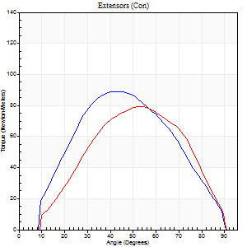
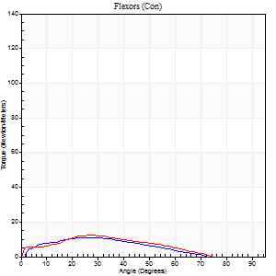
Right Side Curves Left Side Curves
Isokinetic Con/Con |  |  |  | Extensors (Con) |  | Flexors (Con)
Speed 120/120 d/s 3 Reps |  |  |  | Value | Cof Var | %BW | Value | Cof Var | %BW | Ratio

TORQUE PARAMETERS
Peak Torque (Newton-Meters - Best Repetition)
Right |  |  |  | 89 | 0.07 | 83 | 11 | 0.31 | 9 | 12
Left |  |  |  | 80 | 0.09 | 75 | 12 | 0.24 | 12 | 15
Deficit |  |  |  | 11 |  |  | 11
Work per Repetition (Newton-Meters - Best Repetition)
Right |  |  |  | 84 | 0.13 | 77 | 8 | 0.56 | 9 | 10
Left |  |  |  | 73 | 0.09 | 69 | 9 | 0.27 | 9 | 13
Deficit |  |  |  | 13 |  |  | 14
Average Power per Repetition (Watts - Best Repetition)
Right |  |  |  | 96 | 0.16 | 90 | 11 | 0.63 | 11 | 11
Left |  |  |  | 84 | 0.11 | 77 | 10 | 0.27 | 9 | 12
Deficit |  |  |  | 13 |  |  | 9
POSITION PARAMETERS
Joint Angle at Peak Torque (Degrees)
Right |  |  |  | 43 | 0.05 |  | 16 | 0.66
Left |  |  |  | 49 | 0.11 |  | 29 | 0.04
Range of Motion (Degrees)
Right |  |  |  | 1 | 0.04 |  | 90 | 0.01
Left |  |  |  | 0 | 0.28 |  | 90 | 0.01
TIME PARAMETERS
Time to Peak Torque (Seconds)
Right |  |  |  | 0.53 | 0.13 |  | 0.2 | 0.63
Left |  |  |  | 0.43 | 0.07 |  | 0.4 | 0.09
Time Peak Torque Held (Seconds)
Right |  |  |  | 0.02 | 0 |  | 0.04 | 1.73
Left |  |  |  | 0.03 | 0.22 |  | 0.02 | 0.92
Force Decay Time (Seconds)
Right |  |  |  | 0.35 | 0.06 |  | 0.69 | 0.41
Left |  |  |  | 0.43 | 0.12 |  | 0.55 | 0.07
Reciprocal Delay (Seconds)
Right |  |  |  | 0.21 | 0.88 |  | 0.09 | 0.53
Left |  |  |  | 0.54 | 1.18 |  | 0.12 | 0.26
Delay Time (Seconds)
Right |  |  |  | -0.05 | 0 |  | 0 | 0
Left |  |  |  | 0.14 | 1.61 |  | -0.05 | -0.12
HUMAC2015® Version: 15.000.0074 © Computer Sports Medicine, Inc. www.csmisolutions.com

Use File, Preference to set Report Heading
Long Form Torque vs. Position Report - Knee Extension/Flexion
Name: |  |  |  | TR030_FP3087, | ID: | TR030 | Right/Left: | 25.09.2023 25.09.2023
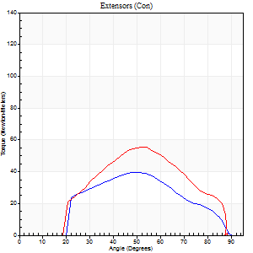
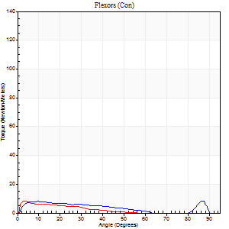
Right Side Curves Left Side Curves
Isokinetic Con/Con |  |  |  | Extensors (Con) |  | Flexors (Con)
Speed 240/240 d/s 3 Reps |  |  |  | Value | Cof Var | %BW | Value | Cof Var | %BW | Ratio

TORQUE PARAMETERS
Peak Torque (Newton-Meters - Best Repetition)
Right |  |  |  | 39 | 0.27 | 36 | 8 | 0.2 | 9 | 21
Left |  |  |  | 56 | 0.31 | 51 | 8 | 0.11 | 9 | 15
Deficit |  |  |  | 29 |  |  | 0
Work per Repetition (Newton-Meters - Best Repetition)
Right |  |  |  | 34 | 0.21 | 33 | 8 | 0.34 | 9 | 24
Left |  |  |  | 47 | 0.31 | 45 | 4 | 0.13 | 3 | 9
Deficit |  |  |  | 29 |  |  | 50
Average Power per Repetition (Watts - Best Repetition)
Right |  |  |  | 50 | 0.25 | 46 | 12 | 0.39 | 11 | 24
Left |  |  |  | 54 | 0.26 | 51 | 6 | 0.12 | 7 | 11
Deficit |  |  |  | 7 |  |  | 50
POSITION PARAMETERS
Joint Angle at Peak Torque (Degrees)
Right |  |  |  | 49 | 0.03 |  | 43 | 0.89
Left |  |  |  | 52 | 0.01 |  | 2 | 0.24
Range of Motion (Degrees)
Right |  |  |  | 2 | 0 |  | 90 | 0
Left |  |  |  | 1 | 0.05 |  | 89 | 0.01
TIME PARAMETERS
Time to Peak Torque (Seconds)
Right |  |  |  | 0.49 | 0.25 |  | 0.36 | 0.52
Left |  |  |  | 0.65 | 0.18 |  | 0.08 | 0.15
Time Peak Torque Held (Seconds)
Right |  |  |  | 0.01 | 0.87 |  | 0 | 0
Left |  |  |  | 0.01 | 0.87 |  | 0.1 | 1.48
Force Decay Time (Seconds)
Right |  |  |  | 0.24 | 0.06 |  | 0.3 | 0.67
Left |  |  |  | 0.27 | 0.02 |  | 0.57 | 0.24
Reciprocal Delay (Seconds)
Right |  |  |  | 0.15 | 0.05 |  | 0.07 | 0
Left |  |  |  | 0.35 | 0.97 |  | 0.07 | 0.08
Delay Time (Seconds)
Right |  |  |  | -0.04 | -1.77 |  | -0.02 | -0.35
Left |  |  |  | -0.24 | -1.47 |  | -0.04 | 0
HUMAC2015® Version: 15.000.0074 © Computer Sports Medicine, Inc. www.csmisolutions.com

Use File, Preference to set Report Heading
Isometric - Knee Extension/Flexion
Name: |  |  |  | TR030_FP3087, | ID: | TR030 | Right/Left: | 25.09.2023 25.09.2023

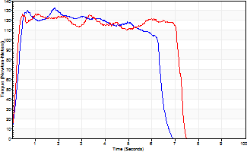
Isometric Extensors (Con) Angle 60 Time 10 Repetition 2 (Best Repetition)
 | Value | Cof Var | %BW
Peak Torque (Newton-Meters)
Right | 133 | 0.06 | 122
Left | 127 | 0.03 | 119
Deficit | 4
Average Torque (Newton-Meters)
Right | 79 | 0.04 | 72
Left | 84 | 0.14 | 77
Deficit | 6
Peak Torque Slope (Newton-Meters/Seconds)
Right | 191 | 0.64 | 177
Left | 124 | 0.13 | 115 |  | Right Side Curves Left Side Curves
Deficit | 35
Time to Half Peak Torque (Seconds)
Right | 0.22 | 0.3
Left | 0.18 | 0.04
Time to Peak Torque (Seconds)
Right | 1.23 | 0.69
Left | 1.09 | 0.1
HUMAC2015® Version: 15.000.0074 © Computer Sports Medicine, Inc. www.csmisolutions.com

pre2
Use File, Preference to set Report Heading
Long Form Torque vs. Position Report - Knee Extension/Flexion
Name: |  |  |  | TR030_FP3087, | ID: | TR030 | Right/Left: | 02.10.2023 02.10.2023
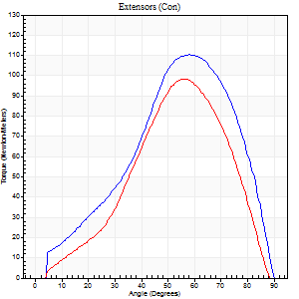
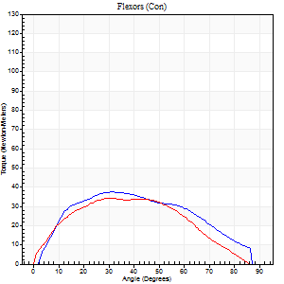
Right Side Curves Left Side Curves
Isokinetic Con/Con |  |  |  | Extensors (Con) |  | Flexors (Con)
Speed 60/60 d/s 3 Reps |  |  |  | Value | Cof Var | %BW | Value | Cof Var | %BW | Ratio

TORQUE PARAMETERS
Peak Torque (Newton-Meters - Best Repetition)
Right |  |  |  | 110 | 0.03 | 101 | 38 | 0.33 | 36 | 35
Left |  |  |  | 98 | 0.09 | 89 | 34 | 0.07 | 33 | 35
Deficit |  |  |  | 11 |  |  | 11
Work per Repetition (Newton-Meters - Best Repetition)
Right |  |  |  | 96 | 0.04 | 89 | 39 | 0.34 | 36 | 41
Left |  |  |  | 77 | 0.03 | 72 | 34 | 0.06 | 33 | 44
Deficit |  |  |  | 20 |  |  | 14
Average Power per Repetition (Watts - Best Repetition)
Right |  |  |  | 63 | 0.05 | 59 | 26 | 0.34 | 24 | 41
Left |  |  |  | 49 | 0.04 | 46 | 22 | 0.04 | 20 | 45
Deficit |  |  |  | 22 |  |  | 15
POSITION PARAMETERS
Joint Angle at Peak Torque (Degrees)
Right |  |  |  | 59 | 0.02 |  | 39 | 0.18
Left |  |  |  | 58 | 0.04 |  | 38 | 0.2
Range of Motion (Degrees)
Right |  |  |  | 0 | 0.66 |  | 90 | 0
Left |  |  |  | 1 | 0.37 |  | 90 | 0.01
TIME PARAMETERS
Time to Peak Torque (Seconds)
Right |  |  |  | 0.54 | 0.05 |  | 0.68 | 0.22
Left |  |  |  | 0.59 | 0.02 |  | 0.68 | 0.18
Time Peak Torque Held (Seconds)
Right |  |  |  | 0.05 | 0.2 |  | 0.09 | 0.69
Left |  |  |  | 0.04 | 0.35 |  | 0.12 | 1.21
Force Decay Time (Seconds)
Right |  |  |  | 0.95 | 0.02 |  | 0.75 | 0.29
Left |  |  |  | 0.94 | 0.04 |  | 0.73 | 0.03
Reciprocal Delay (Seconds)
Right |  |  |  | 0.12 | 0.24 |  | 0.15 | 0.46
Left |  |  |  | 0.1 | 0.14 |  | 0.14 | 0.33
Delay Time (Seconds)
Right |  |  |  | -0.01 | -1.41 |  | 0 | 6.24
Left |  |  |  | -0.01 | -12.73 |  | -0.02 | -0.87
HUMAC2015® Version: 15.000.0074 © Computer Sports Medicine, Inc. www.csmisolutions.com

Use File, Preference to set Report Heading
Long Form Torque vs. Position Report - Knee Extension/Flexion
Name: |  |  |  | TR030_FP3087, | ID: | TR030 | Right/Left: | 02.10.2023 02.10.2023
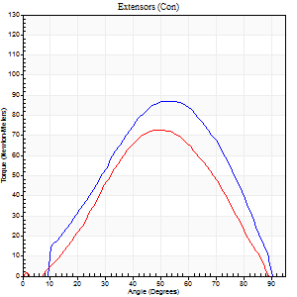
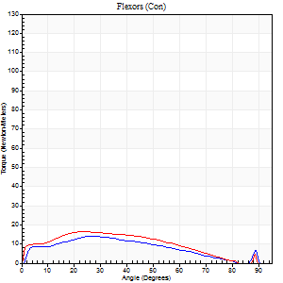
Right Side Curves Left Side Curves
Isokinetic Con/Con |  |  |  | Extensors (Con) |  | Flexors (Con)
Speed 120/120 d/s 3 Reps |  |  |  | Value | Cof Var | %BW | Value | Cof Var | %BW | Ratio

TORQUE PARAMETERS
Peak Torque (Newton-Meters - Best Repetition)
Right |  |  |  | 87 | 0.03 | 80 | 14 | 0.16 | 12 | 16
Left |  |  |  | 73 | 0.07 | 69 | 16 | 0.09 | 15 | 22
Deficit |  |  |  | 16 |  |  | 17
Work per Repetition (Newton-Meters - Best Repetition)
Right |  |  |  | 80 | 0.01 | 75 | 12 | 0.19 | 12 | 15
Left |  |  |  | 61 | 0.07 | 57 | 16 | 0.02 | 15 | 27
Deficit |  |  |  | 24 |  |  | 25
Average Power per Repetition (Watts - Best Repetition)
Right |  |  |  | 94 | 0.01 | 88 | 14 | 0.19 | 13 | 15
Left |  |  |  | 70 | 0.08 | 66 | 18 | 0.04 | 18 | 26
Deficit |  |  |  | 26 |  |  | 22
POSITION PARAMETERS
Joint Angle at Peak Torque (Degrees)
Right |  |  |  | 53 | 0.05 |  | 26 | 0.04
Left |  |  |  | 50 | 0.03 |  | 30 | 0.34
Range of Motion (Degrees)
Right |  |  |  | 1 | 0.1 |  | 90 | 0
Left |  |  |  | 1 | 0.1 |  | 89 | 0.01
TIME PARAMETERS
Time to Peak Torque (Seconds)
Right |  |  |  | 0.37 | 0.08 |  | 0.3 | 0.12
Left |  |  |  | 0.42 | 0.03 |  | 0.35 | 0.29
Time Peak Torque Held (Seconds)
Right |  |  |  | 0.03 | 0.69 |  | 0.03 | 1.73
Left |  |  |  | 0.02 | 0.35 |  | 0.03 | 1.05
Force Decay Time (Seconds)
Right |  |  |  | 0.43 | 0 |  | 0.54 | 0.14
Left |  |  |  | 0.43 | 0.04 |  | 0.49 | 0.12
Reciprocal Delay (Seconds)
Right |  |  |  | 0.09 | 0 |  | 0.08 | 0.2
Left |  |  |  | 0.09 | 0.07 |  | 0.08 | 0.08
Delay Time (Seconds)
Right |  |  |  | -0.03 | 0 |  | -0.01 | -1.73
Left |  |  |  | 0 | -1.41 |  | -0.05 | -0.12
HUMAC2015® Version: 15.000.0074 © Computer Sports Medicine, Inc. www.csmisolutions.com

Use File, Preference to set Report Heading
Long Form Torque vs. Position Report - Knee Extension/Flexion
Name: |  |  |  | TR030_FP3087, | ID: | TR030 | Right/Left: | 02.10.2023 02.10.2023
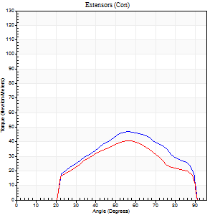
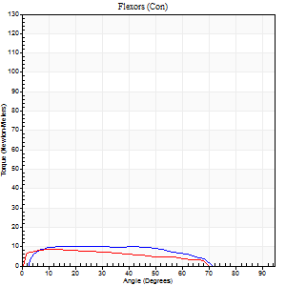
Right Side Curves Left Side Curves
Isokinetic Con/Con |  |  |  | Extensors (Con) |  | Flexors (Con)
Speed 240/240 d/s 3 Reps |  |  |  | Value | Cof Var | %BW | Value | Cof Var | %BW | Ratio

TORQUE PARAMETERS
Peak Torque (Newton-Meters - Best Repetition)
Right |  |  |  | 47 | 0.15 | 45 | 9 | 0.18 | 9 | 20
Left |  |  |  | 41 | 0.19 | 39 | 8 | 0.05 | 9 | 20
Deficit |  |  |  | 14 |  |  | 14
Work per Repetition (Newton-Meters - Best Repetition)
Right |  |  |  | 43 | 0.16 | 42 | 11 | 0.3 | 9 | 25
Left |  |  |  | 35 | 0.17 | 33 | 8 | 0.15 | 9 | 23
Deficit |  |  |  | 19 |  |  | 25
Average Power per Repetition (Watts - Best Repetition)
Right |  |  |  | 79 | 0.18 | 73 | 17 | 0.28 | 15 | 22
Left |  |  |  | 62 | 0.34 | 57 | 12 | 0.2 | 11 | 19
Deficit |  |  |  | 22 |  |  | 29
POSITION PARAMETERS
Joint Angle at Peak Torque (Degrees)
Right |  |  |  | 49 | 0.12 |  | 26 | 0.74
Left |  |  |  | 53 | 0.08 |  | 11 | 0.21
Range of Motion (Degrees)
Right |  |  |  | 1 | 0.13 |  | 90 | 0.01
Left |  |  |  | 1 | 0.54 |  | 90 | 0.01
TIME PARAMETERS
Time to Peak Torque (Seconds)
Right |  |  |  | 0.31 | 0.07 |  | 0.27 | 0.52
Left |  |  |  | 0.44 | 0.5 |  | 0.22 | 0.12
Time Peak Torque Held (Seconds)
Right |  |  |  | 0 | 0 |  | 0 | 0
Left |  |  |  | 0.01 | 1 |  | 0.02 | 1.73
Force Decay Time (Seconds)
Right |  |  |  | 0.26 | 0.08 |  | 0.35 | 0.3
Left |  |  |  | 0.28 | 0.06 |  | 0.43 | 0.03
Reciprocal Delay (Seconds)
Right |  |  |  | 0.07 | 0 |  | 0.11 | 0.6
Left |  |  |  | 0.17 | 0.67 |  | 0.09 | 0.45
Delay Time (Seconds)
Right |  |  |  | -0.04 | -0.2 |  | -0.01 | -5.27
Left |  |  |  | -0.02 | 0 |  | -0.05 | -0.43
HUMAC2015® Version: 15.000.0074 © Computer Sports Medicine, Inc. www.csmisolutions.com

Use File, Preference to set Report Heading
Isometric - Knee Extension/Flexion
Name: |  |  |  | TR030_FP3087, | ID: | TR030 | Right/Left: | 02.10.2023 02.10.2023

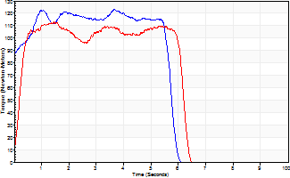
Isometric Extensors (Con) Angle 60 Time 10 Repetition 2 (Best Repetition)
 | Value | Cof Var | %BW
Peak Torque (Newton-Meters)
Right | 123 | 0.24 | 113
Left | 113 | 0.08 | 104
Deficit | 9
Average Torque (Newton-Meters)
Right | 65 | 0.16 | 60
Left | 64 | 0.35 | 60
Deficit | 2
Peak Torque Slope (Newton-Meters/Seconds)
Right | 66 | 0.45 | 61
Left | 203 | 0.63 | 188 |  | Right Side Curves Left Side Curves
Deficit | 68
Time to Half Peak Torque (Seconds)
Right | 0.12 | 1.41
Left | 0.19 | 0.11
Time to Peak Torque (Seconds)
Right | 2.49 | 0.66
Left | 0.97 | 0.7
HUMAC2015® Version: 15.000.0074 © Computer Sports Medicine, Inc. www.csmisolutions.com

mid1
Use File, Preference to set Report Heading
Long Form Torque vs. Position Report - Knee Extension/Flexion
Name: |  |  |  | TR030_FP3087, | ID: | TR030 | Right/Left: | 06.11.2023 06.11.2023
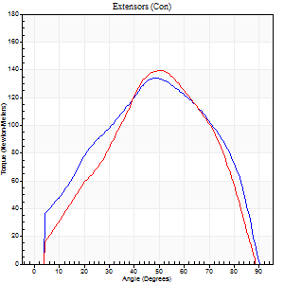
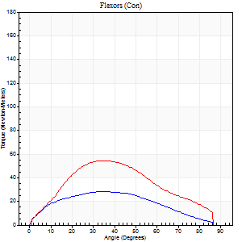
Right Side Curves Left Side Curves
Isokinetic Con/Con |  |  |  | Extensors (Con) |  | Flexors (Con)
Speed 60/60 d/s 3 Reps |  |  |  | Value | Cof Var | %BW | Value | Cof Var | %BW | Ratio

TORQUE PARAMETERS
Peak Torque (Newton-Meters - Best Repetition)
Right |  |  |  | 134 | 0.02 | 125 | 28 | 0.27 | 27 | 21
Left |  |  |  | 140 | 0.06 | 128 | 54 | 0.16 | 51 | 39
Deficit |  |  |  | 4 |  |  | 48
Work per Repetition (Newton-Meters - Best Repetition)
Right |  |  |  | 137 | 0.02 | 128 | 28 | 0.23 | 27 | 21
Left |  |  |  | 125 | 0.04 | 116 | 52 | 0.13 | 48 | 41
Deficit |  |  |  | 9 |  |  | 45
Average Power per Repetition (Watts - Best Repetition)
Right |  |  |  | 87 | 0.02 | 81 | 17 | 0.2 | 15 | 20
Left |  |  |  | 82 | 0.05 | 77 | 33 | 0.12 | 31 | 40
Deficit |  |  |  | 6 |  |  | 48
POSITION PARAMETERS
Joint Angle at Peak Torque (Degrees)
Right |  |  |  | 52 | 0.05 |  | 36 | 0.32
Left |  |  |  | 53 | 0.07 |  | 33 | 0.04
Range of Motion (Degrees)
Right |  |  |  | 0 | 0 |  | 90 | 0
Left |  |  |  | 0 | 0.24 |  | 90 | 0.01
TIME PARAMETERS
Time to Peak Torque (Seconds)
Right |  |  |  | 0.68 | 0.06 |  | 0.62 | 0.3
Left |  |  |  | 0.64 | 0 |  | 0.59 | 0.03
Time Peak Torque Held (Seconds)
Right |  |  |  | 0.05 | 0.47 |  | 0.1 | 1.16
Left |  |  |  | 0.04 | 0.43 |  | 0.05 | 0.87
Force Decay Time (Seconds)
Right |  |  |  | 0.86 | 0.07 |  | 0.82 | 0.1
Left |  |  |  | 0.86 | 0.07 |  | 0.88 | 0.08
Reciprocal Delay (Seconds)
Right |  |  |  | 0.16 | 0.04 |  | 0.32 | 0.28
Left |  |  |  | 0.09 | 0.25 |  | 0.13 | 0.32
Delay Time (Seconds)
Right |  |  |  | -0.01 | -0.47 |  | 0.01 | 0
Left |  |  |  | 0.02 | 0 |  | -0.02 | -0.35
HUMAC2015® Version: 15.000.0074 © Computer Sports Medicine, Inc. www.csmisolutions.com

Use File, Preference to set Report Heading
Long Form Torque vs. Position Report - Knee Extension/Flexion
Name: |  |  |  | TR030_FP3087, | ID: | TR030 | Right/Left: | 06.11.2023 06.11.2023
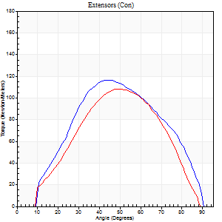
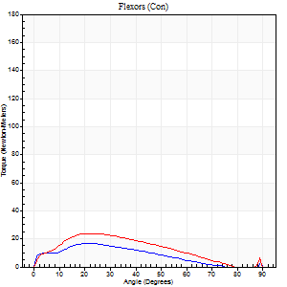
Right Side Curves Left Side Curves
Isokinetic Con/Con |  |  |  | Extensors (Con) |  | Flexors (Con)
Speed 120/120 d/s 3 Reps |  |  |  | Value | Cof Var | %BW | Value | Cof Var | %BW | Ratio

TORQUE PARAMETERS
Peak Torque (Newton-Meters - Best Repetition)
Right |  |  |  | 117 | 0.09 | 107 | 16 | 0.61 | 15 | 14
Left |  |  |  | 108 | 0.27 | 101 | 24 | 0.25 | 24 | 22
Deficit |  |  |  | 7 |  |  | 33
Work per Repetition (Newton-Meters - Best Repetition)
Right |  |  |  | 115 | 0.12 | 107 | 14 | 0.65 | 12 | 12
Left |  |  |  | 96 | 0.22 | 89 | 20 | 0.16 | 18 | 21
Deficit |  |  |  | 16 |  |  | 33
Average Power per Repetition (Watts - Best Repetition)
Right |  |  |  | 133 | 0.17 | 123 | 14 | 0.65 | 13 | 11
Left |  |  |  | 113 | 0.28 | 105 | 22 | 0.2 | 20 | 19
Deficit |  |  |  | 15 |  |  | 36
POSITION PARAMETERS
Joint Angle at Peak Torque (Degrees)
Right |  |  |  | 44 | 0.04 |  | 27 | 0.22
Left |  |  |  | 45 | 0.11 |  | 24 | 0.11
Range of Motion (Degrees)
Right |  |  |  | 1 | 0.1 |  | 90 | 0
Left |  |  |  | 1 | 0.05 |  | 90 | 0.01
TIME PARAMETERS
Time to Peak Torque (Seconds)
Right |  |  |  | 0.49 | 0.03 |  | 0.32 | 0.17
Left |  |  |  | 0.41 | 0 |  | 0.29 | 0.06
Time Peak Torque Held (Seconds)
Right |  |  |  | 0.02 | 0.25 |  | 0.01 | 1.73
Left |  |  |  | 0.02 | 1 |  | 0.03 | 0.62
Force Decay Time (Seconds)
Right |  |  |  | 0.38 | 0.13 |  | 0.6 | 0.08
Left |  |  |  | 0.39 | 0.1 |  | 0.59 | 0.12
Reciprocal Delay (Seconds)
Right |  |  |  | 0.14 | 0.16 |  | 0.11 | 0.29
Left |  |  |  | 0.11 | 0.07 |  | 0.09 | 0.29
Delay Time (Seconds)
Right |  |  |  | -0.06 | -0.54 |  | 0 | 0
Left |  |  |  | 0 | -1.41 |  | -0.02 | -0.25
HUMAC2015® Version: 15.000.0074 © Computer Sports Medicine, Inc. www.csmisolutions.com

Use File, Preference to set Report Heading
Long Form Torque vs. Position Report - Knee Extension/Flexion
Name: |  |  |  | TR030_FP3087, | ID: | TR030 | Right/Left: | 06.11.2023 06.11.2023
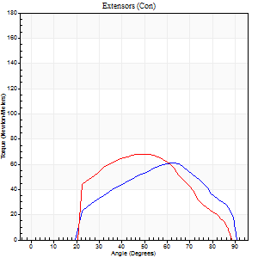
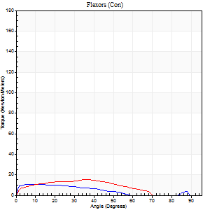
Right Side Curves Left Side Curves
Isokinetic Con/Con |  |  |  | Extensors (Con) |  | Flexors (Con)
Speed 240/240 d/s 3 Reps |  |  |  | Value | Cof Var | %BW | Value | Cof Var | %BW | Ratio

TORQUE PARAMETERS
Peak Torque (Newton-Meters - Best Repetition)
Right |  |  |  | 61 | 0.33 | 57 | 11 | 0.24 | 9 | 18
Left |  |  |  | 68 | 0.29 | 63 | 15 | 0.37 | 15 | 22
Deficit |  |  |  | 10 |  |  | 27
Work per Repetition (Newton-Meters - Best Repetition)
Right |  |  |  | 53 | 0.38 | 48 | 8 | 0.27 | 9 | 15
Left |  |  |  | 58 | 0.28 | 54 | 14 | 0.4 | 12 | 23
Deficit |  |  |  | 9 |  |  | 40
Average Power per Repetition (Watts - Best Repetition)
Right |  |  |  | 78 | 0.37 | 73 | 11 | 0.36 | 11 | 14
Left |  |  |  | 102 | 0.33 | 95 | 15 | 0.28 | 13 | 15
Deficit |  |  |  | 24 |  |  | 27
POSITION PARAMETERS
Joint Angle at Peak Torque (Degrees)
Right |  |  |  | 59 | 0.06 |  | 11 | 0.26
Left |  |  |  | 54 | 0.03 |  | 21 | 0.6
Range of Motion (Degrees)
Right |  |  |  | 1 | 1.3 |  | 90 | 0
Left |  |  |  | 1 | 0.07 |  | 90 | 0.01
TIME PARAMETERS
Time to Peak Torque (Seconds)
Right |  |  |  | 0.25 | 0.09 |  | 0.26 | 0.29
Left |  |  |  | 0.28 | 0.15 |  | 0.27 | 0.39
Time Peak Torque Held (Seconds)
Right |  |  |  | 0 | 1.73 |  | 0.07 | 0.31
Left |  |  |  | 0.01 | 1.73 |  | 0 | 0
Force Decay Time (Seconds)
Right |  |  |  | 0.35 | 0.2 |  | 0.45 | 0.11
Left |  |  |  | 0.28 | 0.11 |  | 0.45 | 0.09
Reciprocal Delay (Seconds)
Right |  |  |  | 0.26 | 0.05 |  | 0.21 | 0.6
Left |  |  |  | 0.1 | 0.42 |  | 0.09 | 0.44
Delay Time (Seconds)
Right |  |  |  | -0.05 | -0.16 |  | -0.04 | -0.67
Left |  |  |  | 0 | 9.9 |  | -0.05 | -0.35
HUMAC2015® Version: 15.000.0074 © Computer Sports Medicine, Inc. www.csmisolutions.com

Use File, Preference to set Report Heading
Isometric - Knee Extension/Flexion
Name: |  |  |  | TR030_FP3087, | ID: | TR030 | Right/Left: | 06.11.2023 06.11.2023

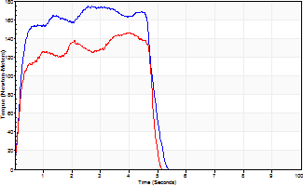
Isometric Extensors (Con) Angle 60 Time 10 Repetition 2 (Best Repetition)
 | Value | Cof Var | %BW
Peak Torque (Newton-Meters)
Right | 175 | 0.02 | 161
Left | 145 | 0.07 | 134
Deficit | 17
Average Torque (Newton-Meters)
Right | 77 | 0.03 | 72
Left | 61 | 0.13 | 57
Deficit | 21
Peak Torque Slope (Newton-Meters/Seconds)
Right | 65 | 0.31 | 60
Left | 37 | 0.01 | 34 |  | Right Side Curves Left Side Curves
Deficit | 43
Time to Half Peak Torque (Seconds)
Right | 0.19 | 0.04
Left | 0.19 | 0
Time to Peak Torque (Seconds)
Right | 3.38 | 0.29
Left | 3.78 | 0.09
HUMAC2015® Version: 15.000.0074 © Computer Sports Medicine, Inc. www.csmisolutions.com

mid2
Use File, Preference to set Report Heading
Long Form Torque vs. Position Report - Knee Extension/Flexion
Name: |  |  |  | TR030_FP3087, | ID: | TR030 | Right/Left: | 09.11.2023 09.11.2023
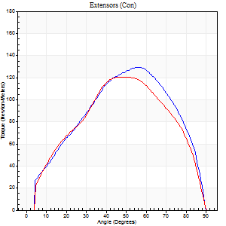
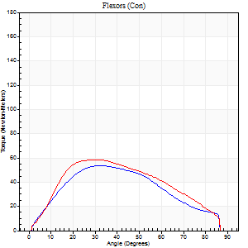
Right Side Curves Left Side Curves
Isokinetic Con/Con |  |  |  | Extensors (Con) |  | Flexors (Con)
Speed 60/60 d/s 3 Reps |  |  |  | Value | Cof Var | %BW | Value | Cof Var | %BW | Ratio

TORQUE PARAMETERS
Peak Torque (Newton-Meters - Best Repetition)
Right |  |  |  | 129 | 0.07 | 119 | 53 | 0.1 | 48 | 41
Left |  |  |  | 121 | 0.1 | 113 | 58 | 0.19 | 54 | 48
Deficit |  |  |  | 6 |  |  | 9
Work per Repetition (Newton-Meters - Best Repetition)
Right |  |  |  | 132 | 0.05 | 122 | 56 | 0.11 | 51 | 42
Left |  |  |  | 123 | 0.1 | 113 | 58 | 0.22 | 54 | 47
Deficit |  |  |  | 6 |  |  | 5
Average Power per Repetition (Watts - Best Repetition)
Right |  |  |  | 85 | 0.05 | 79 | 36 | 0.1 | 33 | 42
Left |  |  |  | 80 | 0.09 | 75 | 38 | 0.2 | 35 | 48
Deficit |  |  |  | 6 |  |  | 5
POSITION PARAMETERS
Joint Angle at Peak Torque (Degrees)
Right |  |  |  | 54 | 0.04 |  | 34 | 0.09
Left |  |  |  | 49 | 0.09 |  | 32 | 0.03
Range of Motion (Degrees)
Right |  |  |  | 1 | 0.11 |  | 90 | 0
Left |  |  |  | 1 | 0.13 |  | 90 | 0.01
TIME PARAMETERS
Time to Peak Torque (Seconds)
Right |  |  |  | 0.62 | 0 |  | 0.56 | 0.08
Left |  |  |  | 0.66 | 0.15 |  | 0.56 | 0.03
Time Peak Torque Held (Seconds)
Right |  |  |  | 0.07 | 0.09 |  | 0.02 | 0.92
Left |  |  |  | 0.05 | 0.4 |  | 0.02 | 0.89
Force Decay Time (Seconds)
Right |  |  |  | 0.85 | 0.06 |  | 0.92 | 0.06
Left |  |  |  | 0.77 | 0.09 |  | 0.92 | 0.01
Reciprocal Delay (Seconds)
Right |  |  |  | 0.1 | 0.28 |  | 0.11 | 0.28
Left |  |  |  | 0.08 | 0.09 |  | 0.1 | 0.15
Delay Time (Seconds)
Right |  |  |  | 0 | 1.41 |  | 0.02 | 0.49
Left |  |  |  | 0.02 | 0.28 |  | 0 | 1.73
HUMAC2015® Version: 15.000.0074 © Computer Sports Medicine, Inc. www.csmisolutions.com

Use File, Preference to set Report Heading
Long Form Torque vs. Position Report - Knee Extension/Flexion
Name: |  |  |  | TR030_FP3087, | ID: | TR030 | Right/Left: | 09.11.2023 09.11.2023
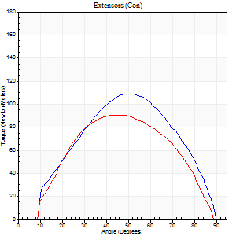
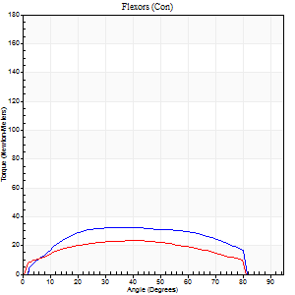
Right Side Curves Left Side Curves
Isokinetic Con/Con |  |  |  | Extensors (Con) |  | Flexors (Con)
Speed 120/120 d/s 3 Reps |  |  |  | Value | Cof Var | %BW | Value | Cof Var | %BW | Ratio

TORQUE PARAMETERS
Peak Torque (Newton-Meters - Best Repetition)
Right |  |  |  | 108 | 0.02 | 101 | 33 | 0.28 | 30 | 30
Left |  |  |  | 91 | 0.14 | 83 | 23 | 0.25 | 21 | 25
Deficit |  |  |  | 16 |  |  | 29
Work per Repetition (Newton-Meters - Best Repetition)
Right |  |  |  | 107 | 0.05 | 98 | 37 | 0.26 | 33 | 34
Left |  |  |  | 88 | 0.11 | 80 | 26 | 0.38 | 24 | 29
Deficit |  |  |  | 18 |  |  | 30
Average Power per Repetition (Watts - Best Repetition)
Right |  |  |  | 127 | 0.05 | 119 | 43 | 0.24 | 40 | 34
Left |  |  |  | 108 | 0.16 | 101 | 30 | 0.36 | 29 | 28
Deficit |  |  |  | 15 |  |  | 30
POSITION PARAMETERS
Joint Angle at Peak Torque (Degrees)
Right |  |  |  | 50 | 0.08 |  | 42 | 0.13
Left |  |  |  | 45 | 0.04 |  | 32 | 0.4
Range of Motion (Degrees)
Right |  |  |  | 1 | 0.03 |  | 90 | 0.01
Left |  |  |  | 1 | 0.03 |  | 89 | 0.01
TIME PARAMETERS
Time to Peak Torque (Seconds)
Right |  |  |  | 0.36 | 0.04 |  | 0.39 | 0.1
Left |  |  |  | 0.43 | 0.08 |  | 0.32 | 0.36
Time Peak Torque Held (Seconds)
Right |  |  |  | 0.02 | 0.25 |  | 0.03 | 0.96
Left |  |  |  | 0.04 | 0.16 |  | 0.02 | 1.73
Force Decay Time (Seconds)
Right |  |  |  | 0.41 | 0.06 |  | 0.39 | 0.09
Left |  |  |  | 0.35 | 0.06 |  | 0.48 | 0.21
Reciprocal Delay (Seconds)
Right |  |  |  | 0.07 | 0 |  | 0.07 | 0.29
Left |  |  |  | 0.09 | 0 |  | 0.06 | 0.1
Delay Time (Seconds)
Right |  |  |  | -0.01 | -0.47 |  | 0.01 | 0.87
Left |  |  |  | 0 | 1.41 |  | -0.01 | -1.73
HUMAC2015® Version: 15.000.0074 © Computer Sports Medicine, Inc. www.csmisolutions.com

Use File, Preference to set Report Heading
Long Form Torque vs. Position Report - Knee Extension/Flexion
Name: |  |  |  | TR030_FP3087, | ID: | TR030 | Right/Left: | 09.11.2023 09.11.2023
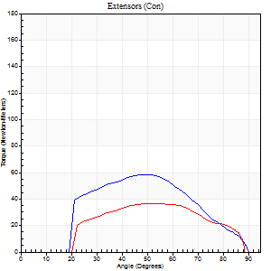
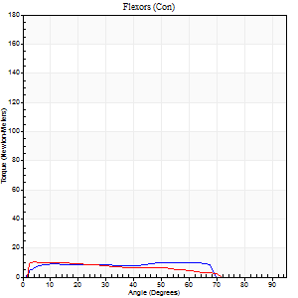
Right Side Curves Left Side Curves
Isokinetic Con/Con |  |  |  | Extensors (Con) |  | Flexors (Con)
Speed 240/240 d/s 3 Reps |  |  |  | Value | Cof Var | %BW | Value | Cof Var | %BW | Ratio

TORQUE PARAMETERS
Peak Torque (Newton-Meters - Best Repetition)
Right |  |  |  | 58 | 0.09 | 54 | 9 | 0.08 | 9 | 16
Left |  |  |  | 37 | 0.07 | 33 | 11 | 0.09 | 9 | 30
Deficit |  |  |  | 37 |  |  | 13
Work per Repetition (Newton-Meters - Best Repetition)
Right |  |  |  | 50 | 0.08 | 48 | 11 | 0.17 | 9 | 22
Left |  |  |  | 34 | 0.14 | 33 | 8 | 0.15 | 9 | 24
Deficit |  |  |  | 32 |  |  | 25
Average Power per Repetition (Watts - Best Repetition)
Right |  |  |  | 88 | 0.1 | 81 | 16 | 0.2 | 15 | 18
Left |  |  |  | 60 | 0.13 | 55 | 15 | 0.16 | 13 | 25
Deficit |  |  |  | 32 |  |  | 6
POSITION PARAMETERS
Joint Angle at Peak Torque (Degrees)
Right |  |  |  | 53 | 0.15 |  | 33 | 0.66
Left |  |  |  | 55 | 0.1 |  | 8 | 0.46
Range of Motion (Degrees)
Right |  |  |  | 1 | 0.09 |  | 90 | 0
Left |  |  |  | 2 | 0.17 |  | 89 | 0.01
TIME PARAMETERS
Time to Peak Torque (Seconds)
Right |  |  |  | 0.34 | 0.04 |  | 0.3 | 0.32
Left |  |  |  | 0.3 | 0 |  | 0.11 | 0.41
Time Peak Torque Held (Seconds)
Right |  |  |  | 0.01 | 0.43 |  | 0.01 | 1.73
Left |  |  |  | 0.01 | 1.73 |  | 0.02 | 1.25
Force Decay Time (Seconds)
Right |  |  |  | 0.26 | 0.15 |  | 0.31 | 0.29
Left |  |  |  | 0.26 | 0.12 |  | 0.44 | 0.12
Reciprocal Delay (Seconds)
Right |  |  |  | 0.1 | 0.14 |  | 0.08 | 0.4
Left |  |  |  | 0.21 | 0.34 |  | 0.06 | 0.2
Delay Time (Seconds)
Right |  |  |  | -0.06 | -0.24 |  | -0.01 | -2
Left |  |  |  | 0.04 | 1.77 |  | -0.03 | -0.17
HUMAC2015® Version: 15.000.0074 © Computer Sports Medicine, Inc. www.csmisolutions.com

Use File, Preference to set Report Heading
Isometric - Knee Extension/Flexion
Name: |  |  |  | TR030_FP3087, | ID: | TR030 | Right/Left: | 09.11.2023 09.11.2023

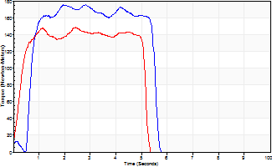
Isometric Extensors (Con) Angle 60 Time 10 Repetition 2 (Best Repetition)
 | Value | Cof Var | %BW
Peak Torque (Newton-Meters)
Right | 175 | 0.05 | 161
Left | 148 | 0.04 | 137
Deficit | 16
Average Torque (Newton-Meters)
Right | 81 | 0.05 | 75
Left | 69 | 0.02 | 66
Deficit | 15
Peak Torque Slope (Newton-Meters/Seconds)
Right | 62 | 0.22 | 58
Left | 64 | 0.04 | 59 |  | Right Side Curves Left Side Curves
Deficit | 3
Time to Half Peak Torque (Seconds)
Right | 0.45 | 0.72
Left | 0.25 | 0.09
Time to Peak Torque (Seconds)
Right | 3.19 | 0.17
Left | 2.31 | 0.08
HUMAC2015® Version: 15.000.0074 © Computer Sports Medicine, Inc. www.csmisolutions.com

post1
Use File, Preference to set Report Heading
Long Form Torque vs. Position Report - Knee Extension/Flexion
Name: |  |  |  | TR030_FP3087, | ID: | TR030 | Right/Left: | 05.12.2023 05.12.2023
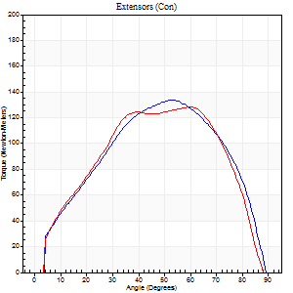
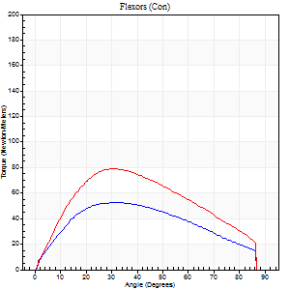
Right Side Curves Left Side Curves
Isokinetic Con/Con |  |  |  | Extensors (Con) |  | Flexors (Con)
Speed 60/60 d/s 3 Reps |  |  |  | Value | Cof Var | %BW | Value | Cof Var | %BW | Ratio

TORQUE PARAMETERS
Peak Torque (Newton-Meters - Best Repetition)
Right |  |  |  | 134 | 0.02 | 125 | 53 | 0.14 | 48 | 39
Left |  |  |  | 129 | 0.05 | 119 | 79 | 0.23 | 72 | 61
Deficit |  |  |  | 4 |  |  | 33
Work per Repetition (Newton-Meters - Best Repetition)
Right |  |  |  | 137 | 0.02 | 128 | 56 | 0.15 | 51 | 41
Left |  |  |  | 136 | 0.05 | 125 | 80 | 0.27 | 75 | 59
Deficit |  |  |  | 1 |  |  | 31
Average Power per Repetition (Watts - Best Repetition)
Right |  |  |  | 89 | 0.01 | 84 | 35 | 0.13 | 33 | 39
Left |  |  |  | 89 | 0.06 | 84 | 53 | 0.26 | 48 | 60
Deficit |  |  |  | 0 |  |  | 34
POSITION PARAMETERS
Joint Angle at Peak Torque (Degrees)
Right |  |  |  | 52 | 0.04 |  | 33 | 0.07
Left |  |  |  | 54 | 0.09 |  | 29 | 0.06
Range of Motion (Degrees)
Right |  |  |  | 0 | 0.54 |  | 90 | 0
Left |  |  |  | 0 | 0.47 |  | 90 | 0
TIME PARAMETERS
Time to Peak Torque (Seconds)
Right |  |  |  | 0.65 | 0.08 |  | 0.57 | 0.06
Left |  |  |  | 0.56 | 0.2 |  | 0.49 | 0.08
Time Peak Torque Held (Seconds)
Right |  |  |  | 0.05 | 0.11 |  | 0.06 | 0.95
Left |  |  |  | 0.07 | 0.48 |  | 0.05 | 0.75
Force Decay Time (Seconds)
Right |  |  |  | 0.82 | 0.05 |  | 0.88 | 0.08
Left |  |  |  | 0.84 | 0.12 |  | 0.96 | 0.03
Reciprocal Delay (Seconds)
Right |  |  |  | 0.1 | 0.34 |  | 0.13 | 0.48
Left |  |  |  | 0.11 | 0.2 |  | 0.11 | 0.24
Delay Time (Seconds)
Right |  |  |  | 0 | 1.41 |  | 0 | 1.73
Left |  |  |  | 0.02 | 0.28 |  | 0 | 1.73
HUMAC2015® Version: 15.000.0074 © Computer Sports Medicine, Inc. www.csmisolutions.com

Use File, Preference to set Report Heading
Long Form Torque vs. Position Report - Knee Extension/Flexion
Name: |  |  |  | TR030_FP3087, | ID: | TR030 | Right/Left: | 05.12.2023 05.12.2023
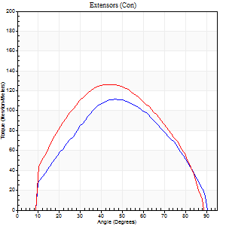
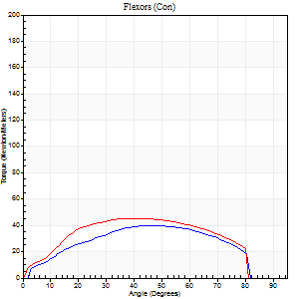
Right Side Curves Left Side Curves
Isokinetic Con/Con |  |  |  | Extensors (Con) |  | Flexors (Con)
Speed 120/120 d/s 3 Reps |  |  |  | Value | Cof Var | %BW | Value | Cof Var | %BW | Ratio

TORQUE PARAMETERS
Peak Torque (Newton-Meters - Best Repetition)
Right |  |  |  | 111 | 0.07 | 104 | 39 | 0.25 | 36 | 35
Left |  |  |  | 126 | 0.2 | 116 | 45 | 0.3 | 42 | 35
Deficit |  |  |  | 12 |  |  | 12
Work per Repetition (Newton-Meters - Best Repetition)
Right |  |  |  | 107 | 0.02 | 98 | 41 | 0.22 | 39 | 38
Left |  |  |  | 126 | 0.24 | 116 | 49 | 0.37 | 45 | 39
Deficit |  |  |  | 15 |  |  | 17
Average Power per Repetition (Watts - Best Repetition)
Right |  |  |  | 128 | 0.02 | 119 | 49 | 0.22 | 46 | 38
Left |  |  |  | 156 | 0.31 | 145 | 59 | 0.38 | 55 | 38
Deficit |  |  |  | 18 |  |  | 17
POSITION PARAMETERS
Joint Angle at Peak Torque (Degrees)
Right |  |  |  | 43 | 0.1 |  | 49 | 0.1
Left |  |  |  | 39 | 0.13 |  | 34 | 0.21
Range of Motion (Degrees)
Right |  |  |  | 1 | 0.13 |  | 90 | 0
Left |  |  |  | 1 | 0.05 |  | 89 | 0.01
TIME PARAMETERS
Time to Peak Torque (Seconds)
Right |  |  |  | 0.46 | 0.09 |  | 0.45 | 0.1
Left |  |  |  | 0.43 | 0.05 |  | 0.34 | 0.16
Time Peak Torque Held (Seconds)
Right |  |  |  | 0.02 | 0.5 |  | 0.02 | 1.73
Left |  |  |  | 0.03 | 0.22 |  | 0.04 | 1.73
Force Decay Time (Seconds)
Right |  |  |  | 0.35 | 0.11 |  | 0.36 | 0.24
Left |  |  |  | 0.33 | 0.14 |  | 0.45 | 0.22
Reciprocal Delay (Seconds)
Right |  |  |  | 0.09 | 0 |  | 0.07 | 0.21
Left |  |  |  | 0.07 | 0.2 |  | 0.08 | 0.07
Delay Time (Seconds)
Right |  |  |  | -0.04 | -0.2 |  | 0.01 | 1
Left |  |  |  | 0 | 0 |  | -0.01 | -0.87
HUMAC2015® Version: 15.000.0074 © Computer Sports Medicine, Inc. www.csmisolutions.com

Use File, Preference to set Report Heading
Long Form Torque vs. Position Report - Knee Extension/Flexion
Name: |  |  |  | TR030_FP3087, | ID: | TR030 | Right/Left: | 05.12.2023 05.12.2023
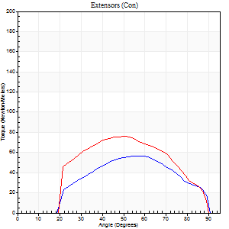
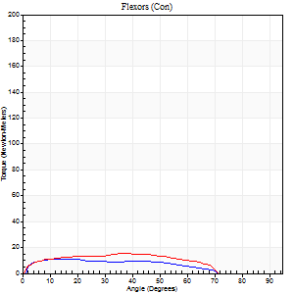
Right Side Curves Left Side Curves
Isokinetic Con/Con |  |  |  | Extensors (Con) |  | Flexors (Con)
Speed 240/240 d/s 3 Reps |  |  |  | Value | Cof Var | %BW | Value | Cof Var | %BW | Ratio

TORQUE PARAMETERS
Peak Torque (Newton-Meters - Best Repetition)
Right |  |  |  | 57 | 0.1 | 54 | 11 | 0.16 | 9 | 19
Left |  |  |  | 76 | 0.15 | 72 | 15 | 0.26 | 15 | 20
Deficit |  |  |  | 25 |  |  | 27
Work per Repetition (Newton-Meters - Best Repetition)
Right |  |  |  | 52 | 0.13 | 48 | 11 | 0.23 | 9 | 21
Left |  |  |  | 71 | 0.13 | 66 | 15 | 0.25 | 15 | 21
Deficit |  |  |  | 27 |  |  | 27
Average Power per Repetition (Watts - Best Repetition)
Right |  |  |  | 95 | 0.2 | 88 | 17 | 0.23 | 15 | 18
Left |  |  |  | 135 | 0.15 | 125 | 23 | 0.25 | 22 | 17
Deficit |  |  |  | 30 |  |  | 26
POSITION PARAMETERS
Joint Angle at Peak Torque (Degrees)
Right |  |  |  | 49 | 0.15 |  | 14 | 0.37
Left |  |  |  | 52 | 0.11 |  | 28 | 0.62
Range of Motion (Degrees)
Right |  |  |  | 1 | 0.09 |  | 90 | 0.01
Left |  |  |  | 1 | 0.23 |  | 90 | 0.01
TIME PARAMETERS
Time to Peak Torque (Seconds)
Right |  |  |  | 0.36 | 0.04 |  | 0.17 | 0.19
Left |  |  |  | 0.27 | 0.1 |  | 0.28 | 0.34
Time Peak Torque Held (Seconds)
Right |  |  |  | 0.01 | 0.43 |  | 0.03 | 1.48
Left |  |  |  | 0.01 | 0.43 |  | 0.05 | 1.73
Force Decay Time (Seconds)
Right |  |  |  | 0.24 | 0.13 |  | 0.37 | 0.12
Left |  |  |  | 0.26 | 0.07 |  | 0.3 | 0.08
Reciprocal Delay (Seconds)
Right |  |  |  | 0.08 | 0 |  | 0.06 | 0.09
Left |  |  |  | 0.08 | 0.09 |  | 0.08 | 0
Delay Time (Seconds)
Right |  |  |  | -0.05 | -0.16 |  | -0.02 | -0.5
Left |  |  |  | -0.02 | -0.28 |  | -0.04 | -0.16
HUMAC2015® Version: 15.000.0074 © Computer Sports Medicine, Inc. www.csmisolutions.com

Use File, Preference to set Report Heading
Isometric - Knee Extension/Flexion
Name: |  |  |  | TR030_FP3087, | ID: | TR030 | Right/Left: | 05.12.2023 05.12.2023

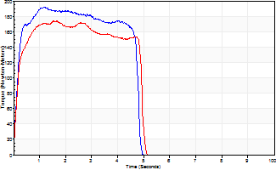
Isometric Extensors (Con) Angle 60 Time 10 Repetition 2 (Best Repetition)
 | Value | Cof Var | %BW
Peak Torque (Newton-Meters)
Right | 193 | 0.01 | 179
Left | 174 | 0.05 | 161
Deficit | 10
Average Torque (Newton-Meters)
Right | 92 | 0.08 | 86
Left | 77 | 0.03 | 72
Deficit | 16
Peak Torque Slope (Newton-Meters/Seconds)
Right | 164 | 0.37 | 152
Left | 104 | 0.29 | 96 |  | Right Side Curves Left Side Curves
Deficit | 37
Time to Half Peak Torque (Seconds)
Right | 0.17 | 0.13
Left | 0.16 | 0.09
Time to Peak Torque (Seconds)
Right | 1.56 | 0.36
Left | 2 | 0.24
HUMAC2015® Version: 15.000.0074 © Computer Sports Medicine, Inc. www.csmisolutions.com

post2
Use File, Preference to set Report Heading
Long Form Torque vs. Position Report - Knee Extension/Flexion
Name: |  |  |  | TR030_FP3087, | ID: | TR030 | Right/Left: | 08.12.2023 08.12.2023
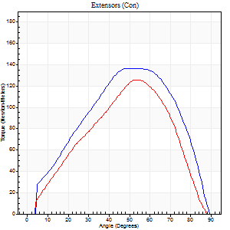
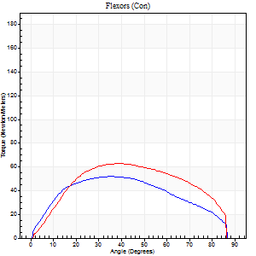
Right Side Curves Left Side Curves
Isokinetic Con/Con |  |  |  | Extensors (Con) |  | Flexors (Con)
Speed 60/60 d/s 3 Reps |  |  |  | Value | Cof Var | %BW | Value | Cof Var | %BW | Ratio

TORQUE PARAMETERS
Peak Torque (Newton-Meters - Best Repetition)
Right |  |  |  | 137 | 0.02 | 128 | 52 | 0.26 | 48 | 38
Left |  |  |  | 126 | 0.05 | 116 | 62 | 0.19 | 57 | 49
Deficit |  |  |  | 8 |  |  | 17
Work per Repetition (Newton-Meters - Best Repetition)
Right |  |  |  | 136 | 0.02 | 125 | 56 | 0.27 | 51 | 41
Left |  |  |  | 117 | 0.04 | 107 | 69 | 0.27 | 66 | 59
Deficit |  |  |  | 14 |  |  | 20
Average Power per Repetition (Watts - Best Repetition)
Right |  |  |  | 88 | 0.01 | 81 | 37 | 0.26 | 35 | 42
Left |  |  |  | 75 | 0.03 | 70 | 44 | 0.25 | 42 | 59
Deficit |  |  |  | 15 |  |  | 16
POSITION PARAMETERS
Joint Angle at Peak Torque (Degrees)
Right |  |  |  | 53 | 0.02 |  | 37 | 0.06
Left |  |  |  | 53 | 0.03 |  | 36 | 0.15
Range of Motion (Degrees)
Right |  |  |  | 0 | 0.47 |  | 90 | 0.01
Left |  |  |  | 1 | 0.07 |  | 90 | 0.01
TIME PARAMETERS
Time to Peak Torque (Seconds)
Right |  |  |  | 0.62 | 0.06 |  | 0.63 | 0.03
Left |  |  |  | 0.62 | 0.08 |  | 0.63 | 0.16
Time Peak Torque Held (Seconds)
Right |  |  |  | 0.06 | 0.36 |  | 0.06 | 0.97
Left |  |  |  | 0.05 | 0.47 |  | 0.04 | 1.03
Force Decay Time (Seconds)
Right |  |  |  | 0.84 | 0.04 |  | 0.8 | 0.02
Left |  |  |  | 0.84 | 0.04 |  | 0.85 | 0.15
Reciprocal Delay (Seconds)
Right |  |  |  | 0.08 | 0.35 |  | 0.15 | 0.21
Left |  |  |  | 0.06 | 0.24 |  | 0.09 | 0.22
Delay Time (Seconds)
Right |  |  |  | 0 | 0 |  | 0.02 | 0.92
Left |  |  |  | 0.01 | 4.24 |  | -0.01 | -0.87
HUMAC2015® Version: 15.000.0074 © Computer Sports Medicine, Inc. www.csmisolutions.com

Use File, Preference to set Report Heading
Long Form Torque vs. Position Report - Knee Extension/Flexion
Name: |  |  |  | TR030_FP3087, | ID: | TR030 | Right/Left: | 08.12.2023 08.12.2023
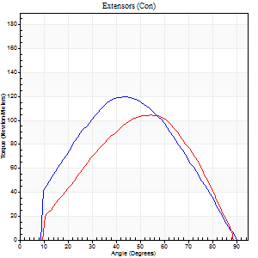
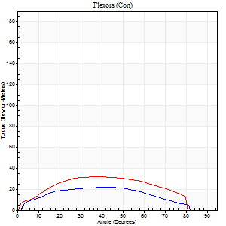
Right Side Curves Left Side Curves
Isokinetic Con/Con |  |  |  | Extensors (Con) |  | Flexors (Con)
Speed 120/120 d/s 3 Reps |  |  |  | Value | Cof Var | %BW | Value | Cof Var | %BW | Ratio

TORQUE PARAMETERS
Peak Torque (Newton-Meters - Best Repetition)
Right |  |  |  | 119 | 0.06 | 110 | 22 | 0.12 | 21 | 18
Left |  |  |  | 104 | 0.03 | 95 | 31 | 0.28 | 30 | 30
Deficit |  |  |  | 13 |  |  | 30
Work per Repetition (Newton-Meters - Best Repetition)
Right |  |  |  | 111 | 0.06 | 104 | 22 | 0.12 | 21 | 20
Left |  |  |  | 96 | 0.02 | 89 | 34 | 0.3 | 33 | 35
Deficit |  |  |  | 13 |  |  | 36
Average Power per Repetition (Watts - Best Repetition)
Right |  |  |  | 124 | 0.03 | 114 | 26 | 0.08 | 24 | 21
Left |  |  |  | 117 | 0.04 | 108 | 40 | 0.29 | 37 | 34
Deficit |  |  |  | 6 |  |  | 35
POSITION PARAMETERS
Joint Angle at Peak Torque (Degrees)
Right |  |  |  | 49 | 0.08 |  | 41 | 0.35
Left |  |  |  | 50 | 0.07 |  | 36 | 0.2
Range of Motion (Degrees)
Right |  |  |  | 1 | 0.38 |  | 90 | 0
Left |  |  |  | 1 | 0.04 |  | 89 | 0.01
TIME PARAMETERS
Time to Peak Torque (Seconds)
Right |  |  |  | 0.44 | 0.21 |  | 0.41 | 0.38
Left |  |  |  | 0.36 | 0.12 |  | 0.36 | 0.17
Time Peak Torque Held (Seconds)
Right |  |  |  | 0.02 | 0.25 |  | 0.02 | 1.73
Left |  |  |  | 0.03 | 0.22 |  | 0.04 | 1.1
Force Decay Time (Seconds)
Right |  |  |  | 0.41 | 0.11 |  | 0.4 | 0.15
Left |  |  |  | 0.42 | 0.07 |  | 0.43 | 0.1
Reciprocal Delay (Seconds)
Right |  |  |  | 0.1 | 0.34 |  | 0.1 | 0.31
Left |  |  |  | 0.08 | 0.09 |  | 0.07 | 0.09
Delay Time (Seconds)
Right |  |  |  | -0.04 | -0.71 |  | 0 | 0
Left |  |  |  | 0 | 0 |  | -0.01 | -0.43
HUMAC2015® Version: 15.000.0074 © Computer Sports Medicine, Inc. www.csmisolutions.com

Use File, Preference to set Report Heading
Long Form Torque vs. Position Report - Knee Extension/Flexion
Name: |  |  |  | TR030_FP3087, | ID: | TR030 | Right/Left: | 08.12.2023 08.12.2023
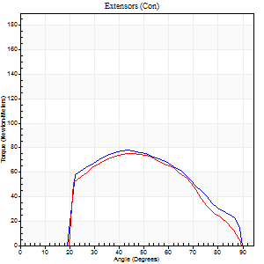
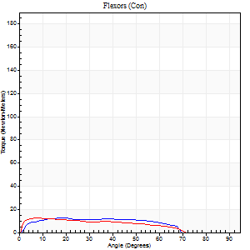
Right Side Curves Left Side Curves
Isokinetic Con/Con |  |  |  | Extensors (Con) |  | Flexors (Con)
Speed 240/240 d/s 3 Reps |  |  |  | Value | Cof Var | %BW | Value | Cof Var | %BW | Ratio

TORQUE PARAMETERS
Peak Torque (Newton-Meters - Best Repetition)
Right |  |  |  | 77 | 0.16 | 72 | 12 | 0.19 | 12 | 16
Left |  |  |  | 76 | 0.27 | 72 | 12 | 0.1 | 12 | 16
Deficit |  |  |  | 2 |  |  | 0
Work per Repetition (Newton-Meters - Best Repetition)
Right |  |  |  | 71 | 0.15 | 66 | 12 | 0.32 | 12 | 17
Left |  |  |  | 66 | 0.26 | 63 | 11 | 0.13 | 9 | 16
Deficit |  |  |  | 6 |  |  | 11
Average Power per Repetition (Watts - Best Repetition)
Right |  |  |  | 132 | 0.15 | 123 | 20 | 0.36 | 18 | 15
Left |  |  |  | 120 | 0.29 | 112 | 19 | 0.11 | 18 | 16
Deficit |  |  |  | 9 |  |  | 5
POSITION PARAMETERS
Joint Angle at Peak Torque (Degrees)
Right |  |  |  | 48 | 0.14 |  | 22 | 0.72
Left |  |  |  | 51 | 0.16 |  | 10 | 0.28
Range of Motion (Degrees)
Right |  |  |  | 1 | 0.25 |  | 90 | 0.01
Left |  |  |  | 1 | 0.16 |  | 89 | 0.01
TIME PARAMETERS
Time to Peak Torque (Seconds)
Right |  |  |  | 0.28 | 0 |  | 0.24 | 0.33
Left |  |  |  | 0.31 | 0.07 |  | 0.16 | 0.24
Time Peak Torque Held (Seconds)
Right |  |  |  | 0.01 | 0 |  | 0 | 0
Left |  |  |  | 0.01 | 0 |  | 0 | 1.73
Force Decay Time (Seconds)
Right |  |  |  | 0.25 | 0.08 |  | 0.37 | 0.25
Left |  |  |  | 0.25 | 0.16 |  | 0.41 | 0.06
Reciprocal Delay (Seconds)
Right |  |  |  | 0.06 | 0.11 |  | 0.11 | 0.44
Left |  |  |  | 0.08 | 0 |  | 0.06 | 0.17
Delay Time (Seconds)
Right |  |  |  | -0.03 | 0 |  | -0.02 | -1
Left |  |  |  | -0.02 | -0.28 |  | -0.03 | -0.17
HUMAC2015® Version: 15.000.0074 © Computer Sports Medicine, Inc. www.csmisolutions.com

Use File, Preference to set Report Heading
Isometric - Knee Extension/Flexion
Name: |  |  |  | TR030_FP3087, | ID: | TR030 | Right/Left: | 08.12.2023 08.12.2023

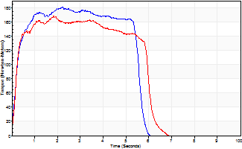
Isometric Extensors (Con) Angle 60 Time 10 Repetition 2 (Best Repetition)
 | Value | Cof Var | %BW
Peak Torque (Newton-Meters)
Right | 182 | 0.02 | 170
Left | 168 | 0.03 | 155
Deficit | 7
Average Torque (Newton-Meters)
Right | 91 | 0.03 | 83
Left | 89 | 0.07 | 83
Deficit | 1
Peak Torque Slope (Newton-Meters/Seconds)
Right | 81 | 0.01 | 75
Left | 92 | 0.4 | 85 |  | Right Side Curves Left Side Curves
Deficit | 12
Time to Half Peak Torque (Seconds)
Right | 0.22 | 0.03
Left | 0.19 | 0.07
Time to Peak Torque (Seconds)
Right | 2.21 | 0.01
Left | 2.48 | 0.37
HUMAC2015® Version: 15.000.0074 © Computer Sports Medicine, Inc. www.csmisolutions.com

