pre1
Use File, Preference to set Report Heading
Long Form Torque vs. Position Report - Knee Extension/Flexion
Name: |  |  |  | TR030_FP3088, | ID: | TR030 | Right/Left: | 26.09.2023 26.09.2023
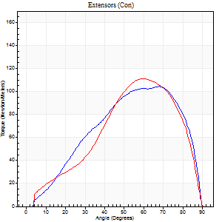
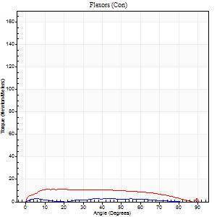
Right Side Curves Left Side Curves
Isokinetic Con/Con |  |  |  | Extensors (Con) |  | Flexors (Con)
Speed 60/60 d/s 3 Reps |  |  |  | Value | Cof Var | %BW | Value | Cof Var | %BW | Ratio

TORQUE PARAMETERS
Peak Torque (Newton-Meters - Best Repetition)
Right |  |  |  | 104 | 0.05 | 57 | 16 | 0.55 | 9 | 16
Left |  |  |  | 111 | 0.07 | 63 | 11 | 0.1 | 6 | 10
Deficit |  |  |  | 6 |  |  | 33
Work per Repetition (Newton-Meters - Best Repetition)
Right |  |  |  | 102 | 0.08 | 57 | 4 | 0.45 | 3 | 4
Left |  |  |  | 102 | 0.07 | 57 | 14 | 0.27 | 9 | 13
Deficit |  |  |  | 0 |  |  | 70
Average Power per Repetition (Watts - Best Repetition)
Right |  |  |  | 56 | 0.01 | 31 | 1 | 0.81 | 0 | 2
Left |  |  |  | 64 | 0.07 | 35 | 7 | 0.22 | 4 | 11
Deficit |  |  |  | 13 |  |  | 86
POSITION PARAMETERS
Joint Angle at Peak Torque (Degrees)
Right |  |  |  | 66 | 0.03 |  | 64 | 0.56
Left |  |  |  | 59 | 0.04 |  | 20 | 0.53
Range of Motion (Degrees)
Right |  |  |  | 0 | 0.35 |  | 90 | 0
Left |  |  |  | 0 | 0 |  | 90 | 0
TIME PARAMETERS
Time to Peak Torque (Seconds)
Right |  |  |  | 0.43 | 0.07 |  | 15.46 | 1.51
Left |  |  |  | 0.56 | 0.11 |  | 0.43 | 0.45
Time Peak Torque Held (Seconds)
Right |  |  |  | 0.03 | 0.88 |  | 0.02 | 1.25
Left |  |  |  | 0.04 | 0.25 |  | 0.13 | 1.23
Force Decay Time (Seconds)
Right |  |  |  | 1.21 | 0.16 |  | 0.23 | 5.24
Left |  |  |  | 0.98 | 0.03 |  | 1.17 | 0.27
Reciprocal Delay (Seconds)
Right |  |  |  | 0.96 | 0.04 |  | 0.61 | 0.33
Left |  |  |  | 0.42 | 0.77 |  | 0.2 | 0.08
Delay Time (Seconds)
Right |  |  |  | 0 | 0 |  | 0.07 | 6.13
Left |  |  |  | -0.01 | -0.47 |  | -0.05 | -0.2
HUMAC2015® Version: 15.000.0074 © Computer Sports Medicine, Inc. www.csmisolutions.com

Use File, Preference to set Report Heading
Long Form Torque vs. Position Report - Knee Extension/Flexion
Name: |  |  |  | TR030_FP3088, | ID: | TR030 | Right/Left: | 26.09.2023 26.09.2023
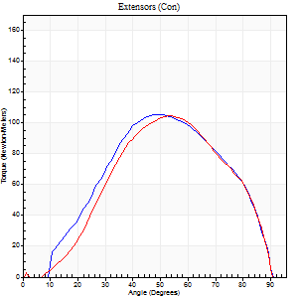
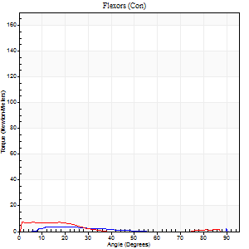
Right Side Curves Left Side Curves
Isokinetic Con/Con |  |  |  | Extensors (Con) |  | Flexors (Con)
Speed 120/120 d/s 3 Reps |  |  |  | Value | Cof Var | %BW | Value | Cof Var | %BW | Ratio

TORQUE PARAMETERS
Peak Torque (Newton-Meters - Best Repetition)
Right |  |  |  | 106 | 0.02 | 60 | 9 | 0.55 | 6 | 9
Left |  |  |  | 104 | 0.1 | 57 | 7 | 0.23 | 3 | 6
Deficit |  |  |  | 1 |  |  | 29
Work per Repetition (Newton-Meters - Best Repetition)
Right |  |  |  | 102 | 0.02 | 57 | 1 | 0.58 | 0 | 1
Left |  |  |  | 94 | 0.06 | 51 | 4 | 0.35 | 3 | 4
Deficit |  |  |  | 8 |  |  | 67
Average Power per Repetition (Watts - Best Repetition)
Right |  |  |  | 122 | 0.02 | 68 | 1 | 0.12 | 0 | 1
Left |  |  |  | 112 | 0.07 | 62 | 3 | 0.3 | 2 | 3
Deficit |  |  |  | 8 |  |  | 67
POSITION PARAMETERS
Joint Angle at Peak Torque (Degrees)
Right |  |  |  | 50 | 0.01 |  | 63 | 0.66
Left |  |  |  | 53 | 0.02 |  | 10 | 1.11
Range of Motion (Degrees)
Right |  |  |  | 1 | 0 |  | 90 | 0
Left |  |  |  | 1 | 0.06 |  | 90 | 0
TIME PARAMETERS
Time to Peak Torque (Seconds)
Right |  |  |  | 0.39 | 0 |  | 0.84 | 0.89
Left |  |  |  | 0.36 | 0.02 |  | 0.2 | 0.8
Time Peak Torque Held (Seconds)
Right |  |  |  | 0.02 | 0.65 |  | 0.03 | 1.05
Left |  |  |  | 0.04 | 0.43 |  | 0 | 0
Force Decay Time (Seconds)
Right |  |  |  | 0.41 | 0.04 |  | 0.32 | 2.08
Left |  |  |  | 0.44 | 0.05 |  | 1.07 | 0.29
Reciprocal Delay (Seconds)
Right |  |  |  | 0.44 | 0.4 |  | 0.28 | 1.14
Left |  |  |  | 0.29 | 0.63 |  | 0.1 | 0.24
Delay Time (Seconds)
Right |  |  |  | -0.02 | -0.28 |  | 1.56 | 1.48
Left |  |  |  | 0 | -1.41 |  | -0.04 | -0.25
HUMAC2015® Version: 15.000.0074 © Computer Sports Medicine, Inc. www.csmisolutions.com

Use File, Preference to set Report Heading
Long Form Torque vs. Position Report - Knee Extension/Flexion
Name: |  |  |  | TR030_FP3088, | ID: | TR030 | Right/Left: | 26.09.2023 26.09.2023
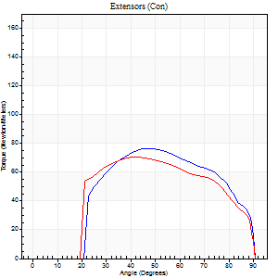
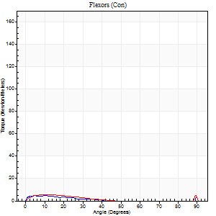
Right Side Curves Left Side Curves
Isokinetic Con/Con |  |  |  | Extensors (Con) |  | Flexors (Con)
Speed 240/240 d/s 3 Reps |  |  |  | Value | Cof Var | %BW | Value | Cof Var | %BW | Ratio

TORQUE PARAMETERS
Peak Torque (Newton-Meters - Best Repetition)
Right |  |  |  | 76 | 0.02 | 42 | 11 | 0.68 | 6 | 14
Left |  |  |  | 71 | 0.03 | 39 | 11 | 0.55 | 6 | 15
Deficit |  |  |  | 7 |  |  | 0
Work per Repetition (Newton-Meters - Best Repetition)
Right |  |  |  | 75 | 0.02 | 42 | 3 | 0.31 | 3 | 4
Left |  |  |  | 71 | 0.06 | 39 | 3 | 0.21 | 3 | 4
Deficit |  |  |  | 5 |  |  | 0
Average Power per Repetition (Watts - Best Repetition)
Right |  |  |  | 125 | 0.13 | 70 | 2 | 0.46 | 2 | 2
Left |  |  |  | 132 | 0.05 | 73 | 3 | 0.34 | 2 | 2
Deficit |  |  |  | 5 |  |  | 33
POSITION PARAMETERS
Joint Angle at Peak Torque (Degrees)
Right |  |  |  | 48 | 0.09 |  | 35 | 1.37
Left |  |  |  | 46 | 0.13 |  | 39 | 1.16
Range of Motion (Degrees)
Right |  |  |  | 0 | 0.47 |  | 90 | 0
Left |  |  |  | 1 | 0.22 |  | 90 | 0
TIME PARAMETERS
Time to Peak Torque (Seconds)
Right |  |  |  | 0.28 | 0.03 |  | 0.62 | 0.95
Left |  |  |  | 0.28 | 0.03 |  | 0.63 | 0.82
Time Peak Torque Held (Seconds)
Right |  |  |  | 0.01 | 0.43 |  | 0.04 | 0.96
Left |  |  |  | 0.01 | 0.87 |  | 0.03 | 1.73
Force Decay Time (Seconds)
Right |  |  |  | 0.39 | 0.25 |  | 0.74 | 1.05
Left |  |  |  | 0.26 | 0.06 |  | 0.58 | 1.17
Reciprocal Delay (Seconds)
Right |  |  |  | 0.41 | 0.1 |  | 0.37 | 0.72
Left |  |  |  | 0.28 | 0.02 |  | 0.13 | 0.24
Delay Time (Seconds)
Right |  |  |  | -0.03 | 0 |  | -0.08 | -0.53
Left |  |  |  | -0.02 | 0 |  | -0.06 | -0.33
HUMAC2015® Version: 15.000.0074 © Computer Sports Medicine, Inc. www.csmisolutions.com

Use File, Preference to set Report Heading
Isometric - Knee Extension/Flexion
Name: |  |  |  | TR030_FP3088, | ID: | TR030 | Right/Left: | 26.09.2023 26.09.2023

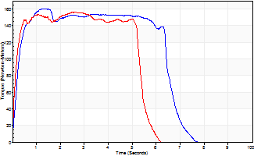
Isometric Extensors (Con) Angle 60 Time 10 Repetition 2 (Best Repetition)
 | Value | Cof Var | %BW
Peak Torque (Newton-Meters)
Right | 160 | 0.35 | 89
Left | 156 | 0.32 | 86
Deficit | 3
Average Torque (Newton-Meters)
Right | 96 | 0.38 | 54
Left | 79 | 0.63 | 45
Deficit | 18
Peak Torque Slope (Newton-Meters/Seconds)
Right | 122 | 1.08 | 68
Left | 60 | 0.35 | 33 |  | Right Side Curves Left Side Curves
Deficit | 50
Time to Half Peak Torque (Seconds)
Right | 1.32 | 1.19
Left | 0.31 | 0.88
Time to Peak Torque (Seconds)
Right | 3.59 | 0.9
Left | 2.64 | 0.03
HUMAC2015® Version: 15.000.0074 © Computer Sports Medicine, Inc. www.csmisolutions.com

pre2
Use File, Preference to set Report Heading
Long Form Torque vs. Position Report - Knee Extension/Flexion
Name: |  |  |  | TR030_FP3088, | ID: | TR030 | Right/Left: | 06.10.2023 06.10.2023
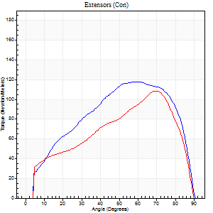
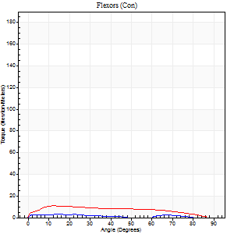
Right Side Curves Left Side Curves
Isokinetic Con/Con |  |  |  | Extensors (Con) |  | Flexors (Con)
Speed 60/60 d/s 3 Reps |  |  |  | Value | Cof Var | %BW | Value | Cof Var | %BW | Ratio

TORQUE PARAMETERS
Peak Torque (Newton-Meters - Best Repetition)
Right |  |  |  | 118 | 0.02 | 66 | 4 | 0.28 | 3 | 3
Left |  |  |  | 108 | 0.02 | 60 | 11 | 0.32 | 6 | 10
Deficit |  |  |  | 8 |  |  | 63
Work per Repetition (Newton-Meters - Best Repetition)
Right |  |  |  | 126 | 0.07 | 69 | 3 | 0.22 | 3 | 2
Left |  |  |  | 121 | 0.09 | 66 | 11 | 0.48 | 6 | 9
Deficit |  |  |  | 4 |  |  | 75
Average Power per Repetition (Watts - Best Repetition)
Right |  |  |  | 79 | 0.04 | 44 | 1 | 0.03 | 0 | 1
Left |  |  |  | 77 | 0.09 | 42 | 7 | 0.49 | 4 | 9
Deficit |  |  |  | 3 |  |  | 86
POSITION PARAMETERS
Joint Angle at Peak Torque (Degrees)
Right |  |  |  | 58 | 0.01 |  | 36 | 1.33
Left |  |  |  | 62 | 0.11 |  | 15 | 0.24
Range of Motion (Degrees)
Right |  |  |  | 1 | 0.05 |  | 90 | 0
Left |  |  |  | 0 | 4.24 |  | 90 | 0
TIME PARAMETERS
Time to Peak Torque (Seconds)
Right |  |  |  | 0.55 | 0.01 |  | 1.23 | 1.06
Left |  |  |  | 0.54 | 0.04 |  | 0.4 | 0.3
Time Peak Torque Held (Seconds)
Right |  |  |  | 0.04 | 0.25 |  | 0.02 | 1.73
Left |  |  |  | 0.05 | 0.6 |  | 0.09 | 0.89
Force Decay Time (Seconds)
Right |  |  |  | 0.96 | 0.05 |  | 0.96 | 0.97
Left |  |  |  | 1.02 | 0.13 |  | 1.2 | 0.03
Reciprocal Delay (Seconds)
Right |  |  |  | 0.41 | 0.07 |  | 0.38 | 1.26
Left |  |  |  | 0.75 | 0.07 |  | 0.53 | 0.38
Delay Time (Seconds)
Right |  |  |  | 0 | 0 |  | 0.13 | 2.02
Left |  |  |  | 0 | 1.41 |  | -0.08 | -0.38
HUMAC2015® Version: 15.000.0074 © Computer Sports Medicine, Inc. www.csmisolutions.com

Use File, Preference to set Report Heading
Long Form Torque vs. Position Report - Knee Extension/Flexion
Name: |  |  |  | TR030_FP3088, | ID: | TR030 | Right/Left: | 06.10.2023 06.10.2023
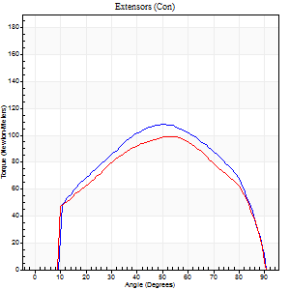
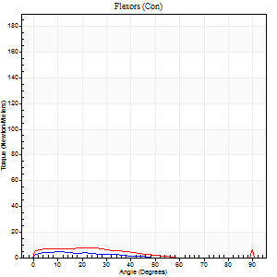
Right Side Curves Left Side Curves
Isokinetic Con/Con |  |  |  | Extensors (Con) |  | Flexors (Con)
Speed 120/120 d/s 3 Reps |  |  |  | Value | Cof Var | %BW | Value | Cof Var | %BW | Ratio

TORQUE PARAMETERS
Peak Torque (Newton-Meters - Best Repetition)
Right |  |  |  | 108 | 0.04 | 60 | 4 | 0.13 | 3 | 4
Left |  |  |  | 99 | 0.04 | 54 | 12 | 0.25 | 6 | 12
Deficit |  |  |  | 9 |  |  | 67
Work per Repetition (Newton-Meters - Best Repetition)
Right |  |  |  | 121 | 0.03 | 66 | 3 | 0.14 | 3 | 2
Left |  |  |  | 110 | 0.03 | 60 | 7 | 0.15 | 3 | 6
Deficit |  |  |  | 9 |  |  | 60
Average Power per Repetition (Watts - Best Repetition)
Right |  |  |  | 132 | 0.05 | 73 | 2 | 0.11 | 2 | 2
Left |  |  |  | 125 | 0.03 | 70 | 6 | 0.12 | 4 | 5
Deficit |  |  |  | 5 |  |  | 67
POSITION PARAMETERS
Joint Angle at Peak Torque (Degrees)
Right |  |  |  | 46 | 0.08 |  | 8 | 0.54
Left |  |  |  | 48 | 0.12 |  | 43 | 0.95
Range of Motion (Degrees)
Right |  |  |  | 0 | 0.94 |  | 90 | 0
Left |  |  |  | 0 | -1.41 |  | 90 | 0
TIME PARAMETERS
Time to Peak Torque (Seconds)
Right |  |  |  | 0.43 | 0.02 |  | 0.35 | 0.1
Left |  |  |  | 0.41 | 0.02 |  | 0.63 | 0.74
Time Peak Torque Held (Seconds)
Right |  |  |  | 0.05 | 0.33 |  | 0.01 | 1.73
Left |  |  |  | 0.04 | 0.25 |  | 0.01 | 1.73
Force Decay Time (Seconds)
Right |  |  |  | 0.46 | 0.14 |  | 1.01 | 0.03
Left |  |  |  | 0.44 | 0.12 |  | 0.42 | 1.04
Reciprocal Delay (Seconds)
Right |  |  |  | 0.35 | 0.04 |  | 0.51 | 0.73
Left |  |  |  | 0.24 | 0.24 |  | 0.46 | 0.25
Delay Time (Seconds)
Right |  |  |  | -0.01 | 0 |  | -0.12 | -0.73
Left |  |  |  | 0 | -1.41 |  | -0.07 | -0.08
HUMAC2015® Version: 15.000.0074 © Computer Sports Medicine, Inc. www.csmisolutions.com

Use File, Preference to set Report Heading
Long Form Torque vs. Position Report - Knee Extension/Flexion
Name: |  |  |  | TR030_FP3088, | ID: | TR030 | Right/Left: | 06.10.2023 06.10.2023
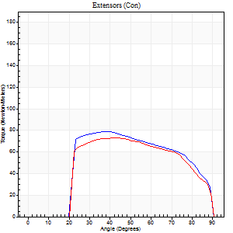

Right Side Curves Left Side Curves
Isokinetic Con/Con |  |  |  | Extensors (Con) |  | Flexors (Con)
Speed 240/240 d/s 3 Reps |  |  |  | Value | Cof Var | %BW | Value | Cof Var | %BW | Ratio

TORQUE PARAMETERS
Peak Torque (Newton-Meters - Best Repetition)
Right |  |  |  | 79 | 0.05 | 45 | 9 | 0.36 | 6 | 12
Left |  |  |  | 73 | 0.02 | 42 | 12 | 0.41 | 6 | 17
Deficit |  |  |  | 7 |  |  | 22
Work per Repetition (Newton-Meters - Best Repetition)
Right |  |  |  | 80 | 0.03 | 45 | 3 | 0.26 | 3 | 3
Left |  |  |  | 75 | 0.03 | 42 | 4 | 0.35 | 3 | 5
Deficit |  |  |  | 7 |  |  | 33
Average Power per Repetition (Watts - Best Repetition)
Right |  |  |  | 140 | 0.03 | 77 | 2 | 0.35 | 2 | 1
Left |  |  |  | 130 | 0.03 | 73 | 4 | 0.3 | 2 | 3
Deficit |  |  |  | 7 |  |  | 50
POSITION PARAMETERS
Joint Angle at Peak Torque (Degrees)
Right |  |  |  | 39 | 0.05 |  | 61 | 0.81
Left |  |  |  | 41 | 0.05 |  | 62 | 0.78
Range of Motion (Degrees)
Right |  |  |  | 0 | 0 |  | 90 | 0
Left |  |  |  | 0 | 1.41 |  | 90 | 0
TIME PARAMETERS
Time to Peak Torque (Seconds)
Right |  |  |  | 0.29 | 0 |  | 0.89 | 0.65
Left |  |  |  | 0.28 | 0 |  | 0.9 | 0.6
Time Peak Torque Held (Seconds)
Right |  |  |  | 0.01 | 0.43 |  | 0.01 | 1.73
Left |  |  |  | 0.01 | 0.43 |  | 0.01 | 1
Force Decay Time (Seconds)
Right |  |  |  | 0.25 | 0.02 |  | 0.34 | 2.17
Left |  |  |  | 0.27 | 0 |  | 0.23 | 2.04
Reciprocal Delay (Seconds)
Right |  |  |  | 0.22 | 0.1 |  | 0.47 | 0.34
Left |  |  |  | 0.48 | 0.38 |  | 0.47 | 0.28
Delay Time (Seconds)
Right |  |  |  | -0.03 | 0 |  | -0.07 | -0.28
Left |  |  |  | -0.02 | 0 |  | -0.09 | -0.27
HUMAC2015® Version: 15.000.0074 © Computer Sports Medicine, Inc. www.csmisolutions.com

Use File, Preference to set Report Heading
Isometric - Knee Extension/Flexion
Name: |  |  |  | TR030_FP3088, | ID: | TR030 | Right/Left: | 06.10.2023 06.10.2023

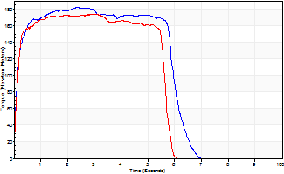
Isometric Extensors (Con) Angle 60 Time 10 Repetition 2 (Best Repetition)
 | Value | Cof Var | %BW
Peak Torque (Newton-Meters)
Right | 182 | 0.61 | 101
Left | 174 | 0.49 | 95
Deficit | 4
Average Torque (Newton-Meters)
Right | 103 | 0.78 | 57
Left | 92 | 0.67 | 51
Deficit | 11
Peak Torque Slope (Newton-Meters/Seconds)
Right | 78 | 0.96 | 43
Left | 59 | 0.27 | 33 |  | Right Side Curves Left Side Curves
Deficit | 24
Time to Half Peak Torque (Seconds)
Right | 0.25 | 0.75
Left | 0.24 | 0.71
Time to Peak Torque (Seconds)
Right | 3.54 | 0.48
Left | 2.49 | 0.24
HUMAC2015® Version: 15.000.0074 © Computer Sports Medicine, Inc. www.csmisolutions.com

mid1
Use File, Preference to set Report Heading
Long Form Torque vs. Position Report - Knee Extension/Flexion
Name: |  |  |  | TR030_FP3088, | ID: | TR030 | Right/Left: | 10.11.2023 10.11.2023
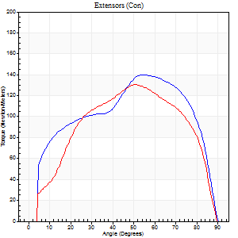
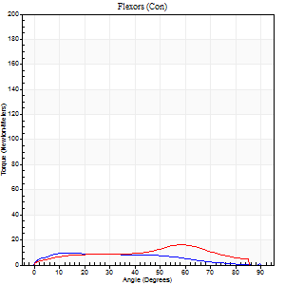
Right Side Curves Left Side Curves
Isokinetic Con/Con |  |  |  | Extensors (Con) |  | Flexors (Con)
Speed 60/60 d/s 3 Reps |  |  |  | Value | Cof Var | %BW | Value | Cof Var | %BW | Ratio

TORQUE PARAMETERS
Peak Torque (Newton-Meters - Best Repetition)
Right |  |  |  | 140 | 0.04 | 77 | 9 | 0.04 | 6 | 7
Left |  |  |  | 130 | 0.06 | 72 | 16 | 0.35 | 9 | 12
Deficit |  |  |  | 7 |  |  | 42
Work per Repetition (Newton-Meters - Best Repetition)
Right |  |  |  | 155 | 0.01 | 86 | 9 | 0.14 | 6 | 6
Left |  |  |  | 138 | 0.03 | 77 | 20 | 0.5 | 12 | 15
Deficit |  |  |  | 11 |  |  | 53
Average Power per Repetition (Watts - Best Repetition)
Right |  |  |  | 98 | 0.01 | 55 | 6 | 0.15 | 4 | 6
Left |  |  |  | 90 | 0.04 | 51 | 13 | 0.52 | 7 | 14
Deficit |  |  |  | 8 |  |  | 54
POSITION PARAMETERS
Joint Angle at Peak Torque (Degrees)
Right |  |  |  | 52 | 0.05 |  | 14 | 0.23
Left |  |  |  | 51 | 0.06 |  | 57 | 0.33
Range of Motion (Degrees)
Right |  |  |  | 0 | 0 |  | 90 | 0
Left |  |  |  | 0 | 0 |  | 89 | 0
TIME PARAMETERS
Time to Peak Torque (Seconds)
Right |  |  |  | 0.67 | 0.08 |  | 0.33 | 0.23
Left |  |  |  | 0.64 | 0.09 |  | 1.06 | 0.27
Time Peak Torque Held (Seconds)
Right |  |  |  | 0.03 | 0.35 |  | 0.03 | 0.92
Left |  |  |  | 0.05 | 0.33 |  | 0.07 | 0.31
Force Decay Time (Seconds)
Right |  |  |  | 0.88 | 0.06 |  | 1.26 | 0.11
Left |  |  |  | 0.85 | 0.05 |  | 0.51 | 0.6
Reciprocal Delay (Seconds)
Right |  |  |  | 0.24 | 0.35 |  | 0.53 | 0.27
Left |  |  |  | 0.19 | 0.04 |  | 0.26 | 0.1
Delay Time (Seconds)
Right |  |  |  | -0.02 | 0 |  | -0.04 | -0.67
Left |  |  |  | 0 | -1.41 |  | -0.02 | -0.69
HUMAC2015® Version: 15.000.0074 © Computer Sports Medicine, Inc. www.csmisolutions.com

Use File, Preference to set Report Heading
Long Form Torque vs. Position Report - Knee Extension/Flexion
Name: |  |  |  | TR030_FP3088, | ID: | TR030 | Right/Left: | 10.11.2023 10.11.2023
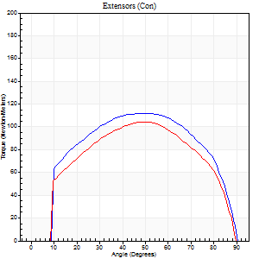
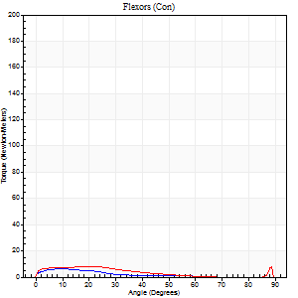
Right Side Curves Left Side Curves
Isokinetic Con/Con |  |  |  | Extensors (Con) |  | Flexors (Con)
Speed 120/120 d/s 3 Reps |  |  |  | Value | Cof Var | %BW | Value | Cof Var | %BW | Ratio

TORQUE PARAMETERS
Peak Torque (Newton-Meters - Best Repetition)
Right |  |  |  | 113 | 0.02 | 63 | 7 | 0.09 | 3 | 6
Left |  |  |  | 104 | 0.02 | 57 | 8 | 0.15 | 6 | 8
Deficit |  |  |  | 7 |  |  | 17
Work per Repetition (Newton-Meters - Best Repetition)
Right |  |  |  | 127 | 0.03 | 72 | 3 | 0.22 | 3 | 2
Left |  |  |  | 115 | 0.03 | 63 | 5 | 0.19 | 3 | 5
Deficit |  |  |  | 10 |  |  | 50
Average Power per Repetition (Watts - Best Repetition)
Right |  |  |  | 141 | 0.03 | 79 | 3 | 0.36 | 2 | 2
Left |  |  |  | 133 | 0.02 | 75 | 5 | 0.21 | 2 | 4
Deficit |  |  |  | 6 |  |  | 40
POSITION PARAMETERS
Joint Angle at Peak Torque (Degrees)
Right |  |  |  | 50 | 0.02 |  | 7 | 0.34
Left |  |  |  | 47 | 0.12 |  | 44 | 0.89
Range of Motion (Degrees)
Right |  |  |  | 0 | 0.47 |  | 90 | 0
Left |  |  |  | 0 | 1.41 |  | 89 | 0
TIME PARAMETERS
Time to Peak Torque (Seconds)
Right |  |  |  | 0.39 | 0.02 |  | 0.24 | 0.23
Left |  |  |  | 0.39 | 0.18 |  | 0.6 | 0.67
Time Peak Torque Held (Seconds)
Right |  |  |  | 0.04 | 0.58 |  | 0.01 | 1.15
Left |  |  |  | 0.03 | 0.35 |  | 0.27 | 1.54
Force Decay Time (Seconds)
Right |  |  |  | 0.45 | 0.06 |  | 0.93 | 0.22
Left |  |  |  | 0.44 | 0.11 |  | 0.17 | 2.19
Reciprocal Delay (Seconds)
Right |  |  |  | 0.2 | 0.64 |  | 0.46 | 0.31
Left |  |  |  | 0.13 | 0 |  | 0.36 | 0.36
Delay Time (Seconds)
Right |  |  |  | -0.04 | -0.61 |  | -0.06 | -0.24
Left |  |  |  | 0 | -1.41 |  | -0.06 | -0.18
HUMAC2015® Version: 15.000.0074 © Computer Sports Medicine, Inc. www.csmisolutions.com

Use File, Preference to set Report Heading
Long Form Torque vs. Position Report - Knee Extension/Flexion
Name: |  |  |  | TR030_FP3088, | ID: | TR030 | Right/Left: | 10.11.2023 10.11.2023
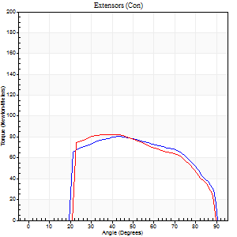
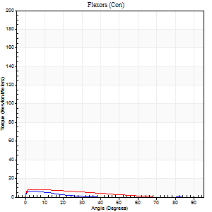
Right Side Curves Left Side Curves
Isokinetic Con/Con |  |  |  | Extensors (Con) |  | Flexors (Con)
Speed 240/240 d/s 3 Reps |  |  |  | Value | Cof Var | %BW | Value | Cof Var | %BW | Ratio

TORQUE PARAMETERS
Peak Torque (Newton-Meters - Best Repetition)
Right |  |  |  | 80 | 0.02 | 45 | 7 | 0.22 | 3 | 8
Left |  |  |  | 83 | 0.03 | 45 | 8 | 0.04 | 6 | 10
Deficit |  |  |  | 3 |  |  | 17
Work per Repetition (Newton-Meters - Best Repetition)
Right |  |  |  | 83 | 0.02 | 45 | 3 | 0.89 | 3 | 3
Left |  |  |  | 85 | 0.05 | 48 | 5 | 0.31 | 3 | 6
Deficit |  |  |  | 3 |  |  | 50
Average Power per Repetition (Watts - Best Repetition)
Right |  |  |  | 140 | 0.03 | 77 | 2 | 0.89 | 2 | 1
Left |  |  |  | 138 | 0.01 | 77 | 9 | 0.53 | 4 | 7
Deficit |  |  |  | 1 |  |  | 78
POSITION PARAMETERS
Joint Angle at Peak Torque (Degrees)
Right |  |  |  | 44 | 0.01 |  | 33 | 1.5
Left |  |  |  | 40 | 0.07 |  | 60 | 0.81
Range of Motion (Degrees)
Right |  |  |  | 0 | 1.41 |  | 90 | 0
Left |  |  |  | 0 | -1.41 |  | 89 | 0
TIME PARAMETERS
Time to Peak Torque (Seconds)
Right |  |  |  | 0.3 | 0.14 |  | 0.29 | 0.41
Left |  |  |  | 0.31 | 0.05 |  | 0.71 | 0.7
Time Peak Torque Held (Seconds)
Right |  |  |  | 0.01 | 0 |  | 0 | 1.73
Left |  |  |  | 0.01 | 0.43 |  | 0.04 | 1.33
Force Decay Time (Seconds)
Right |  |  |  | 0.28 | 0.02 |  | 0.53 | 1.21
Left |  |  |  | 0.27 | 0.04 |  | 0.1 | 2.8
Reciprocal Delay (Seconds)
Right |  |  |  | 0.29 | 0.05 |  | 0.42 | 0.07
Left |  |  |  | 0.17 | 0.28 |  | 0.56 | 0.36
Delay Time (Seconds)
Right |  |  |  | -0.05 | -0.64 |  | 0.26 | 2.27
Left |  |  |  | -0.04 | -0.47 |  | -0.06 | -0.17
HUMAC2015® Version: 15.000.0074 © Computer Sports Medicine, Inc. www.csmisolutions.com

Use File, Preference to set Report Heading
Isometric - Knee Extension/Flexion
Name: |  |  |  | TR030_FP3088, | ID: | TR030 | Right/Left: | 10.11.2023 10.11.2023

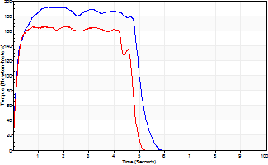
Isometric Extensors (Con) Angle 60 Time 10 Repetition 2 (Best Repetition)
 | Value | Cof Var | %BW
Peak Torque (Newton-Meters)
Right | 191 | 0.03 | 107
Left | 165 | 0.03 | 92
Deficit | 13
Average Torque (Newton-Meters)
Right | 91 | 0.03 | 51
Left | 73 | 0.07 | 42
Deficit | 19
Peak Torque Slope (Newton-Meters/Seconds)
Right | 138 | 0.16 | 76
Left | 212 | 0.75 | 118 |  | Right Side Curves Left Side Curves
Deficit | 35
Time to Half Peak Torque (Seconds)
Right | 0.16 | 0.18
Left | 0.16 | 0.3
Time to Peak Torque (Seconds)
Right | 1.52 | 0.13
Left | 1.61 | 0.74
HUMAC2015® Version: 15.000.0074 © Computer Sports Medicine, Inc. www.csmisolutions.com

post1
Use File, Preference to set Report Heading
Long Form Torque vs. Position Report - Knee Extension/Flexion
Name: |  |  |  | TR030_FP3088, | ID: | TR030 | Right/Left: | 05.12.2023 05.12.2023
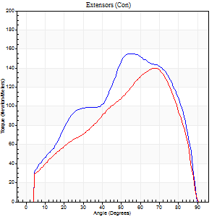
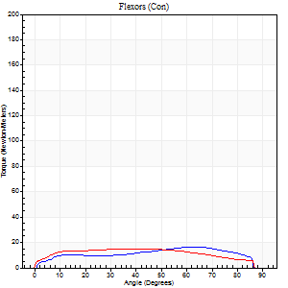
Right Side Curves Left Side Curves
Isokinetic Con/Con |  |  |  | Extensors (Con) |  | Flexors (Con)
Speed 60/60 d/s 3 Reps |  |  |  | Value | Cof Var | %BW | Value | Cof Var | %BW | Ratio

TORQUE PARAMETERS
Peak Torque (Newton-Meters - Best Repetition)
Right |  |  |  | 155 | 0.05 | 86 | 16 | 0.28 | 9 | 11
Left |  |  |  | 140 | 0.03 | 77 | 15 | 0.17 | 9 | 11
Deficit |  |  |  | 10 |  |  | 8
Work per Repetition (Newton-Meters - Best Repetition)
Right |  |  |  | 155 | 0.02 | 86 | 18 | 0.43 | 9 | 11
Left |  |  |  | 133 | 0.02 | 75 | 18 | 0.19 | 9 | 13
Deficit |  |  |  | 14 |  |  | 0
Average Power per Repetition (Watts - Best Repetition)
Right |  |  |  | 100 | 0.01 | 55 | 11 | 0.44 | 7 | 11
Left |  |  |  | 85 | 0.02 | 46 | 11 | 0.17 | 7 | 13
Deficit |  |  |  | 15 |  |  | 0
POSITION PARAMETERS
Joint Angle at Peak Torque (Degrees)
Right |  |  |  | 56 | 0.03 |  | 44 | 0.56
Left |  |  |  | 62 | 0.08 |  | 33 | 0.39
Range of Motion (Degrees)
Right |  |  |  | 0 | 1.41 |  | 90 | 0
Left |  |  |  | 0 | 0.71 |  | 90 | 0
TIME PARAMETERS
Time to Peak Torque (Seconds)
Right |  |  |  | 0.55 | 0.01 |  | 0.81 | 0.45
Left |  |  |  | 0.52 | 0.08 |  | 0.65 | 0.31
Time Peak Torque Held (Seconds)
Right |  |  |  | 0.06 | 0.41 |  | 0.1 | 1.25
Left |  |  |  | 0.04 | 0.31 |  | 0.08 | 0.92
Force Decay Time (Seconds)
Right |  |  |  | 0.92 | 0.02 |  | 0.69 | 0.37
Left |  |  |  | 1.04 | 0.1 |  | 0.88 | 0.23
Reciprocal Delay (Seconds)
Right |  |  |  | 0.2 | 0.1 |  | 0.3 | 0.23
Left |  |  |  | 0.13 | 0.05 |  | 0.32 | 0.13
Delay Time (Seconds)
Right |  |  |  | 0.01 | 0 |  | 0 | 4.58
Left |  |  |  | 0.01 | 0 |  | -0.05 | -0.11
HUMAC2015® Version: 15.000.0074 © Computer Sports Medicine, Inc. www.csmisolutions.com

Use File, Preference to set Report Heading
Long Form Torque vs. Position Report - Knee Extension/Flexion
Name: |  |  |  | TR030_FP3088, | ID: | TR030 | Right/Left: | 05.12.2023 05.12.2023
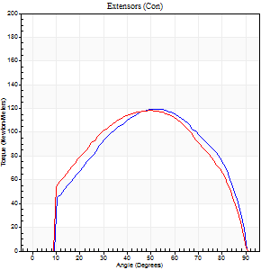
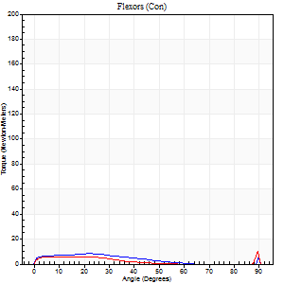
Right Side Curves Left Side Curves
Isokinetic Con/Con |  |  |  | Extensors (Con) |  | Flexors (Con)
Speed 120/120 d/s 3 Reps |  |  |  | Value | Cof Var | %BW | Value | Cof Var | %BW | Ratio

TORQUE PARAMETERS
Peak Torque (Newton-Meters - Best Repetition)
Right |  |  |  | 119 | 0.02 | 66 | 15 | 0.52 | 9 | 12
Left |  |  |  | 118 | 0.03 | 66 | 11 | 0.3 | 6 | 9
Deficit |  |  |  | 1 |  |  | 27
Work per Repetition (Newton-Meters - Best Repetition)
Right |  |  |  | 127 | 0.01 | 72 | 5 | 0.38 | 3 | 4
Left |  |  |  | 126 | 0.09 | 69 | 4 | 0.13 | 3 | 3
Deficit |  |  |  | 1 |  |  | 25
Average Power per Repetition (Watts - Best Repetition)
Right |  |  |  | 148 | 0.03 | 81 | 6 | 0.44 | 4 | 4
Left |  |  |  | 144 | 0.1 | 79 | 5 | 0.27 | 2 | 3
Deficit |  |  |  | 3 |  |  | 17
POSITION PARAMETERS
Joint Angle at Peak Torque (Degrees)
Right |  |  |  | 47 | 0.07 |  | 40 | 1.11
Left |  |  |  | 53 | 0.06 |  | 40 | 1.08
Range of Motion (Degrees)
Right |  |  |  | 0 | 0.61 |  | 90 | 0
Left |  |  |  | 0 | 0.71 |  | 90 | 0
TIME PARAMETERS
Time to Peak Torque (Seconds)
Right |  |  |  | 0.41 | 0.02 |  | 0.57 | 0.87
Left |  |  |  | 0.37 | 0.04 |  | 0.57 | 0.79
Time Peak Torque Held (Seconds)
Right |  |  |  | 0.02 | 0.65 |  | 0.01 | 1.73
Left |  |  |  | 0.03 | 0.43 |  | 0.05 | 1.01
Force Decay Time (Seconds)
Right |  |  |  | 0.45 | 0.11 |  | 0.48 | 1.14
Left |  |  |  | 0.48 | 0.04 |  | 0.45 | 1.04
Reciprocal Delay (Seconds)
Right |  |  |  | 0.16 | 0.14 |  | 0.25 | 0.24
Left |  |  |  | 0.12 | 0 |  | 0.23 | 0.23
Delay Time (Seconds)
Right |  |  |  | 0 | -1.41 |  | -0.03 | -0.35
Left |  |  |  | -0.02 | -0.71 |  | -0.07 | -0.17
HUMAC2015® Version: 15.000.0074 © Computer Sports Medicine, Inc. www.csmisolutions.com

Use File, Preference to set Report Heading
Long Form Torque vs. Position Report - Knee Extension/Flexion
Name: |  |  |  | TR030_FP3088, | ID: | TR030 | Right/Left: | 05.12.2023 05.12.2023
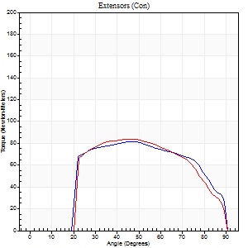

Right Side Curves Left Side Curves
Isokinetic Con/Con |  |  |  | Extensors (Con) |  | Flexors (Con)
Speed 240/240 d/s 3 Reps |  |  |  | Value | Cof Var | %BW | Value | Cof Var | %BW | Ratio

TORQUE PARAMETERS
Peak Torque (Newton-Meters - Best Repetition)
Right |  |  |  | 81 | 0.05 | 45 | 14 | 0.38 | 9 | 17
Left |  |  |  | 84 | 0 | 48 | 15 | 0.38 | 9 | 18
Deficit |  |  |  | 3 |  |  | 9
Work per Repetition (Newton-Meters - Best Repetition)
Right |  |  |  | 84 | 0.05 | 48 | 5 | 0.4 | 3 | 6
Left |  |  |  | 84 | 0.02 | 48 | 5 | 0.1 | 3 | 6
Deficit |  |  |  | 0 |  |  | 0
Average Power per Repetition (Watts - Best Repetition)
Right |  |  |  | 150 | 0.05 | 84 | 8 | 0.57 | 4 | 5
Left |  |  |  | 150 | 0.03 | 84 | 6 | 0.2 | 4 | 4
Deficit |  |  |  | 0 |  |  | 25
POSITION PARAMETERS
Joint Angle at Peak Torque (Degrees)
Right |  |  |  | 47 | 0.04 |  | 33 | 1.49
Left |  |  |  | 46 | 0.05 |  | 34 | 1.43
Range of Motion (Degrees)
Right |  |  |  | 0 | 0 |  | 90 | 0
Left |  |  |  | 0 | 0 |  | 90 | 0
TIME PARAMETERS
Time to Peak Torque (Seconds)
Right |  |  |  | 0.25 | 0.03 |  | 0.4 | 1.06
Left |  |  |  | 0.25 | 0.03 |  | 0.44 | 1.03
Time Peak Torque Held (Seconds)
Right |  |  |  | 0.02 | 0.35 |  | 0.01 | 1.73
Left |  |  |  | 0.01 | 0.43 |  | 0.03 | 1.42
Force Decay Time (Seconds)
Right |  |  |  | 0.28 | 0.02 |  | 0.47 | 0.97
Left |  |  |  | 0.29 | 0.07 |  | 0.39 | 1.06
Reciprocal Delay (Seconds)
Right |  |  |  | 0.1 | 0.14 |  | 0.43 | 0.3
Left |  |  |  | 0.14 | 0.16 |  | 0.46 | 0.13
Delay Time (Seconds)
Right |  |  |  | -0.02 | -0.28 |  | -0.04 | -0.16
Left |  |  |  | -0.01 | 0 |  | -0.07 | -0.38
HUMAC2015® Version: 15.000.0074 © Computer Sports Medicine, Inc. www.csmisolutions.com

Use File, Preference to set Report Heading
Isometric - Knee Extension/Flexion
Name: |  |  |  | TR030_FP3088, | ID: | TR030 | Right/Left: | 05.12.2023 05.12.2023

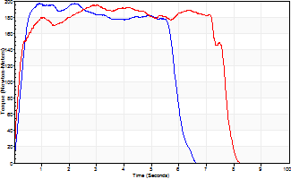
Isometric Extensors (Con) Angle 60 Time 10 Repetition 2 (Best Repetition)
 | Value | Cof Var | %BW
Peak Torque (Newton-Meters)
Right | 197 | 0.06 | 110
Left | 195 | 0.01 | 107
Deficit | 1
Average Torque (Newton-Meters)
Right | 113 | 0.04 | 63
Left | 137 | 0.08 | 77
Deficit | 18
Peak Torque Slope (Newton-Meters/Seconds)
Right | 214 | 1.01 | 119
Left | 65 | 0.22 | 36 |  | Right Side Curves Left Side Curves
Deficit | 70
Time to Half Peak Torque (Seconds)
Right | 0.25 | 0
Left | 0.17 | 0.08
Time to Peak Torque (Seconds)
Right | 3.01 | 0.99
Left | 3.54 | 0.22
HUMAC2015® Version: 15.000.0074 © Computer Sports Medicine, Inc. www.csmisolutions.com

post2
Use File, Preference to set Report Heading
Long Form Torque vs. Position Report - Knee Extension/Flexion
Name: |  |  |  | TR030_FP3088, | ID: | TR030 | Right/Left: | 08.12.2023 08.12.2023
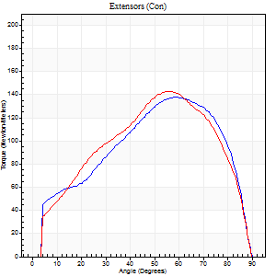
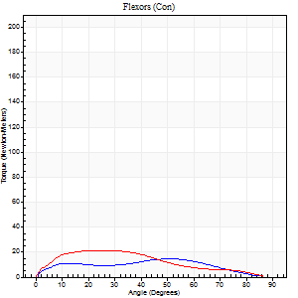
Right Side Curves Left Side Curves
Isokinetic Con/Con |  |  |  | Extensors (Con) |  | Flexors (Con)
Speed 60/60 d/s 3 Reps |  |  |  | Value | Cof Var | %BW | Value | Cof Var | %BW | Ratio

TORQUE PARAMETERS
Peak Torque (Newton-Meters - Best Repetition)
Right |  |  |  | 138 | 0 | 77 | 15 | 0.19 | 9 | 11
Left |  |  |  | 142 | 0.06 | 80 | 22 | 0.32 | 12 | 15
Deficit |  |  |  | 3 |  |  | 31
Work per Repetition (Newton-Meters - Best Repetition)
Right |  |  |  | 142 | 0.01 | 80 | 14 | 0.2 | 9 | 10
Left |  |  |  | 145 | 0.06 | 80 | 19 | 0.28 | 12 | 13
Deficit |  |  |  | 2 |  |  | 29
Average Power per Repetition (Watts - Best Repetition)
Right |  |  |  | 91 | 0.02 | 51 | 9 | 0.19 | 4 | 10
Left |  |  |  | 94 | 0.06 | 53 | 12 | 0.27 | 7 | 13
Deficit |  |  |  | 3 |  |  | 25
POSITION PARAMETERS
Joint Angle at Peak Torque (Degrees)
Right |  |  |  | 60 | 0.04 |  | 34 | 0.55
Left |  |  |  | 57 | 0.05 |  | 22 | 0.43
Range of Motion (Degrees)
Right |  |  |  | 0 | 0.28 |  | 90 | 0
Left |  |  |  | 0 | 0.47 |  | 89 | 0.01
TIME PARAMETERS
Time to Peak Torque (Seconds)
Right |  |  |  | 0.53 | 0.04 |  | 0.61 | 0.49
Left |  |  |  | 0.58 | 0.01 |  | 0.42 | 0.33
Time Peak Torque Held (Seconds)
Right |  |  |  | 0.05 | 0.25 |  | 0.02 | 1.73
Left |  |  |  | 0.05 | 0.45 |  | 0.03 | 1.08
Force Decay Time (Seconds)
Right |  |  |  | 1 | 0.05 |  | 0.92 | 0.34
Left |  |  |  | 0.94 | 0.08 |  | 1.1 | 0.12
Reciprocal Delay (Seconds)
Right |  |  |  | 0.13 | 0.22 |  | 0.27 | 0.09
Left |  |  |  | 0.09 | 0.37 |  | 0.27 | 0.22
Delay Time (Seconds)
Right |  |  |  | -0.01 | -0.47 |  | 0.01 | 0.87
Left |  |  |  | 0 | 1.41 |  | -0.02 | -0.69
HUMAC2015® Version: 15.000.0074 © Computer Sports Medicine, Inc. www.csmisolutions.com

Use File, Preference to set Report Heading
Long Form Torque vs. Position Report - Knee Extension/Flexion
Name: |  |  |  | TR030_FP3088, | ID: | TR030 | Right/Left: | 08.12.2023 08.12.2023
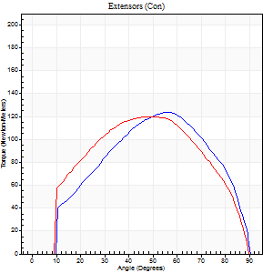
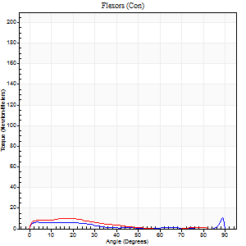
Right Side Curves Left Side Curves
Isokinetic Con/Con |  |  |  | Extensors (Con) |  | Flexors (Con)
Speed 120/120 d/s 3 Reps |  |  |  | Value | Cof Var | %BW | Value | Cof Var | %BW | Ratio

TORQUE PARAMETERS
Peak Torque (Newton-Meters - Best Repetition)
Right |  |  |  | 123 | 0.03 | 69 | 11 | 0.33 | 6 | 9
Left |  |  |  | 119 | 0.04 | 66 | 11 | 0.05 | 6 | 9
Deficit |  |  |  | 3 |  |  | 0
Work per Repetition (Newton-Meters - Best Repetition)
Right |  |  |  | 132 | 0.04 | 72 | 7 | 0.52 | 3 | 5
Left |  |  |  | 127 | 0.03 | 72 | 8 | 0.18 | 6 | 6
Deficit |  |  |  | 3 |  |  | 17
Average Power per Repetition (Watts - Best Repetition)
Right |  |  |  | 154 | 0.08 | 86 | 7 | 0.55 | 4 | 5
Left |  |  |  | 147 | 0.05 | 81 | 10 | 0.23 | 7 | 7
Deficit |  |  |  | 5 |  |  | 30
POSITION PARAMETERS
Joint Angle at Peak Torque (Degrees)
Right |  |  |  | 54 | 0.04 |  | 40 | 1.1
Left |  |  |  | 50 | 0.09 |  | 20 | 0.13
Range of Motion (Degrees)
Right |  |  |  | 0 | 0.2 |  | 90 | 0
Left |  |  |  | 0 | 0.71 |  | 90 | 0.01
TIME PARAMETERS
Time to Peak Torque (Seconds)
Right |  |  |  | 0.34 | 0.04 |  | 0.5 | 0.82
Left |  |  |  | 0.38 | 0.02 |  | 0.3 | 0.12
Time Peak Torque Held (Seconds)
Right |  |  |  | 0.03 | 0.33 |  | 0.02 | 1.73
Left |  |  |  | 0.04 | 0.66 |  | 0.02 | 0.89
Force Decay Time (Seconds)
Right |  |  |  | 0.5 | 0.07 |  | 0.46 | 0.89
Left |  |  |  | 0.46 | 0.15 |  | 0.59 | 0.17
Reciprocal Delay (Seconds)
Right |  |  |  | 0.08 | 0.18 |  | 0.24 | 0.41
Left |  |  |  | 0.07 | 0.4 |  | 0.25 | 0.12
Delay Time (Seconds)
Right |  |  |  | -0.01 | 0 |  | -0.04 | -0.66
Left |  |  |  | 0 | 1.41 |  | -0.03 | -0.17
HUMAC2015® Version: 15.000.0074 © Computer Sports Medicine, Inc. www.csmisolutions.com

Use File, Preference to set Report Heading
Long Form Torque vs. Position Report - Knee Extension/Flexion
Name: |  |  |  | TR030_FP3088, | ID: | TR030 | Right/Left: | 08.12.2023 08.12.2023
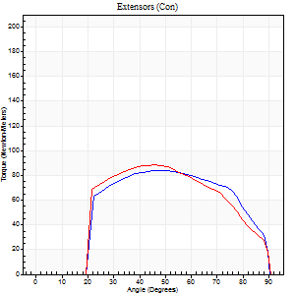

Right Side Curves Left Side Curves
Isokinetic Con/Con |  |  |  | Extensors (Con) |  | Flexors (Con)
Speed 240/240 d/s 3 Reps |  |  |  | Value | Cof Var | %BW | Value | Cof Var | %BW | Ratio

TORQUE PARAMETERS
Peak Torque (Newton-Meters - Best Repetition)
Right |  |  |  | 84 | 0.02 | 48 | 8 | 0.07 | 6 | 10
Left |  |  |  | 88 | 0.02 | 48 | 14 | 0.34 | 9 | 15
Deficit |  |  |  | 5 |  |  | 40
Work per Repetition (Newton-Meters - Best Repetition)
Right |  |  |  | 87 | 0.04 | 48 | 4 | 0.2 | 3 | 5
Left |  |  |  | 85 | 0.01 | 48 | 4 | 0.17 | 3 | 5
Deficit |  |  |  | 2 |  |  | 0
Average Power per Repetition (Watts - Best Repetition)
Right |  |  |  | 150 | 0.04 | 84 | 5 | 0.35 | 2 | 3
Left |  |  |  | 150 | 0.03 | 84 | 6 | 0.28 | 4 | 4
Deficit |  |  |  | 0 |  |  | 17
POSITION PARAMETERS
Joint Angle at Peak Torque (Degrees)
Right |  |  |  | 47 | 0.03 |  | 4 | 0.42
Left |  |  |  | 43 | 0.05 |  | 35 | 1.37
Range of Motion (Degrees)
Right |  |  |  | 0 | -0.71 |  | 90 | 0.01
Left |  |  |  | 0 | -1.41 |  | 90 | 0
TIME PARAMETERS
Time to Peak Torque (Seconds)
Right |  |  |  | 0.25 | 0.03 |  | 0.15 | 0.18
Left |  |  |  | 0.28 | 0.03 |  | 0.47 | 0.98
Time Peak Torque Held (Seconds)
Right |  |  |  | 0.01 | 0.43 |  | 0.03 | 1.48
Left |  |  |  | 0.01 | 0.43 |  | 0 | 1.73
Force Decay Time (Seconds)
Right |  |  |  | 0.29 | 0.03 |  | 0.68 | 0.16
Left |  |  |  | 0.28 | 0.02 |  | 0.39 | 1.09
Reciprocal Delay (Seconds)
Right |  |  |  | 0.12 | 0.85 |  | 0.36 | 0.26
Left |  |  |  | 0.15 | 0.57 |  | 0.36 | 0.09
Delay Time (Seconds)
Right |  |  |  | -0.04 | -0.2 |  | -0.05 | -0.33
Left |  |  |  | -0.02 | -0.71 |  | -0.05 | -0.2
HUMAC2015® Version: 15.000.0074 © Computer Sports Medicine, Inc. www.csmisolutions.com

Use File, Preference to set Report Heading
Isometric - Knee Extension/Flexion
Name: |  |  |  | TR030_FP3088, | ID: | TR030 | Right/Left: | 08.12.2023 08.12.2023

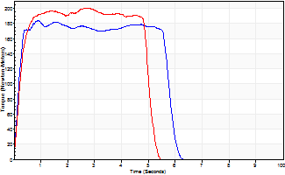
Isometric Extensors (Con) Angle 60 Time 10 Repetition 2 (Best Repetition)
 | Value | Cof Var | %BW
Peak Torque (Newton-Meters)
Right | 184 | 0.07 | 101
Left | 201 | 0 | 110
Deficit | 8
Average Torque (Newton-Meters)
Right | 99 | 0.14 | 54
Left | 94 | 0.01 | 51
Deficit | 5
Peak Torque Slope (Newton-Meters/Seconds)
Right | 200 | 0.52 | 111
Left | 82 | 0.07 | 46 |  | Right Side Curves Left Side Curves
Deficit | 59
Time to Half Peak Torque (Seconds)
Right | 0.16 | 0.09
Left | 0.22 | 0.03
Time to Peak Torque (Seconds)
Right | 1.36 | 0.46
Left | 2.55 | 0.07
HUMAC2015® Version: 15.000.0074 © Computer Sports Medicine, Inc. www.csmisolutions.com

