pre1
Use File, Preference to set Report Heading
Long Form Torque vs. Position Report - Knee Extension/Flexion
Name: |  |  |  | TR030_FP3089, | ID: | TR030 | Right/Left: | 29.09.2023 29.09.2023
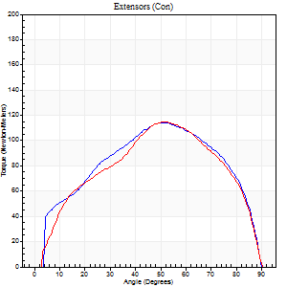
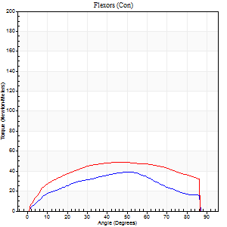
Right Side Curves Left Side Curves
Isokinetic Con/Con |  |  |  | Extensors (Con) |  | Flexors (Con)
Speed 60/60 d/s 3 Reps |  |  |  | Value | Cof Var | %BW | Value | Cof Var | %BW | Ratio

TORQUE PARAMETERS
Peak Torque (Newton-Meters - Best Repetition)
Right |  |  |  | 114 | 0.05 | 176 | 39 | 0.53 | 60 | 35
Left |  |  |  | 115 | 0.11 | 176 | 49 | 0.22 | 75 | 42
Deficit |  |  |  | 1 |  |  | 19
Work per Repetition (Newton-Meters - Best Repetition)
Right |  |  |  | 123 | 0.02 | 191 | 39 | 0.55 | 60 | 32
Left |  |  |  | 118 | 0.06 | 182 | 60 | 0.23 | 92 | 51
Deficit |  |  |  | 4 |  |  | 34
Average Power per Repetition (Watts - Best Repetition)
Right |  |  |  | 79 | 0.03 | 121 | 25 | 0.55 | 37 | 32
Left |  |  |  | 76 | 0.05 | 116 | 38 | 0.21 | 59 | 50
Deficit |  |  |  | 4 |  |  | 34
POSITION PARAMETERS
Joint Angle at Peak Torque (Degrees)
Right |  |  |  | 50 | 0.14 |  | 46 | 0.45
Left |  |  |  | 52 | 0.01 |  | 47 | 0.16
Range of Motion (Degrees)
Right |  |  |  | 0 | 2.83 |  | 90 | 0
Left |  |  |  | 0 | 0.47 |  | 90 | 0
TIME PARAMETERS
Time to Peak Torque (Seconds)
Right |  |  |  | 0.73 | 0.14 |  | 0.81 | 0.38
Left |  |  |  | 0.63 | 0.02 |  | 0.84 | 0.21
Time Peak Torque Held (Seconds)
Right |  |  |  | 0.05 | 0 |  | 0.06 | 1.17
Left |  |  |  | 0.06 | 0.37 |  | 0.07 | 0.09
Force Decay Time (Seconds)
Right |  |  |  | 0.82 | 0.13 |  | 0.68 | 0.54
Left |  |  |  | 0.83 | 0.03 |  | 0.66 | 0.11
Reciprocal Delay (Seconds)
Right |  |  |  | 0.23 | 0.33 |  | 0.24 | 0.33
Left |  |  |  | 0.19 | 0.11 |  | 0.17 | 0.09
Delay Time (Seconds)
Right |  |  |  | 0 | 1.41 |  | 0.01 | 1.15
Left |  |  |  | 0.02 | 0.28 |  | -0.03 | -2.38
HUMAC2015® Version: 15.000.0074 © Computer Sports Medicine, Inc. www.csmisolutions.com

Use File, Preference to set Report Heading
Long Form Torque vs. Position Report - Knee Extension/Flexion
Name: |  |  |  | TR030_FP3089, | ID: | TR030 | Right/Left: | 29.09.2023 29.09.2023
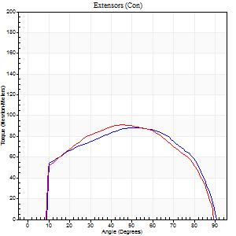
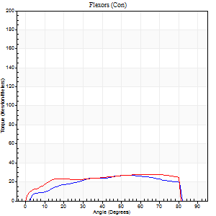
Right Side Curves Left Side Curves
Isokinetic Con/Con |  |  |  | Extensors (Con) |  | Flexors (Con)
Speed 120/120 d/s 3 Reps |  |  |  | Value | Cof Var | %BW | Value | Cof Var | %BW | Ratio

TORQUE PARAMETERS
Peak Torque (Newton-Meters - Best Repetition)
Right |  |  |  | 88 | 0.06 | 134 | 27 | 0.31 | 42 | 31
Left |  |  |  | 91 | 0.03 | 140 | 28 | 0.27 | 45 | 31
Deficit |  |  |  | 3 |  |  | 5
Work per Repetition (Newton-Meters - Best Repetition)
Right |  |  |  | 100 | 0.07 | 155 | 28 | 0.28 | 45 | 28
Left |  |  |  | 100 | 0.03 | 155 | 33 | 0.31 | 51 | 32
Deficit |  |  |  | 0 |  |  | 13
Average Power per Repetition (Watts - Best Repetition)
Right |  |  |  | 116 | 0.1 | 178 | 34 | 0.32 | 53 | 29
Left |  |  |  | 119 | 0.03 | 182 | 37 | 0.28 | 57 | 31
Deficit |  |  |  | 3 |  |  | 8
POSITION PARAMETERS
Joint Angle at Peak Torque (Degrees)
Right |  |  |  | 45 | 0.12 |  | 42 | 0.42
Left |  |  |  | 43 | 0.06 |  | 42 | 0.57
Range of Motion (Degrees)
Right |  |  |  | 0 | 0.16 |  | 90 | 0
Left |  |  |  | 0 | 0.11 |  | 90 | 0
TIME PARAMETERS
Time to Peak Torque (Seconds)
Right |  |  |  | 0.41 | 0.14 |  | 0.42 | 0.17
Left |  |  |  | 0.42 | 0.07 |  | 0.41 | 0.48
Time Peak Torque Held (Seconds)
Right |  |  |  | 0.03 | 0.57 |  | 0.01 | 1.73
Left |  |  |  | 0.02 | 0.35 |  | 0.01 | 1
Force Decay Time (Seconds)
Right |  |  |  | 0.41 | 0.09 |  | 0.42 | 0.46
Left |  |  |  | 0.39 | 0.05 |  | 0.43 | 0.41
Reciprocal Delay (Seconds)
Right |  |  |  | 0.19 | 0.65 |  | 0.19 | 0.81
Left |  |  |  | 0.12 | 0.31 |  | 0.12 | 0.05
Delay Time (Seconds)
Right |  |  |  | -0.01 | 0 |  | 0.03 | 2.81
Left |  |  |  | 0.01 | 0 |  | -0.01 | -0.43
HUMAC2015® Version: 15.000.0074 © Computer Sports Medicine, Inc. www.csmisolutions.com

Use File, Preference to set Report Heading
Long Form Torque vs. Position Report - Knee Extension/Flexion
Name: |  |  |  | TR030_FP3089, | ID: | TR030 | Right/Left: | 29.09.2023 29.09.2023
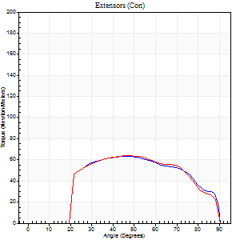
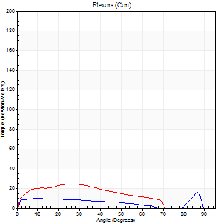
Right Side Curves Left Side Curves
Isokinetic Con/Con |  |  |  | Extensors (Con) |  | Flexors (Con)
Speed 240/240 d/s 3 Reps |  |  |  | Value | Cof Var | %BW | Value | Cof Var | %BW | Ratio

TORQUE PARAMETERS
Peak Torque (Newton-Meters - Best Repetition)
Right |  |  |  | 64 | 0.01 | 98 | 16 | 0.36 | 24 | 26
Left |  |  |  | 64 | 0.02 | 98 | 24 | 0.52 | 39 | 38
Deficit |  |  |  | 0 |  |  | 33
Work per Repetition (Newton-Meters - Best Repetition)
Right |  |  |  | 65 | 0.02 | 101 | 14 | 0.53 | 21 | 21
Left |  |  |  | 64 | 0.03 | 98 | 22 | 0.54 | 33 | 34
Deficit |  |  |  | 2 |  |  | 38
Average Power per Repetition (Watts - Best Repetition)
Right |  |  |  | 120 | 0.18 | 185 | 19 | 0.52 | 29 | 16
Left |  |  |  | 117 | 0.02 | 180 | 34 | 0.53 | 53 | 29
Deficit |  |  |  | 3 |  |  | 44
POSITION PARAMETERS
Joint Angle at Peak Torque (Degrees)
Right |  |  |  | 48 | 0.1 |  | 45 | 0.85
Left |  |  |  | 46 | 0.01 |  | 25 | 0.61
Range of Motion (Degrees)
Right |  |  |  | 1 | 0.71 |  | 90 | 0.01
Left |  |  |  | 1 | 0.25 |  | 90 | 0.01
TIME PARAMETERS
Time to Peak Torque (Seconds)
Right |  |  |  | 0.36 | 0.35 |  | 0.33 | 0.6
Left |  |  |  | 0.25 | 0 |  | 0.24 | 0.29
Time Peak Torque Held (Seconds)
Right |  |  |  | 0.01 | 0.43 |  | 0.01 | 1
Left |  |  |  | 0.01 | 1 |  | 0 | 0
Force Decay Time (Seconds)
Right |  |  |  | 0.26 | 0.08 |  | 0.31 | 0.79
Left |  |  |  | 0.26 | 0.04 |  | 0.37 | 0.27
Reciprocal Delay (Seconds)
Right |  |  |  | 0.21 | 0.54 |  | 0.08 | 0.28
Left |  |  |  | 0.11 | 0 |  | 0.1 | 0.1
Delay Time (Seconds)
Right |  |  |  | -0.12 | -1.05 |  | -0.01 | -2.65
Left |  |  |  | -0.01 | 0 |  | -0.03 | -0.33
HUMAC2015® Version: 15.000.0074 © Computer Sports Medicine, Inc. www.csmisolutions.com

Use File, Preference to set Report Heading
Isometric - Knee Extension/Flexion
Name: |  |  |  | TR030_FP3089, | ID: | TR030 | Right/Left: | 29.09.2023 29.09.2023

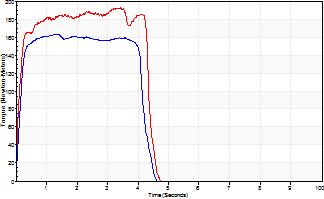
Isometric Extensors (Con) Angle 60 Time 10 Repetition 2 (Best Repetition)
 | Value | Cof Var | %BW
Peak Torque (Newton-Meters)
Right | 163 | 0.09 | 250
Left | 193 | 0.08 | 295
Deficit | 15
Average Torque (Newton-Meters)
Right | 77 | 0.13 | 119
Left | 77 | 0.21 | 119
Deficit | 0
Peak Torque Slope (Newton-Meters/Seconds)
Right | 124 | 0.57 | 190
Left | 82 | 0.26 | 126 |  | Right Side Curves Left Side Curves
Deficit | 34
Time to Half Peak Torque (Seconds)
Right | 0.17 | 0.25
Left | 0.11 | 0.06
Time to Peak Torque (Seconds)
Right | 2 | 0.49
Left | 2.74 | 0.34
HUMAC2015® Version: 15.000.0074 © Computer Sports Medicine, Inc. www.csmisolutions.com

pre2
Use File, Preference to set Report Heading
Long Form Torque vs. Position Report - Knee Extension/Flexion
Name: |  |  |  | TR030_FP3089, | ID: | TR030 | Right/Left: | 02.10.2023 02.10.2023
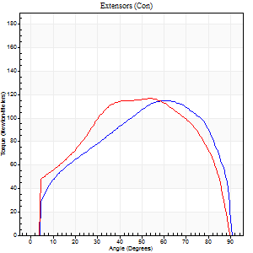
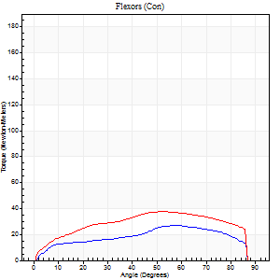
Right Side Curves Left Side Curves
Isokinetic Con/Con |  |  |  | Extensors (Con) |  | Flexors (Con)
Speed 60/60 d/s 3 Reps |  |  |  | Value | Cof Var | %BW | Value | Cof Var | %BW | Ratio

TORQUE PARAMETERS
Peak Torque (Newton-Meters - Best Repetition)
Right |  |  |  | 115 | 0.06 | 176 | 27 | 0.48 | 42 | 24
Left |  |  |  | 117 | 0.05 | 179 | 38 | 0.41 | 60 | 33
Deficit |  |  |  | 1 |  |  | 29
Work per Repetition (Newton-Meters - Best Repetition)
Right |  |  |  | 127 | 0.03 | 197 | 27 | 0.35 | 42 | 21
Left |  |  |  | 132 | 0.04 | 203 | 42 | 0.37 | 66 | 32
Deficit |  |  |  | 3 |  |  | 35
Average Power per Repetition (Watts - Best Repetition)
Right |  |  |  | 79 | 0.02 | 121 | 18 | 0.37 | 29 | 23
Left |  |  |  | 84 | 0.03 | 130 | 27 | 0.35 | 42 | 32
Deficit |  |  |  | 6 |  |  | 33
POSITION PARAMETERS
Joint Angle at Peak Torque (Degrees)
Right |  |  |  | 54 | 0.1 |  | 37 | 0.49
Left |  |  |  | 50 | 0.09 |  | 38 | 0.33
Range of Motion (Degrees)
Right |  |  |  | 0 | 0 |  | 90 | 0
Left |  |  |  | 0 | 1.41 |  | 90 | 0
TIME PARAMETERS
Time to Peak Torque (Seconds)
Right |  |  |  | 0.66 | 0.05 |  | 0.67 | 0.41
Left |  |  |  | 0.7 | 0.1 |  | 0.65 | 0.33
Time Peak Torque Held (Seconds)
Right |  |  |  | 0.07 | 0.09 |  | 0.19 | 1.55
Left |  |  |  | 0.08 | 0.2 |  | 0.03 | 0.94
Force Decay Time (Seconds)
Right |  |  |  | 0.88 | 0.1 |  | 0.72 | 0.42
Left |  |  |  | 0.8 | 0.11 |  | 0.86 | 0.25
Reciprocal Delay (Seconds)
Right |  |  |  | 1.52 | 1.14 |  | 0.34 | 0.7
Left |  |  |  | 0.19 | 0.11 |  | 0.22 | 0.1
Delay Time (Seconds)
Right |  |  |  | 0 | 0 |  | 0 | 0
Left |  |  |  | 0.01 | 0.47 |  | 0.01 | 0.43
HUMAC2015® Version: 15.000.0074 © Computer Sports Medicine, Inc. www.csmisolutions.com

Use File, Preference to set Report Heading
Long Form Torque vs. Position Report - Knee Extension/Flexion
Name: |  |  |  | TR030_FP3089, | ID: | TR030 | Right/Left: | 02.10.2023 02.10.2023
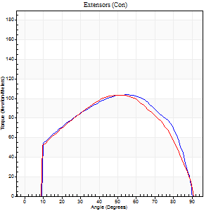
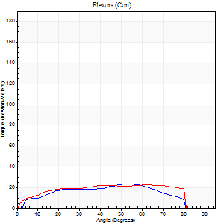
Right Side Curves Left Side Curves
Isokinetic Con/Con |  |  |  | Extensors (Con) |  | Flexors (Con)
Speed 120/120 d/s 3 Reps |  |  |  | Value | Cof Var | %BW | Value | Cof Var | %BW | Ratio

TORQUE PARAMETERS
Peak Torque (Newton-Meters - Best Repetition)
Right |  |  |  | 103 | 0.06 | 158 | 23 | 0.33 | 36 | 22
Left |  |  |  | 103 | 0.05 | 158 | 23 | 0.3 | 36 | 22
Deficit |  |  |  | 0 |  |  | 0
Work per Repetition (Newton-Meters - Best Repetition)
Right |  |  |  | 115 | 0.05 | 176 | 23 | 0.41 | 36 | 20
Left |  |  |  | 111 | 0.06 | 170 | 26 | 0.44 | 39 | 23
Deficit |  |  |  | 4 |  |  | 11
Average Power per Repetition (Watts - Best Repetition)
Right |  |  |  | 137 | 0.05 | 211 | 27 | 0.4 | 42 | 20
Left |  |  |  | 129 | 0.06 | 198 | 31 | 0.45 | 48 | 24
Deficit |  |  |  | 6 |  |  | 13
POSITION PARAMETERS
Joint Angle at Peak Torque (Degrees)
Right |  |  |  | 51 | 0.05 |  | 31 | 0.61
Left |  |  |  | 48 | 0.09 |  | 35 | 0.68
Range of Motion (Degrees)
Right |  |  |  | 1 | 0.23 |  | 90 | 0
Left |  |  |  | 0 | 0.47 |  | 90 | 0
TIME PARAMETERS
Time to Peak Torque (Seconds)
Right |  |  |  | 0.38 | 0.02 |  | 0.32 | 0.46
Left |  |  |  | 0.41 | 0.02 |  | 0.36 | 0.54
Time Peak Torque Held (Seconds)
Right |  |  |  | 0.04 | 0.71 |  | 0.01 | 1.73
Left |  |  |  | 0.04 | 0.43 |  | 0.01 | 1.73
Force Decay Time (Seconds)
Right |  |  |  | 0.42 | 0.1 |  | 0.52 | 0.32
Left |  |  |  | 0.41 | 0.02 |  | 0.48 | 0.41
Reciprocal Delay (Seconds)
Right |  |  |  | 0.22 | 0.3 |  | 0.12 | 0.23
Left |  |  |  | 0.11 | 0.2 |  | 0.11 | 0.13
Delay Time (Seconds)
Right |  |  |  | -0.01 | -0.47 |  | 0.01 | 2.41
Left |  |  |  | -0.01 | -1.41 |  | -0.01 | -0.87
HUMAC2015® Version: 15.000.0074 © Computer Sports Medicine, Inc. www.csmisolutions.com

Use File, Preference to set Report Heading
Long Form Torque vs. Position Report - Knee Extension/Flexion
Name: |  |  |  | TR030_FP3089, | ID: | TR030 | Right/Left: | 02.10.2023 02.10.2023
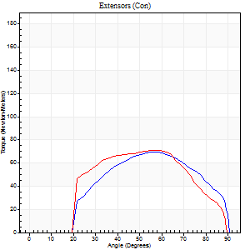
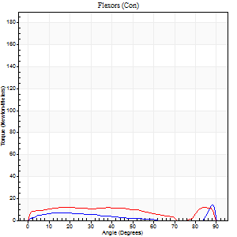
Right Side Curves Left Side Curves
Isokinetic Con/Con |  |  |  | Extensors (Con) |  | Flexors (Con)
Speed 240/240 d/s 3 Reps |  |  |  | Value | Cof Var | %BW | Value | Cof Var | %BW | Ratio

TORQUE PARAMETERS
Peak Torque (Newton-Meters - Best Repetition)
Right |  |  |  | 69 | 0.02 | 107 | 14 | 0.42 | 21 | 20
Left |  |  |  | 71 | 0.09 | 107 | 12 | 0.27 | 18 | 17
Deficit |  |  |  | 2 |  |  | 10
Work per Repetition (Newton-Meters - Best Repetition)
Right |  |  |  | 66 | 0.01 | 101 | 5 | 0.4 | 9 | 8
Left |  |  |  | 66 | 0.08 | 101 | 7 | 0.83 | 9 | 10
Deficit |  |  |  | 0 |  |  | 20
Average Power per Repetition (Watts - Best Repetition)
Right |  |  |  | 117 | 0.02 | 180 | 6 | 0.43 | 9 | 5
Left |  |  |  | 106 | 0.14 | 163 | 12 | 0.62 | 18 | 11
Deficit |  |  |  | 9 |  |  | 50
POSITION PARAMETERS
Joint Angle at Peak Torque (Degrees)
Right |  |  |  | 51 | 0.07 |  | 61 | 0.78
Left |  |  |  | 54 | 0.16 |  | 59 | 0.8
Range of Motion (Degrees)
Right |  |  |  | 1 | 0.16 |  | 90 | 0
Left |  |  |  | 0 | 1.41 |  | 90 | 0.01
TIME PARAMETERS
Time to Peak Torque (Seconds)
Right |  |  |  | 0.27 | 0.05 |  | 0.66 | 0.65
Left |  |  |  | 0.41 | 0.02 |  | 0.29 | 1.09
Time Peak Torque Held (Seconds)
Right |  |  |  | 0.01 | 0.87 |  | 0 | 0
Left |  |  |  | 0.01 | 0.87 |  | 0 | 0
Force Decay Time (Seconds)
Right |  |  |  | 0.29 | 0.07 |  | 0.27 | 1.31
Left |  |  |  | 0.31 | 0.13 |  | 0.31 | 1.42
Reciprocal Delay (Seconds)
Right |  |  |  | 0.4 | 0.28 |  | 0.15 | 0.08
Left |  |  |  | 0.19 | 0.65 |  | 0.19 | 0.68
Delay Time (Seconds)
Right |  |  |  | -0.04 | -0.35 |  | -0.03 | -1.21
Left |  |  |  | -0.12 | -1.05 |  | 0.12 | 2.44
HUMAC2015® Version: 15.000.0074 © Computer Sports Medicine, Inc. www.csmisolutions.com

Use File, Preference to set Report Heading
Isometric - Knee Extension/Flexion
Name: |  |  |  | TR030_FP3089, | ID: | TR030 | Right/Left: | 02.10.2023 02.10.2023

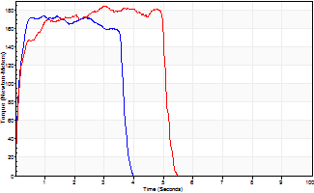
Isometric Extensors (Con) Angle 60 Time 10 Repetition 2 (Best Repetition)
 | Value | Cof Var | %BW
Peak Torque (Newton-Meters)
Right | 174 | 0.04 | 268
Left | 184 | 0.09 | 283
Deficit | 6
Average Torque (Newton-Meters)
Right | 68 | 0.09 | 104
Left | 85 | 0.21 | 131
Deficit | 21
Peak Torque Slope (Newton-Meters/Seconds)
Right | 181 | 0.5 | 279
Left | 82 | 0.2 | 126 |  | Right Side Curves Left Side Curves
Deficit | 55
Time to Half Peak Torque (Seconds)
Right | 0.09 | 0.16
Left | 0.14 | 0.16
Time to Peak Torque (Seconds)
Right | 1.42 | 0.47
Left | 2.47 | 0.29
HUMAC2015® Version: 15.000.0074 © Computer Sports Medicine, Inc. www.csmisolutions.com

mid1
Use File, Preference to set Report Heading
Long Form Torque vs. Position Report - Knee Extension/Flexion
Name: |  |  |  | TR030_FP3089, | ID: | TR030 | Right/Left: | 07.11.2023 07.11.2023
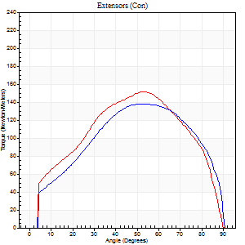
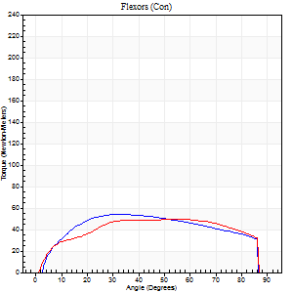
Right Side Curves Left Side Curves
Isokinetic Con/Con |  |  |  | Extensors (Con) |  | Flexors (Con)
Speed 60/60 d/s 3 Reps |  |  |  | Value | Cof Var | %BW | Value | Cof Var | %BW | Ratio

TORQUE PARAMETERS
Peak Torque (Newton-Meters - Best Repetition)
Right |  |  |  | 138 | 0.05 | 212 | 54 | 0.4 | 83 | 39
Left |  |  |  | 152 | 0.06 | 232 | 50 | 0.09 | 77 | 33
Deficit |  |  |  | 9 |  |  | 8
Work per Repetition (Newton-Meters - Best Repetition)
Right |  |  |  | 151 | 0.06 | 232 | 64 | 0.42 | 98 | 42
Left |  |  |  | 160 | 0.05 | 247 | 61 | 0.13 | 92 | 38
Deficit |  |  |  | 6 |  |  | 4
Average Power per Repetition (Watts - Best Repetition)
Right |  |  |  | 94 | 0.04 | 145 | 42 | 0.41 | 64 | 45
Left |  |  |  | 102 | 0.04 | 156 | 40 | 0.12 | 62 | 39
Deficit |  |  |  | 8 |  |  | 5
POSITION PARAMETERS
Joint Angle at Peak Torque (Degrees)
Right |  |  |  | 51 | 0.06 |  | 35 | 0.06
Left |  |  |  | 52 | 0.01 |  | 51 | 0.2
Range of Motion (Degrees)
Right |  |  |  | 0 | 0 |  | 90 | 0
Left |  |  |  | 0 | 0 |  | 90 | 0
TIME PARAMETERS
Time to Peak Torque (Seconds)
Right |  |  |  | 0.67 | 0.07 |  | 0.57 | 0.08
Left |  |  |  | 0.62 | 0.01 |  | 0.85 | 0.2
Time Peak Torque Held (Seconds)
Right |  |  |  | 0.09 | 0.18 |  | 0.04 | 0.35
Left |  |  |  | 0.04 | 0 |  | 0.02 | 1.08
Force Decay Time (Seconds)
Right |  |  |  | 0.8 | 0.05 |  | 0.89 | 0.07
Left |  |  |  | 0.88 | 0.01 |  | 0.64 | 0.31
Reciprocal Delay (Seconds)
Right |  |  |  | 0.22 | 0.09 |  | 0.17 | 0.2
Left |  |  |  | 0.16 | 0.18 |  | 0.2 | 0.13
Delay Time (Seconds)
Right |  |  |  | 0 | 1.41 |  | 0.06 | 0.33
Left |  |  |  | 0.02 | 0.71 |  | 0.03 | 0.22
HUMAC2015® Version: 15.000.0074 © Computer Sports Medicine, Inc. www.csmisolutions.com

Use File, Preference to set Report Heading
Long Form Torque vs. Position Report - Knee Extension/Flexion
Name: |  |  |  | TR030_FP3089, | ID: | TR030 | Right/Left: | 07.11.2023 07.11.2023
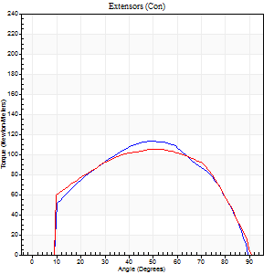
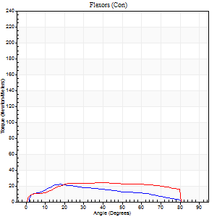
Right Side Curves Left Side Curves
Isokinetic Con/Con |  |  |  | Extensors (Con) |  | Flexors (Con)
Speed 120/120 d/s 3 Reps |  |  |  | Value | Cof Var | %BW | Value | Cof Var | %BW | Ratio

TORQUE PARAMETERS
Peak Torque (Newton-Meters - Best Repetition)
Right |  |  |  | 113 | 0.05 | 173 | 22 | 0.54 | 33 | 19
Left |  |  |  | 106 | 0.03 | 164 | 24 | 0.19 | 39 | 23
Deficit |  |  |  | 6 |  |  | 11
Work per Repetition (Newton-Meters - Best Repetition)
Right |  |  |  | 118 | 0.03 | 182 | 19 | 0.77 | 30 | 16
Left |  |  |  | 117 | 0.07 | 179 | 27 | 0.27 | 42 | 23
Deficit |  |  |  | 1 |  |  | 30
Average Power per Repetition (Watts - Best Repetition)
Right |  |  |  | 145 | 0.06 | 222 | 22 | 0.85 | 33 | 15
Left |  |  |  | 134 | 0.05 | 207 | 32 | 0.28 | 48 | 24
Deficit |  |  |  | 8 |  |  | 31
POSITION PARAMETERS
Joint Angle at Peak Torque (Degrees)
Right |  |  |  | 47 | 0.04 |  | 45 | 0.79
Left |  |  |  | 51 | 0.02 |  | 27 | 0.34
Range of Motion (Degrees)
Right |  |  |  | 1 | 0.47 |  | 90 | 0.01
Left |  |  |  | 0 | 0.2 |  | 90 | 0
TIME PARAMETERS
Time to Peak Torque (Seconds)
Right |  |  |  | 0.44 | 0.08 |  | 2.61 | 1.57
Left |  |  |  | 0.35 | 0 |  | 0.29 | 0.26
Time Peak Torque Held (Seconds)
Right |  |  |  | 0.03 | 0.57 |  | 0.02 | 0.92
Left |  |  |  | 0.02 | 0.25 |  | 0 | 0
Force Decay Time (Seconds)
Right |  |  |  | 0.4 | 0.07 |  | 0.4 | 0.75
Left |  |  |  | 0.46 | 0.03 |  | 0.56 | 0.15
Reciprocal Delay (Seconds)
Right |  |  |  | 0.14 | 0.68 |  | 0.11 | 0.09
Left |  |  |  | 0.1 | 0.42 |  | 0.15 | 0.14
Delay Time (Seconds)
Right |  |  |  | -0.04 | -1.01 |  | 0.06 | 1.47
Left |  |  |  | 0 | 0 |  | 0 | -1.73
HUMAC2015® Version: 15.000.0074 © Computer Sports Medicine, Inc. www.csmisolutions.com

Use File, Preference to set Report Heading
Long Form Torque vs. Position Report - Knee Extension/Flexion
Name: |  |  |  | TR030_FP3089, | ID: | TR030 | Right/Left: | 07.11.2023 07.11.2023
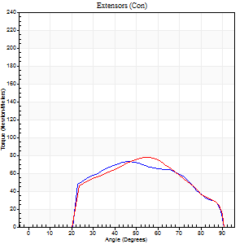
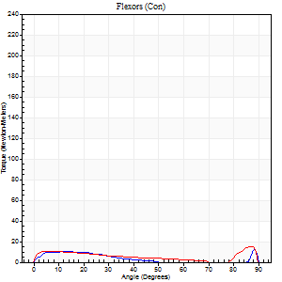
Right Side Curves Left Side Curves
Isokinetic Con/Con |  |  |  | Extensors (Con) |  | Flexors (Con)
Speed 240/240 d/s 3 Reps |  |  |  | Value | Cof Var | %BW | Value | Cof Var | %BW | Ratio

TORQUE PARAMETERS
Peak Torque (Newton-Meters - Best Repetition)
Right |  |  |  | 73 | 0.04 | 113 | 12 | 0.44 | 18 | 17
Left |  |  |  | 77 | 0.07 | 119 | 15 | 0.35 | 24 | 19
Deficit |  |  |  | 5 |  |  | 18
Work per Repetition (Newton-Meters - Best Repetition)
Right |  |  |  | 68 | 0.03 | 104 | 7 | 0.5 | 9 | 10
Left |  |  |  | 69 | 0.08 | 107 | 7 | 0.78 | 9 | 10
Deficit |  |  |  | 2 |  |  | 0
Average Power per Repetition (Watts - Best Repetition)
Right |  |  |  | 120 | 0.08 | 185 | 9 | 0.56 | 13 | 8
Left |  |  |  | 126 | 0.15 | 193 | 12 | 0.58 | 18 | 10
Deficit |  |  |  | 5 |  |  | 25
POSITION PARAMETERS
Joint Angle at Peak Torque (Degrees)
Right |  |  |  | 51 | 0.17 |  | 38 | 1.18
Left |  |  |  | 51 | 0.05 |  | 59 | 0.83
Range of Motion (Degrees)
Right |  |  |  | 1 | 0.14 |  | 90 | 0
Left |  |  |  | 0 | 0 |  | 90 | 0.01
TIME PARAMETERS
Time to Peak Torque (Seconds)
Right |  |  |  | 0.31 | 0.16 |  | 0.36 | 0.72
Left |  |  |  | 0.31 | 0.05 |  | 0.26 | 1.16
Time Peak Torque Held (Seconds)
Right |  |  |  | 0.01 | 1 |  | 0.01 | 1
Left |  |  |  | 0 | 1.73 |  | 0 | 1.73
Force Decay Time (Seconds)
Right |  |  |  | 0.28 | 0.12 |  | 0.46 | 0.85
Left |  |  |  | 0.3 | 0.05 |  | 0.29 | 1.49
Reciprocal Delay (Seconds)
Right |  |  |  | 0.14 | 0.1 |  | 0.12 | 0.28
Left |  |  |  | 0.1 | 0.28 |  | 0.12 | 0.25
Delay Time (Seconds)
Right |  |  |  | -0.06 | -0.47 |  | 0 | 70204980
Left |  |  |  | -0.04 | -0.35 |  | 0.14 | 2.11
HUMAC2015® Version: 15.000.0074 © Computer Sports Medicine, Inc. www.csmisolutions.com

Use File, Preference to set Report Heading
Isometric - Knee Extension/Flexion
Name: |  |  |  | TR030_FP3089, | ID: | TR030 | Right/Left: | 07.11.2023 07.11.2023

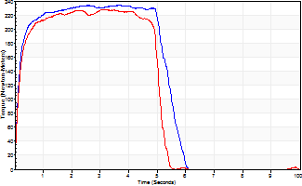
Isometric Extensors (Con) Angle 60 Time 10 Repetition 2 (Best Repetition)
 | Value | Cof Var | %BW
Peak Torque (Newton-Meters)
Right | 235 | 0.03 | 361
Left | 228 | 0.04 | 349
Deficit | 3
Average Torque (Newton-Meters)
Right | 121 | 0.15 | 185
Left | 108 | 0.01 | 167
Deficit | 10
Peak Torque Slope (Newton-Meters/Seconds)
Right | 115 | 0.41 | 177
Left | 74 | 0.29 | 113 |  | Right Side Curves Left Side Curves
Deficit | 36
Time to Half Peak Torque (Seconds)
Right | 0.13 | 0
Left | 0.13 | 0.11
Time to Peak Torque (Seconds)
Right | 2.8 | 0.44
Left | 3.76 | 0.25
HUMAC2015® Version: 15.000.0074 © Computer Sports Medicine, Inc. www.csmisolutions.com

mid2
Use File, Preference to set Report Heading
Long Form Torque vs. Position Report - Knee Extension/Flexion
Name: |  |  |  | TR030_FP3089, | ID: | TR030 | Right/Left: | 10.11.2023 10.11.2023
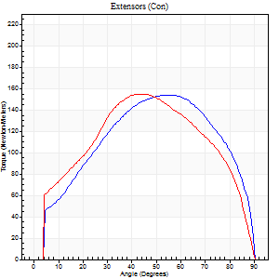
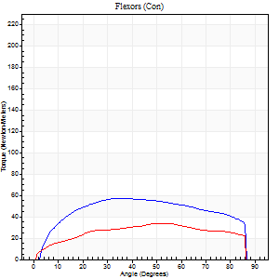
Right Side Curves Left Side Curves
Isokinetic Con/Con |  |  |  | Extensors (Con) |  | Flexors (Con)
Speed 60/60 d/s 3 Reps |  |  |  | Value | Cof Var | %BW | Value | Cof Var | %BW | Ratio

TORQUE PARAMETERS
Peak Torque (Newton-Meters - Best Repetition)
Right |  |  |  | 155 | 0.01 | 238 | 57 | 0.23 | 86 | 37
Left |  |  |  | 155 | 0.67 | 238 | 34 | 0.43 | 51 | 22
Deficit |  |  |  | 0 |  |  | 40
Work per Repetition (Newton-Meters - Best Repetition)
Right |  |  |  | 170 | 0.03 | 259 | 69 | 0.3 | 107 | 41
Left |  |  |  | 167 | 0.67 | 256 | 38 | 0.38 | 60 | 23
Deficit |  |  |  | 2 |  |  | 45
Average Power per Repetition (Watts - Best Repetition)
Right |  |  |  | 106 | 0.02 | 163 | 46 | 0.3 | 70 | 43
Left |  |  |  | 106 | 0.68 | 163 | 25 | 0.4 | 37 | 24
Deficit |  |  |  | 0 |  |  | 46
POSITION PARAMETERS
Joint Angle at Peak Torque (Degrees)
Right |  |  |  | 52 | 0.05 |  | 41 | 0.15
Left |  |  |  | 44 | 0.02 |  | 36 | 0.41
Range of Motion (Degrees)
Right |  |  |  | 0 | 0 |  | 90 | 0
Left |  |  |  | 0 | -1.41 |  | 90 | 0
TIME PARAMETERS
Time to Peak Torque (Seconds)
Right |  |  |  | 0.64 | 0.04 |  | 0.67 | 0.16
Left |  |  |  | 0.77 | 0.04 |  | 0.63 | 0.4
Time Peak Torque Held (Seconds)
Right |  |  |  | 0.07 | 0.17 |  | 0.06 | 0.71
Left |  |  |  | 0.06 | 0.24 |  | 0.08 | 1.02
Force Decay Time (Seconds)
Right |  |  |  | 0.84 | 0.04 |  | 0.76 | 0.14
Left |  |  |  | 0.72 | 0 |  | 0.84 | 0.27
Reciprocal Delay (Seconds)
Right |  |  |  | 0.13 | 0.44 |  | 0.18 | 0.17
Left |  |  |  | 1.05 | 1.2 |  | 0.23 | 0.27
Delay Time (Seconds)
Right |  |  |  | 0.02 | 0.71 |  | 0.04 | 0.27
Left |  |  |  | 0 | 0 |  | 0 | 14.18
HUMAC2015® Version: 15.000.0074 © Computer Sports Medicine, Inc. www.csmisolutions.com

Use File, Preference to set Report Heading
Long Form Torque vs. Position Report - Knee Extension/Flexion
Name: |  |  |  | TR030_FP3089, | ID: | TR030 | Right/Left: | 10.11.2023 10.11.2023
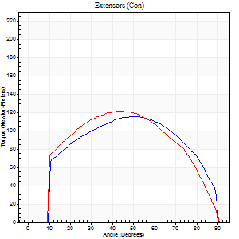
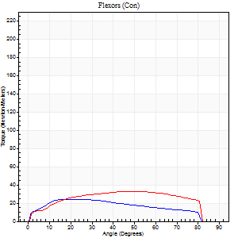
Right Side Curves Left Side Curves
Isokinetic Con/Con |  |  |  | Extensors (Con) |  | Flexors (Con)
Speed 120/120 d/s 3 Reps |  |  |  | Value | Cof Var | %BW | Value | Cof Var | %BW | Ratio

TORQUE PARAMETERS
Peak Torque (Newton-Meters - Best Repetition)
Right |  |  |  | 115 | 0.02 | 176 | 24 | 0.2 | 39 | 21
Left |  |  |  | 121 | 0.08 | 185 | 33 | 0.36 | 51 | 27
Deficit |  |  |  | 4 |  |  | 25
Work per Repetition (Newton-Meters - Best Repetition)
Right |  |  |  | 129 | 0.03 | 197 | 26 | 0.44 | 39 | 20
Left |  |  |  | 130 | 0.08 | 200 | 38 | 0.52 | 60 | 29
Deficit |  |  |  | 1 |  |  | 32
Average Power per Repetition (Watts - Best Repetition)
Right |  |  |  | 147 | 0.01 | 226 | 30 | 0.43 | 46 | 20
Left |  |  |  | 145 | 0.04 | 222 | 45 | 0.53 | 68 | 31
Deficit |  |  |  | 1 |  |  | 33
POSITION PARAMETERS
Joint Angle at Peak Torque (Degrees)
Right |  |  |  | 47 | 0.07 |  | 17 | 0.06
Left |  |  |  | 41 | 0.08 |  | 36 | 0.41
Range of Motion (Degrees)
Right |  |  |  | 1 | 0.25 |  | 90 | 0
Left |  |  |  | 0 | 0.47 |  | 90 | 0.01
TIME PARAMETERS
Time to Peak Torque (Seconds)
Right |  |  |  | 0.41 | 0.02 |  | 0.2 | 0.1
Left |  |  |  | 0.43 | 0.03 |  | 0.36 | 0.32
Time Peak Torque Held (Seconds)
Right |  |  |  | 0.03 | 0.35 |  | 0.04 | 1.5
Left |  |  |  | 0.03 | 0.35 |  | 0.02 | 1.73
Force Decay Time (Seconds)
Right |  |  |  | 0.41 | 0.07 |  | 0.61 | 0.1
Left |  |  |  | 0.37 | 0.03 |  | 0.47 | 0.31
Reciprocal Delay (Seconds)
Right |  |  |  | 0.09 | 0.52 |  | 0.13 | 0.24
Left |  |  |  | 0.06 | 0.24 |  | 0.12 | 0.09
Delay Time (Seconds)
Right |  |  |  | -0.04 | -1.06 |  | -0.01 | -1.73
Left |  |  |  | 0.01 | 1.41 |  | 0 | 0
HUMAC2015® Version: 15.000.0074 © Computer Sports Medicine, Inc. www.csmisolutions.com

Use File, Preference to set Report Heading
Long Form Torque vs. Position Report - Knee Extension/Flexion
Name: |  |  |  | TR030_FP3089, | ID: | TR030 | Right/Left: | 10.11.2023 10.11.2023
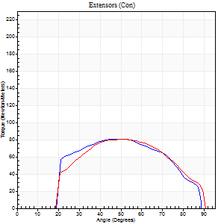
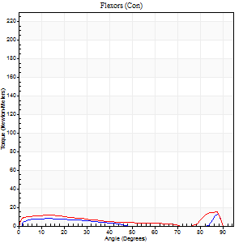
Right Side Curves Left Side Curves
Isokinetic Con/Con |  |  |  | Extensors (Con) |  | Flexors (Con)
Speed 240/240 d/s 3 Reps |  |  |  | Value | Cof Var | %BW | Value | Cof Var | %BW | Ratio

TORQUE PARAMETERS
Peak Torque (Newton-Meters - Best Repetition)
Right |  |  |  | 81 | 0.04 | 125 | 12 | 0.36 | 18 | 15
Left |  |  |  | 80 | 0.04 | 122 | 15 | 0.4 | 24 | 19
Deficit |  |  |  | 2 |  |  | 18
Work per Repetition (Newton-Meters - Best Repetition)
Right |  |  |  | 77 | 0.04 | 119 | 5 | 0.36 | 9 | 7
Left |  |  |  | 76 | 0.05 | 116 | 12 | 0.99 | 18 | 16
Deficit |  |  |  | 2 |  |  | 56
Average Power per Repetition (Watts - Best Repetition)
Right |  |  |  | 143 | 0.04 | 220 | 8 | 0.41 | 13 | 6
Left |  |  |  | 139 | 0.07 | 213 | 20 | 0.64 | 31 | 14
Deficit |  |  |  | 3 |  |  | 60
POSITION PARAMETERS
Joint Angle at Peak Torque (Degrees)
Right |  |  |  | 48 | 0.05 |  | 63 | 0.69
Left |  |  |  | 49 | 0.09 |  | 35 | 1.32
Range of Motion (Degrees)
Right |  |  |  | 1 | 0.07 |  | 90 | 0
Left |  |  |  | 0 | 0.94 |  | 90 | 0.01
TIME PARAMETERS
Time to Peak Torque (Seconds)
Right |  |  |  | 0.27 | 0.05 |  | 0.51 | 0.53
Left |  |  |  | 0.26 | 0.03 |  | 0.15 | 0.42
Time Peak Torque Held (Seconds)
Right |  |  |  | 0 | 0 |  | 0 | 0
Left |  |  |  | 0.01 | 1.15 |  | 0.02 | 1.73
Force Decay Time (Seconds)
Right |  |  |  | 0.27 | 0.04 |  | 0.22 | 1.42
Left |  |  |  | 0.28 | 0.04 |  | 0.35 | 0.81
Reciprocal Delay (Seconds)
Right |  |  |  | 0.09 | 0.37 |  | 0.1 | 0.06
Left |  |  |  | 0.12 | 0.82 |  | 0.14 | 0.41
Delay Time (Seconds)
Right |  |  |  | 0 | -9.9 |  | 0.01 | 4.82
Left |  |  |  | -0.04 | -0.61 |  | 0.12 | 2.45
HUMAC2015® Version: 15.000.0074 © Computer Sports Medicine, Inc. www.csmisolutions.com

Use File, Preference to set Report Heading
Isometric - Knee Extension/Flexion
Name: |  |  |  | TR030_FP3089, | ID: | TR030 | Right/Left: | 10.11.2023 10.11.2023

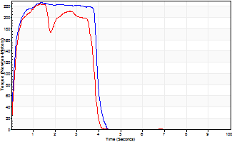
Isometric Extensors (Con) Angle 60 Time 10 Repetition 2 (Best Repetition)
 | Value | Cof Var | %BW
Peak Torque (Newton-Meters)
Right | 226 | 0.05 | 349
Left | 224 | 0.02 | 343
Deficit | 1
Average Torque (Newton-Meters)
Right | 83 | 0.08 | 128
Left | 84 | 0.1 | 128
Deficit | 2
Peak Torque Slope (Newton-Meters/Seconds)
Right | 168 | 0.22 | 258
Left | 170 | 0.71 | 261 |  | Right Side Curves Left Side Curves
Deficit | 1
Time to Half Peak Torque (Seconds)
Right | 0.16 | 0.14
Left | 0.28 | 0.57
Time to Peak Torque (Seconds)
Right | 1.53 | 0.17
Left | 2.57 | 0.69
HUMAC2015® Version: 15.000.0074 © Computer Sports Medicine, Inc. www.csmisolutions.com

post1
Use File, Preference to set Report Heading
Long Form Torque vs. Position Report - Knee Extension/Flexion
Name: |  |  |  | TR030_FP3089, | ID: | TR030 | Right/Left: | 04.12.2023 04.12.2023
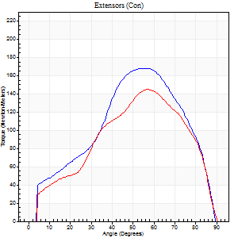
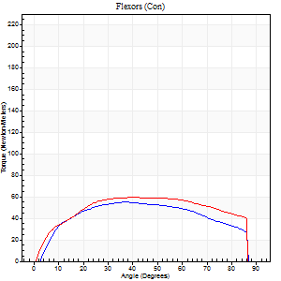
Right Side Curves Left Side Curves
Isokinetic Con/Con |  |  |  | Extensors (Con) |  | Flexors (Con)
Speed 60/60 d/s 3 Reps |  |  |  | Value | Cof Var | %BW | Value | Cof Var | %BW | Ratio

TORQUE PARAMETERS
Peak Torque (Newton-Meters - Best Repetition)
Right |  |  |  | 168 | 0.11 | 259 | 56 | 0.49 | 86 | 33
Left |  |  |  | 145 | 0.05 | 224 | 60 | 0.25 | 92 | 41
Deficit |  |  |  | 14 |  |  | 7
Work per Repetition (Newton-Meters - Best Repetition)
Right |  |  |  | 157 | 0.06 | 241 | 64 | 0.5 | 98 | 41
Left |  |  |  | 137 | 0.01 | 212 | 73 | 0.27 | 113 | 53
Deficit |  |  |  | 13 |  |  | 13
Average Power per Repetition (Watts - Best Repetition)
Right |  |  |  | 102 | 0.06 | 156 | 42 | 0.49 | 64 | 41
Left |  |  |  | 89 | 0.02 | 136 | 47 | 0.24 | 73 | 53
Deficit |  |  |  | 13 |  |  | 11
POSITION PARAMETERS
Joint Angle at Peak Torque (Degrees)
Right |  |  |  | 55 | 0.1 |  | 34 | 0.15
Left |  |  |  | 57 | 0.01 |  | 49 | 0.19
Range of Motion (Degrees)
Right |  |  |  | 0 | 0.47 |  | 90 | 0
Left |  |  |  | 0 | 0.47 |  | 90 | 0
TIME PARAMETERS
Time to Peak Torque (Seconds)
Right |  |  |  | 0.6 | 0.23 |  | 0.56 | 0.14
Left |  |  |  | 0.53 | 0 |  | 0.83 | 0.19
Time Peak Torque Held (Seconds)
Right |  |  |  | 0.05 | 0.11 |  | 0.1 | 1.15
Left |  |  |  | 0.03 | 0.17 |  | 0.03 | 1.2
Force Decay Time (Seconds)
Right |  |  |  | 0.89 | 0.1 |  | 0.82 | 0.09
Left |  |  |  | 0.95 | 0.01 |  | 0.65 | 0.2
Reciprocal Delay (Seconds)
Right |  |  |  | 0.1 | 0.71 |  | 0.17 | 0.14
Left |  |  |  | 0.12 | 0.06 |  | 0.17 | 0.03
Delay Time (Seconds)
Right |  |  |  | 0 | 1.41 |  | 0.04 | 0.75
Left |  |  |  | 0.04 | 0.2 |  | 0.01 | 0.43
HUMAC2015® Version: 15.000.0074 © Computer Sports Medicine, Inc. www.csmisolutions.com

Use File, Preference to set Report Heading
Long Form Torque vs. Position Report - Knee Extension/Flexion
Name: |  |  |  | TR030_FP3089, | ID: | TR030 | Right/Left: | 04.12.2023 04.12.2023
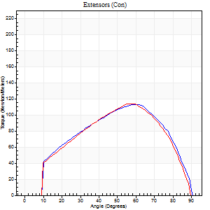
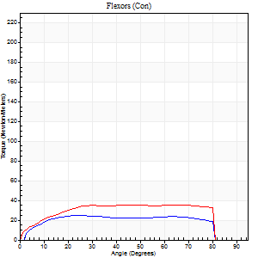
Right Side Curves Left Side Curves
Isokinetic Con/Con |  |  |  | Extensors (Con) |  | Flexors (Con)
Speed 120/120 d/s 3 Reps |  |  |  | Value | Cof Var | %BW | Value | Cof Var | %BW | Ratio

TORQUE PARAMETERS
Peak Torque (Newton-Meters - Best Repetition)
Right |  |  |  | 114 | 0.04 | 176 | 24 | 0.23 | 39 | 21
Left |  |  |  | 114 | 0.06 | 176 | 35 | 0.29 | 54 | 31
Deficit |  |  |  | 0 |  |  | 31
Work per Repetition (Newton-Meters - Best Repetition)
Right |  |  |  | 115 | 0.02 | 176 | 30 | 0.42 | 45 | 26
Left |  |  |  | 111 | 0.04 | 170 | 43 | 0.42 | 66 | 39
Deficit |  |  |  | 4 |  |  | 31
Average Power per Repetition (Watts - Best Repetition)
Right |  |  |  | 140 | 0.03 | 215 | 36 | 0.39 | 55 | 26
Left |  |  |  | 134 | 0.07 | 207 | 52 | 0.41 | 79 | 39
Deficit |  |  |  | 4 |  |  | 31
POSITION PARAMETERS
Joint Angle at Peak Torque (Degrees)
Right |  |  |  | 52 | 0.14 |  | 30 | 0.35
Left |  |  |  | 57 | 0.07 |  | 43 | 0.4
Range of Motion (Degrees)
Right |  |  |  | 1 | 0.05 |  | 90 | 0
Left |  |  |  | 0 | 0.33 |  | 90 | 0
TIME PARAMETERS
Time to Peak Torque (Seconds)
Right |  |  |  | 0.38 | 0.06 |  | 0.29 | 0.34
Left |  |  |  | 0.31 | 0.07 |  | 0.42 | 0.31
Time Peak Torque Held (Seconds)
Right |  |  |  | 0.04 | 0.42 |  | 0.02 | 1.73
Left |  |  |  | 0.02 | 0.5 |  | 0.08 | 1.42
Force Decay Time (Seconds)
Right |  |  |  | 0.44 | 0.23 |  | 0.5 | 0.08
Left |  |  |  | 0.52 | 0.09 |  | 0.33 | 0.53
Reciprocal Delay (Seconds)
Right |  |  |  | 0.08 | 0.18 |  | 0.11 | 0.11
Left |  |  |  | 0.08 | 0.28 |  | 0.12 | 0.05
Delay Time (Seconds)
Right |  |  |  | 0 | -1.41 |  | 0.01 | 1.56
Left |  |  |  | 0.01 | 0 |  | -0.01 | -0.43
HUMAC2015® Version: 15.000.0074 © Computer Sports Medicine, Inc. www.csmisolutions.com

Use File, Preference to set Report Heading
Long Form Torque vs. Position Report - Knee Extension/Flexion
Name: |  |  |  | TR030_FP3089, | ID: | TR030 | Right/Left: | 04.12.2023 04.12.2023
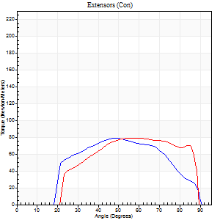
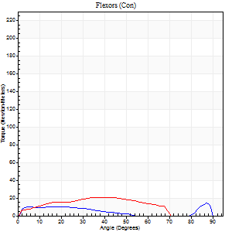
Right Side Curves Left Side Curves
Isokinetic Con/Con |  |  |  | Extensors (Con) |  | Flexors (Con)
Speed 240/240 d/s 3 Reps |  |  |  | Value | Cof Var | %BW | Value | Cof Var | %BW | Ratio

TORQUE PARAMETERS
Peak Torque (Newton-Meters - Best Repetition)
Right |  |  |  | 79 | 0.08 | 122 | 14 | 0.24 | 21 | 17
Left |  |  |  | 79 | 0.09 | 122 | 20 | 0.28 | 30 | 26
Deficit |  |  |  | 0 |  |  | 33
Work per Repetition (Newton-Meters - Best Repetition)
Right |  |  |  | 75 | 0.08 | 113 | 8 | 0.68 | 12 | 11
Left |  |  |  | 79 | 0.13 | 122 | 19 | 0.36 | 30 | 24
Deficit |  |  |  | 5 |  |  | 57
Average Power per Repetition (Watts - Best Repetition)
Right |  |  |  | 144 | 0.07 | 222 | 14 | 0.32 | 22 | 10
Left |  |  |  | 148 | 0.09 | 226 | 30 | 0.33 | 46 | 20
Deficit |  |  |  | 3 |  |  | 53
POSITION PARAMETERS
Joint Angle at Peak Torque (Degrees)
Right |  |  |  | 48 | 0.03 |  | 58 | 0.84
Left |  |  |  | 52 | 0.04 |  | 33 | 0.7
Range of Motion (Degrees)
Right |  |  |  | 1 | 0.67 |  | 89 | 0.01
Left |  |  |  | 1 | 0.05 |  | 89 | 0
TIME PARAMETERS
Time to Peak Torque (Seconds)
Right |  |  |  | 0.25 | 0.09 |  | 0.21 | 1.33
Left |  |  |  | 0.21 | 0 |  | 0.28 | 0.46
Time Peak Torque Held (Seconds)
Right |  |  |  | 0.01 | 0.87 |  | 0 | 0
Left |  |  |  | 0.02 | 0.5 |  | 0.02 | 0.25
Force Decay Time (Seconds)
Right |  |  |  | 0.25 | 0.05 |  | 0.22 | 1.34
Left |  |  |  | 0.26 | 0.06 |  | 0.27 | 0.45
Reciprocal Delay (Seconds)
Right |  |  |  | 0.04 | 0.47 |  | 0.08 | 0.25
Left |  |  |  | 0.04 | 0.35 |  | 0.08 | 0.07
Delay Time (Seconds)
Right |  |  |  | -0.02 | -0.28 |  | 0.14 | 1.92
Left |  |  |  | 0 | -1.41 |  | -0.03 | -0.57
HUMAC2015® Version: 15.000.0074 © Computer Sports Medicine, Inc. www.csmisolutions.com

Use File, Preference to set Report Heading
Isometric - Knee Extension/Flexion
Name: |  |  |  | TR030_FP3089, | ID: | TR030 | Right/Left: | 04.12.2023 04.12.2023

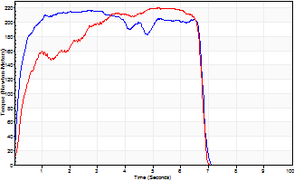
Isometric Extensors (Con) Angle 60 Time 10 Repetition 2 (Best Repetition)
 | Value | Cof Var | %BW
Peak Torque (Newton-Meters)
Right | 217 | 0 | 334
Left | 220 | 0.08 | 337
Deficit | 1
Average Torque (Newton-Meters)
Right | 134 | 0.05 | 206
Left | 125 | 0.06 | 191
Deficit | 7
Peak Torque Slope (Newton-Meters/Seconds)
Right | 218 | 0.66 | 335
Left | 42 | 0.04 | 65 |  | Right Side Curves Left Side Curves
Deficit | 81
Time to Half Peak Torque (Seconds)
Right | 0.16 | 0.14
Left | 0.34 | 0.39
Time to Peak Torque (Seconds)
Right | 1.86 | 0.67
Left | 5.07 | 0.04
HUMAC2015® Version: 15.000.0074 © Computer Sports Medicine, Inc. www.csmisolutions.com

post2
Use File, Preference to set Report Heading
Long Form Torque vs. Position Report - Knee Extension/Flexion
Name: |  |  |  | TR030_FP3089, | ID: | TR030 | Right/Left: | 07.12.2023 07.12.2023
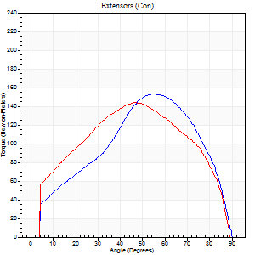
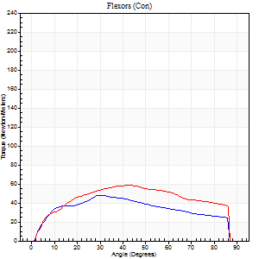
Right Side Curves Left Side Curves
Isokinetic Con/Con |  |  |  | Extensors (Con) |  | Flexors (Con)
Speed 60/60 d/s 3 Reps |  |  |  | Value | Cof Var | %BW | Value | Cof Var | %BW | Ratio

TORQUE PARAMETERS
Peak Torque (Newton-Meters - Best Repetition)
Right |  |  |  | 153 | 0.01 | 235 | 49 | 0.29 | 75 | 32
Left |  |  |  | 144 | 0.07 | 221 | 58 | 0.23 | 89 | 41
Deficit |  |  |  | 6 |  |  | 16
Work per Repetition (Newton-Meters - Best Repetition)
Right |  |  |  | 149 | 0 | 229 | 52 | 0.24 | 80 | 35
Left |  |  |  | 155 | 0.05 | 238 | 68 | 0.21 | 104 | 44
Deficit |  |  |  | 4 |  |  | 24
Average Power per Repetition (Watts - Best Repetition)
Right |  |  |  | 96 | 0.01 | 147 | 34 | 0.21 | 53 | 35
Left |  |  |  | 100 | 0.07 | 154 | 45 | 0.21 | 68 | 45
Deficit |  |  |  | 4 |  |  | 24
POSITION PARAMETERS
Joint Angle at Peak Torque (Degrees)
Right |  |  |  | 55 | 0.04 |  | 35 | 0.19
Left |  |  |  | 53 | 0.15 |  | 45 | 0.06
Range of Motion (Degrees)
Right |  |  |  | 0 | 0 |  | 90 | 0
Left |  |  |  | 0 | 0 |  | 90 | 0
TIME PARAMETERS
Time to Peak Torque (Seconds)
Right |  |  |  | 0.55 | 0.09 |  | 0.56 | 0.19
Left |  |  |  | 0.67 | 0.07 |  | 0.75 | 0.06
Time Peak Torque Held (Seconds)
Right |  |  |  | 0.04 | 0.13 |  | 0.07 | 0.92
Left |  |  |  | 0.05 | 0.12 |  | 0.02 | 1.32
Force Decay Time (Seconds)
Right |  |  |  | 0.92 | 0.04 |  | 0.84 | 0.19
Left |  |  |  | 0.88 | 0.15 |  | 0.73 | 0.01
Reciprocal Delay (Seconds)
Right |  |  |  | 0.09 | 0.37 |  | 0.15 | 0.07
Left |  |  |  | 0.09 | 0.47 |  | 0.19 | 0.22
Delay Time (Seconds)
Right |  |  |  | 0.02 | 0.28 |  | 0.05 | 0.53
Left |  |  |  | 0.03 | 0 |  | 0.03 | 0.58
HUMAC2015® Version: 15.000.0074 © Computer Sports Medicine, Inc. www.csmisolutions.com

Use File, Preference to set Report Heading
Long Form Torque vs. Position Report - Knee Extension/Flexion
Name: |  |  |  | TR030_FP3089, | ID: | TR030 | Right/Left: | 07.12.2023 07.12.2023
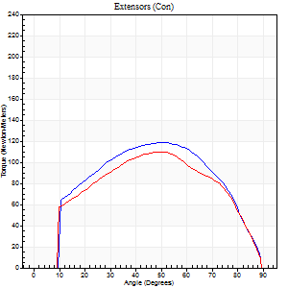
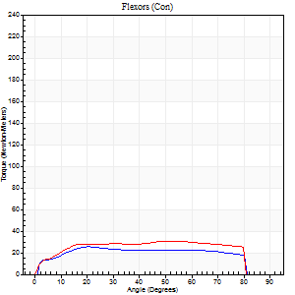
Right Side Curves Left Side Curves
Isokinetic Con/Con |  |  |  | Extensors (Con) |  | Flexors (Con)
Speed 120/120 d/s 3 Reps |  |  |  | Value | Cof Var | %BW | Value | Cof Var | %BW | Ratio

TORQUE PARAMETERS
Peak Torque (Newton-Meters - Best Repetition)
Right |  |  |  | 119 | 0.05 | 185 | 26 | 0.19 | 39 | 22
Left |  |  |  | 110 | 0.03 | 170 | 31 | 0.21 | 48 | 28
Deficit |  |  |  | 8 |  |  | 17
Work per Repetition (Newton-Meters - Best Repetition)
Right |  |  |  | 125 | 0.03 | 191 | 31 | 0.32 | 48 | 25
Left |  |  |  | 119 | 0.03 | 185 | 37 | 0.25 | 57 | 31
Deficit |  |  |  | 4 |  |  | 15
Average Power per Repetition (Watts - Best Repetition)
Right |  |  |  | 155 | 0.04 | 237 | 38 | 0.28 | 59 | 25
Left |  |  |  | 136 | 0.01 | 209 | 43 | 0.22 | 66 | 32
Deficit |  |  |  | 12 |  |  | 12
POSITION PARAMETERS
Joint Angle at Peak Torque (Degrees)
Right |  |  |  | 54 | 0.05 |  | 31 | 0.64
Left |  |  |  | 50 | 0.05 |  | 61 | 0.19
Range of Motion (Degrees)
Right |  |  |  | 1 | 0 |  | 90 | 0
Left |  |  |  | 0 | 0.16 |  | 90 | 0
TIME PARAMETERS
Time to Peak Torque (Seconds)
Right |  |  |  | 0.34 | 0.04 |  | 0.29 | 0.56
Left |  |  |  | 0.37 | 0.02 |  | 0.57 | 0.19
Time Peak Torque Held (Seconds)
Right |  |  |  | 0.03 | 0.35 |  | 0.01 | 1.73
Left |  |  |  | 0.03 | 0.69 |  | 0.08 | 1.01
Force Decay Time (Seconds)
Right |  |  |  | 0.45 | 0.09 |  | 0.51 | 0.29
Left |  |  |  | 0.45 | 0.01 |  | 0.18 | 0.73
Reciprocal Delay (Seconds)
Right |  |  |  | 0.1 | 0.28 |  | 0.12 | 0.08
Left |  |  |  | 0.09 | 0.16 |  | 0.13 | 0.04
Delay Time (Seconds)
Right |  |  |  | 0 | -1.41 |  | 0.01 | 1
Left |  |  |  | 0 | 1.41 |  | -0.01 | -0.87
HUMAC2015® Version: 15.000.0074 © Computer Sports Medicine, Inc. www.csmisolutions.com

Use File, Preference to set Report Heading
Long Form Torque vs. Position Report - Knee Extension/Flexion
Name: |  |  |  | TR030_FP3089, | ID: | TR030 | Right/Left: | 07.12.2023 07.12.2023
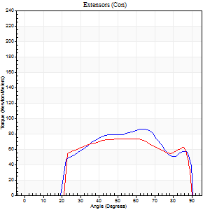
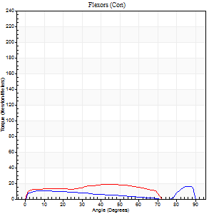
Right Side Curves Left Side Curves
Isokinetic Con/Con |  |  |  | Extensors (Con) |  | Flexors (Con)
Speed 240/240 d/s 3 Reps |  |  |  | Value | Cof Var | %BW | Value | Cof Var | %BW | Ratio

TORQUE PARAMETERS
Peak Torque (Newton-Meters - Best Repetition)
Right |  |  |  | 85 | 0.11 | 131 | 16 | 0.53 | 24 | 19
Left |  |  |  | 73 | 0.05 | 113 | 19 | 0.3 | 30 | 26
Deficit |  |  |  | 14 |  |  | 14
Work per Repetition (Newton-Meters - Best Repetition)
Right |  |  |  | 83 | 0.13 | 128 | 9 | 0.61 | 15 | 11
Left |  |  |  | 77 | 0.09 | 119 | 18 | 0.27 | 27 | 23
Deficit |  |  |  | 7 |  |  | 46
Average Power per Repetition (Watts - Best Repetition)
Right |  |  |  | 149 | 0.09 | 229 | 16 | 0.68 | 24 | 11
Left |  |  |  | 129 | 0.04 | 198 | 28 | 0.22 | 44 | 22
Deficit |  |  |  | 13 |  |  | 43
POSITION PARAMETERS
Joint Angle at Peak Torque (Degrees)
Right |  |  |  | 50 | 0.25 |  | 34 | 1.3
Left |  |  |  | 51 | 0.13 |  | 34 | 0.65
Range of Motion (Degrees)
Right |  |  |  | 1 | 0.43 |  | 89 | 0
Left |  |  |  | 0 | 0.13 |  | 90 | 0.01
TIME PARAMETERS
Time to Peak Torque (Seconds)
Right |  |  |  | 0.26 | 0.08 |  | 0.27 | 0.88
Left |  |  |  | 0.24 | 0.12 |  | 0.29 | 0.39
Time Peak Torque Held (Seconds)
Right |  |  |  | 0.01 | 0.87 |  | 0.05 | 1.11
Left |  |  |  | 0.02 | 0.25 |  | 0.01 | 1.15
Force Decay Time (Seconds)
Right |  |  |  | 0.28 | 0.19 |  | 0.36 | 0.85
Left |  |  |  | 0.29 | 0.11 |  | 0.29 | 0.29
Reciprocal Delay (Seconds)
Right |  |  |  | 0.06 | 0.24 |  | 0.1 | 0.16
Left |  |  |  | 0.09 | 0.52 |  | 0.14 | 0.15
Delay Time (Seconds)
Right |  |  |  | -0.02 | -0.28 |  | -0.01 | -3.77
Left |  |  |  | -0.01 | -0.47 |  | -0.03 | -0.43
HUMAC2015® Version: 15.000.0074 © Computer Sports Medicine, Inc. www.csmisolutions.com

Use File, Preference to set Report Heading
Isometric - Knee Extension/Flexion
Name: |  |  |  | TR030_FP3089, | ID: | TR030 | Right/Left: | 07.12.2023 07.12.2023

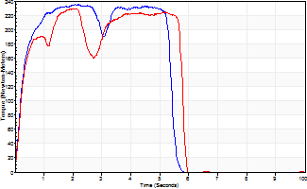
Isometric Extensors (Con) Angle 60 Time 10 Repetition 2 (Best Repetition)
 | Value | Cof Var | %BW
Peak Torque (Newton-Meters)
Right | 235 | 0.01 | 361
Left | 229 | 0.01 | 352
Deficit | 2
Average Torque (Newton-Meters)
Right | 118 | 0.01 | 182
Left | 118 | 0.01 | 182
Deficit | 0
Peak Torque Slope (Newton-Meters/Seconds)
Right | 108 | 0.21 | 166
Left | 110 | 0.59 | 169 |  | Right Side Curves Left Side Curves
Deficit | 2
Time to Half Peak Torque (Seconds)
Right | 0.23 | 0
Left | 0.3 | 0.28
Time to Peak Torque (Seconds)
Right | 2.51 | 0.19
Left | 3.55 | 0.59
HUMAC2015® Version: 15.000.0074 © Computer Sports Medicine, Inc. www.csmisolutions.com

