pre1
Use File, Preference to set Report Heading
Long Form Torque vs. Position Report - Knee Extension/Flexion
Name: |  |  |  | TR030_FP3090, | ID: | TR030 | Right/Left: | 13.09.2022 13.09.2022
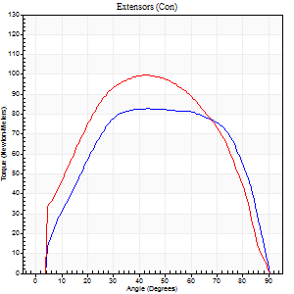
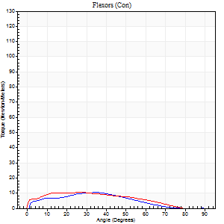
Right Side Curves Left Side Curves
Isokinetic Con/Con |  |  |  | Extensors (Con) |  | Flexors (Con)
Speed 60/60 d/s 3 Reps |  |  |  | Value | Cof Var | %BW | Value | Cof Var | %BW | Ratio

TORQUE PARAMETERS
Peak Torque (Newton-Meters - Best Repetition)
Right |  |  |  | 83 | 0.01 | 119 | 11 | 0.65 | 15 | 13
Left |  |  |  | 99 | 0.06 | 140 | 11 | 0.17 | 15 | 11
Deficit |  |  |  | 16 |  |  | 0
Work per Repetition (Newton-Meters - Best Repetition)
Right |  |  |  | 96 | 0.04 | 137 | 8 | 0.64 | 12 | 8
Left |  |  |  | 110 | 0.02 | 158 | 9 | 0.2 | 15 | 9
Deficit |  |  |  | 12 |  |  | 14
Average Power per Repetition (Watts - Best Repetition)
Right |  |  |  | 61 | 0.34 | 88 | 5 | 0.61 | 7 | 8
Left |  |  |  | 69 | 0.03 | 99 | 6 | 0.2 | 9 | 9
Deficit |  |  |  | 12 |  |  | 17
POSITION PARAMETERS
Joint Angle at Peak Torque (Degrees)
Right |  |  |  | 49 | 0.1 |  | 32 | 0.47
Left |  |  |  | 43 | 0.05 |  | 22 | 0.38
Range of Motion (Degrees)
Right |  |  |  | 1 | 0.06 |  | 90 | 0
Left |  |  |  | 0 | 0 |  | 90 | 0
TIME PARAMETERS
Time to Peak Torque (Seconds)
Right |  |  |  | 0.76 | 0.1 |  | 0.63 | 0.44
Left |  |  |  | 0.81 | 0.06 |  | 0.45 | 0.34
Time Peak Torque Held (Seconds)
Right |  |  |  | 0.1 | 0.88 |  | 0.01 | 1.73
Left |  |  |  | 0.1 | 0.16 |  | 0.03 | 1.42
Force Decay Time (Seconds)
Right |  |  |  | 0.73 | 0.23 |  | 1.08 | 0.13
Left |  |  |  | 0.67 | 0.07 |  | 1.18 | 0.1
Reciprocal Delay (Seconds)
Right |  |  |  | 0.32 | 0.11 |  | 0.16 | 0.58
Left |  |  |  | 0.18 | 0.16 |  | 0.53 | 0.46
Delay Time (Seconds)
Right |  |  |  | -0.02 | -0.28 |  | 0.02 | 0.87
Left |  |  |  | -0.01 | -0.47 |  | -0.03 | -0.46
HUMAC2015® Version: 15.000.0074 © Computer Sports Medicine, Inc. www.csmisolutions.com

Use File, Preference to set Report Heading
Long Form Torque vs. Position Report - Knee Extension/Flexion
Name: |  |  |  | TR030_FP3090, | ID: | TR030 | Right/Left: | 13.09.2022 13.09.2022
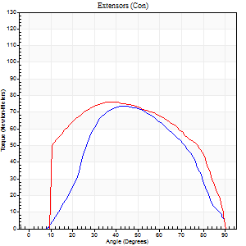
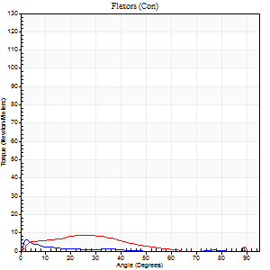
Right Side Curves Left Side Curves
Isokinetic Con/Con |  |  |  | Extensors (Con) |  | Flexors (Con)
Speed 120/120 d/s 3 Reps |  |  |  | Value | Cof Var | %BW | Value | Cof Var | %BW | Ratio

TORQUE PARAMETERS
Peak Torque (Newton-Meters - Best Repetition)
Right |  |  |  | 73 | 0.01 | 104 | 7 | 0.16 | 9 | 9
Left |  |  |  | 76 | 0.02 | 107 | 8 | 0.28 | 12 | 11
Deficit |  |  |  | 4 |  |  | 17
Work per Repetition (Newton-Meters - Best Repetition)
Right |  |  |  | 75 | 0.06 | 107 | 3 | 0.21 | 3 | 4
Left |  |  |  | 85 | 0.01 | 122 | 5 | 0.5 | 9 | 6
Deficit |  |  |  | 13 |  |  | 50
Average Power per Repetition (Watts - Best Repetition)
Right |  |  |  | 87 | 0.36 | 123 | 2 | 0.41 | 2 | 2
Left |  |  |  | 96 | 0.02 | 136 | 5 | 0.53 | 7 | 5
Deficit |  |  |  | 9 |  |  | 60
POSITION PARAMETERS
Joint Angle at Peak Torque (Degrees)
Right |  |  |  | 44 | 0.02 |  | 5 | 0.56
Left |  |  |  | 42 | 0.1 |  | 43 | 0.95
Range of Motion (Degrees)
Right |  |  |  | 1 | 0.13 |  | 90 | 0
Left |  |  |  | 0 | 1.41 |  | 90 | 0
TIME PARAMETERS
Time to Peak Torque (Seconds)
Right |  |  |  | 0.48 | 0 |  | 0.08 | 0.43
Left |  |  |  | 0.47 | 0.12 |  | 0.71 | 0.85
Time Peak Torque Held (Seconds)
Right |  |  |  | 0.03 | 0.57 |  | 0 | 1.73
Left |  |  |  | 0.05 | 0.53 |  | 0.04 | 1.54
Force Decay Time (Seconds)
Right |  |  |  | 0.36 | 0.03 |  | 1.34 | 0.29
Left |  |  |  | 0.36 | 0.08 |  | 0.44 | 1.16
Reciprocal Delay (Seconds)
Right |  |  |  | 0.23 | 0.27 |  | 0.06 | 0.09
Left |  |  |  | 0.56 | 0.44 |  | 0.22 | 0.48
Delay Time (Seconds)
Right |  |  |  | -0.05 | -0.28 |  | -0.02 | -0.69
Left |  |  |  | -0.03 | 0 |  | -0.06 | -0.44
HUMAC2015® Version: 15.000.0074 © Computer Sports Medicine, Inc. www.csmisolutions.com

Use File, Preference to set Report Heading
Long Form Torque vs. Position Report - Knee Extension/Flexion
Name: |  |  |  | TR030_FP3090, | ID: | TR030 | Right/Left: | 13.09.2022 13.09.2022
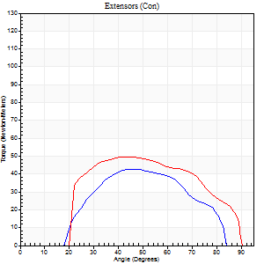
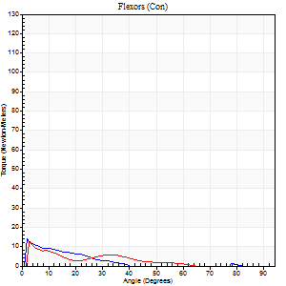
Right Side Curves Left Side Curves
Isokinetic Con/Con |  |  |  | Extensors (Con) |  | Flexors (Con)
Speed 240/240 d/s 3 Reps |  |  |  | Value | Cof Var | %BW | Value | Cof Var | %BW | Ratio

TORQUE PARAMETERS
Peak Torque (Newton-Meters - Best Repetition)
Right |  |  |  | 42 | 0.11 | 60 | 14 | 0.43 | 18 | 32
Left |  |  |  | 50 | 0.05 | 72 | 12 | 0.15 | 18 | 24
Deficit |  |  |  | 16 |  |  | 10
Work per Repetition (Newton-Meters - Best Repetition)
Right |  |  |  | 35 | 0.23 | 51 | 4 | 0.78 | 6 | 12
Left |  |  |  | 49 | 0.13 | 69 | 4 | 0.23 | 6 | 8
Deficit |  |  |  | 28 |  |  | 0
Average Power per Repetition (Watts - Best Repetition)
Right |  |  |  | 66 | 0.56 | 95 | 4 | 0.9 | 7 | 6
Left |  |  |  | 96 | 0.15 | 136 | 7 | 0.43 | 11 | 7
Deficit |  |  |  | 31 |  |  | 43
POSITION PARAMETERS
Joint Angle at Peak Torque (Degrees)
Right |  |  |  | 56 | 0.16 |  | 2 | 0.16
Left |  |  |  | 48 | 0.09 |  | 2 | 0.23
Range of Motion (Degrees)
Right |  |  |  | 2 | 0.05 |  | 88 | 0.04
Left |  |  |  | 2 | 0.28 |  | 90 | 0
TIME PARAMETERS
Time to Peak Torque (Seconds)
Right |  |  |  | 0.41 | 0.38 |  | 0.03 | 0.22
Left |  |  |  | 0.27 | 0.08 |  | 0.02 | 0.5
Time Peak Torque Held (Seconds)
Right |  |  |  | 0 | 1.73 |  | 0 | 0
Left |  |  |  | 0 | 1.73 |  | 0.01 | 0.87
Force Decay Time (Seconds)
Right |  |  |  | 0.28 | 0.2 |  | 1.18 | 0.13
Left |  |  |  | 0.24 | 0.07 |  | 0.77 | 0.21
Reciprocal Delay (Seconds)
Right |  |  |  | 0.23 | 0.61 |  | 0.05 | 0
Left |  |  |  | 0.13 | 0.05 |  | 0.05 | 0.12
Delay Time (Seconds)
Right |  |  |  | -0.12 | -0.74 |  | -0.03 | 0
Left |  |  |  | -0.02 | 0 |  | -0.03 | -0.22
HUMAC2015® Version: 15.000.0074 © Computer Sports Medicine, Inc. www.csmisolutions.com

Use File, Preference to set Report Heading
Isometric - Knee Extension/Flexion
Name: |  |  |  | TR030_FP3090, | ID: | TR030 | Right/Left: | 13.09.2022 13.09.2022

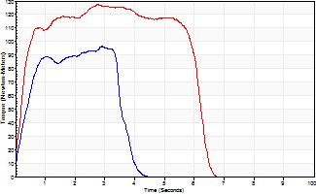
Isometric Extensors (Con) Angle 60 Time 10 Repetition 2 (Best Repetition)
 | Value | Cof Var | %BW
Peak Torque (Newton-Meters)
Right | 96 | 0.08 | 137
Left | 127 | 0.03 | 182
Deficit | 24
Average Torque (Newton-Meters)
Right | 49 | 0.34 | 69
Left | 71 | 0.17 | 101
Deficit | 31
Peak Torque Slope (Newton-Meters/Seconds)
Right | 33 | 0.49 | 47
Left | 46 | 0.18 | 66 |  | Right Side Curves Left Side Curves
Deficit | 28
Time to Half Peak Torque (Seconds)
Right | 0.47 | 0.32
Left | 0.31 | 0.3
Time to Peak Torque (Seconds)
Right | 4.12 | 0.42
Left | 3.07 | 0.15
HUMAC2015® Version: 15.000.0074 © Computer Sports Medicine, Inc. www.csmisolutions.com

pre2
Use File, Preference to set Report Heading
Long Form Torque vs. Position Report - Knee Extension/Flexion
Name: |  |  |  | TR030_FP3090, | ID: | TR030 | Right/Left: | 19.09.2022 19.09.2022
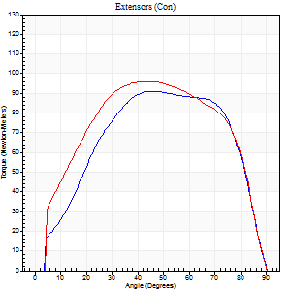
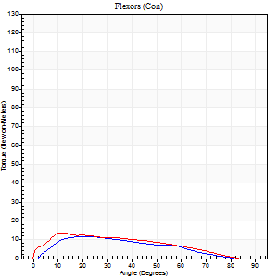
Right Side Curves Left Side Curves
Isokinetic Con/Con |  |  |  | Extensors (Con) |  | Flexors (Con)
Speed 60/60 d/s 3 Reps |  |  |  | Value | Cof Var | %BW | Value | Cof Var | %BW | Ratio

TORQUE PARAMETERS
Peak Torque (Newton-Meters - Best Repetition)
Right |  |  |  | 91 | 0.05 | 131 | 12 | 0.2 | 18 | 13
Left |  |  |  | 96 | 0.05 | 137 | 14 | 0.24 | 18 | 14
Deficit |  |  |  | 6 |  |  | 10
Work per Repetition (Newton-Meters - Best Repetition)
Right |  |  |  | 100 | 0.07 | 143 | 9 | 0.21 | 15 | 9
Left |  |  |  | 110 | 0.03 | 158 | 12 | 0.15 | 18 | 11
Deficit |  |  |  | 9 |  |  | 22
Average Power per Repetition (Watts - Best Repetition)
Right |  |  |  | 62 | 0.06 | 88 | 6 | 0.26 | 9 | 10
Left |  |  |  | 67 | 0.18 | 97 | 7 | 0.15 | 11 | 10
Deficit |  |  |  | 7 |  |  | 14
POSITION PARAMETERS
Joint Angle at Peak Torque (Degrees)
Right |  |  |  | 48 | 0.04 |  | 27 | 0.14
Left |  |  |  | 44 | 0.01 |  | 19 | 0.51
Range of Motion (Degrees)
Right |  |  |  | 1 | 0.18 |  | 89 | 0.02
Left |  |  |  | 0 | 0.71 |  | 90 | 0
TIME PARAMETERS
Time to Peak Torque (Seconds)
Right |  |  |  | 0.76 | 0.04 |  | 0.52 | 0.21
Left |  |  |  | 0.83 | 0.09 |  | 0.41 | 0.43
Time Peak Torque Held (Seconds)
Right |  |  |  | 0.05 | 0.54 |  | 0.04 | 0.79
Left |  |  |  | 0.09 | 0.55 |  | 0.04 | 1.73
Force Decay Time (Seconds)
Right |  |  |  | 0.76 | 0.07 |  | 1.08 | 0.07
Left |  |  |  | 0.68 | 0.06 |  | 1.18 | 0.14
Reciprocal Delay (Seconds)
Right |  |  |  | 0.31 | 0.61 |  | 0.13 | 0.45
Left |  |  |  | 0.22 | 0.3 |  | 0.3 | 0.26
Delay Time (Seconds)
Right |  |  |  | -0.08 | 0 |  | 0 | 0
Left |  |  |  | -0.03 | -0.94 |  | -0.04 | -0.5
HUMAC2015® Version: 15.000.0074 © Computer Sports Medicine, Inc. www.csmisolutions.com

Use File, Preference to set Report Heading
Long Form Torque vs. Position Report - Knee Extension/Flexion
Name: |  |  |  | TR030_FP3090, | ID: | TR030 | Right/Left: | 19.09.2022 19.09.2022
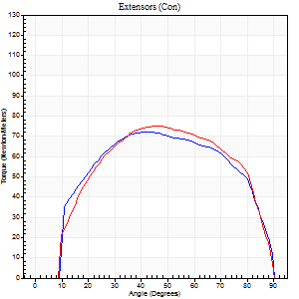
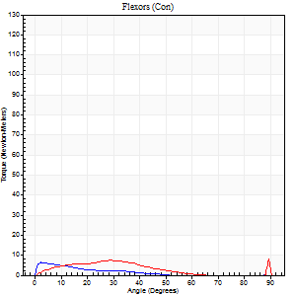
Right Side Curves Left Side Curves
Isokinetic Con/Con |  |  |  | Extensors (Con) |  | Flexors (Con)
Speed 120/120 d/s 3 Reps |  |  |  | Value | Cof Var | %BW | Value | Cof Var | %BW | Ratio

TORQUE PARAMETERS
Peak Torque (Newton-Meters - Best Repetition)
Right |  |  |  | 72 | 0.02 | 101 | 7 | 0.3 | 9 | 9
Left |  |  |  | 75 | 0.03 | 107 | 9 | 0.36 | 15 | 13
Deficit |  |  |  | 4 |  |  | 29
Work per Repetition (Newton-Meters - Best Repetition)
Right |  |  |  | 83 | 0.01 | 119 | 3 | 0.27 | 3 | 3
Left |  |  |  | 88 | 0.04 | 125 | 5 | 0.22 | 9 | 6
Deficit |  |  |  | 6 |  |  | 50
Average Power per Repetition (Watts - Best Repetition)
Right |  |  |  | 99 | 0.13 | 141 | 2 | 0.24 | 2 | 2
Left |  |  |  | 103 | 0.06 | 147 | 5 | 0.2 | 7 | 5
Deficit |  |  |  | 4 |  |  | 60
POSITION PARAMETERS
Joint Angle at Peak Torque (Degrees)
Right |  |  |  | 43 | 0.04 |  | 6 | 0.81
Left |  |  |  | 41 | 0.11 |  | 36 | 1.3
Range of Motion (Degrees)
Right |  |  |  | 1 | 0.03 |  | 90 | 0
Left |  |  |  | 0 | 1.06 |  | 90 | 0
TIME PARAMETERS
Time to Peak Torque (Seconds)
Right |  |  |  | 0.45 | 0.08 |  | 0.12 | 0.46
Left |  |  |  | 0.49 | 0.07 |  | 0.52 | 1.03
Time Peak Torque Held (Seconds)
Right |  |  |  | 0.05 | 0.53 |  | 0.02 | 0.87
Left |  |  |  | 0.05 | 0.53 |  | 0 | 1.73
Force Decay Time (Seconds)
Right |  |  |  | 0.4 | 0.33 |  | 1.06 | 0.08
Left |  |  |  | 0.35 | 0.13 |  | 0.55 | 0.98
Reciprocal Delay (Seconds)
Right |  |  |  | 0.2 | 0.31 |  | 0.09 | 0.44
Left |  |  |  | 0.25 | 0.49 |  | 0.33 | 1.04
Delay Time (Seconds)
Right |  |  |  | -0.04 | -0.61 |  | 0 | 0
Left |  |  |  | -0.02 | -0.71 |  | -0.06 | -0.55
HUMAC2015® Version: 15.000.0074 © Computer Sports Medicine, Inc. www.csmisolutions.com

Use File, Preference to set Report Heading
Long Form Torque vs. Position Report - Knee Extension/Flexion
Name: |  |  |  | TR030_FP3090, | ID: | TR030 | Right/Left: | 19.09.2022 19.09.2022
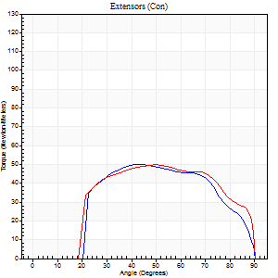
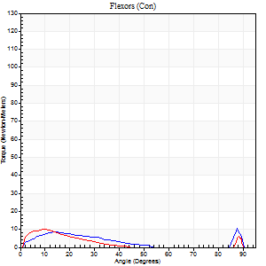
Right Side Curves Left Side Curves
Isokinetic Con/Con |  |  |  | Extensors (Con) |  | Flexors (Con)
Speed 240/240 d/s 3 Reps |  |  |  | Value | Cof Var | %BW | Value | Cof Var | %BW | Ratio

TORQUE PARAMETERS
Peak Torque (Newton-Meters - Best Repetition)
Right |  |  |  | 50 | 0.01 | 72 | 11 | 0.49 | 15 | 22
Left |  |  |  | 50 | 0.03 | 72 | 9 | 0.4 | 15 | 19
Deficit |  |  |  | 0 |  |  | 13
Work per Repetition (Newton-Meters - Best Repetition)
Right |  |  |  | 52 | 0.03 | 75 | 5 | 0.62 | 9 | 11
Left |  |  |  | 52 | 0.12 | 75 | 4 | 0.3 | 6 | 8
Deficit |  |  |  | 0 |  |  | 25
Average Power per Repetition (Watts - Best Repetition)
Right |  |  |  | 94 | 0.11 | 134 | 7 | 0.85 | 11 | 7
Left |  |  |  | 88 | 0.06 | 125 | 5 | 0.39 | 7 | 6
Deficit |  |  |  | 6 |  |  | 29
POSITION PARAMETERS
Joint Angle at Peak Torque (Degrees)
Right |  |  |  | 46 | 0.03 |  | 34 | 1.38
Left |  |  |  | 52 | 0.04 |  | 38 | 1.18
Range of Motion (Degrees)
Right |  |  |  | 1 | 0.09 |  | 90 | 0
Left |  |  |  | 1 | 0.77 |  | 90 | 0
TIME PARAMETERS
Time to Peak Torque (Seconds)
Right |  |  |  | 0.35 | 0.2 |  | 0.31 | 1.07
Left |  |  |  | 0.26 | 0.08 |  | 0.46 | 0.79
Time Peak Torque Held (Seconds)
Right |  |  |  | 0.01 | 1 |  | 0.05 | 1.73
Left |  |  |  | 0.01 | 0.87 |  | 0.03 | 1.73
Force Decay Time (Seconds)
Right |  |  |  | 0.23 | 0.05 |  | 1.57 | 1.44
Left |  |  |  | 0.27 | 0.08 |  | 0.43 | 0.91
Reciprocal Delay (Seconds)
Right |  |  |  | 0.37 | 0.17 |  | 0.07 | 0.14
Left |  |  |  | 0.45 | 0.13 |  | 0.11 | 0.52
Delay Time (Seconds)
Right |  |  |  | -0.09 | -0.58 |  | -0.03 | -0.33
Left |  |  |  | -0.05 | -0.16 |  | -0.05 | -0.43
HUMAC2015® Version: 15.000.0074 © Computer Sports Medicine, Inc. www.csmisolutions.com

Use File, Preference to set Report Heading
Isometric - Knee Extension/Flexion
Name: |  |  |  | TR030_FP3090, | ID: | TR030 | Right/Left: | 19.09.2022 19.09.2022

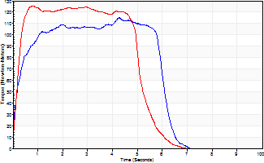
Isometric Extensors (Con) Angle 60 Time 10 Repetition 2 (Best Repetition)
 | Value | Cof Var | %BW
Peak Torque (Newton-Meters)
Right | 115 | 0.01 | 164
Left | 125 | 0.01 | 179
Deficit | 8
Average Torque (Newton-Meters)
Right | 62 | 0.15 | 89
Left | 88 | 0.25 | 125
Deficit | 29
Peak Torque Slope (Newton-Meters/Seconds)
Right | 41 | 0.29 | 58
Left | 163 | 0.95 | 232 |  | Right Side Curves Left Side Curves
Deficit | 75
Time to Half Peak Torque (Seconds)
Right | 0.26 | 0.16
Left | 0.25 | 0.26
Time to Peak Torque (Seconds)
Right | 3.53 | 0.29
Left | 2.33 | 0.95
HUMAC2015® Version: 15.000.0074 © Computer Sports Medicine, Inc. www.csmisolutions.com

mid1
Use File, Preference to set Report Heading
Long Form Torque vs. Position Report - Knee Extension/Flexion
Name: |  |  |  | TR030_FP3090, | ID: | TR030 | Right/Left: | 26.10.2022 26.10.2022
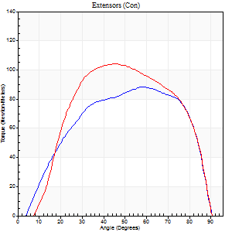
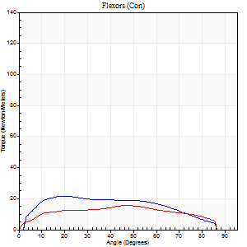
Right Side Curves Left Side Curves
Isokinetic Con/Con |  |  |  | Extensors (Con) |  | Flexors (Con)
Speed 60/60 d/s 3 Reps |  |  |  | Value | Cof Var | %BW | Value | Cof Var | %BW | Ratio

TORQUE PARAMETERS
Peak Torque (Newton-Meters - Best Repetition)
Right |  |  |  | 88 | 0.04 | 125 | 22 | 0.29 | 30 | 25
Left |  |  |  | 104 | 0.05 | 149 | 15 | 0.09 | 21 | 14
Deficit |  |  |  | 16 |  |  | 31
Work per Repetition (Newton-Meters - Best Repetition)
Right |  |  |  | 98 | 0.03 | 140 | 23 | 0.31 | 33 | 24
Left |  |  |  | 108 | 0.02 | 155 | 18 | 0.18 | 24 | 16
Deficit |  |  |  | 10 |  |  | 24
Average Power per Repetition (Watts - Best Repetition)
Right |  |  |  | 63 | 0.03 | 90 | 15 | 0.32 | 22 | 24
Left |  |  |  | 73 | 0.04 | 103 | 11 | 0.17 | 15 | 15
Deficit |  |  |  | 14 |  |  | 27
POSITION PARAMETERS
Joint Angle at Peak Torque (Degrees)
Right |  |  |  | 55 | 0.08 |  | 37 | 0.41
Left |  |  |  | 47 | 0.07 |  | 31 | 0.47
Range of Motion (Degrees)
Right |  |  |  | 0 | 0.54 |  | 90 | 0
Left |  |  |  | 1 | 0 |  | 90 | 0
TIME PARAMETERS
Time to Peak Torque (Seconds)
Right |  |  |  | 0.62 | 0.12 |  | 0.68 | 0.42
Left |  |  |  | 0.72 | 0.12 |  | 0.55 | 0.48
Time Peak Torque Held (Seconds)
Right |  |  |  | 0.05 | 0.2 |  | 0.04 | 0.75
Left |  |  |  | 0.08 | 0.33 |  | 0 | 0
Force Decay Time (Seconds)
Right |  |  |  | 0.88 | 0.06 |  | 0.85 | 0.28
Left |  |  |  | 0.69 | 0.16 |  | 0.99 | 0.25
Reciprocal Delay (Seconds)
Right |  |  |  | 0.11 | 0.2 |  | 0.13 | 0.57
Left |  |  |  | 0.16 | 0.04 |  | 0.1 | 0.15
Delay Time (Seconds)
Right |  |  |  | 0 | -1.41 |  | -0.04 | -0.35
Left |  |  |  | 0.01 | 0.47 |  | -0.03 | -0.58
HUMAC2015® Version: 15.000.0074 © Computer Sports Medicine, Inc. www.csmisolutions.com

Use File, Preference to set Report Heading
Long Form Torque vs. Position Report - Knee Extension/Flexion
Name: |  |  |  | TR030_FP3090, | ID: | TR030 | Right/Left: | 26.10.2022 26.10.2022
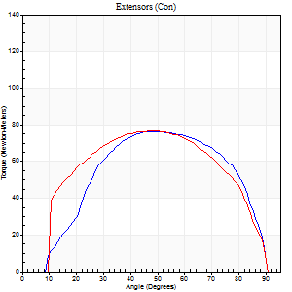
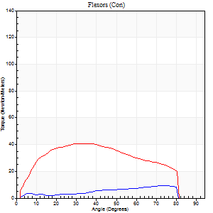
Right Side Curves Left Side Curves
Isokinetic Con/Con |  |  |  | Extensors (Con) |  | Flexors (Con)
Speed 120/120 d/s 3 Reps |  |  |  | Value | Cof Var | %BW | Value | Cof Var | %BW | Ratio

TORQUE PARAMETERS
Peak Torque (Newton-Meters - Best Repetition)
Right |  |  |  | 76 | 0.02 | 107 | 9 | 0.12 | 15 | 12
Left |  |  |  | 77 | 0.05 | 110 | 41 | 0.2 | 57 | 53
Deficit |  |  |  | 2 |  |  | 77
Work per Repetition (Newton-Meters - Best Repetition)
Right |  |  |  | 85 | 0.04 | 122 | 7 | 0.26 | 9 | 8
Left |  |  |  | 84 | 0.04 | 119 | 43 | 0.17 | 63 | 52
Deficit |  |  |  | 2 |  |  | 84
Average Power per Repetition (Watts - Best Repetition)
Right |  |  |  | 102 | 0.05 | 145 | 8 | 0.24 | 11 | 8
Left |  |  |  | 103 | 0.71 | 147 | 55 | 0.18 | 79 | 53
Deficit |  |  |  | 1 |  |  | 85
POSITION PARAMETERS
Joint Angle at Peak Torque (Degrees)
Right |  |  |  | 45 | 0.08 |  | 58 | 0.49
Left |  |  |  | 43 | 0.12 |  | 45 | 0.32
Range of Motion (Degrees)
Right |  |  |  | 1 | 0.03 |  | 90 | 0
Left |  |  |  | 1 | 0.3 |  | 89 | 0.01
TIME PARAMETERS
Time to Peak Torque (Seconds)
Right |  |  |  | 0.44 | 0.02 |  | 0.62 | 0.43
Left |  |  |  | 0.43 | 0.07 |  | 0.42 | 0.31
Time Peak Torque Held (Seconds)
Right |  |  |  | 0.04 | 0.13 |  | 0.02 | 0.92
Left |  |  |  | 0.05 | 0.35 |  | 0.03 | 1.2
Force Decay Time (Seconds)
Right |  |  |  | 0.35 | 0.11 |  | 0.29 | 0.91
Left |  |  |  | 0.33 | 0.08 |  | 0.35 | 0.23
Reciprocal Delay (Seconds)
Right |  |  |  | 0.11 | 0.47 |  | 0.08 | 0.38
Left |  |  |  | 0.07 | 0.61 |  | 0.07 | 0.14
Delay Time (Seconds)
Right |  |  |  | -0.02 | -0.71 |  | 0 | 0
Left |  |  |  | 0.01 | 0.47 |  | 0 | 0
HUMAC2015® Version: 15.000.0074 © Computer Sports Medicine, Inc. www.csmisolutions.com

Use File, Preference to set Report Heading
Long Form Torque vs. Position Report - Knee Extension/Flexion
Name: |  |  |  | TR030_FP3090, | ID: | TR030 | Right/Left: | 26.10.2022 26.10.2022
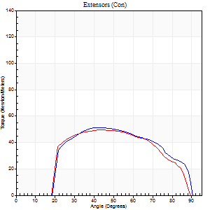
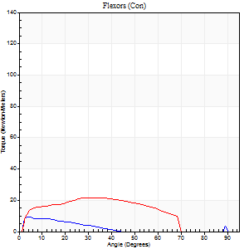
Right Side Curves Left Side Curves
Isokinetic Con/Con |  |  |  | Extensors (Con) |  | Flexors (Con)
Speed 240/240 d/s 3 Reps |  |  |  | Value | Cof Var | %BW | Value | Cof Var | %BW | Ratio

TORQUE PARAMETERS
Peak Torque (Newton-Meters - Best Repetition)
Right |  |  |  | 52 | 0.21 | 75 | 9 | 0.42 | 15 | 18
Left |  |  |  | 50 | 0.02 | 72 | 22 | 0.34 | 30 | 43
Deficit |  |  |  | 3 |  |  | 56
Work per Repetition (Newton-Meters - Best Repetition)
Right |  |  |  | 52 | 0.34 | 75 | 4 | 0.39 | 6 | 8
Left |  |  |  | 49 | 0.03 | 69 | 20 | 0.5 | 30 | 42
Deficit |  |  |  | 5 |  |  | 80
Average Power per Repetition (Watts - Best Repetition)
Right |  |  |  | 93 | 0.43 | 132 | 5 | 0.59 | 7 | 5
Left |  |  |  | 96 | 0.59 | 136 | 39 | 0.52 | 55 | 41
Deficit |  |  |  | 3 |  |  | 87
POSITION PARAMETERS
Joint Angle at Peak Torque (Degrees)
Right |  |  |  | 48 | 0.15 |  | 37 | 1.19
Left |  |  |  | 45 | 0.1 |  | 22 | 0.58
Range of Motion (Degrees)
Right |  |  |  | 1 | 0.1 |  | 90 | 0
Left |  |  |  | 2 | 0.28 |  | 89 | 0.01
TIME PARAMETERS
Time to Peak Torque (Seconds)
Right |  |  |  | 0.32 | 0.04 |  | 0.53 | 0.86
Left |  |  |  | 0.28 | 0.05 |  | 0.18 | 0.31
Time Peak Torque Held (Seconds)
Right |  |  |  | 0 | 1.73 |  | 0.01 | 1
Left |  |  |  | 0.01 | 1 |  | 0.02 | 0.5
Force Decay Time (Seconds)
Right |  |  |  | 0.25 | 0.12 |  | 0.47 | 0.76
Left |  |  |  | 0.22 | 0.05 |  | 0.32 | 0.24
Reciprocal Delay (Seconds)
Right |  |  |  | 0.11 | 0 |  | 0.07 | 0.43
Left |  |  |  | 0.05 | 0.13 |  | 0.05 | 0.33
Delay Time (Seconds)
Right |  |  |  | -0.06 | 0 |  | -0.03 | -0.33
Left |  |  |  | -0.02 | 0 |  | -0.02 | 0
HUMAC2015® Version: 15.000.0074 © Computer Sports Medicine, Inc. www.csmisolutions.com

Use File, Preference to set Report Heading
Isometric - Knee Extension/Flexion
Name: |  |  |  | TR030_FP3090, | ID: | TR030 | Right/Left: | 26.10.2022 26.10.2022

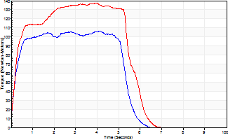
Isometric Extensors (Con) Angle 60 Time 10 Repetition 2 (Best Repetition)
 | Value | Cof Var | %BW
Peak Torque (Newton-Meters)
Right | 107 | 0.04 | 152
Left | 137 | 0 | 197
Deficit | 22
Average Torque (Newton-Meters)
Right | 53 | 0.06 | 75
Left | 75 | 0.04 | 107
Deficit | 29
Peak Torque Slope (Newton-Meters/Seconds)
Right | 26 | 0.02 | 37
Left | 55 | 0.32 | 78 |  | Right Side Curves Left Side Curves
Deficit | 53
Time to Half Peak Torque (Seconds)
Right | 0.22 | 0.19
Left | 0.25 | 0.11
Time to Peak Torque (Seconds)
Right | 4.05 | 0.02
Left | 3.23 | 0.32
HUMAC2015® Version: 15.000.0074 © Computer Sports Medicine, Inc. www.csmisolutions.com

mid2
Use File, Preference to set Report Heading
Long Form Torque vs. Position Report - Knee Extension/Flexion
Name: |  |  |  | TR030_FP3090, | ID: | TR030 | Right/Left: | 28.10.2022 28.10.2022
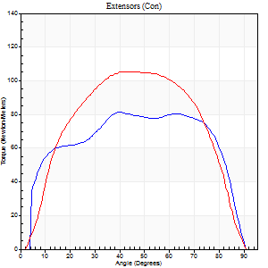
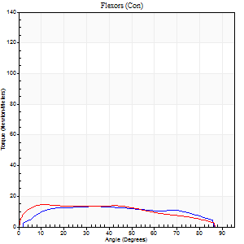
Right Side Curves Left Side Curves
Isokinetic Con/Con |  |  |  | Extensors (Con) |  | Flexors (Con)
Speed 60/60 d/s 3 Reps |  |  |  | Value | Cof Var | %BW | Value | Cof Var | %BW | Ratio

TORQUE PARAMETERS
Peak Torque (Newton-Meters - Best Repetition)
Right |  |  |  | 81 | 0.02 | 116 | 14 | 0.35 | 18 | 17
Left |  |  |  | 106 | 0.02 | 152 | 15 | 0.27 | 21 | 14
Deficit |  |  |  | 23 |  |  | 9
Work per Repetition (Newton-Meters - Best Repetition)
Right |  |  |  | 99 | 0.02 | 140 | 16 | 0.39 | 24 | 16
Left |  |  |  | 115 | 0.03 | 164 | 16 | 0.29 | 24 | 14
Deficit |  |  |  | 14 |  |  | 0
Average Power per Repetition (Watts - Best Repetition)
Right |  |  |  | 64 | 0.18 | 92 | 10 | 0.39 | 13 | 16
Left |  |  |  | 72 | 0.2 | 103 | 10 | 0.31 | 13 | 14
Deficit |  |  |  | 11 |  |  | 0
POSITION PARAMETERS
Joint Angle at Peak Torque (Degrees)
Right |  |  |  | 51 | 0.35 |  | 32 | 0.38
Left |  |  |  | 46 | 0.03 |  | 27 | 0.51
Range of Motion (Degrees)
Right |  |  |  | 1 | 0 |  | 90 | 0
Left |  |  |  | 0 | 1.63 |  | 90 | 0
TIME PARAMETERS
Time to Peak Torque (Seconds)
Right |  |  |  | 0.6 | 0.59 |  | 0.53 | 0.41
Left |  |  |  | 0.78 | 0.02 |  | 0.49 | 0.5
Time Peak Torque Held (Seconds)
Right |  |  |  | 0.05 | 0.39 |  | 0.28 | 0.71
Left |  |  |  | 0.08 | 0.27 |  | 0.02 | 1.73
Force Decay Time (Seconds)
Right |  |  |  | 0.79 | 0.35 |  | 0.72 | 0.24
Left |  |  |  | 0.7 | 0.08 |  | 1.03 | 0.2
Reciprocal Delay (Seconds)
Right |  |  |  | 0.17 | 0.12 |  | 0.08 | 0.12
Left |  |  |  | 0.19 | 0.42 |  | 0.17 | 1.03
Delay Time (Seconds)
Right |  |  |  | -0.01 | 0 |  | 0.04 | 0.66
Left |  |  |  | 0.01 | 5.66 |  | -0.02 | -1.93
HUMAC2015® Version: 15.000.0074 © Computer Sports Medicine, Inc. www.csmisolutions.com

Use File, Preference to set Report Heading
Long Form Torque vs. Position Report - Knee Extension/Flexion
Name: |  |  |  | TR030_FP3090, | ID: | TR030 | Right/Left: | 28.10.2022 28.10.2022
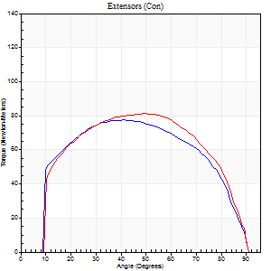
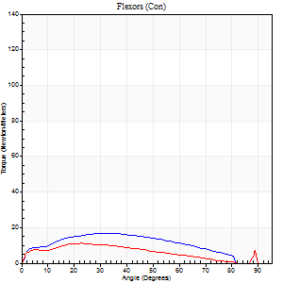
Right Side Curves Left Side Curves
Isokinetic Con/Con |  |  |  | Extensors (Con) |  | Flexors (Con)
Speed 120/120 d/s 3 Reps |  |  |  | Value | Cof Var | %BW | Value | Cof Var | %BW | Ratio

TORQUE PARAMETERS
Peak Torque (Newton-Meters - Best Repetition)
Right |  |  |  | 77 | 0.03 | 110 | 16 | 0.28 | 24 | 21
Left |  |  |  | 81 | 0.04 | 116 | 11 | 0.44 | 15 | 13
Deficit |  |  |  | 5 |  |  | 33
Work per Repetition (Newton-Meters - Best Repetition)
Right |  |  |  | 87 | 0.02 | 125 | 18 | 0.39 | 24 | 20
Left |  |  |  | 91 | 0.06 | 131 | 9 | 0.53 | 15 | 10
Deficit |  |  |  | 4 |  |  | 46
Average Power per Repetition (Watts - Best Repetition)
Right |  |  |  | 101 | 0.37 | 145 | 18 | 0.34 | 26 | 18
Left |  |  |  | 106 | 0.09 | 152 | 11 | 0.68 | 15 | 10
Deficit |  |  |  | 5 |  |  | 39
POSITION PARAMETERS
Joint Angle at Peak Torque (Degrees)
Right |  |  |  | 42 | 0.06 |  | 42 | 0.76
Left |  |  |  | 44 | 0.11 |  | 14 | 0.74
Range of Motion (Degrees)
Right |  |  |  | 1 | 0.74 |  | 90 | 0
Left |  |  |  | 0 | 1.01 |  | 90 | 0.01
TIME PARAMETERS
Time to Peak Torque (Seconds)
Right |  |  |  | 0.44 | 0.02 |  | 0.46 | 0.66
Left |  |  |  | 0.47 | 0.09 |  | 0.4 | 0.66
Time Peak Torque Held (Seconds)
Right |  |  |  | 0.05 | 0.12 |  | 0 | 0
Left |  |  |  | 0.03 | 0.43 |  | 0 | 0
Force Decay Time (Seconds)
Right |  |  |  | 0.35 | 0.04 |  | 0.43 | 0.59
Left |  |  |  | 0.38 | 0.05 |  | 0.75 | 0.32
Reciprocal Delay (Seconds)
Right |  |  |  | 0.11 | 0.64 |  | 0.15 | 0.25
Left |  |  |  | 0.12 | 0.31 |  | 0.15 | 0.68
Delay Time (Seconds)
Right |  |  |  | -0.02 | -1.41 |  | -0.02 | -0.5
Left |  |  |  | 0 | -4.24 |  | -0.05 | -1.22
HUMAC2015® Version: 15.000.0074 © Computer Sports Medicine, Inc. www.csmisolutions.com

Use File, Preference to set Report Heading
Long Form Torque vs. Position Report - Knee Extension/Flexion
Name: |  |  |  | TR030_FP3090, | ID: | TR030 | Right/Left: | 28.10.2022 28.10.2022
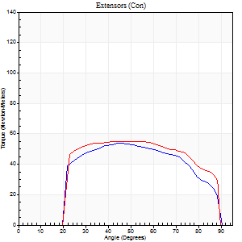
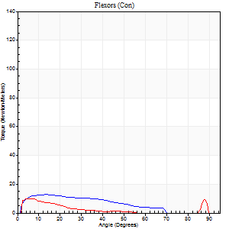
Right Side Curves Left Side Curves
Isokinetic Con/Con |  |  |  | Extensors (Con) |  | Flexors (Con)
Speed 240/240 d/s 3 Reps |  |  |  | Value | Cof Var | %BW | Value | Cof Var | %BW | Ratio

TORQUE PARAMETERS
Peak Torque (Newton-Meters - Best Repetition)
Right |  |  |  | 54 | 0.02 | 77 | 12 | 0.47 | 18 | 22
Left |  |  |  | 56 | 0.05 | 80 | 9 | 0.29 | 15 | 17
Deficit |  |  |  | 2 |  |  | 22
Work per Repetition (Newton-Meters - Best Repetition)
Right |  |  |  | 54 | 0.03 | 77 | 11 | 0.65 | 15 | 20
Left |  |  |  | 60 | 0.12 | 86 | 5 | 0.4 | 9 | 9
Deficit |  |  |  | 9 |  |  | 50
Average Power per Repetition (Watts - Best Repetition)
Right |  |  |  | 96 | 0.03 | 136 | 17 | 0.81 | 24 | 18
Left |  |  |  | 108 | 0.14 | 154 | 7 | 0.52 | 11 | 6
Deficit |  |  |  | 11 |  |  | 59
POSITION PARAMETERS
Joint Angle at Peak Torque (Degrees)
Right |  |  |  | 46 | 0.05 |  | 18 | 0.58
Left |  |  |  | 46 | 0.11 |  | 12 | 1.08
Range of Motion (Degrees)
Right |  |  |  | 1 | 0.2 |  | 90 | 0.01
Left |  |  |  | 2 | 0.14 |  | 89 | 0.01
TIME PARAMETERS
Time to Peak Torque (Seconds)
Right |  |  |  | 0.3 | 0 |  | 0.27 | 0.38
Left |  |  |  | 0.33 | 0.04 |  | 0.16 | 0.94
Time Peak Torque Held (Seconds)
Right |  |  |  | 0.02 | 0.35 |  | 0.02 | 1.38
Left |  |  |  | 0.02 | 0.5 |  | 0 | 0
Force Decay Time (Seconds)
Right |  |  |  | 0.23 | 0.04 |  | 0.56 | 0.67
Left |  |  |  | 0.21 | 0.05 |  | 0.64 | 0.46
Reciprocal Delay (Seconds)
Right |  |  |  | 0.09 | 0.25 |  | 0.12 | 0.63
Left |  |  |  | 0.15 | 0.75 |  | 0.06 | 0.1
Delay Time (Seconds)
Right |  |  |  | -0.05 | -0.16 |  | -0.04 | -0.35
Left |  |  |  | -0.04 | -0.61 |  | -0.03 | 0
HUMAC2015® Version: 15.000.0074 © Computer Sports Medicine, Inc. www.csmisolutions.com

Use File, Preference to set Report Heading
Isometric - Knee Extension/Flexion
Name: |  |  |  | TR030_FP3090, | ID: | TR030 | Right/Left: | 28.10.2022 28.10.2022

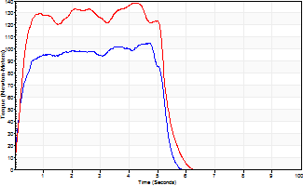
Isometric Extensors (Con) Angle 60 Time 10 Repetition 2 (Best Repetition)
 | Value | Cof Var | %BW
Peak Torque (Newton-Meters)
Right | 104 | 0.04 | 149
Left | 138 | 0.06 | 197
Deficit | 25
Average Torque (Newton-Meters)
Right | 49 | 0.11 | 69
Left | 66 | 0.01 | 95
Deficit | 27
Peak Torque Slope (Newton-Meters/Seconds)
Right | 38 | 0.35 | 54
Left | 32 | 0.04 | 46 |  | Right Side Curves Left Side Curves
Deficit | 14
Time to Half Peak Torque (Seconds)
Right | 0.17 | 0.12
Left | 0.28 | 0.2
Time to Peak Torque (Seconds)
Right | 3.6 | 0.39
Left | 4.19 | 0.02
HUMAC2015® Version: 15.000.0074 © Computer Sports Medicine, Inc. www.csmisolutions.com

