pre1
Use File, Preference to set Report Heading
Long Form Torque vs. Position Report - Knee Extension/Flexion
Name: |  |  |  | TR030_FP3091, | ID: | TR030 | Right/Left: | 04.10.2023 04.10.2023
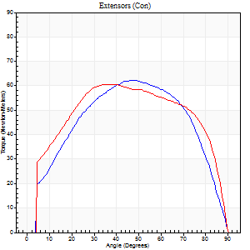
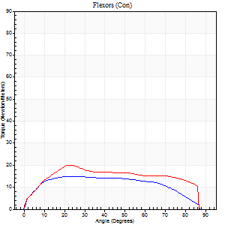
Right Side Curves Left Side Curves
Isokinetic Con/Con |  |  |  | Extensors (Con) |  | Flexors (Con)
Speed 60/60 d/s 3 Reps |  |  |  | Value | Cof Var | %BW | Value | Cof Var | %BW | Ratio

TORQUE PARAMETERS
Peak Torque (Newton-Meters - Best Repetition)
Right |  |  |  | 62 | 0.06 | 89 | 15 | 0.29 | 21 | 24
Left |  |  |  | 61 | 0.09 | 86 | 20 | 0.34 | 30 | 33
Deficit |  |  |  | 2 |  |  | 27
Work per Repetition (Newton-Meters - Best Repetition)
Right |  |  |  | 68 | 0.03 | 95 | 18 | 0.34 | 24 | 26
Left |  |  |  | 73 | 0.06 | 104 | 23 | 0.39 | 33 | 31
Deficit |  |  |  | 7 |  |  | 24
Average Power per Repetition (Watts - Best Repetition)
Right |  |  |  | 41 | 0.13 | 59 | 11 | 0.37 | 15 | 27
Left |  |  |  | 46 | 0.07 | 66 | 14 | 0.38 | 20 | 30
Deficit |  |  |  | 11 |  |  | 21
POSITION PARAMETERS
Joint Angle at Peak Torque (Degrees)
Right |  |  |  | 48 | 0.03 |  | 30 | 0.22
Left |  |  |  | 43 | 0.16 |  | 35 | 0.3
Range of Motion (Degrees)
Right |  |  |  | 0 | 1.41 |  | 90 | 0
Left |  |  |  | 0 | 0 |  | 90 | 0
TIME PARAMETERS
Time to Peak Torque (Seconds)
Right |  |  |  | 0.76 | 0 |  | 0.62 | 0.29
Left |  |  |  | 0.78 | 0.13 |  | 0.68 | 0.29
Time Peak Torque Held (Seconds)
Right |  |  |  | 0.1 | 0.36 |  | 0.18 | 0.11
Left |  |  |  | 0.11 | 1.37 |  | 0.01 | 1.73
Force Decay Time (Seconds)
Right |  |  |  | 0.74 | 0.06 |  | 0.81 | 0.13
Left |  |  |  | 0.64 | 0.11 |  | 0.92 | 0.2
Reciprocal Delay (Seconds)
Right |  |  |  | 0.19 | 0.67 |  | 0.38 | 0.23
Left |  |  |  | 0.23 | 0.15 |  | 0.33 | 0.09
Delay Time (Seconds)
Right |  |  |  | -0.05 | -0.57 |  | -0.02 | -1.83
Left |  |  |  | -0.02 | -0.85 |  | -0.04 | -0.66
HUMAC2015® Version: 15.000.0074 © Computer Sports Medicine, Inc. www.csmisolutions.com

Use File, Preference to set Report Heading
Long Form Torque vs. Position Report - Knee Extension/Flexion
Name: |  |  |  | TR030_FP3091, | ID: | TR030 | Right/Left: | 04.10.2023 04.10.2023
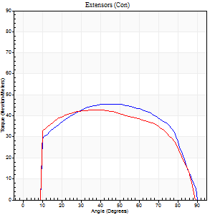
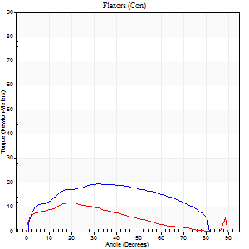
Right Side Curves Left Side Curves
Isokinetic Con/Con |  |  |  | Extensors (Con) |  | Flexors (Con)
Speed 120/120 d/s 3 Reps |  |  |  | Value | Cof Var | %BW | Value | Cof Var | %BW | Ratio

TORQUE PARAMETERS
Peak Torque (Newton-Meters - Best Repetition)
Right |  |  |  | 46 | 0.02 | 66 | 19 | 0.08 | 27 | 41
Left |  |  |  | 43 | 0.06 | 63 | 12 | 0.16 | 18 | 28
Deficit |  |  |  | 6 |  |  | 36
Work per Repetition (Newton-Meters - Best Repetition)
Right |  |  |  | 53 | 0.02 | 75 | 22 | 0.2 | 30 | 41
Left |  |  |  | 50 | 0.05 | 72 | 9 | 0.15 | 15 | 19
Deficit |  |  |  | 5 |  |  | 56
Average Power per Repetition (Watts - Best Repetition)
Right |  |  |  | 57 | 0.02 | 81 | 24 | 0.21 | 35 | 42
Left |  |  |  | 56 | 0.05 | 79 | 10 | 0.15 | 13 | 18
Deficit |  |  |  | 2 |  |  | 58
POSITION PARAMETERS
Joint Angle at Peak Torque (Degrees)
Right |  |  |  | 44 | 0.06 |  | 31 | 0.08
Left |  |  |  | 41 | 0.13 |  | 22 | 0.18
Range of Motion (Degrees)
Right |  |  |  | 0 | 0.11 |  | 90 | 0
Left |  |  |  | 0 | 0 |  | 90 | 0.01
TIME PARAMETERS
Time to Peak Torque (Seconds)
Right |  |  |  | 0.47 | 0.02 |  | 0.34 | 0.12
Left |  |  |  | 0.46 | 0.12 |  | 0.33 | 0.1
Time Peak Torque Held (Seconds)
Right |  |  |  | 0.01 | 1.73 |  | 0.01 | 1.73
Left |  |  |  | 0.07 | 0.75 |  | 0.02 | 1
Force Decay Time (Seconds)
Right |  |  |  | 0.41 | 0.04 |  | 0.53 | 0.03
Left |  |  |  | 0.34 | 0.15 |  | 0.57 | 0.12
Reciprocal Delay (Seconds)
Right |  |  |  | 0.11 | 0 |  | 0.19 | 0.05
Left |  |  |  | 0.12 | 0.24 |  | 0.22 | 0.07
Delay Time (Seconds)
Right |  |  |  | -0.05 | -0.16 |  | -0.01 | -0.87
Left |  |  |  | -0.01 | 0 |  | -0.04 | -0.43
HUMAC2015® Version: 15.000.0074 © Computer Sports Medicine, Inc. www.csmisolutions.com

Use File, Preference to set Report Heading
Long Form Torque vs. Position Report - Knee Extension/Flexion
Name: |  |  |  | TR030_FP3091, | ID: | TR030 | Right/Left: | 04.10.2023 04.10.2023
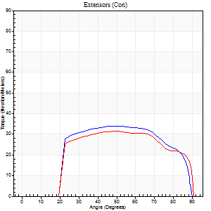
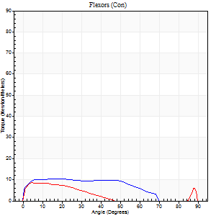
Right Side Curves Left Side Curves
Isokinetic Con/Con |  |  |  | Extensors (Con) |  | Flexors (Con)
Speed 240/240 d/s 3 Reps |  |  |  | Value | Cof Var | %BW | Value | Cof Var | %BW | Ratio

TORQUE PARAMETERS
Peak Torque (Newton-Meters - Best Repetition)
Right |  |  |  | 34 | 0.22 | 48 | 11 | 0.06 | 15 | 32
Left |  |  |  | 31 | 0.05 | 45 | 8 | 0.26 | 12 | 26
Deficit |  |  |  | 8 |  |  | 25
Work per Repetition (Newton-Meters - Best Repetition)
Right |  |  |  | 35 | 0.28 | 51 | 11 | 0.13 | 15 | 31
Left |  |  |  | 34 | 0.08 | 48 | 5 | 0.39 | 9 | 16
Deficit |  |  |  | 4 |  |  | 50
Average Power per Repetition (Watts - Best Repetition)
Right |  |  |  | 58 | 0.36 | 84 | 16 | 0.12 | 22 | 28
Left |  |  |  | 57 | 0.09 | 81 | 7 | 0.52 | 11 | 12
Deficit |  |  |  | 2 |  |  | 56
POSITION PARAMETERS
Joint Angle at Peak Torque (Degrees)
Right |  |  |  | 49 | 0 |  | 17 | 0.27
Left |  |  |  | 47 | 0.05 |  | 32 | 1.49
Range of Motion (Degrees)
Right |  |  |  | 0 | 0.61 |  | 89 | 0.01
Left |  |  |  | 0 | -1.41 |  | 89 | 0.01
TIME PARAMETERS
Time to Peak Torque (Seconds)
Right |  |  |  | 0.31 | 0.07 |  | 0.24 | 0.21
Left |  |  |  | 0.3 | 0.09 |  | 0.37 | 0.87
Time Peak Torque Held (Seconds)
Right |  |  |  | 0.01 | 1 |  | 0.02 | 1
Left |  |  |  | 0.01 | 1.15 |  | 0.04 | 1.73
Force Decay Time (Seconds)
Right |  |  |  | 0.29 | 0.06 |  | 0.37 | 0.16
Left |  |  |  | 0.28 | 0.09 |  | 0.44 | 0.84
Reciprocal Delay (Seconds)
Right |  |  |  | 0.09 | 0.07 |  | 0.2 | 0.26
Left |  |  |  | 0.08 | 0.28 |  | 0.29 | 0.53
Delay Time (Seconds)
Right |  |  |  | -0.05 | -0.28 |  | -0.03 | -0.57
Left |  |  |  | -0.03 | 0 |  | -0.07 | -0.46
HUMAC2015® Version: 15.000.0074 © Computer Sports Medicine, Inc. www.csmisolutions.com

Use File, Preference to set Report Heading
Isometric - Knee Extension/Flexion
Name: |  |  |  | TR030_FP3091, | ID: | TR030 | Right/Left: | 04.10.2023 04.10.2023

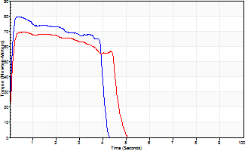
Isometric Extensors (Con) Angle 60 Time 10 Repetition 2 (Best Repetition)
 | Value | Cof Var | %BW
Peak Torque (Newton-Meters)
Right | 80 | 0.05 | 113
Left | 69 | 0.01 | 98
Deficit | 14
Average Torque (Newton-Meters)
Right | 31 | 0.06 | 45
Left | 28 | 0.07 | 42
Deficit | 9
Peak Torque Slope (Newton-Meters/Seconds)
Right | 189 | 0.9 | 270
Left | 6807 | 1.37 | 9715 |  | Right Side Curves Left Side Curves
Deficit | 97
Time to Half Peak Torque (Seconds)
Right | 0.06 | 0.11
Left | 0.04 | 1.41
Time to Peak Torque (Seconds)
Right | 1.08 | 0.88
Left | 0.3 | 1.41
HUMAC2015® Version: 15.000.0074 © Computer Sports Medicine, Inc. www.csmisolutions.com

pre2
Use File, Preference to set Report Heading
Long Form Torque vs. Position Report - Knee Extension/Flexion
Name: |  |  |  | TR030_FP3091, | ID: | TR030 | Right/Left: | 09.10.2023 09.10.2023
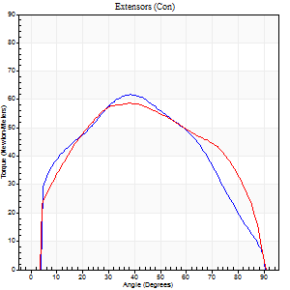
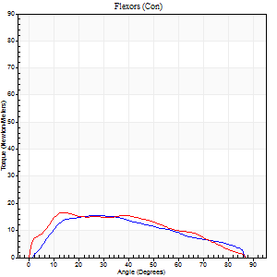
Right Side Curves Left Side Curves
Isokinetic Con/Con |  |  |  | Extensors (Con) |  | Flexors (Con)
Speed 60/60 d/s 3 Reps |  |  |  | Value | Cof Var | %BW | Value | Cof Var | %BW | Ratio

TORQUE PARAMETERS
Peak Torque (Newton-Meters - Best Repetition)
Right |  |  |  | 62 | 0.04 | 89 | 15 | 0.32 | 21 | 24
Left |  |  |  | 58 | 0.04 | 83 | 16 | 0.18 | 24 | 28
Deficit |  |  |  | 7 |  |  | 8
Work per Repetition (Newton-Meters - Best Repetition)
Right |  |  |  | 66 | 0.02 | 95 | 15 | 0.35 | 21 | 22
Left |  |  |  | 68 | 0.04 | 95 | 18 | 0.27 | 24 | 26
Deficit |  |  |  | 2 |  |  | 15
Average Power per Repetition (Watts - Best Repetition)
Right |  |  |  | 42 | 0.03 | 59 | 9 | 0.36 | 13 | 21
Left |  |  |  | 43 | 0.04 | 62 | 11 | 0.28 | 15 | 26
Deficit |  |  |  | 2 |  |  | 18
POSITION PARAMETERS
Joint Angle at Peak Torque (Degrees)
Right |  |  |  | 42 | 0.06 |  | 21 | 0.32
Left |  |  |  | 36 | 0.1 |  | 25 | 0.41
Range of Motion (Degrees)
Right |  |  |  | 0 | 0 |  | 90 | 0
Left |  |  |  | 0 | 1.41 |  | 90 | 0
TIME PARAMETERS
Time to Peak Torque (Seconds)
Right |  |  |  | 0.85 | 0.03 |  | 0.47 | 0.27
Left |  |  |  | 0.96 | 0.07 |  | 0.5 | 0.37
Time Peak Torque Held (Seconds)
Right |  |  |  | 0.04 | 0.87 |  | 0 | 0
Left |  |  |  | 0.09 | 0.48 |  | 0.03 | 1.73
Force Decay Time (Seconds)
Right |  |  |  | 0.68 | 0.05 |  | 1.16 | 0.09
Left |  |  |  | 0.54 | 0.03 |  | 1.05 | 0.2
Reciprocal Delay (Seconds)
Right |  |  |  | 0.22 | 0.36 |  | 0.37 | 0.61
Left |  |  |  | 0.12 | 0.06 |  | 0.27 | 0.31
Delay Time (Seconds)
Right |  |  |  | -0.05 | -0.79 |  | -0.03 | -1.67
Left |  |  |  | 0.01 | 1.41 |  | -0.04 | -0.16
HUMAC2015® Version: 15.000.0074 © Computer Sports Medicine, Inc. www.csmisolutions.com

Use File, Preference to set Report Heading
Long Form Torque vs. Position Report - Knee Extension/Flexion
Name: |  |  |  | TR030_FP3091, | ID: | TR030 | Right/Left: | 09.10.2023 09.10.2023
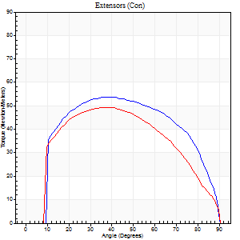
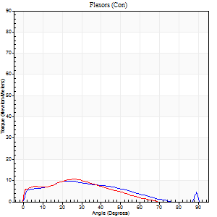
Right Side Curves Left Side Curves
Isokinetic Con/Con |  |  |  | Extensors (Con) |  | Flexors (Con)
Speed 120/120 d/s 3 Reps |  |  |  | Value | Cof Var | %BW | Value | Cof Var | %BW | Ratio

TORQUE PARAMETERS
Peak Torque (Newton-Meters - Best Repetition)
Right |  |  |  | 54 | 0.08 | 77 | 9 | 0.24 | 15 | 18
Left |  |  |  | 49 | 0.03 | 69 | 11 | 0.08 | 15 | 22
Deficit |  |  |  | 10 |  |  | 13
Work per Repetition (Newton-Meters - Best Repetition)
Right |  |  |  | 61 | 0.1 | 86 | 8 | 0.28 | 12 | 13
Left |  |  |  | 53 | 0.02 | 75 | 8 | 0.02 | 12 | 15
Deficit |  |  |  | 13 |  |  | 0
Average Power per Repetition (Watts - Best Repetition)
Right |  |  |  | 63 | 0.08 | 90 | 8 | 0.25 | 11 | 13
Left |  |  |  | 57 | 0.04 | 81 | 8 | 0.06 | 11 | 14
Deficit |  |  |  | 10 |  |  | 0
POSITION PARAMETERS
Joint Angle at Peak Torque (Degrees)
Right |  |  |  | 40 | 0.02 |  | 26 | 0.21
Left |  |  |  | 38 | 0.02 |  | 23 | 0.08
Range of Motion (Degrees)
Right |  |  |  | 0 | 0.28 |  | 90 | 0
Left |  |  |  | 0 | 0 |  | 90 | 0.01
TIME PARAMETERS
Time to Peak Torque (Seconds)
Right |  |  |  | 0.56 | 0.04 |  | 0.37 | 0.14
Left |  |  |  | 0.55 | 0.13 |  | 0.37 | 0.05
Time Peak Torque Held (Seconds)
Right |  |  |  | 0.04 | 0.35 |  | 0 | 1.73
Left |  |  |  | 0.05 | 0.89 |  | 0.04 | 0.16
Force Decay Time (Seconds)
Right |  |  |  | 0.37 | 0.06 |  | 0.58 | 0.16
Left |  |  |  | 0.35 | 0.15 |  | 0.56 | 0.03
Reciprocal Delay (Seconds)
Right |  |  |  | 0.19 | 0.04 |  | 0.19 | 0.34
Left |  |  |  | 0.1 | 0.28 |  | 0.24 | 0.11
Delay Time (Seconds)
Right |  |  |  | -0.09 | -0.07 |  | 0 | 70204980
Left |  |  |  | -0.02 | -0.85 |  | -0.06 | -0.29
HUMAC2015® Version: 15.000.0074 © Computer Sports Medicine, Inc. www.csmisolutions.com

Use File, Preference to set Report Heading
Long Form Torque vs. Position Report - Knee Extension/Flexion
Name: |  |  |  | TR030_FP3091, | ID: | TR030 | Right/Left: | 09.10.2023 09.10.2023
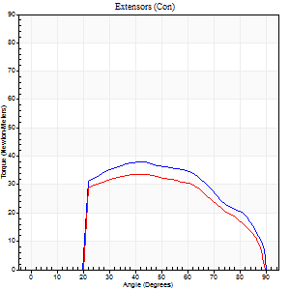
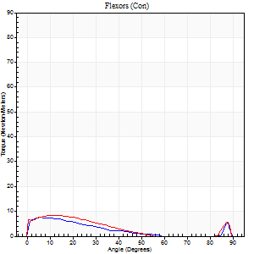
Right Side Curves Left Side Curves
Isokinetic Con/Con |  |  |  | Extensors (Con) |  | Flexors (Con)
Speed 240/240 d/s 3 Reps |  |  |  | Value | Cof Var | %BW | Value | Cof Var | %BW | Ratio

TORQUE PARAMETERS
Peak Torque (Newton-Meters - Best Repetition)
Right |  |  |  | 38 | 0.44 | 54 | 8 | 0.23 | 12 | 21
Left |  |  |  | 34 | 0.03 | 48 | 8 | 0.35 | 12 | 24
Deficit |  |  |  | 11 |  |  | 0
Work per Repetition (Newton-Meters - Best Repetition)
Right |  |  |  | 37 | 0.42 | 54 | 4 | 0.36 | 6 | 11
Left |  |  |  | 33 | 0.02 | 48 | 5 | 0.42 | 9 | 17
Deficit |  |  |  | 11 |  |  | 25
Average Power per Repetition (Watts - Best Repetition)
Right |  |  |  | 66 | 0.51 | 95 | 6 | 0.49 | 9 | 9
Left |  |  |  | 54 | 0.02 | 77 | 7 | 0.54 | 11 | 13
Deficit |  |  |  | 18 |  |  | 14
POSITION PARAMETERS
Joint Angle at Peak Torque (Degrees)
Right |  |  |  | 44 | 0.06 |  | 6 | 0.04
Left |  |  |  | 43 | 0.03 |  | 16 | 0.2
Range of Motion (Degrees)
Right |  |  |  | 1 | 0.79 |  | 90 | 0
Left |  |  |  | 1 | 0.79 |  | 89 | 0.01
TIME PARAMETERS
Time to Peak Torque (Seconds)
Right |  |  |  | 0.33 | 0.13 |  | 0.16 | 0.34
Left |  |  |  | 0.34 | 0.02 |  | 0.31 | 0.18
Time Peak Torque Held (Seconds)
Right |  |  |  | 0.01 | 0.87 |  | 0.01 | 0.87
Left |  |  |  | 0.01 | 1 |  | 0 | 0
Force Decay Time (Seconds)
Right |  |  |  | 0.25 | 0.12 |  | 0.68 | 0.21
Left |  |  |  | 0.24 | 0.07 |  | 0.53 | 0.15
Reciprocal Delay (Seconds)
Right |  |  |  | 0.1 | 0 |  | 0.18 | 0.61
Left |  |  |  | 0.08 | 0 |  | 0.14 | 0.59
Delay Time (Seconds)
Right |  |  |  | -0.05 | -0.28 |  | -0.04 | -0.58
Left |  |  |  | -0.03 | 0 |  | -0.05 | -0.54
HUMAC2015® Version: 15.000.0074 © Computer Sports Medicine, Inc. www.csmisolutions.com

Use File, Preference to set Report Heading
Isometric - Knee Extension/Flexion
Name: |  |  |  | TR030_FP3091, | ID: | TR030 | Right/Left: | 09.10.2023 09.10.2023

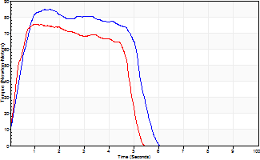
Isometric Extensors (Con) Angle 60 Time 10 Repetition 2 (Best Repetition)
 | Value | Cof Var | %BW
Peak Torque (Newton-Meters)
Right | 85 | 0.03 | 122
Left | 76 | 0.03 | 107
Deficit | 11
Average Torque (Newton-Meters)
Right | 39 | 0.13 | 57
Left | 34 | 0.03 | 48
Deficit | 14
Peak Torque Slope (Newton-Meters/Seconds)
Right | 64 | 0.13 | 92
Left | 73 | 0.03 | 105 |  | Right Side Curves Left Side Curves
Deficit | 12
Time to Half Peak Torque (Seconds)
Right | 0.36 | 0.08
Left | 0.26 | 0.16
Time to Peak Torque (Seconds)
Right | 1.41 | 0.16
Left | 1.02 | 0
HUMAC2015® Version: 15.000.0074 © Computer Sports Medicine, Inc. www.csmisolutions.com

mid1
Use File, Preference to set Report Heading
Long Form Torque vs. Position Report - Knee Extension/Flexion
Name: |  |  |  | TR030_FP3091, | ID: | TR030 | Right/Left: | 31.10.2023 31.10.2023
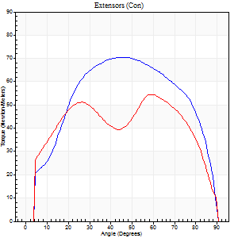
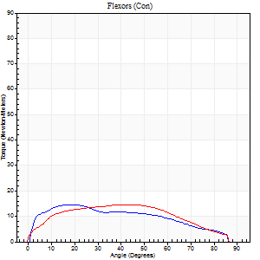
Right Side Curves Left Side Curves
Isokinetic Con/Con |  |  |  | Extensors (Con) |  | Flexors (Con)
Speed 60/60 d/s 3 Reps |  |  |  | Value | Cof Var | %BW | Value | Cof Var | %BW | Ratio

TORQUE PARAMETERS
Peak Torque (Newton-Meters - Best Repetition)
Right |  |  |  | 71 | 0.07 | 101 | 15 | 0.28 | 21 | 21
Left |  |  |  | 54 | 0.02 | 77 | 15 | 0.23 | 21 | 28
Deficit |  |  |  | 23 |  |  | 0
Work per Repetition (Newton-Meters - Best Repetition)
Right |  |  |  | 80 | 0.06 | 113 | 15 | 0.46 | 21 | 19
Left |  |  |  | 65 | 0.02 | 92 | 16 | 0.25 | 24 | 25
Deficit |  |  |  | 19 |  |  | 8
Average Power per Repetition (Watts - Best Repetition)
Right |  |  |  | 51 | 0.06 | 73 | 9 | 0.48 | 13 | 18
Left |  |  |  | 42 | 0.03 | 59 | 9 | 0.22 | 13 | 21
Deficit |  |  |  | 18 |  |  | 0
POSITION PARAMETERS
Joint Angle at Peak Torque (Degrees)
Right |  |  |  | 46 | 0.04 |  | 18 | 0.34
Left |  |  |  | 43 | 0.31 |  | 36 | 0.14
Range of Motion (Degrees)
Right |  |  |  | 0 | 0 |  | 90 | 0
Left |  |  |  | 0 | 1.41 |  | 90 | 0
TIME PARAMETERS
Time to Peak Torque (Seconds)
Right |  |  |  | 0.79 | 0.04 |  | 0.37 | 0.46
Left |  |  |  | 0.92 | 0.05 |  | 0.75 | 0.2
Time Peak Torque Held (Seconds)
Right |  |  |  | 0.09 | 0.38 |  | 0.04 | 1.1
Left |  |  |  | 0.05 | 0.4 |  | 0.1 | 0.95
Force Decay Time (Seconds)
Right |  |  |  | 0.7 | 0.03 |  | 1.22 | 0.11
Left |  |  |  | 0.72 | 0.34 |  | 0.78 | 0.2
Reciprocal Delay (Seconds)
Right |  |  |  | 0.49 | 0.95 |  | 0.34 | 0.57
Left |  |  |  | 0.14 | 0.2 |  | 0.43 | 0.31
Delay Time (Seconds)
Right |  |  |  | -0.05 | -0.57 |  | -0.02 | -2.84
Left |  |  |  | 0.03 | 1.41 |  | -0.07 | -0.67
HUMAC2015® Version: 15.000.0074 © Computer Sports Medicine, Inc. www.csmisolutions.com

Use File, Preference to set Report Heading
Long Form Torque vs. Position Report - Knee Extension/Flexion
Name: |  |  |  | TR030_FP3091, | ID: | TR030 | Right/Left: | 31.10.2023 31.10.2023
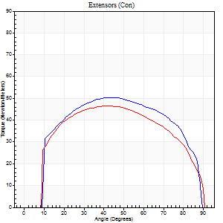
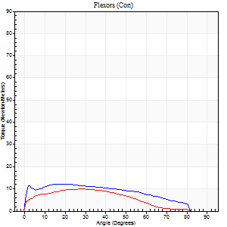
Right Side Curves Left Side Curves
Isokinetic Con/Con |  |  |  | Extensors (Con) |  | Flexors (Con)
Speed 120/120 d/s 3 Reps |  |  |  | Value | Cof Var | %BW | Value | Cof Var | %BW | Ratio

TORQUE PARAMETERS
Peak Torque (Newton-Meters - Best Repetition)
Right |  |  |  | 50 | 0.04 | 72 | 12 | 0.23 | 18 | 24
Left |  |  |  | 46 | 0.04 | 66 | 9 | 0.18 | 15 | 21
Deficit |  |  |  | 8 |  |  | 22
Work per Repetition (Newton-Meters - Best Repetition)
Right |  |  |  | 58 | 0.04 | 83 | 14 | 0.44 | 18 | 23
Left |  |  |  | 54 | 0.05 | 77 | 11 | 0.29 | 15 | 20
Deficit |  |  |  | 7 |  |  | 20
Average Power per Repetition (Watts - Best Repetition)
Right |  |  |  | 64 | 0.16 | 92 | 14 | 0.45 | 20 | 22
Left |  |  |  | 58 | 0.03 | 84 | 12 | 0.32 | 18 | 21
Deficit |  |  |  | 9 |  |  | 14
POSITION PARAMETERS
Joint Angle at Peak Torque (Degrees)
Right |  |  |  | 47 | 0.05 |  | 14 | 0.78
Left |  |  |  | 40 | 0.06 |  | 24 | 0.15
Range of Motion (Degrees)
Right |  |  |  | 0 | 0.47 |  | 90 | 0.01
Left |  |  |  | 0 | 0 |  | 89 | 0.01
TIME PARAMETERS
Time to Peak Torque (Seconds)
Right |  |  |  | 0.53 | 0.28 |  | 0.24 | 0.46
Left |  |  |  | 0.48 | 0.03 |  | 0.37 | 0.15
Time Peak Torque Held (Seconds)
Right |  |  |  | 0.06 | 0.17 |  | 0.04 | 0.93
Left |  |  |  | 0.05 | 0.87 |  | 0 | 0
Force Decay Time (Seconds)
Right |  |  |  | 0.42 | 0.07 |  | 0.66 | 0.18
Left |  |  |  | 0.36 | 0.11 |  | 0.58 | 0.06
Reciprocal Delay (Seconds)
Right |  |  |  | 0.32 | 0.13 |  | 0.5 | 0.12
Left |  |  |  | 0.08 | 0 |  | 0.24 | 0.09
Delay Time (Seconds)
Right |  |  |  | -0.14 | -1.21 |  | -0.05 | -0.35
Left |  |  |  | 0 | 0 |  | -0.06 | -0.37
HUMAC2015® Version: 15.000.0074 © Computer Sports Medicine, Inc. www.csmisolutions.com

Use File, Preference to set Report Heading
Long Form Torque vs. Position Report - Knee Extension/Flexion
Name: |  |  |  | TR030_FP3091, | ID: | TR030 | Right/Left: | 31.10.2023 31.10.2023
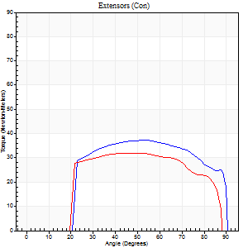
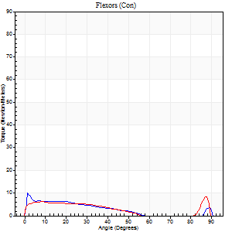
Right Side Curves Left Side Curves
Isokinetic Con/Con |  |  |  | Extensors (Con) |  | Flexors (Con)
Speed 240/240 d/s 3 Reps |  |  |  | Value | Cof Var | %BW | Value | Cof Var | %BW | Ratio

TORQUE PARAMETERS
Peak Torque (Newton-Meters - Best Repetition)
Right |  |  |  | 37 | 0.04 | 54 | 9 | 0.14 | 15 | 26
Left |  |  |  | 33 | 0.09 | 48 | 8 | 0.15 | 12 | 25
Deficit |  |  |  | 11 |  |  | 14
Work per Repetition (Newton-Meters - Best Repetition)
Right |  |  |  | 39 | 0.05 | 57 | 5 | 0.07 | 9 | 14
Left |  |  |  | 34 | 0.09 | 48 | 5 | 0.18 | 9 | 16
Deficit |  |  |  | 14 |  |  | 0
Average Power per Repetition (Watts - Best Repetition)
Right |  |  |  | 67 | 0.07 | 97 | 6 | 0.12 | 9 | 9
Left |  |  |  | 57 | 0.14 | 81 | 6 | 0.2 | 9 | 11
Deficit |  |  |  | 15 |  |  | 0
POSITION PARAMETERS
Joint Angle at Peak Torque (Degrees)
Right |  |  |  | 51 | 0.06 |  | 6 | 1.34
Left |  |  |  | 49 | 0.04 |  | 62 | 0.74
Range of Motion (Degrees)
Right |  |  |  | 0 | 0.47 |  | 90 | 0
Left |  |  |  | 0 | 0.47 |  | 89 | 0.01
TIME PARAMETERS
Time to Peak Torque (Seconds)
Right |  |  |  | 0.26 | 0.05 |  | 0.19 | 0.62
Left |  |  |  | 0.29 | 0.07 |  | 0.63 | 0.52
Time Peak Torque Held (Seconds)
Right |  |  |  | 0 | 0 |  | 0 | 0
Left |  |  |  | 0.02 | 0.5 |  | 0.03 | 1.73
Force Decay Time (Seconds)
Right |  |  |  | 0.3 | 0.12 |  | 0.65 | 0.1
Left |  |  |  | 0.28 | 0.05 |  | 0.16 | 1.47
Reciprocal Delay (Seconds)
Right |  |  |  | 0.38 | 0.17 |  | 0.29 | 0.45
Left |  |  |  | 0.09 | 0.25 |  | 0.21 | 0.41
Delay Time (Seconds)
Right |  |  |  | -0.05 | -0.16 |  | -0.07 | -0.43
Left |  |  |  | 0 | 9.9 |  | -0.07 | -0.34
HUMAC2015® Version: 15.000.0074 © Computer Sports Medicine, Inc. www.csmisolutions.com

Use File, Preference to set Report Heading
Isometric - Knee Extension/Flexion
Name: |  |  |  | TR030_FP3091, | ID: | TR030 | Right/Left: | 31.10.2023 31.10.2023

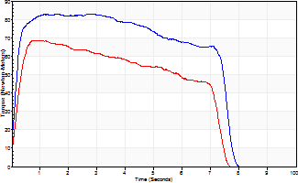
Isometric Extensors (Con) Angle 60 Time 10 Repetition 2 (Best Repetition)
 | Value | Cof Var | %BW
Peak Torque (Newton-Meters)
Right | 83 | 0.01 | 119
Left | 69 | 0.05 | 98
Deficit | 16
Average Torque (Newton-Meters)
Right | 56 | 0.09 | 80
Left | 41 | 0.01 | 57
Deficit | 27
Peak Torque Slope (Newton-Meters/Seconds)
Right | 77 | 0.31 | 111
Left | 89 | 0.42 | 127 |  | Right Side Curves Left Side Curves
Deficit | 13
Time to Half Peak Torque (Seconds)
Right | 0.14 | 0.1
Left | 0.16 | 0.3
Time to Peak Torque (Seconds)
Right | 1.35 | 0.32
Left | 1.03 | 0.37
HUMAC2015® Version: 15.000.0074 © Computer Sports Medicine, Inc. www.csmisolutions.com

mid2
Use File, Preference to set Report Heading
Long Form Torque vs. Position Report - Knee Extension/Flexion
Name: |  |  |  | TR030_FP3091, | ID: | TR030 | Right/Left: | 02.11.2023 02.11.2023
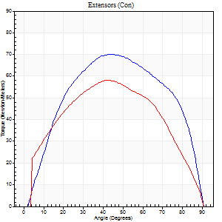
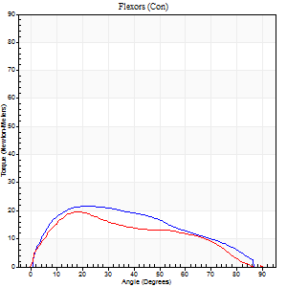
Right Side Curves Left Side Curves
Isokinetic Con/Con |  |  |  | Extensors (Con) |  | Flexors (Con)
Speed 60/60 d/s 3 Reps |  |  |  | Value | Cof Var | %BW | Value | Cof Var | %BW | Ratio

TORQUE PARAMETERS
Peak Torque (Newton-Meters - Best Repetition)
Right |  |  |  | 71 | 0.04 | 101 | 22 | 0.3 | 30 | 31
Left |  |  |  | 58 | 0.07 | 83 | 19 | 0.06 | 27 | 33
Deficit |  |  |  | 17 |  |  | 13
Work per Repetition (Newton-Meters - Best Repetition)
Right |  |  |  | 80 | 0.03 | 113 | 22 | 0.3 | 30 | 27
Left |  |  |  | 66 | 0.03 | 95 | 20 | 0.08 | 30 | 31
Deficit |  |  |  | 17 |  |  | 6
Average Power per Repetition (Watts - Best Repetition)
Right |  |  |  | 49 | 0.05 | 70 | 14 | 0.3 | 20 | 29
Left |  |  |  | 42 | 0.03 | 59 | 13 | 0.07 | 18 | 31
Deficit |  |  |  | 14 |  |  | 7
POSITION PARAMETERS
Joint Angle at Peak Torque (Degrees)
Right |  |  |  | 43 | 0.01 |  | 29 | 0.25
Left |  |  |  | 41 | 0.01 |  | 20 | 0.26
Range of Motion (Degrees)
Right |  |  |  | 0 | 1.41 |  | 90 | 0
Left |  |  |  | 0 | 0.47 |  | 90 | 0
TIME PARAMETERS
Time to Peak Torque (Seconds)
Right |  |  |  | 0.88 | 0.01 |  | 0.52 | 0.27
Left |  |  |  | 0.83 | 0.05 |  | 0.37 | 0.22
Time Peak Torque Held (Seconds)
Right |  |  |  | 0.01 | 0.43 |  | 0.07 | 1.15
Left |  |  |  | 0.03 | 0.67 |  | 0.02 | 1.73
Force Decay Time (Seconds)
Right |  |  |  | 0.74 | 0.03 |  | 0.97 | 0.09
Left |  |  |  | 0.69 | 0.04 |  | 1.14 | 0.14
Reciprocal Delay (Seconds)
Right |  |  |  | 0.18 | 0.24 |  | 0.23 | 0.62
Left |  |  |  | 0.14 | 0.47 |  | 0.2 | 0.08
Delay Time (Seconds)
Right |  |  |  | -0.08 | -0.18 |  | -0.01 | -1.89
Left |  |  |  | 0 | 0 |  | -0.01 | -0.87
HUMAC2015® Version: 15.000.0074 © Computer Sports Medicine, Inc. www.csmisolutions.com

Use File, Preference to set Report Heading
Long Form Torque vs. Position Report - Knee Extension/Flexion
Name: |  |  |  | TR030_FP3091, | ID: | TR030 | Right/Left: | 02.11.2023 02.11.2023
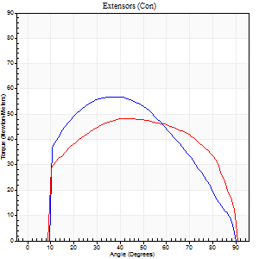
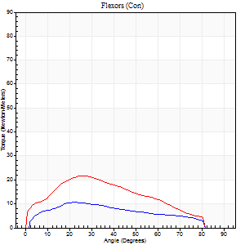
Right Side Curves Left Side Curves
Isokinetic Con/Con |  |  |  | Extensors (Con) |  | Flexors (Con)
Speed 120/120 d/s 3 Reps |  |  |  | Value | Cof Var | %BW | Value | Cof Var | %BW | Ratio

TORQUE PARAMETERS
Peak Torque (Newton-Meters - Best Repetition)
Right |  |  |  | 57 | 0.04 | 80 | 11 | 0.21 | 15 | 19
Left |  |  |  | 49 | 0.07 | 69 | 22 | 0.16 | 30 | 44
Deficit |  |  |  | 14 |  |  | 50
Work per Repetition (Newton-Meters - Best Repetition)
Right |  |  |  | 65 | 0.06 | 92 | 9 | 0.34 | 15 | 15
Left |  |  |  | 57 | 0.07 | 80 | 20 | 0.2 | 30 | 36
Deficit |  |  |  | 13 |  |  | 53
Average Power per Repetition (Watts - Best Repetition)
Right |  |  |  | 72 | 0.11 | 103 | 11 | 0.36 | 15 | 15
Left |  |  |  | 64 | 0.06 | 92 | 22 | 0.2 | 31 | 34
Deficit |  |  |  | 11 |  |  | 50
POSITION PARAMETERS
Joint Angle at Peak Torque (Degrees)
Right |  |  |  | 40 | 0.01 |  | 24 | 0.04
Left |  |  |  | 45 | 0.07 |  | 23 | 0.15
Range of Motion (Degrees)
Right |  |  |  | 0 | 0.24 |  | 90 | 0
Left |  |  |  | 0 | 0 |  | 89 | 0.01
TIME PARAMETERS
Time to Peak Torque (Seconds)
Right |  |  |  | 0.5 | 0.01 |  | 0.31 | 0.14
Left |  |  |  | 0.41 | 0.09 |  | 0.3 | 0.07
Time Peak Torque Held (Seconds)
Right |  |  |  | 0.04 | 0.57 |  | 0.01 | 1.73
Left |  |  |  | 0.05 | 0.6 |  | 0.03 | 0.22
Force Decay Time (Seconds)
Right |  |  |  | 0.34 | 0.16 |  | 0.59 | 0.03
Left |  |  |  | 0.39 | 0.05 |  | 0.55 | 0.05
Reciprocal Delay (Seconds)
Right |  |  |  | 0.12 | 0.17 |  | 0.12 | 0.28
Left |  |  |  | 0.08 | 0.28 |  | 0.15 | 0.21
Delay Time (Seconds)
Right |  |  |  | -0.05 | -0.28 |  | 0.02 | 0.89
Left |  |  |  | 0.01 | 1.41 |  | -0.03 | -0.46
HUMAC2015® Version: 15.000.0074 © Computer Sports Medicine, Inc. www.csmisolutions.com

Use File, Preference to set Report Heading
Long Form Torque vs. Position Report - Knee Extension/Flexion
Name: |  |  |  | TR030_FP3091, | ID: | TR030 | Right/Left: | 02.11.2023 02.11.2023
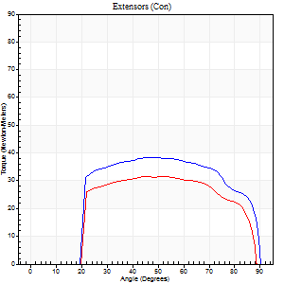
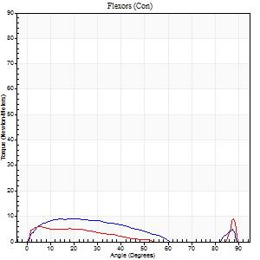
Right Side Curves Left Side Curves
Isokinetic Con/Con |  |  |  | Extensors (Con) |  | Flexors (Con)
Speed 240/240 d/s 3 Reps |  |  |  | Value | Cof Var | %BW | Value | Cof Var | %BW | Ratio

TORQUE PARAMETERS
Peak Torque (Newton-Meters - Best Repetition)
Right |  |  |  | 38 | 0.04 | 54 | 9 | 0.14 | 15 | 25
Left |  |  |  | 31 | 0.03 | 45 | 9 | 0.06 | 15 | 30
Deficit |  |  |  | 18 |  |  | 0
Work per Repetition (Newton-Meters - Best Repetition)
Right |  |  |  | 41 | 0.09 | 57 | 7 | 0.26 | 9 | 17
Left |  |  |  | 33 | 0.02 | 48 | 7 | 0.28 | 9 | 21
Deficit |  |  |  | 20 |  |  | 0
Average Power per Repetition (Watts - Best Repetition)
Right |  |  |  | 67 | 0.09 | 97 | 10 | 0.29 | 13 | 15
Left |  |  |  | 55 | 0.03 | 79 | 9 | 0.31 | 13 | 16
Deficit |  |  |  | 18 |  |  | 10
POSITION PARAMETERS
Joint Angle at Peak Torque (Degrees)
Right |  |  |  | 46 | 0.04 |  | 15 | 0.28
Left |  |  |  | 50 | 0.09 |  | 41 | 1
Range of Motion (Degrees)
Right |  |  |  | 0 | 0 |  | 89 | 0.02
Left |  |  |  | 0 | 0.47 |  | 89 | 0.01
TIME PARAMETERS
Time to Peak Torque (Seconds)
Right |  |  |  | 0.31 | 0.02 |  | 0.26 | 0.07
Left |  |  |  | 0.29 | 0.1 |  | 0.44 | 0.56
Time Peak Torque Held (Seconds)
Right |  |  |  | 0.01 | 1.73 |  | 0.01 | 1.73
Left |  |  |  | 0.03 | 0.46 |  | 0.01 | 1.15
Force Decay Time (Seconds)
Right |  |  |  | 0.28 | 0.06 |  | 0.45 | 0.14
Left |  |  |  | 0.26 | 0.08 |  | 0.26 | 0.8
Reciprocal Delay (Seconds)
Right |  |  |  | 0.09 | 0.22 |  | 0.15 | 0.26
Left |  |  |  | 0.09 | 0.42 |  | 0.17 | 0.51
Delay Time (Seconds)
Right |  |  |  | -0.05 | -0.28 |  | -0.03 | -0.62
Left |  |  |  | -0.02 | -1.41 |  | -0.05 | -0.35
HUMAC2015® Version: 15.000.0074 © Computer Sports Medicine, Inc. www.csmisolutions.com

Use File, Preference to set Report Heading
Isometric - Knee Extension/Flexion
Name: |  |  |  | TR030_FP3091, | ID: | TR030 | Right/Left: | 02.11.2023 02.11.2023

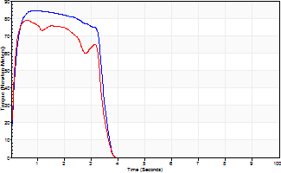
Isometric Extensors (Con) Angle 60 Time 10 Repetition 2 (Best Repetition)
 | Value | Cof Var | %BW
Peak Torque (Newton-Meters)
Right | 84 | 0 | 119
Left | 79 | 0.09 | 113
Deficit | 6
Average Torque (Newton-Meters)
Right | 30 | 0.09 | 42
Left | 26 | 0.06 | 36
Deficit | 14
Peak Torque Slope (Newton-Meters/Seconds)
Right | 107 | 0.15 | 153
Left | 123 | 0.1 | 176 |  | Right Side Curves Left Side Curves
Deficit | 13
Time to Half Peak Torque (Seconds)
Right | 0.11 | 0
Left | 0.14 | 0.47
Time to Peak Torque (Seconds)
Right | 0.87 | 0.15
Left | 0.63 | 0.01
HUMAC2015® Version: 15.000.0074 © Computer Sports Medicine, Inc. www.csmisolutions.com

post1
Use File, Preference to set Report Heading
Long Form Torque vs. Position Report - Knee Extension/Flexion
Name: |  |  |  | TR030_FP3091, | ID: | TR030 | Right/Left: | 21.11.2023 21.11.2023
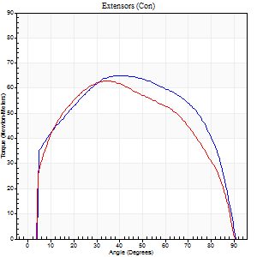
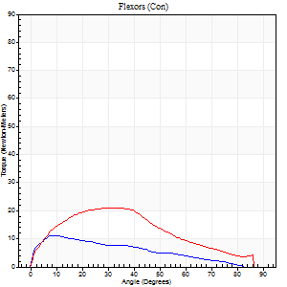
Right Side Curves Left Side Curves
Isokinetic Con/Con |  |  |  | Extensors (Con) |  | Flexors (Con)
Speed 60/60 d/s 3 Reps |  |  |  | Value | Cof Var | %BW | Value | Cof Var | %BW | Ratio

TORQUE PARAMETERS
Peak Torque (Newton-Meters - Best Repetition)
Right |  |  |  | 65 | 0.05 | 92 | 11 | 0.29 | 15 | 17
Left |  |  |  | 62 | 0.12 | 89 | 20 | 0.42 | 30 | 33
Deficit |  |  |  | 4 |  |  | 47
Work per Repetition (Newton-Meters - Best Repetition)
Right |  |  |  | 79 | 0.04 | 113 | 9 | 0.25 | 15 | 12
Left |  |  |  | 72 | 0.07 | 101 | 19 | 0.3 | 27 | 26
Deficit |  |  |  | 9 |  |  | 50
Average Power per Repetition (Watts - Best Repetition)
Right |  |  |  | 46 | 0.08 | 66 | 5 | 0.28 | 7 | 11
Left |  |  |  | 45 | 0.06 | 64 | 12 | 0.31 | 18 | 27
Deficit |  |  |  | 2 |  |  | 58
POSITION PARAMETERS
Joint Angle at Peak Torque (Degrees)
Right |  |  |  | 43 | 0.09 |  | 12 | 0.35
Left |  |  |  | 36 | 0.05 |  | 33 | 0.59
Range of Motion (Degrees)
Right |  |  |  | 0 | 0 |  | 90 | 0
Left |  |  |  | 0 | -1.41 |  | 90 | 0.01
TIME PARAMETERS
Time to Peak Torque (Seconds)
Right |  |  |  | 0.88 | 0.09 |  | 0.33 | 0.32
Left |  |  |  | 0.88 | 0.01 |  | 0.65 | 0.53
Time Peak Torque Held (Seconds)
Right |  |  |  | 0.1 | 0.46 |  | 0.08 | 1.73
Left |  |  |  | 0.11 | 0.29 |  | 0 | 1.73
Force Decay Time (Seconds)
Right |  |  |  | 0.66 | 0.03 |  | 1.26 | 0.15
Left |  |  |  | 0.54 | 0.05 |  | 0.94 | 0.35
Reciprocal Delay (Seconds)
Right |  |  |  | 0.19 | 0.45 |  | 0.62 | 0.16
Left |  |  |  | 0.12 | 0.4 |  | 0.35 | 0.31
Delay Time (Seconds)
Right |  |  |  | -0.11 | -1.03 |  | -0.06 | -0.41
Left |  |  |  | 0.01 | 1.41 |  | -0.05 | -0.45
HUMAC2015® Version: 15.000.0074 © Computer Sports Medicine, Inc. www.csmisolutions.com

Use File, Preference to set Report Heading
Long Form Torque vs. Position Report - Knee Extension/Flexion
Name: |  |  |  | TR030_FP3091, | ID: | TR030 | Right/Left: | 21.11.2023 21.11.2023
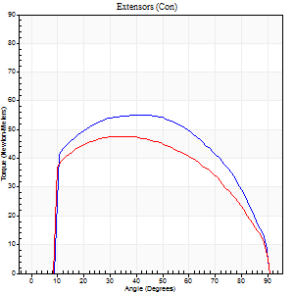
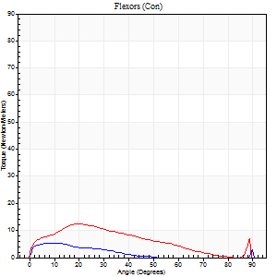
Right Side Curves Left Side Curves
Isokinetic Con/Con |  |  |  | Extensors (Con) |  | Flexors (Con)
Speed 120/120 d/s 3 Reps |  |  |  | Value | Cof Var | %BW | Value | Cof Var | %BW | Ratio

TORQUE PARAMETERS
Peak Torque (Newton-Meters - Best Repetition)
Right |  |  |  | 56 | 0.06 | 80 | 5 | 0.25 | 9 | 10
Left |  |  |  | 47 | 0.07 | 69 | 12 | 0.15 | 18 | 26
Deficit |  |  |  | 15 |  |  | 56
Work per Repetition (Newton-Meters - Best Repetition)
Right |  |  |  | 65 | 0.04 | 92 | 3 | 0.38 | 3 | 4
Left |  |  |  | 56 | 0.04 | 80 | 9 | 0.12 | 15 | 17
Deficit |  |  |  | 15 |  |  | 71
Average Power per Repetition (Watts - Best Repetition)
Right |  |  |  | 72 | 0.07 | 103 | 2 | 0.78 | 2 | 3
Left |  |  |  | 62 | 0.03 | 88 | 10 | 0.11 | 13 | 16
Deficit |  |  |  | 14 |  |  | 80
POSITION PARAMETERS
Joint Angle at Peak Torque (Degrees)
Right |  |  |  | 40 | 0.01 |  | 7 | 0.31
Left |  |  |  | 37 | 0.08 |  | 20 | 0.03
Range of Motion (Degrees)
Right |  |  |  | 0 | 0.47 |  | 90 | 0
Left |  |  |  | 0 | 0 |  | 90 | 0.01
TIME PARAMETERS
Time to Peak Torque (Seconds)
Right |  |  |  | 0.49 | 0.01 |  | 0.28 | 0.12
Left |  |  |  | 0.48 | 0 |  | 0.32 | 0.04
Time Peak Torque Held (Seconds)
Right |  |  |  | 0.02 | 0.5 |  | 0.02 | 1.73
Left |  |  |  | 0.08 | 0.33 |  | 0.02 | 1.38
Force Decay Time (Seconds)
Right |  |  |  | 0.38 | 0.03 |  | 2.5 | 1.12
Left |  |  |  | 0.31 | 0.04 |  | 0.58 | 0.1
Reciprocal Delay (Seconds)
Right |  |  |  | 0.19 | 0.34 |  | 0.33 | 0.31
Left |  |  |  | 0.11 | 0.18 |  | 0.23 | 0.11
Delay Time (Seconds)
Right |  |  |  | -0.03 | 0 |  | -0.06 | -0.67
Left |  |  |  | -0.01 | -1.41 |  | -0.05 | -0.2
HUMAC2015® Version: 15.000.0074 © Computer Sports Medicine, Inc. www.csmisolutions.com

Use File, Preference to set Report Heading
Long Form Torque vs. Position Report - Knee Extension/Flexion
Name: |  |  |  | TR030_FP3091, | ID: | TR030 | Right/Left: | 21.11.2023 21.11.2023
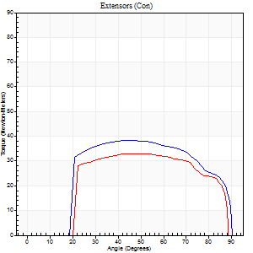
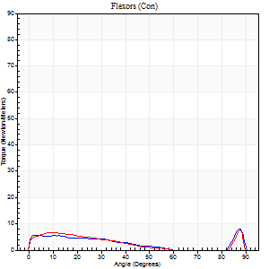
Right Side Curves Left Side Curves
Isokinetic Con/Con |  |  |  | Extensors (Con) |  | Flexors (Con)
Speed 240/240 d/s 3 Reps |  |  |  | Value | Cof Var | %BW | Value | Cof Var | %BW | Ratio

TORQUE PARAMETERS
Peak Torque (Newton-Meters - Best Repetition)
Right |  |  |  | 38 | 0.04 | 54 | 8 | 0.22 | 12 | 21
Left |  |  |  | 33 | 0.05 | 48 | 8 | 0.06 | 12 | 25
Deficit |  |  |  | 14 |  |  | 0
Work per Repetition (Newton-Meters - Best Repetition)
Right |  |  |  | 42 | 0.02 | 60 | 4 | 0.14 | 6 | 10
Left |  |  |  | 35 | 0.06 | 51 | 4 | 0.15 | 6 | 12
Deficit |  |  |  | 16 |  |  | 0
Average Power per Repetition (Watts - Best Repetition)
Right |  |  |  | 69 | 0.2 | 99 | 5 | 0.18 | 7 | 7
Left |  |  |  | 58 | 0.08 | 84 | 5 | 0.29 | 7 | 9
Deficit |  |  |  | 16 |  |  | 0
POSITION PARAMETERS
Joint Angle at Peak Torque (Degrees)
Right |  |  |  | 51 | 0.11 |  | 37 | 1.19
Left |  |  |  | 47 | 0.12 |  | 61 | 0.74
Range of Motion (Degrees)
Right |  |  |  | 0 | 0.71 |  | 90 | 0
Left |  |  |  | 0 | 0 |  | 90 | 0.01
TIME PARAMETERS
Time to Peak Torque (Seconds)
Right |  |  |  | 0.26 | 0 |  | 0.42 | 0.77
Left |  |  |  | 0.3 | 0.02 |  | 0.7 | 0.52
Time Peak Torque Held (Seconds)
Right |  |  |  | 0.04 | 0.25 |  | 0.05 | 0.92
Left |  |  |  | 0.01 | 1.73 |  | 0 | 0
Force Decay Time (Seconds)
Right |  |  |  | 0.26 | 0.17 |  | 0.39 | 0.72
Left |  |  |  | 0.29 | 0.02 |  | 0.26 | 1.08
Reciprocal Delay (Seconds)
Right |  |  |  | 0.18 | 0.08 |  | 0.25 | 0.67
Left |  |  |  | 0.11 | 0.18 |  | 0.31 | 0.3
Delay Time (Seconds)
Right |  |  |  | -0.05 | -0.16 |  | 0.01 | 21.23
Left |  |  |  | 0.03 | 2.36 |  | -0.1 | -0.11
HUMAC2015® Version: 15.000.0074 © Computer Sports Medicine, Inc. www.csmisolutions.com

Use File, Preference to set Report Heading
Isometric - Knee Extension/Flexion
Name: |  |  |  | TR030_FP3091, | ID: | TR030 | Right/Left: | 21.11.2023 21.11.2023

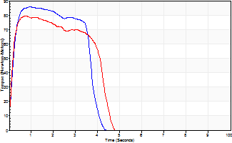
Isometric Extensors (Con) Angle 60 Time 10 Repetition 2 (Best Repetition)
 | Value | Cof Var | %BW
Peak Torque (Newton-Meters)
Right | 85 | 0 | 122
Left | 79 | 0.04 | 113
Deficit | 8
Average Torque (Newton-Meters)
Right | 31 | 0.05 | 45
Left | 30 | 0.11 | 42
Deficit | 4
Peak Torque Slope (Newton-Meters/Seconds)
Right | 94 | 0 | 134
Left | 107 | 0.67 | 153 |  | Right Side Curves Left Side Curves
Deficit | 12
Time to Half Peak Torque (Seconds)
Right | 0.16 | 0.05
Left | 0.14 | 0.24
Time to Peak Torque (Seconds)
Right | 0.9 | 0.01
Left | 1.35 | 0.65
HUMAC2015® Version: 15.000.0074 © Computer Sports Medicine, Inc. www.csmisolutions.com

post2
Use File, Preference to set Report Heading
Long Form Torque vs. Position Report - Knee Extension/Flexion
Name: |  |  |  | TR030_FP3091, | ID: | TR030 | Right/Left: | 23.11.2023 23.11.2023
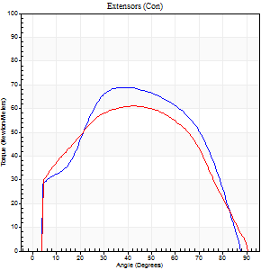
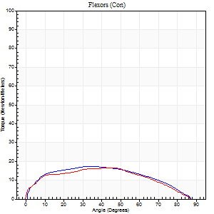
Right Side Curves Left Side Curves
Isokinetic Con/Con |  |  |  | Extensors (Con) |  | Flexors (Con)
Speed 60/60 d/s 3 Reps |  |  |  | Value | Cof Var | %BW | Value | Cof Var | %BW | Ratio

TORQUE PARAMETERS
Peak Torque (Newton-Meters - Best Repetition)
Right |  |  |  | 69 | 0.06 | 98 | 18 | 0.1 | 24 | 25
Left |  |  |  | 61 | 0.07 | 86 | 16 | 0.24 | 24 | 27
Deficit |  |  |  | 12 |  |  | 8
Work per Repetition (Newton-Meters - Best Repetition)
Right |  |  |  | 76 | 0.01 | 107 | 19 | 0.08 | 27 | 25
Left |  |  |  | 69 | 0.03 | 98 | 18 | 0.27 | 24 | 25
Deficit |  |  |  | 9 |  |  | 7
Average Power per Repetition (Watts - Best Repetition)
Right |  |  |  | 50 | 0.05 | 70 | 12 | 0.07 | 18 | 24
Left |  |  |  | 44 | 0.04 | 64 | 11 | 0.27 | 15 | 25
Deficit |  |  |  | 12 |  |  | 8
POSITION PARAMETERS
Joint Angle at Peak Torque (Degrees)
Right |  |  |  | 43 | 0.09 |  | 31 | 0.11
Left |  |  |  | 40 | 0.1 |  | 34 | 0.31
Range of Motion (Degrees)
Right |  |  |  | 0 | 1.41 |  | 87 | 0.02
Left |  |  |  | 0 | 0 |  | 90 | 0
TIME PARAMETERS
Time to Peak Torque (Seconds)
Right |  |  |  | 0.76 | 0.01 |  | 0.55 | 0.1
Left |  |  |  | 0.88 | 0.1 |  | 0.64 | 0.29
Time Peak Torque Held (Seconds)
Right |  |  |  | 0.06 | 0.5 |  | 0.1 | 1.07
Left |  |  |  | 0.07 | 0.38 |  | 0.12 | 1.31
Force Decay Time (Seconds)
Right |  |  |  | 0.69 | 0.08 |  | 0.85 | 0.13
Left |  |  |  | 0.64 | 0.06 |  | 0.82 | 0.12
Reciprocal Delay (Seconds)
Right |  |  |  | 0.07 | 0.2 |  | 0.25 | 0.22
Left |  |  |  | 0.14 | 0.68 |  | 0.32 | 0.07
Delay Time (Seconds)
Right |  |  |  | -0.04 | -0.2 |  | 0.01 | 3
Left |  |  |  | -0.02 | -0.28 |  | -0.03 | -0.57
HUMAC2015® Version: 15.000.0074 © Computer Sports Medicine, Inc. www.csmisolutions.com

Use File, Preference to set Report Heading
Long Form Torque vs. Position Report - Knee Extension/Flexion
Name: |  |  |  | TR030_FP3091, | ID: | TR030 | Right/Left: | 23.11.2023 23.11.2023
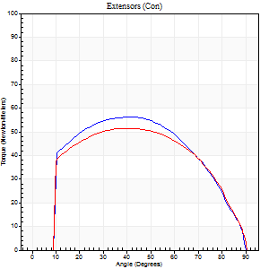
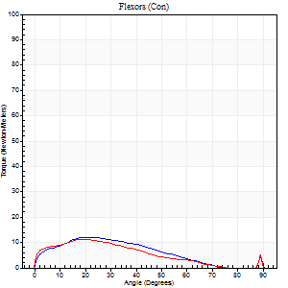
Right Side Curves Left Side Curves
Isokinetic Con/Con |  |  |  | Extensors (Con) |  | Flexors (Con)
Speed 120/120 d/s 3 Reps |  |  |  | Value | Cof Var | %BW | Value | Cof Var | %BW | Ratio

TORQUE PARAMETERS
Peak Torque (Newton-Meters - Best Repetition)
Right |  |  |  | 57 | 0.04 | 80 | 12 | 0.14 | 18 | 21
Left |  |  |  | 52 | 0.06 | 75 | 11 | 0.06 | 15 | 21
Deficit |  |  |  | 10 |  |  | 11
Work per Repetition (Newton-Meters - Best Repetition)
Right |  |  |  | 66 | 0.04 | 95 | 9 | 0.11 | 15 | 14
Left |  |  |  | 58 | 0.05 | 83 | 9 | 0.04 | 15 | 16
Deficit |  |  |  | 12 |  |  | 0
Average Power per Repetition (Watts - Best Repetition)
Right |  |  |  | 74 | 0.14 | 105 | 10 | 0.11 | 13 | 14
Left |  |  |  | 65 | 0.05 | 92 | 10 | 0.04 | 13 | 15
Deficit |  |  |  | 12 |  |  | 0
POSITION PARAMETERS
Joint Angle at Peak Torque (Degrees)
Right |  |  |  | 42 | 0.06 |  | 22 | 0.01
Left |  |  |  | 38 | 0.08 |  | 19 | 0.02
Range of Motion (Degrees)
Right |  |  |  | 0 | 0 |  | 90 | 0
Left |  |  |  | 0 | 0.47 |  | 90 | 0.01
TIME PARAMETERS
Time to Peak Torque (Seconds)
Right |  |  |  | 0.48 | 0.03 |  | 0.34 | 0.06
Left |  |  |  | 0.51 | 0.08 |  | 0.31 | 0.02
Time Peak Torque Held (Seconds)
Right |  |  |  | 0.03 | 1.48 |  | 0.03 | 0.94
Left |  |  |  | 0.06 | 0.44 |  | 0 | 0
Force Decay Time (Seconds)
Right |  |  |  | 0.38 | 0.09 |  | 0.59 | 0.03
Left |  |  |  | 0.32 | 0.07 |  | 0.61 | 0.02
Reciprocal Delay (Seconds)
Right |  |  |  | 0.15 | 0 |  | 0.31 | 0.12
Left |  |  |  | 0.09 | 0 |  | 0.25 | 0.12
Delay Time (Seconds)
Right |  |  |  | -0.05 | -0.16 |  | -0.04 | -0.42
Left |  |  |  | -0.01 | -0.47 |  | -0.05 | -0.11
HUMAC2015® Version: 15.000.0074 © Computer Sports Medicine, Inc. www.csmisolutions.com

Use File, Preference to set Report Heading
Long Form Torque vs. Position Report - Knee Extension/Flexion
Name: |  |  |  | TR030_FP3091, | ID: | TR030 | Right/Left: | 23.11.2023 23.11.2023
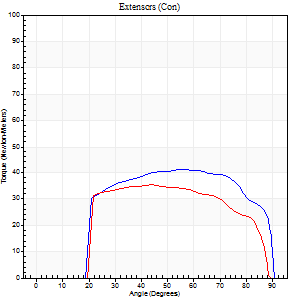
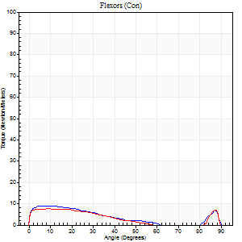
Right Side Curves Left Side Curves
Isokinetic Con/Con |  |  |  | Extensors (Con) |  | Flexors (Con)
Speed 240/240 d/s 3 Reps |  |  |  | Value | Cof Var | %BW | Value | Cof Var | %BW | Ratio

TORQUE PARAMETERS
Peak Torque (Newton-Meters - Best Repetition)
Right |  |  |  | 41 | 0.04 | 57 | 9 | 0.16 | 15 | 23
Left |  |  |  | 35 | 0.06 | 51 | 8 | 0.11 | 12 | 23
Deficit |  |  |  | 13 |  |  | 14
Work per Repetition (Newton-Meters - Best Repetition)
Right |  |  |  | 45 | 0.04 | 63 | 7 | 0.22 | 9 | 15
Left |  |  |  | 37 | 0.06 | 54 | 5 | 0.16 | 9 | 15
Deficit |  |  |  | 18 |  |  | 20
Average Power per Repetition (Watts - Best Repetition)
Right |  |  |  | 74 | 0.08 | 105 | 9 | 0.22 | 13 | 12
Left |  |  |  | 58 | 0.09 | 84 | 7 | 0.21 | 11 | 12
Deficit |  |  |  | 22 |  |  | 22
POSITION PARAMETERS
Joint Angle at Peak Torque (Degrees)
Right |  |  |  | 53 | 0.09 |  | 36 | 1.26
Left |  |  |  | 48 | 0.14 |  | 8 | 0.23
Range of Motion (Degrees)
Right |  |  |  | 0 | 1.41 |  | 90 | 0
Left |  |  |  | 0 | 0.28 |  | 89 | 0.01
TIME PARAMETERS
Time to Peak Torque (Seconds)
Right |  |  |  | 0.25 | 0.03 |  | 0.37 | 0.68
Left |  |  |  | 0.36 | 0.12 |  | 0.24 | 0.11
Time Peak Torque Held (Seconds)
Right |  |  |  | 0.02 | 0.87 |  | 0.02 | 0.87
Left |  |  |  | 0.01 | 0.87 |  | 0.05 | 0.8
Force Decay Time (Seconds)
Right |  |  |  | 0.3 | 0.07 |  | 0.35 | 0.67
Left |  |  |  | 0.28 | 0.07 |  | 0.5 | 0.11
Reciprocal Delay (Seconds)
Right |  |  |  | 0.16 | 0.04 |  | 0.26 | 0.11
Left |  |  |  | 0.09 | 0.22 |  | 0.21 | 0.24
Delay Time (Seconds)
Right |  |  |  | -0.04 | 0 |  | -0.04 | -0.13
Left |  |  |  | -0.03 | -0.47 |  | -0.08 | -0.2
HUMAC2015® Version: 15.000.0074 © Computer Sports Medicine, Inc. www.csmisolutions.com

Use File, Preference to set Report Heading
Isometric - Knee Extension/Flexion
Name: |  |  |  | TR030_FP3091, | ID: | TR030 | Right/Left: | 23.11.2023 23.11.2023

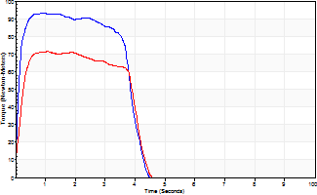
Isometric Extensors (Con) Angle 60 Time 10 Repetition 2 (Best Repetition)
 | Value | Cof Var | %BW
Peak Torque (Newton-Meters)
Right | 94 | 0.03 | 134
Left | 72 | 0.02 | 101
Deficit | 23
Average Torque (Newton-Meters)
Right | 34 | 0.08 | 48
Left | 26 | 0.03 | 36
Deficit | 24
Peak Torque Slope (Newton-Meters/Seconds)
Right | 99 | 0 | 141
Left | 66 | 0.26 | 94 |  | Right Side Curves Left Side Curves
Deficit | 33
Time to Half Peak Torque (Seconds)
Right | 0.12 | 0.28
Left | 0.16 | 0.04
Time to Peak Torque (Seconds)
Right | 0.91 | 0.03
Left | 1.29 | 0.24
HUMAC2015® Version: 15.000.0074 © Computer Sports Medicine, Inc. www.csmisolutions.com

