pre1
Use File, Preference to set Report Heading
Long Form Torque vs. Position Report - Knee Extension/Flexion
Name: |  |  |  | TR030_FP3092, | ID: | TR030 | Right/Left: | 21.09.2023 21.09.2023
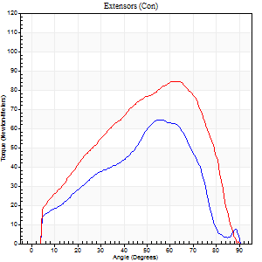
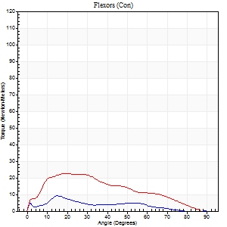
Right Side Curves Left Side Curves
Isokinetic Con/Con |  |  |  | Extensors (Con) |  | Flexors (Con)
Speed 60/60 d/s 3 Reps |  |  |  | Value | Cof Var | %BW | Value | Cof Var | %BW | Ratio

TORQUE PARAMETERS
Peak Torque (Newton-Meters - Best Repetition)
Right |  |  |  | 65 | 0.1 | 80 | 9 | 0.49 | 12 | 15
Left |  |  |  | 84 | 0.09 | 104 | 23 | 0.17 | 30 | 27
Deficit |  |  |  | 23 |  |  | 59
Work per Repetition (Newton-Meters - Best Repetition)
Right |  |  |  | 65 | 0.1 | 80 | 5 | 0.53 | 6 | 8
Left |  |  |  | 83 | 0.07 | 104 | 20 | 0.18 | 27 | 25
Deficit |  |  |  | 21 |  |  | 73
Average Power per Repetition (Watts - Best Repetition)
Right |  |  |  | 40 | 0.27 | 51 | 3 | 0.65 | 4 | 8
Left |  |  |  | 47 | 0.19 | 59 | 13 | 0.19 | 15 | 28
Deficit |  |  |  | 15 |  |  | 77
POSITION PARAMETERS
Joint Angle at Peak Torque (Degrees)
Right |  |  |  | 49 | 0.11 |  | 11 | 0.46
Left |  |  |  | 60 | 0.04 |  | 19 | 0.06
Range of Motion (Degrees)
Right |  |  |  | 0 | 1.41 |  | 88 | 0.02
Left |  |  |  | 0 | -1.41 |  | 90 | 0
TIME PARAMETERS
Time to Peak Torque (Seconds)
Right |  |  |  | 0.73 | 0.1 |  | 0.39 | 0.14
Left |  |  |  | 0.77 | 0.4 |  | 0.39 | 0.1
Time Peak Torque Held (Seconds)
Right |  |  |  | 0.07 | 0.83 |  | 0.01 | 1
Left |  |  |  | 0.05 | 0.12 |  | 0.01 | 1.73
Force Decay Time (Seconds)
Right |  |  |  | 0.79 | 0.18 |  | 1.87 | 0.38
Left |  |  |  | 1 | 0.04 |  | 1.2 | 0.01
Reciprocal Delay (Seconds)
Right |  |  |  | 0.23 | 0.55 |  | 1.42 | 0.4
Left |  |  |  | 0.42 | 0.67 |  | 1.08 | 0.79
Delay Time (Seconds)
Right |  |  |  | -0.06 | -0.33 |  | -0.12 | -0.99
Left |  |  |  | -0.03 | -0.47 |  | -0.03 | -0.67
HUMAC2015® Version: 15.000.0074 © Computer Sports Medicine, Inc. www.csmisolutions.com

Use File, Preference to set Report Heading
Long Form Torque vs. Position Report - Knee Extension/Flexion
Name: |  |  |  | TR030_FP3092, | ID: | TR030 | Right/Left: | 21.09.2023 21.09.2023
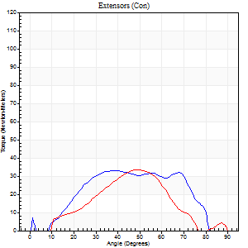
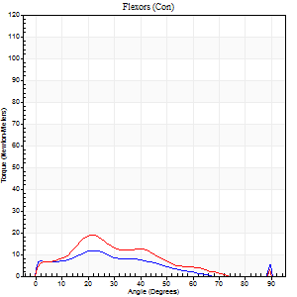
Right Side Curves Left Side Curves
Isokinetic Con/Con |  |  |  | Extensors (Con) |  | Flexors (Con)
Speed 120/120 d/s 3 Reps |  |  |  | Value | Cof Var | %BW | Value | Cof Var | %BW | Ratio

TORQUE PARAMETERS
Peak Torque (Newton-Meters - Best Repetition)
Right |  |  |  | 33 | 0.31 | 42 | 12 | 0.62 | 15 | 38
Left |  |  |  | 34 | 0.63 | 42 | 19 | 0.7 | 24 | 56
Deficit |  |  |  | 4 |  |  | 36
Work per Repetition (Newton-Meters - Best Repetition)
Right |  |  |  | 31 | 0.4 | 39 | 8 | 0.99 | 9 | 26
Left |  |  |  | 33 | 0.88 | 42 | 12 | 0.88 | 15 | 38
Deficit |  |  |  | 4 |  |  | 33
Average Power per Repetition (Watts - Best Repetition)
Right |  |  |  | 40 | 0.53 | 51 | 8 | 1.29 | 11 | 20
Left |  |  |  | 25 | 0.83 | 31 | 12 | 0.86 | 15 | 48
Deficit |  |  |  | 38 |  |  | 33
POSITION PARAMETERS
Joint Angle at Peak Torque (Degrees)
Right |  |  |  | 51 | 0.28 |  | 15 | 0.51
Left |  |  |  | 66 | 0.26 |  | 40 | 0.8
Range of Motion (Degrees)
Right |  |  |  | 1 | 0.92 |  | 87 | 0.06
Left |  |  |  | 30 | 1.41 |  | 88 | 0.05
TIME PARAMETERS
Time to Peak Torque (Seconds)
Right |  |  |  | 0.38 | 0.17 |  | 0.27 | 0.61
Left |  |  |  | 0.19 | 1.41 |  | 0.35 | 0.07
Time Peak Torque Held (Seconds)
Right |  |  |  | 0.02 | 0.87 |  | 0.74 | 1.7
Left |  |  |  | 0.01 | 0.87 |  | 0.01 | 1
Force Decay Time (Seconds)
Right |  |  |  | 0.51 | 0.34 |  | 0.72 | 0.66
Left |  |  |  | 0.66 | 0.24 |  | 0.5 | 0.38
Reciprocal Delay (Seconds)
Right |  |  |  | 0.25 | 0.08 |  | 0.61 | 0.27
Left |  |  |  | 0.1 | 0 |  | 0.37 | 0.61
Delay Time (Seconds)
Right |  |  |  | 0.09 | 1.91 |  | 0.11 | 2.8
Left |  |  |  | 0.06 | 2.72 |  | 0.24 | 2.27
HUMAC2015® Version: 15.000.0074 © Computer Sports Medicine, Inc. www.csmisolutions.com

Use File, Preference to set Report Heading
Long Form Torque vs. Position Report - Knee Extension/Flexion
Name: |  |  |  | TR030_FP3092, | ID: | TR030 | Right/Left: | 21.09.2023 21.09.2023
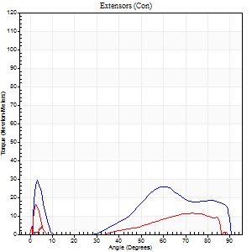
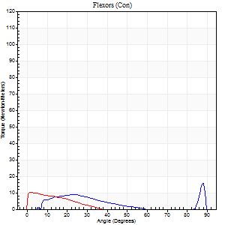
Right Side Curves Left Side Curves
Isokinetic Con/Con |  |  |  | Extensors (Con) |  | Flexors (Con)
Speed 240/240 d/s 3 Reps |  |  |  | Value | Cof Var | %BW | Value | Cof Var | %BW | Ratio

TORQUE PARAMETERS
Peak Torque (Newton-Meters - Best Repetition)
Right |  |  |  | 30 | 0.58 | 36 | 16 | 0.55 | 21 | 55
Left |  |  |  | 16 | 0.38 | 21 | 11 | 0.59 | 15 | 67
Deficit |  |  |  | 45 |  |  | 33
Work per Repetition (Newton-Meters - Best Repetition)
Right |  |  |  | 19 | 1.01 | 24 | 3 | 0.62 | 3 | 14
Left |  |  |  | 8 | 0.25 | 9 | 4 | 0.72 | 6 | 50
Deficit |  |  |  | 57 |  |  | 33
Average Power per Repetition (Watts - Best Repetition)
Right |  |  |  | 29 | 0.76 | 35 | 5 | 0.33 | 7 | 17
Left |  |  |  | 6 | 0.36 | 7 | 4 | 1.02 | 4 | 67
Deficit |  |  |  | 79 |  |  | 20
POSITION PARAMETERS
Joint Angle at Peak Torque (Degrees)
Right |  |  |  | 32 | 1.56 |  | 35 | 1.3
Left |  |  |  | 49 | 0.83 |  | 7 | 0.77
Range of Motion (Degrees)
Right |  |  |  | 2 | 0.05 |  | 90 | 0.01
Left |  |  |  | 0 | 1.41 |  | 89 | 0.01
TIME PARAMETERS
Time to Peak Torque (Seconds)
Right |  |  |  | 0.09 | 0.79 |  | 0.1 | 0.84
Left |  |  |  | 0.62 | 0.08 |  | 0.3 | 0.93
Time Peak Torque Held (Seconds)
Right |  |  |  | 0 | 0 |  | 0 | 0
Left |  |  |  | 0 | 0 |  | 0.01 | 1.73
Force Decay Time (Seconds)
Right |  |  |  | 0.26 | 1.53 |  | 0.49 | 0.84
Left |  |  |  | 0.89 | 0.35 |  | 1.05 | 0.2
Reciprocal Delay (Seconds)
Right |  |  |  | 0.07 | 0.4 |  | 0.05 | 0
Left |  |  |  | 0.51 | 0.89 |  | 0.86 | 0.77
Delay Time (Seconds)
Right |  |  |  | 0.15 | 1.89 |  | 0.3 | 1.24
Left |  |  |  | -0.03 | -18.86 |  | 0 | -85.77
HUMAC2015® Version: 15.000.0074 © Computer Sports Medicine, Inc. www.csmisolutions.com

Use File, Preference to set Report Heading
Isometric - Knee Extension/Flexion
Name: |  |  |  | TR030_FP3092, | ID: | TR030 | Right/Left: | 21.09.2023 21.09.2023

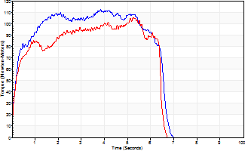
Isometric Extensors (Con) Angle 60 Time 10 Repetition 2 (Best Repetition)
 | Value | Cof Var | %BW
Peak Torque (Newton-Meters)
Right | 113 | 0.08 | 140
Left | 104 | 0.14 | 131
Deficit | 7
Average Torque (Newton-Meters)
Right | 65 | 0.07 | 80
Left | 57 | 0.13 | 72
Deficit | 13
Peak Torque Slope (Newton-Meters/Seconds)
Right | 42 | 0.25 | 52
Left | 26 | 0.17 | 32 |  | Right Side Curves Left Side Curves
Deficit | 38
Time to Half Peak Torque (Seconds)
Right | 0.22 | 0.03
Left | 0.17 | 0.12
Time to Peak Torque (Seconds)
Right | 3.11 | 0.33
Left | 4.3 | 0.31
HUMAC2015® Version: 15.000.0074 © Computer Sports Medicine, Inc. www.csmisolutions.com

pre2
Use File, Preference to set Report Heading
Long Form Torque vs. Position Report - Knee Extension/Flexion
Name: |  |  |  | TR030_FP3092, | ID: | TR030 | Right/Left: | 03.10.2023 03.10.2023
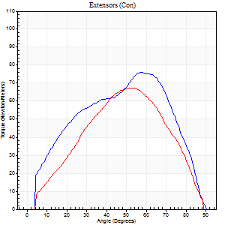
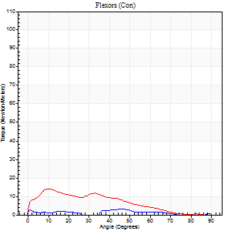
Right Side Curves Left Side Curves
Isokinetic Con/Con |  |  |  | Extensors (Con) |  | Flexors (Con)
Speed 60/60 d/s 3 Reps |  |  |  | Value | Cof Var | %BW | Value | Cof Var | %BW | Ratio

TORQUE PARAMETERS
Peak Torque (Newton-Meters - Best Repetition)
Right |  |  |  | 76 | 0.15 | 95 | 3 | 0.05 | 3 | 4
Left |  |  |  | 68 | 0.07 | 83 | 14 | 0.58 | 18 | 20
Deficit |  |  |  | 11 |  |  | 80
Work per Repetition (Newton-Meters - Best Repetition)
Right |  |  |  | 77 | 0.16 | 95 | 1 | 0.25 | 3 | 2
Left |  |  |  | 62 | 0.1 | 77 | 11 | 0.86 | 15 | 17
Deficit |  |  |  | 19 |  |  | 88
Average Power per Repetition (Watts - Best Repetition)
Right |  |  |  | 46 | 0.33 | 57 | 1 | 0.13 | 2 | 2
Left |  |  |  | 30 | 0.32 | 37 | 6 | 0.93 | 7 | 20
Deficit |  |  |  | 35 |  |  | 83
POSITION PARAMETERS
Joint Angle at Peak Torque (Degrees)
Right |  |  |  | 49 | 0.2 |  | 41 | 0.93
Left |  |  |  | 52 | 0.01 |  | 7 | 0.82
Range of Motion (Degrees)
Right |  |  |  | 0 | 1.41 |  | 89 | 0.02
Left |  |  |  | 0 | 0 |  | 90 | 0
TIME PARAMETERS
Time to Peak Torque (Seconds)
Right |  |  |  | 0.69 | 0 |  | 1.2 | 0.89
Left |  |  |  | 0.98 | 0.22 |  | 0.24 | 0.48
Time Peak Torque Held (Seconds)
Right |  |  |  | 0.04 | 0.9 |  | 0 | 0
Left |  |  |  | 0.05 | 0.69 |  | 0.01 | 1.73
Force Decay Time (Seconds)
Right |  |  |  | 0.82 | 0.24 |  | 1.06 | 0.69
Left |  |  |  | 0.87 | 0.05 |  | 1.58 | 0.13
Reciprocal Delay (Seconds)
Right |  |  |  | 0.2 | 0.21 |  | 0.87 | 0.45
Left |  |  |  | 0.36 | 0.71 |  | 1.18 | 0.54
Delay Time (Seconds)
Right |  |  |  | -0.04 | -2.12 |  | -0.07 | -0.29
Left |  |  |  | -0.11 | -0.13 |  | -0.08 | -0.33
HUMAC2015® Version: 15.000.0074 © Computer Sports Medicine, Inc. www.csmisolutions.com

Use File, Preference to set Report Heading
Long Form Torque vs. Position Report - Knee Extension/Flexion
Name: |  |  |  | TR030_FP3092, | ID: | TR030 | Right/Left: | 03.10.2023 03.10.2023
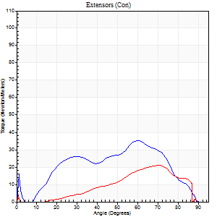
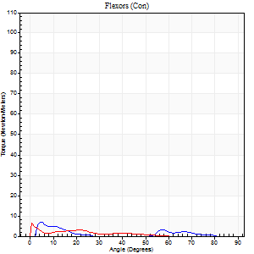
Right Side Curves Left Side Curves
Isokinetic Con/Con |  |  |  | Extensors (Con) |  | Flexors (Con)
Speed 120/120 d/s 3 Reps |  |  |  | Value | Cof Var | %BW | Value | Cof Var | %BW | Ratio

TORQUE PARAMETERS
Peak Torque (Newton-Meters - Best Repetition)
Right |  |  |  | 35 | 0.1 | 45 | 7 | 0.16 | 9 | 19
Left |  |  |  | 20 | 0.26 | 27 | 9 | 0.38 | 12 | 47
Deficit |  |  |  | 42 |  |  | 29
Work per Repetition (Newton-Meters - Best Repetition)
Right |  |  |  | 31 | 0.07 | 39 | 3 | 0.04 | 3 | 9
Left |  |  |  | 14 | 0.28 | 18 | 3 | 0.28 | 3 | 20
Deficit |  |  |  | 57 |  |  | 0
Average Power per Repetition (Watts - Best Repetition)
Right |  |  |  | 31 | 0.27 | 40 | 2 | 0.16 | 2 | 6
Left |  |  |  | 10 | 0.25 | 13 | 3 | 0.34 | 4 | 30
Deficit |  |  |  | 68 |  |  | 33
POSITION PARAMETERS
Joint Angle at Peak Torque (Degrees)
Right |  |  |  | 56 | 0.09 |  | 6 | 1.09
Left |  |  |  | 65 | 0.09 |  | 11 | 1.1
Range of Motion (Degrees)
Right |  |  |  | 1 | 0.42 |  | 90 | 0
Left |  |  |  | 0 | 0.66 |  | 89 | 0
TIME PARAMETERS
Time to Peak Torque (Seconds)
Right |  |  |  | 0.52 | 0.08 |  | 0.24 | 1.08
Left |  |  |  | 0.67 | 0.36 |  | 0.33 | 0.98
Time Peak Torque Held (Seconds)
Right |  |  |  | 0.01 | 1 |  | 0.01 | 1.73
Left |  |  |  | 0.01 | 0.87 |  | 0 | 0
Force Decay Time (Seconds)
Right |  |  |  | 0.56 | 0.24 |  | 1.08 | 0.17
Left |  |  |  | 0.62 | 0.13 |  | 0.92 | 0.27
Reciprocal Delay (Seconds)
Right |  |  |  | 0.42 | 0.83 |  | 0.62 | 0.88
Left |  |  |  | 0.14 | 0.16 |  | 0.27 | 0.69
Delay Time (Seconds)
Right |  |  |  | 0.04 | 6.01 |  | -0.07 | -1.67
Left |  |  |  | 0.06 | 2.12 |  | -0.05 | -1.92
HUMAC2015® Version: 15.000.0074 © Computer Sports Medicine, Inc. www.csmisolutions.com

Use File, Preference to set Report Heading
Long Form Torque vs. Position Report - Knee Extension/Flexion
Name: |  |  |  | TR030_FP3092, | ID: | TR030 | Right/Left: | 03.10.2023 03.10.2023
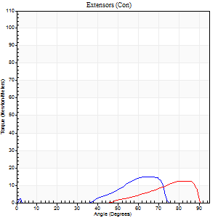
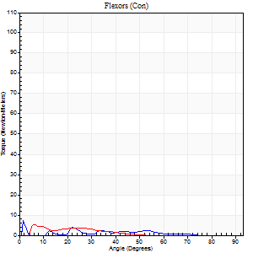
Right Side Curves Left Side Curves
Isokinetic Con/Con |  |  |  | Extensors (Con) |  | Flexors (Con)
Speed 240/240 d/s 3 Reps |  |  |  | Value | Cof Var | %BW | Value | Cof Var | %BW | Ratio

TORQUE PARAMETERS
Peak Torque (Newton-Meters - Best Repetition)
Right |  |  |  | 15 | 0.18 | 18 | 8 | 0.33 | 9 | 55
Left |  |  |  | 12 | 0.49 | 15 | 5 | 0.07 | 6 | 44
Deficit |  |  |  | 18 |  |  | 33
Work per Repetition (Newton-Meters - Best Repetition)
Right |  |  |  | 7 | 0.17 | 9 | 1 | 0.11 | 3 | 20
Left |  |  |  | 5 | 1.03 | 6 | 3 | 0.1 | 3 | 50
Deficit |  |  |  | 20 |  |  | 50
Average Power per Repetition (Watts - Best Repetition)
Right |  |  |  | 10 | 0.62 | 13 | 1 | 0.11 | 2 | 10
Left |  |  |  | 3 | 0.48 | 4 | 2 | 0.31 | 2 | 67
Deficit |  |  |  | 70 |  |  | 50
POSITION PARAMETERS
Joint Angle at Peak Torque (Degrees)
Right |  |  |  | 70 | 0.07 |  | 5 | 0.91
Left |  |  |  | 55 | 0.84 |  | 3 | 1.04
Range of Motion (Degrees)
Right |  |  |  | 1 | 0.2 |  | 83 | 0.09
Left |  |  |  | 3 | 0.91 |  | 88 | 0.03
TIME PARAMETERS
Time to Peak Torque (Seconds)
Right |  |  |  | 0.19 | 0.27 |  | 0.16 | 0.83
Left |  |  |  | 0.19 | 0.11 |  | 0.07 | 0.85
Time Peak Torque Held (Seconds)
Right |  |  |  | 0.02 | 0.92 |  | 0.01 | 1.73
Left |  |  |  | 0 | 0 |  | 0.01 | 1.73
Force Decay Time (Seconds)
Right |  |  |  | 0.45 | 0.25 |  | 1.15 | 0.16
Left |  |  |  | 0.54 | 0.97 |  | 1.26 | 0.3
Reciprocal Delay (Seconds)
Right |  |  |  | 0.15 | 0.38 |  | 0.19 | 1.15
Left |  |  |  | 0.12 | 0.06 |  | 0.1 | 0.36
Delay Time (Seconds)
Right |  |  |  | 0.03 | 0.94 |  | 0.08 | 3.54
Left |  |  |  | 0.37 | 0.41 |  | -0.06 | -0.27
HUMAC2015® Version: 15.000.0074 © Computer Sports Medicine, Inc. www.csmisolutions.com

Use File, Preference to set Report Heading
Isometric - Knee Extension/Flexion
Name: |  |  |  | TR030_FP3092, | ID: | TR030 | Right/Left: | 03.10.2023 03.10.2023

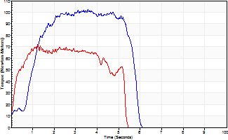
Isometric Extensors (Con) Angle 60 Time 10 Repetition 2 (Best Repetition)
 | Value | Cof Var | %BW
Peak Torque (Newton-Meters)
Right | 102 | 0.11 | 128
Left | 72 | 0.08 | 89
Deficit | 29
Average Torque (Newton-Meters)
Right | 46 | 0.06 | 57
Left | 31 | 0.01 | 39
Deficit | 32
Peak Torque Slope (Newton-Meters/Seconds)
Right | 29 | 0.16 | 36
Left | 58 | 0.46 | 72 |  | Right Side Curves Left Side Curves
Deficit | 50
Time to Half Peak Torque (Seconds)
Right | 0.67 | 0.71
Left | 0.22 | 0.26
Time to Peak Torque (Seconds)
Right | 3.69 | 0.05
Left | 1.71 | 0.39
HUMAC2015® Version: 15.000.0074 © Computer Sports Medicine, Inc. www.csmisolutions.com

