pre1
Use File, Preference to set Report Heading
Long Form Torque vs. Position Report - Knee Extension/Flexion
Name: |  |  |  | TR030_FP3093, | ID: | TR030 | Right/Left: | 26.09.2023 26.09.2023
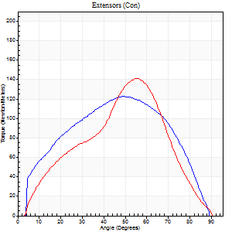
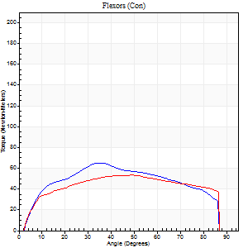
Right Side Curves Left Side Curves
Isokinetic Con/Con |  |  |  | Extensors (Con) |  | Flexors (Con)
Speed 60/60 d/s 3 Reps |  |  |  | Value | Cof Var | %BW | Value | Cof Var | %BW | Ratio

TORQUE PARAMETERS
Peak Torque (Newton-Meters - Best Repetition)
Right |  |  |  | 122 | 0.18 | 152 | 65 | 0.16 | 80 | 53
Left |  |  |  | 141 | 0.09 | 176 | 53 | 0.11 | 66 | 38
Deficit |  |  |  | 13 |  |  | 19
Work per Repetition (Newton-Meters - Best Repetition)
Right |  |  |  | 129 | 0.22 | 161 | 71 | 0.09 | 89 | 55
Left |  |  |  | 132 | 0.1 | 164 | 65 | 0.18 | 80 | 49
Deficit |  |  |  | 2 |  |  | 8
Average Power per Repetition (Watts - Best Repetition)
Right |  |  |  | 85 | 0.24 | 105 | 47 | 0.09 | 59 | 55
Left |  |  |  | 88 | 0.11 | 110 | 43 | 0.17 | 53 | 49
Deficit |  |  |  | 3 |  |  | 9
POSITION PARAMETERS
Joint Angle at Peak Torque (Degrees)
Right |  |  |  | 45 | 0.23 |  | 45 | 0.44
Left |  |  |  | 58 | 0.05 |  | 44 | 0.11
Range of Motion (Degrees)
Right |  |  |  | 1 | 0.26 |  | 90 | 0
Left |  |  |  | 1 | 1.22 |  | 90 | 0
TIME PARAMETERS
Time to Peak Torque (Seconds)
Right |  |  |  | 0.64 | 0.09 |  | 0.74 | 0.44
Left |  |  |  | 0.51 | 0.14 |  | 0.73 | 0.11
Time Peak Torque Held (Seconds)
Right |  |  |  | 0.05 | 0.43 |  | 0.04 | 1.04
Left |  |  |  | 0.05 | 0.12 |  | 0.06 | 0.93
Force Decay Time (Seconds)
Right |  |  |  | 0.71 | 0.21 |  | 0.71 | 0.5
Left |  |  |  | 0.91 | 0.08 |  | 0.7 | 0.11
Reciprocal Delay (Seconds)
Right |  |  |  | 0.14 | 0.3 |  | 0.15 | 0.46
Left |  |  |  | 0.13 | 0.58 |  | 0.1 | 0.69
Delay Time (Seconds)
Right |  |  |  | 0.02 | 0.71 |  | 0.02 | 0.87
Left |  |  |  | 0.06 | 1.41 |  | -0.02 | -1
HUMAC2015® Version: 15.000.0074 © Computer Sports Medicine, Inc. www.csmisolutions.com

Use File, Preference to set Report Heading
Long Form Torque vs. Position Report - Knee Extension/Flexion
Name: |  |  |  | TR030_FP3093, | ID: | TR030 | Right/Left: | 26.09.2023 26.09.2023
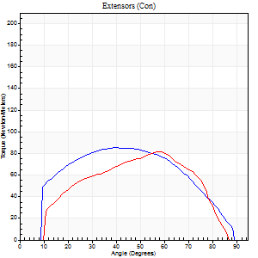
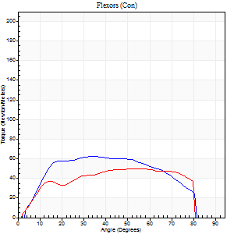
Right Side Curves Left Side Curves
Isokinetic Con/Con |  |  |  | Extensors (Con) |  | Flexors (Con)
Speed 120/120 d/s 3 Reps |  |  |  | Value | Cof Var | %BW | Value | Cof Var | %BW | Ratio

TORQUE PARAMETERS
Peak Torque (Newton-Meters - Best Repetition)
Right |  |  |  | 85 | 0.14 | 107 | 62 | 0.14 | 77 | 73
Left |  |  |  | 81 | 0.33 | 101 | 50 | 0.27 | 63 | 62
Deficit |  |  |  | 5 |  |  | 20
Work per Repetition (Newton-Meters - Best Repetition)
Right |  |  |  | 91 | 0.23 | 113 | 66 | 0.12 | 83 | 73
Left |  |  |  | 77 | 0.36 | 95 | 56 | 0.35 | 69 | 72
Deficit |  |  |  | 15 |  |  | 16
Average Power per Repetition (Watts - Best Repetition)
Right |  |  |  | 112 | 0.27 | 141 | 87 | 0.14 | 108 | 78
Left |  |  |  | 101 | 0.42 | 125 | 69 | 0.35 | 86 | 68
Deficit |  |  |  | 10 |  |  | 21
POSITION PARAMETERS
Joint Angle at Peak Torque (Degrees)
Right |  |  |  | 45 | 0.42 |  | 41 | 0.18
Left |  |  |  | 39 | 0.42 |  | 28 | 0.81
Range of Motion (Degrees)
Right |  |  |  | 1 | 0.47 |  | 89 | 0.01
Left |  |  |  | 1 | 0 |  | 89 | 0.01
TIME PARAMETERS
Time to Peak Torque (Seconds)
Right |  |  |  | 0.34 | 0.44 |  | 0.35 | 0.19
Left |  |  |  | 0.35 | 0.36 |  | 0.26 | 0.77
Time Peak Torque Held (Seconds)
Right |  |  |  | 0.06 | 0.83 |  | 0.02 | 0.25
Left |  |  |  | 0.02 | 0.5 |  | 0.02 | 0.92
Force Decay Time (Seconds)
Right |  |  |  | 0.34 | 0.39 |  | 0.41 | 0.13
Left |  |  |  | 0.32 | 0.44 |  | 0.52 | 0.4
Reciprocal Delay (Seconds)
Right |  |  |  | 0.05 | 0.28 |  | 0.09 | 0.29
Left |  |  |  | 0.06 | 0 |  | 0.06 | 0.18
Delay Time (Seconds)
Right |  |  |  | 0 | -1.41 |  | 0.02 | 0.65
Left |  |  |  | 0.05 | 0.16 |  | 0.01 | 0.87
HUMAC2015® Version: 15.000.0074 © Computer Sports Medicine, Inc. www.csmisolutions.com

Use File, Preference to set Report Heading
Long Form Torque vs. Position Report - Knee Extension/Flexion
Name: |  |  |  | TR030_FP3093, | ID: | TR030 | Right/Left: | 26.09.2023 26.09.2023
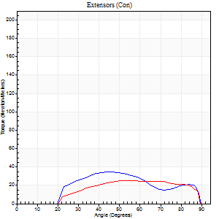
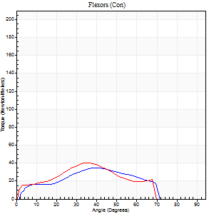
Right Side Curves Left Side Curves
Isokinetic Con/Con |  |  |  | Extensors (Con) |  | Flexors (Con)
Speed 240/240 d/s 3 Reps |  |  |  | Value | Cof Var | %BW | Value | Cof Var | %BW | Ratio

TORQUE PARAMETERS
Peak Torque (Newton-Meters - Best Repetition)
Right |  |  |  | 35 | 0.17 | 45 | 34 | 0.12 | 42 | 96
Left |  |  |  | 26 | 0.07 | 33 | 39 | 0.1 | 48 | 153
Deficit |  |  |  | 27 |  |  | 14
Work per Repetition (Newton-Meters - Best Repetition)
Right |  |  |  | 30 | 0.78 | 36 | 28 | 0.13 | 36 | 95
Left |  |  |  | 24 | 0.33 | 30 | 31 | 0.07 | 39 | 128
Deficit |  |  |  | 18 |  |  | 9
Average Power per Repetition (Watts - Best Repetition)
Right |  |  |  | 57 | 0.46 | 70 | 57 | 0.12 | 70 | 100
Left |  |  |  | 47 | 0.41 | 59 | 59 | 0.04 | 75 | 126
Deficit |  |  |  | 18 |  |  | 3
POSITION PARAMETERS
Joint Angle at Peak Torque (Degrees)
Right |  |  |  | 32 | 0.78 |  | 36 | 0.34
Left |  |  |  | 33 | 0.8 |  | 32 | 0.07
Range of Motion (Degrees)
Right |  |  |  | 1 | 0.07 |  | 89 | 0.01
Left |  |  |  | 1 | 0.19 |  | 89 | 0.01
TIME PARAMETERS
Time to Peak Torque (Seconds)
Right |  |  |  | 0.25 | 0.11 |  | 0.24 | 0.3
Left |  |  |  | 0.24 | 0.18 |  | 0.22 | 0.13
Time Peak Torque Held (Seconds)
Right |  |  |  | 0 | 1.73 |  | 0.02 | 1.32
Left |  |  |  | 0 | 1.73 |  | 0.01 | 0.87
Force Decay Time (Seconds)
Right |  |  |  | 0.17 | 0.72 |  | 0.25 | 0.21
Left |  |  |  | 0.18 | 0.73 |  | 0.27 | 0.02
Reciprocal Delay (Seconds)
Right |  |  |  | 0.05 | 0.28 |  | 0.07 | 0.14
Left |  |  |  | 0.05 | 0 |  | 0.06 | 0.27
Delay Time (Seconds)
Right |  |  |  | -0.01 | -0.47 |  | -0.01 | -1.73
Left |  |  |  | -0.01 | -0.47 |  | -0.02 | -0.5
HUMAC2015® Version: 15.000.0074 © Computer Sports Medicine, Inc. www.csmisolutions.com

Use File, Preference to set Report Heading
Isometric - Knee Extension/Flexion
Name: |  |  |  | TR030_FP3093, | ID: | TR030 | Right/Left: | 26.09.2023 26.09.2023

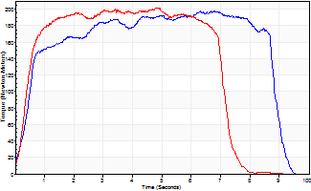
Isometric Extensors (Con) Angle 60 Time 10 Repetition 2 (Best Repetition)
 | Value | Cof Var | %BW
Peak Torque (Newton-Meters)
Right | 198 | 0.48 | 247
Left | 202 | 0.53 | 253
Deficit | 2
Average Torque (Newton-Meters)
Right | 153 | 0.43 | 191
Left | 130 | 0.43 | 164
Deficit | 15
Peak Torque Slope (Newton-Meters/Seconds)
Right | 29 | 0.51 | 36
Left | 42 | 0.41 | 52 |  | Right Side Curves Left Side Curves
Deficit | 30
Time to Half Peak Torque (Seconds)
Right | 0.43 | 0.22
Left | 0.36 | 0.12
Time to Peak Torque (Seconds)
Right | 6.9 | 0.03
Left | 4.4 | 0.13
HUMAC2015® Version: 15.000.0074 © Computer Sports Medicine, Inc. www.csmisolutions.com

pre2
Use File, Preference to set Report Heading
Long Form Torque vs. Position Report - Knee Extension/Flexion
Name: |  |  |  | TR030_FP3093, | ID: | TR030 | Right/Left: | 03.10.2023 03.10.2023
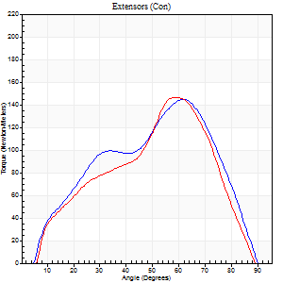
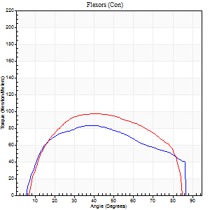
Right Side Curves Left Side Curves
Isokinetic Con/Con |  |  |  | Extensors (Con) |  | Flexors (Con)
Speed 60/60 d/s 3 Reps |  |  |  | Value | Cof Var | %BW | Value | Cof Var | %BW | Ratio

TORQUE PARAMETERS
Peak Torque (Newton-Meters - Best Repetition)
Right |  |  |  | 145 | 0.11 | 182 | 83 | 0.17 | 104 | 57
Left |  |  |  | 146 | 0.16 | 182 | 98 | 0.03 | 122 | 67
Deficit |  |  |  | 1 |  |  | 15
Work per Repetition (Newton-Meters - Best Repetition)
Right |  |  |  | 142 | 0.06 | 179 | 91 | 0.13 | 113 | 64
Left |  |  |  | 125 | 0.07 | 155 | 110 | 0.03 | 137 | 88
Deficit |  |  |  | 12 |  |  | 17
Average Power per Repetition (Watts - Best Repetition)
Right |  |  |  | 97 | 0.06 | 121 | 63 | 0.13 | 79 | 65
Left |  |  |  | 85 | 0.05 | 105 | 78 | 0.04 | 97 | 92
Deficit |  |  |  | 12 |  |  | 19
POSITION PARAMETERS
Joint Angle at Peak Torque (Degrees)
Right |  |  |  | 57 | 0.1 |  | 43 | 0.07
Left |  |  |  | 52 | 0.15 |  | 31 | 0.4
Range of Motion (Degrees)
Right |  |  |  | 1 | 0.15 |  | 90 | 0.01
Left |  |  |  | 2 | 0.82 |  | 88 | 0.04
TIME PARAMETERS
Time to Peak Torque (Seconds)
Right |  |  |  | 0.55 | 0.19 |  | 0.69 | 0.11
Left |  |  |  | 0.62 | 0.16 |  | 0.47 | 0.39
Time Peak Torque Held (Seconds)
Right |  |  |  | 0.05 | 0.39 |  | 0.04 | 0.5
Left |  |  |  | 0.03 | 0.17 |  | 0.07 | 0.14
Force Decay Time (Seconds)
Right |  |  |  | 0.88 | 0.1 |  | 0.72 | 0.11
Left |  |  |  | 0.8 | 0.15 |  | 0.89 | 0.3
Reciprocal Delay (Seconds)
Right |  |  |  | 0.07 | 0.2 |  | 0.06 | 0.17
Left |  |  |  | 0.08 | 0.53 |  | 0.06 | 0.1
Delay Time (Seconds)
Right |  |  |  | 0.04 | 0 |  | 0.01 | 1.15
Left |  |  |  | 0.03 | 0.94 |  | 0 | 0
HUMAC2015® Version: 15.000.0074 © Computer Sports Medicine, Inc. www.csmisolutions.com

Use File, Preference to set Report Heading
Long Form Torque vs. Position Report - Knee Extension/Flexion
Name: |  |  |  | TR030_FP3093, | ID: | TR030 | Right/Left: | 03.10.2023 03.10.2023
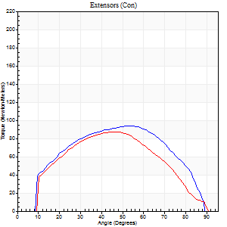
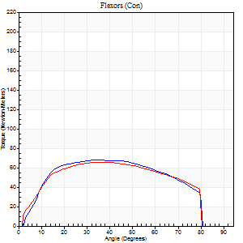
Right Side Curves Left Side Curves
Isokinetic Con/Con |  |  |  | Extensors (Con) |  | Flexors (Con)
Speed 120/120 d/s 3 Reps |  |  |  | Value | Cof Var | %BW | Value | Cof Var | %BW | Ratio

TORQUE PARAMETERS
Peak Torque (Newton-Meters - Best Repetition)
Right |  |  |  | 94 | 0.26 | 116 | 68 | 0.2 | 83 | 72
Left |  |  |  | 87 | 0.14 | 107 | 65 | 0.09 | 80 | 75
Deficit |  |  |  | 7 |  |  | 4
Work per Repetition (Newton-Meters - Best Repetition)
Right |  |  |  | 104 | 0.3 | 131 | 75 | 0.22 | 92 | 71
Left |  |  |  | 84 | 0.1 | 104 | 76 | 0.1 | 95 | 90
Deficit |  |  |  | 19 |  |  | 2
Average Power per Repetition (Watts - Best Repetition)
Right |  |  |  | 132 | 0.35 | 165 | 96 | 0.25 | 121 | 73
Left |  |  |  | 98 | 0.06 | 123 | 98 | 0.1 | 123 | 100
Deficit |  |  |  | 26 |  |  | 2
POSITION PARAMETERS
Joint Angle at Peak Torque (Degrees)
Right |  |  |  | 46 | 0.19 |  | 41 | 0.39
Left |  |  |  | 45 | 0.05 |  | 41 | 0.39
Range of Motion (Degrees)
Right |  |  |  | 1 | 0.04 |  | 90 | 0.01
Left |  |  |  | 1 | 0.17 |  | 90 | 0.01
TIME PARAMETERS
Time to Peak Torque (Seconds)
Right |  |  |  | 0.34 | 0.04 |  | 0.35 | 0.41
Left |  |  |  | 0.39 | 0.02 |  | 0.36 | 0.38
Time Peak Torque Held (Seconds)
Right |  |  |  | 0.01 | 0.43 |  | 0.05 | 0.12
Left |  |  |  | 0.03 | 0.17 |  | 0.07 | 0.69
Force Decay Time (Seconds)
Right |  |  |  | 0.39 | 0.18 |  | 0.37 | 0.33
Left |  |  |  | 0.36 | 0.03 |  | 0.34 | 0.31
Reciprocal Delay (Seconds)
Right |  |  |  | 0.05 | 0.28 |  | 0.07 | 0.09
Left |  |  |  | 0.08 | 0.09 |  | 0.06 | 0.17
Delay Time (Seconds)
Right |  |  |  | 0 | 0 |  | 0.02 | 0.5
Left |  |  |  | 0.02 | 0.71 |  | 0.01 | 0
HUMAC2015® Version: 15.000.0074 © Computer Sports Medicine, Inc. www.csmisolutions.com

Use File, Preference to set Report Heading
Long Form Torque vs. Position Report - Knee Extension/Flexion
Name: |  |  |  | TR030_FP3093, | ID: | TR030 | Right/Left: | 03.10.2023 03.10.2023
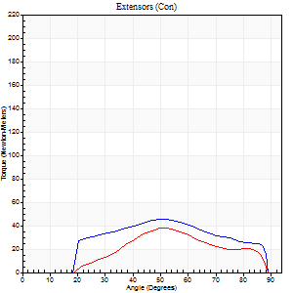
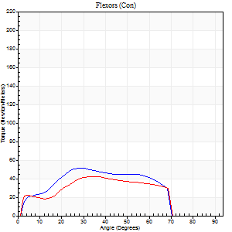
Right Side Curves Left Side Curves
Isokinetic Con/Con |  |  |  | Extensors (Con) |  | Flexors (Con)
Speed 240/240 d/s 3 Reps |  |  |  | Value | Cof Var | %BW | Value | Cof Var | %BW | Ratio

TORQUE PARAMETERS
Peak Torque (Newton-Meters - Best Repetition)
Right |  |  |  | 45 | 0.33 | 57 | 52 | 0.15 | 66 | 115
Left |  |  |  | 38 | 0.32 | 48 | 42 | 0.29 | 54 | 111
Deficit |  |  |  | 15 |  |  | 18
Work per Repetition (Newton-Meters - Best Repetition)
Right |  |  |  | 42 | 0.35 | 54 | 46 | 0.15 | 57 | 110
Left |  |  |  | 28 | 0.28 | 36 | 39 | 0.28 | 48 | 138
Deficit |  |  |  | 32 |  |  | 15
Average Power per Repetition (Watts - Best Repetition)
Right |  |  |  | 88 | 0.41 | 110 | 97 | 0.17 | 121 | 110
Left |  |  |  | 58 | 0.36 | 73 | 79 | 0.27 | 99 | 136
Deficit |  |  |  | 34 |  |  | 19
POSITION PARAMETERS
Joint Angle at Peak Torque (Degrees)
Right |  |  |  | 50 | 0.07 |  | 30 | 0.14
Left |  |  |  | 55 | 0.07 |  | 29 | 0.21
Range of Motion (Degrees)
Right |  |  |  | 2 | 0.09 |  | 89 | 0.01
Left |  |  |  | 2 | 0.07 |  | 89 | 0.01
TIME PARAMETERS
Time to Peak Torque (Seconds)
Right |  |  |  | 0.23 | 0.06 |  | 0.18 | 0.18
Left |  |  |  | 0.2 | 0.14 |  | 0.18 | 0.17
Time Peak Torque Held (Seconds)
Right |  |  |  | 0 | 0 |  | 0 | 1.73
Left |  |  |  | 0 | 1.73 |  | 0.01 | 0.43
Force Decay Time (Seconds)
Right |  |  |  | 0.25 | 0.06 |  | 0.29 | 0.09
Left |  |  |  | 0.26 | 0.08 |  | 0.28 | 0.07
Reciprocal Delay (Seconds)
Right |  |  |  | 0.03 | 0 |  | 0.04 | 0.16
Left |  |  |  | 0.04 | 0.35 |  | 0.04 | 0.16
Delay Time (Seconds)
Right |  |  |  | -0.01 | -0.47 |  | -0.01 | -1
Left |  |  |  | -0.01 | 0 |  | -0.02 | -0.35
HUMAC2015® Version: 15.000.0074 © Computer Sports Medicine, Inc. www.csmisolutions.com

Use File, Preference to set Report Heading
Isometric - Knee Extension/Flexion
Name: |  |  |  | TR030_FP3093, | ID: | TR030 | Right/Left: | 03.10.2023 03.10.2023

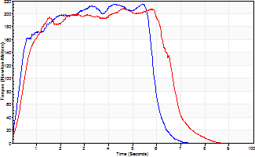
Isometric Extensors (Con) Angle 60 Time 10 Repetition 2 (Best Repetition)
 | Value | Cof Var | %BW
Peak Torque (Newton-Meters)
Right | 216 | 0 | 268
Left | 209 | 0.01 | 262
Deficit | 3
Average Torque (Newton-Meters)
Right | 132 | 0.11 | 164
Left | 122 | 0.06 | 152
Deficit | 7
Peak Torque Slope (Newton-Meters/Seconds)
Right | 51 | 0.31 | 64
Left | 51 | 0.09 | 64 |  | Right Side Curves Left Side Curves
Deficit | 1
Time to Half Peak Torque (Seconds)
Right | 0.41 | 0.22
Left | 0.45 | 0.2
Time to Peak Torque (Seconds)
Right | 5.37 | 0.31
Left | 4.32 | 0.1
HUMAC2015® Version: 15.000.0074 © Computer Sports Medicine, Inc. www.csmisolutions.com

mid1
Use File, Preference to set Report Heading
Long Form Torque vs. Position Report - Knee Extension/Flexion
Name: |  |  |  | TR030_FP3093, | ID: | TR030 | Right/Left: | 07.11.2023 07.11.2023
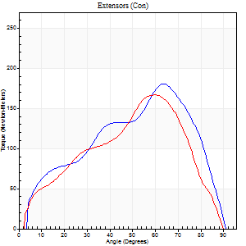
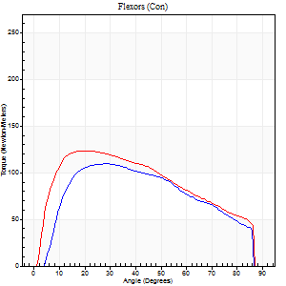
Right Side Curves Left Side Curves
Isokinetic Con/Con |  |  |  | Extensors (Con) |  | Flexors (Con)
Speed 60/60 d/s 3 Reps |  |  |  | Value | Cof Var | %BW | Value | Cof Var | %BW | Ratio

TORQUE PARAMETERS
Peak Torque (Newton-Meters - Best Repetition)
Right |  |  |  | 180 | 0.01 | 226 | 110 | 0.07 | 137 | 61
Left |  |  |  | 167 | 0.04 | 209 | 123 | 0.04 | 155 | 74
Deficit |  |  |  | 8 |  |  | 11
Work per Repetition (Newton-Meters - Best Repetition)
Right |  |  |  | 179 | 0.03 | 224 | 118 | 0.08 | 146 | 66
Left |  |  |  | 167 | 0.07 | 209 | 136 | 0.05 | 170 | 81
Deficit |  |  |  | 7 |  |  | 13
Average Power per Repetition (Watts - Best Repetition)
Right |  |  |  | 119 | 0.06 | 149 | 80 | 0.08 | 99 | 67
Left |  |  |  | 110 | 0.07 | 136 | 90 | 0.03 | 112 | 82
Deficit |  |  |  | 8 |  |  | 11
POSITION PARAMETERS
Joint Angle at Peak Torque (Degrees)
Right |  |  |  | 57 | 0.09 |  | 27 | 0.06
Left |  |  |  | 65 | 0.07 |  | 25 | 0.26
Range of Motion (Degrees)
Right |  |  |  | 1 | 0.06 |  | 90 | 0.01
Left |  |  |  | 0 | 0.71 |  | 90 | 0.01
TIME PARAMETERS
Time to Peak Torque (Seconds)
Right |  |  |  | 0.57 | 0.01 |  | 0.4 | 0.04
Left |  |  |  | 0.34 | 0.12 |  | 0.41 | 0.28
Time Peak Torque Held (Seconds)
Right |  |  |  | 0.03 | 0 |  | 0.05 | 0.92
Left |  |  |  | 0.04 | 0.57 |  | 0.07 | 0.42
Force Decay Time (Seconds)
Right |  |  |  | 0.93 | 0.1 |  | 1 | 0.03
Left |  |  |  | 1.06 | 0.09 |  | 1 | 0.13
Reciprocal Delay (Seconds)
Right |  |  |  | 0.07 | 0.4 |  | 0.07 | 0
Left |  |  |  | 0.06 | 0.33 |  | 0.09 | 0.62
Delay Time (Seconds)
Right |  |  |  | 0.02 | 0.28 |  | 0.05 | 0.66
Left |  |  |  | 0.02 | 0.85 |  | 0.01 | 2.29
HUMAC2015® Version: 15.000.0074 © Computer Sports Medicine, Inc. www.csmisolutions.com

Use File, Preference to set Report Heading
Long Form Torque vs. Position Report - Knee Extension/Flexion
Name: |  |  |  | TR030_FP3093, | ID: | TR030 | Right/Left: | 07.11.2023 07.11.2023
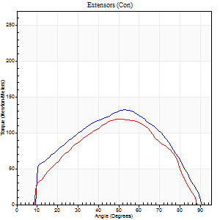
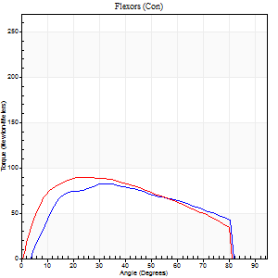
Right Side Curves Left Side Curves
Isokinetic Con/Con |  |  |  | Extensors (Con) |  | Flexors (Con)
Speed 120/120 d/s 3 Reps |  |  |  | Value | Cof Var | %BW | Value | Cof Var | %BW | Ratio

TORQUE PARAMETERS
Peak Torque (Newton-Meters - Best Repetition)
Right |  |  |  | 132 | 0.04 | 164 | 83 | 0.04 | 104 | 63
Left |  |  |  | 119 | 0.07 | 149 | 89 | 0.06 | 113 | 75
Deficit |  |  |  | 9 |  |  | 8
Work per Repetition (Newton-Meters - Best Repetition)
Right |  |  |  | 136 | 0.02 | 170 | 89 | 0.03 | 113 | 66
Left |  |  |  | 113 | 0.09 | 140 | 95 | 0.1 | 119 | 84
Deficit |  |  |  | 17 |  |  | 6
Average Power per Repetition (Watts - Best Repetition)
Right |  |  |  | 173 | 0.05 | 215 | 113 | 0.03 | 141 | 65
Left |  |  |  | 143 | 0.14 | 178 | 117 | 0.06 | 145 | 82
Deficit |  |  |  | 17 |  |  | 3
POSITION PARAMETERS
Joint Angle at Peak Torque (Degrees)
Right |  |  |  | 48 | 0.09 |  | 30 | 0.16
Left |  |  |  | 52 | 0.04 |  | 24 | 0.05
Range of Motion (Degrees)
Right |  |  |  | 1 | 0.07 |  | 89 | 0.01
Left |  |  |  | 1 | 0.11 |  | 89 | 0.01
TIME PARAMETERS
Time to Peak Torque (Seconds)
Right |  |  |  | 0.38 | 0.02 |  | 0.26 | 0.14
Left |  |  |  | 0.32 | 0.09 |  | 0.22 | 0.03
Time Peak Torque Held (Seconds)
Right |  |  |  | 0.03 | 0.35 |  | 0.03 | 0.67
Left |  |  |  | 0.03 | 0.22 |  | 0.03 | 0.46
Force Decay Time (Seconds)
Right |  |  |  | 0.38 | 0.11 |  | 0.48 | 0.09
Left |  |  |  | 0.43 | 0.05 |  | 0.52 | 0.03
Reciprocal Delay (Seconds)
Right |  |  |  | 0.04 | 0.47 |  | 0.06 | 0.17
Left |  |  |  | 0.05 | 0.13 |  | 0.05 | 0
Delay Time (Seconds)
Right |  |  |  | 0 | 1.41 |  | 0.02 | 1.08
Left |  |  |  | 0.02 | 0.71 |  | -0.01 | -0.87
HUMAC2015® Version: 15.000.0074 © Computer Sports Medicine, Inc. www.csmisolutions.com

Use File, Preference to set Report Heading
Long Form Torque vs. Position Report - Knee Extension/Flexion
Name: |  |  |  | TR030_FP3093, | ID: | TR030 | Right/Left: | 07.11.2023 07.11.2023
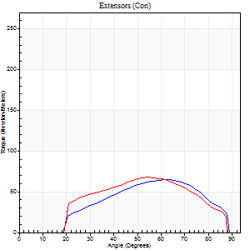
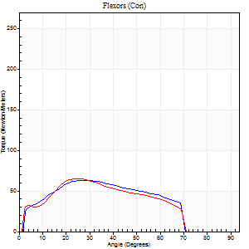
Right Side Curves Left Side Curves
Isokinetic Con/Con |  |  |  | Extensors (Con) |  | Flexors (Con)
Speed 240/240 d/s 3 Reps |  |  |  | Value | Cof Var | %BW | Value | Cof Var | %BW | Ratio

TORQUE PARAMETERS
Peak Torque (Newton-Meters - Best Repetition)
Right |  |  |  | 65 | 0.31 | 80 | 62 | 0.21 | 77 | 96
Left |  |  |  | 68 | 0.06 | 83 | 65 | 0.02 | 80 | 96
Deficit |  |  |  | 4 |  |  | 4
Work per Repetition (Newton-Meters - Best Repetition)
Right |  |  |  | 57 | 0.39 | 72 | 60 | 0.2 | 75 | 105
Left |  |  |  | 61 | 0.26 | 77 | 58 | 0.02 | 72 | 96
Deficit |  |  |  | 7 |  |  | 2
Average Power per Repetition (Watts - Best Repetition)
Right |  |  |  | 123 | 0.45 | 154 | 126 | 0.21 | 158 | 102
Left |  |  |  | 138 | 0.35 | 171 | 128 | 0.03 | 160 | 93
Deficit |  |  |  | 11 |  |  | 2
POSITION PARAMETERS
Joint Angle at Peak Torque (Degrees)
Right |  |  |  | 60 | 0.05 |  | 31 | 0.13
Left |  |  |  | 58 | 0.06 |  | 23 | 0.06
Range of Motion (Degrees)
Right |  |  |  | 2 | 0.1 |  | 89 | 0.01
Left |  |  |  | 2 | 0.04 |  | 89 | 0.02
TIME PARAMETERS
Time to Peak Torque (Seconds)
Right |  |  |  | 0.17 | 0.08 |  | 0.17 | 0.13
Left |  |  |  | 0.18 | 0.04 |  | 0.14 | 0.07
Time Peak Torque Held (Seconds)
Right |  |  |  | 0.01 | 0.87 |  | 0.01 | 0.43
Left |  |  |  | 0.01 | 0.87 |  | 0.01 | 0.87
Force Decay Time (Seconds)
Right |  |  |  | 0.28 | 0.04 |  | 0.27 | 0.06
Left |  |  |  | 0.27 | 0.06 |  | 0.31 | 0.05
Reciprocal Delay (Seconds)
Right |  |  |  | 0.03 | 0 |  | 0.04 | 0.16
Left |  |  |  | 0.03 | 0 |  | 0.03 | 0.17
Delay Time (Seconds)
Right |  |  |  | -0.01 | -0.47 |  | -0.02 | -0.35
Left |  |  |  | 0 | -1.41 |  | -0.02 | 0
HUMAC2015® Version: 15.000.0074 © Computer Sports Medicine, Inc. www.csmisolutions.com

Use File, Preference to set Report Heading
Isometric - Knee Extension/Flexion
Name: |  |  |  | TR030_FP3093, | ID: | TR030 | Right/Left: | 07.11.2023 07.11.2023

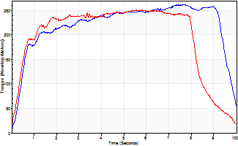
Isometric Extensors (Con) Angle 60 Time 10 Repetition 2 (Best Repetition)
 | Value | Cof Var | %BW
Peak Torque (Newton-Meters)
Right | 262 | 0.03 | 328
Left | 251 | 0.09 | 313
Deficit | 4
Average Torque (Newton-Meters)
Right | 218 | 0.07 | 271
Left | 195 | 0.15 | 244
Deficit | 11
Peak Torque Slope (Newton-Meters/Seconds)
Right | 35 | 0.01 | 43
Left | 45 | 0.01 | 57 |  | Right Side Curves Left Side Curves
Deficit | 24
Time to Half Peak Torque (Seconds)
Right | 0.5 | 0.04
Left | 0.4 | 0.11
Time to Peak Torque (Seconds)
Right | 7.44 | 0.04
Left | 5.23 | 0.08
HUMAC2015® Version: 15.000.0074 © Computer Sports Medicine, Inc. www.csmisolutions.com

mid2
Use File, Preference to set Report Heading
Long Form Torque vs. Position Report - Knee Extension/Flexion
Name: |  |  |  | TR030_FP3093, | ID: | TR030 | Right/Left: | 10.11.2023 10.11.2023
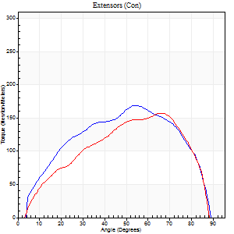
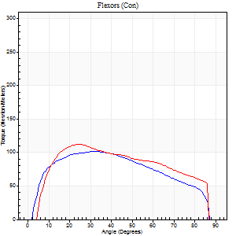
Right Side Curves Left Side Curves
Isokinetic Con/Con |  |  |  | Extensors (Con) |  | Flexors (Con)
Speed 60/60 d/s 3 Reps |  |  |  | Value | Cof Var | %BW | Value | Cof Var | %BW | Ratio

TORQUE PARAMETERS
Peak Torque (Newton-Meters - Best Repetition)
Right |  |  |  | 170 | 0.07 | 212 | 102 | 0.05 | 128 | 60
Left |  |  |  | 157 | 0.12 | 197 | 111 | 0.04 | 140 | 71
Deficit |  |  |  | 7 |  |  | 9
Work per Repetition (Newton-Meters - Best Repetition)
Right |  |  |  | 178 | 0.11 | 221 | 114 | 0.04 | 143 | 64
Left |  |  |  | 163 | 0.15 | 203 | 129 | 0.07 | 161 | 79
Deficit |  |  |  | 8 |  |  | 12
Average Power per Repetition (Watts - Best Repetition)
Right |  |  |  | 117 | 0.12 | 145 | 76 | 0.02 | 95 | 65
Left |  |  |  | 109 | 0.17 | 136 | 84 | 0.04 | 105 | 77
Deficit |  |  |  | 7 |  |  | 10
POSITION PARAMETERS
Joint Angle at Peak Torque (Degrees)
Right |  |  |  | 53 | 0.06 |  | 28 | 0.12
Left |  |  |  | 64 | 0.03 |  | 27 | 0.19
Range of Motion (Degrees)
Right |  |  |  | 1 | 0.06 |  | 90 | 0
Left |  |  |  | 2 | 0.98 |  | 90 | 0
TIME PARAMETERS
Time to Peak Torque (Seconds)
Right |  |  |  | 0.63 | 0.09 |  | 0.44 | 0.16
Left |  |  |  | 0.39 | 0.07 |  | 0.42 | 0.22
Time Peak Torque Held (Seconds)
Right |  |  |  | 0.03 | 0 |  | 0.1 | 0.22
Left |  |  |  | 0.03 | 0.17 |  | 0.06 | 0.33
Force Decay Time (Seconds)
Right |  |  |  | 0.88 | 0.08 |  | 0.92 | 0.03
Left |  |  |  | 1.01 | 0.03 |  | 1 | 0.09
Reciprocal Delay (Seconds)
Right |  |  |  | 0.06 | 0 |  | 0.11 | 0.55
Left |  |  |  | 0.16 | 0.05 |  | 0.06 | 0.2
Delay Time (Seconds)
Right |  |  |  | 0 | 0 |  | 0.04 | 0.25
Left |  |  |  | 0.04 | 0.2 |  | 0 | 7.55
HUMAC2015® Version: 15.000.0074 © Computer Sports Medicine, Inc. www.csmisolutions.com

Use File, Preference to set Report Heading
Long Form Torque vs. Position Report - Knee Extension/Flexion
Name: |  |  |  | TR030_FP3093, | ID: | TR030 | Right/Left: | 10.11.2023 10.11.2023
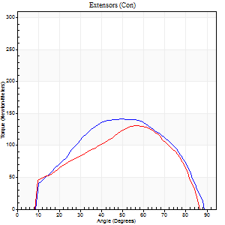
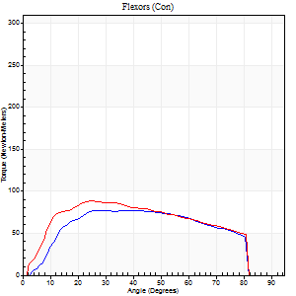
Right Side Curves Left Side Curves
Isokinetic Con/Con |  |  |  | Extensors (Con) |  | Flexors (Con)
Speed 120/120 d/s 3 Reps |  |  |  | Value | Cof Var | %BW | Value | Cof Var | %BW | Ratio

TORQUE PARAMETERS
Peak Torque (Newton-Meters - Best Repetition)
Right |  |  |  | 141 | 0.46 | 176 | 77 | 0.1 | 95 | 55
Left |  |  |  | 130 | 0.12 | 164 | 89 | 0.03 | 113 | 69
Deficit |  |  |  | 8 |  |  | 14
Work per Repetition (Newton-Meters - Best Repetition)
Right |  |  |  | 140 | 0.43 | 176 | 84 | 0.06 | 104 | 60
Left |  |  |  | 122 | 0.13 | 152 | 95 | 0.02 | 119 | 78
Deficit |  |  |  | 13 |  |  | 11
Average Power per Repetition (Watts - Best Repetition)
Right |  |  |  | 178 | 0.47 | 222 | 107 | 0.09 | 134 | 60
Left |  |  |  | 161 | 0.23 | 200 | 120 | 0.02 | 149 | 75
Deficit |  |  |  | 10 |  |  | 11
POSITION PARAMETERS
Joint Angle at Peak Torque (Degrees)
Right |  |  |  | 56 | 0.24 |  | 31 | 0.19
Left |  |  |  | 55 | 0.06 |  | 28 | 0.24
Range of Motion (Degrees)
Right |  |  |  | 1 | 0 |  | 90 | 0
Left |  |  |  | 1 | 0.38 |  | 89 | 0.01
TIME PARAMETERS
Time to Peak Torque (Seconds)
Right |  |  |  | 0.37 | 0.04 |  | 0.27 | 0.27
Left |  |  |  | 0.26 | 0.03 |  | 0.25 | 0.19
Time Peak Torque Held (Seconds)
Right |  |  |  | 0.02 | 0.65 |  | 0.06 | 1
Left |  |  |  | 0.02 | 0.5 |  | 0.01 | 0.43
Force Decay Time (Seconds)
Right |  |  |  | 0.47 | 0.32 |  | 0.45 | 0.13
Left |  |  |  | 0.47 | 0.08 |  | 0.51 | 0.1
Reciprocal Delay (Seconds)
Right |  |  |  | 0.08 | 0 |  | 0.08 | 0.5
Left |  |  |  | 0.06 | 0.47 |  | 0.09 | 0.48
Delay Time (Seconds)
Right |  |  |  | 0 | 0 |  | 0.03 | 1.05
Left |  |  |  | 0.03 | 0.47 |  | 0 | 3.46
HUMAC2015® Version: 15.000.0074 © Computer Sports Medicine, Inc. www.csmisolutions.com

Use File, Preference to set Report Heading
Long Form Torque vs. Position Report - Knee Extension/Flexion
Name: |  |  |  | TR030_FP3093, | ID: | TR030 | Right/Left: | 10.11.2023 10.11.2023
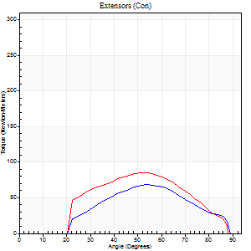
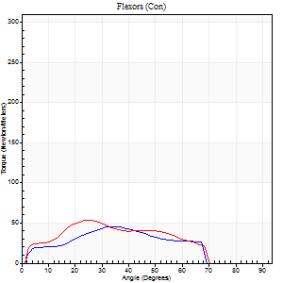
Right Side Curves Left Side Curves
Isokinetic Con/Con |  |  |  | Extensors (Con) |  | Flexors (Con)
Speed 240/240 d/s 3 Reps |  |  |  | Value | Cof Var | %BW | Value | Cof Var | %BW | Ratio

TORQUE PARAMETERS
Peak Torque (Newton-Meters - Best Repetition)
Right |  |  |  | 68 | 0.41 | 83 | 45 | 0.27 | 57 | 66
Left |  |  |  | 85 | 0.27 | 107 | 54 | 0.07 | 69 | 63
Deficit |  |  |  | 21 |  |  | 18
Work per Repetition (Newton-Meters - Best Repetition)
Right |  |  |  | 54 | 0.42 | 69 | 37 | 0.22 | 45 | 68
Left |  |  |  | 72 | 0.33 | 89 | 46 | 0.04 | 57 | 64
Deficit |  |  |  | 25 |  |  | 21
Average Power per Repetition (Watts - Best Repetition)
Right |  |  |  | 111 | 0.48 | 138 | 75 | 0.21 | 95 | 68
Left |  |  |  | 157 | 0.4 | 196 | 97 | 0.05 | 121 | 62
Deficit |  |  |  | 29 |  |  | 23
POSITION PARAMETERS
Joint Angle at Peak Torque (Degrees)
Right |  |  |  | 55 | 0.07 |  | 40 | 0.19
Left |  |  |  | 55 | 0.08 |  | 26 | 0.16
Range of Motion (Degrees)
Right |  |  |  | 2 | 0.08 |  | 89 | 0.01
Left |  |  |  | 2 | 0 |  | 89 | 0.01
TIME PARAMETERS
Time to Peak Torque (Seconds)
Right |  |  |  | 0.21 | 0 |  | 0.25 | 0.16
Left |  |  |  | 0.2 | 0 |  | 0.17 | 0.12
Time Peak Torque Held (Seconds)
Right |  |  |  | 0 | 1.73 |  | 0 | 1.73
Left |  |  |  | 0 | 1.73 |  | 0 | 1.73
Force Decay Time (Seconds)
Right |  |  |  | 0.27 | 0.04 |  | 0.23 | 0.2
Left |  |  |  | 0.26 | 0.06 |  | 0.3 | 0.06
Reciprocal Delay (Seconds)
Right |  |  |  | 0.05 | 0 |  | 0.05 | 0.12
Left |  |  |  | 0.04 | 0.2 |  | 0.04 | 0.16
Delay Time (Seconds)
Right |  |  |  | -0.01 | -0.47 |  | -0.02 | -0.35
Left |  |  |  | 0 | 0 |  | -0.02 | -0.35
HUMAC2015® Version: 15.000.0074 © Computer Sports Medicine, Inc. www.csmisolutions.com

Use File, Preference to set Report Heading
Isometric - Knee Extension/Flexion
Name: |  |  |  | TR030_FP3093, | ID: | TR030 | Right/Left: | 10.11.2023 10.11.2023

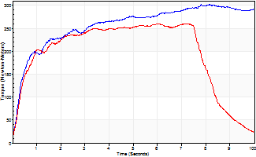
Isometric Extensors (Con) Angle 60 Time 10 Repetition 2 (Best Repetition)
 | Value | Cof Var | %BW
Peak Torque (Newton-Meters)
Right | 302 | 0.01 | 378
Left | 260 | 0.09 | 325
Deficit | 14
Average Torque (Newton-Meters)
Right | 256 | 0.09 | 319
Left | 195 | 0.07 | 244
Deficit | 24
Peak Torque Slope (Newton-Meters/Seconds)
Right | 37 | 0.13 | 46
Left | 36 | 0.06 | 45 |  | Right Side Curves Left Side Curves
Deficit | 2
Time to Half Peak Torque (Seconds)
Right | 0.99 | 0.75
Left | 0.49 | 0.22
Time to Peak Torque (Seconds)
Right | 8.87 | 0.12
Left | 7.06 | 0.03
HUMAC2015® Version: 15.000.0074 © Computer Sports Medicine, Inc. www.csmisolutions.com

