pre1
Use File, Preference to set Report Heading
Long Form Torque vs. Position Report - Knee Extension/Flexion
Name: |  |  |  | TR030_FP3094, | ID: | TR030 | Right/Left: | 31.10.2023 31.10.2023
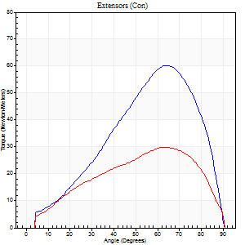
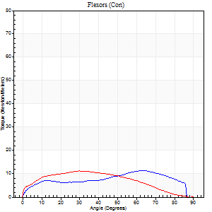
Right Side Curves Left Side Curves
Isokinetic Con/Con |  |  |  | Extensors (Con) |  | Flexors (Con)
Speed 60/60 d/s 3 Reps |  |  |  | Value | Cof Var | %BW | Value | Cof Var | %BW | Ratio

TORQUE PARAMETERS
Peak Torque (Newton-Meters - Best Repetition)
Right |  |  |  | 60 | 0.11 | 80 | 11 | 0.44 | 15 | 18
Left |  |  |  | 30 | 0.04 | 39 | 11 | 0.1 | 15 | 36
Deficit |  |  |  | 50 |  |  | 0
Work per Repetition (Newton-Meters - Best Repetition)
Right |  |  |  | 52 | 0.07 | 69 | 12 | 0.47 | 15 | 24
Left |  |  |  | 30 | 0.08 | 39 | 11 | 0.13 | 15 | 36
Deficit |  |  |  | 42 |  |  | 11
Average Power per Repetition (Watts - Best Repetition)
Right |  |  |  | 32 | 0.06 | 42 | 7 | 0.48 | 9 | 22
Left |  |  |  | 18 | 0.13 | 24 | 7 | 0.18 | 9 | 39
Deficit |  |  |  | 44 |  |  | 0
POSITION PARAMETERS
Joint Angle at Peak Torque (Degrees)
Right |  |  |  | 66 | 0.06 |  | 37 | 0.65
Left |  |  |  | 66 | 0.1 |  | 27 | 0.14
Range of Motion (Degrees)
Right |  |  |  | 0 | 0.2 |  | 90 | 0
Left |  |  |  | 0 | 0.57 |  | 90 | 0
TIME PARAMETERS
Time to Peak Torque (Seconds)
Right |  |  |  | 0.41 | 0.22 |  | 0.8 | 0.52
Left |  |  |  | 0.65 | 0.59 |  | 0.58 | 0.09
Time Peak Torque Held (Seconds)
Right |  |  |  | 0.03 | 0.87 |  | 0.04 | 1.73
Left |  |  |  | 0.04 | 0.87 |  | 0.04 | 1.73
Force Decay Time (Seconds)
Right |  |  |  | 1.14 | 0.08 |  | 0.88 | 0.43
Left |  |  |  | 1.1 | 0.08 |  | 1.08 | 0.22
Reciprocal Delay (Seconds)
Right |  |  |  | 0.39 | 0.05 |  | 0.44 | 0.43
Left |  |  |  | 0.47 | 0.93 |  | 0.18 | 0.34
Delay Time (Seconds)
Right |  |  |  | -0.02 | 0 |  | -0.08 | -0.62
Left |  |  |  | 0.88 | 2.09 |  | -0.07 | -0.34
HUMAC2015® Version: 15.000.0074 © Computer Sports Medicine, Inc. www.csmisolutions.com

Use File, Preference to set Report Heading
Long Form Torque vs. Position Report - Knee Extension/Flexion
Name: |  |  |  | TR030_FP3094, | ID: | TR030 | Right/Left: | 31.10.2023 31.10.2023
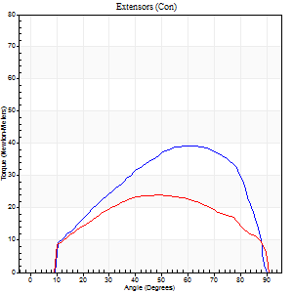
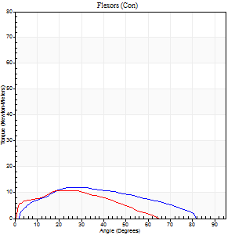
Right Side Curves Left Side Curves
Isokinetic Con/Con |  |  |  | Extensors (Con) |  | Flexors (Con)
Speed 120/120 d/s 3 Reps |  |  |  | Value | Cof Var | %BW | Value | Cof Var | %BW | Ratio

TORQUE PARAMETERS
Peak Torque (Newton-Meters - Best Repetition)
Right |  |  |  | 39 | 0.01 | 54 | 12 | 0.29 | 15 | 31
Left |  |  |  | 24 | 0.19 | 33 | 11 | 0.08 | 15 | 44
Deficit |  |  |  | 38 |  |  | 11
Work per Repetition (Newton-Meters - Best Repetition)
Right |  |  |  | 42 | 0.04 | 57 | 11 | 0.36 | 15 | 26
Left |  |  |  | 26 | 0.27 | 36 | 8 | 0.04 | 12 | 32
Deficit |  |  |  | 39 |  |  | 25
Average Power per Repetition (Watts - Best Repetition)
Right |  |  |  | 49 | 0.07 | 66 | 13 | 0.37 | 18 | 27
Left |  |  |  | 28 | 0.25 | 37 | 9 | 0.07 | 11 | 32
Deficit |  |  |  | 43 |  |  | 31
POSITION PARAMETERS
Joint Angle at Peak Torque (Degrees)
Right |  |  |  | 60 | 0.02 |  | 26 | 0.01
Left |  |  |  | 55 | 0.1 |  | 24 | 0.14
Range of Motion (Degrees)
Right |  |  |  | 1 | 0 |  | 90 | 0
Left |  |  |  | 1 | 0 |  | 90 | 0.01
TIME PARAMETERS
Time to Peak Torque (Seconds)
Right |  |  |  | 0.36 | 0.1 |  | 0.32 | 0.09
Left |  |  |  | 0.4 | 0.11 |  | 0.34 | 0.18
Time Peak Torque Held (Seconds)
Right |  |  |  | 0.03 | 0.94 |  | 0.04 | 0.9
Left |  |  |  | 0.03 | 0.94 |  | 0.07 | 0.35
Force Decay Time (Seconds)
Right |  |  |  | 0.48 | 0.05 |  | 0.53 | 0.02
Left |  |  |  | 0.47 | 0.11 |  | 0.51 | 0.01
Reciprocal Delay (Seconds)
Right |  |  |  | 0.12 | 0.24 |  | 0.1 | 0.26
Left |  |  |  | 0.11 | 0.06 |  | 0.11 | 0.52
Delay Time (Seconds)
Right |  |  |  | -0.04 | -0.47 |  | 0.03 | 0.87
Left |  |  |  | -0.01 | -0.47 |  | -0.04 | -0.35
HUMAC2015® Version: 15.000.0074 © Computer Sports Medicine, Inc. www.csmisolutions.com

Use File, Preference to set Report Heading
Long Form Torque vs. Position Report - Knee Extension/Flexion
Name: |  |  |  | TR030_FP3094, | ID: | TR030 | Right/Left: | 31.10.2023 31.10.2023
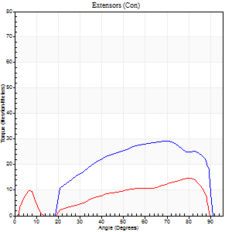
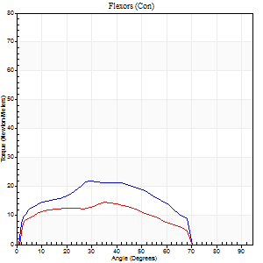
Right Side Curves Left Side Curves
Isokinetic Con/Con |  |  |  | Extensors (Con) |  | Flexors (Con)
Speed 240/240 d/s 3 Reps |  |  |  | Value | Cof Var | %BW | Value | Cof Var | %BW | Ratio

TORQUE PARAMETERS
Peak Torque (Newton-Meters - Best Repetition)
Right |  |  |  | 30 | 0.03 | 39 | 22 | 0.21 | 30 | 73
Left |  |  |  | 15 | 0.17 | 21 | 15 | 0.25 | 21 | 100
Deficit |  |  |  | 50 |  |  | 31
Work per Repetition (Newton-Meters - Best Repetition)
Right |  |  |  | 28 | 0.03 | 39 | 20 | 0.22 | 27 | 71
Left |  |  |  | 12 | 0.75 | 15 | 14 | 0.81 | 18 | 111
Deficit |  |  |  | 57 |  |  | 33
Average Power per Repetition (Watts - Best Repetition)
Right |  |  |  | 54 | 0.02 | 73 | 36 | 0.23 | 48 | 67
Left |  |  |  | 22 | 0.39 | 29 | 24 | 0.5 | 33 | 109
Deficit |  |  |  | 59 |  |  | 33
POSITION PARAMETERS
Joint Angle at Peak Torque (Degrees)
Right |  |  |  | 69 | 0.03 |  | 36 | 0.15
Left |  |  |  | 45 | 0.8 |  | 46 | 0.78
Range of Motion (Degrees)
Right |  |  |  | 1 | 0.03 |  | 90 | 0.01
Left |  |  |  | 1 | 0.22 |  | 90 | 0.01
TIME PARAMETERS
Time to Peak Torque (Seconds)
Right |  |  |  | 0.19 | 0.07 |  | 0.29 | 0.15
Left |  |  |  | 0.26 | 0.54 |  | 0.2 | 0.61
Time Peak Torque Held (Seconds)
Right |  |  |  | 0 | 1.73 |  | 0 | 0
Left |  |  |  | 0.01 | 1 |  | 0 | 1.73
Force Decay Time (Seconds)
Right |  |  |  | 0.33 | 0.03 |  | 0.27 | 0.13
Left |  |  |  | 0.23 | 0.72 |  | 0.22 | 0.79
Reciprocal Delay (Seconds)
Right |  |  |  | 0.06 | 0 |  | 0.06 | 0.17
Left |  |  |  | 0.08 | 0 |  | 0.06 | 0.09
Delay Time (Seconds)
Right |  |  |  | -0.04 | -0.2 |  | -0.03 | 0
Left |  |  |  | -0.03 | 0 |  | 0.13 | 2.25
HUMAC2015® Version: 15.000.0074 © Computer Sports Medicine, Inc. www.csmisolutions.com

Use File, Preference to set Report Heading
Isometric - Knee Extension/Flexion
Name: |  |  |  | TR030_FP3094, | ID: | TR030 | Right/Left: | 31.10.2023 31.10.2023

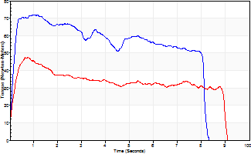
Isometric Extensors (Con) Angle 60 Time 10 Repetition 2 (Best Repetition)
 | Value | Cof Var | %BW
Peak Torque (Newton-Meters)
Right | 72 | 0.11 | 95
Left | 47 | 0.02 | 63
Deficit | 34
Average Torque (Newton-Meters)
Right | 49 | 0.01 | 66
Left | 31 | 0.12 | 42
Deficit | 36
Peak Torque Slope (Newton-Meters/Seconds)
Right | 114 | 0.32 | 152
Left | 68 | 0.05 | 91 |  | Right Side Curves Left Side Curves
Deficit | 40
Time to Half Peak Torque (Seconds)
Right | 0.11 | 0.06
Left | 0.13 | 0
Time to Peak Torque (Seconds)
Right | 0.76 | 0.43
Left | 0.7 | 0.07
HUMAC2015® Version: 15.000.0074 © Computer Sports Medicine, Inc. www.csmisolutions.com

pre2
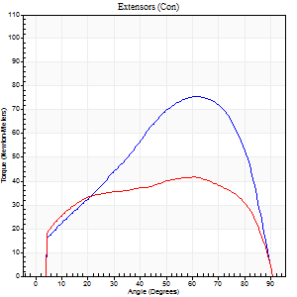
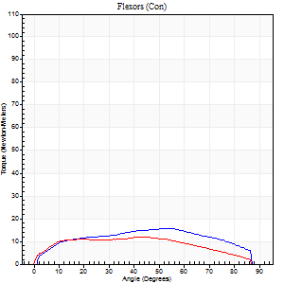
Use File, Preference to set Report Heading
Long Form Torque vs. Position Report - Knee Extension/Flexion
Name: |  |  |  | TR030_FP3076, | ID: | TR030 | Right/Left: | 02.10.2023 02.10.2023

Right Side Curves Left Side Curves
Isokinetic Con/Con |  |  |  | Extensors (Con) |  | Flexors (Con)
Speed 60/60 d/s 3 Reps |  |  |  | Value | Cof Var | %BW | Value | Cof Var | %BW | Ratio

TORQUE PARAMETERS
Peak Torque (Newton-Meters - Best Repetition)
Right |  |  |  | 76 | 0.05 | 95 | 16 | 0.41 | 21 | 21
Left |  |  |  | 42 | 0.05 | 54 | 12 | 0.16 | 15 | 29
Deficit |  |  |  | 45 |  |  | 25
Work per Repetition (Newton-Meters - Best Repetition)
Right |  |  |  | 76 | 0.07 | 95 | 18 | 0.49 | 21 | 23
Left |  |  |  | 50 | 0.06 | 63 | 14 | 0.21 | 18 | 27
Deficit |  |  |  | 34 |  |  | 23
Average Power per Repetition (Watts - Best Repetition)
Right |  |  |  | 47 | 0.08 | 59 | 11 | 0.5 | 13 | 23
Left |  |  |  | 32 | 0.05 | 40 | 8 | 0.21 | 11 | 25
Deficit |  |  |  | 32 |  |  | 27
POSITION PARAMETERS
Joint Angle at Peak Torque (Degrees)
Right |  |  |  | 59 | 0.07 |  | 36 | 0.45
Left |  |  |  | 57 | 0.1 |  | 33 | 0.25
Range of Motion (Degrees)
Right |  |  |  | 0 | 0 |  | 90 | 0
Left |  |  |  | 0 | 0.57 |  | 90 | 0
TIME PARAMETERS
Time to Peak Torque (Seconds)
Right |  |  |  | 0.61 | 0.05 |  | 0.65 | 0.37
Left |  |  |  | 0.61 | 0.18 |  | 0.64 | 0.2
Time Peak Torque Held (Seconds)
Right |  |  |  | 0.05 | 0.33 |  | 0.01 | 1.73
Left |  |  |  | 0.08 | 0.25 |  | 0.03 | 1.73
Force Decay Time (Seconds)
Right |  |  |  | 0.97 | 0.06 |  | 0.93 | 0.29
Left |  |  |  | 0.89 | 0.12 |  | 0.92 | 0.2
Reciprocal Delay (Seconds)
Right |  |  |  | 0.22 | 0.03 |  | 0.21 | 0.14
Left |  |  |  | 0.15 | 0.05 |  | 0.19 | 0.15
Delay Time (Seconds)
Right |  |  |  | -0.04 | -0.61 |  | 0.01 | 1.73
Left |  |  |  | 0.05 | 0.64 |  | -0.04 | -0.16
HUMAC2015® Version: 15.000.0074 © Computer Sports Medicine, Inc. www.csmisolutions.com

Use File, Preference to set Report Heading
Long Form Torque vs. Position Report - Knee Extension/Flexion
Name: |  |  |  | TR030_FP3076, | ID: | TR030 | Right/Left: | 02.10.2023 02.10.2023
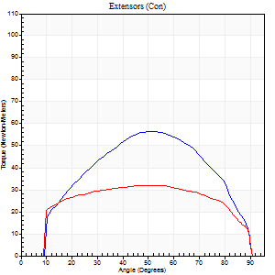
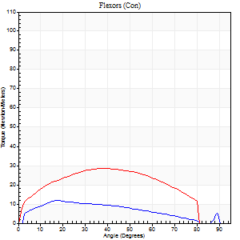
Right Side Curves Left Side Curves
Isokinetic Con/Con |  |  |  | Extensors (Con) |  | Flexors (Con)
Speed 120/120 d/s 3 Reps |  |  |  | Value | Cof Var | %BW | Value | Cof Var | %BW | Ratio

TORQUE PARAMETERS
Peak Torque (Newton-Meters - Best Repetition)
Right |  |  |  | 57 | 0.05 | 72 | 12 | 0.09 | 15 | 21
Left |  |  |  | 33 | 0.01 | 42 | 28 | 0.17 | 36 | 88
Deficit |  |  |  | 43 |  |  | 57
Work per Repetition (Newton-Meters - Best Repetition)
Right |  |  |  | 58 | 0.04 | 72 | 12 | 0.16 | 15 | 21
Left |  |  |  | 38 | 0.06 | 48 | 31 | 0.23 | 39 | 82
Deficit |  |  |  | 35 |  |  | 61
Average Power per Repetition (Watts - Best Repetition)
Right |  |  |  | 68 | 0.03 | 86 | 13 | 0.13 | 15 | 19
Left |  |  |  | 44 | 0.03 | 55 | 36 | 0.2 | 44 | 82
Deficit |  |  |  | 35 |  |  | 64
POSITION PARAMETERS
Joint Angle at Peak Torque (Degrees)
Right |  |  |  | 55 | 0.07 |  | 22 | 0.23
Left |  |  |  | 52 | 0.09 |  | 39 | 0.3
Range of Motion (Degrees)
Right |  |  |  | 1 | 0.03 |  | 90 | 0
Left |  |  |  | 1 | 0.2 |  | 89 | 0.01
TIME PARAMETERS
Time to Peak Torque (Seconds)
Right |  |  |  | 0.34 | 0.1 |  | 0.24 | 0.25
Left |  |  |  | 0.34 | 0.02 |  | 0.4 | 0.23
Time Peak Torque Held (Seconds)
Right |  |  |  | 0.01 | 1.73 |  | 0.01 | 1.73
Left |  |  |  | 0 | 1.73 |  | 0.03 | 0.88
Force Decay Time (Seconds)
Right |  |  |  | 0.46 | 0.09 |  | 0.58 | 0.13
Left |  |  |  | 0.47 | 0.08 |  | 0.41 | 0.12
Reciprocal Delay (Seconds)
Right |  |  |  | 0.09 | 0.31 |  | 0.08 | 0.22
Left |  |  |  | 0.07 | 0.4 |  | 0.11 | 0.22
Delay Time (Seconds)
Right |  |  |  | -0.04 | -0.61 |  | 0.01 | 1.15
Left |  |  |  | 0 | 0 |  | -0.03 | -0.33
HUMAC2015® Version: 15.000.0074 © Computer Sports Medicine, Inc. www.csmisolutions.com

Use File, Preference to set Report Heading
Long Form Torque vs. Position Report - Knee Extension/Flexion
Name: |  |  |  | TR030_FP3076, | ID: | TR030 | Right/Left: | 02.10.2023 02.10.2023
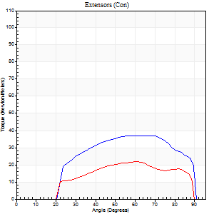
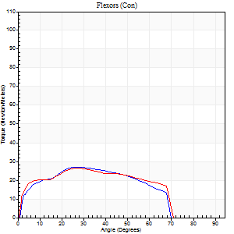
Right Side Curves Left Side Curves
Isokinetic Con/Con |  |  |  | Extensors (Con) |  | Flexors (Con)
Speed 240/240 d/s 3 Reps |  |  |  | Value | Cof Var | %BW | Value | Cof Var | %BW | Ratio

TORQUE PARAMETERS
Peak Torque (Newton-Meters - Best Repetition)
Right |  |  |  | 37 | 0.08 | 45 | 27 | 0.04 | 33 | 74
Left |  |  |  | 22 | 0.02 | 27 | 26 | 0.05 | 33 | 119
Deficit |  |  |  | 41 |  |  | 5
Work per Repetition (Newton-Meters - Best Repetition)
Right |  |  |  | 38 | 0.09 | 48 | 26 | 0.04 | 33 | 68
Left |  |  |  | 22 | 0.04 | 27 | 26 | 0.07 | 33 | 119
Deficit |  |  |  | 43 |  |  | 0
Average Power per Repetition (Watts - Best Repetition)
Right |  |  |  | 72 | 0.07 | 90 | 52 | 0.06 | 66 | 72
Left |  |  |  | 38 | 0.02 | 48 | 47 | 0.09 | 59 | 124
Deficit |  |  |  | 47 |  |  | 10
POSITION PARAMETERS
Joint Angle at Peak Torque (Degrees)
Right |  |  |  | 61 | 0.11 |  | 26 | 0.06
Left |  |  |  | 60 | 0.04 |  | 29 | 0.03
Range of Motion (Degrees)
Right |  |  |  | 2 | 0 |  | 89 | 0.01
Left |  |  |  | 1 | 0.15 |  | 90 | 0.01
TIME PARAMETERS
Time to Peak Torque (Seconds)
Right |  |  |  | 0.21 | 0.07 |  | 0.19 | 0.03
Left |  |  |  | 0.23 | 0.06 |  | 0.23 | 0
Time Peak Torque Held (Seconds)
Right |  |  |  | 0.04 | 0.9 |  | 0.01 | 1.73
Left |  |  |  | 0.02 | 1 |  | 0.01 | 1
Force Decay Time (Seconds)
Right |  |  |  | 0.25 | 0.06 |  | 0.3 | 0.08
Left |  |  |  | 0.29 | 0.06 |  | 0.31 | 0.1
Reciprocal Delay (Seconds)
Right |  |  |  | 0.05 | 0.16 |  | 0.05 | 0.11
Left |  |  |  | 0.1 | 0.14 |  | 0.07 | 0.23
Delay Time (Seconds)
Right |  |  |  | -0.02 | -0.28 |  | -0.02 | -0.25
Left |  |  |  | -0.01 | -1.41 |  | -0.04 | -0.16
HUMAC2015® Version: 15.000.0074 © Computer Sports Medicine, Inc. www.csmisolutions.com

Use File, Preference to set Report Heading
Isometric - Knee Extension/Flexion
Name: |  |  |  | TR030_FP3076, | ID: | TR030 | Right/Left: | 02.10.2023 02.10.2023

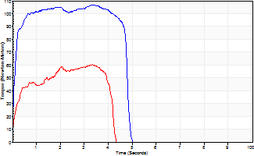
Isometric Extensors (Con) Angle 60 Time 10 Repetition 2 (Best Repetition)
 | Value | Cof Var | %BW
Peak Torque (Newton-Meters)
Right | 107 | 0.03 | 134
Left | 60 | 0.18 | 75
Deficit | 44
Average Torque (Newton-Meters)
Right | 47 | 0.01 | 60
Left | 20 | 0.36 | 27
Deficit | 57
Peak Torque Slope (Newton-Meters/Seconds)
Right | 49 | 0.31 | 61
Left | 56 | 0.73 | 70 |  | Right Side Curves Left Side Curves
Deficit | 13
Time to Half Peak Torque (Seconds)
Right | 0.13 | 0.33
Left | 0.19 | 0.19
Time to Peak Torque (Seconds)
Right | 2.73 | 0.34
Left | 2.08 | 0.86
HUMAC2015® Version: 15.000.0074 © Computer Sports Medicine, Inc. www.csmisolutions.com

mid1
Use File, Preference to set Report Heading
Long Form Torque vs. Position Report - Knee Extension/Flexion
Name: |  |  |  | TR030_FP3094, | ID: | TR030 | Right/Left: | 02.11.2023 02.11.2023

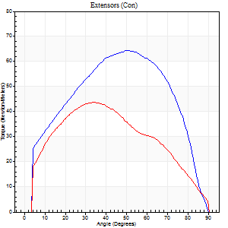
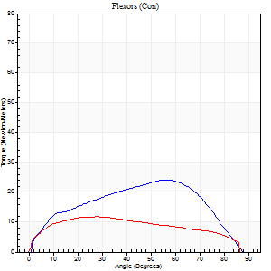
Right Side Curves Left Side Curves
Isokinetic Con/Con |  |  |  | Extensors (Con) |  | Flexors (Con)
Speed 60/60 d/s 3 Reps |  |  |  | Value | Cof Var | %BW | Value | Cof Var | %BW | Ratio

TORQUE PARAMETERS
Peak Torque (Newton-Meters - Best Repetition)
Right |  |  |  | 64 | 0.05 | 83 | 24 | 0.39 | 33 | 38
Left |  |  |  | 43 | 0.11 | 57 | 12 | 0.22 | 15 | 28
Deficit |  |  |  | 32 |  |  | 50
Work per Repetition (Newton-Meters - Best Repetition)
Right |  |  |  | 71 | 0.05 | 95 | 24 | 0.38 | 33 | 35
Left |  |  |  | 46 | 0.02 | 63 | 14 | 0.35 | 18 | 29
Deficit |  |  |  | 35 |  |  | 44
Average Power per Repetition (Watts - Best Repetition)
Right |  |  |  | 43 | 0.06 | 57 | 16 | 0.38 | 22 | 37
Left |  |  |  | 29 | 0.04 | 40 | 8 | 0.35 | 11 | 28
Deficit |  |  |  | 33 |  |  | 50
POSITION PARAMETERS
Joint Angle at Peak Torque (Degrees)
Right |  |  |  | 50 | 0 |  | 46 | 0.24
Left |  |  |  | 37 | 0.08 |  | 20 | 0.33
Range of Motion (Degrees)
Right |  |  |  | 0 | 0.47 |  | 90 | 0
Left |  |  |  | 0 | 0 |  | 90 | 0
TIME PARAMETERS
Time to Peak Torque (Seconds)
Right |  |  |  | 0.73 | 0.02 |  | 0.8 | 0.23
Left |  |  |  | 0.89 | 0.06 |  | 0.43 | 0.22
Time Peak Torque Held (Seconds)
Right |  |  |  | 0.08 | 1.21 |  | 0.08 | 1.12
Left |  |  |  | 0.1 | 1.1 |  | 0.06 | 0.24
Force Decay Time (Seconds)
Right |  |  |  | 0.79 | 0.13 |  | 0.67 | 0.37
Left |  |  |  | 0.54 | 0.16 |  | 1.09 | 0.12
Reciprocal Delay (Seconds)
Right |  |  |  | 0.09 | 0.16 |  | 0.22 | 0.07
Left |  |  |  | 0.15 | 0.05 |  | 0.29 | 0.15
Delay Time (Seconds)
Right |  |  |  | -0.05 | -0.28 |  | 0.02 | 0
Left |  |  |  | 0 | 0 |  | -0.04 | -0.42
HUMAC2015® Version: 15.000.0074 © Computer Sports Medicine, Inc. www.csmisolutions.com

Use File, Preference to set Report Heading
Long Form Torque vs. Position Report - Knee Extension/Flexion
Name: |  |  |  | TR030_FP3094, | ID: | TR030 | Right/Left: | 02.11.2023 02.11.2023
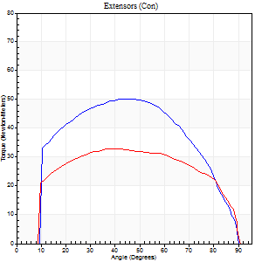
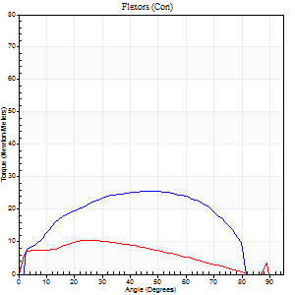
Right Side Curves Left Side Curves
Isokinetic Con/Con |  |  |  | Extensors (Con) |  | Flexors (Con)
Speed 120/120 d/s 3 Reps |  |  |  | Value | Cof Var | %BW | Value | Cof Var | %BW | Ratio

TORQUE PARAMETERS
Peak Torque (Newton-Meters - Best Repetition)
Right |  |  |  | 50 | 0.02 | 66 | 26 | 0.53 | 36 | 51
Left |  |  |  | 33 | 0.1 | 45 | 11 | 0.16 | 15 | 33
Deficit |  |  |  | 35 |  |  | 58
Work per Repetition (Newton-Meters - Best Repetition)
Right |  |  |  | 57 | 0.03 | 75 | 27 | 0.68 | 36 | 48
Left |  |  |  | 39 | 0.1 | 54 | 9 | 0.25 | 12 | 24
Deficit |  |  |  | 31 |  |  | 65
Average Power per Repetition (Watts - Best Repetition)
Right |  |  |  | 66 | 0.05 | 88 | 33 | 0.68 | 44 | 50
Left |  |  |  | 45 | 0.11 | 59 | 11 | 0.25 | 15 | 24
Deficit |  |  |  | 32 |  |  | 67
POSITION PARAMETERS
Joint Angle at Peak Torque (Degrees)
Right |  |  |  | 48 | 0.07 |  | 28 | 0.63
Left |  |  |  | 53 | 0.19 |  | 24 | 0.03
Range of Motion (Degrees)
Right |  |  |  | 1 | 0.07 |  | 90 | 0
Left |  |  |  | 0 | 0.16 |  | 90 | 0.01
TIME PARAMETERS
Time to Peak Torque (Seconds)
Right |  |  |  | 0.43 | 0.08 |  | 0.28 | 0.53
Left |  |  |  | 0.32 | 0.04 |  | 0.34 | 0.06
Time Peak Torque Held (Seconds)
Right |  |  |  | 0.05 | 0.33 |  | 0.03 | 0.87
Left |  |  |  | 0.02 | 0.92 |  | 0.02 | 1.08
Force Decay Time (Seconds)
Right |  |  |  | 0.37 | 0.05 |  | 0.52 | 0.31
Left |  |  |  | 0.47 | 0.19 |  | 0.54 | 0.06
Reciprocal Delay (Seconds)
Right |  |  |  | 0.08 | 0.18 |  | 0.07 | 0.14
Left |  |  |  | 0.07 | 0 |  | 0.14 | 0.25
Delay Time (Seconds)
Right |  |  |  | -0.04 | -0.2 |  | 0.01 | 0.87
Left |  |  |  | -0.02 | 0 |  | -0.04 | -0.25
HUMAC2015® Version: 15.000.0074 © Computer Sports Medicine, Inc. www.csmisolutions.com

Use File, Preference to set Report Heading
Long Form Torque vs. Position Report - Knee Extension/Flexion
Name: |  |  |  | TR030_FP3094, | ID: | TR030 | Right/Left: | 02.11.2023 02.11.2023
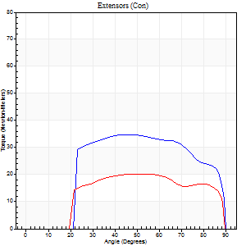
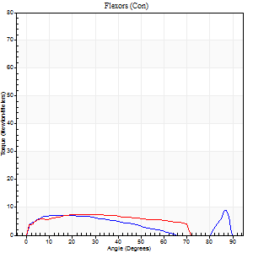
Right Side Curves Left Side Curves
Isokinetic Con/Con |  |  |  | Extensors (Con) |  | Flexors (Con)
Speed 240/240 d/s 3 Reps |  |  |  | Value | Cof Var | %BW | Value | Cof Var | %BW | Ratio

TORQUE PARAMETERS
Peak Torque (Newton-Meters - Best Repetition)
Right |  |  |  | 35 | 0.04 | 48 | 9 | 0.31 | 12 | 27
Left |  |  |  | 20 | 0.03 | 27 | 8 | 0.07 | 12 | 40
Deficit |  |  |  | 42 |  |  | 14
Work per Repetition (Newton-Meters - Best Repetition)
Right |  |  |  | 37 | 0.03 | 48 | 7 | 0.4 | 9 | 19
Left |  |  |  | 22 | 0.05 | 30 | 8 | 0.24 | 12 | 38
Deficit |  |  |  | 41 |  |  | 17
Average Power per Repetition (Watts - Best Repetition)
Right |  |  |  | 63 | 0.01 | 84 | 9 | 0.49 | 11 | 14
Left |  |  |  | 38 | 0.04 | 51 | 11 | 0.25 | 15 | 29
Deficit |  |  |  | 40 |  |  | 18
POSITION PARAMETERS
Joint Angle at Peak Torque (Degrees)
Right |  |  |  | 54 | 0.15 |  | 34 | 1.35
Left |  |  |  | 52 | 0.18 |  | 20 | 0.46
Range of Motion (Degrees)
Right |  |  |  | 0 | 0.13 |  | 89 | 0.01
Left |  |  |  | 1 | 0.22 |  | 89 | 0.01
TIME PARAMETERS
Time to Peak Torque (Seconds)
Right |  |  |  | 0.27 | 0.1 |  | 0.33 | 0.87
Left |  |  |  | 0.23 | 0.03 |  | 0.31 | 0.2
Time Peak Torque Held (Seconds)
Right |  |  |  | 0.02 | 0.25 |  | 0.01 | 1.73
Left |  |  |  | 0.03 | 0.69 |  | 0.02 | 0.87
Force Decay Time (Seconds)
Right |  |  |  | 0.28 | 0.08 |  | 0.42 | 0.83
Left |  |  |  | 0.25 | 0.18 |  | 0.38 | 0.25
Reciprocal Delay (Seconds)
Right |  |  |  | 0.05 | 0.13 |  | 0.12 | 0.17
Left |  |  |  | 0.05 | 0.28 |  | 0.1 | 0.26
Delay Time (Seconds)
Right |  |  |  | -0.04 | -0.2 |  | -0.01 | -3.77
Left |  |  |  | -0.02 | -0.28 |  | -0.04 | -0.27
HUMAC2015® Version: 15.000.0074 © Computer Sports Medicine, Inc. www.csmisolutions.com

Use File, Preference to set Report Heading
Isometric - Knee Extension/Flexion
Name: |  |  |  | TR030_FP3094, | ID: | TR030 | Right/Left: | 02.11.2023 02.11.2023

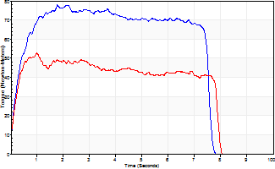
Isometric Extensors (Con) Angle 60 Time 10 Repetition 2 (Best Repetition)
 | Value | Cof Var | %BW
Peak Torque (Newton-Meters)
Right | 77 | 0.01 | 104
Left | 53 | 0.03 | 72
Deficit | 32
Average Torque (Newton-Meters)
Right | 52 | 0.07 | 69
Left | 34 | 0.06 | 45
Deficit | 34
Peak Torque Slope (Newton-Meters/Seconds)
Right | 44 | 0.42 | 58
Left | 62 | 0.12 | 83 |  | Right Side Curves Left Side Curves
Deficit | 30
Time to Half Peak Torque (Seconds)
Right | 0.5 | 0.68
Left | 0.16 | 0.05
Time to Peak Torque (Seconds)
Right | 2.51 | 0.41
Left | 0.89 | 0.15
HUMAC2015® Version: 15.000.0074 © Computer Sports Medicine, Inc. www.csmisolutions.com

post1
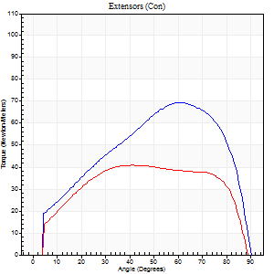
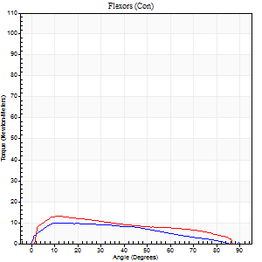
Use File, Preference to set Report Heading
Long Form Torque vs. Position Report - Knee Extension/Flexion
Name: |  |  |  | TR030_FP3094, | ID: | TR030 | Right/Left: | 20.11.2023 20.11.2023

Right Side Curves Left Side Curves
Isokinetic Con/Con |  |  |  | Extensors (Con) |  | Flexors (Con)
Speed 60/60 d/s 3 Reps |  |  |  | Value | Cof Var | %BW | Value | Cof Var | %BW | Ratio

TORQUE PARAMETERS
Peak Torque (Newton-Meters - Best Repetition)
Right |  |  |  | 69 | 0.03 | 92 | 9 | 0.31 | 12 | 14
Left |  |  |  | 41 | 0.01 | 54 | 14 | 0.31 | 18 | 33
Deficit |  |  |  | 41 |  |  | 30
Work per Repetition (Newton-Meters - Best Repetition)
Right |  |  |  | 73 | 0.04 | 98 | 9 | 0.44 | 12 | 13
Left |  |  |  | 50 | 0.01 | 66 | 12 | 0.36 | 15 | 24
Deficit |  |  |  | 31 |  |  | 22
Average Power per Repetition (Watts - Best Repetition)
Right |  |  |  | 46 | 0.05 | 62 | 6 | 0.48 | 9 | 13
Left |  |  |  | 33 | 0.03 | 44 | 8 | 0.4 | 11 | 24
Deficit |  |  |  | 28 |  |  | 25
POSITION PARAMETERS
Joint Angle at Peak Torque (Degrees)
Right |  |  |  | 62 | 0.07 |  | 13 | 0.03
Left |  |  |  | 39 | 0.11 |  | 19 | 0.36
Range of Motion (Degrees)
Right |  |  |  | 0 | 0 |  | 90 | 0
Left |  |  |  | 0 | 1.18 |  | 90 | 0.01
TIME PARAMETERS
Time to Peak Torque (Seconds)
Right |  |  |  | 0.48 | 0.15 |  | 0.31 | 0.11
Left |  |  |  | 0.82 | 0 |  | 0.38 | 0.44
Time Peak Torque Held (Seconds)
Right |  |  |  | 0.04 | 0.48 |  | 0.04 | 1.73
Left |  |  |  | 0.11 | 0.39 |  | 0.03 | 1
Force Decay Time (Seconds)
Right |  |  |  | 1.03 | 0.08 |  | 1.33 | 0.11
Left |  |  |  | 0.56 | 0.11 |  | 1.18 | 0.08
Reciprocal Delay (Seconds)
Right |  |  |  | 0.32 | 0.02 |  | 0.31 | 0.19
Left |  |  |  | 0.13 | 0.11 |  | 0.18 | 0.93
Delay Time (Seconds)
Right |  |  |  | -0.02 | -0.28 |  | -0.03 | -0.67
Left |  |  |  | 0.03 | 0.47 |  | -0.04 | -0.96
HUMAC2015® Version: 15.000.0074 © Computer Sports Medicine, Inc. www.csmisolutions.com

Use File, Preference to set Report Heading
Long Form Torque vs. Position Report - Knee Extension/Flexion
Name: |  |  |  | TR030_FP3094, | ID: | TR030 | Right/Left: | 20.11.2023 20.11.2023
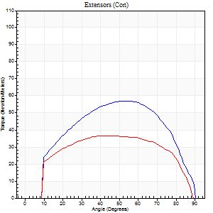
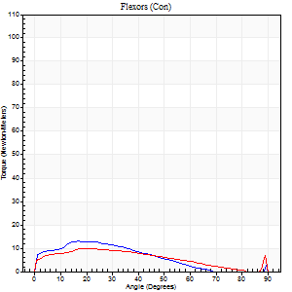
Right Side Curves Left Side Curves
Isokinetic Con/Con |  |  |  | Extensors (Con) |  | Flexors (Con)
Speed 120/120 d/s 3 Reps |  |  |  | Value | Cof Var | %BW | Value | Cof Var | %BW | Ratio

TORQUE PARAMETERS
Peak Torque (Newton-Meters - Best Repetition)
Right |  |  |  | 57 | 0.05 | 75 | 14 | 0.26 | 18 | 24
Left |  |  |  | 37 | 0.01 | 48 | 9 | 0.1 | 12 | 26
Deficit |  |  |  | 36 |  |  | 30
Work per Repetition (Newton-Meters - Best Repetition)
Right |  |  |  | 61 | 0.05 | 80 | 9 | 0.34 | 12 | 16
Left |  |  |  | 42 | 0.02 | 57 | 9 | 0.29 | 12 | 23
Deficit |  |  |  | 31 |  |  | 0
Average Power per Repetition (Watts - Best Repetition)
Right |  |  |  | 72 | 0.08 | 97 | 11 | 0.35 | 15 | 15
Left |  |  |  | 47 | 0.01 | 62 | 10 | 0.32 | 13 | 21
Deficit |  |  |  | 35 |  |  | 9
POSITION PARAMETERS
Joint Angle at Peak Torque (Degrees)
Right |  |  |  | 58 | 0.04 |  | 20 | 0.19
Left |  |  |  | 45 | 0.08 |  | 21 | 0.02
Range of Motion (Degrees)
Right |  |  |  | 1 | 0.87 |  | 90 | 0
Left |  |  |  | 0 | 0 |  | 90 | 0.01
TIME PARAMETERS
Time to Peak Torque (Seconds)
Right |  |  |  | 0.33 | 0.04 |  | 0.26 | 0.06
Left |  |  |  | 0.43 | 0.12 |  | 0.32 | 0.03
Time Peak Torque Held (Seconds)
Right |  |  |  | 0.04 | 0.35 |  | 0.01 | 0.87
Left |  |  |  | 0.02 | 0.89 |  | 0 | 0
Force Decay Time (Seconds)
Right |  |  |  | 0.5 | 0.04 |  | 0.64 | 0.06
Left |  |  |  | 0.41 | 0.12 |  | 0.63 | 0.05
Reciprocal Delay (Seconds)
Right |  |  |  | 0.15 | 0.57 |  | 0.13 | 0.12
Left |  |  |  | 0.08 | 0.28 |  | 0.15 | 0.08
Delay Time (Seconds)
Right |  |  |  | -0.04 | -0.2 |  | -0.02 | -1.32
Left |  |  |  | -0.01 | 0 |  | -0.04 | -0.13
HUMAC2015® Version: 15.000.0074 © Computer Sports Medicine, Inc. www.csmisolutions.com

Use File, Preference to set Report Heading
Long Form Torque vs. Position Report - Knee Extension/Flexion
Name: |  |  |  | TR030_FP3094, | ID: | TR030 | Right/Left: | 20.11.2023 20.11.2023
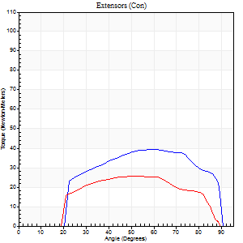
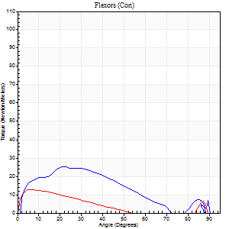
Right Side Curves Left Side Curves
Isokinetic Con/Con |  |  |  | Extensors (Con) |  | Flexors (Con)
Speed 240/240 d/s 3 Reps |  |  |  | Value | Cof Var | %BW | Value | Cof Var | %BW | Ratio

TORQUE PARAMETERS
Peak Torque (Newton-Meters - Best Repetition)
Right |  |  |  | 39 | 0.07 | 54 | 26 | 0.1 | 36 | 66
Left |  |  |  | 26 | 0.05 | 36 | 12 | 0.28 | 15 | 47
Deficit |  |  |  | 34 |  |  | 53
Work per Repetition (Newton-Meters - Best Repetition)
Right |  |  |  | 39 | 0.07 | 54 | 22 | 0.22 | 30 | 55
Left |  |  |  | 24 | 0.03 | 33 | 7 | 0.85 | 9 | 28
Deficit |  |  |  | 38 |  |  | 69
Average Power per Repetition (Watts - Best Repetition)
Right |  |  |  | 74 | 0.06 | 99 | 34 | 0.39 | 46 | 46
Left |  |  |  | 44 | 0.05 | 59 | 12 | 0.81 | 15 | 27
Deficit |  |  |  | 41 |  |  | 65
POSITION PARAMETERS
Joint Angle at Peak Torque (Degrees)
Right |  |  |  | 61 | 0.02 |  | 23 | 0.02
Left |  |  |  | 52 | 0.02 |  | 34 | 1.39
Range of Motion (Degrees)
Right |  |  |  | 2 | 0.08 |  | 90 | 0
Left |  |  |  | 1 | 0.16 |  | 89 | 0.01
TIME PARAMETERS
Time to Peak Torque (Seconds)
Right |  |  |  | 0.22 | 0.03 |  | 0.18 | 0.06
Left |  |  |  | 0.28 | 0.17 |  | 0.18 | 0.31
Time Peak Torque Held (Seconds)
Right |  |  |  | 0.01 | 1.15 |  | 0 | 0
Left |  |  |  | 0.02 | 0.87 |  | 0.03 | 1.73
Force Decay Time (Seconds)
Right |  |  |  | 0.28 | 0.05 |  | 0.6 | 0.39
Left |  |  |  | 0.26 | 0.07 |  | 0.3 | 0.82
Reciprocal Delay (Seconds)
Right |  |  |  | 0.31 | 0.39 |  | 0.05 | 0.12
Left |  |  |  | 0.06 | 0.24 |  | 0.08 | 0.18
Delay Time (Seconds)
Right |  |  |  | -0.04 | 0 |  | -0.02 | 0
Left |  |  |  | -0.02 | -0.28 |  | 0.11 | 2.63
HUMAC2015® Version: 15.000.0074 © Computer Sports Medicine, Inc. www.csmisolutions.com

Use File, Preference to set Report Heading
Isometric - Knee Extension/Flexion
Name: |  |  |  | TR030_FP3094, | ID: | TR030 | Right/Left: | 20.11.2023 20.11.2023

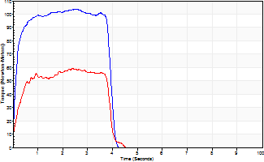
Isometric Extensors (Con) Angle 60 Time 10 Repetition 2 (Best Repetition)
 | Value | Cof Var | %BW
Peak Torque (Newton-Meters)
Right | 103 | 0.02 | 137
Left | 60 | 0 | 80
Deficit | 42
Average Torque (Newton-Meters)
Right | 41 | 0.05 | 54
Left | 23 | 0.07 | 30
Deficit | 43
Peak Torque Slope (Newton-Meters/Seconds)
Right | 40 | 0.07 | 54
Left | 25 | 0.13 | 33 |  | Right Side Curves Left Side Curves
Deficit | 39
Time to Half Peak Torque (Seconds)
Right | 0.19 | 0.52
Left | 0.23 | 0.06
Time to Peak Torque (Seconds)
Right | 2.64 | 0.05
Left | 2.62 | 0.13
HUMAC2015® Version: 15.000.0074 © Computer Sports Medicine, Inc. www.csmisolutions.com

post2
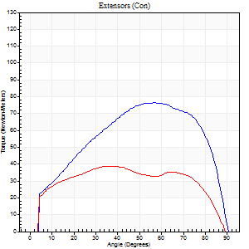
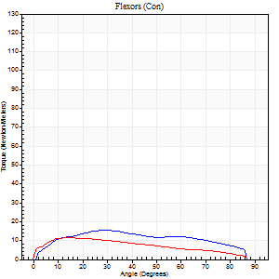
Use File, Preference to set Report Heading
Long Form Torque vs. Position Report - Knee Extension/Flexion
Name: |  |  |  | TR030_FP3094, | ID: | TR030 | Right/Left: | 23.11.2023 23.11.2023

Right Side Curves Left Side Curves
Isokinetic Con/Con |  |  |  | Extensors (Con) |  | Flexors (Con)
Speed 60/60 d/s 3 Reps |  |  |  | Value | Cof Var | %BW | Value | Cof Var | %BW | Ratio

TORQUE PARAMETERS
Peak Torque (Newton-Meters - Best Repetition)
Right |  |  |  | 76 | 0.04 | 101 | 15 | 0.36 | 21 | 20
Left |  |  |  | 39 | 0.08 | 54 | 11 | 0.23 | 15 | 28
Deficit |  |  |  | 48 |  |  | 27
Work per Repetition (Newton-Meters - Best Repetition)
Right |  |  |  | 85 | 0.03 | 113 | 16 | 0.42 | 21 | 19
Left |  |  |  | 46 | 0.05 | 63 | 12 | 0.23 | 15 | 26
Deficit |  |  |  | 46 |  |  | 25
Average Power per Repetition (Watts - Best Repetition)
Right |  |  |  | 54 | 0.02 | 73 | 11 | 0.44 | 15 | 20
Left |  |  |  | 29 | 0.06 | 40 | 7 | 0.23 | 9 | 24
Deficit |  |  |  | 46 |  |  | 36
POSITION PARAMETERS
Joint Angle at Peak Torque (Degrees)
Right |  |  |  | 54 | 0.04 |  | 27 | 0.12
Left |  |  |  | 43 | 0.46 |  | 27 | 0.44
Range of Motion (Degrees)
Right |  |  |  | 0 | 0 |  | 90 | 0
Left |  |  |  | 0 | 0.28 |  | 90 | 0
TIME PARAMETERS
Time to Peak Torque (Seconds)
Right |  |  |  | 0.64 | 0.04 |  | 0.51 | 0.03
Left |  |  |  | 0.7 | 0.47 |  | 0.54 | 0.4
Time Peak Torque Held (Seconds)
Right |  |  |  | 0.09 | 0.11 |  | 0.06 | 1.6
Left |  |  |  | 0 | 1.73 |  | 0.04 | 1.73
Force Decay Time (Seconds)
Right |  |  |  | 0.85 | 0.04 |  | 1.02 | 0.14
Left |  |  |  | 0.74 | 0.43 |  | 1.01 | 0.25
Reciprocal Delay (Seconds)
Right |  |  |  | 0.12 | 0.51 |  | 0.25 | 0.15
Left |  |  |  | 0.2 | 0.57 |  | 0.25 | 0.15
Delay Time (Seconds)
Right |  |  |  | 0 | -4.24 |  | 0.02 | 0.5
Left |  |  |  | -0.01 | -2.83 |  | -0.04 | -0.27
HUMAC2015® Version: 15.000.0074 © Computer Sports Medicine, Inc. www.csmisolutions.com

Use File, Preference to set Report Heading
Long Form Torque vs. Position Report - Knee Extension/Flexion
Name: |  |  |  | TR030_FP3094, | ID: | TR030 | Right/Left: | 23.11.2023 23.11.2023
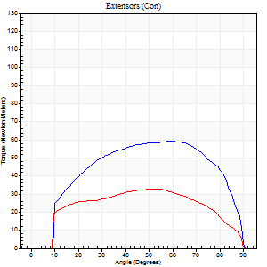
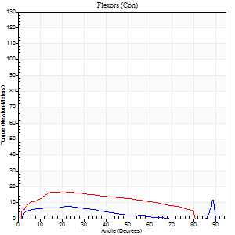
Right Side Curves Left Side Curves
Isokinetic Con/Con |  |  |  | Extensors (Con) |  | Flexors (Con)
Speed 120/120 d/s 3 Reps |  |  |  | Value | Cof Var | %BW | Value | Cof Var | %BW | Ratio

TORQUE PARAMETERS
Peak Torque (Newton-Meters - Best Repetition)
Right |  |  |  | 60 | 0.04 | 80 | 11 | 0.36 | 15 | 18
Left |  |  |  | 33 | 0.02 | 45 | 16 | 0.26 | 21 | 50
Deficit |  |  |  | 45 |  |  | 33
Work per Repetition (Newton-Meters - Best Repetition)
Right |  |  |  | 68 | 0.05 | 89 | 8 | 0.34 | 12 | 12
Left |  |  |  | 37 | 0.04 | 48 | 16 | 0.35 | 21 | 44
Deficit |  |  |  | 46 |  |  | 50
Average Power per Repetition (Watts - Best Repetition)
Right |  |  |  | 81 | 0.06 | 108 | 9 | 0.35 | 11 | 11
Left |  |  |  | 43 | 0.05 | 57 | 20 | 0.37 | 26 | 47
Deficit |  |  |  | 47 |  |  | 55
POSITION PARAMETERS
Joint Angle at Peak Torque (Degrees)
Right |  |  |  | 56 | 0.1 |  | 45 | 0.83
Left |  |  |  | 56 | 0.07 |  | 22 | 0.26
Range of Motion (Degrees)
Right |  |  |  | 1 | 0.63 |  | 90 | 0.01
Left |  |  |  | 1 | 0.18 |  | 89 | 0.01
TIME PARAMETERS
Time to Peak Torque (Seconds)
Right |  |  |  | 0.34 | 0.15 |  | 0.53 | 0.65
Left |  |  |  | 0.31 | 0.02 |  | 0.28 | 0.28
Time Peak Torque Held (Seconds)
Right |  |  |  | 0.05 | 0.87 |  | 0.01 | 1.73
Left |  |  |  | 0.04 | 0.83 |  | 0 | 0
Force Decay Time (Seconds)
Right |  |  |  | 0.46 | 0.08 |  | 0.38 | 0.87
Left |  |  |  | 0.47 | 0.09 |  | 0.58 | 0.08
Reciprocal Delay (Seconds)
Right |  |  |  | 0.05 | 0.13 |  | 0.15 | 0.14
Left |  |  |  | 0.08 | 0.47 |  | 0.1 | 0.3
Delay Time (Seconds)
Right |  |  |  | -0.01 | 0 |  | -0.01 | -4.58
Left |  |  |  | 0 | -1.41 |  | -0.02 | -0.89
HUMAC2015® Version: 15.000.0074 © Computer Sports Medicine, Inc. www.csmisolutions.com

Use File, Preference to set Report Heading
Long Form Torque vs. Position Report - Knee Extension/Flexion
Name: |  |  |  | TR030_FP3094, | ID: | TR030 | Right/Left: | 23.11.2023 23.11.2023
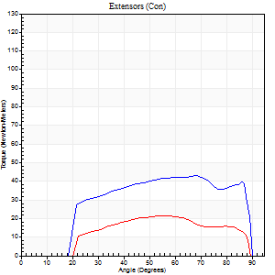
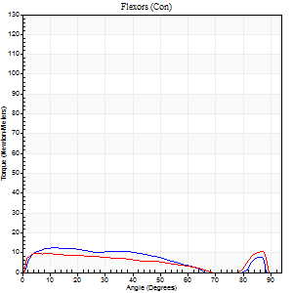
Right Side Curves Left Side Curves
Isokinetic Con/Con |  |  |  | Extensors (Con) |  | Flexors (Con)
Speed 240/240 d/s 3 Reps |  |  |  | Value | Cof Var | %BW | Value | Cof Var | %BW | Ratio

TORQUE PARAMETERS
Peak Torque (Newton-Meters - Best Repetition)
Right |  |  |  | 43 | 0.07 | 57 | 12 | 0.32 | 15 | 28
Left |  |  |  | 22 | 0.08 | 30 | 11 | 0.25 | 15 | 50
Deficit |  |  |  | 50 |  |  | 11
Work per Repetition (Newton-Meters - Best Repetition)
Right |  |  |  | 46 | 0.09 | 63 | 11 | 0.58 | 15 | 24
Left |  |  |  | 22 | 0.08 | 30 | 9 | 0.49 | 12 | 44
Deficit |  |  |  | 53 |  |  | 13
Average Power per Repetition (Watts - Best Repetition)
Right |  |  |  | 85 | 0.05 | 114 | 20 | 0.66 | 26 | 24
Left |  |  |  | 36 | 0.04 | 48 | 14 | 0.56 | 18 | 39
Deficit |  |  |  | 58 |  |  | 30
POSITION PARAMETERS
Joint Angle at Peak Torque (Degrees)
Right |  |  |  | 59 | 0.14 |  | 10 | 0.47
Left |  |  |  | 56 | 0.02 |  | 35 | 1.27
Range of Motion (Degrees)
Right |  |  |  | 1 | 0.11 |  | 89 | 0.01
Left |  |  |  | 1 | 0.17 |  | 89 | 0.01
TIME PARAMETERS
Time to Peak Torque (Seconds)
Right |  |  |  | 0.22 | 0.03 |  | 0.13 | 0.3
Left |  |  |  | 0.24 | 0.06 |  | 0.33 | 0.7
Time Peak Torque Held (Seconds)
Right |  |  |  | 0.01 | 0.87 |  | 0.02 | 1.73
Left |  |  |  | 0.02 | 1.32 |  | 0.01 | 0.87
Force Decay Time (Seconds)
Right |  |  |  | 0.29 | 0.14 |  | 0.46 | 0.27
Left |  |  |  | 0.28 | 0.12 |  | 0.34 | 0.84
Reciprocal Delay (Seconds)
Right |  |  |  | 0.04 | 0 |  | 0.07 | 0.25
Left |  |  |  | 0.05 | 0.28 |  | 0.1 | 0.06
Delay Time (Seconds)
Right |  |  |  | -0.02 | 0 |  | -0.01 | -0.43
Left |  |  |  | -0.02 | -0.28 |  | -0.06 | -0.1
HUMAC2015® Version: 15.000.0074 © Computer Sports Medicine, Inc. www.csmisolutions.com

Use File, Preference to set Report Heading
Isometric - Knee Extension/Flexion
Name: |  |  |  | TR030_FP3094, | ID: | TR030 | Right/Left: | 23.11.2023 23.11.2023

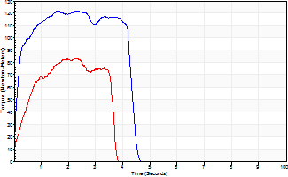
Isometric Extensors (Con) Angle 60 Time 10 Repetition 2 (Best Repetition)
 | Value | Cof Var | %BW
Peak Torque (Newton-Meters)
Right | 122 | 0.02 | 164
Left | 84 | 0.11 | 113
Deficit | 31
Average Torque (Newton-Meters)
Right | 49 | 0.07 | 66
Left | 24 | 0.08 | 33
Deficit | 50
Peak Torque Slope (Newton-Meters/Seconds)
Right | 76 | 0 | 101
Left | 37 | 0.41 | 49 |  | Right Side Curves Left Side Curves
Deficit | 52
Time to Half Peak Torque (Seconds)
Right | 0.12 | 0.12
Left | 0.41 | 0.09
Time to Peak Torque (Seconds)
Right | 1.58 | 0.03
Left | 2.9 | 0.31
HUMAC2015® Version: 15.000.0074 © Computer Sports Medicine, Inc. www.csmisolutions.com

