Sections OLD
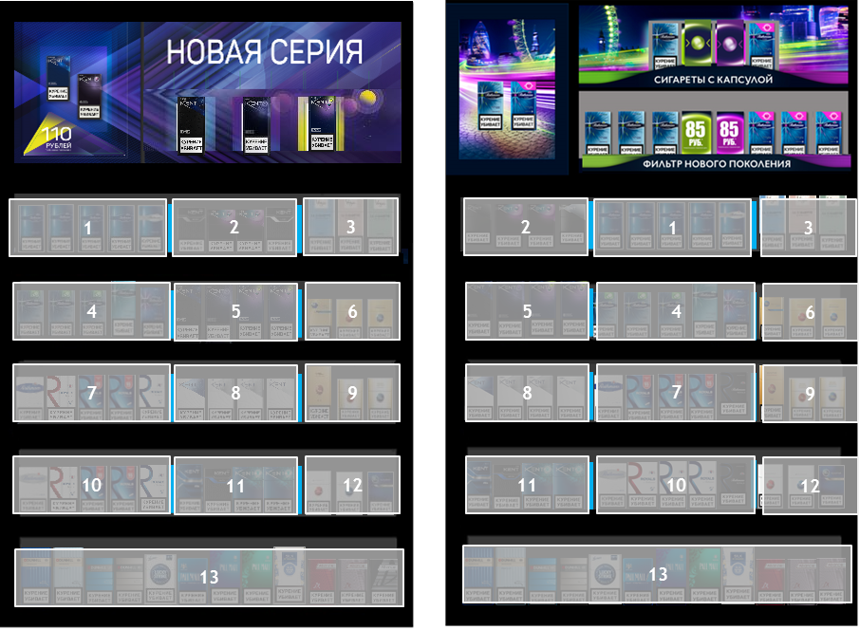
Fixture type | GC_P_BWD Premium black 11x12
Section № | AP+ | Section № | VFM-
1 - Rt Demi | R1C1:R1C5 | 1 - Rt Demi | R1C5:R1C9
2 - Kent Nano | R1C6:R1C9 | 2 - Kent Nano | R1C1:R1C4
3 - Vogue | R1C10:R1C12 | 3 - Vogue | R1C10:R1C12
4 - Rt Capsule | R2C1:R2C5 | 4 - Rt Capsule | R2C5:R2C9
5 - Kent DL | R2C6:R2C9 | 5 - Kent DL | R2C1:R2C4
6 - Yava Gold | R2C10:R2C12 | 6 - Yava Gold | R2C10:R2C12
7 - Royals Demi | R3C1:R3C5 | 7 - Royals Demi | R3C5:R3C9
8 - Kent HD | R3C6:R3C9 | 8 - Kent HD | R3C1:R3C4
9 - Yava WG | R3C10:R3C12 | 9 - Yava WG | R3C10:R3C12
10 - Royals KS | R4C1:R4C5 | 10 - Royals KS | R4C5:R4C9
11 - Kent Other | R4C6:R4C9 | 11 - Kent Other | R4C1:R4C4
12 - Yava HL | R4C10:R4C12 | 12 - Yava HL | R4C10:R4C12
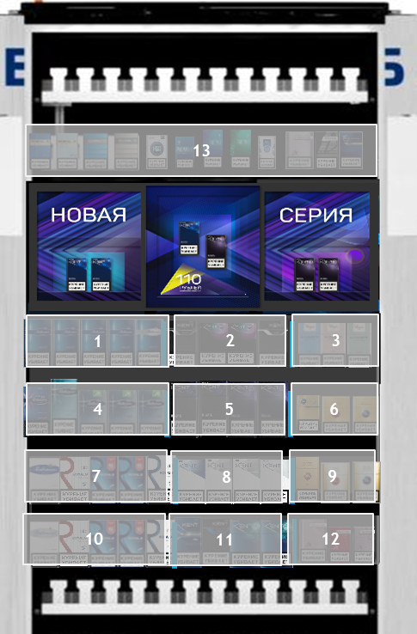
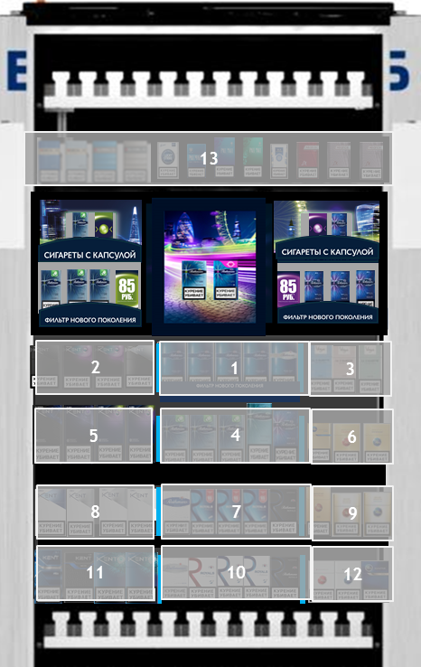
13 - Rest | R5C1:R5C12 | 13 - Rest | R5C1:R5C12

Fixture type | GC_P_BWD SS Door Slim 11*12
Section № | AP+ | Section № | VFM-
1 - Rt Demi | R3C1:R3C5 | 1 - Rt Demi | R3C5:R3C9
2 - Kent Nano | R3C6:R3C9 | 2 - Kent Nano | R3C1:R3C4
3 - Vogue | R3C10:R3C12 | 3 - Vogue | R3C10:R3C12
4 - Rt Capsule | R4C1:R4C5 | 4 - Rt Capsule | R4C5:R4C9
5 - Kent DL | R4C6:R4C9 | 5 - Kent DL | R4C1:R4C4
6 - Yava Gold | R4C10:R4C12 | 6 - Yava Gold | R4C10:R4C12
7 - Royals Demi | R5C1:R5C5 | 7 - Royals Demi | R5C5:R5C9
8 - Kent HD | R5C6:R5C9 | 8 - Kent HD | R5C1:R5C4
9 - Yava WG | R5C10:R5C12 | 9 - Yava WG | R5C10:R5C12
10 - Royals KS | R6C1:R6C5 | 10 - Royals KS | R6C5:R6C10
11 - Kent Other | R6C6:R6C9 | 11 - Kent Other | R6C1:R6C4
12 - Yava HL | R6C10:R6C12 | 12 - Yava HL | R6C10:R6C12
13 - Rest | R2C1:R2C12 | 13 - Rest | R2C1:R2C12
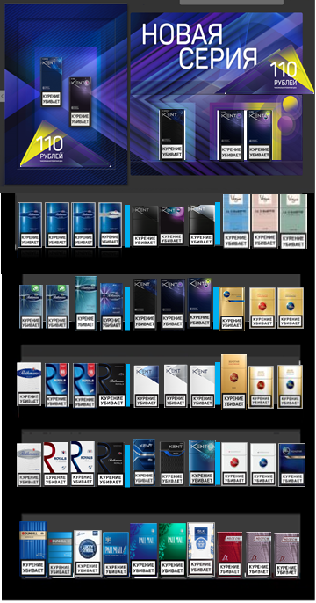
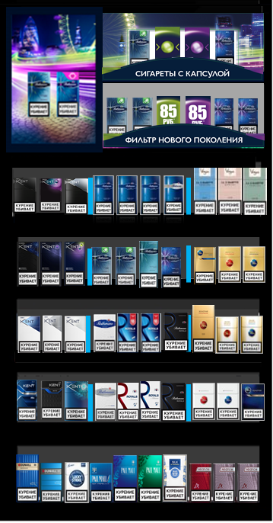
Fixture type | GC_P_BWD A2 2011
Section № | AP+ | Section № | VFM-
1 - Rt Demi | R1C1:R1C4 | 1 - Rt Demi | R1C4:R1C7
2 - Kent Nano | R1C5:R1C7 | 2 - Kent Nano | R1C1:R1C3
3 - Vogue | R1C8:R1C10 | 3 - Vogue | R1C8:R1C10
4 - Rt Capsule | R2C1:R2C4 | 4 - Rt Capsule | R2C4:R2C7
5 - Kent DL | R2C5:R2C7 | 5 - Kent DL | R2C1:R2C3
6 - Yava Gold | R2C8:R2C10 | 6 - Yava Gold | R2C8:R2C10
7 - Royals Demi | R3C1:R3C4 | 7 - Royals Demi | R3C4:R3C7
8 - Kent HD | R3C5:R3C7 | 8 - Kent HD | R3C1:R3C3
9 - Yava WG | R3C8:R3C10 | 9 - Yava WG | R3C8:R3C10
10 - Royals KS | R4C1:R4C4 | 10 - Royals KS | R4C4:R4C7
11 - Kent Other | R4C5:R4C7 | 11 - Kent Other | R4C1:R4C3
12 - Yava HL | R4C8:R4C10 | 12 - Yava HL | R4C8:R4C10
13 - Rest | R5C1:R5C10 | 13 - Rest | R5C1:R5C10

