Sequence list
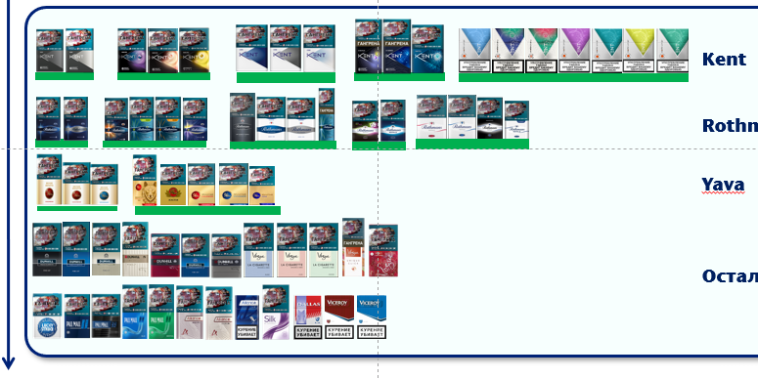
SKU | product_ean_code | index
Kent Nanotek 2.0 Silver | 1-EOGSAU | 1
Kent Nanotek 2.0 White | 1-EOGSB7 | 2
Kent Nano Mix | 1-244ZTNM | 3
Kent Nano Mix Amber | 1-26BSJ6T | 4
Sunset PHL 1 | Pos-000021 | 5
Kent Nano Mix Sunset | 1-26WICI3 | 6
Sunset PHL 2 | Pos-000022 | 7
Kent HD Futura | 1-I3-309 | 8
Kent HD Neo | 1-I3-310 | 9
Kent HD Infina | 1-I3-273 | 10
Kent D-Mix | 1-244ZTLX | 11
Kent D-mix plus | 1-249YDT8 | 12
Kent D-Series | 1-244ZTMS | 13
Kent iSwitch | 1-1USSGBP | 14
Kent Neostiks Bright Tobacco | 1-24YB1M1 | 15
Kent Neostiks Ruby Boost | 1-276E4ZA | 16
Kent Neostiks Fresh Twist | 1-276E4ZL | 17
Kent Neostiks Dark Fresh | 1-26NRV44 | 18
Kent Neostiks Fresh Mix | 1-24YB1ML | 19
Kent Neostiks Citric Mix | 1-24YB1MB | 20
Kent Neostiks Velvet Fresh | 1-26NRV4F | 21
Rothmans Demi Blue | 1-1Z9QGHH | 22
Rothmans Demi Silver | 1-214F80L | 23
Melon PHL 1 | Pos-000019 | 24
Rothmans Demi Melon | 1-26XLVDS | 25
Melon PHL 2 | Pos-000020 | 26
Rothmans Demi Click | 1-223WA7H | 27
Rothmans Mandarin | 1-24U8991 | 28
Rothmans Aero Blue Double Click | 1-23RD3HA | 29
Rothmans International | 1-I3-293 | 30
Rothmans KS Blue | 1-1Y66O2P | 31
Rothmans KS Silver | 1-1Y66O2Z | 32
Rothmans SS Click | 1-23Q4OGL | 33
Royals Mix PHL | Pos-000025 | 34
Royals Berry | 1-24U899V | 34
Royals Demi PHL | Pos-000024 | 35
Royals Demi | 1-22ZMXKP | 35
Royals KS Red | 1-23J1KKF | 36
Royals KS Blue | 1-22ZS7MO | 37
Royals Nanokings | 1-24AQHX3 | 38
Rothmans Royals Demi Classics | 1-2769KV7 | 39
Yava 100 PHL | Pos-000023 | 40
Yava White Gold Classic 100s | 1-27IV143 | 41
Yava White Gold Classic | 1-216K8LY | 42
Yava White Gold Original | 1-216K8MJ | 43
Yava Gold Classic 100s | 1-23J1KKP | 44
Yava Gold Old | 1-1XA2D13 | 45
Yava Gold Classic | 1-I3-397 | 46
Yava Gold Original | 1-I3-398 | 47
Yava Gold Turbo Demi | 1-244ZTLB | 48
Yava Original | 1-I3-320 | 49
Dunhill Fine Cut Swiss Bland | 1-K2JYMK | 50
Dunhill Fine Cut Dark Blue | 1-K2JYMZ | 51
Dunhill Fine Cut Sky Blue | 1-K2JYMS | 52
Dunhill Fine Cut Blond Bland | 1-VVEYS8 | 53
Dunhill Master Blend Red | 1-I3-266 | 54
Dunhill Master Blend Blue | 1-I3-271 | 55
Dunhill Master Blend Gold | 1-I3-272 | 56
Vogue Bleue | 1-I3-302 | 57
Vogue Lilas | 1-I3-304 | 58
Vogue Menthe | 1-I3-303 | 59
Vogue Unique | 1-25TEECZ | 60
Vogue Arome Diner en Ville | 1-44LWV7 | 61
Lucky Strike Premium Blue | 1-1Z4HHNK | 62
Lucky Strike Premium Silver | 1-1Z4IKCD | 63
Pall Mall KS Red | 1-111PWZP | 64
Pall Mall KS Blue | 1-111PWZU | 65
Pall Mall Nanokings Blue | 1-152HINK | 66
Pall Mall SS Blue | 1-I3-285 | 67
Pall Mall SS Menthol | 1-1QSYU5 | 68
Pall Mall SS Amber | 1-207KXT1 | 69
Pall Mall Nanokings Silver | 1-207KXWD | 70
Alliance Original Slims | 1-1X2NZWU | 71
Alliance Modern Slims | 1-1X2NZWZ | 72
Alliance Demi | 1-1ZXH2W6 | 73
Silk | 1-20JIR06 | 74
Dallas Blue | 1-I3-265 | 75
Viceroy Red | 1-1D6LZP | 76
Viceroy Blue | 1-1D6LZW | 77
Viceroy Silver | 1-207KZ1C | 78
Rothmans SS Silver | 1-1X7ZJW5 | 79
Alliance Classic 25 | 1-21VR1SF | 80
Alliance Original 25 | 1-21VR1S1 | 81
Kent HDs Blue | 1-1X73453 | 82
Yava Gold Classic 25 Stx | 1-23366VZ | 83
Yava HL Classic 25 sticks | 1-23366WD | 84
Yava Gold Ultra Turbo | 1-1X9GDMR | 85
Yava SC Classic | 1-I3-322 | 86
Yava SC Original | 1-I3-319 | 87
Priluki Osoblivi Classic | 1-20XVOZP | 88
Priluki Osoblivi Sophisticated | 1-20XVOZ3 | 89

