Test Cases
TC#ID | Project/Module/Name | Req#ID | Scenario | Test Case Title | Steps | Test Data | Expected Results | Actual Result | Status(Padded/Failed) | Comments
TC_MyInfo_001 | Orange HRM-MyInfo | 3.1.1 | ESS user login | Verify login with valid ESS username and valid password | 1. Launch browser. 2. Open url "https://opensource-demo.orangehrmlive.com" 3. Provide valid username. 4. Provide valid password. 5. Click on login button. | validusername1/validpassword | Login successful. ESS user should see the MyInfo page. | Dashboard page is seen after the login instead of MyInfo page. | Failed
TC_MyInfo_002 | Orange HRM-MyInfo | 3.1.1 | ESS user login | Verify login with valid ESS username and invalid password | 1. Launch browser. 2. Open url "https://opensource-demo.orangehrmlive.com" 3. Provide valid username. 4. Provide invalid password. 5. Click on login button. | validusername/invalidpassword | Invalid Credentials | As expected | Passed
TC_MyInfo_003 | Orange HRM-MyInfo | 3.1.1 | ESS user login | Verify login with invalid ESS username and valid password | 1. Launch browser. 2. Open url "https://opensource-demo.orangehrmlive.com" 3. Provide invalid username. 4. Provide valid password. 5. Click on login button. | invalidusername/validpassword | Invalid Credentials | As expected | Passed
TC_MyInfo_004 | Orange HRM-MyInfo | 3.1.1 | ESS user login | Verify login with invalid ESS username and invalid password | 1. Launch browser. 2. Open url "https://opensource-demo.orangehrmlive.com" 3. Provide invalid username. 4. Provide invalid password. 5. Click on login button. | invalidusername/invalidpassword | Invalid Credentials | As expected | Passed
TC_MyInfo_005 | Orange HRM-MyInfo | 3.1.1 | ESS user can view Personal Details | Verify ESS user is able to view Personal Details | 1. Login to OrangeHRM as ESS User. 2. Click on MyInfo tab. 3. Click on Personal Detail button. | N/A | ESS user should be able to view Personal Details | As expected | Passed
TC_MyInfo_006 | Orange HRM-MyInfo | 3.1.1 | ESS user can edit Personal Details | Verify ESS user is able to edit non-restricted Personal Details | 1. Login to OrangeHRM as ESS User. 2. Click on MyInfo tab. 3. Click on Personal Detail button. 4. Edit First Name, Middle Name, Last Name, Other Id, License Expire Date, Gender, Nationality, Marital Status, Nick Name, Smoker button and Millitary Service 5. Click "Save" once completed. | N/A | ESS user should be able to edit and save the listed details. | As expected | Passed
TC_MyInfo_007 | Orange HRM-MyInfo | 3.1.1 | ESS user cannot edit restricted fields in Personal details | Verify ESS user is not able to edit restricted Personal Details | 1. Login to OrangeHRM as ESS User. 2. Click on MyInfo tab. 3. Click on Personal Detail button. 4. Edit Employee ID, SSN No, SIN No, Driver License No and Date of Birth. (There is no SSN No and SIN No in image, need to consult with Manager) | N/A | ESS user should not be able to edit the listed details. | As expected | Partially Passed
TC_MyInfo_008 | Orange HRM-MyInfo | 3.1.2 | ESS user can add photo of himself/herself | Verify ESS user is able to add their photograph | 1. Login to OrangeHEM as ESS User. 2. Click on MyInfo tab. 3. Click on Photograph at the corner of the screen. 4. Click "Browse" and select photograph from relevant path. 5. Click "Upload". | Images |  | As expected | Passed
TC_MyInfo_009 | Orange HRM-MyInfo | 3.1.3 | ESS user can view Contact Details | Verify ESS user is able to view Contact Details | 1. Login to OrangeHRM as ESS User. 2. Click on MyInfo tab. 3. Click on Contact Detail button. | N/A | ESS user should be able to view the Contact Details. | As expected | Passed
TC_MyInfo_010 | Orange HRM-MyInfo | 3.1.3 | ESS user can edit Contact Details | Verify ESS user is able to edit the Contact Details. | 1. Login to OrangeHRM as ESS User. 2. Click on MyInfo tab. 3. Click on Contact Detail button. 4. Click "Edit" to enter informaton. 4. Edit Country, Street 1, Street 2, City/Town, State/Provience, ZIP code, Home telephone, mobile, Work telephone, Work email, Other email. 5. Click "Save" once completed. | N/A | ESS user should be able to edit and save the listed details. | As expected | Passed
TC_MyInfo_011 | Orange HRM-MyInfo | 3.1.4 | ESS user can add Emergency Contact | Verify ESS user is able to add Emergency Contact. | 1. Login to OrangeHRM as ESS User. 2. Click on MyInfo tab. 3. Click on Emergency Contact button. 4. Click on "Add" button. 4. Enter Name, Relationship, Home Telephone or Mobile or Work Telephone number. 5. Click "Save" once completed. | N/A | The emergency contact should be listed. | As expected | Passed
TC_MyInfo_012 | Orange HRM-MyInfo | 3.1.4 | ESS user can add multiple Emergency Contacts | Verify ESS user is able to add multiple Emergency Contacts | Repeat the steps of "TC_MyInfo_011". | N/A | Multiple emergency contacts should be listed. | As expected | Passed
TC_MyInfo_013 | Orange HRM-MyInfo | 3.1.4 | ESS user can delete Emergency Contact | Verify ESS user is able to delete Emergency Contact | 1. Login to OrangeHRM as ESS User. 2. Click on MyInfo tab. 3. Click on Emergency Contact button. 4. Click on the check box next to particular entry(one or more). 5. Click on "Delete". | N/A | One or more of the selected entry/ies should be deleted. | As expected | Passed
TC_MyInfo_014 | Orange HRM-MyInfo | 3.1.4 | ESS user can add Attachment under Emergency Contact | Verify ESS user is able to add attachment to support the details. | 1. Login to OrangeHRM as ESS User. 2. Click on MyInfo tab. 3. Click on Emergency Contact button. 4. Click on "Add" under Attachment. 5. Select the file from relevant path and click on "Upload". | N/A | Attachment file should appear under Attachment. | The requirement document contains "Upload" button but application contains "Save" button | Partially Passed
TC_MyInfo_015 | Orange HRM-MyInfo | 3.1.5 | ESS user can add dependants | Verify ESS user is able to add dependants. | 1. Login to OrangeHRM as ESS User. 2. Click on MyInfo tab. 3. Click on Dependants button. 4. Click on "Add" button. 5. Enter Name, Relationship(required) and Date of Birth. 6. Click on "Save". | N/A | New dependant should be listed. | As expected | Passed
TC_MyInfo_016 | Orange HRM-MyInfo | 3.1.5 | ESS user can add multiple dependants | Verify ESS user is able to add multiple Dependants. | Repeat the steps of "TC_MyInfo_015". | N/A | Multiple dependants should be listed. | As expected | Passed
TC_MyInfo_017 | Orange HRM-MyInfo | 3.1.5 | ESS user can delete dependants | Verify ESS user is able to delete dependants | 1. Login to OrangeHRM as ESS User. 2. Click on MyInfo tab. 3. Click on Dependants button. 4. Click on the check box next to particular entry(one or more). 5. Click on "Delete". | N/A | One or more of the selected entry/ies should be deleted. | As expected | Passed
TC_MyInfo_018 | Orange HRM-MyInfo | 3.1.5 | ESS user can add Attachment under dependants | Verify ESS user is able to add attachment to support the details. | 1. Login to OrangeHRM as ESS User. 2. Click on MyInfo tab. 3. Click on dependant button. 4. Click on "Add" under Attachment. 5. Select the file from relevant path and click on "Upload". | N/A | Attachment file should appear under Attachment. | The requirement document contains "Upload" button but application contains "Save" button | Partially Passed
TC_MyInfo_019 | Orange HRM-MyInfo | 3.1.6 | ESS user can add immigration information | Verify ESS user is able to add immigration information | 1. Login to OrangeHRM as ESS User. 2. Click on MyInfo tab. 3. Click on Immigration button. 4. Save the Document type, Number, Issued Date, Expiry Date, Eligible Status, Eligible Review Date, Issued by and you may write comment if necessary. 5. Click on Save button. | N/A | The immigration details should be listed. | No immigration form is seen directly after clicking on immigration button, you have to click on "Add" button to get the form. ESS user is able to add information to the form. | Failed
TC_MyInfo_020 | Orange HRM-MyInfo | 3.1.6 | ESS user can add multiple entries of immigration | Verify ESS user is able to add multiple immigration information | Repeat the steps of "TC_MyInfo_019". | N/A | Multiple immigration details should be listed. | As expected | Passed
TC_MyInfo_021 | Orange HRM-MyInfo | 3.1.6 | ESS user can delete immigration information | Verify ESS user is able to delete immigration information | 1. Login to OrangeHRM as ESS User. 2. Click on MyInfo tab. 3. Click on Immigraion button. 4. Click on the check box next to particular entry(one or more). 5. Click on "Delete". | N/A | One or more of the selected entry/ies should be deleted. | As expected | Passed
TC_MyInfo_022 | Orange HRM-MyInfo | 3.1.6 | ESS user can attach documents under immigration record | Verify ESS user is able to add attachment to support the details. | 1. Login to OrangeHRM as ESS User. 2. Click on MyInfo tab. 3. Click on Immigration button. 4. Click on "Add" under Attachment. 5. Select the file from relevant path and click on "Upload". | N/A | Attachment file should appear under Attachment. | The requirement document contains "Upload" button but application contains "Save" button | Partially Passed
TC_MyInfo_023 | Orange HRM-MyInfo | 3.1.7 | ESS user cannot make changes in the job details | Verify ESS user is not able to edit job details. | 1. Login to OrangeHRM as ESS User. 2. Click on MyInfo tab. 3. Click on Job button. 4. Edit Job title, job specification, employment status, job category, joined date, sub unit, location, employment contract start date, employment contract end date. (all restricted) | N/A | The ESS user should not be able to edit any of the listed details. | As expected | Passed
TC_MyInfo_024 | Orange HRM-MyInfo | 3.1.7 | ESS user can view job details | Verify ESS user is able to view job details | 1. Login to OrangeHRM as ESS User. 2. Click on MyInfo tab. 3. Click on Job button. | N/A | The ESS user should be able to view job details. | As expected | Passed
TC_MyInfo_025 | Orange HRM-MyInfo | 3.1.8 | ESS user cannot edit salary details | Verify ESS user is not able to edit salary details. | 1. Login to OrangeHRM as ESS User. 2. Click on MyInfo tab. 3. Click on Salary button. 4. Edit Salary component, pay frequency, currency, amount, comments, direct deposit details (all restricted). | N/A | The ESS user should not be able to edit any of the listed details. | As expected | Passed
TC_MyInfo_026 | Orange HRM-MyInfo | 3.1.9 | ESS user can view list of supervisor they report to | Verify ESS user is able to view the list of supervisor that they report to and list of subordinates(if ESS supervisor) | 1. Login to OrangeHRM as ESS User. 2. Click on MyInfo tab. 3. Click on Report To button. | N/A | The ESS user should be able to view list of supervisor and list of subordinate(only if you are an ESS supervisor) | As expected | Passed
TC_MyInfo_027 | Orange HRM-MyInfo | 3.1.10 | ESS user can add Work Experience | Verify ESS user is able to add Work Experience. | 1. Login to OrangeHRM as ESS User. 2. Click on MyInfo tab. 3. Click on Qualification button. 4. Click on "Add" button under Work Experience. 4. Enter all the required fields. 5. Click "Save" once completed. | N/A | The Work experience should be listed. | As expected | Passed
TC_MyInfo_028 | Orange HRM-MyInfo | 3.1.10 | ESS user can add multiple Work experiences | Verify ESS user is able to add multiple Work Experiences | Repeat the steps of "TC_MyInfo_027". | N/A | Multiple Work experiences should be listed. | As expected | Passed
TC_MyInfo_029 | Orange HRM-MyInfo | 3.1.10 | ESS user can delete Work Experiences | Verify ESS user is able to delete Work Experiences | 1. Login to OrangeHRM as ESS User. 2. Click on MyInfo tab. 3. Click on Qualification button. 4. Click on the check box next to particular entry(one or more) under Work Experience. 5. Click on "Delete". | N/A | One or more of the selected entry/ies should be deleted. | As expected | Passed
TC_MyInfo_030 | Orange HRM-MyInfo | 3.1.10 | ESS user can add Education Details | Verify ESS user is able to add Education Details. | 1. Login to OrangeHRM as ESS User. 2. Click on MyInfo tab. 3. Click on Qualification button. 4. Click on "Add" button under Education. 4. Enter all the required fields. 5. Click "Save" once completed. | N/A | The Education Details should be listed. | As expected | Passed
TC_MyInfo_031 | Orange HRM-MyInfo | 3.1.10 | ESS user can add multiple Education Details | Verify ESS user is able to add multiple Education Details | Repeat the steps of "TC_MyInfo_030". | N/A | Multiple Education Details should be listed. | As expected | Passed
TC_MyInfo_032 | Orange HRM-MyInfo | 3.1.10 | ESS user can delete Education Details | Verify ESS user is able to delete Education Details. | 1. Login to OrangeHRM as ESS User. 2. Click on MyInfo tab. 3. Click on Qualification. 4. Click on the check box next to particular entry(one or more) under Education. 5. Click on "Delete". | N/A | One or more of the selected entry/ies should be deleted. | "Record not Found" error is shown and the entry is not deleted | Failed
TC_MyInfo_033 | Orange HRM-MyInfo | 3.1.10 | ESS user can add Skills | Verify ESS user is able to add Skills. | 1. Login to OrangeHRM as ESS User. 2. Click on MyInfo tab. 3. Click on Qualification button. 4. Click on "Add" button under Skills. 4. Enter all the required fields. 5. Click "Save" once completed. | N/A | The Skills should be listed. | As expected | Passed
TC_MyInfo_034 | Orange HRM-MyInfo | 3.1.10 | ESS user can add multiple Skills | Verify ESS user is able to add multiple Skills | Repeat the steps of "TC_MyInfo_033". | N/A | Multiple Skills should be listed. | As expected | Passed
TC_MyInfo_035 | Orange HRM-MyInfo | 3.1.10 | ESS user can delete Skills | Verify ESS user is able to delete Skills . | 1. Login to OrangeHRM as ESS User. 2. Click on MyInfo tab. 3. Click on Qualification button. 4. Click on the check box next to particular entry(one or more) under Skills. 5. Click on "Delete". | N/A | One or more of the selected entry/ies should be deleted. | As expected | Passed
TC_MyInfo_036 | Orange HRM-MyInfo | 3.1.10 | ESS user can add Languages | Verify ESS user is able to add Languages. | 1. Login to OrangeHRM as ESS User. 2. Click on MyInfo tab. 3. Click on Qualification button. 4. Click on "Add" button under Languages. 4. Enter all the required fields. 5. Click "Save" once completed. | N/A | The Languages should be listed. | As expected | Passed
TC_MyInfo_037 | Orange HRM-MyInfo | 3.1.10 | ESS user can add multiple Languages | Verify ESS user is able to add multiple Languages | Repeat the steps of "TC_MyInfo_036". | N/A | Multiple Languages should be listed. | As expected | Passed
TC_MyInfo_038 | Orange HRM-MyInfo | 3.1.10 | ESS user can delete Languages | Verify ESS user is able to delete Languages . | 1. Login to OrangeHRM as ESS User. 2. Click on MyInfo tab. 3. Click on Qualification button. 4. Click on the check box next to particular entry(one or more) under Languages. 5. Click on "Delete". | N/A | One or more of the selected entry/ies should be deleted. | As expected | Passed
TC_MyInfo_039 | Orange HRM-MyInfo | 3.1.10 | ESS user can add License | Verify ESS user is able to add License. | 1. Login to OrangeHRM as ESS User. 2. Click on MyInfo tab. 3. Click on Qualification button. 4. Click on "Add" button under License. 4. Enter all the required fields. 5. Click "Save" once completed. | N/A | The License should be listed. | As expected | Passed
TC_MyInfo_040 | Orange HRM-MyInfo | 3.1.10 | ESS user can add multiple License | Verify ESS user is able to add multiple License | Repeat the steps of "TC_MyInfo_039". | N/A | Multiple License should be listed. | As expected | Passed
TC_MyInfo_041 | Orange HRM-MyInfo | 3.1.10 | ESS user can delete License | Verify ESS user is able to delete License . | 1. Login to OrangeHRM as ESS User. 2. Click on MyInfo tab. 3. Click on Qualification button. 4. Click on the check box next to particular entry(one or more) under License. 5. Click on "Delete". | N/A | One or more of the selected entry/ies should be deleted. | As expected | Passed
<1 MB 1 MB >1 MB
Accept Accept Reject
TC_MyInfo_042 | Orange HRM-MyInfo | 3.1.10 | ESS user can add Attachment under License | Verify ESS user is able to add attachment to support the details. | 1. Login to OrangeHRM as ESS User. 2. Click on MyInfo tab. 3. Click on Qualification button. 4. Click on "Add" under Attachment under License. 5. Click on "Browse" and select the file from relevant path and click on "Upload". | Attachments of different sizes. | Attachment file should appear under Attachment. | The requirement document contains "Upload" button but application contains "Save" button | Partially Passed
TC_MyInfo_043 | Orange HRM-MyInfo | 3.1.10 | ESS user can add multiple Attachments under License | Verify ESS user is able to add multiple attachments. | Repeat the steps of "TC_MyInfo_043". | N/A | ESS user should be able to see multiple attachments under License. | As expected | Passed
TC_MyInfo_044 | Orange HRM-MyInfo | 3.1.10 | ESS user can delete Attachments under License | Verify ESS user is able to delete attachments under License . | 1. Login to OrangeHRM as ESS User. 2. Click on MyInfo tab. 3. Click on Qualification button. 4. Click on the check box next to particular entry(one or more) under Attachment under License. 5. Click on "Delete". | N/A | One or more of the selected entry/ies should be deleted. | As expected | Passed
TC_MyInfo_045 | Orange HRM-MyInfo | 3.1.11 | ESS user can add Membership | Verify ESS user is able to add Membership details. | 1. Login to OrangeHRM as ESS User. 2. Click on MyInfo tab. 3. Click on Membership button. 4. Click on "Add" button. 4. Enter all the required fields. 5. Click "Save" once completed. | N/A | The Membership details should be listed. | As expected | Passed
TC_MyInfo_046 | Orange HRM-MyInfo | 3.1.11 | ESS user can add multiple Membership | Verify ESS user is able to add multiple Membership details | Repeat the steps of "TC_MyInfo_045". | N/A | Multiple Membership details should be listed. | As expected | Passed
TC_MyInfo_047 | Orange HRM-MyInfo | 3.1.11 | ESS user can delete Membership | Verify ESS user is able to delete Membership . | 1. Login to OrangeHRM as ESS User. 2. Click on MyInfo tab. 3. Click on Membership button. 4. Click on the check box next to particular entry(one or more). 5. Click on "Delete". | N/A | One or more of the selected entry/ies should be deleted. | As expected | Passed
TC_MyInfo_048 | Orange HRM-MyInfo | 3.1.11 | ESS user can add Attachment under Membership | Verify ESS user is able to add attachment to support the details. | 1. Login to OrangeHRM as ESS User. 2. Click on MyInfo tab. 3. Click on License button. 4. Click on "Add" under Attachment. 5. Select the file from relevant path and click on "Upload". | N/A | Attachment file should appear under Attachment. | The requirement document contains "Upload" button but application contains "Save" button | Partially Passed

Bug Report
QA |  |  |  |  |  |  |  |  |  |  | Dev
Bug ID | Module Name | Build Number | Description | TCID | Steps to replicate bug | Screenshot | Severity | Priority | Reported by | Assigned to | Resolution | Status | Fixed Date
ORHRM_001 | Orange HRM-MyInfo | 1 | Dashboard page is seen after the login instead of MyInfo page. | TC_MyInfo_001 | 1. Launch browser. 2. Open url "https://opensource-demo.orangehrmlive.com" 3. Provide valid username. 4. Provide valid password. 5. Click on login button. | 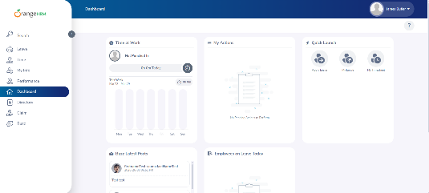 | S3 | P3
ORHRM_002 | Orange HRM-MyInfo | 1 | The requirement document contains "Upload" button but application contains "Save" button in Emergency contact Attachment. | TC_MyInfo_014 | 1. Login to OrangeHRM as ESS User. 2. Click on MyInfo tab. 3. Click on Emergency Contact button. 4. Click on "Add" under Attachment. | 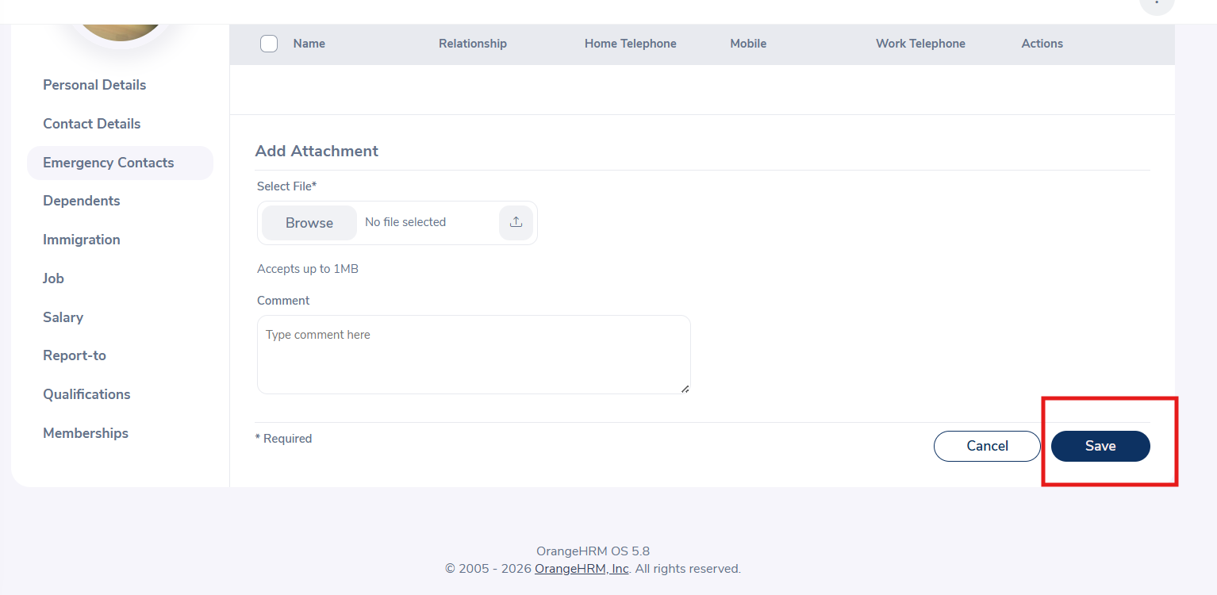 | S3 | P3
ORHRM_003 | Orange HRM-MyInfo | 1 | The requirement document contains "Upload" button but application contains "Save" button in Dependant Attachment. | TC_MyInfo_018 | 1. Login to OrangeHRM as ESS User. 2. Click on MyInfo tab. 3. Click on dependant button. 4. Click on "Add" under Attachment. |  | S3 | P3
ORHRM_004 | Orange HRM-MyInfo | 1 | No immigration form is seen directly after clicking on immigration button, you have to click on "Add" button to get the form. | TC_MyInfo_019 | 1. Login to OrangeHRM as ESS User. 2. Click on MyInfo tab. 3. Click on Immigration button. | 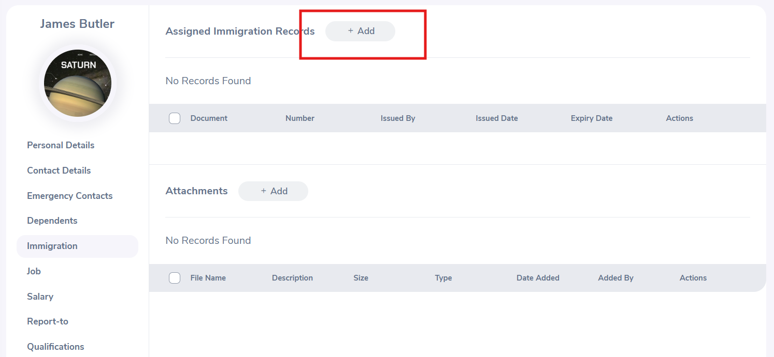 | S3 | P3
ORHRM_005 | Orange HRM-MyInfo | 1 | The requirement document contains "Upload" button but application contains "Save" button in Immigration | TC_MyInfo_022 | 1. Login to OrangeHRM as ESS User. 2. Click on MyInfo tab. 3. Click on Immigration button. 4. Click on "Add" under Attachment. |  | S3 | P3
ORHRM_006 | Orange HRM-MyInfo | 1 | "Record not Found" error is shown and the entry is not deleted when you delete Education detail in Qualification under Education | TC_MyInfo_032 | 1. Login to OrangeHRM as ESS User. 2. Click on MyInfo tab. 3. Click on Qualification. 4. Click on "Add" button under Education. 4. Enter all the required fields. 5. Click "Save" once completed. 6. Click on the check box next to that entry(one or more) under Education. 7. Click on "Delete". | 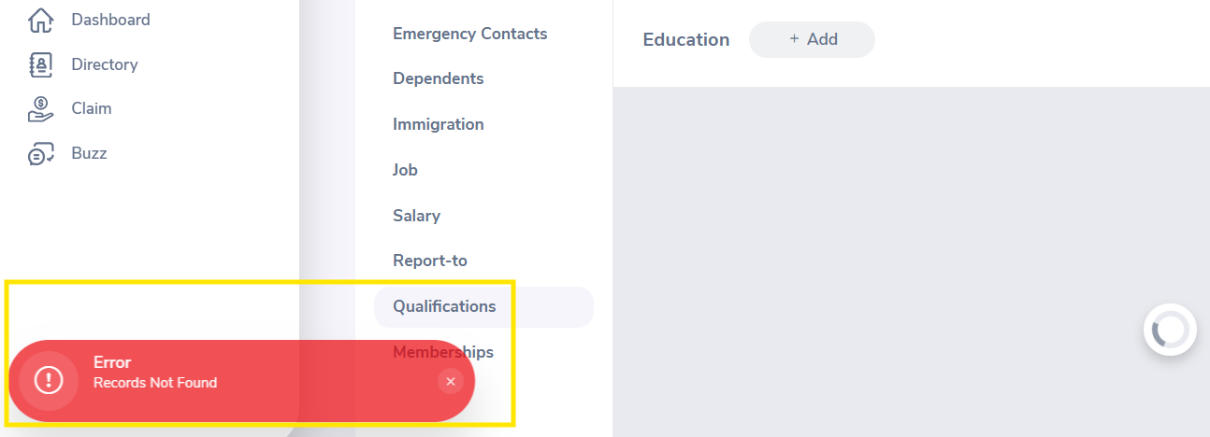 | S2 | P2
ORHRM_007 | Orange HRM-MyInfo | 1 | The requirement document contains "Upload" button but application contains "Save" button in Qualification under License. | TC_MyInfo_042 | 1. Login to OrangeHRM as ESS User. 2. Click on MyInfo tab. 3. Click on Qualification button. 4. Click on "Add" under Attachment under License. | 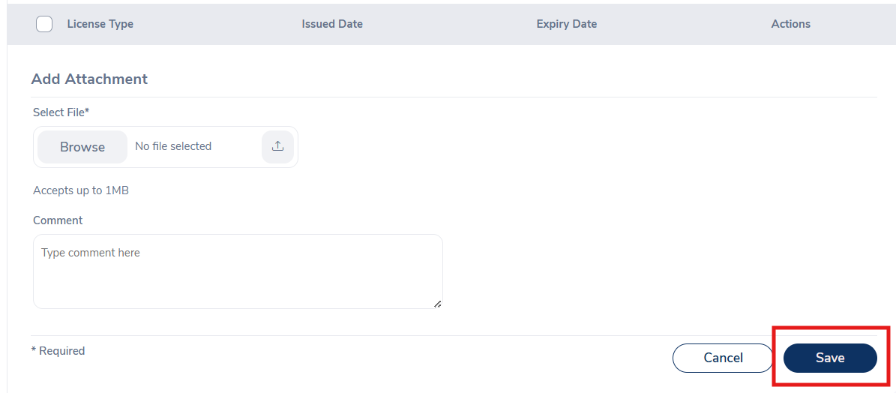 | S3 | P3
ORHRM_008 | Orange HRM-MyInfo | 1 | The requirement document contains "Upload" button but application contains "Save" button in Qualification under Membership | TC_MyInfo_048 | 1. Login to OrangeHRM as ESS User. 2. Click on MyInfo tab. 3. Click on License button. 4. Click on "Add" under Attachment under Membership. | 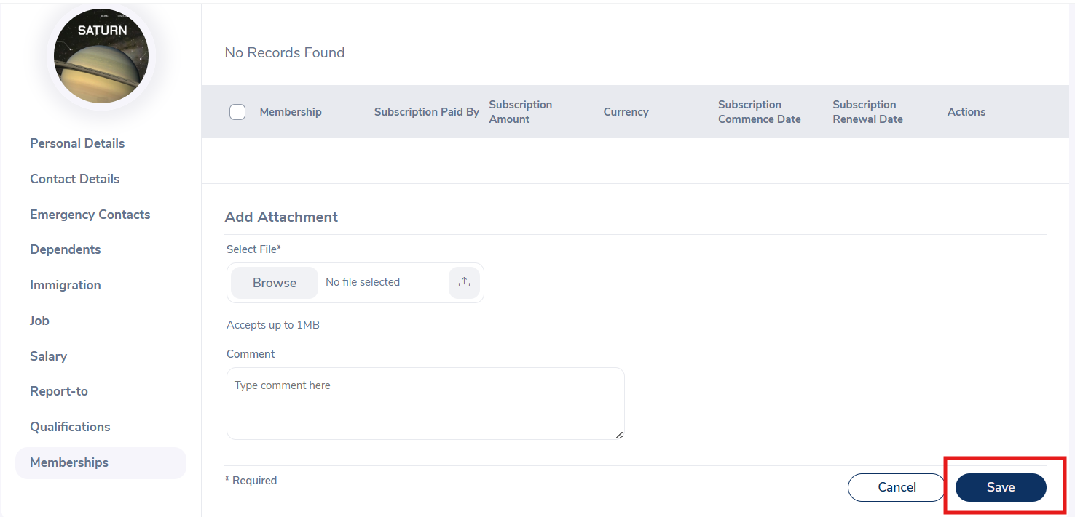 | S3 | P3

