List1
Circumference Nodes |  |  | Circumference Elements
Node | X | Y |  | Element |  | Node | x (from axis)
251 | 0 | -10.5275 | Crown | 6652 |  | 320 | -28 | Surface Nodes
250 | 4.92E-01 | -10.5395 |  | 6651 |  | 318 | -20
249 | 9.83E-01 | -10.5755 |  | 6650 |  | 316 | -12
248 | 1.4719 | -10.6353 |  | 6649 |  | 315 | -8
247 | 1.95708 | -10.719 |  | 6648 |  | 314 | -4
320
318
316
314
315
313
246 | 2.43761 | -10.8261 |  | 6647 |  | 313 | 0
245 | 2.91235 | -10.9566 |  | 6646 |  | 312 | 4
244 | 3.38016 | -11.1101 |  | 6645 |  | 311 | 8
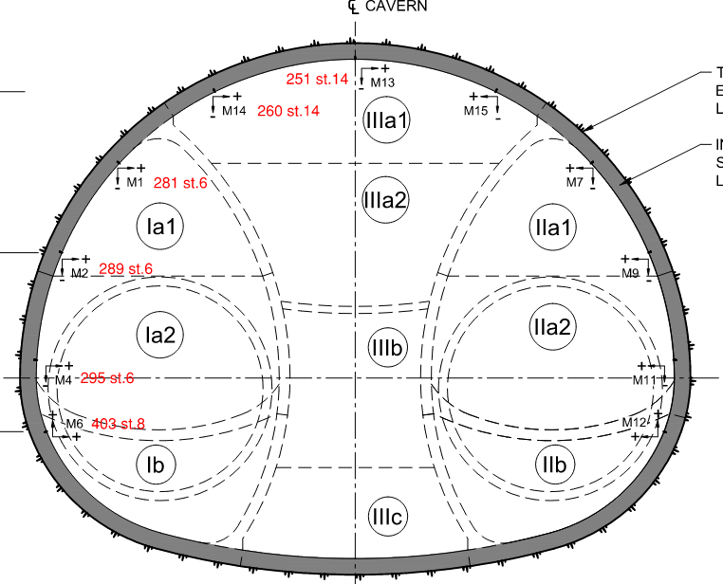
243 | 3.83994 | -11.2861 |  | 6644 |  | 310 | 12
6653
6652
242 | 4.29059 | -11.4844 |  | 6643 |  | 308 | 20
241 | 4.73104 | -11.7044 |  | 6642 |  | 306 | 28
240 | 5.16024 | -11.9456 |  | 6641 | Monitoring Nodes | 251
20 | 5.57717 | -12.2075 |  | 6624 |  | 260
225 | 6.00215 | -12.505 |  | 6623 |  | 281
224 | 6.41129 | -12.824 |  | 6622 |  | 289
223 | 6.80351 | -13.1636 |  | 6621 |  | 295
222 | 7.17776 | -13.5229 |  | 6620 |  | 403
221 | 7.53E+00 | -13.901 |  | 6619
220 | 7.87E+00 | -14.2968 |  | 6618
219 | 8.18E+00 | -14.7093 |  | 6617
218 | 8.48E+00 | -15.1374 |  | 6616
22 | 8.74685 | -15.58 |  | 6615
217 | 8.97931 | -16.0164 |  | 6614
216 | 9.18182 | -16.4675 |  | 6613
215 | 9.35346 | -16.9312 |  | 6612
6687
6607
214 | 9.49344 | -17.4055 |  | 6611
213 | 9.60113 | -17.8881 |  | 6610
212 | 9.67604 | -18.3768 |  | 6609
211 | 9.71783 | -18.8695 |  | 6608
210 | 9.7263 | -19.3639 | SL Right | 6607
209 | 9.70142 | -19.8578 |  | 6606
208 | 9.64331 | -20.3488 |  | 6605
207 | 9.55222 | -20.8348 |  | 6604
17 | 9.42857 | -21.3136 |  | 6581
6702
6703
192 | 9.27246 | -21.7842 |  | 6580
191 | 9.08488 | -22.2431 |  | 6579
190 | 8.86671 | -22.6884 |  | 6578
19 | 8.61894 | -23.1179 |  | 6577
189 | 8.34143 | -23.5199 |  | 6576
188 | 8.02741 | -23.8942 |  | 6575
187 | 7.67966 | -24.2374 |  | 6574
186 | 7.30124 | -24.5464 |  | 6573
185 | 6.89548 | -24.8185 |  | 6572
184 | 6.46599 | -25.0513 |  | 6571
183 | 6.01653 | -25.2428 |  | 6570
18 | 5.55109 | -25.3913 |  | 6569
182 | 5.07787 | -25.5123 |  | 6568
181 | 4.60202 | -25.6225 |  | 6567
180 | 4.12377 | -25.7219 |  | 6566
8 | 3.6434 | -25.8104 |  | 6709
88 | 3.16338 | -25.8875 |  | 6708
87 | 2.68174 | -25.9538 |  | 6707
86 | 2.19873 | -26.0091 |  | 6706
85 | 1.71458 | -26.0534 |  | 6705
84 | 1.22955 | -26.0868 |  | 6704
83 | 7.44E-01 | -26.1092 | Invert | 6703
82 | 2.58E-01 | -26.1205 |  | 6702
81 | -2.28E-01 | -26.1209 |  | 6701
80 | -7.14E-01 | -26.1102 |  | 6700
79 | -1.20007 | -26.0885 |  | 6699
78 | -1.68514 | -26.0558 |  | 6698
77 | -2.16935 | -26.0121 |  | 6697
76 | -2.65244 | -25.9574 |  | 6696
75 | -3.13417 | -25.8919 |  | 6695
7 | -3.61429 | -25.8154 |  | 6716
391 | -4.10204 | -25.7262 |  | 6717
392 | -4.58759 | -25.6257 |  | 6718
393 | -5.07E+00 | -25.5141 |  | 6719
31 | -5.55E+00 | -25.3913 |  | 6720
394 | -6.01653 | -25.2428 |  | 6721
395 | -6.47E+00 | -25.0513 |  | 6722
396 | -6.90E+00 | -24.8185 |  | 6723
397 | -7.30124 | -24.5464 |  | 6724
398 | -7.67966 | -24.2374 |  | 6725
399 | -8.02741 | -23.8942 |  | 6726
400 | -8.34143 | -23.5199 |  | 6727
32 | -8.61894 | -23.1179 |  | 6728
401 | -8.86671 | -22.6884 |  | 6729
402 | -9.08488 | -22.2431 |  | 6730
403 | -9.27246 | -21.7842 |  | 6731
26 | -9.42857 | -21.3136 |  | 6691
296 | -9.55222 | -20.8348 |  | 6690
295 | -9.64331 | -20.3488 |  | 6689
294 | -9.70142 | -19.8578 |  | 6688
293 | -9.7263 | -19.3639 | SL Left | 6687
292 | -9.71783 | -18.8695 |  | 6686
291 | -9.67604 | -18.3768 |  | 6685
290 | -9.60113 | -17.8881 |  | 6684
289 | -9.49344 | -17.4055 |  | 6683
288 | -9.35346 | -16.9312 |  | 6682
287 | -9.18182 | -16.4675 |  | 6681
286 | -8.97931 | -16.0164 |  | 6680
25 | -8.74685 | -15.58 |  | 6679
285 | -8.47618 | -15.1374 |  | 6678
284 | -8.18314 | -14.7093 |  | 6677
283 | -7.86849 | -14.2968 |  | 6676
282 | -7.53307 | -13.901 |  | 6675
281 | -7.17776 | -13.5229 |  | 6674
280 | -6.80351 | -13.1636 |  | 6673
279 | -6.41129 | -12.824 |  | 6672
278 | -6.00215 | -12.505 |  | 6671
23 | -5.57717 | -12.2075 |  | 6664
262 | -5.16024 | -11.9456 |  | 6663
261 | -4.73104 | -11.7044 |  | 6662
260 | -4.29059 | -11.4844 |  | 6661
259 | -3.83994 | -11.2861 |  | 6660
258 | -3.38016 | -11.1101 |  | 6659
257 | -2.91235 | -10.9566 |  | 6658
256 | -2.43761 | -10.8261 |  | 6657
255 | -1.95708 | -10.719 |  | 6656
254 | -1.4719 | -10.6353 |  | 6655
253 | -9.83E-01 | -10.5755 |  | 6654
252 | -4.92E-01 | -10.5395 | Crown | 6653

