Sheet1
TEST EXECUTION
I have chosen the buy energy feature for this exercise, and will apply the test plan's guidance to this.

Smoke test
Smoke test | Findings | Result
Buy 500 units of gas | n/a | pass
Register for a new account | 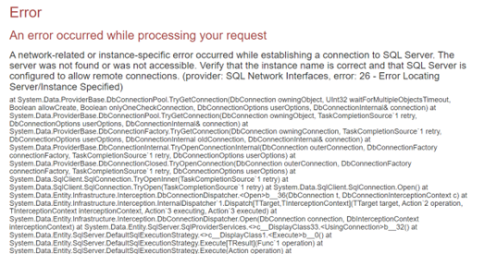 Error found when registering an account. 1. Navigate to register page 2. Create account with following details: bdanby@hotmail.co.uk TestTest01# 3. Verbose Error displayed when connecting to SQL server | fail

Exploratory testing
Summary | Description | Risk | Impact
Mismatch of sales discount |  Red sticker and text do not match. Confusing/misleading to the customer | High | Medium
Validation when buying energy | Possible to purchase minus and 0 energy. Using a minus value increments the values in the database aswell. | High | Medium
 | 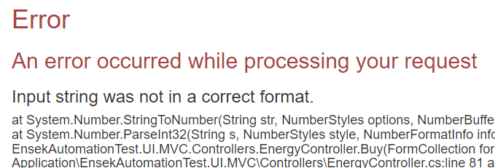 Entering text into units field and submiting causes a non user friendly error, doesn't give user chance to adjust.
 | Possible to buy units even when non available
 | Using too large a number causes an non friendly user error: "Value was either too large or too small for an Int32".
Unable to buy on mobile | 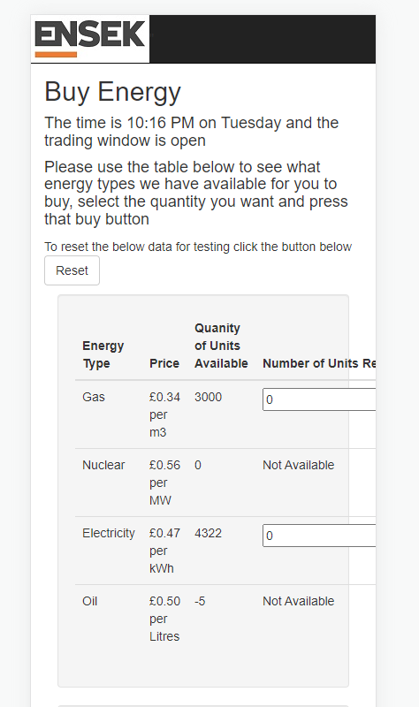 When viewing on a IPhone12 and other smaller resolutions, you cannot buy energy as the button is offscreen. | High | High
Not using local time of the browser | Is not using time on my local browser/device. Displaying UTC? | High | Low
Can order nuclear even when unavailable | 1. Navigate to buy energy page 2. Go into dev tools on browser 3. Set value of ID in HTML of the gas input field to "2" from 1 which matches nuclear energy instead 4. Enter 5 units on the gas input field and Press Buy on gas 5. This purchases nuclear instead, depsite being unavailable | Medium | High
Accessibility | Most if not all elements lack ALT attributes or proper labels for screen readers and other tools | High | Low
Do customers buy multiple? | Is it common for customers to want to buy multiple types of energy at once? Currently you have to buy 1 at a time, could we improve by letting them buy multiple at once? | n/a | n/a

