final
participants | study | test
1 | 1.3054148714 | 1.00873495
2 | 0.84627516004 | 0.57827115001
3 | 0.20809264004 | 0.195968 |  |  | t-Test: Paired Two Sample for Means
4 | 1.3292855667 | 1.213204
5 | 0.64828711663 | 0.45539670007 |  |  |  | study | test
 |  |  |  |  | Mean | 0.86747107096 | 0.69031496001
std | 0.471 | 0.415 |  |  | Variance | 0.22208454712 | 0.17173088981
 |  |  |  |  | Observations | 5 | 5
 |  |  |  |  | Pearson Correlation | 0.97387064526
 |  |  |  |  | Hypothesized Mean Difference | 0
 |  |  |  |  | df | 4
 |  |  |  |  | t Stat | 3.4172162357
 |  |  |  |  | P(T<=t) one-tail | 0.013424363348
 |  |  |  |  | t Critical one-tail | 2.1318467863
 |  |  |  |  | P(T<=t) two-tail | 0.026848726696
 |  |  |  |  | t Critical two-tail | 2.7764451052

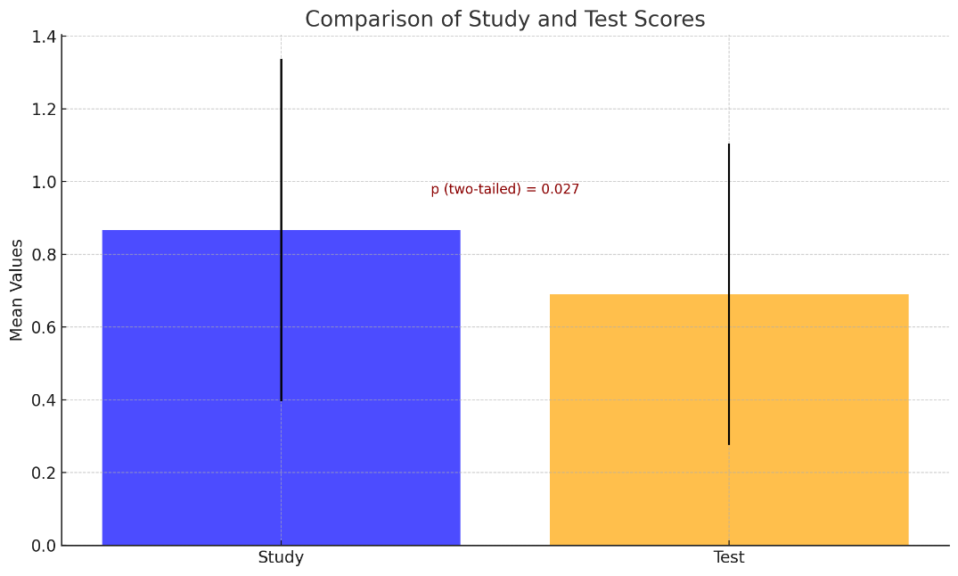
Mean Reaction time of participaants

 |  |  | mean value | standard deviation
 |  | study | 0.86747 | 0.4712
 |  | test | 0.69031 | 0.4144

 |  |  |  | : 0.4712
 |  |  |  | Standard Deviation (test): 0.4144

