Readme
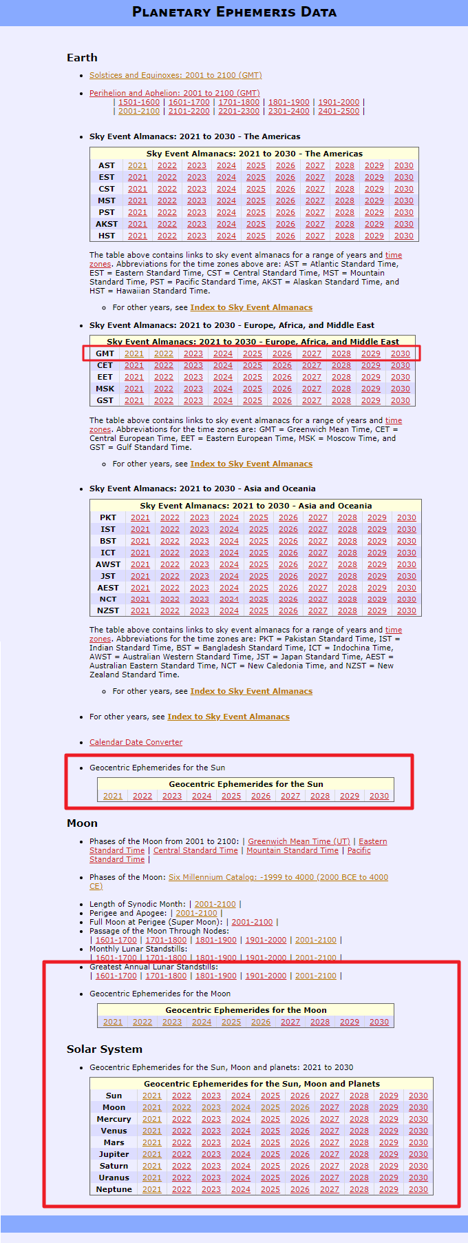
 | MAIN FEATURES:

The "Astropixels" tool is dedicated for the ephemeris data calculated by Fred Espenak, which can be found on the Astropixels.com website. This macro will be very helpful for people, who want to utilise these astronomical computations in Excel. The major goal of this tool is to facilitate for people gathering some of the important data in the MS Excel spreadsheet. | - Sanitizing ephemeris on the Solar System objects (Sun, Moon and planets), - Calculating decimal declination for the Solar System objects , - Calculating distance to the Sun [km], - Indicating perigeum and apogeum monents throughout the pasted year, - Cleaning the calendar of celestial events, - Cleaning the Great Annual Lunar Standstills 2001-2020

HOW TO GET DATA

Visit the "Astropixels" website and choose one of the Solar System object ephemeris calculated on a yearly basis. We have the choice till 2030 there so far. If you selected the celetial events, you have the choice till 2100, the same as with greatest lunar standstills. See the kmage below, where all data covered in this tool have been bounded red. When entered, select all data bounded in the frame and copy it to the clipboard as advised below. This tool will cater for the further steps :) Good luck

