Sheet1
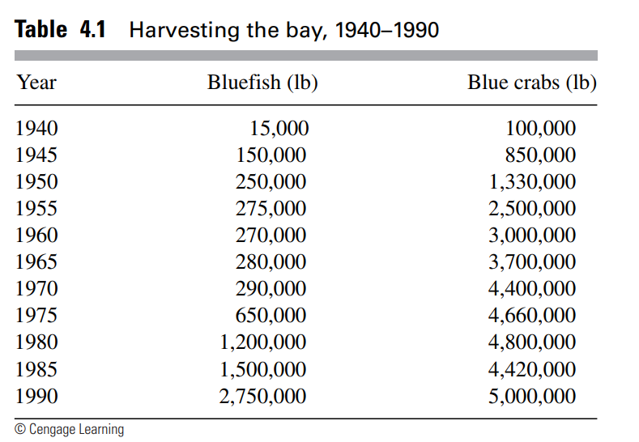
Blue Crab
Blue Fish

Year | Blue Fish | Blue Crabs
1940 | 15,000 | 100,000
1945 | 150,000 | 850,000
1950 | 250,000 | 1,330,000
1955 | 275,000 | 2,500,000
1960 | 270,000 | 3,000,000
1965 | 280,000 | 3,700,000
1970 | 290,000 | 4,400,000
1975 | 650,000 | 4,660,000
1980 | 1,200,000 | 4,800,000
1985 | 1,500,000 | 4,420,000
1990 | 2,750,000 | 5,000,000

