Producing desks and tables
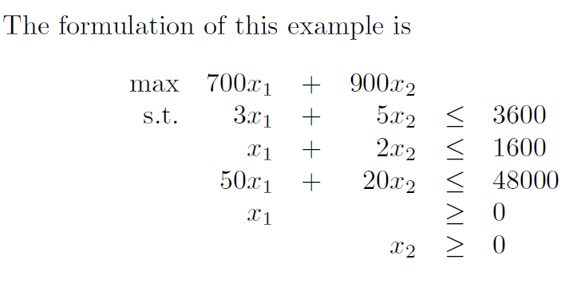
Constraints
 | x_1 | x_2
Constraint 1 | 3 | 5 | <= | 3600
Constraint 2 | 1 | 2 | <= | 1600
Constraint 3 | 50 | 20 | <= | 48000
Objective values
max | 700 | 900

Linear Programing
 | x1 | x2
Decision variables
Objective value | 0.0
Constraint 1 | 0.0
Constraint 2 | 0.0
Constraint 3 | 0.0

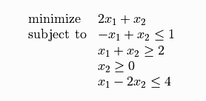
 | x_1 | x_2
Constraint 1 | -1 | 1 | <= | 1
Constraint 2 | -1 | -1 | <= | -2
Constraint 3 | 0 | -1 | <= | 0
Constraint 4 | 1 | -2 | <= | 4

 | x_1 | x_2
Decision variables | 0.5 | 1.5
Objective value | 2.5
Constraint 1 | 1
Constraint 2 | -2
Constraint 3 | -1.5
Constraint 4 | -2.5

Personnel scheduling
Constraints
 | x1 | x2 | x3 | x4 | x5 | x6 | x7
Mon | 1 |  |  | 1 | 1 | 1 | 1 | >= | 110
Tue | 1 | 1 |  |  | 1 | 1 | 1 | >= | 80
Wed | 1 | 1 | 1 |  |  | 1 | 1 | >= | 150
Thu | 1 | 1 | 1 | 1 |  |  | 1 | >= | 30
Fri | 1 | 1 | 1 | 1 | 1 |  |  | >= | 70
Sat |  | 1 | 1 | 1 | 1 | 1 |  | >= | 160
Sun |  |  | 1 | 1 | 1 | 1 | 1 | >= | 120
Objective values
min | 1 | 1 | 1 | 1 | 1 | 1 | 1

Linear Programing
 | x1 | x2 | x3 | x4 | x5 | x6 | x7
Decision variables
Objective value | 0.0
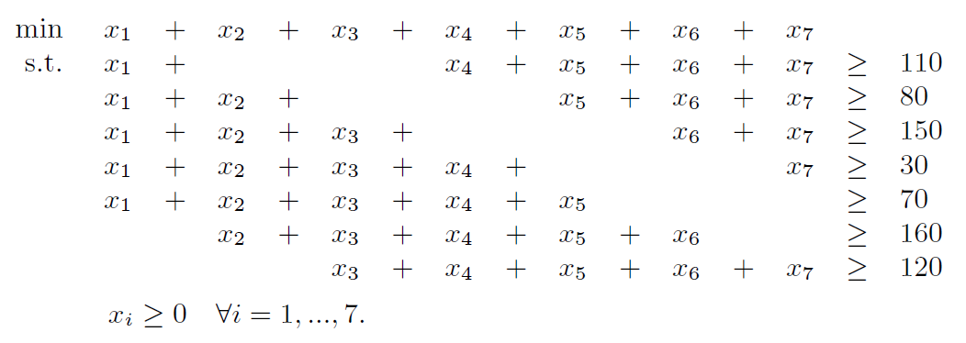
Constraint 1 | 0.0
Constraint 2 | 0.0
Constraint 3 | 0.0
Constraint 4 | 0.0
Constraint 5 | 0.0
Constraint 6 | 0.0
Constraint 7 | 0.0

