Summary
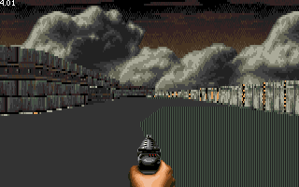
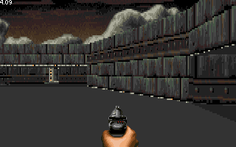
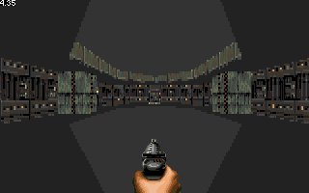
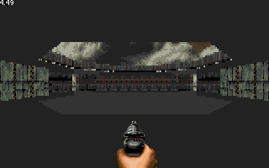
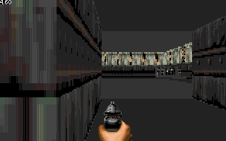
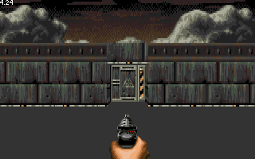
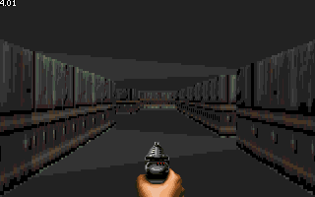
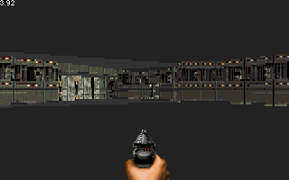
 | Flat renderer | Variable height first imlementation | Variable height optimized
Minimal | 3.22 | 3.36 | 3.27
Demo intro | 3.82 | 4.23 | 4.12
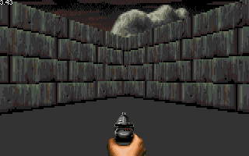
Map start | 3.75 | 4.11 | 4.01
Inner hub (0,0) | 4.01 | 4.27 | 4.14
Entry room | 4.01 | 4.52 | 4.37
West loading area | 4.27 | 4.68 | 4.50
East storage | 4.27 | 4.83 | 4.69
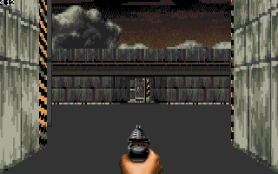
Old starting point | 3.85 | 4.33 | 4.23
Lighted corridors | 3.88 | 4.19 | 4.01
West hangar | 3.81 | 4.01 | 3.95

