Лист1
Protein alignment | Genes alignment

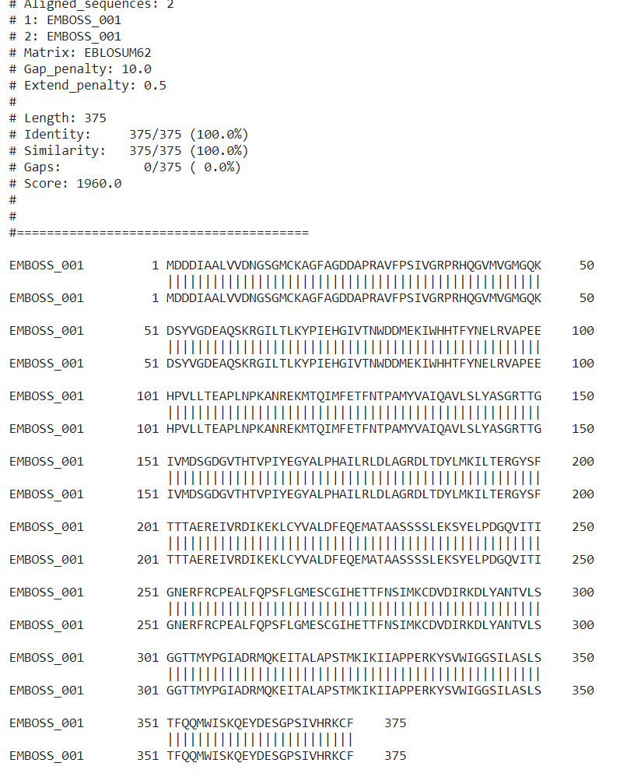
 | https://www.ebi.ac.uk/Tools/services/rest/emboss_needle/result/emboss_needle-I20210130-091911-0000-94465-p1m/aln

