UNIFORMAT CODE
ATL | Uniformat Code
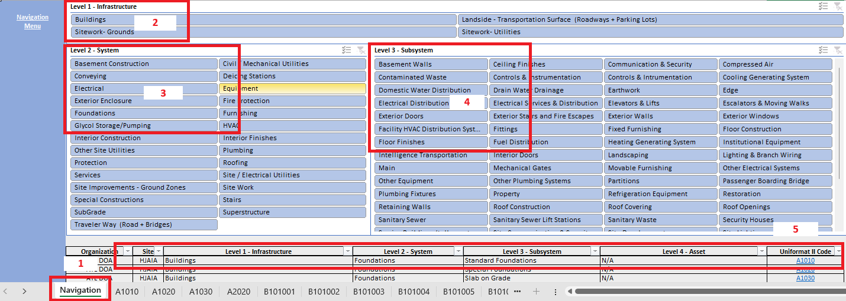

Steps to check and add the Uniformat Code
 | Open the Spreadsheet> ATL-TP-EXC-AssetDefinition_2025-v1.xlsx
1 | Stay in the Navigation Menu
2 | Select Level 1 of definition
3 | Select Level 2 of definition
4 | Select Level 3 of definition
5 | You can find the element list at the bottom and select the correct Uniformat Code to fill the Parameter in your model

