Sheet1
Test Case Number | Test Case Name | Description | Type | Steps | Test Data | Expected Result | Actual Result | Pass/Fail | Notes

TC_001 | A MOVIE page | As a user, I should be able to go to Movies page | Functional | 1. Navigate to "https://movieo.me/" |  | 1. Home Page should be open | 1. Home Page uploaded | Pass | 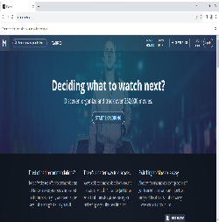
 |  |  |  | 2. Click on BROWSE MOVIES button |  | 2. It should take you to Movies page | 2. Movies page is open | Pass
 |  |  |  | 3. Pop up window appears with "Welcome! Here's how it works". Click on CONTINUE |  | 3. "LET ME EXPLORE FIRST" tab should appear | 3. It should take user to the next window | Pass | 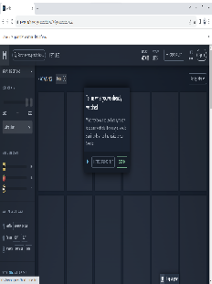
 |  |  |  | 4. Click on "LET ME EXPLORE FIRST" |  | 4. Pop up window should dissapear | 4. Pop up window is gone, You should see the list of movies | Pass | 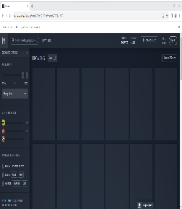
TC_002 | Movie tab description | As a user, I should be able to hover over the movie window and verify pop up window with movie description appears | functional | 1. Navigate to "https://movieo.me/" |  | 1. Home Page should be open | 1. Home Page uploaded | Pass
 |  |  |  | 2. Click on BROWSE MOVIES button |  | 2. It should take you to Movies page | 2. Movies page is open | Pass
 |  |  |  | 3. Pop up window appears with "Welcome! Here's how it works". Click on CONTINUE |  | 3. "LET ME EXPLORE FIRST" tab should appear | 3. It should take user to the next window | Pass
 |  |  |  | 4. Click on "LET ME EXPLORE FIRST" |  | 4. Pop up window should dissapear | 4. Pop up window is gone, You should see the list of movies | Pass
 |  |  |  | 5. Hover over a movie window |  | 5. Movie description pops up | 5. Pop up window appears when you Hover over | Pass
 |  |  |  | 6. When I click on movie window |  | 6. It should take user to specific movie page | 6. Movie page opened | Pass

TC_003 | Play movie | As user, I should be able to play the movie | functional | 7. Click on Play |  | 7. Movie should start playing | 7. Error message came out, can not play | Fail | 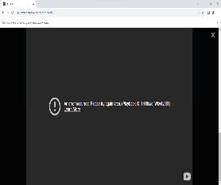

TC_004 | Choose next movie | As user, I should be able to click on greater sign | functional | 8. Click on greater sign |  | 8. It should change to next movie | 8. It switched to next movie | 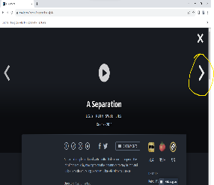 Pass

TC_005 | Close movie page | As a user, I should be able to click on X symbol | functional | 7. Click on X symbol |  | 7. Movie page should close | 7. Movie page closed | Pass | 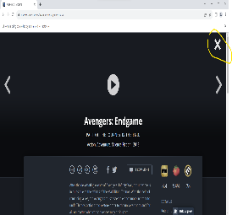

TC_006 | Close movie page | As a user, I should be able to click on ESC to close the window | functional | 7. Click on ESC |  | 7. Movie page should close | 7. It closed the window | Pass | 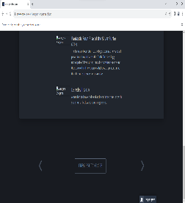

TC_007 | "+", check mark, "X", lines are displayed | User should be able to see these symbols | functional | 6. When I click on movie window |  | 6. It should take user to specific movie page | 6. Movie page opened and that symbols are visible | Pass

