F1_real_mean
Mean
0.51906567854
-0.10352672741
-1.6758953096
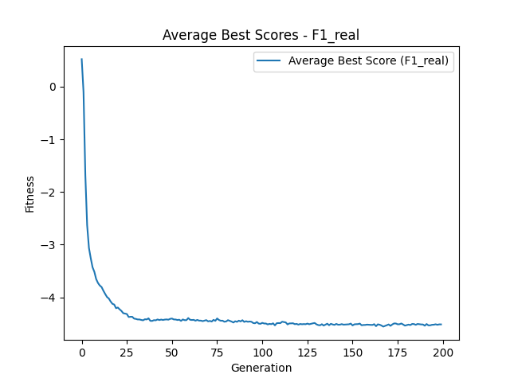
-2.6282532246
-3.0604469126
-3.2554156154
-3.4279871636
-3.5146071369
-3.6520167139
-3.7254763696
-3.7740664753
-3.8033703226
-3.873244266
-3.935000251
-3.991954071
-4.0205557978
-4.0769590773
-4.1214504641
-4.1356541526
-4.2046009225
-4.1922185841
-4.2267741267
-4.2565046294
-4.2995431148
-4.3065256579
-4.3149745406
-4.3716971529
-4.3677678755
-4.3678405988
-4.4020304676
-4.408054311
-4.4182428305
-4.4183467121
-4.428009246
-4.4342874001
-4.4144268982
-4.417921683
-4.3968843111
-4.4446833332
-4.4463486326
-4.4319413824
-4.4347166326
-4.4180395537
-4.4296624973
-4.420657479
-4.4282173253
-4.4207300653
-4.4179447467
-4.4228239984
-4.4065345623
-4.4013103731
-4.4181638147
-4.4192990327
-4.4286786185
-4.4233047887
-4.4453862633
-4.4185447224
-4.4317734426
-4.4319001754
-4.3914829876
-4.4240500598
-4.4286479012
-4.4259667604
-4.4418706265
-4.4270651898
-4.4405401842
-4.4404238807
-4.4501762644
-4.4411303134
-4.4310006254
-4.4547186372
-4.4467529708
-4.4577907189
-4.4259116705
-4.4447942034
-4.3992299451
-4.4283187693
-4.4426692211
-4.4413813716
-4.4617660995
-4.4561744639
-4.4319354759
-4.4443722393
-4.4582688851
-4.4766255931
-4.4524342066
-4.4639188466
-4.4411085689
-4.45583053
-4.4323721115
-4.4649181118
-4.451626821
-4.4624065337
-4.457439728
-4.4621238634
-4.4864927948
-4.4906649104
-4.4666391923
-4.4966004065
-4.50103601
-4.4828290972
-4.4948792145
-4.4956711404
-4.512349821
-4.5019725529
-4.5081053465
-4.4916700308
-4.5307881993
-4.4895380791
-4.4869302137
-4.4886310916
-4.4612936979
-4.4679389635
-4.4745515907
-4.5124443539
-4.4936440696
-4.4929449288
-4.4904427698
-4.5074679409
-4.5027669086
-4.5162585801
-4.5039518348
-4.5095109236
-4.5057544483
-4.5086870222
-4.4969556543
-4.5095221694
-4.5005107601
-4.4922239766
-4.4849687502
-4.5105840903
-4.5249805308
-4.5289752398
-4.5085999151
-4.5337136058
-4.5161704097
-4.4991791924
-4.5277716598
-4.5013107993
-4.5136223441
-4.5211178051
-4.5029187306
-4.5180995622
-4.5168881067
-4.5070668767
-4.5170427201
-4.5144220371
-4.5127522911
-4.510055674
-4.4968912162
-4.5315655519
-4.5111105447
-4.5078614372
-4.5069844585
-4.4966726894
-4.5282385068
-4.5232314564
-4.522225273
-4.516465503
-4.5190758581
-4.5213188666
-4.522366174
-4.5080278922
-4.5459898542
-4.5110229533
-4.5183890184
-4.5331215741
-4.5541431308
-4.541360978
-4.5270558062
-4.5128235053
-4.5394815526
-4.51297801
-4.4940752344
-4.4951619938
-4.5103877079
-4.5088231563
-4.4947505448
-4.5136301242
-4.535431817
-4.5259017539
-4.5161022727
-4.5246807712
-4.5038963807
-4.5057169741
-4.519980767
-4.5039964549
-4.5084903856
-4.5128960199
-4.5140935335
-4.5366447606
-4.505334456
-4.5301031196
-4.529636437
-4.5197269471
-4.5177917811
-4.5100054531
-4.519419226
-4.5115153474
-4.5121984235

F2_real_mean
Mean
19.725316674
17.633896056
15.090579724
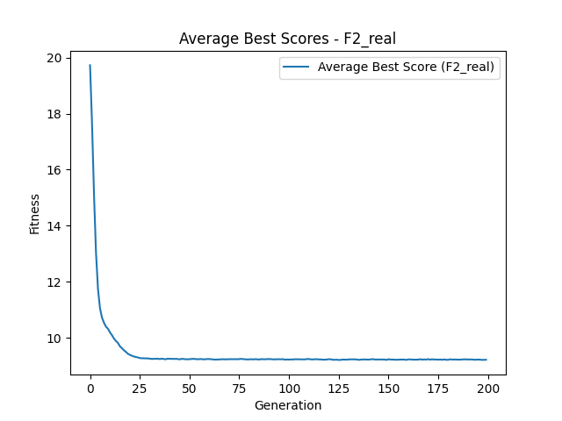
13.021399112
11.72985071
11.053196994
10.717859503
10.533411178
10.39662204
10.321013159
10.191357534
10.092395781
9.973618399
9.8850467415
9.8153271215
9.6969708582
9.6245613828
9.5554350304
9.4958108259
9.429256672
9.3886291042
9.3581395152
9.3321075587
9.3101221278
9.2982749189
9.2715267378
9.2677717846
9.2642251628
9.2620886768
9.2635555819
9.2529063987
9.2416824203
9.2484129689
9.2449587805
9.2524949716
9.236857086
9.2523755384
9.2429002328
9.2300348896
9.253686191
9.2461275942
9.2466668972
9.2435320199
9.24512089
9.2418277179
9.226919519
9.2455357293
9.2418576296
9.2318771516
9.2298537998
9.235897274
9.2397515452
9.245633389
9.2377323589
9.2307685243
9.2338861658
9.2402078555
9.2263569845
9.2326025669
9.2384261409
9.2390173773
9.233545173
9.2248487901
9.2182206052
9.2240536853
9.2224170149
9.2331180676
9.2292890025
9.2258786897
9.2338814887
9.2304587777
9.2351200043
9.2330337864
9.2353699022
9.2312822065
9.238735001
9.2442257129
9.2387534935
9.2299229674
9.2230166472
9.2279839526
9.2316446704
9.2256603618
9.2351747507
9.2267509812
9.2215030439
9.236422944
9.231912952
9.231369117
9.2363778916
9.2394529522
9.2326792252
9.2284391822
9.2260640015
9.2322930734
9.2311325568
9.2304655052
9.2319249107
9.2170507254
9.2231269213
9.2199723409
9.2262802872
9.2222412499
9.2330069595
9.2289965431
9.2283179106
9.2302605662
9.2252784023
9.2276256448
9.2377881765
9.2390512771
9.226349834
9.2252898268
9.2300799397
9.2343269525
9.2243269319
9.2242376103
9.2160685144
9.2165717339
9.2217544584
9.2329338099
9.2306450194
9.2109297595
9.2136991373
9.2143503365
9.2062580426
9.2088081165
9.2206167949
9.2192147741
9.2155739988
9.2244076705
9.2288876522
9.2268227897
9.2289350119
9.2216433529
9.2099199732
9.2187145734
9.2245203569
9.2228922168
9.2204237577
9.2200373208
9.225593702
9.2369614895
9.2241289777
9.2187650464
9.2261532081
9.2212754501
9.2236066275
9.2201478274
9.2088202676
9.2319041932
9.2210996035
9.2204994065
9.2163578923
9.2129056321
9.2171473786
9.220442875
9.2199911923
9.2197799114
9.2086660345
9.2263595785
9.2263641947
9.2167518425
9.2172856439
9.2166125832
9.2183999695
9.2336726757
9.2178864564
9.2269850111
9.2185725312
9.2352599328
9.2191016525
9.2314848741
9.2205769235
9.2235489835
9.2158247287
9.2218554734
9.2123647665
9.226404297
9.2113341146
9.2119338533
9.2305091974
9.2205957737
9.2225702431
9.2205798627
9.2178511122
9.2160342695
9.2252603345
9.2255624865
9.2309578058
9.2207581402
9.2248523899
9.2251204373
9.2133455519
9.2179014609
9.2194125986
9.2172446395
9.2082144391
9.2111436667
9.2138078597

F1_binary_mean
Mean
0.53739195769
0.45984196342
0.3501306534
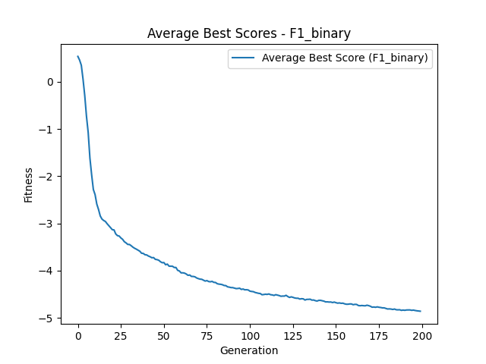
0.055399033577
-0.29281667648
-0.7294497371
-1.0744575447
-1.6153959597
-1.967914404
-2.2809595974
-2.3887962389
-2.5889464998
-2.702485577
-2.8400847373
-2.9061325243
-2.9366586287
-2.9575068894
-3.0051738065
-3.0457402779
-3.0884774992
-3.1310792565
-3.1359888939
-3.2206290815
-3.2570539268
-3.2658288664
-3.3065085416
-3.3356165797
-3.385702804
-3.4110490482
-3.4432810042
-3.4447406157
-3.4713159325
-3.50179607
-3.5253786167
-3.5438654012
-3.5654427449
-3.5872065078
-3.6295910007
-3.6340636198
-3.6613731752
-3.6660331228
-3.6892297168
-3.7042979947
-3.7256228609
-3.7218563308
-3.7592069575
-3.7651403943
-3.7781833349
-3.8095464375
-3.8304544716
-3.8277067772
-3.8735612656
-3.8601943832
-3.9039088393
-3.9050231972
-3.9055652349
-3.9319353841
-3.9316031686
-3.9918469924
-4.0058425265
-4.0459421111
-4.0441440805
-4.0517240709
-4.069895769
-4.0975805044
-4.0902560213
-4.1207441437
-4.1213882017
-4.1286133761
-4.1528473164
-4.1673687767
-4.1783532107
-4.1821106484
-4.2012338029
-4.219286455
-4.2094475312
-4.2288343807
-4.2344638794
-4.2256115216
-4.246431766
-4.2492184516
-4.2752235057
-4.2837047036
-4.287667786
-4.2961628315
-4.3131972702
-4.3157748758
-4.3412122414
-4.3476411929
-4.3573705372
-4.3580498576
-4.3677490835
-4.3789559841
-4.3764933748
-4.370239117
-4.3960576381
-4.387637985
-4.4043678637
-4.4027521161
-4.4077097998
-4.4327793333
-4.439326323
-4.4437580465
-4.4602002123
-4.4686702622
-4.4787644067
-4.4831092241
-4.508651498
-4.504480721
-4.497675651
-4.5016940654
-4.4918861808
-4.5080484566
-4.5124829967
-4.5236723676
-4.5072984188
-4.5168231562
-4.5264053025
-4.5407120183
-4.5368421458
-4.5375427577
-4.5210228725
-4.5464564434
-4.5656991217
-4.5530811025
-4.5638797312
-4.5770163127
-4.5829583294
-4.5832437204
-4.6003451966
-4.5926724
-4.5958173156
-4.6210271806
-4.6069540585
-4.6064048308
-4.6031253799
-4.6224901444
-4.619864982
-4.6339896369
-4.6424990655
-4.6281589932
-4.6273843083
-4.635663582
-4.6445311511
-4.6604607513
-4.6592841161
-4.6640734102
-4.6627827904
-4.673948207
-4.6642927104
-4.6768945325
-4.6868100911
-4.6817230705
-4.6901955042
-4.687203558
-4.7011209462
-4.7095585607
-4.709496627
-4.7033843864
-4.7040193207
-4.7199715438
-4.7122197833
-4.7139320786
-4.7366825685
-4.7417488171
-4.7365551202
-4.7408104567
-4.7430935355
-4.7306500719
-4.7393957188
-4.7522425896
-4.7726269614
-4.7684776097
-4.7745532219
-4.7653790807
-4.7740554131
-4.7790935345
-4.7869147461
-4.7867392317
-4.7986461279
-4.8106954806
-4.8084969446
-4.812059235
-4.8200651684
-4.8115331566
-4.8261479549
-4.8284842397
-4.8261874608
-4.8393968929
-4.833562713
-4.8383652508
-4.8313567849
-4.8315531093
-4.8301672155
-4.8390466249
-4.8338495906
-4.8422954757
-4.8485867702
-4.8529629706
-4.8577515811

F2_binary_mean
Mean
19.818597888
19.301844787
18.780025699
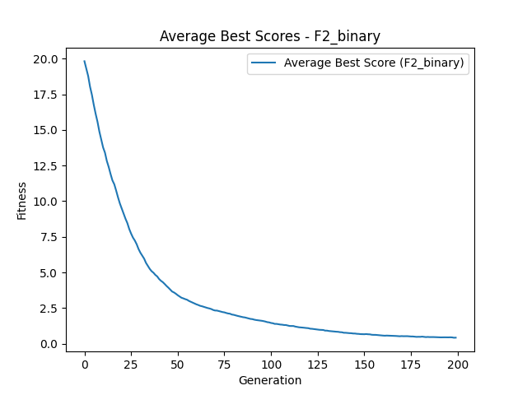
18.031138796
17.463543234
16.760505322
16.132305697
15.57066198
14.88403163
14.333496933
13.770682878
13.402580472
12.820589793
12.399754643
11.905950494
11.458147958
11.183565868
10.740839932
10.265749451
9.8349839229
9.4791877152
9.1160747595
8.7691027759
8.4611549852
8.051051933
7.726730289
7.4462628693
7.2391676623
6.978125403
6.6426348355
6.3821354435
6.1746235363
5.9658270751
5.6684079463
5.4594533293
5.2500104658
5.086148846
4.9792146928
4.8256636952
4.7200696441
4.5400957701
4.4148999775
4.3186035037
4.1896538896
4.0501319534
3.9294437781
3.7926070468
3.6600887654
3.5949519074
3.5053310823
3.4012762717
3.3147661232
3.22618083
3.1807245425
3.1263756206
3.0847672181
3.0019191739
2.9409041686
2.8824350392
2.8214291546
2.762414783
2.716417189
2.6587657168
2.6277712215
2.5871399395
2.5424111022
2.5032896912
2.4727317596
2.43108785
2.3670522727
2.3286988181
2.325280601
2.2928742897
2.256898672
2.2195773951
2.1988329169
2.155817264
2.1217289434
2.1037892817
2.0470109131
2.026224436
1.9880167499
1.9537448389
1.9205158772
1.8878706327
1.8605004406
1.8428268676
1.8070877748
1.7760424606
1.739191849
1.725629322
1.6873202377
1.6619615218
1.6461897352
1.6280169428
1.6085617205
1.5850016569
1.5536076926
1.5126006787
1.4965735268
1.4547598565
1.4351100651
1.3909007774
1.3903604134
1.3657893472
1.3441958653
1.3341649432
1.3117816916
1.3094094066
1.2766475253
1.243753143
1.2403232109
1.2419780089
1.202167866
1.1764125978
1.1532998693
1.1444590033
1.129999026
1.1137402714
1.1013638638
1.0904337437
1.0525705068
1.0445034559
1.0257636981
1.0105498018
0.98278075326
0.97569026437
0.97009415143
0.96262764436
0.91938944327
0.91842810018
0.89240798071
0.87674469974
0.86705718875
0.85267839147
0.84174331351
0.8337734863
0.80986510773
0.80289444965
0.76786311866
0.76652711687
0.75346288057
0.74127536998
0.73654105952
0.7166228868
0.7143199072
0.69532076423
0.6882091842
0.67344133137
0.6696825176
0.66510605424
0.67750823902
0.66271643753
0.65642954844
0.62835027956
0.62092502294
0.62123748969
0.60706513341
0.5975440941
0.58327299667
0.57016195038
0.56189814313
0.57076975127
0.56597238859
0.55844154973
0.56266763003
0.54771310634
0.54250963584
0.53255106533
0.52254340289
0.53390351478
0.52584391522
0.52751569251
0.52886280693
0.51722317495
0.50749065417
0.5072467943
0.49136193505
0.47938229357
0.48532567483
0.48220744974
0.49683615011
0.48178743181
0.46350522322
0.47445804455
0.46466835703
0.46602843787
0.4659173604
0.46077277664
0.45533658168
0.44495562139
0.44498798737
0.44760911778
0.44926600821
0.44549735397
0.44524048769
0.44974971624
0.4446491719
0.41971734002
0.42433441612

