F1_real_mean
Mean
37.090383583
16.721849368
7.9509213074
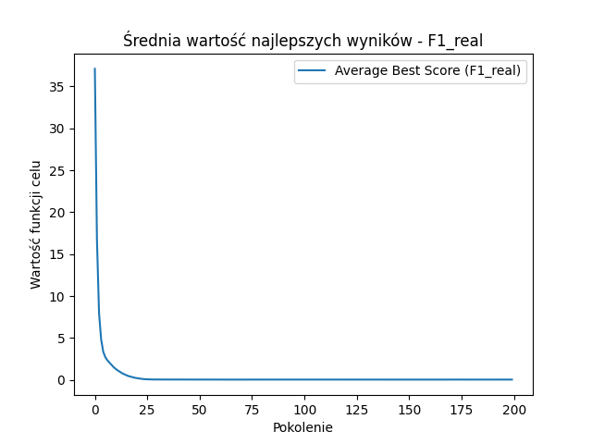
4.8306526465
3.3690079876
2.7242151068
2.3400918002
2.0629072278
1.7837149877
1.5252398082
1.3136209527
1.1315864523
0.9702664104
0.8113828805
0.6936433952
0.57897397535
0.47409892088
0.40535891809
0.32605003651
0.26959277671
0.22483105543
0.1774169024
0.14741861155
0.12219705133
0.098450456128
0.086353919367
0.070821345783
0.062235975435
0.061803468411
0.061219407929
0.057071132407
0.055762425613
0.052638608528
0.054461307189
0.049469841655
0.050127964302
0.049008211377
0.051478319973
0.050928990364
0.05085194333
0.049183218604
0.051972581421
0.052845368227
0.052823622749
0.048376837268
0.050191870117
0.049349573741
0.05038131583
0.050956173824
0.052307886102
0.048769118941
0.04991412677
0.0518873239
0.050112790966
0.050554985356
0.053332146839
0.05344770969
0.051337690394
0.051287911266
0.048862243319
0.050066798164
0.049376130122
0.052302975486
0.05038642318
0.052089193165
0.050260083875
0.049487430648
0.051466035041
0.051310114788
0.051027315285
0.050932096345
0.05205563374
0.051127472346
0.050667112957
0.052955920873
0.051809621715
0.050082339714
0.051050483235
0.05186435791
0.053236481776
0.054457329504
0.053623988589
0.053289897943
0.050784840882
0.053395359728
0.049984744054
0.052944856311
0.051687822616
0.053009004681
0.051657400046
0.051796200003
0.051301173834
0.052410801971
0.051596537629
0.052348500082
0.052447725384
0.052669268821
0.052617671663
0.051463017362
0.052762744254
0.051176763686
0.048054973172
0.052674430186
0.047822228982
0.052323952263
0.050036890719
0.05133883504
0.051343286249
0.05188382684
0.049273075163
0.049568471919
0.050365518536
0.05002508811
0.051487417642
0.050376627594
0.051139297963
0.052582921597
0.053363101883
0.054029992876
0.052048556438
0.050265790763
0.055225045447
0.052352971475
0.053073967936
0.051394249167
0.049315429027
0.051139138603
0.052760210933
0.052841941244
0.052500718872
0.051944922342
0.050216290384
0.050374393242
0.054795629473
0.050931484118
0.051908302933
0.052574849322
0.051636408187
0.050928548365
0.048654887901
0.050659406578
0.050439067717
0.051074860403
0.050169848028
0.049702534231
0.050319429923
0.049479854996
0.051776094572
0.052860318485
0.053060491906
0.053582084393
0.051358308837
0.051572433882
0.051149902849
0.049553053966
0.049987325019
0.051938780173
0.052953463605
0.052684674563
0.052150012913
0.052448512704
0.050261899161
0.048623335034
0.050720218851
0.052290074937
0.050244735494
0.051375241653
0.050022691303
0.052906678361
0.050118657032
0.048598481583
0.051589975508
0.052766230244
0.050824087767
0.052327968029
0.048932333877
0.052113985788
0.051142376731
0.052366858781
0.050717367331
0.050251026295
0.050671462996
0.051581256938
0.048812396154
0.052994823874
0.053359937905
0.05148289201
0.052708888811
0.051364318584
0.051021155105
0.051286458162
0.051180388003
0.049696547475
0.0526220835
0.049602812211
0.049746001146
0.051356074415
0.051696174991
0.04958816822
0.051440023833

F2_real_mean
Mean
120226.02534
38996.025962
13048.304252
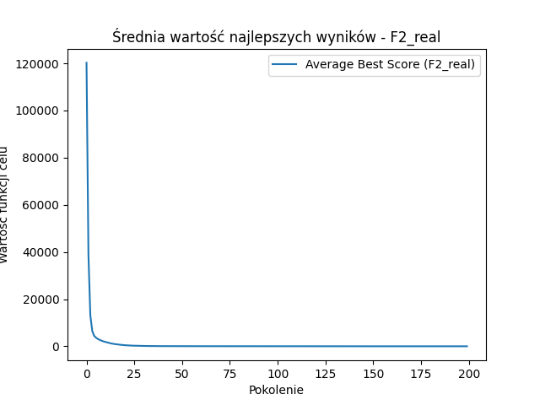
6543.7292944
4427.5982701
3638.3283114
3105.3092125
2704.4237226
2354.7496768
2056.5387313
1836.8918341
1580.9487944
1383.3000292
1201.0396451
1060.0421065
939.26825759
827.04240982
728.01680231
641.3391296
557.20511769
485.38073849
430.10941845
382.79378376
339.93635573
293.95942198
269.25850415
246.67516964
224.55262174
203.11414698
183.49834439
166.25840987
152.15615193
140.51795152
130.81592045
123.57811422
116.39514827
108.92075385
102.61481726
99.334726403
93.779578542
90.272902176
87.731142064
84.726341977
82.57730564
79.232816889
76.100841446
75.130781188
73.507786392
72.647474291
70.983106247
69.021483499
68.633126797
66.709873694
64.490557933
64.258813796
63.872665141
63.472927848
61.389009804
60.57091395
60.706626733
59.826877885
59.005547617
58.82416565
57.28617984
55.511812767
55.165760595
54.03363619
54.31650392
52.272933024
51.948706953
51.6126801
51.786451659
51.302151989
50.2452459
49.5744444
48.451414675
47.780379223
48.350578624
47.706924643
46.792940952
47.021170884
45.543012678
44.295837491
45.392948008
44.823555019
42.385048907
42.345243696
43.760214829
42.459076476
41.616287625
41.629057608
40.7620737
41.77515592
40.212156336
40.142101606
38.98740654
38.646169621
39.32224695
39.124833145
37.602461469
37.470202494
37.910680411
38.710866254
38.051328753
36.695349921
37.424295839
36.350444779
37.395350966
36.645335662
37.499337392
36.407799203
35.867777591
35.966517318
35.299123478
35.740827558
35.449751594
34.975340599
34.446685193
34.9463101
35.189990567
34.557222492
35.50701439
34.85553827
33.969115076
33.467146317
33.260838745
33.509639041
32.224635538
33.329495308
32.504782114
31.940295187
31.636997092
31.532025405
32.512243917
31.218795239
32.01461544
31.020366113
31.56299132
31.344998862
30.707856753
31.362549942
30.599223241
30.400069144
30.665017713
30.434513436
30.59979946
30.696149619
29.530666858
30.307752738
30.383116375
29.396072151
30.384387508
29.880812085
30.253087077
29.837508145
30.102565237
29.572466443
28.963448772
28.850506825
29.263079844
29.625259366
30.248104144
29.551113057
28.923433158
29.937721704
28.765745085
28.943953626
28.738153204
28.238450384
28.030146029
28.834341392
27.748957557
28.361991803
28.294158033
27.571764404
27.591087419
28.030758036
28.541336532
27.543237213
27.412228511
26.820803318
27.385543392
27.289942309
26.984351186
26.203288196
28.082848102
27.633522609
27.486002756
27.901037744
26.973574216
26.726807
26.921129601
27.373595348
26.726845355
26.717501597
26.293373323
25.681568804
26.324470673
27.464365455
26.795963409

F1_binary_mean
Mean
66.24
63.42
60.33
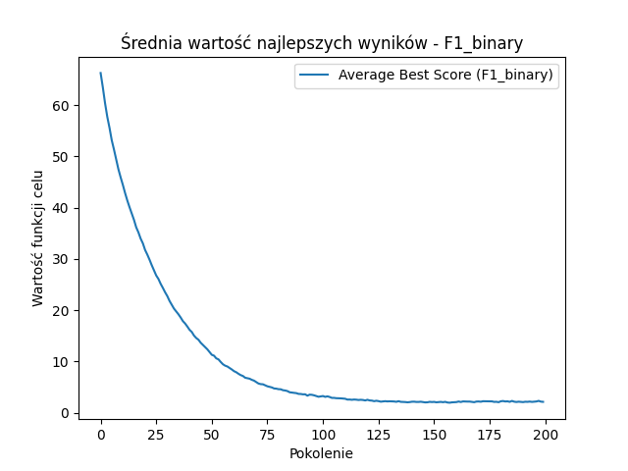
57.69
55.55
53.14
51.33
49.39
47.48
45.9
44.43
42.84
41.39
40.08
38.84
37.61
36.16
35.17
33.95
33.03
31.74
30.84
29.84
28.76
27.77
26.77
26.09
25.14
24.34
23.49
22.74
21.8
21.06
20.3
19.76
19.2
18.57
17.87
17.4
16.81
16.17
15.75
15.05
14.57
14.24
13.66
13.22
12.75
12.37
11.85
11.3
11.13
10.61
10.41
9.91
9.46
9.18
9.02
8.74
8.44
8.11
7.9
7.6
7.34
7.17
6.83
6.73
6.64
6.42
6.26
5.97
5.7
5.58
5.55
5.35
5.16
5.05
4.94
4.74
4.7
4.6
4.58
4.4
4.34
4.23
4
3.93
3.88
3.83
3.68
3.66
3.59
3.6
3.33
3.53
3.5
3.4
3.26
3.12
3.2
3.26
3.1
3.2
3.08
2.9
2.9
2.84
2.83
2.81
2.76
2.73
2.57
2.58
2.53
2.58
2.55
2.49
2.53
2.49
2.4
2.53
2.4
2.37
2.26
2.34
2.27
2.16
2.22
2.26
2.21
2.24
2.23
2.2
2.14
2.26
2.13
2.11
2.09
2.04
2.08
2.15
2.16
2.11
2.11
2.15
2.08
2.02
2.04
2.13
2.09
2.12
2.04
2.09
2.12
2.06
2.13
2
1.96
2.03
2.06
2.08
2.19
2.1
2.21
2.19
2.18
2.18
2.13
2.06
2.18
2.2
2.15
2.25
2.24
2.21
2.21
2.22
2.12
2.14
2.06
2.24
2.29
2.2
2.23
2.13
2.31
2.16
2.1
2.16
2.11
2.08
2.15
2.13
2.18
2.12
2.15
2.2
2.32
2.17
2.13

F2_binary_mean
Mean
6598.61
6393.48
6097.38
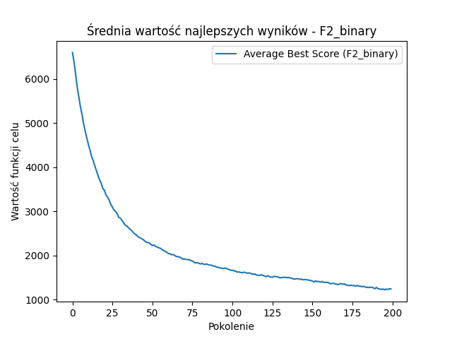
5812.92
5593.41
5369.83
5194.53
4981.28
4812.93
4659.62
4513.07
4385.19
4244.77
4149.82
4029.74
3920.3
3810.99
3712.5
3635.61
3519.01
3475.52
3368.96
3321.71
3250.06
3157.26
3096.61
3029.85
2999.15
2941.4
2861.93
2845.89
2795.58
2742.37
2687.18
2668.94
2628.64
2593.93
2567.64
2521.9
2484.51
2467.91
2425.14
2405.8
2386.98
2365.49
2336.82
2304.02
2294.84
2286.05
2251.44
2225.51
2238.89
2204.77
2192.24
2173.49
2163
2135.13
2108.77
2096.14
2069.05
2044.3
2038.42
2017.24
2023
1997.25
1976.83
1971.56
1966.34
1943.03
1918.01
1918.76
1912.36
1907.09
1902.04
1886.76
1874.49
1847.54
1830.5
1836.86
1825.83
1809.02
1821.54
1801.18
1798.11
1805.85
1788.81
1781.55
1782.1
1757.53
1760.84
1736.98
1734.78
1717.57
1714.49
1704.91
1712.63
1712.5
1689.44
1682.18
1663.5
1666.97
1649.08
1647.73
1622.41
1631.16
1615.31
1610.91
1618.75
1618.03
1599.14
1601.05
1600.91
1584.87
1570.61
1583.71
1554.65
1556.01
1548.87
1562.7
1550.73
1537.41
1519.55
1541.06
1522.3
1511.19
1507.06
1526.8
1521.93
1519.64
1503.67
1493.1
1500.85
1505.55
1508
1497.78
1501.31
1492.96
1485.89
1467.03
1466.98
1472.55
1475.18
1459.82
1468.17
1449.7
1455.42
1452.18
1445.31
1437.38
1432.98
1421.93
1397.94
1427.6
1406.3
1413.06
1396.25
1412.75
1391.89
1392.74
1390.68
1386.36
1362.33
1363.2
1370.06
1361.09
1349.97
1341.06
1354.54
1362.46
1346.44
1357.8
1332.23
1326.92
1315.76
1330.67
1316.52
1323.34
1303.52
1321.93
1301.85
1305.81
1290.48
1304.48
1284.5
1278.38
1276.16
1279.04
1281.85
1267.84
1246.48
1276.41
1247.27
1241.37
1230.07
1241.92
1221.78
1240.76
1230.47
1246.18
1241.23

