bs1
baseset | B3LYP/6-31G*-D3 | sf= | 0.96
0 | frequency | probability |  | high frequency mode | frequency | *sf |  |  |  | 6.00E+00 | m-c | o/m
 | 0 | 3.41E-05 |  | 7 | 128.904 | 123.74784 | 还是想要考虑7base的 |  | 0 | 3.77E-05 | 3.53E-06 | 9.37E-02 | 3.41E-05
 | 1 | 1.97E-04 |  | 8 | 230.947 | 221.70912 | 这里频率还较低 |  | 1 | 0.00021720788678 | 2.04E-05 | 9.37E-02 | 1.97E-04
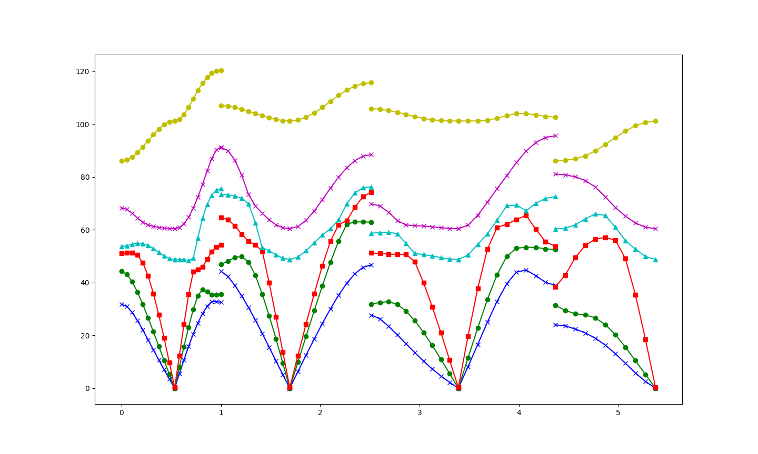
 | 2 | 0.00041417761848 |  | 9 | 307.205 | 294.9168 | 8base开始才有较大的能隙 |  | 2 | 0.00045701543808 | 4.28E-05 | 9.37E-02 | 0.00041417761848
 | 3 | 0.00075667064914 |  | 10 | 336.531 | 323.06976 |  |  | 3 | 0.00083493205034 | 7.83E-05 | 9.37E-02 | 0.00075667064914
 | 4 | 0.00117539967 |  | 11 | 363.945 | 349.3872 |  |  | 4 | 0.0012969696361 | 1.22E-04 | 9.37E-02 | 0.00117539967
 | 5 | 0.0015725095295 |  | 12 | 425.804 | 408.77184 |  |  | 5 | 0.0017351520204 | 1.63E-04 | 9.37E-02 | 0.0015725095295
 | 6 | 0.0021505376344 |  | 13 | 498.982 | 479.02272 |  |  | 6 | 0.0023729647747 | 2.22E-04 | 9.37E-02 | 0.0021505376344
 | 7 | 0.0027012573249 |  | 14 | 544.234 | 522.46464 |  |  | 7 | 0.0029806446429 | 2.79E-04 | 9.37E-02 | 0.0027012573249
 | 8 | 0.003349832167 |  | 15 | 640.163 | 614.55648 |  |  | 8 | 0.003696300686 | 3.46E-04 | 9.37E-02 | 0.003349832167
 | 9 | 0.0041292598282 |  | 16 | 692.699 | 664.99104 |  |  | 9 | 0.0045563434747 | 4.27E-04 | 9.37E-02 | 0.0041292598282
 | 10 | 0.0048540706605 |  | 17 | 757.85 | 727.536 |  |  | 10 | 0.0053561204914 | 5.02E-04 | 9.37E-02 | 0.0048540706605
 | 11 | 0.0058417249815 |  | 18 | 836.502 | 803.04192 |  |  | 11 | 0.006445926536 | 6.04E-04 | 9.37E-02 | 0.0058417249815
 | 12 | 0.0065949820789 |  | 19 | 837.373 | 803.87808 |  |  | 12 | 0.0072770919756 | 6.82E-04 | 9.37E-02 | 0.0065949820789
 | 13 | 0.0078124822211 |  | 20 | 961.553 | 923.09088 |  |  | 13 | 0.0086205164777 | 8.08E-04 | 9.37E-02 | 0.0078124822211
 | 14 | 0.0087455197133 |  | 21 | 973.138 | 934.21248 |  |  | 14 | 0.0096500567503 | 9.05E-04 | 9.37E-02 | 0.0087455197133
 | 15 | 0.010092734824 |  | 22 | 1023.815 | 982.8624 |  |  | 15 | 0.011136612461 | 1.04E-03 | 9.37E-02 | 0.010092734824
 | 16 | 0.011377368152 |  | 23 | 1110.227 | 1065.81792 |  |  | 16 | 0.012554113641 | 1.18E-03 | 9.37E-02 | 0.011377368152
 | 17 | 0.012993116004 |  | 24 | 1110.736 | 1066.30656 |  |  | 17 | 0.014336976064 | 1.34E-03 | 9.37E-02 | 0.012993116004
 | 18 | 0.014468908232 |  | 25 | 1153.787 | 1107.63552 |  |  | 18 | 0.015965407447 | 1.50E-03 | 9.37E-02 | 0.014468908232
 | 19 | 0.016427149115 |  | 26 | 1225.541 | 1176.51936 |  |  | 19 | 0.018126186482 | 1.70E-03 | 9.37E-02 | 0.016427149115
 | 20 | 0.018536724128 |  | 27 | 1331.755 | 1278.4848 |  |  | 20 | 0.020453951928 | 1.92E-03 | 9.37E-02 | 0.018536724128
 | 21 | 0.020955794504 |  | 28 | 1335.558 | 1282.13568 |  |  | 21 | 0.023123223415 | 2.17E-03 | 9.37E-02 | 0.020955794504
 | 22 | 0.024225977129 |  | 29 | 1441.356 | 1383.70176 |  |  | 22 | 0.026731636517 | 2.51E-03 | 9.37E-02 | 0.024225977129
 | 23 | 0.029842407692 |  | 30 | 1524.399 | 1463.42304 |  |  | 23 | 0.031265380327 | 1.42E-03 | 4.55E-02 | 0.029842407692
 | 24 | 0.038251123627 |  | 31 | 1628.138 | 1563.01248 |  |  | 24 | 0.035234132524 | -3.02E-03 | -8.56E-02 | 0.038251123627
 | 25 | 0.040452864539 |  | 32 | 1630.989 | 1565.74944 |  |  | 25 | 0.037160126156 | -3.29E-03 | -8.86E-02 | 0.040452864539
 | 26 | 0.043457927974 |  | 33 | 3232.811 | 3103.49856 |  |  | 26 | 0.0402462359 | -3.21E-03 | -7.98E-02 | 0.043457927974
 | 27 | 0.047997951869 |  | 34 | 3234.382 | 3105.00672 |  |  | 27 | 0.045113952531 | -2.88E-03 | -6.39E-02 | 0.047997951869
 | 28 | 0.052524321557 |  | 35 | 3244.177 | 3114.40992 |  |  | 28 | 0.051266083428 | -1.26E-03 | -2.45E-02 | 0.052524321557
 | 29 | 0.057121237981 |  | 36 | 3245.065 | 3115.2624 |  |  | 29 | 0.057602778252 | 4.82E-04 | 8.36E-03 | 0.057121237981
 | 30 | 0.06051203277 |  |  |  |  |  |  | 30 | 0.061936891692 | 1.42E-03 | 2.30E-02 | 0.06051203277
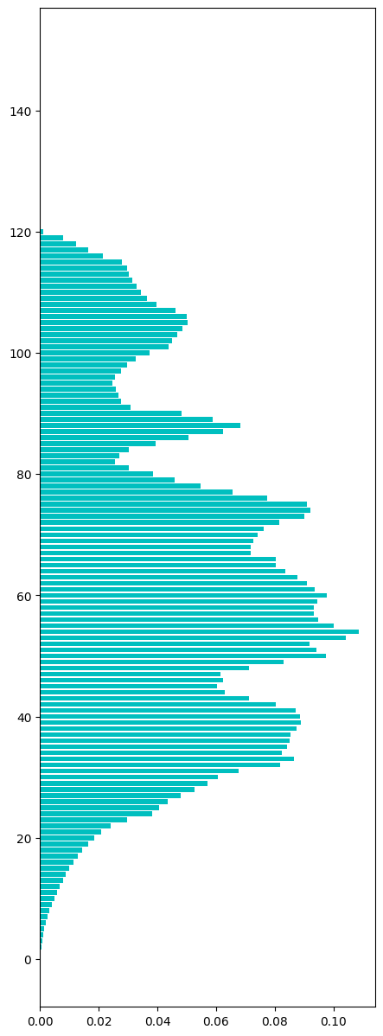
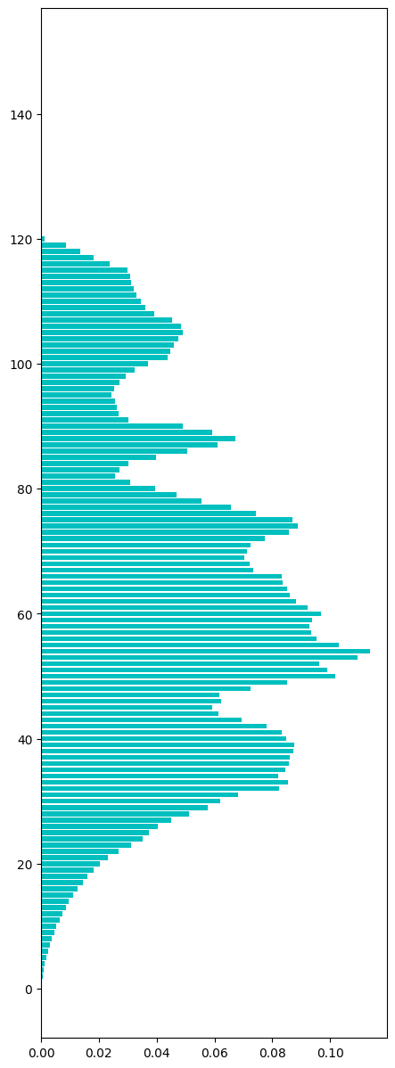
 | 31 | 0.067707799966 |  |  |  |  |  |  | 31 | 0.068215831818 | 5.08E-04 | 7.45E-03 | 0.067707799966
 | 32 | 0.081874039939 |  |  |  |  |  |  | 32 | 0.082405910063 | 5.32E-04 | 6.45E-03 | 0.081874039939
 | 33 | 0.086630255447 |  |  |  |  |  |  | 33 | 0.085397854539 | -1.23E-03 | -1.44E-02 | 0.086630255447
 | 34 | 0.082400864766 |  |  |  |  |  |  | 34 | 0.082025482377 | -3.75E-04 | -4.58E-03 | 0.082400864766
 | 35 | 0.0841713603 |  |  |  |  |  |  | 35 | 0.084424813427 | 2.53E-04 | 3.00E-03 | 0.0841713603
 | 36 | 0.084997439836 |  |  |  |  |  |  | 36 | 0.085623851184 | 6.26E-04 | 7.32E-03 | 0.084997439836
 | 37 | 0.085453717927 |  |  |  |  |  |  | 37 | 0.085933968802 | 4.80E-04 | 5.59E-03 | 0.085453717927
 | 38 | 0.087245832622 |  |  |  |  |  |  | 38 | 0.087355236593 | 1.09E-04 | 1.25E-03 | 0.087245832622
 | 39 | 0.088888888889 |  |  |  |  |  |  | 39 | 0.087646521158 | -1.24E-03 | -1.42E-02 | 0.088888888889
 | 40 | 0.088432610798 |  |  |  |  |  |  | 40 | 0.084927028194 | -3.51E-03 | -4.13E-02 | 0.088432610798
 | 41 | 0.086984126984 |  |  |  |  |  |  | 41 | 0.083264697315 | -3.72E-03 | -4.47E-02 | 0.086984126984
 | 42 | 0.080204813108 |  |  |  |  |  |  | 42 | 0.078160939744 | -2.04E-03 | -2.61E-02 | 0.080204813108
 | 43 | 0.071198725607 |  |  |  |  |  |  | 43 | 0.069466346588 | -1.73E-03 | -2.49E-02 | 0.071198725607
 | 44 | 0.062950446606 |  |  |  |  |  |  | 44 | 0.061419610482 | -1.53E-03 | -2.49E-02 | 0.062950446606
 | 45 | 0.060278773397 |  |  |  |  |  |  | 45 | 0.059149599735 | -1.13E-03 | -1.91E-02 | 0.060278773397
 | 46 | 0.062354212892 |  |  |  |  |  |  | 46 | 0.062218131962 | -1.36E-04 | -2.19E-03 | 0.062354212892
 | 47 | 0.061495135689 |  |  |  |  |  |  | 47 | 0.061730983638 | 2.36E-04 | 3.82E-03 | 0.061495135689
 | 48 | 0.071113386812 |  |  |  |  |  |  | 48 | 0.072336503983 | 1.22E-03 | 1.69E-02 | 0.071113386812
 | 49 | 0.082856005007 |  |  |  |  |  |  | 49 | 0.085229612592 | 2.37E-03 | 2.78E-02 | 0.082856005007
 | 50 | 0.097451214656 |  |  |  |  |  |  | 50 | 0.10173364538 | 4.28E-03 | 4.21E-02 | 0.097451214656
 | 51 | 0.094120725949 |  |  |  |  |  |  | 51 | 0.098978997378 | 4.86E-03 | 4.91E-02 | 0.094120725949
 | 52 | 0.091817716334 |  |  |  |  |  |  | 52 | 0.096225604918 | 4.41E-03 | 4.58E-02 | 0.091817716334
 | 53 | 0.10428514536 |  |  |  |  |  |  | 53 | 0.10961213954 | 5.33E-03 | 4.86E-02 | 0.10428514536
 | 54 | 0.10862490755 |  |  |  |  |  |  | 54 | 0.1138483211 | 5.22E-03 | 4.59E-02 | 0.10862490755
 | 55 | 0.099918074757 |  |  |  |  |  |  | 55 | 0.10297788246 | 3.06E-03 | 2.97E-02 | 0.099918074757
 | 56 | 0.094859190988 |  |  |  |  |  |  | 56 | 0.095178487128 | 3.19E-04 | 3.35E-03 | 0.094859190988
 | 57 | 0.093376571656 |  |  |  |  |  |  | 57 | 0.09358521078 | 2.09E-04 | 2.23E-03 | 0.093376571656
 | 58 | 0.093237753883 |  |  |  |  |  |  | 58 | 0.092917265139 | -3.20E-04 | -3.45E-03 | 0.093237753883
 | 59 | 0.09459748535 |  |  |  |  |  |  | 59 | 0.093771030243 | -8.26E-04 | -8.81E-03 | 0.09459748535
 | 60 | 0.09774478011 |  |  |  |  |  |  | 60 | 0.096691409114 | -1.05E-03 | -1.09E-02 | 0.09774478011
 | 61 | 0.093599590374 |  |  |  |  |  |  | 61 | 0.092074799867 | -1.52E-03 | -1.66E-02 | 0.093599590374
 | 62 | 0.090831199863 |  |  |  |  |  |  | 62 | 0.08822030153 | -2.61E-03 | -2.96E-02 | 0.090831199863
 | 63 | 0.087616771918 |  |  |  |  |  |  | 63 | 0.085967868299 | -1.65E-03 | -1.92E-02 | 0.087616771918
 | 64 | 0.083592194345 |  |  |  |  |  |  | 64 | 0.085017426852 | 1.43E-03 | 1.68E-02 | 0.083592194345
 | 65 | 0.080232121522 |  |  |  |  |  |  | 65 | 0.083426661578 | 3.19E-03 | 3.83E-02 | 0.080232121522
 | 66 | 0.080273084144 |  |  |  |  |  |  | 66 | 0.083366395806 | 3.09E-03 | 3.71E-02 | 0.080273084144
 | 67 | 0.071881435967 |  |  |  |  |  |  | 67 | 0.073413754658 | 1.53E-03 | 2.09E-02 | 0.071881435967
 | 68 | 0.071750583148 |  |  |  |  |  |  | 68 | 0.072015086532 | 2.65E-04 | 3.67E-03 | 0.071750583148
 | 69 | 0.072811059908 |  |  |  |  |  |  | 69 | 0.070404232666 | -2.41E-03 | -3.42E-02 | 0.072811059908
 | 70 | 0.074241338112 |  |  |  |  |  |  | 70 | 0.071155043743 | -3.09E-03 | -4.34E-02 | 0.074241338112
 | 71 | 0.076301985549 |  |  |  |  |  |  | 71 | 0.072548689722 | -3.75E-03 | -5.17E-02 | 0.076301985549
 | 72 | 0.081567958127 |  |  |  |  |  |  | 72 | 0.077250675479 | -4.32E-03 | -5.59E-02 | 0.081567958127
 | 73 | 0.089939124993 |  |  |  |  |  |  | 73 | 0.085834781386 | -4.10E-03 | -4.78E-02 | 0.089939124993
 | 74 | 0.092177277124 |  |  |  |  |  |  | 74 | 0.088735071666 | -3.44E-03 | -3.88E-02 | 0.092177277124
 | 75 | 0.090921090061 |  |  |  |  |  |  | 75 | 0.086983597666 | -3.94E-03 | -4.53E-02 | 0.090921090061
 | 76 | 0.077513796439 |  |  |  |  |  |  | 76 | 0.07420725399 | -3.31E-03 | -4.46E-02 | 0.077513796439
 | 77 | 0.065552710929 |  |  |  |  |  |  | 77 | 0.065680902781 | 1.28E-04 | 1.95E-03 | 0.065552710929
 | 78 | 0.05457814189 |  |  |  |  |  |  | 78 | 0.055521098042 | 9.43E-04 | 1.70E-02 | 0.05457814189
 | 79 | 0.045842862832 |  |  |  |  |  |  | 79 | 0.046896814954 | 1.05E-03 | 2.25E-02 | 0.045842862832
 | 80 | 0.038435455425 |  |  |  |  |  |  | 80 | 0.039440181199 | 1.00E-03 | 2.55E-02 | 0.038435455425
 | 81 | 0.030355578313 |  |  |  |  |  |  | 81 | 0.030749354654 | 3.94E-04 | 1.28E-02 | 0.030355578313
 | 82 | 0.025679012346 |  |  |  |  |  |  | 82 | 0.025674474432 | -4.54E-06 | -1.77E-04 | 0.025679012346
 | 83 | 0.027191215793 |  |  |  |  |  |  | 83 | 0.027026687693 | -1.65E-04 | -6.09E-03 | 0.027191215793
 | 84 | 0.030333959151 |  |  |  |  |  |  | 84 | 0.03034758284 | 1.36E-05 | 4.49E-04 | 0.030333959151
 | 85 | 0.039518689196 |  |  |  |  |  |  | 85 | 0.03987961912 | 3.61E-04 | 9.05E-03 | 0.039518689196
 | 86 | 0.050583148433 |  |  |  |  |  |  | 86 | 0.050557960606 | -2.52E-05 | -4.98E-04 | 0.050583148433
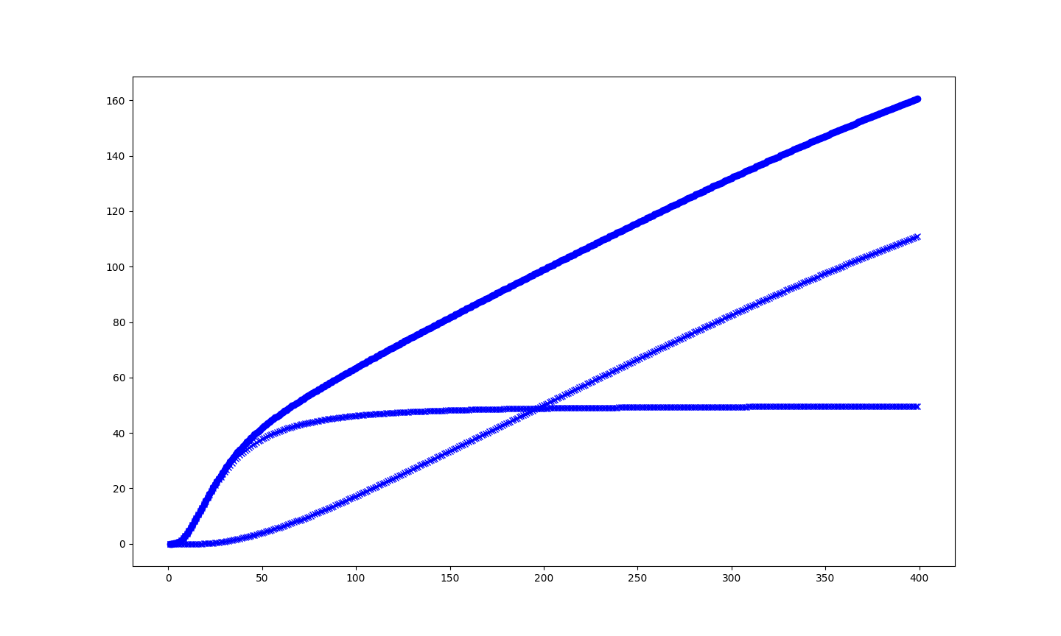
 | 87 | 0.062412243272 |  |  |  |  |  |  | 87 | 0.061066804608 | -1.35E-03 | -2.20E-02 | 0.062412243272
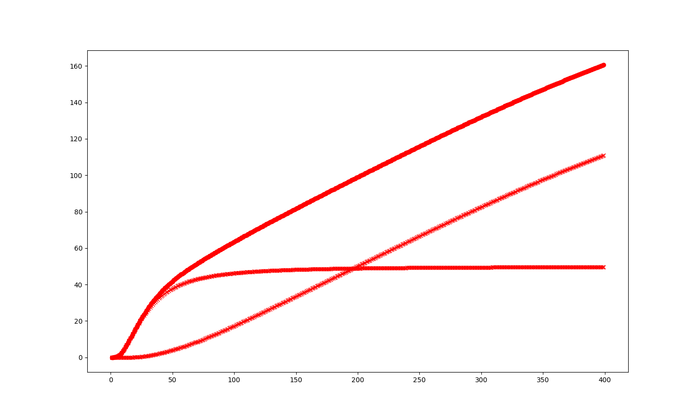
 | 88 | 0.068380269671 |  |  |  |  |  |  | 88 | 0.067078315371 | -1.30E-03 | -1.94E-02 | 0.068380269671
 | 89 | 0.058823462479 |  |  |  |  |  |  | 89 | 0.059229954098 | 4.06E-04 | 6.86E-03 | 0.058823462479
 | 90 | 0.048234624794 |  |  |  |  |  |  | 90 | 0.048879307747 | 6.45E-04 | 1.32E-02 | 0.048234624794
 | 91 | 0.030893781646 |  |  |  |  |  |  | 91 | 0.030268484015 | -6.25E-04 | -2.07E-02 | 0.030893781646
 | 92 | 0.027517778916 |  |  |  |  |  |  | 92 | 0.026822035175 | -6.96E-04 | -2.59E-02 | 0.027517778916
 | 93 | 0.026621152643 |  |  |  |  |  |  | 93 | 0.026087546078 | -5.34E-04 | -2.05E-02 | 0.026621152643
 | 94 | 0.025999886215 |  |  |  |  |  |  | 94 | 0.025531343224 | -4.69E-04 | -1.84E-02 | 0.025999886215
 | 95 | 0.024723217841 |  |  |  |  |  |  | 95 | 0.024304683655 | -4.19E-04 | -1.72E-02 | 0.024723217841
 | 96 | 0.0255925357 |  |  |  |  |  |  | 96 | 0.025138360168 | -4.54E-04 | -1.81E-02 | 0.0255925357
 | 97 | 0.027557603687 |  |  |  |  |  |  | 97 | 0.027107042055 | -4.51E-04 | -1.66E-02 | 0.027557603687
 | 98 | 0.029832167036 |  |  |  |  |  |  | 98 | 0.029400908004 | -4.31E-04 | -1.47E-02 | 0.029832167036
 | 99 | 0.032753029527 |  |  |  |  |  |  | 99 | 0.032435540735 | -3.17E-04 | -9.79E-03 | 0.032753029527
 | 100 | 0.037282812767 |  |  |  |  |  |  | 100 | 0.037132504344 | -1.50E-04 | -4.05E-03 | 0.037282812767
 | 101 | 0.043750355578 |  |  |  |  |  |  | 101 | 0.043907381553 | 1.57E-04 | 3.58E-03 | 0.043750355578
 | 102 | 0.044873414121 |  |  |  |  |  |  | 102 | 0.04460922669 | -2.64E-04 | -5.92E-03 | 0.044873414121
 | 103 | 0.046764521818 |  |  |  |  |  |  | 103 | 0.045986550689 | -7.78E-04 | -1.69E-02 | 0.046764521818
 | 104 | 0.04849291688 |  |  |  |  |  |  | 104 | 0.047383963278 | -1.11E-03 | -2.34E-02 | 0.04849291688
 | 105 | 0.050300961484 |  |  |  |  |  |  | 105 | 0.048891863116 | -1.41E-03 | -2.88E-02 | 0.050300961484
 | 106 | 0.050108664732 |  |  |  |  |  |  | 106 | 0.048550357075 | -1.56E-03 | -3.21E-02 | 0.050108664732
 | 107 | 0.0462559026 |  |  |  |  |  |  | 107 | 0.045259594813 | -9.96E-04 | -2.20E-02 | 0.0462559026
 | 108 | 0.039737156511 |  |  |  |  |  |  | 108 | 0.039052220291 | -6.85E-04 | -1.75E-02 | 0.039737156511
 | 109 | 0.036572793992 |  |  |  |  |  |  | 109 | 0.036203407025 | -3.69E-04 | -1.02E-02 | 0.036572793992
 | 110 | 0.034530352165 |  |  |  |  |  |  | 110 | 0.034459466246 | -7.09E-05 | -2.06E-03 | 0.034530352165
 | 111 | 0.032831541219 |  |  |  |  |  |  | 111 | 0.033036942918 | 2.05E-04 | 6.22E-03 | 0.032831541219
 | 112 | 0.031494566763 |  |  |  |  |  |  | 112 | 0.03199359174 | 4.99E-04 | 1.56E-02 | 0.031494566763
 | 113 | 0.030391989532 |  |  |  |  |  |  | 113 | 0.031213903314 | 8.22E-04 | 2.63E-02 | 0.030391989532
 | 114 | 0.029567047847 |  |  |  |  |  |  | 114 | 0.030759398949 | 1.19E-03 | 3.88E-02 | 0.029567047847
 | 115 | 0.028063947204 |  |  |  |  |  |  | 115 | 0.029940788879 | 1.88E-03 | 6.27E-02 | 0.028063947204
 | 116 | 0.021480343631 |  |  |  |  |  |  | 116 | 0.023702025934 | 2.22E-03 | 9.37E-02 | 0.021480343631
 | 117 | 0.016572793992 |  |  |  |  |  |  | 117 | 0.018286895208 | 1.71E-03 | 9.37E-02 | 0.016572793992
 | 118 | 0.012327473403 |  |  |  |  |  |  | 118 | 0.013602486968 | 1.28E-03 | 9.37E-02 | 0.012327473403
 | 119 | 0.0078830289583 |  |  |  |  |  |  | 119 | 0.0086983597666 | 8.15E-04 | 9.37E-02 | 0.0078830289583
 | 120 | 0.001215224441 |  |  |  |  |  |  | 120 | 0.0013409134282 | 1.26E-04 | 9.37E-02 | 0.001215224441
 | 121 | 0 |  |  |  |  |  |  | 121 | 0 |  |  | 0
 |  |  |  |  |  |  |  |  | 122 | 0 | cv-cv |  | cv
 |  |  |  |  |  |  |  | cv | 123 | 0 | -0.00029806999999 |  | 131.43209892
 |  |  |  |  |  |  |  | 131.43180085 | 124 | 0
 |  |  |  |  |  |  |  |  | 125 | 0
 |  |  |  |  |  |  |  |  | 126 | 0
 |  |  |  |  |  |  |  |  | 127 | 0
 |  |  |  |  |  |  |  |  | 128 | 0
 |  |  |  |  |  |  |  |  | 129 | 0
 |  |  |  |  |  |  |  |  | 130 | 0
 |  |  |  |  |  |  |  |  | 131 | 0
 |  |  |  |  |  |  |  |  | 132 | 0
 |  |  |  |  |  |  |  |  | 133 | 0
 | cv(298K) | limited | no |  |  |  |  |  | 134 | 0
 | B3LYP | 131.43180085 | 131.43209892 |  |  |  |  |  | 135 | 0
 | HF | 126.33682858 | 126.33292532 |  |  |  |  |  | 136 | 0
 | oniom B3lyp/HF |  | 129.36092237 |  |  |  |  |  | 137 | 0
 |  |  |  |  |  |  |  |  | 138 | 0
 |  |  |  |  |  |  |  |  | 139 | 0
 |  |  |  |  |  |  |  |  | 140 | 0
 |  |  |  |  |  |  |  |  | 141 | 0
 |  |  |  |  |  |  |  |  | 142 | 0
 |  |  |  |  |  |  |  |  | 143 | 0
 |  |  |  |  |  |  |  |  | 144 | 0
 |  |  |  |  |  |  |  |  | 145 | 0
 |  |  |  |  |  |  |  |  | 146 | 0
 |  |  |  |  |  |  |  |  | 147 | 0
 |  |  |  |  |  |  |  |  | 148 | 0
 |  |  |  |  |  |  |  |  | 149 | 0

bs2
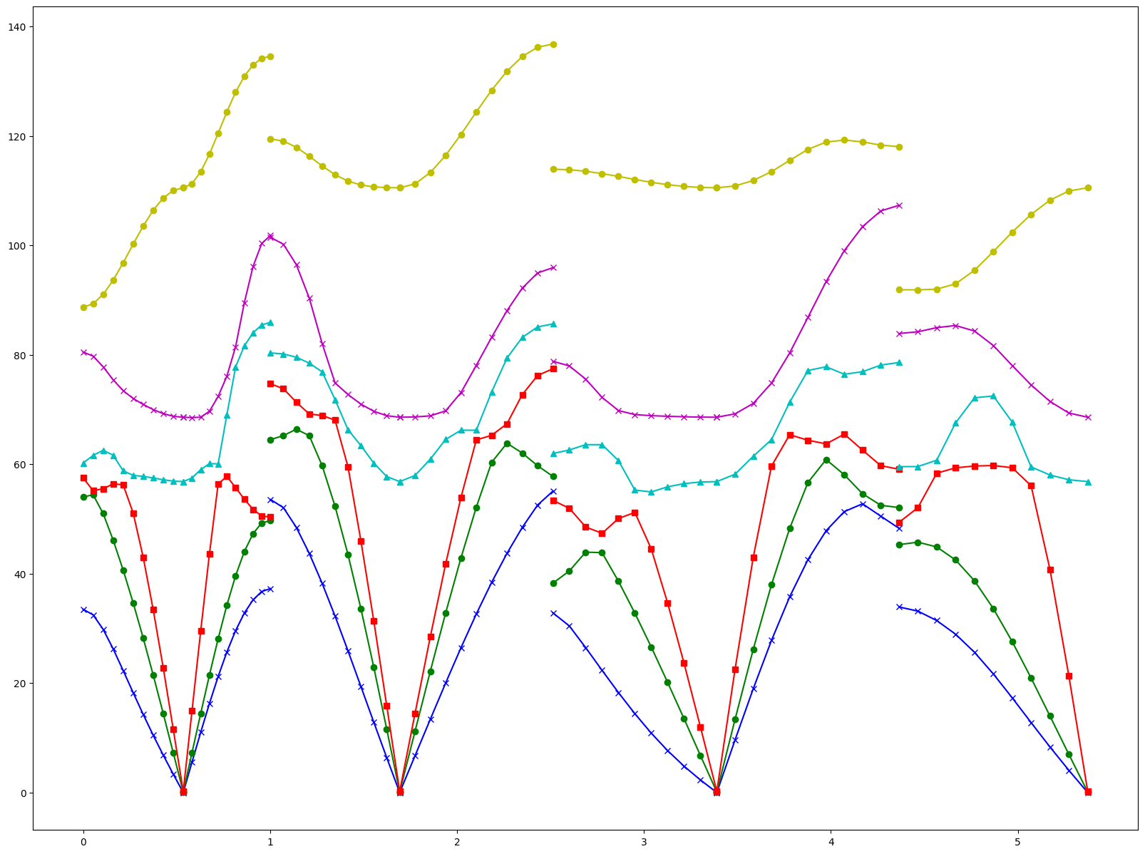
baseset | HF/6-31G | sf= | 0.903
 | frequency | probability |  | high frequency mode | frequency | *sf | 未进行边界判断 |  | c-k | m/c |  |  |  |  |  |  | 6.00E+00
 | 0 | 3.95E-05 |  | 7 | 150.256 | 135.681168 | 0 | 3.19E-05 | 7.64E-06 | 1.93E-01 |  |  |  |  |  | 0 | 1.38E-05 | 2.57E-05
 | 1 | 0.0001552532039 |  | 8 | 238.938 | 215.761014 | 1 | 0.00012516356602 | 3.01E-05 | 1.94E-01 |  |  |  |  |  | 1 | 7.24E-05 | 8.29E-05
 | 2 | 0.0003867216169 |  | 9 | 351.645 | 317.535435 | 2 | 0.00031177106446 | 7.50E-05 | 1.94E-01 |  |  |  |  |  | 2 | 0.00020730149159 | 1.79E-04
 | 3 | 0.0006393609214 |  | 10 | 356.974 | 322.347522 | 3 | 0.0005154463219 | 1.24E-04 | 1.94E-01 |  |  |  |  |  | 3 | 0.0003962272277 | 2.43E-04
 | 4 | 0.0009795065771 |  | 11 | 376.983 | 340.415649 | 4 | 0.00078966831655 | 1.90E-04 | 1.94E-01 |  |  |  |  |  | 4 | 0.00063626053376 | 3.43E-04
 | 5 | 0.001380342122 |  | 12 | 486.47 | 439.28241 | 5 | 0.001112817887 | 2.68E-04 | 1.94E-01 |  |  |  |  |  | 5 | 0.00094807413469 | 4.32E-04
 | 6 | 0.001822108056 |  | 13 | 561.647 | 507.167241 | 6 | 0.0014689651249 | 3.53E-04 | 1.94E-01 |  |  |  |  |  | 6 | 0.0012403634954 | 5.82E-04
 | 7 | 0.002293513239 |  | 14 | 587.663 | 530.659689 | 7 | 0.0018490072254 | 4.45E-04 | 1.94E-01 |  |  |  |  |  | 7 | 0.0016607089022 | 6.33E-04
 | 8 | 0.002867950093 |  | 15 | 712.795 | 643.653885 | 8 | 0.0023121124196 | 5.56E-04 | 1.94E-01 |  |  |  |  |  | 8 | 0.0020471740098 | 8.21E-04
 | 9 | 0.003433918591 |  | 16 | 806.935 | 728.662305 | 9 | 0.0027683905103 | 6.66E-04 | 1.94E-01 |  |  |  |  |  | 9 | 0.0025392997114 | 8.95E-04
 | 10 | 0.004108564331 |  | 17 | 834.087 | 753.180561 | 10 | 0.0033122830972 | 7.96E-04 | 1.94E-01 |  |  |  |  |  | 10 | 0.0030279799589 | 1.08E-03
 | 11 | 0.004815672105 |  | 18 | 1004.088 | 906.691464 | 11 | 0.0038823462479 | 9.33E-04 | 1.94E-01 |  |  |  |  |  | 11 | 0.0035539859598 | 1.26E-03
 | 12 | 0.005511488737 |  | 19 | 1015.693 | 917.170779 | 12 | 0.0044433065938 | 1.07E-03 | 1.94E-01 |  |  |  |  |  | 12 | 0.0041425843777 | 1.37E-03
 | 13 | 0.006296223113 |  | 20 | 1132.429 | 1022.583387 | 13 | 0.0050759515276 | 1.22E-03 | 1.94E-01 |  |  |  |  |  | 13 | 0.004782864608 | 1.51E-03
 | 14 | 0.007199514481 |  | 21 | 1186.096 | 1071.044688 | 14 | 0.0058041759117 | 1.40E-03 | 1.94E-01 |  |  |  |  |  | 14 | 0.0054593221069 | 1.74E-03
 | 15 | 0.008051995709 |  | 22 | 1187.917 | 1072.689051 | 15 | 0.0064914376742 | 1.56E-03 | 1.94E-01 |  |  |  |  |  | 15 | 0.0061512841495 | 1.90E-03
 | 16 | 0.009119008638 |  | 23 | 1199.336 | 1083.000408 | 16 | 0.007351652728 | 1.77E-03 | 1.94E-01 |  |  |  |  |  | 16 | 0.0069477583014 | 2.17E-03
 | 17 | 0.01003500254 |  | 24 | 1207.197 | 1090.098891 | 17 | 0.0080901177675 | 1.94E-03 | 1.94E-01 |  |  |  |  |  | 17 | 0.0077562915428 | 2.28E-03
 | 18 | 0.01129396488 |  | 25 | 1241.465 | 1121.042895 | 18 | 0.0091050805029 | 2.19E-03 | 1.94E-01 |  |  |  |  |  | 18 | 0.0086165065966 | 2.68E-03
 | 19 | 0.01239061706 |  | 26 | 1333.234 | 1203.910302 | 19 | 0.0099891904193 | 2.40E-03 | 1.94E-01 |  |  |  |  |  | 19 | 0.0095651549737 | 2.83E-03
 | 20 | 0.01356489584 |  | 27 | 1352.785 | 1221.564855 | 20 | 0.010935882119 | 2.63E-03 | 1.94E-01 |  |  |  |  |  | 20 | 0.010542515469 | 3.02E-03
 | 21 | 0.01498757974 |  | 28 | 1481.575 | 1337.862225 | 21 | 0.012082835524 | 2.90E-03 | 1.94E-01 |  |  |  |  |  | 21 | 0.011680663824 | 3.31E-03
 | 22 | 0.016418732 |  | 29 | 1563.13 | 1411.50639 | 22 | 0.013236616032 | 3.18E-03 | 1.94E-01 |  |  |  |  |  | 22 | 0.012696498557 | 3.72E-03
 | 23 | 0.01805877039 |  | 30 | 1674.556 | 1512.124068 | 23 | 0.01455879843 | 3.50E-03 | 1.94E-01 |  |  |  |  |  | 23 | 0.014036205981 | 4.02E-03
 | 24 | 0.01962541636 |  | 31 | 1789.718 | 1616.115354 | 24 | 0.015821812596 | 3.80E-03 | 1.94E-01 |  |  |  |  |  | 24 | 0.015322508865 | 4.30E-03
 | 25 | 0.02149974595 |  | 32 | 1796.398 | 1622.147394 | 25 | 0.017332878193 | 4.17E-03 | 1.94E-01 |  |  |  |  |  | 25 | 0.016813242029 | 4.69E-03
 | 26 | 0.02339806921 |  | 33 | 3443.083 | 3109.103949 | 26 | 0.018911076976 | 4.49E-03 | 1.92E-01 |  |  |  |  |  | 26 | 0.018371735791 | 5.03E-03
 | 27 | 0.02536272794 |  | 34 | 3444.41 | 3110.30223 | 27 | 0.020729362235 | 4.63E-03 | 1.83E-01 |  |  |  |  |  | 27 | 0.020143273469 | 5.22E-03
 | 28 | 0.02753062722 |  | 35 | 3457.093 | 3121.754979 | 28 | 0.022741082096 | 4.79E-03 | 1.74E-01 |  |  |  |  |  | 28 | 0.022191021721 | 5.34E-03
 | 29 | 0.03009936205 |  | 36 | 3458.918 | 3123.402954 | 29 | 0.025148773966 | 4.95E-03 | 1.64E-01 |  |  |  |  |  | 29 | 0.02435246996 | 5.75E-03
 | 30 | 0.03286004629 |  |  |  |  | 30 | 0.027838652785 | 5.02E-03 | 1.53E-01 |  |  |  |  |  | 30 | 0.027113427222 | 5.75E-03
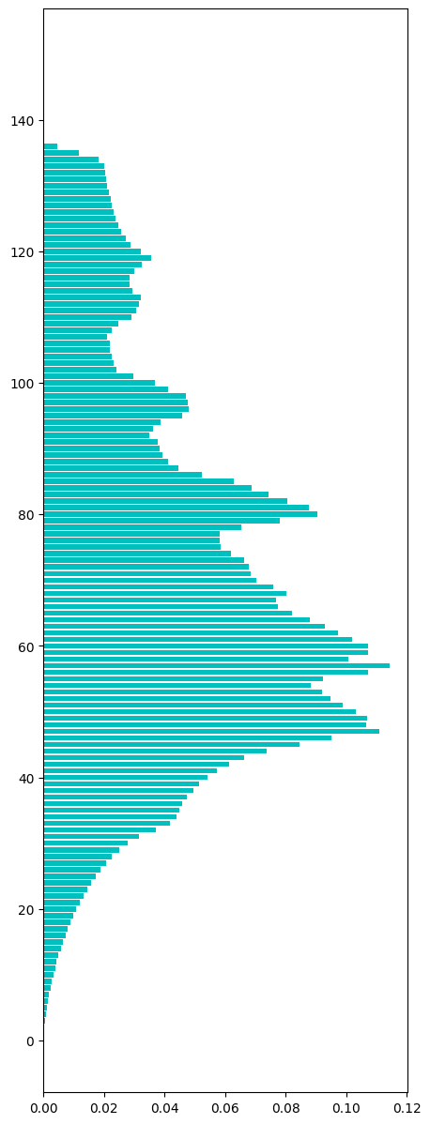
 | 31 | 0.03650708519 |  |  |  |  | 31 | 0.031568527052 | 4.94E-03 | 1.35E-01 |  |  |  |  |  | 31 | 0.030629513186 | 5.88E-03
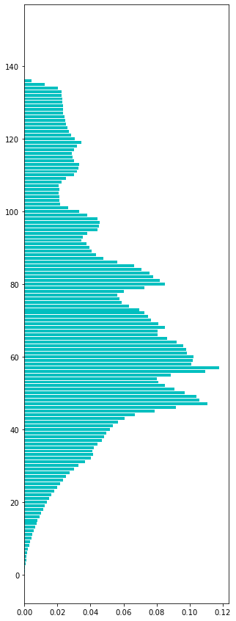
 | 32 | 0.04002004178 |  |  |  |  | 32 | 0.037205438926 | 2.81E-03 | 7.03E-02 |  |  |  |  |  | 32 | 0.036105488321 | 3.91E-03
 | 33 | 0.04164596624 |  |  |  |  | 33 | 0.041644194117 | 1.77E-06 | 4.26E-05 |  |  |  |  |  | 33 | 0.041008943825 | 6.37E-04
 | 34 | 0.04123948512 |  |  |  |  | 34 | 0.044087159356 | -2.85E-03 | -6.91E-02 |  |  |  |  |  | 34 | 0.043901402587 | -2.66E-03
 | 35 | 0.0422006436 |  |  |  |  | 35 | 0.04479604028 | -2.60E-03 | -6.15E-02 |  |  |  |  |  | 35 | 0.04487818884 | -2.68E-03
 | 36 | 0.04427539096 |  |  |  |  | 36 | 0.045837173579 | -1.56E-03 | -3.53E-02 |  |  |  |  |  | 36 | 0.045815926612 | -1.54E-03
 | 37 | 0.0467439169 |  |  |  |  | 37 | 0.047474540593 | -7.31E-04 | -1.56E-02 |  |  |  |  |  | 37 | 0.047596652167 | -8.53E-04
 | 38 | 0.04842206289 |  |  |  |  | 38 | 0.049416851567 | -9.95E-04 | -2.05E-02 |  |  |  |  |  | 38 | 0.049337180757 | -9.15E-04
 | 39 | 0.04960057585 |  |  |  |  | 39 | 0.051385333106 | -1.78E-03 | -3.60E-02 |  |  |  |  |  | 39 | 0.051442353245 | -1.84E-03
 | 40 | 0.05154688647 |  |  |  |  | 40 | 0.054175342777 | -2.63E-03 | -5.10E-02 |  |  |  |  |  | 40 | 0.054136124151 | -2.59E-03
 | 41 | 0.05361457686 |  |  |  |  | 41 | 0.057427319793 | -3.81E-03 | -7.11E-02 |  |  |  |  |  | 41 | 0.05741734499 | -3.80E-03
 | 42 | 0.05683678654 |  |  |  |  | 42 | 0.061204983786 | -4.37E-03 | -7.69E-02 |  |  |  |  |  | 42 | 0.061077565787 | -4.24E-03
 | 43 | 0.06075904703 |  |  |  |  | 43 | 0.066173977357 | -5.41E-03 | -8.91E-02 |  |  |  |  |  | 43 | 0.065912112207 | -5.15E-03
 | 44 | 0.06699740304 |  |  |  |  | 44 | 0.073641690846 | -6.64E-03 | -9.92E-02 |  |  |  |  |  | 44 | 0.073496131042 | -6.50E-03
 | 45 | 0.07899565291 |  |  |  |  | 45 | 0.084600329977 | -5.60E-03 | -7.09E-02 |  |  |  |  |  | 45 | 0.08438663738 | -5.39E-03
 | 46 | 0.09165161181 |  |  |  |  | 46 | 0.095007111566 | -3.36E-03 | -3.66E-02 |  |  |  |  |  | 46 | 0.095234649784 | -3.58E-03
 | 47 | 0.1107491673 |  |  |  |  | 47 | 0.11101439381 | -2.65E-04 | -2.39E-03 |  |  |  |  |  | 47 | 0.11131745553 | -5.68E-04
 | 48 | 0.1058276407 |  |  |  |  | 48 | 0.10655743301 | -7.30E-04 | -6.90E-03 |  |  |  |  |  | 48 | 0.10716338631 | -1.34E-03
 | 49 | 0.1039476656 |  |  |  |  | 49 | 0.10675769471 | -2.81E-03 | -2.70E-02 |  |  |  |  |  | 49 | 0.10685214695 | -2.90E-03
 | 50 | 0.09690058149 |  |  |  |  | 50 | 0.10305512886 | -6.15E-03 | -6.35E-02 |  |  |  |  |  | 50 | 0.10325279584 | -6.35E-03
 | 51 | 0.090912042 |  |  |  |  | 51 | 0.098894009217 | -7.98E-03 | -8.78E-02 |  |  |  |  |  | 51 | 0.099334740227 | -8.42E-03
 | 52 | 0.0849644329 |  |  |  |  | 52 | 0.094682824145 | -9.72E-03 | -1.14E-01 |  |  |  |  |  | 52 | 0.095107742223 | -1.01E-02
 | 53 | 0.0811226218 |  |  |  |  | 53 | 0.092063492063 | -1.09E-02 | -1.35E-01 |  |  |  |  |  | 53 | 0.092351378899 | -1.12E-02
 | 54 | 0.08004290634 |  |  |  |  | 54 | 0.088144734596 | -8.10E-03 | -1.01E-01 |  |  |  |  |  | 54 | 0.088525776304 | -8.48E-03
 | 55 | 0.08858324395 |  |  |  |  | 55 | 0.092375263128 | -3.79E-03 | -4.28E-02 |  |  |  |  |  | 55 | 0.092234807701 | -3.65E-03
 | 56 | 0.1092926099 |  |  |  |  | 56 | 0.10715935598 | 2.13E-03 | 1.95E-02 |  |  |  |  |  | 56 | 0.10718176206 | 2.11E-03
 | 57 | 0.1178809349 |  |  |  |  | 57 | 0.11434715822 | 3.53E-03 | 3.00E-02 |  |  |  |  |  | 57 | 0.11429432792 | 3.59E-03
 | 58 | 0.1011107661 |  |  |  |  | 58 | 0.10079535757 | 3.15E-04 | 3.12E-03 |  |  |  |  |  | 58 | 0.10085074005 | 2.60E-04
 | 59 | 0.1019293739 |  |  |  |  | 59 | 0.10723445412 | -5.31E-03 | -5.20E-02 |  |  |  |  |  | 59 | 0.10715821813 | -5.23E-03
 | 60 | 0.1022271778 |  |  |  |  | 60 | 0.10728110599 | -5.05E-03 | -4.94E-02 |  |  |  |  |  | 60 | 0.1073477181 | -5.12E-03
 | 61 | 0.09836701857 |  |  |  |  | 61 | 0.10190362405 | -3.54E-03 | -3.60E-02 |  |  |  |  |  | 61 | 0.1019670672 | -3.60E-03
 | 62 | 0.09792242985 |  |  |  |  | 62 | 0.09719519827 | 7.27E-04 | 7.43E-03 |  |  |  |  |  | 62 | 0.097707337382 | 2.15E-04
 | 63 | 0.09603539773 |  |  |  |  | 63 | 0.093035216476 | 3.00E-03 | 3.12E-02 |  |  |  |  |  | 63 | 0.093239157586 | 2.80E-03
 | 64 | 0.09193530176 |  |  |  |  | 64 | 0.08782954998 | 4.11E-03 | 4.47E-02 |  |  |  |  |  | 64 | 0.088150221801 | 3.79E-03
 | 65 | 0.08627702817 |  |  |  |  | 65 | 0.082153951186 | 4.12E-03 | 4.78E-02 |  |  |  |  |  | 65 | 0.082443401237 | 3.83E-03
 | 66 | 0.08056088748 |  |  |  |  | 66 | 0.077291915571 | 3.27E-03 | 4.06E-02 |  |  |  |  |  | 66 | 0.077556598763 | 3.00E-03
 | 67 | 0.08045079885 |  |  |  |  | 67 | 0.076877737953 | 3.57E-03 | 4.44E-02 |  |  |  |  |  | 67 | 0.076783668547 | 3.67E-03
 | 68 | 0.08509710382 |  |  |  |  | 68 | 0.080317460317 | 4.78E-03 | 5.62E-02 |  |  |  |  |  | 68 | 0.079816242445 | 5.28E-03
 | 69 | 0.08111838762 |  |  |  |  | 69 | 0.075827501849 | 5.29E-03 | 6.52E-02 |  |  |  |  |  | 69 | 0.07561336262 | 5.51E-03
 | 70 | 0.07657652572 |  |  |  |  | 70 | 0.070314615691 | 6.26E-03 | 8.18E-02 |  |  |  |  |  | 70 | 0.07009489355 | 6.48E-03
 | 71 | 0.07466267713 |  |  |  |  | 71 | 0.068545258008 | 6.12E-03 | 8.19E-02 |  |  |  |  |  | 71 | 0.068635743716 | 6.03E-03
 | 72 | 0.07247501835 |  |  |  |  | 72 | 0.067976332708 | 4.50E-03 | 6.21E-02 |  |  |  |  |  | 72 | 0.068024749846 | 4.45E-03
 | 73 | 0.06950685937 |  |  |  |  | 73 | 0.066404961029 | 3.10E-03 | 4.46E-02 |  |  |  |  |  | 73 | 0.066410554575 | 3.10E-03
 | 74 | 0.06344351606 |  |  |  |  | 74 | 0.0619901007 | 1.45E-03 | 2.29E-02 |  |  |  |  |  | 74 | 0.06216173536 | 1.28E-03
 | 75 | 0.05906255293 |  |  |  |  | 75 | 0.058404733458 | 6.58E-04 | 1.11E-02 |  |  |  |  |  | 75 | 0.058620382733 | 4.42E-04
 | 76 | 0.0576836222 |  |  |  |  | 76 | 0.058102065199 | -4.18E-04 | -7.25E-03 |  |  |  |  |  | 76 | 0.058404467606 | -7.21E-04
 | 77 | 0.05610003952 |  |  |  |  | 77 | 0.05823746942 | -2.14E-03 | -3.81E-02 |  |  |  |  |  | 77 | 0.058249422169 | -2.15E-03
 | 78 | 0.06025235703 |  |  |  |  | 78 | 0.065408203903 | -5.16E-03 | -8.56E-02 |  |  |  |  |  | 78 | 0.065648534964 | -5.40E-03
 | 79 | 0.07277987918 |  |  |  |  | 79 | 0.078105478751 | -5.33E-03 | -7.32E-02 |  |  |  |  |  | 79 | 0.078576453192 | -5.80E-03
 | 80 | 0.08505899622 |  |  |  |  | 80 | 0.090461398418 | -5.40E-03 | -6.35E-02 |  |  |  |  |  | 80 | 0.091062204804 | -6.00E-03
 | 81 | 0.08195957771 |  |  |  |  | 81 | 0.087581498549 | -5.62E-03 | -6.86E-02 |  |  |  |  |  | 81 | 0.088482133885 | -6.52E-03
 | 82 | 0.07789053238 |  |  |  |  | 82 | 0.080421004722 | -2.53E-03 | -3.25E-02 |  |  |  |  |  | 82 | 0.081123792297 | -3.23E-03
 | 83 | 0.07567605713 |  |  |  |  | 83 | 0.074333504011 | 1.34E-03 | 1.77E-02 |  |  |  |  |  | 83 | 0.074642893033 | 1.03E-03
 | 84 | 0.07104245469 |  |  |  |  | 84 | 0.068854753371 | 2.19E-03 | 3.08E-02 |  |  |  |  |  | 84 | 0.068713840676 | 2.33E-03
 | 85 | 0.06628041551 |  |  |  |  | 85 | 0.062842350799 | 3.44E-03 | 5.19E-02 |  |  |  |  |  | 85 | 0.063007020113 | 3.27E-03
 | 86 | 0.05639784339 |  |  |  |  | 86 | 0.052325197702 | 4.07E-03 | 7.22E-02 |  |  |  |  |  | 86 | 0.052620698566 | 3.78E-03
 | 87 | 0.04768249308 |  | cv |  |  | 87 | 0.044451271548 | 3.23E-03 | 6.78E-02 |  |  |  |  |  | 87 | 0.044604275234 | 3.08E-03
 | 88 | 0.04314486535 |  | 126.33682858 |  |  | 88 | 0.041138988451 | 2.01E-03 | 4.65E-02 | cv |  |  |  |  | 88 | 0.041112881692 | 2.03E-03
 | 89 | 0.04052108621 |  |  |  |  | 89 | 0.03926153496 | 1.26E-03 | 3.11E-02 | 126.33292532 |  |  |  |  | 89 | 0.039357997043 | 1.16E-03
 | 90 | 0.03912098459 |  |  |  |  | 90 | 0.038488934403 | 6.32E-04 | 1.62E-02 |  |  |  |  |  | 90 | 0.038525919864 | 5.95E-04
 | 91 | 0.037713826 |  |  |  |  | 91 | 0.037868805826 | -1.55E-04 | -4.11E-03 |  |  |  |  |  | 91 | 0.037825344187 | -1.12E-04
 | 92 | 0.03425450234 |  |  |  |  | 92 | 0.034916083518 | -6.62E-04 | -1.93E-02 |  |  |  |  |  | 92 | 0.034859956645 | -6.05E-04

 | 93 | 0.03537091402 |  |  |  |  | 93 | 0.036229163111 | -8.58E-04 | -2.43E-02 |  | red | HF | blue | B3lyp | 93 | 0.036215168612 | -8.44E-04
 | 94 | 0.03813018687 |  |  |  |  | 94 | 0.038777948455 | -6.48E-04 | -1.70E-02 |  |  |  |  |  | 94 | 0.038927315273 | -7.97E-04

 | 95 | 0.04425986564 |  |  |  |  | 95 | 0.045905444615 | -1.65E-03 | -3.72E-02 |  |  |  |  |  | 95 | 0.046195500811 | -1.94E-03
 | 96 | 0.04510670129 |  |  |  |  | 96 | 0.048020708881 | -2.91E-03 | -6.46E-02 |  |  |  |  |  | 96 | 0.048367285413 | -3.26E-03
 | 97 | 0.04543555581 |  |  |  |  | 97 | 0.047746486886 | -2.31E-03 | -5.09E-02 |  |  |  |  |  | 97 | 0.048169746041 | -2.73E-03
 | 98 | 0.04444052391 |  |  |  |  | 98 | 0.047053535871 | -2.61E-03 | -5.88E-02 |  |  |  |  |  | 98 | 0.047480655211 | -3.04E-03
 | 99 | 0.0379876362 |  |  |  |  | 99 | 0.041127609945 | -3.14E-03 | -8.27E-02 |  |  |  |  |  | 99 | 0.041481545286 | -3.49E-03
 | 100 | 0.03331169198 |  |  |  |  | 100 | 0.03675826364 | -3.45E-03 | -1.03E-01 |  |  |  |  |  | 100 | 0.037009920037 | -3.70E-03
 | 101 | 0.02626460792 |  |  |  |  | 101 | 0.029560220743 | -3.30E-03 | -1.25E-01 |  |  |  |  |  | 101 | 0.029882423877 | -3.62E-03
 | 102 | 0.02164229662 |  |  |  |  | 102 | 0.024137224782 | -2.49E-03 | -1.15E-01 |  |  |  |  |  | 102 | 0.024235324519 | -2.59E-03
 | 103 | 0.0210989104 |  |  |  |  | 103 | 0.023110883541 | -2.01E-03 | -9.54E-02 |  |  |  |  |  | 103 | 0.023187906456 | -2.09E-03
 | 104 | 0.02092954327 |  |  |  |  | 104 | 0.022493030665 | -1.56E-03 | -7.47E-02 |  |  |  |  |  | 104 | 0.022576912586 | -1.65E-03
 | 105 | 0.02091401795 |  |  |  |  | 105 | 0.022106161461 | -1.19E-03 | -5.70E-02 |  |  |  |  |  | 105 | 0.022156567179 | -1.24E-03
 | 106 | 0.02103539773 |  |  |  |  | 106 | 0.021863799283 | -8.28E-04 | -3.94E-02 |  |  |  |  |  | 106 | 0.021789626312 | -7.54E-04
 | 107 | 0.02085756224 |  |  |  |  | 107 | 0.02119360528 | -3.36E-04 | -1.61E-02 |  |  |  |  |  | 107 | 0.021083882453 | -2.26E-04
 | 108 | 0.02263168294 |  |  |  |  | 108 | 0.022645502646 | -1.38E-05 | -6.11E-04 |  |  |  |  |  | 108 | 0.022471826234 | 1.60E-04
 | 109 | 0.02523287981 |  |  |  |  | 109 | 0.024874551971 | 3.58E-04 | 1.42E-02 |  |  |  |  |  | 109 | 0.02459824569 | 6.35E-04
 | 110 | 0.0301290013 |  |  |  |  | 110 | 0.02896740058 | 1.16E-03 | 3.86E-02 |  |  |  |  |  | 110 | 0.028469787674 | 1.66E-03
 | 111 | 0.03196522328 |  |  |  |  | 111 | 0.030608181146 | 1.36E-03 | 4.25E-02 |  |  |  |  |  | 111 | 0.030256829895 | 1.71E-03
 | 112 | 0.0327217298 |  |  |  |  | 112 | 0.031429709279 | 1.29E-03 | 3.95E-02 |  |  |  |  |  | 112 | 0.031186528274 | 1.54E-03
 | 113 | 0.03334274262 |  |  |  |  | 113 | 0.032058940661 | 1.28E-03 | 3.85E-02 |  |  |  |  |  | 113 | 0.031933617583 | 1.41E-03
 | 114 | 0.03017981144 |  |  |  |  | 114 | 0.029387267452 | 7.93E-04 | 2.63E-02 |  |  |  |  |  | 114 | 0.029684884506 | 4.95E-04
 | 115 | 0.02908033648 |  |  |  |  | 115 | 0.02858735848 | 4.93E-04 | 1.70E-02 |  |  |  |  |  | 115 | 0.028833857329 | 2.46E-04
 | 116 | 0.02881076046 |  |  |  |  | 116 | 0.028556636514 | 2.54E-04 | 8.82E-03 |  |  |  |  |  | 116 | 0.028975695192 | -1.65E-04
 | 117 | 0.03013888105 |  |  |  |  | 117 | 0.030088183422 | 5.07E-05 | 1.68E-03 |  |  |  |  |  | 117 | 0.03029702686 | -1.58E-04
 | 118 | 0.03201885621 |  |  |  |  | 118 | 0.032573249132 | -5.54E-04 | -1.73E-02 |  |  |  |  |  | 118 | 0.033014915945 | -9.96E-04
 | 119 | 0.03427285045 |  |  |  |  | 119 | 0.035743300905 | -1.47E-03 | -4.29E-02 |  |  |  |  |  | 119 | 0.036288097392 | -2.02E-03
 | 120 | 0.03042257099 |  |  |  |  | 120 | 0.032316094897 | -1.89E-03 | -6.22E-02 |  |  |  |  |  | 120 | 0.032682429619 | -2.26E-03
 | 121 | 0.02808953876 |  |  |  |  | 121 | 0.028812652899 | -7.23E-04 | -2.57E-02 |  |  |  |  |  | 121 | 0.029096286088 | -1.01E-03
 | 122 | 0.02692513973 |  |  |  |  | 122 | 0.027158218126 | -2.33E-04 | -8.66E-03 |  |  |  |  |  | 122 | 0.027352312043 | -4.27E-04
 | 123 | 0.02591317112 |  |  |  |  | 123 | 0.025751834784 | 1.61E-04 | 6.23E-03 |  |  |  |  |  | 123 | 0.02605395007 | -1.41E-04
 | 124 | 0.02522158866 |  |  |  |  | 124 | 0.024781248222 | 4.40E-04 | 1.75E-02 |  |  |  |  |  | 124 | 0.025015719885 | 2.06E-04
 | 125 | 0.02458928471 |  |  |  |  | 125 | 0.023891449053 | 6.98E-04 | 2.84E-02 |  |  |  |  |  | 125 | 0.024018835149 | 5.70E-04
 | 126 | 0.02431124033 |  |  |  |  | 126 | 0.02333617796 | 9.75E-04 | 4.01E-02 |  |  |  |  |  | 126 | 0.023695536701 | 6.16E-04
 | 127 | 0.02357025913 |  |  |  |  | 127 | 0.022444103089 | 1.13E-03 | 4.78E-02 |  |  |  |  |  | 127 | 0.022618258036 | 9.52E-04
 | 128 | 0.02357449331 |  |  |  |  | 128 | 0.022190362405 | 1.38E-03 | 5.87E-02 |  |  |  |  |  | 128 | 0.0223466414 | 1.23E-03
 | 129 | 0.02316236662 |  |  |  |  | 129 | 0.021602093645 | 1.56E-03 | 6.74E-02 |  |  |  |  |  | 129 | 0.021766082375 | 1.40E-03
 | 130 | 0.02285609439 |  |  |  |  | 130 | 0.02111850714 | 1.74E-03 | 7.60E-02 |  |  |  |  |  | 130 | 0.021291758187 | 1.56E-03
 | 131 | 0.02276435386 |  |  |  |  | 131 | 0.020806736076 | 1.96E-03 | 8.60E-02 |  |  |  |  |  | 131 | 0.020998894583 | 1.77E-03
 | 132 | 0.02250748038 |  |  |  |  | 132 | 0.020394834158 | 2.11E-03 | 9.39E-02 |  |  |  |  |  | 132 | 0.020580846146 | 1.93E-03
 | 133 | 0.02233387907 |  |  |  |  | 133 | 0.020073960289 | 2.26E-03 | 1.01E-01 |  |  |  |  |  | 133 | 0.020224241641 | 2.11E-03
 | 134 | 0.02026901146 |  |  |  |  | 134 | 0.018325083916 | 1.94E-03 | 9.59E-02 |  |  |  |  |  | 134 | 0.018453852448 | 1.82E-03
 | 135 | 0.01209987015 |  |  |  |  | 135 | 0.011608351823 | 4.92E-04 | 4.06E-02 |  |  |  |  |  | 135 | 0.011794363811 | 3.06E-04
 | 136 | 0.004253937786 |  |  |  |  | 136 | 0.0047402856005 | -4.86E-04 | -1.14E-01 |  |  |  |  |  | 136 | 0.0048178933919 | -5.64E-04
 | 137 | 0 |  |  |  |  | 137 | 0 |  |  |  |  |  |  |  | 137 | 0 | 0.00E+00
 | 138 | 0 |  |  |  |  | 138 | 0 |  |  |  |  |  |  |  | 138 | 0 | 0.00E+00
 | 139 | 0 |  |  |  |  | 139 | 0 |  |  |  |  |  |  |  | 139 | 0 | 0.00E+00
 | 140 | 0 |  |  |  |  | 140 | 0 |  |  |  |  |  |  |  | 140 | 0 | 0.00E+00
 | 141 | 0 |  |  |  |  | 141 | 0 |  |  |  |  |  |  |  | 141 | 0 | 0.00E+00
 | 142 | 0 |  |  |  |  | 142 | 0 |  |  |  |  |  |  |  | 142 | 0 | 0.00E+00
 | 143 | 0 |  |  |  |  | 143 | 0 |  |  |  |  |  |  |  | 143 | 0 | 0.00E+00
 | 144 | 0 |  |  |  |  | 144 | 0 |  |  |  |  |  |  |  | 144 | 0 | 0.00E+00
 | 145 | 0 |  |  |  |  | 145 | 0 |  |  |  |  |  |  |  | 145 | 0 | 0.00E+00
 | 146 | 0 |  |  |  |  | 146 | 0 |  |  |  |  |  |  |  | 146 | 0 | 0.00E+00
 | 147 | 0 |  |  |  |  | 147 | 0 |  |  |  |  |  |  |  | 147 | 0 | 0.00E+00
 | 148 | 0 |  |  |  |  | 148 | 0 |  |  |  |  |  |  |  | 148 | 0 | 0.00E+00
 | 149 | 0 |  |  |  |  | 149 | 0 |  |  |  |  |  |  |  | 149 | 0 | 0.00E+00
 |  |  |  |  |  |  |  |  |  |  |  |  |  |  |  |  |  | 0.00E+00
 |  |  |  |  |  |  |  |  |  |  |  |  |  |  |  |  |  | 0.00E+00
 |  |  |  |  |  |  |  |  |  |  |  |  |  |  |  |  |  | 0.00E+00
 |  |  |  |  |  |  |  |  |  |  |  |  |  |  |  |  |  | 0.00E+00
 |  |  |  |  |  |  |  |  |  |  |  |  |  |  |  |  |  | 0.00E+00
 |  |  |  |  |  |  |  |  |  |  |  |  |  |  |  |  |  | 0.00E+00
 |  |  |  |  |  |  |  |  |  |  |  |  |  |  |  |  |  | 0.00E+00
 |  |  |  |  |  |  |  |  |  |  |  |  |  |  |  |  |  | 0.00E+00

bs3
baseset | ONIOM B3lyp-HF/6-31G | sf= | 0.96 | ?
 | frequency | probability |  | high frequency mode | frequency | *sf
 | 0 | 2.50E-05 |  | 7 | 143.637 | 137.89152 | 0 | 2.50E-05
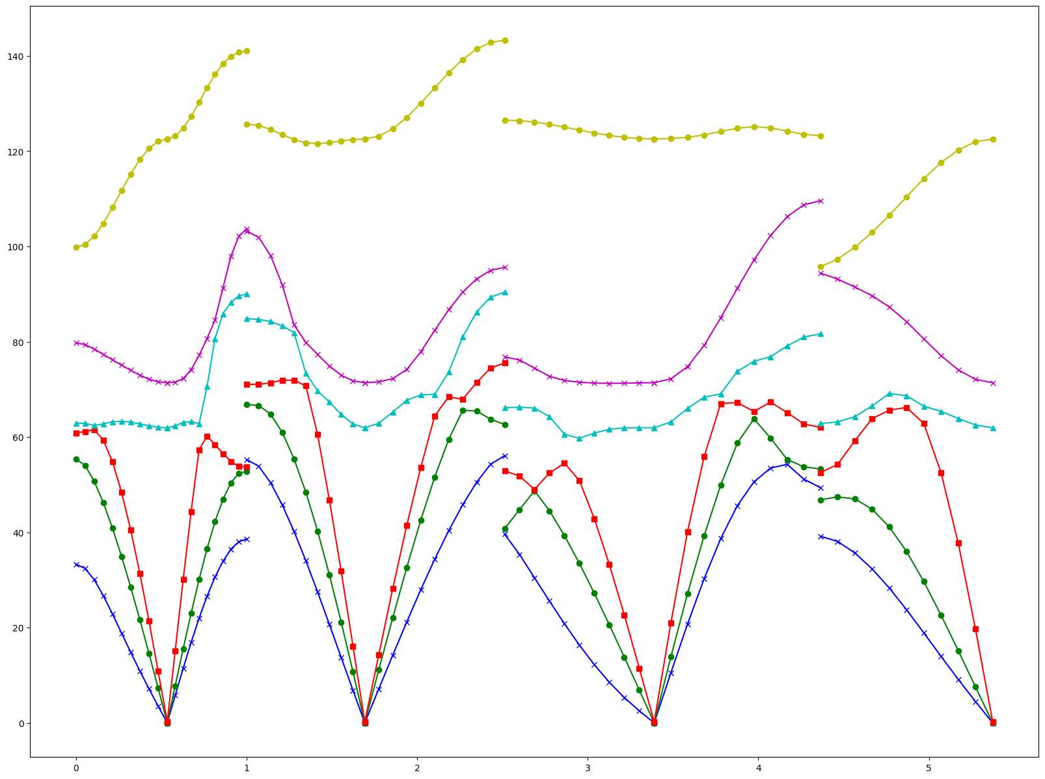
 | 1 | 0.00011606076122 |  | 8 | 232.601 | 223.29696 | 1 | 0.00011606076122
 | 2 | 0.00026170563805 |  | 9 | 318.325 | 305.592 | 2 | 0.00026170563805
 | 3 | 0.00045627809069 |  | 10 | 339.056 | 325.49376 | 3 | 0.00045627809069
 | 4 | 0.00066905615293 |  | 11 | 358.299 | 343.96704 | 4 | 0.00066905615293
 | 5 | 0.00098651647039 |  | 12 | 431.929 | 414.65184 | 5 | 0.00098651647039
 | 6 | 0.0012470842578 |  | 13 | 506.304 | 486.05184 | 6 | 0.0012470842578
 | 7 | 0.0016385048643 |  | 14 | 551.607 | 529.54272 | 7 | 0.0016385048643
 | 8 | 0.0019855492974 |  | 15 | 642.819 | 617.10624 | 8 | 0.0019855492974
 | 9 | 0.0024190703761 |  | 16 | 707.294 | 679.00224 | 9 | 0.0024190703761
 | 10 | 0.0028969676282 |  | 17 | 760.777 | 730.34592 | 10 | 0.0028969676282
 | 11 | 0.0033020424418 |  | 18 | 847.119 | 813.23424 | 11 | 0.0033020424418
 | 12 | 0.0039096546623 |  | 19 | 850.62 | 816.5952 | 12 | 0.0039096546623
 | 13 | 0.0044467201456 |  | 20 | 976.867 | 937.79232 | 13 | 0.0044467201456
 | 14 | 0.0050657108722 |  | 21 | 983.425 | 944.088 | 14 | 0.0050657108722
 | 15 | 0.0056733230927 |  | 22 | 1024.415 | 983.4384 | 15 | 0.0056733230927
 | 16 | 0.006375376913 |  | 23 | 1114.68 | 1070.0928 | 16 | 0.006375376913
 | 17 | 0.0070808442851 |  | 24 | 1120.069 | 1075.26624 | 17 | 0.0070808442851
 | 18 | 0.0079308186835 |  | 25 | 1146.521 | 1100.66016 | 18 | 0.0079308186835
 | 19 | 0.0087739659783 |  | 26 | 1216.346 | 1167.69216 | 19 | 0.0087739659783
 | 20 | 0.0095215338226 |  | 27 | 1335.366 | 1281.95136 | 20 | 0.0095215338226
 | 21 | 0.010554702168 |  | 28 | 1349.242 | 1295.27232 | 21 | 0.010554702168
 | 22 | 0.011534391534 |  | 29 | 1443.93 | 1386.1728 | 22 | 0.011534391534
 | 23 | 0.012486772487 |  | 30 | 1529.768 | 1468.57728 | 23 | 0.012486772487
 | 24 | 0.013892017978 |  | 31 | 1640.164 | 1574.55744 | 24 | 0.013892017978
 | 25 | 0.014804574159 |  | 32 | 1642.151 | 1576.46496 | 25 | 0.014804574159
 | 26 | 0.016444216874 |  | 33 | 3260.19 | 3129.7824 | 26 | 0.016444216874
 | 27 | 0.017627581499 |  | 34 | 3264.692 | 3134.10432 | 27 | 0.017627581499
 | 28 | 0.019410593389 |  | 35 | 3271.689 | 3140.82144 | 28 | 0.019410593389
 | 29 | 0.021104852933 |  | 36 | 3274.401 | 3143.42496 | 29 | 0.021104852933
 | 30 | 0.023009614838 |  |  |  |  | 30 | 0.023009614838
 | 31 | 0.025362689879 |  |  |  |  | 31 | 0.025362689879
 | 32 | 0.028453092109 |  |  |  |  | 32 | 0.028453092109
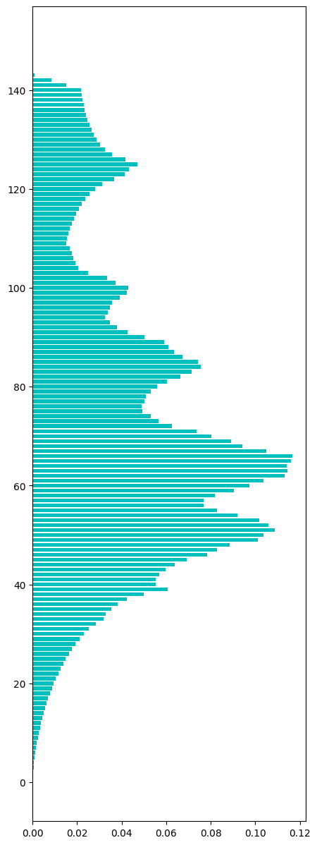
 | 33 | 0.031799510724 |  |  |  |  | 33 | 0.031799510724
 | 34 | 0.032847471127 |  |  |  |  | 34 | 0.032847471127
 | 35 | 0.035257438698 |  |  |  |  | 35 | 0.035257438698
 | 36 | 0.038364908687 |  |  |  |  | 36 | 0.038364908687
 | 37 | 0.04242703533 |  |  |  |  | 37 | 0.04242703533
 | 38 | 0.049975536212 |  |  |  |  | 38 | 0.049975536212
 | 39 | 0.060599647266 |  |  |  |  | 39 | 0.060599647266
 | 40 | 0.055246060192 |  |  |  |  | 40 | 0.055246060192
 | 41 | 0.055249473744 |  |  |  |  | 41 | 0.055249473744
 | 42 | 0.056782158503 |  |  |  |  | 42 | 0.056782158503
 | 43 | 0.059738294362 |  |  |  |  | 43 | 0.059738294362
 | 44 | 0.063741252774 |  |  |  |  | 44 | 0.063741252774
 | 45 | 0.069314445013 |  |  |  |  | 45 | 0.069314445013
 | 46 | 0.078239745121 |  |  |  |  | 46 | 0.078239745121
 | 47 | 0.082837799397 |  |  |  |  | 47 | 0.082837799397
 | 48 | 0.088553222962 |  |  |  |  | 48 | 0.088553222962
 | 49 | 0.1011287478 |  |  |  |  | 49 | 0.1011287478
 | 50 | 0.1036092621 |  |  |  |  | 50 | 0.1036092621
 | 51 | 0.1087227627 |  |  |  |  | 51 | 0.1087227627
 | 52 | 0.10591568527 |  |  |  |  | 52 | 0.10591568527
 | 53 | 0.10175001422 |  |  |  |  | 53 | 0.10175001422
 | 54 | 0.09209421403 |  |  |  |  | 54 | 0.09209421403
 | 55 | 0.082703533026 |  |  |  |  | 55 | 0.082703533026
 | 56 | 0.076749160835 |  |  |  |  | 56 | 0.076749160835
 | 57 | 0.076894805712 |  |  |  |  | 57 | 0.076894805712
 | 58 | 0.081904761905 |  |  |  |  | 58 | 0.081904761905
 | 59 | 0.090486431132 |  |  |  |  | 59 | 0.090486431132
 | 60 | 0.097381805769 |  |  |  |  | 60 | 0.097381805769
 | 61 | 0.1037958696 |  |  |  |  | 61 | 0.1037958696
 | 62 | 0.11328781931 |  |  |  |  | 62 | 0.11328781931
 | 63 | 0.11435512317 |  |  |  |  | 63 | 0.11435512317
 | 64 | 0.11416965352 |  |  |  |  | 64 | 0.11416965352
 | 65 | 0.11607669113 |  |  |  |  | 65 | 0.11607669113
 | 66 | 0.11670250896 |  |  |  |  | 66 | 0.11670250896
 | 67 | 0.10504636741 |  |  |  |  | 67 | 0.10504636741
 | 68 | 0.094224270353 |  |  |  |  | 68 | 0.094224270353
 | 69 | 0.08908004779 |  |  |  |  | 69 | 0.08908004779
 | 70 | 0.080349320134 |  |  |  |  | 70 | 0.080349320134
 | 71 | 0.073709961882 |  |  |  |  | 71 | 0.073709961882
 | 72 | 0.06250213347 |  |  |  |  | 72 | 0.06250213347
 | 73 | 0.056638789327 |  |  |  |  | 73 | 0.056638789327
 | 74 | 0.053158104341 |  |  |  |  | 74 | 0.053158104341
 | 75 | 0.049344029129 |  |  |  |  | 75 | 0.049344029129
 | 76 | 0.049006087501 |  |  |  |  | 76 | 0.049006087501
 | 77 | 0.050154178756 |  |  |  |  | 77 | 0.050154178756
 | 78 | 0.050828924162 |  |  |  |  | 78 | 0.050828924162
 | 79 | 0.053087557604 |  |  |  |  | 79 | 0.053087557604
 | 80 | 0.055995903738 |  |  |  |  | 80 | 0.055995903738
 | 81 | 0.060381179951 |  |  |  |  | 81 | 0.060381179951
 | 82 | 0.066262729704 |  |  |  |  | 82 | 0.066262729704
 | 83 | 0.071577629857 |  |  |  |  | 83 | 0.071577629857
 | 84 | 0.075644307902 |  |  |  |  | 84 | 0.075644307902
 | 85 | 0.074232235308 |  |  |  |  | 85 | 0.074232235308
 | 86 | 0.067233316266 |  |  |  |  | 86 | 0.067233316266
 | 87 | 0.063572850885 |  |  |  |  | 87 | 0.063572850885
 | 88 | 0.061150366957 |  |  |  |  | 88 | 0.061150366957
 | 89 | 0.058956591 |  |  |  |  | 89 | 0.058956591 | cv | 129.36092237
 | 90 | 0.050395403084 |  |  |  |  | 90 | 0.050395403084
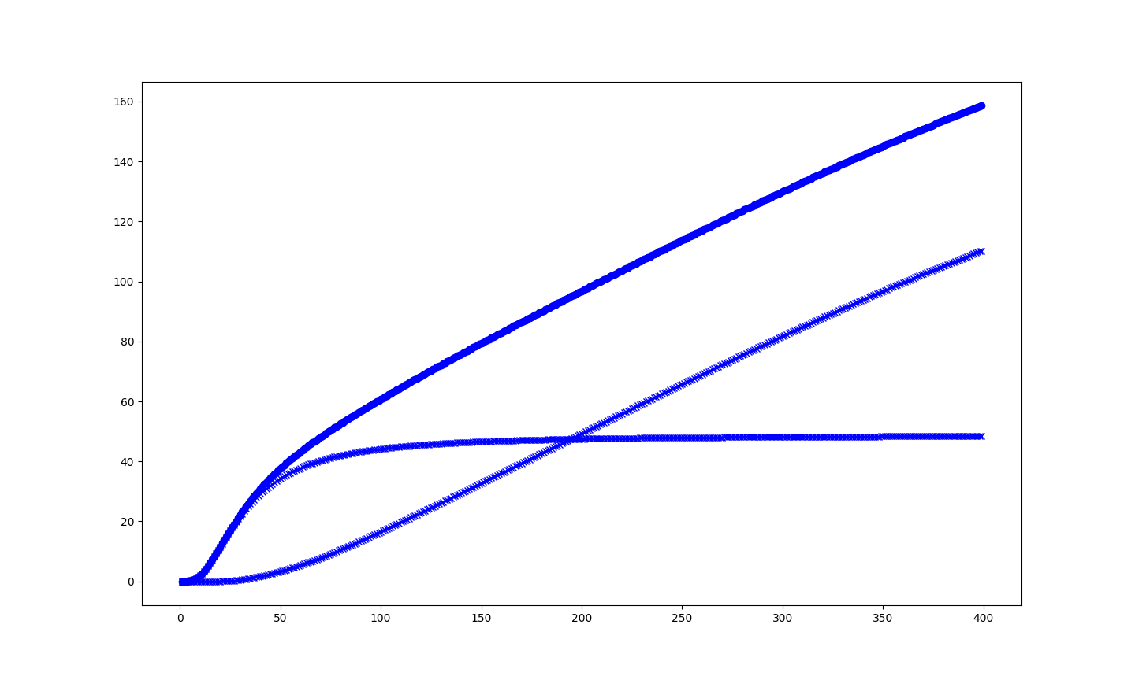
 | 91 | 0.042577231609 |  |  |  |  | 91 | 0.042577231609
 | 92 | 0.037976901633 |  |  |  |  | 92 | 0.037976901633
 | 93 | 0.034721511066 |  |  |  |  | 93 | 0.034721511066
 | 94 | 0.032574386983 |  |  |  |  | 94 | 0.032574386983
 | 95 | 0.033761165159 |  |  |  |  | 95 | 0.033761165159
 | 96 | 0.034606588155 |  |  |  |  | 96 | 0.034606588155
 | 97 | 0.035655686408 |  |  |  |  | 97 | 0.035655686408
 | 98 | 0.039079478864 |  |  |  |  | 98 | 0.039079478864
 | 99 | 0.042260909143 |  |  |  |  | 99 | 0.042260909143
 | 100 | 0.043005063435 |  |  |  |  | 100 | 0.043005063435
 | 101 | 0.037362462309 |  |  |  |  | 101 | 0.037362462309
 | 102 | 0.033489218866 |  |  |  |  | 102 | 0.033489218866
 | 103 | 0.02506229732 |  |  |  |  | 103 | 0.02506229732
 | 104 | 0.020452864539 |  |  |  |  | 104 | 0.020452864539
 | 105 | 0.019359390112 |  |  |  |  | 105 | 0.019359390112
 | 106 | 0.018327359618 |  |  |  |  | 106 | 0.018327359618
 | 107 | 0.01757296467 |  |  |  |  | 107 | 0.01757296467
 | 108 | 0.016755987939 |  |  |  |  | 108 | 0.016755987939
 | 109 | 0.015305228424 |  |  |  |  | 109 | 0.015305228424
 | 110 | 0.015376913011 |  |  |  |  | 110 | 0.015376913011
 | 111 | 0.01607555328 |  |  |  |  | 111 | 0.01607555328
 | 112 | 0.016836775331 |  |  |  |  | 112 | 0.016836775331
 | 113 | 0.017726574501 |  |  |  |  | 113 | 0.017726574501
 | 114 | 0.01871081527 |  |  |  |  | 114 | 0.01871081527
 | 115 | 0.019684815384 |  |  |  |  | 115 | 0.019684815384
 | 116 | 0.020894350572 |  |  |  |  | 116 | 0.020894350572
 | 117 | 0.022197189509 |  |  |  |  | 117 | 0.022197189509
 | 118 | 0.023827729419 |  |  |  |  | 118 | 0.023827729419
 | 119 | 0.02563122262 |  |  |  |  | 119 | 0.02563122262
 | 120 | 0.028027535985 |  |  |  |  | 120 | 0.028027535985
 | 121 | 0.031120213916 |  |  |  |  | 121 | 0.031120213916
 | 122 | 0.03672071457 |  |  |  |  | 122 | 0.03672071457
 | 123 | 0.041258462764 |  |  |  |  | 123 | 0.041258462764
 | 124 | 0.043424930307 |  |  |  |  | 124 | 0.043424930307
 | 125 | 0.047143426068 |  |  |  |  | 125 | 0.047143426068
 | 126 | 0.041861523582 |  |  |  |  | 126 | 0.041861523582
 | 127 | 0.035566934062 |  |  |  |  | 127 | 0.035566934062
 | 128 | 0.032413950048 |  |  |  |  | 128 | 0.032413950048
 | 129 | 0.030395403084 |  |  |  |  | 129 | 0.030395403084
 | 130 | 0.028818342152 |  |  |  |  | 130 | 0.028818342152
 | 131 | 0.027482505547 |  |  |  |  | 131 | 0.027482505547
 | 132 | 0.026417477385 |  |  |  |  | 132 | 0.026417477385
 | 133 | 0.025556124481 |  |  |  |  | 133 | 0.025556124481
 | 134 | 0.024763042613 |  |  |  |  | 134 | 0.024763042613
 | 135 | 0.024071229448 |  |  |  |  | 135 | 0.024071229448
 | 136 | 0.02350685555 |  |  |  |  | 136 | 0.02350685555
 | 137 | 0.023053991011 |  |  |  |  | 137 | 0.023053991011
 | 138 | 0.022479376458 |  |  |  |  | 138 | 0.022479376458
 | 139 | 0.022109575013 |  |  |  |  | 139 | 0.022109575013
 | 140 | 0.021783011891 |  |  |  |  | 140 | 0.021783011891
 | 141 | 0.015122034477 |  |  |  |  | 141 | 0.015122034477
 | 142 | 0.0084144051886 |  |  |  |  | 142 | 0.0084144051886
 | 143 | 0.00091824543437 |  |  |  |  | 143 | 0.00091824543437
 | 144 | 0 |  |  |  |  | 144 | 0
 | 145 | 0 |  |  |  |  | 145 | 0
 | 146 | 0 |  |  |  |  | 146 | 0
 | 147 | 0 |  |  |  |  | 147 | 0
 | 148 | 0 |  |  |  |  | 148 | 0
 | 149 | 0 |  |  |  |  | 149 | 0

