regular_positiveConnections
 |  | moderately high at S2 | level, or highest at S4 | highest at S3 | highest at S5 | highest at S1 | max values at S2
 |  | 45 genes, 395 cpds | 494 genes, 414 cpds | 51 genes, 39 cpds | 23 genes, 236 cpds | 50 genes, 17 cpds | 8 genes, 312 cpds
 | pathwayName | Km0 | Km1 | Km2 | Km3 | Km4 | Km5
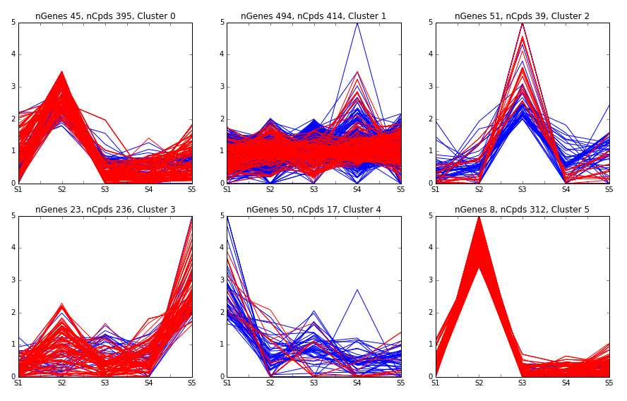
ko00020 | Citrate cycle (TCA cycle) |  | yes
ko00040 | Pentose and glucuronate interconversions |  | yes
ko00051 | Fructose and mannose metabolism |  | yes
ko00052 | Galactose metabolism |  | yes
ko00053 | Ascorbate and aldarate metabolism |  | yes
ko00061 | Fatty acid biosynthesis |  | yes
ko00120 | Primary bile acid biosynthesis |  | yes
ko00121 | Secondary bile acid biosynthesis |  | yes
ko00130 | Ubiquinone and other terpenoid-quinone biosynthesis |  | yes
ko00140 | Steroid hormone biosynthesis | yes | yes | yes | yes |  | yes
ko00190 | Oxidative phosphorylation |  | yes
ko00220 | Arginine biosynthesis |  | yes
ko00230 | Purine metabolism |  | yes |  | yes
ko00240 | Pyrimidine metabolism |  | yes
ko00250 | Alanine, aspartate and glutamate metabolism |  | yes
ko00270 | Cysteine and methionine metabolism |  | yes
ko00280 | Valine, leucine and isoleucine degradation |  | yes
ko00290 | Valine, leucine and isoleucine biosynthesis |  | yes
ko00300 | Lysine biosynthesis |  | yes
ko00310 | Lysine degradation |  | yes
ko00330 | Arginine and proline metabolism |  | yes
ko00340 | Histidine metabolism |  | yes
ko00350 | Tyrosine metabolism |  | yes |  | yes
ko00360 | Phenylalanine metabolism |  | yes |  | yes
ko00363 | Bisphenol degradation |  | yes
ko00400 | Phenylalanine, tyrosine and tryptophan biosynthesis |  | yes |  | yes | yes
ko00410 | beta-Alanine metabolism |  |  |  | yes
ko00430 | Taurine and hypotaurine metabolism |  | yes
ko00471 | D-Glutamine and D-glutamate metabolism |  | yes
ko00480 | Glutathione metabolism |  | yes
ko00590 | Arachidonic acid metabolism | yes | yes |  | yes |  | yes
ko00592 | alpha-Linolenic acid metabolism |  | yes |  |  |  | yes
ko00620 | Pyruvate metabolism |  | yes
ko00627 | Aminobenzoate degradation |  | yes
ko00630 | Glyoxylate and dicarboxylate metabolism |  | yes
ko00640 | Propanoate metabolism |  | yes
ko00650 | Butanoate metabolism |  | yes
ko00660 | C5-Branched dibasic acid metabolism |  | yes
ko00720 | Carbon fixation pathways in prokaryotes |  | yes
ko00740 | Riboflavin metabolism |  | yes
ko00750 | Vitamin B6 metabolism |  | yes |  | yes
ko00760 | Nicotinate and nicotinamide metabolism |  | yes
ko00770 | Pantothenate and CoA biosynthesis |  | yes |  | yes
ko00780 | Biotin metabolism |  | yes
ko00830 | Retinol metabolism |  | yes |  |  |  | yes
ko00900 | Terpenoid backbone biosynthesis |  | yes
ko00906 | Carotenoid biosynthesis |  | yes |  |  |  | yes
ko00908 | Zeatin biosynthesis |  | yes
ko00920 | Sulfur metabolism |  | yes
ko00930 | Caprolactam degradation |  | yes
ko00940 | Phenylpropanoid biosynthesis |  | yes
ko00944 | Flavone and flavonol biosynthesis |  | yes
ko00945 | Stilbenoid, diarylheptanoid and gingerol biosynthesis |  | yes
ko00950 | Isoquinoline alkaloid biosynthesis |  | yes |  | yes
ko00960 | Tropane, piperidine and pyridine alkaloid biosynthesis |  | yes |  | yes
ko00970 | Aminoacyl-tRNA biosynthesis |  | yes
ko00980 | Metabolism of xenobiotics by cytochrome P450 |  | yes
ko00982 | Drug metabolism - cytochrome P450 |  | yes
ko00983 | Drug metabolism - other enzymes |  | yes
ko02020 | Two-component system |  | yes
ko04611 | Platelet activation |  |  |  |  |  | yes
ko04723 | Retrograde endocannabinoid signaling |  | yes
ko04726 | Serotonergic synapse | yes | yes |  |  |  | yes
ko04727 | GABAergic synapse |  | yes
ko04913 | Ovarian steroidogenesis |  | yes
ko04921 | Oxytocin signaling pathway |  | yes
ko04964 | Proximal tubule bicarbonate reclamation |  | yes

inverse_negativeCorrelations
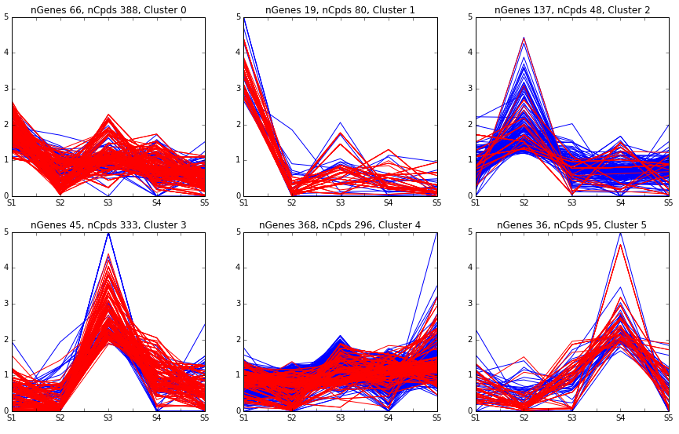
 |  | even from S1 to S5 | highest at S1 | highest at S2 | highest at S3 | even, or highest at S5 | highest at S4
 |  | 66 genes, 388 cpds | 19 genes, 80 cpds | 137 genes, 48 cpds | 45 genes, 333 cpds | 368 genes, 296 cpds | 36 genes, 95 cpds
 | pathwayName | Km0 | Km1 | Km2 | Km3 | Km4 | Km5
ko00020 | Citrate cycle (TCA cycle) |  |  |  |  | yes
ko00051 | Fructose and mannose metabolism | yes |  |  |  | yes
ko00052 | Galactose metabolism |  |  |  |  | yes | yes
ko00053 | Ascorbate and aldarate metabolism | yes
ko00061 | Fatty acid biosynthesis |  |  |  |  | yes
ko00140 | Steroid hormone biosynthesis | yes |  |  | yes | yes
ko00190 | Oxidative phosphorylation |  |  |  |  | yes
ko00220 | Arginine biosynthesis | yes
ko00230 | Purine metabolism | yes |  |  | yes | yes
ko00240 | Pyrimidine metabolism |  |  |  |  | yes
ko00250 | Alanine, aspartate and glutamate metabolism | yes |  |  |  | yes
ko00260 | Glycine, serine and threonine metabolism | yes
ko00270 | Cysteine and methionine metabolism | yes
ko00280 | Valine, leucine and isoleucine degradation | yes |  | yes |  | yes
ko00290 | Valine, leucine and isoleucine biosynthesis | yes |  | yes |  | yes
ko00300 | Lysine biosynthesis | yes |  |  |  | yes
ko00310 | Lysine degradation |  |  |  |  | yes
ko00330 | Arginine and proline metabolism | yes
ko00340 | Histidine metabolism | yes |  |  |  | yes
ko00350 | Tyrosine metabolism |  |  |  |  | yes
ko00360 | Phenylalanine metabolism | yes |  |  |  | yes
ko00363 | Bisphenol degradation |  |  |  |  | yes
ko00380 | Tryptophan metabolism | yes |  |  | yes
ko00400 | Phenylalanine, tyrosine and tryptophan biosynthesis | yes |  |  |  | yes
ko00480 | Glutathione metabolism | yes
ko00500 | Starch and sucrose metabolism | yes
ko00520 | Amino sugar and nucleotide sugar metabolism |  |  |  | yes
ko00550 | Peptidoglycan biosynthesis |  |  |  | yes
ko00561 | Glycerolipid metabolism |  |  |  |  |  | yes
ko00590 | Arachidonic acid metabolism | yes |  | yes | yes | yes
ko00592 | alpha-Linolenic acid metabolism |  |  | yes
ko00620 | Pyruvate metabolism |  |  |  |  | yes
ko00630 | Glyoxylate and dicarboxylate metabolism | yes |  |  |  | yes
ko00640 | Propanoate metabolism |  |  |  |  | yes
ko00650 | Butanoate metabolism | yes |  |  |  | yes
ko00660 | C5-Branched dibasic acid metabolism | yes
ko00720 | Carbon fixation pathways in prokaryotes |  |  |  |  | yes
ko00740 | Riboflavin metabolism | yes |  |  |  | yes
ko00770 | Pantothenate and CoA biosynthesis | yes |  |  |  | yes
ko00780 | Biotin metabolism |  |  |  |  | yes
ko00830 | Retinol metabolism |  |  |  | yes | yes
ko00904 | Diterpenoid biosynthesis |  |  |  | yes
ko00906 | Carotenoid biosynthesis |  |  |  | yes |  | yes
ko00920 | Sulfur metabolism |  |  |  |  | yes
ko00930 | Caprolactam degradation |  |  |  |  | yes
ko00940 | Phenylpropanoid biosynthesis | yes |  |  |  | yes
ko00944 | Flavone and flavonol biosynthesis |  |  | yes
ko00950 | Isoquinoline alkaloid biosynthesis |  |  |  |  | yes
ko00960 | Tropane, piperidine and pyridine alkaloid biosynthesis | yes |  |  |  | yes
ko00970 | Aminoacyl-tRNA biosynthesis | yes |  |  |  | yes
ko00980 | Metabolism of xenobiotics by cytochrome P450 |  |  |  |  | yes
ko00981 | Insect hormone biosynthesis |  |  |  | yes | yes
ko02020 | Two-component system |  |  |  |  | yes
ko04611 | Platelet activation |  |  | yes
ko04723 | Retrograde endocannabinoid signaling |  |  |  |  | yes
ko04726 | Serotonergic synapse |  |  | yes | yes | yes
ko04750 | Inflammatory mediator regulation of TRP channels |  |  |  | yes
ko04913 | Ovarian steroidogenesis | yes |  |  | yes | yes
ko04921 | Oxytocin signaling pathway |  |  |  |  | yes
ko04925 | Aldosterone synthesis and secretion |  |  |  | yes

