Test Report
Feature | Scenario | Steps | Test Result | Error | Screenshot
Login1 | Successful login | Given open the login page | Fail | Page.goto: Timeout 30000ms exceeded. Call log: - navigating to "https://www.saucedemo.com/", waiting until "load"
 |  | When input user "testAccount" | Skip | 前置步骤失败，跳过执行
 |  | And click login button | Skip | 前置步骤失败，跳过执行
 |  | Then login with "successful" account | Skip | 前置步骤失败，跳过执行
 | sort and add Sauce Labs Backpack in cart -- @1.1 | Given sort all item | Fail | Page.select_option: Target page, context or browser has been closed Call log: - waiting for locator("//*[@id=\"header_container\"]//select[@class=\"product_sort_container\"]") | 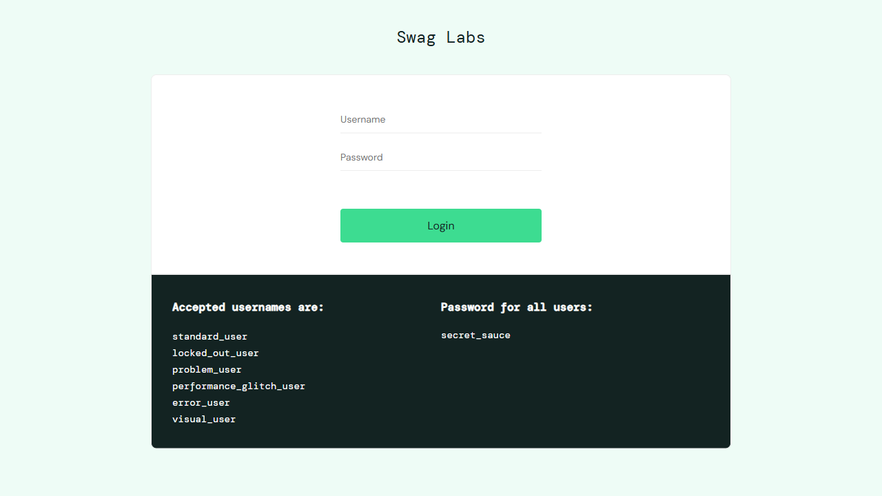
 |  | When click "Sauce Labs Backpack" and check details | Skip | 前置步骤失败，跳过执行
 |  | And add in cart | Skip | 前置步骤失败，跳过执行
 |  | Then check if "Sauce Labs Backpack" is in cart | Skip | 前置步骤失败，跳过执行
 |  | Then back to all items page | Skip | 前置步骤失败，跳过执行
 | sort and add Sauce Labs Bike Light in cart -- @1.2 | Given sort all item | Fail | Page.select_option: Target page, context or browser has been closed
 |  | When click "Sauce Labs Bike Light" and check details | Skip | 前置步骤失败，跳过执行
 |  | And add in cart | Skip | 前置步骤失败，跳过执行
 |  | Then check if "Sauce Labs Bike Light" is in cart | Skip | 前置步骤失败，跳过执行
 |  | Then back to all items page | Skip | 前置步骤失败，跳过执行
 | sort and add Sauce Labs Bolt T-Shirt in cart -- @1.3 | Given sort all item | Fail | Page.select_option: Target page, context or browser has been closed
 |  | When click "Sauce Labs Bolt T-Shirt" and check details | Skip | 前置步骤失败，跳过执行
 |  | And add in cart | Skip | 前置步骤失败，跳过执行
 |  | Then check if "Sauce Labs Bolt T-Shirt" is in cart | Skip | 前置步骤失败，跳过执行
 |  | Then back to all items page | Skip | 前置步骤失败，跳过执行
 | sort and add Sauce Labs Fleece Jacket in cart -- @1.4 | Given sort all item | Fail | Page.select_option: Target page, context or browser has been closed
 |  | When click "Sauce Labs Fleece Jacket" and check details | Skip | 前置步骤失败，跳过执行
 |  | And add in cart | Skip | 前置步骤失败，跳过执行
 |  | Then check if "Sauce Labs Fleece Jacket" is in cart | Skip | 前置步骤失败，跳过执行
 |  | Then back to all items page | Skip | 前置步骤失败，跳过执行
 | sort and add Sauce Labs Onesie in cart -- @1.5 | Given sort all item | Fail | Page.select_option: Target page, context or browser has been closed
 |  | When click "Sauce Labs Onesie" and check details | Skip | 前置步骤失败，跳过执行
 |  | And add in cart | Skip | 前置步骤失败，跳过执行
 |  | Then check if "Sauce Labs Onesie" is in cart | Skip | 前置步骤失败，跳过执行
 |  | Then back to all items page | Skip | 前置步骤失败，跳过执行
 | sort and add Test.allTheThings() T-Shirt (Red) in cart -- @1.6 | Given sort all item | Fail | Page.select_option: Target page, context or browser has been closed
 |  | When click "Test.allTheThings() T-Shirt (Red)" and check details | Skip | 前置步骤失败，跳过执行
 |  | And add in cart | Skip | 前置步骤失败，跳过执行
 |  | Then check if "Test.allTheThings() T-Shirt (Red)" is in cart | Skip | 前置步骤失败，跳过执行
 |  | Then back to all items page | Skip | 前置步骤失败，跳过执行
 | sort and add Sauce Labs Backpack in cart -- @1.1 | Given enter the cart | Fail | Page.click: Target page, context or browser has been closed
 |  | When remove "Sauce Labs Backpack" | Skip | 前置步骤失败，跳过执行
 |  | Then check if "Sauce Labs Backpack" is removed | Skip | 前置步骤失败，跳过执行
 | sort and add Sauce Labs Bike Light in cart -- @1.2 | Given enter the cart | Fail | Page.click: Target page, context or browser has been closed
 |  | When remove "Sauce Labs Bike Light" | Skip | 前置步骤失败，跳过执行
 |  | Then check if "Sauce Labs Bike Light" is removed | Skip | 前置步骤失败，跳过执行
 | sort and add Sauce Labs Bolt T-Shirt in cart -- @1.3 | Given enter the cart | Fail | Page.click: Target page, context or browser has been closed
 |  | When remove "Sauce Labs Bolt T-Shirt" | Skip | 前置步骤失败，跳过执行
 |  | Then check if "Sauce Labs Bolt T-Shirt" is removed | Skip | 前置步骤失败，跳过执行
 | sort and add Sauce Labs Fleece Jacket in cart -- @1.4 | Given enter the cart | Fail | Page.click: Target page, context or browser has been closed
 |  | When remove "Sauce Labs Fleece Jacket" | Skip | 前置步骤失败，跳过执行
 |  | Then check if "Sauce Labs Fleece Jacket" is removed | Skip | 前置步骤失败，跳过执行
 | sort and add Sauce Labs Onesie in cart -- @1.5 | Given enter the cart | Fail | Page.click: Target page, context or browser has been closed
 |  | When remove "Sauce Labs Onesie" | Skip | 前置步骤失败，跳过执行
 |  | Then check if "Sauce Labs Onesie" is removed | Skip | 前置步骤失败，跳过执行
 | sort and add Test.allTheThings() T-Shirt (Red) in cart -- @1.6 | Given enter the cart | Fail | Page.click: Target page, context or browser has been closed
 |  | When remove "Test.allTheThings() T-Shirt (Red)" | Skip | 前置步骤失败，跳过执行
 |  | Then check if "Test.allTheThings() T-Shirt (Red)" is removed | Skip | 前置步骤失败，跳过执行
 | checkout user1 -- @1.1 | Given enter the cart | Fail | Page.click: Target page, context or browser has been closed
 |  | When enter checkout page | Skip | 前置步骤失败，跳过执行
 |  | Then inpput "user1" and finish | Skip | 前置步骤失败，跳过执行
 | checkout user2 -- @1.2 | Given enter the cart | Fail | Page.click: Target page, context or browser has been closed
 |  | When enter checkout page | Skip | 前置步骤失败，跳过执行
 |  | Then inpput "user2" and finish | Skip | 前置步骤失败，跳过执行
 | checkout user3 -- @1.3 | Given enter the cart | Fail | Page.click: Target page, context or browser has been closed
 |  | When enter checkout page | Skip | 前置步骤失败，跳过执行
 |  | Then inpput "user3" and finish | Skip | 前置步骤失败，跳过执行
 | checkout user4 -- @1.4 | Given enter the cart | Fail | Page.click: Target page, context or browser has been closed
 |  | When enter checkout page | Skip | 前置步骤失败，跳过执行
 |  | Then inpput "user4" and finish | Skip | 前置步骤失败，跳过执行
 | checkout user5 -- @1.5 | Given enter the cart | Fail | Page.click: Target page, context or browser has been closed
 |  | When enter checkout page | Skip | 前置步骤失败，跳过执行
 |  | Then inpput "user5" and finish | Skip | 前置步骤失败，跳过执行
 | checkout user6 -- @1.6 | Given enter the cart | Fail | Page.click: Target page, context or browser has been closed
 |  | When enter checkout page | Skip | 前置步骤失败，跳过执行
 |  | Then inpput "user6" and finish | Skip | 前置步骤失败，跳过执行

