Test Report
Feature | Scenario | Steps | Test Result | Error | Screenshot
Login1 | Successful login | Given open the login page | Fail | Page.goto: Timeout 30000ms exceeded. Call log: - navigating to "https://www.saucedemo.com/", waiting until "load"
 | sort and add Sauce Labs Backpack in cart -- @1.1 | Given sort all item | Fail | Page.select_option: Target page, context or browser has been closed Call log: - waiting for locator("//*[@id=\"header_container\"]//select[@class=\"product_sort_container\"]") | 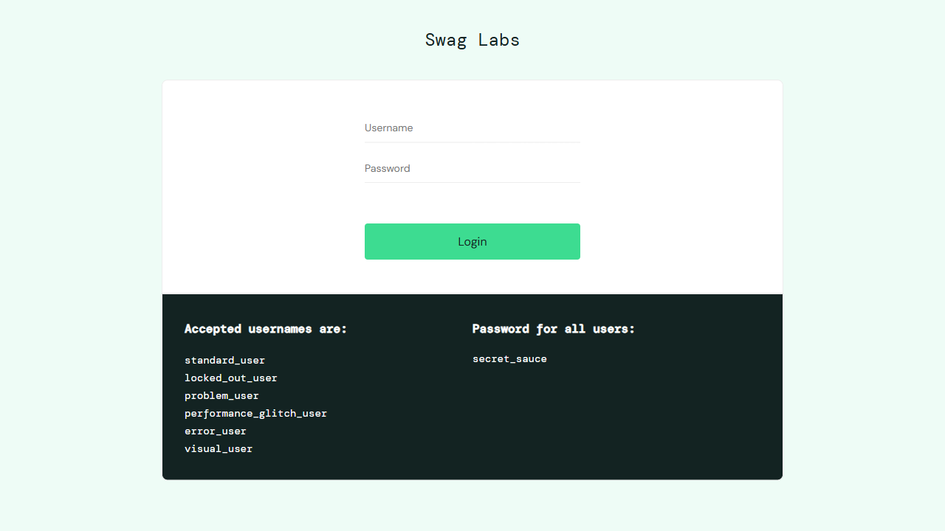
 | sort and add Sauce Labs Bike Light in cart -- @1.2 | Given sort all item | Fail | Page.select_option: Target page, context or browser has been closed
 | sort and add Sauce Labs Bolt T-Shirt in cart -- @1.3 | Given sort all item | Fail | Page.select_option: Target page, context or browser has been closed
 | sort and add Sauce Labs Fleece Jacket in cart -- @1.4 | Given sort all item | Fail | Page.select_option: Target page, context or browser has been closed
 | sort and add Sauce Labs Onesie in cart -- @1.5 | Given sort all item | Fail | Page.select_option: Target page, context or browser has been closed
 | sort and add Test.allTheThings() T-Shirt (Red) in cart -- @1.6 | Given sort all item | Fail | Page.select_option: Target page, context or browser has been closed
 | sort and add Sauce Labs Backpack in cart -- @1.1 | Given enter the cart | Fail | Page.click: Target page, context or browser has been closed
 | sort and add Sauce Labs Bike Light in cart -- @1.2 | Given enter the cart | Fail | Page.click: Target page, context or browser has been closed
 | sort and add Sauce Labs Bolt T-Shirt in cart -- @1.3 | Given enter the cart | Fail | Page.click: Target page, context or browser has been closed
 | sort and add Sauce Labs Fleece Jacket in cart -- @1.4 | Given enter the cart | Fail | Page.click: Target page, context or browser has been closed
 | sort and add Sauce Labs Onesie in cart -- @1.5 | Given enter the cart | Fail | Page.click: Target page, context or browser has been closed
 | sort and add Test.allTheThings() T-Shirt (Red) in cart -- @1.6 | Given enter the cart | Fail | Page.click: Target page, context or browser has been closed
 | checkout user1 -- @1.1 | Given enter the cart | Fail | Page.click: Target page, context or browser has been closed
 | checkout user2 -- @1.2 | Given enter the cart | Fail | Page.click: Target page, context or browser has been closed
 | checkout user3 -- @1.3 | Given enter the cart | Fail | Page.click: Target page, context or browser has been closed
 | checkout user4 -- @1.4 | Given enter the cart | Fail | Page.click: Target page, context or browser has been closed
 | checkout user5 -- @1.5 | Given enter the cart | Fail | Page.click: Target page, context or browser has been closed
 | checkout user6 -- @1.6 | Given enter the cart | Fail | Page.click: Target page, context or browser has been closed

