Responsive Testing
Test Scenario URL: https://play.google.com/store/search?q=whatsapp&c=apps Prepared by Kuldeep Parmar Date: 5/12/2024
Test Scenario ID | Scenario | Screen Resolation & Device Name | Screenshot | Status
Camera & Status page in Mobile Device
1 | Verify the screen resolution of camera page in mobile device to check the user friendliness (Before capture) | 1080x2340 (Redmi Note 8) |  | PASS
2 | Verify the screen resolution of camera page in mobile device to check the user friendliness (After capture) | 1080x2340 (Redmi Note 8) |  | PASS
3 | Verify the screen resolution of status page in mobile device to check the user friendliness | 1080x2340 (Redmi Note 8) | 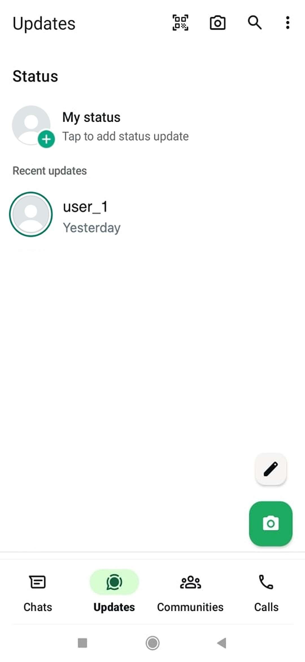 | PASS

URL: https://web.whatsapp.com/
Camera & Status page in Web based Application
4 | Verify the screen resolution of home and status page to check the user friendliness | 1920x1080 (Full HD or 1080p) | 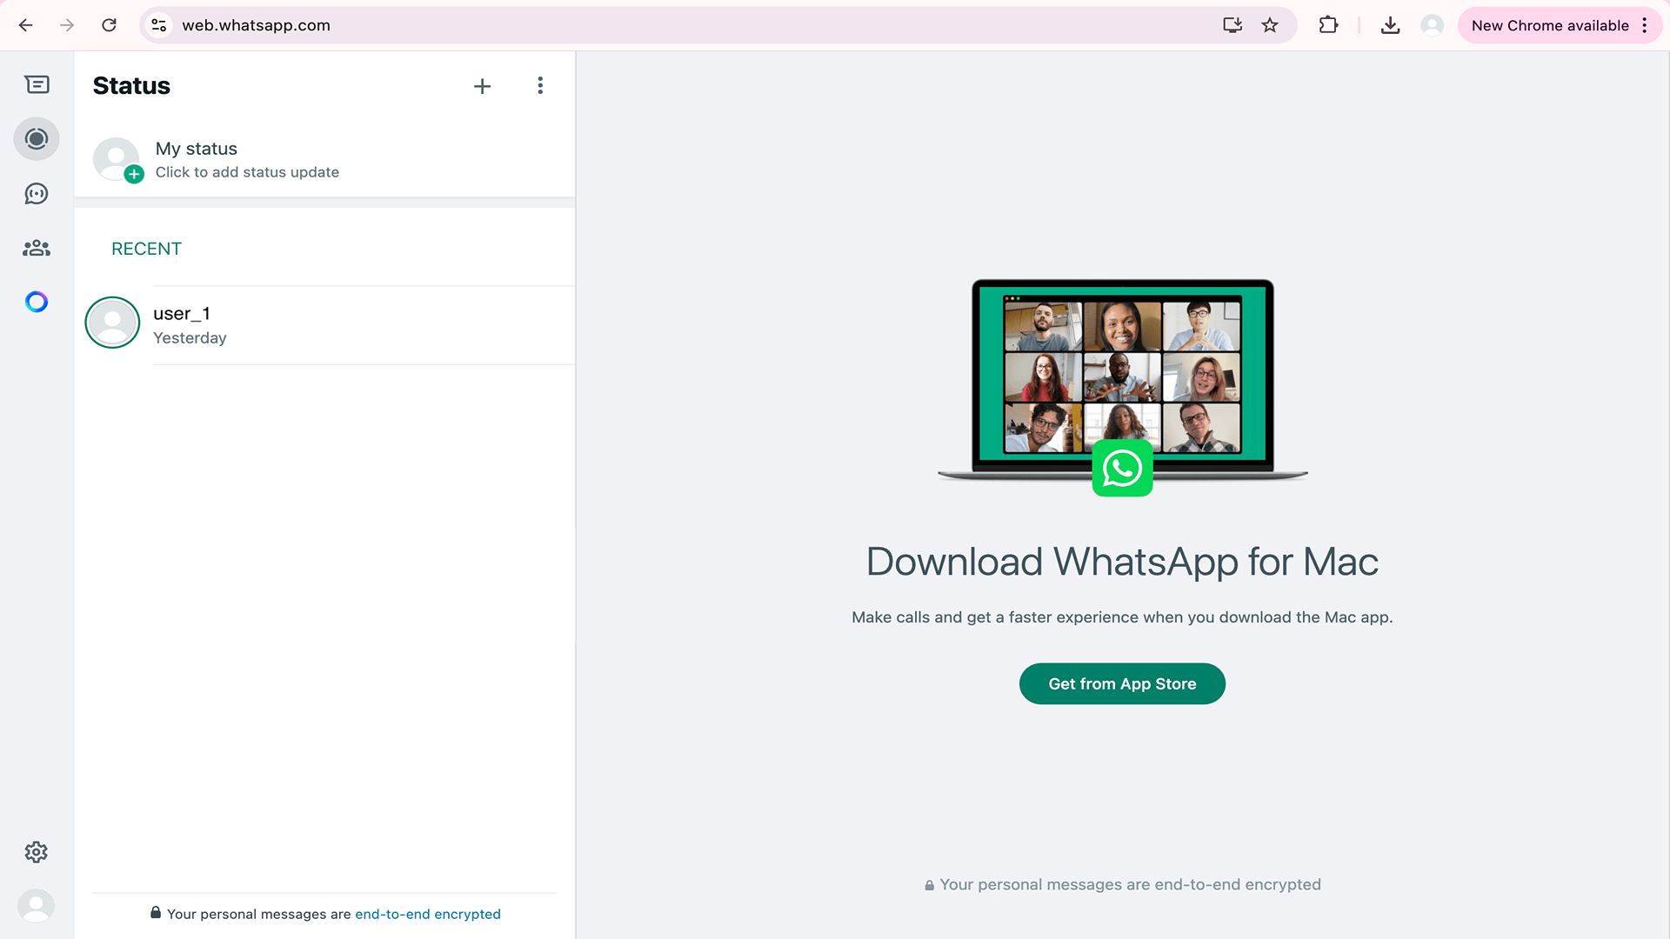 | PASS
5 | Verify the screen resolution of home and status page to check the user friendliness | 1440x900 (Common resolution, especially on older or mid-range screens) |  | PASS
6 | Verify the screen resolution of home and chats page to check the user friendliness | 1366x768 (Widely used on laptops and lower-end monitors) | 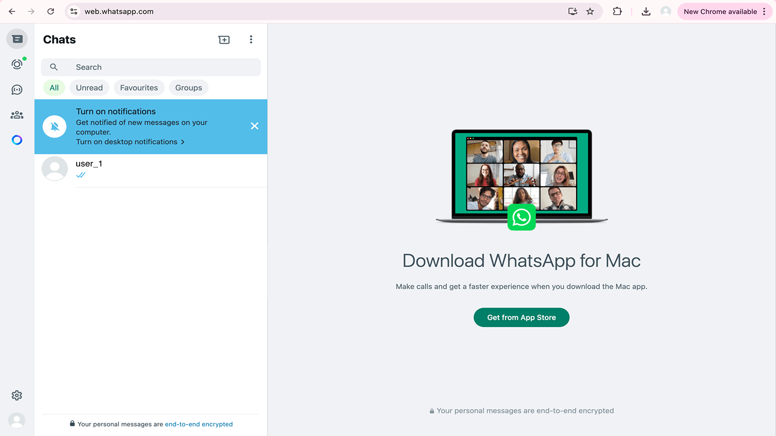 | PASS
7 | Verify the screen resolution of camera page in web based application to check the user friendliness (Before capture) | 1440x900 (Common resolution, especially on older or mid-range screens) | 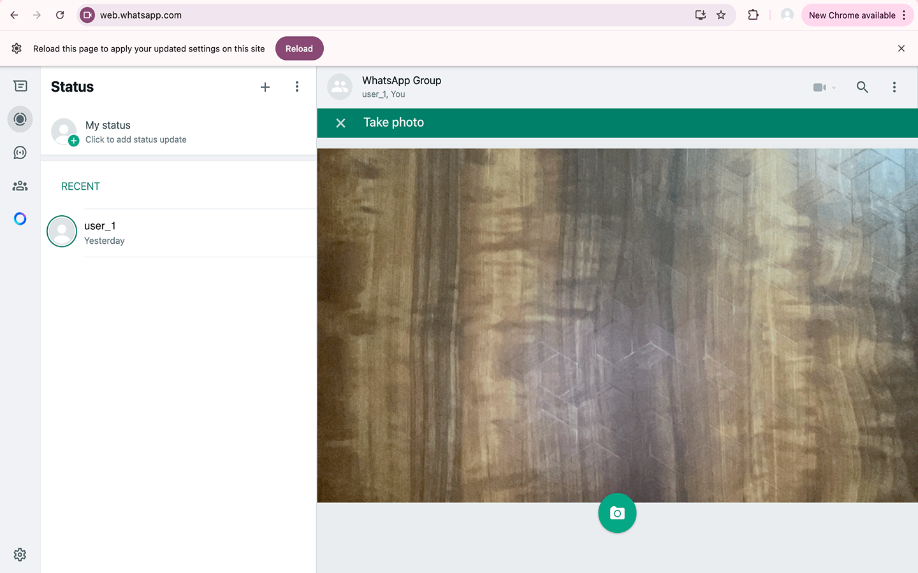 | PASS
8 | Verify the screen resolution of camera page in web based application to check the user friendliness (After capture) | 1440x900 (Common resolution, especially on older or mid-range screens) | 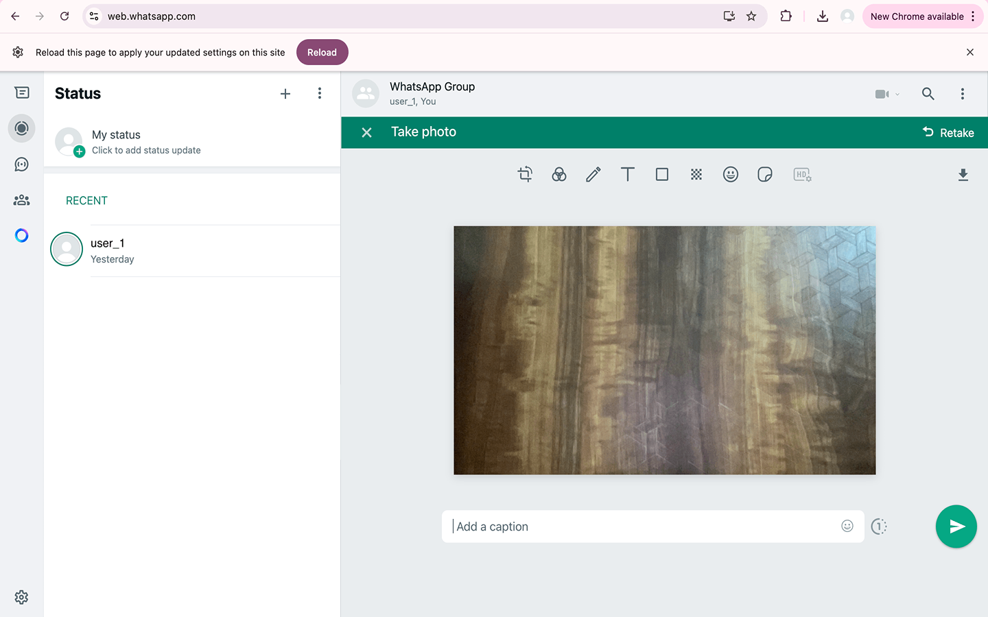 | PASS

Defect Report
Defect Report on Group functionality make a chat, video call, audio call, group chat etc… URL: https://play.google.com/store/search?q=whatsapp&c=apps Prepared by Kuldeep Parmar Date: 9/12/2024
Defect ID | Defect Summary | Pre-conditions | Reproduced Steps | Test Data | Defect Type | Defect Priority | Defect Severity | QA Name | Expected Outcome | Actual Outcome | Attachment | Status
1 | Verify the GIFs (for chat messages) to check compatibility with third-party apps | Internet connection required, WhatsApp application should be downloaded, installed & logged in with valid mobile number | 1) Open WhatsApp and go to any group or chat section 2) Click on message box and click on GIF section 3) Search for GIF, select & send GIF | NA | Usability defect | Medium | Medium | Kuldeep Parmar | GIF should be sent properly | GIF sent is not proper but glitchy | 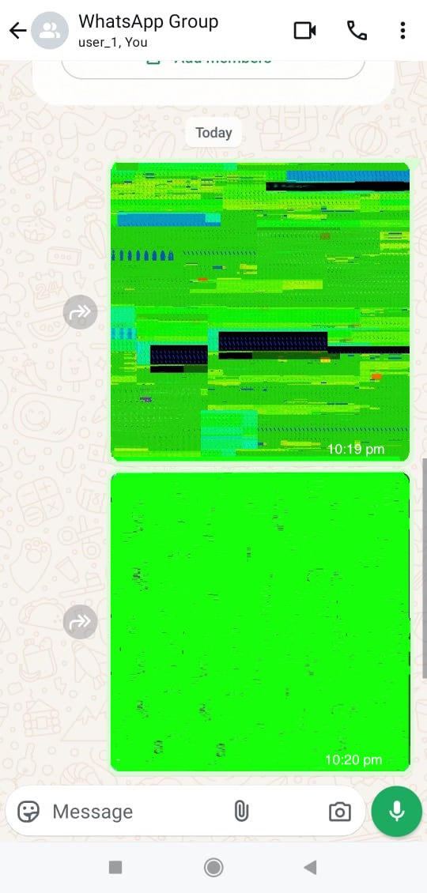 | Open

