BankABC2
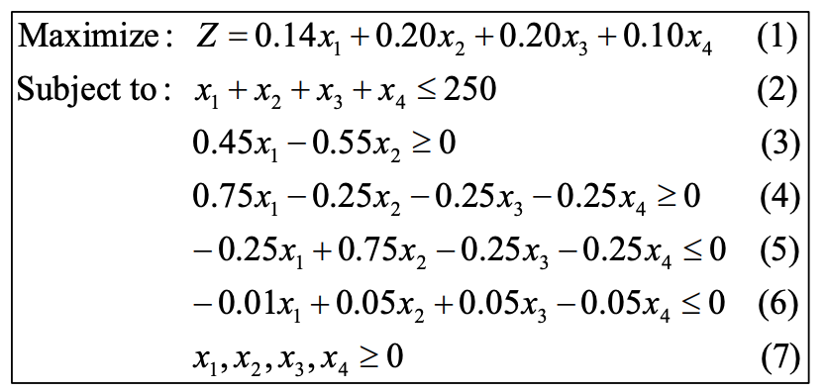
Bank ABC Financial Problem

 | Loan Type | Interest | Amount Loaned | Partial interests | Constraint 1 | Constraint 2 | Constraint 3 | Constraint 4 | Constraint 5
 | First mortgage | 0.14 | 62.5 | 8.75 | 1 | 0.45 | 0.75 | -0.25 | -0.01
 | Second mortgage | 0.2 | 51.136363636 | 10.227272727 | 1 | -0.55 | -0.25 | 0.75 | 0.05
 | Home improvement | 0.2 | 48.863636364 | 9.7727272727 | 1 | 0 | -0.25 | -0.25 | 0.05
 | Personal overdraft | 0.1 | 87.5 | 8.75 | 1 | 0 | -0.25 | -0.25 | -0.05
 |  |  |  |  | 250 | 0 | 0 | -11.363636364 | 0
 |  |  | Interest Income | 37.5 | <= | >= | >= | <= | <=
 |  |  |  |  | 250 | 0 | 0 | 0 | 0

