StagedProduction
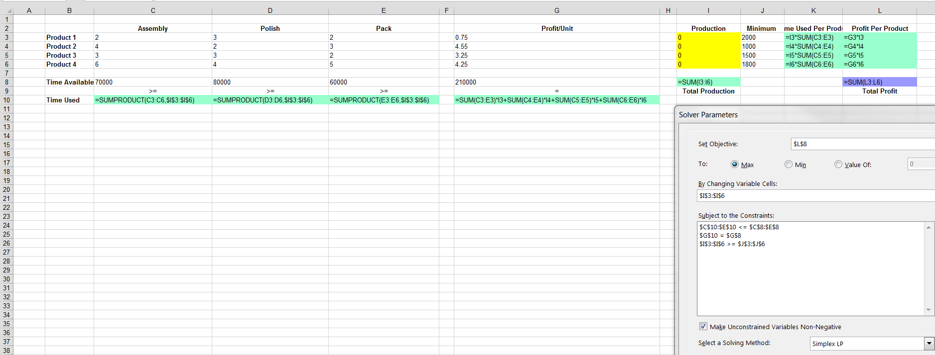
STAGED PRODUCTION Problem

