MinimumCostFlow2
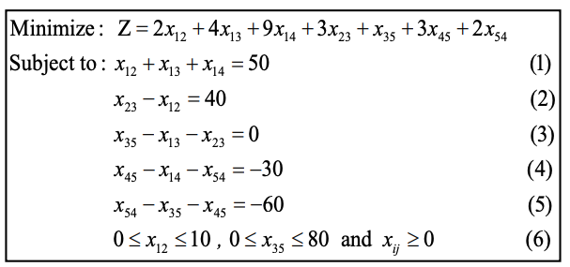
MINIMUM COST FLOW Problem

Cost Cij | S1 | S2 | A | D1 | D2 |  | Capacity Uij (<=) | S1 | S2 | A | D1 | D2
S1 |  | 2 | 4 | 9 |  |  | S1 |  | 10
S2 |  |  | 3 |  |  |  | S2
A |  |  |  |  | 1 |  | A |  |  |  |  | 80
D1 |  |  |  |  | 3 |  | D1
D2 |  |  |  | 2 |  |  | D2

Flow Xij | S1 | S2 | A | D1 | D2 | OutFlow |  | NetFlow Bi |  | Supply/Demand Bi
S1 |  | 0 | 40 | 10 |  | 50 |  | 50 | = | 50
S2 |  |  | 40 |  |  | 40 |  | 40 | = | 40
A |  |  |  |  | 80 | 80 |  | 0 | = | 0
D1 |  |  |  |  | 0 | 0 |  | -30 | = | -30
D2 |  |  |  | 20 |  | 20 |  | -60 | = | -60
InFlow | 0 | 0 | 80 | 30 | 80

Total Cost | 490

