Committee
Candidate | Female | Male | Student | Admin | Faculty | On Committee
1 | 1 |  | 1 |  |  | 0 | Binary
2 | 1 |  | 1 |  |  | 0 | Binary
3 | 1 |  | 1 |  |  | 0 | Binary
4 | 1 |  |  |  | 1 | 0 | Binary
5 | 1 |  |  | 1 |  | 1 | Binary
6 |  | 1 |  | 1 |  | 1 | Binary
7 |  | 1 |  |  | 1 | 0 | Binary
8 |  | 1 |  |  | 1 | 1 | Binary
9 |  | 1 |  |  | 1 | 0 | Binary
10 |  | 1 | 1 |  |  | 1 | Binary
 |  |  |  |  |  | Number On
 | Female | Male | Student | Admin | Faculty | 4
Number | 1 | 3 | 1 | 2 | 1
 | >= | >= | >= | >= | >= | Linking Constraint
 | 1 | 1 | 1 | 1 | 1 | 1 | For 5 and 6 both being selected, Binary

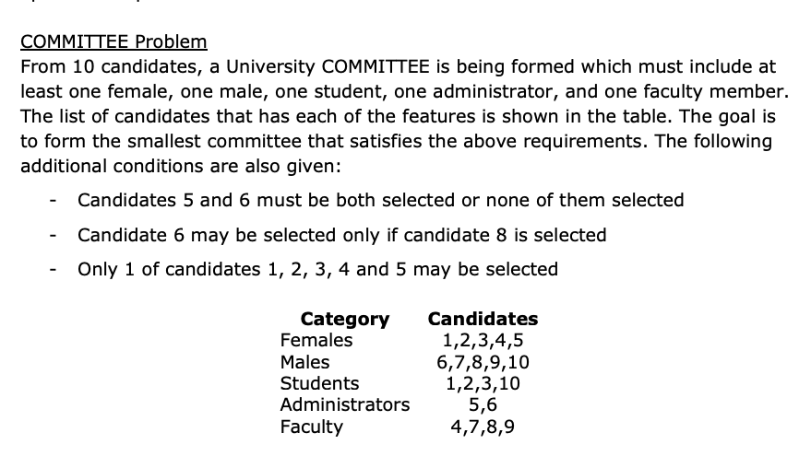
Only 1 of candidates 1, 2, 3, 4 and 5 may be selected
 | 1 | <= | 1
Candidate 6 may be selected only if candidate 8 is selected
 | 1 | <= | 1
Candidates 5 and 6 must be both selected or none of them selected
 | 2 | = | 2

Offices
OFFICES Problem
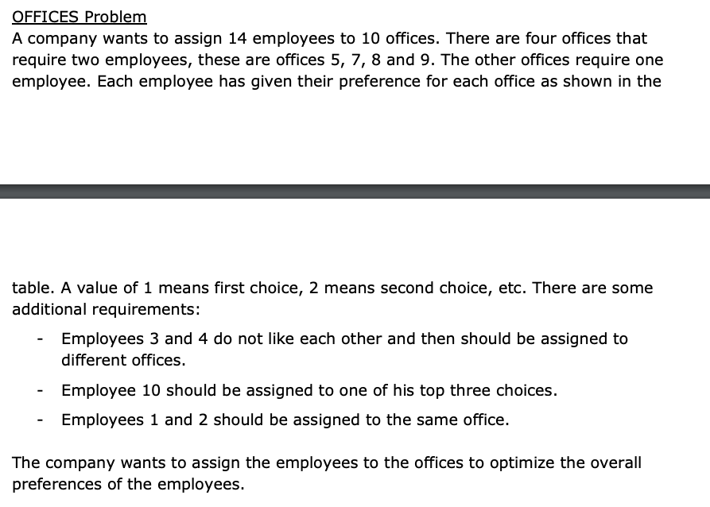
 | Preferences (1=first, 10=last choice)
 | Cost | Office 1 | Office 2 | Office 3 | Office 4 | Office 5 | Office 6 | Office 7 | Office 8 | Office 9 | Office 10 |  | Total Cost
 | Employee 1 | 3 | 2 | 1 | 4 | 6 | 5 | 8 | 9 | 10 | 7 |  | 31 | Minimise
 | Employee 2 | 5 | 3 | 2 | 6 | 1 | 7 | 9 | 8 | 4 | 10
 | Employee 3 | 10 | 8 | 1 | 9 | 7 | 4 | 3 | 6 | 2 | 5
 | Employee 4 | 7 | 3 | 2 | 9 | 5 | 4 | 8 | 6 | 1 | 10
 | Employee 5 | 1 | 3 | 6 | 8 | 5 | 2 | 9 | 10 | 7 | 4
 | Employee 6 | 4 | 9 | 1 | 5 | 6 | 8 | 2 | 7 | 10 | 3
 | Employee 7 | 2 | 1 | 10 | 9 | 5 | 3 | 6 | 8 | 4 | 7
 | Employee 8 | 6 | 5 | 1 | 3 | 2 | 4 | 7 | 8 | 9 | 10
 | Employee 9 | 8 | 9 | 10 | 5 | 4 | 3 | 2 | 1 | 6 | 7
 | Employee 10 | 9 | 10 | 3 | 2 | 5 | 4 | 1 | 7 | 8 | 6
 | Employee 11 | 7 | 3 | 5 | 2 | 9 | 8 | 1 | 10 | 4 | 6
 | Employee 12 | 6 | 5 | 1 | 9 | 10 | 2 | 3 | 4 | 7 | 8
 | Employee 13 | 6 | 8 | 10 | 9 | 1 | 2 | 3 | 4 | 5 | 7
 | Employee 14 | 6 | 3 | 5 | 9 | 1 | 2 | 10 | 4 | 8 | 7

 | Going (Binary) | Office 1 | Office 2 | Office 3 | Office 4 | Office 5 | Office 6 | Office 7 | Office 8 | Office 9 | Office 10 | At 1 Office
 | Employee 1 | 0 | 0 | 0 | 0 | 1 | 0 | 0 | 0 | 0 | 0 | 1 | = | 1
 | Employee 2 | 0 | 0 | 0 | 0 | 1 | 0 | 0 | 0 | 0 | 0 | 1 | = | 1
 | Employee 3 | 0 | 0 | 1 | 0 | 0 | 0 | 0 | 0 | 0 | 0 | 1 | = | 1
 | Employee 4 | 0 | 0 | 0 | 0 | 0 | 0 | 0 | 0 | 1 | 0 | 1 | = | 1
 | Employee 5 | 1 | 0 | 0 | 0 | 0 | 0 | 0 | 0 | 0 | 0 | 1 | = | 1
 | Employee 6 | 0 | 0 | 0 | 0 | 0 | 0 | 0 | 0 | 0 | 1 | 1 | = | 1
 | Employee 7 | 0 | 1 | 0 | 0 | 0 | 0 | 0 | 0 | 0 | 0 | 1 | = | 1
 | Employee 8 | 0 | 0 | 0 | 1 | 0 | 0 | 0 | 0 | 0 | 0 | 1 | = | 1
 | Employee 9 | 0 | 0 | 0 | 0 | 0 | 0 | 0 | 1 | 0 | 0 | 1 | = | 1
 | Employee 10 | 0 | 0 | 0 | 0 | 0 | 0 | 1 | 0 | 0 | 0 | 1 | = | 1
 | Employee 11 | 0 | 0 | 0 | 0 | 0 | 0 | 1 | 0 | 0 | 0 | 1 | = | 1
 | Employee 12 | 0 | 0 | 0 | 0 | 0 | 0 | 0 | 1 | 0 | 0 | 1 | = | 1 | Linking Constraints |  | Binary
 | Employee 13 | 0 | 0 | 0 | 0 | 0 | 0 | 0 | 0 | 1 | 0 | 1 | = | 1 | 1 | 0 | 0 | 0
 | Employee 14 | 0 | 0 | 0 | 0 | 0 | 1 | 0 | 0 | 0 | 0 | 1 | = | 1 | 1,2 @ 5 | 1,2 @ 7 | 1,2 @ 8 | 1,2 @ 9
 | Number at Office | 1 | 1 | 1 | 1 | 2 | 1 | 2 | 2 | 2 | 1
 |  | >= | >= | >= | >= | >= | >= | >= | >= | >= | >=
 |  | 1 | 1 | 1 | 1 | 2 | 1 | 2 | 2 | 2 | 1

 | Employees Needed |  |  | Employees 3 and 4 do not like each other and then should be assigned to different offices
 | Office 1 | 1 |  | 0 | 0 | 0 | 1 | <= | 1
 | Office 2 | 1
 | Office 3 | 1
 | Office 4 | 1 |  | Employee 10 should be assigned to one of his top three choices
 | Office 5 | 2 |  | 1 | <= | 3
 | Office 6 | 1
 | Office 7 | 2 |  | Employees 1 and 2 should be assigned to the same office
 | Office 8 | 2 |  | Office 5 | 2 | = | 2
 | Office 9 | 2 |  | Office 6 | 0 | = | 0
 | Office 10 | 1 |  | Office 7 | 0 | = | 0
 |  |  |  | Office 8 | 0 | = | 0
 |  |  |  | Total Bin | 1 | = | 1

Cars
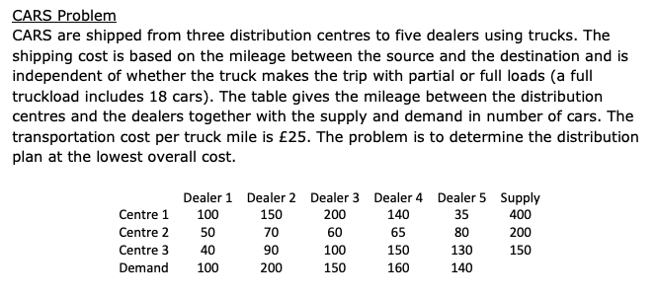
Mileage | D1 | D2 | D3 | D4 | D5 |  | Cost / Mile | Miles Driven | Total Cost
C1 | 100 | 150 | 200 | 140 | 35 |  | £25 | 3700 | £92,500
C2 | 50 | 70 | 60 | 65 | 80 |  | Truck Capacity
C3 | 40 | 90 | 100 | 150 | 130 |  | 18

Flow | D1 | D2 | D3 | D4 | D5 | Sent |  | Supply
C1 | 90 | 10 | 0 | 160 | 140 | 400 | = | 400
C2 | 0 | 50 | 150 | 0 | 0 | 200 | = | 200
C3 | 10 | 140 | 0 | 0 | 0 | 150 | = | 150
Received | 100 | 200 | 150 | 160 | 140
 | = | = | = | = | =
Demand | 100 | 200 | 150 | 160 | 140

Trucks (Int) | D1 | D2 | D3 | D4 | D5 |  | Lower Bound | 5 | 0.55555555556 | 0 | 8.8888888889 | 7.7777777778
C1 | 5 | 1 | 0 | 9 | 8 |  |  | <= | <= | <= | <= | <=
C2 | 0 | 3 | 9 | 0 | 0 |  | Variable | 5 | 1 | 0 | 9 | 8
C3 | 1 | 8 | 0 | 0 | 0 |  |  | < | < | < | < | <
 |  |  |  |  |  |  | Upper Bound | 6 | 1.5555555556 | 1 | 9.8888888889 | 8.7777777778

 |  |  |  |  |  |  | Lower Bound | 0 | 2.7777777778 | 8.3333333333 | 0 | 0
 | 90 | 10 | 0 | 160 | 140 |  |  | <= | <= | <= | <= | <=
 | 0 | 50 | 150 | 0 | 0 |  | Variable | 0 | 3 | 9 | 0 | 0
 | 10 | 140 | 0 | 0 | 0 |  |  | < | < | < | < | <
 | 5 | 1 | 0 | 9 | 8 |  | Upper Bound | 1 | 3.7777777778 | 9.3333333333 | 1 | 1
 | 0 | 3 | 9 | 0 | 0
 | 1 | 8 | 0 | 0 | 0 |  | Lower Bound | 0.55555555556 | 7.7777777778 | 0 | 0 | 0
 |  |  |  |  |  |  |  | <= | <= | <= | <= | <=
 |  |  |  |  |  |  | Variable | 1 | 8 | 0 | 0 | 0
 |  |  |  |  |  |  |  | < | < | < | < | <
 |  |  |  |  |  |  | Upper Bound | 1.5555555556 | 8.7777777778 | 1 | 1 | 1

